INDEX
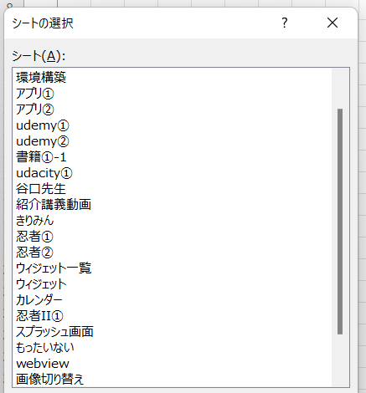
1

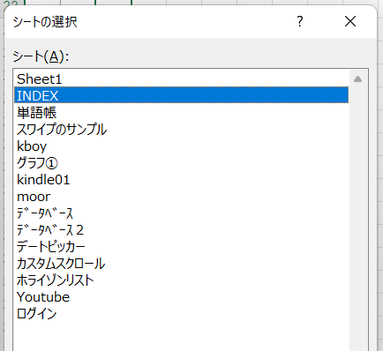
2

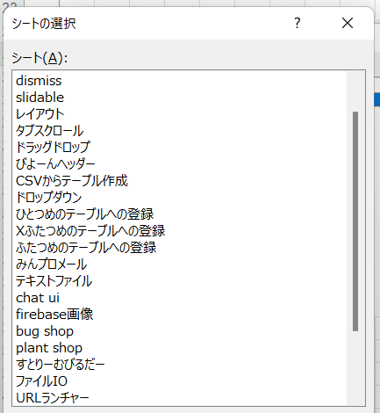
3

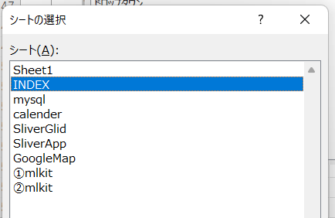
4

mysql
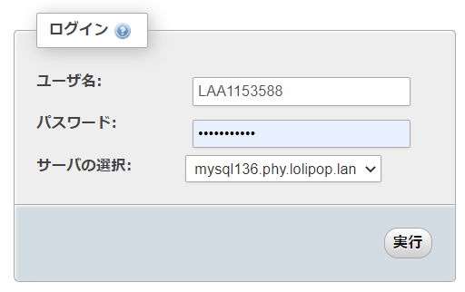
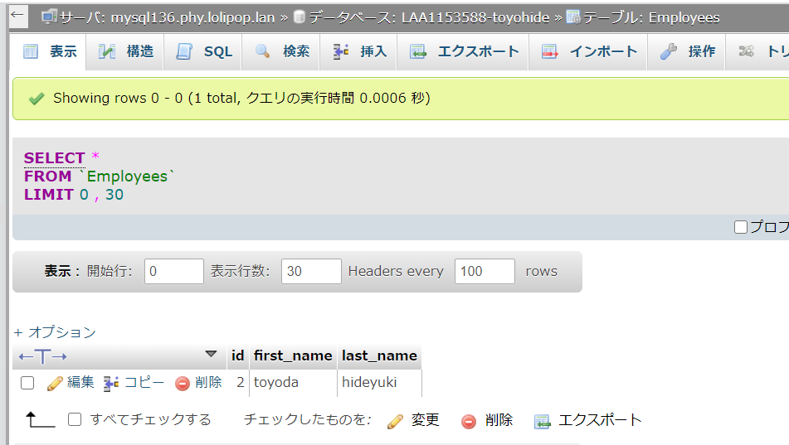
● | receive.php
 | http://toyohide.littlestar.jp/flutter_mysql/receive.phpに設置

 |  | <?php

 |  | $servername = "mysql136.phy.lolipop.lan";
 |  | $username = "LAA1153588";
 |  | $password = "hidechy4819";
 |  | $dbname = "LAA1153588-toyohide";
 |  | $table = "Employees";

 |  | $conn = new mysqli($servername, $username, $password, $dbname);

 |  | if($conn->connect_error){
 |  | die("Connection Failed: " . $conn->connect_error);
 |  | return;
 |  | }

 |  | $action = $_POST["action"];

 |  | if("CREATE_TABLE" == $action){
 |  | $sql = "CREATE TABLE IF NOT EXISTS $table (
 |  | id INT(6) UNSIGNED AUTO_INCREMENT PRIMARY KEY,
 |  | first_name VARCHAR(30) NOT NULL,
 |  | last_name VARCHAR(30) NOT NULL
 |  | )";

 |  | if($conn->query($sql) === TRUE){
 |  | echo "success";
 |  | }else{
 |  | echo "error";
 |  | }

 |  | $conn->close();

 |  | return;
 |  | }

 |  | if("GET_ALL" == $action){
 |  | $db_data = array();

 |  | $sql = "SELECT id, first_name, last_name from $table ORDER BY id DESC";
 |  | $result = $conn->query($sql);

 |  | if($result->num_rows > 0){

 |  | while($row = $result->fetch_assoc()){
 |  | $db_data[] = $row;
 |  | }

 |  | echo json_encode($db_data);
 |  | }else{
 |  | echo "error";
 |  | }

 |  | $conn->close();

 |  | return;
 |  | }

 |  | if("ADD_EMP" == $action){
 |  | $first_name = $_POST["first_name"];
 |  | $last_name = $_POST["last_name"];

 |  | $sql = "INSERT INTO $table (first_name, last_name) VALUES ('$first_name', '$last_name')";
 |  | $result = $conn->query($sql);

 |  | echo "success";

 |  | $conn->close();

 |  | return;
 |  | }

 |  | if("UPDATE_EMP" == $action){
 |  | $emp_id = $_POST['emp_id'];

 |  | $first_name = $_POST["first_name"];
 |  | $last_name = $_POST["last_name"];

 |  | $sql = "UPDATE $table SET first_name = '$first_name', last_name = '$last_name' WHERE id = $emp_id";
 |  | if($conn->query($sql) === TRUE){
 |  | echo "success";
 |  | }else{
 |  | echo "error";
 |  | }

 |  | $conn->close();

 |  | return;
 |  | }

 |  | if('DELETE_EMP' == $action){
 |  | $emp_id = $_POST['emp_id'];

 |  | $sql = "DELETE FROM $table WHERE id = $emp_id";

 |  | if($conn->query($sql) === TRUE){
 |  | echo "success";
 |  | }else{
 |  | echo "error";
 |  | }

 |  | $conn->close();

 |  | return;
 |  | }

 |  | ?>

 |  | name: testmysql
 |  | description: A new Flutter application.

 |  | publish_to: 'none'

 |  | version: 1.0.0+1

 |  | environment:
 |  | sdk: ">=2.7.0 <3.0.0"

 |  | dependencies:
 |  | flutter:
 |  | sdk: flutter

 |  | cupertino_icons: ^0.1.3
 |  | http: ^0.12.2

 |  | dev_dependencies:
 |  | flutter_test:
 |  | sdk: flutter

 |  | flutter:

 |  | uses-material-design: true

 | C:\Users\hidet\AndroidStudioProjects\minproinsta2\testmysql\lib\main.dart

 |  | import 'package:flutter/material.dart';
 |  | import 'package:testmysql/data_table_demo.dart';

 |  | void main() {
 |  | runApp(MyApp());
 |  | }

 |  | class MyApp extends StatelessWidget {
 |  | @override
 |  | Widget build(BuildContext context) {
 |  | return MaterialApp(
 |  | home: DataTableDemo(),
 |  | );
 |  | }
 |  | }

 | C:\Users\hidet\AndroidStudioProjects\minproinsta2\testmysql\lib\data_table_demo.dart

 |  | import 'package:flutter/material.dart';

 |  | import 'employee.dart';
 |  | import 'service.dart';

 |  | class DataTableDemo extends StatefulWidget {
 |  | DataTableDemo() : super();

 |  | final String title = 'Flutter Data Table';

 |  | @override
 |  | DataTableDemoState createState() => DataTableDemoState();
 |  | }

 |  | class DataTableDemoState extends State<DataTableDemo> {
 |  | List<Employee> _employees;
 |  | GlobalKey<ScaffoldState> _scaffoldKey;
 |  | Employee _selectedEmployee;
 |  | bool _isUpdating;
 |  | String _titleProgress;

 |  | TextEditingController _firstNameController;
 |  | TextEditingController _lastNameController;

 |  | @override
 |  | void initState() {
 |  | super.initState();
 |  | _employees = [];
 |  | _isUpdating = false;
 |  | _titleProgress = widget.title;

 |  | _scaffoldKey = GlobalKey();
 |  | _firstNameController = TextEditingController();
 |  | _lastNameController = TextEditingController();

 |  | _getEmployees();
 |  | }

 |  | _getEmployees() {
 |  | _showProgress('Loading Employees...');

 |  | Services.getEmployees().then((employees) {
 |  | setState(() {
 |  | _employees = employees;
 |  | });

 |  | _showProgress(widget.title);

 |  | print("Length ${employees.length}");
 |  | });
 |  | }

 |  | _showProgress(String message) {
 |  | setState(() {
 |  | _titleProgress = message;
 |  | });
 |  | }

 |  | @override
 |  | Widget build(BuildContext context) {
 |  | return Scaffold(
 |  | key: _scaffoldKey,
 |  | appBar: AppBar(
 |  | title: Text(_titleProgress),
 |  | actions: <Widget>[
 |  | IconButton(
 |  | icon: Icon(Icons.add),
 |  | onPressed: () {
 |  | _createTable();
 |  | },
 |  | ),
 |  | IconButton(
 |  | icon: Icon(Icons.refresh),
 |  | onPressed: () {
 |  | _getEmployees();
 |  | },
 |  | )
 |  | ],
 |  | ),
 |  | body: Container(
 |  | child: Column(
 |  | mainAxisAlignment: MainAxisAlignment.center,
 |  | children: <Widget>[
 |  | Padding(
 |  | padding: EdgeInsets.all(20.0),
 |  | child: TextField(
 |  | controller: _firstNameController,
 |  | decoration: InputDecoration.collapsed(
 |  | hintText: 'First Name',
 |  | ),
 |  | ),
 |  | ),
 |  | Padding(
 |  | padding: EdgeInsets.all(20.0),
 |  | child: TextField(
 |  | controller: _lastNameController,
 |  | decoration: InputDecoration.collapsed(
 |  | hintText: 'Last Name',
 |  | ),
 |  | ),
 |  | ),
 |  | _isUpdating
 |  | ? Row(
 |  | children: <Widget>[
 |  | OutlineButton(
 |  | child: Text('UPDATE'),
 |  | onPressed: () {
 |  | _updateEmployee(_selectedEmployee);
 |  | },
 |  | ),
 |  | OutlineButton(
 |  | child: Text('CANCEL'),
 |  | onPressed: () {
 |  | setState(() {
 |  | _isUpdating = false;
 |  | });
 |  | _clearValues();
 |  | },
 |  | ),
 |  | ],
 |  | )
 |  | : Container(),
 |  | Expanded(
 |  | child: _dataBody(),
 |  | ),
 |  | ],
 |  | ),
 |  | ),
 |  | floatingActionButton: FloatingActionButton(
 |  | onPressed: () {
 |  | _addEmployee();
 |  | },
 |  | child: Icon(Icons.add),
 |  | ),
 |  | );
 |  | }

 |  | SingleChildScrollView _dataBody() {
 |  | return SingleChildScrollView(
 |  | scrollDirection: Axis.vertical,
 |  | child: SingleChildScrollView(
 |  | scrollDirection: Axis.horizontal,
 |  | child: DataTable(
 |  | columns: [
 |  | DataColumn(
 |  | label: Text('ID'),
 |  | ),
 |  | DataColumn(
 |  | label: Text('FIRST NAME'),
 |  | ),
 |  | DataColumn(
 |  | label: Text('LAST NAME'),
 |  | ),
 |  | // Lets add one more column to show a delete button
 |  | DataColumn(
 |  | label: Text('DELETE'),
 |  | )
 |  | ],
 |  | rows: _employees
 |  | .map(
 |  | (employee) => DataRow(cells: [
 |  | DataCell(
 |  | Text(employee.id),
 |  | onTap: () {
 |  | _showValues(employee);
 |  | _selectedEmployee = employee;
 |  | setState(() {
 |  | _isUpdating = true;
 |  | });
 |  | },
 |  | ),
 |  | DataCell(
 |  | Text(
 |  | employee.firstName.toUpperCase(),
 |  | ),
 |  | onTap: () {
 |  | _showValues(employee);
 |  | _selectedEmployee = employee;
 |  | setState(() {
 |  | _isUpdating = true;
 |  | });
 |  | },
 |  | ),
 |  | DataCell(
 |  | Text(
 |  | employee.lastName.toUpperCase(),
 |  | ),
 |  | onTap: () {
 |  | _showValues(employee);
 |  | _selectedEmployee = employee;
 |  | setState(() {
 |  | _isUpdating = true;
 |  | });
 |  | },
 |  | ),
 |  | DataCell(IconButton(
 |  | icon: Icon(Icons.delete),
 |  | onPressed: () {
 |  | _deleteEmployee(employee);
 |  | },
 |  | ))
 |  | ]),
 |  | )
 |  | .toList(),
 |  | ),
 |  | ),
 |  | );
 |  | }

 |  | _showValues(Employee employee) {
 |  | _firstNameController.text = employee.firstName;
 |  | _lastNameController.text = employee.lastName;
 |  | }

 |  | _createTable() {
 |  | _showProgress('Creating Table...');

 |  | Services.createTable().then((result) {
 |  | if ('success' == result) {
 |  | _showSnackBar(context, result);

 |  | _showProgress(widget.title);
 |  | }
 |  | });
 |  | }

 |  | _showSnackBar(context, message) {
 |  | _scaffoldKey.currentState.showSnackBar(
 |  | SnackBar(
 |  | content: Text(message),
 |  | ),
 |  | );
 |  | }

 |  | _addEmployee() {
 |  | if (_firstNameController.text.isEmpty || _lastNameController.text.isEmpty) {
 |  | print('Empty Fields');
 |  | return;
 |  | }

 |  | _showProgress('Adding Employee...');

 |  | Services.addEmployee(_firstNameController.text, _lastNameController.text)
 |  | .then((result) {
 |  | if ('success' == result) {
 |  | _getEmployees();

 |  | _clearValues();
 |  | }
 |  | });
 |  | }

 |  | _updateEmployee(Employee employee) {
 |  | setState(() {
 |  | _isUpdating = true;
 |  | });

 |  | _showProgress('Updating Employee...');

 |  | Services.updateEmployee(
 |  | employee.id, _firstNameController.text, _lastNameController.text)
 |  | .then((result) {
 |  | if ('success' == result) {
 |  | _getEmployees();

 |  | setState(() {
 |  | _isUpdating = false;
 |  | });

 |  | _clearValues();
 |  | }
 |  | });
 |  | }

 |  | _deleteEmployee(Employee employee) {
 |  | _showProgress('Deleting Employee...');

 |  | Services.deleteEmployee(employee.id).then((result) {
 |  | if ('success' == result) {
 |  | _getEmployees();
 |  | }
 |  | });
 |  | }

 |  | _clearValues() {
 |  | _firstNameController.text = '';
 |  | _lastNameController.text = '';
 |  | }
 |  | }

 | C:\Users\hidet\AndroidStudioProjects\minproinsta2\testmysql\lib\employee.dart

 |  | class Employee {
 |  | String id;

 |  | String firstName;
 |  | String lastName;

 |  | Employee({this.id, this.firstName, this.lastName});

 |  | factory Employee.fromJson(Map<String, dynamic> json) {
 |  | return Employee(
 |  | id: json['id'] as String,
 |  | firstName: json['first_name'] as String,
 |  | lastName: json['last_name'] as String,
 |  | );
 |  | }
 |  | }

 | C:\Users\hidet\AndroidStudioProjects\minproinsta2\testmysql\lib\service.dart

 |  | import 'dart:convert';

 |  | import 'package:http/http.dart' as http;

 |  | import 'employee.dart';

 |  | class Services {
 |  | static const ROOT = 'http://toyohide.littlestar.jp/flutter_mysql/receive.php';

 |  | static const _CREATE_TABLE_ACTION = 'CREATE_TABLE';
 |  | static const _GET_ALL_ACTION = 'GET_ALL';
 |  | static const _ADD_EMP_ACTION = 'ADD_EMP';
 |  | static const _UPDATE_EMP_ACTION = 'UPDATE_EMP';
 |  | static const _DELETE_EMP_ACTION = 'DELETE_EMP';

 |  | static Future<String> createTable() async {
 |  | try {
 |  | var map = Map<String, dynamic>();
 |  | map['action'] = _CREATE_TABLE_ACTION;
 |  | final response = await http.post(ROOT, body: map);

 |  | print('Create Table Response: ${response.body}');

 |  | if (200 == response.statusCode) {
 |  | return response.body;
 |  | } else {
 |  | return "error";
 |  | }
 |  | } catch (e) {
 |  | return "error";
 |  | }
 |  | }

 |  | static Future<List<Employee>> getEmployees() async {
 |  | try {
 |  | var map = Map<String, dynamic>();
 |  | map['action'] = _GET_ALL_ACTION;
 |  | final response = await http.post(ROOT, body: map);

 |  | print('getEmployees Response: ${response.body}');

 |  | if (200 == response.statusCode) {
 |  | List<Employee> list = parseResponse(response.body);
 |  | return list;
 |  | } else {
 |  | return List<Employee>();
 |  | }
 |  | } catch (e) {
 |  | return List<Employee>();
 |  | }
 |  | }

 |  | static List<Employee> parseResponse(String responseBody) {
 |  | final parsed = json.decode(responseBody).cast<Map<String, dynamic>>();

 |  | return parsed.map<Employee>((json) => Employee.fromJson(json)).toList();
 |  | }

 |  | static Future<String> addEmployee(String firstName, String lastName) async {
 |  | try {
 |  | var map = Map<String, dynamic>();
 |  | map['action'] = _ADD_EMP_ACTION;
 |  | map['first_name'] = firstName;
 |  | map['last_name'] = lastName;
 |  | final response = await http.post(ROOT, body: map);

 |  | print('addEmployee Response: ${response.body}');

 |  | if (200 == response.statusCode) {
 |  | return response.body;
 |  | } else {
 |  | return "error";
 |  | }
 |  | } catch (e) {
 |  | return "error";
 |  | }
 |  | }

 |  | static Future<String> updateEmployee(
 |  | String empId, String firstName, String lastName) async {
 |  | try {
 |  | var map = Map<String, dynamic>();
 |  | map['action'] = _UPDATE_EMP_ACTION;
 |  | map['emp_id'] = empId;
 |  | map['first_name'] = firstName;
 |  | map['last_name'] = lastName;
 |  | final response = await http.post(ROOT, body: map);

 |  | print('updateEmployee Response: ${response.body}');

 |  | if (200 == response.statusCode) {
 |  | return response.body;
 |  | } else {
 |  | return "error";
 |  | }
 |  | } catch (e) {
 |  | return "error";
 |  | }
 |  | }

 |  | static Future<String> deleteEmployee(String empId) async {
 |  | try {
 |  | var map = Map<String, dynamic>();
 |  | map['action'] = _DELETE_EMP_ACTION;
 |  | map['emp_id'] = empId;
 |  | final response = await http.post(ROOT, body: map);

 |  | print('deleteEmployee Response: ${response.body}');

 |  | if (200 == response.statusCode) {
 |  | return response.body;
 |  | } else {
 |  | return "error";
 |  | }
 |  | } catch (e) {
 |  | return "error";
 |  | }
 |  | }
 |  | }

 | https://mysqladmin.lolipop.jp/pma/index.php?db=LAA1153588-toyohide&table=Employees&server=183&token=e2580e2e398b73745492b7f5bad339b6&goto=tbl_sql.php&back=tbl_sql.php&old_usr=LAA1153588

①mlkit
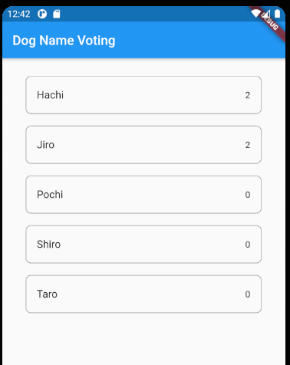
 | mlkit

● | firebaseプロジェクト作成

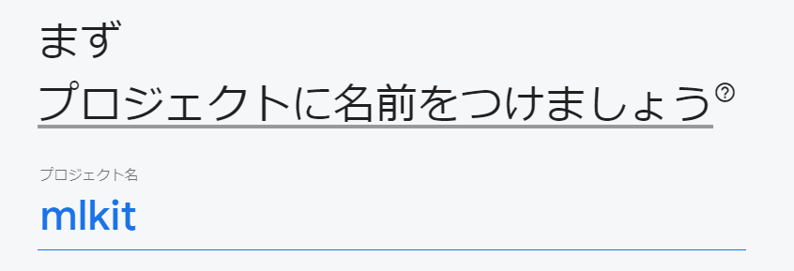

● | プロジェクト作成

 |  |  |  | work.toyohide.mlkit

 | android/apps/build.gradle

 |  | def localProperties = new Properties()
 |  | def localPropertiesFile = rootProject.file('local.properties')
 |  | if (localPropertiesFile.exists()) {
 |  | localPropertiesFile.withReader('UTF-8') { reader ->
 |  | localProperties.load(reader)
 |  | }
 |  | }

 |  | def flutterRoot = localProperties.getProperty('flutter.sdk')
 |  | if (flutterRoot == null) {
 |  | throw new GradleException("Flutter SDK not found. Define location with flutter.sdk in the local.properties file.")
 |  | }

 |  | def flutterVersionCode = localProperties.getProperty('flutter.versionCode')
 |  | if (flutterVersionCode == null) {
 |  | flutterVersionCode = '1'
 |  | }

 |  | def flutterVersionName = localProperties.getProperty('flutter.versionName')
 |  | if (flutterVersionName == null) {
 |  | flutterVersionName = '1.0'
 |  | }

 |  | apply plugin: 'com.android.application'
 |  | apply plugin: 'kotlin-android'
 |  | apply from: "$flutterRoot/packages/flutter_tools/gradle/flutter.gradle"

 |  | android {
 |  | compileSdkVersion 28

 |  | sourceSets {
 |  | main.java.srcDirs += 'src/main/kotlin'
 |  | }

 |  | lintOptions {
 |  | disable 'InvalidPackage'
 |  | }

 |  | defaultConfig {
 |  | // TODO: Specify your own unique Application ID (https://developer.android.com/studio/build/application-id.html).
 |  | applicationId "jp.co.sailab.voting_app_proto"
 |  | minSdkVersion 16
 |  | targetSdkVersion 28
 |  | versionCode flutterVersionCode.toInteger()
 |  | versionName flutterVersionName
 |  | multiDexEnabled true // 追記
 |  | }

 |  | buildTypes {
 |  | release {
 |  | // TODO: Add your own signing config for the release build.
 |  | // Signing with the debug keys for now, so `flutter run --release` works.
 |  | signingConfig signingConfigs.debug
 |  | }
 |  | }
 |  | }

 |  | flutter {
 |  | source '../..'
 |  | }

 |  | dependencies {
 |  | implementation "org.jetbrains.kotlin:kotlin-stdlib-jdk7:$kotlin_version"
 |  | }

 |  | apply plugin: 'com.google.gms.google-services' // 追記

 | android/build.gradle

 |  | buildscript {
 |  | ext.kotlin_version = '1.3.50'
 |  | repositories {
 |  | google()
 |  | jcenter()
 |  | }

 |  | dependencies {
 |  | classpath 'com.android.tools.build:gradle:3.5.0'
 |  | classpath "org.jetbrains.kotlin:kotlin-gradle-plugin:$kotlin_version"
 |  | classpath 'com.google.gms:google-services:4.3.3' // 追記
 |  | } | classpath 'com.google.gms:google-services:4.3.4'
 |  | } | バージョン上がっていた。（2020.11.23）

 |  | allprojects {
 |  | repositories {
 |  | google()
 |  | jcenter()
 |  | }
 |  | }

 |  | rootProject.buildDir = '../build'
 |  | subprojects {
 |  | project.buildDir = "${rootProject.buildDir}/${project.name}"
 |  | }
 |  | subprojects {
 |  | project.evaluationDependsOn(':app')
 |  | }

 |  | task clean(type: Delete) {
 |  | delete rootProject.buildDir
 |  | }

 | あぷ2あん1

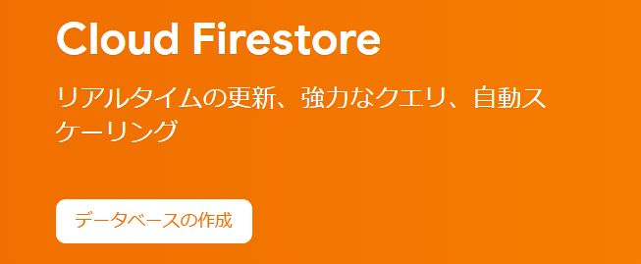
●

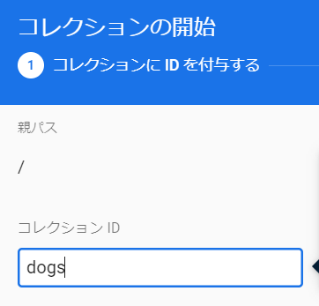

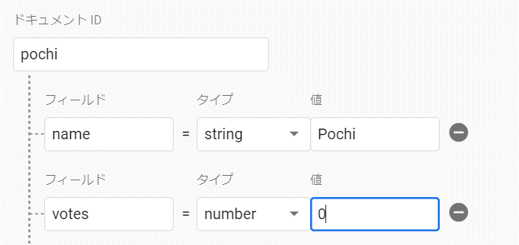

 | Taro / Jiro / Shiro / Hachi
 | も作成する

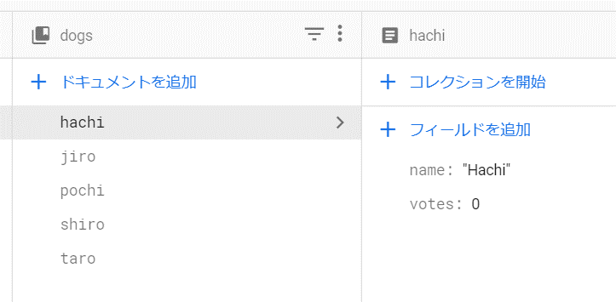

 |  | name: mlkit
 |  | description: A new Flutter application.

 |  | publish_to: 'none'

 |  | version: 1.0.0+1

 |  | environment:
 |  | sdk: ">=2.7.0 <3.0.0"

 |  | dependencies:
 |  | flutter:
 |  | sdk: flutter

 |  | cupertino_icons: ^0.1.3

 |  | firebase_core : ^0.5.0 # 追記
 |  | cloud_firestore: ^0.14.0+1 # 追記

 |  | dev_dependencies:
 |  | flutter_test:
 |  | sdk: flutter

 |  | flutter:

 |  | uses-material-design: true

 | main.dart

 |  | import 'package:cloud_firestore/cloud_firestore.dart';
 |  | import 'package:firebase_core/firebase_core.dart';
 |  | import 'package:flutter/material.dart';

 |  | void main() async {
 |  | WidgetsFlutterBinding.ensureInitialized();
 |  | await Firebase.initializeApp();
 |  | runApp(MyApp());
 |  | }

 |  | class MyApp extends StatelessWidget {
 |  | @override
 |  | Widget build(BuildContext context) {
 |  | return MaterialApp(
 |  | title: "Dog Name Voting",
 |  | home: MyHomePage(),
 |  | );
 |  | }
 |  | }

 |  | class MyHomePage extends StatefulWidget {
 |  | @override
 |  | _MyHomePageState createState() {
 |  | return _MyHomePageState();
 |  | }
 |  | }

 |  | class _MyHomePageState extends State<MyHomePage> {
 |  | @override
 |  | Widget build(BuildContext context) {
 |  | return Scaffold(
 |  | appBar: AppBar(title: Text("Dog Name Voting")),
 |  | body: _buildBody(),
 |  | );
 |  | }

 |  | Widget _buildBody() {
 |  | return StreamBuilder<QuerySnapshot>(
 |  | // Streamを監視して、イベントが通知される度にWidgetを更新する
 |  | stream: FirebaseFirestore.instance.collection("dogs").snapshots(),
 |  | builder: (context, snapshot) {
 |  | if (!snapshot.hasData) return LinearProgressIndicator();
 |  | return _buildList(snapshot.data.docs);
 |  | },
 |  | );
 |  | }

 |  | Widget _buildList(List<DocumentSnapshot> snapList) {
 |  | return ListView.builder(
 |  | padding: const EdgeInsets.all(18.0),
 |  | itemCount: snapList.length,
 |  | itemBuilder: (context, i) {
 |  | return _buildListItem(snapList[i]);
 |  | });
 |  | }

 |  | Widget _buildListItem(DocumentSnapshot snap) {
 |  | Map<String, dynamic> data = snap.data();

 |  | return Padding(
 |  | padding: const EdgeInsets.symmetric(horizontal: 18.0, vertical: 9.0),
 |  | child: Container(
 |  | decoration: BoxDecoration(
 |  | border: Border.all(color: Colors.grey),
 |  | borderRadius: BorderRadius.circular(8.0),
 |  | ),
 |  | child: ListTile(
 |  | title: Text(data["name"]),
 |  | trailing: Text(data["votes"].toString()),
 |  | onTap: () =>
 |  | snap.reference.update({"votes": FieldValue.increment(1)}),
 |  | ),
 |  | ),
 |  | );
 |  | }
 |  | }

②mlkit
 | mlkit

● | アプリの追加

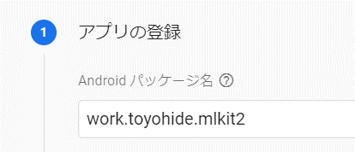

 | android/app/build.gradle |  | こちらだけ変更箇所多い

 |  | def localProperties = new Properties()
 |  | def localPropertiesFile = rootProject.file('local.properties')
 |  | if (localPropertiesFile.exists()) {
 |  | localPropertiesFile.withReader('UTF-8') { reader ->
 |  | localProperties.load(reader)
 |  | }
 |  | }

 |  | def flutterRoot = localProperties.getProperty('flutter.sdk')
 |  | if (flutterRoot == null) {
 |  | throw new GradleException("Flutter SDK not found. Define location with flutter.sdk in the local.properties file.")
 |  | }

 |  | def flutterVersionCode = localProperties.getProperty('flutter.versionCode')
 |  | if (flutterVersionCode == null) {
 |  | flutterVersionCode = '1'
 |  | }

 |  | def flutterVersionName = localProperties.getProperty('flutter.versionName')
 |  | if (flutterVersionName == null) {
 |  | flutterVersionName = '1.0'
 |  | }

 |  | apply plugin: 'com.android.application'
 |  | apply plugin: 'kotlin-android'
 |  | apply from: "$flutterRoot/packages/flutter_tools/gradle/flutter.gradle"

 |  | android {
 |  | compileSdkVersion 28

 |  | sourceSets {
 |  | main.java.srcDirs += 'src/main/kotlin'
 |  | }

 |  | lintOptions {
 |  | disable 'InvalidPackage'
 |  | }

 |  | defaultConfig {
 |  | // TODO: Specify your own unique Application ID (https://developer.android.com/studio/build/application-id.html).
 |  | applicationId "work.toyohide.mlkit2"
 |  | targetSdkVersion 28
 |  | versionCode flutterVersionCode.toInteger()
 |  | versionName flutterVersionName

 |  | //minSdkVersion 16
 |  | minSdkVersion 21 // 変更

 |  | multiDexEnabled true // 追記

 |  | }

 |  | buildTypes {
 |  | release {
 |  | // TODO: Add your own signing config for the release build.
 |  | // Signing with the debug keys for now, so `flutter run --release` works.
 |  | signingConfig signingConfigs.debug
 |  | }
 |  | }

 |  | dependencies {
 |  | api 'com.google.firebase:firebase-ml-vision-image-label-model:17.0.2' // 追記
 |  | api 'com.google.firebase:firebase-ml-vision-face-model:17.0.2' // 追記
 |  | }

 |  | }

 |  | flutter {
 |  | source '../..'
 |  | }

 |  | dependencies {
 |  | implementation "org.jetbrains.kotlin:kotlin-stdlib-jdk7:$kotlin_version"
 |  | }

 |  | apply plugin: 'com.google.gms.google-services' // 追記

●
 |  | name: mlkit2
 |  | description: A new Flutter application.

 |  | publish_to: 'none'

 |  | version: 1.0.0+1

 |  | environment:
 |  | sdk: ">=2.7.0 <3.0.0"

 |  | dependencies:
 |  | flutter:
 |  | sdk: flutter

 |  | cupertino_icons: ^0.1.3
 |  | image_picker: ^0.6.7+14

 |  | dev_dependencies:
 |  | flutter_test:
 |  | sdk: flutter

 |  | flutter:

 |  | uses-material-design: true

 | main.dart

 |  | import 'dart:io';

 |  | import 'package:flutter/material.dart';
 |  | import 'package:image_picker/image_picker.dart';

 |  | void main() {
 |  | runApp(MyApp());
 |  | }

 |  | class MyApp extends StatelessWidget {
 |  | // This widget is the root of your application.
 |  | @override
 |  | Widget build(BuildContext context) {
 |  | return MaterialApp(
 |  | title: "Face Finder",
 |  | theme: ThemeData(
 |  | primarySwatch: Colors.blue,
 |  | visualDensity: VisualDensity.adaptivePlatformDensity,
 |  | ),
 |  | home: FaceFinder(),
 |  | );
 |  | }
 |  | }

 |  | class FaceFinder extends StatefulWidget {
 |  | @override
 |  | State<StatefulWidget> createState() => _FaceFinderState();
 |  | }

 |  | class _FaceFinderState extends State<FaceFinder> {
 |  | File _imageFile;
 |  | final ImagePicker _picker = ImagePicker();

 |  | void _getImageAndFindFace(ImageSource imageSource) async {
 |  | setState(() {
 |  | _imageFile = null;
 |  | });

 |  | final PickedFile pickedImage = await _picker.getImage(source: imageSource);
 |  | final File imageFile = File(pickedImage.path);

 |  | setState(() {
 |  | _imageFile = imageFile;
 |  | });
 |  | }

 |  | Widget _makeImage() {
 |  | return Container(
 |  | constraints: BoxConstraints.expand(),
 |  | decoration: BoxDecoration(
 |  | image: DecorationImage(
 |  | image: Image.file(_imageFile).image,
 |  | fit: BoxFit.contain,
 |  | ),
 |  | ),
 |  | );
 |  | }

 |  | @override
 |  | Widget build(BuildContext context) {
 |  | return Scaffold(
 |  | appBar: AppBar(
 |  | title: Text("Face Finder"),
 |  | ),
 |  | body: _imageFile == null
 |  | ? Center(child: Text("No image selected."))
 |  | : _makeImage(),
 |  | floatingActionButton: Column(
 |  | mainAxisAlignment: MainAxisAlignment.end,
 |  | children: <Widget>[
 |  | FloatingActionButton(
 |  | onPressed: () {
 |  | _getImageAndFindFace(ImageSource.gallery);
 |  | },
 |  | tooltip: "Select Image",
 |  | child: Icon(Icons.add_photo_alternate),
 |  | ),
 |  | Padding(padding: EdgeInsets.all(10.0)),
 |  | FloatingActionButton(
 |  | onPressed: () {
 |  | _getImageAndFindFace(ImageSource.camera);
 |  | },
 |  | tooltip: "Take Photo",
 |  | child: Icon(Icons.add_a_photo),
 |  | ),
 |  | ],
 |  | ));
 |  | }
 |  | }

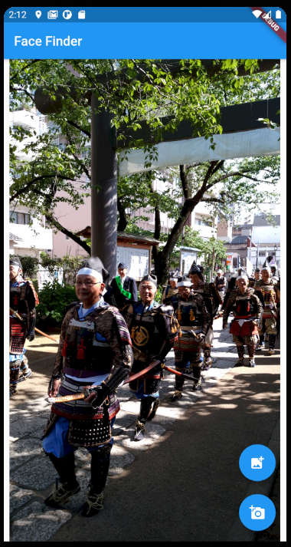

● | mlkitの導入

 |  | name: mlkit2
 |  | description: A new Flutter application.

 |  | publish_to: 'none'

 |  | version: 1.0.0+1

 |  | environment:
 |  | sdk: ">=2.7.0 <3.0.0"

 |  | dependencies:
 |  | flutter:
 |  | sdk: flutter

 |  | cupertino_icons: ^0.1.3
 |  | image_picker: ^0.6.7+14
 |  | firebase_core: ^0.5.0 # 追記
 |  | firebase_ml_vision: ^0.9.6+2 # 追記

 |  | dev_dependencies:
 |  | flutter_test:
 |  | sdk: flutter

 |  | flutter:

 |  | uses-material-design: true

 | main.dart

 |  | import 'dart:io';

 |  | import 'package:flutter/material.dart';
 |  | import 'package:image_picker/image_picker.dart';
 |  | import 'package:firebase_ml_vision/firebase_ml_vision.dart';

 |  | void main() {
 |  | runApp(MyApp());
 |  | }

 |  | class MyApp extends StatelessWidget {
 |  | // This widget is the root of your application.
 |  | @override
 |  | Widget build(BuildContext context) {
 |  | return MaterialApp(
 |  | title: "Face Finder",
 |  | theme: ThemeData(
 |  | primarySwatch: Colors.blue,
 |  | visualDensity: VisualDensity.adaptivePlatformDensity,
 |  | ),
 |  | home: FaceFinder(),
 |  | );
 |  | }
 |  | }

 |  | class FaceFinder extends StatefulWidget {
 |  | @override
 |  | State<StatefulWidget> createState() => _FaceFinderState();
 |  | }

 |  | class _FaceFinderState extends State<FaceFinder> {
 |  | File _imageFile;
 |  | Size _imageSize;
 |  | List<Face> _faceResults;
 |  | final FaceDetector _faceDetector = FirebaseVision.instance.faceDetector();
 |  | final ImagePicker _picker = ImagePicker();

 |  | void _getImageAndFindFace(ImageSource imageSource) async {
 |  | setState(() {
 |  | _imageFile = null;
 |  | _imageSize = null;
 |  | });

 |  | final PickedFile pickedImage = await _picker.getImage(source: imageSource);
 |  | final File imageFile = File(pickedImage.path);

 |  | if (imageFile != null) {
 |  | _getImageSize(imageFile);
 |  | _findFace(imageFile);
 |  | }

 |  | setState(() {
 |  | _imageFile = imageFile;
 |  | });
 |  | }

 |  | void _getImageSize(File imageFile) {
 |  | final Image image = Image.file(imageFile);
 |  | image.image.resolve(ImageConfiguration()).addListener(
 |  | ImageStreamListener((ImageInfo info, bool _) {
 |  | setState(() {
 |  | _imageSize = Size(
 |  | info.image.width.toDouble(),
 |  | info.image.height.toDouble(),
 |  | );
 |  | });
 |  | }),
 |  | );
 |  | }

 |  | void _findFace(File imageFile) async {
 |  | setState(() {
 |  | _faceResults = null;
 |  | });

 |  | final FirebaseVisionImage visionImage =
 |  | FirebaseVisionImage.fromFile(imageFile);

 |  | List<Face> results = await _faceDetector.processImage(visionImage);
 |  | setState(() {
 |  | _faceResults = results;
 |  | });
 |  | }

 |  | Widget _makeImage() {
 |  | return Container(
 |  | constraints: BoxConstraints.expand(),
 |  | decoration: BoxDecoration(
 |  | image: DecorationImage(
 |  | image: Image.file(_imageFile).image,
 |  | fit: BoxFit.contain,
 |  | ),
 |  | ),
 |  | child: _imageSize == null || _faceResults == null
 |  | ? Center(
 |  | child: Text(
 |  | "Detecting...",
 |  | style: TextStyle(
 |  | color: Colors.lightBlue,
 |  | fontSize: 32.0,
 |  | ),
 |  | ),
 |  | )
 |  | : CustomPaint(painter: FaceBorderDrawer(_imageSize, _faceResults)));
 |  | }

 |  | @override
 |  | Widget build(BuildContext context) {
 |  | return Scaffold(
 |  | appBar: AppBar(
 |  | title: Text("Face Finder"),
 |  | ),
 |  | body: _imageFile == null
 |  | ? Center(child: Text("No image selected."))
 |  | : _makeImage(),
 |  | floatingActionButton: Column(
 |  | mainAxisAlignment: MainAxisAlignment.end,
 |  | children: <Widget>[
 |  | FloatingActionButton(
 |  | onPressed: () {
 |  | _getImageAndFindFace(ImageSource.gallery);
 |  | },
 |  | tooltip: "Select Image",
 |  | child: Icon(Icons.add_photo_alternate),
 |  | ),
 |  | Padding(padding: EdgeInsets.all(10.0)),
 |  | FloatingActionButton(
 |  | onPressed: () {
 |  | _getImageAndFindFace(ImageSource.camera);
 |  | },
 |  | tooltip: "Take Photo",
 |  | child: Icon(Icons.add_a_photo),
 |  | ),
 |  | ],
 |  | ));
 |  | }

 |  | @override
 |  | void dispose() {
 |  | _faceDetector.close();
 |  | super.dispose();
 |  | }
 |  | }

 |  | class FaceBorderDrawer extends CustomPainter {
 |  | final Size originalImageSize;
 |  | final List<Face> faces;

 |  | FaceBorderDrawer(this.originalImageSize, this.faces);

 |  | @override
 |  | void paint(Canvas canvas, Size size) {
 |  | final double scale = size.width / originalImageSize.width;
 |  | final double vSpace = (size.height -
 |  | size.width * originalImageSize.height / originalImageSize.width) /
 |  | 2.0;

 |  | final Paint paint = Paint();
 |  | paint.style = PaintingStyle.stroke;
 |  | paint.strokeWidth = 2.0;
 |  | paint.color = Colors.red;

 |  | for (Face face in faces) {
 |  | canvas.drawRect(
 |  | Rect.fromLTRB(
 |  | face.boundingBox.left * scale,
 |  | face.boundingBox.top * scale + vSpace,
 |  | face.boundingBox.right * scale,
 |  | face.boundingBox.bottom * scale + vSpace,
 |  | ),
 |  | paint,
 |  | );
 |  | }
 |  | }

 |  | @override
 |  | bool shouldRepaint(FaceBorderDrawer oldDelegate) {
 |  | return oldDelegate.originalImageSize != originalImageSize ||
 |  | oldDelegate.faces != faces;
 |  | }
 |  | }

 | 実行するとエラー発生

 | Launching lib\main.dart on sdk gphone x86 arm in debug mode...
 | Running Gradle task 'assembleDebug'...

 | FAILURE: Build failed with an exception.

 | * What went wrong:
 | Could not determine the dependencies of task ':app:compileDebugJavaWithJavac'.
 | > In project 'app' a resolved Google Play services library dependency depends on another at an exact version (e.g. "[19.0.
 | 2]", but isn't being resolved to that version. Behavior exhibited by the library will be unknown.

 | Dependency failing: com.google.android.gms:play-services-vision:20.0.0 -> com.google.android.gms:play-services-vision-co
 | mmon@[19.0.2], but play-services-vision-common version was 19.1.0.

 | The following dependencies are project dependencies that are direct or have transitive dependencies that lead to the art
 | ifact with the issue.
 | -- Project 'app' depends onto com.google.firebase:firebase-ml-vision@{strictly 24.1.0}
 | -- Project 'app' depends onto com.google.android.gms:play-services-vision-face-contour-internal@{strictly 16.0.0}
 | -- Project 'app' depends on project 'firebase_ml_vision' which depends onto com.google.firebase:firebase-ml-vision@20.0.
 | 0
 | -- Project 'app' depends onto com.google.firebase:firebase-ml-vision-image-label-model@{strictly 20.0.2}
 | -- Project 'app' depends onto com.google.android.gms:play-services-vision-common@{strictly 19.1.0}
 | -- Project 'app' depends onto com.google.firebase:firebase-ml-vision-image-label-model@17.0.2
 | -- Project 'app' depends onto com.google.firebase:firebase-ml-vision-face-model@{strictly 20.0.2}
 | -- Project 'app' depends onto com.google.android.gms:play-services-vision-image-label@{strictly 18.0.4}
 | -- Project 'app' depends onto com.google.android.gms:play-services-vision@{strictly 20.0.0}
 | -- Project 'app' depends onto com.google.firebase:firebase-ml-vision-face-model@17.0.2
 | -- Project 'app' depends onto com.google.android.gms:play-services-vision-image-labeling-internal@{strictly 16.0.0}

 | For extended debugging info execute Gradle from the command line with ./gradlew --info :app:assembleDebug to see the dep
 | endency paths to the artifact. This error message came from the google-services Gradle plugin, report issues at https://
 | github.com/google/play-services-plugins and disable by adding "googleServices { disableVersionCheck = true }" to your bu
 | ild.gradle file.

 | * Try:
 | Run with --stacktrace option to get the stack trace. Run with --info or --debug option to get more log output. Run with --scan to get full insights.

 | * Get more help at https://help.gradle.org

 | BUILD FAILED in 11s
 | Exception: Gradle task assembleDebug failed with exit code 1

 | 同じ質問をしている人がいる
 | https://www.udemy.com/course/ft-fb-mk/learn/lecture/22207512#questions/13179228
 | これが解決したら続行しよう

