hooks_freezed_todo
 | Hooks_Riverpod+StateNotifier+Drift(旧Moor)+freezedで簡単なTodoアプリを作ってみよう！
 | https://zenn.dev/antman/books/7767fc7ada0338

● | pubspec.yaml

 |  | name: test_hooks_todo
 |  | description: A new Flutter project.

 |  | publish_to: 'none'

 |  | version: 1.0.0+1

 |  | environment:
 |  | sdk: '>=2.18.2 <3.0.0'

 |  | dependencies:

 |  | awesome_notifications: ^0.7.4+1
 |  | cupertino_icons: ^1.0.2
 |  | drift: ^2.2.0

 |  | flutter:
 |  | sdk: flutter

 |  | flutter_datetime_picker: ^1.5.1
 |  | flutter_hooks: ^0.18.5+1
 |  | flutter_slidable: ^2.0.0
 |  | freezed: ^2.2.1
 |  | hooks_riverpod: ^2.1.1
 |  | path: ^1.8.2
 |  | path_provider: ^2.0.11
 |  | rflutter_alert: ^2.0.4
 |  | shared_preferences: ^2.0.15
 |  | sqlite3_flutter_libs: ^0.5.11+1
 |  | timeline_tile: ^2.0.0

 |  | dev_dependencies:

 |  | build_runner: ^2.3.2
 |  | drift_dev: ^2.2.0+1

 |  | flutter_lints: ^2.0.0

 |  | flutter_test:
 |  | sdk: flutter

 |  | flutter:

 |  | uses-material-design: true

● | app/build.gradle

 |  | def localProperties = new Properties()
 |  | def localPropertiesFile = rootProject.file('local.properties')
 |  | if (localPropertiesFile.exists()) {
 |  | localPropertiesFile.withReader('UTF-8') { reader ->
 |  | localProperties.load(reader)
 |  | }
 |  | }

 |  | def flutterRoot = localProperties.getProperty('flutter.sdk')
 |  | if (flutterRoot == null) {
 |  | throw new GradleException("Flutter SDK not found. Define location with flutter.sdk in the local.properties file.")
 |  | }

 |  | def flutterVersionCode = localProperties.getProperty('flutter.versionCode')
 |  | if (flutterVersionCode == null) {
 |  | flutterVersionCode = '1'
 |  | }

 |  | def flutterVersionName = localProperties.getProperty('flutter.versionName')
 |  | if (flutterVersionName == null) {
 |  | flutterVersionName = '1.0'
 |  | }

 |  | apply plugin: 'com.android.application'
 |  | apply plugin: 'kotlin-android'
 |  | apply from: "$flutterRoot/packages/flutter_tools/gradle/flutter.gradle"

 |  | android {
 |  | compileSdkVersion flutter.compileSdkVersion
 |  | ndkVersion flutter.ndkVersion

 |  | compileOptions {
 |  | sourceCompatibility JavaVersion.VERSION_1_8
 |  | targetCompatibility JavaVersion.VERSION_1_8
 |  | }

 |  | kotlinOptions {
 |  | jvmTarget = '1.8'
 |  | }

 |  | sourceSets {
 |  | main.java.srcDirs += 'src/main/kotlin'
 |  | }

 |  | defaultConfig {
 |  | // TODO: Specify your own unique Application ID (https://developer.android.com/studio/build/application-id.html).
 |  | applicationId "com.example.test_hooks_todo"
 |  | // You can update the following values to match your application needs.
 |  | // For more information, see: https://docs.flutter.dev/deployment/android#reviewing-the-build-configuration.
 |  | minSdkVersion 23
 |  | targetSdkVersion 33
 |  | versionCode flutterVersionCode.toInteger()
 |  | versionName flutterVersionName
 |  | }

 |  | buildTypes {
 |  | release {
 |  | // TODO: Add your own signing config for the release build.
 |  | // Signing with the debug keys for now, so `flutter run --release` works.
 |  | signingConfig signingConfigs.debug
 |  | }
 |  | }
 |  | }

 |  | flutter {
 |  | source '../..'
 |  | }

 |  | dependencies {
 |  | implementation "org.jetbrains.kotlin:kotlin-stdlib-jdk7:$kotlin_version"
 |  | }

● | lib/main.dart

 |  | import 'package:flutter/material.dart';
 |  | import 'package:hooks_riverpod/hooks_riverpod.dart';

 |  | import 'view/root.dart';

 |  | void main() {
 |  | runApp(
 |  | const ProviderScope(
 |  | child: MyApp(),
 |  | ),
 |  | );
 |  | }

 |  | class MyApp extends HookConsumerWidget {
 |  | const MyApp({super.key});

 |  | @override
 |  | Widget build(BuildContext context, WidgetRef ref) {
 |  | return const MaterialApp(
 |  | home: Root(),
 |  | );
 |  | }
 |  | }

● | lib/view/root.dart

 |  | import 'package:flutter/material.dart';
 |  | import 'package:flutter_hooks/flutter_hooks.dart';
 |  | import 'package:hooks_riverpod/hooks_riverpod.dart';

 |  | class Root extends HookConsumerWidget {
 |  | const Root({super.key});

 |  | @override
 |  | Widget build(BuildContext context, WidgetRef ref) {
 |  | final keys = <String>['Home', 'TimeLine', 'Settings'];

 |  | final icons = <Icon>[
 |  | const Icon(Icons.home),
 |  | const Icon(Icons.timeline),
 |  | const Icon(Icons.settings),
 |  | ];

 |  | final pageState = useState(0);

 |  | final naviItems = <BottomNavigationBarItem>[];

 |  | for (var i = 0; i < keys.length; i++) {
 |  | naviItems.add(BottomNavigationBarItem(
 |  | icon: icons[i],
 |  | label: keys[i],
 |  | ));
 |  | }

 |  | return Scaffold(
 |  | appBar: AppBar(
 |  | title: Text(keys[pageState.value]),
 |  | ),
 |  | body: Center(
 |  | child: Text(
 |  | pageState.value.toString(),
 |  | style: const TextStyle(fontSize: 40),
 |  | ),
 |  | ),
 |  | bottomNavigationBar: BottomNavigationBar(
 |  | items: naviItems,
 |  | currentIndex: pageState.value,
 |  | onTap: (index) {
 |  | pageState.value = index;
 |  | },
 |  | ),
 |  | );
 |  | }
 |  | }

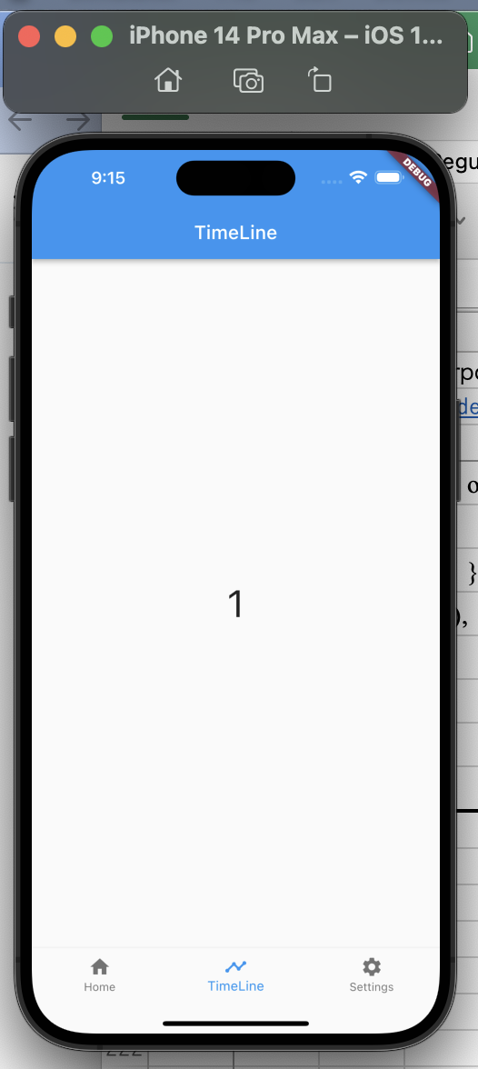

● | lib/view/root.dart

 |  | import 'package:flutter/material.dart';
 |  | import 'package:flutter_hooks/flutter_hooks.dart';
 |  | import 'package:hooks_riverpod/hooks_riverpod.dart';

 |  | import 'todo/todo_view.dart';

 |  | class Root extends HookConsumerWidget {
 |  | const Root({super.key});

 |  | @override
 |  | Widget build(BuildContext context, WidgetRef ref) {
 |  | final keys = <String>['Home', 'TimeLine', 'Settings'];

 |  | final icons = <Icon>[
 |  | const Icon(Icons.home),
 |  | const Icon(Icons.timeline),
 |  | const Icon(Icons.settings),
 |  | ];

 |  | final pageState = useState(0);

 |  | final naviItems = <BottomNavigationBarItem>[];

 |  | for (var i = 0; i < keys.length; i++) {
 |  | naviItems.add(BottomNavigationBarItem(
 |  | icon: icons[i],
 |  | label: keys[i],
 |  | ));
 |  | }

 |  | return Scaffold(
 |  | appBar: AppBar(
 |  | title: Text(keys[pageState.value]),
 |  | ),
 |  | body: Todo(),
 |  | bottomNavigationBar: BottomNavigationBar(
 |  | items: naviItems,
 |  | currentIndex: pageState.value,
 |  | onTap: (index) {
 |  | pageState.value = index;
 |  | },
 |  | ),
 |  | );
 |  | }
 |  | }

● | lib/view/todo/todo_view.dart

 |  | // ignore_for_file: must_be_immutable

 |  | import 'package:flutter/material.dart';
 |  | import 'package:flutter_datetime_picker/flutter_datetime_picker.dart';
 |  | import 'package:flutter_hooks/flutter_hooks.dart';
 |  | import 'package:hooks_riverpod/hooks_riverpod.dart';

 |  | class Todo extends HookConsumerWidget {
 |  | Todo({super.key});

 |  | late BuildContext _context;

 |  | ///
 |  | @override
 |  | Widget build(BuildContext context, WidgetRef ref) {
 |  | _context = context;

 |  | final tiles = <Widget>[];

 |  | return Scaffold(
 |  | body: ListView(children: tiles),
 |  | //ListViewでtilesを表示します。
 |  | floatingActionButton: FloatingActionButton(
 |  | child: const Icon(Icons.add),
 |  | onPressed: () async {
 |  | await showModalBottomSheet<void>(
 |  | context: context,
 |  | useRootNavigator: true,
 |  | isScrollControlled: true,
 |  | builder: (_) {
 |  | //

 |  | return HookConsumer(
 |  | //contextがshowModalBottomSheetのものにかわるので
 |  | //HookConsumerWidgetで使えていたHookが使えなくなります。
 |  | //なのでHookConsumerを使ってhookを使えるようにします。
 |  | builder: (_, ref, __) {
 |  | final limit = useState<DateTime?>(null);
 |  | //DatePickerで取得した値を保存するために使用
 |  | return makeInputPanel(limit: limit);
 |  | },
 |  | );

 |  | //
 |  | },
 |  | );
 |  | //ここでfloatingActionButtonの処理は終わりです。
 |  | },
 |  | ),
 |  | );
 |  | }

 |  | ///
 |  | Widget makeInputPanel({
 |  | required ValueNotifier<DateTime?> limit,
 |  | }) {
 |  | return Padding(
 |  | padding: MediaQuery.of(_context).viewInsets,
 |  | child: Column(
 |  | mainAxisSize: MainAxisSize.min,
 |  | children: <Widget>[
 |  | makeTaskNameTextField(),
 |  | makeExplanationTextField(),
 |  | makeButtonTable(limit: limit),
 |  | ],
 |  | ),
 |  | );
 |  | }

 |  | ///
 |  | Widget makeTaskNameTextField() {
 |  | return TextField(
 |  | decoration: const InputDecoration(
 |  | labelText: 'タスク名',
 |  | ),
 |  | onChanged: (value) {
 |  | //入力中の文字列を保存するために使います
 |  | },
 |  | onSubmitted: (value) {
 |  | //入力中の文字列を保存するために使います
 |  | },
 |  | );
 |  | }

 |  | ///
 |  | TextField makeExplanationTextField() {
 |  | return TextField(
 |  | decoration: const InputDecoration(
 |  | labelText: '説明',
 |  | ),
 |  | onChanged: (value) {
 |  | //同様
 |  | },
 |  | onSubmitted: (value) {},
 |  | );
 |  | }

 |  | ///
 |  | Widget makeButtonTable({
 |  | required ValueNotifier<DateTime?> limit,
 |  | }) {
 |  | return Table(
 |  | defaultVerticalAlignment: TableCellVerticalAlignment.values[0],
 |  | children: [
 |  | TableRow(
 |  | children: [
 |  | makeDatePickerButton(limit: limit),
 |  | Container(width: 10),
 |  | makeOkButton(),
 |  | ],
 |  | ),
 |  | ],
 |  | );
 |  | }

 |  | ///
 |  | ElevatedButton makeDatePickerButton({
 |  | required ValueNotifier<DateTime?> limit,
 |  | }) {
 |  | return ElevatedButton(
 |  | onPressed: () {
 |  | DatePicker.showDateTimePicker(
 |  | _context,
 |  | minTime: DateTime.now(),
 |  | onConfirm: (date) {
 |  | //期限を保存するために使います
 |  | limit.value = date;
 |  | },
 |  | currentTime: DateTime.now(),
 |  | locale: LocaleType.jp,
 |  | );
 |  | },
 |  | child: Row(
 |  | children: [
 |  | const Icon(Icons.calendar_today),
 |  | Text(limit.value == null
 |  | ? ''
 |  | : limit.value.toString().substring(0, 10)),
 |  | ],
 |  | ),
 |  | );
 |  | }

 |  | ///
 |  | Widget makeOkButton() {
 |  | return ElevatedButton(
 |  | //決定ボタンです
 |  | onPressed: () {
 |  | Navigator.pop(_context);
 |  | },
 |  | child: const Text('OK'),
 |  | );
 |  | }
 |  | }

● | lib/view/timeline/timeline_view.dart

 |  | import 'package:flutter/material.dart';
 |  | import 'package:hooks_riverpod/hooks_riverpod.dart';

 |  | class TimeLine extends HookConsumerWidget {
 |  | const TimeLine({super.key});

 |  | @override
 |  | Widget build(BuildContext context, WidgetRef ref) {
 |  | final timelineTiles = <Widget>[];

 |  | return Scaffold(
 |  | body: Center(
 |  | child: ListView(
 |  | children: timelineTiles,
 |  | ),
 |  | ),
 |  | );
 |  | }
 |  | }

● | lib/view/settings/settings_view.dart

 |  | import 'package:flutter/material.dart';
 |  | import 'package:hooks_riverpod/hooks_riverpod.dart';

 |  | class Settings extends HookConsumerWidget {
 |  | const Settings({super.key});

 |  | @override
 |  | Widget build(BuildContext context, WidgetRef ref) {
 |  | return Scaffold(
 |  | body: Card(
 |  | child: ListTile(
 |  | title: const Text('Notify Setting'),
 |  | subtitle: const Text('何時間前に通知するか設定します'),
 |  | trailing: const Icon(Icons.notifications),
 |  | onTap: () {},
 |  | ),
 |  | ),
 |  | );
 |  | }
 |  | }

● | lib/view/root.dart

 |  | import 'package:flutter/material.dart';
 |  | import 'package:flutter_hooks/flutter_hooks.dart';
 |  | import 'package:hooks_riverpod/hooks_riverpod.dart';

 |  | import 'settings/settings_view.dart';
 |  | import 'timeline/timeline_view.dart';
 |  | import 'todo/todo_view.dart';

 |  | class Root extends HookConsumerWidget {
 |  | const Root({super.key});

 |  | @override
 |  | Widget build(BuildContext context, WidgetRef ref) {
 |  | final keys = <String>['Home', 'TimeLine', 'Settings'];

 |  | final icons = <Icon>[
 |  | const Icon(Icons.home),
 |  | const Icon(Icons.timeline),
 |  | const Icon(Icons.settings),
 |  | ];

 |  | final pages = <Widget>[Todo(), const TimeLine(), const Settings()];

 |  | final pageState = useState(0);

 |  | final naviItems = <BottomNavigationBarItem>[];

 |  | for (var i = 0; i < keys.length; i++) {
 |  | naviItems.add(BottomNavigationBarItem(
 |  | icon: icons[i],
 |  | label: keys[i],
 |  | ));
 |  | }

 |  | return Scaffold(
 |  | appBar: AppBar(
 |  | title: Text(keys[pageState.value]),
 |  | ),
 |  | body: pages[pageState.value],
 |  | bottomNavigationBar: BottomNavigationBar(
 |  | items: naviItems,
 |  | currentIndex: pageState.value,
 |  | onTap: (index) {
 |  | pageState.value = index;
 |  | },
 |  | ),
 |  | );
 |  | }
 |  | }

● | lib/view/settings/notify/notify_setting_view.dart

 |  | // ignore_for_file: avoid_catches_without_on_clauses

 |  | import 'package:flutter/material.dart';
 |  | import 'package:flutter/services.dart';
 |  | import 'package:flutter_hooks/flutter_hooks.dart';
 |  | import 'package:hooks_riverpod/hooks_riverpod.dart';

 |  | class NotifySetting extends HookConsumerWidget {
 |  | const NotifySetting({super.key});

 |  | @override
 |  | Widget build(BuildContext context, WidgetRef ref) {
 |  | final state = useState(0);

 |  | return Scaffold(
 |  | appBar: AppBar(
 |  | title: const Text('Notification Setting'),
 |  | ),
 |  | body: Column(
 |  | children: [
 |  | TextField(
 |  | decoration: InputDecoration(
 |  | labelText: '${state.value}時間前に通知',
 |  | ),
 |  | keyboardType: TextInputType.number,
 |  | inputFormatters: [
 |  | FilteringTextInputFormatter.digitsOnly,
 |  | ],
 |  | onSubmitted: (value) {
 |  | try {
 |  | state.value = int.parse(value);
 |  | } catch (e) {
 |  | debugPrint(e.toString());
 |  | }
 |  | },
 |  | ),
 |  | ],
 |  | ),
 |  | );
 |  | }
 |  | }

● | lib/view/settings/settings_view.dart

 |  | import 'package:flutter/material.dart';
 |  | import 'package:hooks_riverpod/hooks_riverpod.dart';

 |  | import 'notify/notify_setting_view.dart';

 |  | class Settings extends HookConsumerWidget {
 |  | const Settings({super.key});

 |  | @override
 |  | Widget build(BuildContext context, WidgetRef ref) {
 |  | return Scaffold(
 |  | body: Card(
 |  | child: ListTile(
 |  | title: const Text('Notify Setting'),
 |  | subtitle: const Text('何時間前に通知するか設定します'),
 |  | trailing: const Icon(Icons.notifications),
 |  | onTap: () {
 |  | Navigator.of(context).push(
 |  | MaterialPageRoute(
 |  | builder: (context) {
 |  | return const NotifySetting();
 |  | },
 |  | ),
 |  | );
 |  | },
 |  | ),
 |  | ),
 |  | );
 |  | }
 |  | }

 | ここまで
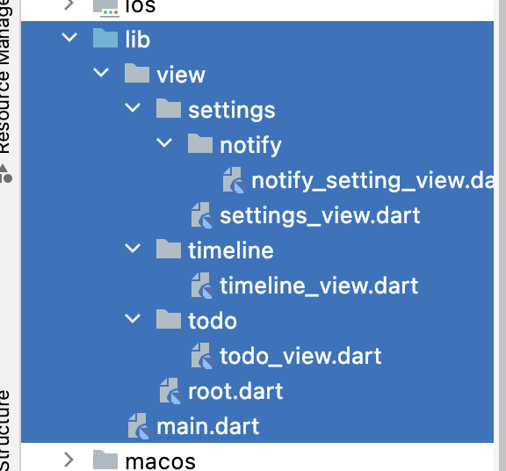

 | 新規作成
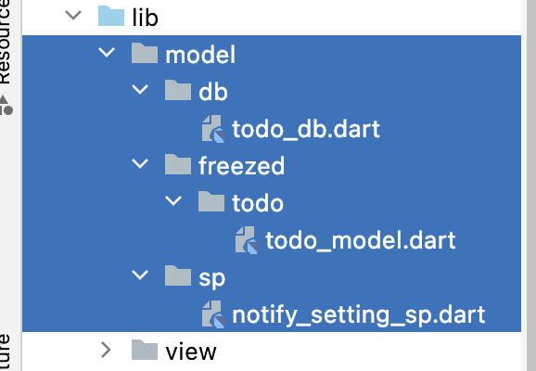

● | lib/model/db/todo_db.dart

 |  | // For more information on using drift, please see https://drift.simonbinder.eu/docs/getting-started/

 |  | // ignore_for_file: strict_raw_type

 |  | import 'dart:io';

 |  | import 'package:drift/drift.dart';
 |  | import 'package:drift/native.dart';
 |  | import 'package:path/path.dart' as p;
 |  | import 'package:path_provider/path_provider.dart';

 |  | part 'todo_db.g.dart';

 |  | class TodoItem extends Table {
 |  | IntColumn get id => integer().autoIncrement()(); //primary key
 |  | //Enables auto-increment for this column, which will also make this column the primary key of the table.
 |  | //For this reason, you can't use an [autoIncrement] column and also set a custom [Table.primaryKey] on the same table
 |  | //要するに、autoIncrementを使うと、このカラムはテーブルのプライマリキーになるので、他のカラムにautoIncrementを使うことはできない。
 |  | TextColumn get title =>
 |  | text().withDefault(const Constant('')).withLength(min: 1)();

 |  | TextColumn get description => text().withDefault(const Constant(''))();

 |  | //nullable()でnullを許容する
 |  | DateTimeColumn get limitDate => dateTime().nullable()();

 |  | //DateTimeではなく,dateTimeであることに注意
 |  | BoolColumn get isNotify => boolean().withDefault(const Constant(true))();
 |  | //通知するかどうかを真理値で表す
 |  | }

 |  | LazyDatabase _openConnection() {
 |  | // the LazyDatabase util lets us find the right location for the file async.
 |  | // これは、ファイルのロケーションを探すのに使えるLazyDatabase utilを許可します。
 |  | return LazyDatabase(() async {
 |  | // put the database file, called db.sqlite here, into the documents folder
 |  | // for your app.
 |  | // ここに、db.sqliteというファイルを、あなたのアプリのドキュメントフォルダに置きます。
 |  | final dbFolder = await getApplicationDocumentsDirectory();
 |  | //Path to a directory where the application may place data that is user-generated, or that cannot otherwise be recreated by your application.
 |  | //データを配置することができるディレクトリのパス。
 |  | final file = File(p.join(dbFolder.path, 'db.sqlite'));
 |  | return NativeDatabase(file);
 |  | });
 |  | }

 |  | @DriftDatabase(tables: [TodoItem])
 |  | class MyDatabase extends _$MyDatabase {
 |  | MyDatabase() : super(_openConnection());

 |  | @override
 |  | int get schemaVersion => 1;

 |  | //全てのデータ取得
 |  | Future<List<TodoItemData>> readAllTodoData() => select(todoItem).get();

 |  | //SELECT * FROM ToDoItemTable

 |  | //追加
 |  | Future writeTodo(TodoItemCompanion data) => into(todoItem).insert(data);

 |  | //INSERT INTO ToDoItemTable VALUES(id, 'title', 'description', 'limitDate')

 |  | //更新
 |  | Future updateTodo(TodoItemData data) => update(todoItem).replace(data);

 |  | //UPDATE ToDoItemTable SET title = 'title', description = 'description', limitDate = 'limitDate'

 |  | //削除
 |  | Future deleteTodo(int id) =>
 |  | (delete(todoItem)..where((it) => it.id.equals(id))).go();
 |  | //DELETE FROM ToDoItemTable WHERE id = id
 |  | }
 |  | //細かい使用方法はこの記事を参考に
 |  | //https://drift.simonbinder.eu/docs/getting-started/ (公式ドキュメント)
 |  | //https://qiita.com/niusounds/items/e4d731af58201ad5fe6f (ちょい古い)

 | flutter pub run build_runner build --fail-on-severe --delete-conflicting-outputs

● | lib/model/freezed/todo/todo_model.dart

 |  | // ignore_for_file: depend_on_referenced_packages

 |  | import 'package:freezed_annotation/freezed_annotation.dart';

 |  | import '../../db/todo_db.dart';

 |  | part 'todo_model.freezed.dart';

 |  | @freezed
 |  | abstract class TodoStateData with _$TodoStateData {
 |  | //このクラスは、DBの状態を保持するクラスです。
 |  | factory TodoStateData({
 |  | @Default(false) bool isLoading,
 |  | @Default(false) bool isReadyData,
 |  | @Default([]) List<TodoItemData> todoItems,
 |  | }) = _TodoStateData;
 |  | }

 |  | @freezed
 |  | abstract class TempTodoItemData with _$TempTodoItemData {
 |  | //このクラスは、入力中のtodoを保持するクラスです。
 |  | factory TempTodoItemData({
 |  | @Default('') String title,
 |  | @Default('') String description,
 |  | @Default(null) DateTime? limit,
 |  | @Default(true) bool isNotify,
 |  | }) = _TempTodoItemData;
 |  | }

 | flutter pub run build_runner build --fail-on-severe --delete-conflicting-outputs

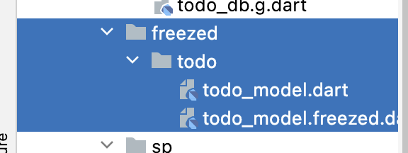

 | lib/model/sp/notify_setting_sp.dart

 |  | import 'package:shared_preferences/shared_preferences.dart';

 |  | Future<int> getNotifySetting() async {
 |  | final prefs = await SharedPreferences.getInstance();

 |  | if (prefs.getInt('notifySetting') != null) {
 |  | return prefs.getInt('notifySetting')!;
 |  | } else {
 |  | await prefs.setInt('notifySetting', 3);
 |  | return 3;
 |  | }
 |  | }

 |  | Future<void> setNotifySetting(int setting) async {
 |  | final prefs = await SharedPreferences.getInstance();

 |  | await prefs.setInt('notifySetting', setting);
 |  | }

 | 新規作成
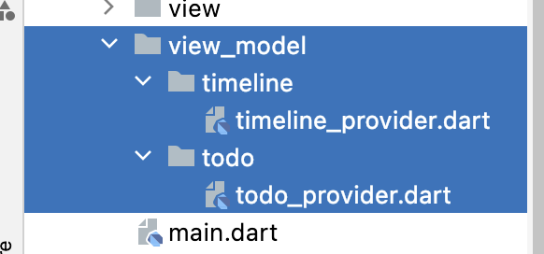

● | lib/view_model/todo/todo_provider.dart

 |  | // ignore_for_file: always_declare_return_types, type_annotate_public_apis, cascade_invocations

 |  | import 'package:drift/drift.dart';
 |  | import 'package:hooks_riverpod/hooks_riverpod.dart';

 |  | import '../../model/db/todo_db.dart';
 |  | import '../../model/freezed/todo/todo_model.dart';

 |  | final todoDatabaseProvider = StateNotifierProvider((_) {
 |  | final notify = TodoDatabaseNotifier();

 |  | notify.readData();

 |  | //初期化処理
 |  | return notify;
 |  | });

 |  | class TodoDatabaseNotifier extends StateNotifier<TodoStateData> {
 |  | //データベースの状態が変わるたびTodoのviewをビルドするようにするクラスです。
 |  | TodoDatabaseNotifier() : super(TodoStateData());

 |  | //ここからはデータベースに関する処理をこのクラスで行えるように記述します。
 |  | final _db = MyDatabase();

 |  | //書き込み処理部分
 |  | Future<void> writeData(TempTodoItemData data) async {
 |  | if (data.title.isEmpty) {
 |  | return;
 |  | }

 |  | final entry = TodoItemCompanion(
 |  | title: Value(data.title),
 |  | description: Value(data.description),
 |  | limitDate: Value(data.limit),
 |  | isNotify: Value(data.isNotify),
 |  | );

 |  | state = state.copyWith(isLoading: true);
 |  | await _db.writeTodo(entry);

 |  | await readData();
 |  | //書き込むたびにデータベースを読み込む
 |  | }

 |  | //削除処理部分
 |  | Future<void> deleteData(TodoItemData data) async {
 |  | state = state.copyWith(isLoading: true);

 |  | await _db.deleteTodo(data.id);

 |  | await readData();
 |  | //削除するたびにデータベースを読み込む
 |  | }

 |  | //更新処理部分
 |  | Future<void> updateData(TodoItemData data) async {
 |  | if (data.title.isEmpty) {
 |  | return;
 |  | }

 |  | state = state.copyWith(isLoading: true);

 |  | await _db.updateTodo(data);

 |  | await readData();
 |  | //更新するたびにデータベースを読み込む
 |  | }

 |  | //データ読み込み処理
 |  | Future<void> readData() async {
 |  | state = state.copyWith(isLoading: true);

 |  | final todoItems = await _db.readAllTodoData();

 |  | state = state.copyWith(
 |  | isLoading: false,
 |  | isReadyData: true,
 |  | todoItems: todoItems,
 |  | );
 |  | //stateを更新します
 |  | //freezedを使っているので、copyWithを使うことができます
 |  | //これは、stateの中身をすべて更新する必要がありません。例えば
 |  | //state.copyWith(isLoading: true)のように一つの値だけを更新することもできます。
 |  | //複数の値を監視したい際、これはとても便利です。
 |  | }
 |  | }

● | lib/view_model/timeline/timeline_provider.dart

 |  | import 'package:hooks_riverpod/hooks_riverpod.dart';

 |  | import '../../model/db/todo_db.dart';

 |  | final timelineDataProvider =
 |  | StateNotifierProvider((ref) => TimelineDataNotifier());

 |  | class TimelineDataNotifier extends StateNotifier<List<TodoItemData>> {
 |  | TimelineDataNotifier() : super([]);

 |  | Future<List<TodoItemData>> read() async {
 |  | final db = MyDatabase();

 |  | final datas = await db.readAllTodoData();

 |  | return datas;
 |  | }

 |  | Future<void> makeLimitList(DateTime now) async {
 |  | final list = <TodoItemData>[];

 |  | final datas = await read();

 |  | for (final data in datas) {
 |  | if (data.limitDate == null) {
 |  | continue;
 |  | }

 |  | if (data.limitDate!.difference(now).inDays == 0) {
 |  | list.add(data);
 |  | }

 |  | list.sort((a, b) {
 |  | return a.limitDate!.compareTo(b.limitDate!);
 |  | });

 |  | state = list;
 |  | }
 |  | }
 |  | }

● | lib/view/root.dart

 |  | import 'package:flutter/material.dart';
 |  | import 'package:flutter_hooks/flutter_hooks.dart';
 |  | import 'package:hooks_riverpod/hooks_riverpod.dart';

 |  | import 'settings/settings_view.dart';
 |  | import 'timeline/timeline_view.dart';
 |  | import 'todo/todo_view.dart';

 |  | class Root extends HookConsumerWidget {
 |  | const Root({super.key});

 |  | @override
 |  | Widget build(BuildContext context, WidgetRef ref) {
 |  | final keys = <String>['Home', 'TimeLine', 'Settings'];

 |  | final icons = <Icon>[
 |  | const Icon(Icons.home),
 |  | const Icon(Icons.timeline),
 |  | const Icon(Icons.settings),
 |  | ];

 |  | final pages = <Widget>[const Todo(), const TimeLine(), const Settings()];

 |  | final pageState = useState(0);

 |  | final naviItems = <BottomNavigationBarItem>[];

 |  | for (var i = 0; i < keys.length; i++) {
 |  | naviItems.add(BottomNavigationBarItem(
 |  | icon: icons[i],
 |  | label: keys[i],
 |  | ));
 |  | }

 |  | return Scaffold(
 |  | appBar: AppBar(
 |  | title: Text(keys[pageState.value]),
 |  | ),
 |  | body: pages[pageState.value],
 |  | bottomNavigationBar: BottomNavigationBar(
 |  | items: naviItems,
 |  | currentIndex: pageState.value,
 |  | onTap: (index) {
 |  | pageState.value = index;
 |  | },
 |  | ),
 |  | );
 |  | }
 |  | }

 | lib/view/todo/todo_view.dart |  | 全部入れ替えた | リファクタリングは後でする

 |  | // ignore_for_file: omit_local_variable_types, invalid_use_of_protected_member

 |  | import 'package:flutter/material.dart';
 |  | import 'package:flutter_datetime_picker/flutter_datetime_picker.dart';
 |  | import 'package:flutter_hooks/flutter_hooks.dart';
 |  | import 'package:flutter_slidable/flutter_slidable.dart';
 |  | import 'package:hooks_riverpod/hooks_riverpod.dart';

 |  | import '../../model/db/todo_db.dart';
 |  | import '../../model/freezed/todo/todo_model.dart';
 |  | import '../../view_model/todo/todo_provider.dart';

 |  | class Todo extends HookConsumerWidget {
 |  | const Todo({super.key});

 |  | List<Widget> _buildTodoList(
 |  | List<TodoItemData> todoItemList, TodoDatabaseNotifier db) {
 |  | //追加
 |  | final list = <Widget>[];
 |  | for (final item in todoItemList) {
 |  | final Widget tile = Slidable(
 |  | endActionPane: ActionPane(
 |  | //スライドしたときに表示されるボタン
 |  | motion: const DrawerMotion(),
 |  | //スライドしたときのアニメーション
 |  | children: [
 |  | SlidableAction(
 |  | //長さ
 |  | onPressed: (_) {
 |  | //押された時の処理
 |  | db.deleteData(item);
 |  | },
 |  | icon: Icons.delete,
 |  | //アイコン
 |  | ),
 |  | SlidableAction(
 |  | onPressed: (_) {
 |  | final data = TodoItemData(
 |  | id: item.id,
 |  | title: item.title,
 |  | description: item.description,
 |  | limitDate: item.limitDate,
 |  | isNotify: !item.isNotify,
 |  | );
 |  | db.updateData(data);
 |  | },
 |  | icon: item.isNotify
 |  | ? Icons.notifications_off
 |  | : Icons.notifications_active,
 |  | ),
 |  | ],
 |  | ),
 |  | child: ListTile(
 |  | title: Text(item.title),
 |  | subtitle:
 |  | Text(item.limitDate == null ? '' : item.limitDate.toString()),
 |  | ),
 |  | );
 |  | list.add(tile);
 |  | //listにtileを追加
 |  | }
 |  | return list;
 |  | }

 |  | ///
 |  | @override
 |  | Widget build(BuildContext context, WidgetRef ref) {
 |  | //Providerの状態が変化したさいに再ビルドします
 |  | final todoProvider = ref.watch(todoDatabaseProvider.notifier);
 |  | //Providerのメソッドや値を取得します
 |  | //bottomsheetが閉じた際に再ビルドするために使用します。
 |  | final todoItems = todoProvider.state.todoItems;
 |  | //Providerが保持しているtodoItemsを取得します。
 |  | TempTodoItemData temp = TempTodoItemData();
 |  | //追加

 |  | final List<Widget> tiles = _buildTodoList(todoItems, todoProvider);
 |  | //showAlert(context);
 |  | return Scaffold(
 |  | body: ListView(children: tiles),
 |  | //ListViewでtilesを表示します。
 |  | floatingActionButton: FloatingActionButton(
 |  | child: const Icon(Icons.add),
 |  | onPressed: () async {
 |  | await showModalBottomSheet<void>(
 |  | context: context,
 |  | useRootNavigator: true,
 |  | isScrollControlled: true,
 |  | builder: (context2) {
 |  | return HookConsumer(
 |  | builder: (context3, ref, _) {
 |  | final limit = useState<DateTime?>(null);
 |  | //DatePickerが閉じた際に再ビルドするために使用します。
 |  | return Padding(
 |  | padding: MediaQuery.of(context3).viewInsets,
 |  | child: Column(
 |  | mainAxisSize: MainAxisSize.min,
 |  | children: <Widget>[
 |  | TextField(
 |  | decoration: const InputDecoration(
 |  | labelText: 'タスク名',
 |  | ),
 |  | onChanged: (value) {
 |  | //追加
 |  | temp = temp.copyWith(title: value);
 |  | },
 |  | onSubmitted: (value) {
 |  | //追加
 |  | temp = temp.copyWith(title: value);
 |  | },
 |  | ),
 |  | TextField(
 |  | decoration: const InputDecoration(
 |  | labelText: '説明',
 |  | ),
 |  | onChanged: (value) {
 |  | //追加
 |  | temp = temp.copyWith(description: value);
 |  | },
 |  | onSubmitted: (value) {
 |  | //追加
 |  | temp = temp.copyWith(description: value);
 |  | },
 |  | ),
 |  | Table(
 |  | defaultVerticalAlignment:
 |  | TableCellVerticalAlignment.values[0],
 |  | children: [
 |  | TableRow(
 |  | children: [
 |  | ElevatedButton(
 |  | onPressed: () {
 |  | DatePicker.showDateTimePicker(
 |  | context,
 |  | minTime: DateTime.now(),
 |  | onConfirm: (date) {
 |  | limit.value = date;
 |  | temp = temp.copyWith(limit: date);
 |  | //追加
 |  | },
 |  | currentTime: DateTime.now(),
 |  | locale: LocaleType.jp,
 |  | );
 |  | },
 |  | child: Row(
 |  | children: [
 |  | const Icon(Icons.calendar_today),
 |  | Text(limit.value == null
 |  | ? ''
 |  | : limit.value
 |  | .toString()
 |  | .substring(0, 10)),
 |  | ],
 |  | ),
 |  | ),
 |  | Container(width: 10),
 |  | ElevatedButton(
 |  | onPressed: () {
 |  | todoProvider.writeData(temp);
 |  | //追加
 |  | Navigator.pop(context3);
 |  | },
 |  | child: const Text('OK'),
 |  | ),
 |  | ],
 |  | ),
 |  | ],
 |  | ),
 |  | ],
 |  | ),
 |  | );
 |  | },
 |  | );
 |  | },
 |  | );

 |  | temp = TempTodoItemData();
 |  | //追加
 |  | //floatingActionButtonの処理はここで終わりです
 |  | },
 |  | ),
 |  | );
 |  | }
 |  | }

sqlite_drift
 | Flutter | Drift | SQLite
 | https://www.youtube.com/watch?v=8ESbEFC0z5Y&list=PLztm2TugcV9Tn6J_H5mtxYIBN40uMAZgO

● | pubspec.yaml

 |  | name: test_sqlite_drift
 |  | description: A new Flutter project.

 |  | publish_to: 'none'

 |  | version: 1.0.0+1

 |  | environment:
 |  | sdk: '>=2.18.2 <3.0.0'

 |  | dependencies:

 |  | cupertino_icons: ^1.0.2
 |  | drift: ^2.2.0

 |  | flutter:
 |  | sdk: flutter

 |  | path: ^1.8.2
 |  | path_provider: ^2.0.11
 |  | sqlite3_flutter_libs: ^0.5.11+1

 |  | dev_dependencies:

 |  | build_runner: ^2.3.2
 |  | drift_dev: ^2.2.0+1

 |  | flutter_lints: ^2.0.0

 |  | flutter_test:
 |  | sdk: flutter

 |  | flutter:

 |  | uses-material-design: true

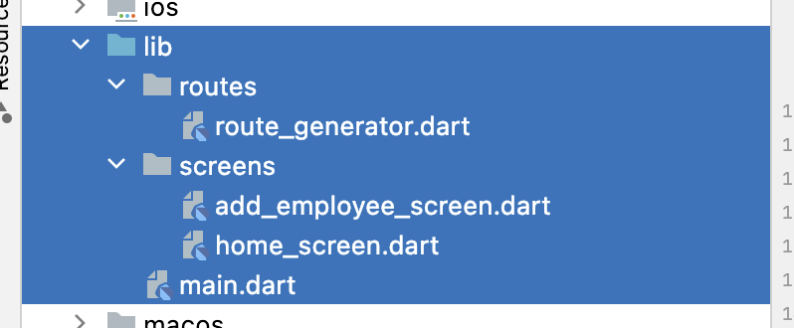

● | lib/main.dart

 |  | import 'package:flutter/material.dart';

 |  | import 'routes/route_generator.dart';

 |  | void main() {
 |  | runApp(const MyApp());
 |  | }

 |  | class MyApp extends StatelessWidget {
 |  | const MyApp({super.key});

 |  | @override
 |  | Widget build(BuildContext context) {
 |  | return MaterialApp(
 |  | title: 'Flutter Demo',
 |  | theme: ThemeData(
 |  | primarySwatch: Colors.blue,
 |  | ),
 |  | initialRoute: '/',
 |  | onGenerateRoute: RouteGenerator.generateRoute,
 |  | );
 |  | }
 |  | }

● | lib/routes/route_generator.dart

 |  | // ignore_for_file: avoid_classes_with_only_static_members

 |  | import 'package:flutter/material.dart';

 |  | import '../screens/add_employee_screen.dart';
 |  | import '../screens/home_screen.dart';

 |  | class RouteGenerator {
 |  | ///
 |  | static Route<dynamic> generateRoute(RouteSettings settings) {
 |  | switch (settings.name) {
 |  | case '/':
 |  | return MaterialPageRoute(builder: (_) => const HomeScreen());
 |  | case '/add_employee':
 |  | return MaterialPageRoute(builder: (_) => const AddEmployeeScreen());
 |  | default:
 |  | return _errorRoute();
 |  | }
 |  | }

 |  | ///
 |  | static Route<dynamic> _errorRoute() {
 |  | return MaterialPageRoute(builder: (_) {
 |  | return Scaffold(
 |  | appBar: AppBar(
 |  | title: const Text('No Route'),
 |  | centerTitle: true,
 |  | ),
 |  | body: const Center(
 |  | child: Text(
 |  | 'No Route',
 |  | style: TextStyle(
 |  | color: Colors.redAccent,
 |  | fontSize: 18,
 |  | ),
 |  | ),
 |  | ),
 |  | );
 |  | });
 |  | }
 |  | }

● | lib/screens/home_screen.dart

 |  | import 'package:flutter/material.dart';

 |  | class HomeScreen extends StatelessWidget {
 |  | const HomeScreen({super.key});

 |  | @override
 |  | Widget build(BuildContext context) {
 |  | return Scaffold(
 |  | appBar: AppBar(
 |  | title: const Text('Home'),
 |  | centerTitle: true,
 |  | ),
 |  | body: Column(),
 |  | floatingActionButton: FloatingActionButton.extended(
 |  | onPressed: () {
 |  | Navigator.pushNamed(context, '/add_employee');
 |  | },
 |  | icon: const Icon(Icons.add),
 |  | label: const Text('Add Employee'),
 |  | ),
 |  | );
 |  | }
 |  | }

● | lib/screens/add_employee_screen.dart

 |  | import 'package:flutter/material.dart';

 |  | class AddEmployeeScreen extends StatefulWidget {
 |  | const AddEmployeeScreen({super.key});

 |  | @override
 |  | State<AddEmployeeScreen> createState() => _AddEmployeeScreenState();
 |  | }

 |  | class _AddEmployeeScreenState extends State<AddEmployeeScreen> {
 |  | final TextEditingController _controller = TextEditingController();

 |  | ///
 |  | @override
 |  | Widget build(BuildContext context) {
 |  | return Scaffold(
 |  | appBar: AppBar(
 |  | title: const Text('Add Employee'),
 |  | centerTitle: true,
 |  | actions: [
 |  | IconButton(
 |  | onPressed: () {},
 |  | icon: const Icon(Icons.save),
 |  | ),
 |  | ],
 |  | ),
 |  | body: Column(
 |  | children: [
 |  | TextFormField(
 |  | controller: _controller,
 |  | keyboardType: TextInputType.name,
 |  | validator: (value) {
 |  | if (value == null || value.isEmpty) {
 |  | return 'user name required';
 |  | }
 |  | return null;
 |  | },
 |  | ),
 |  | ],
 |  | ),
 |  | );
 |  | }
 |  | }


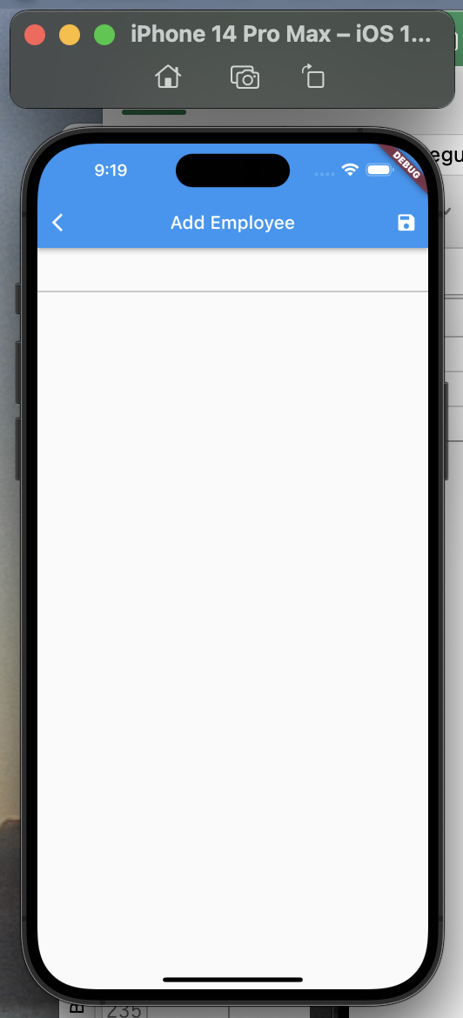

● | 4回 | Extract TextFormField Widget
 | https://www.youtube.com/watch?v=a3-erDSJSO0&list=PLztm2TugcV9Tn6J_H5mtxYIBN40uMAZgO&index=4

 | lib/widget/custom_text_form_field.dart

 |  | import 'package:flutter/material.dart';

 |  | class CustomTextFormField extends StatelessWidget {
 |  | const CustomTextFormField({
 |  | super.key,
 |  | required this.controller,
 |  | required this.txtLabel,
 |  | });

 |  | final TextEditingController controller;
 |  | final String txtLabel;

 |  | @override
 |  | Widget build(BuildContext context) {
 |  | return TextFormField(
 |  | controller: controller,
 |  | decoration: InputDecoration(
 |  | border: const OutlineInputBorder(),
 |  | label: Text(txtLabel),
 |  | ),
 |  | keyboardType: TextInputType.name,
 |  | validator: (value) {
 |  | if (value == null || value.isEmpty) {
 |  | return '$txtLabel required';
 |  | }
 |  | return null;
 |  | },
 |  | );
 |  | }
 |  | }

 | lib/screens/add_employee_screen.dart

 |  | import 'package:flutter/material.dart';

 |  | import '../widget/custom_text_form_field.dart';

 |  | class AddEmployeeScreen extends StatefulWidget {
 |  | const AddEmployeeScreen({super.key});

 |  | @override
 |  | State<AddEmployeeScreen> createState() => _AddEmployeeScreenState();
 |  | }

 |  | class _AddEmployeeScreenState extends State<AddEmployeeScreen> {
 |  | final TextEditingController userNameController = TextEditingController();
 |  | final TextEditingController firstNameController = TextEditingController();
 |  | final TextEditingController lastNameController = TextEditingController();
 |  | final TextEditingController dateOfBirthController = TextEditingController();

 |  | ///
 |  | @override
 |  | Widget build(BuildContext context) {
 |  | return Scaffold(
 |  | appBar: AppBar(
 |  | title: const Text('Add Employee'),
 |  | centerTitle: true,
 |  | actions: [
 |  | IconButton(
 |  | onPressed: () {},
 |  | icon: const Icon(Icons.save),
 |  | ),
 |  | ],
 |  | ),
 |  | body: Padding(
 |  | padding: const EdgeInsets.all(8),
 |  | child: Column(
 |  | children: [
 |  | CustomTextFormField(
 |  | controller: userNameController,
 |  | txtLabel: 'User Name',
 |  | ),
 |  | const SizedBox(height: 8),
 |  | CustomTextFormField(
 |  | controller: firstNameController,
 |  | txtLabel: 'First Name',
 |  | ),
 |  | const SizedBox(height: 8),
 |  | CustomTextFormField(
 |  | controller: lastNameController,
 |  | txtLabel: 'Last Name',
 |  | ),
 |  | const SizedBox(height: 8),
 |  | CustomTextFormField(
 |  | controller: dateOfBirthController,
 |  | txtLabel: 'Date of Birth',
 |  | ),
 |  | const SizedBox(height: 8),
 |  | ],
 |  | ),
 |  | ),
 |  | );
 |  | }
 |  | }

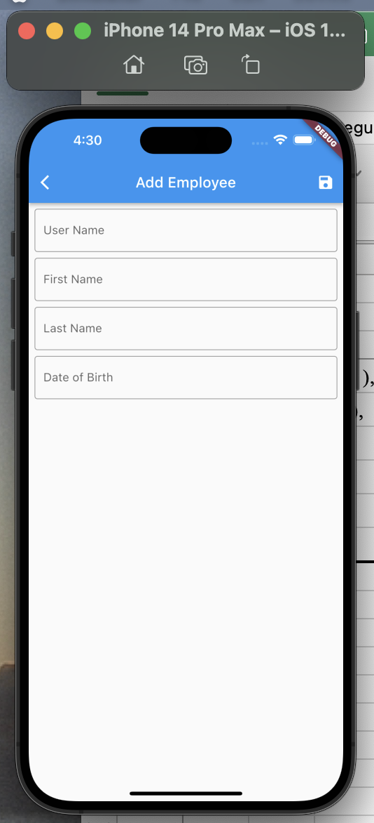

● | 5回 | Setup Date Picker
 | https://www.youtube.com/watch?v=OiXaYNC-dL8&list=PLztm2TugcV9Tn6J_H5mtxYIBN40uMAZgO&index=5

 | lib/screens/add_employee_screen.dart

 |  | import 'package:flutter/material.dart';

 |  | import '../widget/custom_text_form_field.dart';

 |  | class AddEmployeeScreen extends StatefulWidget {
 |  | const AddEmployeeScreen({super.key});

 |  | @override
 |  | State<AddEmployeeScreen> createState() => _AddEmployeeScreenState();
 |  | }

 |  | class _AddEmployeeScreenState extends State<AddEmployeeScreen> {
 |  | final TextEditingController userNameController = TextEditingController();
 |  | final TextEditingController firstNameController = TextEditingController();
 |  | final TextEditingController lastNameController = TextEditingController();
 |  | final TextEditingController dateOfBirthController = TextEditingController();

 |  | ///
 |  | @override
 |  | Widget build(BuildContext context) {
 |  | return Scaffold(
 |  | appBar: AppBar(
 |  | title: const Text('Add Employee'),
 |  | centerTitle: true,
 |  | actions: [
 |  | IconButton(
 |  | onPressed: () {},
 |  | icon: const Icon(Icons.save),
 |  | ),
 |  | ],
 |  | ),
 |  | body: Padding(
 |  | padding: const EdgeInsets.all(8),
 |  | child: Column(
 |  | children: [
 |  | CustomTextFormField(
 |  | controller: userNameController,
 |  | txtLabel: 'User Name',
 |  | ),
 |  | const SizedBox(height: 8),
 |  | CustomTextFormField(
 |  | controller: firstNameController,
 |  | txtLabel: 'First Name',
 |  | ),
 |  | const SizedBox(height: 8),
 |  | CustomTextFormField(
 |  | controller: lastNameController,
 |  | txtLabel: 'Last Name',
 |  | ),
 |  | const SizedBox(height: 8),
 |  | GestureDetector(
 |  | onTap: () => pickDateOfBirth(context: context),
 |  | child: TextFormField(
 |  | enabled: false,
 |  | controller: dateOfBirthController,
 |  | decoration: const InputDecoration(
 |  | border: OutlineInputBorder(),
 |  | label: Text('Date of Birth'),
 |  | ),
 |  | ),
 |  | ),
 |  | const SizedBox(height: 8),
 |  | ],
 |  | ),
 |  | ),
 |  | );
 |  | }

 |  | ///
 |  | Future<void> pickDateOfBirth({required BuildContext context}) async {
 |  | final initialDate = DateTime.now();
 |  | final newDate = await showDatePicker(
 |  | context: context,
 |  | initialDate: initialDate,
 |  | firstDate: DateTime(DateTime.now().year - 3),
 |  | lastDate: DateTime(DateTime.now().year + 3),
 |  | builder: (context, child) {
 |  | return Theme(
 |  | data: ThemeData().copyWith(
 |  | colorScheme: const ColorScheme.light(
 |  | primary: Colors.pinkAccent,
 |  | ),
 |  | dialogBackgroundColor: Colors.white),
 |  | child: child ?? const Text(''),
 |  | );
 |  | },
 |  | );

 |  | if (newDate == null) {
 |  | return;
 |  | }

 |  | setState(() {
 |  | dateOfBirthController.text = newDate.toIso8601String();
 |  | });
 |  | }
 |  | }

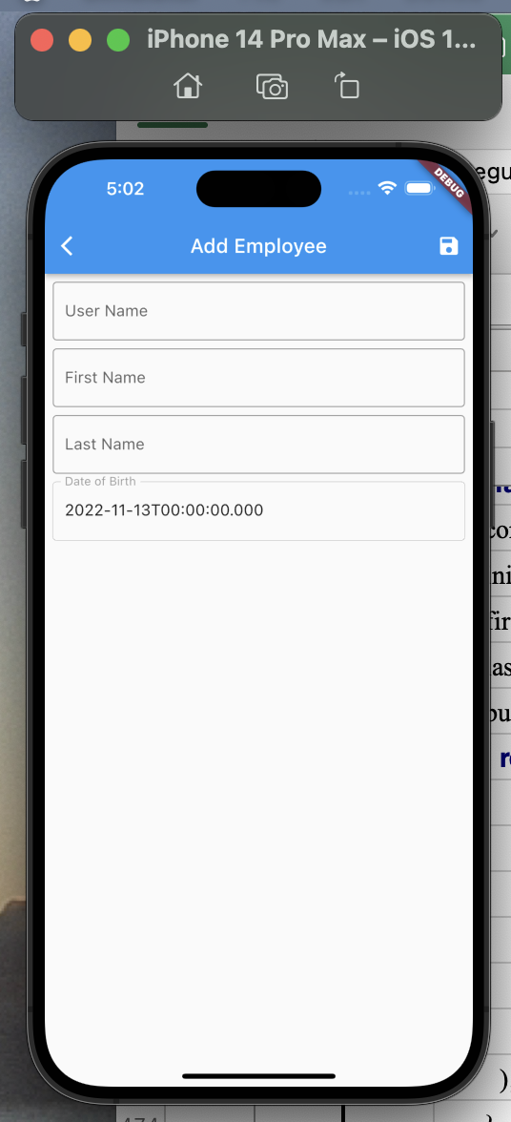

● | 6回 | Date Format
 | https://www.youtube.com/watch?v=RHrcShhg7-0&list=PLztm2TugcV9Tn6J_H5mtxYIBN40uMAZgO&index=6

 | pubspec.yaml

 |  | name: test_sqlite_drift
 |  | description: A new Flutter project.

 |  | publish_to: 'none'

 |  | version: 1.0.0+1

 |  | environment:
 |  | sdk: '>=2.18.2 <3.0.0'

 |  | dependencies:

 |  | cupertino_icons: ^1.0.2
 |  | drift: ^2.2.0

 |  | flutter:
 |  | sdk: flutter

 |  | intl: ^0.17.0
 |  | path: ^1.8.2
 |  | path_provider: ^2.0.11
 |  | sqlite3_flutter_libs: ^0.5.11+1

 |  | dev_dependencies:

 |  | build_runner: ^2.3.2
 |  | drift_dev: ^2.2.0+1

 |  | flutter_lints: ^2.0.0

 |  | flutter_test:
 |  | sdk: flutter

 |  | flutter:

 |  | uses-material-design: true

 | lib/screens/add_employee_screen.dart

 |  | import 'package:flutter/material.dart';
 |  | import 'package:intl/intl.dart';

 |  | import '../widget/custom_text_form_field.dart';

 |  | class AddEmployeeScreen extends StatefulWidget {
 |  | const AddEmployeeScreen({super.key});

 |  | @override
 |  | State<AddEmployeeScreen> createState() => _AddEmployeeScreenState();
 |  | }

 |  | class _AddEmployeeScreenState extends State<AddEmployeeScreen> {
 |  | final TextEditingController userNameController = TextEditingController();
 |  | final TextEditingController firstNameController = TextEditingController();
 |  | final TextEditingController lastNameController = TextEditingController();
 |  | final TextEditingController dateOfBirthController = TextEditingController();

 |  | DateTime? dateOfBirth;

 |  | ///
 |  | @override
 |  | Widget build(BuildContext context) {
 |  | return Scaffold(
 |  | appBar: AppBar(
 |  | title: const Text('Add Employee'),
 |  | centerTitle: true,
 |  | actions: [
 |  | IconButton(
 |  | onPressed: () {},
 |  | icon: const Icon(Icons.save),
 |  | ),
 |  | ],
 |  | ),
 |  | body: Padding(
 |  | padding: const EdgeInsets.all(8),
 |  | child: Column(
 |  | children: [
 |  | CustomTextFormField(
 |  | controller: userNameController,
 |  | txtLabel: 'User Name',
 |  | ),
 |  | const SizedBox(height: 8),
 |  | CustomTextFormField(
 |  | controller: firstNameController,
 |  | txtLabel: 'First Name',
 |  | ),
 |  | const SizedBox(height: 8),
 |  | CustomTextFormField(
 |  | controller: lastNameController,
 |  | txtLabel: 'Last Name',
 |  | ),
 |  | const SizedBox(height: 8),
 |  | GestureDetector(
 |  | onTap: () => pickDateOfBirth(context: context),
 |  | child: TextFormField(
 |  | enabled: false,
 |  | controller: dateOfBirthController,
 |  | decoration: const InputDecoration(
 |  | border: OutlineInputBorder(),
 |  | label: Text('Date of Birth'),
 |  | ),
 |  | ),
 |  | ),
 |  | const SizedBox(height: 8),
 |  | ],
 |  | ),
 |  | ),
 |  | );
 |  | }

 |  | ///
 |  | Future<void> pickDateOfBirth({required BuildContext context}) async {
 |  | final initialDate = DateTime.now();
 |  | final newDate = await showDatePicker(
 |  | context: context,
 |  | initialDate: dateOfBirth ?? initialDate,
 |  | firstDate: DateTime(DateTime.now().year - 3),
 |  | lastDate: DateTime(DateTime.now().year + 3),
 |  | builder: (context, child) {
 |  | return Theme(
 |  | data: ThemeData().copyWith(
 |  | colorScheme: const ColorScheme.light(
 |  | primary: Colors.pinkAccent,
 |  | ),
 |  | dialogBackgroundColor: Colors.white),
 |  | child: child ?? const Text(''),
 |  | );
 |  | },
 |  | );

 |  | if (newDate == null) {
 |  | return;
 |  | }

 |  | setState(() {
 |  | dateOfBirth = newDate;

 |  | final dob = DateFormat('yyyy/MM/dd').format(newDate);
 |  | dateOfBirthController.text = dob;
 |  | });
 |  | }
 |  | }

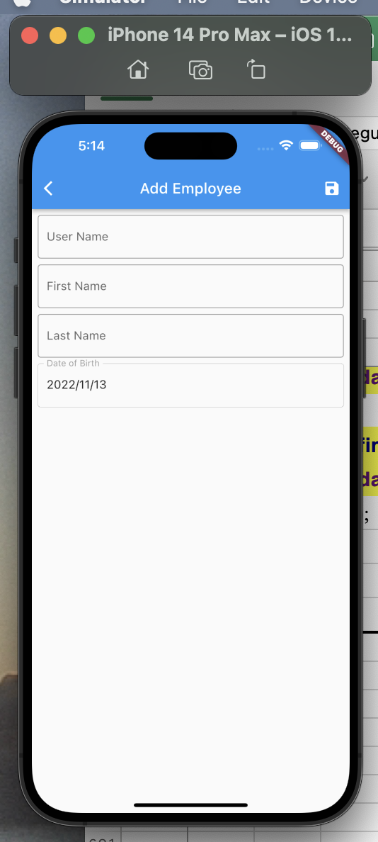

● | 7回 | Refactor Date Picker Form Field
 | https://www.youtube.com/watch?v=oE7llUrqDYk&list=PLztm2TugcV9Tn6J_H5mtxYIBN40uMAZgO&index=7

 | lib/widget/custom_date_picker_form_field.dart

 |  | import 'package:flutter/material.dart';

 |  | class CustomDatePickerFormField extends StatelessWidget {
 |  | const CustomDatePickerFormField({
 |  | super.key,
 |  | required this.controller,
 |  | required this.txtLabel,
 |  | required this.callback,
 |  | });

 |  | final TextEditingController controller;
 |  | final String txtLabel;
 |  | final VoidCallback callback;

 |  | ///
 |  | @override
 |  | Widget build(BuildContext context) {
 |  | return GestureDetector(
 |  | onTap: callback,
 |  | child: TextFormField(
 |  | enabled: false,
 |  | controller: controller,
 |  | decoration: InputDecoration(
 |  | border: const OutlineInputBorder(),
 |  | label: Text(txtLabel),
 |  | ),
 |  | validator: (value) {
 |  | if (value == null || value.isEmpty) {
 |  | return '$txtLabel required';
 |  | }
 |  | return null;
 |  | },
 |  | ),
 |  | );
 |  | }
 |  | }

 | lib/screens/add_employee_screen.dart

 |  | import 'package:flutter/material.dart';
 |  | import 'package:intl/intl.dart';
 |  | import 'package:test_sqlite_drift/widget/custom_date_picker_form_field.dart';

 |  | import '../widget/custom_text_form_field.dart';

 |  | class AddEmployeeScreen extends StatefulWidget {
 |  | const AddEmployeeScreen({super.key});

 |  | @override
 |  | State<AddEmployeeScreen> createState() => _AddEmployeeScreenState();
 |  | }

 |  | class _AddEmployeeScreenState extends State<AddEmployeeScreen> {
 |  | final TextEditingController userNameController = TextEditingController();
 |  | final TextEditingController firstNameController = TextEditingController();
 |  | final TextEditingController lastNameController = TextEditingController();
 |  | final TextEditingController dateOfBirthController = TextEditingController();

 |  | DateTime? dateOfBirth;

 |  | ///
 |  | @override
 |  | Widget build(BuildContext context) {
 |  | return Scaffold(
 |  | appBar: AppBar(
 |  | title: const Text('Add Employee'),
 |  | centerTitle: true,
 |  | actions: [
 |  | IconButton(
 |  | onPressed: () {},
 |  | icon: const Icon(Icons.save),
 |  | ),
 |  | ],
 |  | ),
 |  | body: Padding(
 |  | padding: const EdgeInsets.all(8),
 |  | child: Column(
 |  | children: [
 |  | CustomTextFormField(
 |  | controller: userNameController,
 |  | txtLabel: 'User Name',
 |  | ),
 |  | const SizedBox(height: 8),
 |  | CustomTextFormField(
 |  | controller: firstNameController,
 |  | txtLabel: 'First Name',
 |  | ),
 |  | const SizedBox(height: 8),
 |  | CustomTextFormField(
 |  | controller: lastNameController,
 |  | txtLabel: 'Last Name',
 |  | ),
 |  | const SizedBox(height: 8),
 |  | CustomDatePickerFormField(
 |  | controller: dateOfBirthController,
 |  | txtLabel: 'Date of Birth',
 |  | callback: () => pickDateOfBirth(context: context),
 |  | ),
 |  | const SizedBox(height: 8),
 |  | ],
 |  | ),
 |  | ),
 |  | );
 |  | }

 |  | ///
 |  | Future<void> pickDateOfBirth({required BuildContext context}) async {
 |  | final initialDate = DateTime.now();
 |  | final newDate = await showDatePicker(
 |  | context: context,
 |  | initialDate: dateOfBirth ?? initialDate,
 |  | firstDate: DateTime(DateTime.now().year - 3),
 |  | lastDate: DateTime(DateTime.now().year + 3),
 |  | builder: (context, child) {
 |  | return Theme(
 |  | data: ThemeData().copyWith(
 |  | colorScheme: const ColorScheme.light(
 |  | primary: Colors.pinkAccent,
 |  | ),
 |  | dialogBackgroundColor: Colors.white),
 |  | child: child ?? const Text(''),
 |  | );
 |  | },
 |  | );

 |  | if (newDate == null) {
 |  | return;
 |  | }

 |  | setState(() {
 |  | dateOfBirth = newDate;
 |  | final dob = DateFormat('yyyy/MM/dd').format(newDate);
 |  | dateOfBirthController.text = dob;
 |  | });
 |  | }
 |  | }

● | 8回 | Create Database Table
 | https://www.youtube.com/watch?v=BOFQt2SiR58&list=PLztm2TugcV9Tn6J_H5mtxYIBN40uMAZgO&index=8

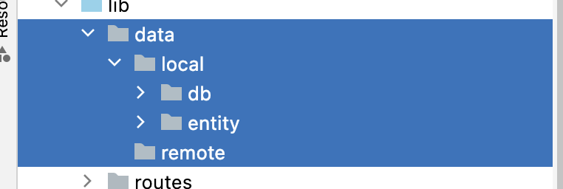

 | lib/data/local/entity/employee_entity.dart

 |  | import 'package:drift/drift.dart';

 |  | class Employee extends Table {
 |  | IntColumn get id => integer().autoIncrement()();

 |  | TextColumn get userName => text().named('user_name')();

 |  | TextColumn get firstName => text().named('first_name')();

 |  | TextColumn get lastName => text().named('last_name')();

 |  | DateTimeColumn get dateOfBirth => dateTime().named('date_of_birth')();
 |  | }

● | 9回 | Create Database
 | https://www.youtube.com/watch?v=IDYyEL-uARA&list=PLztm2TugcV9Tn6J_H5mtxYIBN40uMAZgO&index=9

 | lib/data/local/db/app_db.dart

 |  | import 'dart:io';

 |  | import 'package:drift/drift.dart';
 |  | import 'package:drift/native.dart';
 |  | import 'package:path/path.dart' as path;
 |  | import 'package:path_provider/path_provider.dart';

 |  | import '../entity/employee_entity.dart';

 |  | part 'abb_db.g.dart';

 |  | LazyDatabase _openConnection() {
 |  | return LazyDatabase(() async {
 |  | final dbFolder = await getApplicationDocumentsDirectory();

 |  | final file = File(path.join(dbFolder.path, 'employee.sqlite'));

 |  | return NativeDatabase(file);
 |  | });
 |  | }

 |  | @DriftDatabase(tables: [Employee])
 |  | class AppDb extends _$AppDb {
 |  | AppDb() : super(_openConnection());

 |  | @override
 |  | int get schemaVersion => 1;
 |  | }

 | flutter pub run build_runner build --fail-on-severe --delete-conflicting-outputs

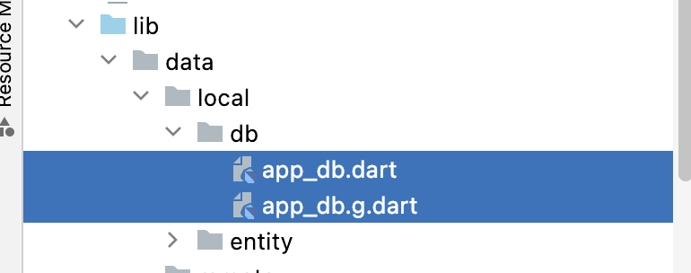

● | 10回 | Write Database Query
 | https://www.youtube.com/watch?v=EsPf2NpeZ-o&list=PLztm2TugcV9Tn6J_H5mtxYIBN40uMAZgO&index=10

 | lib/data/local/db/app_db.dart

 |  | import 'dart:io';

 |  | import 'package:drift/drift.dart';
 |  | import 'package:drift/native.dart';
 |  | import 'package:path/path.dart' as path;
 |  | import 'package:path_provider/path_provider.dart';

 |  | import '../entity/employee_entity.dart';

 |  | part 'app_db.g.dart';

 |  | LazyDatabase _openConnection() {
 |  | return LazyDatabase(() async {
 |  | final dbFolder = await getApplicationDocumentsDirectory();

 |  | final file = File(path.join(dbFolder.path, 'employee.sqlite'));

 |  | return NativeDatabase(file);
 |  | });
 |  | }

 |  | @DriftDatabase(tables: [Employee])
 |  | class AppDb extends _$AppDb {
 |  | AppDb() : super(_openConnection());

 |  | @override
 |  | int get schemaVersion => 1;

 |  | //
 |  | Future<List<EmployeeData>> getEmployees() async {
 |  | return await select(employee).get();
 |  | }

 |  | //
 |  | Future<EmployeeData> getEmployee(int id) async {
 |  | return await (select(employee)..where((tbl) => tbl.id.equals(id)))
 |  | .getSingle();
 |  | }

 |  | //
 |  | Future<bool> updateEmployee(EmployeeCompanion entity) async {
 |  | return await update(employee).replace(entity);
 |  | }

 |  | //
 |  | Future<int> insertEmployee(EmployeeCompanion entity) async {
 |  | return await into(employee).insert(entity);
 |  | }

 |  | //
 |  | Future<int> deleteEmployee(int id) async {
 |  | return await (delete(employee)..where((tbl) => tbl.id.equals(id))).go();
 |  | }
 |  | }

● | 11回 | Insert Employee To Database
 | https://www.youtube.com/watch?v=_U4iCoYS8BI&list=PLztm2TugcV9Tn6J_H5mtxYIBN40uMAZgO&index=11

 | lib/data/local/db/app_db.dart

 |  | import 'dart:io';

 |  | import 'package:drift/drift.dart';
 |  | import 'package:drift/native.dart';
 |  | import 'package:path/path.dart' as path;
 |  | import 'package:path_provider/path_provider.dart';

 |  | import '../entity/employee_entity.dart';

 |  | part 'app_db.g.dart';

 |  | LazyDatabase _openConnection() {
 |  | return LazyDatabase(() async {
 |  | final dbFolder = await getApplicationDocumentsDirectory();

 |  | final file = File(path.join(dbFolder.path, 'employee.sqlite'));

 |  | return NativeDatabase(file);
 |  | });
 |  | }

 |  | @DriftDatabase(tables: [Employee])
 |  | class AppDb extends _$AppDb {
 |  | AppDb() : super(_openConnection());

 |  | @override
 |  | int get schemaVersion => 1;

 |  | //
 |  | Future<List<EmployeeData>> getEmployees() async {
 |  | // return await select(employee).get(); | awaitがいらないとか
 |  | return select(employee).get();
 |  | }

 |  | //
 |  | Future<EmployeeData> getEmployee(int id) async {
 |  | // return await (select(employee)..where((tbl) => tbl.id.equals(id)))
 |  | // .getSingle();
 |  | return (select(employee)..where((tbl) => tbl.id.equals(id))).getSingle();
 |  | }

 |  | //
 |  | Future<bool> updateEmployee(EmployeeCompanion entity) async {
 |  | // return await update(employee).replace(entity);
 |  | return update(employee).replace(entity);
 |  | }

 |  | //
 |  | Future<int> insertEmployee(EmployeeCompanion entity) async {
 |  | // return await into(employee).insert(entity);
 |  | return into(employee).insert(entity);
 |  | }

 |  | //
 |  | Future<int> deleteEmployee(int id) async {
 |  | // return await (delete(employee)..where((tbl) => tbl.id.equals(id))).go();
 |  | return (delete(employee)..where((tbl) => tbl.id.equals(id))).go();
 |  | }
 |  | }

 | lib/screens/add_employee_screen.dart

 |  | import 'package:drift/drift.dart' as drift;
 |  | import 'package:flutter/material.dart';
 |  | import 'package:intl/intl.dart';
 |  | import 'package:test_sqlite_drift/data/local/db/app_db.dart';
 |  | import 'package:test_sqlite_drift/widget/custom_date_picker_form_field.dart';

 |  | import '../widget/custom_text_form_field.dart';

 |  | class AddEmployeeScreen extends StatefulWidget {
 |  | const AddEmployeeScreen({super.key});

 |  | @override
 |  | State<AddEmployeeScreen> createState() => _AddEmployeeScreenState();
 |  | }

 |  | class _AddEmployeeScreenState extends State<AddEmployeeScreen> {
 |  | late AppDb _db;

 |  | final TextEditingController userNameController = TextEditingController();
 |  | final TextEditingController firstNameController = TextEditingController();
 |  | final TextEditingController lastNameController = TextEditingController();
 |  | final TextEditingController dateOfBirthController = TextEditingController();

 |  | DateTime? dateOfBirth;

 |  | ///
 |  | @override
 |  | void initState() {
 |  | super.initState();

 |  | _db = AppDb();
 |  | }

 |  | ///
 |  | @override
 |  | Widget build(BuildContext context) {
 |  | return Scaffold(
 |  | appBar: AppBar(
 |  | title: const Text('Add Employee'),
 |  | centerTitle: true,
 |  | actions: [
 |  | IconButton(
 |  | onPressed: () {
 |  | final entity = EmployeeCompanion(
 |  | userName: drift.Value(userNameController.text),
 |  | firstName: drift.Value(firstNameController.text),
 |  | lastName: drift.Value(lastNameController.text),
 |  | dateOfBirth: drift.Value(dateOfBirth!),
 |  | );

 |  | _db.insertEmployee(entity).then(
 |  | (value) => ScaffoldMessenger.of(context).showMaterialBanner(
 |  | MaterialBanner(
 |  | content: Text('New Employee inserted. $value'),
 |  | actions: [
 |  | TextButton(
 |  | onPressed: () {
 |  | ScaffoldMessenger.of(context)
 |  | .hideCurrentMaterialBanner();
 |  | },
 |  | child: const Text('close'),
 |  | ),
 |  | ],
 |  | ),
 |  | ),
 |  | );
 |  | },
 |  | icon: const Icon(Icons.save),
 |  | ),
 |  | ],
 |  | ),
 |  | body: Padding(
 |  | padding: const EdgeInsets.all(8),
 |  | child: Column(
 |  | children: [
 |  | CustomTextFormField(
 |  | controller: userNameController,
 |  | txtLabel: 'User Name',
 |  | ),
 |  | const SizedBox(height: 8),
 |  | CustomTextFormField(
 |  | controller: firstNameController,
 |  | txtLabel: 'First Name',
 |  | ),
 |  | const SizedBox(height: 8),
 |  | CustomTextFormField(
 |  | controller: lastNameController,
 |  | txtLabel: 'Last Name',
 |  | ),
 |  | const SizedBox(height: 8),
 |  | CustomDatePickerFormField(
 |  | controller: dateOfBirthController,
 |  | txtLabel: 'Date of Birth',
 |  | callback: () => pickDateOfBirth(context: context),
 |  | ),
 |  | const SizedBox(height: 8),
 |  | ],
 |  | ),
 |  | ),
 |  | );
 |  | }

 |  | ///
 |  | Future<void> pickDateOfBirth({required BuildContext context}) async {
 |  | final initialDate = DateTime.now();
 |  | final newDate = await showDatePicker(
 |  | context: context,
 |  | initialDate: dateOfBirth ?? initialDate,
 |  | firstDate: DateTime(DateTime.now().year - 3),
 |  | lastDate: DateTime(DateTime.now().year + 3),
 |  | builder: (context, child) {
 |  | return Theme(
 |  | data: ThemeData().copyWith(
 |  | colorScheme: const ColorScheme.light(
 |  | primary: Colors.pinkAccent,
 |  | ),
 |  | dialogBackgroundColor: Colors.white),
 |  | child: child ?? const Text(''),
 |  | );
 |  | },
 |  | );

 |  | if (newDate == null) {
 |  | return;
 |  | }

 |  | setState(() {
 |  | dateOfBirth = newDate;
 |  | final dob = DateFormat('yyyy/MM/dd').format(newDate);
 |  | dateOfBirthController.text = dob;
 |  | });
 |  | }
 |  | }

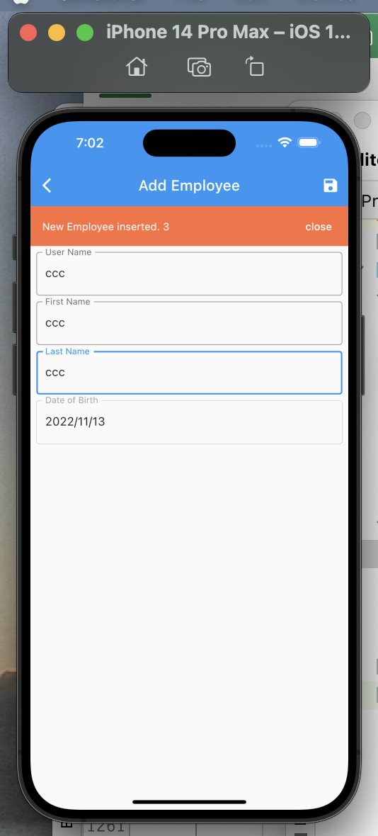

● | 12回 | Dispose Database and TextEditingController
 | https://www.youtube.com/watch?v=dCHbS676XtQ&list=PLztm2TugcV9Tn6J_H5mtxYIBN40uMAZgO&index=12

 | lib/screens/add_employee_screen.dart

 |  | import 'package:drift/drift.dart' as drift;
 |  | import 'package:flutter/material.dart';
 |  | import 'package:intl/intl.dart';
 |  | import 'package:test_sqlite_drift/data/local/db/app_db.dart';
 |  | import 'package:test_sqlite_drift/widget/custom_date_picker_form_field.dart';

 |  | import '../widget/custom_text_form_field.dart';

 |  | class AddEmployeeScreen extends StatefulWidget {
 |  | const AddEmployeeScreen({super.key});

 |  | @override
 |  | State<AddEmployeeScreen> createState() => _AddEmployeeScreenState();
 |  | }

 |  | class _AddEmployeeScreenState extends State<AddEmployeeScreen> {
 |  | late AppDb _db;

 |  | final TextEditingController userNameController = TextEditingController();
 |  | final TextEditingController firstNameController = TextEditingController();
 |  | final TextEditingController lastNameController = TextEditingController();
 |  | final TextEditingController dateOfBirthController = TextEditingController();

 |  | DateTime? dateOfBirth;

 |  | ///
 |  | @override
 |  | void initState() {
 |  | super.initState();

 |  | _db = AppDb();
 |  | }

 |  | ///
 |  | @override
 |  | void dispose() {
 |  | _db.close();
 |  | userNameController.dispose();
 |  | firstNameController.dispose();
 |  | lastNameController.dispose();
 |  | dateOfBirthController.dispose();

 |  | super.dispose();
 |  | }

 |  | ///
 |  | @override
 |  | Widget build(BuildContext context) {
 |  | return Scaffold(
 |  | appBar: AppBar(
 |  | title: const Text('Add Employee'),
 |  | centerTitle: true,
 |  | actions: [
 |  | IconButton(
 |  | onPressed: addEmployee,
 |  | icon: const Icon(Icons.save),
 |  | ),
 |  | ],
 |  | ),
 |  | body: Padding(
 |  | padding: const EdgeInsets.all(8),
 |  | child: Column(
 |  | children: [
 |  | CustomTextFormField(
 |  | controller: userNameController,
 |  | txtLabel: 'User Name',
 |  | ),
 |  | const SizedBox(height: 8),
 |  | CustomTextFormField(
 |  | controller: firstNameController,
 |  | txtLabel: 'First Name',
 |  | ),
 |  | const SizedBox(height: 8),
 |  | CustomTextFormField(
 |  | controller: lastNameController,
 |  | txtLabel: 'Last Name',
 |  | ),
 |  | const SizedBox(height: 8),
 |  | CustomDatePickerFormField(
 |  | controller: dateOfBirthController,
 |  | txtLabel: 'Date of Birth',
 |  | callback: () => pickDateOfBirth(context: context),
 |  | ),
 |  | const SizedBox(height: 8),
 |  | ],
 |  | ),
 |  | ),
 |  | );
 |  | }

 |  | ///
 |  | Future<void> pickDateOfBirth({required BuildContext context}) async {
 |  | final initialDate = DateTime.now();
 |  | final newDate = await showDatePicker(
 |  | context: context,
 |  | initialDate: dateOfBirth ?? initialDate,
 |  | firstDate: DateTime(DateTime.now().year - 3),
 |  | lastDate: DateTime(DateTime.now().year + 3),
 |  | builder: (context, child) {
 |  | return Theme(
 |  | data: ThemeData().copyWith(
 |  | colorScheme: const ColorScheme.light(
 |  | primary: Colors.pinkAccent,
 |  | ),
 |  | dialogBackgroundColor: Colors.white),
 |  | child: child ?? const Text(''),
 |  | );
 |  | },
 |  | );

 |  | if (newDate == null) {
 |  | return;
 |  | }

 |  | setState(() {
 |  | dateOfBirth = newDate;
 |  | final dob = DateFormat('yyyy/MM/dd').format(newDate);
 |  | dateOfBirthController.text = dob;
 |  | });
 |  | }

 |  | ///
 |  | void addEmployee() {
 |  | final entity = EmployeeCompanion(
 |  | userName: drift.Value(userNameController.text),
 |  | firstName: drift.Value(firstNameController.text),
 |  | lastName: drift.Value(lastNameController.text),
 |  | dateOfBirth: drift.Value(dateOfBirth!),
 |  | );

 |  | _db.insertEmployee(entity).then(
 |  | (value) => ScaffoldMessenger.of(context).showMaterialBanner(
 |  | MaterialBanner(
 |  | backgroundColor: Colors.deepOrangeAccent,
 |  | content: Text(
 |  | 'New Employee inserted. $value',
 |  | style: const TextStyle(color: Colors.white),
 |  | ),
 |  | actions: [
 |  | TextButton(
 |  | onPressed: () {
 |  | ScaffoldMessenger.of(context).hideCurrentMaterialBanner();
 |  | },
 |  | child: const Text(
 |  | 'close',
 |  | style: TextStyle(color: Colors.white),
 |  | ),
 |  | ),
 |  | ],
 |  | ),
 |  | ),
 |  | );
 |  | }
 |  | }

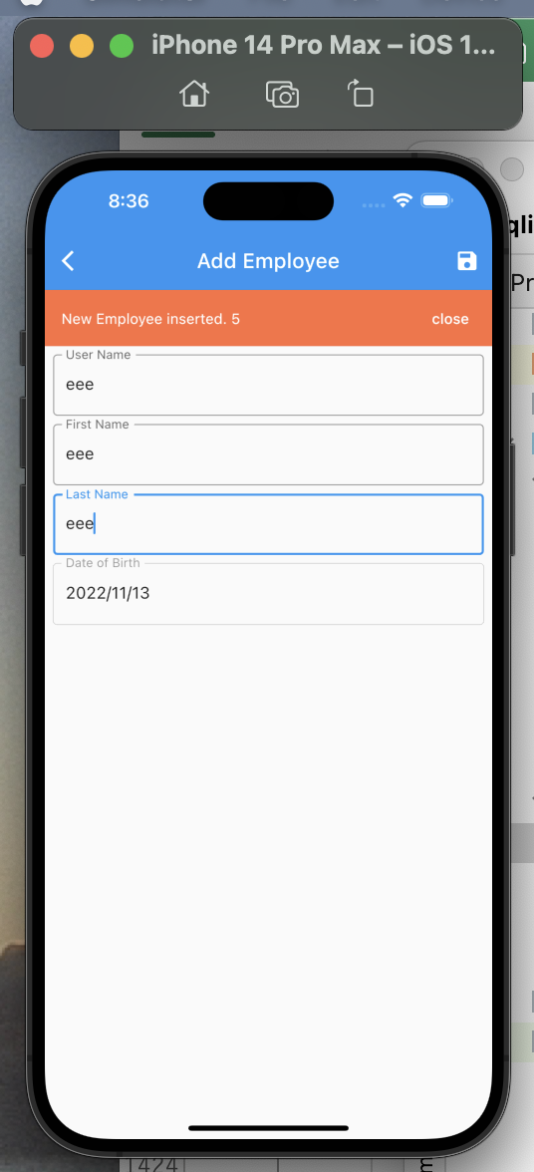

● | 13回 | Get Employee List
 | https://www.youtube.com/watch?v=P_ykPIwCusE&list=PLztm2TugcV9Tn6J_H5mtxYIBN40uMAZgO&index=13

 | lib/screens/home_screen.dart

 |  | import 'package:flutter/material.dart';

 |  | import '../data/local/db/app_db.dart';

 |  | class HomeScreen extends StatefulWidget {
 |  | const HomeScreen({super.key});

 |  | @override
 |  | State<HomeScreen> createState() => _HomeScreenState();
 |  | }

 |  | class _HomeScreenState extends State<HomeScreen> {
 |  | late AppDb _db;

 |  | ///
 |  | @override
 |  | void initState() {
 |  | super.initState();

 |  | _db = AppDb();
 |  | }

 |  | ///
 |  | @override
 |  | void dispose() {
 |  | _db.close();

 |  | super.dispose();
 |  | }

 |  | ///
 |  | @override
 |  | Widget build(BuildContext context) {
 |  | return Scaffold(
 |  | appBar: AppBar(
 |  | title: const Text('Home'),
 |  | centerTitle: true,
 |  | ),
 |  | body: FutureBuilder<List<EmployeeData>>(
 |  | future: _db.getEmployees(),
 |  | builder: (context, snapshot) {
 |  | final employees = snapshot.data;

 |  | if (snapshot.connectionState != ConnectionState.done) {
 |  | return const Center(
 |  | child: CircularProgressIndicator(),
 |  | );
 |  | }

 |  | if (snapshot.hasError) {
 |  | return Center(
 |  | child: Text(snapshot.error.toString()),
 |  | );
 |  | }

 |  | if (employees != null) {
 |  | return ListView.separated(
 |  | itemBuilder: (context, index) {
 |  | return Text(employees[index].firstName);
 |  | },
 |  | separatorBuilder: (context, index) => Container(),
 |  | itemCount: employees.length,
 |  | );
 |  | }

 |  | return const Text('No Data');
 |  | },
 |  | ),
 |  | floatingActionButton: FloatingActionButton.extended(
 |  | onPressed: () {
 |  | Navigator.pushNamed(context, '/add_employee');
 |  | },
 |  | icon: const Icon(Icons.add),
 |  | label: const Text('Add Employee'),
 |  | ),
 |  | );
 |  | }
 |  | }

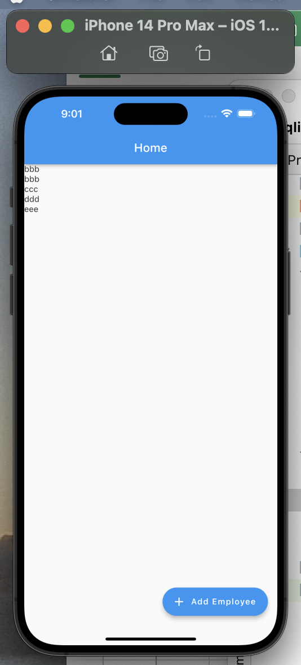

● | 14回 | Card Widget
 | https://www.youtube.com/watch?v=RGoPeyl0uv4&list=PLztm2TugcV9Tn6J_H5mtxYIBN40uMAZgO&index=14

 | lib/screens/home_screen.dart

 |  | import 'package:flutter/material.dart';

 |  | import '../data/local/db/app_db.dart';

 |  | class HomeScreen extends StatefulWidget {
 |  | const HomeScreen({super.key});

 |  | @override
 |  | State<HomeScreen> createState() => _HomeScreenState();
 |  | }

 |  | class _HomeScreenState extends State<HomeScreen> {
 |  | late AppDb _db;

 |  | ///
 |  | @override
 |  | void initState() {
 |  | super.initState();

 |  | _db = AppDb();
 |  | }

 |  | ///
 |  | @override
 |  | void dispose() {
 |  | _db.close();

 |  | super.dispose();
 |  | }

 |  | ///
 |  | @override
 |  | Widget build(BuildContext context) {
 |  | return Scaffold(
 |  | appBar: AppBar(
 |  | title: const Text('Home'),
 |  | centerTitle: true,
 |  | ),
 |  | body: FutureBuilder<List<EmployeeData>>(
 |  | future: _db.getEmployees(),
 |  | builder: (context, snapshot) {
 |  | final employees = snapshot.data;

 |  | if (snapshot.connectionState != ConnectionState.done) {
 |  | return const Center(
 |  | child: CircularProgressIndicator(),
 |  | );
 |  | }

 |  | if (snapshot.hasError) {
 |  | return Center(
 |  | child: Text(snapshot.error.toString()),
 |  | );
 |  | }

 |  | if (employees != null) {
 |  | return ListView.separated(
 |  | itemBuilder: (context, index) {
 |  | return Card(
 |  | shape: const RoundedRectangleBorder(
 |  | side: BorderSide(
 |  | color: Colors.green,
 |  | width: 1.2,
 |  | ),
 |  | borderRadius: BorderRadius.only(
 |  | topLeft: Radius.circular(16),
 |  | bottomRight: Radius.circular(16),
 |  | ),
 |  | ),
 |  | child: Padding(
 |  | padding: const EdgeInsets.all(12),
 |  | child: Column(
 |  | crossAxisAlignment: CrossAxisAlignment.start,
 |  | children: [
 |  | Text(employees[index].id.toString()),
 |  | Text(
 |  | employees[index].userName,
 |  | style: const TextStyle(color: Colors.black),
 |  | ),
 |  | Text(
 |  | employees[index].firstName,
 |  | style: const TextStyle(color: Colors.black),
 |  | ),
 |  | Text(
 |  | employees[index].lastName,
 |  | style: const TextStyle(color: Colors.black),
 |  | ),
 |  | Text(
 |  | employees[index].dateOfBirth.toString(),
 |  | style: const TextStyle(color: Colors.black),
 |  | ),
 |  | ],
 |  | ),
 |  | ),
 |  | );
 |  | },
 |  | separatorBuilder: (context, index) => Container(),
 |  | itemCount: employees.length,
 |  | );
 |  | }

 |  | return const Text('No Data');
 |  | },
 |  | ),
 |  | floatingActionButton: FloatingActionButton.extended(
 |  | onPressed: () {
 |  | Navigator.pushNamed(context, '/add_employee');
 |  | },
 |  | icon: const Icon(Icons.add),
 |  | label: const Text('Add Employee'),
 |  | ),
 |  | );
 |  | }
 |  | }

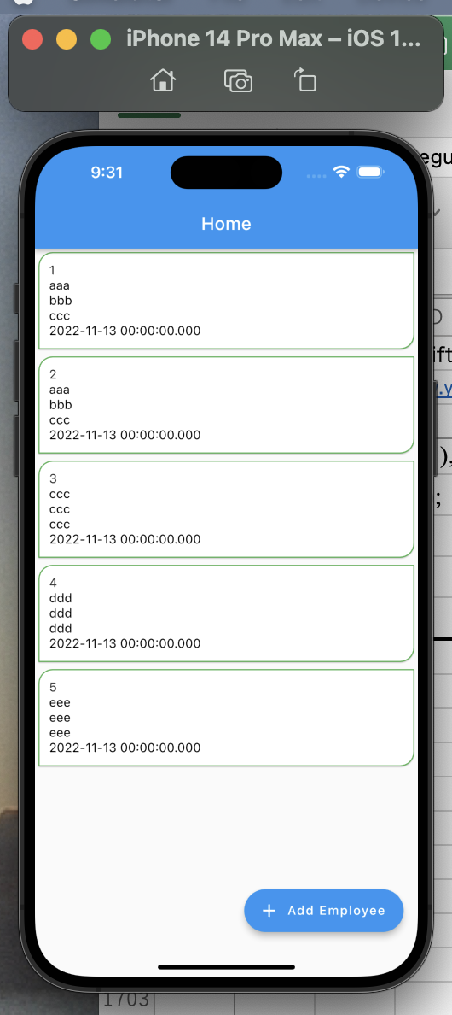

● | 15回 | Get Single Employee
 | https://www.youtube.com/watch?v=ZQT4rinSEHo&list=PLztm2TugcV9Tn6J_H5mtxYIBN40uMAZgO&index=15

 | lib/routes/route_generator.dart

 |  | // ignore_for_file: avoid_classes_with_only_static_members

 |  | import 'package:flutter/material.dart';

 |  | import '../screens/add_employee_screen.dart';
 |  | import '../screens/edit_employee_screen.dart';
 |  | import '../screens/home_screen.dart';

 |  | class RouteGenerator {
 |  | ///
 |  | static Route<dynamic> generateRoute(RouteSettings settings) {
 |  | final args = settings.arguments;

 |  | switch (settings.name) {
 |  | case '/':
 |  | return MaterialPageRoute(builder: (_) => const HomeScreen());
 |  | case '/add_employee':
 |  | return MaterialPageRoute(builder: (_) => const AddEmployeeScreen());
 |  | case '/edit_employee':
 |  | if (args is int) {
 |  | return MaterialPageRoute(
 |  | builder: (_) => EditEmployeeScreen(id: args));
 |  | }
 |  | return _errorRoute();

 |  | default:
 |  | return _errorRoute();
 |  | }
 |  | }

 |  | ///
 |  | static Route<dynamic> _errorRoute() {
 |  | return MaterialPageRoute(builder: (_) {
 |  | return Scaffold(
 |  | appBar: AppBar(
 |  | title: const Text('No Route'),
 |  | centerTitle: true,
 |  | ),
 |  | body: const Center(
 |  | child: Text(
 |  | 'No Route',
 |  | style: TextStyle(
 |  | color: Colors.redAccent,
 |  | fontSize: 18,
 |  | ),
 |  | ),
 |  | ),
 |  | );
 |  | });
 |  | }
 |  | }

 | lib/screens/home_screen.dart

 |  | import 'package:flutter/material.dart';

 |  | import '../data/local/db/app_db.dart';

 |  | class HomeScreen extends StatefulWidget {
 |  | const HomeScreen({super.key});

 |  | @override
 |  | State<HomeScreen> createState() => _HomeScreenState();
 |  | }

 |  | class _HomeScreenState extends State<HomeScreen> {
 |  | late AppDb _db;

 |  | ///
 |  | @override
 |  | void initState() {
 |  | super.initState();

 |  | _db = AppDb();
 |  | }

 |  | ///
 |  | @override
 |  | void dispose() {
 |  | _db.close();

 |  | super.dispose();
 |  | }

 |  | ///
 |  | @override
 |  | Widget build(BuildContext context) {
 |  | return Scaffold(
 |  | appBar: AppBar(
 |  | title: const Text('Home'),
 |  | centerTitle: true,
 |  | ),
 |  | body: FutureBuilder<List<EmployeeData>>(
 |  | future: _db.getEmployees(),
 |  | builder: (context, snapshot) {
 |  | final employees = snapshot.data;

 |  | if (snapshot.connectionState != ConnectionState.done) {
 |  | return const Center(
 |  | child: CircularProgressIndicator(),
 |  | );
 |  | }

 |  | if (snapshot.hasError) {
 |  | return Center(
 |  | child: Text(snapshot.error.toString()),
 |  | );
 |  | }

 |  | if (employees != null) {
 |  | return ListView.separated(
 |  | itemBuilder: (context, index) {
 |  | return GestureDetector(
 |  | onTap: () {
 |  | Navigator.pushNamed(
 |  | context,
 |  | '/edit_employee',
 |  | arguments: employees[index].id,
 |  | );
 |  | },
 |  | child: Card(
 |  | shape: const RoundedRectangleBorder(
 |  | side: BorderSide(
 |  | color: Colors.green,
 |  | width: 1.2,
 |  | ),
 |  | borderRadius: BorderRadius.only(
 |  | topLeft: Radius.circular(16),
 |  | bottomRight: Radius.circular(16),
 |  | ),
 |  | ),
 |  | child: Padding(
 |  | padding: const EdgeInsets.all(12),
 |  | child: Column(
 |  | crossAxisAlignment: CrossAxisAlignment.start,
 |  | children: [
 |  | Text(employees[index].id.toString()),
 |  | Text(
 |  | employees[index].userName,
 |  | style: const TextStyle(color: Colors.black),
 |  | ),
 |  | Text(
 |  | employees[index].firstName,
 |  | style: const TextStyle(color: Colors.black),
 |  | ),
 |  | Text(
 |  | employees[index].lastName,
 |  | style: const TextStyle(color: Colors.black),
 |  | ),
 |  | Text(
 |  | employees[index].dateOfBirth.toString(),
 |  | style: const TextStyle(color: Colors.black),
 |  | ),
 |  | ],
 |  | ),
 |  | ),
 |  | ),
 |  | );
 |  | },
 |  | separatorBuilder: (context, index) => Container(),
 |  | itemCount: employees.length,
 |  | );
 |  | }

 |  | return const Text('No Data');
 |  | },
 |  | ),
 |  | floatingActionButton: FloatingActionButton.extended(
 |  | onPressed: () {
 |  | Navigator.pushNamed(context, '/add_employee');
 |  | },
 |  | icon: const Icon(Icons.add),
 |  | label: const Text('Add Employee'),
 |  | ),
 |  | );
 |  | }
 |  | }

 | lib/screens/edit_employee_screen.dart

 |  | import 'package:drift/drift.dart' as drift;
 |  | import 'package:flutter/material.dart';
 |  | import 'package:intl/intl.dart';

 |  | import '../data/local/db/app_db.dart';
 |  | import '../widget/custom_date_picker_form_field.dart';
 |  | import '../widget/custom_text_form_field.dart';

 |  | class EditEmployeeScreen extends StatefulWidget {
 |  | const EditEmployeeScreen({super.key, required this.id});

 |  | final int id;

 |  | @override
 |  | State<EditEmployeeScreen> createState() => _EditEmployeeScreenState();
 |  | }

 |  | class _EditEmployeeScreenState extends State<EditEmployeeScreen> {
 |  | late AppDb _db;

 |  | final TextEditingController userNameController = TextEditingController();
 |  | final TextEditingController firstNameController = TextEditingController();
 |  | final TextEditingController lastNameController = TextEditingController();
 |  | final TextEditingController dateOfBirthController = TextEditingController();

 |  | DateTime? dateOfBirth;

 |  | ///
 |  | @override
 |  | void initState() {
 |  | super.initState();

 |  | _db = AppDb();
 |  | }

 |  | ///
 |  | @override
 |  | void dispose() {
 |  | _db.close();
 |  | userNameController.dispose();
 |  | firstNameController.dispose();
 |  | lastNameController.dispose();
 |  | dateOfBirthController.dispose();

 |  | super.dispose();
 |  | }

 |  | ///
 |  | @override
 |  | Widget build(BuildContext context) {
 |  | return Scaffold(
 |  | appBar: AppBar(
 |  | title: const Text('Edit Employee'),
 |  | centerTitle: true,
 |  | actions: [
 |  | IconButton(
 |  | onPressed: editEmployee,
 |  | icon: const Icon(Icons.save),
 |  | ),
 |  | ],
 |  | ),
 |  | body: Padding(
 |  | padding: const EdgeInsets.all(8),
 |  | child: Column(
 |  | children: [
 |  | CustomTextFormField(
 |  | controller: userNameController,
 |  | txtLabel: 'User Name',
 |  | ),
 |  | const SizedBox(height: 8),
 |  | CustomTextFormField(
 |  | controller: firstNameController,
 |  | txtLabel: 'First Name',
 |  | ),
 |  | const SizedBox(height: 8),
 |  | CustomTextFormField(
 |  | controller: lastNameController,
 |  | txtLabel: 'Last Name',
 |  | ),
 |  | const SizedBox(height: 8),
 |  | CustomDatePickerFormField(
 |  | controller: dateOfBirthController,
 |  | txtLabel: 'Date of Birth',
 |  | callback: () => pickDateOfBirth(context: context),
 |  | ),
 |  | const SizedBox(height: 8),
 |  | ],
 |  | ),
 |  | ),
 |  | );
 |  | }

 |  | ///
 |  | Future<void> pickDateOfBirth({required BuildContext context}) async {
 |  | final initialDate = DateTime.now();
 |  | final newDate = await showDatePicker(
 |  | context: context,
 |  | initialDate: dateOfBirth ?? initialDate,
 |  | firstDate: DateTime(DateTime.now().year - 3),
 |  | lastDate: DateTime(DateTime.now().year + 3),
 |  | builder: (context, child) {
 |  | return Theme(
 |  | data: ThemeData().copyWith(
 |  | colorScheme: const ColorScheme.light(
 |  | primary: Colors.pinkAccent,
 |  | ),
 |  | dialogBackgroundColor: Colors.white),
 |  | child: child ?? const Text(''),
 |  | );
 |  | },
 |  | );

 |  | if (newDate == null) {
 |  | return;
 |  | }

 |  | setState(() {
 |  | dateOfBirth = newDate;
 |  | final dob = DateFormat('yyyy/MM/dd').format(newDate);
 |  | dateOfBirthController.text = dob;
 |  | });
 |  | }

 |  | ///
 |  | void editEmployee() {
 |  | final entity = EmployeeCompanion(
 |  | userName: drift.Value(userNameController.text),
 |  | firstName: drift.Value(firstNameController.text),
 |  | lastName: drift.Value(lastNameController.text),
 |  | dateOfBirth: drift.Value(dateOfBirth!),
 |  | );

 |  | _db.insertEmployee(entity).then(
 |  | (value) => ScaffoldMessenger.of(context).showMaterialBanner(
 |  | MaterialBanner(
 |  | backgroundColor: Colors.deepOrangeAccent,
 |  | content: Text(
 |  | 'New Employee inserted. $value',
 |  | style: const TextStyle(color: Colors.white),
 |  | ),
 |  | actions: [
 |  | TextButton(
 |  | onPressed: () {
 |  | ScaffoldMessenger.of(context).hideCurrentMaterialBanner();
 |  | },
 |  | child: const Text(
 |  | 'close',
 |  | style: TextStyle(color: Colors.white),
 |  | ),
 |  | ),
 |  | ],
 |  | ),
 |  | ),
 |  | );
 |  | }
 |  | }

 | lib/screens/edit_employee_screen.dart

 |  | import 'package:drift/drift.dart' as drift;
 |  | import 'package:flutter/material.dart';
 |  | import 'package:intl/intl.dart';

 |  | import '../data/local/db/app_db.dart';
 |  | import '../widget/custom_date_picker_form_field.dart';
 |  | import '../widget/custom_text_form_field.dart';

 |  | class EditEmployeeScreen extends StatefulWidget {
 |  | const EditEmployeeScreen({super.key, required this.id});

 |  | final int id;

 |  | @override
 |  | State<EditEmployeeScreen> createState() => _EditEmployeeScreenState();
 |  | }

 |  | class _EditEmployeeScreenState extends State<EditEmployeeScreen> {
 |  | late AppDb _db;

 |  | final TextEditingController userNameController = TextEditingController();
 |  | final TextEditingController firstNameController = TextEditingController();
 |  | final TextEditingController lastNameController = TextEditingController();
 |  | final TextEditingController dateOfBirthController = TextEditingController();

 |  | DateTime? dateOfBirth;

 |  | late EmployeeData _employeeData;

 |  | ///
 |  | @override
 |  | void initState() {
 |  | super.initState();

 |  | _db = AppDb();

 |  | getEmployee();
 |  | }

 |  | ///
 |  | @override
 |  | void dispose() {
 |  | _db.close();
 |  | userNameController.dispose();
 |  | firstNameController.dispose();
 |  | lastNameController.dispose();
 |  | dateOfBirthController.dispose();

 |  | super.dispose();
 |  | }

 |  | ///
 |  | @override
 |  | Widget build(BuildContext context) {
 |  | return Scaffold(
 |  | appBar: AppBar(
 |  | title: const Text('Edit Employee'),
 |  | centerTitle: true,
 |  | actions: [
 |  | IconButton(
 |  | onPressed: editEmployee,
 |  | icon: const Icon(Icons.save),
 |  | ),
 |  | ],
 |  | ),
 |  | body: Padding(
 |  | padding: const EdgeInsets.all(8),
 |  | child: Column(
 |  | children: [
 |  | CustomTextFormField(
 |  | controller: userNameController,
 |  | txtLabel: 'User Name',
 |  | ),
 |  | const SizedBox(height: 8),
 |  | CustomTextFormField(
 |  | controller: firstNameController,
 |  | txtLabel: 'First Name',
 |  | ),
 |  | const SizedBox(height: 8),
 |  | CustomTextFormField(
 |  | controller: lastNameController,
 |  | txtLabel: 'Last Name',
 |  | ),
 |  | const SizedBox(height: 8),
 |  | CustomDatePickerFormField(
 |  | controller: dateOfBirthController,
 |  | txtLabel: 'Date of Birth',
 |  | callback: () => pickDateOfBirth(context: context),
 |  | ),
 |  | const SizedBox(height: 8),
 |  | ],
 |  | ),
 |  | ),
 |  | );
 |  | }

 |  | ///
 |  | Future<void> pickDateOfBirth({required BuildContext context}) async {
 |  | final initialDate = DateTime.now();
 |  | final newDate = await showDatePicker(
 |  | context: context,
 |  | initialDate: dateOfBirth ?? initialDate,
 |  | firstDate: DateTime(DateTime.now().year - 3),
...
 | Flutter | Drift | SQLite
 | https://www.youtube.com/watch?v=8ESbEFC0z5Y&list=PLztm2TugcV9Tn6J_H5mtxYIBN40uMAZgO
 |  | _employeeData = await _db.getEmployee(widget.id);
 |  | userNameController.text = _employeeData.userName;
 |  | firstNameController.text = _employeeData.firstName;
 |  | lastNameController.text = _employeeData.lastName;
 |  | dateOfBirthController.text = _employeeData.dateOfBirth.toIso8601String();
 |  | }
 |  | }

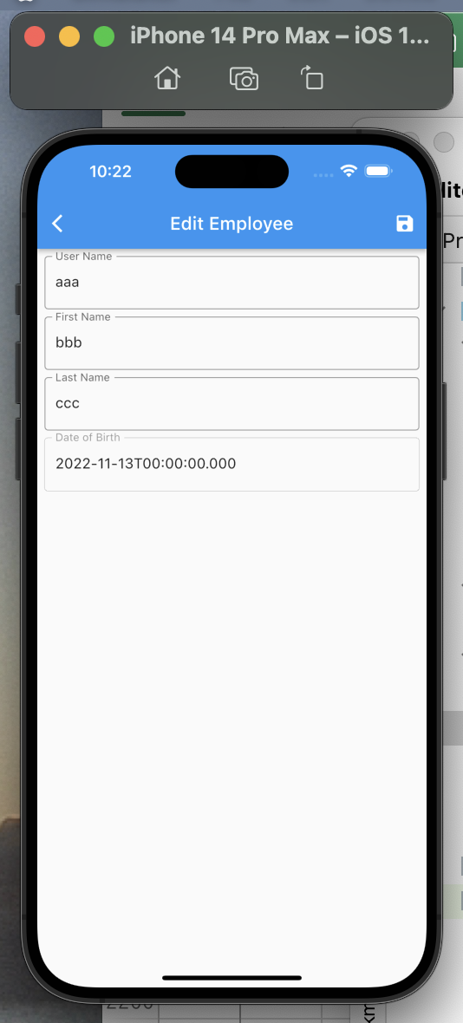

● | 16回 | Update Employee
 | https://www.youtube.com/watch?v=KIHCc7kS2wA&list=PLztm2TugcV9Tn6J_H5mtxYIBN40uMAZgO&index=16

 | lib/data/local/db/app_db.dart
...
 | Flutter | Drift | SQLite
 | https://www.youtube.com/watch?v=8ESbEFC0z5Y&list=PLztm2TugcV9Tn6J_H5mtxYIBN40uMAZgO
 |  | firstNameController.text = _employeeData.firstName;
 |  | lastNameController.text = _employeeData.lastName;
 |  | dateOfBirthController.text = _employeeData.dateOfBirth.toIso8601String();

 |  | dateOfBirth = _employeeData.dateOfBirth;
 |  | }
 |  | }

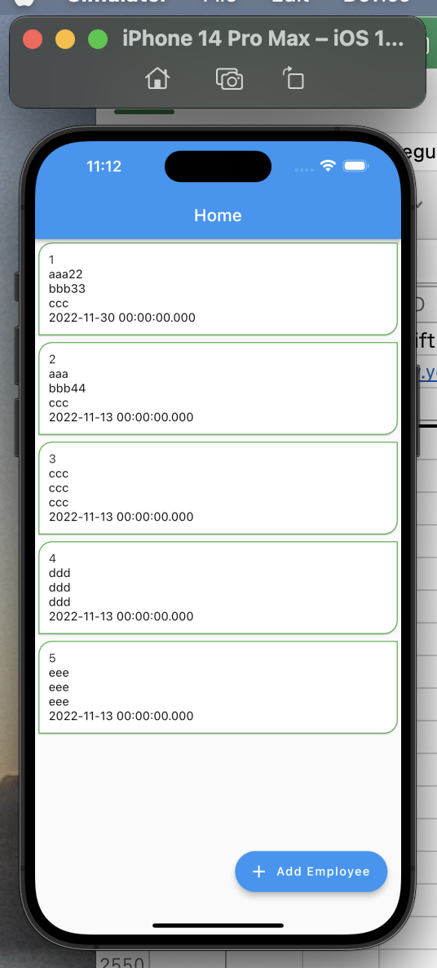

● | 17回 | Delete Employee
 | https://www.youtube.com/watch?v=YXSnVxlmWas&list=PLztm2TugcV9Tn6J_H5mtxYIBN40uMAZgO&index=17

 | lib/screens/edit_employee_screen.dart
...
 | Flutter | Drift | SQLite
 | https://www.youtube.com/watch?v=8ESbEFC0z5Y&list=PLztm2TugcV9Tn6J_H5mtxYIBN40uMAZgO
 |  | firstNameController.text = _employeeData.firstName;
 |  | lastNameController.text = _employeeData.lastName;
 |  | dateOfBirthController.text = _employeeData.dateOfBirth.toIso8601String();

 |  | dateOfBirth = _employeeData.dateOfBirth;
 |  | }
 |  | }

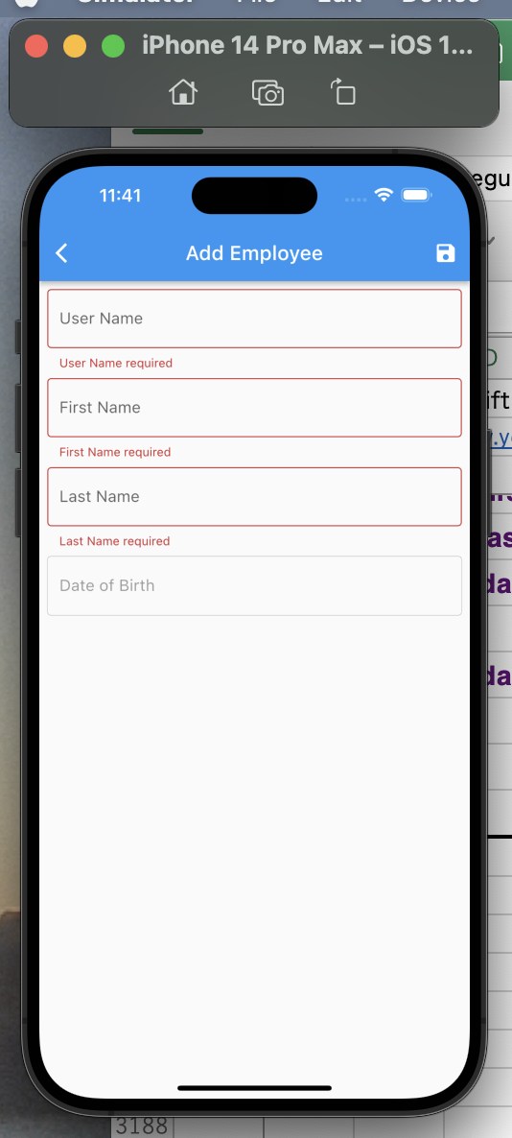
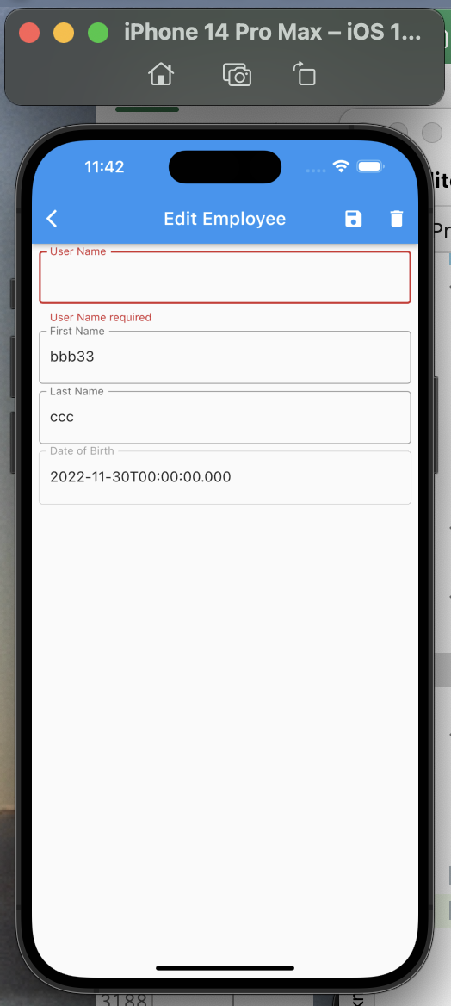

 | 19回 | Bottom Navigation Bar
 | https://www.youtube.com/watch?v=02xVJ8kW_XI&list=PLztm2TugcV9Tn6J_H5mtxYIBN40uMAZgO&index=19

 | lib/screens/home_screen.dart
...
 | Flutter | Drift | SQLite
 | https://www.youtube.com/watch?v=8ESbEFC0z5Y&list=PLztm2TugcV9Tn6J_H5mtxYIBN40uMAZgO
 |  | ),
 |  | );
 |  | }
 |  | }

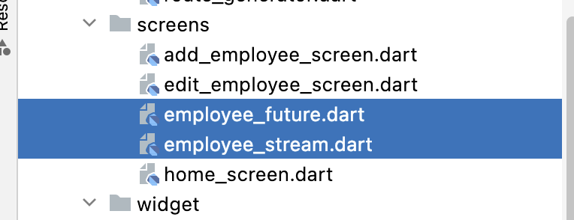
 | 2ファイル作成
 | lib/screens/employee_future.dart
 | lib/screens/employee_stream.dart

 | lib/screens/employee_future.dart

 |  | import 'package:flutter/material.dart';

 |  | import '../data/local/db/app_db.dart';

 |  | class EmployeeFutureScreen extends StatefulWidget {
 |  | const EmployeeFutureScreen({super.key});
...
 | Flutter | Drift | SQLite
 | https://www.youtube.com/watch?v=8ESbEFC0z5Y&list=PLztm2TugcV9Tn6J_H5mtxYIBN40uMAZgO
● | 21回 | Create ChangeNotifier I
 | https://www.youtube.com/watch?v=6H5MHW1j3HQ&list=PLztm2TugcV9Tn6J_H5mtxYIBN40uMAZgO&index=24

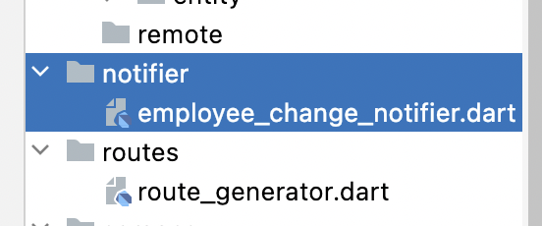

 | lib/notifier/employee_change_notifier.dart

 |  | import 'package:flutter/material.dart';

 |  | import '../data/local/db/app_db.dart';

 |  | class EmployeeChangeNotifier extends ChangeNotifier {
 |  | AppDb? _appDb;
...

