linux install
 | CentOS 7にyumでGoを入れてHello Worldするまで
 | https://qiita.com/nooboolean/items/11805928527aeb576c21

● | [root@tk2-408-45381 ~]# go version
 | -bash: go: コマンドが見つかりません

● | [root@tk2-408-45381 ~]# cat /etc/redhat-release
 | CentOS Linux release 7.9.2009 (Core)

● | [root@tk2-408-45381 ~]# yum install epel-release
 | 読み込んだプラグイン:fastestmirror, langpacks
 | Loading mirror speeds from cached hostfile
 | * base: ftp-srv2.kddilabs.jp
 | * epel: ftp.iij.ad.jp
 | * extras: ftp-srv2.kddilabs.jp
 | * remi-php72: ftp.riken.jp
 | * remi-php74: ftp.riken.jp
 | * remi-safe: ftp.riken.jp
 | * updates: ftp-srv2.kddilabs.jp
 | パッケージ epel-release-7-14.noarch はインストール済みか最新バージョンです
 | 何もしません

● | [root@tk2-408-45381 ~]# yum info golang
 | 読み込んだプラグイン:fastestmirror, langpacks
 | Loading mirror speeds from cached hostfile
 | * base: ftp-srv2.kddilabs.jp
 | * epel: ftp.iij.ad.jp
 | * extras: ftp-srv2.kddilabs.jp
 | * remi-php72: ftp.riken.jp
 | * remi-php74: ftp.riken.jp
 | * remi-safe: ftp.riken.jp
 | * updates: ftp-srv2.kddilabs.jp
 | 利用可能なパッケージ
 | 名前 : golang
 | アーキテクチャー : x86_64
 | バージョン : 1.18.4
 | リリース : 1.el7
 | 容量 : 684 k
 | リポジトリー : epel/x86_64
 | 要約 : The Go Programming Language
 | URL : http://golang.org/
 | ライセンス : BSD and Public Domain
 | 説明 : The Go Programming Language.

● | [root@tk2-408-45381 ~]# yum install -y golang
 | 読み込んだプラグイン:fastestmirror, langpacks
 | Loading mirror speeds from cached hostfile
 | * base: ftp-srv2.kddilabs.jp
 | * epel: ftp.iij.ad.jp
 | * extras: ftp-srv2.kddilabs.jp
 | * remi-php72: ftp.riken.jp
 | * remi-php74: ftp.riken.jp
 | * remi-safe: ftp.riken.jp
 | * updates: ftp-srv2.kddilabs.jp
 | 依存性の解決をしています
 | --> トランザクションの確認を実行しています。
 | ---> パッケージ golang.x86_64 0:1.18.4-1.el7 を インストール
 | --> 依存性の処理をしています: golang-bin = 1.18.4-1.el7 のパッケージ: golang-1.18.4-1.el7.x86_64
 | --> 依存性の処理をしています: golang-src = 1.18.4-1.el7 のパッケージ: golang-1.18.4-1.el7.x86_64
 | --> トランザクションの確認を実行しています。
 | ---> パッケージ golang-bin.x86_64 0:1.18.4-1.el7 を インストール
 | ---> パッケージ golang-src.noarch 0:1.18.4-1.el7 を インストール
 | --> 依存性解決を終了しました。

 | 依存性を解決しました

 | ====================================================================================================================================
 | Package アーキテクチャー バージョン リポジトリー 容量
 | ====================================================================================================================================
 | インストール中:
 | golang x86_64 1.18.4-1.el7 epel 684 k
 | 依存性関連でのインストールをします:
 | golang-bin x86_64 1.18.4-1.el7 epel 105 M
 | golang-src noarch 1.18.4-1.el7 epel 9.1 M

 | トランザクションの要約
 | ====================================================================================================================================
 | インストール 1 パッケージ (+2 個の依存関係のパッケージ)

 | 総ダウンロード容量: 115 M
 | インストール容量: 419 M
 | Downloading packages:
 | (1/3): golang-1.18.4-1.el7.x86_64.rpm | 684 kB 00:00:00
 | (2/3): golang-src-1.18.4-1.el7.noarch.rpm | 9.1 MB 00:00:02
 | (3/3): golang-bin-1.18.4-1.el7.x86_64.rpm | 105 MB 00:00:10
 | ------------------------------------------------------------------------------------------------------------------------------------
 | 合計 10 MB/s | 115 MB 00:00:11
 | Running transaction check
 | Running transaction test
 | Transaction test succeeded
 | Running transaction
 | インストール中 : golang-src-1.18.4-1.el7.noarch 1/3
 | インストール中 : golang-1.18.4-1.el7.x86_64 2/3
 | インストール中 : golang-bin-1.18.4-1.el7.x86_64 3/3
 | 検証中 : golang-bin-1.18.4-1.el7.x86_64 1/3
 | 検証中 : golang-src-1.18.4-1.el7.noarch 2/3
 | 検証中 : golang-1.18.4-1.el7.x86_64 3/3

 | インストール:
 | golang.x86_64 0:1.18.4-1.el7

 | 依存性関連をインストールしました:
 | golang-bin.x86_64 0:1.18.4-1.el7 golang-src.noarch 0:1.18.4-1.el7

 | 完了しました!

● | [root@tk2-408-45381 ~]# go version
 | go version go1.18.4 linux/amd64

● | [root@tk2-408-45381 ~]# mkdir golang

● | [root@tk2-408-45381 ~]# vi ~/.bash_profile

● | [root@tk2-408-45381 ~]# source ~/.bash_profile

● | [root@tk2-408-45381 ~]# echo $GOPATH
 | /root/golang

● | [root@tk2-408-45381 ~]# echo $PATH
 | /root/golang/bin:/root/.rbenv/bin:/root/.rbenv/shims:/root/.rbenv/bin:/usr/local/go/bin:/root/.rbenv/bin:/root/.rbenv/shims:/root/.rbenv/bin:/root/.rbenv/bin:/root/.rbenv/shims:/root/.rbenv/bin:/usr/local/sbin:/usr/local/bin:/usr/sbin:/usr/bin:/root/bin:/usr/local/flutter/bin:/root/bin:/usr/local/flutter/bin:/root/bin:/root/bin:/usr/local/flutter/bin:/root/bin

● | [root@tk2-408-45381 ~]# cd /root/golang/

● | [root@tk2-408-45381 golang]# mkdir bin pkg src

● | [root@tk2-408-45381 golang]# cd src/

● | [root@tk2-408-45381 src]# mkdir hello

● | [root@tk2-408-45381 src]# cd hello/

● | [root@tk2-408-45381 hello]# touch hello.go

● | [root@tk2-408-45381 hello]# vi hello.go
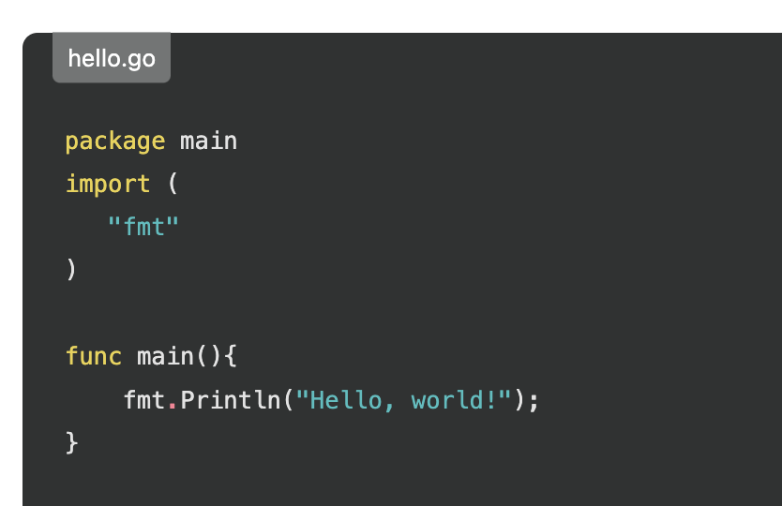

● | [root@tk2-408-45381 hello]# go run hello.go
 | Hello, world!

● | [root@tk2-408-45381 hello]# go install /root/golang/src/hello

● | [root@tk2-408-45381 hello]# ls /root/golang/bin/
 | hello

● | [root@tk2-408-45381 hello]# hello
 | Hello, world!

001
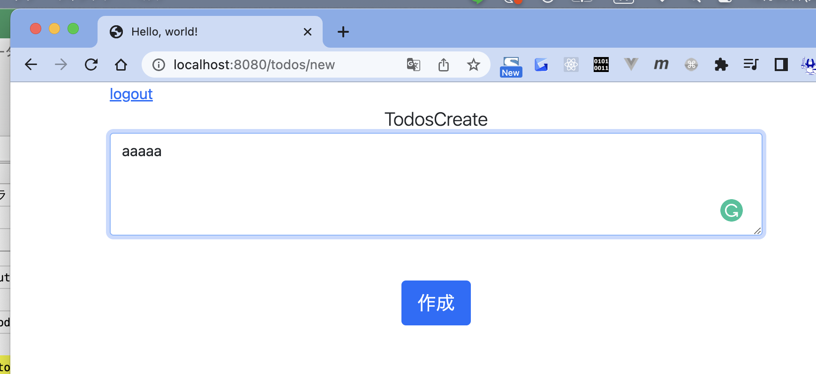
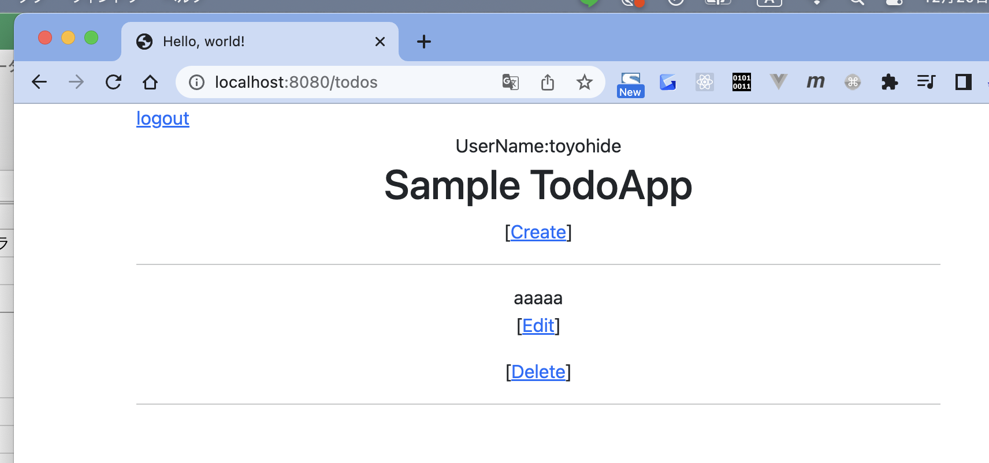
 | 【Go入門】Golang基礎入門 + 各種ライブラリ + 簡単なTodoWebアプリケーション開発(Go言語)

 | toyohide@toyohidenoMacBook-Pro ~ % go version
 | go version go1.18.3 darwin/arm64

 | toyohide@toyohidenoMacBook-Pro ~ % cd /Users/toyohide/Desktop/hideyuki/MY_STUDY/golang/udemy/001/src

 | toyohide@toyohidenoMacBook-Pro src % go mod init todo
 | go: creating new go.mod: module todo

 | toyohide@toyohidenoMacBook-Pro src % code .

 | config.ini

 |  | [web]
 |  | port = 8080
 |  | logfile = webapp.log

 |  | [db]
 |  | driver = sqlite3
 |  | name = webapp.sql

 | config/config.go

 |  | package config

 |  | import (
 |  | "log"

 |  | "gopkg.in/go-ini/ini.v1" |  | 外部パッケージ
 |  | )

 |  | type ConfigList struct {
 |  | Port string
 |  | SQLDriver string
 |  | DbName string
 |  | LogFile string
 |  | }

 |  | var Config ConfigList

 |  | func init() {
 |  | LoadConfig()
 |  | }

 |  | func LoadConfig() {
 |  | cfg, err := ini.Load("config.ini")
 |  | if err != nil {
 |  | log.Fatalln(err)
 |  | }
 |  | Config = ConfigList{
 |  | Port: cfg.Section("web").Key("port").MustString("8080"),
 |  | SQLDriver: cfg.Section("db").Key("driver").String(),
 |  | DbName: cfg.Section("db").Key("name").String(),
 |  | LogFile: cfg.Section("web").Key("logfile").String(),
 |  | }
 |  | }

 | toyohide@toyohidenoMacBook-Pro src % go mod tidy
 | go: finding module for package gopkg.in/go-ini/ini.v1
 | go: found gopkg.in/go-ini/ini.v1 in gopkg.in/go-ini/ini.v1 v1.67.0
 | go: finding module for package github.com/stretchr/testify/require
 | go: finding module for package github.com/stretchr/testify/assert
 | go: found github.com/stretchr/testify/assert in github.com/stretchr/testify v1.8.1
 | go: found github.com/stretchr/testify/require in github.com/stretchr/testify v1.8.1

 | main.go

 |  | package main

 |  | import (
 |  | "fmt"
 |  | "todo/config"
 |  | )

 |  | func main() {
 |  | fmt.Println(config.Config.Port)
 |  | fmt.Println(config.Config.SQLDriver)
 |  | fmt.Println(config.Config.DbName)
 |  | fmt.Println(config.Config.LogFile)
 |  | }

 | toyohide@toyohidenoMacBook-Pro src % go run main.go
 | 8080
 | sqlite3
 | webapp.sql
 | webapp.log

● | ログの設定

 | utils/logging.go

 |  | package utils

 |  | import (
 |  | "io"
 |  | "log"
 |  | "os"
 |  | )

 |  | func LoggingSettings(logFile string) {
 |  | logfile, err := os.OpenFile(logFile, os.O_RDWR|os.O_CREATE|os.O_APPEND, 0666)
 |  | if err != nil {
 |  | log.Fatalln(err)
 |  | }
 |  | multiLogFile := io.MultiWriter(os.Stdout, logfile)
 |  | log.SetFlags(log.Ldate | log.Ltime | log.Lshortfile)
 |  | log.SetOutput(multiLogFile)
 |  | }

 | config/config.go

 |  | package config

 |  | import (
 |  | "log"
 |  | "todo/utils"

 |  | "gopkg.in/go-ini/ini.v1"
 |  | )

 |  | type ConfigList struct {
 |  | Port string
 |  | SQLDriver string
 |  | DbName string
 |  | LogFile string
 |  | }

 |  | var Config ConfigList

 |  | func init() {
 |  | LoadConfig()
 |  | utils.LoggingSettings(Config.LogFile)
 |  | }

 |  | func LoadConfig() {
 |  | cfg, err := ini.Load("config.ini")
 |  | if err != nil {
 |  | log.Fatalln(err)
 |  | }
 |  | Config = ConfigList{
 |  | Port: cfg.Section("web").Key("port").MustString("8080"),
 |  | SQLDriver: cfg.Section("db").Key("driver").String(),
 |  | DbName: cfg.Section("db").Key("name").String(),
 |  | LogFile: cfg.Section("web").Key("logfile").String(),
 |  | }
 |  | }

 | main.go

 |  | package main

 |  | import (
 |  | "fmt"
 |  | "log"
 |  | "todo/config"
 |  | )

 |  | func main() {
 |  | fmt.Println(config.Config.Port)
 |  | fmt.Println(config.Config.SQLDriver)
 |  | fmt.Println(config.Config.DbName)
 |  | fmt.Println(config.Config.LogFile)

 |  | log.Println("test")
 |  | }

 | toyohide@toyohidenoMacBook-Pro src % go run main.go
 | 8080
 | sqlite3
 | webapp.sql
 | webapp.log
 | 2022/12/16 17:44:28 main.go:15: test

 | webapp.log

 |  | 2022/12/16 17:44:28 main.go:15: test

 | app/models/base.go

 |  | package models

 |  | import (
 |  | "database/sql"
 |  | "fmt"
 |  | "log"
 |  | "todo/config"

 |  | _ "github.com/mattn/go-sqlite3"
 |  | )

 |  | var Db *sql.DB

 |  | var err error

 |  | const (
 |  | tableNameUser = "users"
 |  | )

 |  | func init() {
 |  | Db, err = sql.Open(config.Config.SQLDriver, config.Config.DbName)
 |  | if err != nil {
 |  | log.Fatalln(err)
 |  | }

 |  | cmdU := fmt.Sprintf(`CREATE TABLE IF NOT EXISTS %s(
 |  | id INTEGER PRIMARY KEY AUTOINCREMENT,
 |  | uuid STRING NOT NULL UNIQUE,
 |  | name STRING,
 |  | email STRING,
 |  | password STRING,
 |  | created_at DATETIME)`, tableNameUser)

 |  | Db.Exec(cmdU)
 |  | }

 | toyohide@toyohidenoMacBook-Pro src % go mod tidy
 | go: finding module for package github.com/mattn/go-sqlite3
 | go: downloading github.com/mattn/go-sqlite3 v1.14.16
 | go: found github.com/mattn/go-sqlite3 in github.com/mattn/go-sqlite3 v1.14.16

 | main.go

 |  | package main

 |  | import (
 |  | "fmt"
 |  | "log"
 |  | "todo/app/models"
 |  | "todo/config"
 |  | )

 |  | func main() {
 |  | fmt.Println(config.Config.Port)
 |  | fmt.Println(config.Config.SQLDriver)
 |  | fmt.Println(config.Config.DbName)
 |  | fmt.Println(config.Config.LogFile)

 |  | log.Println("test")

 |  | fmt.Println(models.Db)
 |  | }

 | toyohide@toyohidenoMacBook-Pro src % go run main.go
 | 8080
 | sqlite3
 | webapp.sql
 | webapp.log
 | 2022/12/16 18:13:08 main.go:16: test
 | &{0 {webapp.sql 0x140001440e0} 0 {0 0} [0x1400015c000] map[] 0 1 0x140001100c0 false map[0x1400015c000:map[0x1400015c000:true]] map[] 0 0 0 0 <nil> 0 0 0 0 0x10480cdf0}

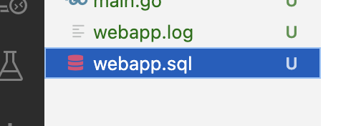

 | toyohide@toyohidenoMacBook-Pro src % sqlite3 webapp.sql
 | SQLite version 3.39.4 2022-09-07 20:51:41
 | Enter ".help" for usage hints.
 | sqlite> .table
 | users
 | sqlite> .exit

● | ユーザー作成

 | app/models/users.go

 |  | package models

 |  | import (
 |  | "log"
 |  | "time"
 |  | )

 |  | type User struct {
 |  | ID int
 |  | UUID string
 |  | Name string
 |  | Email string
 |  | Password string
 |  | CreatedAt time.Time
 |  | }

 |  | func (u *User) CreateUser() (err error) {
 |  | cmd := `insert into users(
 |  | uuid,name,email,password,created_at
 |  | ) values(?, ?, ?, ?, ?)`

 |  | _, err = Db.Exec(cmd,
 |  | createUUID(),
 |  | u.Name,
 |  | u.Email,
 |  | Encrypt(u.Password),
 |  | time.Now())

 |  | if err != nil {
 |  | log.Fatalln(err)
 |  | }

 |  | return err
 |  | }

 | app/models/base.go

 |  | package models

 |  | import (
 |  | "crypto/sha1"
 |  | "database/sql"
 |  | "fmt"
 |  | "log"
 |  | "todo/config"

 |  | "github.com/google/uuid"

 |  | _ "github.com/mattn/go-sqlite3"
 |  | )

 |  | var Db *sql.DB

 |  | var err error

 |  | const (
 |  | tableNameUser = "users"
 |  | )

 |  | func init() {
 |  | Db, err = sql.Open(config.Config.SQLDriver, config.Config.DbName)
 |  | if err != nil {
 |  | log.Fatalln(err)
 |  | }

 |  | cmdU := fmt.Sprintf(`CREATE TABLE IF NOT EXISTS %s(
 |  | id INTEGER PRIMARY KEY AUTOINCREMENT,
 |  | uuid STRING NOT NULL UNIQUE,
 |  | name STRING,
 |  | email STRING,
 |  | password STRING,
 |  | created_at DATETIME)`, tableNameUser)

 |  | Db.Exec(cmdU)
 |  | }

 |  | func createUUID() (uuidobj uuid.UUID) {
 |  | uuidobj, _ = uuid.NewUUID()
 |  | return uuidobj
 |  | }

 |  | func Encrypt(plaintext string) (crypttext string) {
 |  | crypttext = fmt.Sprintf("%s", sha1.Sum([]byte(plaintext)))
 |  | return crypttext
 |  | }

 | toyohide@toyohidenoMacBook-Pro src % go mod tidy
 | go: finding module for package github.com/google/uuid
 | go: downloading github.com/google/uuid v1.3.0
 | go: found github.com/google/uuid in github.com/google/uuid v1.3.0

 | main.go

 |  | package main

 |  | import (
 |  | "fmt"
 |  | "log"
 |  | "todo/app/models"
 |  | "todo/config"
 |  | )

 |  | func main() {
 |  | fmt.Println(config.Config.Port)
 |  | fmt.Println(config.Config.SQLDriver)
 |  | fmt.Println(config.Config.DbName)
 |  | fmt.Println(config.Config.LogFile)

 |  | log.Println("test")

 |  | fmt.Println(models.Db)

 |  | u := &models.User{}
 |  | u.Name = "test"
 |  | u.Email = "test@test.jp"
 |  | u.Password = "password"
 |  | fmt.Println(u)

 |  | u.CreateUser()
 |  | }

 | toyohide@toyohidenoMacBook-Pro src % go run main.go
 | 8080
 | sqlite3
 | webapp.sql
 | webapp.log
 | 2022/12/16 21:17:43 main.go:16: test
 | &{0 {webapp.sql 0x1400006a120} 0 {0 0} [0x14000130090] map[] 0 1 0x14000018120 false map[0x14000130090:map[0x14000130090:true]] map[] 0 0 0 0 <nil> 0 0 0 0 0x10493f650}
 | &{0 test test@test.jp password 0001-01-01 00:00:00 +0000 UTC}

 | toyohide@toyohidenoMacBook-Pro src % sqlite3 webapp.sql
 | SQLite version 3.39.4 2022-09-07 20:51:41
 | Enter ".help" for usage hints.
 | sqlite> select * from users;
 | 1|a47c9a38-7d3b-11ed-8845-52b94614c7b4|test|test@test.jp|[�a�ɹ??�%
 | l�3��|2022-12-16 21:17:43.45264+09:00
 | sqlite> .exit

● | ユーザー取得

 | app/models/users.go

 |  | package models

 |  | import (
 |  | "log"
 |  | "time"
 |  | )

 |  | type User struct {
 |  | ID int
 |  | UUID string
 |  | Name string
 |  | Email string
 |  | Password string
 |  | CreatedAt time.Time
 |  | }

 |  | func (u *User) CreateUser() (err error) {
 |  | cmd := `insert into users(
 |  | uuid,name,email,password,created_at
 |  | ) values(?, ?, ?, ?, ?)`

 |  | _, err = Db.Exec(cmd,
 |  | createUUID(),
 |  | u.Name,
 |  | u.Email,
 |  | Encrypt(u.Password),
 |  | time.Now())

 |  | if err != nil {
 |  | log.Fatalln(err)
 |  | }

 |  | return err
 |  | }

 |  | func GetUser(id int) (user User, err error) {
 |  | user = User{}

 |  | cmd := `select id, uuid, name, email, password, created_at from users where id = ?`

 |  | err = Db.QueryRow(cmd, id).Scan(
 |  | &user.ID,
 |  | &user.UUID,
 |  | &user.Name,
 |  | &user.Email,
 |  | &user.Password,
 |  | &user.CreatedAt,
 |  | )

 |  | return user, err
 |  | }

 | main.go

 |  | package main

 |  | import (
 |  | "fmt"
 |  | "todo/app/models"
 |  | )

 |  | func main() {
 |  | // fmt.Println(config.Config.Port)
 |  | // fmt.Println(config.Config.SQLDriver)
 |  | // fmt.Println(config.Config.DbName)
 |  | // fmt.Println(config.Config.LogFile)

 |  | // log.Println("test")

 |  | fmt.Println(models.Db)

 |  | /*
 |  | u := &models.User{}
 |  | u.Name = "test"
 |  | u.Email = "test@test.jp"
 |  | u.Password = "password"
 |  | fmt.Println(u)

 |  | u.CreateUser()
 |  | */

 |  | u, _ := models.GetUser(1)
 |  | fmt.Println(u)
 |  | }

 | toyohide@toyohidenoMacBook-Pro src % go run main.go
 | &{0 {webapp.sql 0x1400006a120} 0 {0 0} [0x14000130120] map[] 0 1 0x14000018120 false map[0x14000130120:map[0x14000130120:true]] map[] 0 0 0 0 <nil> 0 0 0 0 0x104121810}
 | {1 a47c9a38-7d3b-11ed-8845-52b94614c7b4 test test@test.jp [�a�ɹ??�%
 | l�3�� 2022-12-16 21:17:43.45264 +0900 +0900}

● | ユーザー更新

 | app/models/users.go

 |  | package models

 |  | import (
 |  | "log"
 |  | "time"
 |  | )

 |  | type User struct {
 |  | ID int
 |  | UUID string
 |  | Name string
 |  | Email string
 |  | Password string
 |  | CreatedAt time.Time
 |  | }

 |  | func (u *User) CreateUser() (err error) {
 |  | cmd := `insert into users(
 |  | uuid,name,email,password,created_at
 |  | ) values(?, ?, ?, ?, ?)`

 |  | _, err = Db.Exec(cmd,
 |  | createUUID(),
 |  | u.Name,
 |  | u.Email,
 |  | Encrypt(u.Password),
 |  | time.Now())

 |  | if err != nil {
 |  | log.Fatalln(err)
 |  | }

 |  | return err
 |  | }

 |  | func GetUser(id int) (user User, err error) {
 |  | user = User{}

 |  | cmd := `select id, uuid, name, email, password, created_at from users where id = ?`

 |  | err = Db.QueryRow(cmd, id).Scan(
 |  | &user.ID,
 |  | &user.UUID,
 |  | &user.Name,
 |  | &user.Email,
 |  | &user.Password,
 |  | &user.CreatedAt,
 |  | )

 |  | return user, err
 |  | }

 |  | func (u *User) UpdateUser() (err error) {
 |  | cmd := `update users set name = ?, email = ? where id = ?`
 |  | _, err = Db.Exec(cmd, u.Name, u.Email, u.ID)
 |  | if err != nil {
 |  | log.Fatalln(err)
 |  | }
 |  | return err
 |  | }

 | main.go

 |  | package main

 |  | import (
 |  | "fmt"
 |  | "todo/app/models"
 |  | )

 |  | func main() {
 |  | // fmt.Println(config.Config.Port)
 |  | // fmt.Println(config.Config.SQLDriver)
 |  | // fmt.Println(config.Config.DbName)
 |  | // fmt.Println(config.Config.LogFile)

 |  | // log.Println("test")

 |  | fmt.Println(models.Db)

 |  | /*
 |  | u := &models.User{}
 |  | u.Name = "test"
 |  | u.Email = "test@test.jp"
 |  | u.Password = "password"
 |  | fmt.Println(u)

 |  | u.CreateUser()
 |  | */

 |  | u, _ := models.GetUser(1)
 |  | fmt.Println(u)

 |  | u.Name = "test2"
 |  | u.Email = "test2@test.jp"
 |  | u.UpdateUser()

 |  | u, _ = models.GetUser(1) |  |  | := ではない
 |  | fmt.Println(u)

 |  | }

 | toyohide@toyohidenoMacBook-Pro src % go run main.go
 | &{0 {webapp.sql 0x140000c6100} 0 {0 0} [0x140000d8090] map[] 0 1 0x1400008e0c0 false map[0x140000d8090:map[0x140000d8090:true]] map[] 0 0 0 0 <nil> 0 0 0 0 0x1022d14c0}
 | {1 a47c9a38-7d3b-11ed-8845-52b94614c7b4 test test@test.jp [�a�ɹ??�%
 | l�3�� 2022-12-16 21:17:43.45264 +0900 +0900}
 | {1 a47c9a38-7d3b-11ed-8845-52b94614c7b4 test2 test2@test.jp [�a�ɹ??�%
 | l�3�� 2022-12-16 21:17:43.45264 +0900 +0900}

● | ユーザー削除

 | app/models/users.go

 |  | package models

 |  | import (
 |  | "log"
 |  | "time"
 |  | )

 |  | type User struct {
 |  | ID int
 |  | UUID string
 |  | Name string
 |  | Email string
 |  | Password string
 |  | CreatedAt time.Time
 |  | }

 |  | func (u *User) CreateUser() (err error) {
 |  | cmd := `insert into users(
 |  | uuid,name,email,password,created_at
 |  | ) values(?, ?, ?, ?, ?)`

 |  | _, err = Db.Exec(cmd,
 |  | createUUID(),
 |  | u.Name,
 |  | u.Email,
 |  | Encrypt(u.Password),
 |  | time.Now())

 |  | if err != nil {
 |  | log.Fatalln(err)
 |  | }

 |  | return err
 |  | }

 |  | func GetUser(id int) (user User, err error) {
 |  | user = User{}

 |  | cmd := `select id, uuid, name, email, password, created_at from users where id = ?`

 |  | err = Db.QueryRow(cmd, id).Scan(
 |  | &user.ID,
 |  | &user.UUID,
 |  | &user.Name,
 |  | &user.Email,
 |  | &user.Password,
 |  | &user.CreatedAt,
 |  | )

 |  | return user, err
 |  | }

 |  | func (u *User) UpdateUser() (err error) {
 |  | cmd := `update users set name = ?, email = ? where id = ?`
 |  | _, err = Db.Exec(cmd, u.Name, u.Email, u.ID)
 |  | if err != nil {
 |  | log.Fatalln(err)
 |  | }
 |  | return err
 |  | }

 |  | func (u *User) DeleteUser() (err error) {
 |  | cmd := `delete from users where id = ?`
 |  | _, err = Db.Exec(cmd, u.ID)
 |  | if err != nil {
 |  | log.Fatalln(err)
 |  | }
 |  | return err
 |  | }

 | main.go

 |  | package main

 |  | import (
 |  | "fmt"
 |  | "todo/app/models"
 |  | )

 |  | func main() {
 |  | // fmt.Println(config.Config.Port)
 |  | // fmt.Println(config.Config.SQLDriver)
 |  | // fmt.Println(config.Config.DbName)
 |  | // fmt.Println(config.Config.LogFile)

 |  | // log.Println("test")

 |  | fmt.Println(models.Db)

 |  | /*
 |  | u := &models.User{}
 |  | u.Name = "test"
 |  | u.Email = "test@test.jp"
 |  | u.Password = "password"
 |  | fmt.Println(u)

 |  | u.CreateUser()
 |  | */

 |  | u, _ := models.GetUser(1)
 |  | fmt.Println(u)

 |  | u.Name = "test2"
 |  | u.Email = "test2@test.jp"
 |  | u.UpdateUser()

 |  | u, _ = models.GetUser(1)
 |  | fmt.Println(u)

 |  | u.DeleteUser()

 |  | u, _ = models.GetUser(1)
 |  | fmt.Println(u)

 |  | }

 | toyohide@toyohidenoMacBook-Pro src % go run main.go
 | &{0 {webapp.sql 0x14000146100} 0 {0 0} [0x14000158090] map[] 0 1 0x140001020c0 false map[0x14000158090:map[0x14000158090:true]] map[] 0 0 0 0 <nil> 0 0 0 0 0x100df9260}
 | {1 a47c9a38-7d3b-11ed-8845-52b94614c7b4 test2 test2@test.jp [�a�ɹ??�%
 | l�3�� 2022-12-16 21:17:43.45264 +0900 +0900}
 | {1 a47c9a38-7d3b-11ed-8845-52b94614c7b4 test2 test2@test.jp [�a�ɹ??�%
 | l�3�� 2022-12-16 21:17:43.45264 +0900 +0900}
 | {0 0001-01-01 00:00:00 +0000 UTC}
 |  | レコードがないので初期値が表示される

● | todosテーブル作成

 | app/models/base.go

 |  | package models

 |  | import (
 |  | "crypto/sha1"
 |  | "database/sql"
 |  | "fmt"
 |  | "log"
 |  | "todo/config"

 |  | "github.com/google/uuid"

 |  | _ "github.com/mattn/go-sqlite3"
 |  | )

 |  | var Db *sql.DB

 |  | var err error

 |  | const (
 |  | tableNameUser = "users"

 |  | tableNameTodo = "todos"
 |  | )

 |  | func init() {
 |  | Db, err = sql.Open(config.Config.SQLDriver, config.Config.DbName)
 |  | if err != nil {
 |  | log.Fatalln(err)
 |  | }

 |  | cmdU := fmt.Sprintf(`CREATE TABLE IF NOT EXISTS %s(
 |  | id INTEGER PRIMARY KEY AUTOINCREMENT,
 |  | uuid STRING NOT NULL UNIQUE,
 |  | name STRING,
 |  | email STRING,
 |  | password STRING,
 |  | created_at DATETIME)`, tableNameUser)

 |  | Db.Exec(cmdU)

 |  | cmdT := fmt.Sprintf(`CREATE TABLE IF NOT EXISTS %s(
 |  | id INTEGER PRIMARY KEY AUTOINCREMENT,
 |  | content TEXT,
 |  | user_id INTEGER,
 |  | created_at DATETIME)`, tableNameTodo)

 |  | Db.Exec(cmdT)

 |  | }

 |  | func createUUID() (uuidobj uuid.UUID) {
 |  | uuidobj, _ = uuid.NewUUID()
 |  | return uuidobj
 |  | }

 |  | func Encrypt(plaintext string) (crypttext string) {
 |  | crypttext = fmt.Sprintf("%s", sha1.Sum([]byte(plaintext)))
 |  | return crypttext
 |  | }

 | main.go

 |  | package main

 |  | import (
 |  | "fmt"
 |  | "todo/app/models"
 |  | )

 |  | func main() {
 |  | // fmt.Println(config.Config.Port)
 |  | // fmt.Println(config.Config.SQLDriver)
 |  | // fmt.Println(config.Config.DbName)
 |  | // fmt.Println(config.Config.LogFile)

 |  | // log.Println("test")

 |  | fmt.Println(models.Db)

 |  | /*
 |  | u := &models.User{}
 |  | u.Name = "test"
 |  | u.Email = "test@test.jp"
 |  | u.Password = "password"
 |  | fmt.Println(u)

 |  | u.CreateUser()
 |  | */

 |  | // u, _ := models.GetUser(1)
 |  | // fmt.Println(u)

 |  | // u.Name = "test2"
 |  | // u.Email = "test2@test.jp"
 |  | // u.UpdateUser()

 |  | // u, _ = models.GetUser(1)
 |  | // fmt.Println(u)

 |  | // u.DeleteUser()

 |  | // u, _ = models.GetUser(1)
 |  | // fmt.Println(u)

 |  | }

 | toyohide@toyohidenoMacBook-Pro src % go run main.go
 | &{0 {webapp.sql 0x1400006a120} 0 {0 0} [0x140001301b0] map[] 0 1 0x14000018120 false map[0x140001301b0:map[0x140001301b0:true]] map[] 0 0 0 0 <nil> 0 0 0 0 0x1007965f0}

 | toyohide@toyohidenoMacBook-Pro src % sqlite3 webapp.sql
 | SQLite version 3.39.4 2022-09-07 20:51:41
 | Enter ".help" for usage hints.
 | sqlite> .table
 | todos users
 | sqlite> .exit

● | todo作成

 | app/models/todos.go

 |  | package models

 |  | import (
 |  | "log"
 |  | "time"
 |  | )

 |  | type Todo struct {
 |  | ID int
 |  | Content string
 |  | UserID int
 |  | CreatedAt time.Time
 |  | }

 |  | func (u *User) CreateTodo(content string) (err error) {
 |  | cmd := `insert into todos(content, user_id, created_at) values(?, ?, ?)`

 |  | _, err = Db.Exec(cmd, content, u.ID, time.Now())
 |  | if err != nil {
 |  | log.Fatalln(err)
 |  | }

 |  | return err
 |  | }

 | main.go

 |  | package main

 |  | import (
 |  | "fmt"
 |  | "todo/app/models"
 |  | )

 |  | func main() {
 |  | // fmt.Println(config.Config.Port)
 |  | // fmt.Println(config.Config.SQLDriver)
 |  | // fmt.Println(config.Config.DbName)
 |  | // fmt.Println(config.Config.LogFile)

 |  | // log.Println("test")

 |  | fmt.Println(models.Db)

 |  | u := &models.User{}
 |  | u.Name = "test"
 |  | u.Email = "test@test.jp"
 |  | u.Password = "password"
 |  | fmt.Println(u)

 |  | u.CreateUser()

 |  | user, _ := models.GetUser(2)

 |  | user.CreateTodo("First Todo")

 |  | // u, _ := models.GetUser(1)
 |  | // fmt.Println(u)

 |  | // u.Name = "test2"
 |  | // u.Email = "test2@test.jp"
 |  | // u.UpdateUser()

 |  | // u, _ = models.GetUser(1)
 |  | // fmt.Println(u)

 |  | // u.DeleteUser()

 |  | // u, _ = models.GetUser(1)
 |  | // fmt.Println(u)

 |  | }

 | toyohide@toyohidenoMacBook-Pro src % go run main.go
 | &{0 {webapp.sql 0x14000146100} 0 {0 0} [0x14000158120] map[] 0 1 0x140001100c0 false map[0x14000158120:map[0x14000158120:true]] map[] 0 0 0 0 <nil> 0 0 0 0 0x100c35180}
 | &{0 test test@test.jp password 0001-01-01 00:00:00 +0000 UTC}

 | toyohide@toyohidenoMacBook-Pro src % sqlite3 webapp.sql
 | SQLite version 3.39.4 2022-09-07 20:51:41
 | Enter ".help" for usage hints.
 | sqlite> select * from todos;
 | 1|First Todo|2|2022-12-16 22:41:09.834778+09:00
 | sqlite> .exit

● | todo取得

 | app/models/todos.go

 |  | package models

 |  | import (
 |  | "log"
 |  | "time"
 |  | )

 |  | type Todo struct {
 |  | ID int
 |  | Content string
 |  | UserID int
 |  | CreatedAt time.Time
 |  | }

 |  | func (u *User) CreateTodo(content string) (err error) {
 |  | cmd := `insert into todos(content, user_id, created_at) values(?, ?, ?)`

 |  | _, err = Db.Exec(cmd, content, u.ID, time.Now())
 |  | if err != nil {
 |  | log.Fatalln(err)
 |  | }

 |  | return err
 |  | }

 |  | func GetTodo(id int) (todo Todo, err error) {
 |  | cmd := `select id, content, user_id, created_at from todos where id = ?`
 |  | todo = Todo{}

 |  | err = Db.QueryRow(cmd, id).Scan(
 |  | &todo.ID,
 |  | &todo.Content,
 |  | &todo.UserID,
 |  | &todo.CreatedAt)

 |  | return todo, err
 |  | }

 | main.go

 |  | package main

 |  | import (
 |  | "fmt"
 |  | "todo/app/models"
 |  | )

 |  | func main() {
 |  | // fmt.Println(config.Config.Port)
 |  | // fmt.Println(config.Config.SQLDriver)
 |  | // fmt.Println(config.Config.DbName)
 |  | // fmt.Println(config.Config.LogFile)

 |  | // log.Println("test")

 |  | // fmt.Println(models.Db)

 |  | /*
 |  | u := &models.User{}
 |  | u.Name = "test"
 |  | u.Email = "test@test.jp"
 |  | u.Password = "password"
 |  | fmt.Println(u)

 |  | u.CreateUser()
 |  | */

 |  | /*
 |  | user, _ := models.GetUser(2)

 |  | user.CreateTodo("First Todo")
 |  | */

 |  | // u, _ := models.GetUser(1)
 |  | // fmt.Println(u)

 |  | // u.Name = "test2"
 |  | // u.Email = "test2@test.jp"
 |  | // u.UpdateUser()

 |  | // u, _ = models.GetUser(1)
 |  | // fmt.Println(u)

 |  | // u.DeleteUser()

 |  | // u, _ = models.GetUser(1)
 |  | // fmt.Println(u)

 |  | t, _ := models.GetTodo(1)
 |  | fmt.Println(t)
 |  | }

 | toyohide@toyohidenoMacBook-Pro src % go run main.go
 | {1 First Todo 2 2022-12-16 22:41:09.834778 +0900 +0900}

● | 複数のtodoを取得

 | app/models/todos.go

 |  | package models

 |  | import (
 |  | "log"
 |  | "time"
 |  | )

 |  | type Todo struct {
 |  | ID int
 |  | Content string
 |  | UserID int
 |  | CreatedAt time.Time
 |  | }

 |  | func (u *User) CreateTodo(content string) (err error) {
 |  | cmd := `insert into todos(content, user_id, created_at) values(?, ?, ?)`

 |  | _, err = Db.Exec(cmd, content, u.ID, time.Now())
 |  | if err != nil {
 |  | log.Fatalln(err)
 |  | }

 |  | return err
 |  | }

 |  | func GetTodo(id int) (todo Todo, err error) {
 |  | cmd := `select id, content, user_id, created_at from todos where id = ?`
 |  | todo = Todo{}

 |  | err = Db.QueryRow(cmd, id).Scan(
 |  | &todo.ID,
 |  | &todo.Content,
 |  | &todo.UserID,
 |  | &todo.CreatedAt)

 |  | return todo, err
 |  | }

 |  | func GetTodos() (todos []Todo, err error) {
 |  | cmd := `select id, content, user_id, created_at from todos`
 |  | rows, err := Db.Query(cmd)
 |  | if err != nil {
 |  | log.Fatalln(err)
 |  | }
 |  | for rows.Next() {
 |  | var todo Todo
 |  | err = rows.Scan(
 |  | &todo.ID,
 |  | &todo.Content,
 |  | &todo.UserID,
 |  | &todo.CreatedAt)
 |  | if err != nil {
 |  | log.Fatalln(err)
 |  | }
 |  | todos = append(todos, todo)
 |  | }
 |  | rows.Close()

 |  | return todos, err
 |  | }

 | main.go

 |  | package main

 |  | import (
 |  | "fmt"
 |  | "todo/app/models"
 |  | )

 |  | func main() {
 |  | // fmt.Println(config.Config.Port)
 |  | // fmt.Println(config.Config.SQLDriver)
 |  | // fmt.Println(config.Config.DbName)
 |  | // fmt.Println(config.Config.LogFile)

 |  | // log.Println("test")

 |  | // fmt.Println(models.Db)

 |  | /*
 |  | u := &models.User{}
 |  | u.Name = "test"
 |  | u.Email = "test@test.jp"
 |  | u.Password = "password"
 |  | fmt.Println(u)

 |  | u.CreateUser()
 |  | */

 |  | /*
 |  | user, _ := models.GetUser(2)

 |  | user.CreateTodo("First Todo")
 |  | */

 |  | // u, _ := models.GetUser(1)
 |  | // fmt.Println(u)

 |  | // u.Name = "test2"
 |  | // u.Email = "test2@test.jp"
 |  | // u.UpdateUser()

 |  | // u, _ = models.GetUser(1)
 |  | // fmt.Println(u)

 |  | // u.DeleteUser()

 |  | // u, _ = models.GetUser(1)
 |  | // fmt.Println(u)

 |  | /*
 |  | t, _ := models.GetTodo(1)
 |  | fmt.Println(t)
 |  | */

 |  | user, _ := models.GetUser(2) |  | ユーザー取得

 |  | user.CreateTodo("Second Todo") |  | todo作成

 |  | todos, _ := models.GetTodos() |  | todos取得
 |  | for _, v := range todos {
 |  | fmt.Println(v)
 |  | }

 |  | }

 | toyohide@toyohidenoMacBook-Pro src % go run main.go
 | {1 First Todo 2 2022-12-16 22:41:09.834778 +0900 +0900}
 | {2 Second Todo 2 2022-12-17 09:01:06.531603 +0900 +0900}

● | ユーザーごとにtodoを取得する

 | app/models/todos.go

 |  | package models

 |  | import (
 |  | "log"
 |  | "time"
 |  | )

 |  | type Todo struct {
 |  | ID int
 |  | Content string
 |  | UserID int
 |  | CreatedAt time.Time
 |  | }

 |  | func (u *User) CreateTodo(content string) (err error) {
 |  | cmd := `insert into todos(content, user_id, created_at) values(?, ?, ?)`

 |  | _, err = Db.Exec(cmd, content, u.ID, time.Now())
 |  | if err != nil {
 |  | log.Fatalln(err)
 |  | }

 |  | return err
 |  | }

 |  | func GetTodo(id int) (todo Todo, err error) {
 |  | cmd := `select id, content, user_id, created_at from todos where id = ?`
 |  | todo = Todo{}

 |  | err = Db.QueryRow(cmd, id).Scan(
 |  | &todo.ID,
 |  | &todo.Content,
 |  | &todo.UserID,
 |  | &todo.CreatedAt)

 |  | return todo, err
 |  | }

 |  | func GetTodos() (todos []Todo, err error) {
 |  | cmd := `select id, content, user_id, created_at from todos`
 |  | rows, err := Db.Query(cmd)
 |  | if err != nil {
 |  | log.Fatalln(err)
 |  | }
 |  | for rows.Next() {
 |  | var todo Todo
 |  | err = rows.Scan(
 |  | &todo.ID,
 |  | &todo.Content,
 |  | &todo.UserID,
 |  | &todo.CreatedAt)
 |  | if err != nil {
 |  | log.Fatalln(err)
 |  | }
 |  | todos = append(todos, todo)
 |  | }
 |  | rows.Close()

 |  | return todos, err
 |  | }

 |  |  | これを書くと、userのメソッドになる
 |  | func (u *User) GetTodosByUser() (todos []Todo, err error) {
 |  | cmd := `select id, content, user_id, created_at from todos where user_id = ?`
 |  | rows, err := Db.Query(cmd, u.ID)
 |  | if err != nil {
 |  | log.Fatalln(err)
 |  | }
 |  | for rows.Next() {
 |  | var todo Todo
 |  | err = rows.Scan(
 |  | &todo.ID,
 |  | &todo.Content,
 |  | &todo.UserID,
 |  | &todo.CreatedAt)
 |  | if err != nil {
 |  | log.Fatalln(err)
 |  | }
 |  | todos = append(todos, todo)
 |  | }
 |  | rows.Close()

 |  | return todos, err
 |  | }

 | main.go

 |  | package main

 |  | import (
 |  | "fmt"
 |  | "todo/app/models"
 |  | )

 |  | func main() {
 |  | // fmt.Println(config.Config.Port)
 |  | // fmt.Println(config.Config.SQLDriver)
 |  | // fmt.Println(config.Config.DbName)
 |  | // fmt.Println(config.Config.LogFile)

 |  | // log.Println("test")

 |  | // fmt.Println(models.Db)

 |  | u := &models.User{} |  | id:3のユーザーを作成する
 |  | u.Name = "test3"
 |  | u.Email = "test3@test.jp"
 |  | u.Password = "password"
 |  | fmt.Println(u)

 |  | u.CreateUser()

 |  | /*
 |  | user, _ := models.GetUser(2)

 |  | user.CreateTodo("First Todo")
 |  | */

 |  | // u, _ := models.GetUser(1)
 |  | // fmt.Println(u)

 |  | // u.Name = "test2"
 |  | // u.Email = "test2@test.jp"
 |  | // u.UpdateUser()

 |  | // u, _ = models.GetUser(1)
 |  | // fmt.Println(u)

 |  | // u.DeleteUser()

 |  | // u, _ = models.GetUser(1)
 |  | // fmt.Println(u)

 |  | /*
 |  | t, _ := models.GetTodo(1)
 |  | fmt.Println(t)
 |  | */

 |  | user, _ := models.GetUser(3) |  | id:3のユーザーを取得する

 |  | user.CreateTodo("Third Todo") |  | id:3のtodoを作成する

 |  | /*
 |  | todos, _ := models.GetTodos()
 |  | for _, v := range todos {
 |  | fmt.Println(v)
 |  | }
 |  | */

 |  | user3, _ := models.GetUser(3) |  | id:3のユーザーを取得する

 |  | todos, _ := user3.GetTodosByUser() |  | id:3のtodoを取得する

 |  | for _, v := range todos {
 |  | fmt.Println(v)
 |  | }

 |  | }

 | toyohide@toyohidenoMacBook-Pro src % go run main.go
 | &{0 test3 test3@test.jp password 0001-01-01 00:00:00 +0000 UTC}
 | {3 Third Todo 3 2022-12-17 09:14:33.974918 +0900 +0900}

 | sqlite> select * from users;
 | 2|4c85990e-7d47-11ed-9b5f-52b94614c7b4|test|test@test.jp|[?a?ɹ???%
 | l?3??|2022-12-16 22:41:09.832856+09:00
 | 3|c8c143ee-7d9f-11ed-b318-52b94614c7b4|test3|test3@test.jp|[?a?ɹ???%
 | l?3??|2022-12-17 09:14:33.973569+09:00

 | sqlite> select * from todos;
 | 1|First Todo|2|2022-12-16 22:41:09.834778+09:00
 | 2|Second Todo|2|2022-12-17 09:01:06.531603+09:00
 | 3|Third Todo|3|2022-12-17 09:14:33.974918+09:00

● | todoの更新

 | app/models/todos.go

 |  | package models

 |  | import (
 |  | "log"
 |  | "time"
 |  | )

 |  | type Todo struct {
 |  | ID int
 |  | Content string
 |  | UserID int
 |  | CreatedAt time.Time
 |  | }

 |  | func (u *User) CreateTodo(content string) (err error) {
 |  | cmd := `insert into todos(content, user_id, created_at) values(?, ?, ?)`

 |  | _, err = Db.Exec(cmd, content, u.ID, time.Now())
 |  | if err != nil {
 |  | log.Fatalln(err)
 |  | }

 |  | return err
 |  | }

 |  | func GetTodo(id int) (todo Todo, err error) {
 |  | cmd := `select id, content, user_id, created_at from todos where id = ?`
 |  | todo = Todo{}

 |  | err = Db.QueryRow(cmd, id).Scan(
 |  | &todo.ID,
 |  | &todo.Content,
 |  | &todo.UserID,
 |  | &todo.CreatedAt)

 |  | return todo, err
 |  | }

 |  | func GetTodos() (todos []Todo, err error) {
 |  | cmd := `select id, content, user_id, created_at from todos`
 |  | rows, err := Db.Query(cmd)
 |  | if err != nil {
 |  | log.Fatalln(err)
 |  | }
 |  | for rows.Next() {
 |  | var todo Todo
 |  | err = rows.Scan(
 |  | &todo.ID,
 |  | &todo.Content,
 |  | &todo.UserID,
 |  | &todo.CreatedAt)
 |  | if err != nil {
 |  | log.Fatalln(err)
 |  | }
 |  | todos = append(todos, todo)
 |  | }
 |  | rows.Close()

 |  | return todos, err
 |  | }

 |  | func (u *User) GetTodosByUser() (todos []Todo, err error) {
 |  | cmd := `select id, content, user_id, created_at from todos where user_id = ?`
 |  | rows, err := Db.Query(cmd, u.ID)
 |  | if err != nil {
 |  | log.Fatalln(err)
 |  | }
 |  | for rows.Next() {
 |  | var todo Todo
 |  | err = rows.Scan(
 |  | &todo.ID,
 |  | &todo.Content,
 |  | &todo.UserID,
 |  | &todo.CreatedAt)
 |  | if err != nil {
 |  | log.Fatalln(err)
 |  | }
 |  | todos = append(todos, todo)
 |  | }
 |  | rows.Close()

 |  | return todos, err
 |  | }

 |  | func (t *Todo) UpdateTodo() error {
 |  | cmd := `update todos set content = ?, user_id = ? where id = ?`
 |  | _, err = Db.Exec(cmd, t.Content, t.UserID, t.ID)
 |  | if err != nil {
 |  | log.Fatalln(err)
 |  | }
 |  | return err
 |  | }

 | main.go

 |  | package main

 |  | import (
 |  | "fmt"
 |  | "todo/app/models"
 |  | )

 |  | func main() {
 |  | // fmt.Println(config.Config.Port)
 |  | // fmt.Println(config.Config.SQLDriver)
 |  | // fmt.Println(config.Config.DbName)
 |  | // fmt.Println(config.Config.LogFile)

 |  | // log.Println("test")

 |  | // fmt.Println(models.Db)

 |  | // u := &models.User{}
 |  | // u.Name = "test3"
 |  | // u.Email = "test3@test.jp"
 |  | // u.Password = "password"
 |  | // fmt.Println(u)

 |  | // u.CreateUser()

 |  | /*
 |  | user, _ := models.GetUser(2)

 |  | user.CreateTodo("First Todo")
 |  | */

 |  | // u, _ := models.GetUser(1)
 |  | // fmt.Println(u)

 |  | // u.Name = "test2"
 |  | // u.Email = "test2@test.jp"
 |  | // u.UpdateUser()

 |  | // u, _ = models.GetUser(1)
 |  | // fmt.Println(u)

 |  | // u.DeleteUser()

 |  | // u, _ = models.GetUser(1)
 |  | // fmt.Println(u)

 |  | /*
 |  | t, _ := models.GetTodo(1)
 |  | fmt.Println(t)
 |  | */

 |  | // user, _ := models.GetUser(3)
 |  | // user.CreateTodo("Third Todo")

 |  | /*
 |  | todos, _ := models.GetTodos()
 |  | for _, v := range todos {
 |  | fmt.Println(v)
 |  | }
 |  | */

 |  | // user3, _ := models.GetUser(3)

 |  | // todos, _ := user3.GetTodosByUser()

 |  | // for _, v := range todos {
 |  | // fmt.Println(v)
 |  | // }

 |  | t, _ := models.GetTodo(1)
 |  | fmt.Println(t)

 |  | t.Content = "Update Todo"
 |  | t.UpdateTodo()

 |  | t, _ = models.GetTodo(1)
 |  | fmt.Println(t)

 |  | }

 | toyohide@toyohidenoMacBook-Pro src % go run main.go
 | {1 First Todo 2 2022-12-16 22:41:09.834778 +0900 +0900}
 | {1 Update Todo 2 2022-12-16 22:41:09.834778 +0900 +0900}

 | sqlite> select * from todos;
 | 1|Update Todo|2|2022-12-16 22:41:09.834778+09:00
 | 2|Second Todo|2|2022-12-17 09:01:06.531603+09:00
 | 3|Third Todo|3|2022-12-17 09:14:33.974918+09:00

● | todoの削除

 | app/models/todos.go

 |  | package models

 |  | import (
 |  | "log"
 |  | "time"
 |  | )

 |  | type Todo struct {
 |  | ID int
 |  | Content string
 |  | UserID int
 |  | CreatedAt time.Time
 |  | }

 |  | func (u *User) CreateTodo(content string) (err error) {
 |  | cmd := `insert into todos(content, user_id, created_at) values(?, ?, ?)`

 |  | _, err = Db.Exec(cmd, content, u.ID, time.Now())
 |  | if err != nil {
 |  | log.Fatalln(err)
 |  | }

 |  | return err
 |  | }

 |  | func GetTodo(id int) (todo Todo, err error) {
 |  | cmd := `select id, content, user_id, created_at from todos where id = ?`
 |  | todo = Todo{}

 |  | err = Db.QueryRow(cmd, id).Scan(
 |  | &todo.ID,
 |  | &todo.Content,
 |  | &todo.UserID,
 |  | &todo.CreatedAt)

 |  | return todo, err
 |  | }

 |  | func GetTodos() (todos []Todo, err error) {
 |  | cmd := `select id, content, user_id, created_at from todos`
 |  | rows, err := Db.Query(cmd)
 |  | if err != nil {
 |  | log.Fatalln(err)
 |  | }
 |  | for rows.Next() {
 |  | var todo Todo
 |  | err = rows.Scan(
 |  | &todo.ID,
 |  | &todo.Content,
 |  | &todo.UserID,
 |  | &todo.CreatedAt)
 |  | if err != nil {
 |  | log.Fatalln(err)
 |  | }
 |  | todos = append(todos, todo)
 |  | }
 |  | rows.Close()

 |  | return todos, err
 |  | }

 |  | func (u *User) GetTodosByUser() (todos []Todo, err error) {
 |  | cmd := `select id, content, user_id, created_at from todos where user_id = ?`
 |  | rows, err := Db.Query(cmd, u.ID)
 |  | if err != nil {
 |  | log.Fatalln(err)
 |  | }
 |  | for rows.Next() {
 |  | var todo Todo
 |  | err = rows.Scan(
 |  | &todo.ID,
 |  | &todo.Content,
 |  | &todo.UserID,
 |  | &todo.CreatedAt)
 |  | if err != nil {
 |  | log.Fatalln(err)
 |  | }
 |  | todos = append(todos, todo)
 |  | }
 |  | rows.Close()

 |  | return todos, err
 |  | }

 |  | func (t *Todo) UpdateTodo() error {
 |  | cmd := `update todos set content = ?, user_id = ? where id = ?`
 |  | _, err = Db.Exec(cmd, t.Content, t.UserID, t.ID)
 |  | if err != nil {
 |  | log.Fatalln(err)
 |  | }
 |  | return err
 |  | }

 |  | func (t *Todo) DeleteTodo() error {
 |  | cmd := `delete from todos where id = ?`
 |  | _, err = Db.Exec(cmd, t.ID)
 |  | if err != nil {
 |  | log.Fatalln(err)
 |  | }
 |  | return err
 |  | }

 | main.go

 |  | package main

 |  | import (
 |  | "fmt"
 |  | "todo/app/models"
 |  | )

 |  | func main() {
 |  | // fmt.Println(config.Config.Port)
 |  | // fmt.Println(config.Config.SQLDriver)
 |  | // fmt.Println(config.Config.DbName)
 |  | // fmt.Println(config.Config.LogFile)

 |  | // log.Println("test")

 |  | // fmt.Println(models.Db)

 |  | // u := &models.User{}
 |  | // u.Name = "test3"
 |  | // u.Email = "test3@test.jp"
 |  | // u.Password = "password"
 |  | // fmt.Println(u)

 |  | // u.CreateUser()

 |  | /*
 |  | user, _ := models.GetUser(2)

 |  | user.CreateTodo("First Todo")
 |  | */

 |  | // u, _ := models.GetUser(1)
 |  | // fmt.Println(u)

 |  | // u.Name = "test2"
 |  | // u.Email = "test2@test.jp"
 |  | // u.UpdateUser()

 |  | // u, _ = models.GetUser(1)
 |  | // fmt.Println(u)

 |  | // u.DeleteUser()

 |  | // u, _ = models.GetUser(1)
 |  | // fmt.Println(u)

 |  | /*
 |  | t, _ := models.GetTodo(1)
 |  | fmt.Println(t)
 |  | */

 |  | // user, _ := models.GetUser(3)
 |  | // user.CreateTodo("Third Todo")

 |  | /*
 |  | todos, _ := models.GetTodos()
 |  | for _, v := range todos {
 |  | fmt.Println(v)
 |  | }
 |  | */

 |  | // user3, _ := models.GetUser(3)

 |  | // todos, _ := user3.GetTodosByUser()

 |  | // for _, v := range todos {
 |  | // fmt.Println(v)
 |  | // }

 |  | /*
 |  | t, _ := models.GetTodo(1)
 |  | fmt.Println(t)

 |  | t.Content = "Update Todo"
 |  | t.UpdateTodo()

 |  | t, _ = models.GetTodo(1)
 |  | fmt.Println(t)
 |  | */

 |  | t, _ := models.GetTodo(1)
 |  | t.DeleteTodo()

 |  | t, _ = models.GetTodo(1)
 |  | fmt.Println(t)

 |  | }

 | toyohide@toyohidenoMacBook-Pro src % go run main.go
 | {0 0 0001-01-01 00:00:00 +0000 UTC}

 | sqlite> select * from todos;
 | 2|Second Todo|2|2022-12-17 09:01:06.531603+09:00
 | 3|Third Todo|3|2022-12-17 09:14:33.974918+09:00

● | webサーバー作成

 | app/controllers/server.go

 |  | package controllers

 |  | import (
 |  | "net/http"
 |  | "todo/config"
 |  | )

 |  | func StartMainServer() error {
 |  | return http.ListenAndServe(":"+config.Config.Port, nil)
 |  | }

 | main.go

 |  | package main

 |  | import (
 |  | "fmt"
 |  | "todo/app/controllers"
 |  | "todo/app/models"
 |  | )

 |  | func main() {
 |  | // fmt.Println(config.Config.Port)
 |  | // fmt.Println(config.Config.SQLDriver)
 |  | // fmt.Println(config.Config.DbName)
 |  | // fmt.Println(config.Config.LogFile)

 |  | // log.Println("test")

 |  | // fmt.Println(models.Db)

 |  | // u := &models.User{}
 |  | // u.Name = "test3"
 |  | // u.Email = "test3@test.jp"
 |  | // u.Password = "password"
 |  | // fmt.Println(u)

 |  | // u.CreateUser()

 |  | /*
 |  | user, _ := models.GetUser(2)

 |  | user.CreateTodo("First Todo")
 |  | */

 |  | // u, _ := models.GetUser(1)
 |  | // fmt.Println(u)

 |  | // u.Name = "test2"
 |  | // u.Email = "test2@test.jp"
 |  | // u.UpdateUser()

 |  | // u, _ = models.GetUser(1)
 |  | // fmt.Println(u)

 |  | // u.DeleteUser()

 |  | // u, _ = models.GetUser(1)
 |  | // fmt.Println(u)

 |  | /*
 |  | t, _ := models.GetTodo(1)
 |  | fmt.Println(t)
 |  | */

 |  | // user, _ := models.GetUser(3)
 |  | // user.CreateTodo("Third Todo")

 |  | /*
 |  | todos, _ := models.GetTodos()
 |  | for _, v := range todos {
 |  | fmt.Println(v)
 |  | }
 |  | */

 |  | // user3, _ := models.GetUser(3)

 |  | // todos, _ := user3.GetTodosByUser()

 |  | // for _, v := range todos {
 |  | // fmt.Println(v)
 |  | // }

 |  | /*
 |  | t, _ := models.GetTodo(1)
 |  | fmt.Println(t)

 |  | t.Content = "Update Todo"
 |  | t.UpdateTodo()

 |  | t, _ = models.GetTodo(1)
 |  | fmt.Println(t)
 |  | */

 |  | // t, _ := models.GetTodo(1)
 |  | // t.DeleteTodo()

 |  | // t, _ = models.GetTodo(1)
 |  | // fmt.Println(t)

 |  | fmt.Println(models.Db)

 |  | controllers.StartMainServer()
 |  | }

 | toyohide@toyohidenoMacBook-Pro src % go run main.go
 | &{0 {webapp.sql 0x1400014a1e0} 0 {0 0} [0x14000156090] map[] 0 1 0x140001100c0 false map[0x14000156090:map[0x14000156090:true]] map[] 0 0 0 0 <nil> 0 0 0 0 0x104253fc0}

 | 起動中

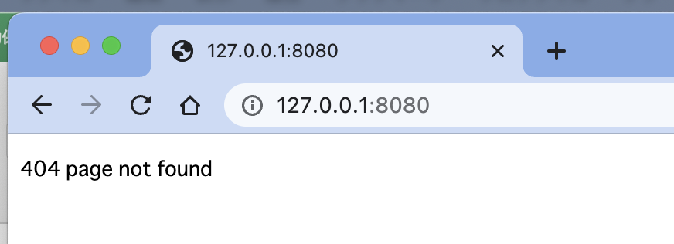
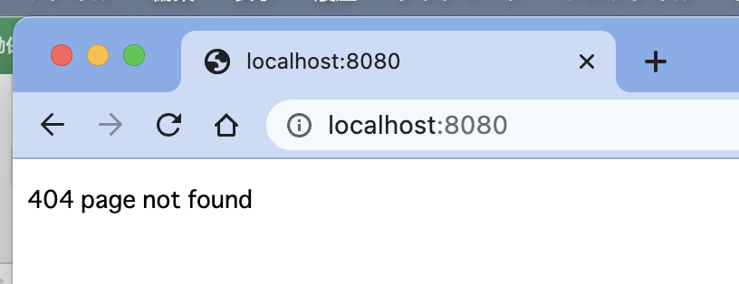

 | app/views/templates/top.html

 |  | <h1>Top</h1>

 | app/controllers/route_main.go

 |  | package controllers

 |  | import (
 |  | "html/template"
 |  | "net/http"
 |  | )

 |  | func top(w http.ResponseWriter, r *http.Request) {
 |  | t, _ := template.ParseFiles("app/views/templates/top.html")
 |  | t.Execute(w, nil)
 |  | }

 | app/controllers/server.go

 |  | package controllers

 |  | import (
 |  | "net/http"
 |  | "todo/config"
 |  | )

 |  | func StartMainServer() error {

 |  | http.HandleFunc("/", top)

 |  | return http.ListenAndServe(":"+config.Config.Port, nil)
 |  | }

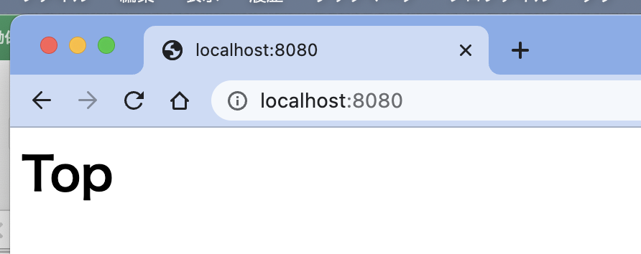

 | app/controllers/route_main.go

 |  | package controllers

 |  | import (
 |  | "html/template"
 |  | "net/http"
 |  | )

 |  | func top(w http.ResponseWriter, r *http.Request) {
 |  | t, _ := template.ParseFiles("app/views/templates/top.html")
 |  | // t.Execute(w, nil)
 |  | t.Execute(w, "Hello World")
 |  | }

 | app/views/templates/top.html

 |  | <h1>Top</h1>

 |  | {{.}}

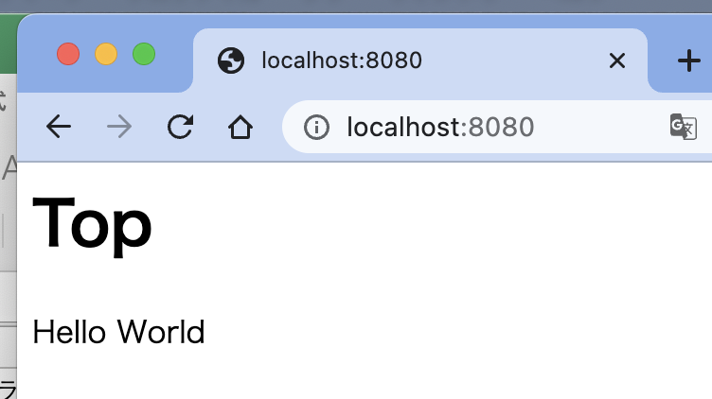

 | app/views/templates/top.html

 |  | <!doctype html>
 |  | <html lang="en">
 |  | <head>

 |  | <meta charset="utf-8">
 |  | <meta name="viewport" content="width=device-width, initial-scale=1">

 |  | <link href="https://cdn.jsdelivr.net/npm/bootstrap@5.0.2/dist/css/bootstrap.min.css" rel="stylesheet" integrity="sha384-EVSTQN3/azprG1Anm3QDgpJLIm9Nao0Yz1ztcQTwFspd3yD65VohhpuuCOmLASjC" crossorigin="anonymous">

 |  | <title>Hello, world!</title>
 |  | </head>
 |  | <body>
 |  | <div class="container text-center">
 |  | <h1>Top</h1>
 |  | {{.}}
 |  | </div>

 |  | <script src="https://cdn.jsdelivr.net/npm/bootstrap@5.0.2/dist/js/bootstrap.bundle.min.js" integrity="sha384-MrcW6ZMFYlzcLA8Nl+NtUVF0sA7MsXsP1UyJoMp4YLEuNSfAP+JcXn/tWtIaxVXM" crossorigin="anonymous"></script>

 |  | <script src="https://code.jquery.com/jquery-3.6.2.min.js" integrity="sha256-2krYZKh//PcchRtd+H+VyyQoZ/e3EcrkxhM8ycwASPA=" crossorigin="anonymous"></script>

 |  | </body>
 |  | </html>

● | 共通レイアウトファイルを作成する

 | app/controllers/server.go

 |  | package controllers

 |  | import (
 |  | "fmt"
 |  | "html/template"
 |  | "net/http"
 |  | "todo/config"
 |  | )

 |  | func generateHTML(w http.ResponseWriter, data interface{}, filenames ...string) {
 |  | var files []string
 |  | for _, file := range filenames {
 |  | files = append(files, fmt.Sprintf("app/views/templates/%s.html", file))
 |  | }

 |  | templates := template.Must(template.ParseFiles(files...))
 |  | templates.ExecuteTemplate(w, "layout", data)
 |  | }

 |  | func StartMainServer() error {

 |  | http.HandleFunc("/", top)

 |  | return http.ListenAndServe(":"+config.Config.Port, nil)
 |  | }

 | app/controllers/route_main.go

 |  | package controllers

 |  | import (
 |  | "net/http"
 |  | )

 |  | func top(w http.ResponseWriter, r *http.Request) {
 |  | /*
 |  | t, _ := template.ParseFiles("app/views/templates/top.html")
 |  | // t.Execute(w, nil)
 |  | t.Execute(w, "Hello World")
 |  | */

 |  | generateHTML(w, "Hello World", "layout", "top")
 |  | }

 | app/views/templates/layout.html

 |  | {{define "layout"}}

 |  | <!doctype html>
 |  | <html lang="en">
 |  | <head>

 |  | <meta charset="utf-8">
 |  | <meta name="viewport" content="width=device-width, initial-scale=1">

 |  | <link href="https://cdn.jsdelivr.net/npm/bootstrap@5.0.2/dist/css/bootstrap.min.css" rel="stylesheet" integrity="sha384-EVSTQN3/azprG1Anm3QDgpJLIm9Nao0Yz1ztcQTwFspd3yD65VohhpuuCOmLASjC" crossorigin="anonymous">

 |  | <title>Hello, world!</title>
 |  | </head>
 |  | <body>
 |  | <div class="container text-center">
 |  | {{template "content" . }}
 |  | </div>

 |  | <script src="https://cdn.jsdelivr.net/npm/bootstrap@5.0.2/dist/js/bootstrap.bundle.min.js" integrity="sha384-MrcW6ZMFYlzcLA8Nl+NtUVF0sA7MsXsP1UyJoMp4YLEuNSfAP+JcXn/tWtIaxVXM" crossorigin="anonymous"></script>

 |  | <script src="https://code.jquery.com/jquery-3.6.2.min.js" integrity="sha256-2krYZKh//PcchRtd+H+VyyQoZ/e3EcrkxhM8ycwASPA=" crossorigin="anonymous"></script>

 |  | </body>
 |  | </html>

 |  | {{end}}

 | app/views/templates/top.html

 |  | {{define "content"}}

 |  | <h1>Top</h1>
 |  | {{.}}

 |  | {{end}}

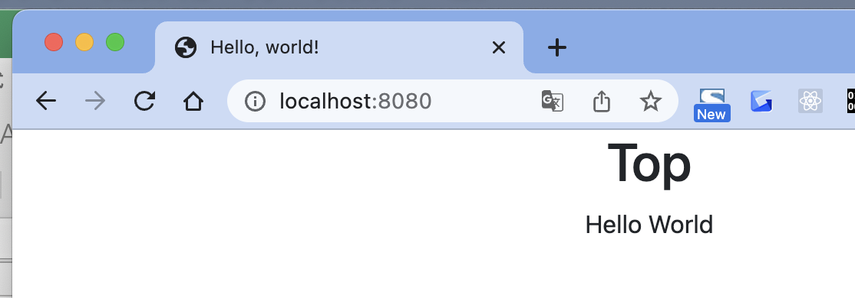

● | サインアップフォームを作成する

 | app/views/templates/signup.html

 |  | {{define "content"}}

 |  | <h1 class="text-center">signup</h1>

 |  | <form class="form-signin" role="form" action="/signup" method="post">
 |  | <h2 class="form-signin-heading">
 |  | <i class="fa fa-comments-o">SampleApp</i>
 |  | </h2>

 |  | <div class="lead">登録</div>

 |  | <input id="name" type="text" name="name" class="form-control" placeholder="お名前" required autofocus>

 |  | <input type="email" name="email" class="form-control" placeholder="Email" required>

 |  | <input type="password" name="password" class="form-control" placeholder="パスワード" required>

 |  | <button class="btn btn-lg btn-primary btn-block" type="submit">登録</button>
 |  | </form>

 |  | <style type="text/css">
 |  | body {
 |  | padding-top: 40px;
 |  | padding-bottom: 40px;
 |  | }
 |  | .form-signin {
 |  | max-width: 330px;
 |  | padding: 15px;
 |  | margin: 0 auto;
 |  | }
 |  | .form-signin .form-signin-heading,
 |  | .form-signin .checkbox {
 |  | margin-bottom: 10px;
 |  | }
 |  | .form-signin .checkbox {
 |  | font-weight: normal;
 |  | }
 |  | .form-signin .form-control {
 |  | position: relative;
 |  | height: auto;
 |  | -webkit-box-sizing: border-box;
 |  | -moz-box-sizing: border-box;
 |  | box-sizing: border-box;
 |  | padding: 10px;
 |  | font-size: 16px;
 |  | }
 |  | .form-signin .form-control:focus {
 |  | z-index: 2;
 |  | background-color:#ccffcc;
 |  | }
 |  | .form-signin input[type="email"] {
 |  | margin-bottom: -1px;
 |  | border-bottom-right-radius: 0;
 |  | border-bottom-left-radius: 0;
 |  | }
 |  | .form-signin input[type="password"] {
 |  | margin-bottom: 10px;
 |  | border-top-left-radius: 0;
 |  | border-top-right-radius: 0;
 |  | }
 |  | </style>

 |  | {{end}}

 | app/views/templates/public_navbar.html

 |  | {{define "navbar"}}

 |  | <div class="container">
 |  | <a href="/">top</a>
 |  | <a href="/signup">signup</a>
 |  | </div>

 |  | {{end}}

 | app/views/templates/layout.html

 |  | {{define "layout"}}

 |  | <!doctype html>
 |  | <html lang="en">
 |  | <head>

 |  | <meta charset="utf-8">
 |  | <meta name="viewport" content="width=device-width, initial-scale=1">

 |  | <link href="https://cdn.jsdelivr.net/npm/bootstrap@5.0.2/dist/css/bootstrap.min.css" rel="stylesheet" integrity="sha384-EVSTQN3/azprG1Anm3QDgpJLIm9Nao0Yz1ztcQTwFspd3yD65VohhpuuCOmLASjC" crossorigin="anonymous">

 |  | <title>Hello, world!</title>
 |  | </head>
 |  | <body>
 |  | {{template "navbar"}}

 |  | <div class="container text-center">
 |  | {{template "content" . }}
 |  | </div>

 |  | <script src="https://cdn.jsdelivr.net/npm/bootstrap@5.0.2/dist/js/bootstrap.bundle.min.js" integrity="sha384-MrcW6ZMFYlzcLA8Nl+NtUVF0sA7MsXsP1UyJoMp4YLEuNSfAP+JcXn/tWtIaxVXM" crossorigin="anonymous"></script>

 |  | <script src="https://code.jquery.com/jquery-3.6.2.min.js" integrity="sha256-2krYZKh//PcchRtd+H+VyyQoZ/e3EcrkxhM8ycwASPA=" crossorigin="anonymous"></script>

 |  | </body>
 |  | </html>

 |  | {{end}}

 | app/controllers/route_auth.go

 |  | package controllers

 |  | import "net/http"

 |  | func signup(w http.ResponseWriter, r *http.Request) {
 |  | generateHTML(w, nil, "layout", "public_navbar", "signup")
 |  | }

 | app/controllers/route_main.go

 |  | package controllers

 |  | import (
 |  | "net/http"
 |  | )

 |  | func top(w http.ResponseWriter, r *http.Request) {
 |  | /*
 |  | t, _ := template.ParseFiles("app/views/templates/top.html")
 |  | // t.Execute(w, nil)
 |  | t.Execute(w, "Hello World")
 |  | */

 |  | // generateHTML(w, "Hello World", "layout", "top")
 |  | generateHTML(w, "Hello World", "layout", "public_navbar", "top")
 |  | }

 | app/controllers/server.go

 |  | package controllers

 |  | import (
 |  | "fmt"
 |  | "html/template"
 |  | "net/http"
 |  | "todo/config"
 |  | )

 |  | func generateHTML(w http.ResponseWriter, data interface{}, filenames ...string) {
 |  | var files []string
 |  | for _, file := range filenames {
 |  | files = append(files, fmt.Sprintf("app/views/templates/%s.html", file))
 |  | }

 |  | templates := template.Must(template.ParseFiles(files...))
 |  | templates.ExecuteTemplate(w, "layout", data)
 |  | }

 |  | func StartMainServer() error {

 |  | http.HandleFunc("/", top)

 |  | http.HandleFunc("/signup", signup)

 |  | return http.ListenAndServe(":"+config.Config.Port, nil)
 |  | }

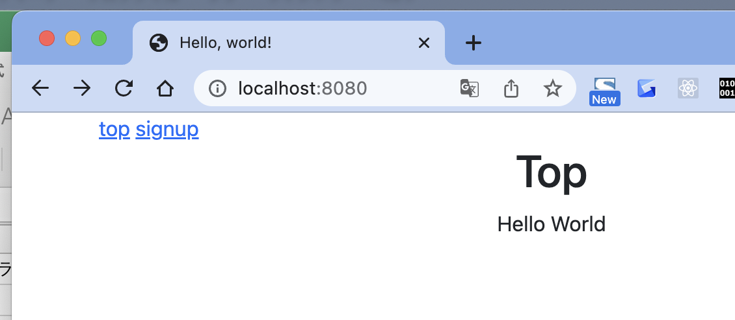

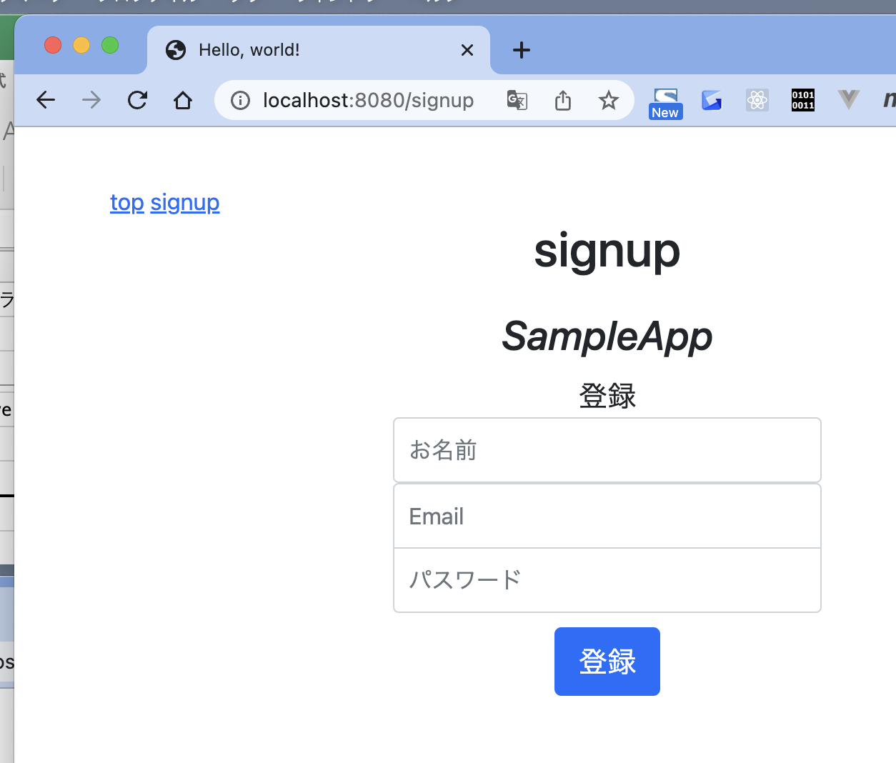

● | ユーザーを作成する

 | app/controllers/route_auth.go

 |  | package controllers

 |  | import (
 |  | "log"
 |  | "net/http"
 |  | "todo/app/models"
 |  | )

 |  | func signup(w http.ResponseWriter, r *http.Request) {

 |  | // generateHTML(w, nil, "layout", "public_navbar", "signup")

 |  | if r.Method == "GET" {
 |  | generateHTML(w, nil, "layout", "public_navbar", "signup")
 |  | } else if r.Method == "POST" {
 |  | err := r.ParseForm()
 |  | if err != nil {
 |  | log.Fatalln(err)
 |  | }

 |  | user := models.User{
 |  | Name: r.PostFormValue("name"),
 |  | Email: r.PostFormValue("email"),
 |  | Password: r.PostFormValue("password"),
 |  | }

 |  | if err := user.CreateUser(); err != nil {
 |  | log.Fatalln(err)
 |  | }

 |  | http.Redirect(w, r, "/", 302)
 |  | }

 |  | }

 | webapp.sqlを削除してから実行

 | toyohide@toyohidenoMacBook-Pro src % go run main.go
 | &{0 {webapp.sql 0x1400006a200} 0 {0 0} [0x1400012a090] map[] 0 1 0x14000018120 false map[0x1400012a090:map[0x1400012a090:true]] map[] 0 0 0 0 <nil> 0 0 0 0 0x102d35b60}

 | toyohide@toyohidenoMacBook-Pro ~ % cd /Users/toyohide/Desktop/hideyuki/MY_STUDY/golang/udemy/001/src

 | toyohide@toyohidenoMacBook-Pro src % sqlite3 webapp.sql
 | SQLite version 3.39.4 2022-09-07 20:51:41
 | Enter ".help" for usage hints.
 | sqlite> select * from users;
 | 1|d03af3f6-7df2-11ed-bd50-52b94614c7b4|toyohide|hide.toyoda@gmail.com|[?a?ɹ???%
 | l?3??|2022-12-17 19:08:54.743673+09:00

● | ログインフォームを作成する

 | app/views/templates/login.html

 |  | {{define "content"}}
 |  | <h1 class="text-center">login</h1>

 |  | <form class="form-signin center" role="form" action="/authenticate" method="post">

 |  | <h2 class="form-signin-heading">
 |  | <i class="fa fa-comments-o">SampleApp</i>
 |  | </h2>

 |  | <input type="email" name="email" class="form-control" placeholder="Email" required autofocus>

 |  | <input type="password" name="password" class="form-control" placeholder="パスワード"><br/>

 |  | <button class="btn btn-lg btn-primary btn-block" type="submit">ログイン</button><br/>

 |  | <a class="lead pull-right" href="/signup">登録</a>

 |  | </form>
 |  | {{end}}

 | app/controllers/route_auth.go

 |  | package controllers

 |  | import (
 |  | "log"
 |  | "net/http"
 |  | "todo/app/models"
 |  | )

 |  | func signup(w http.ResponseWriter, r *http.Request) {

 |  | // generateHTML(w, nil, "layout", "public_navbar", "signup")

 |  | if r.Method == "GET" {
 |  | generateHTML(w, nil, "layout", "public_navbar", "signup")
 |  | } else if r.Method == "POST" {
 |  | err := r.ParseForm()
 |  | if err != nil {
 |  | log.Fatalln(err)
 |  | }

 |  | user := models.User{
 |  | Name: r.PostFormValue("name"),
 |  | Email: r.PostFormValue("email"),
 |  | Password: r.PostFormValue("password"),
 |  | }

 |  | if err := user.CreateUser(); err != nil {
 |  | log.Fatalln(err)
 |  | }

 |  | http.Redirect(w, r, "/", 302)
 |  | }

 |  | }

 |  | func login(w http.ResponseWriter, r *http.Request) {
 |  | generateHTML(w, nil, "layout", "public_navbar", "login")
 |  | }

 | app/controllers/server.go

 |  | package controllers

 |  | import (
 |  | "fmt"
 |  | "html/template"
 |  | "net/http"
 |  | "todo/config"
 |  | )

 |  | func generateHTML(w http.ResponseWriter, data interface{}, filenames ...string) {
 |  | var files []string
 |  | for _, file := range filenames {
 |  | files = append(files, fmt.Sprintf("app/views/templates/%s.html", file))
 |  | }

 |  | templates := template.Must(template.ParseFiles(files...))
 |  | templates.ExecuteTemplate(w, "layout", data)
 |  | }

 |  | func StartMainServer() error {

 |  | http.HandleFunc("/", top)

 |  | http.HandleFunc("/signup", signup)

 |  | http.HandleFunc("/login", login)

 |  | return http.ListenAndServe(":"+config.Config.Port, nil)
 |  | }

 | app/views/templates/public_navbar.html

 |  | {{define "navbar"}}

 |  | <div class="container">
 |  | <a href="/">top</a>
 |  | <a href="/signup">signup</a>
 |  | <a href="/login">login</a>
 |  | </div>

 |  | {{end}}

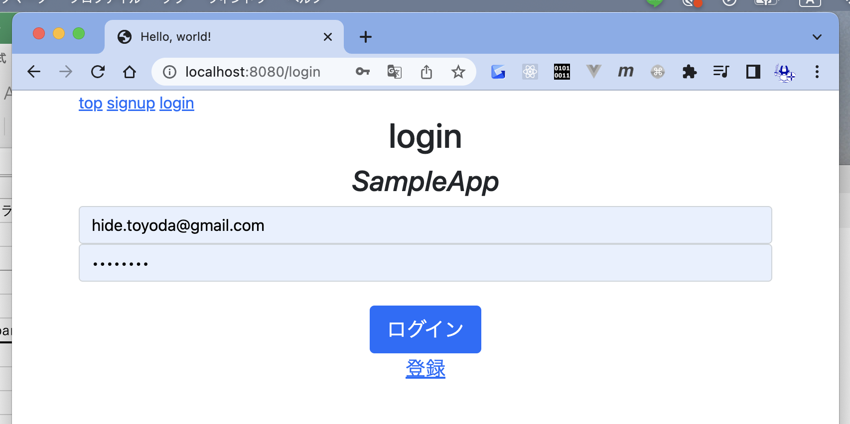

 | app/models/base.go

 |  | package models

 |  | import (
 |  | "crypto/sha1"
 |  | "database/sql"
 |  | "fmt"
 |  | "log"
 |  | "todo/config"

 |  | "github.com/google/uuid"

 |  | _ "github.com/mattn/go-sqlite3"
 |  | )

 |  | var Db *sql.DB

 |  | var err error

 |  | const (
 |  | tableNameUser = "users"

 |  | tableNameTodo = "todos"

 |  | tableNameSession = "sessions"
 |  | )

 |  | func init() {
 |  | Db, err = sql.Open(config.Config.SQLDriver, config.Config.DbName)
 |  | if err != nil {
 |  | log.Fatalln(err)
 |  | }

 |  | cmdU := fmt.Sprintf(`CREATE TABLE IF NOT EXISTS %s(
 |  | id INTEGER PRIMARY KEY AUTOINCREMENT,
 |  | uuid STRING NOT NULL UNIQUE,
 |  | name STRING,
 |  | email STRING,
 |  | password STRING,
 |  | created_at DATETIME)`, tableNameUser)

 |  | Db.Exec(cmdU)

 |  | cmdT := fmt.Sprintf(`CREATE TABLE IF NOT EXISTS %s(
 |  | id INTEGER PRIMARY KEY AUTOINCREMENT,
 |  | content TEXT,
 |  | user_id INTEGER,
 |  | created_at DATETIME)`, tableNameTodo)

 |  | Db.Exec(cmdT)

 |  | cmdS := fmt.Sprintf(`CREATE TABLE IF NOT EXISTS %s(
 |  | id INTEGER PRIMARY KEY AUTOINCREMENT,
 |  | uuid STRING NOT NULL UNIQUE,
 |  | email STRING,
 |  | user_id INTEGER,
 |  | created_at DATETIME)`, tableNameSession)

 |  | Db.Exec(cmdS)

 |  | }

 |  | func createUUID() (uuidobj uuid.UUID) {
 |  | uuidobj, _ = uuid.NewUUID()
 |  | return uuidobj
 |  | }

 |  | func Encrypt(plaintext string) (crypttext string) {
 |  | crypttext = fmt.Sprintf("%s", sha1.Sum([]byte(plaintext)))
 |  | return crypttext
 |  | }

 | toyohide@toyohidenoMacBook-Pro src % go run main.go
 | &{0 {webapp.sql 0x1400006a200} 0 {0 0} [0x1400012a090] map[] 0 1 0x14000018120 false map[0x1400012a090:map[0x1400012a090:true]] map[] 0 0 0 0 <nil> 0 0 0 0 0x1042a5900}

 | toyohide@toyohidenoMacBook-Pro src % sqlite3 webapp.sql
 | SQLite version 3.39.4 2022-09-07 20:51:41
 | Enter ".help" for usage hints.
 | sqlite> .tables
 | sessions todos users

● | emailでuserを取得する

 | app/models/users.go

 |  | package models

 |  | import (
 |  | "log"
 |  | "time"
 |  | )

 |  | type User struct {
 |  | ID int
 |  | UUID string
 |  | Name string
 |  | Email string
 |  | Password string
 |  | CreatedAt time.Time
 |  | }

 |  | type Session struct {
 |  | ID int
 |  | UUID string
 |  | Email string
 |  | UserID int
 |  | CreatedAt time.Time
 |  | }

 |  | func (u *User) CreateUser() (err error) {
 |  | cmd := `insert into users(
 |  | uuid,name,email,password,created_at
 |  | ) values(?, ?, ?, ?, ?)`

 |  | _, err = Db.Exec(cmd,
 |  | createUUID(),
 |  | u.Name,
 |  | u.Email,
 |  | Encrypt(u.Password),
 |  | time.Now())

 |  | if err != nil {
 |  | log.Fatalln(err)
 |  | }

 |  | return err
 |  | }

 |  | func GetUser(id int) (user User, err error) {
 |  | user = User{}

 |  | cmd := `select id, uuid, name, email, password, created_at from users where id = ?`

 |  | err = Db.QueryRow(cmd, id).Scan(
 |  | &user.ID,
 |  | &user.UUID,
 |  | &user.Name,
 |  | &user.Email,
 |  | &user.Password,
 |  | &user.CreatedAt,
 |  | )

 |  | return user, err
 |  | }

 |  | func (u *User) UpdateUser() (err error) {
 |  | cmd := `update users set name = ?, email = ? where id = ?`
 |  | _, err = Db.Exec(cmd, u.Name, u.Email, u.ID)
 |  | if err != nil {
 |  | log.Fatalln(err)
 |  | }
 |  | return err
 |  | }

 |  | func (u *User) DeleteUser() (err error) {
 |  | cmd := `delete from users where id = ?`
 |  | _, err = Db.Exec(cmd, u.ID)
 |  | if err != nil {
 |  | log.Fatalln(err)
 |  | }
 |  | return err
 |  | }

 |  | func GetUserByEmail(email string) (user User, err error) {
 |  | user = User{}
 |  | cmd := `select id, uuid, name, email, password, created_at from users where email = ?`
 |  | err = Db.QueryRow(cmd, email).Scan(
 |  | &user.ID,
 |  | &user.UUID,
 |  | &user.Name,
 |  | &user.Email,
 |  | &user.Password,
 |  | &user.CreatedAt,
 |  | )

 |  | return user, err
 |  | }

 | main.go

 |  | package main

 |  | import (
 |  | "fmt"
 |  | "todo/app/models"
 |  | )

 |  | func main() {
 |  | fmt.Println(models.Db)

 |  | // controllers.StartMainServer()

 |  | user, _ := models.GetUserByEmail("hide.toyoda@gmail.com")
 |  | fmt.Println(user)
 |  | }

 | toyohide@toyohidenoMacBook-Pro src % go run main.go
 | &{0 {webapp.sql 0x14000146100} 0 {0 0} [0x14000158090] map[] 0 1 0x140001100c0 false map[0x14000158090:map[0x14000158090:true]] map[] 0 0 0 0 <nil> 0 0 0 0 0x102284870}
 | {1 d03af3f6-7df2-11ed-bd50-52b94614c7b4 toyohide hide.toyoda@gmail.com [�a�ɹ??�%
 | l�3�� 2022-12-17 19:08:54.743673 +0900 +0900}

● | セッションを作成する

 | app/models/users.go

 |  | package models

 |  | import (
 |  | "log"
 |  | "time"
 |  | )

 |  | type User struct {
 |  | ID int
 |  | UUID string
 |  | Name string
 |  | Email string
 |  | Password string
 |  | CreatedAt time.Time
 |  | }

 |  | type Session struct {
 |  | ID int
 |  | UUID string
 |  | Email string
 |  | UserID int
 |  | CreatedAt time.Time
 |  | }

 |  | func (u *User) CreateUser() (err error) {
 |  | cmd := `insert into users(
 |  | uuid,name,email,password,created_at
 |  | ) values(?, ?, ?, ?, ?)`

 |  | _, err = Db.Exec(cmd,
 |  | createUUID(),
 |  | u.Name,
 |  | u.Email,
 |  | Encrypt(u.Password),
 |  | time.Now())

 |  | if err != nil {
 |  | log.Fatalln(err)
 |  | }

 |  | return err
 |  | }

 |  | func GetUser(id int) (user User, err error) {
 |  | user = User{}

 |  | cmd := `select id, uuid, name, email, password, created_at from users where id = ?`

 |  | err = Db.QueryRow(cmd, id).Scan(
 |  | &user.ID,
 |  | &user.UUID,
 |  | &user.Name,
 |  | &user.Email,
 |  | &user.Password,
 |  | &user.CreatedAt,
 |  | )

 |  | return user, err
 |  | }

 |  | func (u *User) UpdateUser() (err error) {
 |  | cmd := `update users set name = ?, email = ? where id = ?`
 |  | _, err = Db.Exec(cmd, u.Name, u.Email, u.ID)
 |  | if err != nil {
 |  | log.Fatalln(err)
 |  | }
 |  | return err
 |  | }

 |  | func (u *User) DeleteUser() (err error) {
 |  | cmd := `delete from users where id = ?`
 |  | _, err = Db.Exec(cmd, u.ID)
 |  | if err != nil {
 |  | log.Fatalln(err)
 |  | }
 |  | return err
 |  | }

 |  | func GetUserByEmail(email string) (user User, err error) {
 |  | user = User{}
 |  | cmd := `select id, uuid, name, email, password, created_at from users where email = ?`
 |  | err = Db.QueryRow(cmd, email).Scan(
 |  | &user.ID,
 |  | &user.UUID,
 |  | &user.Name,
 |  | &user.Email,
 |  | &user.Password,
 |  | &user.CreatedAt,
 |  | )

 |  | return user, err
 |  | }

 |  | func (u *User) CreateSession() (session Session, err error) {
 |  | session = Session{}
 |  | cmd1 := `insert into sessions(uuid, email, user_id, created_at) values(?, ?, ?, ?)`
 |  | _, err = Db.Exec(cmd1, createUUID(), u.Email, u.ID, time.Now())
 |  | if err != nil {
 |  | log.Println(err)
 |  | }

 |  | cmd2 := `select id, uuid, email, user_id, created_at from sessions where user_id = ? and email = ?`
 |  | err = Db.QueryRow(cmd2, u.ID, u.Email).Scan(
 |  | &session.ID,
 |  | &session.UUID,
 |  | &session.Email,
 |  | &session.UserID,
 |  | &session.CreatedAt,
 |  | )

 |  | return session, err
 |  | }

 | main.go

 |  | package main

 |  | import (
 |  | "fmt"
 |  | "log"
 |  | "todo/app/models"
 |  | )

 |  | func main() {
 |  | fmt.Println(models.Db)

 |  | // controllers.StartMainServer()

 |  | user, _ := models.GetUserByEmail("hide.toyoda@gmail.com")
 |  | fmt.Println(user)

 |  | session, err := user.CreateSession()
 |  | if err != nil {
 |  | log.Println(err)
 |  | }
 |  | fmt.Println(session)
 |  | }

 | toyohide@toyohidenoMacBook-Pro src % go run main.go
 | &{0 {webapp.sql 0x140000c6100} 0 {0 0} [0x140000d8090] map[] 0 1 0x1400008e0c0 false map[0x140000d8090:map[0x140000d8090:true]] map[] 0 0 0 0 <nil> 0 0 0 0 0x100271f90}
 | {1 d03af3f6-7df2-11ed-bd50-52b94614c7b4 toyohide hide.toyoda@gmail.com [�a�ɹ??�%
 | l�3�� 2022-12-17 19:08:54.743673 +0900 +0900}
 | {1 f5a91d92-7e07-11ed-bf4a-52b94614c7b4 hide.toyoda@gmail.com 1 2022-12-17 21:40:16.97265 +0900 +0900}

● | セッションを確認する

 | src/app/models/users.go

 |  | package models

 |  | import (
 |  | "log"
 |  | "time"
 |  | )

 |  | type User struct {
 |  | ID int
 |  | UUID string
 |  | Name string
 |  | Email string
 |  | Password string
 |  | CreatedAt time.Time
 |  | }

 |  | type Session struct {
 |  | ID int
 |  | UUID string
 |  | Email string
 |  | UserID int
 |  | CreatedAt time.Time
 |  | }

 |  | func (u *User) CreateUser() (err error) {
 |  | cmd := `insert into users(
 |  | uuid,name,email,password,created_at
 |  | ) values(?, ?, ?, ?, ?)`

 |  | _, err = Db.Exec(cmd,
 |  | createUUID(),
 |  | u.Name,
 |  | u.Email,
 |  | Encrypt(u.Password),
 |  | time.Now())

 |  | if err != nil {
 |  | log.Fatalln(err)
 |  | }

 |  | return err
 |  | }

 |  | func GetUser(id int) (user User, err error) {
 |  | user = User{}

 |  | cmd := `select id, uuid, name, email, password, created_at from users where id = ?`

 |  | err = Db.QueryRow(cmd, id).Scan(
 |  | &user.ID,
 |  | &user.UUID,
 |  | &user.Name,
 |  | &user.Email,
 |  | &user.Password,
 |  | &user.CreatedAt,
 |  | )

 |  | return user, err
 |  | }

 |  | func (u *User) UpdateUser() (err error) {
 |  | cmd := `update users set name = ?, email = ? where id = ?`
 |  | _, err = Db.Exec(cmd, u.Name, u.Email, u.ID)
 |  | if err != nil {
 |  | log.Fatalln(err)
 |  | }
 |  | return err
 |  | }

 |  | func (u *User) DeleteUser() (err error) {
 |  | cmd := `delete from users where id = ?`
 |  | _, err = Db.Exec(cmd, u.ID)
 |  | if err != nil {
 |  | log.Fatalln(err)
 |  | }
 |  | return err
 |  | }

 |  | func GetUserByEmail(email string) (user User, err error) {
 |  | user = User{}
 |  | cmd := `select id, uuid, name, email, password, created_at from users where email = ?`
 |  | err = Db.QueryRow(cmd, email).Scan(
 |  | &user.ID,
 |  | &user.UUID,
 |  | &user.Name,
 |  | &user.Email,
 |  | &user.Password,
 |  | &user.CreatedAt,
 |  | )

 |  | return user, err
 |  | }

 |  | func (u *User) CreateSession() (session Session, err error) {
 |  | session = Session{}
 |  | cmd1 := `insert into sessions(uuid, email, user_id, created_at) values(?, ?, ?, ?)`
 |  | _, err = Db.Exec(cmd1, createUUID(), u.Email, u.ID, time.Now())
 |  | if err != nil {
 |  | log.Println(err)
 |  | }

 |  | cmd2 := `select id, uuid, email, user_id, created_at from sessions where user_id = ? and email = ?`
 |  | err = Db.QueryRow(cmd2, u.ID, u.Email).Scan(
 |  | &session.ID,
 |  | &session.UUID,
 |  | &session.Email,
 |  | &session.UserID,
 |  | &session.CreatedAt,
 |  | )

 |  | return session, err
 |  | }

 |  | func (sess *Session) CheckSession() (valid bool, err error) {
 |  | cmd := `select id, uuid, email, user_id, created_at from sessions where uuid = ?`
 |  | err = Db.QueryRow(cmd, sess.UUID).Scan(
 |  | &sess.ID,
 |  | &sess.UUID,
 |  | &sess.Email,
 |  | &sess.UserID,
 |  | &sess.CreatedAt,
 |  | )

 |  | if err != nil {
 |  | valid = false
 |  | return
 |  | }

 |  | if sess.ID != 0 {
 |  | valid = true
 |  | }

 |  | return valid, err
 |  | }

 | src/main.go

 |  | package main

 |  | import (
 |  | "fmt"
 |  | "log"
 |  | "todo/app/models"
 |  | )

 |  | func main() {
 |  | fmt.Println(models.Db)

 |  | // controllers.StartMainServer()

 |  | user, _ := models.GetUserByEmail("hide.toyoda@gmail.com")
 |  | fmt.Println(user)

 |  | session, err := user.CreateSession()
 |  | if err != nil {
 |  | log.Println(err)
 |  | }
 |  | fmt.Println(session)

 |  | valid, _ := session.CheckSession()
 |  | fmt.Println(valid)

 |  | }

 | toyohide@toyohidenoMacBook-Pro src % go run main.go
 | &{0 {webapp.sql 0x14000146100} 0 {0 0} [0x14000158120] map[] 0 1 0x140001100c0 false map[0x14000158120:map[0x14000158120:true]] map[] 0 0 0 0 <nil> 0 0 0 0 0x104cc5cf0}
 | {1 d03af3f6-7df2-11ed-bd50-52b94614c7b4 toyohide hide.toyoda@gmail.com [�a�ɹ??�%
 | l�3�� 2022-12-17 19:08:54.743673 +0900 +0900}
 | {9 f282fde2-7fef-11ed-ba2e-52b94614c7b4 hide.toyoda@gmail.com 1 2022-12-20 07:53:26.093612 +0900 +0900}
 | TRUE

● | ログイン処理を作成する

 | src/main.go

 |  | package main

 |  | import (
 |  | "fmt"
 |  | "todo/app/controllers"
 |  | "todo/app/models"
 |  | )

 |  | func main() {
 |  | fmt.Println(models.Db)

 |  | controllers.StartMainServer()

 |  | /*
 |  | user, _ := models.GetUserByEmail("hide.toyoda@gmail.com")
 |  | fmt.Println(user)

 |  | session, err := user.CreateSession()
 |  | if err != nil {
 |  | log.Println(err)
 |  | }
 |  | fmt.Println(session)

 |  | valid, _ := session.CheckSession()
 |  | fmt.Println(valid)
 |  | */

 |  | }

 | src/app/controllers/route_auth.go

 |  | package controllers

 |  | import (
 |  | "log"
 |  | "net/http"
 |  | "todo/app/models"
 |  | )

 |  | func signup(w http.ResponseWriter, r *http.Request) {

 |  | // generateHTML(w, nil, "layout", "public_navbar", "signup")

 |  | if r.Method == "GET" {
 |  | generateHTML(w, nil, "layout", "public_navbar", "signup")
 |  | } else if r.Method == "POST" {
 |  | err := r.ParseForm()
 |  | if err != nil {
 |  | log.Fatalln(err)
 |  | }

 |  | user := models.User{
 |  | Name: r.PostFormValue("name"),
 |  | Email: r.PostFormValue("email"),
 |  | Password: r.PostFormValue("password"),
 |  | }

 |  | if err := user.CreateUser(); err != nil {
 |  | log.Fatalln(err)
 |  | }

 |  | http.Redirect(w, r, "/", 302)
 |  | }

 |  | }

 |  | func login(w http.ResponseWriter, r *http.Request) {
 |  | generateHTML(w, nil, "layout", "public_navbar", "login")
 |  | }

 |  | func authenticate(w http.ResponseWriter, r *http.Request) {
 |  | err := r.ParseForm()
 |  | user, err := models.GetUserByEmail(r.PostFormValue("email"))
 |  | if err != nil {
 |  | log.Println(err)
 |  | http.Redirect(w, r, "/login", 302)
 |  | }
 |  | if user.Password == models.Encrypt(r.PostFormValue("password")) {
 |  | session, err := user.CreateSession()
 |  | if err != nil {
 |  | log.Println(err)
 |  | }
 |  | cookie := http.Cookie{
 |  | Name: "_cookie",
 |  | Value: session.UUID,
 |  | HttpOnly: true,
 |  | }
 |  | http.SetCookie(w, &cookie)

 |  | http.Redirect(w, r, "/", 302)
 |  | } else {
 |  | http.Redirect(w, r, "/login", 302)
 |  | }
 |  | }

 | src/app/controllers/server.go

 |  | package controllers

 |  | import (
 |  | "fmt"
 |  | "html/template"
 |  | "net/http"
 |  | "todo/config"
 |  | )

 |  | func generateHTML(w http.ResponseWriter, data interface{}, filenames ...string) {
 |  | var files []string
 |  | for _, file := range filenames {
 |  | files = append(files, fmt.Sprintf("app/views/templates/%s.html", file))
 |  | }

 |  | templates := template.Must(template.ParseFiles(files...))
 |  | templates.ExecuteTemplate(w, "layout", data)
 |  | }

 |  | func StartMainServer() error {

 |  | http.HandleFunc("/", top)

 |  | http.HandleFunc("/signup", signup)

 |  | http.HandleFunc("/login", login)

 |  | http.HandleFunc("/authenticate", authenticate)

 |  | return http.ListenAndServe(":"+config.Config.Port, nil)
 |  | }

 | toyohide@toyohidenoMacBook-Pro src % go run main.go
 | &{0 {webapp.sql 0x140000ca1e0} 0 {0 0} [0x140000d6090] map[] 0 1 0x1400008e0c0 false map[0x140000d6090:map[0x140000d6090:true]] map[] 0 0 0 0 <nil> 0 0 0 0 0x102684b80}

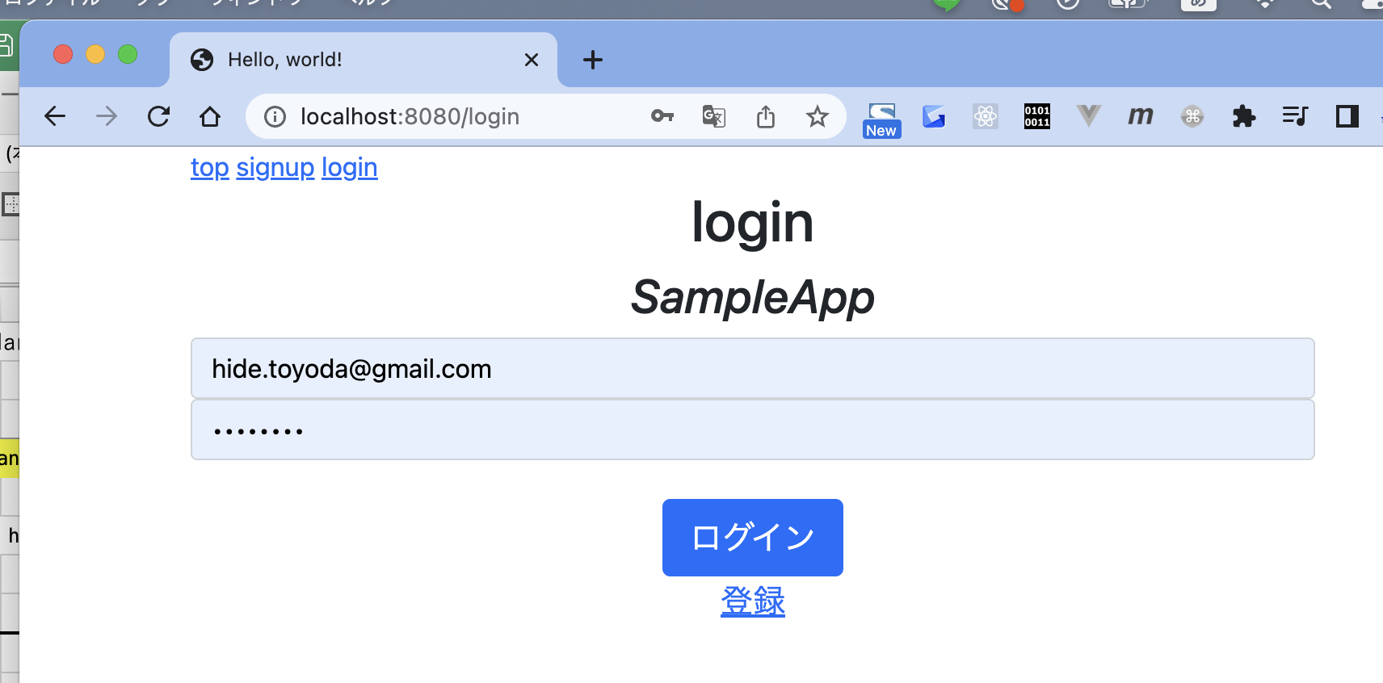

● | indexページへの到達

 | src/app/views/templates/private_navbar.html

 |  | {{define "navbar"}}
...
 | 【Go入門】Golang基礎入門 + 各種ライブラリ + 簡単なTodoWebアプリケーション開発(Go言語)
 |  | sess = models.Session{UUID: cookie.Value}
 |  | if ok, _ := sess.CheckSession(); !ok {
 |  | err = fmt.Errorf("Invalid session")
 |  | }
 |  | }
 |  | return sess, err
 |  | }



● | todoを作成する

 | src/app/controllers/route_main.go

 |  | package controllers
...
 | 【Go入門】Golang基礎入門 + 各種ライブラリ + 簡単なTodoWebアプリケーション開発(Go言語)
 |  | sess = models.Session{UUID: cookie.Value}
 |  | if ok, _ := sess.CheckSession(); !ok {
 |  | err = fmt.Errorf("Invalid session")
 |  | }
 |  | }
 |  | return sess, err
 |  | }

001②
...
 |  | t, err := models.GetTodo(id)
 |  | if err != nil {
 |  | log.Println(err)
 |  | }
 |  | generateHTML(w, t, "layout", "private_navbar", "todo_edit")
 |  | }
 |  | }

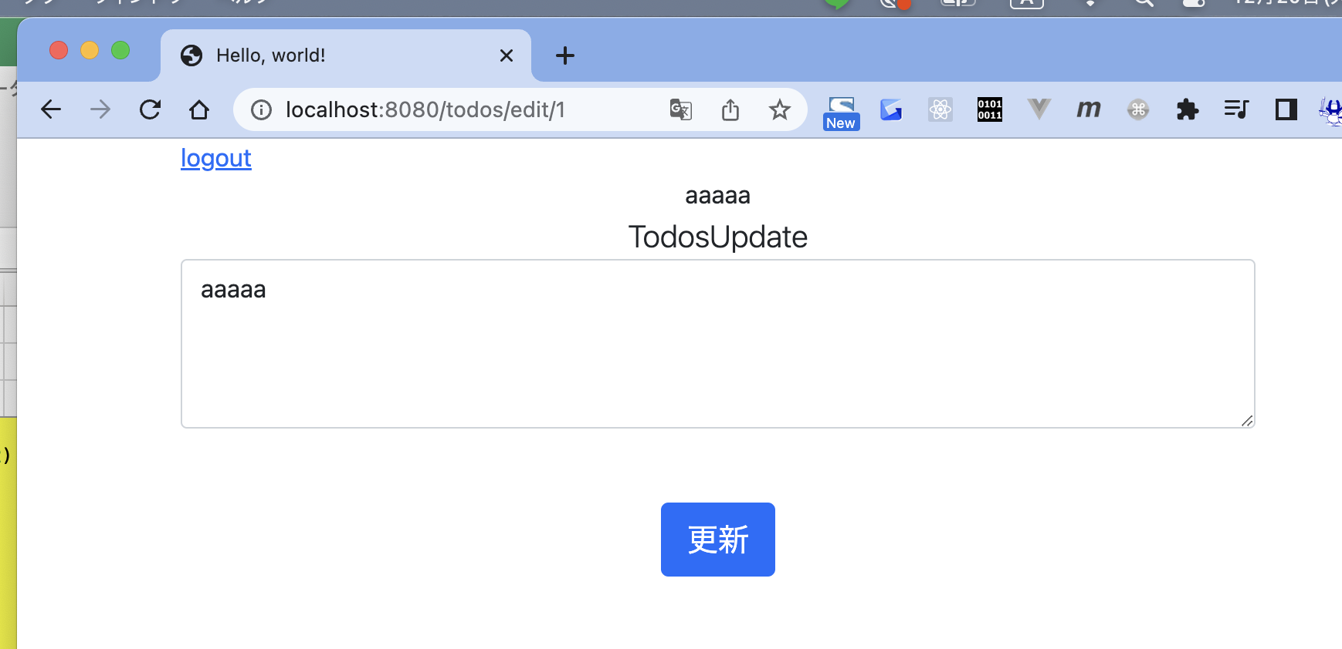

● | todoを更新する

 | src/app/controllers/route_main.go

 |  | package controllers
...
 |  | return
 |  | }
 |  | fn(w, r, qi)
 |  | }
 |  | }

 |  | var validPath = regexp.MustCompile("^/todos/(edit|update)/([0-9]+)$")

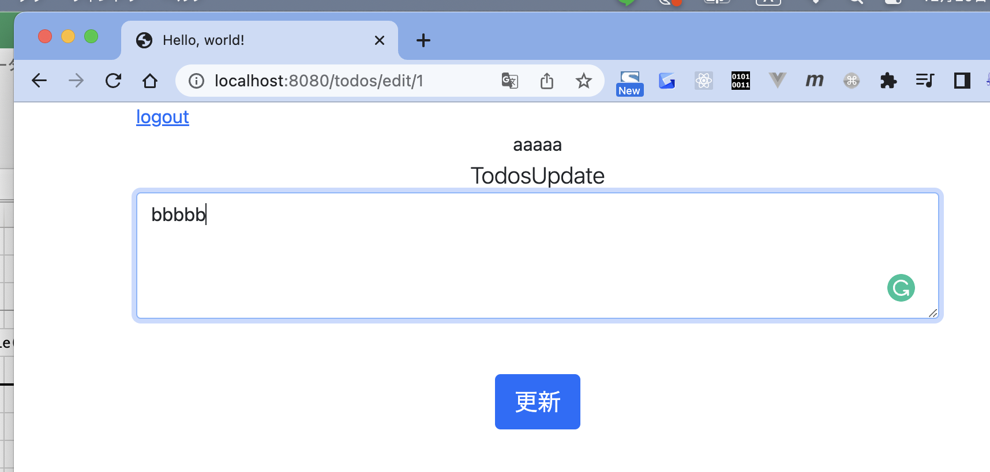

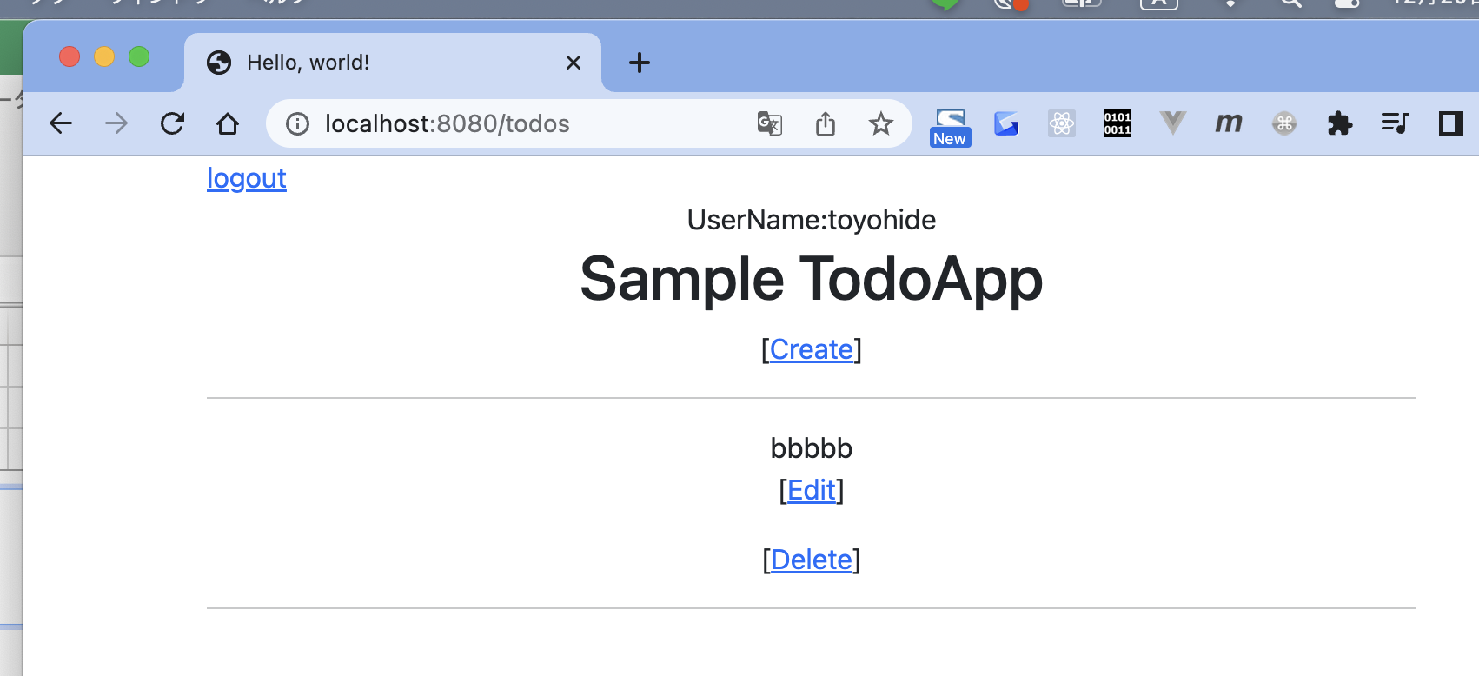

● | todoの削除

 | src/app/controllers/route_main.go

 |  | package controllers
...

