INDEX
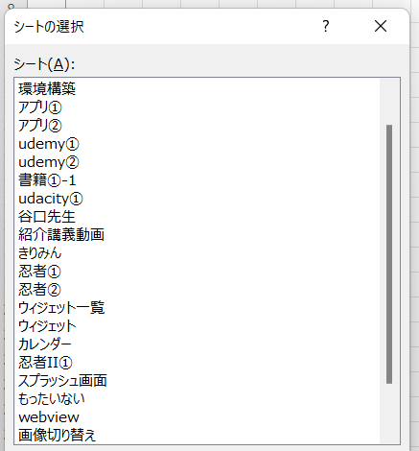
1

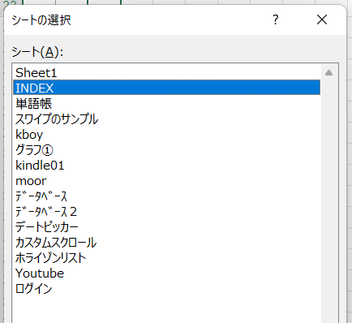
2

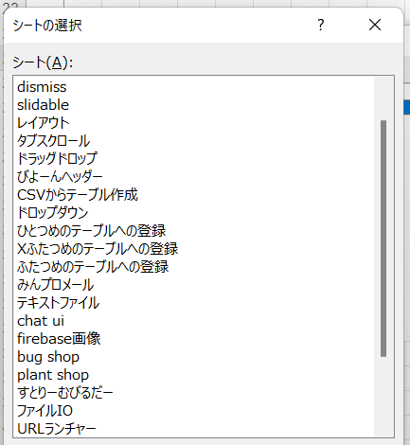
3

slidable
● | 参考
 | http://wiki.nonip.net/index.php/Flutter/%E5%A4%96%E9%83%A8%E3%83%A9%E3%82%A4%E3%83%96%E3%83%A9%E3%83%AA/slidable

 | https://pub.dev/packages/flutter_slidable

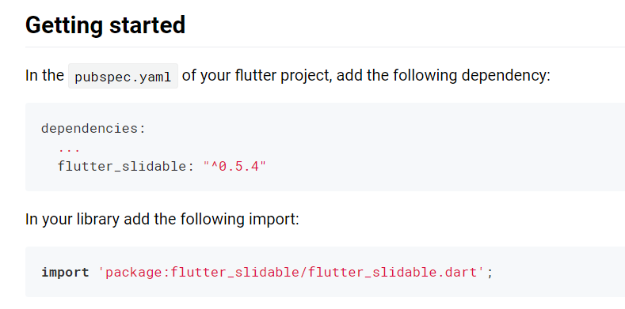

 |  | dependencies:
 |  | ...
 |  | flutter_slidable: "^0.5.4"

 | C:\Users\hidet\AndroidStudioProjects\testdismiss\lib\dismiss.dart

 |  | import 'package:flutter/material.dart';
 |  | import 'package:flutter_slidable/flutter_slidable.dart';

 |  | class Dismiss extends StatefulWidget {
 |  | @override
 |  | _DismissState createState() => _DismissState();
 |  | }

 |  | class _DismissState extends State<Dismiss> {
 |  | final List<Map<String, dynamic>> items = [
 |  | {"title": "Title A", "content": "Content 1"},
 |  | {"title": "Title B", "content": "Content 2"},
 |  | {"title": "Title C", "content": "Content 3"}
 |  | ];

 |  | @override
 |  | Widget build(BuildContext context) {
 |  | return MaterialApp(
 |  | home: Scaffold(
 |  | appBar: AppBar(
 |  | title: const Text('Dismissible Sample'),
 |  | ),
 |  | body: ListView.builder(
 |  | itemCount: items.length,
 |  | itemBuilder: (BuildContext context, int index) {
 |  | return InkWell( | クリックすると波紋が出る
 |  | child: Slidable(
 |  | actionPane: SlidableDrawerActionPane(),
 |  | actionExtentRatio: 0.25,
 |  | child: Container(
 |  | color: Colors.white,
 |  | child: ListTile(
 |  | leading: CircleAvatar(
 |  | backgroundColor: Colors.indigoAccent,
 |  | child: Text('aaa'),
 |  | foregroundColor: Colors.white,
 |  | ),
 |  | title: Text('bbb'),
 |  | subtitle: Text('SlidableDrawerDelegate'),
 |  | ),
 |  | ),
 |  | actions: <Widget>[
 |  | IconSlideAction(
 |  | caption: 'Archive',
 |  | color: Colors.blue, |  | 左側に出る
 |  | icon: Icons.archive,
 |  | onTap: () => print('Archive'),
 |  | ),
 |  | IconSlideAction(
 |  | caption: 'Share',
 |  | color: Colors.indigo,
 |  | icon: Icons.share,
 |  | onTap: () => print('Share'),
 |  | ),
 |  | ],
 |  | secondaryActions: <Widget>[
 |  | IconSlideAction(
 |  | caption: 'More', |  | 右側に出る
 |  | color: Colors.black45,
 |  | icon: Icons.more_horiz,
 |  | onTap: () => print('More'),
 |  | ),
 |  | IconSlideAction(
 |  | caption: 'Delete',
 |  | color: Colors.red,
 |  | icon: Icons.delete,
 |  | onTap: () => print('Delete'),
 |  | ),
 |  | ],
 |  | ),
 |  | );

 |  | //
 |  | //
 |  | // final item = items[index];
 |  | //
 |  | // return Dismissible(
 |  | // // KeyはFlutterが要素を一意に特定できるようにするための値を設定する。
 |  | // key: Key(item["title"]),
 |  | //
 |  | // // onDismissedの中にスワイプされた時の動作を記述する。
 |  | // // directionにはスワイプの方向が入るため、方向によって処理を分けることができる。
 |  | // onDismissed: (direction) {
 |  | // setState(() {
 |  | // // スワイプされた要素をデータから削除する
 |  | // items.removeAt(index);
 |  | // });
 |  | // // スワイプ方向がendToStart（画面左から右）の場合の処理
 |  | // if (direction == DismissDirection.endToStart) {
 |  | // Scaffold.of(context)
 |  | // .showSnackBar(SnackBar(content: Text("削除しました")));
 |  | // // スワイプ方向がstartToEnd（画面右から左）の場合の処理
 |  | // } else {
 |  | // Scaffold.of(context)
 |  | // .showSnackBar(SnackBar(content: Text("登録しました")));
 |  | // }
 |  | // },
 |  | //
 |  | //// // スワイプ方向がendToStart（画面左から右）の場合のバックグラウンドの設定
 |  | //// background: Container(color: Colors.red),
 |  | ////
 |  | //// // スワイプ方向がstartToEnd（画面右から左）の場合のバックグラウンドの設定
 |  | //// secondaryBackground: Container(color: Colors.blue),
 |  | //
 |  | // // スワイプ方向がendToStart（画面左から右）の場合のバックグラウンドの設定
 |  | // background: Container(
 |  | // alignment: Alignment.centerLeft,
 |  | // color: Colors.greenAccent[700],
 |  | // child: Padding(
 |  | // padding: EdgeInsets.fromLTRB(20.0, 0.0, 0.0, 0.0),
 |  | // child: Icon(Icons.thumb_up, color: Colors.white)),
 |  | // ),
 |  | //
 |  | // // スワイプ方向がstartToEnd（画面右から左）の場合のバックグラウンドの設定
 |  | // secondaryBackground: Container(
 |  | // alignment: Alignment.centerRight,
 |  | // color: Colors.orangeAccent[200],
 |  | // child: Padding(
 |  | // padding: EdgeInsets.fromLTRB(10.0, 0.0, 20.0, 0.0),
 |  | // child: Icon(Icons.thumb_up, color: Colors.white),
 |  | // ),
 |  | // ),
 |  | //
 |  | // // ListViewの各要素の定義
 |  | // child: Card(
 |  | // child: ListTile(
 |  | // leading: FlutterLogo(),
 |  | // title: Text(item["title"] + " : " + item["content"]),
 |  | // ),
 |  | // ),
 |  | // );
 |  | //
 |  | },
 |  | ),
 |  | ),
 |  | );
 |  | }
 |  | }

CSVからテーブル作成
● |  | CSV出力

 |  | /tmpに出力しようと思ったらエラーになった
 |  | mysql> SELECT * FROM t_money INTO OUTFILE '/tmp/money.csv' FIELDS TERMINATED BY ',' OPTIONALLY ENCLOSED BY '"';
 |  | ERROR 1290 (HY000): The MySQL server is running with the --secure-file-priv option so it cannot execute this statement

 |  | 出力可能場所の確認
 |  | mysql> SELECT @@global.secure_file_priv;
 |  | +---------------------------+
 |  | | @@global.secure_file_priv |
 |  | +---------------------------+
 |  | | /var/lib/mysql-files/ |
 |  | +---------------------------+
 |  | 1 row in set (0.01 sec)

 |  | 出力可能場所に出力
 |  | mysql> SELECT * FROM t_money INTO OUTFILE '/var/lib/mysql-files/money.csv' FIELDS TERMINATED BY ',' OPTIONALLY ENCLOSED BY '"';
 |  | Query OK, 2204 rows affected (0.01 sec)

 |  | データ整備
 |  | utf8で保存

 |  | ファイル名
 |  | monies.csv

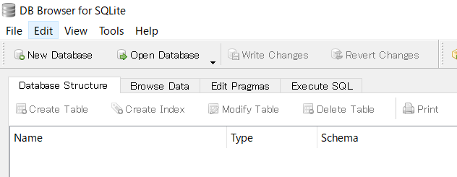

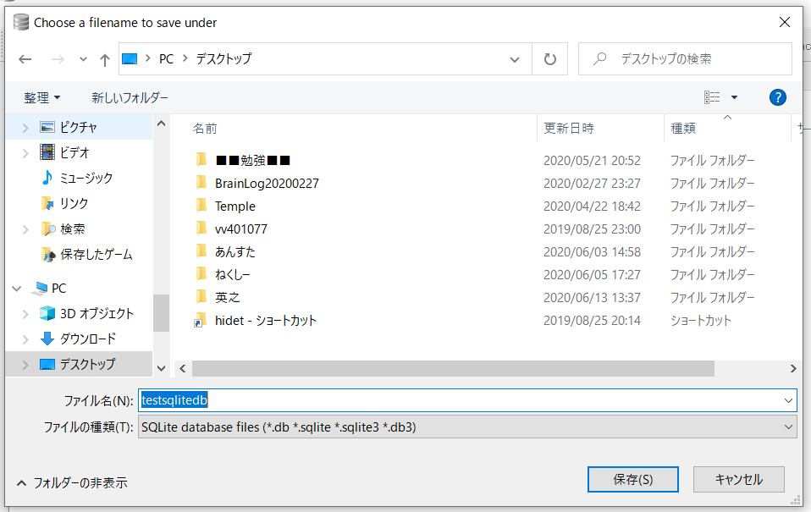

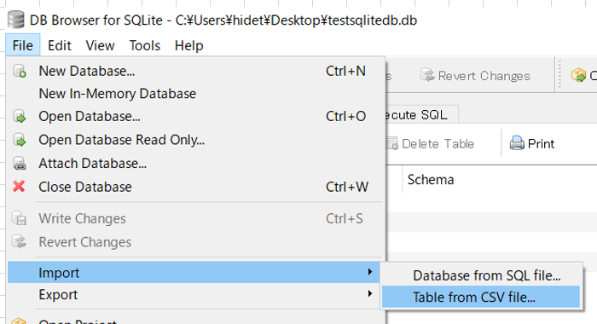

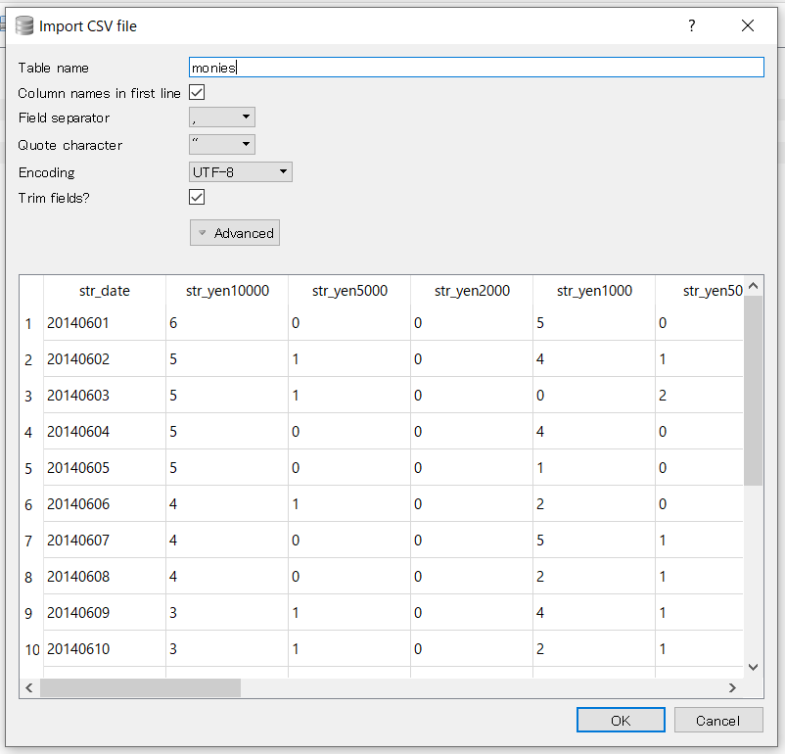

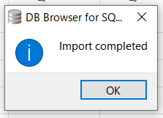

● |  | パッケージ追加

 |  |  | name: testcsvdatabase
 |  |  | description: A new Flutter application.

 |  |  | publish_to: 'none'

 |  |  | version: 1.0.0+1

 |  |  | environment:
 |  |  | sdk: ">=2.7.0 <3.0.0"

 |  |  | dependencies:
 |  |  | flutter:
 |  |  | sdk: flutter

 |  |  | cupertino_icons: ^0.1.3
 |  |  | moor: ^3.0.2
 |  |  | moor_ffi: ^0.5.0
 |  |  | path_provider:
 |  |  | path:

 |  |  | dev_dependencies:
 |  |  | flutter_test:
 |  |  | sdk: flutter
 |  |  | moor_generator: ^3.0.0
 |  |  | build_runner:

 |  |  | flutter:

 |  |  | uses-material-design: true

 |  |  | assets:
 |  |  | - assets/data/

● |  | テーブル設定

 |  | C:\Users\hidet\AndroidStudioProjects\testcsvdatabase\lib\db\database.dart

 |  |  | import 'package:moor/moor.dart';

 |  |  | part 'database.g.dart';

 |  |  | class Monies extends Table {
 |  |  | IntColumn get strDate => integer()();

 |  |  | IntColumn get strYen10000 => integer()();
 |  |  | IntColumn get strYen5000 => integer()();
 |  |  | IntColumn get strYen2000 => integer()();
 |  |  | IntColumn get strYen1000 => integer()();
 |  |  | IntColumn get strYen500 => integer()();
 |  |  | IntColumn get strYen100 => integer()();
 |  |  | IntColumn get strYen50 => integer()();
 |  |  | IntColumn get strYen10 => integer()();
 |  |  | IntColumn get strYen5 => integer()();
 |  |  | IntColumn get strYen1 => integer()();

 |  |  | IntColumn get strBankA => integer()();
 |  |  | IntColumn get strBankB => integer()();
 |  |  | IntColumn get strBankC => integer()();
 |  |  | IntColumn get strBankD => integer()();

 |  |  | IntColumn get strPayA => integer()();
 |  |  | IntColumn get strPayB => integer()();
 |  |  | }

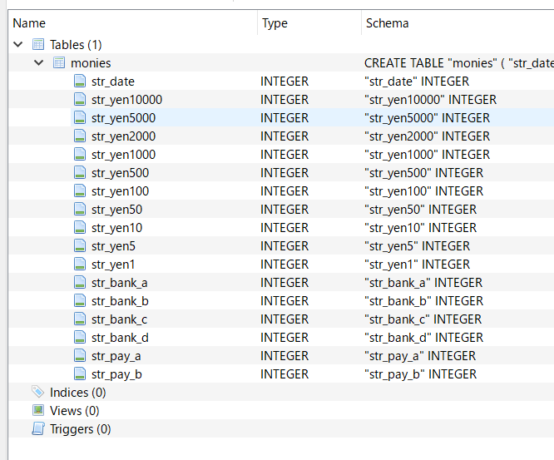

● |  | コード生成

 |  |  | import 'package:moor/moor.dart';

 |  |  | part 'database.g.dart';

 |  |  | class Monies extends Table {
 |  |  | IntColumn get strDate => integer()();

 |  |  | IntColumn get strYen10000 => integer()();
 |  |  | IntColumn get strYen5000 => integer()();
 |  |  | IntColumn get strYen2000 => integer()();
 |  |  | IntColumn get strYen1000 => integer()();
 |  |  | IntColumn get strYen500 => integer()();
 |  |  | IntColumn get strYen100 => integer()();
 |  |  | IntColumn get strYen50 => integer()();
 |  |  | IntColumn get strYen10 => integer()();
 |  |  | IntColumn get strYen5 => integer()();
 |  |  | IntColumn get strYen1 => integer()();

 |  |  | IntColumn get strBankA => integer()();
 |  |  | IntColumn get strBankB => integer()();
 |  |  | IntColumn get strBankC => integer()();
 |  |  | IntColumn get strBankD => integer()();

 |  |  | IntColumn get strPayA => integer()();
 |  |  | IntColumn get strPayB => integer()();
 |  |  | }

 |  |  | @UseMoor(tables: [Monies])
 |  |  | class MyDatabase {}

 |  | flutter packages pub run build_runner build --delete-conflicting-outputs

 |  |  | import 'package:moor/moor.dart';

 |  |  | part 'database.g.dart';

 |  |  | class Monies extends Table {
 |  |  | IntColumn get strDate => integer()();

 |  |  | IntColumn get strYen10000 => integer()();
 |  |  | IntColumn get strYen5000 => integer()();
 |  |  | IntColumn get strYen2000 => integer()();
 |  |  | IntColumn get strYen1000 => integer()();
 |  |  | IntColumn get strYen500 => integer()();
 |  |  | IntColumn get strYen100 => integer()();
 |  |  | IntColumn get strYen50 => integer()();
 |  |  | IntColumn get strYen10 => integer()();
 |  |  | IntColumn get strYen5 => integer()();
 |  |  | IntColumn get strYen1 => integer()();

 |  |  | IntColumn get strBankA => integer()();
 |  |  | IntColumn get strBankB => integer()();
 |  |  | IntColumn get strBankC => integer()();
 |  |  | IntColumn get strBankD => integer()();

 |  |  | IntColumn get strPayA => integer()();
 |  |  | IntColumn get strPayB => integer()();
 |  |  | }

 |  |  | @UseMoor(tables: [Monies])
 |  |  | class MyDatabase extends _$MyDatabase {
 |  |  | MyDatabase() : super(_openConnection());

 |  |  | @override
 |  |  | int get schemaVersion => 1;
 |  |  | }

 |  |  | LazyDatabase _openConnection() {
 |  |  | return LazyDatabase(() async {
 |  |  | final dbFolder = await getApplicationDocumentsDirectory();
 |  |  | final file = File(p.join(dbFolder.path, 'moneynote.db'));
 |  |  | return VmDatabase(file);
 |  |  | }); | いっぱいエラーが出ている
 |  |  | }

● |  | main.dart

 |  | 初期状態

 |  |  | import 'package:flutter/material.dart';
 |  |  | import 'package:testcsvdatabase/screens/home_screen.dart';

 |  |  | void main() {
 |  |  | runApp(MyApp());
 |  |  | }

 |  |  | class MyApp extends StatelessWidget {
 |  |  | @override
 |  |  | Widget build(BuildContext context){
 |  |  | return MaterialApp(
 |  |  | title: 'DB Sample',
 |  |  | theme: ThemeData.dark(),
 |  |  | home: HomeScreen(),
 |  |  | );
 |  |  | }
 |  |  | }

 |  | 変更後

 |  |  | import 'dart:io';

 |  |  | import 'package:flutter/material.dart';
 |  |  | import 'package:flutter/services.dart';
 |  |  | import 'package:path/path.dart';
 |  |  | import 'package:path_provider/path_provider.dart';
 |  |  | import 'package:testcsvdatabase/screens/home_screen.dart';

 |  |  | void main() async {
 |  |  | WidgetsFlutterBinding.ensureInitialized();

 |  |  | var dbPath = await getDbPath();

 |  |  | runApp(MyApp());
 |  |  | }

 |  |  | Future<String> getDbPath() async {
 |  |  | var dbDir = await getApplicationDocumentsDirectory();
 |  |  | var dbPath = join(dbDir.path, 'copytarget.db'); //コピー先
 |  |  | if (FileSystemEntity.typeSync(dbPath) == FileSystemEntityType.notFound) {
 |  |  | ByteData byteData = await rootBundle.load('assets/data/testsqlitedb.db');
 |  |  | List<int> bytes = byteData.buffer
 |  |  | .asUint8List(byteData.offsetInBytes, byteData.lengthInBytes);
 |  |  | await File(dbPath).writeAsBytes(bytes);
 |  |  | }
 |  |  | return dbPath;
 |  |  | }

 |  |  | class MyApp extends StatelessWidget {
 |  |  | @override
 |  |  | Widget build(BuildContext context) {
 |  |  | return MaterialApp(
 |  |  | title: 'DB Sample',
 |  |  | theme: ThemeData.dark(),
 |  |  | home: HomeScreen(),
 |  |  | );
 |  |  | }
 |  |  | }

● |  | database.dart

 |  |  | import 'dart:io';

 |  |  | import 'package:moor/moor.dart';
 |  |  | import 'package:moor_ffi/moor_ffi.dart';

 |  |  | part 'database.g.dart';

 |  |  | class Monies extends Table {
 |  |  | IntColumn get strDate => integer()();

 |  |  | IntColumn get strYen10000 => integer()();
 |  |  | IntColumn get strYen5000 => integer()();
 |  |  | IntColumn get strYen2000 => integer()();
 |  |  | IntColumn get strYen1000 => integer()();
 |  |  | IntColumn get strYen500 => integer()();
 |  |  | IntColumn get strYen100 => integer()();
 |  |  | IntColumn get strYen50 => integer()();
 |  |  | IntColumn get strYen10 => integer()();
 |  |  | IntColumn get strYen5 => integer()();
 |  |  | IntColumn get strYen1 => integer()();

 |  |  | IntColumn get strBankA => integer()();
 |  |  | IntColumn get strBankB => integer()();
 |  |  | IntColumn get strBankC => integer()();
 |  |  | IntColumn get strBankD => integer()();

 |  |  | IntColumn get strPayA => integer()();
 |  |  | IntColumn get strPayB => integer()();
 |  |  | }

 |  |  | @UseMoor(tables: [Monies])
 |  |  | class MyDatabase extends _$MyDatabase {
 |  |  | final String dbPath;

 |  |  | MyDatabase({this.dbPath}) : super(_openConnection(dbPath));

 |  |  | @override
 |  |  | int get schemaVersion => 1;
 |  |  | }

 |  |  | LazyDatabase _openConnection(String dbPath) {
 |  |  | return LazyDatabase(() async {
 |  |  | final file = File(dbPath);
 |  |  | return VmDatabase(file);
 |  |  | });
 |  |  | }

● |  | main.dart

 |  |  | import 'dart:io';

 |  |  | import 'package:flutter/material.dart';
 |  |  | import 'package:flutter/services.dart';
 |  |  | import 'package:path/path.dart';
 |  |  | import 'package:path_provider/path_provider.dart';
 |  |  | import 'package:testcsvdatabase/db/database.dart';
 |  |  | import 'package:testcsvdatabase/screens/home_screen.dart';

 |  |  | MyDatabase database;

 |  |  | void main() async {
 |  |  | WidgetsFlutterBinding.ensureInitialized();

 |  |  | var dbPath = await getDbPath();
 |  |  | database = MyDatabase(dbPath: dbPath);

 |  |  | runApp(MyApp());
 |  |  | }

 |  |  | Future<String> getDbPath() async {
 |  |  | var dbDir = await getApplicationDocumentsDirectory();
 |  |  | var dbPath = join(dbDir.path, 'copytarget.db'); //コピー先
 |  |  | if (FileSystemEntity.typeSync(dbPath) == FileSystemEntityType.notFound) {
 |  |  | ByteData byteData = await rootBundle.load('assets/data/testsqlitedb.db');
 |  |  | List<int> bytes = byteData.buffer
 |  |  | .asUint8List(byteData.offsetInBytes, byteData.lengthInBytes);
 |  |  | await File(dbPath).writeAsBytes(bytes);
 |  |  | }
 |  |  | return dbPath;
 |  |  | }

 |  |  | class MyApp extends StatelessWidget {
 |  |  | @override
 |  |  | Widget build(BuildContext context) {
 |  |  | return MaterialApp(
 |  |  | title: 'DB Sample',
 |  |  | theme: ThemeData.dark(),
 |  |  | home: HomeScreen(),
 |  |  | );
 |  |  | }
 |  |  | }

● |  | database.dart

 |  |  | import 'dart:io';

 |  |  | import 'package:moor/moor.dart';
 |  |  | import 'package:moor_ffi/moor_ffi.dart';

 |  |  | part 'database.g.dart';

 |  |  | class Monies extends Table {
 |  |  | IntColumn get strDate => integer()();

 |  |  | IntColumn get strYen10000 => integer()();
 |  |  | IntColumn get strYen5000 => integer()();
 |  |  | IntColumn get strYen2000 => integer()();
 |  |  | IntColumn get strYen1000 => integer()();
 |  |  | IntColumn get strYen500 => integer()();
 |  |  | IntColumn get strYen100 => integer()();
 |  |  | IntColumn get strYen50 => integer()();
 |  |  | IntColumn get strYen10 => integer()();
 |  |  | IntColumn get strYen5 => integer()();
 |  |  | IntColumn get strYen1 => integer()();

 |  |  | IntColumn get strBankA => integer()();
 |  |  | IntColumn get strBankB => integer()();
 |  |  | IntColumn get strBankC => integer()();
 |  |  | IntColumn get strBankD => integer()();

 |  |  | IntColumn get strPayA => integer()();
 |  |  | IntColumn get strPayB => integer()();
 |  |  | }

 |  |  | @UseMoor(tables: [Monies])
 |  |  | class MyDatabase extends _$MyDatabase {
 |  |  | final String dbPath;

 |  |  | MyDatabase({this.dbPath}) : super(_openConnection(dbPath));

 |  |  | @override
 |  |  | int get schemaVersion => 1;

 |  |  | ////////////////////////////////////////////////////////////Monies
 |  |  | //全選択
 |  |  | Future<List<Monie>> get selectAllRecord => select(monies).get();
 |  |  | }

 |  |  | LazyDatabase _openConnection(String dbPath) {
 |  |  | return LazyDatabase(() async {
 |  |  | final file = File(dbPath);
 |  |  | return VmDatabase(file);
 |  |  | });
 |  |  | }

● |  | データ取得

 |  | C:\Users\hidet\AndroidStudioProjects\testcsvdatabase\lib\screens\home_screen.dart

 |  |  | import 'package:flutter/material.dart';
 |  |  | import 'package:testcsvdatabase/db/database.dart';
 |  |  | import '../main.dart';

 |  |  | class HomeScreen extends StatefulWidget {
 |  |  | @override
 |  |  | _HomeScreenState createState() => _HomeScreenState();
 |  |  | }

 |  |  | class _HomeScreenState extends State<HomeScreen> {
 |  |  | List<Monie> monies = List();

 |  |  | @override
 |  |  | void initState() {
 |  |  | super.initState();

 |  |  | _makeDefaultDisplayData();
 |  |  | }

 |  |  | _makeDefaultDisplayData() async {
 |  |  | monies = await database.selectAllRecord;
 |  |  | setState(() {});
 |  |  | }

 |  |  | @override
 |  |  | Widget build(BuildContext context) {
 |  |  | print(monies);

 |  |  | return SafeArea(
 |  |  | child: Text('aaaaaaaaa'),
 |  |  | );
 |  |  | }
 |  |  | }

 | 本シートここまで

ひとつめのテーブルへの登録
● | ひとつめのテーブルへの登録

 | pubspec.yaml

 |  | name: testsometable2
 |  | description: A new Flutter application.

 |  | publish_to: 'none'

 |  | version: 1.0.0+1

 |  | environment:
 |  | sdk: ">=2.7.0 <3.0.0"

 |  | dependencies:
 |  | flutter:
 |  | sdk: flutter

 |  | cupertino_icons: ^0.1.3
 |  | moor: ^3.0.2
 |  | moor_ffi: ^0.5.0
 |  | path_provider:
 |  | path:
 |  | toast: ^0.1.5

 |  | dev_dependencies:
 |  | flutter_test:
 |  | sdk: flutter
 |  | moor_generator: ^3.0.0
 |  | build_runner:

 |  | flutter:

 |  | uses-material-design: true

 | testsometable2\lib\db\database.dart

 |  | import 'package:moor/moor.dart';
 |  | import 'dart:io';
 |  | import 'package:moor_ffi/moor_ffi.dart';
 |  | import 'package:path/path.dart' as p;
 |  | import 'package:path_provider/path_provider.dart';

 |  | part 'database.g.dart';

 |  | class Monies extends Table {
 |  | TextColumn get strDate => text()();

 |  | TextColumn get strYen10000 => text()();
 |  | TextColumn get strYen5000 => text()();
 |  | TextColumn get strYen2000 => text()();
 |  | TextColumn get strYen1000 => text()();
 |  | TextColumn get strYen500 => text()();
 |  | TextColumn get strYen100 => text()();
 |  | TextColumn get strYen50 => text()();
 |  | TextColumn get strYen10 => text()();
 |  | TextColumn get strYen5 => text()();
 |  | TextColumn get strYen1 => text()();

 |  | TextColumn get strBankA => text()();
 |  | TextColumn get strBankB => text()();
 |  | TextColumn get strBankC => text()();
 |  | TextColumn get strBankD => text()();

 |  | TextColumn get strPayA => text()();
 |  | TextColumn get strPayB => text()();

 |  | @override
 |  | Set<Column> get primaryKey => {strDate};
 |  | }

 |  | @UseMoor(tables: [Monies])
 |  | class MyDatabase extends _$MyDatabase {
 |  | MyDatabase() : super(_openConnection());

 |  | @override
 |  | int get schemaVersion => 1;

 |  | ////////////////////////////////////////////////////////////Monies
 |  | //追加
 |  | Future insertRecord(Monie monie) => into(monies).insert(monie);
 |  | }

 |  | LazyDatabase _openConnection() {
 |  | return LazyDatabase(() async {
 |  | final dbFolder = await getApplicationDocumentsDirectory();
 |  | final file = File(p.join(dbFolder.path, 'moneynote.db'));
 |  | return VmDatabase(file);
 |  | });
 |  | }

 | testsometable2\lib\main.dart

 |  | import 'package:flutter/material.dart';
 |  | import 'package:moor_ffi/database.dart';
 |  | import 'package:toast/toast.dart';
 |  | import 'db/database.dart';

 |  | MyDatabase database;

 |  | void main() {
 |  | database = MyDatabase();

 |  | runApp(MyApp());
 |  | }

 |  | class MyApp extends StatelessWidget {
 |  | @override
 |  | Widget build(BuildContext context) {
 |  | return MaterialApp(
 |  | home: MyHomePage(),
 |  | );
 |  | }
 |  | }

 |  | class MyHomePage extends StatefulWidget {
 |  | @override
 |  | _MyHomePageState createState() => _MyHomePageState();
 |  | }

 |  | class _MyHomePageState extends State<MyHomePage> {
 |  | @override
 |  | Widget build(BuildContext context) {
 |  | return Scaffold(
 |  | appBar: AppBar(
 |  | title: Text('テーブル追加テスト'),
 |  | ),
 |  | body: Center(
 |  | child: Column(
 |  | children: <Widget>[
 |  | RaisedButton(
 |  | child: Text('Money追加'),
 |  | onPressed: () => _insertMoney(context),
 |  | ),
 |  | ],
 |  | ),
 |  | ),
 |  | );
 |  | }

 |  | _insertMoney(BuildContext context) async {
 |  | var monie = Monie(
 |  | strDate: '20200614',
 |  | strYen10000: '1',
 |  | strYen5000: '2',
 |  | strYen2000: '0',
 |  | strYen1000: '3',
 |  | strYen500: '4',
 |  | strYen100: '5',
 |  | strYen50: '6',
 |  | strYen10: '7',
 |  | strYen5: '8',
 |  | strYen1: '9',
 |  | strBankA: '100000',
 |  | strBankB: '200000',
 |  | strBankC: '300000',
 |  | strBankD: '400000',
 |  | strPayA: '500000',
 |  | strPayB: '600000');

 |  | try {
 |  | await database.insertRecord(monie);
 |  | Toast.show('登録が完了しました', context, duration: Toast.LENGTH_LONG);
 |  | } on SqliteException catch (e) {
 |  | Toast.show('重複登録のため登録できません', context, duration: Toast.LENGTH_LONG);
 |  | }
 |  | }
 |  | }

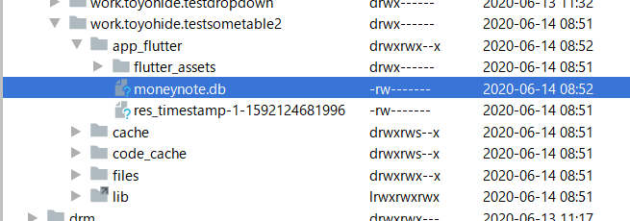

 | DBBrowser

 | ひとつめのテーブルは作成することができ、データ投入も成功した

みんプロメール
豊田さん

以下の手順でイケると思います（実際にこちらでやってみました）

１）database.dartに新しいテーブルクラスを作って、MyDatabaseクラスのアノテーションに追加

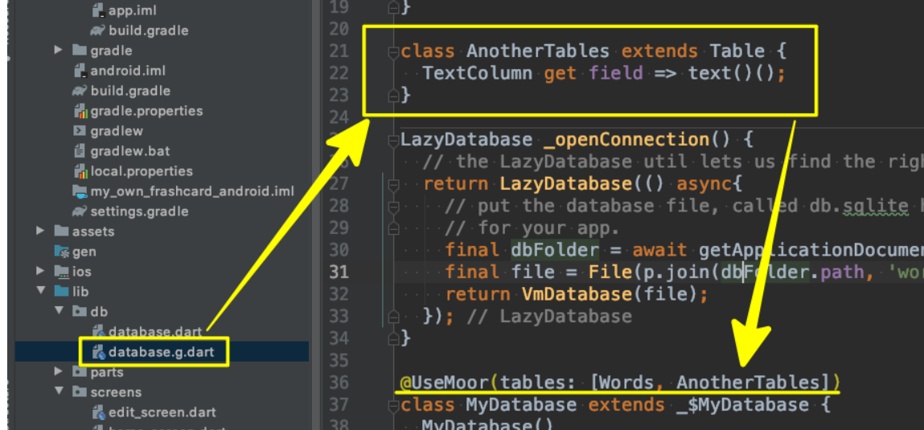

２）コード生成

flutter packages pub run build_runner build --delete-conflicting-outputs

３）database.g.dartで新しく追加したテーブルクラスのインスタンスが出来ているか確認

４）テーブル追加の統合処理（昨日ご案内したもの）

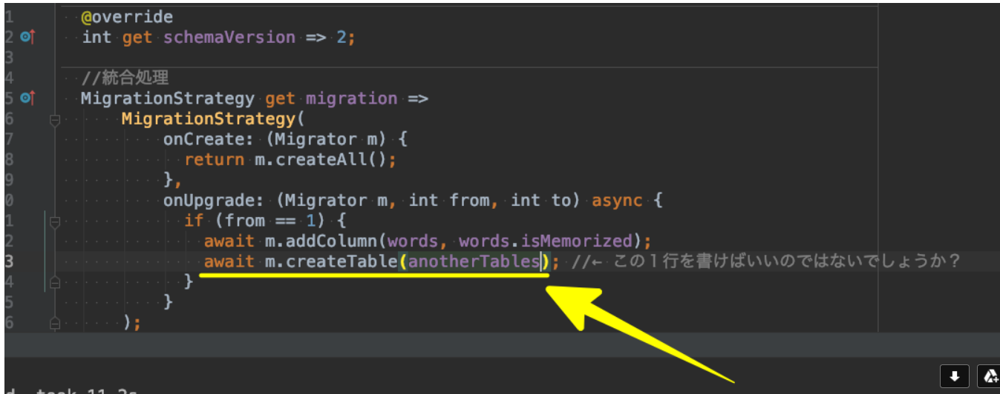

これで解決しないようであれば、先に片付けるべき案件が終了次第レクチャー追加対応させて頂きますが（先にご案内のように７月末以降となります）、それまでお待ち下さい。

以上、よろしくおねがいします。

きたがわ

chat ui
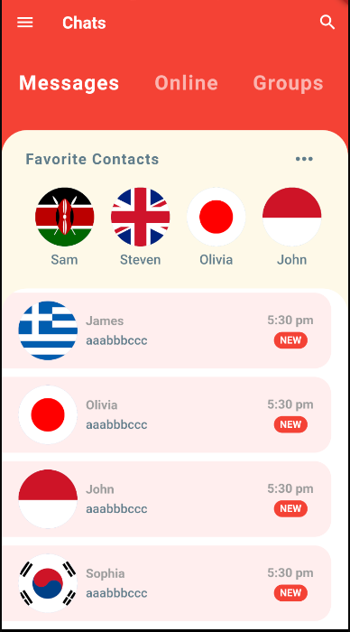
● | 参考
 | Flutter Chat UI Tutorial | Apps From Scratch
 | https://www.youtube.com/watch?v=h-igXZCCrrc

● | ディレクトリ作成、ファイル作成
 | C:\Users\hidet\AndroidStudioProjects\testchatui\lib\models\message_model.dart
 | C:\Users\hidet\AndroidStudioProjects\testchatui\lib\models\user_model.dart
 | C:\Users\hidet\AndroidStudioProjects\testchatui\lib\screens\home_screen.dart
 | C:\Users\hidet\AndroidStudioProjects\testchatui\lib\main.dart

● | C:\Users\hidet\AndroidStudioProjects\testchatui\lib\main.dart

 |  | import 'package:flutter/material.dart';
 |  | import 'screens/home_screen.dart';

 |  | void main() {
 |  | runApp(MyApp());
 |  | }

 |  | class MyApp extends StatelessWidget {
 |  | @override
 |  | Widget build(BuildContext context) {
 |  | return MaterialApp(
 |  | home: MaterialApp(
 |  | title: 'Flutter Demo',
 |  | theme: ThemeData(
 |  | primarySwatch: Colors.blue,
 |  | ),
 |  | home: HomeScreen(),
 |  | ),
 |  | );
 |  | }
 |  | }

● | 5分時点

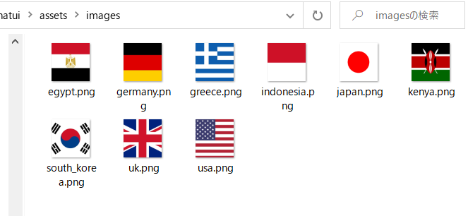

 |  | name: testchatui
 |  | description: A new Flutter application.

 |  | publish_to: 'none'

 |  | version: 1.0.0+1

 |  | environment:
 |  | sdk: ">=2.7.0 <3.0.0"

 |  | dependencies:
 |  | flutter:
 |  | sdk: flutter

 |  | cupertino_icons: ^0.1.3

 |  | dev_dependencies:
 |  | flutter_test:
 |  | sdk: flutter

 |  | flutter:

 |  | uses-material-design: true

 |  | assets:
 |  | - assets/images/

 | C:\Users\hidet\AndroidStudioProjects\testchatui\lib\main.dart

 |  | import 'package:flutter/material.dart';
 |  | import 'screens/home_screen.dart';

 |  | void main() {
 |  | runApp(MyApp());
 |  | }

 |  | class MyApp extends StatelessWidget {
 |  | @override
 |  | Widget build(BuildContext context) {
 |  | return MaterialApp(
 |  | home: MaterialApp(
 |  | title: 'Flutter Chat UI',
 |  | debugShowCheckedModeBanner: false,
 |  | theme: ThemeData(
 |  | primaryColor: Colors.red,
 |  | accentColor: Color(0xFFfef9e8),
 |  | ),
 |  | home: HomeScreen(),
 |  | ),
 |  | );
 |  | }
 |  | }

 | C:\Users\hidet\AndroidStudioProjects\testchatui\lib\screens\home_screen.dart

 |  | import 'package:flutter/material.dart';

 |  | class HomeScreen extends StatefulWidget {
 |  | @override
 |  | _HomeScreenState createState() => _HomeScreenState();
 |  | }

 |  | class _HomeScreenState extends State<HomeScreen> {
 |  | @override
 |  | Widget build(BuildContext context) {
 |  | return Scaffold(
 |  | body: Text('Home'),
 |  | );
 |  | }
 |  | }

 | C:\Users\hidet\AndroidStudioProjects\testchatui\lib\models\message_model.dart

 |  | import 'user_model.dart';

 |  | class Message {
 |  | final User sender;
 |  | final String time;
 |  | final String text;
 |  | final bool isLiked;
 |  | final bool unread;

 |  | Message({this.sender, this.time, this.text, this.isLiked, this.unread});
 |  | }

 |  | final User currentUser = User(
 |  | id: 0,
 |  | name: 'Current User',
 |  | imageUrl: 'assets/images/egypt.png',
 |  | );

 |  | final User greg = User(
 |  | id: 1,
 |  | name: 'Greg',
 |  | imageUrl: 'assets/images/germany.png',
 |  | );

 |  | final User james = User(
 |  | id: 2,
 |  | name: 'James',
 |  | imageUrl: 'assets/images/greece.png',
 |  | );

 |  | final User john = User(
 |  | id: 3,
 |  | name: 'John',
 |  | imageUrl: 'assets/images/indonesia.png',
 |  | );

 |  | final User olivia = User(
 |  | id: 4,
 |  | name: 'Olivia',
 |  | imageUrl: 'assets/images/japan.png',
 |  | );

 |  | final User sam = User(
 |  | id: 5,
 |  | name: 'Sam',
 |  | imageUrl: 'assets/images/kenya.png',
 |  | );

 |  | final User sophia = User(
 |  | id: 6,
 |  | name: 'Sophia',
 |  | imageUrl: 'assets/images/south_korea.png',
 |  | );

 |  | final User steven = User(
 |  | id: 7,
 |  | name: 'Steven',
 |  | imageUrl: 'assets/images/uk.png',
 |  | );

 |  | List<User> favorites = [sam, steven, olivia, john, greg];

 |  | List<Message> chats = [
 |  | Message(
 |  | sender: james,
 |  | time: '5:30 pm',
 |  | text: 'aaabbbccc',
 |  | isLiked: false,
 |  | unread: true,
 |  | ),
 |  | Message(
 |  | sender: olivia,
 |  | time: '5:30 pm',
 |  | text: 'aaabbbccc',
 |  | isLiked: false,
 |  | unread: true,
 |  | ),
 |  | Message(
 |  | sender: john,
 |  | time: '5:30 pm',
 |  | text: 'aaabbbccc',
 |  | isLiked: false,
 |  | unread: true,
 |  | ),
 |  | Message(
 |  | sender: sophia,
 |  | time: '5:30 pm',
 |  | text: 'aaabbbccc',
 |  | isLiked: false,
 |  | unread: true,
 |  | ),
 |  | ];

 | C:\Users\hidet\AndroidStudioProjects\testchatui\lib\models\user_model.dart

 |  | class User {
 |  | final int id;
 |  | final String name;
 |  | final String imageUrl;
 |  | User({this.id, this.name, this.imageUrl});
 |  | }

● | C:\Users\hidet\AndroidStudioProjects\testchatui\lib\screens\home_screen.dart

 |  | import 'package:flutter/material.dart';

 |  | class HomeScreen extends StatefulWidget {
 |  | @override
 |  | _HomeScreenState createState() => _HomeScreenState();
 |  | }

 |  | class _HomeScreenState extends State<HomeScreen> {
 |  | @override
 |  | Widget build(BuildContext context) {
 |  | return Scaffold(
 |  | appBar: AppBar(
 |  | leading: IconButton(
 |  | icon: Icon(Icons.menu),
 |  | onPressed: () {},
 |  | ),
 |  | title: Text(
 |  | 'Chats',
 |  | style: TextStyle(
 |  | fontSize: 20.0,
 |  | fontWeight: FontWeight.bold,
 |  | ),
 |  | ),
 |  | elevation: 0.0,
 |  | actions: <Widget>[
 |  | IconButton(
 |  | icon: Icon(Icons.search),
 |  | onPressed: () {},
 |  | ),
 |  | ],
 |  | ),
 |  | body: Column(
 |  | children: <Widget>[
 |  | CategorySelector(),
 |  | ],
 |  | ),
 |  | );
 |  | }
 |  | }

● | ディレクトリ作成、ファイル作成
 | C:\Users\hidet\AndroidStudioProjects\testchatui\lib\widget\category_selector.dart

 |  | import 'package:flutter/material.dart';

 |  | class CategorySelector extends StatefulWidget {
 |  | @override
 |  | _CategorySelectorState createState() => _CategorySelectorState();
 |  | }

 |  | class _CategorySelectorState extends State<CategorySelector> {
 |  | int selectedIndex = 0;
 |  | final List<String> categories = ['Messages', 'Online', 'Groups', 'Requests'];

 |  | @override
 |  | Widget build(BuildContext context) {
 |  | return Container(
 |  | height: 100.0,
 |  | color: Colors.blue,
 |  | child: ListView.builder(
 |  | scrollDirection: Axis.horizontal,
 |  | itemCount: categories.length,
 |  | itemBuilder: (BuildContext context, int index) {
 |  | return Padding(
 |  | padding: EdgeInsets.symmetric(
 |  | horizontal: 20.0,
 |  | vertical: 30.0,
 |  | ),
 |  | child: Text(
 |  | categories[index],
 |  | style: TextStyle(
 |  | color: Colors.white,
 |  | fontSize: 24.0,
 |  | fontWeight: FontWeight.bold),
 |  | ),
 |  | );
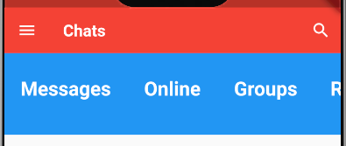
 |  | },
 |  | ),
 |  | );
 |  | }
 |  | }

 |  |  | 横向きにスクロールできる

● | C:\Users\hidet\AndroidStudioProjects\testchatui\lib\widget\category_selector.dart

 |  | import 'package:flutter/material.dart';

 |  | class CategorySelector extends StatefulWidget {
 |  | @override
 |  | _CategorySelectorState createState() => _CategorySelectorState();
 |  | }

 |  | class _CategorySelectorState extends State<CategorySelector> {
 |  | int selectedIndex = 0;
 |  | final List<String> categories = ['Messages', 'Online', 'Groups', 'Requests'];

 |  | @override
 |  | Widget build(BuildContext context) {
 |  | return Container(
 |  | height: 100.0,
 |  | color: Theme.of(context).primaryColor,
 |  | child: ListView.builder(
 |  | scrollDirection: Axis.horizontal,
 |  | itemCount: categories.length,
 |  | itemBuilder: (BuildContext context, int index) {
 |  | return GestureDetector(
 |  | onTap: () {
 |  | setState(() {
 |  | selectedIndex = index;
 |  | });
 |  | },
 |  | child: Padding(
 |  | padding: EdgeInsets.symmetric(
 |  | horizontal: 20.0,
 |  | vertical: 30.0,
 |  | ),
 |  | child: Text(
 |  | categories[index],
 |  | style: TextStyle(
 |  | color:
 |  | (index == selectedIndex) ? Colors.white : Colors.white60,
 |  | fontSize: 24.0,
 |  | fontWeight: FontWeight.bold,
 |  | letterSpacing: 1.2,
 |  | ),
 |  | ),
 |  | ),
 |  | );
 |  | },
 |  | ),
 |  | );
 |  | }
 |  | }

● | C:\Users\hidet\AndroidStudioProjects\testchatui\lib\screens\home_screen.dart

 |  | import 'package:flutter/material.dart';
 |  | import '../widget/category_selector.dart';

 |  | class HomeScreen extends StatefulWidget {
 |  | @override
 |  | _HomeScreenState createState() => _HomeScreenState();
 |  | }

 |  | class _HomeScreenState extends State<HomeScreen> {
 |  | @override
 |  | Widget build(BuildContext context) {
 |  | return Scaffold(
 |  | backgroundColor: Theme.of(context).primaryColor,
 |  | appBar: AppBar(
 |  | leading: IconButton(
 |  | icon: Icon(Icons.menu),
 |  | onPressed: () {},
 |  | ),
 |  | title: Text(
 |  | 'Chats',
 |  | style: TextStyle(
 |  | fontSize: 20.0,
 |  | fontWeight: FontWeight.bold,
 |  | ),
 |  | ),
 |  | elevation: 0.0,
 |  | actions: <Widget>[
 |  | IconButton(
 |  | icon: Icon(Icons.search),
 |  | onPressed: () {},
 |  | ),
 |  | ],
 |  | ),
 |  | body: Column(
 |  | children: <Widget>[
 |  | CategorySelector(),
 |  | Expanded(
 |  | child: Container(
 |  | decoration: BoxDecoration(
 |  | color: Theme.of(context).accentColor,
 |  | borderRadius: BorderRadius.only(
 |  | topLeft: Radius.circular(30.0),
 |  | topRight: Radius.circular(30.0),
 |  | ),
 |  | ),
 |  | ),
 |  | ),
 |  | ],
 |  | ),
 |  | );
 |  | }
 |  | }

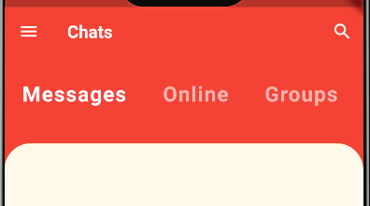

● | C:\Users\hidet\AndroidStudioProjects\testchatui\lib\screens\home_screen.dart

 |  | import 'package:flutter/material.dart';
 |  | import '../widget/category_selector.dart';

 |  | class HomeScreen extends StatefulWidget {
 |  | @override
 |  | _HomeScreenState createState() => _HomeScreenState();
 |  | }

 |  | class _HomeScreenState extends State<HomeScreen> {
 |  | @override
 |  | Widget build(BuildContext context) {
 |  | return Scaffold(
 |  | backgroundColor: Theme.of(context).primaryColor,
 |  | appBar: AppBar(
 |  | leading: IconButton(
 |  | icon: Icon(Icons.menu),
 |  | onPressed: () {},
 |  | ),
 |  | title: Text(
 |  | 'Chats',
 |  | style: TextStyle(
 |  | fontSize: 20.0,
 |  | fontWeight: FontWeight.bold,
 |  | ),
 |  | ),
 |  | elevation: 0.0,
 |  | actions: <Widget>[
 |  | IconButton(
 |  | icon: Icon(Icons.search),
 |  | onPressed: () {},
 |  | ),
 |  | ],
 |  | ),
 |  | body: Column(
 |  | children: <Widget>[
 |  | CategorySelector(),
 |  | Expanded(
 |  | child: Container(
 |  | decoration: BoxDecoration(
 |  | color: Theme.of(context).accentColor,
 |  | borderRadius: BorderRadius.only(
 |  | topLeft: Radius.circular(30.0),
 |  | topRight: Radius.circular(30.0),
 |  | ),
 |  | ),
 |  | child: Column(
 |  | children: <Widget>[
 |  | Row(
 |  | children: <Widget>[
 |  | Text('Favorite Contacts'),
 |  | IconButton(
 |  | icon: Icon(Icons.more_horiz),
 |  | onPressed: () {},
 |  | ),
 |  | ],
 |  | ),
 |  | ],
 |  | ),
 |  | ),
 |  | ),
 |  | ],
 |  | ),
 |  | );
 |  | }
 |  | }

● | ディレクトリ作成、ファイル作成
 | C:\Users\hidet\AndroidStudioProjects\testchatui\lib\widget\favorite_contacts.dart

 |  | import 'package:flutter/material.dart';

 |  | class FavoriteContacts extends StatelessWidget {
 |  | @override
 |  | Widget build(BuildContext context) {
 |  | return Row(
 |  | children: <Widget>[
 |  | Text('Favorite Contacts'),
 |  | IconButton(
 |  | icon: Icon(Icons.more_horiz),
 |  | onPressed: () {},
 |  | ),
 |  | ],
 |  | );
 |  | }
 |  | }

● | C:\Users\hidet\AndroidStudioProjects\testchatui\lib\screens\home_screen.dart

 |  | import 'package:flutter/material.dart';
 |  | import 'package:testchatui/widget/favorite_contacts.dart';
 |  | import '../widget/category_selector.dart';

 |  | class HomeScreen extends StatefulWidget {
 |  | @override
 |  | _HomeScreenState createState() => _HomeScreenState();
 |  | }

 |  | class _HomeScreenState extends State<HomeScreen> {
 |  | @override
 |  | Widget build(BuildContext context) {
 |  | return Scaffold(
 |  | backgroundColor: Theme.of(context).primaryColor,
 |  | appBar: AppBar(
 |  | leading: IconButton(
 |  | icon: Icon(Icons.menu),
 |  | onPressed: () {},
 |  | ),
 |  | title: Text(
 |  | 'Chats',
 |  | style: TextStyle(
 |  | fontSize: 20.0,
 |  | fontWeight: FontWeight.bold,
 |  | ),
 |  | ),
 |  | elevation: 0.0,
 |  | actions: <Widget>[
 |  | IconButton(
 |  | icon: Icon(Icons.search),
 |  | onPressed: () {},
 |  | ),
 |  | ],
 |  | ),
 |  | body: Column(
 |  | children: <Widget>[
 |  | CategorySelector(),
 |  | Expanded(
 |  | child: Container(
 |  | decoration: BoxDecoration(
 |  | color: Theme.of(context).accentColor,
 |  | borderRadius: BorderRadius.only(
 |  | topLeft: Radius.circular(30.0),
 |  | topRight: Radius.circular(30.0),
 |  | ),
 |  | ),
 |  | child: Column(
 |  | children: <Widget>[
 |  | FavoriteContacts(),
 |  | ],
 |  | ),
 |  | ),
 |  | ),
 |  | ],
 |  | ),
 |  | );
 |  | }
 |  | }

● | C:\Users\hidet\AndroidStudioProjects\testchatui\lib\widget\favorite_contacts.dart

 |  | import 'package:flutter/material.dart';
 |  | import '../models/message_model.dart';

 |  | class FavoriteContacts extends StatelessWidget {
 |  | @override
 |  | Widget build(BuildContext context) {
 |  | return Padding(
 |  | padding: const EdgeInsets.symmetric(
 |  | vertical: 10.0,
 |  | horizontal: 20.0,
 |  | ),
 |  | child: Column(
 |  | children: <Widget>[
 |  | Padding(
 |  | padding: EdgeInsets.symmetric(horizontal: 8.0),
 |  | child: Row(
 |  | mainAxisAlignment: MainAxisAlignment.spaceBetween,
 |  | children: <Widget>[
 |  | Text(
 |  | 'Favorite Contacts',
 |  | style: TextStyle(
 |  | color: Colors.blueGrey,
 |  | fontSize: 18.0,
 |  | fontWeight: FontWeight.bold,
 |  | letterSpacing: 1.0,
 |  | ),
 |  | ),
 |  | IconButton(
 |  | icon: Icon(Icons.more_horiz),
 |  | iconSize: 30.0,
 |  | color: Colors.blueGrey,
 |  | onPressed: () {},
 |  | ),
 |  | ],
 |  | ),
 |  | ),
 |  | Container(
 |  | height: 120.0,
 |  | child: ListView.builder(
 |  | padding: EdgeInsets.only(left: 10.0),
 |  | scrollDirection: Axis.horizontal,
 |  | itemCount: favorites.length,
 |  | itemBuilder: (BuildContext context, int index) {
 |  | return Padding(
 |  | padding: const EdgeInsets.all(10.0),
 |  | child: Column(
 |  | children: <Widget>[
 |  | CircleAvatar(
 |  | radius: 35.0,
 |  | backgroundImage: AssetImage(favorites[index].imageUrl),
 |  | ),
 |  | SizedBox(
 |  | height: 6.0,
 |  | ),
 |  | Text(
 |  | favorites[index].name,
 |  | style: TextStyle(
 |  | color: Colors.blueGrey,
 |  | fontSize: 16.0,
 |  | fontWeight: FontWeight.w600,
 |  | ),
 |  | ),
 |  | ],
 |  | ),
 |  | );
 |  | },
 |  | ),
 |  | ),
 |  | ],
 |  | ),
 |  | );
 |  | }
 |  | }

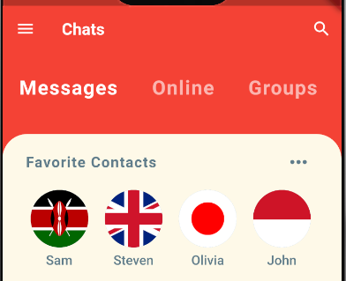

● | ファイル作成
 | C:\Users\hidet\AndroidStudioProjects\testchatui\lib\widget\RecentChats.dart

 |  | import 'package:flutter/material.dart';
 |  | import 'package:testchatui/models/message_model.dart';

 |  | class RecentChats extends StatelessWidget {
 |  | @override
 |  | Widget build(BuildContext context) {
 |  | return Expanded(
 |  | child: Container(
 |  | decoration: BoxDecoration(
 |  | color: Colors.white,
 |  | borderRadius: BorderRadius.only(
 |  | topLeft: Radius.circular(30.0),
 |  | topRight: Radius.circular(30.0),
 |  | ),
 |  | ),
 |  | child: ClipRRect(
 |  | borderRadius: BorderRadius.only(
 |  | topLeft: Radius.circular(30.0),
 |  | topRight: Radius.circular(30.0),
 |  | ),
 |  | child: ListView.builder(
 |  | itemCount: chats.length,
 |  | itemBuilder: (BuildContext context, int index) {
 |  | final Message chat = chats[index];
 |  | return Container(
 |  | margin: EdgeInsets.only(
 |  | top: 5.0,
 |  | bottom: 5.0,
 |  | right: 20.0,
 |  | ),
 |  | padding: EdgeInsets.symmetric(
 |  | horizontal: 20.0,
 |  | vertical: 10.0,
 |  | ),
 |  | decoration: BoxDecoration(
 |  | color: (chat.unread) ? Color(0xFFFFEEEE) : Colors.white,
 |  | borderRadius: BorderRadius.only(
 |  | topRight: Radius.circular(20.0),
 |  | bottomRight: Radius.circular(20.0),
 |  | )),
 |  | child: Row(
 |  | mainAxisAlignment: MainAxisAlignment.spaceBetween,
 |  | children: <Widget>[
 |  | Row(
 |  | children: <Widget>[
 |  | CircleAvatar(
 |  | radius: 35.0,
 |  | backgroundImage: AssetImage(
 |  | chat.sender.imageUrl,
 |  | ),
 |  | ),
 |  | SizedBox(
 |  | width: 10.0,
 |  | ),
 |  | Column(
 |  | crossAxisAlignment: CrossAxisAlignment.start,
 |  | children: <Widget>[
 |  | Text(
 |  | chat.sender.name,
 |  | style: TextStyle(
 |  | color: Colors.grey,
 |  | fontSize: 15.0,
 |  | fontWeight: FontWeight.bold,
 |  | ),
 |  | ),
 |  | SizedBox(
 |  | height: 5.0,
 |  | ),
 |  | Container(
 |  | width: MediaQuery.of(context).size.width * 0.45,
 |  | child: Text(
 |  | chat.text,
 |  | style: TextStyle(
 |  | color: Colors.blueGrey,
 |  | fontSize: 15.0,
 |  | fontWeight: FontWeight.w600,
 |  | ),
 |  | overflow: TextOverflow.ellipsis,
 |  | ),
 |  | ),
 |  | ],
 |  | ),
 |  | ],
 |  | ),
 |  | Column(
 |  | children: <Widget>[
 |  | Text(
 |  | chat.time,
 |  | style: TextStyle(
 |  | color: Colors.grey,
 |  | fontSize: 15.0,
 |  | fontWeight: FontWeight.bold,
 |  | ),
 |  | ),
 |  | SizedBox(
 |  | height: 5.0,
 |  | ),
 |  | (chat.unread)
 |  | ? Container(
 |  | width: 40.0,
 |  | height: 20.0,
 |  | decoration: BoxDecoration(
 |  | color: Theme.of(context).primaryColor,
 |  | borderRadius: BorderRadius.circular(30.0),
 |  | ),
 |  | alignment: Alignment.center,
 |  | child: Text(
 |  | 'NEW',
 |  | style: TextStyle(
 |  | color: Colors.white,
 |  | fontSize: 12.0,
 |  | fontWeight: FontWeight.bold,
 |  | ),
 |  | ),
 |  | )
 |  | : SizedBox.shrink(),
 |  | ],
 |  | ),
 |  | ],
 |  | ),
 |  | );
 |  | },
 |  | ),
 |  | ),
 |  | ),
 |  | );
 |  | }
 |  | }

● | C:\Users\hidet\AndroidStudioProjects\testchatui\lib\widget\RecentChats.dart

 |  | import 'package:flutter/material.dart';
 |  | import 'package:testchatui/models/message_model.dart';
 |  | import 'package:testchatui/screens/chat_screen.dart';

 |  | class RecentChats extends StatelessWidget {
 |  | @override
 |  | Widget build(BuildContext context) {
 |  | return Expanded(
 |  | child: Container(
 |  | decoration: BoxDecoration(
 |  | color: Colors.white,
 |  | borderRadius: BorderRadius.only(
 |  | topLeft: Radius.circular(30.0),
 |  | topRight: Radius.circular(30.0),
 |  | ),
 |  | ),
 |  | child: ClipRRect(
 |  | borderRadius: BorderRadius.only(
 |  | topLeft: Radius.circular(30.0),
 |  | topRight: Radius.circular(30.0),
 |  | ),
 |  | child: ListView.builder(
 |  | itemCount: chats.length,
 |  | itemBuilder: (BuildContext context, int index) {
 |  | final Message chat = chats[index];
 |  | return GestureDetector(
 |  | onTap: () => Navigator.push(
 |  | context,
 |  | MaterialPageRoute(
 |  | builder: (_) => ChatScreen(
 |  | user: chat.sender,
 |  | ),
 |  | ),
 |  | ),
 |  | child: Container(
 |  | margin: EdgeInsets.only(
 |  | top: 5.0,
 |  | bottom: 5.0,
 |  | right: 20.0,
 |  | ),
 |  | padding: EdgeInsets.symmetric(
 |  | horizontal: 20.0,
 |  | vertical: 10.0,
 |  | ),
 |  | decoration: BoxDecoration(
 |  | color: (chat.unread) ? Color(0xFFFFEEEE) : Colors.white,
 |  | borderRadius: BorderRadius.only(
 |  | topRight: Radius.circular(20.0),
 |  | bottomRight: Radius.circular(20.0),
 |  | )),
 |  | child: Row(
 |  | mainAxisAlignment: MainAxisAlignment.spaceBetween,
 |  | children: <Widget>[
 |  | Row(
 |  | children: <Widget>[
 |  | CircleAvatar(
 |  | radius: 35.0,
 |  | backgroundImage: AssetImage(
 |  | chat.sender.imageUrl,
 |  | ),
 |  | ),
 |  | SizedBox(
 |  | width: 10.0,
 |  | ),
 |  | Column(
 |  | crossAxisAlignment: CrossAxisAlignment.start,
 |  | children: <Widget>[
 |  | Text(
 |  | chat.sender.name,
 |  | style: TextStyle(
 |  | color: Colors.grey,
 |  | fontSize: 15.0,
 |  | fontWeight: FontWeight.bold,
 |  | ),
 |  | ),
 |  | SizedBox(
 |  | height: 5.0,
 |  | ),
 |  | Container(
 |  | width: MediaQuery.of(context).size.width * 0.45,
 |  | child: Text(
 |  | chat.text,
 |  | style: TextStyle(
 |  | color: Colors.blueGrey,
 |  | fontSize: 15.0,
 |  | fontWeight: FontWeight.w600,
 |  | ),
 |  | overflow: TextOverflow.ellipsis,
 |  | ),
 |  | ),
 |  | ],
 |  | ),
 |  | ],
 |  | ),
 |  | Column(
 |  | children: <Widget>[
 |  | Text(
 |  | chat.time,
 |  | style: TextStyle(
 |  | color: Colors.grey,
 |  | fontSize: 15.0,
 |  | fontWeight: FontWeight.bold,
 |  | ),
 |  | ),
 |  | SizedBox(
 |  | height: 5.0,
 |  | ),
 |  | (chat.unread)
 |  | ? Container(
 |  | width: 40.0,
 |  | height: 20.0,
 |  | decoration: BoxDecoration(
 |  | color: Theme.of(context).primaryColor,
 |  | borderRadius: BorderRadius.circular(30.0),
 |  | ),
 |  | alignment: Alignment.center,
 |  | child: Text(
 |  | 'NEW',
 |  | style: TextStyle(
 |  | color: Colors.white,
 |  | fontSize: 12.0,
 |  | fontWeight: FontWeight.bold,
 |  | ),
 |  | ),
 |  | )
 |  | : SizedBox.shrink(),
 |  | ],
 |  | ),
 |  | ],
 |  | ),
 |  | ),
 |  | );
 |  | },
 |  | ),
 |  | ),
 |  | ),
 |  | );
 |  | }
 |  | }

 | C:\Users\hidet\AndroidStudioProjects\testchatui\lib\widget\favorite_contacts.dart

 |  | import 'package:flutter/material.dart';
 |  | import 'package:testchatui/screens/chat_screen.dart';
 |  | import '../models/message_model.dart';
 |  | import 'package:testchatui/screens/chat_screen.dart';

 |  | class FavoriteContacts extends StatelessWidget {
 |  | @override
 |  | Widget build(BuildContext context) {
 |  | return Padding(
 |  | padding: const EdgeInsets.symmetric(
 |  | vertical: 10.0,
 |  | horizontal: 20.0,
 |  | ),
 |  | child: Column(
 |  | children: <Widget>[
 |  | Padding(
 |  | padding: EdgeInsets.symmetric(horizontal: 8.0),
 |  | child: Row(
 |  | mainAxisAlignment: MainAxisAlignment.spaceBetween,
 |  | children: <Widget>[
 |  | Text(
 |  | 'Favorite Contacts',
 |  | style: TextStyle(
 |  | color: Colors.blueGrey,
 |  | fontSize: 18.0,
 |  | fontWeight: FontWeight.bold,
 |  | letterSpacing: 1.0,
 |  | ),
 |  | ),
 |  | IconButton(
 |  | icon: Icon(Icons.more_horiz),
 |  | iconSize: 30.0,
 |  | color: Colors.blueGrey,
 |  | onPressed: () {},
 |  | ),
 |  | ],
 |  | ),
 |  | ),
 |  | Container(
 |  | height: 120.0,
 |  | child: ListView.builder(
 |  | padding: EdgeInsets.only(left: 10.0),
 |  | scrollDirection: Axis.horizontal,
 |  | itemCount: favorites.length,
 |  | itemBuilder: (BuildContext context, int index) {
 |  | return GestureDetector(
 |  | onTap: () => Navigator.push(
 |  | context,
 |  | MaterialPageRoute(
 |  | builder: (_) => ChatScreen(
 |  | user: favorites[index],
 |  | ),
 |  | ),
 |  | ),
 |  | child: Padding(
 |  | padding: const EdgeInsets.all(10.0),
 |  | child: Column(
 |  | children: <Widget>[
 |  | CircleAvatar(
 |  | radius: 35.0,
 |  | backgroundImage:
 |  | AssetImage(favorites[index].imageUrl),
 |  | ),
 |  | SizedBox(
 |  | height: 6.0,
 |  | ),
 |  | Text(
 |  | favorites[index].name,
 |  | style: TextStyle(
 |  | color: Colors.blueGrey,
 |  | fontSize: 16.0,
 |  | fontWeight: FontWeight.w600,
 |  | ),
 |  | ),
 |  | ],
 |  | ),
 |  | ),
 |  | );
 |  | },
 |  | ),
 |  | ),
 |  | ],
 |  | ),
 |  | );
 |  | }
 |  | }

firebase画像
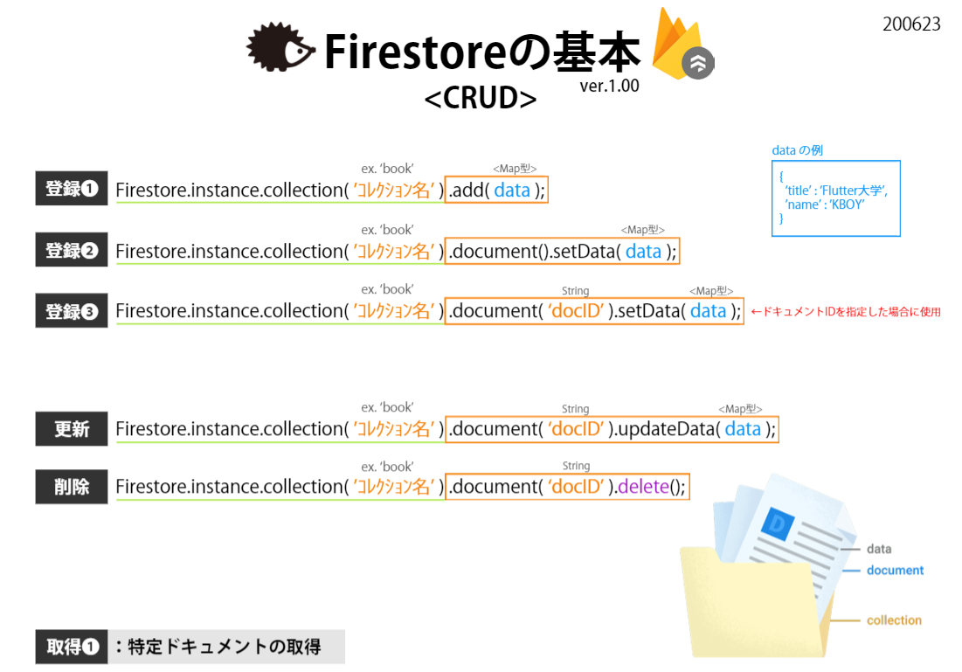

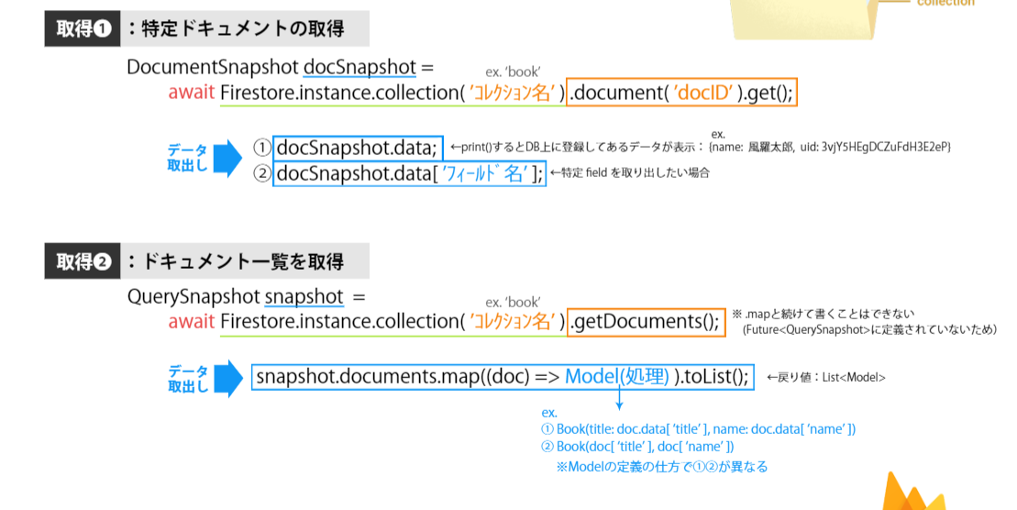

bug shop
● | 参考
 | Online Shop App - Flutter UI - Speed Code
 | https://www.youtube.com/watch?v=XBKzpTz65Io

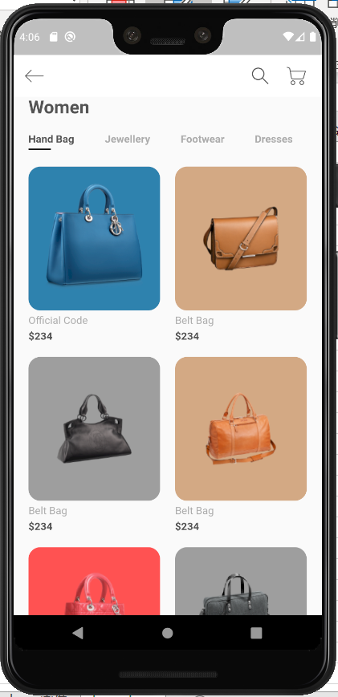
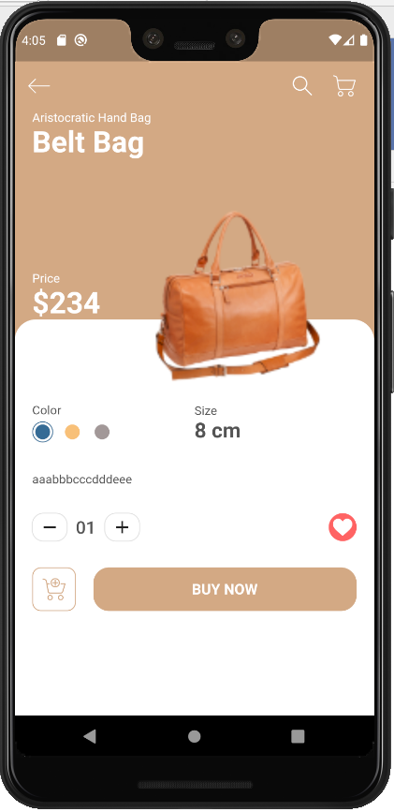

● | 画像準備

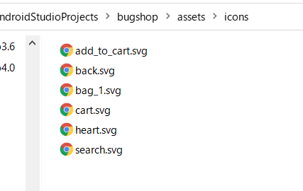
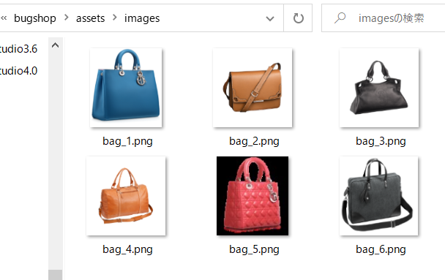

● | pubspec

 |  | name: bugshop
 |  | description: A new Flutter application.

 |  | publish_to: 'none'

 |  | version: 1.0.0+1

 |  | environment:
 |  | sdk: ">=2.7.0 <3.0.0"

 |  | dependencies:
 |  | flutter:
 |  | sdk: flutter

 |  | cupertino_icons: ^0.1.3
 |  | flutter_svg:

 |  | dev_dependencies:
 |  | flutter_test:
 |  | sdk: flutter

 |  | flutter:

 |  | uses-material-design: true

 |  | assets:
 |  | - assets/images/
 |  | - assets/icons/

● | C:\Users\hidet\AndroidStudioProjects\bugshop\lib\constants.dart

 |  | import 'package:flutter/material.dart';

 |  | const kTextColor = Color(0xFF535353);
 |  | const kTextLightColor = Color(0xFFACACAC);
 |  | const kDefaultPadding = 20.0;

● | C:\Users\hidet\AndroidStudioProjects\bugshop\lib\main.dart

 |  | import 'package:flutter/material.dart';

 |  | import 'screens/home/home_screen.dart';

 |  | import 'constants.dart';

 |  | void main() {
 |  | runApp(MyApp());
 |  | }

 |  | class MyApp extends StatelessWidget {
 |  | @override
 |  | Widget build(BuildContext context) {
 |  | return MaterialApp(
 |  | debugShowCheckedModeBanner: false,
 |  | title: 'Flutter Demo',
 |  | theme: ThemeData(
 |  | textTheme: Theme.of(context).textTheme.apply(
 |  | bodyColor: kTextColor,
 |  | ),
 |  | visualDensity: VisualDensity.adaptivePlatformDensity,
 |  | ),
 |  | home: HomeScreen(),
 |  | );
 |  | }
 |  | }

● | C:\Users\hidet\AndroidStudioProjects\bugshop\lib\models\product.dart

 |  | import 'package:flutter/material.dart';

 |  | class Product {
 |  | final String image, title, description;
 |  | final int price, size, id;
 |  | final Color color;
 |  | Product({
 |  | this.id,
 |  | this.image,
 |  | this.title,
 |  | this.price,
 |  | this.description,
 |  | this.size,
 |  | this.color,
 |  | });
 |  | }

 |  | var dummyText = 'aaabbbcccdddeee';

 |  | List<Product> products = [
 |  | Product(
 |  | id: 1,
 |  | title: 'Official Code',
 |  | price: 234,
 |  | size: 12,
 |  | description: dummyText,
 |  | image: 'assets/images/bag_1.png',
 |  | color: Color(0xFF3082AE),
 |  | ),
 |  | Product(
 |  | id: 2,
 |  | title: 'Belt Bag',
 |  | price: 234,
 |  | size: 8,
 |  | description: dummyText,
 |  | image: 'assets/images/bag_2.png',
 |  | color: Color(0xFFD3A984),
 |  | ),
 |  | Product(
 |  | id: 3,
 |  | title: 'Belt Bag',
 |  | price: 234,
 |  | size: 8,
 |  | description: dummyText,
 |  | image: 'assets/images/bag_3.png',
 |  | color: Colors.grey,
 |  | ),
 |  | Product(
 |  | id: 4,
 |  | title: 'Belt Bag',
 |  | price: 234,
 |  | size: 8,
 |  | description: dummyText,
 |  | image: 'assets/images/bag_4.png',
 |  | color: Color(0xFFD3A984),
 |  | ),
 |  | Product(
 |  | id: 5,
 |  | title: 'Belt Bag',
 |  | price: 234,
 |  | size: 8,
 |  | description: dummyText,
 |  | image: 'assets/images/bag_5.png',
 |  | color: Colors.redAccent,
 |  | ),
 |  | Product(
 |  | id: 6,
 |  | title: 'Belt Bag',
 |  | price: 234,
 |  | size: 8,
 |  | description: dummyText,
 |  | image: 'assets/images/bag_6.png',
 |  | color: Colors.grey,
 |  | ),
 |  | ];

● | C:\Users\hidet\AndroidStudioProjects\bugshop\lib\screens\home\home_screen.dart

 |  | import 'package:flutter/material.dart';
 |  | import 'package:flutter_svg/flutter_svg.dart';

 |  | import '../../constants.dart';

 |  | import 'components/body.dart';

 |  | class HomeScreen extends StatelessWidget {
 |  | @override
 |  | Widget build(BuildContext context) {
 |  | return Scaffold(
 |  | appBar: buildAppBar(),
 |  | body: Body(),
 |  | );
 |  | }

 |  | AppBar buildAppBar() {
 |  | return AppBar(
 |  | backgroundColor: Colors.white,
 |  | elevation: 0,
 |  | leading: IconButton(
 |  | icon: SvgPicture.asset("assets/icons/back.svg"),
 |  | onPressed: () {},
 |  | ),
 |  | actions: <Widget>[
 |  | IconButton(
 |  | icon: SvgPicture.asset(
 |  | "assets/icons/search.svg",
 |  | color: kTextColor,
 |  | ),
 |  | onPressed: () {},
 |  | ),
 |  | IconButton(
 |  | icon: SvgPicture.asset(
 |  | "assets/icons/cart.svg",
 |  | color: kTextColor,
 |  | ),
 |  | onPressed: () {},
 |  | ),
 |  | SizedBox(width: kDefaultPaddin / 2),
 |  | ],
 |  | );
 |  | }
 |  | }

● | C:\Users\hidet\AndroidStudioProjects\bugshop\lib\screens\home\components\body.dart

 |  | import 'package:flutter/material.dart';

 |  | import '../../../models/product.dart';
 |  | import '../../../screens/details/details_screen.dart';
 |  | import '../../../screens/home/components/item_card.dart';
 |  | import '../../../constants.dart';

 |  | import 'categories.dart';

 |  | class Body extends StatelessWidget {
 |  | @override
 |  | Widget build(BuildContext context) {
 |  | return Column(
 |  | crossAxisAlignment: CrossAxisAlignment.start,
 |  | children: <Widget>[
 |  | Padding(
 |  | padding: const EdgeInsets.symmetric(horizontal: kDefaultPaddin),
 |  | child: Text(
 |  | "Women",
 |  | style: Theme.of(context).textTheme.headline5.copyWith(
 |  | fontWeight: FontWeight.bold,
 |  | ),
 |  | ),
 |  | ),
 |  | Categories(),
 |  | Expanded(
 |  | child: Padding(
 |  | padding: const EdgeInsets.symmetric(horizontal: kDefaultPaddin),
 |  | child: GridView.builder(
 |  | itemCount: products.length,
 |  | gridDelegate: SliverGridDelegateWithFixedCrossAxisCount(
 |  | crossAxisCount: 2,
 |  | mainAxisSpacing: kDefaultPaddin,
 |  | crossAxisSpacing: kDefaultPaddin,
 |  | childAspectRatio: 0.75,
 |  | ),
 |  | itemBuilder: (context, index) => ItemCard(
 |  | product: products[index],
 |  | press: () => Navigator.push(
 |  | context,
 |  | MaterialPageRoute(
 |  | builder: (context) => DetailsScreen(
 |  | product: products[index],
 |  | ),
 |  | ),
 |  | ),
 |  | ),
 |  | ),
 |  | ),
 |  | ),
 |  | ],
 |  | );
 |  | }
 |  | }

● | C:\Users\hidet\AndroidStudioProjects\bugshop\lib\screens\home\components\categories.dart

 |  | import 'package:flutter/material.dart';

 |  | import '../../../constants.dart';

 |  | class Categories extends StatefulWidget {
 |  | @override
 |  | _CategoriesState createState() => _CategoriesState();
 |  | }

 |  | class _CategoriesState extends State<Categories> {
 |  | List<String> categories = ["Hand Bag", "Jewellery", "Footwear", "Dresses"];
 |  | int selectedIndex = 0;
 |  | @override
 |  | Widget build(BuildContext context) {
 |  | return Padding(
 |  | padding: const EdgeInsets.symmetric(vertical: kDefaultPaddin),
 |  | child: SizedBox(
 |  | height: 25,
 |  | child: ListView.builder(
 |  | scrollDirection: Axis.horizontal,
 |  | itemCount: categories.length,
 |  | itemBuilder: (context, index) => buildCategory(index),
 |  | ),
 |  | ),
 |  | );
 |  | }

 |  | Widget buildCategory(int index) {
 |  | return GestureDetector(
 |  | onTap: () {
 |  | setState(() {
 |  | selectedIndex = index;
 |  | });
 |  | },
 |  | child: Padding(
 |  | padding: const EdgeInsets.symmetric(horizontal: kDefaultPaddin),
 |  | child: Column(
 |  | crossAxisAlignment: CrossAxisAlignment.start,
 |  | children: <Widget>[
 |  | Text(
 |  | categories[index],
 |  | style: TextStyle(
 |  | fontWeight: FontWeight.bold,
 |  | color: (selectedIndex == index) ? kTextColor : kTextLightColor,
 |  | ),
 |  | ),
 |  | Container(
 |  | margin: EdgeInsets.only(top: kDefaultPaddin / 4),
 |  | height: 2,
 |  | width: 30,
 |  | color:
 |  | (selectedIndex == index) ? Colors.black : Colors.transparent,
 |  | ),
 |  | ],
 |  | ),
 |  | ),
 |  | );
 |  | }
 |  | }

● | C:\Users\hidet\AndroidStudioProjects\bugshop\lib\screens\home\components\item_card.dart

 |  | import 'package:flutter/material.dart';

 |  | import '../../../models/product.dart';
 |  | import '../../../constants.dart';

 |  | class ItemCard extends StatelessWidget {
 |  | final Product product;
 |  | final Function press;
 |  | ItemCard({Key key, this.product, this.press}) : super(key: key);

 |  | Widget build(BuildContext context) {
 |  | return GestureDetector(
 |  | onTap: press,
 |  | child: Column(
 |  | crossAxisAlignment: CrossAxisAlignment.start,
 |  | children: <Widget>[
 |  | Expanded(
 |  | child: Container(
 |  | padding: EdgeInsets.all(kDefaultPaddin),
 |  | decoration: BoxDecoration(
 |  | color: product.color,
 |  | borderRadius: BorderRadius.circular(16),
 |  | ),
 |  | child: Hero(
 |  | tag: '${product.id}',
 |  | child: Image.asset(product.image),
 |  | ),
 |  | ),
 |  | ),
 |  | Padding(
 |  | padding: const EdgeInsets.symmetric(vertical: kDefaultPaddin / 4),
 |  | child: Text(
 |  | product.title,
 |  | style: TextStyle(color: kTextLightColor),
 |  | ),
 |  | ),
 |  | Text(
 |  | '\$${product.price}',
 |  | style: TextStyle(fontWeight: FontWeight.bold),
 |  | ),
 |  | ],
 |  | ),
 |  | );
 |  | }
 |  | }

● | C:\Users\hidet\AndroidStudioProjects\bugshop\lib\screens\details\details_screen.dart

 |  | import 'package:flutter/material.dart';
 |  | import 'package:flutter_svg/flutter_svg.dart';

 |  | import '../../models/product.dart';
 |  | import '../../screens/details/components/body.dart';

 |  | import '../../constants.dart';

 |  | class DetailsScreen extends StatelessWidget {
 |  | final Product product;
 |  | DetailsScreen({this.product});

 |  | @override
 |  | Widget build(BuildContext context) {
 |  | return Scaffold(
 |  | backgroundColor: product.color,
 |  | appBar: buildAppBar(context),
 |  | body: Body(product: product),
 |  | );
 |  | }

 |  | AppBar buildAppBar(BuildContext context) {
 |  | return AppBar(
 |  | backgroundColor: product.color,
 |  | elevation: 0,
 |  | leading: IconButton(
 |  | icon: SvgPicture.asset(
 |  | 'assets/icons/back.svg',
 |  | color: Colors.white,
 |  | ),
 |  | onPressed: () => Navigator.pop(context),
 |  | ),
 |  | actions: <Widget>[
 |  | IconButton(icon: SvgPicture.asset('assets/icons/search.svg')),
 |  | IconButton(icon: SvgPicture.asset('assets/icons/cart.svg')),
 |  | SizedBox(width: kDefaultPaddin / 2),
 |  | ],
 |  | );
 |  | }
 |  | }

● | C:\Users\hidet\AndroidStudioProjects\bugshop\lib\screens\details\components\body.dart

 |  | import 'package:flutter/material.dart';

 |  | import '../../../constants.dart';
 |  | import '../../../models/product.dart';
 |  | import '../../../screens/details/components/add_to_cart.dart';
 |  | import '../../../screens/details/components/product_title_with_image.dart';

 |  | import 'color_and_size.dart';
 |  | import 'counter_with_fav_btn.dart';
 |  | import 'description.dart';

 |  | class Body extends StatelessWidget {
 |  | final Product product;
 |  | Body({this.product});

 |  | @override
 |  | Widget build(BuildContext context) {
 |  | Size size = MediaQuery.of(context).size;
 |  | return SingleChildScrollView(
 |  | child: Column(
 |  | children: <Widget>[
 |  | SizedBox(
 |  | height: size.height,
 |  | child: Stack(
 |  | children: <Widget>[
 |  | Container(
 |  | margin: EdgeInsets.only(top: size.height * 0.3),
 |  | padding: EdgeInsets.only(
 |  | top: size.height * 0.12,
 |  | left: kDefaultPaddin,
 |  | right: kDefaultPaddin,
 |  | ),
 |  | decoration: BoxDecoration(
 |  | color: Colors.white,
 |  | borderRadius: BorderRadius.only(
 |  | topLeft: Radius.circular(24),
 |  | topRight: Radius.circular(24),
 |  | ),
 |  | ),
 |  | child: Column(
 |  | children: <Widget>[
 |  | ColorAndSize(product: product),
 |  | SizedBox(height: kDefaultPaddin / 2),
 |  | Description(product: product),
 |  | SizedBox(height: kDefaultPaddin / 2),
 |  | CounterWithFavBtn(),
 |  | SizedBox(height: kDefaultPaddin / 2),
 |  | AddToCart(product: product),
 |  | ],
 |  | ),
 |  | ),
 |  | ProductTitleWithImage(product: product),
 |  | ],
 |  | ),
 |  | ),
 |  | ],
 |  | ),
 |  | );
 |  | }
 |  | }

● | C:\Users\hidet\AndroidStudioProjects\bugshop\lib\screens\details\components\product_title_with_image.dart

 |  | import 'package:flutter/material.dart';

 |  | import '../../../models/product.dart';
 |  | import '../../../constants.dart';

 |  | class ProductTitleWithImage extends StatelessWidget {
 |  | final Product product;
 |  | const ProductTitleWithImage({@required this.product});

 |  | @override
 |  | Widget build(BuildContext context) {
 |  | return Padding(
 |  | padding: const EdgeInsets.symmetric(horizontal: kDefaultPaddin),
 |  | child: Column(
 |  | crossAxisAlignment: CrossAxisAlignment.start,
 |  | children: <Widget>[
 |  | Text(
 |  | 'Aristocratic Hand Bag',
 |  | style: TextStyle(color: Colors.white),
 |  | ),
 |  | Text(
 |  | product.title,
 |  | style: Theme.of(context).textTheme.headline4.copyWith(
 |  | color: Colors.white,
 |  | fontWeight: FontWeight.bold,
 |  | ),
 |  | ),
 |  | SizedBox(height: kDefaultPaddin),
 |  | Row(
 |  | children: <Widget>[
 |  | RichText(
 |  | text: TextSpan(
 |  | children: [
 |  | TextSpan(text: 'Price\n'),
 |  | TextSpan(
 |  | text: '\$${product.price}',
 |  | style: Theme.of(context).textTheme.headline4.copyWith(
 |  | color: Colors.white,
 |  | fontWeight: FontWeight.bold,
 |  | ),
 |  | ),
 |  | ],
 |  | ),
 |  | ),
 |  | SizedBox(width: kDefaultPaddin),
 |  | Expanded(
 |  | child: Hero(
 |  | tag: '${product.id}',
 |  | child: Image.asset(
 |  | product.image,
 |  | fit: BoxFit.fill,
 |  | ),
 |  | ),
 |  | ),
 |  | ],
 |  | ),
 |  | ],
 |  | ),
 |  | );
 |  | }
 |  | }

● | C:\Users\hidet\AndroidStudioProjects\bugshop\lib\screens\details\components\color_and_size.dart

 |  | import 'package:flutter/material.dart';

 |  | import '../../../models/product.dart';
 |  | import '../../../constants.dart';

 |  | import 'color_dot.dart';

 |  | class ColorAndSize extends StatelessWidget {
 |  | final Product product;
 |  | const ColorAndSize({@required this.product});

 |  | @override
 |  | Widget build(BuildContext context) {
 |  | return Row(
 |  | children: <Widget>[
 |  | Expanded(
 |  | child: Column(
 |  | crossAxisAlignment: CrossAxisAlignment.start,
 |  | children: <Widget>[
 |  | Text('Color'),
 |  | Row(
 |  | children: <Widget>[
 |  | ColorDot(
 |  | color: Color(0xFF356C95),
 |  | isSelected: true,
 |  | ),
 |  | ColorDot(color: Color(0xFFF8C078)),
 |  | ColorDot(color: Color(0xFFA29898)),
 |  | ],
 |  | ),
 |  | ],
 |  | ),
 |  | ),
 |  | Expanded(
 |  | child: RichText(
 |  | text: TextSpan(
 |  | style: TextStyle(color: kTextColor),
 |  | children: [
 |  | TextSpan(text: 'Size\n'),
 |  | TextSpan(
 |  | text: '${product.size} cm',
 |  | style: Theme.of(context)
 |  | .textTheme
 |  | .headline5
 |  | .copyWith(fontWeight: FontWeight.bold),
 |  | ),
 |  | ],
 |  | ),
 |  | ),
 |  | ),
 |  | ],
 |  | );
 |  | }
 |  | }

● | C:\Users\hidet\AndroidStudioProjects\bugshop\lib\screens\details\components\description.dart

 |  | import 'package:flutter/material.dart';

 |  | import '../../../models/product.dart';
 |  | import '../../../constants.dart';

 |  | class Description extends StatelessWidget {
 |  | final Product product;
 |  | Description({this.product});

 |  | @override
 |  | Widget build(BuildContext context) {
 |  | return Container(
 |  | alignment: Alignment.topLeft,
 |  | child: Padding(
 |  | padding: const EdgeInsets.symmetric(vertical: kDefaultPaddin),
 |  | child: Text(
 |  | product.description,
 |  | style: TextStyle(height: 1.5),
 |  | ),
 |  | ),
 |  | );
 |  | }
 |  | }

● | C:\Users\hidet\AndroidStudioProjects\bugshop\lib\screens\details\components\counter_with_fav_btn.dart

 |  | import 'package:flutter/material.dart';
 |  | import 'package:flutter_svg/svg.dart';

 |  | import 'cart_counter.dart';

 |  | class CounterWithFavBtn extends StatelessWidget {
 |  | const CounterWithFavBtn();
 |  | @override
 |  | Widget build(BuildContext context) {
 |  | return Row(
 |  | mainAxisAlignment: MainAxisAlignment.spaceBetween,
 |  | children: <Widget>[
 |  | CartCounter(),
 |  | Container(
 |  | padding: EdgeInsets.all(5),
 |  | height: 32,
 |  | width: 32,
 |  | decoration: BoxDecoration(
 |  | color: Color(0xFFFF6464),
 |  | shape: BoxShape.circle,
 |  | ),
 |  | child: SvgPicture.asset('assets/icons/heart.svg'),
 |  | ),
 |  | ],
 |  | );
 |  | }
 |  | }

● | C:\Users\hidet\AndroidStudioProjects\bugshop\lib\screens\details\components\add_to_cart.dart

 |  | import 'package:flutter/material.dart';
 |  | import 'package:flutter_svg/svg.dart';

 |  | import '../../../constants.dart';
 |  | import '../../../models/product.dart';

 |  | class AddToCart extends StatelessWidget {
 |  | final Product product;
 |  | AddToCart({this.product});
 |  | @override
 |  | Widget build(BuildContext context) {
 |  | return Padding(
 |  | padding: const EdgeInsets.symmetric(vertical: kDefaultPaddin),
 |  | child: Row(
 |  | children: <Widget>[
 |  | Container(
 |  | margin: EdgeInsets.only(right: kDefaultPaddin),
 |  | height: 50,
 |  | width: 50,
 |  | decoration: BoxDecoration(
 |  | borderRadius: BorderRadius.circular(10),
 |  | border: Border.all(color: product.color),
 |  | ),
 |  | child: IconButton(
 |  | icon: SvgPicture.asset(
 |  | 'assets/icons/add_to_cart.svg',
 |  | color: product.color,
 |  | ),
 |  | onPressed: () {},
 |  | ),
 |  | ),
 |  | Expanded(
 |  | child: SizedBox(
 |  | height: 50,
 |  | child: FlatButton(
 |  | shape: RoundedRectangleBorder(
 |  | borderRadius: BorderRadius.circular(18),
 |  | ),
 |  | color: product.color,
 |  | onPressed: () {},
 |  | child: Text(
 |  | 'Buy Now'.toUpperCase(),
 |  | style: TextStyle(
 |  | fontSize: 17,
 |  | fontWeight: FontWeight.bold,
 |  | color: Colors.white,
 |  | ),
 |  | ),
 |  | ),
 |  | ),
 |  | ),
 |  | ],
 |  | ),
 |  | );
 |  | }
 |  | }

● | C:\Users\hidet\AndroidStudioProjects\bugshop\lib\screens\details\components\color_dot.dart

 |  | import 'package:flutter/material.dart';

 |  | import '../../../constants.dart';

 |  | class ColorDot extends StatelessWidget {
 |  | final Color color;
 |  | final bool isSelected;
 |  | const ColorDot({this.color, this.isSelected = false});

 |  | @override
 |  | Widget build(BuildContext context) {
 |  | return Container(
 |  | margin: EdgeInsets.only(
 |  | top: kDefaultPaddin / 4,
 |  | right: kDefaultPaddin / 2,
 |  | ),
 |  | padding: EdgeInsets.all(2.5),
 |  | height: 24,
 |  | width: 24,
 |  | decoration: BoxDecoration(
 |  | shape: BoxShape.circle,
 |  | border: Border.all(
 |  | color: (isSelected) ? color : Colors.transparent,
 |  | ),
 |  | ),
 |  | child: DecoratedBox(
 |  | decoration: BoxDecoration(
 |  | color: color,
 |  | shape: BoxShape.circle,
 |  | ),
 |  | ),
 |  | );
 |  | }
 |  | }

● | C:\Users\hidet\AndroidStudioProjects\bugshop\lib\screens\details\components\cart_counter.dart

 |  | import 'package:flutter/material.dart';

 |  | import '../../../constants.dart';

 |  | class CartCounter extends StatefulWidget {
 |  | @override
 |  | _CartCounterState createState() => _CartCounterState();
 |  | }

 |  | class _CartCounterState extends State<CartCounter> {
 |  | int numOfItems = 1;
 |  | @override
 |  | Widget build(BuildContext context) {
 |  | return Row(
 |  | children: <Widget>[
 |  | buildOutlineButton(
 |  | icon: Icons.remove,
 |  | press: () {
 |  | if (numOfItems > 1) {
 |  | setState(() {
 |  | numOfItems--;
 |  | });
 |  | }
 |  | }),
 |  | Padding(
 |  | padding: const EdgeInsets.symmetric(horizontal: kDefaultPaddin / 2),
 |  | child: Text(
 |  | numOfItems.toString().padLeft(2, '0'),
 |  | style: Theme.of(context).textTheme.headline6,
 |  | ),
 |  | ),
 |  | buildOutlineButton(
 |  | icon: Icons.add,
 |  | press: () {
 |  | setState(() {
 |  | numOfItems++;
 |  | });
 |  | }),
 |  | ],
 |  | );
 |  | }

 |  | SizedBox buildOutlineButton({IconData icon, Function press}) {
 |  | return SizedBox(
 |  | width: 40,
 |  | height: 32,
 |  | child: OutlineButton(
 |  | padding: EdgeInsets.zero,
 |  | shape: RoundedRectangleBorder(
 |  | borderRadius: BorderRadius.circular(13),
 |  | ),
 |  | onPressed: press,
 |  | child: Icon(icon),
 |  | ),
 |  | );
 |  | }
 |  | }

plant shop
● | 参考
 | Plant App - Flutter UI - Speed Code
 | https://www.youtube.com/watch?v=LN668OAUrK4

● | 画像

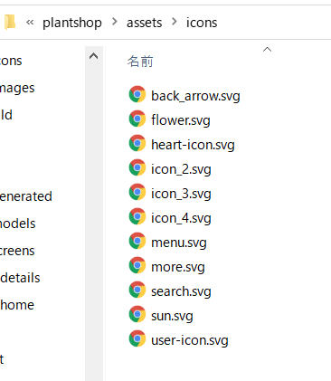
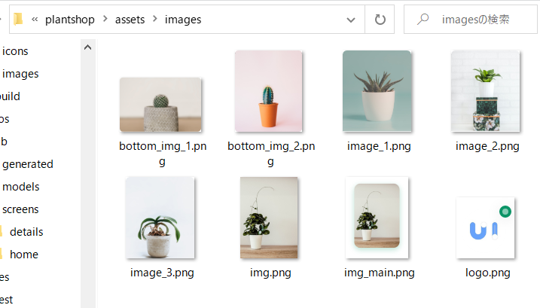

● | pubspec

 |  | name: plantshop
 |  | description: A new Flutter application.

 |  | publish_to: 'none'

 |  | version: 1.0.0+1

 |  | environment:
 |  | sdk: ">=2.7.0 <3.0.0"

 |  | dependencies:
 |  | flutter:
 |  | sdk: flutter

 |  | cupertino_icons: ^0.1.3
 |  | flutter_svg:

 |  | dev_dependencies:
 |  | flutter_test:
 |  | sdk: flutter

 |  | flutter:

 |  | uses-material-design: true

 |  | assets:
 |  | - assets/images/
 |  | - assets/icons/

● | C:\Users\hidet\AndroidStudioProjects\plantshop\lib\constants.dart

 |  | import 'package:flutter/material.dart';

 |  | const kPrimaryColor = Color(0xFF0C9869);
 |  | const kTextColor = Color(0xFF3C4046);
 |  | const kBackgroundColor = Color(0xFFF9F8FD);

 |  | const double kDefaultPadding = 20.0;

 | 20分22秒から

curved_navigation_bar
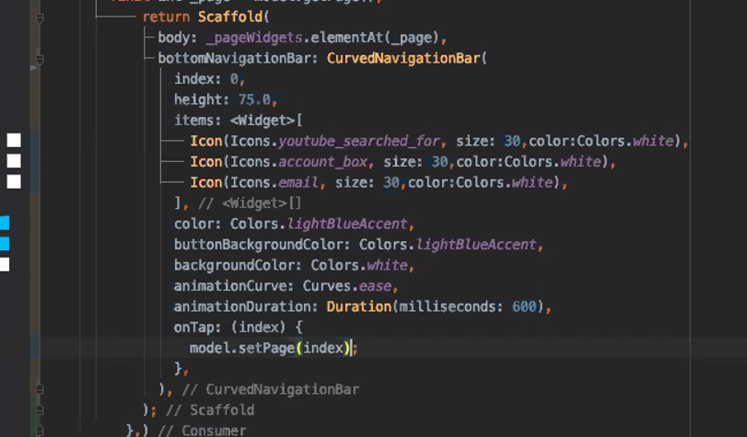

covid
● | 参考
 | COVID-19 App - Flutter UI - Speed Code
 | https://www.youtube.com/watch?v=zx6uMCoW2gQ

● | assets
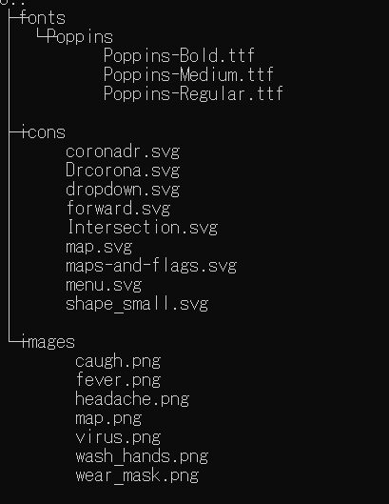

● | pubspec.yaml

 |  | name: testcovid
 |  | description: A new Flutter application.

 |  | publish_to: 'none'

 |  | version: 1.0.0+1

 |  | environment:
 |  | sdk: ">=2.7.0 <3.0.0"

 |  | dependencies:
 |  | flutter:
 |  | sdk: flutter

 |  | cupertino_icons: ^0.1.3
 |  | flutter_svg:

 |  | dev_dependencies:
 |  | flutter_test:
 |  | sdk: flutter

 |  | flutter:

 |  | uses-material-design: true

 |  | assets:
 |  | - assets/icons/
 |  | - assets/images/

 |  | fonts:
 |  | - family: Poppins
 |  | fonts:
 |  | - assets: assets/fonts/Poppins/Poppins-Regular.ttf
 |  | - assets: assets/fonts/Poppins/Poppins-Medium.ttf
 |  | weight: 600
 |  | - assets: assets/fonts/Poppins/Poppins-Bold.ttf
 |  | weight: 700

● | C:\Users\hidet\AndroidStudioProjects\testcovid\lib\constant.dart

 |  | import 'package:flutter/material.dart';

 |  | // Colors
 |  | const kBackgroundColor = Color(0xFFFEFEFE);
 |  | const kTitleTextColor = Color(0xFF303030);
 |  | const kBodyTextColor = Color(0xFF4B4B4B);
 |  | const kTextLightColor = Color(0xFF959595);
 |  | const kInfectedColor = Color(0xFFFF8748);
 |  | const kDeathColor = Color(0xFFFF4848);
 |  | const kRecovercolor = Color(0xFF36C12C);
 |  | const kPrimaryColor = Color(0xFF3382CC);
 |  | final kShadowColor = Color(0xFFB7B7B7).withOpacity(.16);
 |  | final kActiveShadowColor = Color(0xFF4056C6).withOpacity(.15);

 |  | // Text Style
 |  | const kHeadingTextStyle = TextStyle(
 |  | fontSize: 22,
 |  | fontWeight: FontWeight.w600,
 |  | );

 |  | const kSubTextStyle = TextStyle(fontSize: 16, color: kTextLightColor);

 |  | const kTitleTextstyle = TextStyle(
 |  | fontSize: 18,
 |  | color: kTitleTextColor,
 |  | fontWeight: FontWeight.bold,
 |  | );

● | C:\Users\hidet\AndroidStudioProjects\testcovid\lib\main.dart

 |  | class MyApp extends StatelessWidget {
 |  | // This widget is the root of your application.
 |  | @override
 |  | Widget build(BuildContext context) {
 |  | return MaterialApp(
 |  | title: 'Covid 19',
 |  | theme: ThemeData(
 |  | scaffoldBackgroundColor: kBackgroundColor,
 |  | fontFamily: "Poppins",
 |  | textTheme: TextTheme(
 |  | body1: TextStyle(
 |  | color: kBodyTextColor,
 |  | ),
 |  | ),
 |  | ),
 |  | home: MyHomePage(title: 'Flutter Demo Home Page'),
 |  | );
 |  | }
 |  | }

 |  | import 'package:flutter/material.dart';
 |  | import 'package:testcovid/constant.dart';

 |  | void main() {
 |  | runApp(MyApp());
 |  | }

 |  | class MyApp extends StatelessWidget {
 |  | // This widget is the root of your application.
 |  | @override
 |  | Widget build(BuildContext context) {
 |  | return MaterialApp(
 |  | title: 'Covid 19',
 |  | theme: ThemeData(
 |  | scaffoldBackgroundColor: kBackgroundColor,
 |  | fontFamily: "Poppins",
 |  | textTheme: TextTheme(
 |  | body1: TextStyle(
 |  | color: kBodyTextColor,
 |  | ),
 |  | ),
 |  | ),
 |  | home: HomeScreen(),
 |  | );
 |  | }
 |  | }

 |  | class HomeScreen extends StatelessWidget {
 |  | @override
 |  | Widget build(BuildContext context) {
 |  | return Scaffold(
 |  | body: Column(
 |  | children: <Widget>[],
 |  | ),
 |  | );
 |  | }
 |  | }

 |  | import 'package:flutter/material.dart';
 |  | import 'package:testcovid/constant.dart';

 |  | void main() {
 |  | runApp(MyApp());
 |  | }

 |  | class MyApp extends StatelessWidget {
 |  | // This widget is the root of your application.
 |  | @override
 |  | Widget build(BuildContext context) {
 |  | return MaterialApp(
 |  | debugShowCheckedModeBanner: false,
 |  | title: 'Covid 19',
 |  | theme: ThemeData(
 |  | scaffoldBackgroundColor: kBackgroundColor,
 |  | fontFamily: "Poppins",
 |  | textTheme: TextTheme(
 |  | body1: TextStyle(
 |  | color: kBodyTextColor,

 |  | ),
 |  | ),
 |  | ),
 |  | home: HomeScreen(),
 |  | );
 |  | }
 |  | }

 |  | class HomeScreen extends StatelessWidget {
 |  | @override
 |  | Widget build(BuildContext context) {
 |  | return Scaffold(
 |  | body: Column(
 |  | children: <Widget>[
 |  | Container(
 |  | height: 350,
 |  | width: double.infinity,
 |  | decoration: BoxDecoration(
 |  | gradient: LinearGradient(
 |  | colors: [
 |  | Color(0xFF3383CD),
 |  | Color(0xFF11249F),
 |  | ],
 |  | ),
 |  | ),
 |  | ),
 |  | ],
 |  | ),
 |  | );
 |  | }
 |  | }

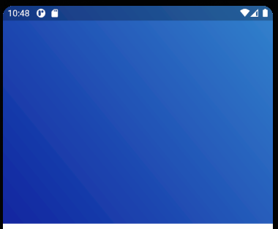
 |  | Container(
 |  | height: 350,
 |  | width: double.infinity,
 |  | decoration: BoxDecoration(
 |  | gradient: LinearGradient(
 |  | begin: Alignment.topRight,
 |  | end: Alignment.bottomLeft,
 |  | colors: [
 |  | Color(0xFF3383CD),
 |  | Color(0xFF11249F),
 |  | ],
 |  | ),
 |  | ),
 |  | ),

● | pubspec.yaml

 |  | name: testcovid
 |  | description: A new Flutter application.

 |  | publish_to: 'none'

 |  | version: 1.0.0+1

 |  | environment:
 |  | sdk: ">=2.7.0 <3.0.0"

 |  | dependencies:
 |  | flutter:
 |  | sdk: flutter

 |  | cupertino_icons: ^0.1.3
 |  | flutter_svg:

 |  | dev_dependencies:
 |  | flutter_test:
 |  | sdk: flutter

 |  | flutter:
 |  | uses-material-design: true

 |  | assets:
 |  | - assets/images/
 |  | - assets/icons/

 |  | fonts:
 |  | - family: Poppins
 |  | fonts:
 |  | - asset: assets/fonts/Poppins/Poppins-Regular.ttf
 |  | - asset: assets/fonts/Poppins/Poppins-Medium.ttf
 |  | - asset: assets/fonts/Poppins/Poppins-Bold.ttf

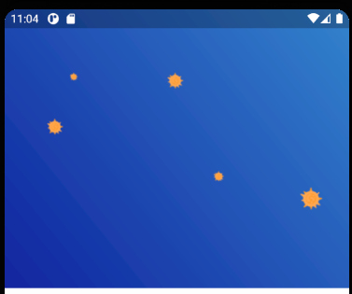
 |  | Container(
 |  | height: 350,
 |  | width: double.infinity,
 |  | decoration: BoxDecoration(
 |  | gradient: LinearGradient(
 |  | begin: Alignment.topRight,
 |  | end: Alignment.bottomLeft,
 |  | colors: [
 |  | Color(0xFF3383CD),
 |  | Color(0xFF11249F),
 |  | ],
 |  | ),
 |  | image: DecorationImage(
 |  | image: AssetImage("assets/images/virus.png"),
 |  | ),
 |  | ),
 |  | ),

● | C:\Users\hidet\AndroidStudioProjects\testcovid\lib\main.dart

 |  | import 'package:flutter/material.dart';
 |  | import 'package:testcovid/constant.dart';

 |  | void main() {
 |  | runApp(MyApp());
 |  | }

 |  | class MyApp extends StatelessWidget {
 |  | // This widget is the root of your application.
 |  | @override
 |  | Widget build(BuildContext context) {
 |  | return MaterialApp(
 |  | debugShowCheckedModeBanner: false,
 |  | title: 'Covid 19',
 |  | theme: ThemeData(
 |  | scaffoldBackgroundColor: kBackgroundColor,
 |  | fontFamily: "Poppins",
 |  | textTheme: TextTheme(
 |  | body1: TextStyle(
 |  | color: kBodyTextColor,
 |  | ),
 |  | ),
 |  | ),
 |  | home: HomeScreen(),
 |  | );
 |  | }
 |  | }

 |  | class HomeScreen extends StatelessWidget {
 |  | @override
 |  | Widget build(BuildContext context) {
 |  | return Scaffold(
 |  | body: Column(
 |  | children: <Widget>[
 |  | ClipPath(
 |  | clipper: MyClipper(),
 |  | child: Container(
 |  | height: 350,
 |  | width: double.infinity,
 |  | decoration: BoxDecoration(
 |  | gradient: LinearGradient(
 |  | begin: Alignment.topRight,
 |  | end: Alignment.bottomLeft,
 |  | colors: [
 |  | Color(0xFF3383CD),
 |  | Color(0xFF11249F),
 |  | ],
 |  | ),
 |  | image: DecorationImage(
 |  | image: AssetImage("assets/images/virus.png"),
 |  | ),
 |  | ),
 |  | ),
 |  | ),
 |  | ],
 |  | ),
 |  | );
 |  | }
 |  | }

 |  | class MyClipper extends CustomClipper<Path> {
 |  | @override
 |  | Path getClip(Size size) {
 |  | // TODO: implement getClip
 |  | throw UnimplementedError();
 |  | }

 |  | @override
 |  | bool shouldReclip(CustomClipper<Path> oldClipper) {
 |  | // TODO: implement shouldReclip
 |  | throw UnimplementedError();
 |  | }
 |  | }

 |  | class MyClipper extends CustomClipper<Path> {
 |  | @override
 |  | Path getClip(Size size) {
 |  | var path = Path();
 |  | path.lineTo(0, size.height - 80);
 |  | path.quadraticBezierTo(
 |  | size.width / 2, size.height, size.width, size.height - 80);
 |  | path.lineTo(size.width, 0);
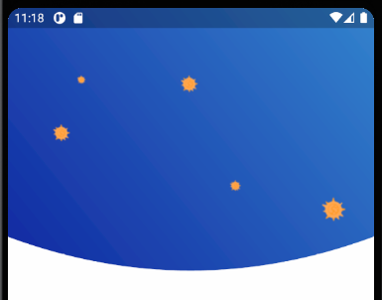
 |  | path.close();
 |  | return path;
 |  | }

 |  | @override
 |  | bool shouldReclip(CustomClipper<Path> oldClipper) {
 |  | return false;
 |  | }
 |  | }

 |  | ClipPath(
 |  | clipper: MyClipper(),
 |  | child: Container(
 |  | padding: EdgeInsets.only(left: 40, top: 50, right: 20),
 |  | height: 350,
 |  | width: double.infinity,
 |  | decoration: BoxDecoration(
 |  | gradient: LinearGradient(
 |  | begin: Alignment.topRight,
 |  | end: Alignment.bottomLeft,
 |  | colors: [
 |  | Color(0xFF3383CD),
 |  | Color(0xFF11249F),
 |  | ],
 |  | ),
 |  | image: DecorationImage(
 |  | image: AssetImage("assets/images/virus.png"),
 |  | ),
 |  | ),
 |  | child: Column(
 |  | crossAxisAlignment: CrossAxisAlignment.start,
 |  | children: <Widget>[
 |  | Align(
 |  | alignment: Alignment.topRight,
 |  | child: SvgPicture.asset("assets/icons/menu.svg"),
 |  | )
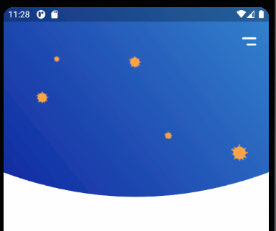
 |  | ],
 |  | ),
 |  | ),
 |  | ),

 |  | ClipPath(
 |  | clipper: MyClipper(),
 |  | child: Container(
 |  | padding: EdgeInsets.only(left: 40, top: 50, right: 20),
 |  | height: 350,
 |  | width: double.infinity,
 |  | decoration: BoxDecoration(
 |  | gradient: LinearGradient(
 |  | begin: Alignment.topRight,
 |  | end: Alignment.bottomLeft,
 |  | colors: [
 |  | Color(0xFF3383CD),
 |  | Color(0xFF11249F),
 |  | ],
 |  | ),
 |  | image: DecorationImage(
 |  | image: AssetImage("assets/images/virus.png"),
 |  | ),
 |  | ),
 |  | child: Column(
 |  | crossAxisAlignment: CrossAxisAlignment.start,
 |  | children: <Widget>[
 |  | Align(
 |  | alignment: Alignment.topRight,
 |  | child: SvgPicture.asset("assets/icons/menu.svg"),
 |  | ),
 |  | SizedBox(
 |  | height: 20,
 |  | ),
 |  | Expanded(
 |  | child: Stack(
 |  | children: <Widget>[
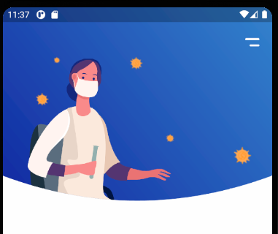
 |  | SvgPicture.asset(
 |  | "assets/icons/Drcorona.svg",
 |  | width: 230,
 |  | fit: BoxFit.fitWidth,
 |  | alignment: Alignment.topCenter,
 |  | )
 |  | ],
 |  | ),
 |  | ),
 |  | ],
 |  | ),
 |  | ),
 |  | ),

 |  | Expanded(
 |  | child: Stack(
 |  | children: <Widget>[
 |  | SvgPicture.asset(
 |  | "assets/icons/Drcorona.svg",
 |  | width: 230,
 |  | fit: BoxFit.fitWidth,
 |  | alignment: Alignment.topCenter,
 |  | ),
 |  | Positioned(
 |  | top: 20,
 |  | left: 150,
 |  | child: Text(
 |  | "All you need\nis stay at home.",
 |  | style:
 |  | kHeadingTextStyle.copyWith(color: Colors.white),
 |  | ),
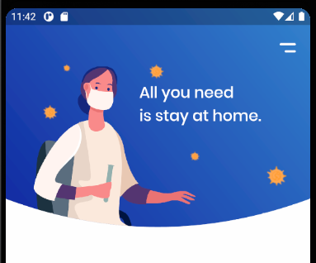
 |  | ),
 |  | Container(),
 |  | ],
 |  | ),
 |  | ),

 |  | @override
 |  | Widget build(BuildContext context) {
 |  | return Scaffold(
 |  | body: Column(
 |  | children: <Widget>[
 |  | ClipPath(
 |  | clipper: MyClipper(),
 |  | child: Container(
 |  | padding: EdgeInsets.only(left: 40, top: 50, right: 20),
 |  | height: 350,
 |  | width: double.infinity,
 |  | decoration: BoxDecoration(
 |  | gradient: LinearGradient(
 |  | begin: Alignment.topRight,
 |  | end: Alignment.bottomLeft,
 |  | colors: [
 |  | Color(0xFF3383CD),
 |  | Color(0xFF11249F),
 |  | ],
 |  | ),
 |  | image: DecorationImage(
 |  | image: AssetImage("assets/images/virus.png"),
 |  | ),
 |  | ),
 |  | child: Column(
 |  | crossAxisAlignment: CrossAxisAlignment.start,
 |  | children: <Widget>[
 |  | Align(
 |  | alignment: Alignment.topRight,
 |  | child: SvgPicture.asset("assets/icons/menu.svg"),
 |  | ),
 |  | SizedBox(
 |  | height: 20,
 |  | ),
 |  | Expanded(
 |  | child: Stack(
 |  | children: <Widget>[
 |  | SvgPicture.asset(
 |  | "assets/icons/Drcorona.svg",
 |  | width: 230,
 |  | fit: BoxFit.fitWidth,
 |  | alignment: Alignment.topCenter,
 |  | ),
 |  | Positioned(
 |  | top: 20,
 |  | left: 150,
 |  | child: Text(
 |  | "All you need\nis stay at home.",
 |  | style:
 |  | kHeadingTextStyle.copyWith(color: Colors.white),
 |  | ),
 |  | ),
 |  | Container(),
 |  | ],
 |  | ),
 |  | ),
 |  | ],
 |  | ),
 |  | ),
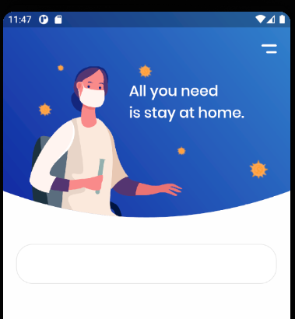
 |  | ),
 |  | Container(
 |  | margin: EdgeInsets.symmetric(horizontal: 20),
 |  | height: 60,
 |  | width: double.infinity,
 |  | decoration: BoxDecoration(
 |  | color: Colors.white,
 |  | borderRadius: BorderRadius.circular(25),
 |  | border: Border.all(
 |  | color: Color(0xFFe5e5e5),
 |  | ),
 |  | ),
 |  | ),
 |  | ],
 |  | ),
 |  | );
 |  | }

 |  | Container(
 |  | margin: EdgeInsets.symmetric(horizontal: 20),
 |  | padding: EdgeInsets.symmetric(
 |  | vertical: 10,
 |  | horizontal: 20,
 |  | ),
 |  | height: 60,
 |  | width: double.infinity,
 |  | decoration: BoxDecoration(
 |  | color: Colors.white,
 |  | borderRadius: BorderRadius.circular(25),
 |  | border: Border.all(
 |  | color: Color(0xFFe5e5e5),
 |  | ),
 |  | ),
 |  | child: Row(
 |  | children: <Widget>[
 |  | SvgPicture.asset("assets/icons/maps-and-flags.svg"),
 |  | ],
 |  | ),
 |  | ),

 |  | child: Row(
 |  | children: <Widget>[
 |  | SvgPicture.asset("assets/icons/maps-and-flags.svg"),
 |  | Expanded(
 |  | child: DropdownButton(
 |  | items: ['Indnesia', 'Bangladesh', 'United States', 'Japan']
 |  | .map<DropdownMenuItem<String>>((String value) {
 |  | return DropdownMenuItem<String>(
 |  | value: value,
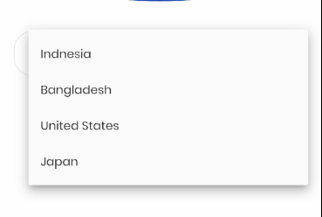
 |  | child: Text(value),
 |  | );
 |  | }).toList(),
 |  | onChanged: (value) {},
 |  | ),
 |  | ),
 |  | ],
 |  | ),

 |  | child: Row(
 |  | children: <Widget>[
 |  | SvgPicture.asset("assets/icons/maps-and-flags.svg"),
 |  | SizedBox(
 |  | width: 20,
 |  | ),
 |  | Expanded(
 |  | child: DropdownButton(
 |  | isExpanded: true,
 |  | underline: SizedBox(),
 |  | icon: SvgPicture.asset("assets/icons/dropdown.svg"),
 |  | value: "Indonesia",
 |  | items: ['Indonesia', 'Bangladesh', 'United States', 'Japan']
 |  | .map<DropdownMenuItem<String>>((String value) {
 |  | return DropdownMenuItem<String>(
 |  | value: value,
 |  | child: Text(value),
 |  | );
 |  | }).toList(),
 |  | onChanged: (value) {},
 |  | ),
 |  | ),
 |  | ],
 |  | ),

 |  | https://www.youtube.com/watch?v=zx6uMCoW2gQ
 |  | 7:00

