INDEX
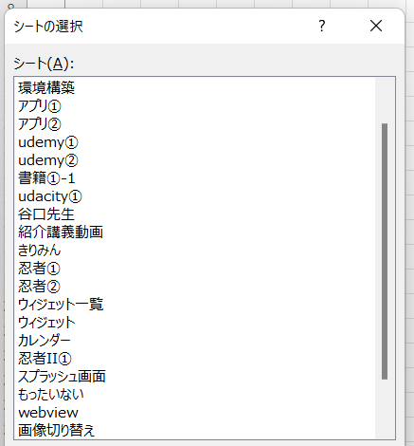
1

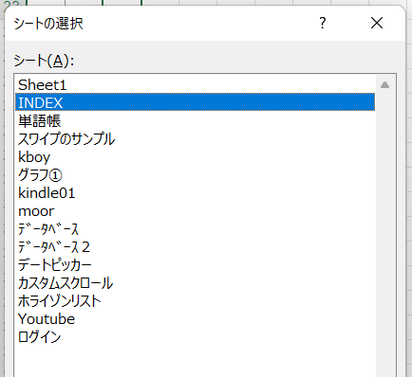
2

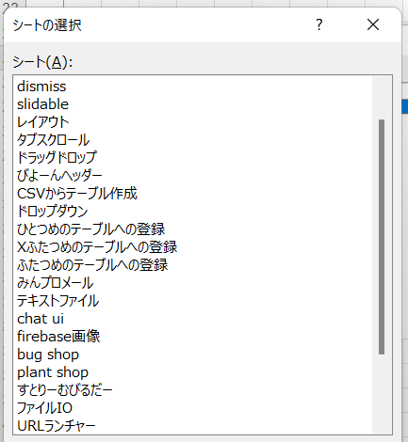
3

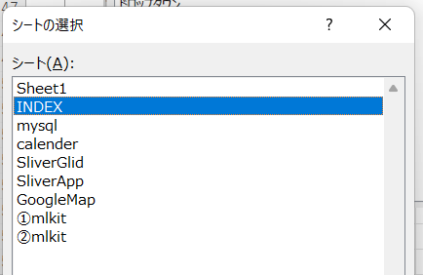
4

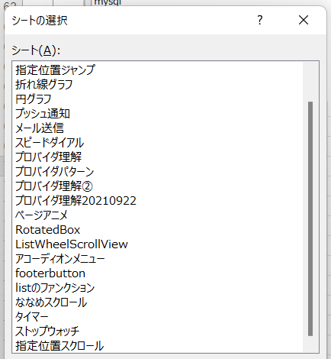
5

プッシュ通知
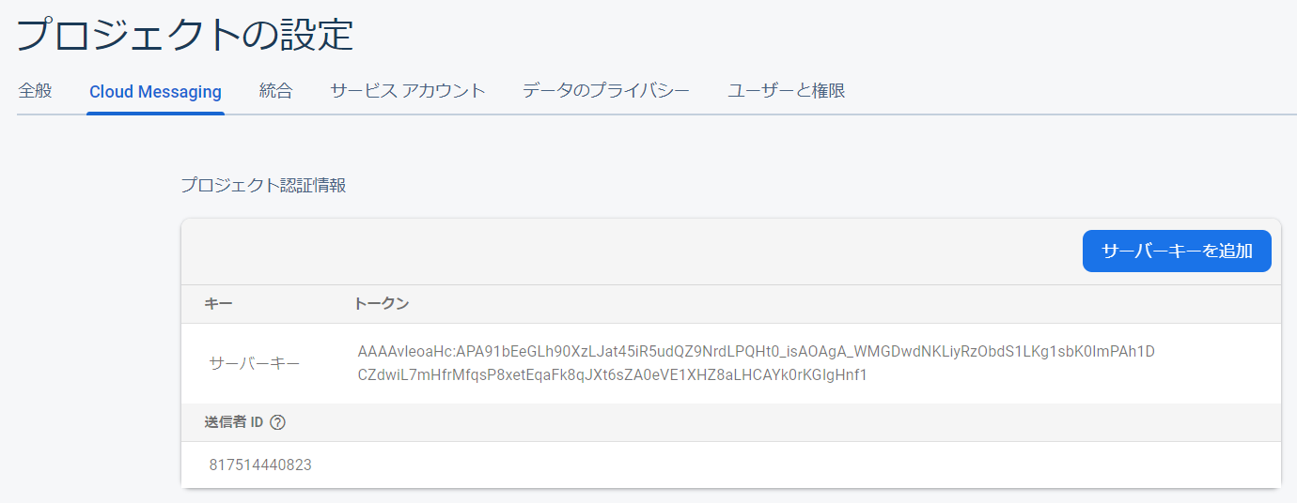
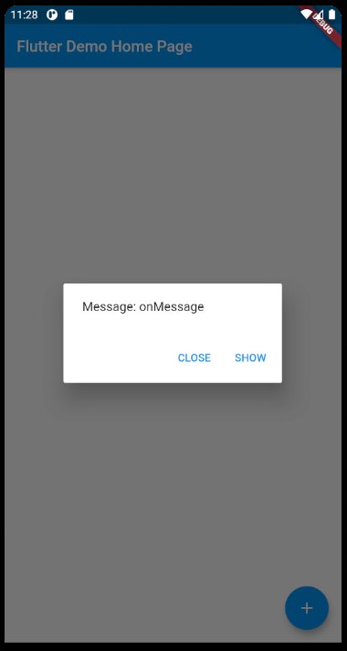
● | 参考URL
 | FlutterでFCMを使ったプッシュ通知を実装してみた
 | https://dev.classmethod.jp/articles/flutter_fcm_push1/

● | firebaseプロジェクト作成

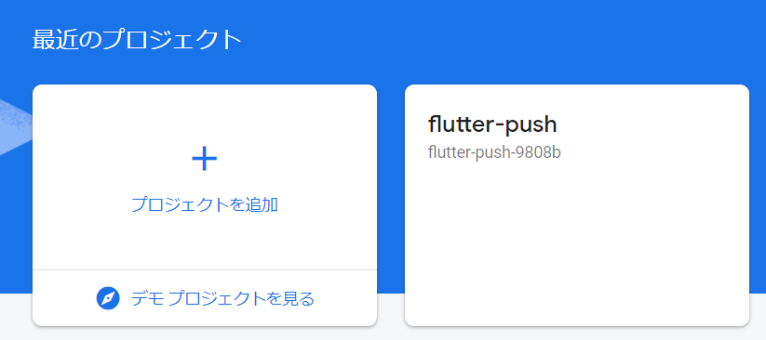

● | ダウンロードしたjsonを下記ディレクトリに設置

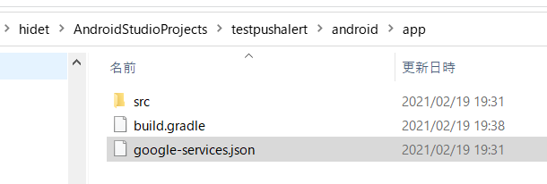

● | build.gradleを編集

 | (1)
 | C:\Users\hidet\AndroidStudioProjects\testpushalert\android\build.gradle

 |  | buildscript {
 |  | ext.kotlin_version = '1.3.50'
 |  | repositories {
 |  | google()
 |  | jcenter()
 |  | }

 |  | dependencies {
 |  | classpath 'com.android.tools.build:gradle:3.5.0'
 |  | classpath "org.jetbrains.kotlin:kotlin-gradle-plugin:$kotlin_version"
 |  | classpath 'com.google.gms:google-services:4.3.3'
 |  | }
 |  | }

 |  | allprojects {
 |  | repositories {
 |  | google()
 |  | jcenter()
 |  | }
 |  | }

 |  | rootProject.buildDir = '../build'
 |  | subprojects {
 |  | project.buildDir = "${rootProject.buildDir}/${project.name}"
 |  | }
 |  | subprojects {
 |  | project.evaluationDependsOn(':app')
 |  | }

 |  | task clean(type: Delete) {
 |  | delete rootProject.buildDir
 |  | }

 | (2)
 | C:\Users\hidet\AndroidStudioProjects\testpushalert\android\app\build.gradle

 |  | def localProperties = new Properties()
 |  | def localPropertiesFile = rootProject.file('local.properties')
 |  | if (localPropertiesFile.exists()) {
 |  | localPropertiesFile.withReader('UTF-8') { reader ->
 |  | localProperties.load(reader)
 |  | }
 |  | }

 |  | def flutterRoot = localProperties.getProperty('flutter.sdk')
 |  | if (flutterRoot == null) {
 |  | throw new GradleException("Flutter SDK not found. Define location with flutter.sdk in the local.properties file.")
 |  | }

 |  | def flutterVersionCode = localProperties.getProperty('flutter.versionCode')
 |  | if (flutterVersionCode == null) {
 |  | flutterVersionCode = '1'
 |  | }

 |  | def flutterVersionName = localProperties.getProperty('flutter.versionName')
 |  | if (flutterVersionName == null) {
 |  | flutterVersionName = '1.0'
 |  | }

 |  | apply plugin: 'com.android.application'
 |  | apply plugin: 'kotlin-android'
 |  | apply from: "$flutterRoot/packages/flutter_tools/gradle/flutter.gradle"
 |  | apply plugin: 'com.google.gms.google-services'

 |  | android {
 |  | compileSdkVersion 28

 |  | sourceSets {
 |  | main.java.srcDirs += 'src/main/kotlin'
 |  | }

 |  | lintOptions {
 |  | disable 'InvalidPackage'
 |  | }

 |  | defaultConfig {
 |  | // TODO: Specify your own unique Application ID (https://developer.android.com/studio/build/application-id.html).
 |  | applicationId "work.toyohide.testpushalert"
 |  | minSdkVersion 16
 |  | targetSdkVersion 28
 |  | versionCode flutterVersionCode.toInteger()
 |  | versionName flutterVersionName
 |  | multiDexEnabled true
 |  | }

 |  | buildTypes {
 |  | release {
 |  | // TODO: Add your own signing config for the release build.
 |  | // Signing with the debug keys for now, so `flutter run --release` works.
 |  | signingConfig signingConfigs.debug
 |  | }
 |  | }
 |  | }

 |  | flutter {
 |  | source '../..'
 |  | }

 |  | dependencies {
 |  | implementation "org.jetbrains.kotlin:kotlin-stdlib-jdk7:$kotlin_version"
 |  | implementation 'com.android.support:multidex:1.0.3'
 |  | }

● | ライブラリ追加

 | C:\Users\hidet\AndroidStudioProjects\testpushalert\pubspec.yaml

 |  | name: testpushalert
 |  | description: A new Flutter application.

 |  | publish_to: 'none'

 |  | version: 1.0.0+1

 |  | environment:
 |  | sdk: ">=2.7.0 <3.0.0"

 |  | dependencies:
 |  | flutter:
 |  | sdk: flutter

 |  | cupertino_icons: ^0.1.3
 |  | firebase_messaging: ^7.0.3

 |  | dev_dependencies:
 |  | flutter_test:
 |  | sdk: flutter

 |  | flutter:
 |  | uses-material-design: true

● | ソース変更

 | C:\Users\hidet\AndroidStudioProjects\testpushalert\lib\main.dart

 |  | import 'package:flutter/material.dart';

 |  | import 'package:firebase_messaging/firebase_messaging.dart';

 |  | void main() {
 |  | runApp(MyApp());
 |  | }

 |  | class MyApp extends StatelessWidget {
 |  | @override
 |  | Widget build(BuildContext context) {
 |  | return MaterialApp(
 |  | title: 'Flutter Demo',
 |  | theme: ThemeData(
 |  | primarySwatch: Colors.blue,
 |  | visualDensity: VisualDensity.adaptivePlatformDensity,
 |  | ),
 |  | home: MyHomePage(title: 'Flutter Demo Home Page'),
 |  | );
 |  | }
 |  | }

 |  | class MyHomePage extends StatefulWidget {
 |  | MyHomePage({Key key, this.title}) : super(key: key);
 |  | final String title;

 |  | @override
 |  | _MyHomePageState createState() => _MyHomePageState();
 |  | }

 |  | class _MyHomePageState extends State<MyHomePage> {
 |  | int _counter = 0;

 |  | final FirebaseMessaging _firebaseMessaging = new FirebaseMessaging();

 |  | @override
 |  | void initState() {
 |  | super.initState();
 |  | _firebaseMessaging.configure(
 |  | onMessage: (Map<String, dynamic> message) async {
 |  | print("onMessage: $message");
 |  | _buildDialog(context, "onMessage");
 |  | },

 |  | onLaunch: (Map<String, dynamic> message) async {
 |  | print("onLaunch: $message");
 |  | _buildDialog(context, "onLaunch");
 |  | },

 |  | onResume: (Map<String, dynamic> message) async {
 |  | print("onResume: $message");
 |  | _buildDialog(context, "onResume");
 |  | },
 |  | );

 |  | _firebaseMessaging.requestNotificationPermissions(
 |  | const IosNotificationSettings(sound: true, badge: true, alert: true));

 |  | _firebaseMessaging.onIosSettingsRegistered
 |  | .listen((IosNotificationSettings settings) {
 |  | print("Settings registered: $settings");
 |  | });

 |  | _firebaseMessaging.getToken().then((String token) {
 |  | assert(token != null);
 |  | print("Push Messaging token: $token");
 |  | });

 |  | _firebaseMessaging.subscribeToTopic("/topics/all");
 |  | }

 |  | void _buildDialog(BuildContext context, String message) {
 |  | showDialog(
 |  | context: context,
 |  | barrierDismissible: false,
 |  | builder: (BuildContext context) {
 |  | return new AlertDialog(
 |  | content: new Text("Message: $message"),
 |  | actions: <Widget>[
 |  | new FlatButton(
 |  | child: const Text('CLOSE'),
 |  | onPressed: () {
 |  | Navigator.pop(context, false);
 |  | },
 |  | ),
 |  | new FlatButton(
 |  | child: const Text('SHOW'),
 |  | onPressed: () {
 |  | Navigator.pop(context, true);
 |  | },
 |  | ),
 |  | ],
 |  | );
 |  | });
 |  | }

 |  | void _incrementCounter() {
 |  | setState(() {
 |  | _counter++;
 |  | });
 |  | }

 |  | @override
 |  | Widget build(BuildContext context) {
 |  | return Scaffold(
 |  | appBar: AppBar(
 |  | title: Text(widget.title),
 |  | ),
 |  | body: Center(
 |  | child: Column(
 |  | mainAxisAlignment: MainAxisAlignment.center,
 |  | children: <Widget>[
 |  | Text(
 |  | 'You have pushed the button this many times:',
 |  | ),
 |  | Text(
 |  | '$_counter',
 |  | style: Theme.of(context).textTheme.headline4,
 |  | ),
 |  | ],
 |  | ),
 |  | ),
 |  | floatingActionButton: FloatingActionButton(
 |  | onPressed: _incrementCounter,
 |  | tooltip: 'Increment',
 |  | child: Icon(Icons.add),
 |  | ),
 |  | );
 |  | }
 |  | }

● | data.json準備

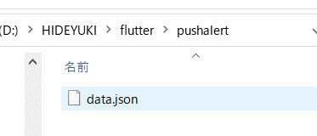

 |  | {
 |  | "to": "/topics/all",
 |  | "priority": "high",
 |  | "notification" : {
 |  | "title" : "テスト Title",
 |  | "body" : "テスト Body"
 |  | },
 |  | "data" : {
 |  | "id" : "1001",
 |  | "message" : "message 文字列",
 |  | "metadata" : "metadata 文字列",
 |  | "click_action": "FLUTTER_NOTIFICATION_CLICK"
 |  | }
 |  | }

● | 実行

 | curl -H "Authorization: key=AAAAvleoaHc:APA91bEeGLh90XzLJat45iR5udQZ9NrdLPQHt0_isAOAgA_WMGDwdNKLiyRzObdS1LKg1sbK0ImPAh1DCZdwiL7mHfrMfqsP8xetEqaFk8qJXt6sZA0eVE1XHZ8aLHCAYk0rKGIgHnf1" -H "Content-Type: application/json" -d @data.json https://fcm.googleapis.com/fcm/send
 | {"message_id":5162726434380625012}

 | curl
 | -H "Authorization: key=AAAAvleoaHc:APA91bEeGLh90XzLJat45iR5udQZ9NrdLPQHt0_isAOAgA_WMGDwdNKLiyRzObdS1LKg1sbK0ImPAh1DCZdwiL7mHfrMfqsP8xetEqaFk8qJXt6sZA0eVE1XHZ8aLHCAYk0rKGIgHnf1"
 | -H "Content-Type: application/json"
 | -d @json/data.json https://fcm.googleapis.com/fcm/send

プロバイダ理解20210922
● | lib\main.dart

 | import 'package:flutter/material.dart';

 | import './screens/BookShelfScreen.dart';

 | void main() {
 | runApp(MyApp());
 | }

 | class MyApp extends StatelessWidget {
 | @override
 | Widget build(BuildContext context) {
 | return MaterialApp(
 | home: BookshelfScreen(),
 | );
 | }
 | }

● | lib\screens\BookShelfScreen.dart

 | import 'package:flutter/material.dart';

 | //
 | //
 | //

 | class Book {
 | Book(this.id, this.title);

 | final String id;
 | final String title;
 | bool isFavorite = false;

 | void toggleFavorite() {
 | isFavorite = !isFavorite;
 | }
 | }

 | //
 | //
 | //

 | class BookshelfScreen extends StatefulWidget {
 | @override
 | _BookshelfScreenState createState() => _BookshelfScreenState();
 | }

 | class _BookshelfScreenState extends State {
 | List<Book> books = [
 | Book('1', 'Harry Potter'),
 | Book('2', 'FACTFULNESS'),
 | ];

 | void toggleFavorite(String id) {
 | setState(() {
 | books.firstWhere((book) => book.id == id).toggleFavorite();
 | });
 | }

 | int get favoriteCount {
 | return books.where((book) => book.isFavorite).length;
 | }

 | @override
 | Widget build(BuildContext context) {
 | return Scaffold(
 | appBar: AppBar(
 | title: const Text('Book List'),
 | ),
 | body: Center(
 | child: SizedBox(
 | height: 200,
 | child: Column(
 | children: [
 | Expanded(
 | child: Bookshelf(books, toggleFavorite),
 | ),
 | Center(
 | child: Text('totalFavoriteCount: $favoriteCount'),
 | ),
 | ],
 | ),
 | ),
 | ),
 | );
 | }
 | }

 | //
 | //
 | //

 | class Bookshelf extends StatelessWidget {
 | const Bookshelf(this.books, this.toggleFavorite);

 | final List<Book> books;
 | final Function(String) toggleFavorite;

 | @override
 | Widget build(BuildContext context) {
 | return ListView.builder(
 | itemCount: books.length,
 | itemBuilder: (ctx, index) => BookItem(
 | books[index],
 | toggleFavorite,
 | ),
 | );
 | }
 | }

 | //
 | //
 | //

 | class BookItem extends StatelessWidget {
 | const BookItem(this.book, this.toggleFavorite);

 | final Book book;
 | final Function(String) toggleFavorite;

 | @override
 | Widget build(BuildContext context) {
 | return ListTile(
 | leading: Text(book.id),
 | title: Text(book.title),
 | trailing: IconButton(
 | icon: Icon(book.isFavorite ? Icons.star : Icons.star_border),
 | onPressed: () => toggleFavorite(book.id),
 | ),
 | );
 | }
 | }

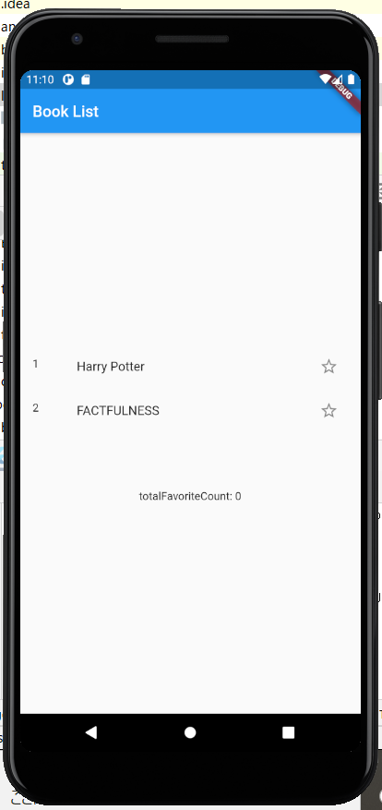

● | pubspec.yaml

 | name: test_provider3
 | description: A new Flutter application.

 | publish_to: 'none'

 | version: 1.0.0+1

 | environment:
 | sdk: ">=2.7.0 <3.0.0"

 | dependencies:
 | flutter:
 | sdk: flutter

 | cupertino_icons: ^0.1.3

 | provider:

 | dev_dependencies:
 | flutter_test:
 | sdk: flutter

 | flutter:

 | uses-material-design: true

● | lib\main.dart

 | import 'package:flutter/material.dart';
 | import 'package:provider/provider.dart';

 | import './screens/BookShelfScreen.dart';

 | //
 | //
 | //

 | void main() {
 | runApp(MyApp());
 | }

 | //
 | //
 | //

 | class MyApp extends StatelessWidget {
 | @override
 | Widget build(BuildContext context) {
 | return ChangeNotifierProvider(
 | create: (ctx) => Books(),
 | child: MaterialApp(
 | title: 'Flutter Demo',
 | theme: ThemeData(
 | primarySwatch: Colors.blue,
 | visualDensity: VisualDensity.adaptivePlatformDensity,
 | ),
 | home: BookshelfScreen(),
 | ),
 | );
 | }
 | }

● | lib\screens\BookShelfScreen.dart

 | import 'package:flutter/material.dart';
 | import 'package:provider/provider.dart';

 | //
 | //
 | //

 | class Book {
 | Book(this.id, this.title);

 | final String id;
 | final String title;
 | bool isFavorite = false;

 | void toggleFavorite() {
 | isFavorite = !isFavorite;
 | }
 | }

 | //
 | //
 | //

 | class Books with ChangeNotifier {
 | List<Book> books = [
 | Book('1', 'Harry Potter'),
 | Book('2', 'FACTFULNESS'),
 | ];

 | Book findById(String id) {
 | return books.firstWhere((book) => book.id == id);
 | }

 | void toggleFavorite(String id) {
 | final book = findById(id);
 | if (book == null) {
 | return;
 | }

 | book.toggleFavorite();
 | notifyListeners();
 | }

 | int get favoriteCount {
 | return books.where((book) => book.isFavorite).length;
 | }
 | }

 | //
 | //
 | //

 | class BookshelfScreen extends StatelessWidget {
 | @override
 | Widget build(BuildContext context) {
 | final booksData = Provider.of<Books>(context);
 | return Scaffold(
 | appBar: AppBar(
 | title: const Text('Book List'),
 | ),
 | body: Center(
 | child: SizedBox(
 | height: 200,
 | child: Column(
 | children: <Widget>[
 | Expanded(
 | child: Bookshelf(booksData.books),
 | ),
 | Center(
 | child: Text('totalFavoriteCount: ${booksData.favoriteCount}'),
 | ),
 | ],
 | ),
 | ),
 | ),
 | );
 | }
 | }

 | //
 | //
 | //

 | class Bookshelf extends StatelessWidget {
 | const Bookshelf(this.books);

 | final List<Book> books;

 | @override
 | Widget build(BuildContext context) {
 | return ListView.builder(
 | itemCount: books.length,
 | itemBuilder: (ctx, index) => BookItem(
 | books[index].id,
 | ),
 | );
 | }
 | }

 | //
 | //
 | //

 | class BookItem extends StatelessWidget {
 | const BookItem(this.bookId);

 | final String bookId;

 | @override
 | Widget build(BuildContext context) {
 | final booksData = Provider.of<Books>(context);
 | final book = booksData.findById(bookId);
 | return ListTile(
 | leading: Text(book.id),
 | title: Text(book.title),
 | trailing: IconButton(
 | icon: Icon(book.isFavorite ? Icons.star : Icons.star_border),
 | onPressed: () => booksData.toggleFavorite(book.id),
 | ),
 | );
 | }
 | }

ページアニメ
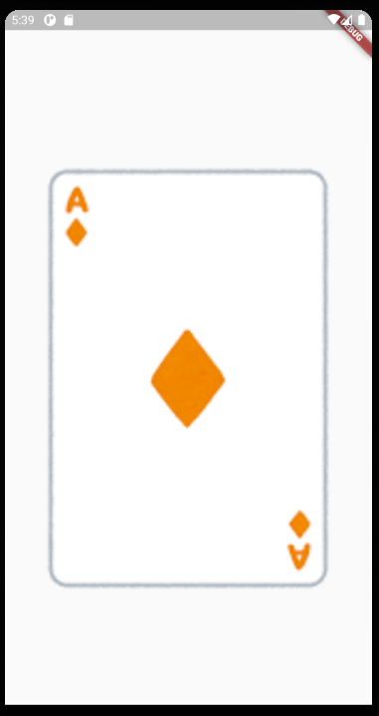
pubspec.yaml

 | name: testpageanimation
 | description: A new Flutter application.

 | publish_to: 'none'

 | version: 1.0.0+1

 | environment:
 | sdk: ">=2.7.0 <3.0.0"

 | dependencies:
 | flutter:
 | sdk: flutter

 | cupertino_icons: ^0.1.3

 | dev_dependencies:
 | flutter_test:
 | sdk: flutter

 | flutter:

 | uses-material-design: true

 | assets:
 | - assets/images/

main.dart

 | import 'package:flutter/material.dart';

 | void main() {
 | runApp(new MyApp());
 | }

 | class MyApp extends StatelessWidget {
 | @override
 | Widget build(BuildContext context) {
 | return MaterialApp(
 | home: Scaffold(
 | body: SlidePage(),
 | ),
 | );
 | }
 | }

 | class SlidePage extends StatefulWidget {
 | @override
 | _SlideshowState createState() => _SlideshowState();
 | }

 | class _SlideshowState extends State<SlidePage> {
 | // ページコントローラ
 | final PageController controller = PageController(viewportFraction: 0.8);

 | // ページインデックス
 | int currentPage = 0;

 | // データ
 | List<String> _imageList = [
 | "assets/images/card_club_01.png",
 | "assets/images/card_diamond_01.png",
 | "assets/images/card_heart_01.png",
 | "assets/images/card_spade_01.png",
 | ];

 | @override
 | void initState() {
 | super.initState();

 | // ページコントローラのページ遷移を監視しページ数を丸める
 | controller.addListener(() {
 | int next = controller.page.round();
 | if (currentPage != next) {
 | setState(() {
 | currentPage = next;
 | });
 | }
 | });
 | }

 | /*
 | * アニメーションカード生成
 | */
 | AnimatedContainer _createCardAnimate(String imagePath, bool active) {
 | // アクティブと非アクティブのアニメーション設定値
 | final double top = active ? 100 : 200;
 | final double side = active ? 0 : 40;

 | return AnimatedContainer(
 | duration: Duration(milliseconds: 500),
 | curve: Curves.easeOutQuint,
 | margin: EdgeInsets.only(top: top, bottom: 50.0, right: side, left: side),
 | decoration: BoxDecoration(
 | image: DecorationImage(
 | fit: BoxFit.fitWidth,
 | image: Image.asset(imagePath).image,
 | ),
 | ),
 | );
 | }

 | /**
 | *
 | */
 | @override
 | Widget build(BuildContext context) {
 | return PageView.builder(
 | controller: controller,
 | itemCount: _imageList.length,
 | itemBuilder: (context, int currentIndex) {
 | // アクティブ値
 | bool active = currentIndex == currentPage;

 | // カードの生成して返す
 | return _createCardAnimate(
 | _imageList[currentIndex],
 | active,
 | );
 | },
 | );
 | }
 | }

RotatedBox
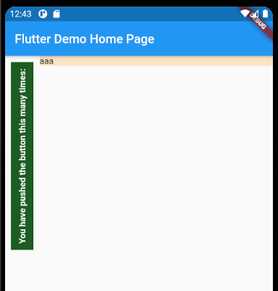

import 'package:flutter/material.dart';

void main() {
runApp(MyApp());
}

class MyApp extends StatelessWidget {
@override
Widget build(BuildContext context) {
return MaterialApp(
title: 'Flutter Demo',
theme: ThemeData(
primarySwatch: Colors.blue,
visualDensity: VisualDensity.adaptivePlatformDensity,
),
home: MyHomePage(title: 'Flutter Demo Home Page'),
);
}
}

class MyHomePage extends StatefulWidget {
MyHomePage({Key key, this.title}) : super(key: key);

final String title;

@override
_MyHomePageState createState() => _MyHomePageState();
}

class _MyHomePageState extends State<MyHomePage> {
@override
Widget build(BuildContext context) {
return Scaffold(
appBar: AppBar(
title: Text(widget.title),
),
body: Row(
children: <Widget>[

Column(
mainAxisAlignment: MainAxisAlignment.start,
children: <Widget>[
RotatedBox(
quarterTurns: 3,
child: Container(
margin: EdgeInsets.all(10),
color: Colors.green[900],
padding: EdgeInsets.all(10),
child: Text(
'You have pushed the button this many times:',
style: TextStyle(
color: Colors.white,
fontWeight: FontWeight.bold,
),
),
),
),
],
),

Expanded(
child: Column(
mainAxisAlignment: MainAxisAlignment.start,
children: <Widget>[
Container(
width: double.infinity,
color: Colors.orangeAccent.withOpacity(0.3),
child: Text('aaa'),
),
],
),
),

],
),
);
}
}

ListWheelScrollView
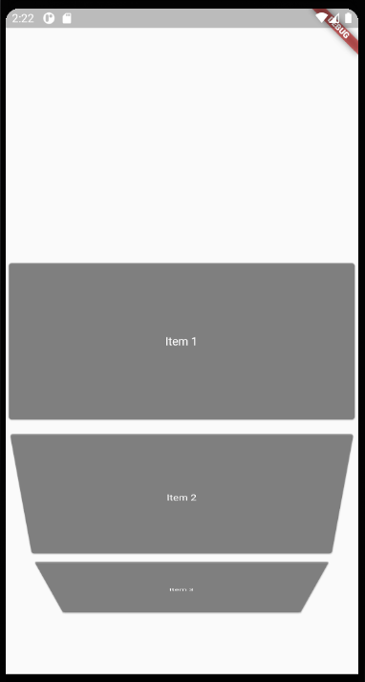

import 'package:flutter/material.dart';

void main() {
runApp(MyApp());
}

class MyApp extends StatelessWidget {
@override
Widget build(BuildContext context) {
return MaterialApp(
home: ListWheelScrollViewWidget(),
);
}
}

class ListWheelScrollViewWidget extends StatefulWidget {
@override
_ListWheelScrollViewWidgetState createState() =>
_ListWheelScrollViewWidgetState();
}

class _ListWheelScrollViewWidgetState extends State<ListWheelScrollViewWidget> {

final List<Widget> entries = List<Widget>.generate(
20,
(i) => Card(
color: Colors.black.withOpacity(0.3),
child: Center(
child: Text(
"Item ${i + 1}",
style: TextStyle(color: Colors.white),
),
),
),
);

/**
*
*/
@override
Widget build(BuildContext context) {
return Scaffold(
body: Column(
mainAxisSize: MainAxisSize.max,
children: <Widget>[
Expanded(
child: ListWheelScrollView(
children: entries,
itemExtent: 200,
),
),
],
),
);
}
}

ななめスクロール
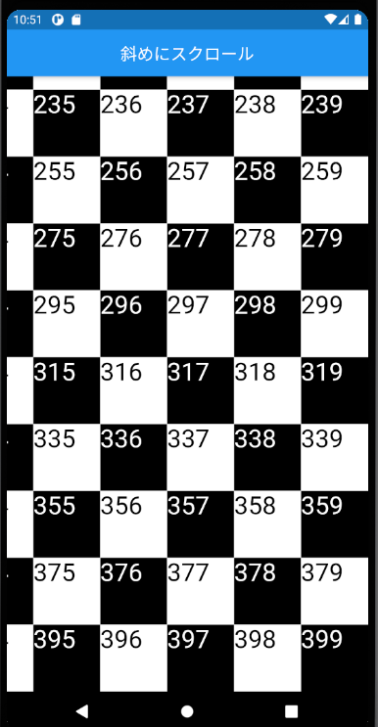
import 'package:flutter/material.dart';

void main() {
runApp(MyApp());
}

class MyApp extends StatelessWidget {
@override
Widget build(BuildContext context) {
return MaterialApp(
debugShowCheckedModeBanner: false,
title: 'Hatchout Scroll',
theme: ThemeData(
primarySwatch: Colors.blue,
visualDensity: VisualDensity.adaptivePlatformDensity,
),
home: TopPage(),
);
}
}

class TopPage extends StatefulWidget {
@override
_TopPageState createState() => _TopPageState();
}

class _TopPageState extends State<TopPage> {
final _controllerX = ScrollController();
final _controllerY = ScrollController();

/**
*
*/
@override
Widget build(BuildContext context) {
return Scaffold(
appBar: AppBar(
title: Text('斜めにスクロール'),
centerTitle: true,
),
body: Stack(
children: [
Container(
width: double.infinity,
height: double.infinity,
child: SingleChildScrollView(
controller: _controllerY,
child: SingleChildScrollView(
controller: _controllerX,
scrollDirection: Axis.horizontal,
child: buildPlaid(),
),
),
),
//
GestureDetector(
behavior: HitTestBehavior.opaque,
child: Container(
width: double.infinity,
height: double.infinity,
),
onPanUpdate: (DragUpdateDetails data) {
_controllerX.jumpTo(
_controllerX.offset + (data.delta.dx * -1),
);
_controllerY.jumpTo(
_controllerY.offset + (data.delta.dy * -1),
);
},
),
],
),
);
}

/**
*
*/
Widget buildPlaid() {
List<Widget> _listColumn = [];

int k = 0;

for (int j = 0; j < 20; j++) {
List<Widget> _listRow = [];
for (int i = 0; i < 20; i++) {
_listRow.add(
Container(
width: 80.0,
height: 80.0,
color: (i % 2 == j % 2) ? Colors.black : Colors.white,
child: Text(
'${k}',
style: TextStyle(
color: (i % 2 == j % 2) ? Colors.white : Colors.black,
fontSize: 30,
),
),
),
);

k++;
}

_listColumn.add(
Row(
children: _listRow,
),
);
}

return Container(
child: Column(
children: _listColumn,
),
);
}
}

