INDEX
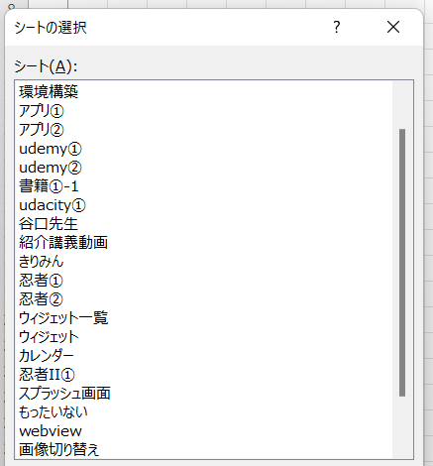
1

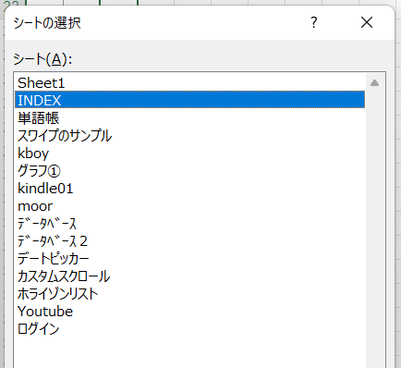
2

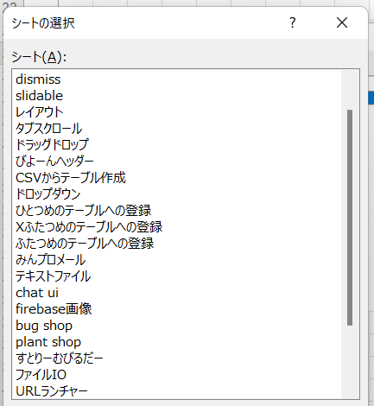
3

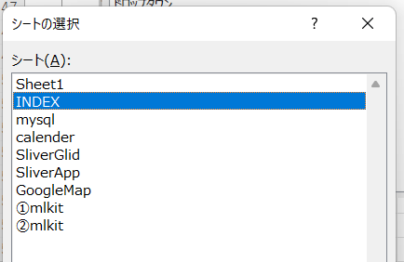
4

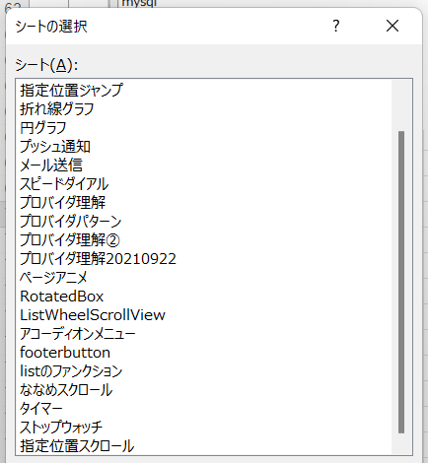
5

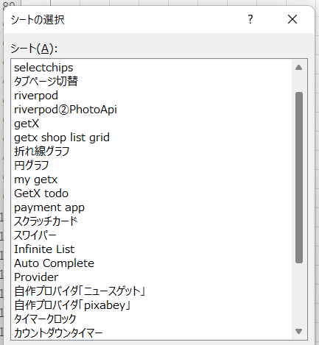

6

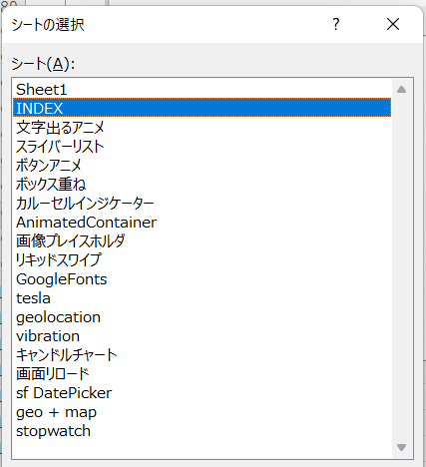
7

リキッドスワイプ
● | pubspec.yaml

 |  | name: test_liquid
 |  | description: A new Flutter application.

 |  | publish_to: 'none'

 |  | version: 1.0.0+1

 |  | environment:
 |  | sdk: ">=2.12.0 <3.0.0"

 |  | dependencies:
 |  | flutter:
 |  | sdk: flutter

 |  | cupertino_icons: ^1.0.2

 |  | liquid_swipe:

 |  | dev_dependencies:
 |  | flutter_test:
 |  | sdk: flutter

 |  | flutter_lints: ^1.0.0

 |  | flutter:

 |  | uses-material-design: true

 |  | assets:
 |  | - assets/images/

● | lib/main.dart

 |  | import 'package:flutter/material.dart';
 |  | import 'package:liquid_swipe/liquid_swipe.dart';

 |  | void main() {
 |  | runApp(MyApp());
 |  | }

 |  | class MyApp extends StatelessWidget {
 |  | @override
 |  | Widget build(BuildContext context) {
 |  | return MaterialApp(
 |  | title: 'Flutter Demo',
 |  | theme: ThemeData(
 |  | primarySwatch: Colors.blue,
 |  | ),
 |  | home: const MyHomePage(title: 'Flutter Demo Home Page'),
 |  | debugShowCheckedModeBanner: false,
 |  | );
 |  | }
 |  | }

 |  | class MyHomePage extends StatefulWidget {
 |  | const MyHomePage({Key? key, required this.title}) : super(key: key);

 |  | final String title;

 |  | @override
 |  | State<MyHomePage> createState() => _MyHomePageState();
 |  | }

 |  | class _MyHomePageState extends State<MyHomePage> {
 |  | final pages = [
 |  | Container(
 |  | color: Color(0xFF7f7689),
 |  | ),
 |  | Container(
 |  | color: Color(0xFF342108),
 |  | ),
 |  | Container(
 |  | color: Color(0xFF21323d),
 |  | ),
 |  | Container(
 |  | color: Color(0xFF2f1b0a),
 |  | ),
 |  | Container(
 |  | color: Color(0xFF5a504b),
 |  | ),
 |  | Container(
 |  | color: Color(0xFF717574),
 |  | ),
 |  | Container(
 |  | color: Color(0xFF5c787c),
 |  | ),
 |  | Container(
 |  | color: Color(0xFF1a224d),
 |  | ),
 |  | Container(
 |  | color: Color(0xFF8a7f7c),
 |  | ),
 |  | ];

 |  | @override
 |  | Widget build(BuildContext context) {
 |  | return Scaffold(
 |  | body: LiquidSwipe(
 |  | pages: pages,
 |  | enableLoop: true,
 |  | fullTransitionValue: 600,
 |  | ),
 |  | );
 |  | }
 |  | }

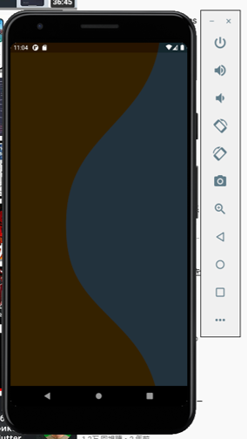

 | これだけでリキッドスワイプできている

 | あとはおまけ

 | lib/main.dart

 |  | import 'package:flutter/material.dart';
 |  | import 'package:liquid_swipe/liquid_swipe.dart';

 |  | void main() {
 |  | runApp(const MyApp());
 |  | }

 |  | class MyApp extends StatelessWidget {
 |  | const MyApp({Key? key}) : super(key: key);

 |  | @override
 |  | Widget build(BuildContext context) {
 |  | return MaterialApp(
 |  | title: 'Flutter Demo',
 |  | theme: ThemeData(
 |  | primarySwatch: Colors.blue,
 |  | ),
 |  | home: const MyHomePage(title: 'Flutter Demo Home Page'),
 |  | debugShowCheckedModeBanner: false,
 |  | );
 |  | }
 |  | }

 |  | class MyHomePage extends StatefulWidget {
 |  | const MyHomePage({Key? key, required this.title}) : super(key: key);

 |  | final String title;

 |  | @override
 |  | State<MyHomePage> createState() => _MyHomePageState();
 |  | }

 |  | class _MyHomePageState extends State<MyHomePage> {
 |  | final pages = [
 |  | Container(
 |  | color: const Color(0xFF7f7689),
 |  | child: Column(
 |  | mainAxisAlignment: MainAxisAlignment.spaceEvenly,
 |  | crossAxisAlignment: CrossAxisAlignment.start,
 |  | children: [
 |  | Center(
 |  | child: Image.asset(
 |  | 'assets/images/mercury.png',
 |  | width: 400,
 |  | ),
 |  | ),
 |  | Padding(
 |  | padding: const EdgeInsets.symmetric(horizontal: 30),
 |  | child: Column(
 |  | crossAxisAlignment: CrossAxisAlignment.start,
 |  | children: const [
 |  | Text(
 |  | 'Planet',
 |  | style: TextStyle(
 |  | fontSize: 30,
 |  | color: Color(0xFFa1b6cc),
 |  | ),
 |  | ),
 |  | Text(
 |  | 'Mercury',
 |  | style: TextStyle(
 |  | fontSize: 50,
 |  | color: Color(0xFF3a342d),
 |  | fontWeight: FontWeight.bold,
 |  | ),
 |  | ),
 |  | SizedBox(height: 20),
 |  | Divider(color: Colors.black38),
 |  | Text(
 |  | "The smallest and fastest planet,\nMercury is the "
 |  | "closest planet to the Sun \nand whips around it "
 |  | "every \n88 Earth days",
 |  | style: TextStyle(
 |  | color: Color(0xFFA1B6CC),
 |  | fontWeight: FontWeight.w300,
 |  | fontSize: 16.0,
 |  | ),
 |  | )
 |  | ],
 |  | ),
 |  | ),
 |  | ],
 |  | ),
 |  | ),
 |  | Container(
 |  | color: const Color(0xFF342108),
 |  | child: Column(
 |  | mainAxisAlignment: MainAxisAlignment.spaceEvenly,
 |  | crossAxisAlignment: CrossAxisAlignment.start,
 |  | children: [
 |  | Center(
 |  | child: Image.asset(
 |  | 'assets/images/venus.png',
 |  | width: 220,
 |  | ),
 |  | ),
 |  | Padding(
 |  | padding: const EdgeInsets.symmetric(horizontal: 30),
 |  | child: Column(
 |  | crossAxisAlignment: CrossAxisAlignment.start,
 |  | children: const [
 |  | Text(
 |  | 'Planet',
 |  | style: TextStyle(
 |  | fontSize: 30,
 |  | color: Color(0xFFa1b6cc),
 |  | ),
 |  | ),
 |  | Text(
 |  | "Venus",
 |  | style: TextStyle(
 |  | fontSize: 50.0,
 |  | color: Color(0xFFE8BB57),
 |  | fontWeight: FontWeight.bold),
 |  | ),
 |  | SizedBox(height: 20.0),
 |  | Divider(color: Color(0xFFE8BB57)),
 |  | Text(
 |  | "Spinning in the opposite direction \n"
 |  | "to most planets, Venus is the \n"
 |  | "hottest planet, and one of the"
 |  | "and one of the \n"
 |  | "brightest objects in the sky",
 |  | style: TextStyle(
 |  | color: Colors.blueGrey,
 |  | fontWeight: FontWeight.w300,
 |  | fontSize: 16.0,
 |  | ),
 |  | )
 |  | ],
 |  | ),
 |  | ),
 |  | ],
 |  | ),
 |  | ),
 |  | Container(
 |  | color: const Color(0xFF21323d),
 |  | child: Column(
 |  | mainAxisAlignment: MainAxisAlignment.spaceEvenly,
 |  | crossAxisAlignment: CrossAxisAlignment.start,
 |  | children: [
 |  | Center(
 |  | child: Image.asset(
 |  | 'assets/images/earth.png',
 |  | width: 250,
 |  | ),
 |  | ),
 |  | Padding(
 |  | padding: const EdgeInsets.symmetric(horizontal: 30),
 |  | child: Column(
 |  | crossAxisAlignment: CrossAxisAlignment.start,
 |  | children: const [
 |  | Text(
 |  | 'Planet',
 |  | style: TextStyle(
 |  | fontSize: 30,
 |  | color: Color(0xFFa1b6cc),
 |  | ),
 |  | ),
 |  | Text(
 |  | "Earth",
 |  | style: TextStyle(
 |  | fontSize: 50.0,
 |  | color: Color(0xFF888C76),
 |  | fontWeight: FontWeight.bold),
 |  | ),
 |  | SizedBox(height: 20.0),
 |  | Divider(color: Colors.blueGrey),
 |  | Text(
 |  | "The place we call home, \nEarth is the third rock\n"
 |  | "from the sun and the only planet\n"
 |  | "with known life on it",
 |  | style: TextStyle(
 |  | color: Color(0xFFD4D4D2),
 |  | fontWeight: FontWeight.w300,
 |  | fontSize: 16.0,
 |  | ),
 |  | )
 |  | ],
 |  | ),
 |  | ),
 |  | ],
 |  | ),
 |  | ),
 |  | Container(
 |  | color: const Color(0xFF2f1b0a),
 |  | child: Column(
 |  | mainAxisAlignment: MainAxisAlignment.spaceEvenly,
 |  | crossAxisAlignment: CrossAxisAlignment.start,
 |  | children: [
 |  | Center(
 |  | child: Image.asset(
 |  | 'assets/images/mars.png',
 |  | width: 220,
 |  | ),
 |  | ),
 |  | Padding(
 |  | padding: const EdgeInsets.symmetric(horizontal: 30),
 |  | child: Column(
 |  | crossAxisAlignment: CrossAxisAlignment.start,
 |  | children: const [
 |  | Text(
 |  | 'Planet',
 |  | style: TextStyle(
 |  | fontSize: 30,
 |  | color: Color(0xFFa1b6cc),
 |  | ),
 |  | ),
 |  | Text(
 |  | "Mars",
 |  | style: TextStyle(
 |  | fontSize: 50.0,
 |  | color: Color(0xFFCC8E57),
 |  | fontWeight: FontWeight.bold),
 |  | ),
 |  | SizedBox(height: 20.0),
 |  | Divider(color: Color(0xFFCC8E57)),
 |  | Text(
 |  | "The red planet is dusty,\n"
 |  | "cold world with a thin\n"
 |  | "atmosphere and is home to four NASA robots",
 |  | style: TextStyle(
 |  | color: Colors.blueGrey,
 |  | fontWeight: FontWeight.w300,
 |  | fontSize: 16.0,
 |  | ),
 |  | )
 |  | ],
 |  | ),
 |  | ),
 |  | ],
 |  | ),
 |  | ),
 |  | Container(
 |  | color: const Color(0xFF5a504b),
 |  | child: Column(
 |  | mainAxisAlignment: MainAxisAlignment.spaceEvenly,
 |  | crossAxisAlignment: CrossAxisAlignment.start,
 |  | children: [
 |  | Center(
 |  | child: Image.asset(
 |  | 'assets/images/jupiter.png',
 |  | width: 220,
 |  | ),
 |  | ),
 |  | Padding(
 |  | padding: const EdgeInsets.symmetric(horizontal: 30),
 |  | child: Column(
 |  | crossAxisAlignment: CrossAxisAlignment.start,
 |  | children: const [
 |  | Text(
 |  | 'Planet',
 |  | style: TextStyle(
 |  | fontSize: 30,
 |  | color: Color(0xFFa1b6cc),
 |  | ),
 |  | ),
 |  | Text(
 |  | "Jupiter",
 |  | style: TextStyle(
 |  | fontSize: 50.0,
 |  | color: Color(0xFFCC8E57),
 |  | fontWeight: FontWeight.bold),
 |  | ),
 |  | SizedBox(height: 20.0),
 |  | Divider(color: Colors.blueGrey),
 |  | Text(
 |  | "Jupiter is a massive planet, twice the size of\n"
 |  | "all other planets combined and has a\n"
 |  | "centuries-old storm that is bigger than Earth",
 |  | style: TextStyle(
 |  | color: Colors.blueGrey,
 |  | fontWeight: FontWeight.w300,
 |  | fontSize: 16.0,
 |  | ),
 |  | )
 |  | ],
 |  | ),
 |  | ),
 |  | ],
 |  | ),
 |  | ),
 |  | Container(
 |  | color: const Color(0xFF717574),
 |  | child: Column(
 |  | mainAxisAlignment: MainAxisAlignment.spaceEvenly,
 |  | crossAxisAlignment: CrossAxisAlignment.start,
 |  | children: [
 |  | Center(
 |  | child: Image.asset(
 |  | 'assets/images/saturn.png',
 |  | width: 320,
 |  | ),
 |  | ),
 |  | Padding(
 |  | padding: const EdgeInsets.symmetric(horizontal: 30),
 |  | child: Column(
 |  | crossAxisAlignment: CrossAxisAlignment.start,
 |  | children: const [
 |  | Text(
 |  | 'Planet',
 |  | style: TextStyle(
 |  | fontSize: 30,
 |  | color: Color(0xFFa1b6cc),
 |  | ),
 |  | ),
 |  | Text(
 |  | "Saturn",
 |  | style: TextStyle(
 |  | fontSize: 50.0,
 |  | color: Color(0xFFBCB2A3),
 |  | fontWeight: FontWeight.bold),
 |  | ),
 |  | SizedBox(height: 20.0),
 |  | Divider(color: Colors.black38),
 |  | Text(
 |  | "The most recognizable\n"
 |  | "planet with a system of icy rings, \n"
 |  | "Saturn is a very unique \nand interesting ",
 |  | style: TextStyle(
 |  | color: Color(0xFFA1B6CC),
 |  | fontWeight: FontWeight.w300,
 |  | fontSize: 16.0,
 |  | ),
 |  | )
 |  | ],
 |  | ),
 |  | ),
 |  | ],
 |  | ),
 |  | ),
 |  | Container(
 |  | color: const Color(0xFF5c787c),
 |  | child: Column(
 |  | mainAxisAlignment: MainAxisAlignment.spaceEvenly,
 |  | crossAxisAlignment: CrossAxisAlignment.start,
 |  | children: [
 |  | Center(
 |  | child: Image.asset(
 |  | 'assets/images/uranus.png',
 |  | width: 240,
 |  | ),
 |  | ),
 |  | Padding(
 |  | padding: const EdgeInsets.symmetric(horizontal: 30),
 |  | child: Column(
 |  | crossAxisAlignment: CrossAxisAlignment.start,
 |  | children: const [
 |  | Text(
 |  | 'Planet',
 |  | style: TextStyle(
 |  | fontSize: 30,
 |  | color: Color(0xFFa1b6cc),
 |  | ),
 |  | ),
 |  | Text(
 |  | "Uranus",
 |  | style: TextStyle(
 |  | fontSize: 50.0,
 |  | color: Color(0xFFD2F3F4),
 |  | fontWeight: FontWeight.bold),
 |  | ),
 |  | SizedBox(height: 20.0),
 |  | Divider(color: Color(0xFFD2F3F4)),
 |  | Text(
 |  | "Uranus has a very unique rotation–it\n spins on its"
 |  | "side at an almost \n90-degree angle, unlike\n"
 |  | "other planets.",
 |  | style: TextStyle(
 |  | color: Color(0xFFA1B6CC),
 |  | fontWeight: FontWeight.w300,
 |  | fontSize: 16.0,
 |  | ),
 |  | )
 |  | ],
 |  | ),
 |  | ),
 |  | ],
 |  | ),
 |  | ),
 |  | Container(
 |  | color: const Color(0xFF1a224d),
 |  | child: Column(
 |  | mainAxisAlignment: MainAxisAlignment.spaceEvenly,
 |  | crossAxisAlignment: CrossAxisAlignment.start,
 |  | children: [
 |  | Center(
 |  | child: Image.asset(
 |  | 'assets/images/neptune.png',
 |  | width: 210,
 |  | ),
 |  | ),
 |  | Padding(
 |  | padding: const EdgeInsets.symmetric(horizontal: 30),
 |  | child: Column(
 |  | crossAxisAlignment: CrossAxisAlignment.start,
 |  | children: const [
 |  | Text(
 |  | 'Planet',
 |  | style: TextStyle(
 |  | fontSize: 30,
 |  | color: Color(0xFFa1b6cc),
 |  | ),
 |  | ),
 |  | Text(
 |  | "Neptune",
 |  | style: TextStyle(
 |  | fontSize: 50.0,
 |  | color: Color(0xFF5183F7),
 |  | fontWeight: FontWeight.bold),
 |  | ),
 |  | SizedBox(height: 20.0),
 |  | Divider(color: Color(0xFF5183F7)),
 |  | Text(
 |  | "Neptune is now the most\n "
 |  | "distant planet and is a cold and\n dark world "
 |  | "nearly 3 billion miles\n "
 |  | "from the Sun.",
 |  | style: TextStyle(
 |  | color: Colors.blueGrey,
 |  | fontWeight: FontWeight.w300,
 |  | fontSize: 16.0,
 |  | ),
 |  | )
 |  | ],
 |  | ),
 |  | ),
 |  | ],
 |  | ),
 |  | ),
 |  | Container(
 |  | color: const Color(0xFF8a7f7c),
 |  | child: Column(
 |  | mainAxisAlignment: MainAxisAlignment.spaceEvenly,
 |  | crossAxisAlignment: CrossAxisAlignment.start,
 |  | children: [
 |  | Center(
 |  | child: Image.asset(
 |  | 'assets/images/pluto.png',
 |  | width: 220,
 |  | ),
 |  | ),
 |  | Padding(
 |  | padding: const EdgeInsets.symmetric(horizontal: 30),
 |  | child: Column(
 |  | crossAxisAlignment: CrossAxisAlignment.start,
 |  | children: const [
 |  | Text(
 |  | 'Planet',
 |  | style: TextStyle(
 |  | fontSize: 30,
 |  | color: Color(0xFFa1b6cc),
 |  | ),
 |  | ),
 |  | Text(
 |  | "Pluto",
 |  | style: TextStyle(
 |  | fontSize: 50.0,
 |  | color: Color(0xFFBCB2A3),
 |  | fontWeight: FontWeight.bold),
 |  | ),
 |  | SizedBox(height: 20.0),
 |  | Divider(color: Colors.black38),
 |  | Text(
 |  | "Pluto will consistently be the ninth \nplanet to us!"
 |  | "Smaller than Earth’s moon, \nPluto was a planet"
 |  | "up until 2006 and has \nfive of its own moons!",
 |  | style: TextStyle(
 |  | color: Color(0xFFBCB2A3),
 |  | fontWeight: FontWeight.w300,
 |  | fontSize: 16.0,
 |  | ),
 |  | )
 |  | ],
 |  | ),
 |  | ),
 |  | ],
 |  | ),
 |  | ),
 |  | ];

 |  | @override
 |  | Widget build(BuildContext context) {
 |  | return Scaffold(
 |  | body: LiquidSwipe(
 |  | pages: pages,
 |  | enableLoop: true,
 |  | fullTransitionValue: 600,
 |  | waveType: WaveType.liquidReveal, | circularReveal
 |  | ), | というのもある
 |  | );
 |  | }
 |  | }

GoogleFonts
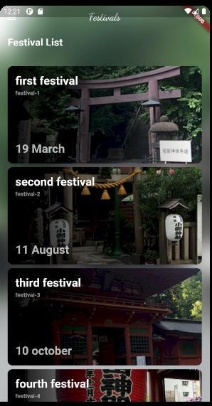
 | Festival App UI | Flutter 2.5.3 | Coding
 | https://www.youtube.com/watch?v=TO99xMkgUjM

● | pubspec.yaml

 |  | name: test_festival
 |  | description: A new Flutter application.

 |  | publish_to: 'none'

 |  | version: 1.0.0+1

 |  | environment:
 |  | sdk: ">=2.12.0 <3.0.0"

 |  | dependencies:
 |  | flutter:
 |  | sdk: flutter

 |  | cupertino_icons: ^1.0.2
 |  | google_fonts:

 |  | dev_dependencies:
 |  | flutter_test:
 |  | sdk: flutter

 |  | flutter:

 |  | uses-material-design: true

● | lib/data.dart

 |  | List festivals = [
 |  | {
 |  | 'name': 'first festival',
 |  | 'date': '19 March',
 |  | 'url':
 |  | 'http://toyohide.work/BrainLog/public/UPPHOTO/2014/2014-08-08/2014-08-08_001_l.jpg',
 |  | 'description': 'festival-1'
 |  | },
 |  | {
 |  | 'name': 'second festival',
 |  | 'date': '11 August',
 |  | 'url':
 |  | 'http://toyohide.work/BrainLog/public/UPPHOTO/2014/2014-08-30/2014-08-30_001_l.jpg',
 |  | 'description': 'festival-2'
 |  | },
 |  | {
 |  | 'name': 'third festival',
 |  | 'date': '10 october',
 |  | 'url':
 |  | 'http://toyohide.work/BrainLog/public/UPPHOTO/2014/2014-10-14/2014-10-14_004_l.jpg',
 |  | 'description': 'festival-3'
 |  | },
 |  | {
 |  | 'name': 'fourth festival',
 |  | 'date': '11 August',
 |  | 'url':
 |  | 'http://toyohide.work/BrainLog/public/UPPHOTO/2015/2015-11-14/2015-11-14_003_l.jpg',
 |  | 'description': 'festival-4'
 |  | },
 |  | {
 |  | 'name': 'fifth festival',
 |  | 'date': '10 october',
 |  | 'url':
 |  | 'http://toyohide.work/BrainLog/public/UPPHOTO/2016/2016-01-01/2016-01-01_001_l.jpg',
 |  | 'description': 'festival-5'
 |  | },
 |  | ];

● | lib/main.dart

 |  | import 'package:flutter/material.dart';
 |  | import 'package:google_fonts/google_fonts.dart';

 |  | import 'dart:ui';

 |  | import 'data.dart';

 |  | void main() {
 |  | runApp(const MyApp());
 |  | }

 |  | class MyApp extends StatelessWidget {
 |  | const MyApp({Key? key}) : super(key: key);

 |  | @override
 |  | Widget build(BuildContext context) {
 |  | return MaterialApp(
 |  | title: 'Festival App',
 |  | theme: ThemeData(
 |  | primarySwatch: Colors.blue,
 |  | ),
 |  | home: MyHomePage(),
 |  | );
 |  | }
 |  | }

 |  | ///
 |  | class MyHomePage extends StatefulWidget {
 |  | @override
 |  | _MyHomePageState createState() => _MyHomePageState();
 |  | }

 |  | class _MyHomePageState extends State<MyHomePage> {
 |  | ///
 |  | @override
 |  | Widget build(BuildContext context) {
 |  | return Scaffold(
 |  | body: Stack(
 |  | children: [
 |  | Container(
 |  | decoration: BoxDecoration(
 |  | image: DecorationImage(
 |  | image: NetworkImage(festivals[0]['url']),
 |  | fit: BoxFit.cover,
 |  | )),
 |  | ),
 |  | BackdropFilter(
 |  | filter: ImageFilter.blur(
 |  | sigmaX: 25,
 |  | sigmaY: 25,
 |  | ),
 |  | child: Container(),
 |  | ),
 |  | SingleChildScrollView(
 |  | child: Column(
 |  | crossAxisAlignment: CrossAxisAlignment.start,
 |  | children: [
 |  | _buildAppBar(),
 |  | Padding(
 |  | padding: const EdgeInsets.all(16.0),
 |  | child: Column(
 |  | crossAxisAlignment: CrossAxisAlignment.start,
 |  | children: [
 |  | Text(
 |  | 'Festival List',
 |  | style: TextStyle(
 |  | fontSize: 21,
 |  | fontWeight: FontWeight.bold,
 |  | color: Colors.white,
 |  | ),
 |  | ),
 |  | SizedBox(
 |  | height: 8,
 |  | ),
 |  | ListView.builder(
 |  | shrinkWrap: true,
 |  | physics: NeverScrollableScrollPhysics(),
 |  | itemCount: festivals.length,
 |  | itemBuilder: (_, index) =>
 |  | _buildFestivalCard(festival: festivals[index]),
 |  | )
 |  | ],
 |  | ),
 |  | ),
 |  | ],
 |  | ),
 |  | ),
 |  | ],
 |  | ),
 |  | );
 |  | }

 |  | ///
 |  | Widget _buildFestivalCard({required Map festival}) {
 |  | return Padding(
 |  | padding: const EdgeInsets.symmetric(vertical: 4),
 |  | child: ClipRRect(
 |  | borderRadius: BorderRadius.circular(10),
 |  | child: Container(
 |  | height: 200,
 |  | decoration: BoxDecoration(
 |  | image: DecorationImage(
 |  | image: NetworkImage(festival['url']),
 |  | fit: BoxFit.cover,
 |  | ),
 |  | ),
 |  | child: Stack(
 |  | children: [
 |  | Container(
 |  | decoration: BoxDecoration(
 |  | gradient: LinearGradient(
 |  | colors: [
 |  | Colors.black,
 |  | Colors.black45,
 |  | Colors.transparent,
 |  | ],
 |  | stops: [0, 0.4, 1],
 |  | ),
 |  | ),
 |  | ),
 |  | Padding(
 |  | padding: const EdgeInsets.all(16.0),
 |  | child: Column(
 |  | crossAxisAlignment: CrossAxisAlignment.start,
 |  | children: [
 |  | Text(
 |  | festival['name'],
 |  | style: TextStyle(
 |  | color: Colors.white,
 |  | fontSize: 24,
 |  | fontWeight: FontWeight.bold,
 |  | ),
 |  | ),
 |  | SizedBox(
 |  | height: 4,
 |  | ),
 |  | Text(
 |  | festival['description'],
 |  | style: TextStyle(
 |  | color: Colors.white54,
 |  | fontSize: 12,
 |  | fontWeight: FontWeight.bold,
 |  | ),
 |  | maxLines: 3,
 |  | overflow: TextOverflow.ellipsis,
 |  | ),
 |  | Spacer(),
 |  | Text(
 |  | festival['date'],
 |  | style: TextStyle(
 |  | color: Colors.white70,
 |  | fontSize: 24,
 |  | fontWeight: FontWeight.bold,
 |  | ),
 |  | ),
 |  | ],
 |  | ),
 |  | ),
 |  | ],
 |  | ),
 |  | ),
 |  | ),
 |  | );
 |  | }

 |  | ///
 |  | Row _buildAppBar() {
 |  | return Row(
 |  | mainAxisAlignment: MainAxisAlignment.spaceBetween,
 |  | children: [
 |  | IconButton(
 |  | onPressed: () {},
 |  | icon: Icon(
 |  | Icons.menu_outlined,
 |  | color: Colors.white,
 |  | ),
 |  | ),
 |  | Text(
 |  | 'Festivals',
 |  | style: GoogleFonts.dancingScript(
 |  | color: Colors.white,
 |  | fontSize: 21,
 |  | ),
 |  | ),
 |  | IconButton(
 |  | onPressed: () {},
 |  | icon: Icon(
 |  | Icons.search_outlined,
 |  | color: Colors.white,
 |  | ),
 |  | ),
 |  | ],
 |  | );
 |  | }
 |  | }

tesla
 | 1 | https://www.youtube.com/watch?v=P629-Z3py1Y |  | 3 | https://www.youtube.com/watch?v=pJD1qmRjmBo&t=7s
 | 2 | https://www.youtube.com/watch?v=0BSRmp1zE1Y |  | 4 | https://www.youtube.com/watch?v=gTC4FMXRRFM

● | pubspec.yaml

 |  | name: test_tesla
 |  | description: A new Flutter application.

 |  | publish_to: 'none'

 |  | version: 1.0.0+1

 |  | environment:
 |  | sdk: ">=2.12.0 <3.0.0"

 |  | dependencies:
 |  | flutter:
 |  | sdk: flutter

 |  | cupertino_icons: ^1.0.2

 |  | flutter_svg: ^0.23.0+1

 |  | dev_dependencies:
 |  | flutter_test:
 |  | sdk: flutter

 |  | flutter_lints: ^1.0.0

 |  | flutter:

 |  | uses-material-design: true

 |  | assets:
 |  | - assets/images/
 |  | - assets/icons/

● | lib/constanins.dart

 |  | import 'package:flutter/material.dart';

 |  | const Color primaryColor = Color(0xFF53F9FF);
 |  | const Color redColor = Color(0xFFFF5368);

 |  | const double defaultPadding = 16.0;
 |  | const Duration defaultDuration = Duration(milliseconds: 300);

● | lib/models/TyrePsi.dart

 |  | class TyrePsi {
 |  | final double psi;
 |  | final int temp;
 |  | final bool isLowPressure;

 |  | TyrePsi({required this.psi, required this.temp, required this.isLowPressure});
 |  | }

 |  | final List<TyrePsi> demoPsiList = [
 |  | TyrePsi(psi: 23.6, temp: 56, isLowPressure: true),
 |  | TyrePsi(psi: 35.0, temp: 41, isLowPressure: false),
 |  | TyrePsi(psi: 34.6, temp: 41, isLowPressure: false),
 |  | TyrePsi(psi: 34.8, temp: 42, isLowPressure: false),
 |  | ];

● | lib/main.dart

 |  | import 'package:flutter/material.dart';
 |  | import 'package:test_tesla/screens/home_screen.dart';

 |  | void main() {
 |  | runApp(const MyApp());
 |  | }

 |  | class MyApp extends StatelessWidget {
 |  | const MyApp({Key? key}) : super(key: key);

 |  | @override
 |  | Widget build(BuildContext context) {
 |  | return MaterialApp(
 |  | title: 'Flutter Demo',
 |  | theme: ThemeData(
 |  | brightness: Brightness.dark,
 |  | primarySwatch: Colors.blue,
 |  | scaffoldBackgroundColor: Colors.black,
 |  | ),
 |  | home: HomeScreen(),
 |  | debugShowCheckedModeBanner: false,
 |  | );
 |  | }
 |  | }

● | lib/screens/home_screen.dart

 |  | import 'package:flutter/material.dart';
 |  | import 'package:flutter_svg/flutter_svg.dart';

 |  | import '../home_controller.dart';

 |  | class HomeScreen extends StatelessWidget {
 |  | HomeController _controller = HomeController();

 |  | ///
 |  | @override
 |  | Widget build(BuildContext context) {
 |  | return AnimatedBuilder(
 |  | animation: _controller,
 |  | builder: (context, snapshot) {
 |  | return Scaffold(
 |  | body: SafeArea(
 |  | child: LayoutBuilder(
 |  | builder: (context, constrains) {
 |  | return Stack(
 |  | alignment: Alignment.center,
 |  | children: [
 |  | Padding(
 |  | padding: EdgeInsets.symmetric(
 |  | vertical: constrains.maxHeight * 0.1),
 |  | child: SvgPicture.asset(
 |  | "assets/icons/Car.svg",
 |  | width: double.infinity,
 |  | ),
 |  | ),
 |  | Positioned(
 |  | right: constrains.maxWidth * 0.05,
 |  | child: GestureDetector(
 |  | onTap: _controller.updateRightDoorLock,
 |  | child: (_controller.isRightDoorLock)
 |  | ? SvgPicture.asset("assets/icons/door_lock.svg")
 |  | : SvgPicture.asset("assets/icons/door_unlock.svg"),
 |  | ),
 |  | ),
 |  | ],
 |  | );
 |  | },
 |  | ),
 |  | ),
 |  | );
 |  | },
 |  | );
 |  | }
 |  | }

● | lib/home_controller.dart

 |  | import 'package:flutter/material.dart';

 |  | class HomeController extends ChangeNotifier {
 |  | bool isRightDoorLock = true;

 |  | void updateRightDoorLock() {
 |  | isRightDoorLock = !isRightDoorLock;
 |  | notifyListeners();
 |  | }
 |  | }

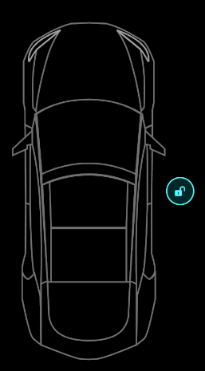
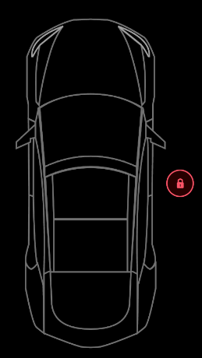

 | 画像が変更される

● | lib/screens/home_screen.dart

 |  | import 'package:flutter/material.dart';
 |  | import 'package:flutter_svg/flutter_svg.dart';
 |  | import 'package:test_tesla/constanins.dart';

 |  | import '../home_controller.dart';

 |  | class HomeScreen extends StatelessWidget {
 |  | HomeController _controller = HomeController();

 |  | ///
 |  | @override
 |  | Widget build(BuildContext context) {
 |  | return AnimatedBuilder(
 |  | animation: _controller,
 |  | builder: (context, _) {
 |  | return Scaffold(
 |  | body: SafeArea(
 |  | child: LayoutBuilder(
 |  | builder: (context, constrains) {
 |  | return Stack(
 |  | alignment: Alignment.center,
 |  | children: [
 |  | Padding(
 |  | padding: EdgeInsets.symmetric(
 |  | vertical: constrains.maxHeight * 0.1),
 |  | child: SvgPicture.asset(
 |  | "assets/icons/Car.svg",
 |  | width: double.infinity,
 |  | ),
 |  | ),
 |  | Positioned(
 |  | right: constrains.maxWidth * 0.05,
 |  | child: GestureDetector(
 |  | onTap: _controller.updateRightDoorLock,
 |  | child: AnimatedSwitcher(
 |  | duration: defaultDuration,
 |  | child: (_controller.isRightDoorLock)
 |  | ? SvgPicture.asset(
 |  | "assets/icons/door_lock.svg",
 |  | key: ValueKey("lock"),
 |  | )
 |  | : SvgPicture.asset(
 |  | "assets/icons/door_unlock.svg",
 |  | key: ValueKey("unlock"),
 |  | ),
 |  | ),
 |  | ),
 |  | ),
 |  | ],
 |  | );
 |  | },
 |  | ),
 |  | ),
 |  | );
 |  | },
 |  | );
 |  | }
 |  | }

 | 画像変更にDurationが効くようになった

● | lib/screens/home_screen.dart

 |  | import 'package:flutter/material.dart';
 |  | import 'package:flutter_svg/flutter_svg.dart';
 |  | import 'package:test_tesla/constanins.dart';

 |  | import '../home_controller.dart';

 |  | class HomeScreen extends StatelessWidget {
 |  | HomeController _controller = HomeController();

 |  | ///
 |  | @override
 |  | Widget build(BuildContext context) {
 |  | return AnimatedBuilder(
 |  | animation: _controller,
 |  | builder: (context, _) {
 |  | return Scaffold(
 |  | body: SafeArea(
 |  | child: LayoutBuilder(
 |  | builder: (context, constrains) {
 |  | return Stack(
 |  | alignment: Alignment.center,
 |  | children: [
 |  | Padding(
 |  | padding: EdgeInsets.symmetric(
 |  | vertical: constrains.maxHeight * 0.1),
 |  | child: SvgPicture.asset(
 |  | "assets/icons/Car.svg",
 |  | width: double.infinity,
 |  | ),
 |  | ),
 |  | Positioned(
 |  | right: constrains.maxWidth * 0.05,
 |  | child: GestureDetector(
 |  | onTap: _controller.updateRightDoorLock,
 |  | child: AnimatedSwitcher(
 |  | duration: defaultDuration,
 |  | transitionBuilder: (child, animation) =>
 |  | ScaleTransition(
 |  | scale: animation,
 |  | child: child,
 |  | ),
 |  | child: (_controller.isRightDoorLock)
 |  | ? SvgPicture.asset(
 |  | "assets/icons/door_lock.svg",
 |  | key: ValueKey("lock"),
 |  | )
 |  | : SvgPicture.asset(
 |  | "assets/icons/door_unlock.svg",
 |  | key: ValueKey("unlock"),
 |  | ),
 |  | ),
 |  | ),
 |  | ),
 |  | ],
 |  | );
 |  | },
 |  | ),
 |  | ),
 |  | );
 |  | },
 |  | );
 |  | }
 |  | }

 | 一度小さくなるのを挟んで変更するようになった

● | lib/screens/home_screen.dart

 |  | import 'package:flutter/material.dart';
 |  | import 'package:flutter_svg/flutter_svg.dart';
 |  | import 'package:test_tesla/constanins.dart';

 |  | import '../home_controller.dart';

 |  | class HomeScreen extends StatelessWidget {
 |  | HomeController _controller = HomeController();

 |  | ///
 |  | @override
 |  | Widget build(BuildContext context) {
 |  | return AnimatedBuilder(
 |  | animation: _controller,
 |  | builder: (context, _) {
 |  | return Scaffold(
 |  | body: SafeArea(
 |  | child: LayoutBuilder(
 |  | builder: (context, constrains) {
 |  | return Stack(
 |  | alignment: Alignment.center,
 |  | children: [
 |  | Padding(
 |  | padding: EdgeInsets.symmetric(
 |  | vertical: constrains.maxHeight * 0.1),
 |  | child: SvgPicture.asset(
 |  | "assets/icons/Car.svg",
 |  | width: double.infinity,
 |  | ),
 |  | ),
 |  | Positioned(
 |  | right: constrains.maxWidth * 0.05,
 |  | child: GestureDetector(
 |  | onTap: _controller.updateRightDoorLock,
 |  | child: AnimatedSwitcher(
 |  | duration: defaultDuration,
 |  | switchInCurve: Curves.easeInOutBack,
 |  | transitionBuilder: (child, animation) =>
 |  | ScaleTransition(
 |  | scale: animation,
 |  | child: child,
 |  | ),
 |  | child: (_controller.isRightDoorLock)
 |  | ? SvgPicture.asset(
 |  | "assets/icons/door_lock.svg",
 |  | key: ValueKey("lock"),
 |  | )
 |  | : SvgPicture.asset(
 |  | "assets/icons/door_unlock.svg",
 |  | key: ValueKey("unlock"),
 |  | ),
 |  | ),
 |  | ),
 |  | ),
 |  | ],
 |  | );
 |  | },
 |  | ),
 |  | ),
 |  | );
 |  | },
 |  | );
 |  | }
 |  | }

 | 跳ねるような動きになった

● | lib/screens/home_screen.dart

 |  | import 'package:flutter/material.dart';
 |  | import 'package:flutter_svg/flutter_svg.dart';
 |  | import 'package:test_tesla/constanins.dart';

 |  | import '../home_controller.dart';

 |  | class HomeScreen extends StatelessWidget {
 |  | HomeController _controller = HomeController();

 |  | ///
 |  | @override
 |  | Widget build(BuildContext context) {
 |  | return AnimatedBuilder(
 |  | animation: _controller,
 |  | builder: (context, _) {
 |  | return Scaffold(
 |  | body: SafeArea(
 |  | child: LayoutBuilder(
 |  | builder: (context, constrains) {
 |  | return Stack(
 |  | alignment: Alignment.center,
 |  | children: [
 |  | Padding(
 |  | padding: EdgeInsets.symmetric(
 |  | vertical: constrains.maxHeight * 0.1),
 |  | child: SvgPicture.asset(
 |  | "assets/icons/Car.svg",
 |  | width: double.infinity,
 |  | ),
 |  | ),
 |  | Positioned(
 |  | right: constrains.maxWidth * 0.05,
 |  | child: DoorLock(
 |  | isLock: _controller.isRightDoorLock,
 |  | press: _controller.updateRightDoorLock,
 |  | ),
 |  | ),
 |  | ],
 |  | );
 |  | },
 |  | ),
 |  | ),
 |  | );
 |  | },
 |  | );
 |  | }
 |  | }

 |  | ///
 |  | class DoorLock extends StatelessWidget {
 |  | const DoorLock({
 |  | Key? key,
 |  | required this.press,
 |  | required this.isLock,
 |  | }) : super(key: key);

 |  | // final HomeController _controller;
 |  | final VoidCallback press;
 |  | final bool isLock;

 |  | @override
 |  | Widget build(BuildContext context) {
 |  | return GestureDetector(
 |  | onTap: press,
 |  | child: AnimatedSwitcher(
 |  | duration: defaultDuration,
 |  | switchInCurve: Curves.easeInOutBack,
 |  | transitionBuilder: (child, animation) => ScaleTransition(
 |  | scale: animation,
 |  | child: child,
 |  | ),
 |  | child: (isLock)
 |  | ? SvgPicture.asset(
 |  | "assets/icons/door_lock.svg",
 |  | key: ValueKey("lock"),
 |  | )
 |  | : SvgPicture.asset(
 |  | "assets/icons/door_unlock.svg",
 |  | key: ValueKey("unlock"),
 |  | ),
 |  | ),
 |  | );
 |  | }
 |  | }

 | 別クラスに切り分けた

● | lib/screens/home_screen.dart

 |  | import 'package:flutter/material.dart';
 |  | import 'package:flutter_svg/flutter_svg.dart';

 |  | import '../home_controller.dart';

 |  | import 'components/door_lock.dart';

 |  | class HomeScreen extends StatelessWidget {
 |  | HomeController _controller = HomeController();

 |  | ///
 |  | @override
 |  | Widget build(BuildContext context) {
 |  | return AnimatedBuilder(
 |  | animation: _controller,
 |  | builder: (context, _) {
 |  | return Scaffold(
 |  | body: SafeArea(
 |  | child: LayoutBuilder(
 |  | builder: (context, constrains) {
 |  | return Stack(
 |  | alignment: Alignment.center,
 |  | children: [
 |  | Padding(
 |  | padding: EdgeInsets.symmetric(
 |  | vertical: constrains.maxHeight * 0.1),
 |  | child: SvgPicture.asset(
 |  | "assets/icons/Car.svg",
 |  | width: double.infinity,
 |  | ),
 |  | ),
 |  | Positioned(
 |  | right: constrains.maxWidth * 0.05,
 |  | child: DoorLock(
 |  | isLock: _controller.isRightDoorLock,
 |  | press: _controller.updateRightDoorLock,
 |  | ),
 |  | ),
 |  | ],
 |  | );
 |  | },
 |  | ),
 |  | ),
 |  | );
 |  | },
 |  | );
 |  | }
 |  | }

● | lib/screens/components/door_lock.dart

 |  | import 'package:flutter/material.dart';
 |  | import 'package:flutter_svg/flutter_svg.dart';

 |  | import '../../constanins.dart';

 |  | class DoorLock extends StatelessWidget {
 |  | const DoorLock({
 |  | Key? key,
 |  | required this.press,
 |  | required this.isLock,
 |  | }) : super(key: key);

 |  | // final HomeController _controller;
 |  | final VoidCallback press;
 |  | final bool isLock;

 |  | @override
 |  | Widget build(BuildContext context) {
 |  | return GestureDetector(
 |  | onTap: press,
 |  | child: AnimatedSwitcher(
 |  | duration: defaultDuration,
 |  | switchInCurve: Curves.easeInOutBack,
 |  | transitionBuilder: (child, animation) => ScaleTransition(
 |  | scale: animation,
 |  | child: child,
 |  | ),
 |  | child: (isLock)
 |  | ? SvgPicture.asset(
 |  | "assets/icons/door_lock.svg",
 |  | key: ValueKey("lock"),
 |  | )
 |  | : SvgPicture.asset(
 |  | "assets/icons/door_unlock.svg",
 |  | key: ValueKey("unlock"),
 |  | ),
 |  | ),
 |  | );
 |  | }
 |  | }

● | lib/screens/home_screen.dart

 |  | import 'package:flutter/material.dart';
 |  | import 'package:flutter_svg/flutter_svg.dart';

 |  | import '../home_controller.dart';

 |  | import 'components/door_lock.dart';

 |  | class HomeScreen extends StatelessWidget {
 |  | HomeController _controller = HomeController();

 |  | ///
 |  | @override
 |  | Widget build(BuildContext context) {
 |  | return AnimatedBuilder(
 |  | animation: _controller,
 |  | builder: (context, _) {
 |  | return Scaffold(
 |  | body: SafeArea(
 |  | child: LayoutBuilder(
 |  | builder: (context, constrains) {
 |  | return Stack(
 |  | alignment: Alignment.center,
 |  | children: [
 |  | Padding(
 |  | padding: EdgeInsets.symmetric(
 |  | vertical: constrains.maxHeight * 0.1),
 |  | child: SvgPicture.asset(
 |  | "assets/icons/Car.svg",
 |  | width: double.infinity,
 |  | ),
 |  | ),
 |  | Positioned(
 |  | right: constrains.maxWidth * 0.05,
 |  | child: DoorLock(
 |  | isLock: _controller.isRightDoorLock,
 |  | press: _controller.updateRightDoorLock,
 |  | ),
 |  | ),
 |  | Positioned(
 |  | left: constrains.maxWidth * 0.05,
 |  | child: DoorLock(
 |  | isLock: _controller.isLeftDoorLock,
 |  | press: _controller.updateLeftDoorLock,
 |  | ),
 |  | ),
 |  | Positioned(
 |  | top: constrains.maxHeight * 0.13,
 |  | child: DoorLock(
 |  | isLock: _controller.isBonnetLock,
 |  | press: _controller.updateBonnetLock,
 |  | ),
 |  | ),
 |  | Positioned(
 |  | bottom: constrains.maxHeight * 0.17,
 |  | child: DoorLock(
 |  | isLock: _controller.isTrunkLock,
 |  | press: _controller.updateTrunkLock,
 |  | ),
 |  | ),
 |  | ],
 |  | );
 |  | },
 |  | ),
 |  | ),
 |  | );
 |  | },
 |  | );
 |  | }
 |  | }

● | lib/home_controller.dart

 |  | import 'package:flutter/material.dart';

 |  | class HomeController extends ChangeNotifier {
 |  | bool isRightDoorLock = true;
 |  | bool isLeftDoorLock = true;
 |  | bool isBonnetLock = true;
 |  | bool isTrunkLock = true;

 |  | void updateRightDoorLock() {
 |  | isRightDoorLock = !isRightDoorLock;
 |  | notifyListeners();
 |  | }

 |  | void updateLeftDoorLock() {
 |  | isLeftDoorLock = !isLeftDoorLock;
 |  | notifyListeners();
 |  | }

 |  | void updateBonnetLock() {
 |  | isBonnetLock = !isBonnetLock;
 |  | notifyListeners();
 |  | }

 |  | void updateTrunkLock() {
 |  | isTrunkLock = !isTrunkLock;
 |  | notifyListeners();
 |  | }
 |  | }

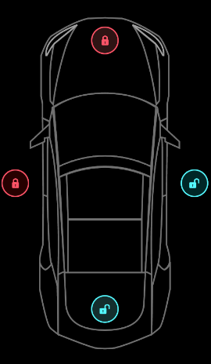

 | ボトムナビゲーションバー作成

● | lib/screens/home_screen.dart

 |  | import 'package:flutter/material.dart';
 |  | import 'package:flutter_svg/flutter_svg.dart';

 |  | import '../home_controller.dart';

 |  | import 'components/door_lock.dart';
 |  | import 'components/tesla_bottom_navigationbar.dart';

 |  | class HomeScreen extends StatelessWidget {
 |  | HomeController _controller = HomeController();

 |  | ///
 |  | @override
 |  | Widget build(BuildContext context) {
 |  | return AnimatedBuilder(
 |  | animation: _controller,
 |  | builder: (context, _) {
 |  | return Scaffold(
 |  | body: SafeArea(
 |  | child: LayoutBuilder(
 |  | builder: (context, constrains) {
 |  | return Stack(
 |  | alignment: Alignment.center,
 |  | children: [
 |  | Padding(
 |  | padding: EdgeInsets.symmetric(
 |  | vertical: constrains.maxHeight * 0.1),
 |  | child: SvgPicture.asset(
 |  | "assets/icons/Car.svg",
 |  | width: double.infinity,
 |  | ),
 |  | ),
 |  | Positioned(
 |  | right: constrains.maxWidth * 0.05,
 |  | child: DoorLock(
 |  | isLock: _controller.isRightDoorLock,
 |  | press: _controller.updateRightDoorLock,
 |  | ),
 |  | ),
 |  | Positioned(
 |  | left: constrains.maxWidth * 0.05,
 |  | child: DoorLock(
 |  | isLock: _controller.isLeftDoorLock,
 |  | press: _controller.updateLeftDoorLock,
 |  | ),
 |  | ),
 |  | Positioned(
 |  | top: constrains.maxHeight * 0.13,
 |  | child: DoorLock(
 |  | isLock: _controller.isBonnetLock,
 |  | press: _controller.updateBonnetLock,
 |  | ),
 |  | ),
 |  | Positioned(
 |  | bottom: constrains.maxHeight * 0.17,
 |  | child: DoorLock(
 |  | isLock: _controller.isTrunkLock,
 |  | press: _controller.updateTrunkLock,
 |  | ),
 |  | ),
 |  | ],
 |  | );
 |  | },
 |  | ),
 |  | ),
 |  | bottomNavigationBar: TeslaBottomNavigationBar(
 |  | onTap: (value) {},
 |  | selectedTab: 0,
 |  | ),
 |  | );
 |  | },
 |  | );
 |  | }
 |  | }

● | lib/screens/components/tesla_bottom_navigationbar.dart

 |  | import 'package:flutter/material.dart';
 |  | import 'package:flutter_svg/flutter_svg.dart';

 |  | import '../../constanins.dart';

 |  | class TeslaBottomNavigationBar extends StatelessWidget {
 |  | final int selectedTab;
 |  | final ValueChanged<int> onTap;

 |  | const TeslaBottomNavigationBar({
 |  | Key? key,
 |  | required this.selectedTab,
 |  | required this.onTap,
 |  | }) : super(key: key);

 |  | ///
 |  | @override
 |  | Widget build(BuildContext context) {
 |  | return BottomNavigationBar(
 |  | onTap: onTap,
 |  | currentIndex: selectedTab,
 |  | type: BottomNavigationBarType.fixed,
 |  | backgroundColor: Colors.black,
 |  | items: List.generate(
 |  | navIconSrc.length,
 |  | (index) => BottomNavigationBarItem(
 |  | icon: SvgPicture.asset(
 |  | navIconSrc[index],
 |  | color: (index == selectedTab) ? primaryColor : Colors.white54,
 |  | ),
 |  | label: "",
 |  | ),
 |  | ),
 |  | );
 |  | }
 |  | }

 |  | List<String> navIconSrc = [
 |  | "assets/icons/Lock.svg",
 |  | "assets/icons/Charge.svg",
 |  | "assets/icons/Temp.svg",
 |  | "assets/icons/Tyre.svg"
 |  | ];

 | 動画①終了

● | lib/home_controller.dart

 |  | import 'package:flutter/material.dart';

 |  | class HomeController extends ChangeNotifier {
 |  | int selectedBottomTab = 0;

 |  | void onBottomNavigationTabChange(int index) {
 |  | selectedBottomTab = index;
 |  | notifyListeners();
 |  | }

 |  | bool isRightDoorLock = true;
 |  | bool isLeftDoorLock = true;
 |  | bool isBonnetLock = true;
 |  | bool isTrunkLock = true;

 |  | void updateRightDoorLock() {
 |  | isRightDoorLock = !isRightDoorLock;
 |  | notifyListeners();
 |  | }

 |  | void updateLeftDoorLock() {
 |  | isLeftDoorLock = !isLeftDoorLock;
 |  | notifyListeners();
 |  | }

 |  | void updateBonnetLock() {
 |  | isBonnetLock = !isBonnetLock;
 |  | notifyListeners();
 |  | }

 |  | void updateTrunkLock() {
 |  | isTrunkLock = !isTrunkLock;
 |  | notifyListeners();
 |  | }
 |  | }

● | lib/screens/home_screen.dart

 |  | import 'package:flutter/material.dart';
 |  | import 'package:flutter_svg/flutter_svg.dart';
 |  | import 'package:test_tesla/constanins.dart';

 |  | import '../home_controller.dart';

 |  | import 'components/door_lock.dart';
 |  | import 'components/tesla_bottom_navigationbar.dart';

 |  | class HomeScreen extends StatelessWidget {
 |  | HomeController _controller = HomeController();

 |  | ///
 |  | @override
 |  | Widget build(BuildContext context) {
 |  | return AnimatedBuilder(
 |  | animation: _controller,
 |  | builder: (context, _) {
 |  | return Scaffold(
 |  | body: SafeArea(
 |  | child: LayoutBuilder(
 |  | builder: (context, constrains) {
 |  | return Stack(
 |  | alignment: Alignment.center,
 |  | children: [
 |  | Padding(
 |  | padding: EdgeInsets.symmetric(
 |  | vertical: constrains.maxHeight * 0.1),
 |  | child: SvgPicture.asset(
 |  | "assets/icons/Car.svg",
 |  | width: double.infinity,
 |  | ),
 |  | ),
 |  | AnimatedPositioned(
 |  | duration: defaultDuration,
 |  | right: (_controller.selectedBottomTab == 0)
 |  | ? constrains.maxWidth * 0.05
 |  | : constrains.maxWidth / 2,
 |  | child: DoorLock(
 |  | isLock: _controller.isRightDoorLock,
 |  | press: _controller.updateRightDoorLock,
 |  | ),
 |  | ),
 |  | Positioned(
 |  | left: constrains.maxWidth * 0.05,
 |  | child: DoorLock(
 |  | isLock: _controller.isLeftDoorLock,
 |  | press: _controller.updateLeftDoorLock,
 |  | ),
 |  | ),
 |  | Positioned(
 |  | top: constrains.maxHeight * 0.13,
 |  | child: DoorLock(
 |  | isLock: _controller.isBonnetLock,
 |  | press: _controller.updateBonnetLock,
 |  | ),
 |  | ),
 |  | Positioned(
 |  | bottom: constrains.maxHeight * 0.17,
 |  | child: DoorLock(
 |  | isLock: _controller.isTrunkLock,
 |  | press: _controller.updateTrunkLock,
 |  | ),
 |  | ),
 |  | ],
 |  | );
 |  | },
 |  | ),
 |  | ),
 |  | bottomNavigationBar: TeslaBottomNavigationBar(
 |  | onTap: (index) {
 |  | _controller.onBottomNavigationTabChange(index);
 |  | },
 |  | selectedTab: _controller.selectedBottomTab,
 |  | ),
 |  | );
 |  | },
 |  | );
 |  | }
 |  | }

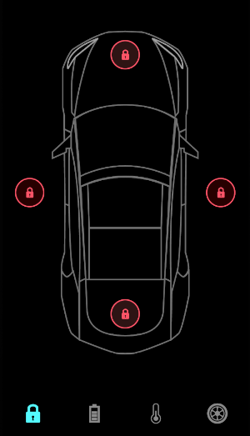
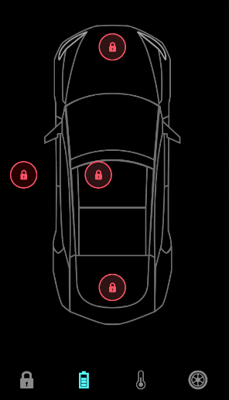

 | 右のロックボタンが中央に寄るアニメーション

● | lib/screens/home_screen.dart

 |  | import 'package:flutter/material.dart';
 |  | import 'package:flutter_svg/flutter_svg.dart';
 |  | import 'package:test_tesla/constanins.dart';

 |  | import '../home_controller.dart';

 |  | import 'components/door_lock.dart';
 |  | import 'components/tesla_bottom_navigationbar.dart';

 |  | class HomeScreen extends StatelessWidget {
 |  | HomeController _controller = HomeController();

 |  | ///
 |  | @override
 |  | Widget build(BuildContext context) {
 |  | return AnimatedBuilder(
 |  | animation: _controller,
 |  | builder: (context, _) {
 |  | return Scaffold(
 |  | body: SafeArea(
 |  | child: LayoutBuilder(
 |  | builder: (context, constrains) {
 |  | return Stack(
 |  | alignment: Alignment.center,
 |  | children: [
 |  | Padding(
 |  | padding: EdgeInsets.symmetric(
 |  | vertical: constrains.maxHeight * 0.1),
 |  | child: SvgPicture.asset(
 |  | "assets/icons/Car.svg",
 |  | width: double.infinity,
 |  | ),
 |  | ),
 |  | AnimatedPositioned(
 |  | duration: defaultDuration,
 |  | right: (_controller.selectedBottomTab == 0)
 |  | ? constrains.maxWidth * 0.05
 |  | : constrains.maxWidth / 2,
 |  | child: AnimatedOpacity(
 |  | duration: defaultDuration,
 |  | opacity: (_controller.selectedBottomTab == 0) ? 1 : 0,
 |  | child: DoorLock(
 |  | isLock: _controller.isRightDoorLock,
 |  | press: _controller.updateRightDoorLock,
 |  | ),
 |  | ),
 |  | ),
 |  | Positioned(
 |  | left: constrains.maxWidth * 0.05,
 |  | child: DoorLock(
 |  | isLock: _controller.isLeftDoorLock,
 |  | press: _controller.updateLeftDoorLock,
 |  | ),
 |  | ),
 |  | Positioned(
 |  | top: constrains.maxHeight * 0.13,
 |  | child: DoorLock(
 |  | isLock: _controller.isBonnetLock,
 |  | press: _controller.updateBonnetLock,
 |  | ),
 |  | ),
 |  | Positioned(
 |  | bottom: constrains.maxHeight * 0.17,
 |  | child: DoorLock(
 |  | isLock: _controller.isTrunkLock,
 |  | press: _controller.updateTrunkLock,
 |  | ),
 |  | ),
 |  | ],
 |  | );
 |  | },
 |  | ),
 |  | ),
 |  | bottomNavigationBar: TeslaBottomNavigationBar(
 |  | onTap: (index) {
 |  | _controller.onBottomNavigationTabChange(index);
 |  | },
 |  | selectedTab: _controller.selectedBottomTab,
 |  | ),
 |  | );
 |  | },
 |  | );
 |  | }
 |  | }

 | 透明度変えながら、移動

 | 他の3つのボタンにも適用

● | lib/screens/home_screen.dart

 |  | import 'package:flutter/material.dart';
 |  | import 'package:flutter_svg/flutter_svg.dart';
 |  | import 'package:test_tesla/constanins.dart';

 |  | import '../home_controller.dart';

 |  | import 'components/door_lock.dart';
 |  | import 'components/tesla_bottom_navigationbar.dart';

 |  | class HomeScreen extends StatelessWidget {
 |  | HomeController _controller = HomeController();

 |  | ///
 |  | @override
 |  | Widget build(BuildContext context) {
 |  | return AnimatedBuilder(
 |  | animation: _controller,
 |  | builder: (context, _) {
 |  | return Scaffold(
 |  | body: SafeArea(
 |  | child: LayoutBuilder(
 |  | builder: (context, constrains) {
 |  | return Stack(
 |  | alignment: Alignment.center,
 |  | children: [
 |  | Padding(
 |  | padding: EdgeInsets.symmetric(
 |  | vertical: constrains.maxHeight * 0.1),
 |  | child: SvgPicture.asset(
 |  | "assets/icons/Car.svg",
 |  | width: double.infinity,
 |  | ),
 |  | ),
 |  | AnimatedPositioned(
 |  | duration: defaultDuration,
 |  | right: (_controller.selectedBottomTab == 0)
 |  | ? constrains.maxWidth * 0.05
 |  | : constrains.maxWidth / 2,
 |  | child: AnimatedOpacity(
 |  | duration: defaultDuration,
 |  | opacity: (_controller.selectedBottomTab == 0) ? 1 : 0,
 |  | child: DoorLock(
 |  | isLock: _controller.isRightDoorLock,
 |  | press: _controller.updateRightDoorLock,
 |  | ),
 |  | ),
 |  | ),
 |  | AnimatedPositioned(
 |  | duration: defaultDuration,
 |  | left: (_controller.selectedBottomTab == 0)
 |  | ? constrains.maxWidth * 0.05
 |  | : constrains.maxWidth / 2,
 |  | child: AnimatedOpacity(
 |  | duration: defaultDuration,
 |  | opacity: (_controller.selectedBottomTab == 0) ? 1 : 0,
 |  | child: DoorLock(
 |  | isLock: _controller.isLeftDoorLock,
 |  | press: _controller.updateLeftDoorLock,
 |  | ),
 |  | ),
 |  | ),
 |  | AnimatedPositioned(
 |  | duration: defaultDuration,
 |  | top: (_controller.selectedBottomTab == 0)
 |  | ? constrains.maxHeight * 0.13
 |  | : constrains.maxHeight / 2,
 |  | child: AnimatedOpacity(
 |  | duration: defaultDuration,
 |  | opacity: (_controller.selectedBottomTab == 0) ? 1 : 0,
 |  | child: DoorLock(
 |  | isLock: _controller.isBonnetLock,
 |  | press: _controller.updateBonnetLock,
 |  | ),
 |  | ),
 |  | ),
 |  | AnimatedPositioned(
 |  | duration: defaultDuration,
 |  | bottom: (_controller.selectedBottomTab == 0)
 |  | ? constrains.maxHeight * 0.17
 |  | : constrains.maxHeight / 2,
 |  | child: AnimatedOpacity(
 |  | duration: defaultDuration,
 |  | opacity: (_controller.selectedBottomTab == 0) ? 1 : 0,
 |  | child: DoorLock(
 |  | isLock: _controller.isTrunkLock,
 |  | press: _controller.updateTrunkLock,
 |  | ),
 |  | ),
 |  | ),
 |  | ],
 |  | );
 |  | },
 |  | ),
 |  | ),
 |  | bottomNavigationBar: TeslaBottomNavigationBar(
 |  | onTap: (index) {
 |  | _controller.onBottomNavigationTabChange(index);
 |  | },
 |  | selectedTab: _controller.selectedBottomTab,
 |  | ),
 |  | );
 |  | },
 |  | );
 |  | }
 |  | }

 | 中央に寄って消える

● | lib/screens/home_screen.dart

 |  | import 'package:flutter/material.dart';
 |  | import 'package:flutter_svg/flutter_svg.dart';
 |  | import 'package:test_tesla/constanins.dart';

 |  | import '../home_controller.dart';

 |  | import 'components/door_lock.dart';
 |  | import 'components/tesla_bottom_navigationbar.dart';

 |  | class HomeScreen extends StatefulWidget { |  | StatefulWidgetに変更する
 |  | @override
 |  | State<HomeScreen> createState() => _HomeScreenState();
 |  | }

 |  | class _HomeScreenState extends State<HomeScreen>
 |  | with SingleTickerProviderStateMixin {
 |  | HomeController _controller = HomeController();

 |  | late AnimationController _batteryAnimationController;
 |  | late Animation<double> _animationBattery;

 |  | ///
 |  | void setupBatteryAnimation() {
 |  | _batteryAnimationController = AnimationController(
 |  | vsync: this,
 |  | duration: Duration(milliseconds: 600),
 |  | );

 |  | _animationBattery = CurvedAnimation(
 |  | parent: _batteryAnimationController,
 |  | curve: Interval(0.0, 0.5),
 |  | );
 |  | }

 |  | ///
 |  | @override
 |  | void initState() {
 |  | setupBatteryAnimation();
 |  | super.initState();
 |  | }

 |  | ///
 |  | @override
 |  | void dispose() {
 |  | _batteryAnimationController.dispose();
 |  | super.dispose();
 |  | }

 |  | ///
 |  | @override
 |  | Widget build(BuildContext context) {
 |  | return AnimatedBuilder(
 |  | animation: Listenable.merge([_controller, _batteryAnimationController]),
 |  | builder: (context, _) {
 |  | print(_animationBattery.value);

 |  | return Scaffold(
 |  | body: SafeArea(
 |  | child: LayoutBuilder(
 |  | builder: (context, constrains) {
 |  | return Stack(
 |  | alignment: Alignment.center,
 |  | children: [
 |  | Padding(
 |  | padding: EdgeInsets.symmetric(
 |  | vertical: constrains.maxHeight * 0.1),
 |  | child: SvgPicture.asset(
 |  | "assets/icons/Car.svg",
 |  | width: double.infinity,
 |  | ),
 |  | ),
 |  | AnimatedPositioned(
 |  | duration: defaultDuration,
 |  | right: (_controller.selectedBottomTab == 0)
 |  | ? constrains.maxWidth * 0.05
 |  | : constrains.maxWidth / 2,
 |  | child: AnimatedOpacity(
 |  | duration: defaultDuration,
 |  | opacity: (_controller.selectedBottomTab == 0) ? 1 : 0,
 |  | child: DoorLock(
 |  | isLock: _controller.isRightDoorLock,
 |  | press: _controller.updateRightDoorLock,
 |  | ),
 |  | ),
 |  | ),
 |  | AnimatedPositioned(
 |  | duration: defaultDuration,
 |  | left: (_controller.selectedBottomTab == 0)
 |  | ? constrains.maxWidth * 0.05
 |  | : constrains.maxWidth / 2,
 |  | child: AnimatedOpacity(
 |  | duration: defaultDuration,
 |  | opacity: (_controller.selectedBottomTab == 0) ? 1 : 0,
 |  | child: DoorLock(
 |  | isLock: _controller.isLeftDoorLock,
 |  | press: _controller.updateLeftDoorLock,
 |  | ),
 |  | ),
 |  | ),
 |  | AnimatedPositioned(
 |  | duration: defaultDuration,
 |  | top: (_controller.selectedBottomTab == 0)
 |  | ? constrains.maxHeight * 0.13
 |  | : constrains.maxHeight / 2,
 |  | child: AnimatedOpacity(
 |  | duration: defaultDuration,
 |  | opacity: (_controller.selectedBottomTab == 0) ? 1 : 0,
 |  | child: DoorLock(
 |  | isLock: _controller.isBonnetLock,
 |  | press: _controller.updateBonnetLock,
 |  | ),
 |  | ),
 |  | ),
 |  | AnimatedPositioned(
 |  | duration: defaultDuration,
 |  | bottom: (_controller.selectedBottomTab == 0)
 |  | ? constrains.maxHeight * 0.17
 |  | : constrains.maxHeight / 2,
 |  | child: AnimatedOpacity(
 |  | duration: defaultDuration,
 |  | opacity: (_controller.selectedBottomTab == 0) ? 1 : 0,
 |  | child: DoorLock(
 |  | isLock: _controller.isTrunkLock,
 |  | press: _controller.updateTrunkLock,
 |  | ),
 |  | ),
 |  | ),
 |  | Opacity(
 |  | opacity: _animationBattery.value,
 |  | child: SvgPicture.asset(
 |  | "assets/icons/Battery.svg",
 |  | width: constrains.maxWidth * 0.45,
 |  | ),
 |  | ),
 |  | ],
 |  | );
 |  | },
 |  | ),
 |  | ),
 |  | bottomNavigationBar: TeslaBottomNavigationBar(
 |  | onTap: (index) {
 |  | if (index == 1) {
 |  | _batteryAnimationController.forward();
 |  | } else if (_controller.selectedBottomTab == 1 && index != 1) {
 |  | _batteryAnimationController.reverse();
 |  | }

 |  | _controller.onBottomNavigationTabChange(index);
 |  | },
 |  | selectedTab: _controller.selectedBottomTab,
 |  | ),
 |  | );
 |  | },
 |  | );
 |  | }
 |  | }

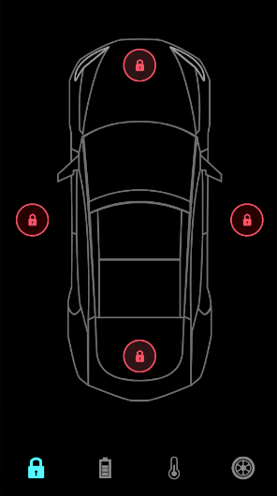
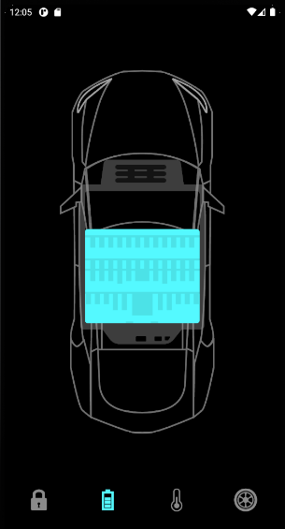

● | バッテリー情報作成

 | lib/screens/home_screen.dart

 |  | import 'package:flutter/material.dart';
 |  | import 'package:flutter_svg/flutter_svg.dart';

 |  | import '../home_controller.dart';
 |  | import '../constanins.dart';

 |  | import 'components/door_lock.dart';
 |  | import 'components/tesla_bottom_navigationbar.dart';
 |  | import 'components/battery_status.dart';

 |  | class HomeScreen extends StatefulWidget {
 |  | @override
 |  | State<HomeScreen> createState() => _HomeScreenState();
 |  | }

 |  | class _HomeScreenState extends State<HomeScreen>
 |  | with SingleTickerProviderStateMixin {
 |  | HomeController _controller = HomeController();

 |  | late AnimationController _batteryAnimationController;
 |  | late Animation<double> _animationBattery;

 |  | ///
 |  | void setupBatteryAnimation() {
 |  | _batteryAnimationController = AnimationController(
 |  | vsync: this,
 |  | duration: Duration(milliseconds: 600),
 |  | );

 |  | _animationBattery = CurvedAnimation(
 |  | parent: _batteryAnimationController,
 |  | curve: Interval(0.0, 0.5),
 |  | );
 |  | }

 |  | ///
 |  | @override
 |  | void initState() {
 |  | setupBatteryAnimation();
 |  | super.initState();
 |  | }

 |  | ///
 |  | @override
 |  | void dispose() {
 |  | _batteryAnimationController.dispose();
 |  | super.dispose();
 |  | }

 |  | ///
 |  | @override
 |  | Widget build(BuildContext context) {
 |  | return AnimatedBuilder(
 |  | animation: Listenable.merge([_controller, _batteryAnimationController]),
 |  | builder: (context, _) {
 |  | print(_animationBattery.value);

 |  | return Scaffold(
 |  | body: SafeArea(
 |  | child: LayoutBuilder(
 |  | builder: (context, constrains) {
 |  | return Stack(
 |  | alignment: Alignment.center,
 |  | children: [
 |  | Padding(
 |  | padding: EdgeInsets.symmetric(
 |  | vertical: constrains.maxHeight * 0.1),
 |  | child: SvgPicture.asset(
 |  | "assets/icons/Car.svg",
 |  | width: double.infinity,
 |  | ),
 |  | ),
 |  | AnimatedPositioned(
 |  | duration: defaultDuration,
 |  | right: (_controller.selectedBottomTab == 0)
 |  | ? constrains.maxWidth * 0.05
 |  | : constrains.maxWidth / 2,
 |  | child: AnimatedOpacity(
 |  | duration: defaultDuration,
 |  | opacity: (_controller.selectedBottomTab == 0) ? 1 : 0,
 |  | child: DoorLock(
 |  | isLock: _controller.isRightDoorLock,
 |  | press: _controller.updateRightDoorLock,
 |  | ),
 |  | ),
 |  | ),
 |  | AnimatedPositioned(
 |  | duration: defaultDuration,
 |  | left: (_controller.selectedBottomTab == 0)
 |  | ? constrains.maxWidth * 0.05
 |  | : constrains.maxWidth / 2,
 |  | child: AnimatedOpacity(
 |  | duration: defaultDuration,
 |  | opacity: (_controller.selectedBottomTab == 0) ? 1 : 0,
 |  | child: DoorLock(
 |  | isLock: _controller.isLeftDoorLock,
 |  | press: _controller.updateLeftDoorLock,
 |  | ),
 |  | ),
 |  | ),
 |  | AnimatedPositioned(
 |  | duration: defaultDuration,
 |  | top: (_controller.selectedBottomTab == 0)
 |  | ? constrains.maxHeight * 0.13
 |  | : constrains.maxHeight / 2,
 |  | child: AnimatedOpacity(
 |  | duration: defaultDuration,
 |  | opacity: (_controller.selectedBottomTab == 0) ? 1 : 0,
 |  | child: DoorLock(
 |  | isLock: _controller.isBonnetLock,
 |  | press: _controller.updateBonnetLock,
 |  | ),
 |  | ),
 |  | ),
 |  | AnimatedPositioned(
 |  | duration: defaultDuration,
 |  | bottom: (_controller.selectedBottomTab == 0)
 |  | ? constrains.maxHeight * 0.17
 |  | : constrains.maxHeight / 2,
 |  | child: AnimatedOpacity(
 |  | duration: defaultDuration,
 |  | opacity: (_controller.selectedBottomTab == 0) ? 1 : 0,
 |  | child: DoorLock(
 |  | isLock: _controller.isTrunkLock,
 |  | press: _controller.updateTrunkLock,
 |  | ),
 |  | ),
 |  | ),
 |  | Opacity(
 |  | opacity: _animationBattery.value,
 |  | child: SvgPicture.asset(
 |  | "assets/icons/Battery.svg",
 |  | width: constrains.maxWidth * 0.45,
 |  | ),
 |  | ),
 |  | BatteryStatus(
 |  | constrains: constrains,
 |  | ),
 |  | ],
 |  | );
 |  | },
 |  | ),
 |  | ),
 |  | bottomNavigationBar: TeslaBottomNavigationBar(
 |  | onTap: (index) {
 |  | if (index == 1) {
 |  | _batteryAnimationController.forward();
 |  | } else if (_controller.selectedBottomTab == 1 && index != 1) {
 |  | _batteryAnimationController.reverse(from: 0.7);
 |  | }

 |  | _controller.onBottomNavigationTabChange(index);
 |  | },
 |  | selectedTab: _controller.selectedBottomTab,
 |  | ),
 |  | );
 |  | },
 |  | );
 |  | }
 |  | }

● | lib/screens/components/battery_status.dart

 |  | import 'package:flutter/material.dart';

 |  | import '../../constanins.dart';

 |  | class BatteryStatus extends StatelessWidget {
 |  | final BoxConstraints constrains;

 |  | const BatteryStatus({
 |  | Key? key,
 |  | required this.constrains,
 |  | }) : super(key: key);

 |  | @override
 |  | Widget build(BuildContext context) {
 |  | return Column(
 |  | children: [
 |  | Text(
 |  | '220 mi',
 |  | style: Theme.of(context)
 |  | .textTheme
 |  | .headline3!
 |  | .copyWith(color: Colors.white),
 |  | ),
 |  | Text(
 |  | '62%',
 |  | style: TextStyle(fontSize: 24),
 |  | ),
 |  | Spacer(),
 |  | Text(
 |  | 'Charging'.toUpperCase(),
 |  | style: TextStyle(fontSize: 20),
 |  | ),
 |  | Text(
 |  | '18 min remaining',
 |  | style: TextStyle(fontSize: 20),
 |  | ),
 |  | SizedBox(
 |  | height: constrains.maxHeight * 0.14,
 |  | ),
 |  | DefaultTextStyle(
 |  | style: TextStyle(
 |  | fontSize: 18,
 |  | fontWeight: FontWeight.bold,
 |  | ),
 |  | child: Row(
 |  | mainAxisAlignment: MainAxisAlignment.spaceBetween,
 |  | children: [
 |  | Text('22 mi/hr'),
 |  | Text('232 v'),
 |  | ],
 |  | ),
 |  | ),
 |  | SizedBox(
 |  | height: defaultPadding,
 |  | ),
 |  | ],
 |  | );
 |  | }
 |  | }

 | バッテリー情報のアニメーション

● | lib/screens/home_screen.dart

 |  | import 'package:flutter/material.dart';
 |  | import 'package:flutter_svg/flutter_svg.dart';

 |  | import '../home_controller.dart';
 |  | import '../constanins.dart';

 |  | import 'components/door_lock.dart';
 |  | import 'components/tesla_bottom_navigationbar.dart';
 |  | import 'components/battery_status.dart';

 |  | class HomeScreen extends StatefulWidget {
 |  | @override
 |  | State<HomeScreen> createState() => _HomeScreenState();
 |  | }

 |  | class _HomeScreenState extends State<HomeScreen>
 |  | with SingleTickerProviderStateMixin {
 |  | HomeController _controller = HomeController();

 |  | late AnimationController _batteryAnimationController;
 |  | late Animation<double> _animationBattery;
 |  | late Animation<double> _animationBatteryStatus;

 |  | ///
 |  | void setupBatteryAnimation() {
 |  | _batteryAnimationController = AnimationController(
 |  | vsync: this,
 |  | duration: Duration(milliseconds: 600),
 |  | );

 |  | _animationBattery = CurvedAnimation(
 |  | parent: _batteryAnimationController,
 |  | curve: Interval(0.0, 0.5),
 |  | );

 |  | _animationBatteryStatus = CurvedAnimation(
 |  | parent: _batteryAnimationController,
 |  | curve: Interval(0.6, 1),
 |  | );
 |  | }

 |  | ///
 |  | @override
 |  | void initState() {
 |  | setupBatteryAnimation();
 |  | super.initState();
 |  | }

 |  | ///
 |  | @override
 |  | void dispose() {
 |  | _batteryAnimationController.dispose();
 |  | super.dispose();
 |  | }

 |  | ///
 |  | @override
 |  | Widget build(BuildContext context) {
 |  | return AnimatedBuilder(
 |  | animation: Listenable.merge([_controller, _batteryAnimationController]),
 |  | builder: (context, _) {
 |  | print(_animationBattery.value);

 |  | return Scaffold(
 |  | body: SafeArea(
 |  | child: LayoutBuilder(
 |  | builder: (context, constrains) {
 |  | return Stack(
 |  | alignment: Alignment.center,
 |  | children: [
 |  | Padding(
 |  | padding: EdgeInsets.symmetric(
 |  | vertical: constrains.maxHeight * 0.1),
 |  | child: SvgPicture.asset(
 |  | "assets/icons/Car.svg",
 |  | width: double.infinity,
 |  | ),
 |  | ),
 |  | AnimatedPositioned(
 |  | duration: defaultDuration,
 |  | right: (_controller.selectedBottomTab == 0)
 |  | ? constrains.maxWidth * 0.05
 |  | : constrains.maxWidth / 2,
 |  | child: AnimatedOpacity(
 |  | duration: defaultDuration,
 |  | opacity: (_controller.selectedBottomTab == 0) ? 1 : 0,
 |  | child: DoorLock(
 |  | isLock: _controller.isRightDoorLock,
 |  | press: _controller.updateRightDoorLock,
 |  | ),
 |  | ),
 |  | ),
 |  | AnimatedPositioned(
 |  | duration: defaultDuration,
 |  | left: (_controller.selectedBottomTab == 0)
 |  | ? constrains.maxWidth * 0.05
 |  | : constrains.maxWidth / 2,
 |  | child: AnimatedOpacity(
 |  | duration: defaultDuration,
 |  | opacity: (_controller.selectedBottomTab == 0) ? 1 : 0,
 |  | child: DoorLock(
 |  | isLock: _controller.isLeftDoorLock,
 |  | press: _controller.updateLeftDoorLock,
 |  | ),
 |  | ),
 |  | ),
 |  | AnimatedPositioned(
 |  | duration: defaultDuration,
 |  | top: (_controller.selectedBottomTab == 0)
 |  | ? constrains.maxHeight * 0.13
 |  | : constrains.maxHeight / 2,
 |  | child: AnimatedOpacity(
 |  | duration: defaultDuration,
 |  | opacity: (_controller.selectedBottomTab == 0) ? 1 : 0,
 |  | child: DoorLock(
 |  | isLock: _controller.isBonnetLock,
 |  | press: _controller.updateBonnetLock,
 |  | ),
 |  | ),
 |  | ),
 |  | AnimatedPositioned(
 |  | duration: defaultDuration,
 |  | bottom: (_controller.selectedBottomTab == 0)
 |  | ? constrains.maxHeight * 0.17
 |  | : constrains.maxHeight / 2,
 |  | child: AnimatedOpacity(
 |  | duration: defaultDuration,
 |  | opacity: (_controller.selectedBottomTab == 0) ? 1 : 0,
 |  | child: DoorLock(
 |  | isLock: _controller.isTrunkLock,
 |  | press: _controller.updateTrunkLock,
 |  | ),
 |  | ),
 |  | ),
 |  | Opacity(
 |  | opacity: _animationBattery.value,
 |  | child: SvgPicture.asset(
 |  | "assets/icons/Battery.svg",
 |  | width: constrains.maxWidth * 0.45,
 |  | ),
 |  | ),
 |  | Opacity(
 |  | opacity: _animationBatteryStatus.value,
 |  | child: BatteryStatus(
 |  | constrains: constrains,
 |  | ),
 |  | ),
 |  | ],
 |  | );
 |  | },
 |  | ),
 |  | ),
 |  | bottomNavigationBar: TeslaBottomNavigationBar(
 |  | onTap: (index) {
 |  | if (index == 1) {
 |  | _batteryAnimationController.forward();
 |  | } else if (_controller.selectedBottomTab == 1 && index != 1) {
 |  | _batteryAnimationController.reverse(from: 0.7);
 |  | }

 |  | _controller.onBottomNavigationTabChange(index);
 |  | },
 |  | selectedTab: _controller.selectedBottomTab,
 |  | ),
 |  | );
 |  | },
 |  | );
 |  | }
 |  | }

 | バッテリー情報のアニメーションを作成した

● | lib/screens/home_screen.dart

 |  | import 'package:flutter/material.dart';
 |  | import 'package:flutter_svg/flutter_svg.dart';

 |  | import '../home_controller.dart';
 |  | import '../constanins.dart';

 |  | import 'components/door_lock.dart';
 |  | import 'components/tesla_bottom_navigationbar.dart';
 |  | import 'components/battery_status.dart';

 |  | class HomeScreen extends StatefulWidget {
 |  | @override
 |  | State<HomeScreen> createState() => _HomeScreenState();
 |  | }

 |  | class _HomeScreenState extends State<HomeScreen>
 |  | with SingleTickerProviderStateMixin {
 |  | HomeController _controller = HomeController();

 |  | late AnimationController _batteryAnimationController;
 |  | late Animation<double> _animationBattery;
 |  | late Animation<double> _animationBatteryStatus;

 |  | ///
 |  | void setupBatteryAnimation() {
 |  | _batteryAnimationController = AnimationController(
 |  | vsync: this,
 |  | duration: Duration(milliseconds: 600),
 |  | );

 |  | _animationBattery = CurvedAnimation(
 |  | parent: _batteryAnimationController,
 |  | curve: Interval(0.0, 0.5),
 |  | );

 |  | _animationBatteryStatus = CurvedAnimation(
 |  | parent: _batteryAnimationController,
 |  | curve: Interval(0.6, 1),
 |  | );
 |  | }

 |  | ///
 |  | @override
 |  | void initState() {
 |  | setupBatteryAnimation();
 |  | super.initState();
 |  | }

 |  | ///
 |  | @override
 |  | void dispose() {
 |  | _batteryAnimationController.dispose();
 |  | super.dispose();
 |  | }

 |  | ///
 |  | @override
 |  | Widget build(BuildContext context) {
 |  | return AnimatedBuilder(
 |  | animation: Listenable.merge([_controller, _batteryAnimationController]),
 |  | builder: (context, _) {
 |  | print(_animationBattery.value);

 |  | return Scaffold(
 |  | body: SafeArea(
 |  | child: LayoutBuilder(
 |  | builder: (context, constrains) {
 |  | return Stack(
 |  | alignment: Alignment.center,
 |  | children: [
 |  | Padding(
 |  | padding: EdgeInsets.symmetric(
 |  | vertical: constrains.maxHeight * 0.1),
 |  | child: SvgPicture.asset(
 |  | "assets/icons/Car.svg",
 |  | width: double.infinity,
 |  | ),
 |  | ),
 |  | AnimatedPositioned(
 |  | duration: defaultDuration,
 |  | right: (_controller.selectedBottomTab == 0)
 |  | ? constrains.maxWidth * 0.05
 |  | : constrains.maxWidth / 2,
 |  | child: AnimatedOpacity(
 |  | duration: defaultDuration,
 |  | opacity: (_controller.selectedBottomTab == 0) ? 1 : 0,
 |  | child: DoorLock(
 |  | isLock: _controller.isRightDoorLock,
 |  | press: _controller.updateRightDoorLock,
 |  | ),
 |  | ),
 |  | ),
 |  | AnimatedPositioned(
 |  | duration: defaultDuration,
 |  | left: (_controller.selectedBottomTab == 0)
 |  | ? constrains.maxWidth * 0.05
 |  | : constrains.maxWidth / 2,
 |  | child: AnimatedOpacity(
 |  | duration: defaultDuration,
 |  | opacity: (_controller.selectedBottomTab == 0) ? 1 : 0,
 |  | child: DoorLock(
 |  | isLock: _controller.isLeftDoorLock,
 |  | press: _controller.updateLeftDoorLock,
 |  | ),
 |  | ),
 |  | ),
 |  | AnimatedPositioned(
 |  | duration: defaultDuration,
 |  | top: (_controller.selectedBottomTab == 0)
 |  | ? constrains.maxHeight * 0.13
 |  | : constrains.maxHeight / 2,
 |  | child: AnimatedOpacity(
 |  | duration: defaultDuration,
 |  | opacity: (_controller.selectedBottomTab == 0) ? 1 : 0,
 |  | child: DoorLock(
 |  | isLock: _controller.isBonnetLock,
 |  | press: _controller.updateBonnetLock,
 |  | ),
 |  | ),
 |  | ),
 |  | AnimatedPositioned(
 |  | duration: defaultDuration,
 |  | bottom: (_controller.selectedBottomTab == 0)
 |  | ? constrains.maxHeight * 0.17
 |  | : constrains.maxHeight / 2,
 |  | child: AnimatedOpacity(
 |  | duration: defaultDuration,
 |  | opacity: (_controller.selectedBottomTab == 0) ? 1 : 0,
 |  | child: DoorLock(
 |  | isLock: _controller.isTrunkLock,
 |  | press: _controller.updateTrunkLock,
 |  | ),
 |  | ),
 |  | ),
 |  | Opacity(
 |  | opacity: _animationBattery.value,
 |  | child: SvgPicture.asset(
 |  | "assets/icons/Battery.svg",
 |  | width: constrains.maxWidth * 0.45,
 |  | ),
 |  | ),
 |  | Positioned(
 |  | top: 50 * (1 - _animationBatteryStatus.value),
 |  | height: constrains.maxHeight,
 |  | width: constrains.maxWidth,
 |  | child: Opacity(
 |  | opacity: _animationBatteryStatus.value,
 |  | child: BatteryStatus(
 |  | constrains: constrains,
 |  | ),
 |  | ),
 |  | ),
 |  | ],
 |  | );
 |  | },
 |  | ),
 |  | ),
 |  | bottomNavigationBar: TeslaBottomNavigationBar(
 |  | onTap: (index) {
 |  | if (index == 1) {
 |  | _batteryAnimationController.forward();
 |  | } else if (_controller.selectedBottomTab == 1 && index != 1) {
 |  | _batteryAnimationController.reverse(from: 0.7);
 |  | }

 |  | _controller.onBottomNavigationTabChange(index);
 |  | },
 |  | selectedTab: _controller.selectedBottomTab,
 |  | ),
 |  | );
 |  | },
 |  | );
 |  | }
 |  | }

 | バッテリー情報のテキスト位置を変更するアニメーション

 | 動画②終了

 | 右に半分めりこむ形

● | lib/screens/home_screen.dart

 |  | import 'package:flutter/material.dart';
 |  | import 'package:flutter_svg/flutter_svg.dart';

 |  | import '../home_controller.dart';
 |  | import '../constanins.dart';

 |  | import 'components/door_lock.dart';
 |  | import 'components/tesla_bottom_navigationbar.dart';
 |  | import 'components/battery_status.dart';

 |  | class HomeScreen extends StatefulWidget {
 |  | @override
 |  | State<HomeScreen> createState() => _HomeScreenState();
 |  | }

 |  | class _HomeScreenState extends State<HomeScreen>
 |  | with SingleTickerProviderStateMixin {
 |  | HomeController _controller = HomeController();

 |  | late AnimationController _batteryAnimationController;
 |  | late Animation<double> _animationBattery;
 |  | late Animation<double> _animationBatteryStatus;

 |  | ///
 |  | void setupBatteryAnimation() {
 |  | _batteryAnimationController = AnimationController(
 |  | vsync: this,
 |  | duration: Duration(milliseconds: 600),
 |  | );

 |  | _animationBattery = CurvedAnimation(
 |  | parent: _batteryAnimationController,
 |  | curve: Interval(0.0, 0.5),
 |  | );

 |  | _animationBatteryStatus = CurvedAnimation(
 |  | parent: _batteryAnimationController,
 |  | curve: Interval(0.6, 1),
 |  | );
 |  | }

 |  | ///
 |  | @override
 |  | void initState() {
 |  | setupBatteryAnimation();
 |  | super.initState();
 |  | }

 |  | ///
 |  | @override
 |  | void dispose() {
 |  | _batteryAnimationController.dispose();
 |  | super.dispose();
 |  | }

 |  | ///
 |  | @override
 |  | Widget build(BuildContext context) {
 |  | return AnimatedBuilder(
 |  | animation: Listenable.merge([_controller, _batteryAnimationController]),
 |  | builder: (context, _) {
 |  | print(_animationBattery.value);

 |  | return Scaffold(
 |  | body: SafeArea(
 |  | child: LayoutBuilder(
 |  | builder: (context, constrains) {
 |  | return Stack(
 |  | alignment: Alignment.center,
 |  | children: [
 |  | SizedBox(
 |  | height: constrains.maxHeight,
 |  | width: constrains.maxWidth,
 |  | ),
 |  | Positioned(
 |  | left: constrains.maxWidth / 2,
 |  | height: constrains.maxHeight,
 |  | width: constrains.maxWidth,
 |  | child: Padding(
 |  | padding: EdgeInsets.symmetric(
 |  | vertical: constrains.maxHeight * 0.1),
 |  | child: SvgPicture.asset(
 |  | "assets/icons/Car.svg",
 |  | width: double.infinity,
 |  | ),
 |  | ),
 |  | ),
 |  | AnimatedPositioned(
 |  | duration: defaultDuration,
 |  | right: (_controller.selectedBottomTab == 0)
 |  | ? constrains.maxWidth * 0.05
 |  | : constrains.maxWidth / 2,
 |  | child: AnimatedOpacity(
 |  | duration: defaultDuration,
 |  | opacity: (_controller.selectedBottomTab == 0) ? 1 : 0,
 |  | child: DoorLock(
 |  | isLock: _controller.isRightDoorLock,
 |  | press: _controller.updateRightDoorLock,
 |  | ),
 |  | ),
 |  | ),
 |  | AnimatedPositioned(
 |  | duration: defaultDuration,
 |  | left: (_controller.selectedBottomTab == 0)
 |  | ? constrains.maxWidth * 0.05
 |  | : constrains.maxWidth / 2,
 |  | child: AnimatedOpacity(
 |  | duration: defaultDuration,
 |  | opacity: (_controller.selectedBottomTab == 0) ? 1 : 0,
 |  | child: DoorLock(
 |  | isLock: _controller.isLeftDoorLock,
 |  | press: _controller.updateLeftDoorLock,
 |  | ),
 |  | ),
 |  | ),
 |  | AnimatedPositioned(
 |  | duration: defaultDuration,
 |  | top: (_controller.selectedBottomTab == 0)
 |  | ? constrains.maxHeight * 0.13
 |  | : constrains.maxHeight / 2,
 |  | child: AnimatedOpacity(
 |  | duration: defaultDuration,
 |  | opacity: (_controller.selectedBottomTab == 0) ? 1 : 0,
 |  | child: DoorLock(
 |  | isLock: _controller.isBonnetLock,
 |  | press: _controller.updateBonnetLock,
 |  | ),
 |  | ),
 |  | ),
 |  | AnimatedPositioned(
 |  | duration: defaultDuration,
 |  | bottom: (_controller.selectedBottomTab == 0)
 |  | ? constrains.maxHeight * 0.17
 |  | : constrains.maxHeight / 2,
 |  | child: AnimatedOpacity(
 |  | duration: defaultDuration,
 |  | opacity: (_controller.selectedBottomTab == 0) ? 1 : 0,
 |  | child: DoorLock(
 |  | isLock: _controller.isTrunkLock,
 |  | press: _controller.updateTrunkLock,
 |  | ),
 |  | ),
 |  | ),
 |  | Opacity(
 |  | opacity: _animationBattery.value,
 |  | child: SvgPicture.asset(
 |  | "assets/icons/Battery.svg",
 |  | width: constrains.maxWidth * 0.45,
 |  | ),
 |  | ),
 |  | Positioned(
 |  | top: 50 * (1 - _animationBatteryStatus.value),
 |  | height: constrains.maxHeight,
 |  | width: constrains.maxWidth,
 |  | child: Opacity(
 |  | opacity: _animationBatteryStatus.value,
 |  | child: BatteryStatus(
 |  | constrains: constrains,
 |  | ),
 |  | ),
 |  | ),
 |  | ],
 |  | );
 |  | },
 |  | ),
 |  | ),
 |  | bottomNavigationBar: TeslaBottomNavigationBar(
 |  | onTap: (index) {
 |  | if (index == 1) {
 |  | _batteryAnimationController.forward();
 |  | } else if (_controller.selectedBottomTab == 1 && index != 1) {
 |  | _batteryAnimationController.reverse(from: 0.7);
 |  | }

 |  | _controller.onBottomNavigationTabChange(index);
 |  | },
 |  | selectedTab: _controller.selectedBottomTab,
 |  | ),
 |  | );
 |  | },
 |  | );
 |  | }
 |  | }

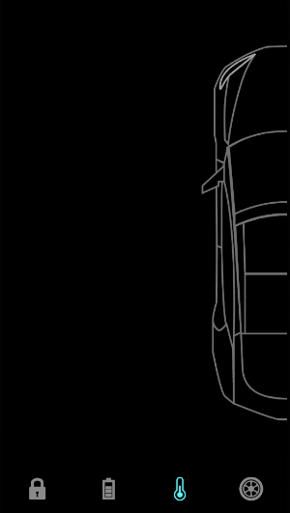

 | 右にめり込むアニメーション

● | lib/screens/home_screen.dart

 |  | import 'package:flutter/material.dart';
 |  | import 'package:flutter_svg/flutter_svg.dart';

 |  | import '../home_controller.dart';
 |  | import '../constanins.dart';

 |  | import 'components/door_lock.dart';
 |  | import 'components/tesla_bottom_navigationbar.dart';
 |  | import 'components/battery_status.dart';

 |  | class HomeScreen extends StatefulWidget {
 |  | @override
 |  | State<HomeScreen> createState() => _HomeScreenState();
 |  | }

 |  | class _HomeScreenState extends State<HomeScreen> with TickerProviderStateMixin {
 |  | HomeController _controller = HomeController();

 |  | late AnimationController _batteryAnimationController;
 |  | late Animation<double> _animationBattery;
 |  | late Animation<double> _animationBatteryStatus;

 |  | late AnimationController _tempAnimationController;
 |  | late Animation<double> _animationCarShift;

 |  | ///
 |  | void setupTempAnimation() {
 |  | _tempAnimationController = AnimationController(
 |  | vsync: this,
 |  | duration: Duration(milliseconds: 1500),
 |  | );

 |  | _animationCarShift = CurvedAnimation(
...
 | 1 | https://www.youtube.com/watch?v=P629-Z3py1Y |  | 3 | https://www.youtube.com/watch?v=pJD1qmRjmBo&t=7s
 | 2 | https://www.youtube.com/watch?v=0BSRmp1zE1Y |  | 4 | https://www.youtube.com/watch?v=gTC4FMXRRFM
 |  | },
 |  | selectedTab: _controller.selectedBottomTab,
 |  | ),
 |  | );
 |  | },
 |  | );
 |  | }
 |  | }

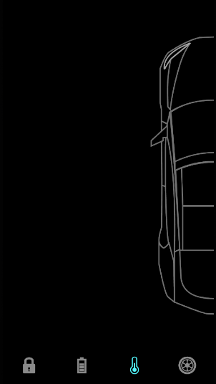
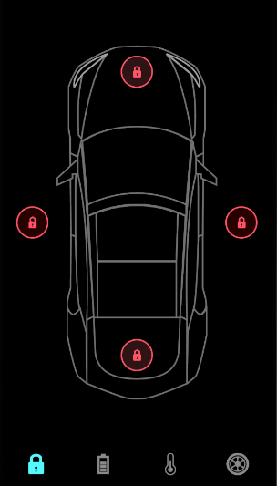

 | 温度のボタンアニメーション作成

● | lib/screens/home_screen.dart
...
 | 1 | https://www.youtube.com/watch?v=P629-Z3py1Y |  | 3 | https://www.youtube.com/watch?v=pJD1qmRjmBo&t=7s
 | 2 | https://www.youtube.com/watch?v=0BSRmp1zE1Y |  | 4 | https://www.youtube.com/watch?v=gTC4FMXRRFM
 |  | bool isCoolSelected = true;

 |  | void updateCoolSelectedTab() {
 |  | isCoolSelected = !isCoolSelected;
 |  | notifyListeners();
 |  | }
 |  | }

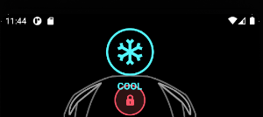

● | lib/screens/home_screen.dart

 |  | import 'package:flutter/material.dart';
 |  | import 'package:flutter_svg/flutter_svg.dart';
...
 | 1 | https://www.youtube.com/watch?v=P629-Z3py1Y |  | 3 | https://www.youtube.com/watch?v=pJD1qmRjmBo&t=7s
 | 2 | https://www.youtube.com/watch?v=0BSRmp1zE1Y |  | 4 | https://www.youtube.com/watch?v=gTC4FMXRRFM
 |  | ),
 |  | child: Text(title.toUpperCase()),
 |  | ),
 |  | ],
 |  | ),
 |  | );
 |  | }
 |  | }

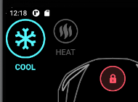
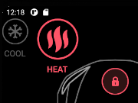

 | 別ファイルに切り分ける

● | lib/screens/home_screen.dart

 |  | import 'package:flutter/material.dart';
...
 | 1 | https://www.youtube.com/watch?v=P629-Z3py1Y |  | 3 | https://www.youtube.com/watch?v=pJD1qmRjmBo&t=7s
 | 2 | https://www.youtube.com/watch?v=0BSRmp1zE1Y |  | 4 | https://www.youtube.com/watch?v=gTC4FMXRRFM
 |  | },
 |  | selectedTab: _controller.selectedBottomTab,
 |  | ),
 |  | );
 |  | },
 |  | );
 |  | }
 |  | }

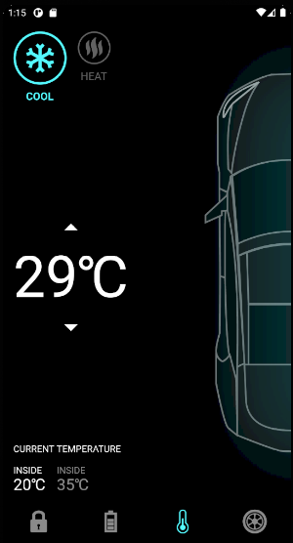
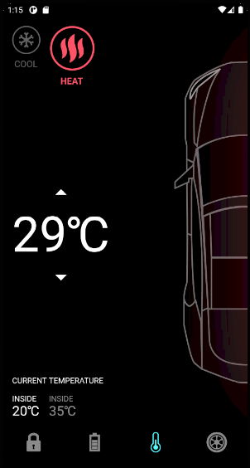

 | 動画④

 | タイヤの表示、非表示
...
 | 1 | https://www.youtube.com/watch?v=P629-Z3py1Y |  | 3 | https://www.youtube.com/watch?v=pJD1qmRjmBo&t=7s
 | 2 | https://www.youtube.com/watch?v=0BSRmp1zE1Y |  | 4 | https://www.youtube.com/watch?v=gTC4FMXRRFM
 |  | notifyListeners();
 |  | } else {
 |  | isShowTyre = false;
 |  | notifyListeners();
 |  | }
 |  | }
 |  | }

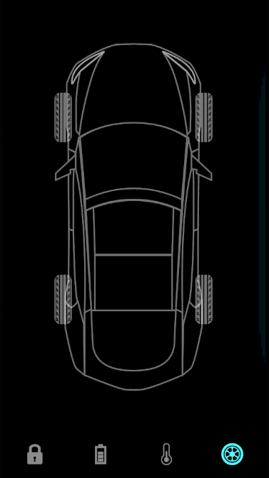
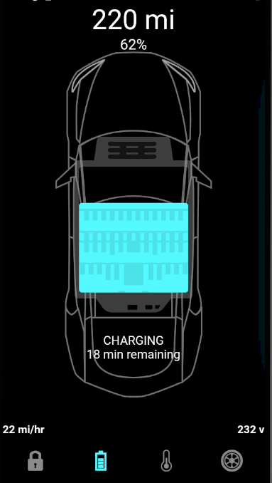

 | タイヤタブの時だけタイヤが表示される

 | ディレイを付けた

● | lib/home_controller.dart
...
 | 1 | https://www.youtube.com/watch?v=P629-Z3py1Y |  | 3 | https://www.youtube.com/watch?v=pJD1qmRjmBo&t=7s
 | 2 | https://www.youtube.com/watch?v=0BSRmp1zE1Y |  | 4 | https://www.youtube.com/watch?v=gTC4FMXRRFM
 |  | },
 |  | selectedTab: _controller.selectedBottomTab,
 |  | ),
 |  | );
 |  | },
 |  | );
 |  | }
 |  | }

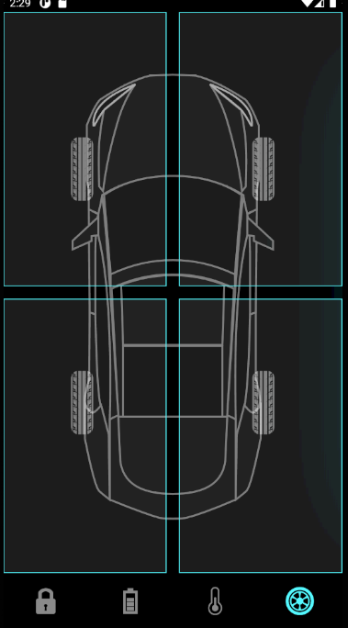

★ | 俺が知りたかった、1行で複数のスタイルテキストを適用する方法

● | lib/screens/home_screen.dart

 |  | import 'package:flutter/material.dart';
...
 | 1 | https://www.youtube.com/watch?v=P629-Z3py1Y |  | 3 | https://www.youtube.com/watch?v=pJD1qmRjmBo&t=7s
 | 2 | https://www.youtube.com/watch?v=0BSRmp1zE1Y |  | 4 | https://www.youtube.com/watch?v=gTC4FMXRRFM
 |  | },
 |  | selectedTab: _controller.selectedBottomTab,
 |  | ),
 |  | );
 |  | },
 |  | );
 |  | }
 |  | }

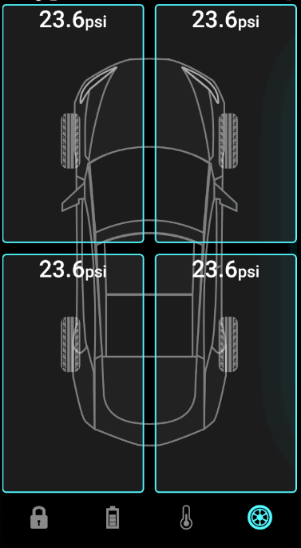

 | 別クラスに切り分けた

● | lib/screens/home_screen.dart

 |  | import 'package:flutter/cupertino.dart';
...
 | 1 | https://www.youtube.com/watch?v=P629-Z3py1Y |  | 3 | https://www.youtube.com/watch?v=pJD1qmRjmBo&t=7s
 | 2 | https://www.youtube.com/watch?v=0BSRmp1zE1Y |  | 4 | https://www.youtube.com/watch?v=gTC4FMXRRFM
 |  | text: "psi",
 |  | style: TextStyle(fontSize: 24),
 |  | ),
 |  | ],
 |  | ),
 |  | );
 |  | }
 |  | }

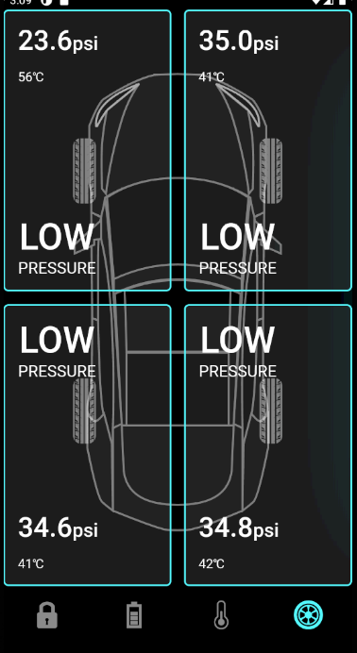

 | 別ファイルに切り分ける

● | lib/screens/components/tyre_psi_card.dart

 |  | import 'package:flutter/material.dart';
...
 | 1 | https://www.youtube.com/watch?v=P629-Z3py1Y |  | 3 | https://www.youtube.com/watch?v=pJD1qmRjmBo&t=7s
 | 2 | https://www.youtube.com/watch?v=0BSRmp1zE1Y |  | 4 | https://www.youtube.com/watch?v=gTC4FMXRRFM
 |  | },
 |  | selectedTab: _controller.selectedBottomTab,
 |  | ),
 |  | );
 |  | },
 |  | );
 |  | }
 |  | }

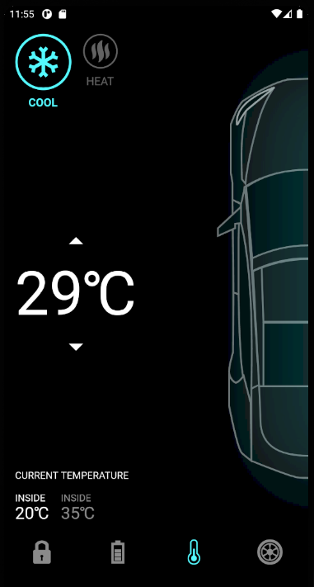
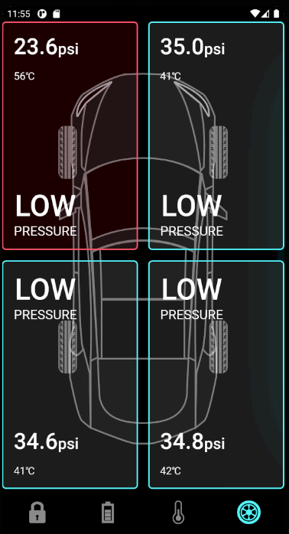

 | サイズ変更アニメが機能しない |  | 19分49秒

● | lib/screens/home_screen.dart

 |  | import 'package:flutter/cupertino.dart';
 |  | import 'package:flutter/material.dart';
...

キャンドルチャート
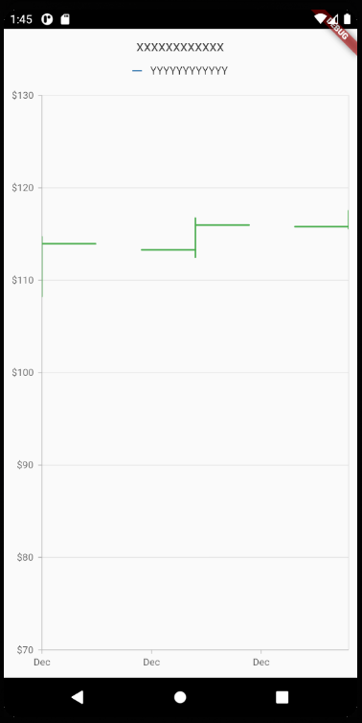
...
 |  | ChartSampleData({
 |  | required this.x,
 |  | required this.open,
 |  | required this.close,
 |  | required this.low,
 |  | required this.high,
 |  | });
 |  | }

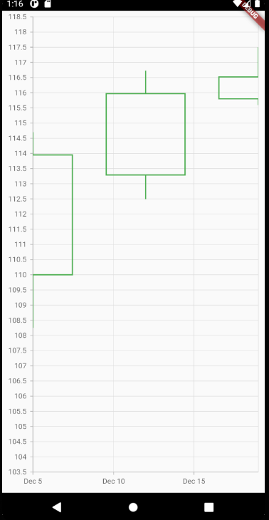

● | lib/main.dart

 |  | import 'package:flutter/material.dart';
 |  | import 'package:syncfusion_flutter_charts/charts.dart';

 |  | import 'package:intl/intl.dart';
...
 |  | ChartSampleData({
 |  | required this.x,
 |  | required this.open,
 |  | required this.close,
 |  | required this.low,
 |  | required this.high,
 |  | });
 |  | }

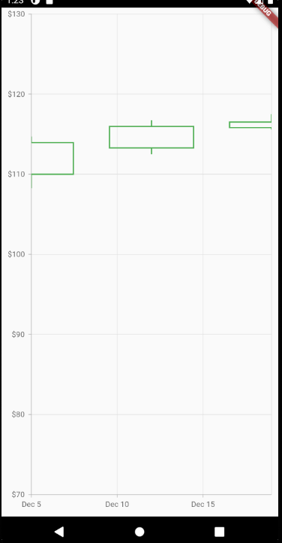

● | lib/main.dart

 |  | import 'package:flutter/material.dart';
 |  | import 'package:syncfusion_flutter_charts/charts.dart';
...
 |  | ChartSampleData({
 |  | required this.x,
 |  | required this.open,
 |  | required this.close,
 |  | required this.low,
 |  | required this.high,
 |  | });
 |  | }

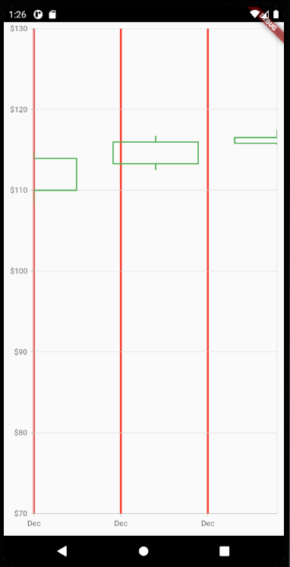

● | lib/main.dart

 |  | import 'package:flutter/material.dart';
 |  | import 'package:syncfusion_flutter_charts/charts.dart';
...
 |  | ChartSampleData({
 |  | required this.x,
 |  | required this.open,
 |  | required this.close,
 |  | required this.low,
 |  | required this.high,
 |  | });
 |  | }

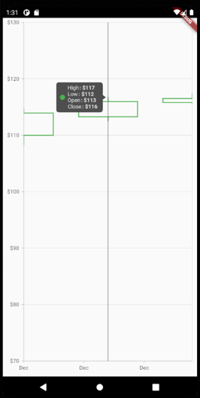

● | lib/main.dart

 |  | import 'package:flutter/material.dart';
 |  | import 'package:syncfusion_flutter_charts/charts.dart';

 |  | import 'package:intl/intl.dart';
...
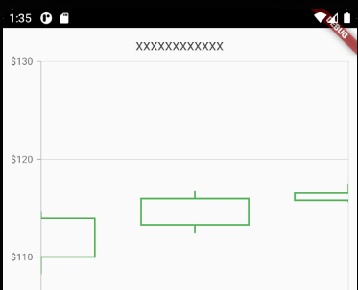
...
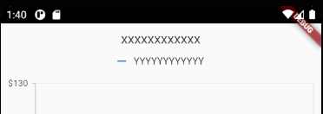
...
 |  | ChartSampleData({
 |  | required this.x,
 |  | required this.open,
 |  | required this.close,
 |  | required this.low,
 |  | required this.high,
 |  | });
 |  | }

sf DatePicker
...
 |  | Widget build(BuildContext context) {
 |  | return SafeArea(
 |  | child: Scaffold(
 |  | body: SfDateRangePicker(),
 |  | )); |  | view: DateRangePickerView.month,
 |  | } |  | と同じ
 |  | }

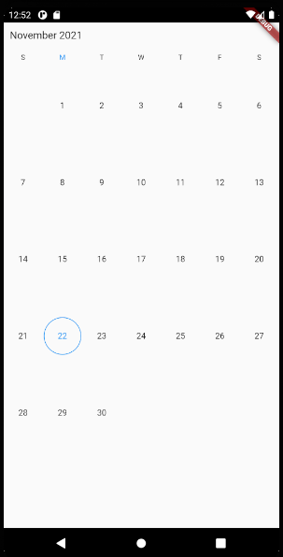

● | lib/main.dart

 |  | import 'package:flutter/material.dart';

 |  | import 'package:syncfusion_flutter_datepicker/datepicker.dart';
...
 |  | return SafeArea(
 |  | child: Scaffold(
 |  | body: SfDateRangePicker(
 |  | view: DateRangePickerView.year,
 |  | ),
 |  | ));
 |  | }
 |  | }

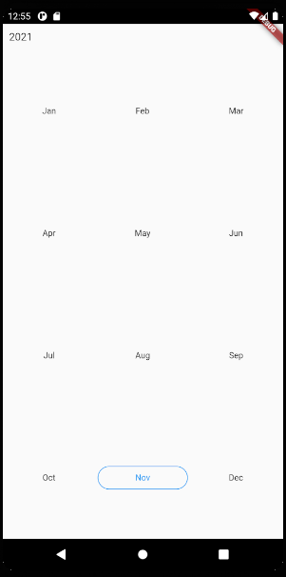

● | lib/main.dart

 |  | import 'package:flutter/material.dart';

 |  | import 'package:syncfusion_flutter_datepicker/datepicker.dart';
...
 |  | return SafeArea(
 |  | child: Scaffold(
 |  | body: SfDateRangePicker(
 |  | view: DateRangePickerView.decade,
 |  | ),
 |  | ));
 |  | }
 |  | }

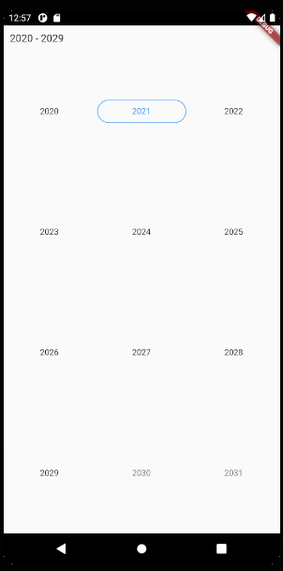

● | lib/main.dart

 |  | import 'package:flutter/material.dart';

 |  | import 'package:syncfusion_flutter_datepicker/datepicker.dart';
...
 |  | return SafeArea(
 |  | child: Scaffold(
 |  | body: SfDateRangePicker(
 |  | view: DateRangePickerView.century,
 |  | ),
 |  | ));
 |  | }
 |  | }

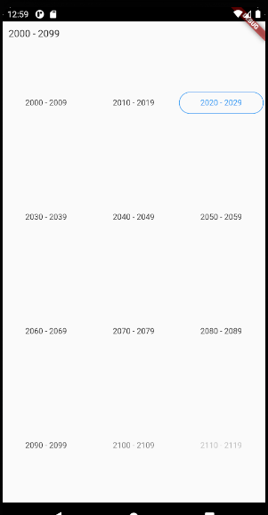

● | lib/main.dart

 |  | import 'package:flutter/material.dart';

 |  | import 'package:syncfusion_flutter_datepicker/datepicker.dart';
...
 |  | view: DateRangePickerView.month,
 |  | monthViewSettings:
 |  | DateRangePickerMonthViewSettings(firstDayOfWeek: 1),
 |  | ),
 |  | ),
 |  | ); | 週の表示を月曜日から開始する
 |  | }
 |  | }

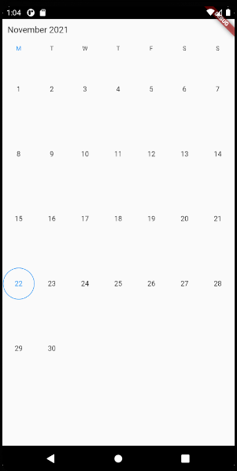

● | lib/main.dart

 |  | import 'package:flutter/material.dart';

 |  | import 'package:syncfusion_flutter_datepicker/datepicker.dart';
...
 |  | monthViewSettings:
 |  | DateRangePickerMonthViewSettings(firstDayOfWeek: 1),
 |  | selectionMode: DateRangePickerSelectionMode.multiple,
 |  | ),
 |  | ),
 |  | );
 |  | }
 |  | }

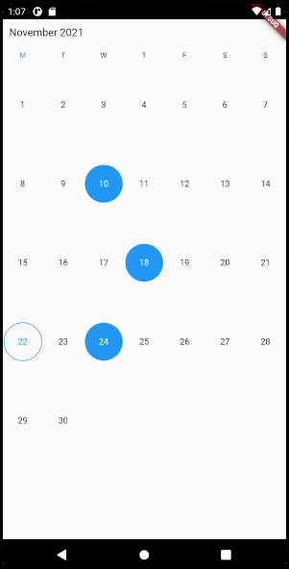

● | lib/main.dart

 |  | import 'package:flutter/material.dart';

 |  | import 'package:syncfusion_flutter_datepicker/datepicker.dart';
...
 |  | monthViewSettings:
 |  | DateRangePickerMonthViewSettings(firstDayOfWeek: 1),
 |  | selectionMode: DateRangePickerSelectionMode.range,
 |  | ),
 |  | ),
 |  | );
 |  | }
 |  | }

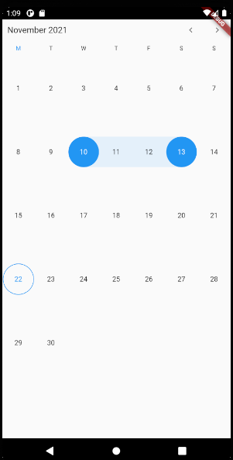

● | lib/main.dart

 |  | import 'package:flutter/material.dart';

 |  | import 'package:syncfusion_flutter_datepicker/datepicker.dart';
...
 |  | monthViewSettings:
 |  | DateRangePickerMonthViewSettings(firstDayOfWeek: 1),
 |  | selectionMode: DateRangePickerSelectionMode.multiRange,
 |  | ),
 |  | ),
 |  | );
 |  | }
 |  | }

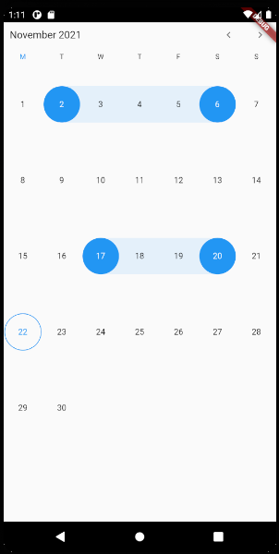

● | lib/main.dart

 |  | import 'package:flutter/material.dart';

 |  | import 'package:syncfusion_flutter_datepicker/datepicker.dart';
...
 |  | }

 |  | void _onSelectionChanged(
 |  | DateRangePickerSelectionChangedArgs dateRangePickerSelectionChangedArgs) {
 |  | print(dateRangePickerSelectionChangedArgs.value);
 |  | print(dateRangePickerSelectionChangedArgs.value[0].startDate);
 |  | }
 |  | }

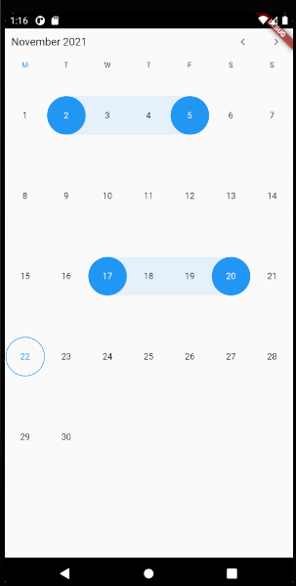

 | I/flutter ( 5687): [PickerDateRange#00495(startDate: 2021-11-02 00:00:00.000, endDate: 2021-11-05 00:00:00.000), PickerDateRange#15848(startDate: 2021-11-17 00:00:00.000, endDate: 2021-11-20 00:00:00.000)]
 | I/flutter ( 5687): 2021-11-02 00:00:00.000

● | lib/main.dart
...
 |  | }

 |  | // void _onSelectionChanged(
 |  | // DateRangePickerSelectionChangedArgs dateRangePickerSelectionChangedArgs) {
 |  | // print(dateRangePickerSelectionChangedArgs.value);
 |  | // print(dateRangePickerSelectionChangedArgs.value[0].startDate);
 |  | // }
 |  | }

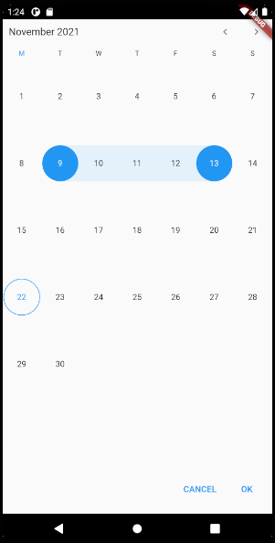

 | I/flutter ( 5687): [PickerDateRange#2bb6a(startDate: 2021-11-09 00:00:00.000, endDate: 2021-11-13 00:00:00.000)]

stopwatch
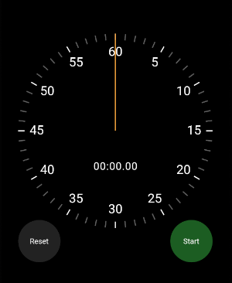
...
 | Flutter Tutorial: Stopwatch App with Custom UI and Animations
 | https://www.youtube.com/watch?v=9Wq2l6IBkIw
 |  | child: Text(
 |  | text,
 |  | style: TextStyle(fontSize: 40),
 |  | textAlign: TextAlign.center,
 |  | ),
 |  | );
 |  | }
 |  | }

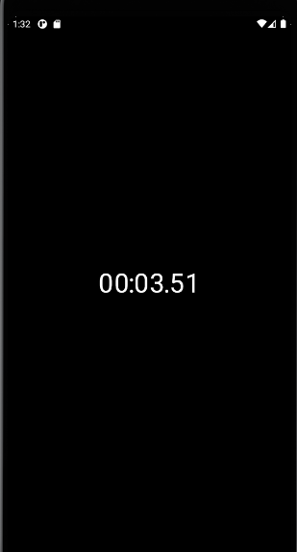

● | lib/ui/stopwatch.dart

 |  | import 'package:flutter/material.dart';
 |  | import 'package:flutter/scheduler.dart';
...
 | Flutter Tutorial: Stopwatch App with Custom UI and Animations
 | https://www.youtube.com/watch?v=9Wq2l6IBkIw
 |  | ),
 |  | ),
 |  | ),
 |  | ),
 |  | );
 |  | }
 |  | }



● | lib/ui/stopwatch_renderer.dart

 |  | import 'package:flutter/material.dart';

 |  | import 'elapsed_time_text.dart';
...
 | Flutter Tutorial: Stopwatch App with Custom UI and Animations
 | https://www.youtube.com/watch?v=9Wq2l6IBkIw
 |  | color: Colors.indigo,
 |  | ),
 |  | ),
 |  | // ElapsedTimeText(elapsed: elapsed),
 |  | ],
 |  | );
 |  | }
 |  | }



● | lib/ui/stopwatch.dart

 |  | import 'package:flutter/material.dart';
 |  | import 'package:flutter/scheduler.dart';
...
 | Flutter Tutorial: Stopwatch App with Custom UI and Animations
 | https://www.youtube.com/watch?v=9Wq2l6IBkIw
 |  | ),
 |  | ),
 |  | */
 |  | // ElapsedTimeText(elapsed: elapsed),
 |  | ],
 |  | );
 |  | }
 |  | }



● | lib/ui/clock_hand.dart

 |  | import 'package:flutter/material.dart';

 |  | class ClockHand extends StatelessWidget {
 |  | final double rotationZAngle;
...
 | Flutter Tutorial: Stopwatch App with Custom UI and Animations
 | https://www.youtube.com/watch?v=9Wq2l6IBkIw
 |  | ),
 |  | )

 |  | // ElapsedTimeText(elapsed: elapsed),
 |  | ],
 |  | );
 |  | }
 |  | }



● | lib/ui/elapsed_time_text.dart

 |  | import 'package:flutter/material.dart';

 |  | class ElapsedTimeText extends StatelessWidget {
...
 | Flutter Tutorial: Stopwatch App with Custom UI and Animations
 | https://www.youtube.com/watch?v=9Wq2l6IBkIw
 |  | top: radius * 1.3,
 |  | child: ElapsedTimeText(elapsed: elapsed),
 |  | ),
 |  | ],
 |  | );
 |  | }
 |  | }



● | lib/ui/stopwatch_renderer.dart

 |  | import 'package:flutter/material.dart';

 |  | import 'dart:math';
...
 | Flutter Tutorial: Stopwatch App with Custom UI and Animations
 | https://www.youtube.com/watch?v=9Wq2l6IBkIw
 |  | width: width,
 |  | height: height,
 |  | color: color,
 |  | ),
 |  | );
 |  | }
 |  | }



● | lib/ui/stopwatch_renderer.dart

 |  | import 'package:flutter/material.dart';

 |  | import 'dart:math';
...
 | Flutter Tutorial: Stopwatch App with Custom UI and Animations
 | https://www.youtube.com/watch?v=9Wq2l6IBkIw
 |  | style: TextStyle(fontSize: 24),
 |  | textAlign: TextAlign.center,
 |  | ),
 |  | ),
 |  | );
 |  | }
 |  | }



● | lib/ui/clock_markers.dart

 |  | import 'package:flutter/material.dart';

 |  | import 'dart:math';
...
 | Flutter Tutorial: Stopwatch App with Custom UI and Animations
 | https://www.youtube.com/watch?v=9Wq2l6IBkIw
 |  | style: TextStyle(fontSize: 24),
 |  | textAlign: TextAlign.center,
 |  | ),
 |  | ),
 |  | );
 |  | }
 |  | }



● | lib/ui/reset_button.dart

 |  | import 'package:flutter/material.dart';

 |  | class ResetButton extends StatelessWidget {
...
 | Flutter Tutorial: Stopwatch App with Custom UI and Animations
 | https://www.youtube.com/watch?v=9Wq2l6IBkIw
 |  | _ticker.start();
 |  | } else {
 |  | _ticker.stop();
 |  | }
 |  | });
 |  | }
 |  | }


 |  |  | 再始動すると0になる

● | lib/ui/stopwatch.dart

 |  | import 'package:flutter/material.dart';
 |  | import 'package:flutter/scheduler.dart';
...
 | Flutter Tutorial: Stopwatch App with Custom UI and Animations
 | https://www.youtube.com/watch?v=9Wq2l6IBkIw
 |  | _previouslyElapsed += _currentElapsed;
 |  | _currentElapsed = Duration.zero;
 |  | }
 |  | });
 |  | }
 |  | }


 |  |  | 再始動しても0にならない

● | lib/ui/stopwatch.dart

 |  | import 'package:flutter/material.dart';
 |  | import 'package:flutter/scheduler.dart';
...
 | Flutter Tutorial: Stopwatch App with Custom UI and Animations
 | https://www.youtube.com/watch?v=9Wq2l6IBkIw
 |  | isRunning = false;

 |  | _previouslyElapsed = Duration.zero;
 |  | _currentElapsed = Duration.zero;
 |  | });
 |  | }
 |  | }

