redux
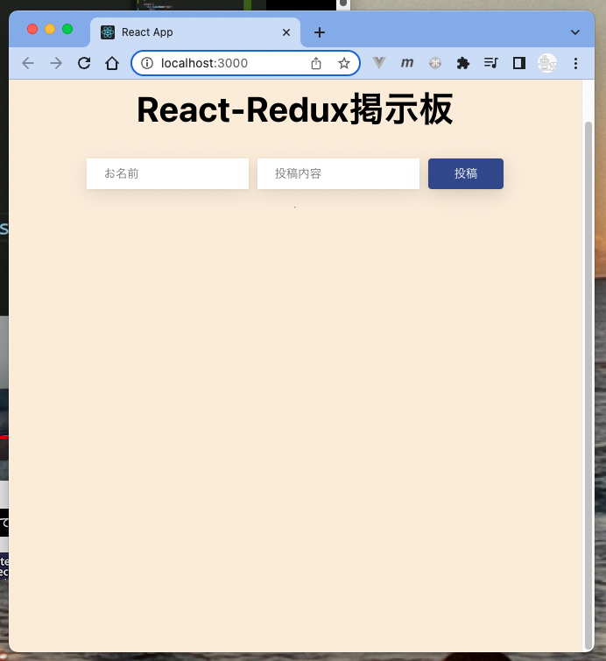
 | ReactとReduxを使って掲示板アプリを構築してみよう【Redux Toolkit実践】 |  | git | https://github.com/Shin-sibainu/react-redux-crud-yt
 | https://www.youtube.com/watch?v=p4oHHzqjRMg

● | toyohide@toyohidenoMacBook-Pro ~ % cd /Users/toyohide/Desktop/hideyuki/react/003

● | toyohide@toyohidenoMacBook-Pro 003 % npx create-react-app redux-bbs-app

● | toyohide@toyohidenoMacBook-Pro 003 % cd redux-bbs-app

● | toyohide@toyohidenoMacBook-Pro redux-bbs-app % code .

● | toyohide@toyohidenoMacBook-Pro redux-bbs-app % npm install react-redux

● | toyohide@toyohidenoMacBook-Pro redux-bbs-app % npm start

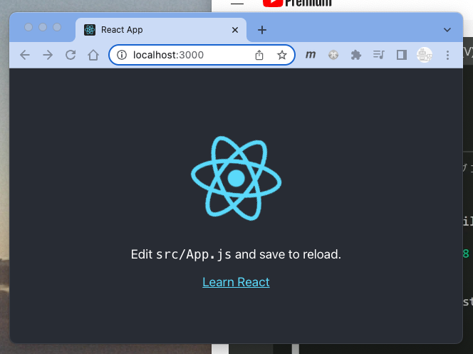

 | src/DummyData.js

 |  | export const PostsData = [
 |  | {
 |  | id: 1,
 |  | name: "ShinCode",
 |  | content: "Redux勉強なう",
 |  | },

 |  | {
 |  | id: 2,
 |  | name: "名無しさん",
 |  | content: "ShinCodeさん分かりやすい",
 |  | },

 |  | {
 |  | id: 3,
 |  | name: "駆け出しエンジニア",
 |  | content: "Udemy受講してみようかな",
 |  | },

 |  | {
 |  | id: 4,
 |  | name: "スタックオーバーフローさん",
 |  | content: "エンジニアのスタバ",
 |  | },
 |  | ];

 | src/App.js

 |  | import './App.css';

 |  | function App() {
 |  | return (
 |  | <div className="App"></div>
 |  | );
 |  | }

 |  | export default App;

 | src/features/Posts.js

 |  | import {createSlice} from "@reduxjs/toolkit"

 |  | import { PostsData } from '../DummyData';

 |  | export const postSlice = createSlice({
 |  | name: "posts",
 |  | initialState: {value: PostsData},
 |  | reducers: {
 |  | addPost: (state, action)=>{
 |  | state.value.push(action.payload);
 |  | }
 |  | }
 |  | });

 |  | export default postSlice.reducer;

 | src/index.js

 |  | import React from 'react';
 |  | import ReactDOM from 'react-dom/client';
 |  | import './index.css';
 |  | import App from './App';

 |  | import {configureStore} from "@reduxjs/toolkit"
 |  | import { Provider } from 'react-redux';
 |  | import postsReducer from "./features/Posts"

 |  | const store = configureStore({
 |  | reducer: {
 |  | posts: postsReducer,
 |  | }
 |  | })

 |  | const root = ReactDOM.createRoot(document.getElementById('root'));
 |  | root.render(
 |  | <React.StrictMode>

 |  | <Provider store={store}>
 |  | <App />
 |  | </Provider>

 |  | </React.StrictMode>
 |  | );

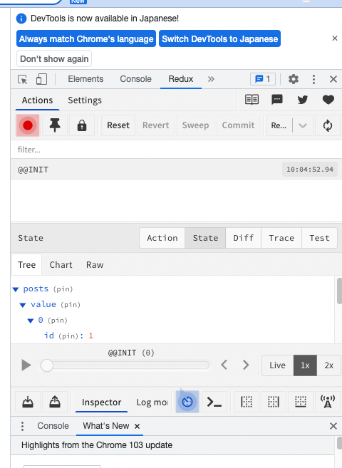

 | src/App.js

 |  | import './App.css';

 |  | import {useSelector} from "react-redux"

 |  | function App() {

 |  | const postList = useSelector((state)=>state.posts.value);

 |  | console.log(postList);

 |  | return (
 |  | <div className="App"></div>
 |  | );
 |  | }

 |  | export default App;

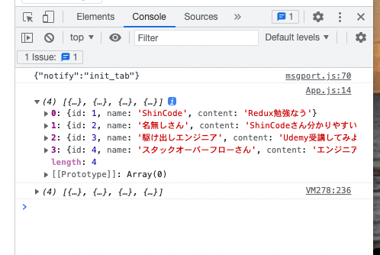

 | src/App.css

 |  | .App {
 |  | display: flex;
 |  | flex-direction: column;
 |  | align-items: center;
 |  | padding: 1.5rem;
 |  | height: 100vh;
 |  | }

 |  | .App h1 {
 |  | font-size: 2.5rem;
 |  | }

 |  | hr {
 |  | margin-top: 20px;
 |  | margin-bottom: 0;
 |  | }

 |  | .displayPosts .post {
 |  | margin-top: 30px;
 |  | box-shadow: 0 4px 8px 0 rgba(0, 0, 0, 0.1), 0 6px 20px 0 rgba(0, 0, 0, 0.19);
 |  | padding: 20px 30px;
 |  | border-radius: 10px;
 |  | min-width: 500px;
 |  | background-color: white;
 |  | }

 |  | .displayPosts .postName {
 |  | font-size: 30px;
 |  | margin-top: 6px;
 |  | }

 |  | .displayPosts .postContent {
 |  | margin-top: -10px;
 |  | font-size: 15px;
 |  | font-weight: 400;
 |  | }

 |  | input {
 |  | padding: 10px 20px;
 |  | margin-right: 10px;
 |  | border: none;
 |  | box-shadow: 0 1px 3px 0 rgba(123, 123, 123, 0.1),
 |  | 0 6px 20px 0 rgba(118, 118, 118, 0.19);
 |  | outline: none;
 |  | }

 |  | button {
 |  | padding: 7px 30px;
 |  | border: none;
 |  | border-radius: 4px;
 |  | box-shadow: 0 1px 3px 0 rgba(123, 123, 123, 0.1),
 |  | 0 6px 20px 0 rgba(55, 55, 55, 0.19);
 |  | background-color: #314a8d;
 |  | color: white;
 |  | cursor: pointer;
 |  | }

 | src/App.js

 |  | import './App.css';

 |  | import {useSelector} from "react-redux"

 |  | function App() {

 |  | const postList = useSelector((state)=>state.posts.value);

 |  | // console.log(postList);

 |  | return (
 |  | <div className="App">
 |  | <h1>React-Redux掲示板</h1>
 |  | <div className='addPost'>
 |  | <input type="text" placeholder='お名前' />
 |  | <input type="text" placeholder='投稿内容' />
 |  | <button>投稿</button>
 |  | </div>
 |  | <hr />
 |  | <div className='displayPosts'>
 |  | {postList.map((post) => (
 |  | <div key={post.id} className='post'>
 |  | <h1>{post.name}</h1>
 |  | <h1 className='postContent'>{post.content}</h1>
 |  | </div>
 |  | ))}
 |  | </div>
 |  | </div>
 |  | );
 |  | }

 |  | export default App;

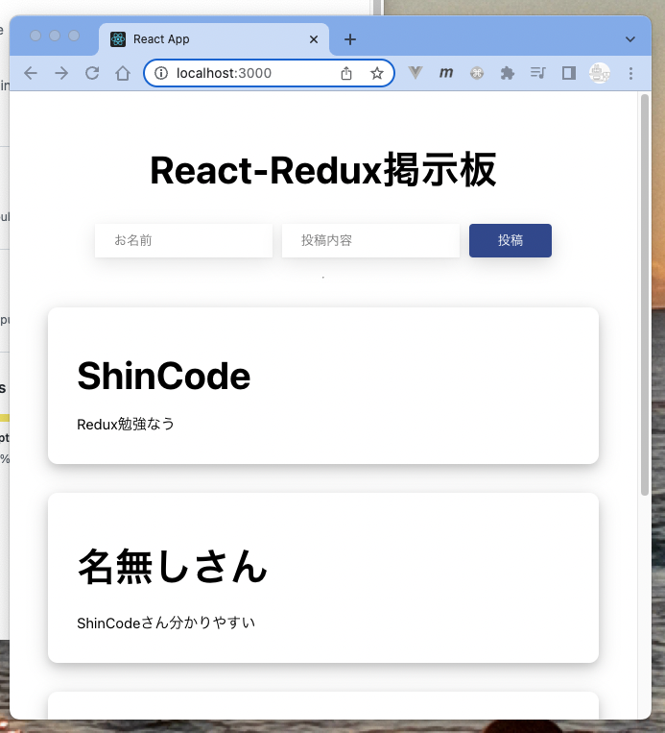

 | src/index.css

 |  | body {
 |  | margin: 0;
 |  | font-family: -apple-system, BlinkMacSystemFont, 'Segoe UI', 'Roboto', 'Oxygen',
 |  | 'Ubuntu', 'Cantarell', 'Fira Sans', 'Droid Sans', 'Helvetica Neue',
 |  | sans-serif;
 |  | -webkit-font-smoothing: antialiased;
 |  | -moz-osx-font-smoothing: grayscale;

 |  | background-color: antiquewhite;
 |  | }

 |  | code {
 |  | font-family: source-code-pro, Menlo, Monaco, Consolas, 'Courier New',
 |  | monospace;
 |  | }

 | src/App.js

 |  | import './App.css';

 |  | import {useSelector} from "react-redux"

 |  | function App() {

 |  | const postList = useSelector((state)=>state.posts.value);

 |  | // console.log(postList);

 |  | return (
 |  | <div className="App">
 |  | <h1>React-Redux掲示板</h1>
 |  | <div className='addPost'>
 |  | <input type="text" placeholder='お名前' />
 |  | <input type="text" placeholder='投稿内容' />
 |  | <button>投稿</button>
 |  | </div>
 |  | <hr />
 |  | <div className='displayPosts'>
 |  | {postList.map((post) => (
 |  | <div key={post.id} className='post'>
 |  | <h1 className='postName'>{post.name}</h1>
 |  | <h1 className='postContent'>{post.content}</h1>
 |  | <button>削除</button>
 |  | </div>
 |  | ))}
 |  | </div>
 |  | </div>
 |  | );
 |  | }

 |  | export default App;

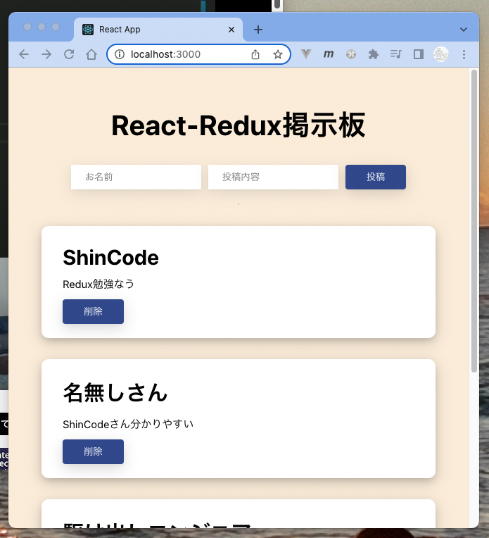

 | src/features/Posts.js

 |  | import {createSlice} from "@reduxjs/toolkit"

 |  | import { PostsData } from '../DummyData';

 |  | export const postSlice = createSlice({
 |  | name: "posts",
 |  | initialState: {value: PostsData},
 |  | reducers: {
 |  | addPost: (state, action)=>{
 |  | state.value.push(action.payload);
 |  | }
 |  | }
 |  | });

 |  | export default postSlice.reducer;

 |  | export const {addPost} = postSlice.actions;

 | src/App.js

 |  | import './App.css';

 |  | import {useSelector, useDispatch} from "react-redux"

 |  | import {addPost} from './features/Posts'
 |  | import { useState } from 'react';

 |  | function App() {

 |  | const postList = useSelector((state)=>state.posts.value);

 |  | // console.log(postList);

 |  | const dispatch = useDispatch();

 |  | const [name, setName] = useState("");
 |  | const [content, setContent] = useState("");

 |  | const handleClick = () => {
 |  | dispatch(addPost({
 |  | id: postList.length,
 |  | name: name,
 |  | content: content,
 |  | }));
 |  | };

 |  | return (
 |  | <div className="App">
 |  | <h1>React-Redux掲示板</h1>
 |  | <div className='addPost'>
 |  | <input type="text" placeholder='お名前' onChange={(e)=>setName(e.target.value)} />
 |  | <input type="text" placeholder='投稿内容' onChange={(e)=>setContent(e.target.value)} />
 |  | <button onClick={()=>handleClick()}>投稿</button>
 |  | </div>
 |  | <hr />
 |  | <div className='displayPosts'>
 |  | {postList.map((post) => (
 |  | <div key={post.id} className='post'>
 |  | <h1 className='postName'>{post.name}</h1>
 |  | <h1 className='postContent'>{post.content}</h1>
 |  | <button>削除</button>
 |  | </div>
 |  | ))}
 |  | </div>
 |  | </div>
 |  | );
 |  | }

 |  | export default App;

 | src/App.js

 |  | import './App.css';

 |  | import {useSelector, useDispatch} from "react-redux"

 |  | import {addPost} from './features/Posts'
 |  | import { useState } from 'react';

 |  | function App() {

 |  | const postList = useSelector((state)=>state.posts.value);

 |  | // console.log(postList);

 |  | const dispatch = useDispatch();

 |  | const [name, setName] = useState("");
 |  | const [content, setContent] = useState("");

 |  | const handleClick = () => {
 |  | dispatch(addPost({
 |  | id: postList.length,
 |  | name: name,
 |  | content: content,
 |  | }));

 |  | setName("");
 |  | setContent("");

 |  | };

 |  | return (
 |  | <div className="App">
 |  | <h1>React-Redux掲示板</h1>
 |  | <div className='addPost'>
 |  | <input type="text" placeholder='お名前' onChange={(e)=>setName(e.target.value)} value={name} />
 |  | <input type="text" placeholder='投稿内容' onChange={(e)=>setContent(e.target.value)} value={content} />
 |  | <button onClick={()=>handleClick()}>投稿</button>
 |  | </div>
 |  | <hr />
 |  | <div className='displayPosts'>
 |  | {postList.map((post) => (
 |  | <div key={post.id} className='post'>
 |  | <h1 className='postName'>{post.name}</h1>
 |  | <h1 className='postContent'>{post.content}</h1>
 |  | <button>削除</button>
 |  | </div>
 |  | ))}
 |  | </div>
 |  | </div>
 |  | );
 |  | }

 |  | export default App;

 | 削除

 | src/features/Posts.js

 |  | import {createSlice} from "@reduxjs/toolkit"

 |  | import { PostsData } from '../DummyData';

 |  | export const postSlice = createSlice({
 |  | name: "posts",
 |  | initialState: {value: PostsData},
 |  | reducers: {
 |  | addPost: (state, action)=>{
 |  | state.value.push(action.payload);
 |  | }

 |  | ,
 |  | deletePost: (state, action)=>{
 |  | state.value = state.value.filter((post) => post.id !== action.payload.id);
 |  | }

 |  | }
 |  | });

 |  | export default postSlice.reducer;

 |  | export const {addPost, deletePost} = postSlice.actions;

 | src/App.js

 |  | import './App.css';

 |  | import {useSelector, useDispatch} from "react-redux"

 |  | import {addPost, deletePost} from './features/Posts'

 |  | import { useState } from 'react';

 |  | function App() {

 |  | const postList = useSelector((state)=>state.posts.value);

 |  | // console.log(postList);

 |  | const dispatch = useDispatch();

 |  | const [name, setName] = useState("");
 |  | const [content, setContent] = useState("");

 |  | const handleClick = () => {
 |  | dispatch(addPost({
 |  | id: postList.length,
 |  | name: name,
 |  | content: content,
 |  | }));

 |  | setName("");
 |  | setContent("");

 |  | };

 |  | return (
 |  | <div className="App">
 |  | <h1>React-Redux掲示板</h1>
 |  | <div className='addPost'>
 |  | <input type="text" placeholder='お名前' onChange={(e)=>setName(e.target.value)} value={name} />
 |  | <input type="text" placeholder='投稿内容' onChange={(e)=>setContent(e.target.value)} value={content} />
 |  | <button onClick={()=>handleClick()}>投稿</button>
 |  | </div>
 |  | <hr />
 |  | <div className='displayPosts'>
 |  | {postList.map((post) => (
 |  | <div key={post.id} className='post'>
 |  | <h1 className='postName'>{post.name}</h1>
 |  | <h1 className='postContent'>{post.content}</h1>
 |  | <button onClick={()=>dispatch(deletePost({id: post.id}))}>削除</button>
 |  | </div>
 |  | ))}
 |  | </div>
 |  | </div>
 |  | );
 |  | }

 |  | export default App;

