Sheet1
● | toyohide@toyohidenoMacBook-Pro ~ % cd /Users/toyohide/Desktop/hideyuki/react/002

● | toyohide@toyohidenoMacBook-Pro 002 % pip3 install django==3.0.7

● | toyohide@toyohidenoMacBook-Pro 002 % pip3 install djangorestframework==3.10

● | toyohide@toyohidenoMacBook-Pro 002 % pip3 install djangorestframework-simplejwt==4.1.2

● | toyohide@toyohidenoMacBook-Pro 002 % pip3 install djoser

● | toyohide@toyohidenoMacBook-Pro 002 % pip3 install django-cors-headers

● | toyohide@toyohidenoMacBook-Pro 002 % pip3 install Pillow

● | toyohide@toyohidenoMacBook-Pro backend % pwd
 | /Users/toyohide/Desktop/hideyuki/react/002/backend

● | toyohide@toyohidenoMacBook-Pro backend % django-admin startproject api_insta .

● | toyohide@toyohidenoMacBook-Pro backend % django-admin startapp api

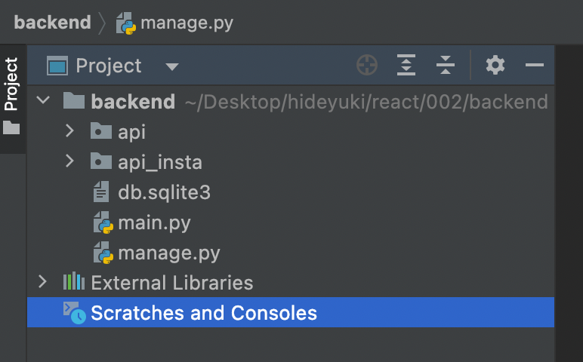

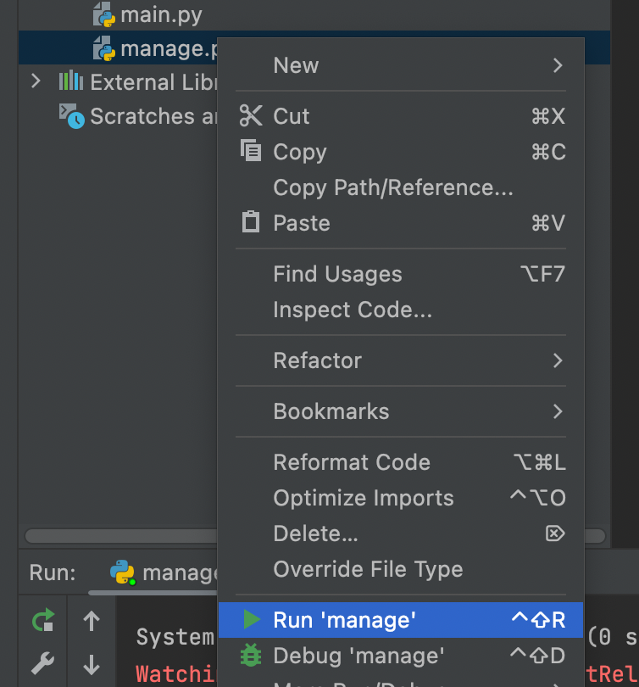

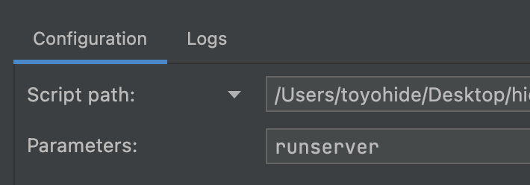

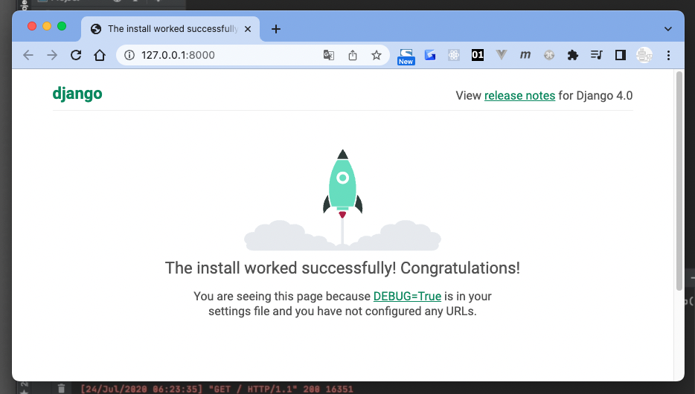

 | toyohide@toyohidenoMacBook-Pro 002 % cd backend

 | toyohide@toyohidenoMacBook-Pro backend % python3 manage.py runserver

