docker001
 | Docker超入門講座 合併版 | ゼロから実践する4時間のフルコース
 | https://www.youtube.com/watch?v=lZD1MIHwMBY

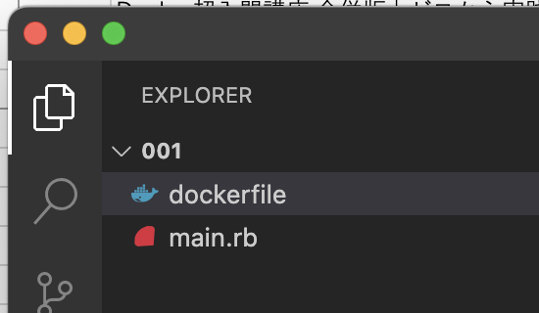
●

● | /Users/toyohide/Desktop/hideyuki/docker_study/001/main.rb

 |  | require 'webrick'

 |  | server = WEBrick::HTTPServer.new(
 |  | DocumentRoot: './',
 |  | BindAddress: '0.0.0.0',
 |  | Port: 8000
 |  | )

 |  | server.mount_proc('/') do |req, res|
 |  | res.body = 'hello'
 |  | end

 |  | server.start

● | /Users/toyohide/Desktop/hideyuki/docker_study/001/dockerfile

 |  | FROM ruby:2.7

 |  | RUN mkdir /var/www
 |  | COPY main.rb /var/www

 |  | CMD [ "ruby", "/var/www/main.rb" ]

 | toyohide@toyohidenoMacBook-Pro 001 % docker image build -t sample/webrick:latest .

 | toyohide@toyohidenoMacBook-Pro 001 % docker image ls

 | toyohide@toyohidenoMacBook-Pro 001 % docker container run -p 8000:8000 --name webrick sample/webrick:latest

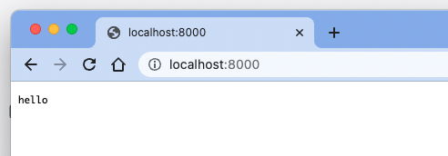

● | toyohide@toyohidenoMacBook-Pro 001 % docker container ls -a
 | CONTAINER ID IMAGE COMMAND CREATED STATUS PORTS NAMES
 | c9f75933353b sample/webrick:latest "ruby /var/www/main.…" 12 minutes ago Exited (1) 25 seconds ago webrick
 | 46cca165d5f6 centos:centos7 "/bin/bash" 19 hours ago Exited (0) 19 hours ago centos7f
 | d732071e51b6 hello-world "/hello" 20 hours ago Exited (0) 20 hours ago amazing_mccarthy

● | toyohide@toyohidenoMacBook-Pro 001 % docker container ls
 | CONTAINER ID IMAGE COMMAND CREATED STATUS PORTS NAMES
 | c9f75933353b sample/webrick:latest "ruby /var/www/main.…" 16 minutes ago Up 5 seconds 0.0.0.0:8000->8000/tcp webrick

 |  |  | ログの確認方法
 | toyohide@toyohidenoMacBook-Pro 001 % docker container logs webrick

● | コンテナの中でコマンドを実行する

 | toyohide@toyohidenoMacBook-Pro 001 % docker container exec webrick ruby -v
 | ruby 2.7.6p219 (2022-04-12 revision c9c2245c0a) [aarch64-linux]

● | 使用していないコンテナを削除する

 | toyohide@toyohidenoMacBook-Pro 001 % docker system prune -a

docker002
 | DockerでLaravelの環境構築をする手順をまとめてみた【Nginx】
 | https://www.engilaboo.com/how-to-use-docker-for-laravel/

 | toyohide@toyohidenoMacBook-Pro docker_study % mkdir 002

 | toyohide@toyohidenoMacBook-Pro docker_study % cd 002

 | toyohide@toyohidenoMacBook-Pro 002 % code .

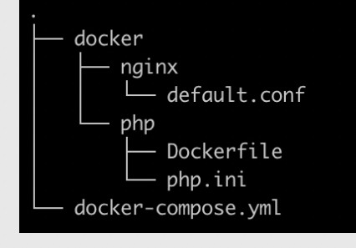
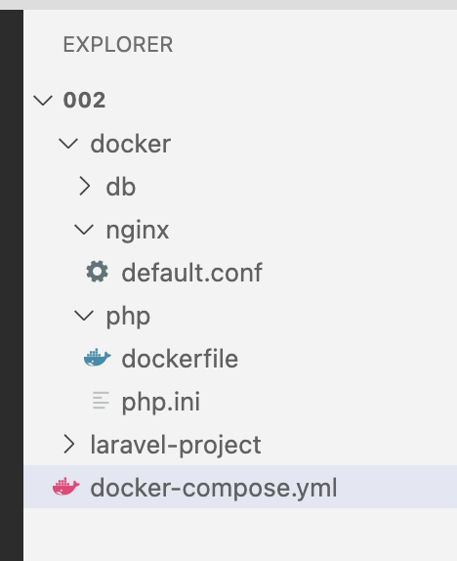
●

 | 上記のファイルを作成する

 |  |  | laravel作成時にはこうなる

● | /Users/toyohide/Desktop/hideyuki/docker_study/002/docker/php/php.ini

 |  | [Date]
 |  | date.timezone = "Asia/Tokyo"
 |  | [mbstring]
 |  | mbstring.internal_encoding = "UTF-8"
 |  | mbstring.language = "Japanese"
 |  | [opcache]
 |  | opcache.memory_consumption=128
 |  | opcache.interned_strings_buffer=8
 |  | opcache.max_accelerated_files=4000
 |  | opcache.revalidate_freq=60
 |  | opcache.fast_shutdown=1
 |  | opcache.enable_cli=1

● | /Users/toyohide/Desktop/hideyuki/docker_study/002/docker/nginx/default.conf

 |  | server {
 |  | listen 80;
 |  | root /var/www/laravel-project/public;
 |  | index index.php;
 |  | location / {
 |  | root /var/www/laravel-project/public;
 |  | index index.php;
 |  | try_files $uri $uri/ /index.php$query_string;
 |  | }
 |  | location ~ \.php$ {
 |  | try_files $uri =404;
 |  | fastcgi_split_path_info ^(.+\.php)(/.+)$;
 |  | fastcgi_pass app:9000;
 |  | fastcgi_index index.php;
 |  | include fastcgi_params;
 |  | fastcgi_param SCRIPT_FILENAME $document_root$fastcgi_script_name;
 |  | fastcgi_param PATH_INFO $fastcgi_path_info;
 |  | }
 |  | }

● | /Users/toyohide/Desktop/hideyuki/docker_study/002/docker/php/dockerfile

 |  | FROM php:7.3-fpm
 |  | COPY php.ini /usr/local/etc/php/
 |  | RUN apt-get update && apt-get install -y \
 |  | zlib1g-dev \
 |  | libzip-dev \
 |  | vim \
 |  | && docker-php-ext-install zip pdo_mysql opcache
 |  | WORKDIR /var/www
 |  | COPY --from=composer /usr/bin/composer /usr/bin/composer
 |  | ENV COMPOSER_ALLOW_SUPERUSER 1
 |  | ENV COMPOSER_HOME /composer
 |  | ENV PATH $PATH:/composer/vendor/bin
 |  | RUN composer global require "laravel/installer"

● | /Users/toyohide/Desktop/hideyuki/docker_study/002/docker-compose.yml
 | version: '3' services: app: container_name: app build: ./docker/php volumes: - .:/var/www nginx: image: nginx container_name: nginx ports: - 8000:80 volumes: - .:/var/www - ./docker/nginx/default.conf:/etc/nginx/conf.d/default.conf working_dir: /var/www depends_on: - app db: platform: linux/x86_64 # M1チップ対応のため追記 image: mysql:5.7 container_name: db environment: MYSQL_ROOT_PASSWORD: root MYSQL_DATABASE: database MYSQL_USER: db-user MYSQL_PASSWORD: db-pass TZ: 'Asia/Tokyo' command: mysqld --character-set-server=utf8mb4 --collation-server=utf8mb4_unicode_ci volumes: - ./docker/db/data:/var/lib/mysql - ./docker/db/my.cnf:/etc/mysql/conf.d/my.cnf - ./docker/db/sql:/docker-entrypoint-initdb.d ports: - 3306:3306

 | toyohide@toyohidenoMacBook-Pro 002 % docker-compose up -d

 | toyohide@toyohidenoMacBook-Pro 002 % docker-compose ps
 | NAME COMMAND SERVICE STATUS PORTS
 | app "docker-php-entrypoi…" app running 9000/tcp
 | db "docker-entrypoint.s…" db running 0.0.0.0:3306->3306/tcp
 | nginx "/docker-entrypoint.…" nginx created
 |  |  |  |  | 001とポートが被ったため、起動しなかった

 | toyohide@toyohidenoMacBook-Pro 002 % docker-compose exec app bash

 | root@dad4ecbe6362:/var/www# pwd
 | /var/www

 | root@dad4ecbe6362:/var/www# ls -la
 | total 12
 | drwxr-xr-x 4 root root 128 May 23 08:20 .
 | drwxr-xr-x 1 root root 4096 Mar 17 14:04 ..
 | drwxr-xr-x 5 root root 160 May 23 08:31 docker
 | -rw-r--r-- 1 root root 898 May 23 08:30 docker-compose.yml

 | root@dad4ecbe6362:/var/www# composer create-project --prefer-dist laravel/laravel laravel-project "8.*"
 | Application key set successfully.

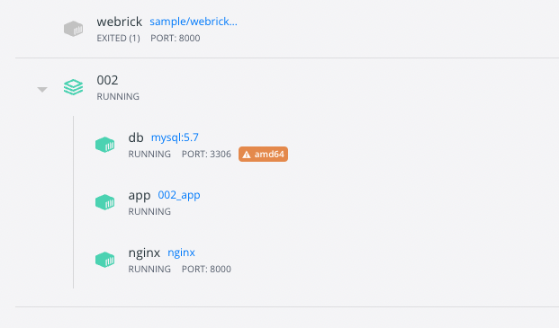

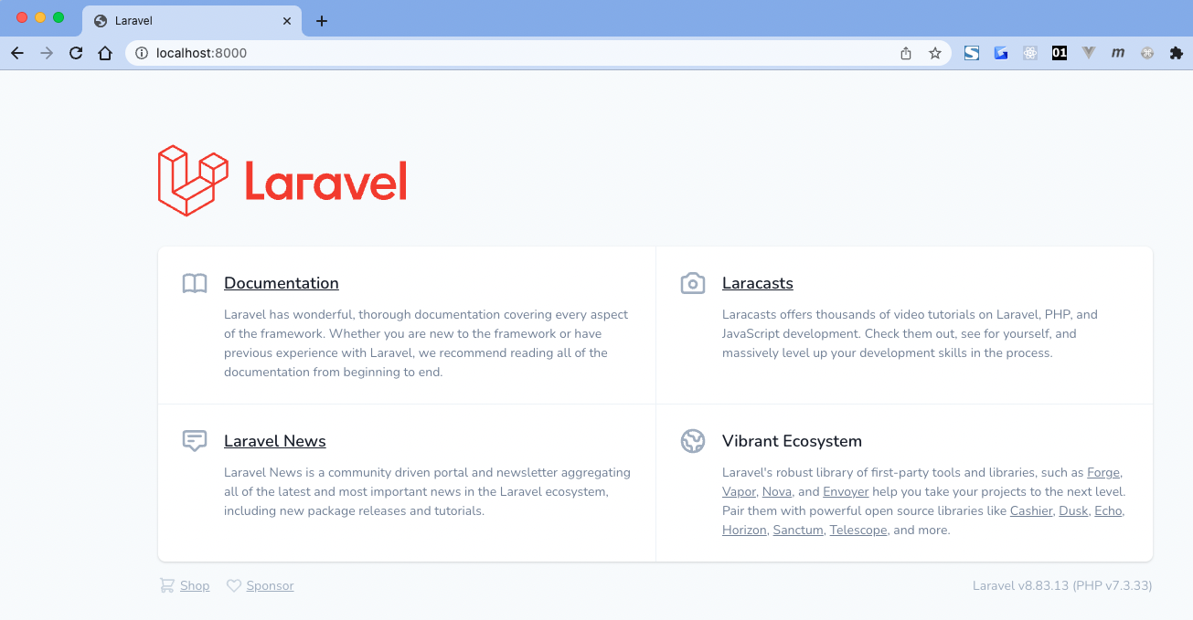

 | root@dad4ecbe6362:/var/www# ls -la
 | total 12
 | drwxr-xr-x 5 root root 160 May 23 08:34 .
 | drwxr-xr-x 1 root root 4096 Mar 17 14:04 ..
 | drwxr-xr-x 5 root root 160 May 23 08:31 docker
 | -rw-r--r-- 1 root root 898 May 23 08:44 docker-compose.yml
 | drwxr-xr-x 26 root root 832 May 23 08:34 laravel-project

 | root@dad4ecbe6362:/var/www# cat laravel-project/.env
 | APP_NAME=Laravel
 | APP_ENV=local
 | APP_KEY=base64:iL5mKSO5cGMkjHWNK9VeRnq+/3uoVc0Y5HTsm1KEjEQ=
 | APP_DEBUG=true
 | APP_URL=http://localhost

 | LOG_CHANNEL=stack
 | LOG_DEPRECATIONS_CHANNEL=null
 | LOG_LEVEL=debug

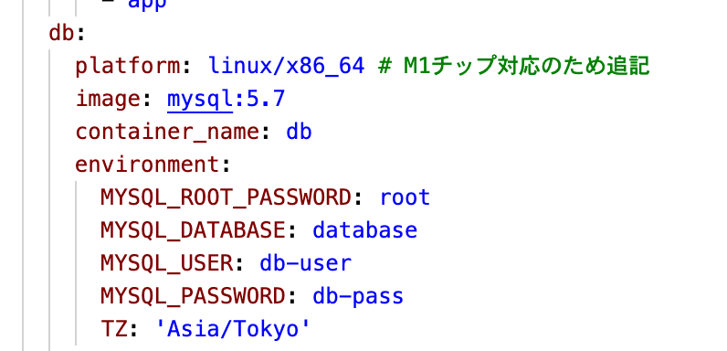
 | DB_CONNECTION=mysql
 | DB_HOST=db
 | DB_PORT=3306
 | DB_DATABASE=database
 | DB_USERNAME=db-user
 | DB_PASSWORD=db-user

 | BROADCAST_DRIVER=log
 | CACHE_DRIVER=file
 | FILESYSTEM_DRIVER=local
 | QUEUE_CONNECTION=sync |  |  | /Users/toyohide/Desktop/hideyuki/docker_study/002/docker-compose.yml
 | SESSION_DRIVER=file
 | SESSION_LIFETIME=120

 | MEMCACHED_HOST=127.0.0.1

 | REDIS_HOST=127.0.0.1
 | REDIS_PASSWORD=null
 | REDIS_PORT=6379

 | MAIL_MAILER=smtp
 | MAIL_HOST=mailhog
 | MAIL_PORT=1025
 | MAIL_USERNAME=null
 | MAIL_PASSWORD=null
 | MAIL_ENCRYPTION=null
 | MAIL_FROM_ADDRESS=null
 | MAIL_FROM_NAME="${APP_NAME}"

 | AWS_ACCESS_KEY_ID=
 | AWS_SECRET_ACCESS_KEY=
 | AWS_DEFAULT_REGION=us-east-1
 | AWS_BUCKET=
 | AWS_USE_PATH_STYLE_ENDPOINT=false

 | PUSHER_APP_ID=
 | PUSHER_APP_KEY=
 | PUSHER_APP_SECRET=
 | PUSHER_APP_CLUSTER=mt1

 | MIX_PUSHER_APP_KEY="${PUSHER_APP_KEY}"
 | MIX_PUSHER_APP_CLUSTER="${PUSHER_APP_CLUSTER}"

