1
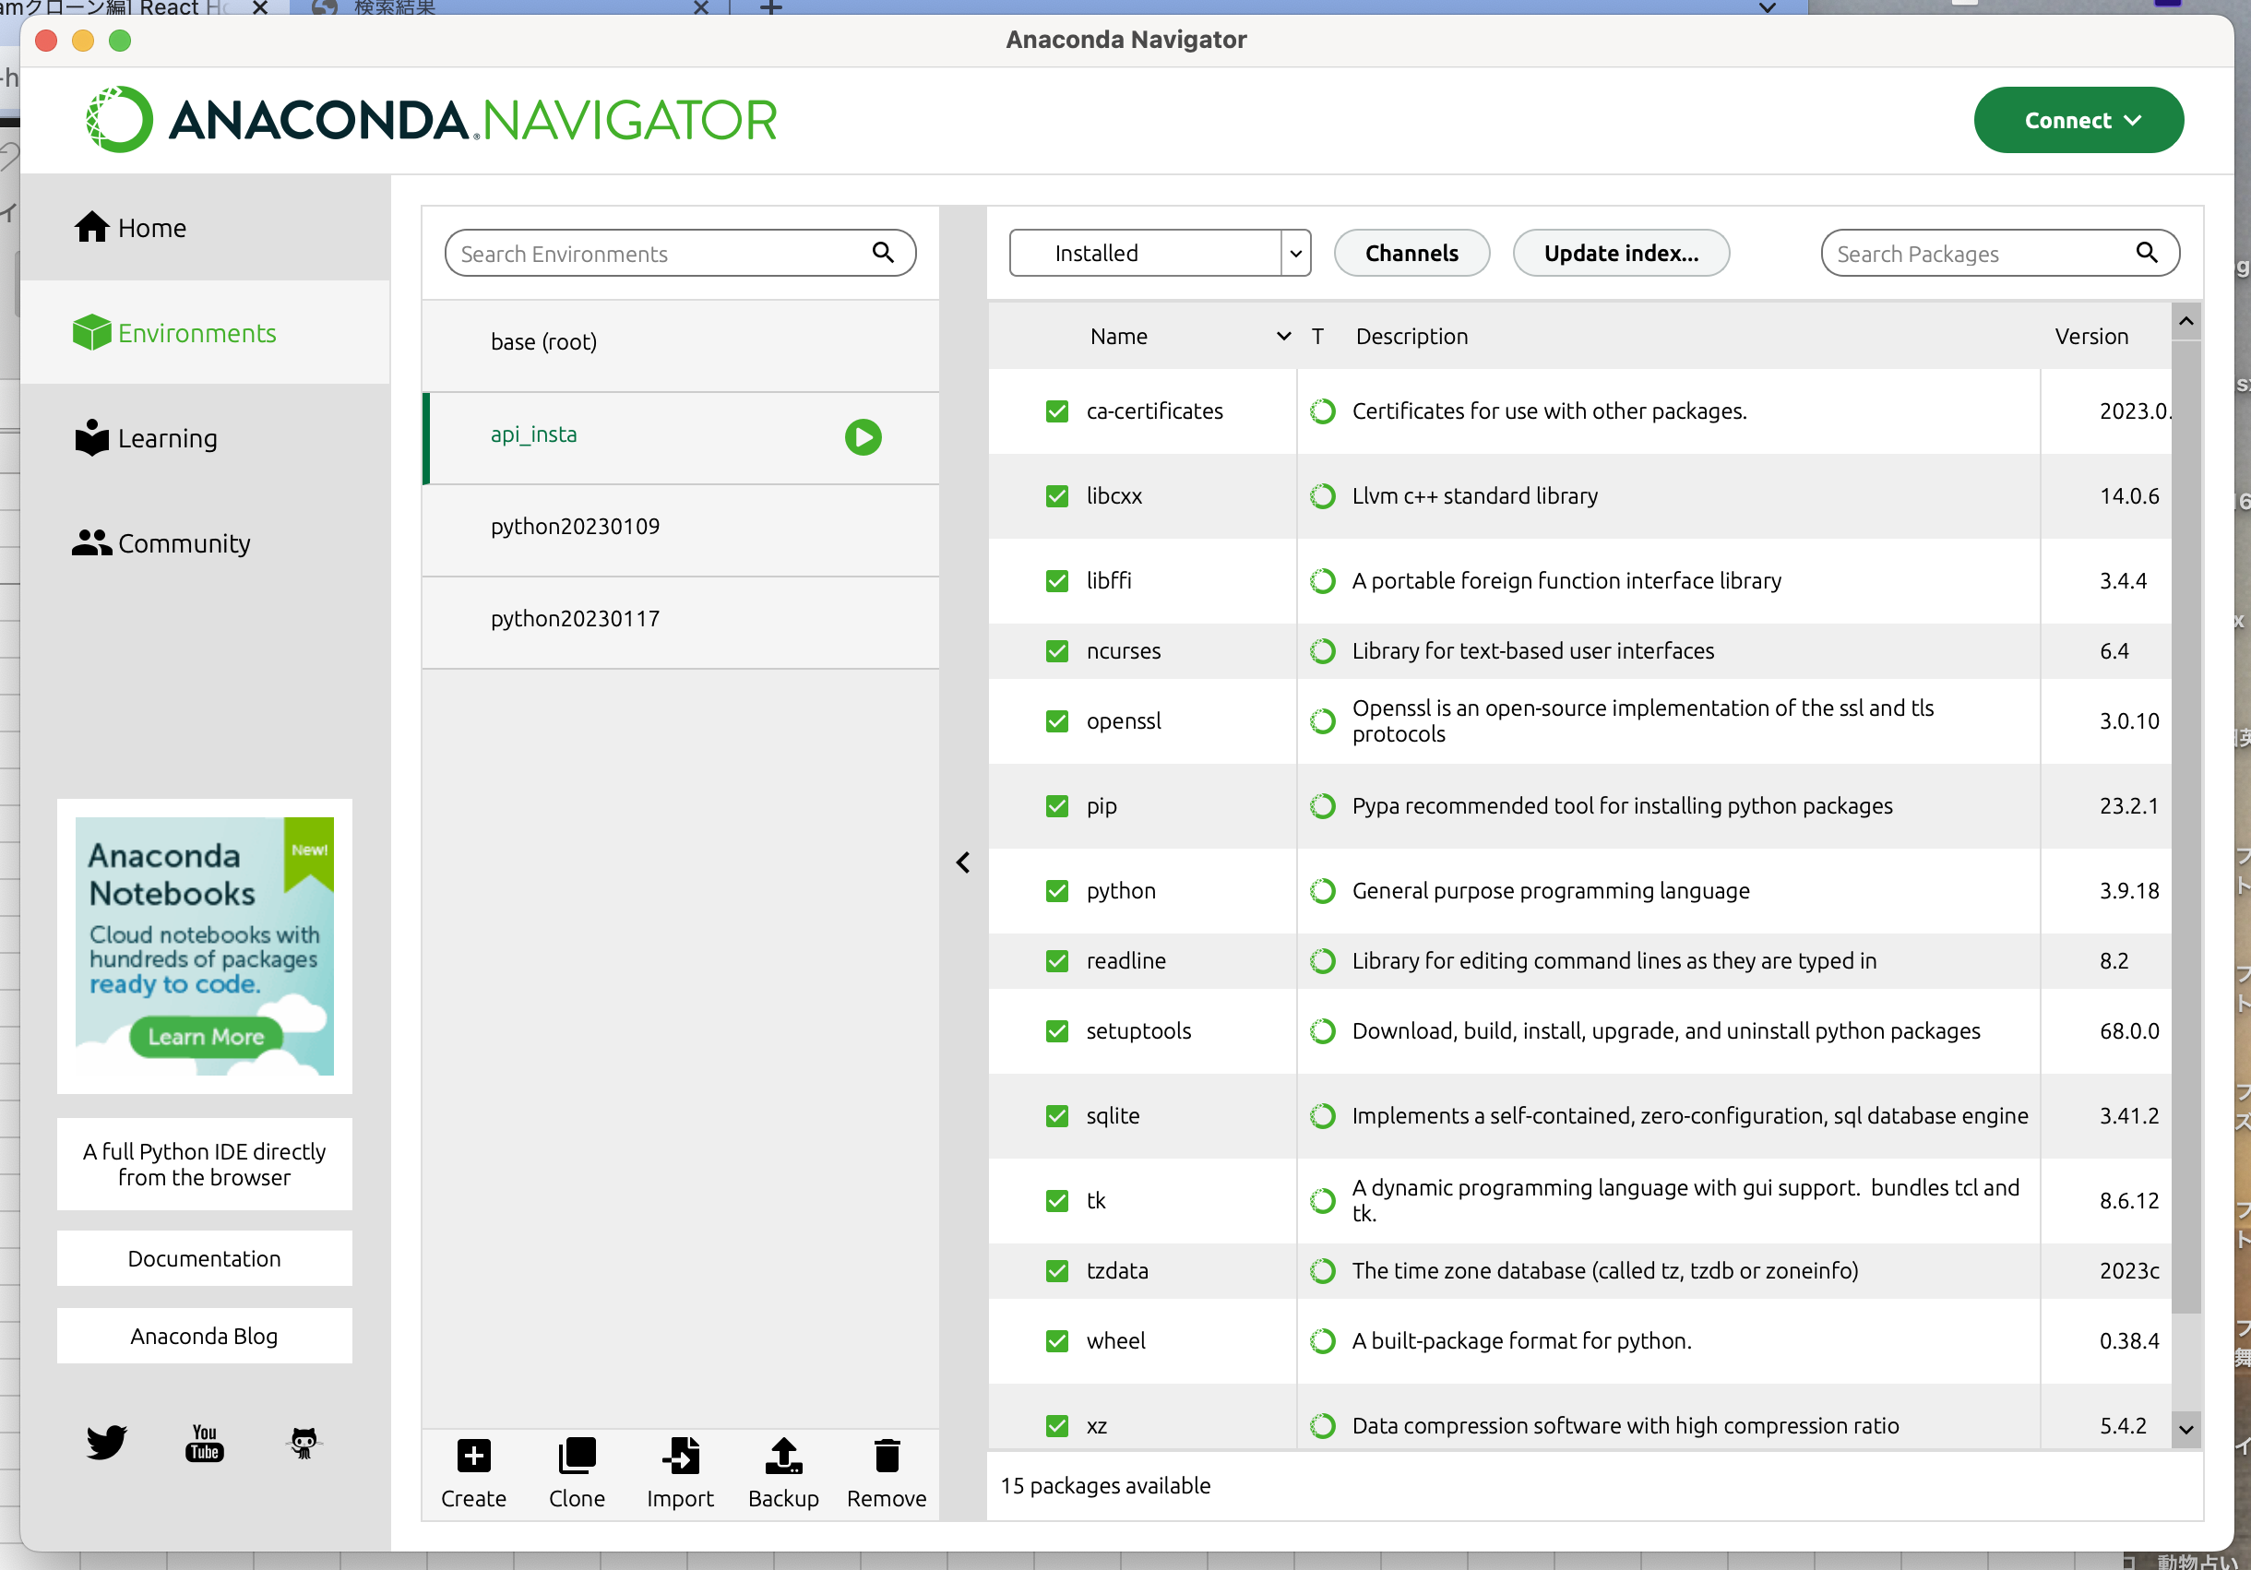

Last login: Fri Sep 15 19:39:01 on ttys000
. /Users/toyohide/opt/anaconda3/bin/activate && conda activate /Users/toyohide/opt/anaconda3/envs/api_insta;
(base) toyohide@toyohidenoMacBook-Pro ~ % . /Users/toyohide/opt/anaconda3/bin/activate && conda activate /Users/toyohide/opt/anaconda3/envs/api_insta;
(api_insta) toyohide@toyohidenoMacBook-Pro ~ %

(api_insta) toyohide@toyohidenoMacBook-Pro ~ % pip install django==3.0.7

(api_insta) toyohide@toyohidenoMacBook-Pro ~ % pip install djangorestframework==3.10

(api_insta) toyohide@toyohidenoMacBook-Pro ~ % pip install djangorestframework-simplejwt==4.6.0

(api_insta) toyohide@toyohidenoMacBook-Pro ~ % pip install PyJWT==2.0.0

(api_insta) toyohide@toyohidenoMacBook-Pro ~ % pip install djoser

(api_insta) toyohide@toyohidenoMacBook-Pro ~ % pip install django-cors-headers

(api_insta) toyohide@toyohidenoMacBook-Pro ~ % pip install Pillow

(base) toyohide@toyohidenoMacBook-Pro ~ % cd /Users/toyohide/Desktop/hideyuki/React/20230916/001

 |  | 上記パスをpycharmで開く

pycharmのsettings
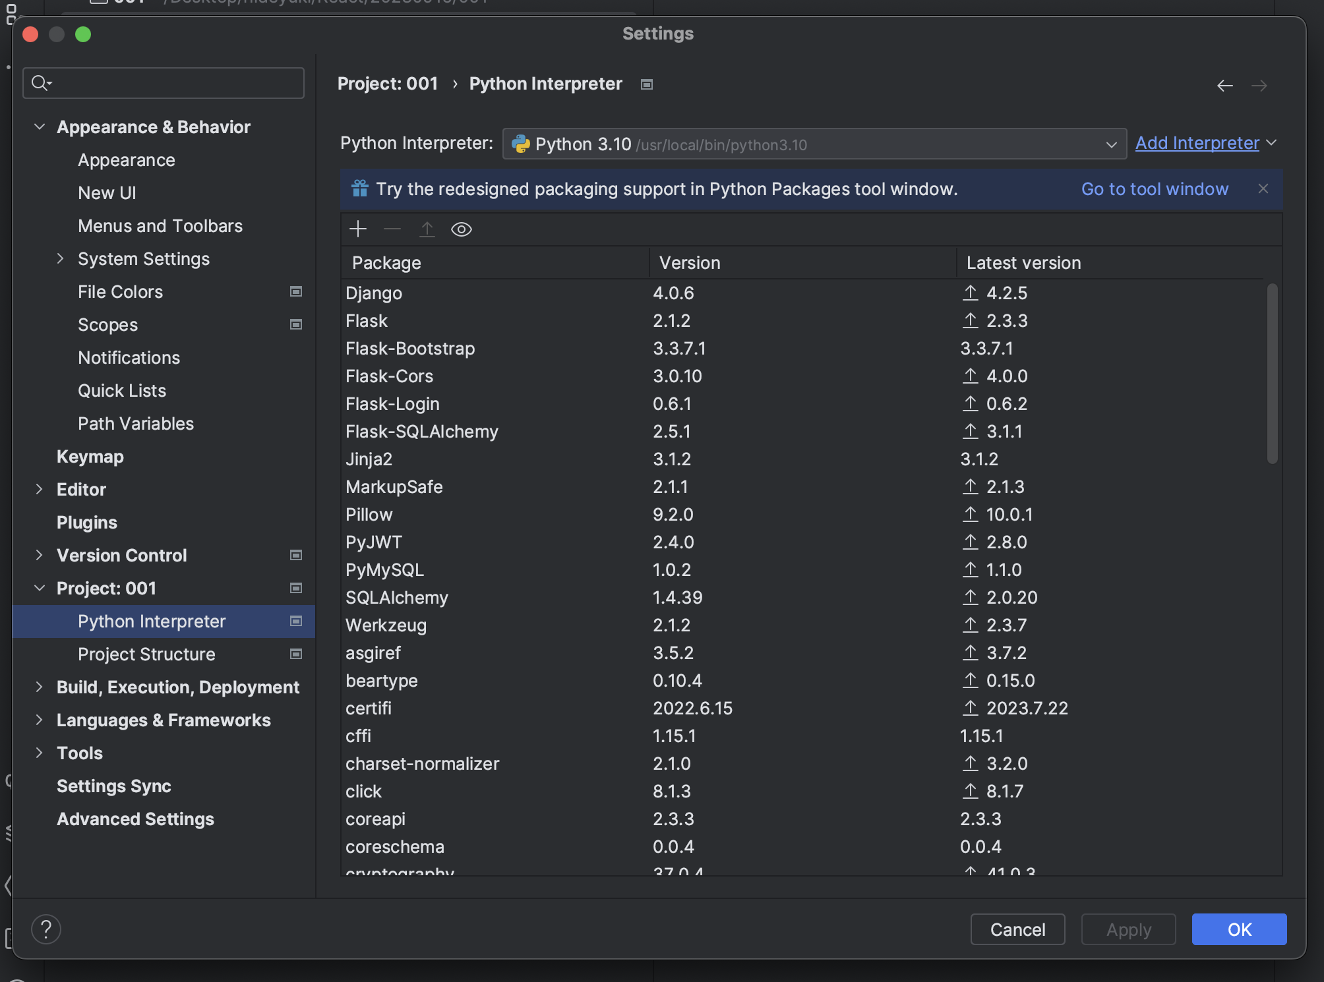

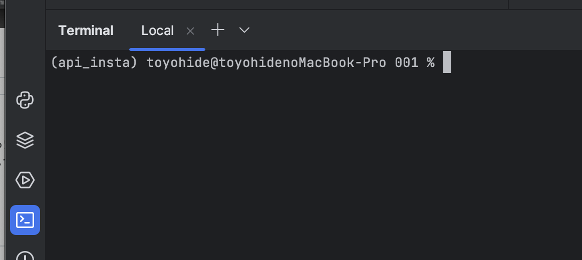

 |  |  | 末尾にドット
(api_insta) toyohide@toyohidenoMacBook-Pro 001 % django-admin startproject api_insta .

(api_insta) toyohide@toyohidenoMacBook-Pro 001 % django-admin startapp api

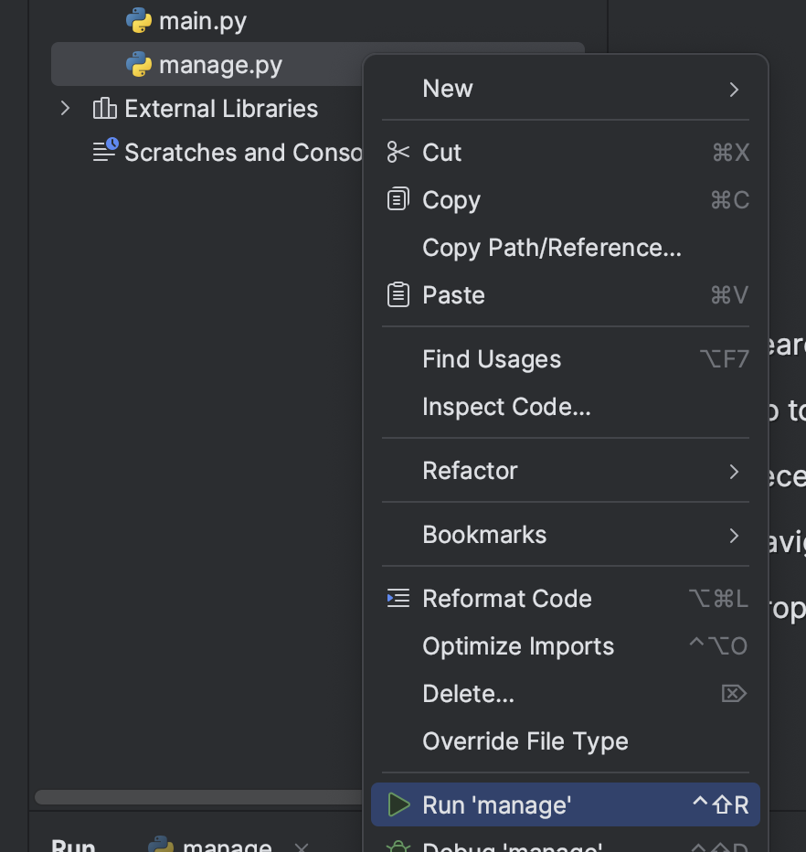
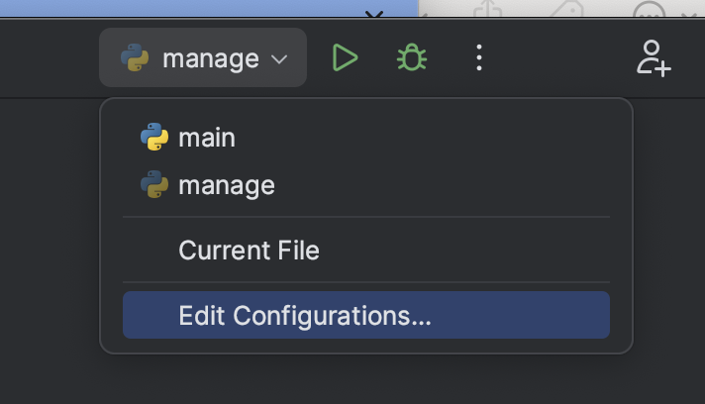

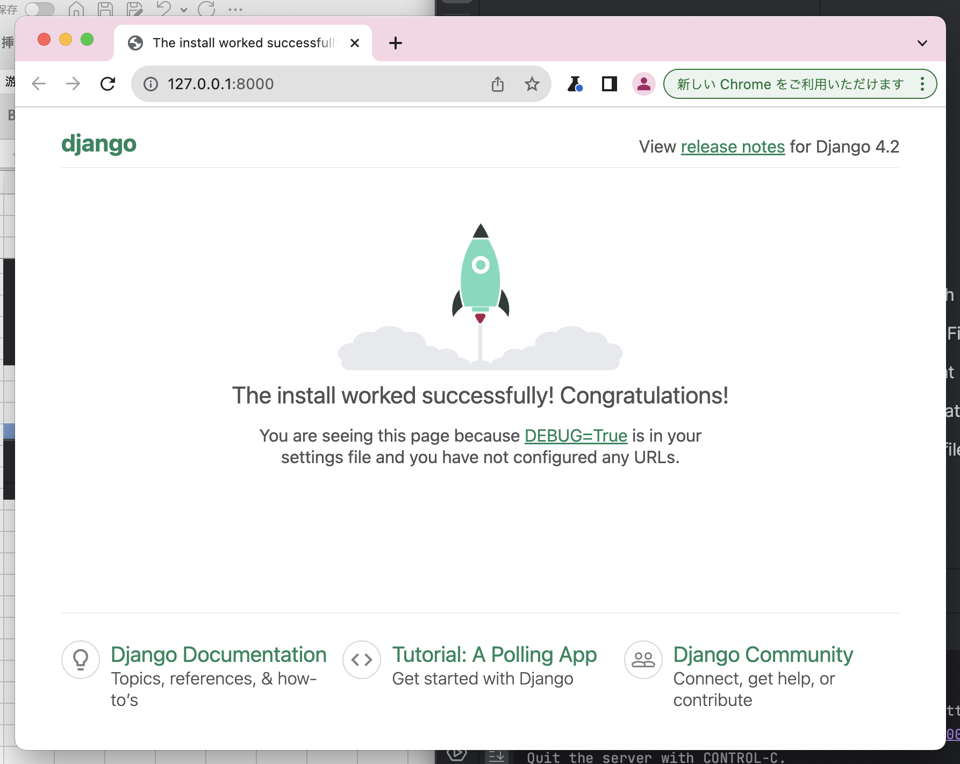

api/models.py

 | from django.db import models
 | from django.contrib.auth.models import AbstractBaseUser, BaseUserManager, PermissionsMixin
 | from django.conf import settings

 | def upload_avatar_path(instance, filename):
 | ext = filename.split('.')[-1]
 | return '/'.join(['avatars', str(instance.userProfile.id) + str(instance.nickName) + str('.') + str(ext)])

 | def upload_post_path(instance, filename):
 | ext = filename.split('.')[-1]
 | return '/'.join(['posts', str(instance.userPost.id) + str(instance.title) + str('.') + str(ext)])

 | class UserManager(BaseUserManager):
 | def create_user(self, email, password=None):
 | if not email:
 | raise ValueError('email is must')
 | user = self.model(email=self.normalize_email(email))
 | user.set_password(password)
 | user.save(using=self._db)
 | return user

 | def create_superuser(self, email, password):
 | user = self.create_user(email, password)
 | user.is_staff = True
 | user.is_superuser = True
 | user.save(using=self._db)
 | return user

 | class User(AbstractBaseUser, PermissionsMixin):
 | email = models.EmailField(max_length=50, unique=True)
 | is_active = models.BooleanField(default=True)
 | is_staff = models.BooleanField(default=False)
 | objects = UserManager()
 | USERNAME_FIELD = 'email'
 | def __str__(self):
 | return self.email

 | class Profile(models.Model):
 | nickName = models.CharField(max_length=20)
 | userProfile = models.OneToOneField(
 | settings.AUTH_USER_MODEL, related_name='userProfile',
 | on_delete=models.CASCADE
 | )
 | created_on = models.DateTimeField(auto_now_add=True)
 | img = models.ImageField(blank=True, null=True, upload_to=upload_avatar_path)
 | def __str__(self):
 | return self.nickName

 | class Post(models.Model):
 | title = models.CharField(max_length=100)
 | userPost = models.ForeignKey(
 | settings.AUTH_USER_MODEL, related_name='userPost',
 | on_delete=models.CASCADE
 | )
 | created_on = models.DateTimeField(auto_now_add=True)
 | img = models.ImageField(blank=True, null=True, upload_to=upload_post_path)
 | liked = models.ManyToManyField(settings.AUTH_USER_MODEL, related_name='liked')
 | def __str__(self):
 | return self.title

 | class Comment(models.Model):
 | text = models.CharField(max_length=100)
 | userComment = models.ForeignKey(
 | settings.AUTH_USER_MODEL, related_name='userComment',
 | on_delete=models.CASCADE
 | )
 | post = models.ForeignKey(Post, on_delete=models.CASCADE)
 | def __str__(self):
 | return self.text

api_insta/settings.py

 | """
 | Django settings for api_insta project.

 | Generated by 'django-admin startproject' using Django 4.2.5.

 | For more information on this file, see
 | https://docs.djangoproject.com/en/4.2/topics/settings/

 | For the full list of settings and their values, see
 | https://docs.djangoproject.com/en/4.2/ref/settings/
 | """
 | import os.path
 | from pathlib import Path
 | from datetime import timedelta

 | # Build paths inside the project like this: BASE_DIR / 'subdir'.
 | BASE_DIR = Path(__file__).resolve().parent.parent

 | # Quick-start development settings - unsuitable for production
 | # See https://docs.djangoproject.com/en/4.2/howto/deployment/checklist/

 | # SECURITY WARNING: keep the secret key used in production secret!
 | SECRET_KEY = 'django-insecure-$a2ja1ui%r_721t!5vd=g)idd&eoinv4)rdc=a69vjo9mj$b*1'

 | # SECURITY WARNING: don't run with debug turned on in production!
 | DEBUG = True

 | ALLOWED_HOSTS = []

 | # Application definition

 | INSTALLED_APPS = [
 | 'django.contrib.admin',
 | 'django.contrib.auth',
 | 'django.contrib.contenttypes',
 | 'django.contrib.sessions',
 | 'django.contrib.messages',
 | 'django.contrib.staticfiles',

 | 'rest_framework',
 | 'djoser',
 | 'api.apps.ApiConfig',
 | 'corsheaders',
 | ]

 | MIDDLEWARE = [
 | 'corsheaders.middleware.CorsMiddleware',

 | 'django.middleware.security.SecurityMiddleware',
 | 'django.contrib.sessions.middleware.SessionMiddleware',
 | 'django.middleware.common.CommonMiddleware',
 | 'django.middleware.csrf.CsrfViewMiddleware',
 | 'django.contrib.auth.middleware.AuthenticationMiddleware',
 | 'django.contrib.messages.middleware.MessageMiddleware',
 | 'django.middleware.clickjacking.XFrameOptionsMiddleware',
 | ]

 | CORS_ORIGIN_WHITELIST = [
 | 'http://localhost:3000'
 | ]

 | ROOT_URLCONF = 'api_insta.urls'

 | TEMPLATES = [
 | {
 | 'BACKEND': 'django.template.backends.django.DjangoTemplates',
 | 'DIRS': [],
 | 'APP_DIRS': True,
 | 'OPTIONS': {
 | 'context_processors': [
 | 'django.template.context_processors.debug',
 | 'django.template.context_processors.request',
 | 'django.contrib.auth.context_processors.auth',
 | 'django.contrib.messages.context_processors.messages',
 | ],
 | },
 | },
 | ]

 | WSGI_APPLICATION = 'api_insta.wsgi.application'

 | REST_FRAMEWORK = {
 | 'DEFAULT_PERMISSION_CLASSES': ['rest_framework.permissions.IsAuthenticated'],
 | 'DEFAULT_AUTHENTICATION_CLASSES': ['rest_framework_simplejwt.authentication.JWTAuthentication'],
 | }

 | SIMPLE_JWT = {
 | 'AUTH_HEADER_TYPES': ('JWT',),
 | 'ACCESS_TOKEN_LIFETIME': timedelta(minutes=60)
 | }

 | # Database
 | # https://docs.djangoproject.com/en/4.2/ref/settings/#databases

 | DATABASES = {
 | 'default': {
 | 'ENGINE': 'django.db.backends.sqlite3',
 | 'NAME': BASE_DIR / 'db.sqlite3',
 | }
 | }

 | # Password validation
 | # https://docs.djangoproject.com/en/4.2/ref/settings/#auth-password-validators

 | AUTH_PASSWORD_VALIDATORS = [
 | {
 | 'NAME': 'django.contrib.auth.password_validation.UserAttributeSimilarityValidator',
 | },
 | {
 | 'NAME': 'django.contrib.auth.password_validation.MinimumLengthValidator',
 | },
 | {
 | 'NAME': 'django.contrib.auth.password_validation.CommonPasswordValidator',
 | },
 | {
 | 'NAME': 'django.contrib.auth.password_validation.NumericPasswordValidator',
 | },
 | ]

 | # Internationalization
 | # https://docs.djangoproject.com/en/4.2/topics/i18n/

 | LANGUAGE_CODE = 'en-us'

 | # TIME_ZONE = 'UTC'
 | TIME_ZONE = 'Asia/Tokyo'

 | USE_I18N = True

 | USE_TZ = True

 | AUTH_USER_MODEL = 'api.User'

 | # Static files (CSS, JavaScript, Images)
 | # https://docs.djangoproject.com/en/4.2/howto/static-files/

 | STATIC_URL = 'static/'
 |  |  |  | (api_insta) toyohide@toyohidenoMacBook-Pro 001 % pwd
 | MEDIA_ROOT = os.path.join(BASE_DIR, 'media') |  |  | /Users/toyohide/Desktop/hideyuki/React/20230916/001
 | MEDIA_URL = '/media/'
 |  |  |  | (api_insta) toyohide@toyohidenoMacBook-Pro 001 % mkdir media
 | # Default primary key field type
 | # https://docs.djangoproject.com/en/4.2/ref/settings/#default-auto-field

 | DEFAULT_AUTO_FIELD = 'django.db.models.BigAutoField'

