件数取得
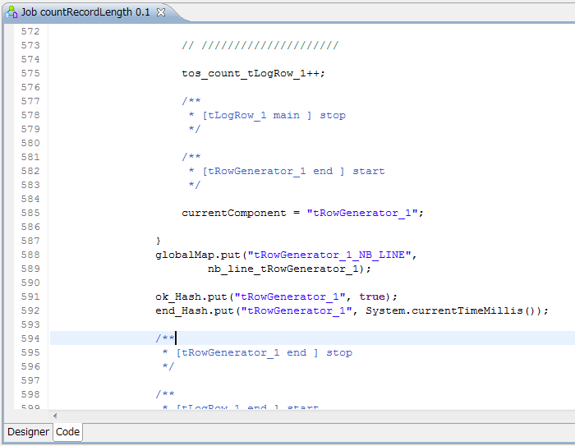
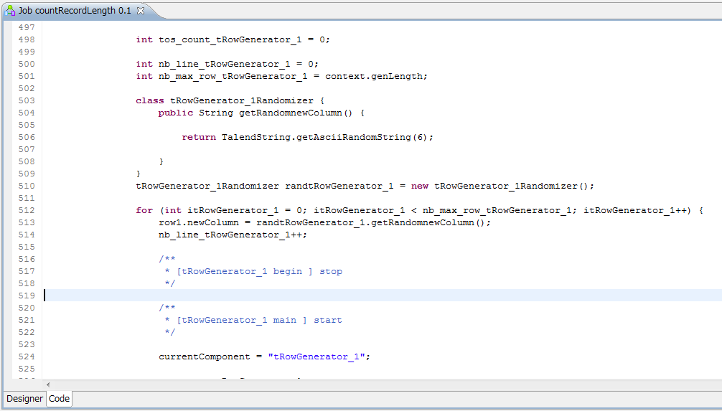
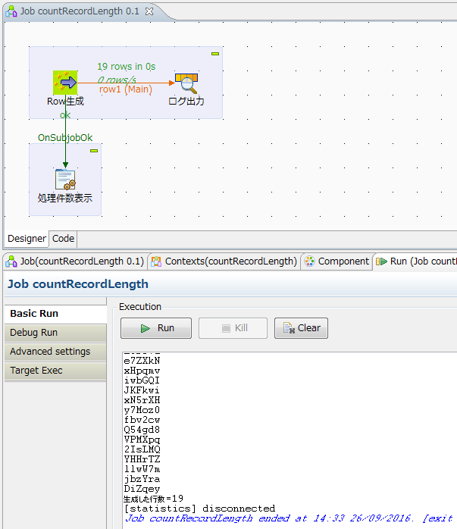

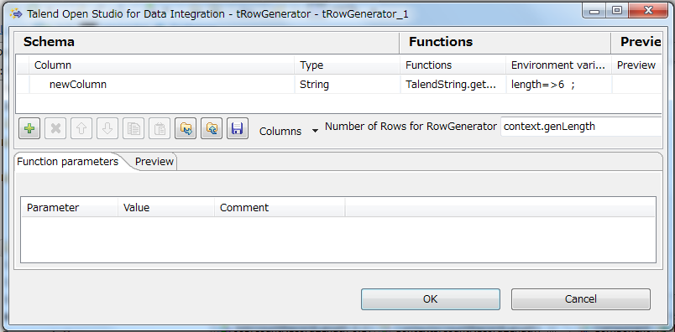

System.out.println("生成した行数=" + (Integer)globalMap.get("tRowGenerator_1_NB_LINE"));

sequence
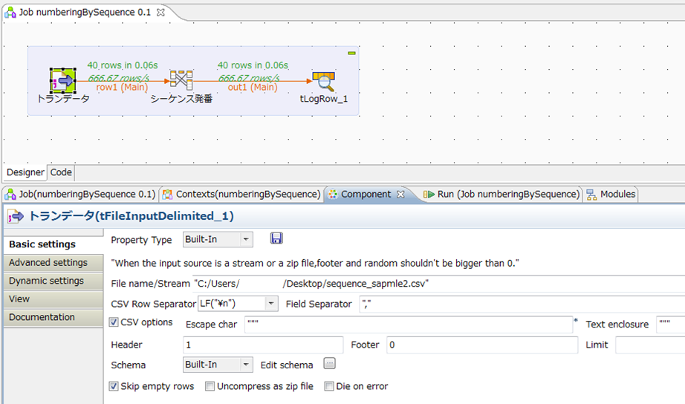

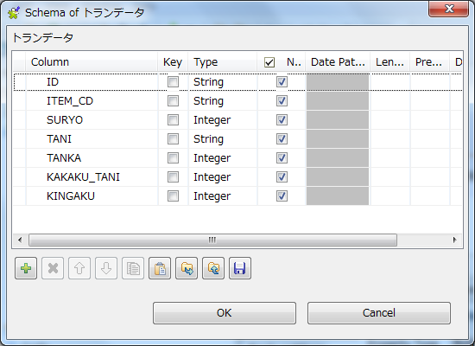

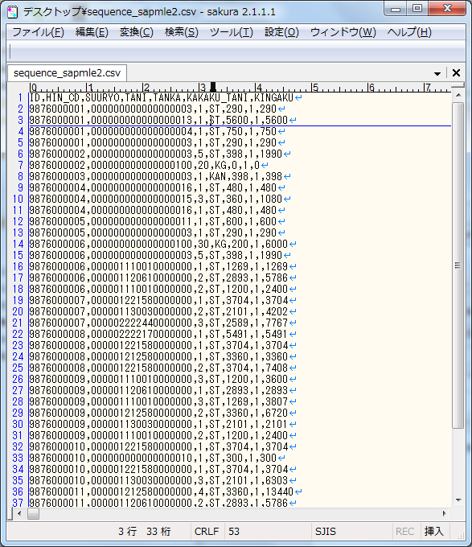
ID,HIN_CD,SUURYO,TANI,TANKA,KAKAKU_TANI,KINGAKU
9876000001,000000000000000003,1,ST,290,1,290
9876000001,000000000000000013,1,ST,5600,1,5600
9876000001,000000000000000004,1,ST,750,1,750
9876000001,000000000000000003,1,ST,290,1,290
9876000002,000000000000000003,5,ST,398,1,1990
9876000002,000000000000000100,20,KG,0,1,0
9876000003,000000000000000003,1,KAN,398,1,398
9876000004,000000000000000016,1,ST,480,1,480
9876000004,000000000000000015,3,ST,360,1,1080
9876000004,000000000000000016,1,ST,480,1,480
9876000005,000000000000000011,1,ST,600,1,600
9876000005,000000000000000003,1,ST,290,1,290
9876000006,000000000000000100,30,KG,200,1,6000
9876000006,000000000000000003,5,ST,398,1,1990
9876000006,000001110010000000,1,ST,1269,1,1269
9876000006,000001120610000000,2,ST,2893,1,5786
9876000006,000001110010000000,2,ST,1200,1,2400
9876000007,000001221580000000,1,ST,3704,1,3704
9876000007,000001130030000000,2,ST,2101,1,4202
9876000007,000002222440000000,3,ST,2589,1,7767
9876000008,000002222170000000,1,ST,5491,1,5491
9876000008,000001221580000000,1,ST,3704,1,3704
9876000008,000001212580000000,1,ST,3360,1,3360
9876000008,000001221580000000,2,ST,3704,1,7408
9876000009,000001110010000000,3,ST,1200,1,3600
9876000009,000001120610000000,1,ST,2893,1,2893
9876000009,000001110010000000,3,ST,1269,1,3807
9876000009,000001212580000000,2,ST,3360,1,6720
9876000009,000001130030000000,1,ST,2101,1,2101
9876000009,000001110010000000,2,ST,1200,1,2400
9876000010,000001221580000000,1,ST,3704,1,3704
9876000010,000000000000000010,1,ST,300,1,300
9876000010,000001221580000000,1,ST,3704,1,3704
9876000010,000001130030000000,3,ST,2101,1,6303
9876000011,000001212580000000,4,ST,3360,1,13440
9876000011,000001120610000000,2,ST,2893,1,5786
9876000012,000002222170000000,1,ST,5491,1,5491
9876000012,000002222170000000,1,ST,5491,1,5491
9876000013,000002222170000000,2,ST,5491,1,10982
9876000013,000001110010000000,1,ST,1269,1,1269

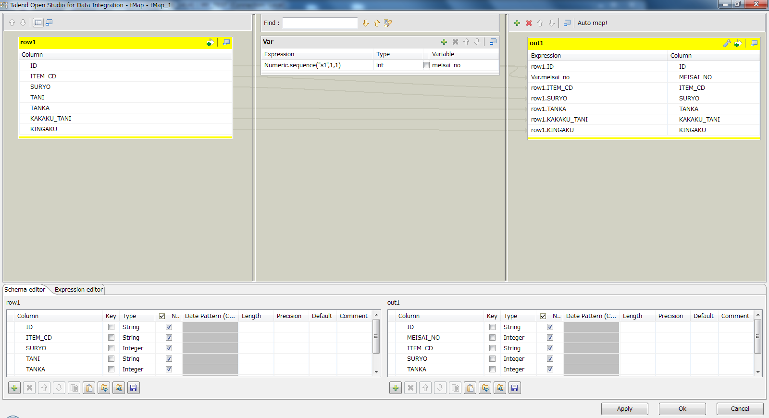

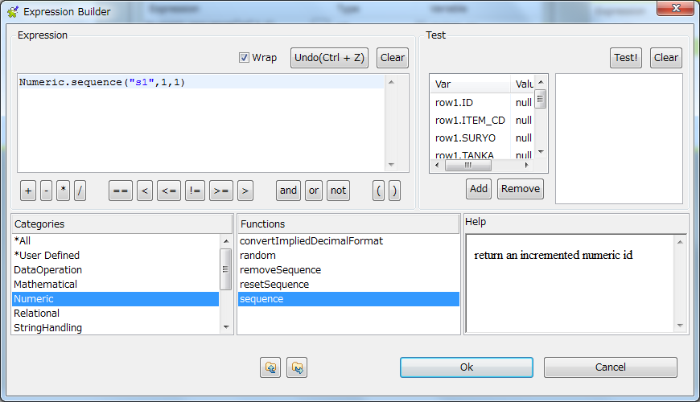
Numeric.sequence("s1",1,1)

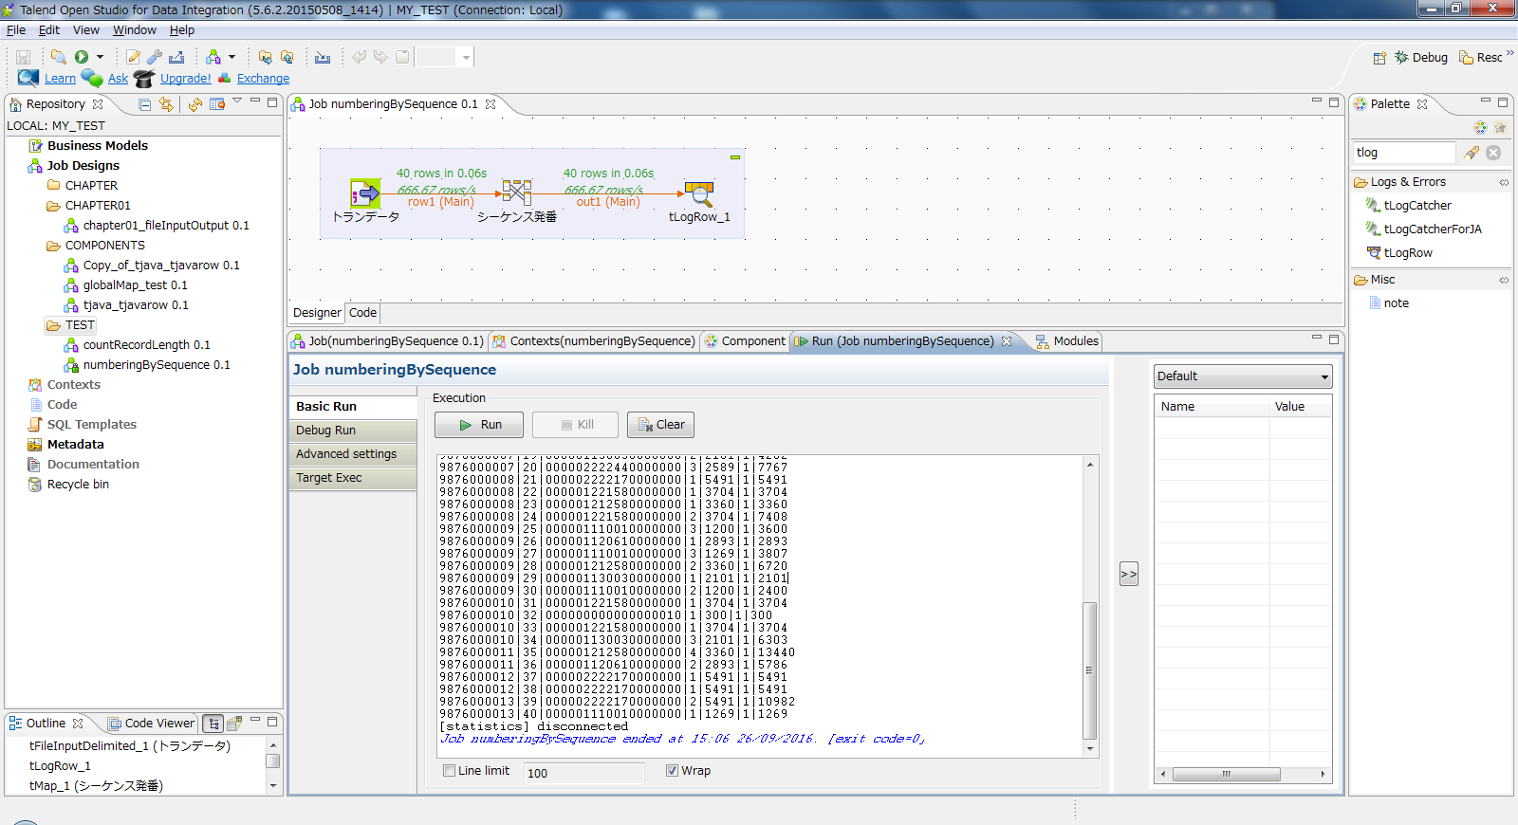

Starting job numberingBySequence at 15:06 26/09/2016.
[statistics] connecting to socket on port 4002
[statistics] connected
9876000001|1|000000000000000003|1|290|1|290
9876000001|2|000000000000000013|1|5600|1|5600
9876000001|3|000000000000000004|1|750|1|750
9876000001|4|000000000000000003|1|290|1|290
9876000002|5|000000000000000003|5|398|1|1990
9876000002|6|000000000000000100|20|0|1|0
9876000003|7|000000000000000003|1|398|1|398
9876000004|8|000000000000000016|1|480|1|480
9876000004|9|000000000000000015|3|360|1|1080
9876000004|10|000000000000000016|1|480|1|480
9876000005|11|000000000000000011|1|600|1|600
9876000005|12|000000000000000003|1|290|1|290
9876000006|13|000000000000000100|30|200|1|6000
9876000006|14|000000000000000003|5|398|1|1990
9876000006|15|000001110010000000|1|1269|1|1269
9876000006|16|000001120610000000|2|2893|1|5786
9876000006|17|000001110010000000|2|1200|1|2400
9876000007|18|000001221580000000|1|3704|1|3704
9876000007|19|000001130030000000|2|2101|1|4202
9876000007|20|000002222440000000|3|2589|1|7767
9876000008|21|000002222170000000|1|5491|1|5491
9876000008|22|000001221580000000|1|3704|1|3704
9876000008|23|000001212580000000|1|3360|1|3360
9876000008|24|000001221580000000|2|3704|1|7408
9876000009|25|000001110010000000|3|1200|1|3600
9876000009|26|000001120610000000|1|2893|1|2893
9876000009|27|000001110010000000|3|1269|1|3807
9876000009|28|000001212580000000|2|3360|1|6720
9876000009|29|000001130030000000|1|2101|1|2101
9876000009|30|000001110010000000|2|1200|1|2400
9876000010|31|000001221580000000|1|3704|1|3704
9876000010|32|000000000000000010|1|300|1|300
9876000010|33|000001221580000000|1|3704|1|3704
9876000010|34|000001130030000000|3|2101|1|6303
9876000011|35|000001212580000000|4|3360|1|13440
9876000011|36|000001120610000000|2|2893|1|5786
9876000012|37|000002222170000000|1|5491|1|5491
9876000012|38|000002222170000000|1|5491|1|5491
9876000013|39|000002222170000000|2|5491|1|10982
9876000013|40|000001110010000000|1|1269|1|1269
[statistics] disconnected
Job numberingBySequence ended at 15:06 26/09/2016. [exit code=0]

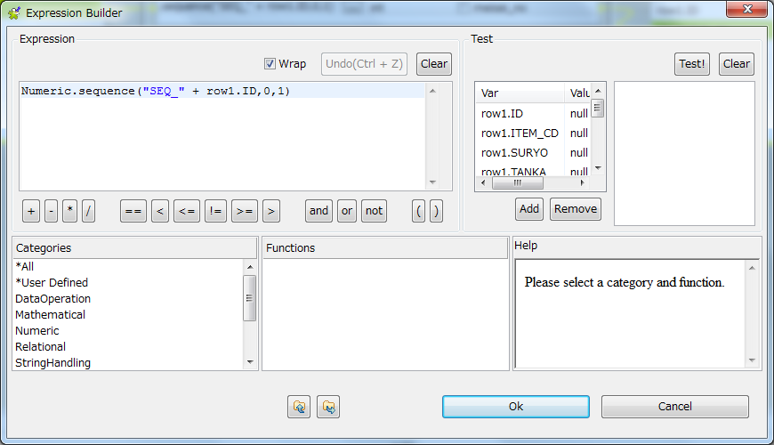
Numeric.sequence("SEQ_" + row1.ID,0,1)

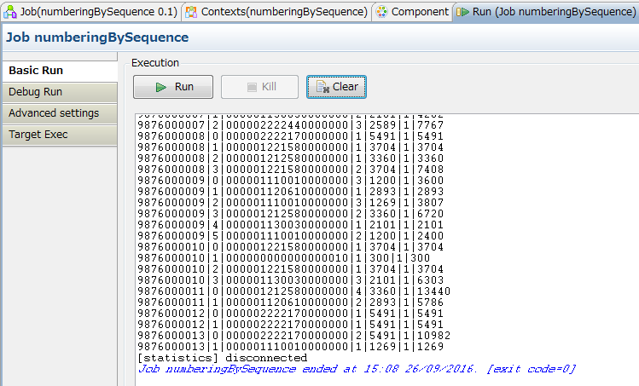

Starting job numberingBySequence at 15:08 26/09/2016.
[statistics] connecting to socket on port 3340
[statistics] connected
9876000001|0|000000000000000003|1|290|1|290
9876000001|1|000000000000000013|1|5600|1|5600
9876000001|2|000000000000000004|1|750|1|750
9876000001|3|000000000000000003|1|290|1|290
9876000002|0|000000000000000003|5|398|1|1990
9876000002|1|000000000000000100|20|0|1|0
9876000003|0|000000000000000003|1|398|1|398
9876000004|0|000000000000000016|1|480|1|480
9876000004|1|000000000000000015|3|360|1|1080
9876000004|2|000000000000000016|1|480|1|480
9876000005|0|000000000000000011|1|600|1|600
9876000005|1|000000000000000003|1|290|1|290
9876000006|0|000000000000000100|30|200|1|6000
9876000006|1|000000000000000003|5|398|1|1990
9876000006|2|000001110010000000|1|1269|1|1269
9876000006|3|000001120610000000|2|2893|1|5786
9876000006|4|000001110010000000|2|1200|1|2400
9876000007|0|000001221580000000|1|3704|1|3704
9876000007|1|000001130030000000|2|2101|1|4202
9876000007|2|000002222440000000|3|2589|1|7767
9876000008|0|000002222170000000|1|5491|1|5491
9876000008|1|000001221580000000|1|3704|1|3704
9876000008|2|000001212580000000|1|3360|1|3360
9876000008|3|000001221580000000|2|3704|1|7408
9876000009|0|000001110010000000|3|1200|1|3600
9876000009|1|000001120610000000|1|2893|1|2893
9876000009|2|000001110010000000|3|1269|1|3807
9876000009|3|000001212580000000|2|3360|1|6720
9876000009|4|000001130030000000|1|2101|1|2101
9876000009|5|000001110010000000|2|1200|1|2400
9876000010|0|000001221580000000|1|3704|1|3704
9876000010|1|000000000000000010|1|300|1|300
9876000010|2|000001221580000000|1|3704|1|3704
9876000010|3|000001130030000000|3|2101|1|6303
9876000011|0|000001212580000000|4|3360|1|13440
9876000011|1|000001120610000000|2|2893|1|5786
9876000012|0|000002222170000000|1|5491|1|5491
9876000012|1|000002222170000000|1|5491|1|5491
9876000013|0|000002222170000000|2|5491|1|10982
9876000013|1|000001110010000000|1|1269|1|1269
[statistics] disconnected
Job numberingBySequence ended at 15:08 26/09/2016. [exit code=0]

