Quotation(1)
Loving Home Collection
Add: Nanmen Industry Zone, Fengtang, Chaozhou, Guangdong 515600 China Tel: + 86 (0)768 6894458 Fax: +86 (0)768 6894499 Website: www.lovinghome.com.cn Email: sales@lovinghome.com.cn
Buyer/客户: |  |  | Quotation Sheet |  |  |  |  |  | Date/日期:2016-01-27
Trade Terms/条款: FOB Shenzhen |  |  |  |  |  |  |  |  | Shipping Time/交货期：60-75 days after receipt of deposit

NO. | Picture | Item No. | Description | Material | Packing | MOQ | Price | Mst Pck | Mst CBM | Gross W. | Total CTN | Total CBM | Order Qty | Amount
 | 图片 | 货号 | 描述 | 材料 | 包装 |  | 单价(U$D) | 外箱装数 | 外箱体积 | 毛重 KG | 总箱数 | 总体积 | 数量 | 总金额(U$D)
1 | 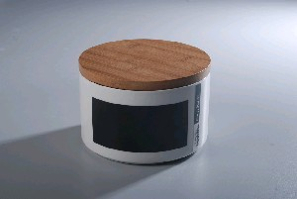 | LH2255-18-H073 | 18X10cm Round Chalk Cookie Storage Jar Big W/Bamboo Lid | Durable Porcelain | Bulk | 1200 | $ 5.78
2 |  | LH2255-15-H073 | 15X9cm Round Chalk Cookie Storage Jar Medium W/Bamboo Lid | Durable Porcelain | Bulk | 1200 | $ 3.89
3 | 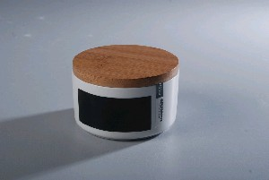 | LH2255-12-H073 | 12X6.5cm Round Chalk Cookie Storage Jar Small W/Bamboo Lid | Durable Porcelain | Bulk | 1200 | $ 2.52
4 | 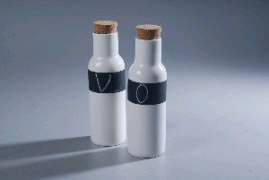 | LH2470-300-H073 | 300cc Chalk O & V Bottle W/Cork stopper | Durable Porcelain | Bulk | 1200 | $ 2.00
5 | 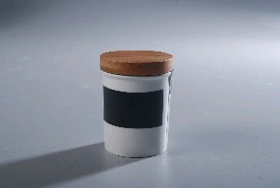 | LH1677-S-H073 | Chalk Spice Storage Jar W/Bamboo lid | Durable Porcelain | Bulk | 1200 | $ 0.82
6 | 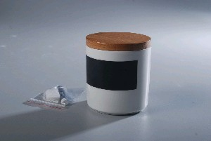 | LH2262-9-H073 | 9x9cm Chalk KITCHEN Storage Jar W/Bamboo Lid | Durable Porcelain | Bulk | 1200 | $ 1.52
7 | 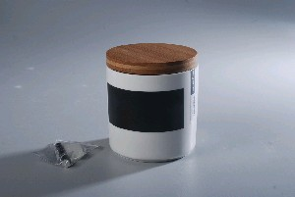 | LH2262-11-H073 | 11x11cm Chalk TEA Storage Jar W/Bamboo Lid | Durable Porcelain | Bulk | 1200 | $ 2.20
8 | 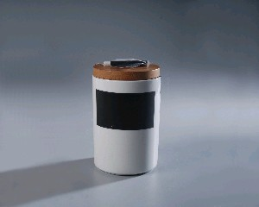 | LH1519-16-H073 | 11x16cm Chalk coffee Storage Jar w/Bamboo lid | Durable Porcelain | Bulk | 1200 | $ 2.73
9 | 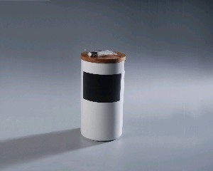 | LH1519-20-H073 | 11x20cm Chalk Pasta Storage Jar Medium w/Bamboo lid | Durable Porcelain | Bulk | 1200 | $ 3.47
10 | 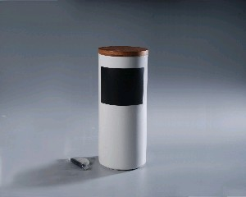 | LH1519-25.5-H073 | 11x25.5cm Chalk Pasta Storage Jar Big w/Bamboo lid | Durable Porcelain | Bulk | 1200 | $ 5.10
11 | 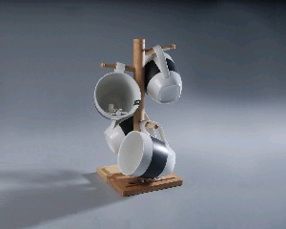 | LH470-320-H073-S4-M4 | 320cc Chalk Mug Set 4 On Bamboo Stand | Durable Porcelain | White Box | 1200 | $ 6.40
12 | 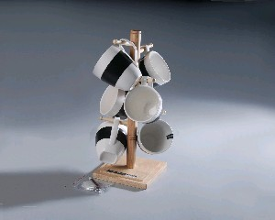 | LH471-220-H073-S6-M4 | 220cc Chalk Coffee Cup Set 6 On Bamboo Stand | Durable Porcelain | White Box | 1200 | $ 7.30
13 | 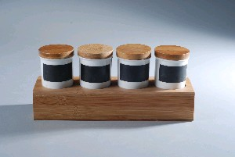 | LH1677-L-H073-S4-M4 | 4pcs Chalk Spice Jar W/Bamboo Lid on Bamboo Stand | Durable Porcelain | White Box | 1200 | $ 6.59
14 | 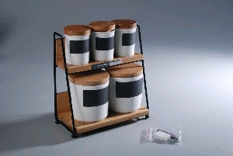 | LH2473-S5 | 3Pcs Spice Jar & 2Pcs Kitchen Storage Jar in Metal Basket | Durable Porcelain | White Box | 1200 | $ 8.48
15 | 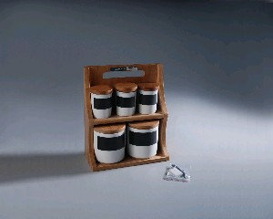 | LH2472-S5-M4 | 3Pcs Spice Jar & 2Pcs Kitchen Storage Jar in Bamboo Basket | Durable Porcelain | White Box | 1200 | $ 9.73
16 | 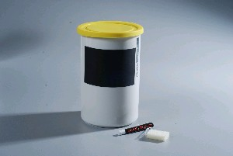 | LH2776-18-S001 | 11x18cm Chalk Storage Jar W/Yellow Silicone Cover | Durable Porcelain | Bulk | 1200 | $ 3.10
17 | 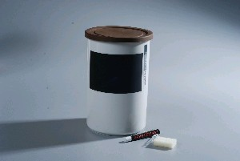 | LH2776-18-S002 | 11x18cm Chalk Storage Jar W/Brown Silicone Cover | Durable Porcelain | Bulk | 1200 | $ 3.10
18 | 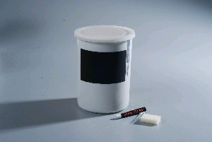 | LH2776-16-S003 | 11x16cm Chalk Storage Jar W/White Silicone Cover | Durable Porcelain | Bulk | 1200 | $ 2.73
19 | 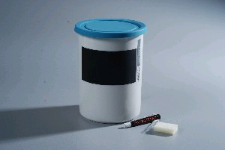 | LH2776-16-S004 | 11x16cm Chalk Storage Jar W/Blue Silicone Cover | Durable Porcelain | Bulk | 1200 | $ 2.73
20 | 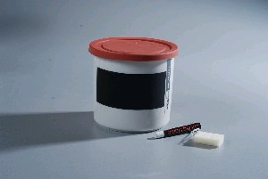 | LH2776-11-S005 | 11x11cm Chalk Storage Jar W/Rubber Red Silicone Cover | Durable Porcelain | Bulk | 1200 | $ 2.20
21 | 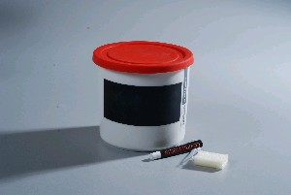 | LH2776-11-S006 | 11x11cm Chalk Storage Jar W/Hot Red Silicone Cover | Durable Porcelain | Bulk | 1200 | $ 2.20
22 | 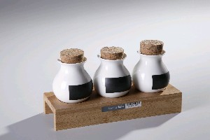 | LH3330-H073-S7-M4 | 3pcs Chalk Spice Jar W/Bamboo Lid on Bamboo Stand | Durable Porcelain | White Box | 1200 | $ 4.40
23 | 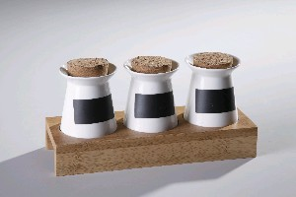 | LH3329-H073-S7-M4 | 3pcs Chalk Spice Jar W/Bamboo Lid on Bamboo Stand | Durable Porcelain | White Box | 1200 | $ 4.40
32 |  |  | Chalk W/Songe eraser |  |  |  | $ 0.18

