Quotation(1)
Loving Home Collection
Add: 10th FL,Fengxi BLD, Chaozhou, Guangdong 521000 China Tel: + 86 (0)768 6894458 Fax: +86 (0)768 6894499 Website: www.lovinghome.com.cn Email: sales@lovinghome.com.cn
Buyer/客户: |  |  | Quotation Sheet |  |  |  |  |  | Date/日期:2016-01-27
Trade Terms/条款: FOB Shenzhen |  |  |  |  |  |  |  |  | Shipping Time/交货期：60-75 days after receipt of deposit

NO. | Picture | Item No. | Description | Material | Packing | MOQ | Price | Mst Pck | Mst CBM | Gross W. | Total CTN | Total CBM | Order Qty | Amount
 | 图片 | 货号 | 描述 | 材料 | 包装 |  | 单价(U$D) | 外箱装数 | 外箱体积 | 毛重 KG | 总箱数 | 总体积 | 数量 | 总金额(U$D)
1 | 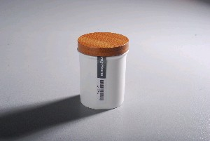 | LH1677-S | 8cm Spice Storage Jar | Durable Porcelain | Bulk | 1200 | $ 0.56
2 | 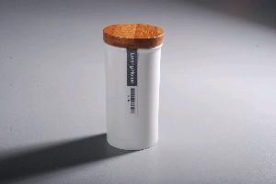 | LH1677-L | 12cm Spice Storage Jar | Durable Porcelain | Bulk | 1200 | $ 0.65
3 | 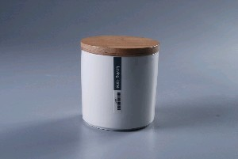 | LH2262-9 | 9x9cm Kitchen Storage Jar W/Solid Bamboo Lid | Durable Porcelain | Bulk | 1200 | $ 1.42
4 |  | LH2262-11 | 11x11cm Tea Storage Jar W/Solid Bamboo Lid | Durable Porcelain | Bulk | 1200 | $ 2.06
5 | 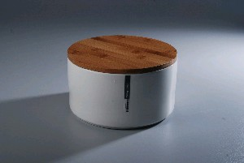 | LH2255-23 | 23cm Round Bread Box W/Bamboo Lid | Durable Porcelain | Bulk | 1200 | $ 8.90
6 |  | LH2255-18 | 18X10cm Cookie Storage Jar Big W/Bamboo Lid | Durable Porcelain | Bulk | 1200 | $ 5.23
7 |  | LH2255-15 | 15X9cm Cookie Storage Jar Medium W/Bamboo Lid | Durable Porcelain | Bulk | 1200 | $ 3.41
8 |  | LH2255-12 | 12X6.5cm Cookie Storage Jar Small W/Bamboo Lid | Durable Porcelain | Bulk | 1200 | $ 1.92
9 | 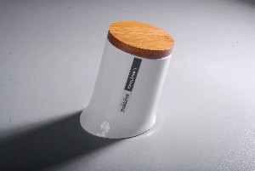 | LH1520-13 | 13cm Canon Storage Jar | Durable Porcelain | Bulk | 1200 | $ 1.91
10 | 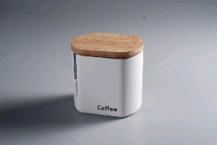 | LH1991-11-C | 11cm Coffee Bean Storage Jar | Durable Porcelain | Bulk | 1200 | $ 2.37
11 |  | LH1991-11-T | 11cm Tea Storage Jar | Durable Porcelain | Bulk | 1200 | $ 2.37
12 | 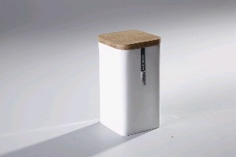 | LH3319-25.5-M4 | 10*10*25.5cm Square Pasta Storage Jar Big w/Bamboo lid | Durable Porcelain | Bulk | 1200 | $ 4.67
13 |  | LH3319-20-M4 | 10*10*20cm Square Pasta Storage Jar Medium w/Bamboo lid | Durable Porcelain | Bulk | 1200 | $ 3.99
14 |  | LH3319-18-M4 | 10*10*18cm Square Pasta Storage Jar Small w/Bamboo lid | Durable Porcelain | Bulk | 1200 | $ 3.57
15 |  | LH3319-15-M4 | 10*10*15cm Square Storage Jar w/Bamboo lid | Durable Porcelain | Bulk | 1200 | $ 2.73
16 | 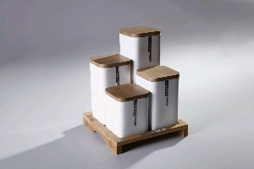 | LH3320-S9-M4 | 5pcs Square Storage Jar Set 1x10*10*25.5cm Jar 1x10*10*20cm Jar 1x10*10*18cm Jar 1x10*10*15cm Jar 1xBamboo Base | Durable Porcelain | White Box | 1200 | $ 17.60
17 | 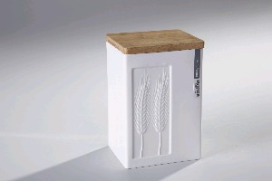 | LH3328-S2-M4 | 13*11*18.5cm Rect.Storage Jar W/Wheatear Embossed W/Bamboo Lid | Durable Porcelain | Bulk | 1200 | $ 4.89
18 | 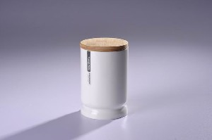 | LH4168-11-M4 | 11x11cm Storage Jar W/Bamboo Lid | Durable Porcelain | Bulk | 1200 | $ 2.58
19 |  | LH4168-16-M4 | 11x16cm Storage Jar W/Bamboo Lid | Durable Porcelain | Bulk | 1200 | $ 3.03
20 | 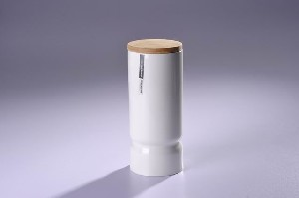 | LH4168-20-M4 | 11x20cm Storage Jar W/Bamboo Lid | Durable Porcelain | Bulk | 1200 | $ 3.38
21 |  | LH4168-25-M4 | 11x25cm Storage Jar W/Bamboo Lid | Durable Porcelain | Bulk | 1200 | $ 4.20
22 | 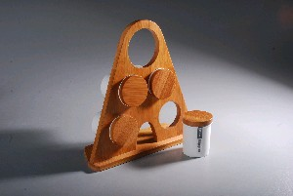 | LH1677-S-S5-M4 | Set of 4pcs samll spice can w/bamboo stand | Durable Porcelain | White Box | 1200 | $ 5.09
23 | 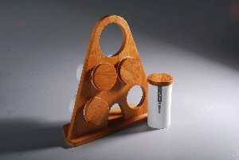 | LH1677-L-S5-M4 | Set of 4pcs Large spice can w/bamboo stand | Durable Porcelain | White Box | 1200 | $ 5.61

