Defect #009
Project/ System | Education Logistics System
Issue Type | Defect
Issue ID | #009
Parent ID | <Test execution ID>
Summary | [Filters] Cannot do filter by any provided attributes: Request Status, Email, Student ID, Student First Name and Student Last Name
Feature | Filters
Priority | High | 1st picture
Description | Pre-condition: - The test user is registered - Test data: Request List has various data of each attribute Steps: 1. Log in to the system with a valid account: http://ktvn-test.s3-website.us-east-1.amazonaws.com/signin 2. In Request List page, click on Filters button 3. Select "Approved" of Request Status field 4. Click on Apply Filters 4. Observe the list of filtered request items 5. Repeat above steps for the remaining options of Request Status <Refer to 1st attached picture> * Do similar steps for other Filter attributes: Email, Student ID, Student First Name and Student Last Name Actual result: All items are displayed. Filter has no effects. <Refer to 2nd attached picture> Expected result: Only items satisfy the applied filter are displayed | 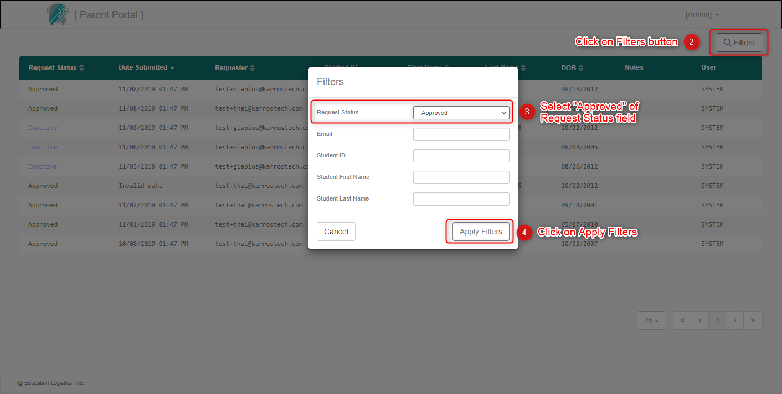
Environment | - Build version: 1.1.0 <or commit or any indicator of the source version under-test> - Device: Windows 10 - Chrome Latest (83.0.4103.61) | 2nd picture
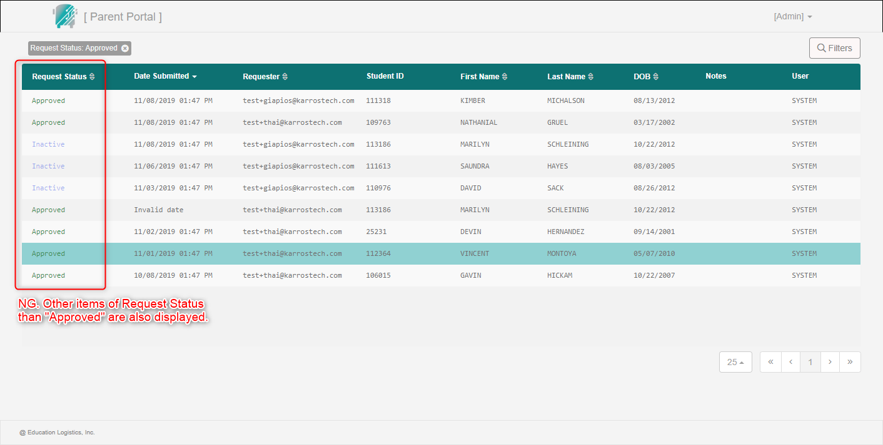
Attachment | <Files in the description>
Linked Issues | <Could be development issue ID>
Assignee | <Related developer or development leader>
Sprint
Status | Open
Resolution
Fix versions
Reporter | Hien Cao
Estimated Effort
Actual Effort
Created Date | 2020-06-07
Due Date
Closed Date
Comment
Update History

