BOOKING
 |  |  | BOOKING NOTE
 |  |  |  | Date: |  | 2022-02-09

It is mutually agreed by and between:
ANA LINK LOGISTICS CO., LTD. (HCMC) (BINEX)

And the shipper:
Mr.Chau/Kyung Rhim(BBM)

For the shipment details as below:
HMM booking number: |  |  |  |  | SGNM56411100 |  |  | / | ana220202h

Feeder vessel : |  |  |  |  | AL QIBLA 0024E
ETD HCM : |  |  |  |  | 2022/01/18
ETA | NYC | : |  |  | 2022/02/14
Destination port : |  |  |  |  | NEW YORK, NY
Q’ty : |  |  |  |  | 01x40'HC-GOH (24 BARS – 20 STRINGS – 13 KNOTS)
Description of goods : |  |  |  |  | Garments.
Empty container : |  |  |  |  | TBA
Full container return : |  |  |  |  | ICD PHUOC LONG 3
Closing time : |  |  |  |  | BEFORE 17:00 14-Jan-2022

 |  |  |  |  |  |  | ANA LINK LOGISTICS CO., LTD. (HCMC)

 |  |  |  |  |  |  |  |  | RYAL

Note: Pls. lock container(s) carefully before returning to port to avoid losing hanging equipment if container(s) can’t catch up F.Vessel. Pls contact Mr. PHUC (0988 455 446) to pack the cargos and MR.RYAL at: 028. 73002910 to make bill.

DRAFT
KYUNG RHIM VINA CO.,LTD
1185 1A NATIONAL ROAD, BINH TRI DONG B WARD
BINH TAN DIST., HOCHIMINH CITY, VIETNAM

BBM GROUP L.L.C. |  |  |  |  |  |  |  | BINEX LINE CORP. - NJ
280 BROAD AVENUE 3RD FL. |  |  |  |  |  |  |  | TWO EXECUTIVE DR. SUITE # 755, FORT LEE, NJ 07024
PALISADES PARK, NJ 07650, USA |  |  |  |  |  |  |  | Tel : 201-662-7600 Fax : 201-662-9088
TEL: 201-482-6500; FAX: 201-482-6510

SAME AS CONSIGNEE

HO CHI MINH, VIETNAM

AL QIBLA 0024E |  |  |  | BA RIA VUNG TAU, VIETNAM

NEW YORK, NY |  |  |  | NEW YORK, NY

 |  |  |  |  | SHIPPER'S LOAD COUNT AND SEAL |  |  |  | 10145.77 |  |  | 60
CY/CY | 1x 40'HC GOH |  |  |  | S.T.C : | 13632 | PIECES |  | (KGS) |  |  | (CBM)
HMMU6089280 / 193280344 |  |  |  |  | 13632 PKGS = 0 CTNS + 13632 PCS
 |  |  |  |  | TOTAL: 9610 PCS.

 |  |  |  |  | ***ATTACHED RIDER***

 |  |  | SAY: THIRTEEN THOUSAND SIX HUNDRED AND THIRTY TWO PIECES ONLY.

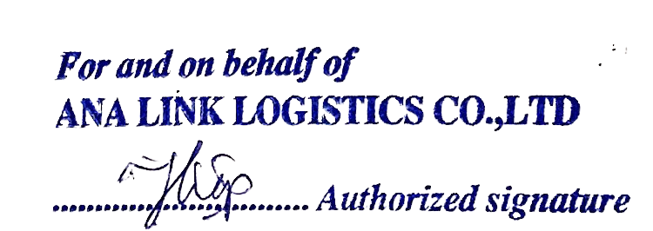
CLEAN ON BOARD |  | FREIGHT COLLECT
18-Jan-2022

 |  |  |  |  |  |  |  |  |  | 18-Jan-2022

 |  |  |  |  |  |  |  |  |  |  | ana220202h

LETTER OF INDEMNITY
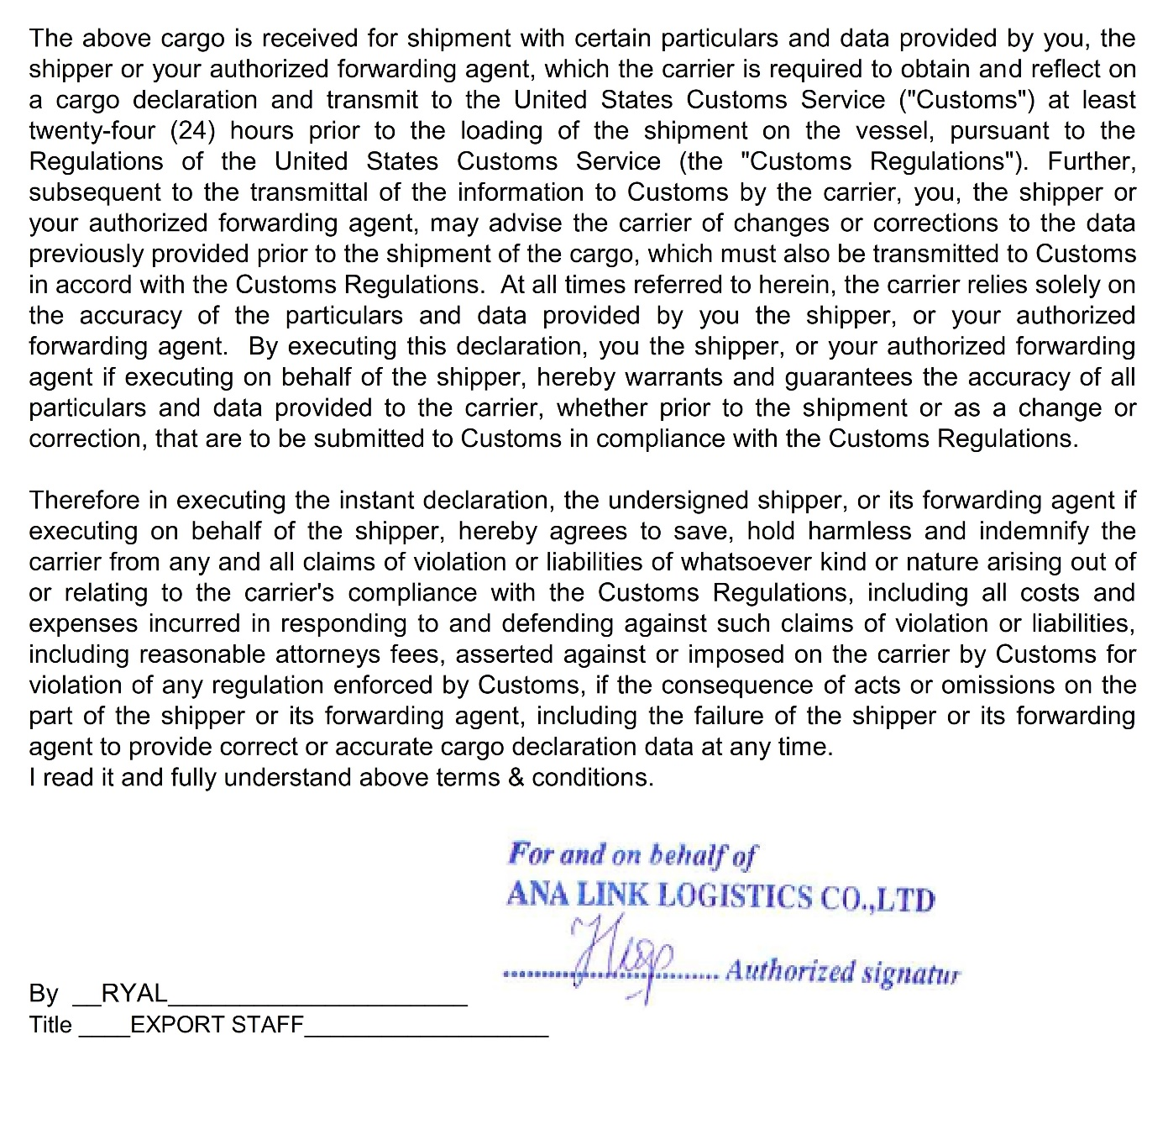
 |  | L/I FOR C/A UNDER U.S.CUSTOMS RULE

T o : HYUNDAI MERCHANT MARINE CO.,LTD.
ATTN: EXPORT DEPT/____________________________

Shipper |  | ANA LINK LOGISTICS CO., LTD
B/L No. |  | SGNM56411100
VSL/VOY |  | AL QIBLA 0024E
Sailing Date |  | 2022/01/18
POL/POD |  | BA RIA VUNG TAU / NEW YORK, NY
CNTR No. (s) |  | HMMU6089280 / 193280344

We hereby request you for the under mentioned manifest correction(s).
 |  |  |  |  | .
CONTENTS |  |  | NOW READ | SHOULD BE READ

QUANTITY |  |  | 13695 PIECES | 13632 PIECES

GROSS WEIGHT |  |  | 9824.62KGS | 10145.77 KGS

We, ANA LINK LOGISTICS CO., LTD., undertake and agree to indemnity you in full all consequences
and/or liabilities of any kind of whatsoever direct or indirect arising from or relating to the said correction (s).

Requested by (NAME): PHAM DUC HIEP (RYAL)
Company Name: ANA LINK LOGISTICS CO., LTD.
Address: 7TH FLOOR, BACH BLDG, 111 LY CHINH THANG ST., WARD 7, DIST 3, HCMC
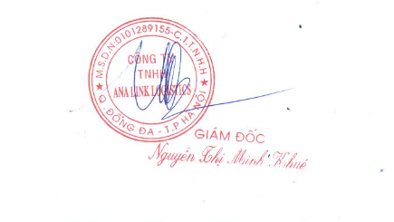
Telephone/Fax: TEL: +84-28-7300-2900/10/20
Date: | 2022-02-09
Company’s stamp & Signature:
Designation: EXPORT STAFF

