DRAFT
KYUNG RHIM VINA CO.,LTD
1185 1A NATIONAL ROAD, BINH TRI DONG B WARD
BINH TAN DIST., HOCHIMINH CITY, VIETNAM

BBM GROUP L.L.C. |  |  |  |  | BINEX LINE CORP. - NJ
280 BROAD AVENUE 3RD FL. |  |  |  |  | TWO EXECUTIVE DR. SUITE # 755, FORT LEE, NJ 07024
PALISADES PARK, NJ 07650, USA |  |  |  |  | Tel : 201-662-7600 Fax : 201-662-9088
TEL: 201-482-6500; FAX: 201-482-6510

SAME AS CONSIGNEE

HO CHI MINH, VIETNAM

 |  | BA RIA VUNG TAU, VIETNAM

 |  |  | SHIPPER'S LOAD COUNT AND SEAL
CY/CY |  |  | S.T.C : | PIECES |  | (KGS) | (CBM)

 |  |  | TOTAL: 9610 PCS.

 |  |  | ***ATTACHED RIDER***

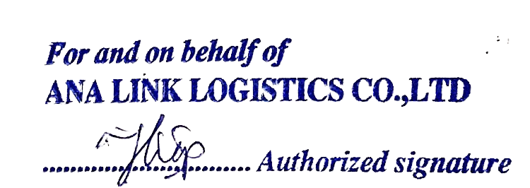
CLEAN ON BOARD | FREIGHT COLLECT

LETTER OF INDEMNITY
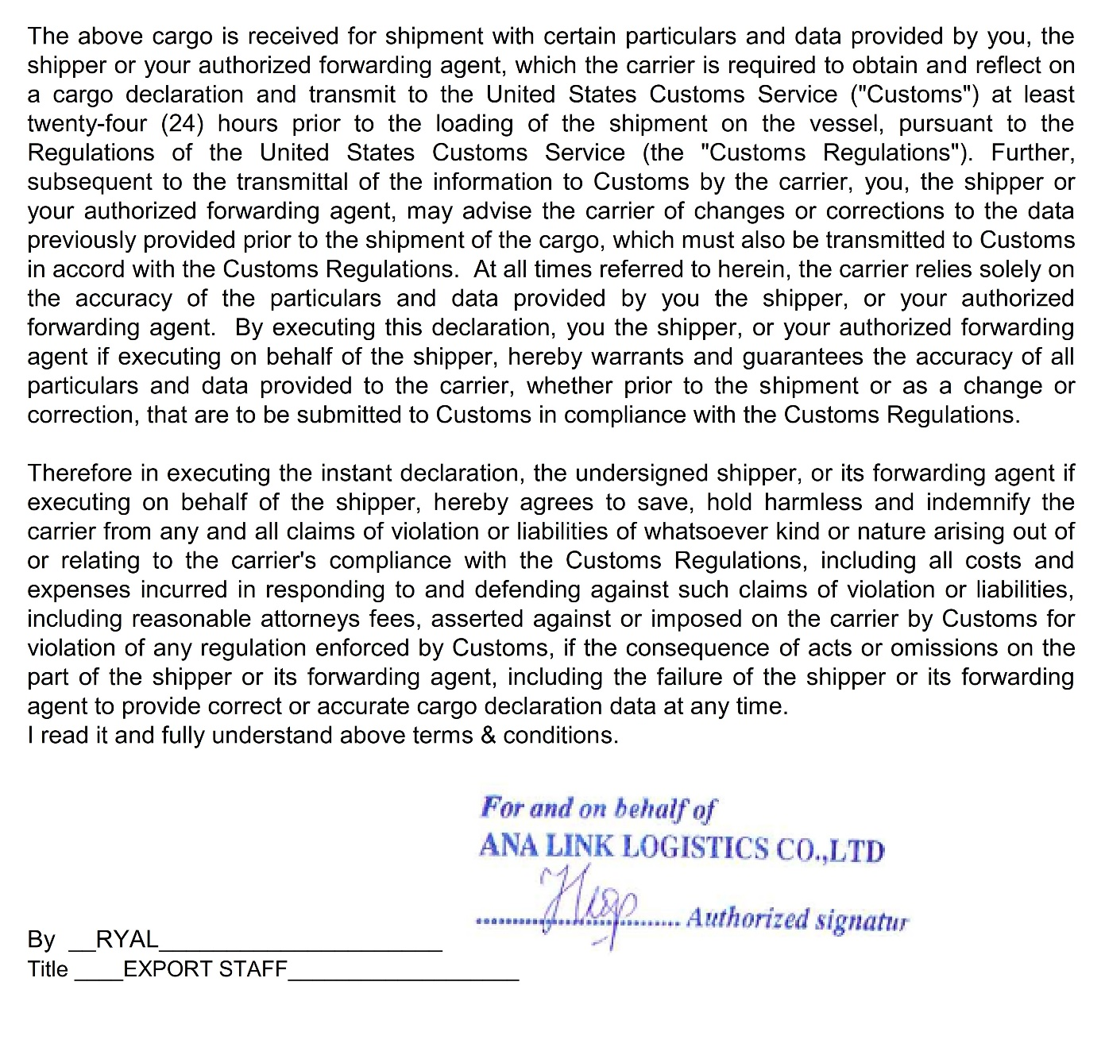
 | L/I FOR C/A UNDER U.S.CUSTOMS RULE

T o : HYUNDAI MERCHANT MARINE CO.,LTD.
ATTN: EXPORT DEPT/____________________________

Shipper | ANA LINK LOGISTICS CO., LTD
B/L No.
VSL/VOY
Sailing Date
POL/POD
CNTR No. (s)

We hereby request you for the under mentioned manifest correction(s).
 |  |  |  | .
CONTENTS |  | NOW READ | SHOULD BE READ

QUANTITY |  | 13695 PIECES | 13632 PIECES

GROSS WEIGHT |  | 9824.62KGS | 10145.77 KGS

We, ANA LINK LOGISTICS CO., LTD., undertake and agree to indemnity you in full all consequences
and/or liabilities of any kind of whatsoever direct or indirect arising from or relating to the said correction (s).

Requested by (NAME): PHAM DUC HIEP (RYAL)
Company Name: ANA LINK LOGISTICS CO., LTD.
Address: 7TH FLOOR, BACH BLDG, 111 LY CHINH THANG ST., WARD 7, DIST 3, HCMC
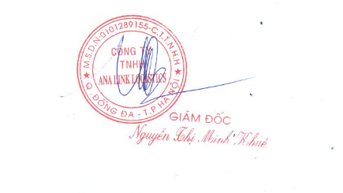
Telephone/Fax: TEL: +84-28-7300-2900/10/20
Date:
Company’s stamp & Signature:
Designation: EXPORT STAFF

