Sheet1
number | Question | option1 | option2 | option3 | option4 | correctanswer | explanation | images
1 |  | Cyclists are riding by a fountain. | There’s a park bench beside a path. | A man is hanging a map on a sign. | Workers are raking leaves into piles. | B | Correct-answer:B A. Cyclists are riding by a fountain. B. There’s a park bench beside a path. C. A man is hanging a map on a sign. D. Workers are raking leaves into piles. | 
2 |  | She’s drinking water from a glass. | She’s removing papers from a file | Potted plants are arranged on a desk. | Some pictures have been hung next to a window. | C | Correct-answer:C A. She’s drinking water from a glass. B. She’s removing papers from a file. C. Potted plants are arranged on a desk. D. Some pictures have been hung next to a window. | 
3 |  | The man is paying for his dinner. | A server is taking food out of a container. | Some windows are being cleaned. | Some food is on display. | D | Correct-answer:D A. The man is paying for his dinner. B. A server is taking food out of a container. C. Some windows are being cleaned. D. Some food is on display. | 
4 |  | A building is under construction. | A street is being paved. | Some cars are stopped at a traffic light. | Some cars are parked side by side. | D | Correct-answer:D A. A building is under construction. B. A street is being paved. C. Some cars are stopped at a traffic light. D. Some cars are parked side by side. | 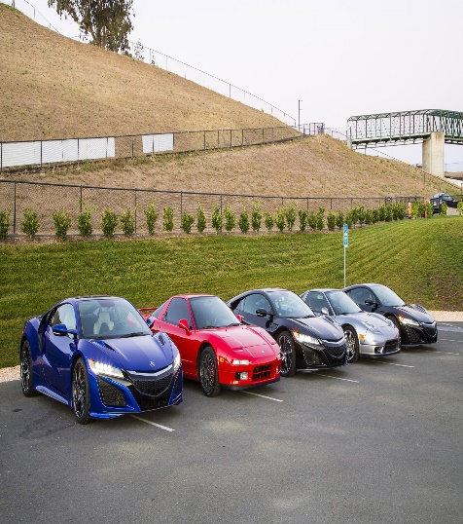
5 |  | Some equipment is being put in a crate. | Some cords are lying across the top of a counter. | A man is plugging a computer into a power outlet. | A man is sliding a box under a workstation. | B | Correct-answer:B A. Some equipment is being put in a crate. B. Some cords are lying across the top of a counter. C. A man is plugging a computer into a power outlet. D. A man is sliding a box under a workstation. | 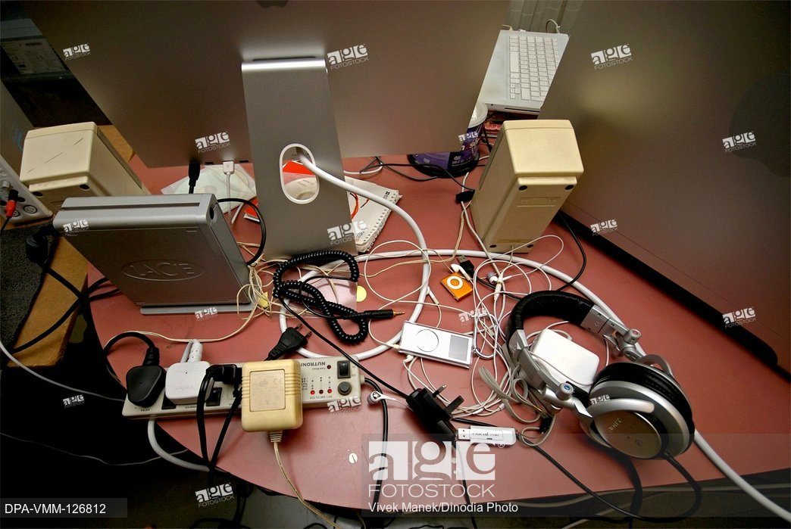
6 |  | A stairway is divided by a handrail. | A woman is leaning against a column. | The people are walking up a staircase. | Some photographs are being removed from a wall. | A | Correct-answer:A A. A stairway is divided by a handrail. B. A woman is leaning against a column. C. The people are walking up a staircase. D. Some photographs are being removed from a wall. | 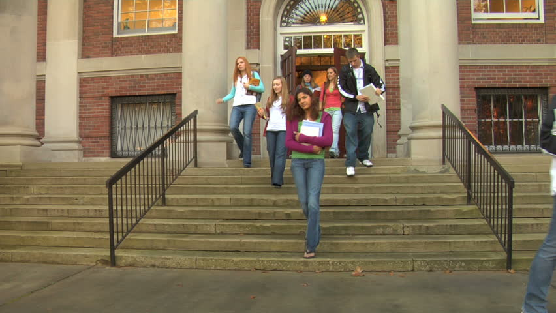

Sheet2
4 | The man is buying a ticket at the bus station | The man is boarding the bus | The man is handing his baggage to a conductor | The man is checking the bus timetable | B | A.The man is buying a ticket at the bus station B.The man is boarding the bus C.The man is handing his baggage to a conductor D.The man is checking the bus timetable | 
5 | The worker is preparing to dig the earth | There are a lot of leaves on the road | The road is being resurfaced | The man is driving the truck down the hill | C | A.The worker is preparing to dig the earth B.There are a lot of leaves on the road C.The road is being resurfaced D.The man is driving the truck down the hill | 
6 | Neither of the phones is being used | The two phones are different in size from each other | The telephones are being repaired | Each telephone is in a separate booth | A | A.Neither of the phones is being used B.The two phones are different in size from each other C.The telephones are being repaired D.Each telephone is in a separate booth | 

