Info
source | target | weight
Cross Country Skiing | Archery | 6 |  |  | Cross Country Skiing | Modern Pentathlon | Figure Skating | Archery | Trampolining | Ski Jumping | Lacrosse | Racquets | Roque | Basque Pelota
Cross Country Skiing | Figure Skating | 22 |  | Cross Country Skiing | 0 | 1 | 1 | 1 | 0 | 1 | 0 | 0 | 0 | 0
Cross Country Skiing | Modern Pentathlon | 16 |  | Modern Pentathlon | 1 | 0 | 1 | 1 | 1 | 1 | 0 | 0 | 0 | 0
Cross Country Skiing | Ski Jumping | 22 |  | Figure Skating | 1 | 1 | 0 | 1 | 0 | 1 | 1 | 1 | 0 | 0
Modern Pentathlon | Trampolining | 5 |  | Archery | 1 | 1 | 1 | 0 | 1 | 1 | 1 | 1 | 1 | 1
Modern Pentathlon | Archery | 13 |  | Trampolining | 0 | 1 | 0 | 1 | 0 | 0 | 0 | 0 | 0 | 0
Modern Pentathlon | Figure Skating | 17 |  | Ski Jumping | 1 | 1 | 1 | 1 | 0 | 0 | 0 | 0 | 0 | 0
Modern Pentathlon | Ski Jumping | 16 |  | Lacrosse | 0 | 0 | 1 | 1 | 0 | 0 | 0 | 1 | 1 | 0
Figure Skating | Racquets | 1 |  | Racquets | 0 | 0 | 1 | 1 | 0 | 0 | 1 | 0 | 0 | 0
Figure Skating | Lacrosse | 1 |  | Roque | 0 | 0 | 0 | 1 | 0 | 0 | 1 | 0 | 0 | 0
Figure Skating | Archery | 8 |  | Basque Pelota | 0 | 0 | 0 | 1 | 0 | 0 | 0 | 0 | 0 | 0
Figure Skating | Ski Jumping | 22
Archery | Trampolining | 5 |  | weight | Cross Country Skiing | Modern Pentathlon | Figure Skating | Archery | Trampolining | Ski Jumping | Lacrosse | Racquets | Roque | Basque Pelota
Archery | Racquets | 1 |  | Cross Country Skiing | 0 | 16 | 22 | 6 | 0 | 22 | 0 | 0 | 0 | 0
Archery | Basque Pelota | 1 |  | Modern Pentathlon | 16 | 0 | 17 | 13 | 5 | 16 | 0 | 0 | 0 | 0
Archery | Roque | 1 |  | Figure Skating | 22 | 17 | 0 | 8 | 0 | 22 | 1 | 1 | 0 | 0
Archery | Lacrosse | 2 |  | Archery | 6 | 13 | 8 | 0 | 5 | 6 | 2 | 1 | 1 | 1
Archery | Ski Jumping | 6 |  | Trampolining | 0 | 5 | 0 | 5 | 0 | 0 | 0 | 0 | 0 | 0
Lacrosse | Racquets | 1 |  | Ski Jumping | 22 | 16 | 22 | 6 | 0 | 0 | 0 | 0 | 0 | 0
Lacrosse | Roque | 1 |  | Lacrosse | 0 | 0 | 1 | 2 | 0 | 0 | 0 | 1 | 1 | 0
 |  |  |  | Racquets | 0 | 0 | 1 | 1 | 0 | 0 | 1 | 0 | 0 | 0
 |  |  |  | Roque | 0 | 0 | 0 | 1 | 0 | 0 | 1 | 0 | 0 | 0
 |  |  |  | Basque Pelota | 0 | 0 | 0 | 1 | 0 | 0 | 0 | 0 | 0 | 0

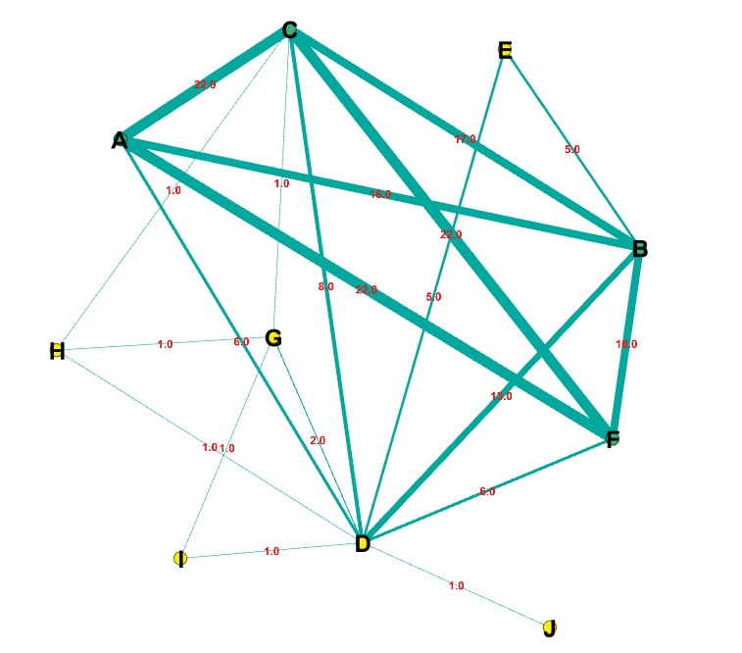
0 | Cross Country Skiing |  | A
1 | Modern Pentathlon |  | B
2 | Figure Skating |  | C
3 | Archery |  | D
4 | Trampolining |  | E
5 | Ski Jumping |  | F
6 | Lacrosse |  | G
7 | Racquets |  | H
8 | Roque |  | I
9 | Basque Pelota |  | J

