Workflow Dashboard
Workflow | <Workflow Dashboard>
Test requirement | Thấy được dashboard tổng ở cả staff và resident
Number of TCs | 2
Testing Round | Passed | Failed | Pending | N/A
Round 1 | 2 | 0 | 0 | 0
Round 2 | 2 | 0 | 0 | 0
Round 3 | 2 | 0 | 0 | 0

Test Case ID | Test Case Description | Test Case Procedure | Expected Results | Pre-conditions | Round 1 | Test date | Tester | Round 2 | Test date | Tester | Round 3 | Test date | Tester | Note
Scenario D
<ID1> | Load dashboard page staff | 1. Login the system with Manager role. 2. Vào được màn hình chính Dashboard | 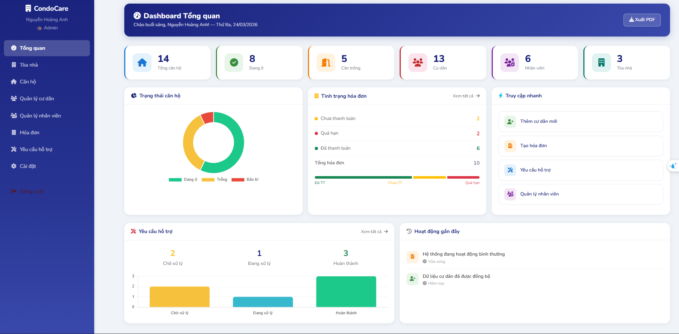 | Thấy được giao diện trang dashboard Thực hiện được được các thao tác di chuyển đến các tab khác | Passed | 23/3 | Hieu | Passed | 23/3 | Hieu | Passed | 24/3 | Hieu
<ID2> | Load dashboard page staff | 1. Login the system with Resident role. 2. Vào được màn hình chính Dashboard | 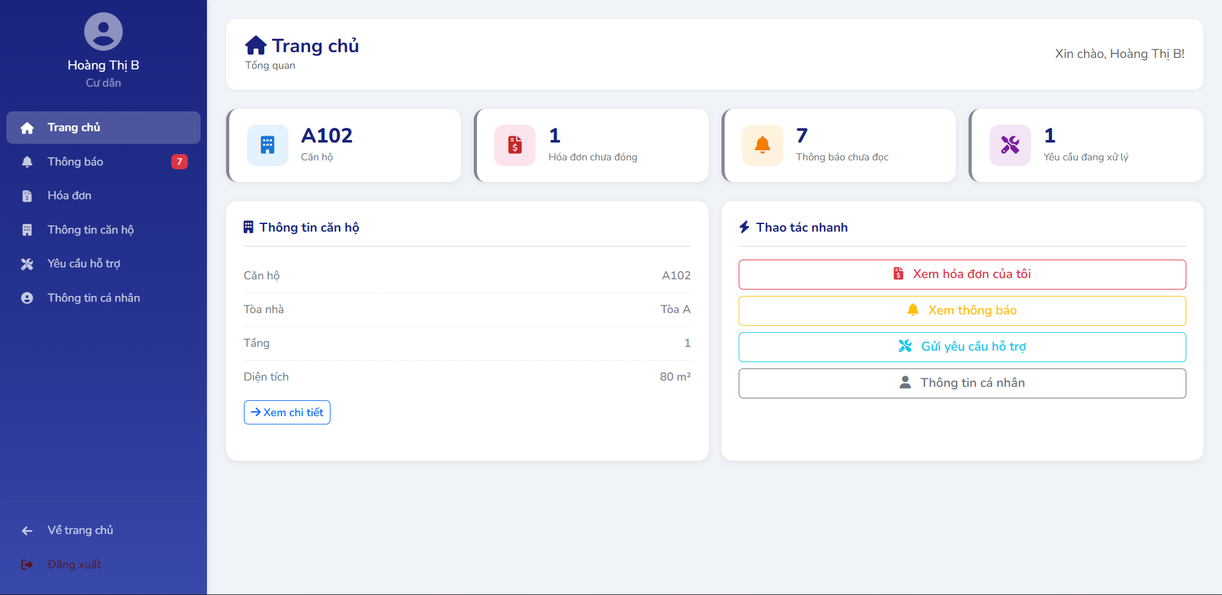 | Thấy được giao diên trang dashboard Thực hiện được được các thao tác di chuyển đến các tab khác | Passed | 23/3 | Hieu | Passed | 23/3 | Hieu | Passed | 24/3 | Hieu

