Workflow Dashboard
 | Workflow Dashboard
Workflow | UC05–UC08: Profile Management + Dashboard Overview
Test requirement | Thấy được dashboard tổng ở cả staff và resident
Number of TCs
Testing Round | Passed | Failed | Pending | N/A
Round 1
Round 2
Round 3

Scenario A — Staff Dashboard Overview (UC08)
DASH-01 | Admin sees all stats on dashboard | 1. Login as Admin 2. Navigate to /dashboard | Dashboard shows: total apartments, total residents, total staff, invoices by status (UNPAID/PAID/OVERDUE), pending service requests. | Admin account + data in DB | Passed | 07/04/2026 | Team | Passed | 07/04/2026 | Team | Passed | 07/04/2026 | Team
DASH-02 | Manager dashboard matches Admin view | 1. Login as Manager 2. Navigate to /dashboard | 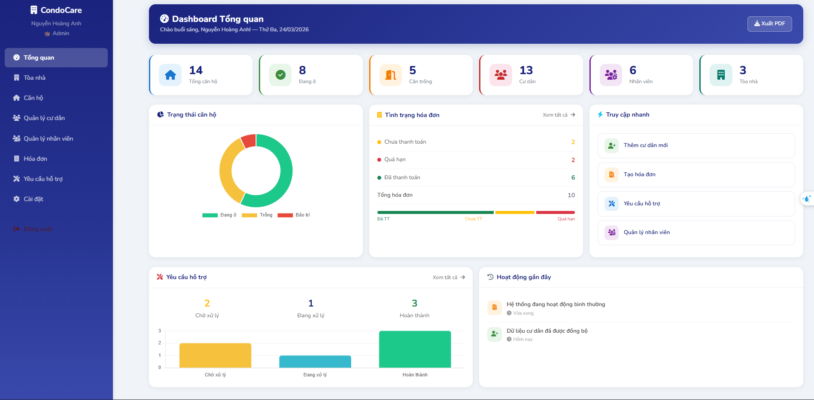 Same stats visible. Manager sidebar shown. | Manager account | Passed | 07/04/2026 | Team | Passed | 07/04/2026 | Team | Passed | 07/04/2026 | Team
DASH-03 | Accountant accesses dashboard | 1. Login as Accountant 2. Navigate to /dashboard | 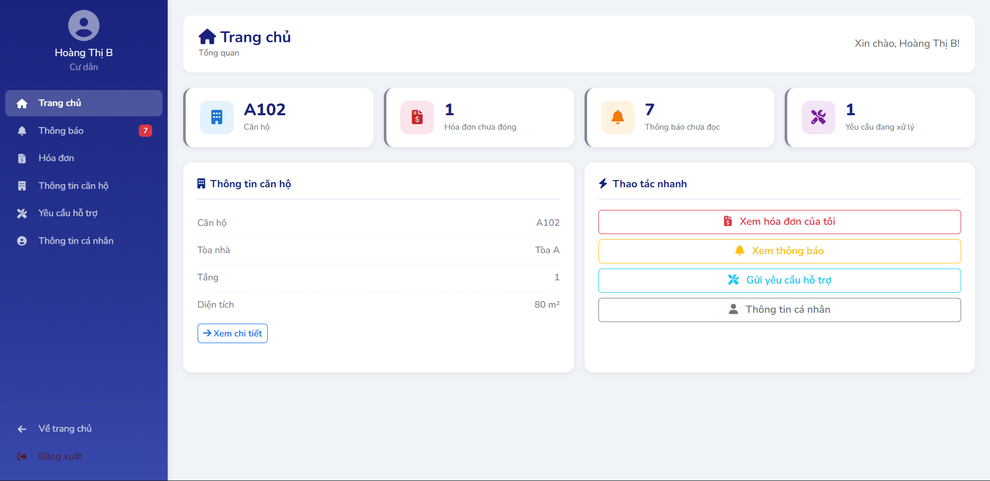 Dashboard visible. Sidebar shows only: Dashboard, Buildings, Invoices, Notifications. | Accountant account | Passed | 07/04/2026 | Team | Passed | 07/04/2026 | Team | Passed | 07/04/2026 | Team
DASH-04 | Technician access is restricted | 1. Login as Technician 2. Navigate to /dashboard/apartments (forbidden) | Redirected to /dashboard/service-requests (Technician default). Cannot access apartments page. | Technician account | Passed | 07/04/2026 | Team | Passed | 07/04/2026 | Team | Passed | 07/04/2026 | Team
Scenario B — Resident Home Dashboard
DASH-05 | Resident home shows correct stats | 1. Login as Active Resident with apartment 2. Navigate to /resident | Shows: unpaid invoice count, pending request count, vehicle count, unread notification badge. | Active resident with apartment, invoices, requests | Passed | 07/04/2026 | Team | Passed | 07/04/2026 | Team | Passed | 07/04/2026 | Team
DASH-06 | Resident without apartment sees empty state | 1. Login as Resident not assigned to apartment 2. Navigate to /resident/apartment | Message: "Chưa được gán căn hộ". No apartment info shown. | Active resident with NO apartment | Passed | 07/04/2026 | Team | Passed | 07/04/2026 | Team | Passed | 07/04/2026 | Team
Scenario C — Profile Management (UC05, UC06, UC07)
DASH-07 | View profile — all fields visible | 1. Login as any user 2. Navigate to /profile | Profile shows: full name, email, phone, gender, DOB, role/type, last login. | Active account | Passed | 07/04/2026 | Team | Passed | 07/04/2026 | Team | Passed | 07/04/2026 | Team
DASH-08 | Update profile — change phone number | 1. Navigate to /profile 2. Edit phone to new value 3. Save | Profile updated. New phone shown immediately. | Active account | Passed | 07/04/2026 | Team | Passed | 07/04/2026 | Team | Passed | 07/04/2026 | Team
DASH-09 | Change password — correct current password | 1. Navigate to /profile password section 2. Enter correct current password + new password 3. Save | Password changed. Can login with new password. | Active account | Passed | 07/04/2026 | Team | Passed | 07/04/2026 | Team | Passed | 07/04/2026 | Team
DASH-10 | Change password — wrong current password | 1. Enter incorrect current password 2. Submit | Error: "Current password incorrect". Password unchanged. | Active account | Passed | 07/04/2026 | Team | Passed | 07/04/2026 | Team | Passed | 07/04/2026 | Team

