開発環境構築
1 | program install
 | Git-2.24.1.2-64-bit.exe |  |  |  |  | downlond
 | vagrant_2.2.6_x86_64.msi |  |  |  |  | downlond
 | VirtualBox-6.0.14-133895-Win.exe |  |  |  |  | downlond
2 | cmdへ一つつを作る
 | vagrant box add laravel/homestead |  |  |  |  |  | //cmdへ
 | git clone https://github.com/laravel/homestead.git Homestead |  |  |  |  |  | //cmdへ
 | cd Homestead |  |  |  |  |  | //cmdへ
 | init.bat |  |  |  |  |  | //cmdへ
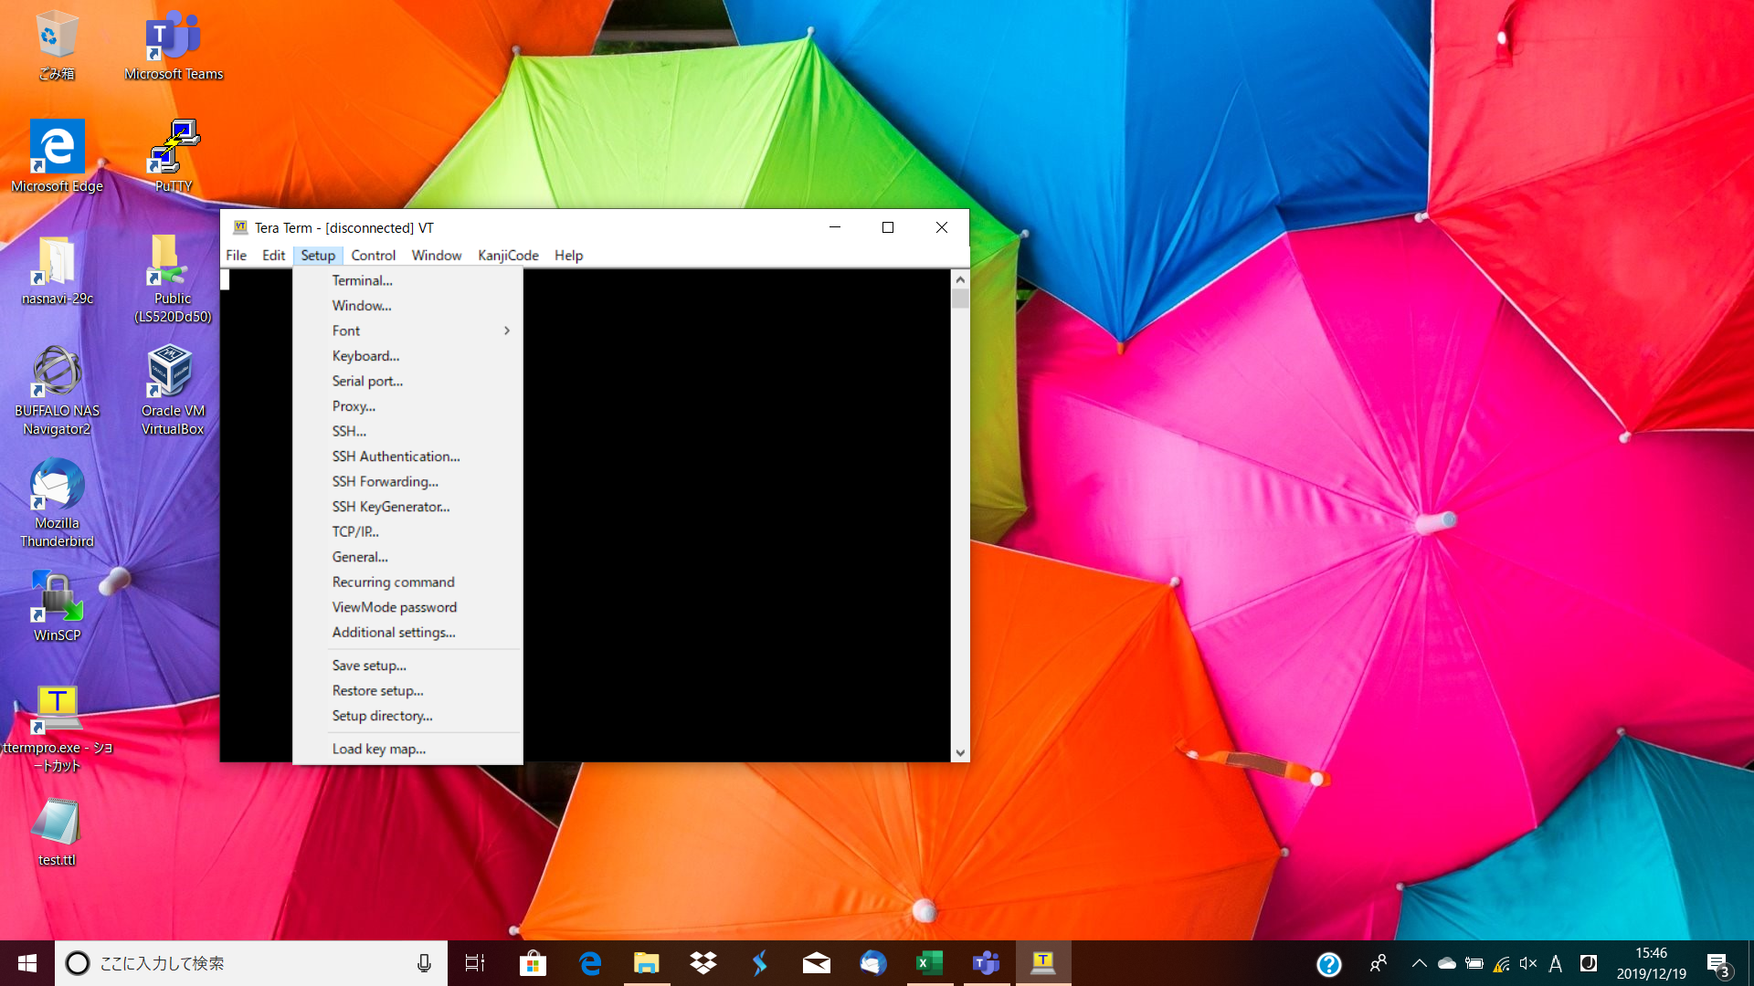
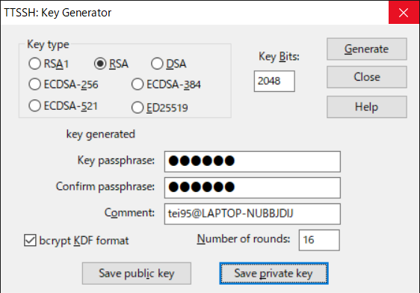
3 | ssh key create
 | cd $USERPROFILE |  |  | //戻る
 | mkdir .ssh |  |  | //cmdへ
 | teraterm | sshkey create
 | save public key and priate key to ~/.ssh
 | password future
4 | modify homestead.yaml |  |  | //cmdへ
 | sites:
 | - map: homestead.test
 | to: /home/vagrant/code/sampleapp/public

5 | create code
 | cd $USERPROFILE |  |  | //戻る
 | mkdir code |  |  | //cmdへ
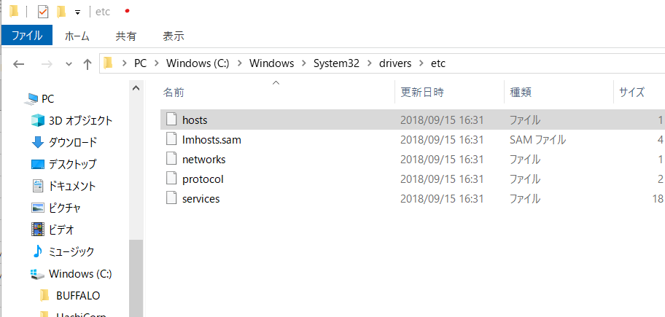
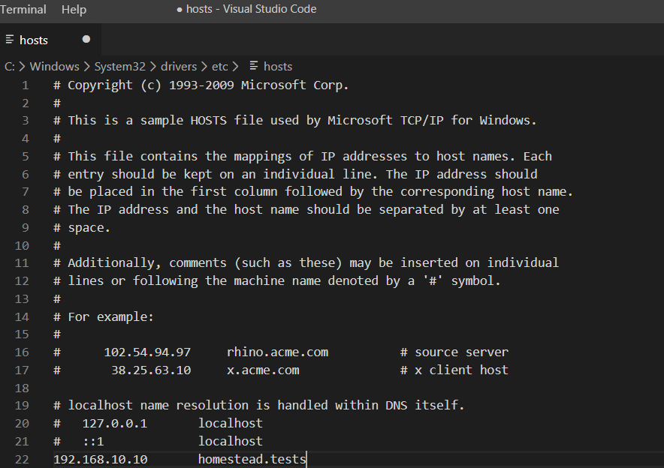
6 | start service
 | C:\Users\wangp>cd Homestead |  |  |  | //cmdへ
 | C:\Users\wangp\Homestead>vagrant up |  |  |  | //cmdへ

7 | hosts修正
 | C:\Windows\System32\drivers\etc に下記のラインを追加
 | 192.168.10.10 homestead.test
8 | HP確認
 | http://homestead.test/
9 | vm login
 | C:\Users\wangp\Homestead>vagrant ssh |  |  |  |  | //cmdへ
10 | app 作成 |  | //9番終わりの状態続けて入力
 | cd code
 | composer create-project laravel/laravel sampleapp --prefer-dist "5.5.*"

11 | nginx設定 | cd /etc/nginx/sites-available

 | 設定パース

 |  |  |  |  | 先iを押し 修改内容
 |  |  |  |  | 後 esc : wqを押し 保存退出

 | nginx再起動 |  | sudo nginx -s reload

退出
12 | stop service
先 | exit |  |  | if vagrant halt no
 |  |  |  | else exit
後 | C:\Users\wangp\Homestead>vagrant halt

メモリ不足 |  | memory_limit=2G in php.ini

VSCode 設定
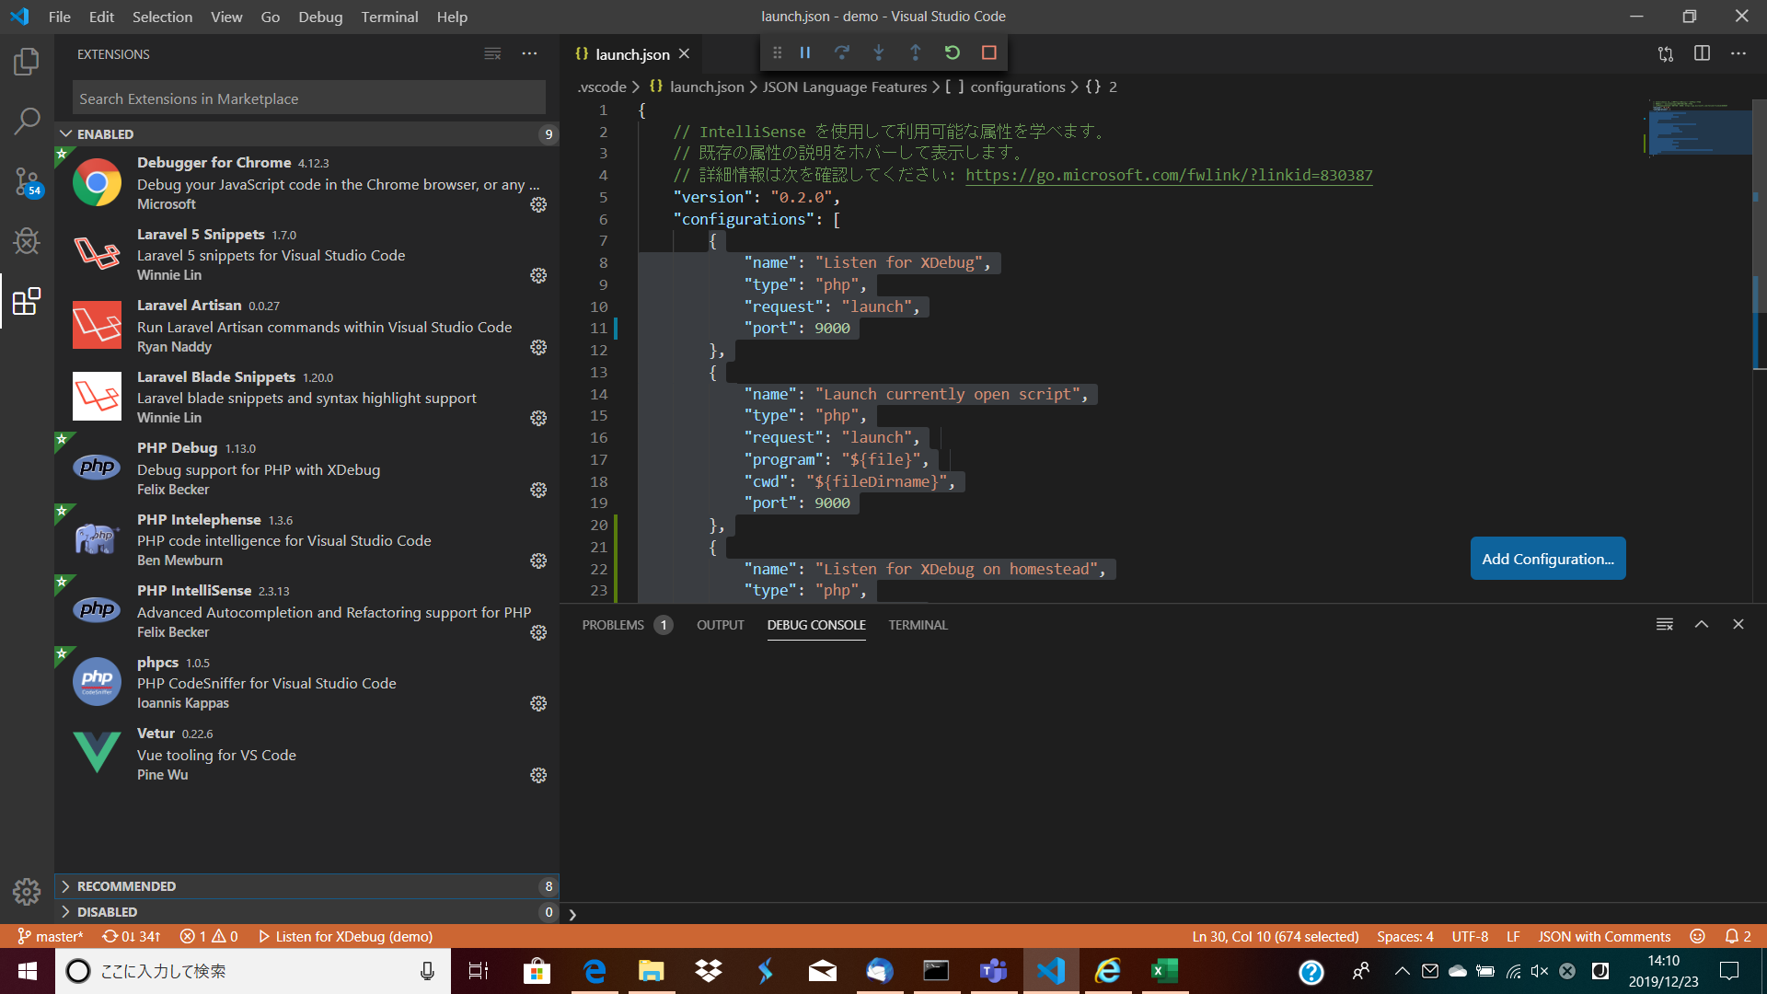
1 | lauch.json
 | {
 | "name": "Listen for XDebug",
 | "type": "php",
 | "request": "launch",
 | "port": 9000
 | },
 | {
 | "name": "Launch currently open script",
 | "type": "php",
 | "request": "launch",
 | "program": "${file}",
 | "cwd": "${fileDirname}",
 | "port": 9000
 | },
 | {
 | "name": "Listen for XDebug on homestead",
 | "type": "php",
 | "request": "launch",
 | "port": 9000,
 | "stopOnEntry": true,
 | "pathMappings": {
 | "/home/vagrant/code/demo": "C:/Users/tei95/code/demo"
 | }
 | }
2 | plugin

Mysql command
0 | Mysql command | mysql
1 | データベース一覧 | show databases;
2 | データベース選択 | use dbname
3 | テーブル一覧 | show tables;
4 | 終了 | quit
5 | ユーザ作成 | create user 'future_admin'@'localhost' identified by 'Mvn2mDKe5k+95tu';
6 | データベース作成 | CREATE DATABASE future_master DEFAULT CHARACTER SET utf8 COLLATE utf8_general_ci;
7 | ユーザ権限 | GRANT ALL ON future_master.* TO 'future_admin'@'localhost';

8 | dump | mysqldump -h localhost -u future_admin -p --add-drop-table future_master > db.sql
9 | import | mysql -u future_admin -p future_master < db.sql
10 | desc | desc 名前;
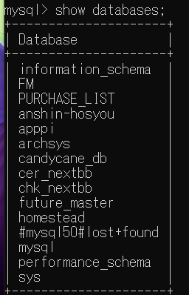
 |  |  | 入力新しいtable

1 | create user 'wp1'@'localhost' identified by '123'; |  | CREATE DATABASE vendor DEFAULT CHARACTER SET utf8 COLLATE utf8_general_ci;
 |  |  | GRANT ALL ON *.* TO 'future_admin'@'localhost';
2 | GRANT ALL ON *.* TO 'wp'@'localhost';
 |  |  | mysql -u future_admin -p future_master < db.sql
3 | mysql -u wp -p < db.sql |  | Mvn2mDKe5k+95tu
4 | 123
5 | desc wp;

12 | login | mysql -u future_admin -p

