Sheet1
+α
カスタムドメインアクセス用
ACM証明書
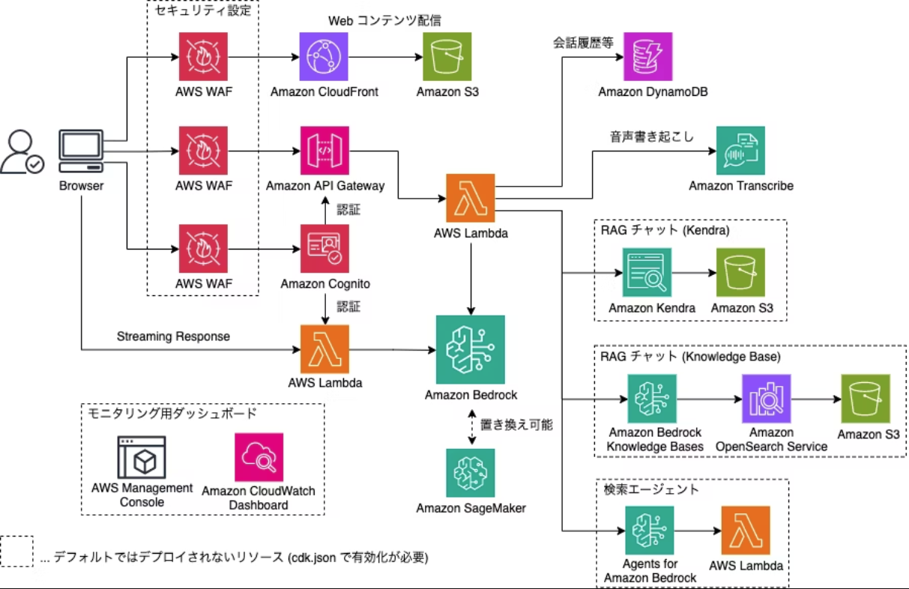

生成 AI の入出力に含まれる
機密情報のフィルタリング

CommonWebAcl
リソース
Webリソース
Databaseリソース

Databaseリソース
Apiリソース

Authリソース

