Flow chart
Start

Enter Player name

.Generate magic number
. Display round number

. Enter guess number
. Count the guessing times

Matching check Guess and magic Number

N

Y
Display Result & Lucky Ratio

Asking for replay

Y

N

End

User manual
USER MANUAL : GUESSING GAME WORKING INSTRUCTION

1. Open file
Step | Description | Image guideline
1 | Enviroment: Using an IDE to open Example: Visual studio
2 | Open file : Choose the file name "muidoan_guessing_080324" | 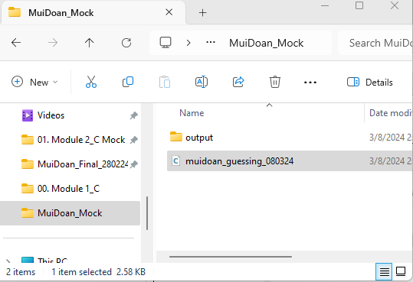
2. select to compile and run
3 | Compile and run: F11 or click to select
4 | Programming: Enter your name and guess the number (4 digits)
5 | - The user guests and enter 1 number each time. If there are matched number, the program prints out the result and the magic number (which guested number in correct position, the remaining are '-') | 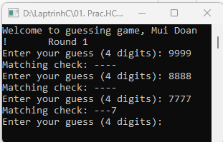
 | When the player explore the magic number, print out their lucky ratio correct guesstotal guess | 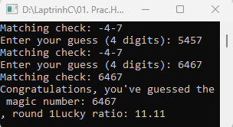

Source code
Mui Doan's source code: C Mock
#include <stdio.h>
#include <stdlib.h>
#include <time.h>
#include <string.h>
#define MAX_NAME_LENGTH 50
// Function to generate a random 4-digit magic number
int generateMagicNumber() {
srand(time(NULL));
return rand() % 9999 + 1000;
}
// Function to check if the guessed number matches the magic number
void checkGuess(int magicNumber, int guess) {
int magicDigits[4], guessDigits[4];
int i, matched = 0;
// Separate digits of magic number
for (i = 3; i >= 0; i--) {
magicDigits[i] = magicNumber % 10;
magicNumber /= 10;
}
// Separate digits of guess
for (i = 3; i >= 0; i--) {
guessDigits[i] = guess % 10;
guess /= 10;
}
// Check if user guess matching with magicNumber
for (i = 0; i < 4; i++) {
if (magicDigits[i] == guessDigits[i]) { // check if digit at position i between magicNumber and user's matched
printf("%d", magicDigits[i]); // Print matched digit
matched++;
} else {
printf("-"); // remaining position does not match, display '-'
}
}
}
int main() {
char playerName[MAX_NAME_LENGTH];
printf("Enter your name: ");
fgets(playerName, MAX_NAME_LENGTH, stdin);
printf("Welcome to guessing game, %s!", playerName);
int magicNumber = generateMagicNumber();
int totalGuesses = 0;
int correctGuesses = 0;
int round = 1;
int guess;
while (1) {
printf("\tRound %d\n", round);
while (1) {
printf("Enter your guess (4 digits): ");
scanf("%d", &guess);
totalGuesses++;
if ((guess < 1000)||(guess>9999)){
continue;
}else{}
// Check if guess is correct
printf("Matching check: ");
checkGuess(magicNumber, guess);
printf("\n");
if (magicNumber == guess) {
printf("Congratulations, you've guessed the magic number: %d\n, round %d", magicNumber, round);
correctGuesses++;
break;
}
}
float rate = 100*(float)correctGuesses / totalGuesses;
printf("Lucky ratio: %.2f %\n", rate);
char playAgain;
printf("Do you want to play again? (y/n): ");
scanf(" %c", &playAgain);
if (playAgain != 'y' && playAgain != 'Y') {
break;
}
else {
round++;
continue;
}
}
return 0;
}

Improvement goal
Improve user-friendly interface

Welcom to guessing game
User name:
..........................
Magic Number (4digits)
Display round
Guess number (4digits):
...........
Guess number (4digits):
...........
Guess number (4digits):
...........
Congratulations, you've guessed the magic number
Display lucky ratio

Do you want to the next round?
Yes (Y)
No (N)

Yes (Y)

NO (N)

5 Highest player score list
1
2
3
4
5

EXIT

