查看界面
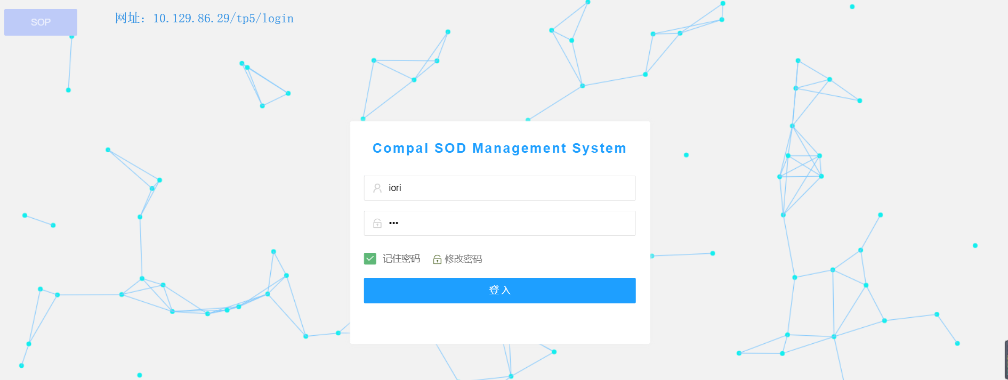
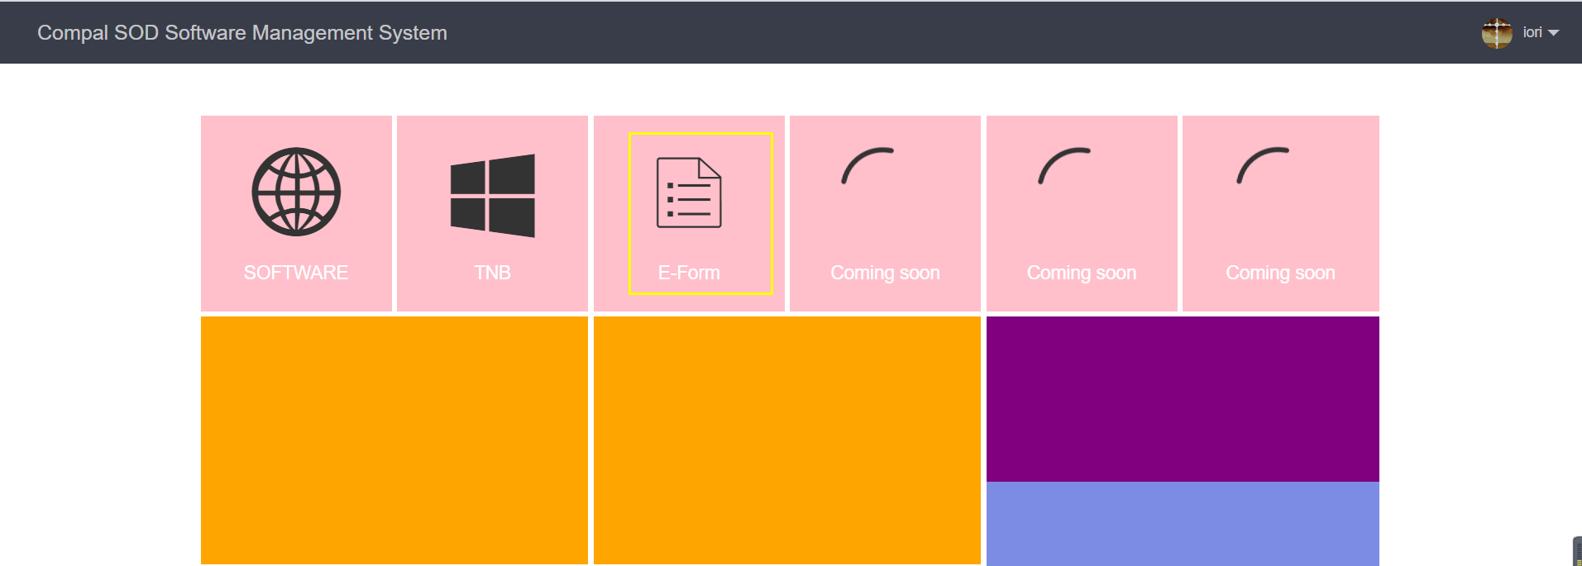

eform1
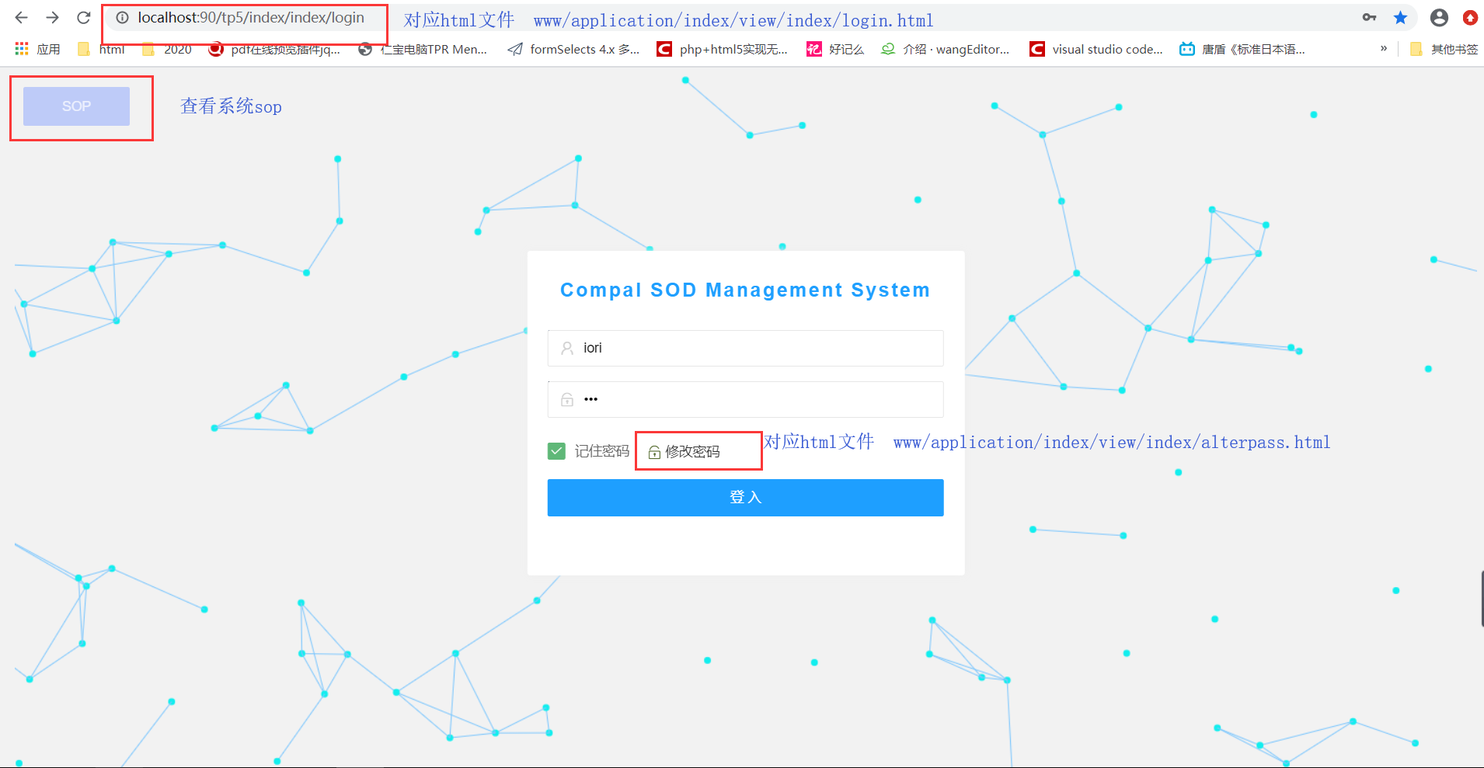

eform2
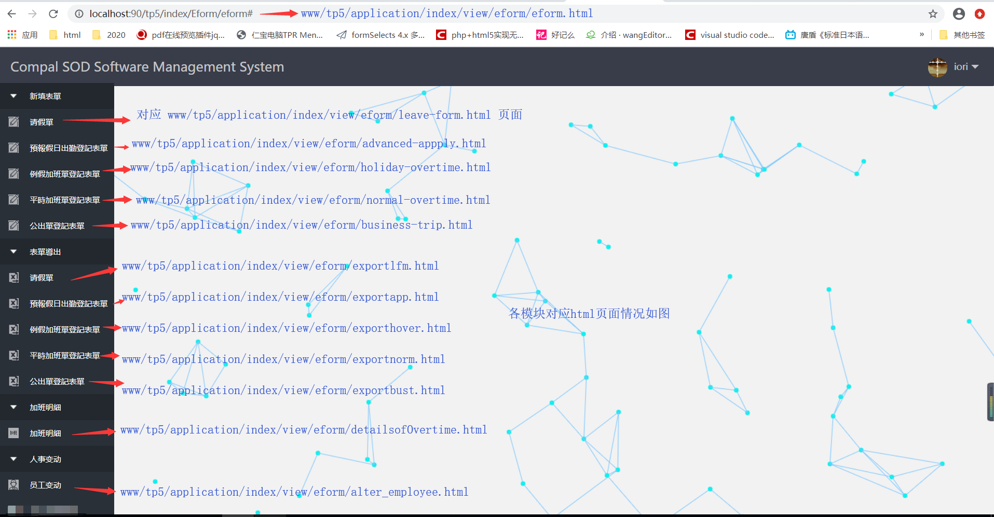

eform3
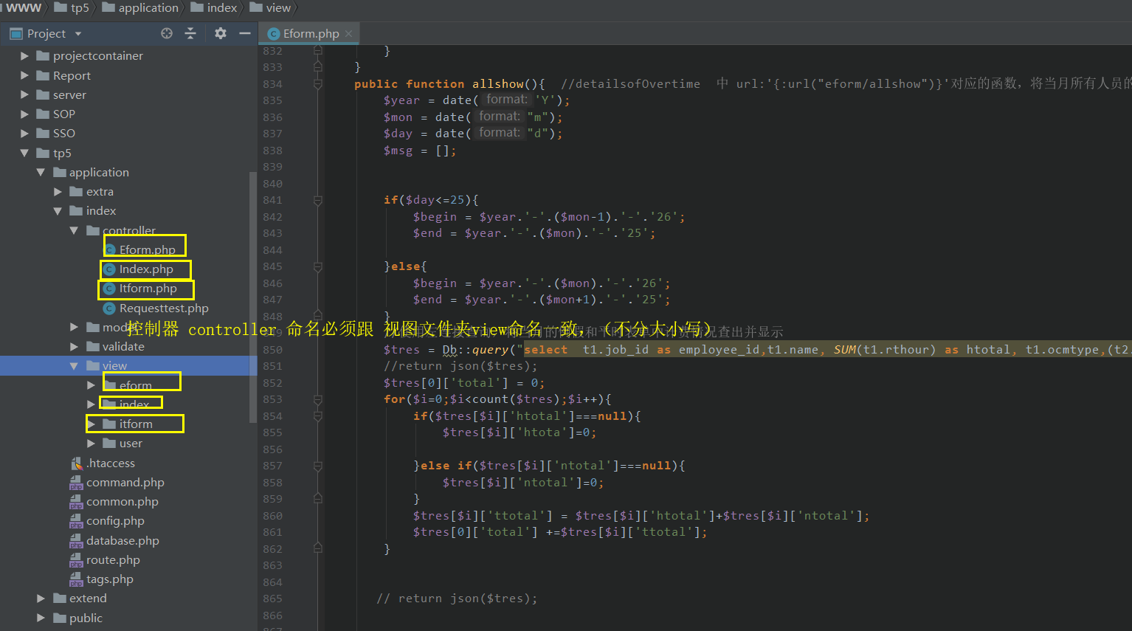

html
程式名称 | 编辑软件 | 编辑方法 | RUN | 後台測試
.HTML | JetBrains PhpStorm | 运行JetBrains PhpStorm.exe | 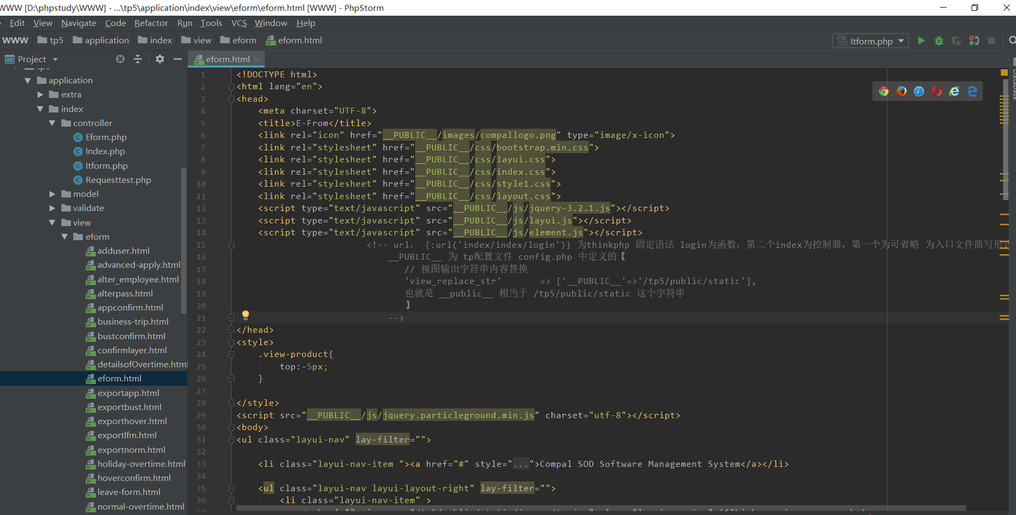

php
程式名称 | 编辑软件 | 编辑方法 | RUN | 後台測試
.php | JetBrains PhpStorm | 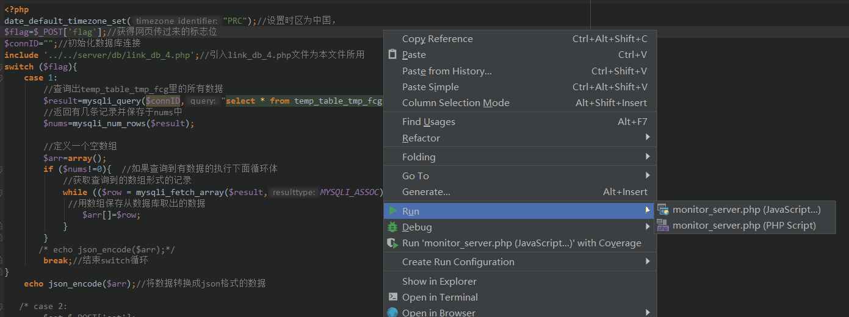 运行JetBrains PhpStorm.exe

功能与逻辑代码
主要功能是设计一个网站，后台使用的MySQL数据库，前端是html，后端是php可以完成部门pe表单的多人同时在线填写以及部门加班时数的管控
第一步，先使用php搭建后台，此处用到tp5框架和layui框架，到thinkphp官网下载tp框架后直接放到www目录下，即可使用。而layui框架可到layui.com/doc 查看完全详细文档。其中项目根目录www/tp5/,www/tp5/application/index/controller 下存放 php后台文件，www/tp5/application/index/view 下存放html文件，www/tp5/public/static/ 存放css、js、图片 等资源文件
登录首页用到的php代码：
public function jlogin(Request $request){ //登录判断
$data = $request->param();
$username = $data['username'];
Session::set('username',$username); //设置session
$password= $data['password'];
$db = db('user');
$res = $db->field('username,password,employee_id,Cname,DeptCode,dept_name,pexport')->where(['username'=>$username,'password'=>$password])->select();
//return json($db->getLastSql());
if(count($res)>0){
Session::set('employee_id',$res[0]['employee_id']);//设置session
Session::set('Cname',$res[0]['Cname']);
Session::set('DeptCode',$res[0]['DeptCode']);
Session::set('Cdept',$res[0]['dept_name']);
Session::set('pexport',$res[0]['pexport']);
return json('1');
}else{
return json('error');
}
}
eform子系统对应的全部后台代码：
<?php
/**
* Created by PhpStorm.
* User: Iori
* Date: 2020/8/19
* Time: 14:15
*/
namespace app\index\controller;
use think\Controller;
use think\Db; //使用 thinkphp的Db库 用于对数据库操作，使用phpstorm等有些php编辑器，代码用到了，这里会自动引入
use think\Request;//使用 thinkphp的request库 用于对数据库操作，用于参数的接收
use think\Session;//使用 thinkphp的Session库 用于对数据库操作 用于session的使用
class Eform extends Controller{
public function eform(){
//对应 10.129.86.29/index/Eform/eform 这个页面，也就是子系统eform主页
return $this->fetch('eform');
//这里渲染视图里的eform.html页面 并显示，.html被隐藏，相当于url跳转
}
public function leave_form(){
//对应 10.129.86.29/index/Eform/leave_form 这个页面，也就是子系统eform的新填表单的请假单
//这里渲染视图里的tp5/application/index/view/eform/leave-form 页面到浏览器显示，
return $this->fetch('leave-form');
}
public function advanced_apply(){//新填表单的预报假日出勤单
return $this->fetch('advanced-apply');
}
public function business_trip(){//新填表单的公出单
return $this->fetch('business-trip');
}
public function holiday_overtime(){//新填表单的例假加班单
return $this->fetch('holiday-overtime');
}
public function normal_overtime(){//新填表单的平时加班单
return $this->fetch('normal-overtime');
}
public function confirmlayer(){ //请假单填完后的填单确认
//对应tp5/application/index/view/eform/confirmlayer.html
return $this->fetch('confirmlayer');
}
public function appconfirm(){//预报假日出勤填完后的填单确认
//对应tp5/application/index/view/eform/appconfirm.html
return $this->fetch('appconfirm');
}
public function hoverconfirm(){//例假加班填完后的填单确认
//对应tp5/application/index/view/eform/hoverconfirm.html
return $this->fetch('hoverconfirm'); //可以通过传参使用一个函数来实现简化代码
}
public function normconfirm(){
//平时加班填完后的填单确认
//对应tp5/application/index/view/eform/normconfirm.html
return $this->fetch('normconfirm');
}
public function bustconfirm(){//公出单填完后的填单确认
//对应tp5/application/index/view/eform/bustconfirm.html
return $this->fetch('bustconfirm');
}
public function details(){
//加班明细
//对应tp5/application/index/view/eform/detailsofOvertime.html
return $this->fetch('detailsofOvertime');
}
public function alteremp(){
//人事变动
//对应tp5/application/index/view/eform/alter_employee.html
return $this->fetch('alter_employee');
}
public function adduser(){
//人事变动里的人员添加弹出框
//对应tp5/application/index/view/eform/adduser.html
return $this->fetch('adduser');
}
public function alterpass(){
//登录首页密码修改弹出框
//对应tp5/application/index/view/eform/alterpass.html
return $this->fetch('alterpass');
}
// public function showotime(){
// //人事变动里的人员添加弹出框
// //对应tp5/application/index/view/eform/adduser.html
// return $this->fetch('showotime');
// }
public function exportlfm(){ //请假单导航栏五个表单状态栏
//此處可以使用聯合查詢優化 联合查询优化！！！
//lfm表示think_lfm表，在 application 的database.php中设置了表前缀为'think_',古使用name方法可以省去表前缀
$lfm = Db::name('lfm')->where('eflag','=',0)->count();//select 处表中eflag字段为0的记录
$app = Db::name('afm')->where('eflag','=',0)->count();
$bust= Db::name('bfm')->where('eflag','=',0)->count();
$hover = Db::name('hfm')->where('eflag','=',0)->count();
$norm = Db::name('nfm')->where('eflag','=',0)->count();
$this->assign([
'lfm'=>$lfm,
'app'=>$app,
'bust'=>$bust,
'hover'=>$hover,
'norm'=>$norm,
]);
return $this->fetch('exportlfm');
}
public function exportapp(){//预报单导航栏五个表单状态栏
$lfm = Db::name('lfm')->where('eflag','=',0)->count();
$app = Db::name('afm')->where('eflag','=',0)->count();
$bust= Db::name('bfm')->where('eflag','=',0)->count();
$hover = Db::name('hfm')->where('eflag','=',0)->count();
$norm = Db::name('nfm')->where('eflag','=',0)->count();
$this->assign([
'lfm'=>$lfm,
'app'=>$app,
'bust'=>$bust,
'hover'=>$hover,
'norm'=>$norm,
]);
return $this->fetch('exportapp');
}
public function exporthover(){//例假单导航栏五个表单状态栏
$lfm = Db::name('lfm')->where('eflag','=',0)->count();
$app = Db::name('afm')->where('eflag','=',0)->count();
$bust= Db::name('bfm')->where('eflag','=',0)->count();
$hover = Db::name('hfm')->where('eflag','=',0)->count();
$norm = Db::name('nfm')->where('eflag','=',0)->count();
$this->assign([
'lfm'=>$lfm,
'app'=>$app,
'bust'=>$bust,
'hover'=>$hover,
'norm'=>$norm,
]);
return $this->fetch('exporthover');
}
public function exportnorm(){// 平时单导航栏五个表单状态栏
$lfm = Db::name('lfm')->where('eflag','=',0)->count();
$app = Db::name('afm')->where('eflag','=',0)->count();
$bust= Db::name('bfm')->where('eflag','=',0)->count();
$hover = Db::name('hfm')->where('eflag','=',0)->count();
$norm = Db::name('nfm')->where('eflag','=',0)->count();
$this->assign([
'lfm'=>$lfm,
'app'=>$app,
'bust'=>$bust,
'hover'=>$hover,
'norm'=>$norm,
]);
return $this->fetch('exportnorm');
}
public function exportbust(){//公出单导航栏五个表单状态栏
$lfm = Db::name('lfm')->where('eflag','=',0)->count();
$app = Db::name('afm')->where('eflag','=',0)->count();
$bust= Db::name('bfm')->where('eflag','=',0)->count();
$hover = Db::name('hfm')->where('eflag','=',0)->count();
$norm = Db::name('nfm')->where('eflag','=',0)->count();
$this->assign([
'lfm'=>$lfm,
'app'=>$app,
'bust'=>$bust,
'hover'=>$hover,
'norm'=>$norm,
]);
return $this->fetch('exportbust');
}
////////////////////////////////////////////////////////////////////////
public function lfdata(Request $request){ //请加班填写入数据库 tp5/application/index/view/eform/leave-form.html 里的 对应url{:url("eofrm/lfdata")}
$lfdata = $request->param();//请假单前台传来的参数 对应url：{:url("eofrm/lfdata")} 此写法固定，参照thinkphp手册
//return json($lfdata);
$res = Db::table('think_lfm')//返回受影响的行数 [ 'job_id'=>$lfdata['data'][0]['employeeId']，job_id为表中字段名，后面为值
->insert([ 'job_id'=>$lfdata['data'][0]['employeeId'],'name'=>$lfdata['data'][0]['employeeName'],'dept_no'=>$lfdata['data'][0]['deptcode'],
'begin_time'=>$lfdata['data'][0]['btime'],'end_time'=>$lfdata['data'][0]['etime'],'lday'=>$lfdata['data'][0]['days'],'lhour'=>$lfdata['data'][0]['hours'],
'reason'=>$lfdata['data'][0]['reason'],'htype'=>$lfdata['data'][0]['htype'],'project_no'=>$lfdata['data'][0]['projectno'],'fill_time'=>$lfdata['data'][0]['filltime'],'eflag'=>0 ]);
if($res>0){ //返回受影响的行数>0 表示sql语句执行成功
// return json($res);//返回受影响的行数
return json($res);
}else{
return json('err');
}
}
public function appdata(Request $request){
$apdata = $request->param();//预报单前台传来的参数
// 对应url：{url("eofrm/appdata")}
// $request->param() 接收参数方法
$lfdata = $apdata['data'][0];
// return json($apdata);
$res = Db::table('think_afm')// 数据插入数据库 详细见 thinkphp insert方法 返回受影响的行数
->insert([ 'job_id'=>$lfdata['employeeId'],'name'=>$lfdata['employeeName'],'dept_no'=>$lfdata['deptcode'],
'overtime_type'=>$lfdata['overtime_type'],'dntype'=>$lfdata['dntype'],'ocmtype'=>$lfdata['ocmtype'],'nowday'=>$lfdata['nowday'],
'begin_time'=>$lfdata['btime'],'end_time'=>$lfdata['etime'],'pthour'=>$lfdata['pthour'],
'oreason'=>$lfdata['oreason'],'project_no'=>$lfdata['projectno'],'fill_time'=>$lfdata['filltime'],'eflag'=>0 ]);
if($res>0){
// return json($res);//返回受影响的行数
return json($res);
}else{
return json('err');
}
}
public function hoverdata(Request $request){
$hoverdata = $request->param();//例假单前台传来的参数 对应url：{:url("eofrm/hoverdata")}
$lfdata = $hoverdata['data'][0];
$res = Db::table('think_hfm')// 数据插入数据库 详细见 thinkphp insert方法 返回受影响的行数
->insert([ 'job_id'=>$lfdata['employeeId'],'name'=>$lfdata['employeeName'],'dept_no'=>$lfdata['deptcode'],
'overtime_type'=>$lfdata['overtime_type'],'dntype'=>$lfdata['dntype'],'ocmtype'=>$lfdata['ocmtype'],'nowday'=>$lfdata['nowday'],
'begin_time'=>$lfdata['btime'],'end_time'=>$lfdata['etime'],'rthour'=>$lfdata['rthour'],
'oreason'=>$lfdata['oreason'],'project_no'=>$lfdata['projectno'],'fill_time'=>$lfdata['filltime'],'eflag'=>0 ]);
if($res>0){
// return json($res);//返回受影响的行数
return json($res);
}else{
return json('err');
}
}
public function normdata(Request $request){
$normdata = $request->param();//平时单前台传来的参数 对应url：{:url("eofrm/normdata")}
$lfdata = $normdata['data'][0];
$res = Db::table('think_nfm')// 数据插入数据库 详细见 thinkphp insert方法 返回受影响的行数
->insert([ 'job_id'=>$lfdata['employeeId'],'name'=>$lfdata['employeeName'],'dept_no'=>$lfdata['deptcode'],
'overtime_type'=>$lfdata['overtime_type'],'ocmtype'=>$lfdata['ocmtype'],'nowday'=>$lfdata['nowday'],
'begin_time'=>$lfdata['btime'],'end_time'=>$lfdata['etime'],'rthour'=>$lfdata['rthour'],
'oreason'=>$lfdata['oreason'],'project_no'=>$lfdata['projectno'],'fill_time'=>$lfdata['filltime'],'eflag'=>0 ]);
if($res>0){
// return json($res);//返回受影响的行数
return json($res);
}else{
return json('err');
}
}
public function bustdata(Request $request){
$bustdata = $request->param();//公出单前台传来的参数 对应url：{:url("eofrm/bustdata")}
$lfdata = $bustdata['data'][0];
$res = Db::table('think_bfm')// 数据插入数据库 详细见 thinkphp insert方法 返回受影响的行数
->insert([ 'job_id'=>$lfdata['employeeId'],'name'=>$lfdata['employeeName'],'dept_no'=>$lfdata['deptcode'],
'bdate'=>$lfdata['bdate'],'bday'=>$lfdata['bday'],'baddress'=>$lfdata['baddress'],
'begin_time'=>$lfdata['btime'],'end_time'=>$lfdata['etime'],'bthour'=>$lfdata['bthour'],
'breason'=>$lfdata['breason'],'fill_time'=>$lfdata['filltime'],'eflag'=>0 ]);
if($res>0){
// return json($res);//返回受影响的行数
return json($res);
}else{
return json('err');
}
}
//leave-form.html
public function edata(){ //对应表格渲染url url:'/tp5/index/eform/edata' 参考文档：https://www.layui.com/doc/modules/table.html
$tb = db('lfm'); //数据库助手函数，表示think_lfm表
$msg = [];
$res =$tb
->field('id,job_id,dept_no,name,begin_time,end_time,lday,lhour,reason,htype,project_no') //字段
->where('eflag','=','0')//where条件 eflag=0
->whereTime('fill_time','today')//whereTime，tp5 中可视为where针对日期字段的快捷方式, 表示筛选出 filltime为今天的记录
->select();//sql链式写法 参照tp5 文档
if(count($res)>0){
$msg['data'] = $res;
$msg['code']=0;
$msg['msg'] = '';
$msg['count']=1; //固定返回数据格式 表格渲染后返回的数据格式必须跟layui table module 给定的数据格式一致
//参考文档 https://www.layui.com/doc/modules/table.html
}else{
$msg['data'] = '';
$msg['code']=0;
$msg['msg'] = '';
$msg['count']=1;
}
//dump($res);
return json($msg);
}
//advanced-apply.html
public function eappdata(){
$tb = db('afm');//指定 think_afm表 ，同edata
$msg = [];
$res =$tb
->field('id,job_id,dept_no,name,overtime_type,dntype,ocmtype,nowday,begin_time,end_time,pthour,oreason,project_no')
->order('nowday','asc')
->where('eflag','=','0')
->select();
if(count($res)>0){
$msg['data'] = $res;
$msg['code']=0;
$msg['msg'] = '';
$msg['count']=1;
}else{
$msg['data'] = '';
$msg['code']=0;
$msg['msg'] = '';
$msg['count']=1;
}
//dump($res);
return json($msg);
}
public function ebustdata(){
$tb = db('bfm');//指定 think_bfm表 ，同edata
$msg = [];
$res =$tb->field('id,job_id,dept_no,name,bdate,begin_time,end_time,bday,bthour,breason,baddress')->where('eflag','=','0')->whereTime('fill_time','today')->select();
if(count($res)>0){
$msg['data'] = $res;
$msg['code']=0;
$msg['msg'] = '';
$msg['count']=1;
}else{
$msg['data'] = '';
$msg['code']=0;
$msg['msg'] = '';
$msg['count']=1;
}
//dump($res);
return json($msg);
}
public function ehoverdata(){//指定 think_hfm表 ，同edata
$tb = db('hfm');
$msg = [];
$res =$tb->field('id,job_id,dept_no,name,overtime_type,dntype,ocmtype,nowday,begin_time,end_time,rthour,oreason,project_no')->where('eflag','=','0')->whereTime('fill_time','today')->select();
if(count($res)>0){
$msg['data'] = $res;
$msg['code']=0;
$msg['msg'] = '';
$msg['count']=1;
}else{
$msg['data'] = '';
$msg['code']=0;
$msg['msg'] = '';
$msg['count']=1;
}
//dump($res);
return json($msg);
}
public function enormdata(){//指定 think_nfm表 ，同edata
$tb = db('nfm');
$msg = [];
$res =$tb->field('id,job_id,dept_no,name,overtime_type,ocmtype,nowday,begin_time,end_time,rthour,oreason,project_no')->where('eflag','=','0')->select();
if(count($res)>0){
$msg['data'] = $res;
$msg['code']=0;
$msg['msg'] = '';
$msg['count']=1;
}else{
$msg['data'] = '';
$msg['code']=0;
$msg['msg'] = '';
$msg['count']=1;
}
//dump($res);
return json($msg);
}
//exportlfm.html 中的 url:'{:url("eform/ulid")}' ，
public function ulid(Request $request){
//对应exportlfm.html 中表单导出后，当前表格记录不在显示，eflag为1后，不会显示在表格中
$id = $request->param()['eid'];//传过来的参数
$res = '';
if(isset($id)){
$res = DB::table('think_lfm')
->where('id','in',$id)
->update(['eflag'=>1]);//将think_lfm中的id在$id中的记录的eflag修改为1
}
return json($res);
}
// //exportapp.html 中的 url:'{:url("eform/uaid")}'
public function uaid(Request $request){
$id = $request->param()['eid'];
$res = '';
if(isset($id)){
$res = DB::table('think_afm')
->where('id','in',$id)->update(['eflag'=>1]);
}
return json($res);
}
// //exportbust.html 中的 url:'{:url("eform/ubid")}'
public function ubid(Request $request){
$id = $request->param()['eid'];
$res = '';
if(isset($id)){
$res = DB::table('think_bfm')
->where('id','in',$id)->update(['eflag'=>1]);
}
return json($res);
}
// //exporthover.html 中的 url:'{:url("eform/uhid")}'
public function uhid(Request $request){
$id = $request->param()['eid'];
$res = '';
if(isset($id)){
$res = DB::table('think_hfm')
->where('id','in',$id)->update(['eflag'=>1]);
}
return json($res);
}
// //exportnorm.html 中的 url:'{:url("eform/unid")}'
public function unid(Request $request){
$id = $request->param()['eid'];
$res = '';
if(isset($id)){
$res = DB::table('think_nfm')
->where('id','in',$id)->update(['eflag'=>1]);
}
return json($res);
}
public function showall(Request $request){ //表单导出中查看历史记录
$param = $request->param()['table'];//ajax参数接收
$msg = [];
switch ($param){
case'think_afm':{ //switch 判断条件即是表名 think_afm为预报假单对应的数据库表
$res = Db::table($param)
->field('id,job_id,dept_no,name,overtime_type,dntype,ocmtype,nowday,begin_time,end_time,pthour,oreason,project_no')
->where('nowday','>','2020-1-1')
->select();//查出时间大于2020-1-1 的所有数据
if(isset($res)){
$msg['data'] = $res;
$msg['code']=0;
$msg['msg'] = '';
$msg['count']=count($res);
}
return json($msg);
break;
}
case'think_lfm':{//switch 判断条件即是表名 think_lfm为请假单对应的数据库表
$res = Db::table($param)->field('job_id,dept_no,name,begin_time,end_time,lday,lhour,reason,htype,project_no')->where('fill_time','>','2020-1-1')->select();
if(isset($res)){
$msg['data'] = $res;
$msg['code']=0;
$msg['msg'] = '';
$msg['count']=count($res);
}
return json($msg);
break;
}
case'think_bfm':{ //switch 判断条件即是表名 think_bfm为公出单对应的数据库表
$res = Db::table($param)->field('job_id,dept_no,name,bdate,begin_time,end_time,bday,bthour,breason,baddress')->where('fill_time','>','2020-1-1')->select();
if(isset($res)){
$msg['data'] = $res;
$msg['code']=0;
$msg['msg'] = '';
$msg['count']=count($res);
}
return json($msg);
break;
}
case'think_nfm':{//switch 判断条件即是表名 think_nfm为平时加班单对应的数据库表
$res = Db::table($param)->field('job_id,dept_no,name,overtime_type,ocmtype,nowday,begin_time,end_time,rthour,oreason,project_no')->where('nowday','>','2020-1-1')->select();
if(isset($res)){
$msg['data'] = $res;
$msg['code']=0;
$msg['msg'] = '';
$msg['count']=count($res);
}
return json($msg);
break;
}
case'think_hfm':{//switch 判断条件即是表名 think_hfm为例假加班单对应的数据库表
$res = Db::table($param)
->field('job_id,dept_no,name,overtime_type,dntype,ocmtype,nowday,begin_time,end_time,rthour,oreason,project_no')
->where('nowday','>','2020-1-1')
->select();
if(isset($res)){
$msg['data'] = $res;
$msg['code']=0;
$msg['msg'] = '';
$msg['count']=count($res);
}
return json($msg);
break;
}
}
// return json($param);
}
public function delete(Request $request){ // 表格中删除按钮对应的方法
$table = $request->param()['table'];
$id = $request->param()['id'];
//return json($id);
$res = Db::table($table)->where('id','=',$id)->delete();
return json($res);
}
//detailsofOvertime.html 中url:'{:url("eform/overtime_detail")}'
public function overtime_detail(){ //加班明细中表1对应的方法和计费表单（预报，例假和平时）填写页的便签加班提示
$id = Session::get('employee_id'); //获得登录session，内容为工号
$result = Db::table('think_user')
->field('total,zc')
->where('employee_id','=',$id)
->select();//选出指定工号的 分配计费时数和是否为op【op和职员加班计费总时数不一致，故要区分】
$resign = $result[0]['total'];
$zc = $result[0]['zc'];
$year = date('Y');
$mon = date("m");//获得年月日
$day = date("d");
$msg = [];
$res = [];
if($day<=25){//判断上月26号到当月25号
$begin = $year.'-'.($mon-1).'-'.'26';
$end = $year.'-'.($mon).'-'.'25';
}else{
$begin = $year.'-'.($mon).'-'.'26';
$end = $year.'-'.($mon+1).'-'.'25';
}
$resa = Db::table('think_hfm')
->whereBetween('nowday',$begin.','.$end)//统计时间段为上月26到当月25的例假计费总时数
->where('job_id','=',$id)
->sum('rthour');//總時數
$resb = Db::table('think_nfm')->whereBetween('nowday',$begin.','.$end)
->where('job_id','=',$id)->sum('rthour');//统计时间段为上月26到当月25的平时计费总时数
$reshj = Db::table('think_hfm')->whereBetween('nowday',$begin.','.$end)
->where(['job_id'=>$id,'ocmtype'=>2])->sum('rthour');//例假計加班總時數
$resnj = Db::table('think_nfm')->whereBetween('nowday',$begin.','.$end)
->where(['job_id'=>$id,'ocmtype'=>2])->sum('rthour');//平時計加班總時數
$reshb = Db::table('think_hfm')->whereBetween('nowday',$begin.','.$end)
->where(['job_id'=>$id,'ocmtype'=>3])->sum('rthour');//例假計補休時數
$resnb = Db::table('think_nfm')->whereBetween('nowday',$begin.','.$end)
->where(['job_id'=>$id,'ocmtype'=>3])->sum('rthour');//平時計補休總時數
$reshg = Db::table('think_hfm')->whereBetween('nowday',$begin.','.$end)
->where(['job_id'=>$id,'overtime_type'=>3])->sum('rthour');//國假總時數
//die();//這個地方必須【0】【'fieldname'】,否則，外面要是一個數組
$res[0]['total'] = $resa+$resb;//总时数
$res[0]['obilling'] = $reshj+$resnj;///计费总时数
$res[0]['off_day'] = $reshb+$resnb;//补休总时数
$res[0]['hhour'] = $resa;//例假计费
$res[0]['nhour'] = $resb;//平时计费
$res[0]['nhhour'] = $reshg;//国假计费
$res[0]['resign'] = $resign;//当月分配计费总时数
$res[0]['zc'] = $zc;//是否是op
$msg['code']=0;
$msg['msg'] = '';
$msg['count']=1;
$msg['data'] = $res;//返回固定数据格式
return json($msg);
}
public function list_detail(){//加班明细 表2 //detailsofOvertime.html 中 table.render url参数:'{:url("eform/list_detail")}'
$id = Session::get('employee_id');
$year = date('Y');
$mon = date("m");
$day = date("d");
$msg = [];
if($day<=25){//判断上月26号到当月25号
$begin = $year.'-'.($mon-1).'-'.'26';
$end = $year.'-'.($mon).'-'.'25';
}else{
$begin = $year.'-'.($mon).'-'.'26';
$end = $year.'-'.($mon+1).'-'.'25';
}
//联合查询，将当月平时加班和例假加班记录查询出来并返回到前端
$res = Db::query("select * from (select job_id id ,nowday,rthour count,ocmtype ctype,begin_time begin,end_time end,type from think_hfm where '$begin'<= nowday and nowday<='$end' and job_id='$id' order by nowday asc) as a union all select * from (select job_id,nowday,rthour,ocmtype,begin_time,end_time,type from think_nfm where '$begin'<= nowday and nowday<='$end' and job_id='$id' order by nowday asc) as b order by nowday asc");
// return json($res);
$msg['code']=0;
$msg['msg'] = '';
$msg['count']=1;
$msg['data'] = $res;//返回固定数据格式
return json($msg);
}
public function search_detail(Request $request){ //加班明细查询 个人明细查询按钮 表1
$date = $request->param()['date'];
$id = $request->param()['id'];//输入框中输入的工号 这边接收
$ttpm = explode('-',$date);//接收日期范围
$turn1 = date_create($ttpm[0]);
$turn2 = date_create($ttpm[1]);
$begin = date_format($turn1,'Y-m-d');//处理成 开始 结束时间 用于sql语句中查询
$end = date_format($turn2,'Y-m-d');//处理成 开始 结束时间 用于sql语句中查询
$msg = [];
// return json($id);
$resa = Db::table('think_hfm')->whereBetween('nowday',$begin.','.$end)
->where('job_id','=',$id)->sum('rthour');//總時數
$resb = Db::table('think_nfm')->whereBetween('nowday',$begin.','.$end)
->where('job_id','=',$id)->sum('rthour');
$reshj = Db::table('think_hfm')->whereBetween('nowday',$begin.','.$end)
->where(['job_id'=>$id,'ocmtype'=>2])->sum('rthour');//例假計加班總時數
$resnj = Db::table('think_nfm')->whereBetween('nowday',$begin.','.$end)
->where(['job_id'=>$id,'ocmtype'=>2])->sum('rthour');//平時計加班總時數
$reshb = Db::table('think_hfm')->whereBetween('nowday',$begin.','.$end)
->where(['job_id'=>$id,'ocmtype'=>3])->sum('rthour');//例假計補休時數
$resnb = Db::table('think_nfm')->whereBetween('nowday',$begin.','.$end)
->where(['job_id'=>$id,'ocmtype'=>3])->sum('rthour');//平時計補休總時數
$reshg = Db::table('think_hfm')->whereBetween('nowday',$begin.','.$end)
->where(['job_id'=>$id,'overtime_type'=>3])->sum('rthour');//國假總時數
//die();
$res[0]['total'] = $resa+$resb;//這個地方必須【0】【'fieldname'】,否則，外面要是一個數組
$res[0]['obilling'] = $reshj+$resnj;
$res[0]['off_day'] = $reshb+$resnb;
$res[0]['hhour'] = $resa;
$res[0]['nhour'] = $resb;
$res[0]['nhhour'] = $reshg;
$msg['code']=0;
$msg['msg'] = '';
$msg['count']=1;
$msg['data'] = $res;
return json($msg);
}
public function search_list(Request $request){//加班明细查询 个人明细查询按钮 表2
$msg = [];
$date = $request->param()['date'];
$id = $request->param()['id'];
$ttpm = explode('-',$date);
$turn1 = date_create($ttpm[0]);
$turn2 = date_create($ttpm[1]);
$begin = date_format($turn1,'Y-m-d');
$end = date_format($turn2,'Y-m-d');
//联合查询，将当月平时加班和例假加班记录查询出来并返回到前端
$res = Db::query("select * from (select job_id id ,nowday,rthour count,ocmtype ctype,begin_time begin,end_time end,type from think_hfm where '$begin'<= nowday and nowday<='$end' and job_id='$id' order by nowday asc) as a union all select * from (select job_id,nowday,rthour,ocmtype,begin_time,end_time,type from think_nfm where '$begin'<= nowday and nowday<='$end' and job_id='$id' order by nowday asc) as b order by nowday asc");
//$res1 = Db::name('think_hfm')->getLastSql();
// echo $res1;
// return json($res);
$msg['code']=0;
$msg['msg'] = '';
$msg['count']=1;
$msg['data'] = $res;
return json($msg);
}
//alter_employee.html 中表格渲染 url参数 url:'/tp5/index/eform/emp_list'
public function emp_list(){ //人事变动
$total = Db::table('think_user')->count('username');//获取think_user表中总记录数
$msg = [];
$page = Request::instance()->param('page'); //获取当前页数和获取每页显示的条数
$limit = Request::instance()->param('limit');
$tol=($page-1)*$limit;//计算出从那条开始查询
$list = Db::table('think_user')
->field('id,Cname as name,employee_id as job_id, dept_name, DeptCode as dept_no,total')
->limit($tol,$limit)//分页
->order('id','asc')//排序
->select(); //查询出当前页数显示的数据
$msg['msg'] = '';
$msg['code']=0;
$msg['count']=$total;
$msg['data'] = $list;//返回layui table能够被解析的固定数据格式
return json($msg);
}
public function delete_user(Request $request){ //人事变动 中的人员删除
$table = $request->param()['table'];//操作表
$id = $request->param()['id'];//表记录id
//return json($id);
$res = Db::table($table)->where('id','=',$id)->delete();//删除指定表中id为$id的记录
return json($res);
}
public function updateinfo(Request $request){ //人事变动 中的修改部门，部门号，分配加班时数
$id = $request->param()['id'];
//$page = Request::instance()->param('page');获取传来参数两组写法！！！
$field = $request->param()['field'];//修改的字段名
$val = $request->param()['val'];
if($val===''){
$val=null;
}
if($field === 'dept_no'){
$field='DeptCode';
}
// return json($id);
$res = Db::table('think_user')->where('id','in',$id)->update([$field => $val]);
// $sql = Db::table('think_user')->getLastSql();
return json($res);
}
public function useradd(Request $request){ ////人事变动 中的人员添加
$data = [];
$res = $request->param()['data'];
for($i=0;$i<count($res);$i++){
if($res[$i]['total']===''){
$res[$i]['total']=null;
}
$data[] = ['username'=>$res[$i]['job_id'],'password'=>$res[$i]['job_id'],
'create_time'=>date('Y-m-d H:i:s'),'employee_id'=>$res[$i]['job_id'],
'Cname'=>$res[$i]['name'],'DeptCode'=>$res[$i]['deptcode'],'dept_name'=>$res[$i]['deptname'],
'total'=>$res[$i]['total'],'pexport'=>0];
//将多条记录放到一个数组中，然后使用insertAll 方法批量插入数据库
}
$res = Db::table('think_user')->insertAll($data);
return json($res);
// return json($res);
}
public function export(Request $request){//从表格导出数据到Excel
$xlsName = "export";
$id = $request->param()['id'];
$res = '';
$formname = '预报假日出勤单';
//return json($id);
$xlsCell = array( //excel中的列名且
array('job_id','工號(必填)'),
array('dept_no','部門代號(必填)'),
array('name','姓名(必填)'),
array('overtime_type','加班类别(必填)'),
array('dntype','班别(必填)'),
array('ocmtype','加班計算方式(必填)'),
array('nowday','加班歸屬日(必填)'),
array('begin_time','起始時間(必填)'),
array('end_time','截止時間(必填)'),
array('pthour','預計加班总時數(必填)'),
array('oreason','加班内容(必填)'),
array('project_no','專案代號(必填)'),
);
//将数据库中未导出的数据【未填写系统的记录】当做excel数据源查出
$xlsData = Db::table('think_afm')->Field('id,job_id,dept_no,name,overtime_type,dntype,ocmtype,nowday,begin_time,end_time,pthour,oreason,project_no')->order('nowday','asc')->where('eflag','=',0)->select();
// return json(count($xlsData));
$this->exportExcel($xlsName,$xlsCell,$xlsData,$formname);
/*调用 exportExcel函数，传入四个参数，
* param1:excel第一栏合并栏文字，
* param2:excel列名，
* param1:excel数据源，
* param1:excelexcel文件名，
* */
if(count($xlsData)>0){
$res = Db::table('think_afm')->where('id','in',$id)->update(['eflag'=>1]);
}
return json($res);
}
function exportExcel($expTitle,$expCellName,$expTableData,$formname){ //封装好的导出工具函数，直接传入参数调用即可
$nowtime = date('Y-m-d His');
include_once EXTEND_PATH.'PHPExcel/PHPExcel.php';//方法二
$xlsTitle = iconv('utf-8', 'gb2312', $expTitle);//文件名称
$fileName = $expTitle.date('_YmdHis');//or $xlsTitle 文件名称可根据自己情况设定
$cellNum = count($expCellName);
$dataNum = count($expTableData);
// $objPHPExcel = new PHPExcel();//方法一
$objPHPExcel = new \PHPExcel();//方法二
$cellName = array('A','B','C','D','E','F','G','H','I','J','K','L','M','N','O','P','Q','R','S','T','U','V','W','X','Y','Z','AA','AB','AC','AD','AE','AF','AG','AH','AI','AJ','AK','AL','AM','AN','AO','AP','AQ','AR','AS','AT','AU','AV','AW','AX','AY','AZ');
$objPHPExcel->getActiveSheet(0)->mergeCells('A1:'.$cellName[$cellNum-1].'1');//合并单元格
$objPHPExcel->setActiveSheetIndex(0)->setCellValue('A1', $expTitle.' Export time:'.date('Y-m-d H:i:s'));
for($i=0;$i<$cellNum;$i++){
$objPHPExcel->setActiveSheetIndex(0)->setCellValue($cellName[$i].'2', $expCellName[$i][1]);
}
// Miscellaneous glyphs, UTF-8
for($i=0;$i<$dataNum;$i++){
for($j=0;$j<$cellNum;$j++){
$objPHPExcel->getActiveSheet(0)->setCellValue($cellName[$j].($i+3), $expTableData[$i][$expCellName[$j][0]]);
}
}
ob_end_clean();//这一步非常关键，用来清除缓冲区防止导出的excel乱码
header('pragma:public');
header('Content-type:application/vnd.ms-excel;charset=utf-8;name="'.$xlsTitle.'.xls"');
header("Content-Disposition:attachment;filename=$fileName.xls");//"xls"参考下一条备注
$objWriter = \PHPExcel_IOFactory::createWriter($objPHPExcel, 'Excel5');//"Excel2007"生成2007版本的xlsx，"Excel5"生成2003版本的xls
$objWriter->save('D:/eform/'.$formname.$nowtime.'.xls');
//exit;
}
public function alterpassword(Request $request){ //登录界面修改密码
$data = $request->param()['data'];
$pass = $data[1];
$job_id = $data[0];
$res = '';
if(isset($pass)){
$res = Db::table('think_user')->where('employee_id','=',$job_id)->update(['password'=>$pass]);
}
if($res){
return json($res);
}else{
return json('err');
}
}
public function allshow(){ //detailsofOvertime 中 url:'{:url("eform/allshow")}'对应的函数，将当月所有人员的计费时数统计出来并显示到表格中
$year = date('Y');
$mon = date("m");
$day = date("d");
$msg = [];
if($day<=25){
$begin = $year.'-'.($mon-1).'-'.'26';
$end = $year.'-'.($mon).'-'.'25';
}else{
$begin = $year.'-'.($mon).'-'.'26';
$end = $year.'-'.($mon+1).'-'.'25';
}
//使用左连接查询，将当月的例假和平时表单中计费情况查出并显示
$tres = Db::query("select t1.job_id as employee_id,t1.name, SUM(t1.rthour) as htotal, t1.ocmtype,(t2.rthour) as ntotal from think_hfm t1 left join (select job_id,name,SUM(rthour) as rthour,ocmtype from think_nfm where ocmtype=2 and nowday between '$begin' and '$end' group by job_id ) t2 on t1.job_id=t2.job_id GROUP BY t1.job_id ; ");
//return json($tres);
$tres[0]['total'] = 0;
for($i=0;$i<count($tres);$i++){
if($tres[$i]['htotal']===null){
$tres[$i]['htota']=0;
}else if($tres[$i]['ntotal']===null){
$tres[$i]['ntotal']=0;
}
$tres[$i]['ttotal'] = $tres[$i]['htotal']+$tres[$i]['ntotal'];
$tres[0]['total'] +=$tres[$i]['ttotal'];
}
// return json($tres);
// $res[0]['total'] = $resa+$resb;//這個地方必須【0】【'fieldname'】,否則，外面要是一個數組
// $res[0]['total'] = $reshj+$resnj;
// $res[0]['off_day'] = $reshb+$resnb;
// $res[0]['hhour'] = $resa;
// $res[0]['nhour'] = $resb;
// $res[0]['nhhour'] = $reshg;
// $res[0]['resign'] = $resign;
// $res[0]['zc'] = $zc;
$msg['code']=0;
$msg['msg'] = '';
$msg['count']=1;
$msg['data'] = $tres; //返回layui table 固定解析格式
return json($msg); //返回json数据格式数据
}
}
 | 程式功能 | 程式逻辑 | 对应代码
定义

第二步，搭建前端网页，先完成网页样式的设计，样式存放于这个css文件中，www/tp5/application/index/view/form这个路径下存放着各个网页，最后在html里的<script>标签中完运用ajax完成客户端javascript与服务器端数据的交互功能以及异常标识动作即可。
预报单代码：
<!DOCTYPE html>
<html lang="en">
<head>
<meta charset="UTF-8">
<title>预报假日出勤</title>
<link rel="icon" href="__PUBLIC__/images/compallogo.png" type="image/x-icon">
<link rel="stylesheet" href="__PUBLIC__/css/bootstrap.min.css">
<link rel="stylesheet" href="__PUBLIC__/css/layui.css">
<link rel="stylesheet" href="__PUBLIC__/css/index.css">
<link rel="stylesheet" href="__PUBLIC__/css/style1.css">
<link rel="stylesheet" href="__PUBLIC__/css/layout.css">
<link rel="stylesheet" href="__PUBLIC__/css/lfmpage.css">
<link rel="stylesheet" href="__PUBLIC__/css/layui_global.css">
<script type="text/javascript" src="__PUBLIC__/js/jquery-3.2.1.js"></script>
<script type="text/javascript" src="__PUBLIC__/js/layui.js"></script>
<script type="text/javascript" src="__PUBLIC__/js/element.js"></script>
<script src="__PUBLIC__/js/jquery.particleground.min.js" charset="utf-8"></script>
<script src="__PUBLIC__/js/date.format.js" charset="utf-8"></script>
</head>
<style>
.layui-input::-webkit-input-placeholder{
text-align: center;
}
.layui-input::-webkit-input-placeholder{
text-align: center;
}
.layui-input{
text-align: center;
}
option{
text-align: center;
}
.laydate-day-mark{
background-color: #0c75f7ba!important;
}
.layui-laydate-content>.layui-laydate-list {
padding-bottom: 0;
overflow: hidden;
}
.layui-laydate-content>.layui-laydate-list>li{
width:50%;
}
.laydate-time-list>li>ol>li.layui-this{
background-color:#0c75f7ba!important;
}
.laydate-time-list li:nth-child(1) ol li:nth-child(1){
/*background-color:#0c75f7ba!important;*/
/*color: #fff;*/
}
.merge-box .scrollbox .merge-list {
padding-bottom: 5px;
}
</style>
<body>
<ul class="layui-nav" lay-filter="">
<li class="layui-nav-item "><a href="#" style="font-size: 20px;text-decoration: none;padding-left: 0">Compal SOD Software Management System</a></li>
<ul class="layui-nav layui-layout-right" lay-filter="">
<li class="layui-nav-item" >
<a href=""><img src="/tp5/public/static/images/tx.jpg" class="layui-nav-img">{$Think.session.username}</a>
<dl class="layui-nav-child">
<dd><a href="{:url('index/index/login')}">退了</a></dd>
</dl>
</li>
</ul>
</ul>
<div class="view-body" style="margin-top: 15px">
<div class="view-sidebar" style="margin-top: 5px">
<div class="sidebar-content">
<div class="sidebar-nav ">
<div class="sidebar-title">
<a href="#">
<span class="icon"><b class="fl icon-arrow-down"></b></span>
<span class="text-normal">新填表單</span>
</a>
</div>
<ul class="sidebar-trans" >
<li>
<a href="{:url('Eform/leave_form')}" >
<!--tp5 url , href 独特写法
__PUBLIC__ 为 tp配置文件 config.php 中定义的【
// 视图输出字符串内容替换
'view_replace_str' => ['__PUBLIC__'=>'/tp5/public/static'],
也就是 __public__ 相当于 /tp5/public/static 这个字符串
】
-->
<b class="sidebar-icon"><img src="__PUBLIC__/images/alter.png" width="16" height="16" /></b>
<span class="text-normal">请假單</span>
</a>
</li>
<li>
<a href="javascript:void(0)" onclick="reload()">
<b class="sidebar-icon"><img src="__PUBLIC__/images/alter.png" width="16" height="16" /></b>
<span class="text-normal">預報假日出勤登記表單</span>
</a>
</li>
<li>
<a href="{:url('Eform/holiday_overtime')}">
<b class="sidebar-icon"><img src="__PUBLIC__/images/alter.png" width="16" height="16" /></b>
<span class="text-normal">例假加班單登記表單</span>
</a>
</li>
<li>
<a href="{:url('Eform/normal_overtime')}">
<b class="sidebar-icon"><img src="__PUBLIC__/images/alter.png" width="16" height="16" /></b>
<span class="text-normal">平時加班單登記表單</span>
</a>
</li>
<li>
<a href="{:url('Eform/business_trip')}">
<b class="sidebar-icon"><img src="__PUBLIC__/images/alter.png" width="16" height="16" /></b>
<span class="text-normal">公出單登記表單</span>
</a>
</li>
</ul>
</div>
</div>
<div class="sidebar-content">
<div class="sidebar-nav sidebar-nav-fold">
<div class="sidebar-title">
<a href="#">
<span class="icon"><b class="fl icon-arrow-down"></b></span>
<span class="text-normal">表單導出</span>
</a>
</div>
<ul class="sidebar-trans" style="display: none">
<li>
<a href="{:url('Eform/exportlfm')}">
<b class="sidebar-icon"><img src="__PUBLIC__/images/export.jpg" width="16" height="16" /></b>
<span class="text-normal">请假單</span>
</a>
</li>
<li>
<a href="{:url('Eform/exportapp')}" onclick="reload()">
<b class="sidebar-icon"><img src="__PUBLIC__/images/export.jpg" width="16" height="16" /></b>
<span class="text-normal">預報假日出勤登記表單</span>
</a>
</li>
<li>
<a href="{:url('Eform/exporthover')}">
<b class="sidebar-icon"><img src="__PUBLIC__/images/export.jpg" width="16" height="16" /></b>
<span class="text-normal">例假加班單登記表單</span>
</a>
</li>
<li>
<a href="{:url('Eform/exportnorm')}">
<b class="sidebar-icon"><img src="__PUBLIC__/images/export.jpg" width="16" height="16" /></b>
<span class="text-normal">平時加班單登記表單</span>
</a>
</li>
<li>
<a href="{:url('Eform/exportbust')}">
<b class="sidebar-icon"><img src="__PUBLIC__/images/export.jpg" width="16" height="16" /></b>
<span class="text-normal">公出單登記表單</span>
</a>
</li>
</ul>
</div>
</div>
<div class="sidebar-content">
<div class="sidebar-nav ">
<div class="sidebar-title">
<a href="#">
<span class="icon"><b class="fl icon-arrow-down"></b></span>
<span class="text-normal">加班明細</span>
</a>
</div>
<ul class="sidebar-trans" style="">
<li>
<a href="{:url('eform/details')}">
<b class="sidebar-icon"><img src="__PUBLIC__/images/jiaban.jpg" width="16" height="16" /></b>
<span class="text-normal">加班明細</span>
</a>
</li>
</ul>
</div>
</div>
</div>
<div class="view-product" style="overflow: hidden;background-color: #F2F2F2">
<div class="formcontent">
<form class="layui-form " action="" >
<div class="site-title">
<fieldset>
<legend>
<a name="input">填單人信息</a>
</legend>
</fieldset>
</div>
<div class="layui-form-item">
<div class="layui-inline">
<label class="layui-form-label">填表人</label>
<div class="layui-input-inline">
<input class="layui-input athinput" name="employeeId" value="{$Think.session.employee_id}"/>
</div>
<div class="layui-input-inline" style="margin-left: 60px">
<input class="layui-input athinput" name="employeeName" value="{$Think.session.Cname}"/>
</div>
</div>
<div class="layui-inline" style="margin-left: 50px">
<label class="layui-form-label">填表時間</label>
<div class="layui-input-inline">
<input class="layui-input athinput" name="filltime" id="filltime" />
</div>
</div>
<div class="layui-form-item">
<div class="layui-inline">
<label class="layui-form-label">部門别</label>
<div class="layui-input-inline" >
<input class="layui-input athinput" name="deptcode" value="{$Think.session.DeptCode}" />
</div>
<div class="layui-input-inline" style="margin-left: 60px">
<input class="layui-input athinput" name="deptcn" value="{$Think.session.Cdept}" />
</div>
</div>
<div class="layui-inline" style="margin-left: 50px">
<label class="layui-form-label">專案代號</label>
<div class="layui-input-inline">
<input class="layui-input athinput" name="projectno" value="INR0000000" />
</div>
</div>
</div>
</div>
<div class="site-title">
<fieldset>
<legend>
<a name="input">預報加班信息</a>
</legend>
</fieldset>
</div>
<div class="layui-form-item">
<div class="layui-inline">
<label class="layui-form-label">加班类别</label>
<div class="layui-input-inline">
<div class="layui-input-inline" >
<select class="layui-select athinput" name="overtime_type">
<option>请选择</option>
<option selected value="2">2:例假</option>
<option value="3">3:國假</option>
</select>
</div>
</div>
</div>
<div class="layui-inline">
<label class="layui-form-label">班别</label>
<div class="layui-input-inline">
<div class="layui-input-inline" >
<select class="layui-select athinput" name="dntype">
<option>请选择</option>
<option selected value="1">1:白班</option>
<option value="2">2:夜班</option>
</select>
</div>
</div>
</div>
<div class="layui-inline">
<label class="layui-form-label" style="width: 120px">加班計算方式</label>
<div class="layui-input-inline">
<div class="layui-input-inline">
<select class="layui-select athinput" name="ocmtype">
<option>请选择</option>
<option selected value="2">2:計加班费</option>
<option value="3">3:補休</option>
<option value="1">1:不計加班费及補休</option>
</select>
</div>
</div>
</div>
</div>
<div class="layui-form-item">
<div class="layui-inline">
<label class="layui-form-label">加班日期</label>
<div class="layui-input-inline">
<input type="text" class="layui-input athinput" id="nowday" name="nowday" placeholder="">
</div>
</div>
</div>
<div class="layui-form-item">
<div class="layui-inline">
<label class="layui-form-label">起始時間</label>
<div class="layui-input-inline">
<input type="text" class="layui-input athinput" id="btime" name="btime" placeholder="" autocomplete="off">
</div>
</div>
</div>
<div class="layui-form-item">
<label class="layui-form-label">结束時間</label>
<div class="layui-input-inline">
<input type="text" class="layui-input athinput" id="etime" name="etime" placeholder="" autocomplete="off">
</div>
</div>
<div class="layui-form-item">
<div class="layui-inline">
<label class="layui-form-label">預計時数</label>
<div class="layui-input-inline">
<input type="text" class="layui-input athinput" id="pthour" name="pthour"/>
</div>
</div>
</div>
<div class="layui-form-item">
<div class="layui-inline">
<label class="layui-form-label">加班内容</label>
<div class="layui-input-inline">
<input type="text" class="layui-input athinput" id="wcontent" name="oreason" value="配合生产"/>
</div>
</div>
<div class="layui-inline">
<div class="layui-input-inline" style="margin-left: 50px">
<button type="button" lay-submit lay-filter="submit" class="layui-btn layui-btn-radius" style="background-color:#0c75f7ba ">表单提交</button>
</div>
</div>
</div>
</form>
</div>
</div>
</div>
</body>
<script>
layui.use('element', function(){ //使用 element 模块，文档：https://www.layui.com/doc/modules/element.html
let element = layui.element;
element.init();
});
$(document).ready(function(){ //背景例子图 点和线颜色
$('.view-product').particleground({
dotColor:'#12eeee',
lineColor:'#7ec7fd'
});
let nowtime = new Date().format('Y/m/d H:i:s');
//console.log(nowtime);
$('#filltime').val(nowtime);
});
$(".sidebar-title").on('click', function() { //live 在 jq 1.9以上版本被废弃，//live 在 jq 1.9以上版本被废弃 左侧导航栏点击展开隐藏事件
if ($(this).parent(".sidebar-nav").hasClass("sidebar-nav-fold")) {
$(this).next().slideDown(200);
$(this).parent(".sidebar-nav").removeClass("sidebar-nav-fold");
} else {
$(this).next().slideUp(200);
$(this).parent(".sidebar-nav").addClass("sidebar-nav-fold");
}
});
function formatminutes() {
//自定义分钟 分钟间隔设置为5分钟
var mshowtime = $($(".laydate-time-list li ol")[1]).find("li");//min
var hshowtime = $($(".laydate-time-list li ol")[0]).find("li");//hour
for (var i = 0; i < mshowtime.length; i++) {
var t00 = mshowtime[i].innerText;
if (t00 != "00" && t00 != "30"&& t00 != "40" ) {
//console.log(mshowtime[i])
mshowtime[i].remove();
}
}
for (var j = 0; j < hshowtime.length; j++) {
var t00h = parseInt(hshowtime[j].innerText);
// console.log( t00h);
if (t00h < 8 || t00h > 19 ) { //设置选择时间范围
//console.log(hshowtime[j]);
hshowtime[j].remove();
}
}
}
function reload() {
window.location.reload();
}
layui.use(['form', 'laydate','layer'], function(){ //使用 form laydate layer 三个模块 参考 https://www.layui.com/doc/每个参数都有详细解释
let nowdate = new Date().format('Y-m-d');
let dobj = {};
dobj[nowdate] = '';
let date = [];
let btime='';
let form = layui.form;
let layer = layui.layer;
let laydate = layui.laydate;
laydate.render({ //渲染日期控件，鼠标点入输入框弹出日期控件 https://www.layui.com/doc/modules/laydate.html
elem:'#nowday'
,type:'datetime'
,format:'yyyy/MM/dd'
,mark:dobj
,trigger:'click'
,done:function (value) {
if(date.length!=0){
date=[];
}
date.push(value);
}
});
laydate.render({
elem:'#btime'
,type:'datetime'
,format:'yyyy/MM/dd HH:mm'
,mark:dobj
,trigger:'click'
,ready:function () {
this.dateTime.hour=8;
this.dateTime.minutes=0;
var timeDom = $('#layui-laydate2').find("span[lay-type='datetime']")[0];
$(timeDom).click(function(){
formatminutes();
});
}
,done:function (value) {
btime=value;
}
});
laydate.render({
elem:'#etime'
,type:'datetime'
,format:'yyyy/MM/dd HH:mm'
,mark:dobj
,trigger:'click'
,ready:function () {
var timeDom = $('#layui-laydate3').find("span[lay-type='datetime']")[0];
$(timeDom).click(function(){
formatminutes();
});
}
,done:function (value) { //回调函数 value截止时间的值
value='aaa';
let bdate = new Date(btime).format('Y-m-d H:i:s');
let edate = new Date(value).format('Y-m-d H:i:s');
let bhour = new Date(btime).getHours();
let bjemin =new Date(value).getMinutes() - new Date(btime).getMinutes() ;
let ehour = new Date(value).getHours();
let bjehour = ehour-bhour;
// let emin = new Date(value).getMinutes() ;
console.log(bhour);
console.log(ehour);
console.log(bjemin);
if(edate<bdate){
layer.msg('截止時間不可小於開始時間',function () {
$('#etime').val('');
});
}
if( (bhour===17&&ehour===17) ){
// if( (bhour===12&&ehour===13) ||(ehour===12&&bhour===13) ){
layer.msg('改時間段為休息時間段，無需填寫',function () {
$('#etime').val('');
$('#btime').val('');
$('#rthour').val('')
})
}else if( bjemin%30!==0){
// layer.msg('請假或者加班的最小單位是半個小時(0.5H)',{time:2800},function () {
// $('#etime').val('');
// $('#btime').val('');
// $('#rthour').val('')
// })
}else{
//console.log(0/60);
$('#rthour').val(bjehour+bjemin/60)
}
}
});
form.on('submit(submit)',function (data) { //提交按钮绑定事件
//console.log(data.field);
let dfdata = data.field;
// console.log(dfdata);
window.fdata = dfdata;//设置全局窗口变量，父页面，子页面都可获取到
layer.ready(function () { //参考 https://www.layui.com/doc/modules/layer.html
layer.open({ //弹出的填单确认
type:2,
title:'填单确认',
maxmin:true,
shadeClose:true,
area:['1200px','250px'],
content:"{:url('eform/appconfirm')}", //对应www/application/index/view/eform/appconfirm.html
btn: ['確定','关闭'],
yes:function (index) { //确定按钮回调
let res = window["layui-layer-iframe" + index].callbackdata();//接收弹出页面返回的数据
// console.log(res);
if(res) {
$.ajax({
url:'{:url("Eform/appdata")}',//对应 www/tp5/application/index/controller/eform 里的 appdata函数
dataType:'json',
data:{data:res},
type:'post',
success:function (msg) {
console.log( msg);
if(msg==1){
//填写完提示
layer.msg('填写完成',{icon:6,shade:0.4},function () {
window.location.reload();
})
}
},
error:function (msg) {
console.log(msg);
}
})
}
}
})
});
})
})
</script>
</html>

