Java JDK and Eclipse IDE
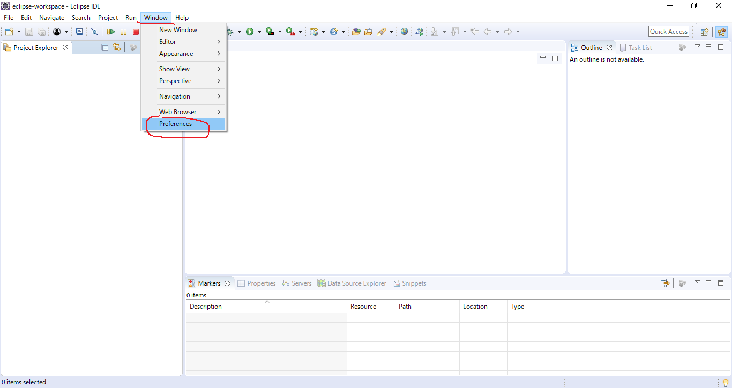
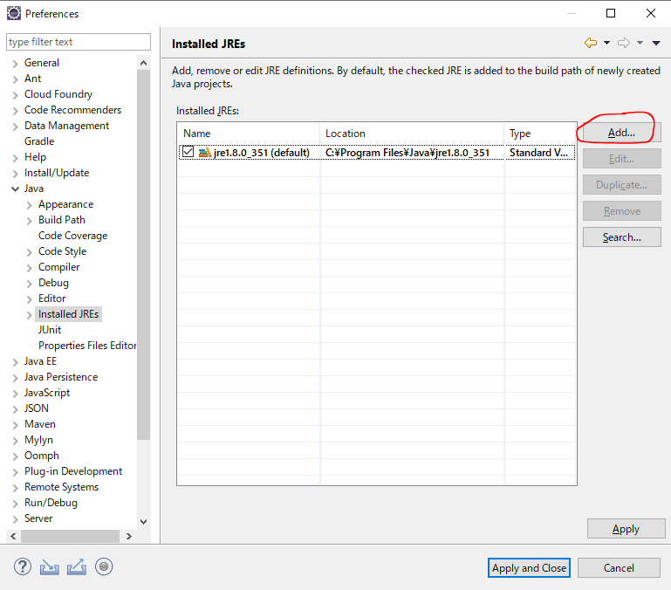
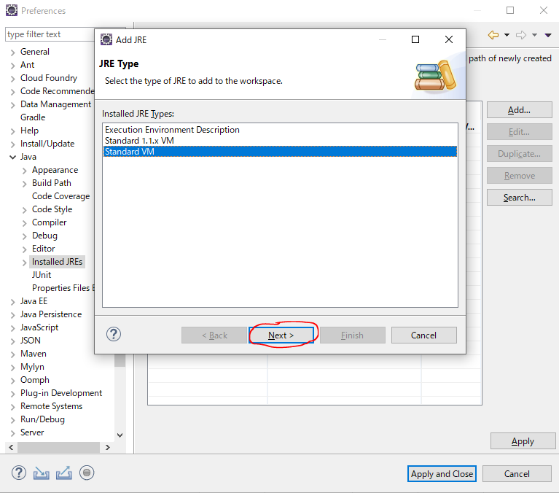
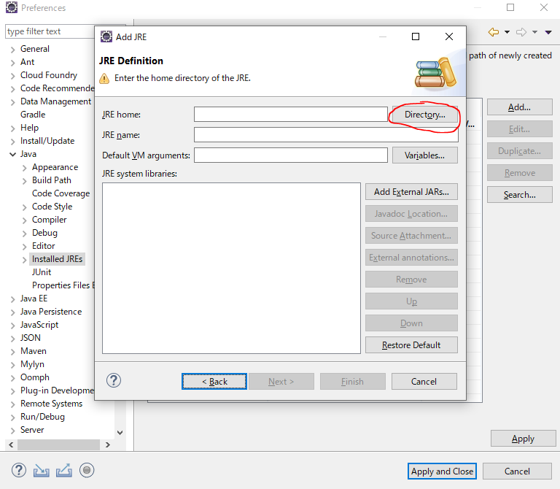
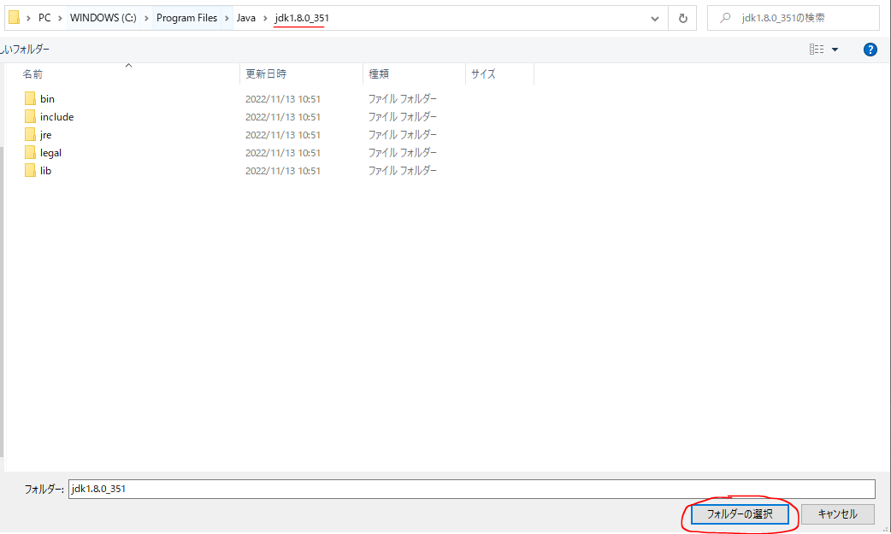
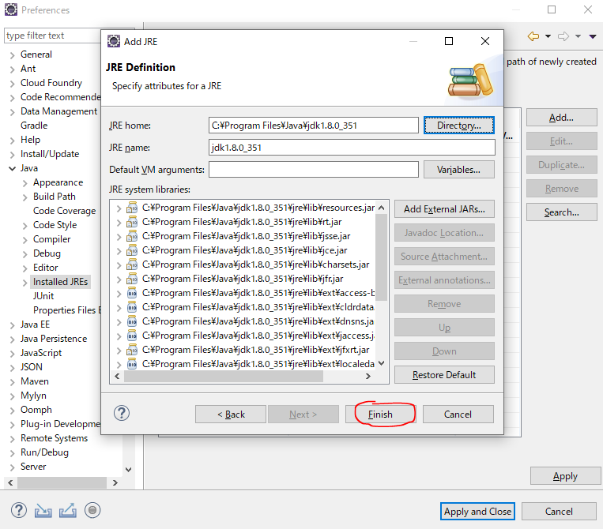
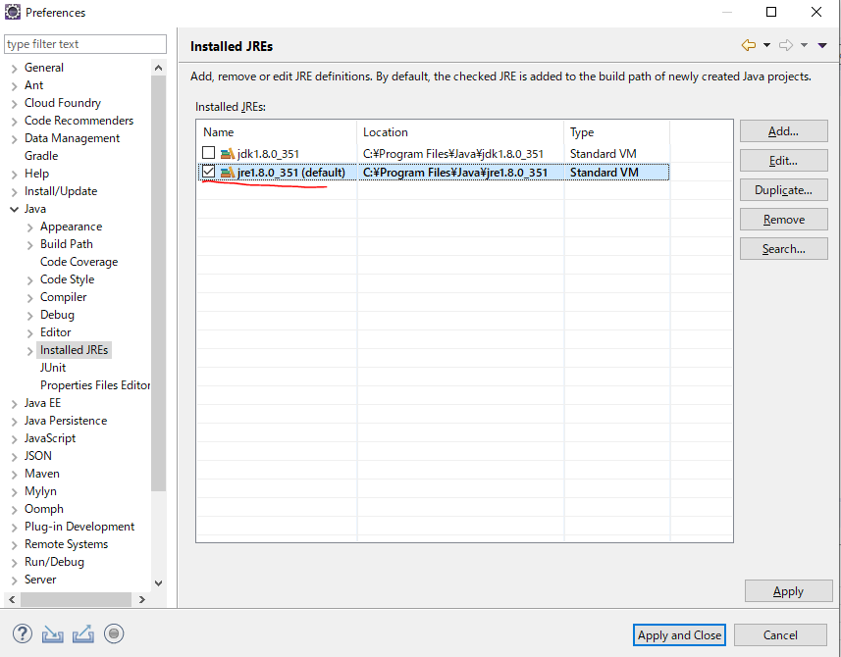
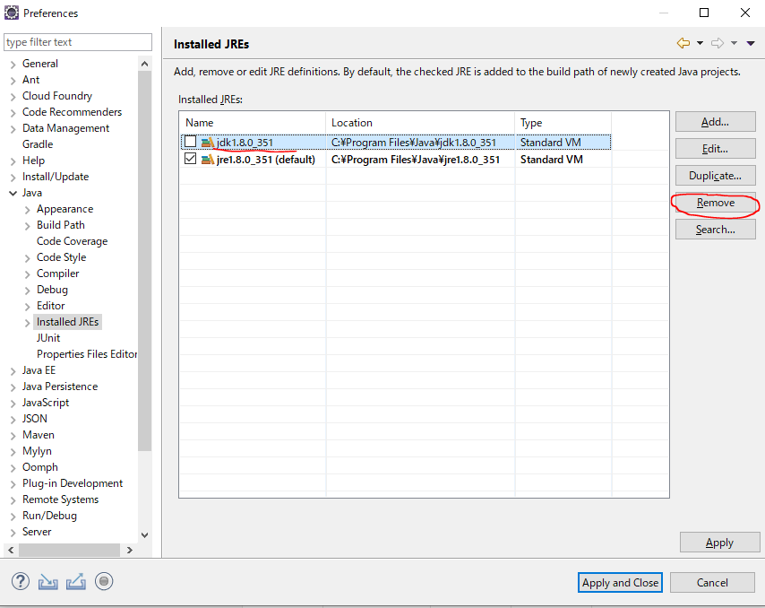
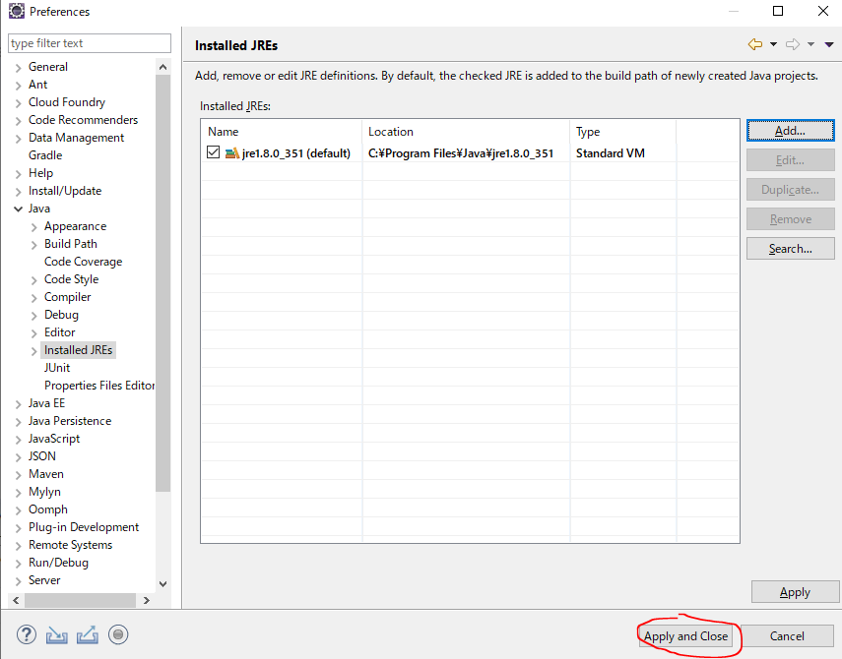
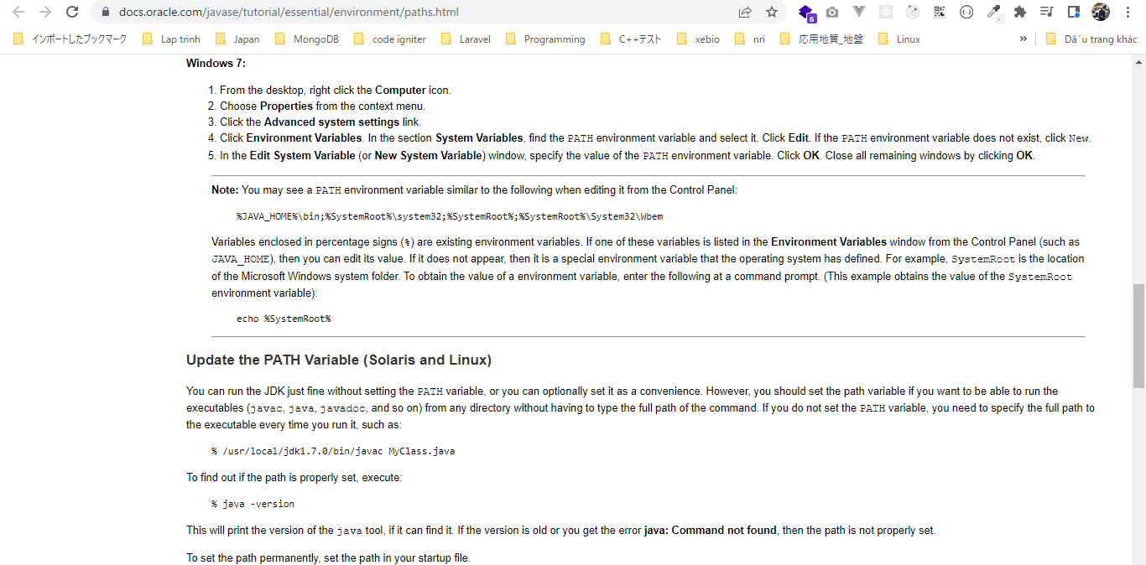
Java | https://docs.oracle.com/javase/tutorial/essential/environment/paths.html
https://www.oracle.com/java/technologies/downloads/#java8-windows
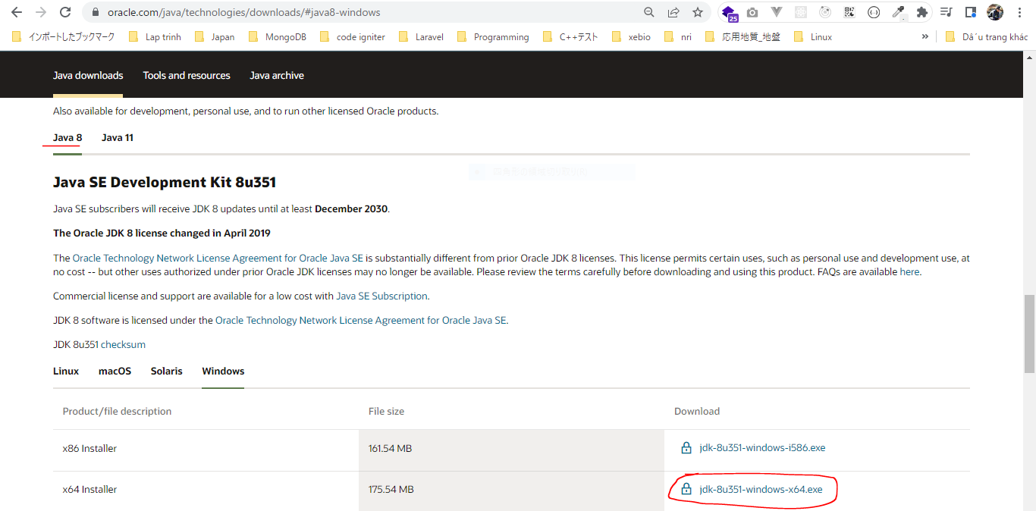

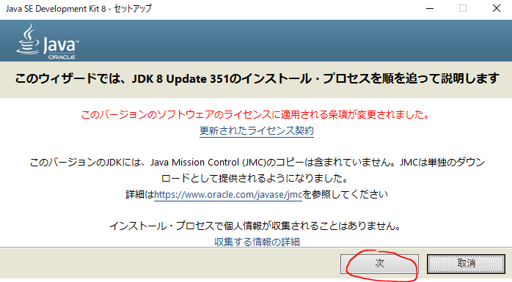

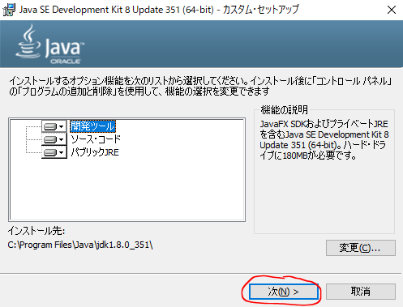

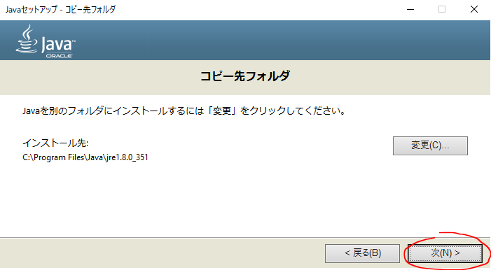

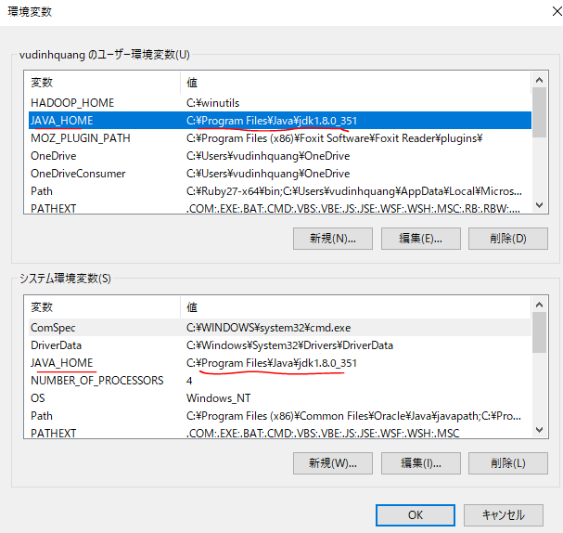

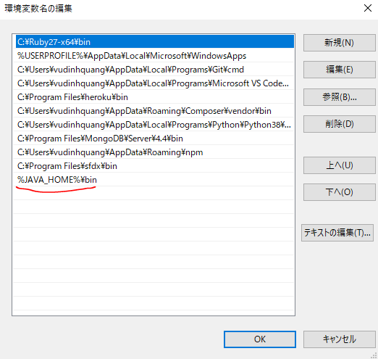

$env:java_home

$env:path

java -version

Eclipse
Nếu dùng Eclipse mới
https://www.eclipse.org/downloads/packages/
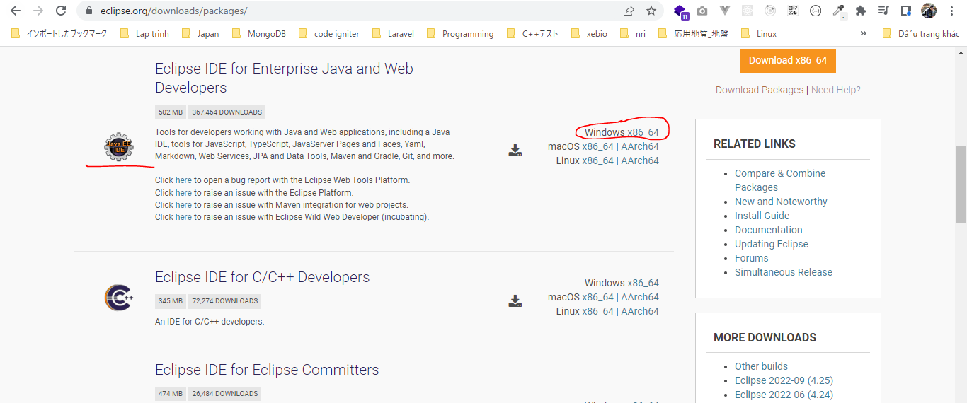

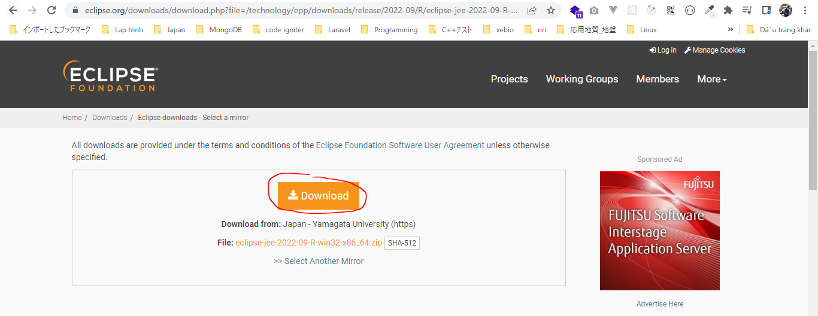

Phần này mình chỉ dùng Eclipse 2018
https://www.eclipse.org/downloads/packages/release/2018-09/r/eclipse-ide-java-ee-developers
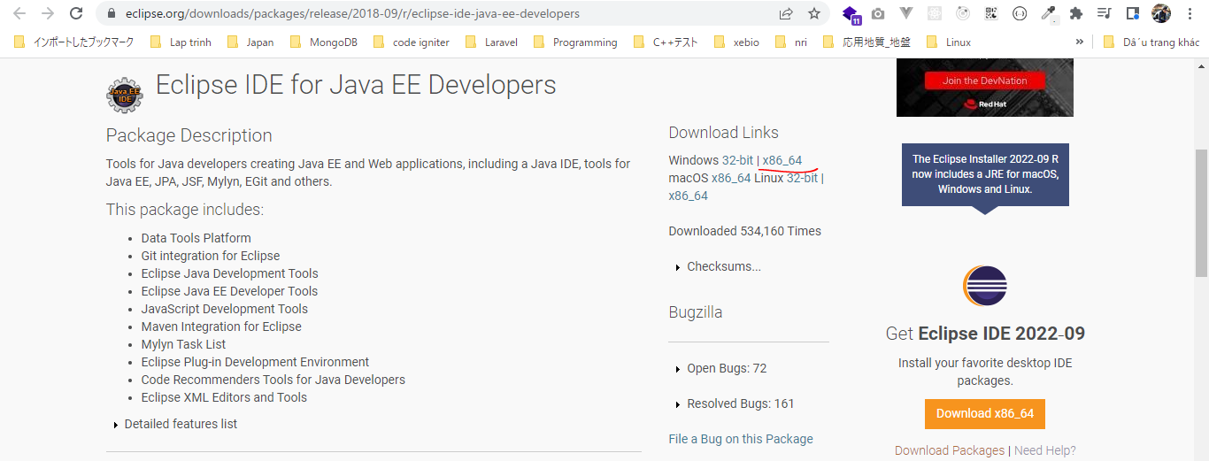

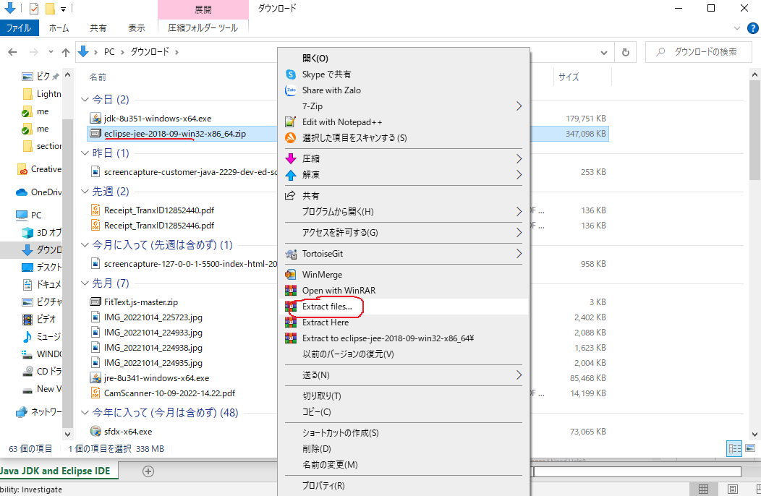

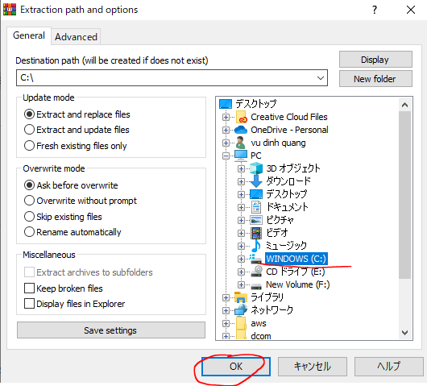

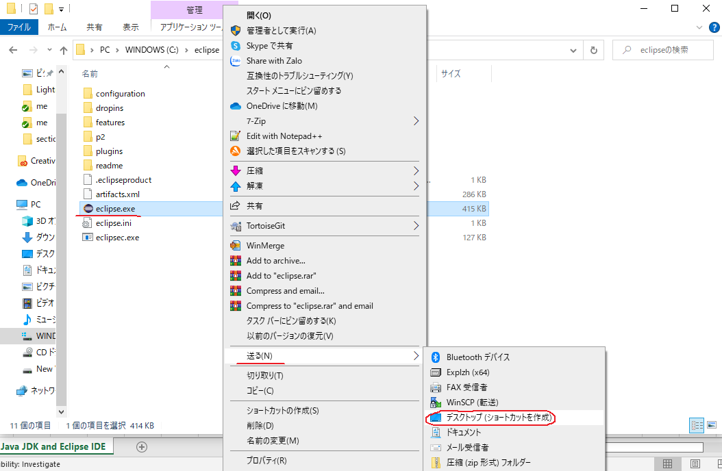

Open Eclipse
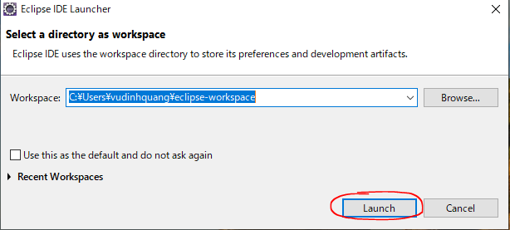

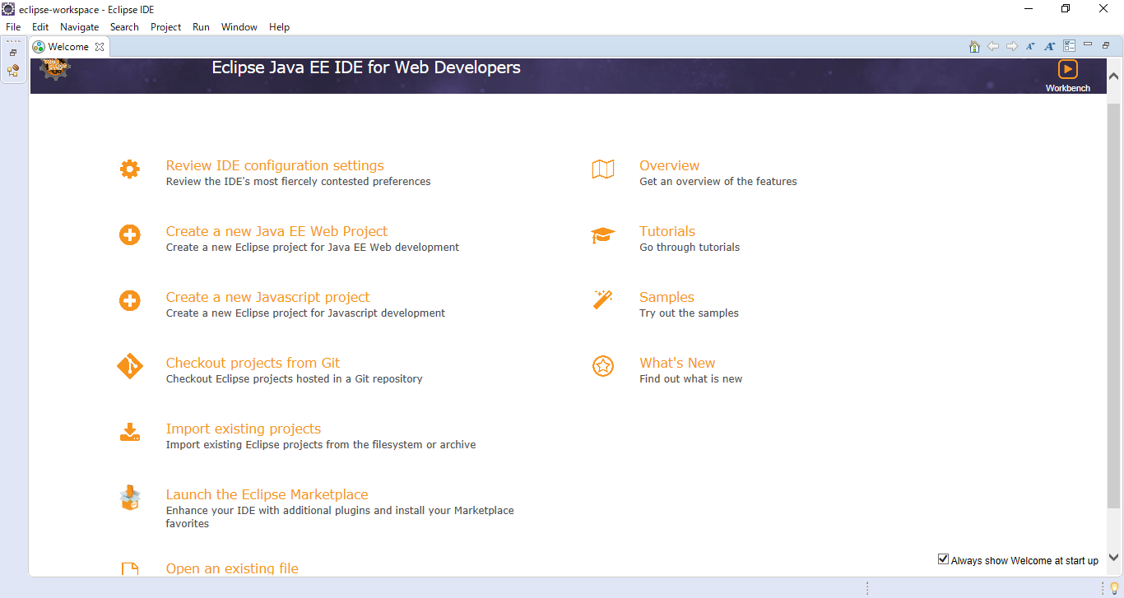

Buildship plugin
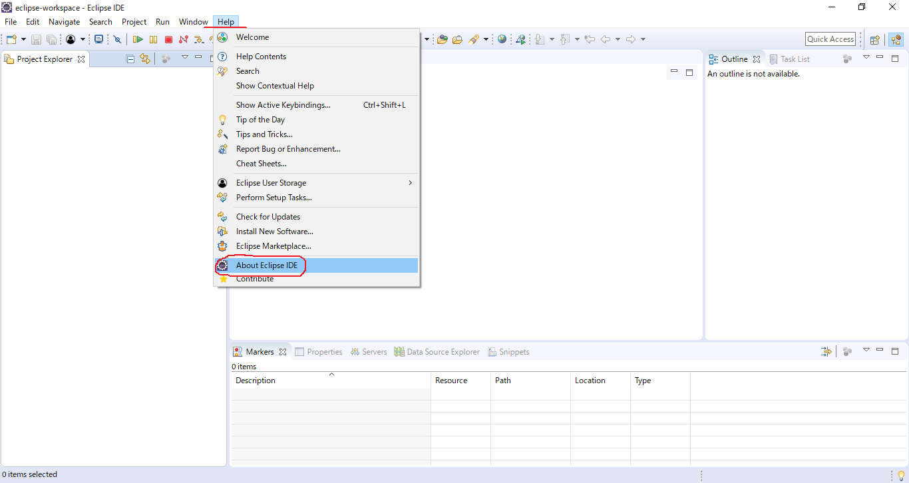

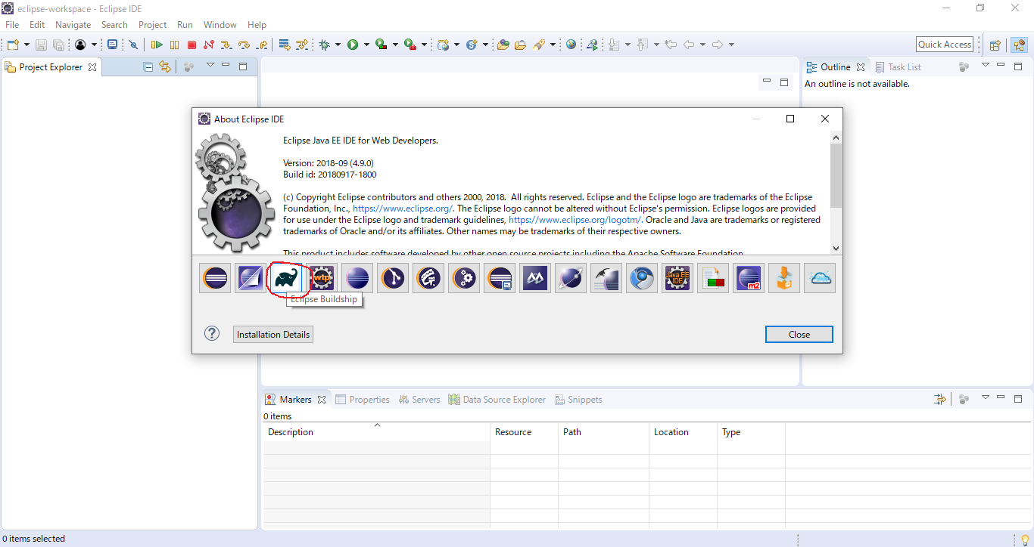

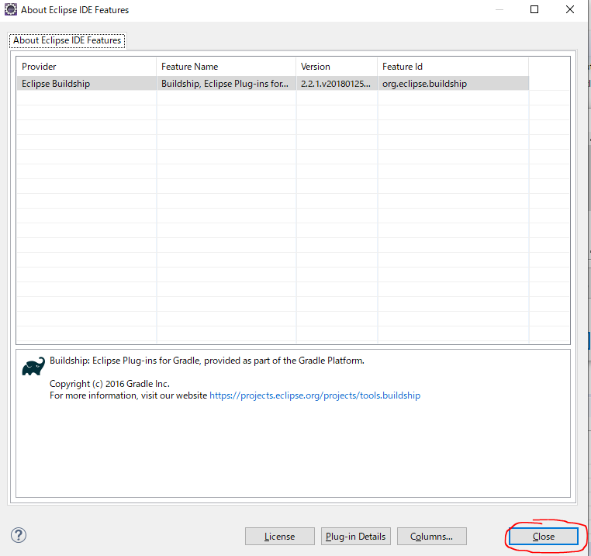

Set up Java JDK

StartUsingGradleAndTheBuildship
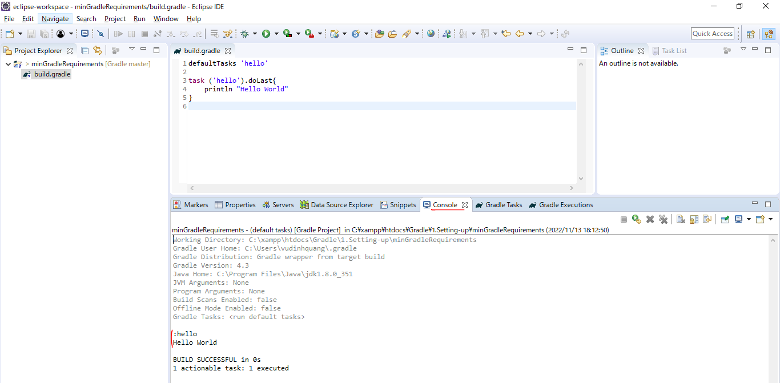
 | Lets start using Gradle, Eclipse and the Buildship plugin

構成
 | Gradle
 |  | 1.Setting-up |  |  | → | new project
 |  |  | minGradleRequirements
 |  |  |  | build.gradle

Gradle\1.Setting-up\minGradleRequirements\build.gradle
 | defaultTasks 'hello'

 | task ('hello').doLast{
 | println "Hello World"
 | }

 | Create project
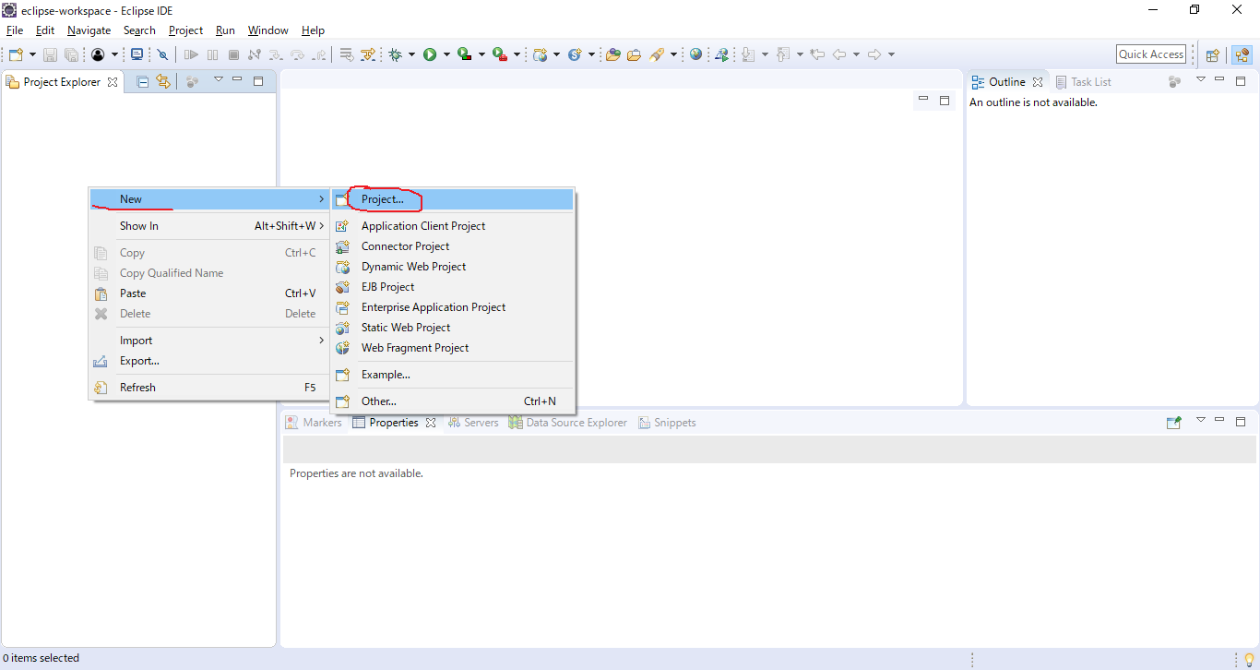

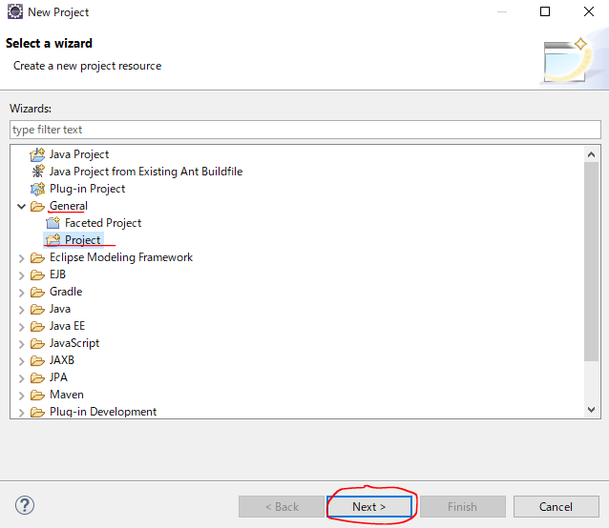

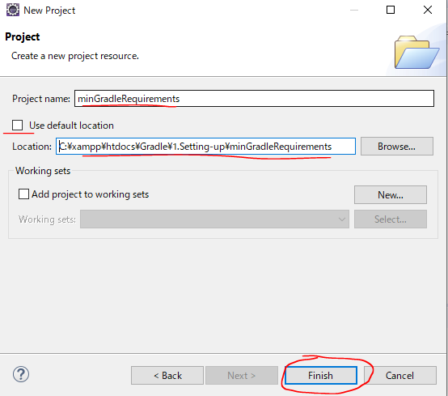

 | Create build.gradle
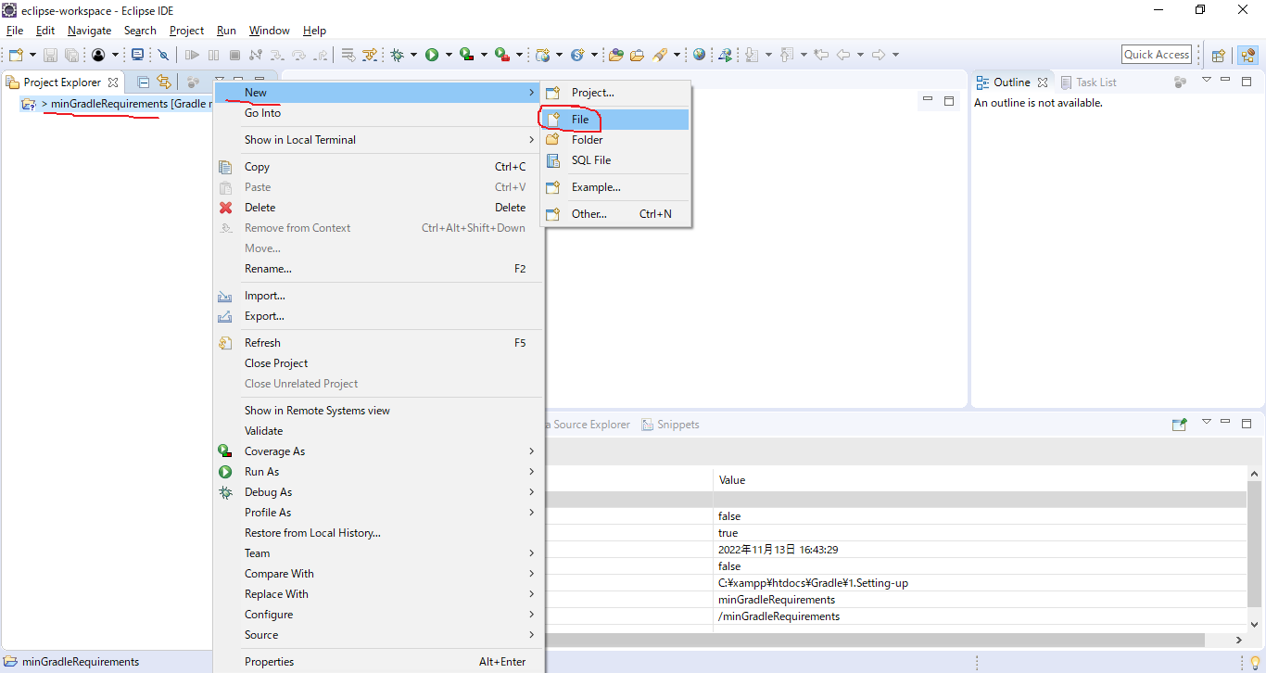

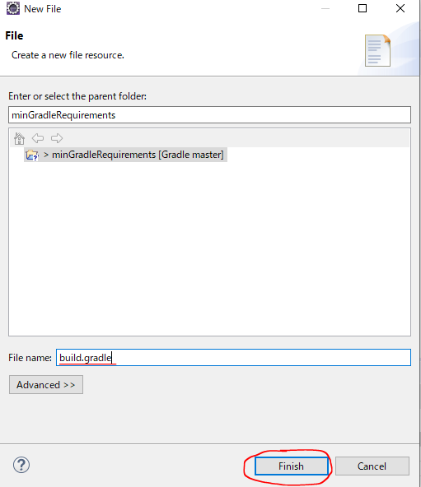

 |  | Gradle\1.Setting-up\minGradleRequirements\build.gradle
 |  | To run this script, will be able to use the build plugin
 |  | task ('hello').doLast{
 |  | println "Hello World"
 |  | }

 | Gradle Tasks
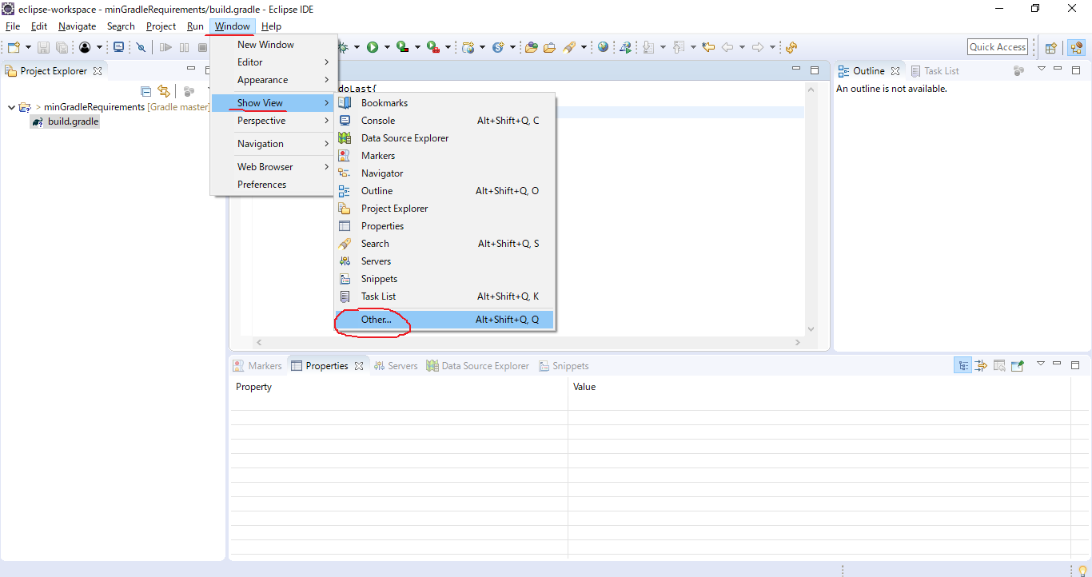

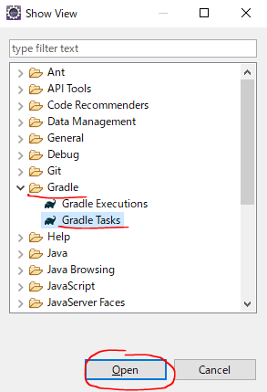

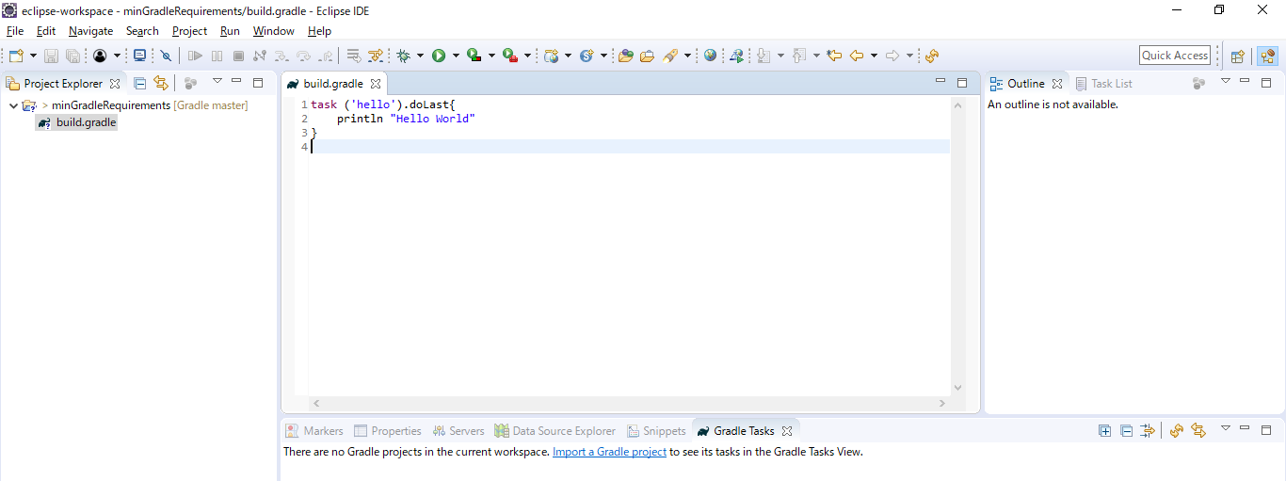

 | Gradle Nature
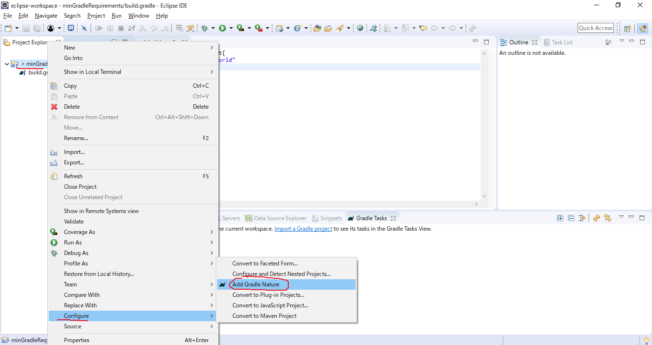

 | Có biểu tượng con voi xuất hiện

 | Build script
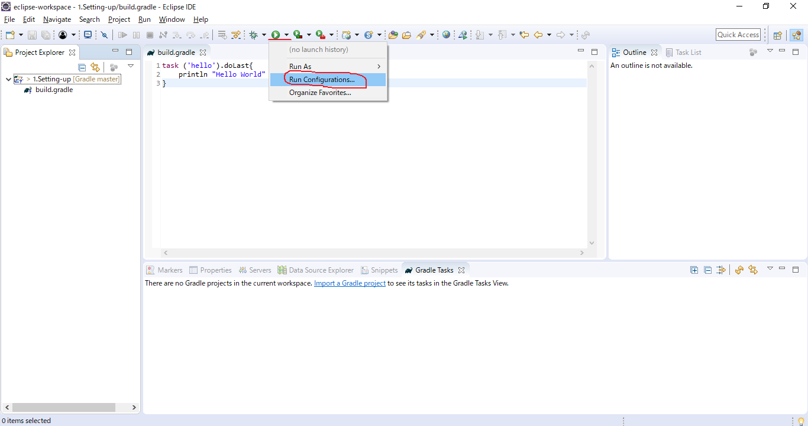

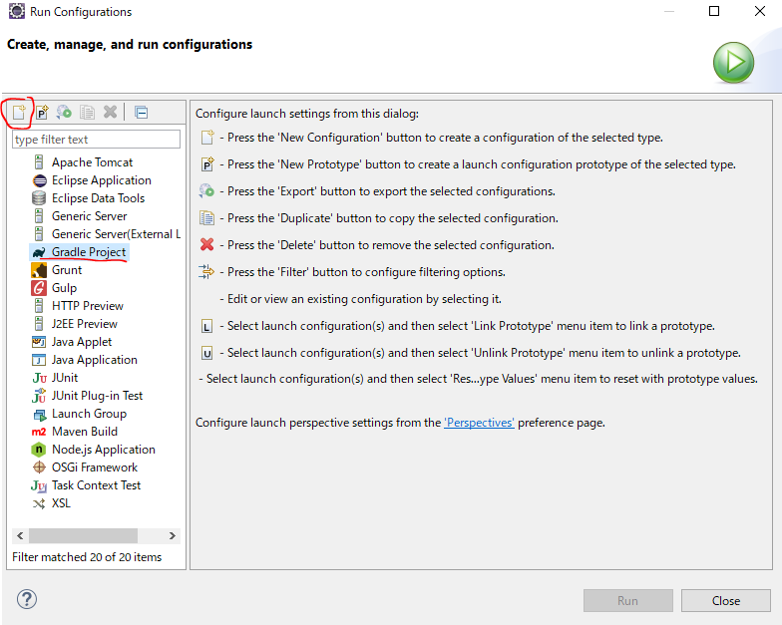

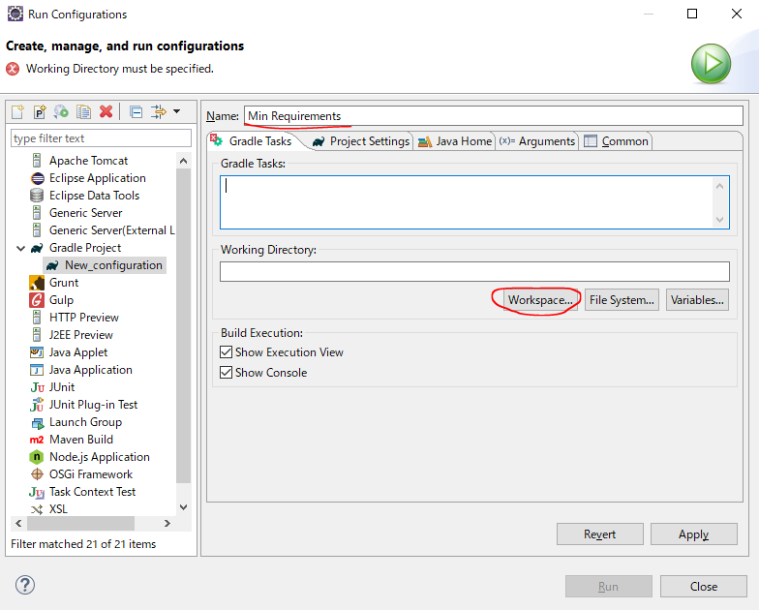

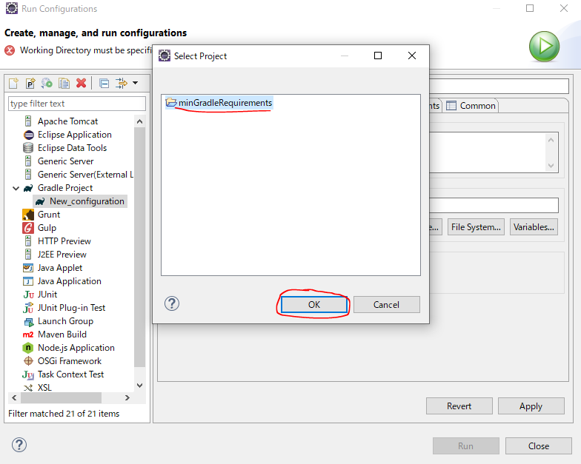

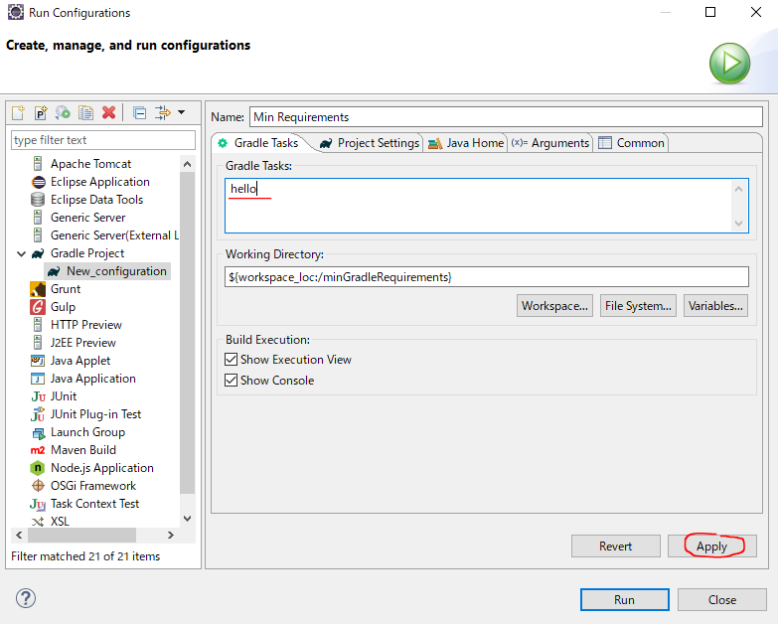

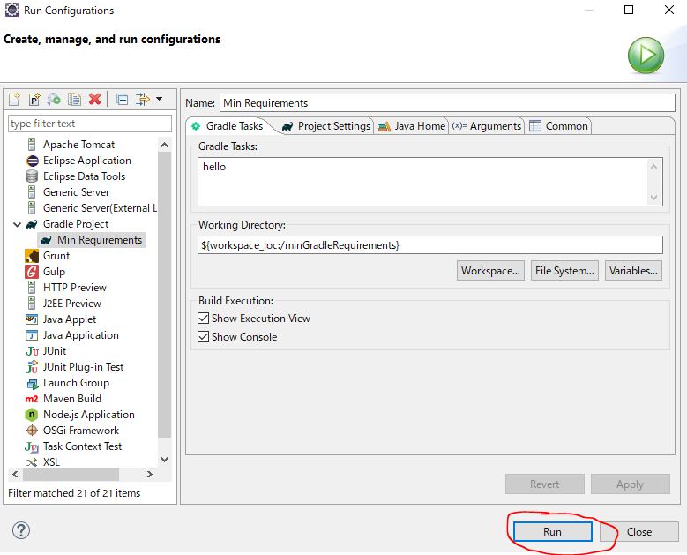

 | This is part of the Bildship plugin
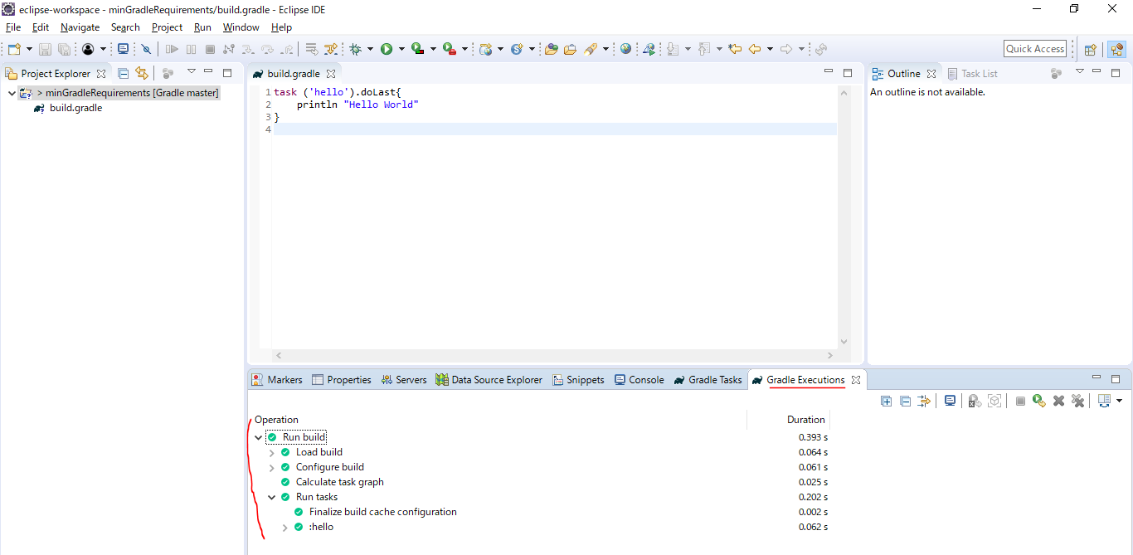

 | In Console we can see the output result from running
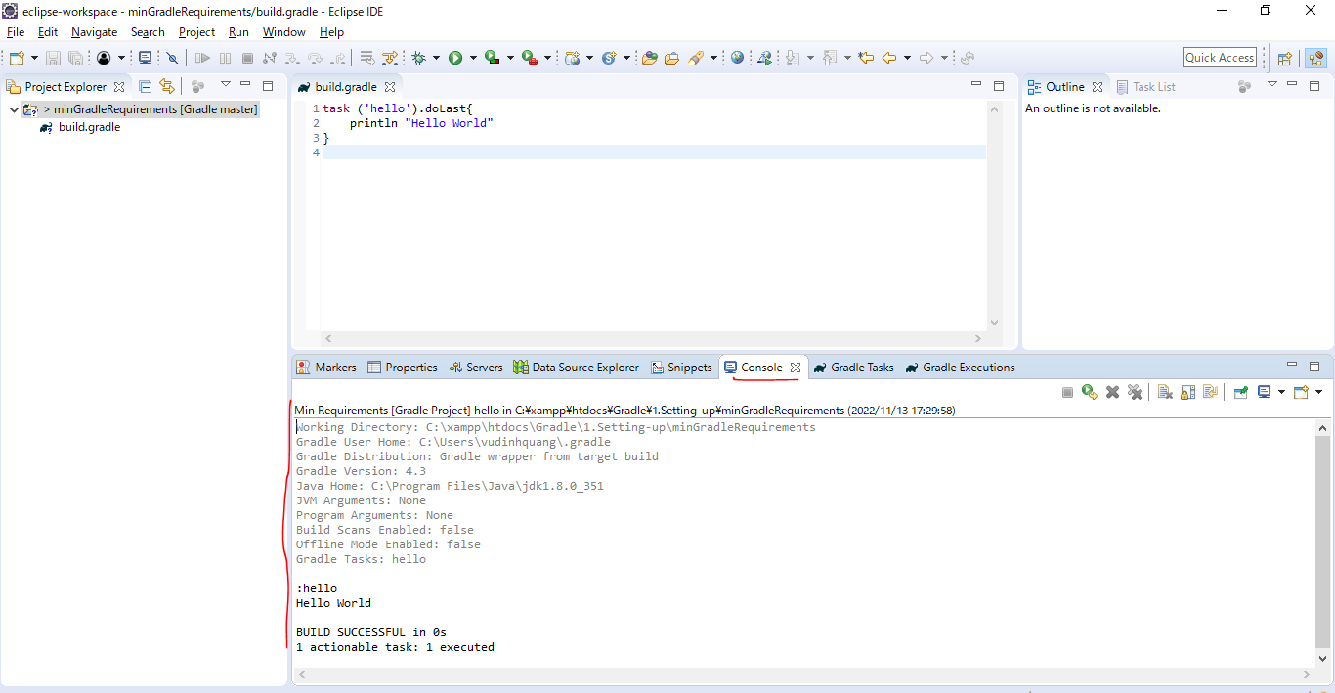

 | But our project does not actually appear in the "Gradle Tasks" tab. We need to do is re-import our project

 | Re-import our project
 | first is delete
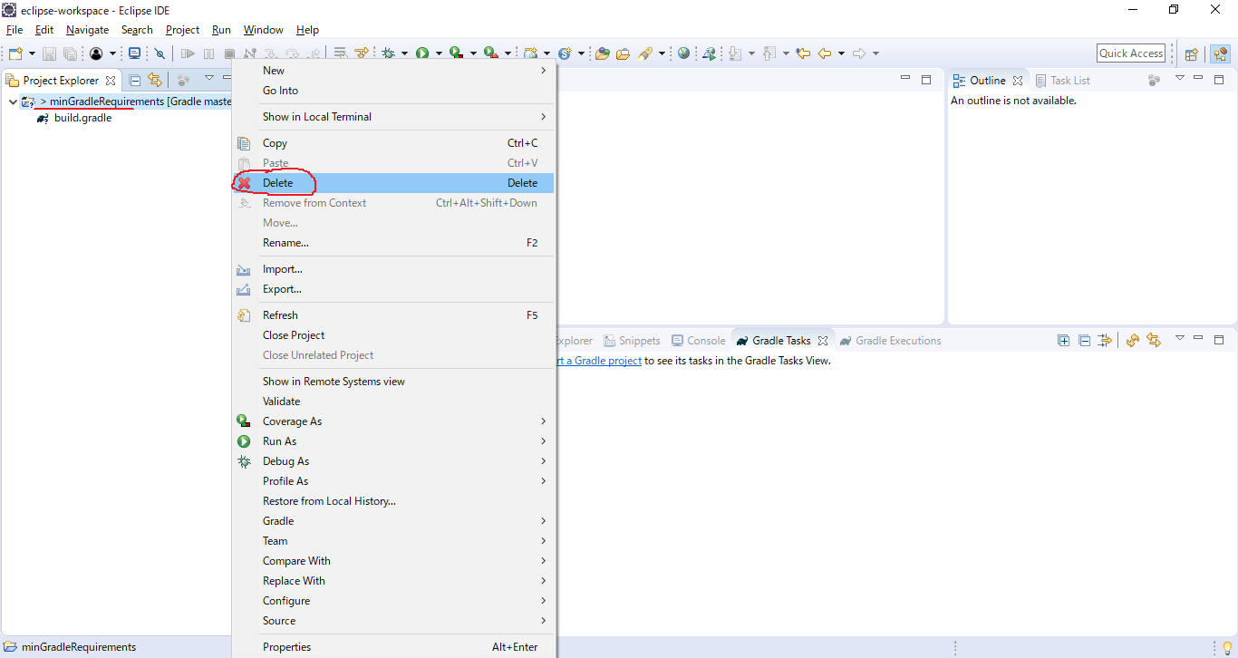

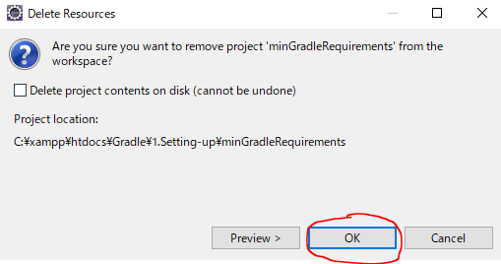

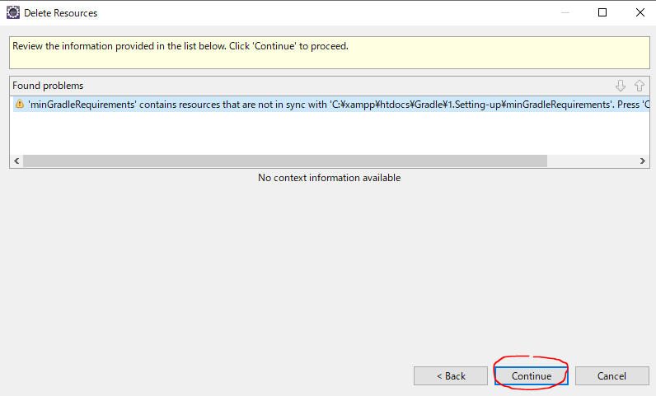

 | re-import
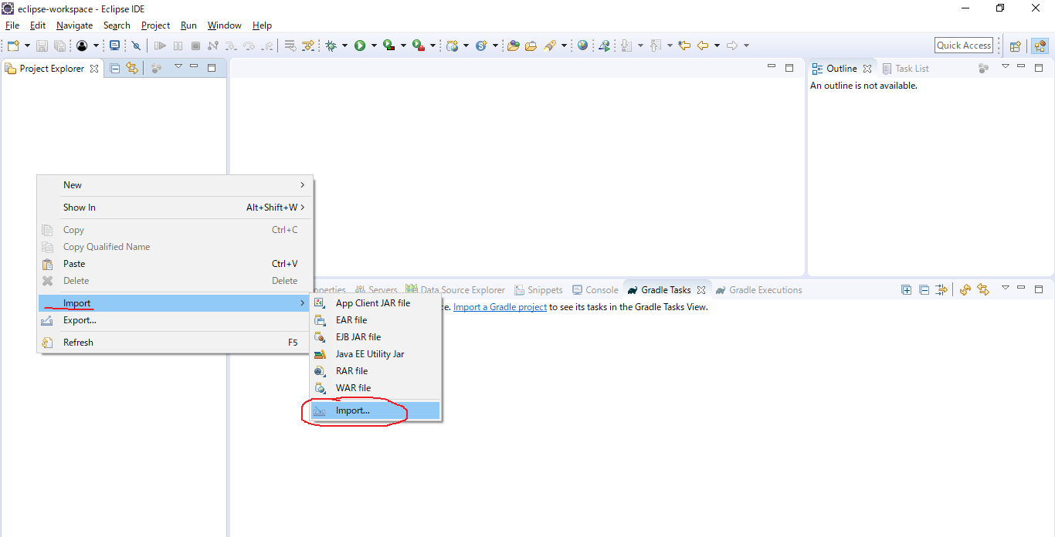

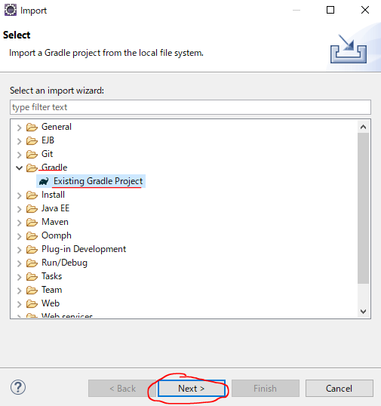





 | Run task




 | But we can see Console, we see our Hello Word has not actually run. Because Gradle needs to know default task to run


 | default task to run
 | Gradle\1.Setting-up\minGradleRequirements\build.gradle
 | defaultTasks 'hello'

 | task ('hello').doLast{
 | println "Hello World"
 | }



 | Run default task


 | hello task has runned


 | Check Console Hello World has runned

