Gradle Properties
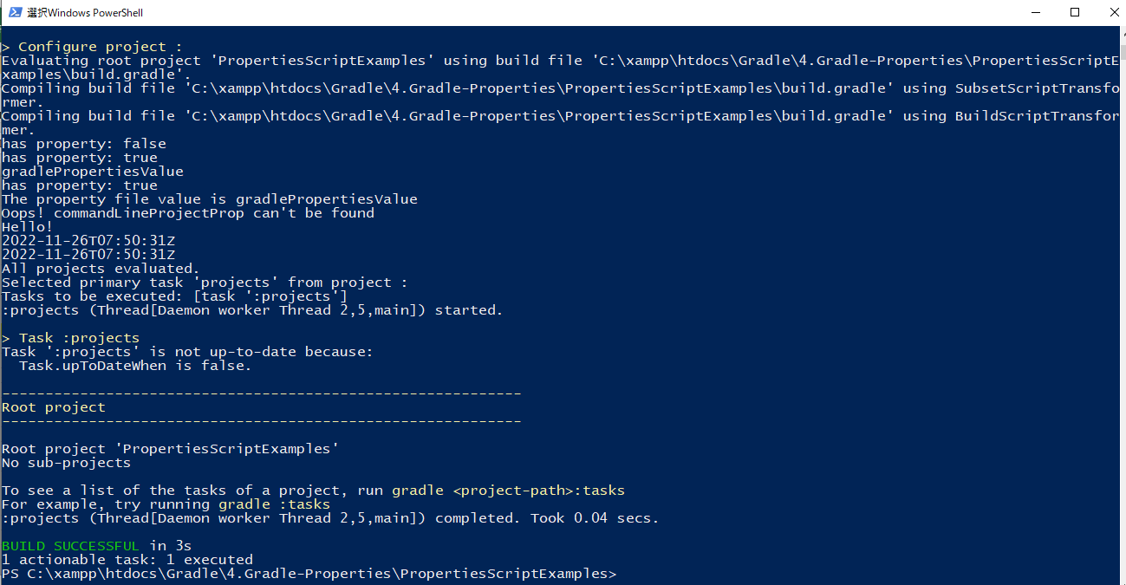
 | ExtraPropertiesExtension
 | https://docs.gradle.org/4.3.1/dsl/org.gradle.api.plugins.ExtraPropertiesExtension.html
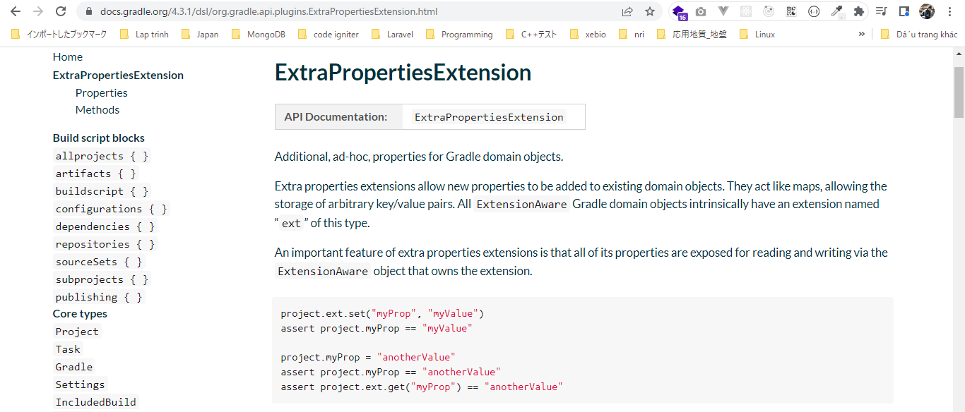

構成
 | Gradle
 |  | 1.Setting-up
 |  |  | minGradleRequirements
 |  |  |  | build.gradle
 |  | 2.somethingGroovy
 |  | 3.Gradle-under-the-hood
 |  |  | GradleLifeCycleScriptExamples
 |  |  |  | build.gradle
 |  |  |  | settings.gradle
 |  | 4.Gradle-Properties |  |  | → | new
 |  |  | PropertiesScriptExamples
 |  |  |  | build.gradle
 |  |  |  | gradle.properties
 | C:\Users\vudinhquang\.gradle
 |  | init.d
 |  |  | another.gradle
 |  |  | init.gradle
 |  |  | zingAnother.gradle

Gradle\4.Gradle-Properties\PropertiesScriptExamples\gradle.properties
 | gradlePropertiesProp=gradlePropertiesValue

Gradle\4.Gradle-Properties\PropertiesScriptExamples\build.gradle
 | //Properties

 | logger.info "has property: ${project.gradle.hasProperty('$gradleVersion')}" |  |  |  | → | hasProperty: If we try and access a property that does not actually exist, then will receive a runtime
 |  |  |  |  |  | exception. A good way of trying to avoid this is by using hasProperty method to check that property exists or not
 | logger.info "has property: ${hasProperty('projectDir')}"

 | logger.info project.gradlePropertiesProp |  |  |  | → | We can use our own properties in gradle.properties
 | logger.info "has property: ${project.hasProperty('gradlePropertiesProp')}"

 | if( project.hasProperty('gradlePropertiesProp') ) {
 | logger.info "The property file value is $gradlePropertiesProp"
 | }else{
 | logger.info "Oops! gradlePropertiesProp can't be found"
 | }

 | if( project.hasProperty('commandLineProjectProp') ) { |  |  |  | → | We can pass property into gradle build is to use the command line option
 | logger.info "The property file value is $commandLineProjectProp" |  |  |  |  | -PcommandLineProjectProp=commandLineProjectValue
 | }else{
 | logger.info "Oops! commandLineProjectProp can't be found"
 | }

 | project.ext.sayHello = "Hello!" |  |  |  | → | Extra property name is "sayHello"
 | if( project.hasProperty('sayHello') ) {
 | logger.info project.sayHello
 | }else{
 | logger.info "Unable to say Hello!"
 | }

 | if( project.gradle.hasProperty('timestamp') ) { |  |  |  | → | timestamp is set onto the gradle object in initialization phase of the build life cycle
 | logger.info project.gradle.timestamp()
 | }else{
 | logger.info "Oops! timestamp() unavailable!"
 | }

 | if( gradle.ext.has('timestamp') ) {
 | logger.info gradle.timestamp() |  |  |  | → | <=> project.gradle.hasProperty('timestamp')
 | }else{
 | logger.info "Oops! timestamp() unavailable!"
 | }

Check by esclipse
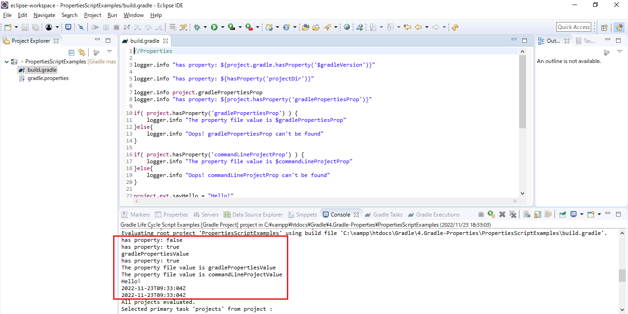

Check by command
 | gradle project -i

