Tasks & Actions
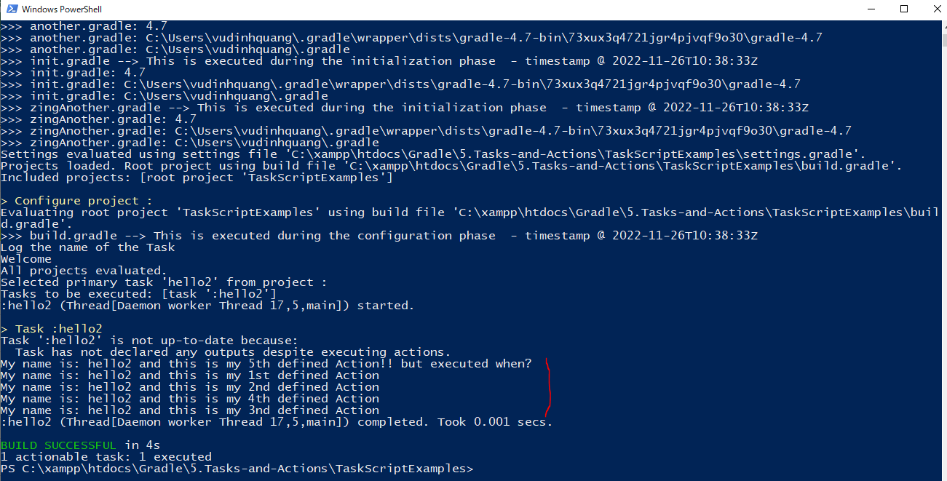
 | Everything Gradle builds(build.gradle) on 2 core concepts, and those concepts are Project and Task. Every build.gradle is made up of one or more Project
 | Project represents depends on what it is we are trying to do in gradle, for example it might represent a library or a jar file or even a whole web application.
 | It does not necessarily represent a thing that must be built. It might represent a thing to be done, such as deploying our application to a staging or even production environment.
 | Each Project is made up of one or more Task, a project can be seen as a Collection of Task
 | On gradle lifecycle applies very much task as well, but really only in a configuration and execution phases
 | In the configuration phase we can actually create the task or define a task and we can also configure the task. That is we can add code for closures and properties to Task
 | The execution phase, this is where we actually execute the tasks and task performs its atomic actions for the build
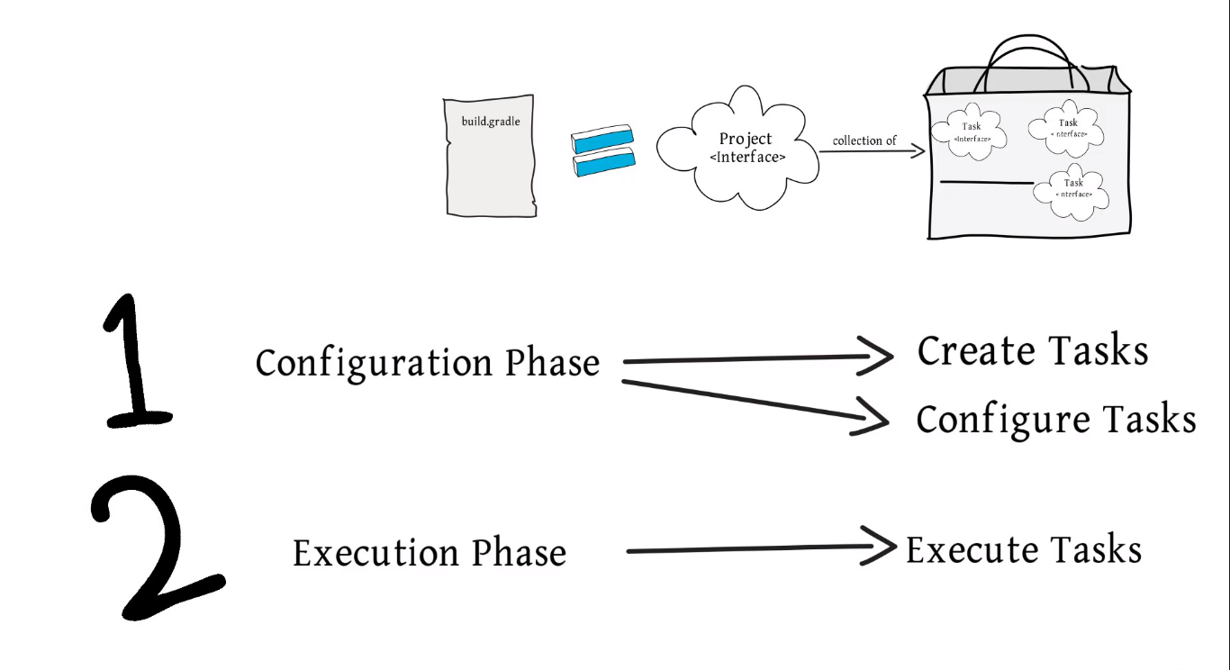

 | A task can be made up of zero or many actions. So in a similar way, the project is made up of a collections of tasks. A task itself can be made up of a collection of actions that the
 | task represents a single atomic piece work for a build such as compiling classes or generating javadoc.
 | Each Task belongs to a project . The collection of tasks are held in the project by the Task Container, and it has a whole bunch of helper methods for creating and looking up
 | instances of tasks. Each task has a name which can be used to refer to the task within the Project that owns it. In similar way, a task is made up of a sequence of action objects
 | and when a task executed, each of these action objects is executed
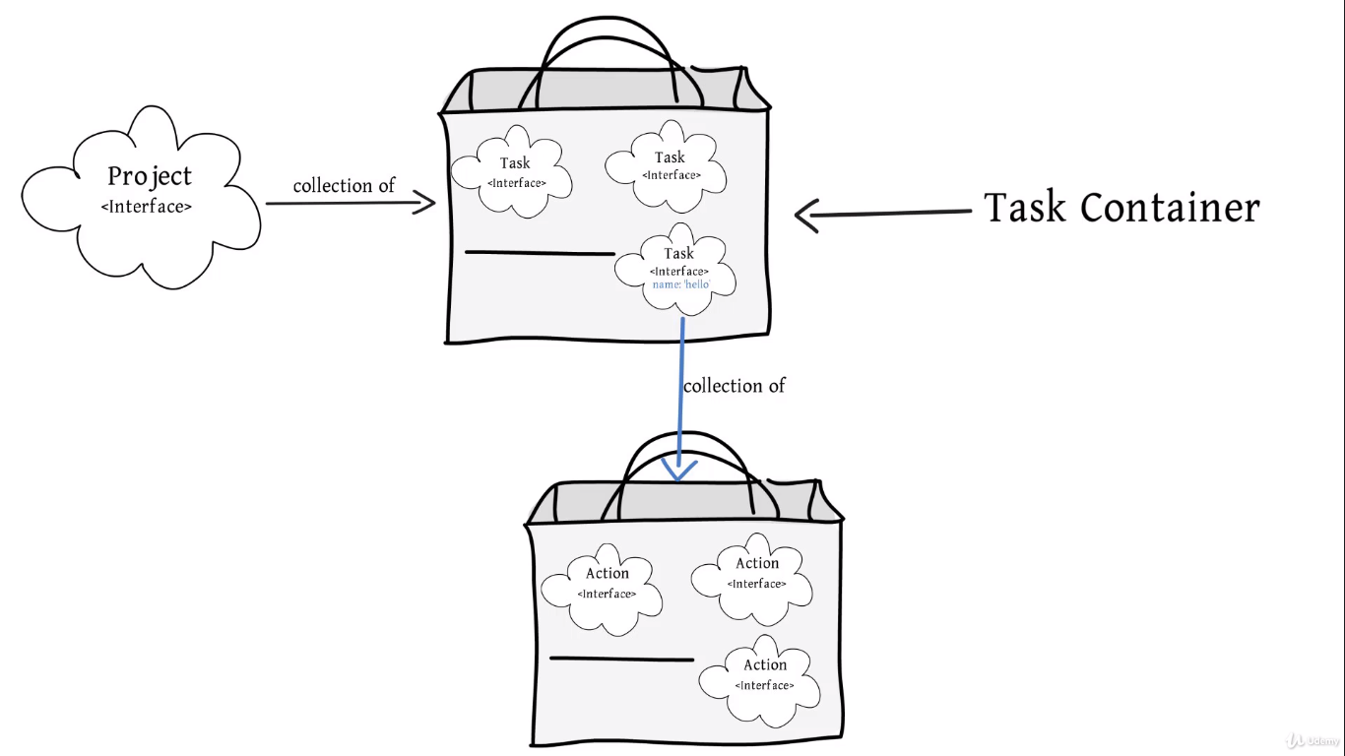

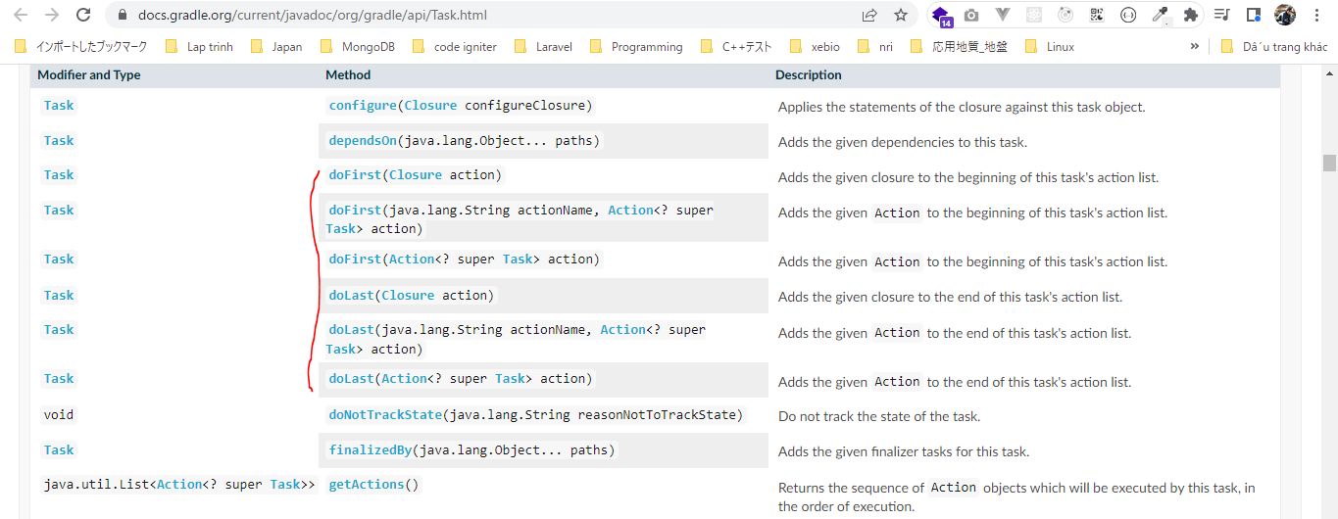
 | To add action objects to Task, it is really convenient methods on the Task interface are doFirst() and doLast(). There are 2 version of these methods . The first version takes the |  |  |  |  |  |  |  | https://docs.gradle.org/current/javadoc/org/gradle/api/Task.html
 | Action interface as a parameter and the second accepts a Closure. Because we are using groove, we are going to be using the Closure version of the method. By using the Closure
 | version, when we execute our Task and our Action, the Task gets passed into the Closure as a parameter. So within the Closure itself, we also have access to the Task
 | doFirst() and doLast() methods also return the Task, so that we can then chain method call so we can actually can doFirst() and doLast() again just using the dot notation rather
 | than actually having to split the outline of the line
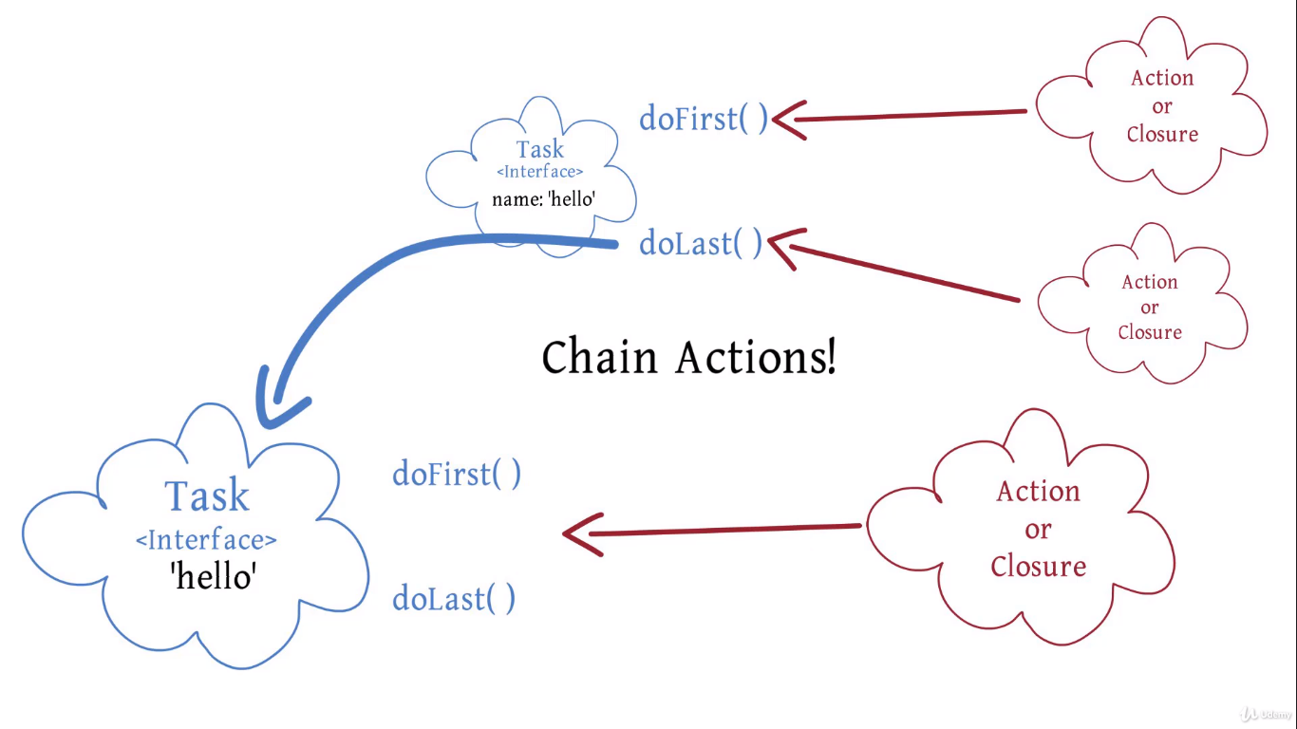

構成
 | Gradle
 |  | 1.Setting-up
 |  |  | minGradleRequirements
 |  |  |  | build.gradle
 |  | 2.somethingGroovy
 |  | 3.Gradle-under-the-hood
 |  |  | GradleLifeCycleScriptExamples
 |  |  |  | build.gradle
 |  |  |  | settings.gradle
 |  | 4.Gradle-Properties
 |  |  | PropertiesScriptExamples
 |  |  |  | build.gradle
 |  |  |  | gradle.properties
 |  | 5.Tasks-and-Actions |  |  | → | new
 |  |  | TaskScriptExamples
 |  |  |  | build.gradle
 | C:\Users\vudinhquang\.gradle
 |  | init.d
 |  |  | another.gradle
 |  |  | init.gradle
 |  |  | zingAnother.gradle

Gradle\5.Tasks-and-Actions\TaskScriptExamples\build.gradle
 | defaultTasks 'hello', 'hi', 'hello2' |  |  |  |  |  | → | Run task hello -> task hi -> task hello2 |  | https://docs.gradle.org/current/dsl/org.gradle.api.Task.html
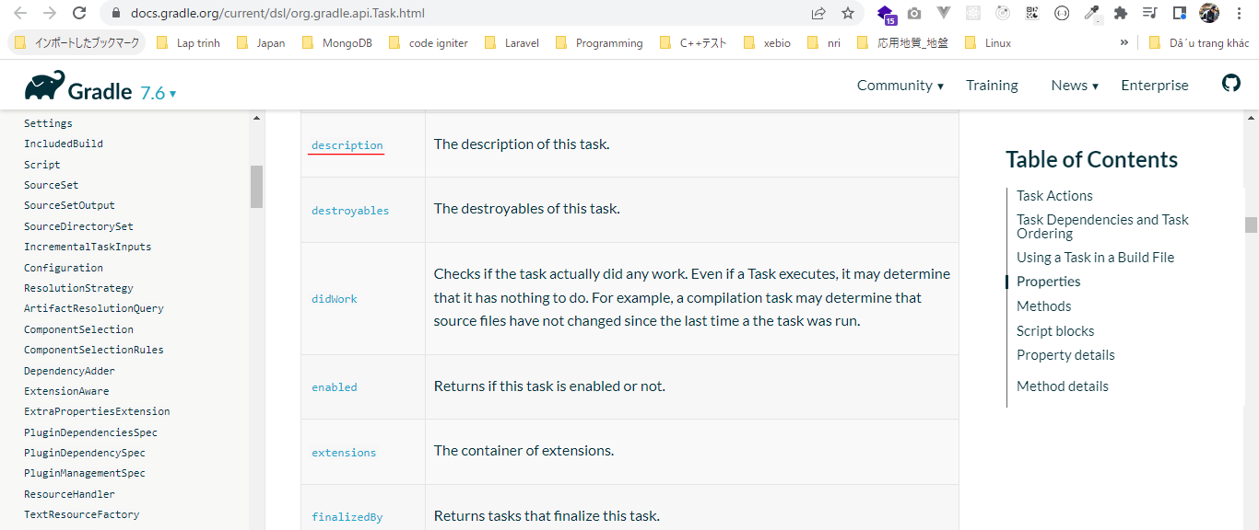
 | logger.info ">>> build.gradle --> This is executed during the configuration phase - timestamp @ ${gradle.timestamp()}"

 | task hi |  |  |  |  |  | → | Create a task name "hi"

 | project.hi.doLast { |  |  |  |  |  | → | Access our newly created Task as a property and it is a property on the Project object
 | logger.info "Hi" |  |  |  |  |  |  | pass to doLast method a closure
 | }

 | task hello { |  |  |  |  |  | → | We can also configure our Task while we actually create Task.
 | description = "Log the name of the Task"
 | group = "Welcome"

 | doFirst{ |  |  |  |  |  | → | doFirst() action is done first, followed by the doLast()
 | logger.info "My name is: $name and this is my 1st defined Action" |  |  |  |  |  | ①
 | }

 | doLast{
 | logger.info "My name is: $name and this is my 2nd defined Action" |  |  |  |  |  | ②
 | }
 | }

 | logger.info hello.description
 | logger.info hello.group

 | hello.doLast{ |  |  |  |  |  | ④ | The Task can actually be accessed on the Project object just as we can do with a property
 | logger.info "My name is: $name and this is my 4th defined Action" |  |  |  |  |  |  | The Project object is implied because we actually working within the build.gradle file
 | } |  |  |  |  |  |  | so hello.doLast = project.hello.doLast

 | hello.doLast{ |  |  |  |  |  | ③ | The order of executing will be ②→④→③
 | logger.info "My name is: $name and this is my 3nd defined Action"
 | } |  |  |  |  |  |  | Every time we call the doFirst(), the Closure we pass in will be guaranteed to be the first |  | https://docs.gradle.org/current/dsl/org.gradle.api.Task.html#org.gradle.api.Task:doLast(groovy.lang.Closure)
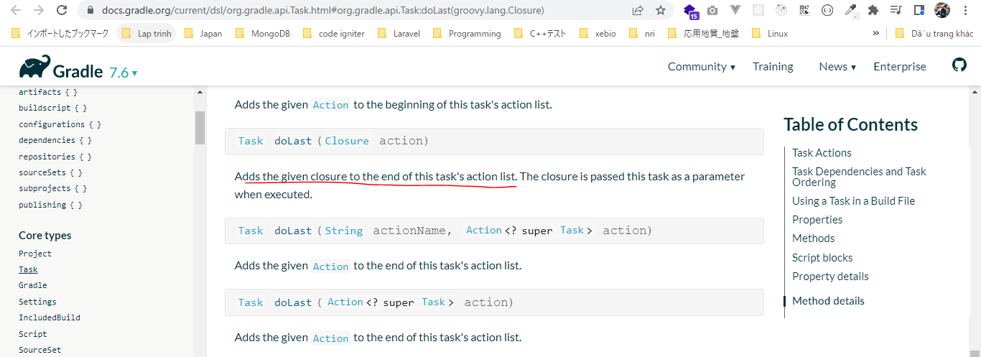
 |  |  |  |  |  |  |  | Closure that actually gets executed. And when we call doLast() that Closure is guarantted
 |  |  |  |  |  |  |  | to be the last action to be executed in the tasks action list
 | hello.doFirst{
 | logger.info "My name is: $name and this is my 5th defined Action!! but executed when?" |  |  |  |  |  | ⑤ | The order of executing will be ⑤→①
 | }

 | task hello2 {
 | description = "Log the name of the Task"
 | group = "Welcome"
 | }

 | hello2.doFirst{
 | logger.info "My name is: $name and this is my 1st defined Action" |  |  |  |  |  | ①
 | }.doLast{
 | logger.info "My name is: $name and this is my 2nd defined Action" |  |  |  |  |  | ② | The order of executing will be ②→④→③
 | }.doLast{
 | logger.info "My name is: $name and this is my 4th defined Action" |  |  |  |  |  | ④
 | }.doLast{
 | logger.info "My name is: $name and this is my 3nd defined Action" |  |  |  |  |  | ③
 | }.doFirst{
 | logger.info "My name is: $name and this is my 5th defined Action!! but executed when?" |  |  |  |  |  | ⑤ | The order of executing will be ⑤→①
 | }

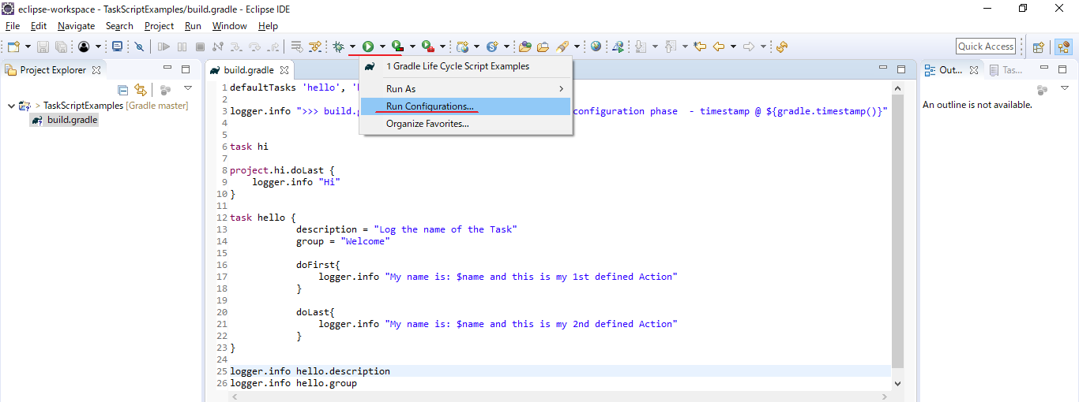
hi Task
 | Eclipse
 |  |  |  |  |  |  |  |  |  | https://docs.gradle.org/current/dsl/org.gradle.api.Task.html#org.gradle.api.Task:doFirst(groovy.lang.Closure)
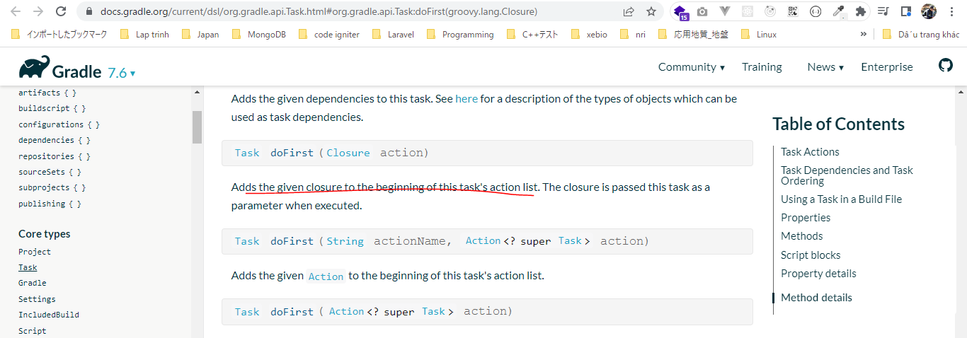

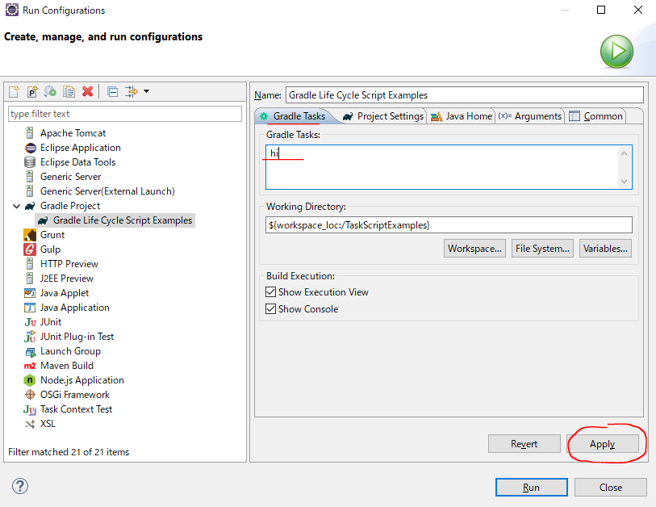

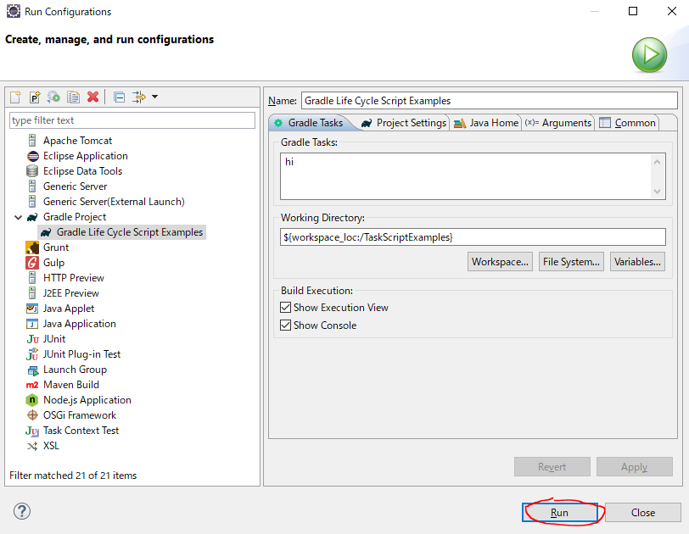

 | Command
 | gradle hi -i
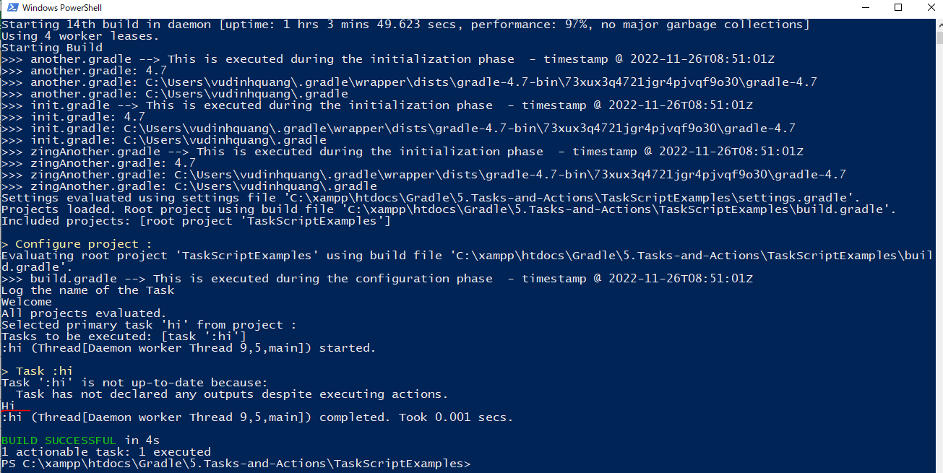

hello task
 | eclipse
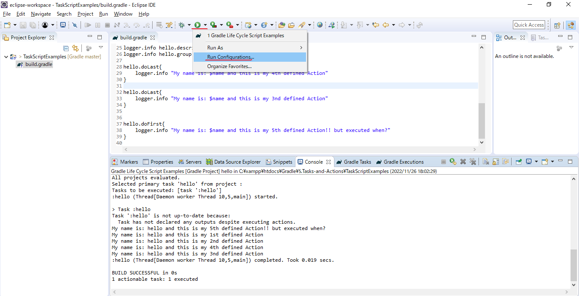

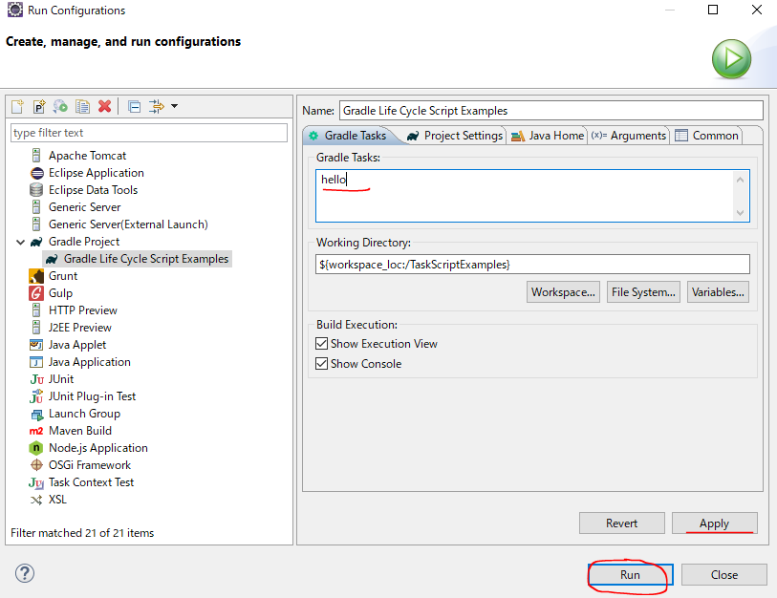

 | Command
 | gradle hello -i


 | defaultTasks 'hello', 'hi'
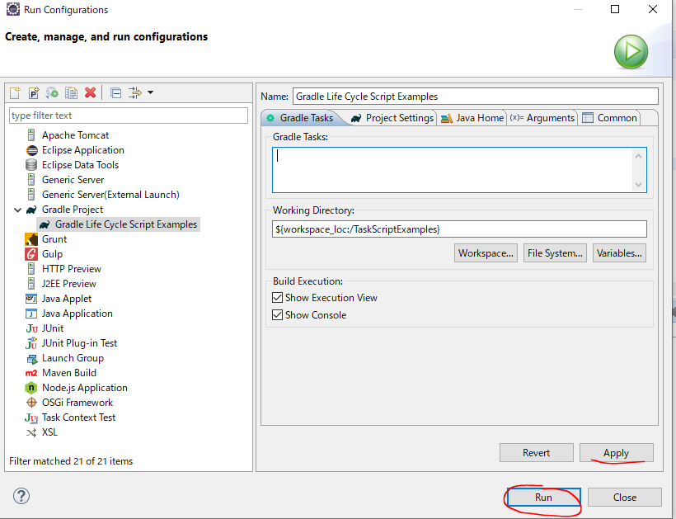

hello2 task
 | gradle hello2 -i

