Starting a Gradle Build Script
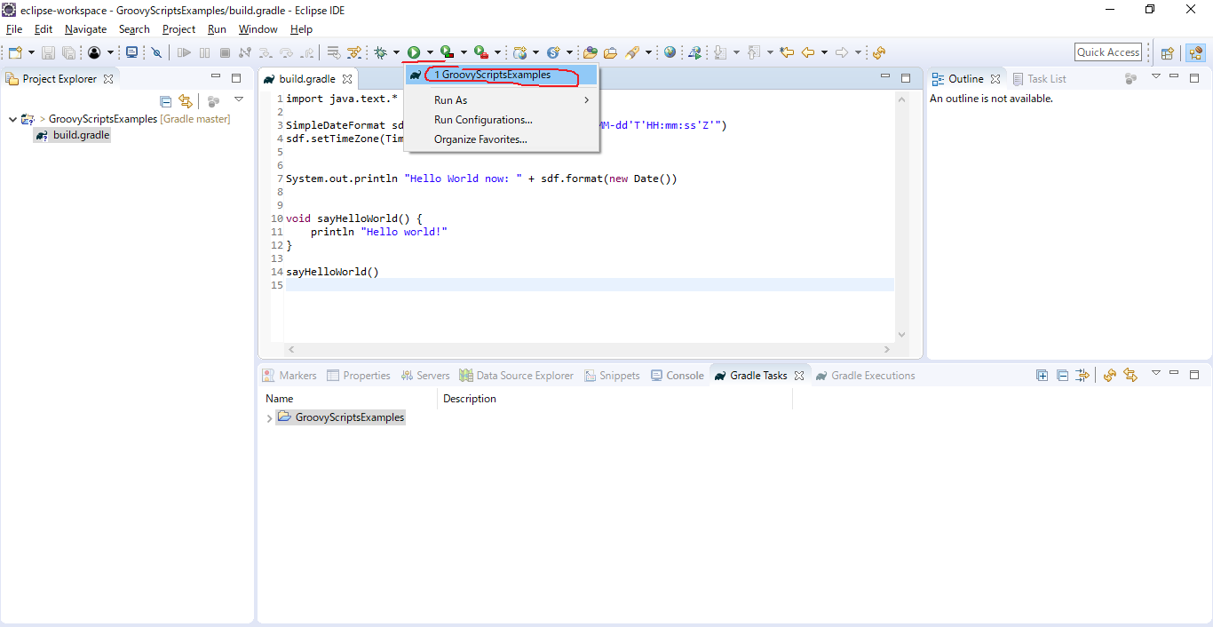
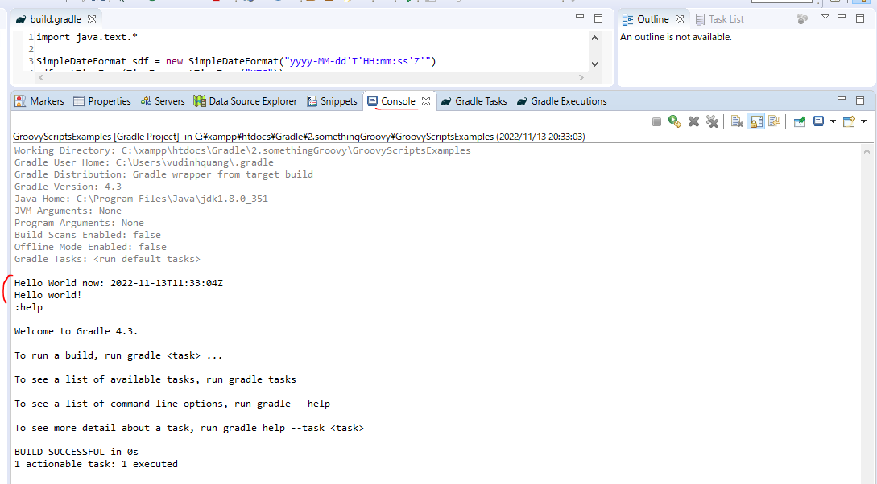
 | Script is major part in Gradle and groovy support scripts. Java needs to be packaged up into classes with static main method as entry point
 | In Groovy script can contain method, class, variables

構成
 | Gradle
 |  | 1.Setting-up
 |  |  | minGradleRequirements
 |  |  |  | build.gradle
 |  | 2.somethingGroovy |  |  | → | new project
 |  |  | GroovyScriptsExamples
 |  |  |  | build.gradle

Gradle\2.somethingGroovy\GroovyScriptsExamples\build.gradle
 | import java.text.* |  |  |  | → | We do as java program, we need to import to writing java program

 | SimpleDateFormat sdf = new SimpleDateFormat("yyyy-MM-dd'T'HH:mm:ss'Z'")
 | sdf.setTimeZone(TimeZone.getTimeZone("UTC"))

 | System.out.println "Hello World now: " + sdf.format(new Date()) |  |  |  | → | System.out.println in Java
 |  |  |  |  |  | System.out.println("Hello World now: " + sdf.format(new Date())) also OK
 |  |  |  |  |  | println("Hello World now: " + sdf.format(new Date())) also OK
 | void sayHelloWorld() { |  |  |  | → | In Groovy script can contain method
 | println "Hello world!" |  |  |  | → | println in groovy
 | }

 | sayHelloWorld() |  |  |  | → | call method

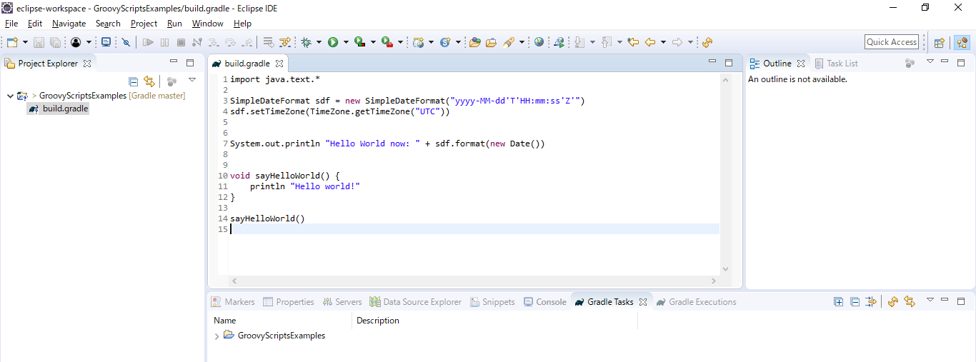

 | Run Configurations
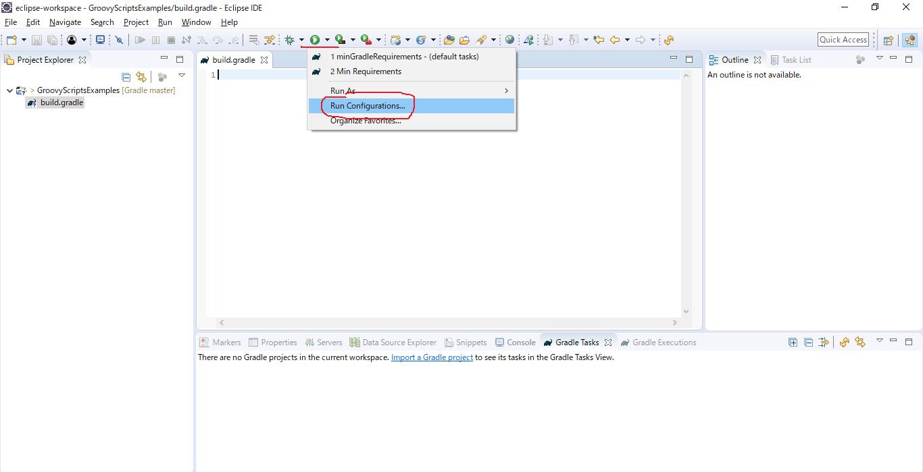

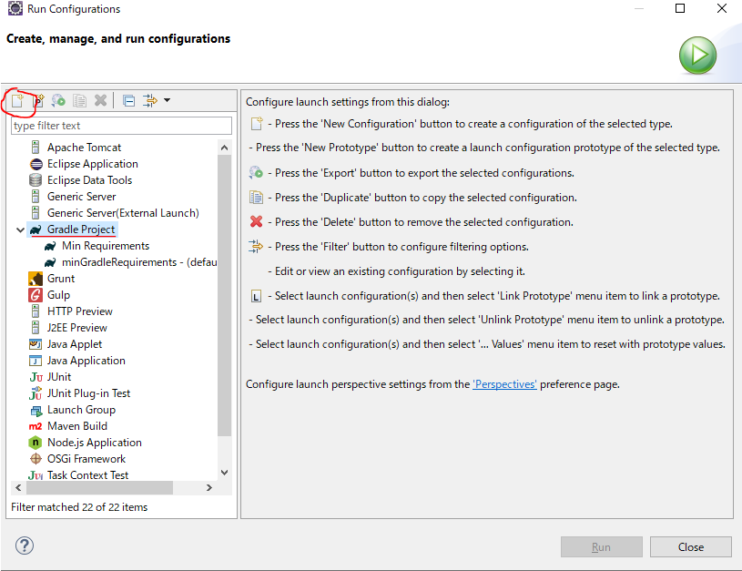

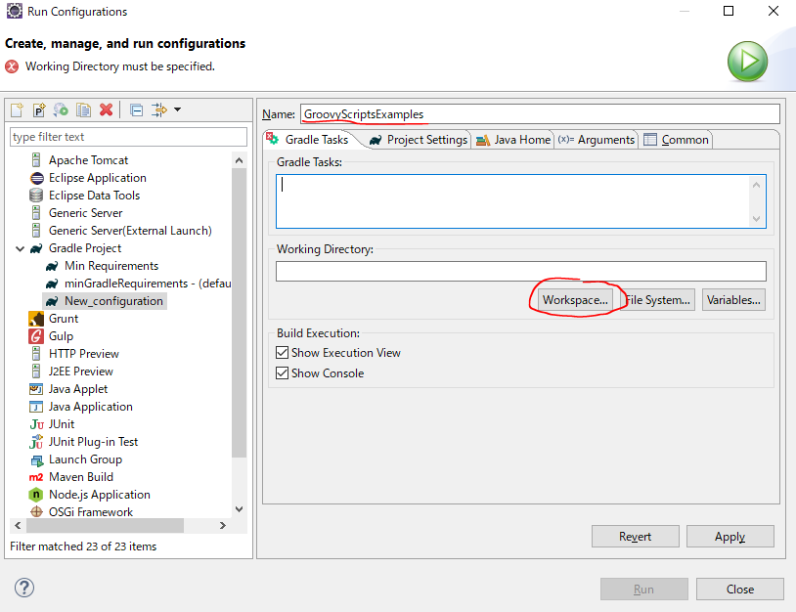

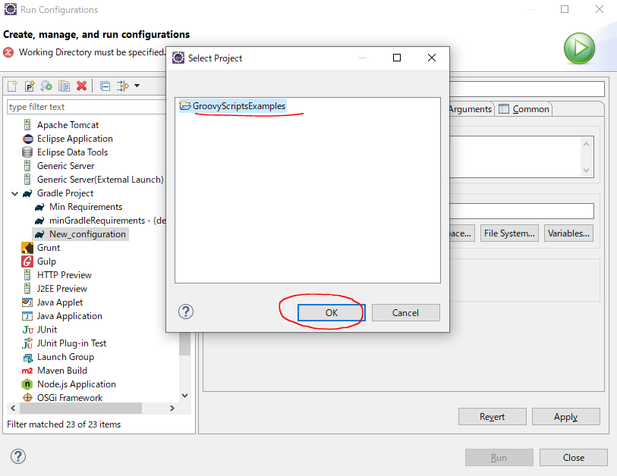

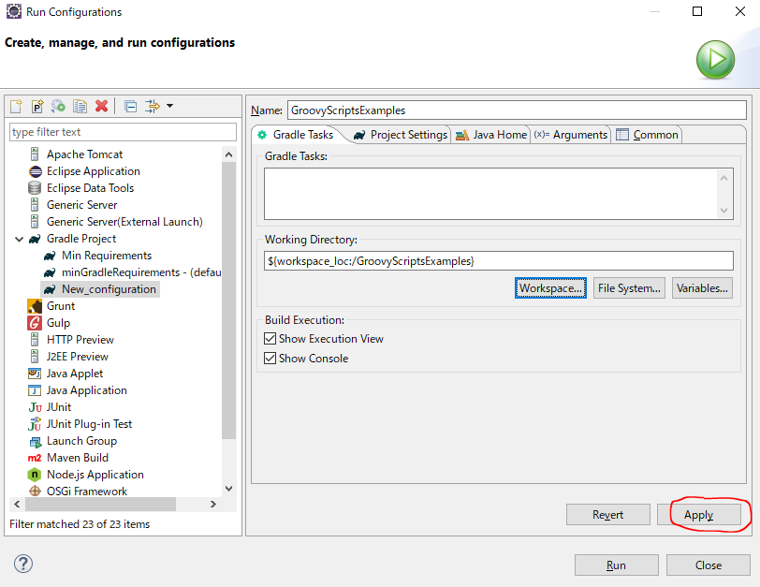

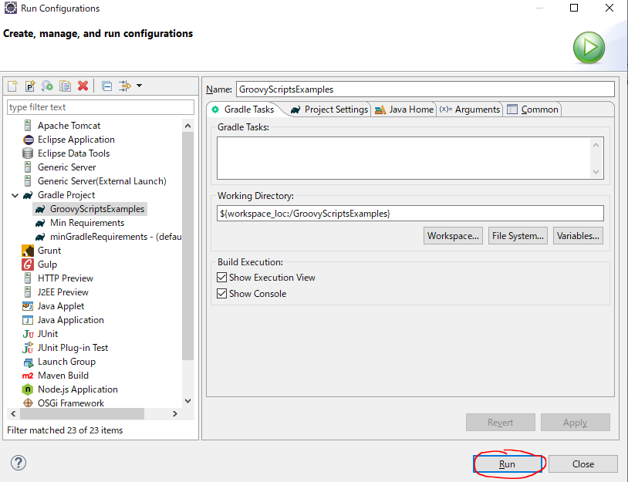

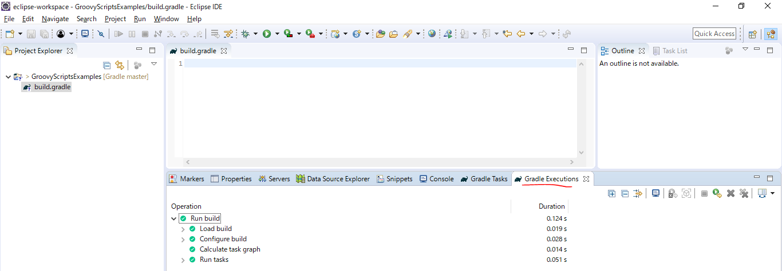

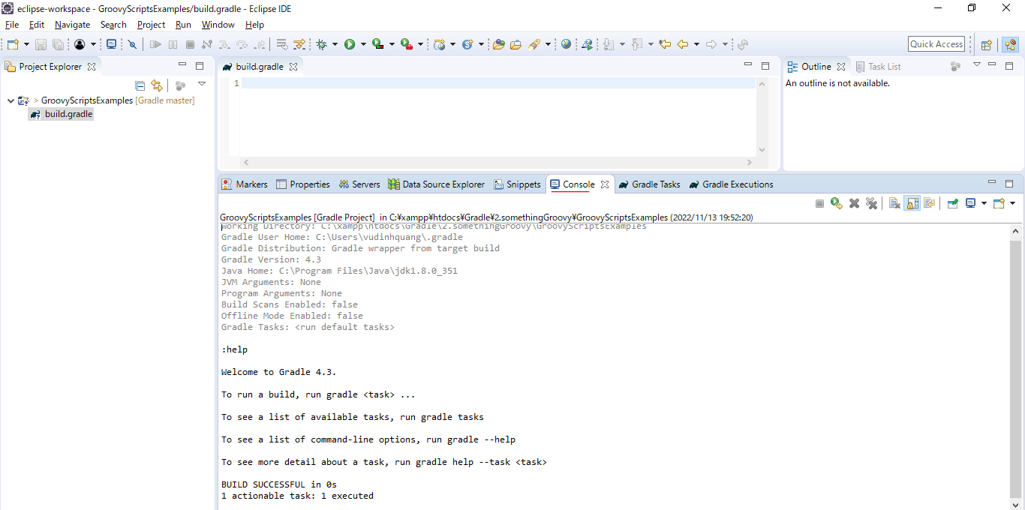

Test

return
構成
 | Gradle
 |  | 1.Setting-up
 |  |  | minGradleRequirements
 |  |  |  | build.gradle
 |  | 2.somethingGroovy
 |  |  | GroovyScriptsExamples
 |  |  |  | build.gradle | → | code

Gradle\2.somethingGroovy\GroovyScriptsExamples\build.gradle
 | import java.text.*

 | SimpleDateFormat sdf = new SimpleDateFormat("yyyy-MM-dd'T'HH:mm:ss'Z'")
 | sdf.setTimeZone(TimeZone.getTimeZone("UTC"))

 | System.out.println "Hello World now: " + sdf.format(new Date())

 | void sayHelloWorld() {
 | println "Hello world!"
 | }

 | sayHelloWorld()

 | int doubleIt(int i) { |  |  |  | → | If there is more than one line in a method, the value of the last line gets return
 | println(i) |  |  |  |  | int: types
 | i * 3
 | def y = i |  |  |  | → | Also return if last line of a method is an assignment
 | }

 | println doubleIt(2)

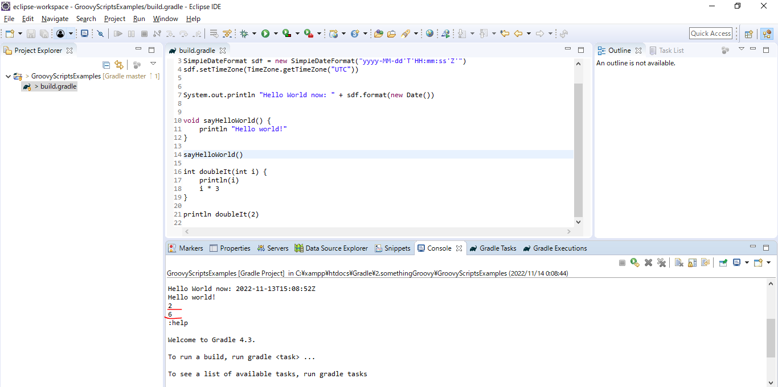
Test
 | ①the value of the last line gets return
 | int doubleIt(int i) {
 |  | println(i)
 |  | i * 3
 | }

 | println doubleIt(2)

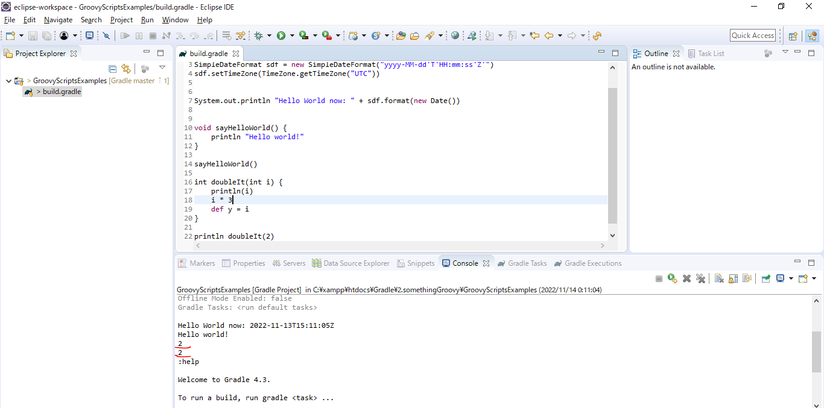
 | ②Also return if last line of a method is an assignment
 | int doubleIt(int i) {
 |  | println(i)
 |  | i * 3
 |  | def y = i
 | }

 | println doubleIt(2)

types
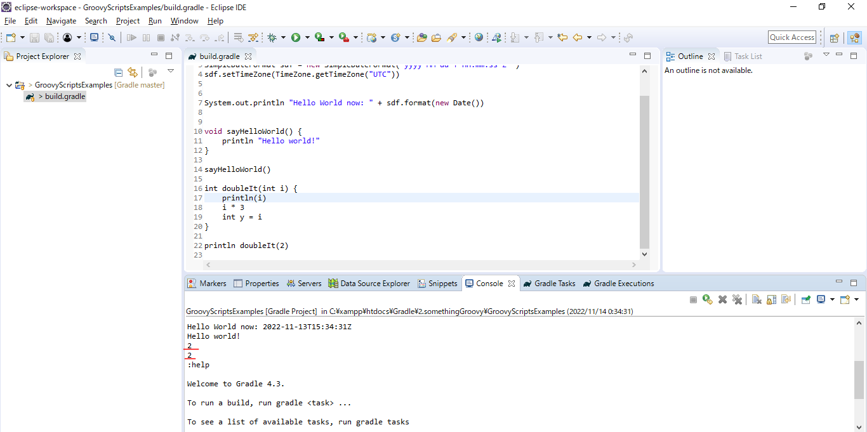
 | Groovy is optional type, which means that we can actually use type or not use them. We have type of varialbe, parameters, return value can be a type or un type. If we declare variable that is
 | un type we need to use the key word is def
 | We can mind that def keyword is synonymous with objectin java. So if declare the variable of type objectin java, it is exactly the same as declaring a variable with the key word def on groovy
 | we can assign any instance to that particular variable
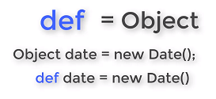

構成
 | Gradle
 |  | 1.Setting-up
 |  |  | minGradleRequirements
 |  |  |  | build.gradle
 |  | 2.somethingGroovy
 |  |  | GroovyScriptsExamples
 |  |  |  | build.gradle | → | code

Gradle\2.somethingGroovy\GroovyScriptsExamples\build.gradle
 | import java.text.*

 | SimpleDateFormat sdf = new SimpleDateFormat("yyyy-MM-dd'T'HH:mm:ss'Z'")
 | sdf.setTimeZone(TimeZone.getTimeZone("UTC"))

 | System.out.println "Hello World now: " + sdf.format(new Date())

 | void sayHelloWorld() {
 | println "Hello world!"
 | }

 | sayHelloWorld()

 | int doubleIt(int i) { |  |  |  | → | int: types
 | println(i)
 | i * 3
 | int y = i
 | }

 | println doubleIt(2)

Strings
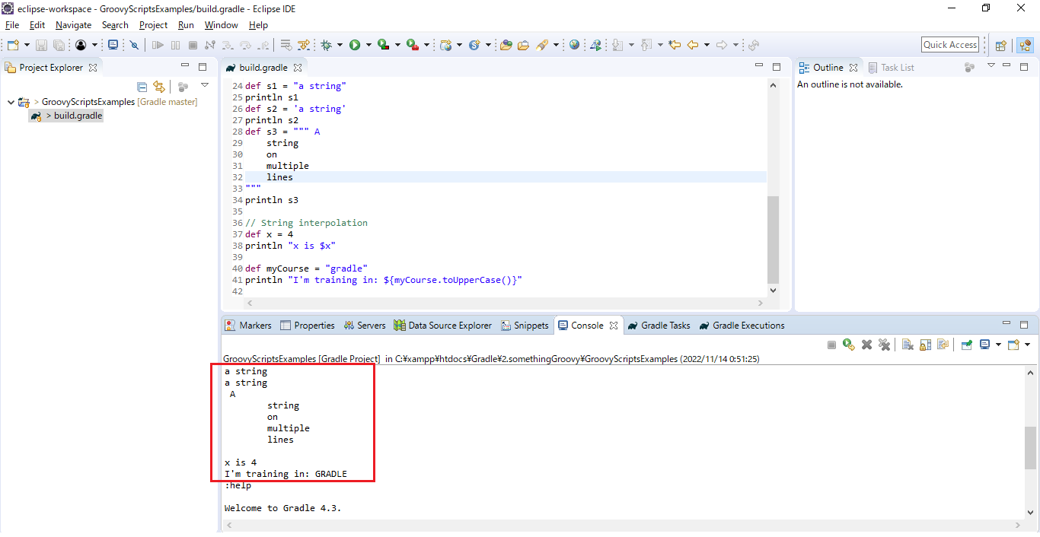
 | groovy do not have character literals as java does and string can be wrapped in either double or single quotes

構成
 | Gradle
 |  | 1.Setting-up
 |  |  | minGradleRequirements
 |  |  |  | build.gradle
 |  | 2.somethingGroovy
 |  |  | GroovyScriptsExamples
 |  |  |  | build.gradle | → | code

Gradle\2.somethingGroovy\GroovyScriptsExamples\build.gradle
 | import java.text.*

 | SimpleDateFormat sdf = new SimpleDateFormat("yyyy-MM-dd'T'HH:mm:ss'Z'")
 | sdf.setTimeZone(TimeZone.getTimeZone("UTC"))

 | System.out.println "Hello World now: " + sdf.format(new Date())

 | void sayHelloWorld() {
 | println "Hello world!"
 | }

 | sayHelloWorld()

 | int doubleIt(int i) {
 | println(i)
 | i * 3
 | int y = i
 | }

 | println doubleIt(2)

 | def s1 = "a string" |  |  |  | → | string can be wrapped in double quotes
 | println s1
 | def s2 = 'a string' |  |  |  | → | string can be wrapped in single quotes
 | println s2
 | def s3 = """ A |  |  |  | → | using thre double quotes to dealing with strings over multiple lines
 | string
 | on
 | multiple
 | lines
 | """
 | println s3

 | // String interpolation
 | def x = 4
 | println "x is $x" |  |  |  | → | String interpolation

 | def myCourse = "gradle"
 | println "I'm training in: ${myCourse.toUpperCase()}"

Test

Properties
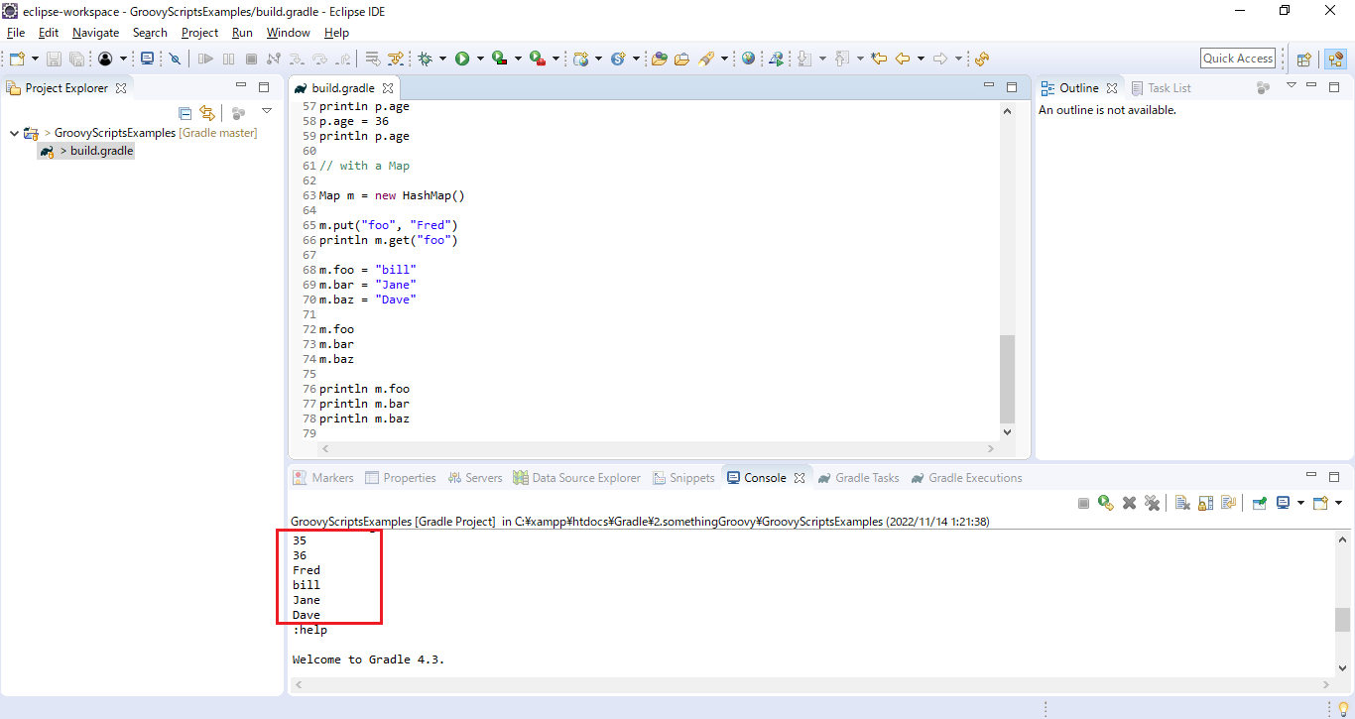
構成
 | Gradle
 |  | 1.Setting-up
 |  |  | minGradleRequirements
 |  |  |  | build.gradle
 |  | 2.somethingGroovy
 |  |  | GroovyScriptsExamples
 |  |  |  | build.gradle | → | code

Gradle\2.somethingGroovy\GroovyScriptsExamples\build.gradle
 | import java.text.*

 | SimpleDateFormat sdf = new SimpleDateFormat("yyyy-MM-dd'T'HH:mm:ss'Z'")
 | sdf.setTimeZone(TimeZone.getTimeZone("UTC"))

 | System.out.println "Hello World now: " + sdf.format(new Date())

 | void sayHelloWorld() {
 | println "Hello world!"
 | }

 | sayHelloWorld()

 | int doubleIt(int i) {
 | println(i)
 | i * 3
 | int y = i
 | }

 | println doubleIt(2)

 | def s1 = "a string"
 | println s1
 | def s2 = 'a string'
 | println s2
 | def s3 = """ A
 | string
 | on
 | multiple
 | lines
 | """
 | println s3

 | // String interpolation
 | def x = 4
 | println "x is $x"

 | def myCourse = "gradle"
 | println "I'm training in: ${myCourse.toUpperCase()}"

 | //Properties...

 | class Person {

 | String name
 | Integer age

 | Person(name, age) {
 | this.name = name
 | this.age = age
 | }
 | }

 | def p = new Person("Fred", 35)
 | println p.age
 | p.age = 36
 | println p.age

 | // with a Map

 | Map m = new HashMap() |  |  |  | → | collection

 | m.put("foo", "Fred") |  |  |  | → | in java we use put method to setting value for collection
 | println m.get("foo") |  |  |  | → | in java we use get method to getting value in collection

 | m.foo = "bill" |  |  |  | → | But groovy is very useful for properties when setting value
 | m.bar = "Jane"
 | m.baz = "Dave"

 | m.foo |  |  |  | → | groovy is very useful for properties when getting value
 | m.bar
 | m.baz

 | println m.foo
 | println m.bar
 | println m.baz

Test

