Plugin
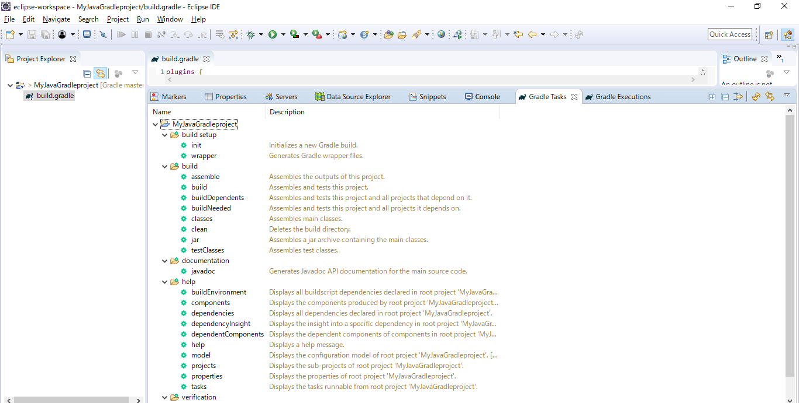
 | https://docs.gradle.org/current/userguide/java_plugin.html
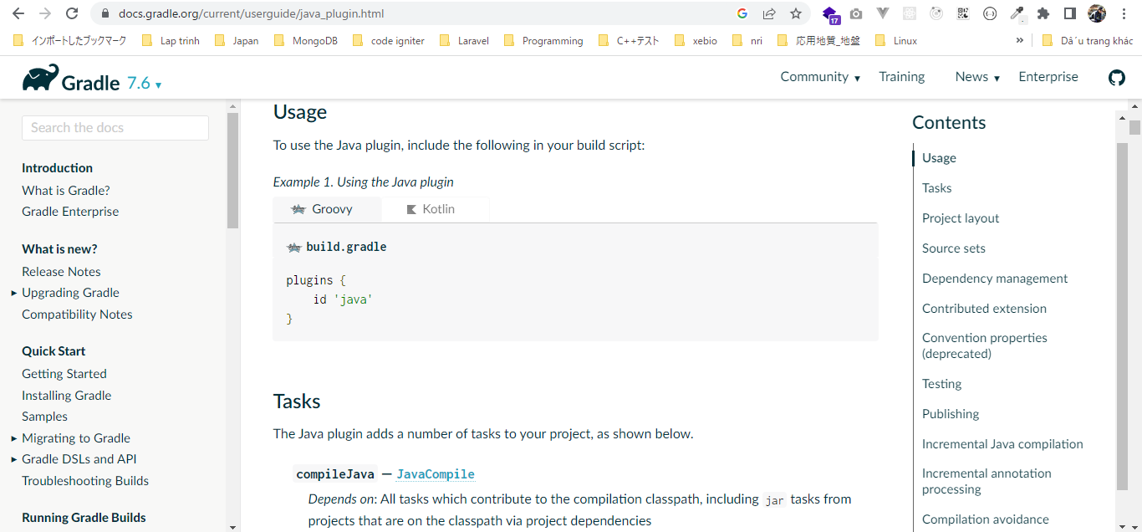

構成
 | Gradle
 |  | 1.Setting-up
 |  |  | minGradleRequirements
 |  |  |  | build.gradle
 |  | 2.somethingGroovy
 |  | 3.Gradle-under-the-hood
 |  |  | GradleLifeCycleScriptExamples
 |  |  |  | build.gradle
 |  |  |  | settings.gradle
 |  | 4.Gradle-Properties
 |  |  | PropertiesScriptExamples
 |  |  |  | build.gradle
 |  |  |  | gradle.properties
 |  | 5.Tasks-and-Actions
 |  |  | TaskScriptExamples
 |  |  |  | build.gradle
 |  | 6.Task-dependencies
 |  |  | 1.DependsOnScriptsExamples
 |  |  |  | build.gradle
 |  |  | 2.DependsOnGraphScriptsExamples
 |  |  |  | build.gradle
 |  | 7.Plugin |  |  | → | new
 |  |  | MyJavaGradleproject
 |  |  |  | build.gradle
 | C:\Users\vudinhquang\.gradle
 |  | init.d
 |  |  | another.gradle
 |  |  | init.gradle
 |  |  | zingAnother.gradle

Gradle\7.Plugin\MyJavaGradleproject\build.gradle
 | plugins {
 | id 'java'
 | }

