Gradle Object Model
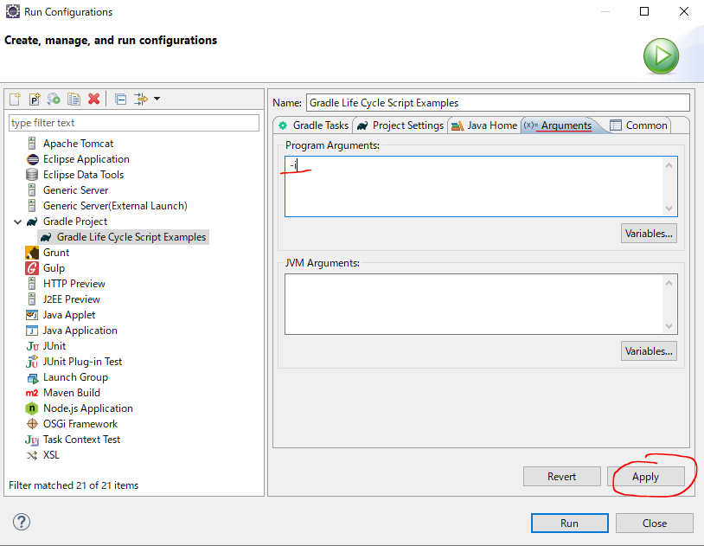
 | https://docs.gradle.org/current/dsl/org.gradle.api.Script.html#org.gradle.api.Script:logger
 | https://docs.gradle.org/4.3.1/dsl/org.gradle.api.Script.html#org.gradle.api.Script:logger
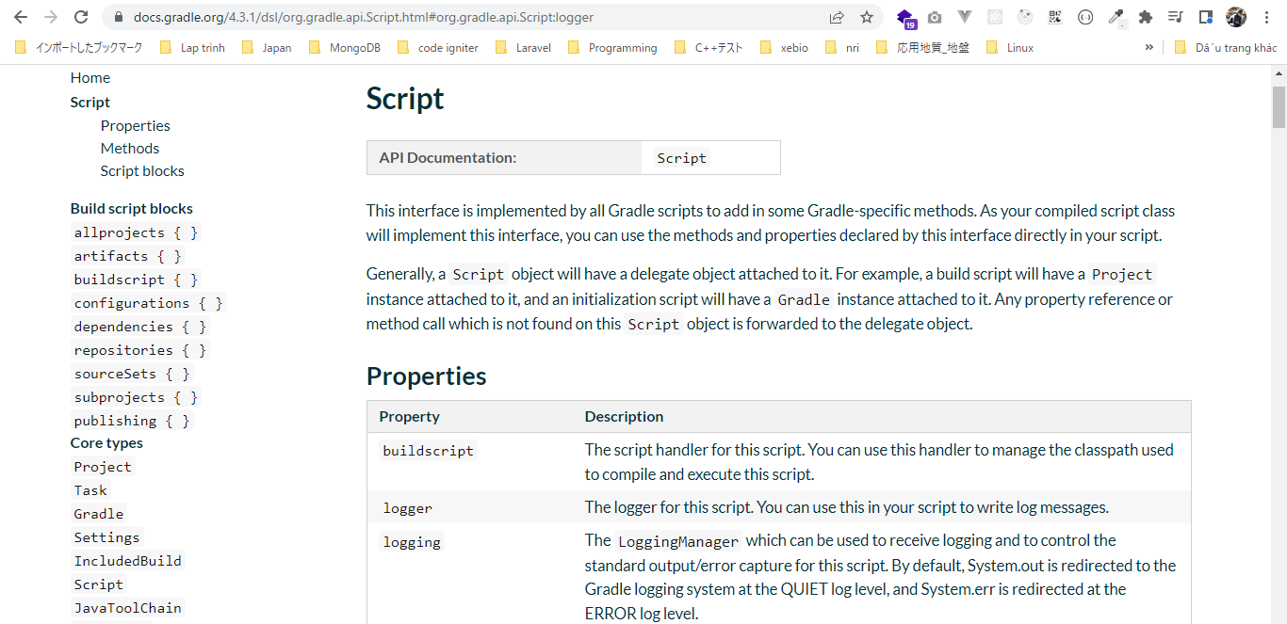

構成
 | Gradle
 |  | 1.Setting-up
 |  |  | minGradleRequirements
 |  |  |  | build.gradle
 |  | 2.somethingGroovy
 |  | 3.Gradle-under-the-hood |  |  |  |  | → | new project
 |  |  | GradleLifeCycleScriptExamples
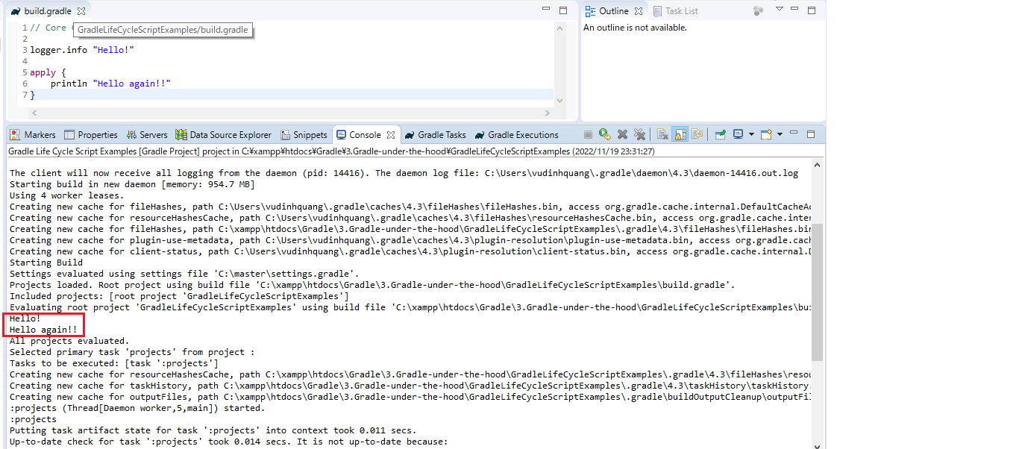
 |  |  |  | build.gradle

Gradle\3.Gradle-under-the-hood\GradleLifeCycleScriptExamples\build.gradle
 | // Core Gradle Objects

 | logger.info "Hello!" |  |  |  | → | We need to set or program arguments for gradle when we use logging to turn logging on, that arguments is "-i"

 | apply { |  |  |  | → | apply method takes a closure
 | println "Hello again!!"
 | }

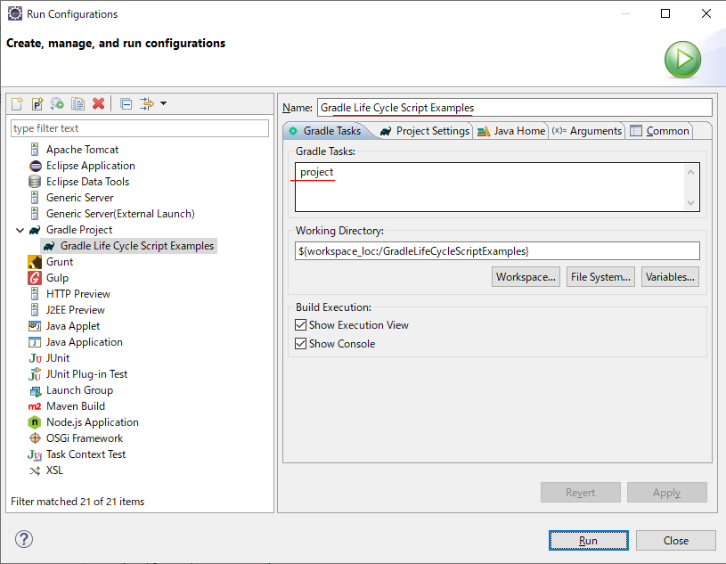

Set arguments "-i"

Gradle Lifecycle
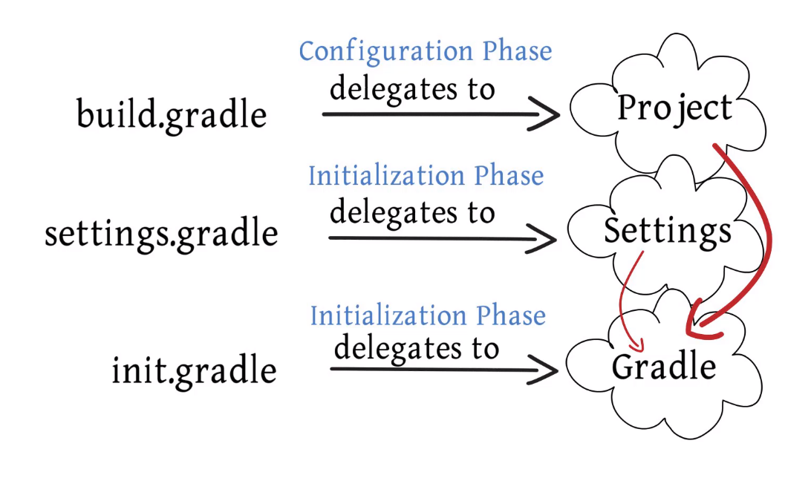
Gradle build has three distinct phases: Initialization, Configuration, Execution
①Initialization: Gradle supports both single and muti project builds and during the initialization phase that determines which projects are actually going to take part in the build creates a project
instance for each of these projects. This phase maps to one or more build script file
②Configuration: Every project needs to build gradle file which contains the build configuration script which gets executed
③Execution: This phase is where the actual build gets performed
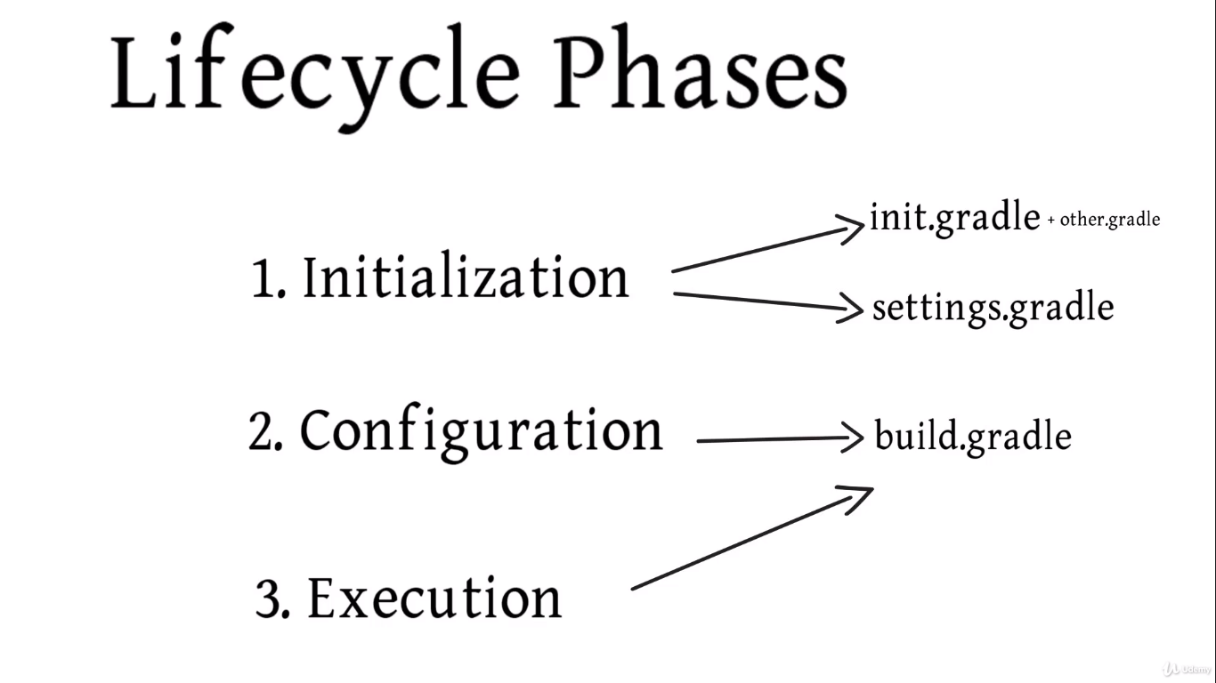

 | Configuration and Execution also rely on build.gradle file

