3rd Part Dependencies
 | https://docs.gradle.org/current/userguide/declaring_repositories.html
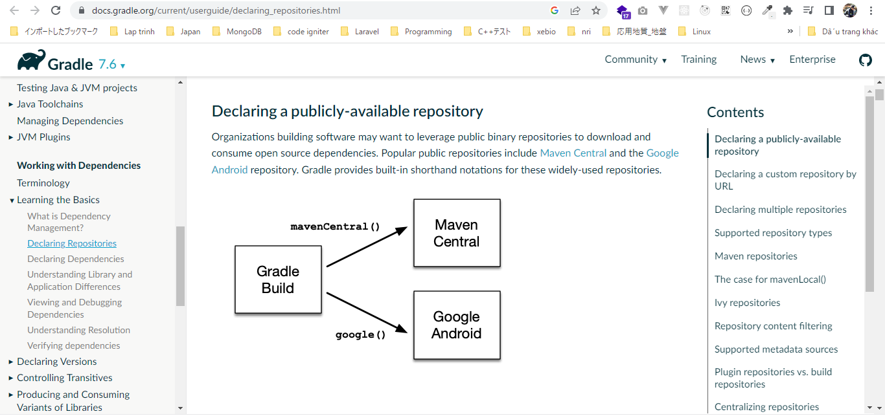

 | repositories
 | Gradle Build Language Reference
 | https://docs.gradle.org/current/dsl/index.html
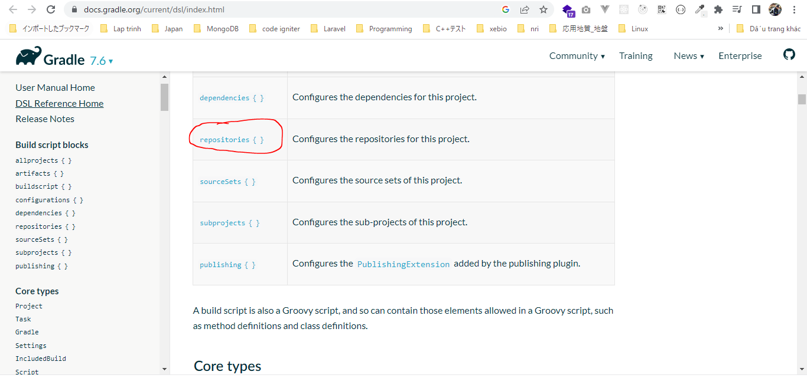

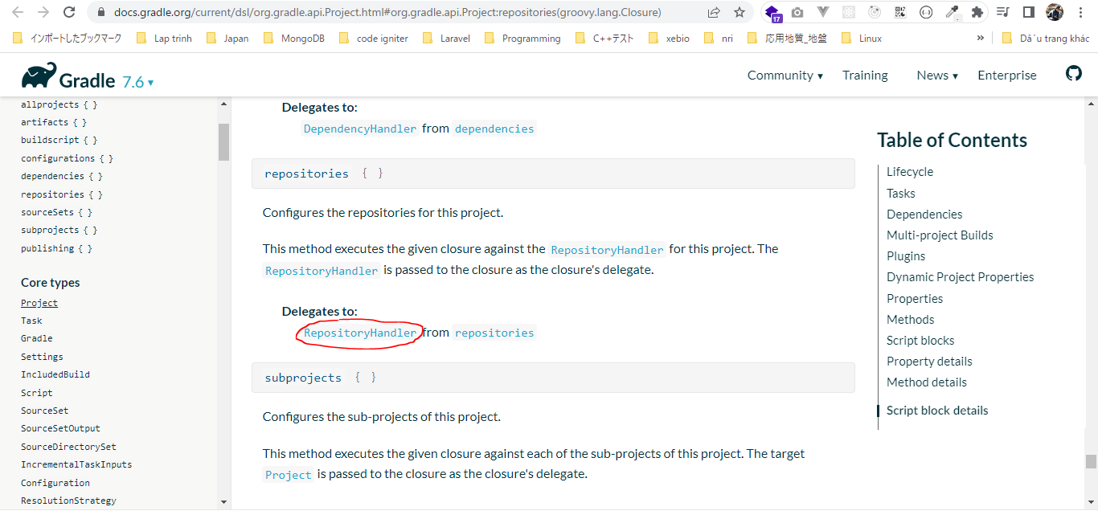

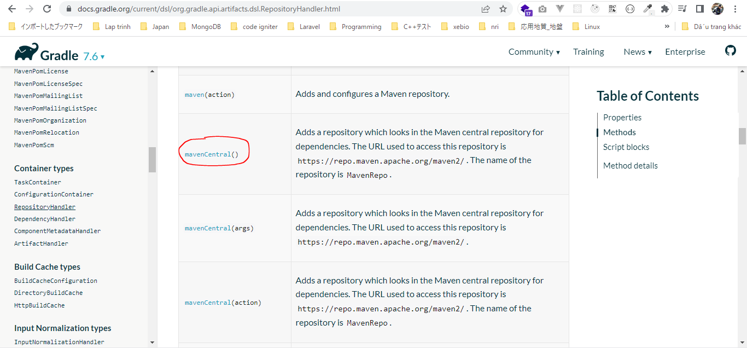

 | dependencies
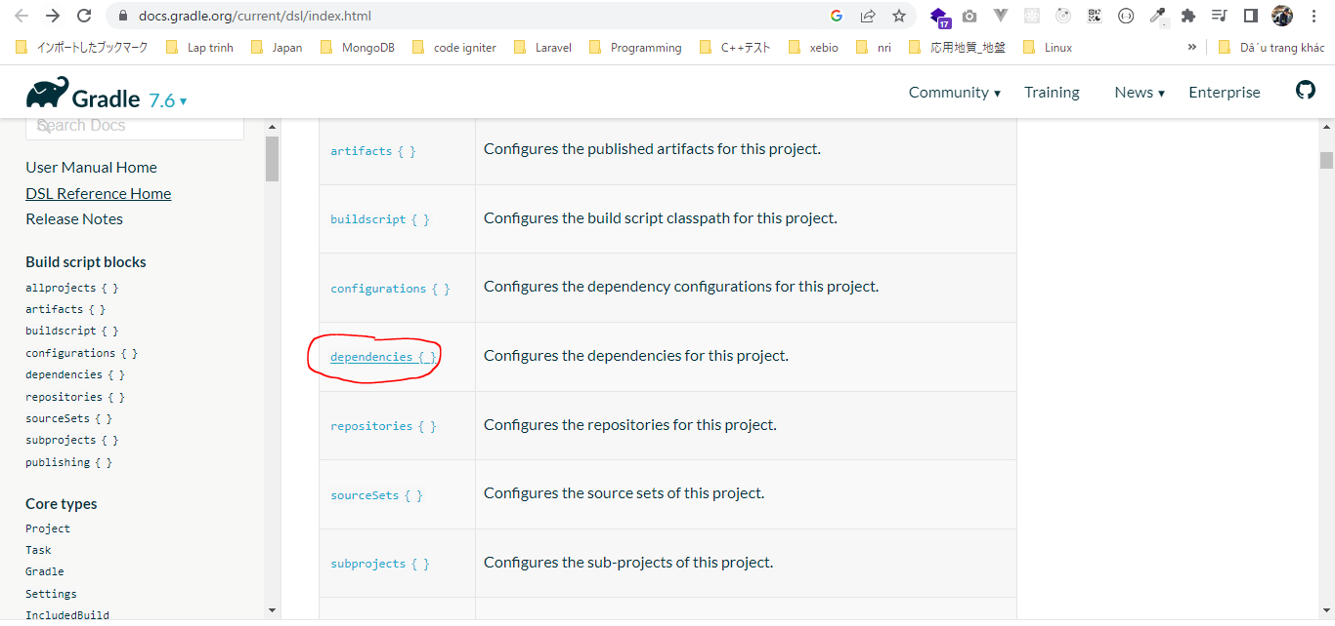

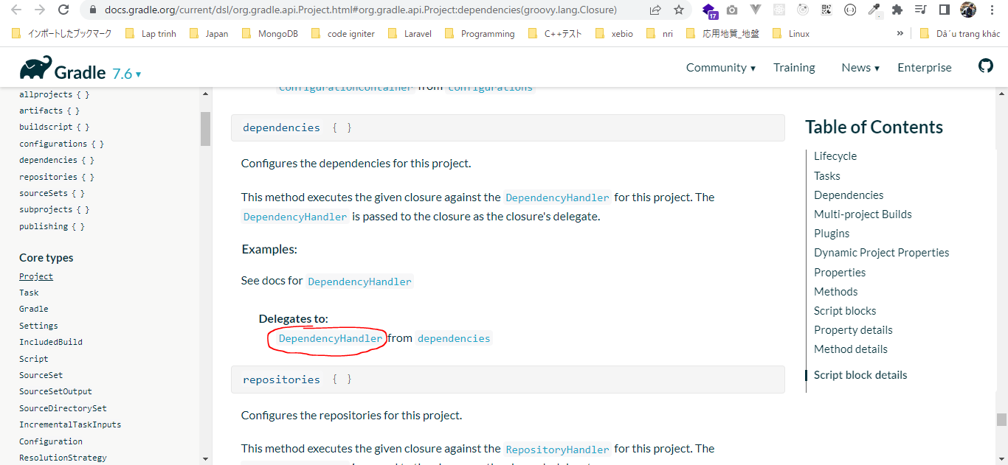

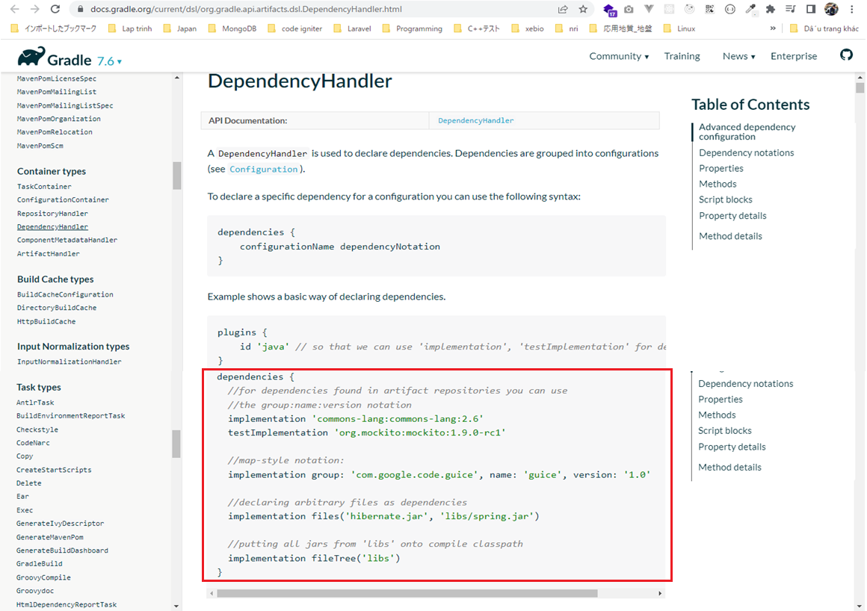

 | commons-math3
 | https://mvnrepository.com/
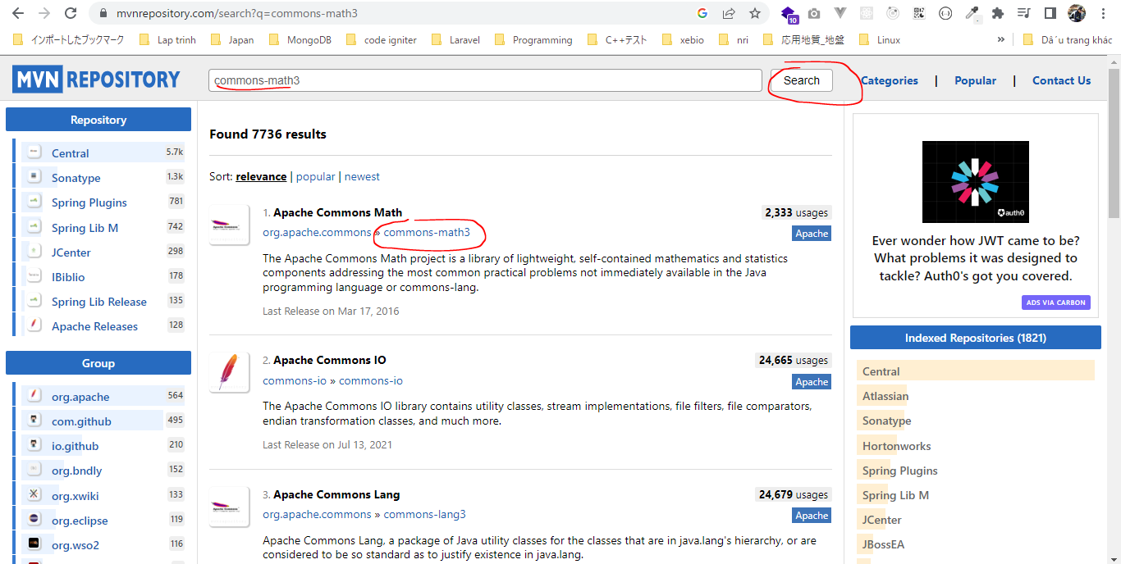

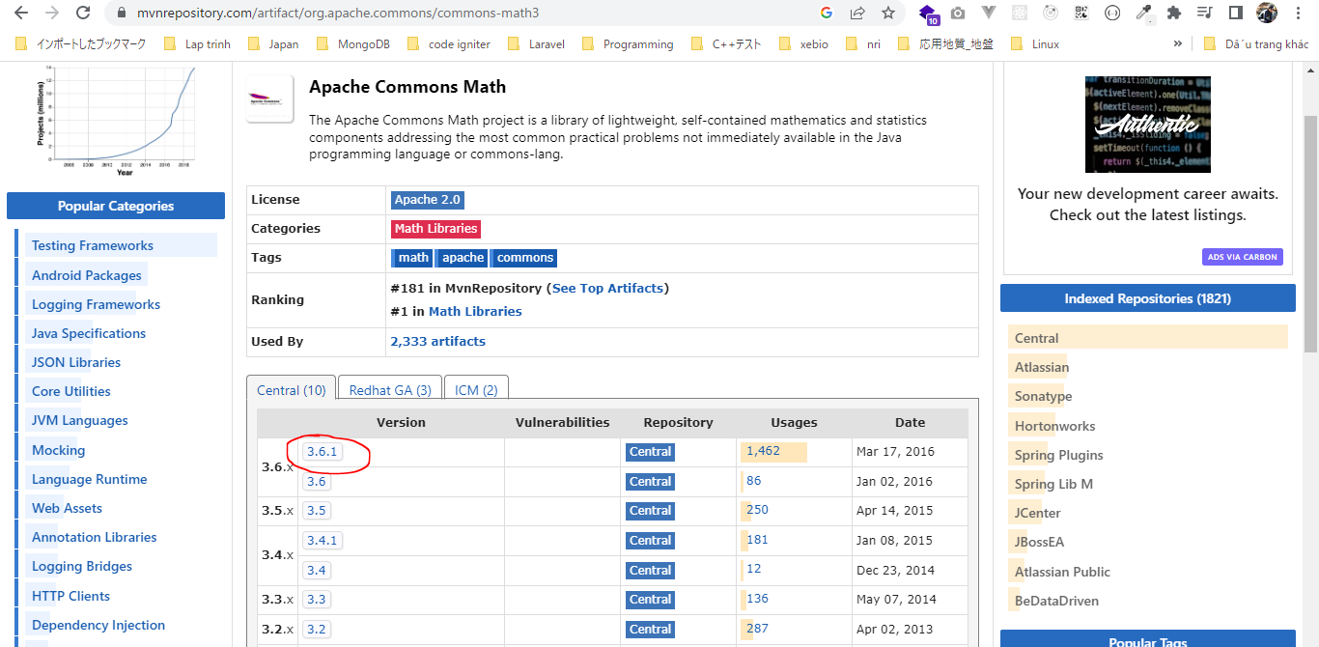

 | implementation group: 'org.apache.commons', name: 'commons-math3', version: '3.6.1'
 | =
 | implementation 'org.apache.commons:commons-math3:6.1'

 | junit
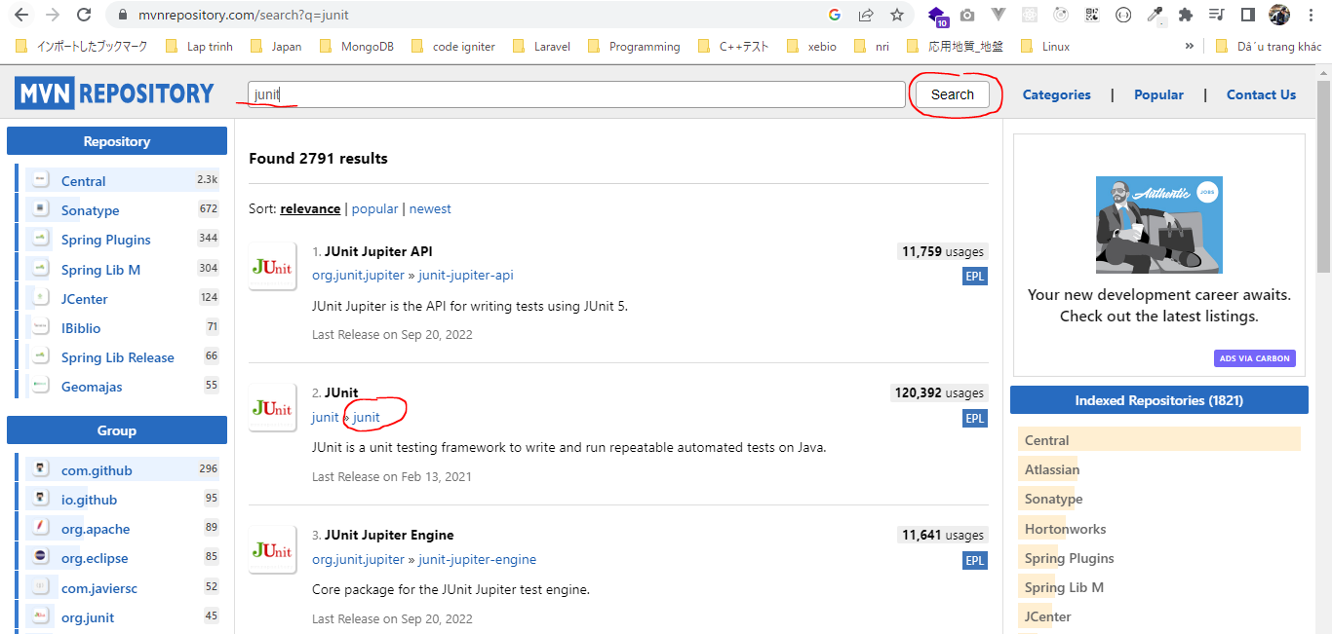

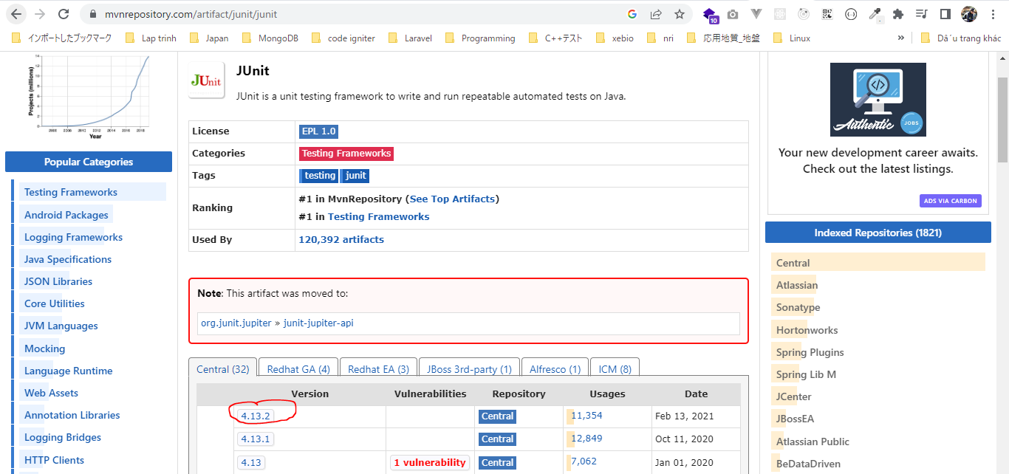

 | testImplementation group: 'junit', name: 'junit', version: '4.13.2'
 | =
 | testImplementation 'junit:junit:4.13.2'

構成
 | Gradle
 |  | 1.Setting-up
 |  |  | minGradleRequirements
 |  |  |  | build.gradle
 |  | 2.somethingGroovy
 |  | 3.Gradle-under-the-hood
 |  |  | GradleLifeCycleScriptExamples
 |  |  |  | build.gradle
 |  |  |  | settings.gradle
 |  | 4.Gradle-Properties
 |  |  | PropertiesScriptExamples
 |  |  |  | build.gradle
 |  |  |  | gradle.properties
 |  | 5.Tasks-and-Actions
 |  |  | TaskScriptExamples
 |  |  |  | build.gradle
 |  | 6.Task-dependencies
 |  |  | 1.DependsOnScriptsExamples
 |  |  |  | build.gradle
 |  |  | 2.DependsOnGraphScriptsExamples
 |  |  |  | build.gradle
 |  | 7.Plugin
 |  |  | MyJavaGradleproject
 |  |  |  | build.gradle
 |  | 8.Building-Java-Applications-with-Gradle |  |  |  | → | New
 |  |  | gradle-java-console-application
 |  |  |  | gradlejava1-complete
 |  |  |  |  | build.gradle
 | C:\Users\vudinhquang\.gradle
 |  | init.d
 |  |  | another.gradle
 |  |  | init.gradle
 |  |  | zingAnother.gradle

Gradle\8.Building-Java-Applications-with-Gradle\gradle-java-console-application\gradlejava1-complete\build.gradle
 | plugins {
 | id 'java'
 | }

 | repositories{
 | mavenCentral()
 | }

 | dependencies {
 | implementation 'org.apache.commons:commons-math3:3.2'
 | testImplementation 'junit:junit:4.11'
 | }

BuildingOur1stJavaApplication
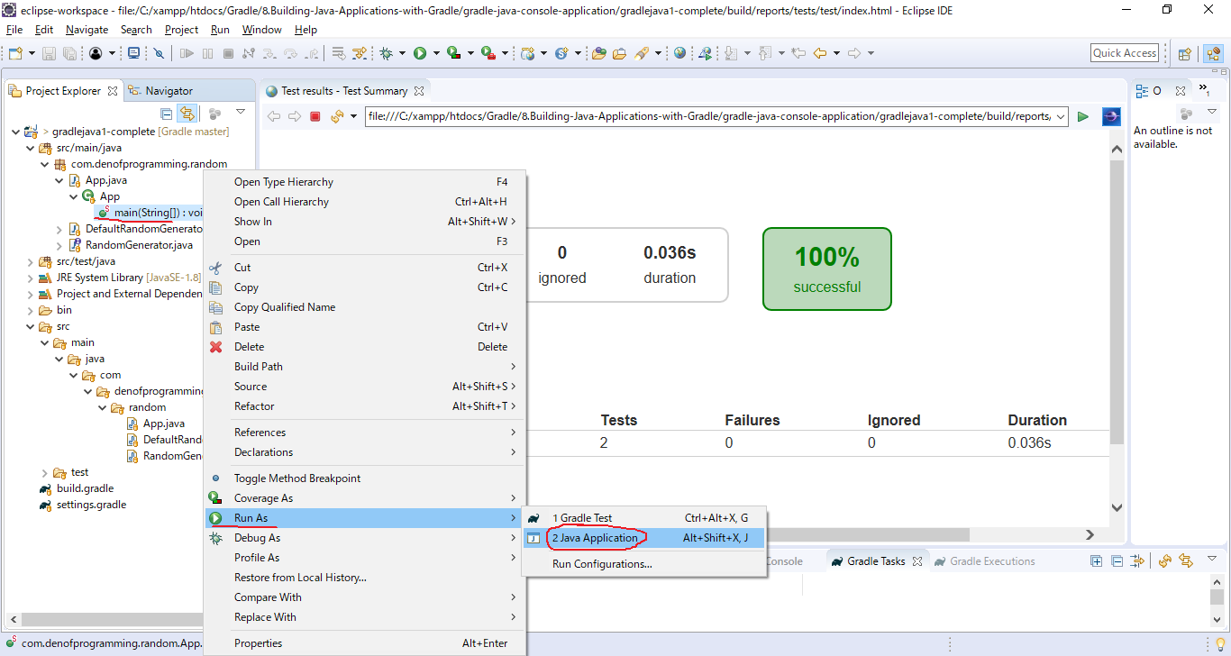
構成
 | Gradle
 |  | 1.Setting-up
 |  |  | minGradleRequirements
 |  |  |  | build.gradle
 |  | 2.somethingGroovy
 |  | 3.Gradle-under-the-hood
 |  |  | GradleLifeCycleScriptExamples
 |  |  |  | build.gradle
 |  |  |  | settings.gradle
 |  | 4.Gradle-Properties
 |  |  | PropertiesScriptExamples
 |  |  |  | build.gradle
 |  |  |  | gradle.properties
 |  | 5.Tasks-and-Actions
 |  |  | TaskScriptExamples
 |  |  |  | build.gradle
 |  | 6.Task-dependencies
 |  |  | 1.DependsOnScriptsExamples
 |  |  |  | build.gradle
 |  |  | 2.DependsOnGraphScriptsExamples
 |  |  |  | build.gradle
 |  | 7.Plugin
 |  |  | MyJavaGradleproject
 |  |  |  | build.gradle
 |  | 8.Building-Java-Applications-with-Gradle
 |  |  | gradle-java-console-application
 |  |  |  | gradlejava1-complete
 |  |  |  |  | src
 |  |  |  |  |  | main
 |  |  |  |  |  |  | java
 |  |  |  |  |  |  |  | com
 |  |  |  |  |  |  |  |  | denofprogramming
 |  |  |  |  |  |  |  |  |  | random
 |  |  |  |  |  |  |  |  |  |  | App.java
 |  |  |  |  |  |  |  |  |  |  | DefaultRandomGenerator.java
 |  |  |  |  |  |  |  |  |  |  | RandomGenerator.java
 |  |  |  |  |  | test
 |  |  |  |  |  |  | java
 |  |  |  |  |  |  |  | com
 |  |  |  |  |  |  |  |  | denofprogramming
 |  |  |  |  |  |  |  |  |  | random
 |  |  |  |  |  |  |  |  |  |  | RandomGeneratorTest.java
 |  |  |  |  | build.gradle
 | C:\Users\vudinhquang\.gradle
 |  | init.d
 |  |  | another.gradle
 |  |  | init.gradle
 |  |  | zingAnother.gradle

Gradle\8.Building-Java-Applications-with-Gradle\gradle-java-console-application\gradlejava1-complete\build.gradle
 | plugins {
 | id 'java'
 | }

 | repositories{
 | mavenCentral()
 | }

 | dependencies {
 | implementation 'org.apache.commons:commons-math3:3.2'
 | testImplementation 'junit:junit:4.11'
 | }

Gradle\8.Building-Java-Applications-with-Gradle\gradle-java-console-application\gradlejava1-complete\src\main\java\com\denofprogramming\random\App.java
 | package com.denofprogramming.random;

 | /**
 | *
 | *
 | */
 | public class App
 | {
 | public static void main(String[] args)
 | {

 | RandomGenerator aRandomGenerator = new DefaultRandomGenerator();
 | System.out.println("The number is :" + aRandomGenerator.generate());

 | }
 | }

clean Task
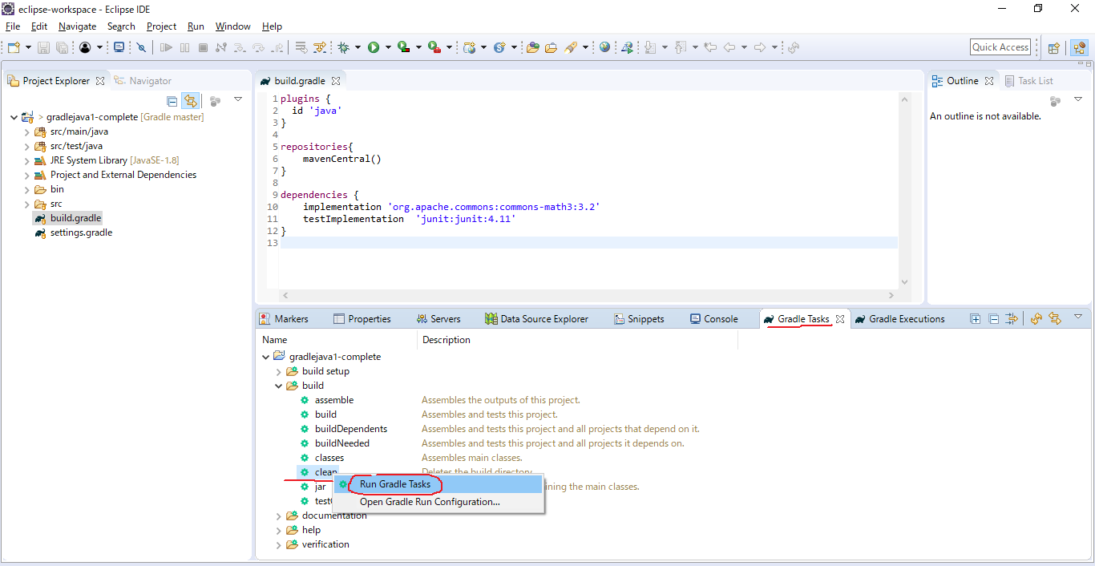

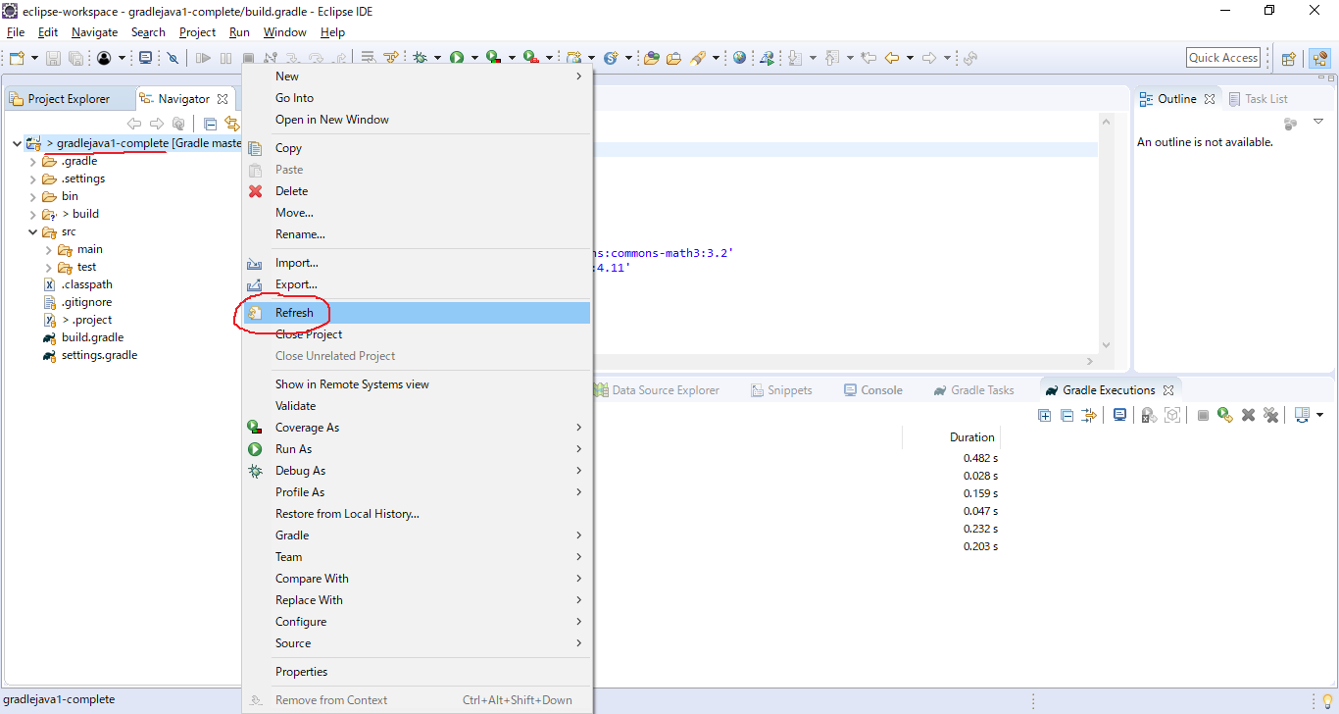

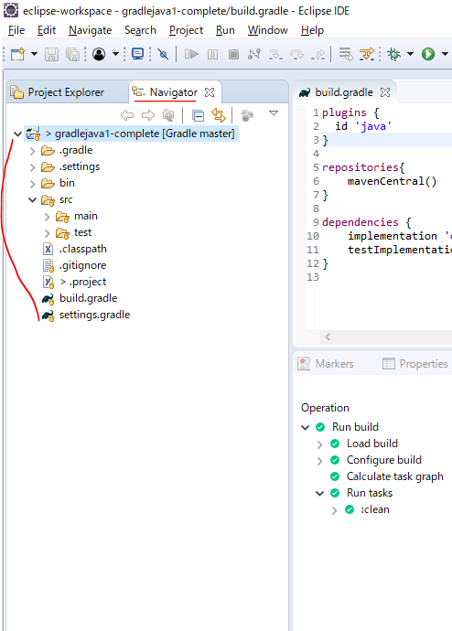

build Task
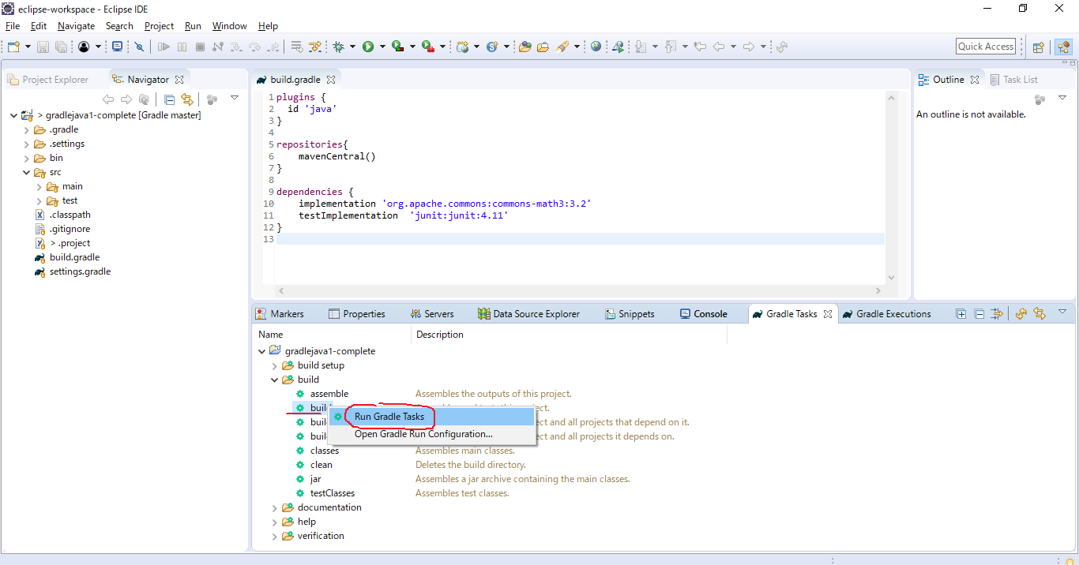

 | Now the task job actually builds as a jar file, which contains our application
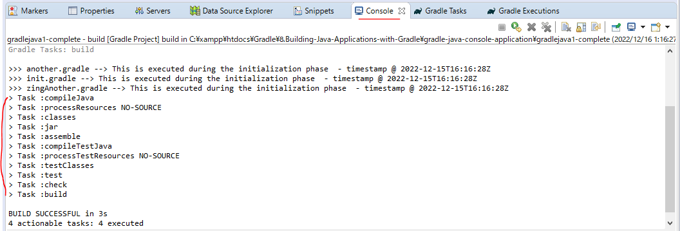

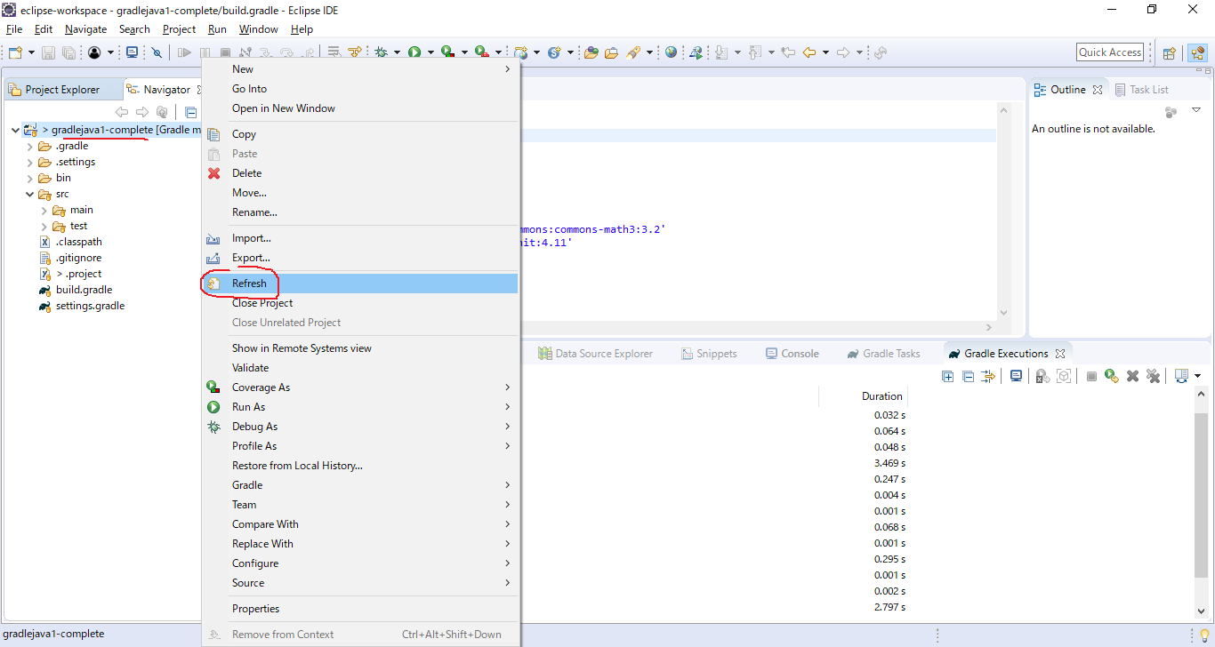

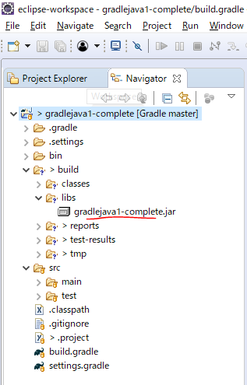

ZipEditor
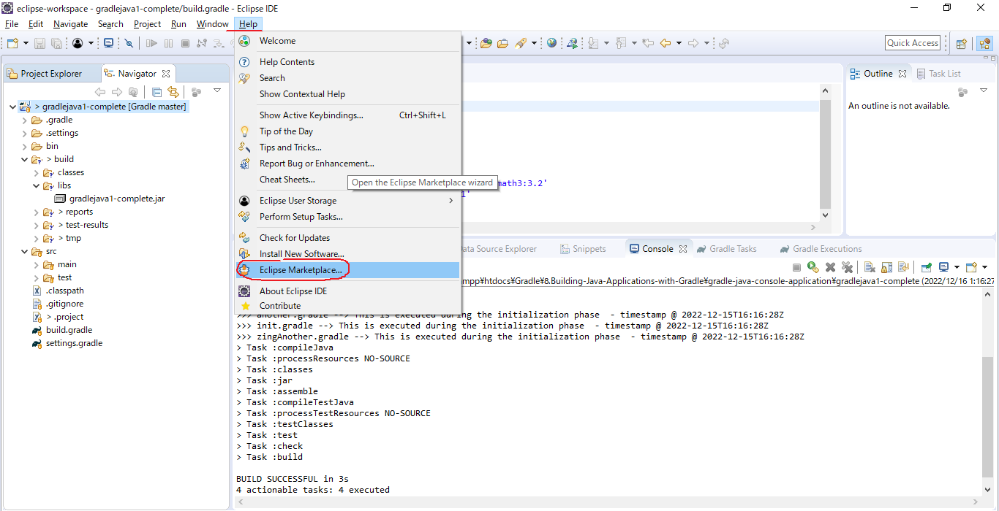

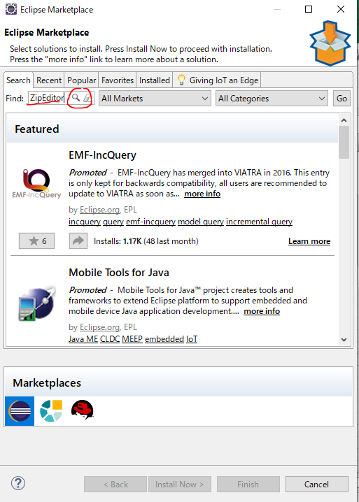

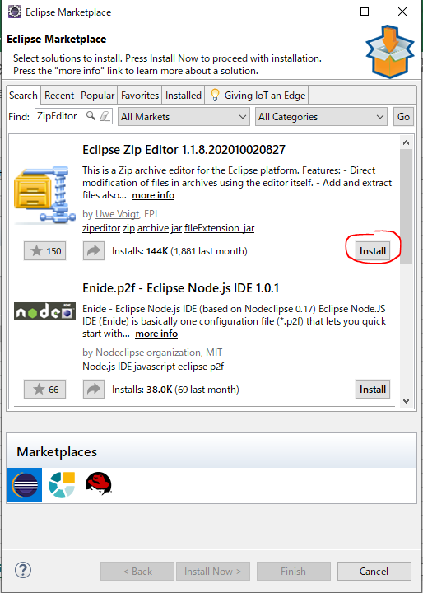

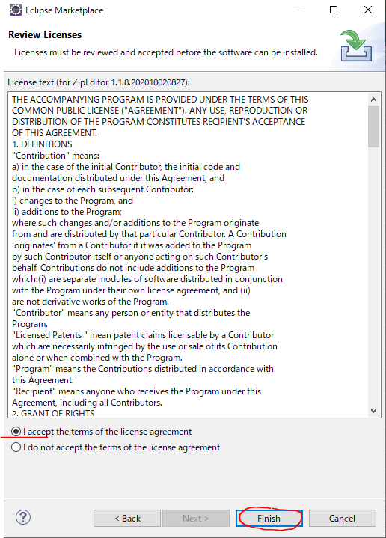

 | Check ZipEditor installed
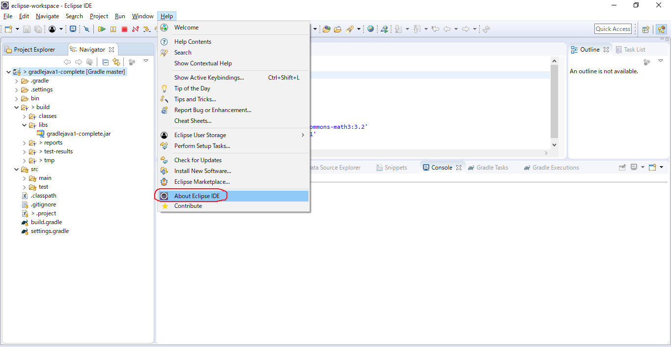

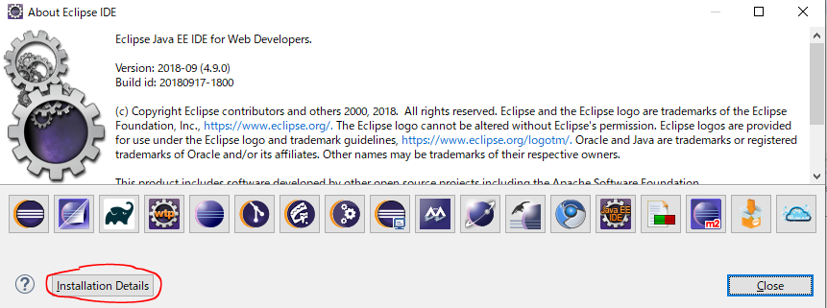

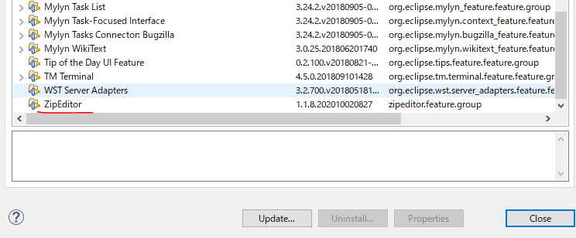

 | Now we can actually see the contents of jar file we can see that we have got our compile classes and also a folder
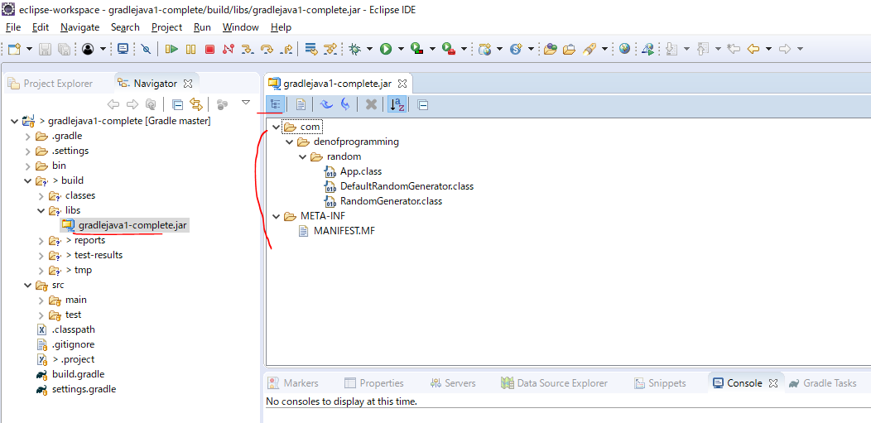

report
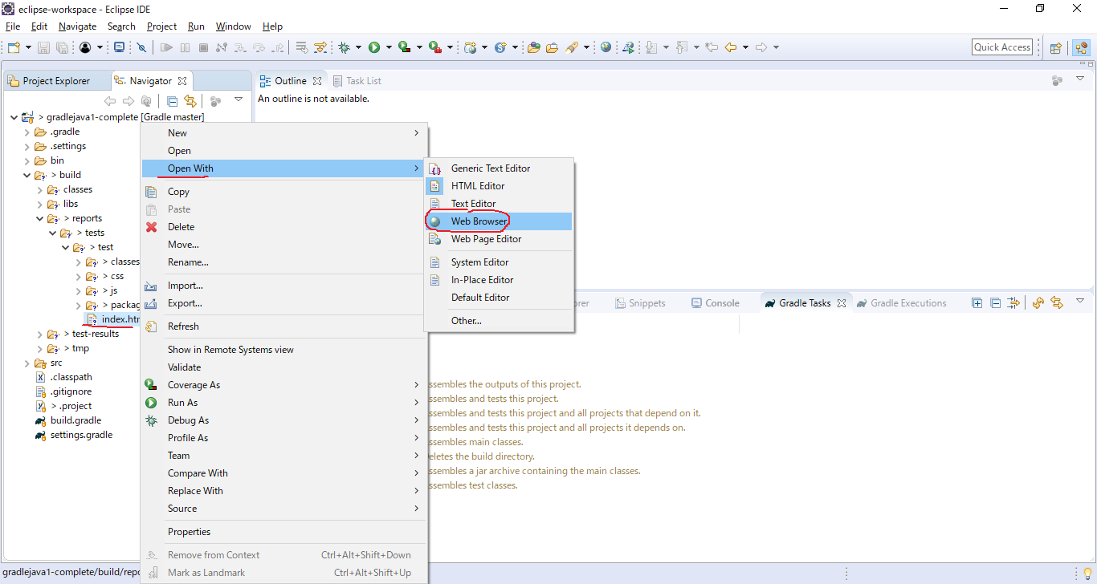

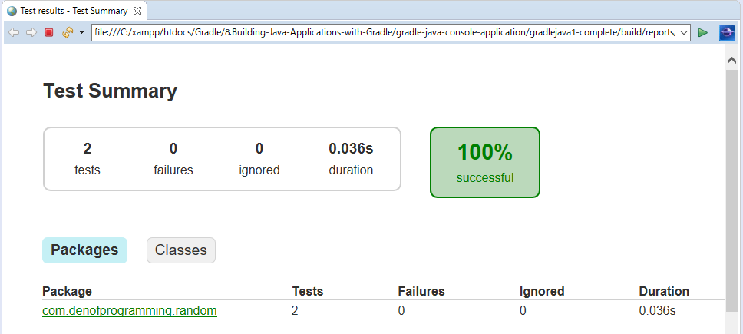

Run App

