Depends On
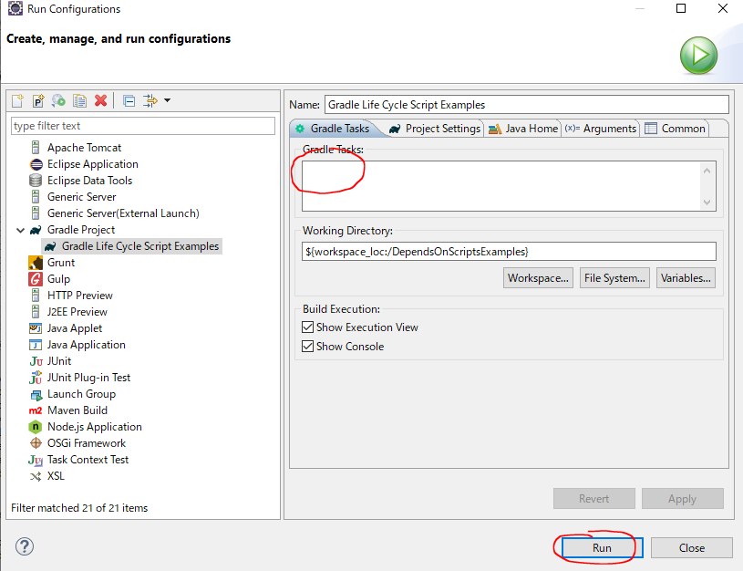
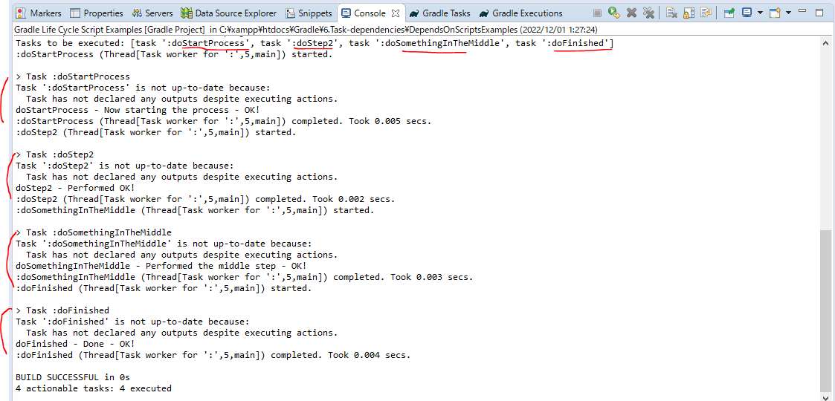
 | Something about how we can actually sequence tasks

構成
 | Gradle
 |  | 1.Setting-up
 |  |  | minGradleRequirements
 |  |  |  | build.gradle
 |  | 2.somethingGroovy
 |  | 3.Gradle-under-the-hood
 |  |  | GradleLifeCycleScriptExamples
 |  |  |  | build.gradle
 |  |  |  | settings.gradle
 |  | 4.Gradle-Properties
 |  |  | PropertiesScriptExamples
 |  |  |  | build.gradle
 |  |  |  | gradle.properties
 |  | 5.Tasks-and-Actions
 |  |  | TaskScriptExamples
 |  |  |  | build.gradle
 |  | 6.Task-dependencies |  |  | → | new
 |  |  | DependsOnScriptsExamples
 |  |  |  | build.gradle
 | C:\Users\vudinhquang\.gradle
 |  | init.d
 |  |  | another.gradle
 |  |  | init.gradle
 |  |  | zingAnother.gradle

Gradle\6.Task-dependencies\DependsOnScriptsExamples\build.gradle
 | defaultTasks 'doFinished'

 | logger.info ">>> build.gradle --> This is executed during the configuration phase - timestamp @ ${gradle.timestamp()}"

 | task doStartProcess {
 | doLast{
 | logger.info "$name - Now starting the process - OK!"
 | }
 | }

 | task doStep2{
 | doLast{
 | logger.info "$name - Performed OK!"
 | }
 | }

 | task doSomethingInTheMiddle (dependsOn: ['doStartProcess', 'doStep2']) { |  |  |  |  |  | → | doStartProcess → doStep2 → doSomethingInTheMiddle
 | doLast{
 | logger.info "$name - Performed the middle step - OK!"
 | }
 | }

 | task doFinished (dependsOn: ['doSomethingInTheMiddle', 'doStep2']) { |  |  |  |  |  | → | doSomethingInTheMiddle → doStep2 → doFinished
 | doLast{ |  |  |  |  |  |  | So we have order of process: doStartProcess → doStep2 → doSomethingInTheMiddle → doFinished
 | logger.info "$name - Done - OK!"
 | }
 | }

Test
 | ①Run doStartProcess
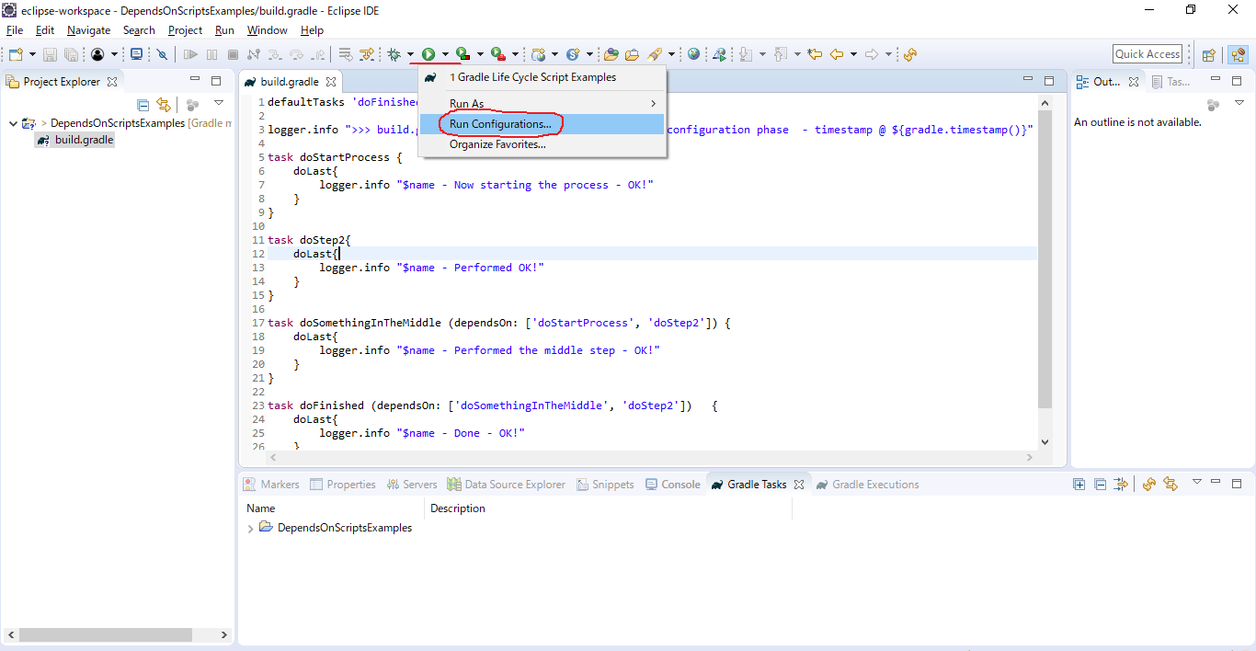

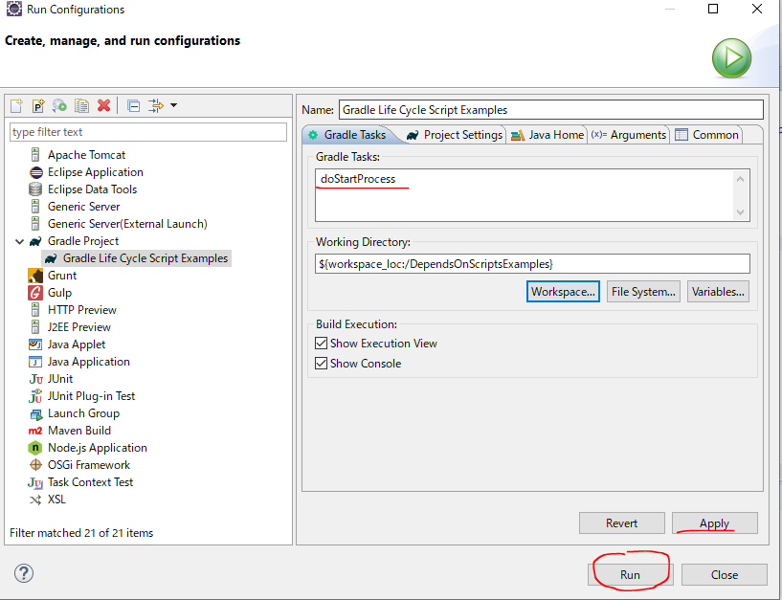

 | ②doFinished
 | We have order of process: doStartProcess → doStep2 → doSomethingInTheMiddle → doFinished

