Gradle Object Model
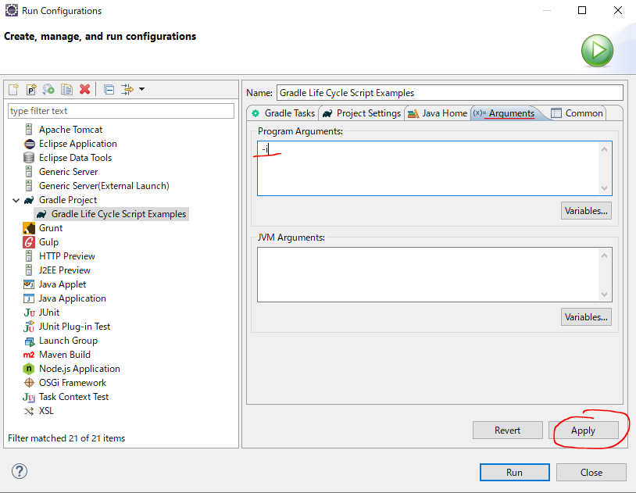
 | https://docs.gradle.org/current/dsl/org.gradle.api.Script.html#org.gradle.api.Script:logger
 | https://docs.gradle.org/4.3.1/dsl/org.gradle.api.Script.html#org.gradle.api.Script:logger
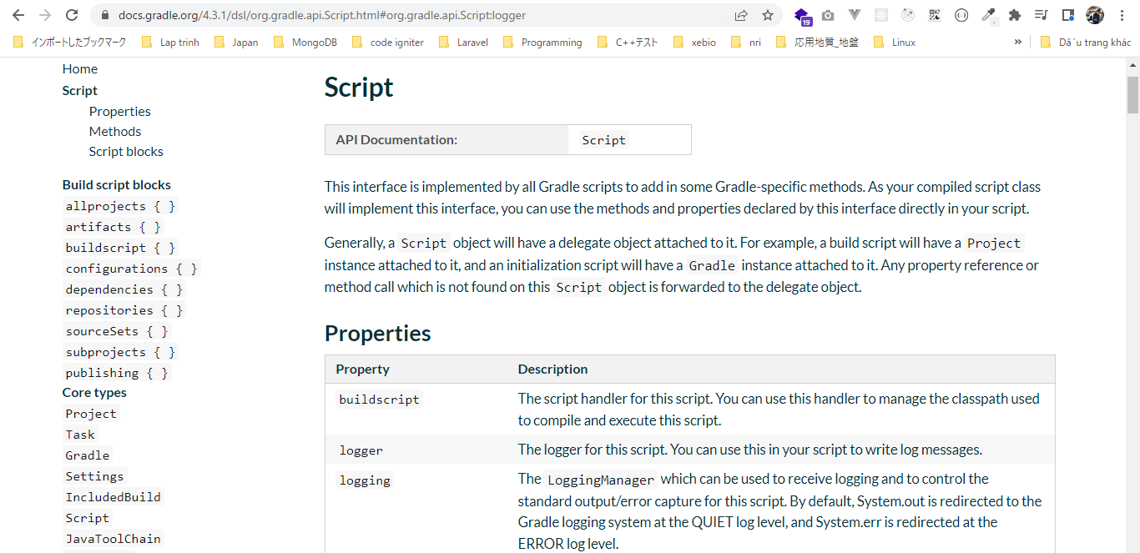

構成
 | Gradle
 |  | 1.Setting-up
 |  |  | minGradleRequirements
 |  |  |  | build.gradle
 |  | 2.somethingGroovy
 |  | 3.Gradle-under-the-hood |  |  |  |  | → | new project
 |  |  | GradleLifeCycleScriptExamples
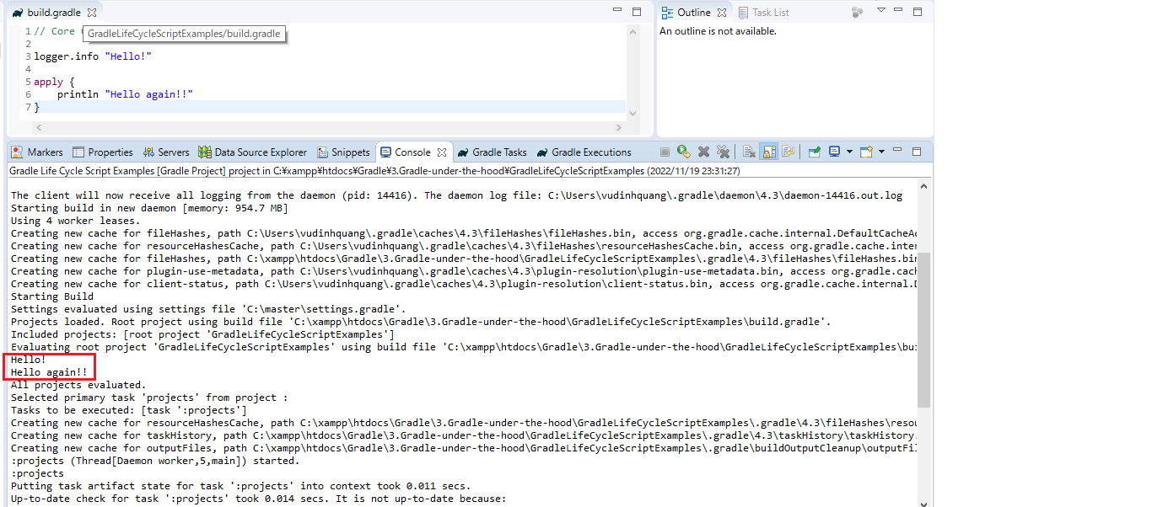
 |  |  |  | build.gradle

Gradle\3.Gradle-under-the-hood\GradleLifeCycleScriptExamples\build.gradle
 | // Core Gradle Objects

 | logger.info "Hello!" |  |  |  | → | We need to set or program arguments for gradle when we use logging to turn logging on, that arguments is "-i"

 | apply { |  |  |  | → | apply method takes a closure
 | println "Hello again!!"
 | }

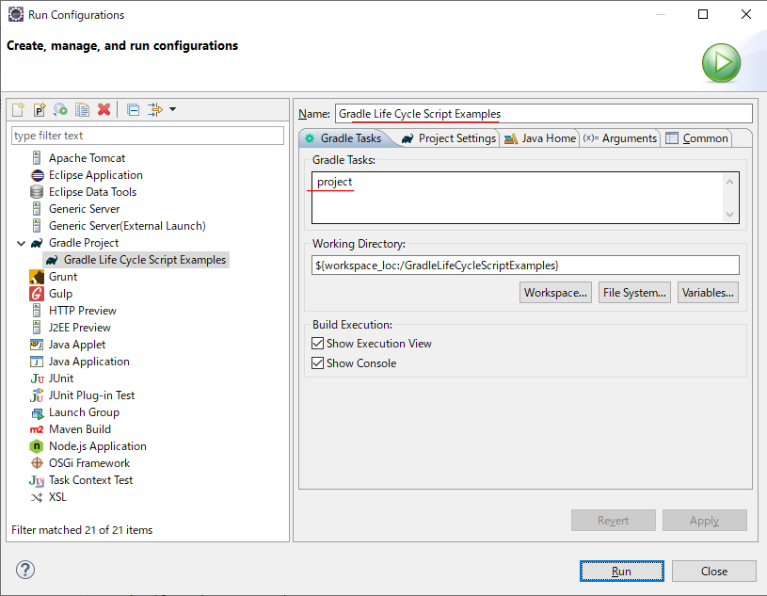

Set arguments "-i"

Gradle Lifecycle
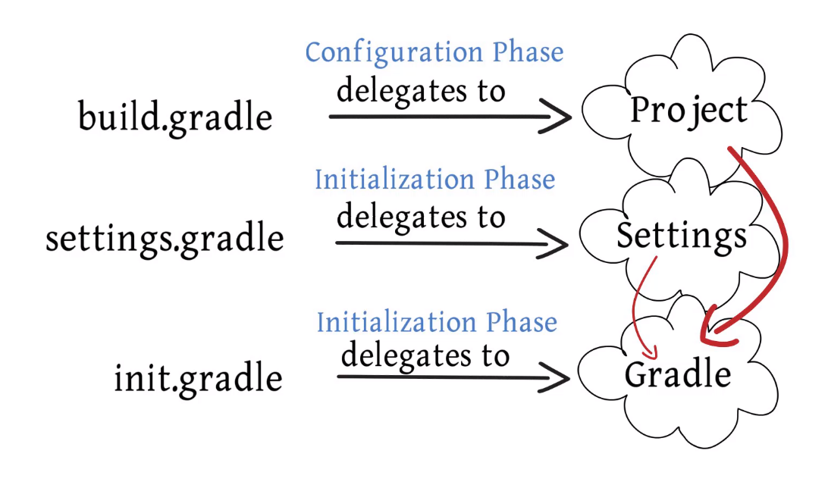
Gradle build has three distinct phases: Initialization, Configuration, Execution
①Initialization: Gradle supports both single and muti project builds and during the initialization phase that determines which projects are actually going to take part in the build creates a project
instance for each of these projects. This phase maps to one or more build script file
②Configuration: Every project needs to build gradle file which contains the build configuration script which gets executed
③Execution: This phase is where the actual build gets performed
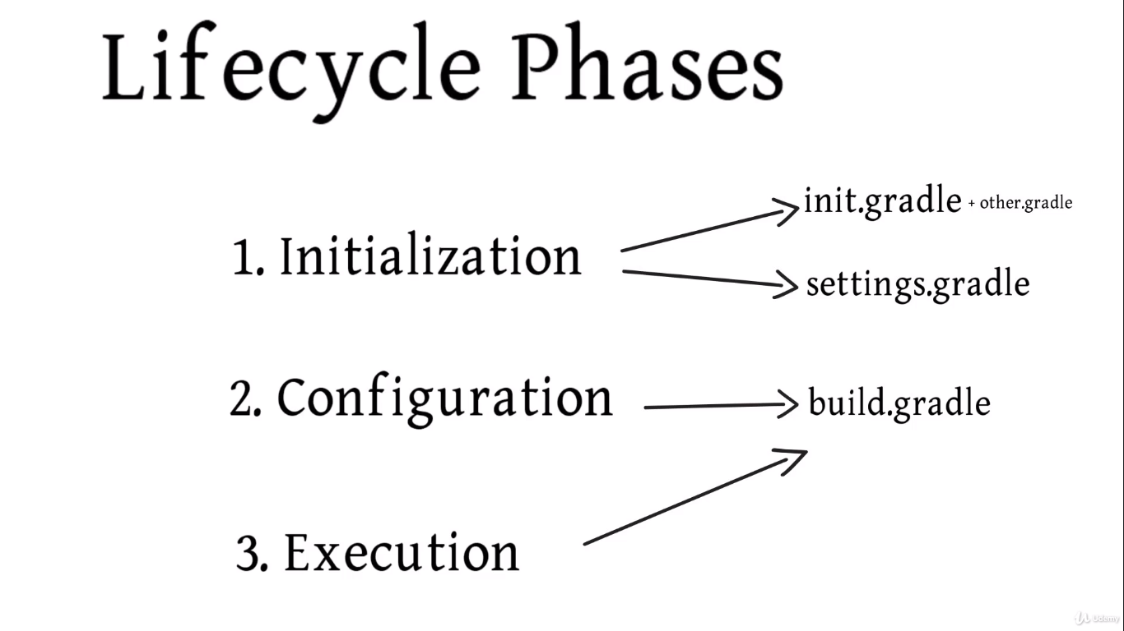

 | Configuration and Execution also rely on build.gradle file

GradleObjectModeAndGradleObject
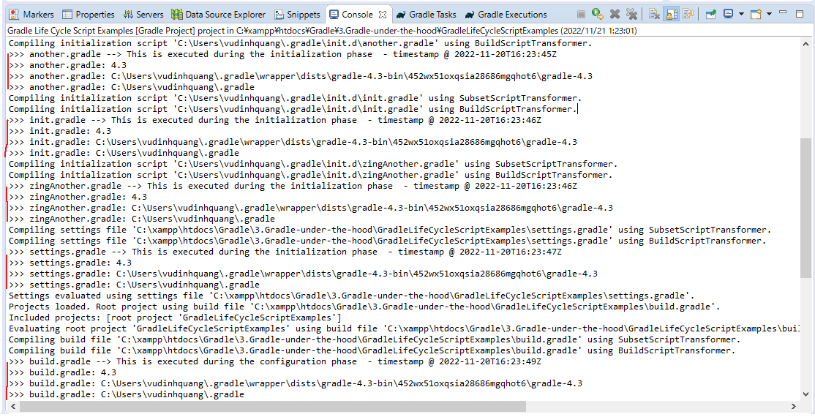
 |  |  |  |  |  |  |  | When we run build.gradle Gradle actually instantiate an object that
 |  |  |  |  |  |  |  | implements the Script interface. We can access whole bunch of properties
 |  |  |  |  |  |  |  | and methods. We also can access to another object called the delegate
 |  |  |  |  |  |  |  | delegate can change depending on which part of the build lifecycle we
 |  |  |  |  |  |  |  | happen to be in. For example we are in the actual configuration phase
 |  |  |  |  |  |  |  | and we are working on our build gradle file, delegate to Project interface
 |  |  |  |  |  |  |  | So in build.gradle file we can access to Script interface(properties and methods)
 |  |  |  |  |  |  |  | and we can access to delegate which is Project object(properties and methods)

 |  |  |  |  |  |  |  | settings.gradle: Can access to Script and Settings object

 |  |  |  |  |  |  |  | ini.gradle: Can access to Script and Gradle object

 | Gradle
 | https://docs.gradle.org/4.3/dsl/org.gradle.api.invocation.Gradle.html
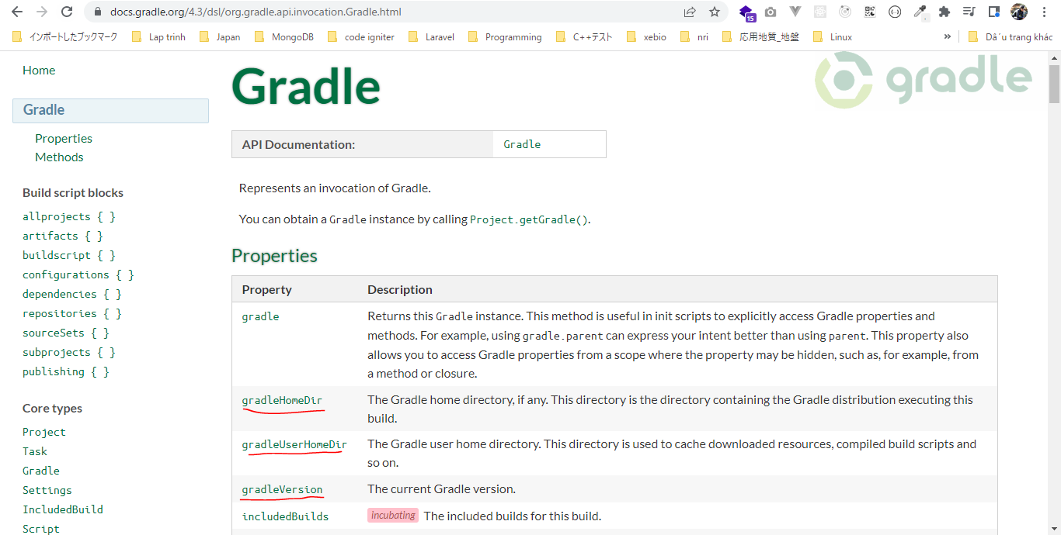

構成
 | Gradle
 |  | 1.Setting-up
 |  |  | minGradleRequirements
 |  |  |  | build.gradle
 |  | 2.somethingGroovy
 |  | 3.Gradle-under-the-hood
 |  |  | GradleLifeCycleScriptExamples
 |  |  |  | build.gradle | → | code(build.gradle for having Project object as delegate)
 |  |  |  | settings.gradle | → | code
 | C:\Users\vudinhquang\.gradle
 |  | init.d
 |  |  | another.gradle |  | → | code
 |  |  | init.gradle |  | → | code
 |  |  | zingAnother.gradle |  | → | code

Gradle\3.Gradle-under-the-hood\GradleLifeCycleScriptExamples\build.gradle
 | // Core Gradle Objects
 | /*
 | logger.info "Hello!"

 | apply {
 | println "Hello again!!"
 | }
 | */
 | println ">>> build.gradle --> This is executed during the configuration phase - timestamp @ ${gradle.timestamp()}" |  |  |  |  |  | → | in build.gradle file we are actually accessing the project object
 |  |  |  |  |  |  |  | so we do not have to write the full project.gradle.timestamp() means
 | logger.info ">>> build.gradle: $project.gradle.gradleVersion" |  |  |  |  |  |  | we are accessing delicate object of project(gradle), then the property of
 | logger.info ">>> build.gradle: $project.gradle.gradleHomeDir" |  |  |  |  |  |  | gradle(timestamps())
 | logger.info ">>> build.gradle: $project.gradle.gradleUserHomeDir"
 |  |  |  |  |  |  |  | We can write in a shorthand by removing the reference to project:
 |  |  |  |  |  |  |  | $gradle.gradleVersion
Gradle\3.Gradle-under-the-hood\GradleLifeCycleScriptExamples\settings.gradle |  |  |  |  |  |  |  | $gradle.gradleHomeDir
 | println ">>> settings.gradle --> This is executed during the initialization phase - timestamp @ ${gradle.timestamp()}" |  |  |  |  |  |  | $gradle.gradleUserHomeDir
 |  |  |  |  |  |  |  | We can write in a shorthand by removing the reference to settings:
 | logger.info ">>> settings.gradle: $gradle.gradleVersion" |  |  |  |  |  |  | $settings.gradle.gradleVersion
 | logger.info ">>> settings.gradle: $gradle.gradleHomeDir" |  |  |  |  |  |  | $settings.gradle.gradleHomeDir
 | logger.info ">>> settings.gradle: $gradle.gradleUserHomeDir" |  |  |  |  |  |  | $settings.gradle.gradleUserHomeDir

C:\Users\vudinhquang\.gradle\init.d\another.gradle
 | import java.text.*

 | gradle.ext.timestamp = {
 | def df = new SimpleDateFormat("yyyy-MM-dd'T'HH:mm:ss'Z'")
 | df.setTimeZone(TimeZone.getTimeZone("UTC"))
 | return df.format(new Date())
 | }

 | println ">>> another.gradle --> This is executed during the initialization phase - timestamp @ ${gradle.timestamp()}"

 | logger.info ">>> another.gradle: $gradleVersion"
 | logger.info ">>> another.gradle: $gradleHomeDir"
 | logger.info ">>> another.gradle: $gradleUserHomeDir"

C:\Users\vudinhquang\.gradle\init.d\init.gradle
 | println ">>> init.gradle --> This is executed during the initialization phase - timestamp @ ${gradle.timestamp()}"
 |  |  |  |  |  |  |  | We can remove the reference to delegate object which is Gradle and we can access properties directly
 | logger.info ">>> init.gradle: $gradleVersion" |  |  |  |  |  | → | $gradle.gradleVersion
 | logger.info ">>> init.gradle: $gradleHomeDir" |  |  |  |  |  | → | $gradle.gradleHomeDir
 | logger.info ">>> init.gradle: $gradleUserHomeDir" |  |  |  |  |  | → | $gradle.gradleUserHomeDir

C:\Users\vudinhquang\.gradle\init.d\zingAnother.gradle
 | println ">>> zingAnother.gradle --> This is executed during the initialization phase - timestamp @ ${gradle.timestamp()}"

 | logger.info ">>> zingAnother.gradle: $gradleVersion"
 | logger.info ">>> zingAnother.gradle: $gradleHomeDir"
 | logger.info ">>> zingAnother.gradle: $gradleUserHomeDir"

Project object
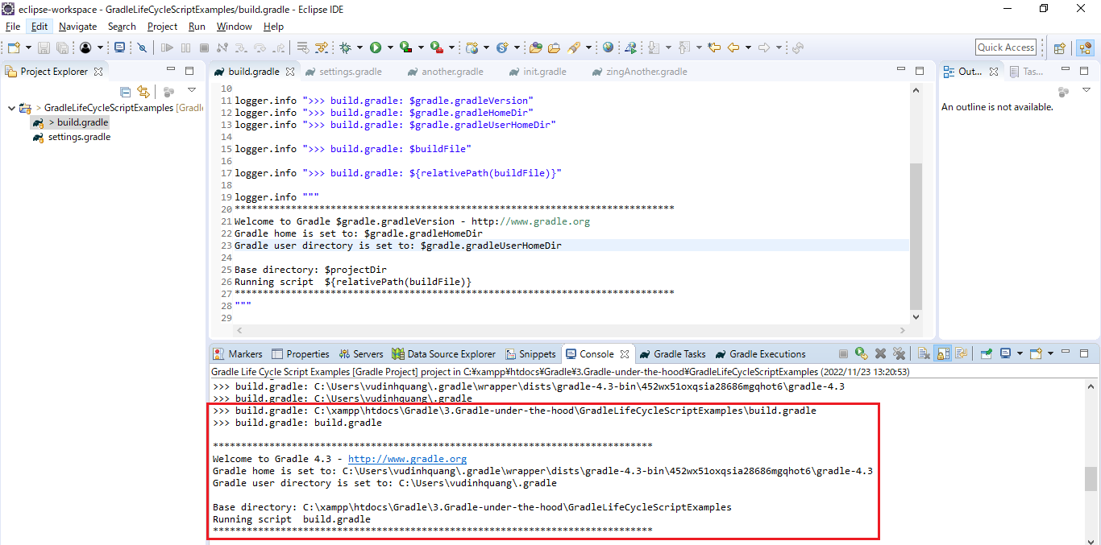
 | Project
 | https://docs.gradle.org/4.3.1/javadoc/org/gradle/api/Project.html

構成
 | Gradle
 |  | 1.Setting-up
 |  |  | minGradleRequirements
 |  |  |  | build.gradle
 |  | 2.somethingGroovy
 |  | 3.Gradle-under-the-hood
 |  |  | GradleLifeCycleScriptExamples
 |  |  |  | build.gradle | → | code
 |  |  |  | settings.gradle
 | C:\Users\vudinhquang\.gradle
 |  | init.d
 |  |  | another.gradle
 |  |  | init.gradle
 |  |  | zingAnother.gradle

Gradle\3.Gradle-under-the-hood\GradleLifeCycleScriptExamples\build.gradle
 | // Core Gradle Objects
 | /*
 | logger.info "Hello!"

 | apply {
 | println "Hello again!!"
 | }
 | */
 | println ">>> build.gradle --> This is executed during the configuration phase - timestamp @ ${gradle.timestamp()}"

 | logger.info ">>> build.gradle: $gradle.gradleVersion"
 | logger.info ">>> build.gradle: $gradle.gradleHomeDir"
 | logger.info ">>> build.gradle: $gradle.gradleUserHomeDir"

 | logger.info ">>> build.gradle: $buildFile" |  |  |  |  |  | → | We can write in a shorthand by removing the reference to project:
 |  |  |  |  |  |  |  | $project.buildFile
 | logger.info ">>> build.gradle: ${relativePath(buildFile)}" |  |  |  |  |  |  | ${project.relativePath(project.buildFile)}

 | logger.info """ |  |  |  |  |  | → | Multi line
 | ******************************************************************************
 | Welcome to Gradle $gradle.gradleVersion - http://www.gradle.org
 | Gradle home is set to: $gradle.gradleHomeDir
 | Gradle user directory is set to: $gradle.gradleUserHomeDir

 | Base directory: $projectDir
 | Running script ${relativePath(buildFile)}
 | ******************************************************************************
 | """

