3rd Part Dependencies
 | https://docs.gradle.org/current/userguide/declaring_repositories.html
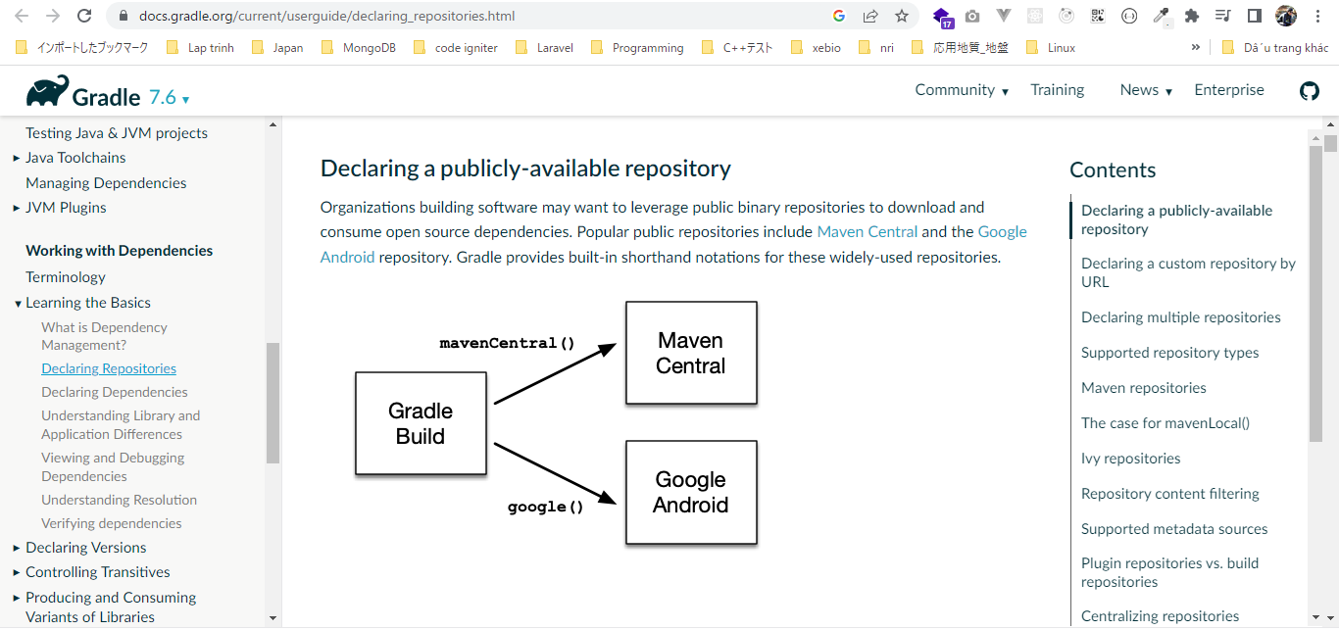

 | repositories
 | Gradle Build Language Reference
 | https://docs.gradle.org/current/dsl/index.html
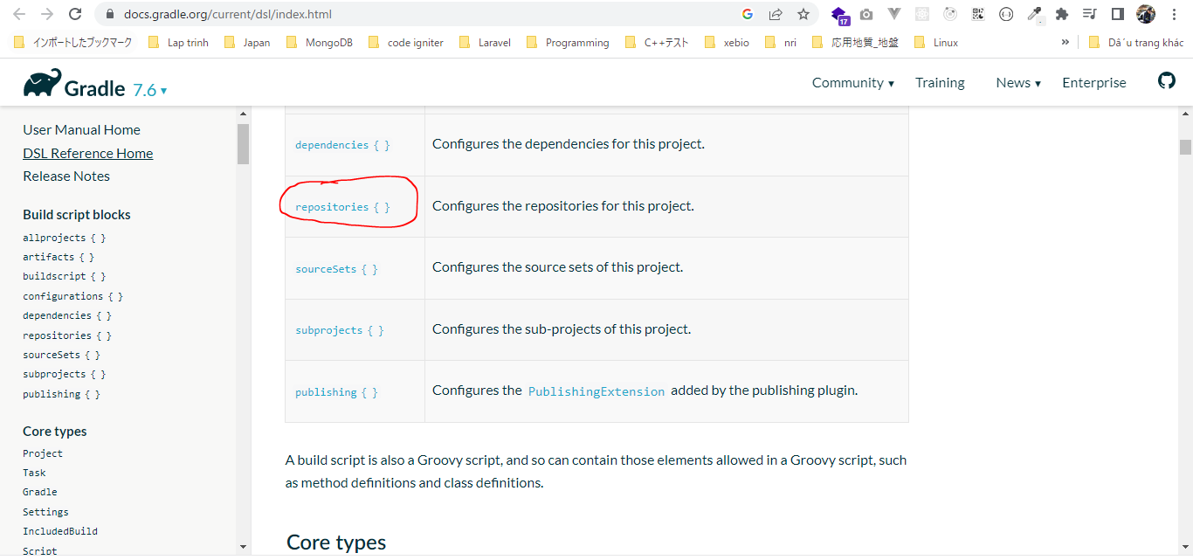

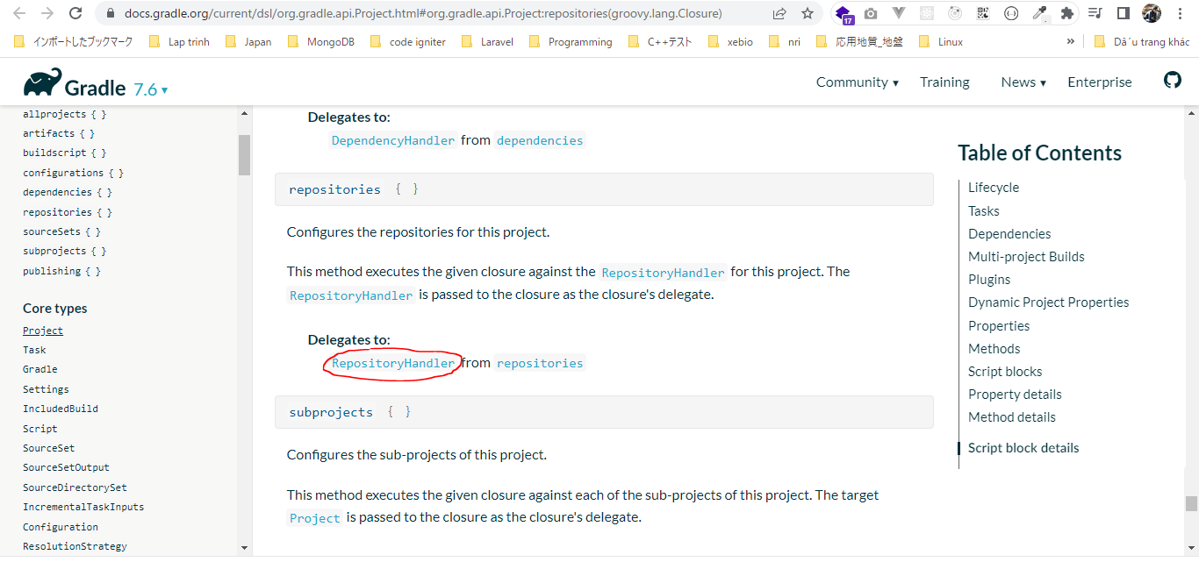

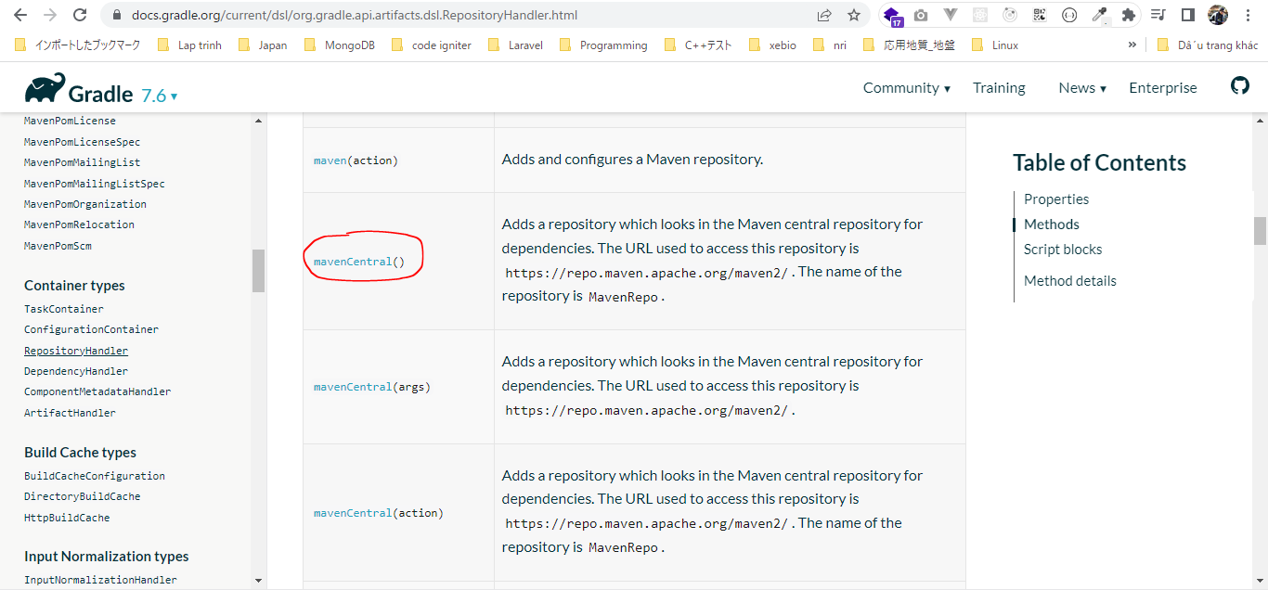

 | dependencies
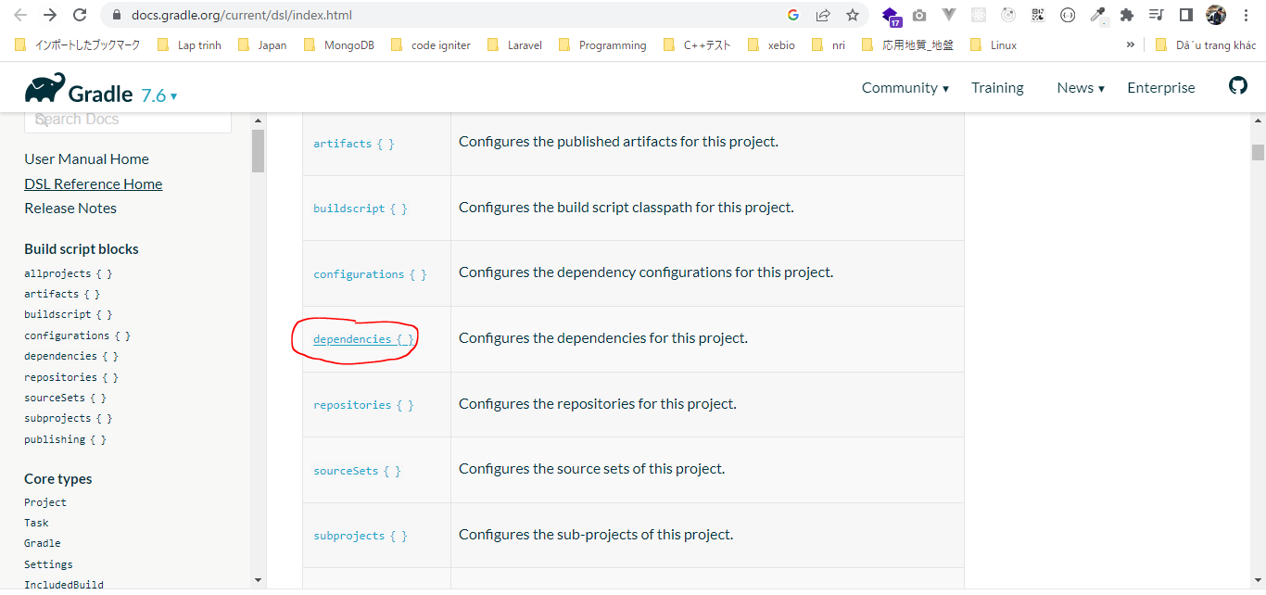

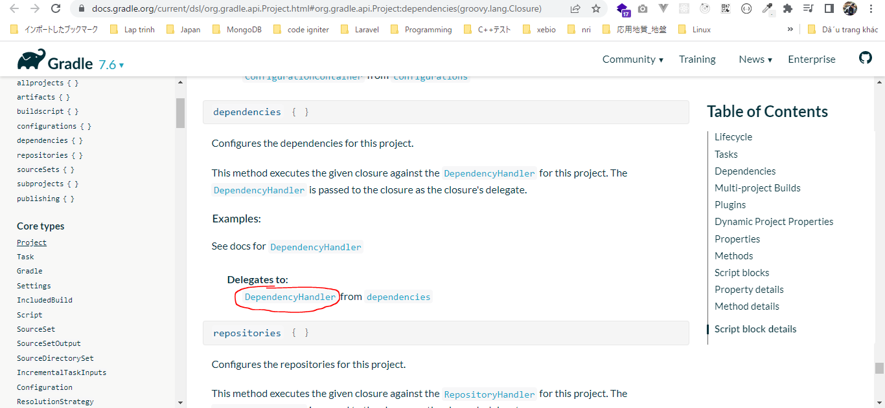

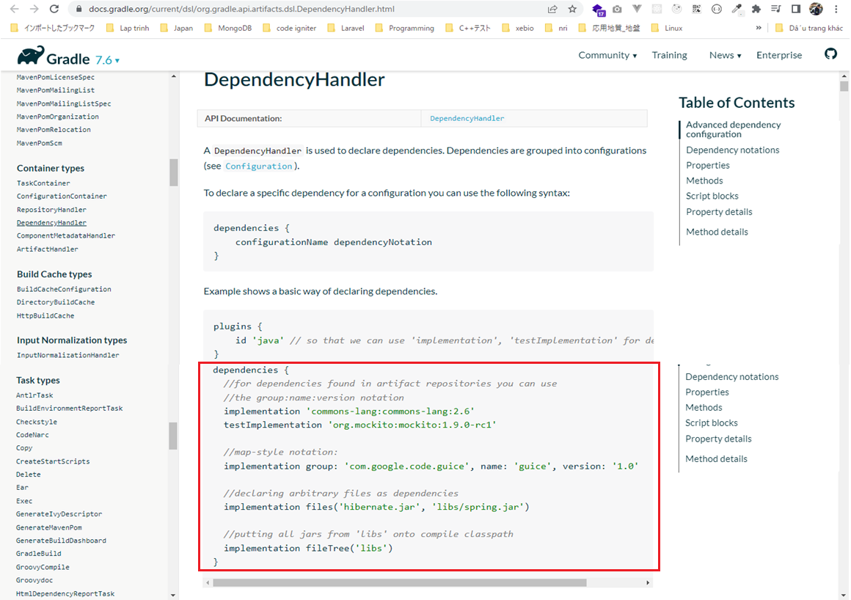

 | commons-math3
 | https://mvnrepository.com/
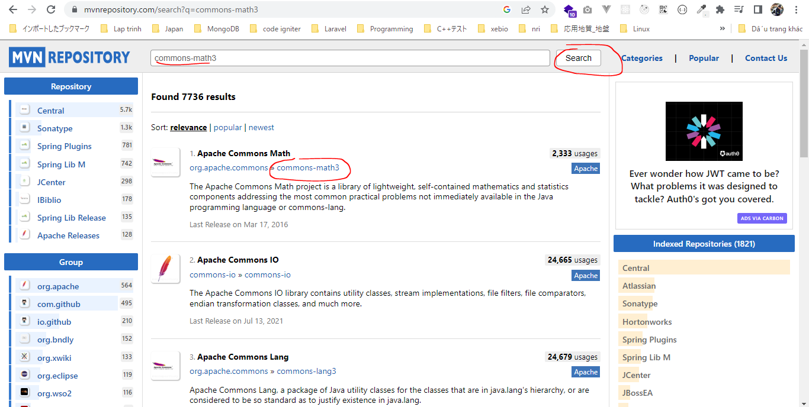

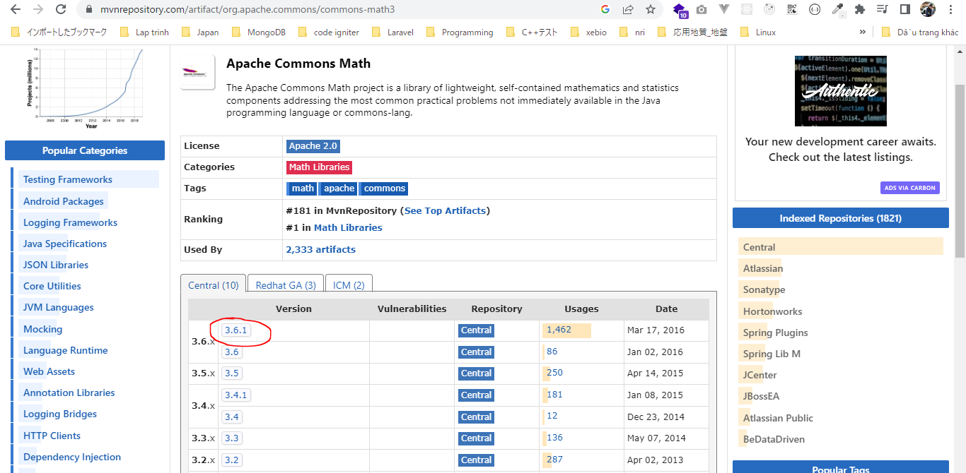

 | implementation group: 'org.apache.commons', name: 'commons-math3', version: '3.6.1'
 | =
 | implementation 'org.apache.commons:commons-math3:6.1'

 | junit
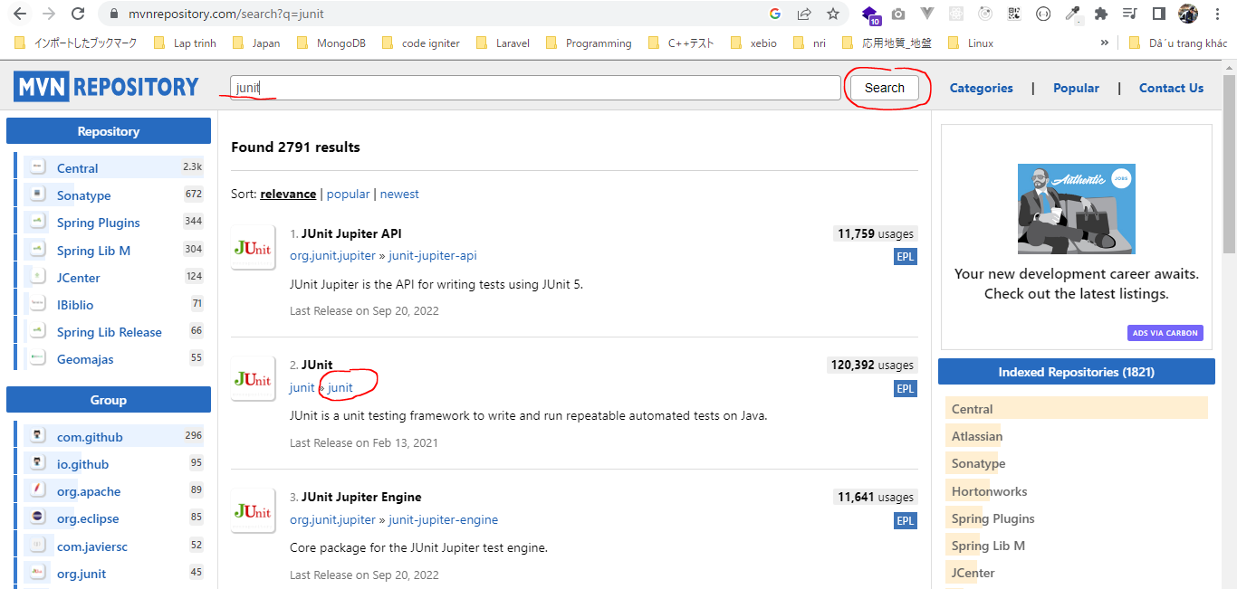

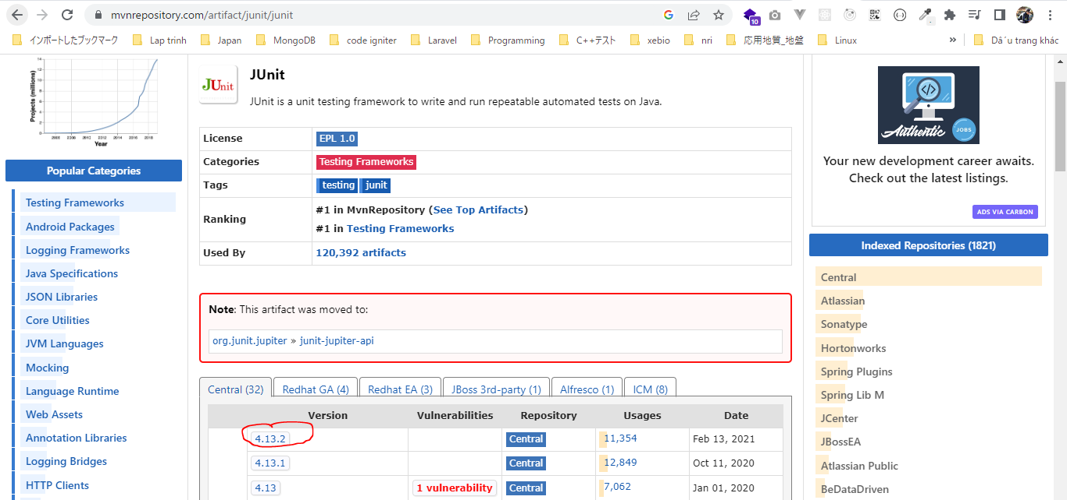

 | testImplementation group: 'junit', name: 'junit', version: '4.13.2'
 | =
 | testImplementation 'junit:junit:4.13.2'

構成
 | Gradle
 |  | 1.Setting-up
 |  |  | minGradleRequirements
 |  |  |  | build.gradle
 |  | 2.somethingGroovy
 |  | 3.Gradle-under-the-hood
 |  |  | GradleLifeCycleScriptExamples
 |  |  |  | build.gradle
 |  |  |  | settings.gradle
 |  | 4.Gradle-Properties
 |  |  | PropertiesScriptExamples
 |  |  |  | build.gradle
 |  |  |  | gradle.properties
 |  | 5.Tasks-and-Actions
 |  |  | TaskScriptExamples
 |  |  |  | build.gradle
 |  | 6.Task-dependencies
 |  |  | 1.DependsOnScriptsExamples
 |  |  |  | build.gradle
 |  |  | 2.DependsOnGraphScriptsExamples
 |  |  |  | build.gradle
 |  | 7.Plugin
 |  |  | MyJavaGradleproject
 |  |  |  | build.gradle
 |  | 8.Building-Java-Applications-with-Gradle |  |  |  | → | New
 |  |  | gradle-java-console-application
 |  |  |  | gradlejava1-complete
 |  |  |  |  | build.gradle
 | C:\Users\vudinhquang\.gradle
 |  | init.d
 |  |  | another.gradle
 |  |  | init.gradle
 |  |  | zingAnother.gradle

Gradle\8.Building-Java-Applications-with-Gradle\gradle-java-console-application\gradlejava1-complete\build.gradle
 | plugins {
 | id 'java'
 | }

 | repositories{
 | mavenCentral()
 | }

 | dependencies {
 | implementation 'org.apache.commons:commons-math3:3.2'
 | testImplementation 'junit:junit:4.11'
 | }

BuildingOur1stJavaApplication
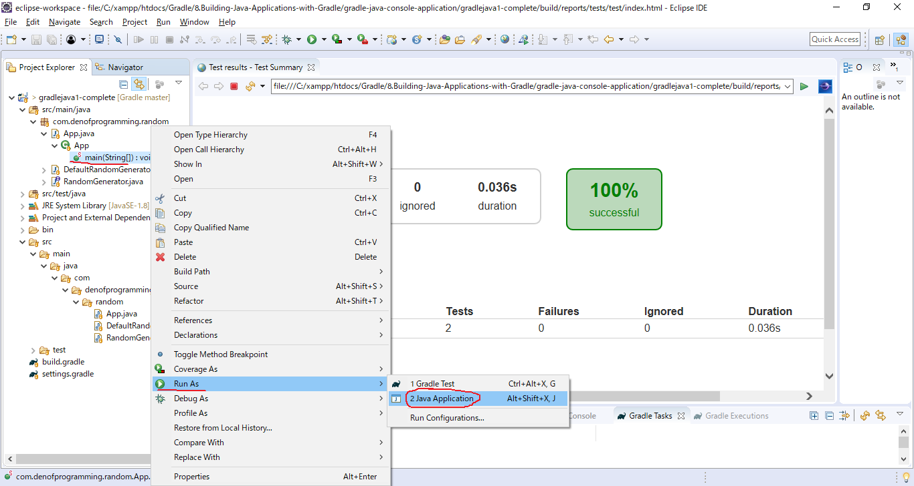
構成
 | Gradle
 |  | 1.Setting-up
 |  |  | minGradleRequirements
 |  |  |  | build.gradle
 |  | 2.somethingGroovy
 |  | 3.Gradle-under-the-hood
 |  |  | GradleLifeCycleScriptExamples
 |  |  |  | build.gradle
 |  |  |  | settings.gradle
 |  | 4.Gradle-Properties
 |  |  | PropertiesScriptExamples
 |  |  |  | build.gradle
 |  |  |  | gradle.properties
 |  | 5.Tasks-and-Actions
 |  |  | TaskScriptExamples
 |  |  |  | build.gradle
 |  | 6.Task-dependencies
 |  |  | 1.DependsOnScriptsExamples
 |  |  |  | build.gradle
 |  |  | 2.DependsOnGraphScriptsExamples
 |  |  |  | build.gradle
 |  | 7.Plugin
 |  |  | MyJavaGradleproject
 |  |  |  | build.gradle
 |  | 8.Building-Java-Applications-with-Gradle
 |  |  | gradle-java-console-application
 |  |  |  | gradlejava1-complete
 |  |  |  |  | src
 |  |  |  |  |  | main
 |  |  |  |  |  |  | java
 |  |  |  |  |  |  |  | com
 |  |  |  |  |  |  |  |  | denofprogramming
 |  |  |  |  |  |  |  |  |  | random
 |  |  |  |  |  |  |  |  |  |  | App.java
 |  |  |  |  |  |  |  |  |  |  | DefaultRandomGenerator.java
 |  |  |  |  |  |  |  |  |  |  | RandomGenerator.java
 |  |  |  |  |  | test
 |  |  |  |  |  |  | java
 |  |  |  |  |  |  |  | com
 |  |  |  |  |  |  |  |  | denofprogramming
 |  |  |  |  |  |  |  |  |  | random
 |  |  |  |  |  |  |  |  |  |  | RandomGeneratorTest.java
 |  |  |  |  | build.gradle
 | C:\Users\vudinhquang\.gradle
 |  | init.d
 |  |  | another.gradle
 |  |  | init.gradle
 |  |  | zingAnother.gradle

Gradle\8.Building-Java-Applications-with-Gradle\gradle-java-console-application\gradlejava1-complete\build.gradle
 | plugins {
 | id 'java'
 | }

 | repositories{
 | mavenCentral()
 | }

 | dependencies {
 | implementation 'org.apache.commons:commons-math3:3.2'
 | testImplementation 'junit:junit:4.11'
 | }

Gradle\8.Building-Java-Applications-with-Gradle\gradle-java-console-application\gradlejava1-complete\src\main\java\com\denofprogramming\random\App.java
 | package com.denofprogramming.random;

 | /**
 | *
 | *
 | */
 | public class App
 | {
 | public static void main(String[] args)
 | {

 | RandomGenerator aRandomGenerator = new DefaultRandomGenerator();
 | System.out.println("The number is :" + aRandomGenerator.generate());

 | }
 | }

clean Task
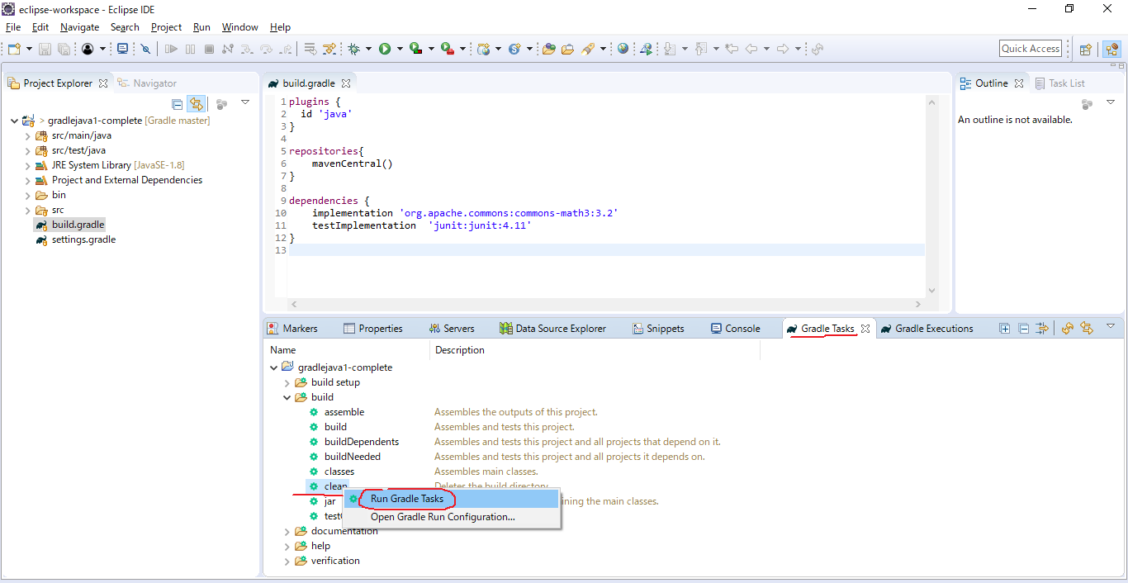

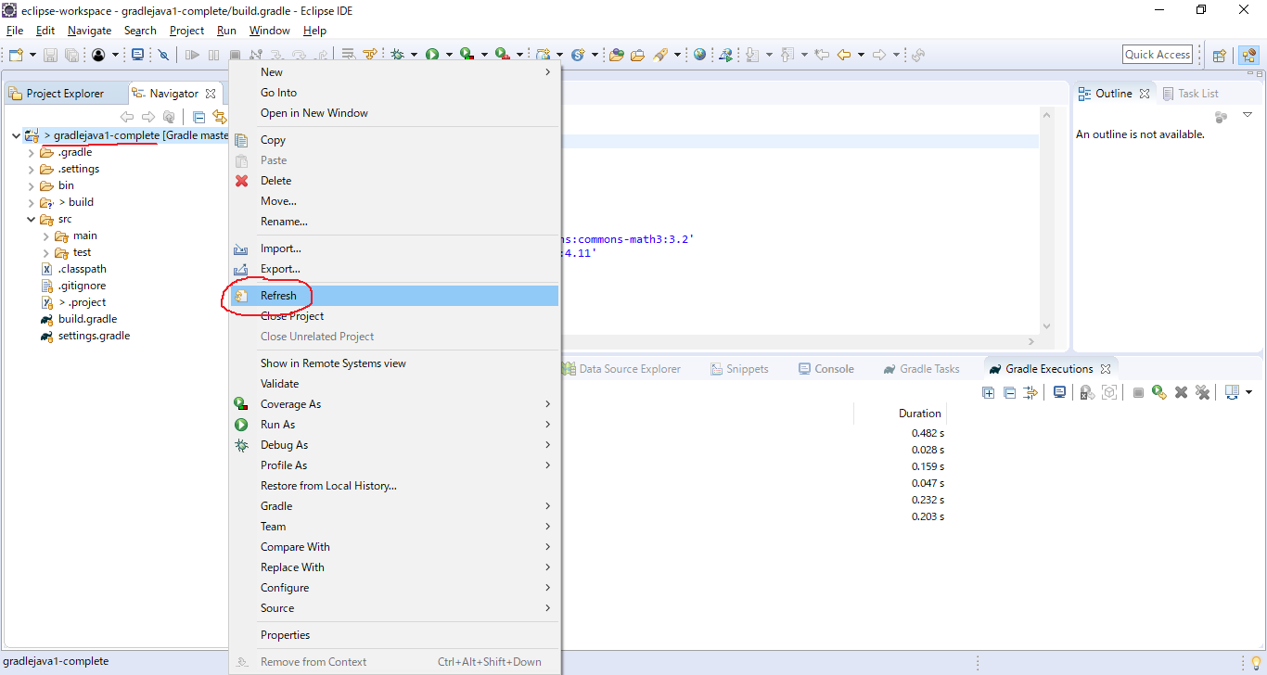

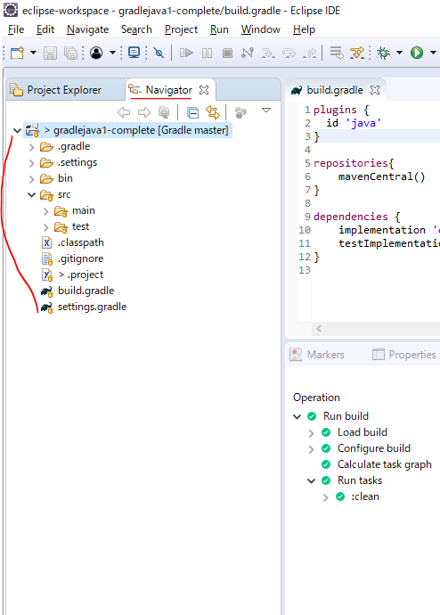

build Task
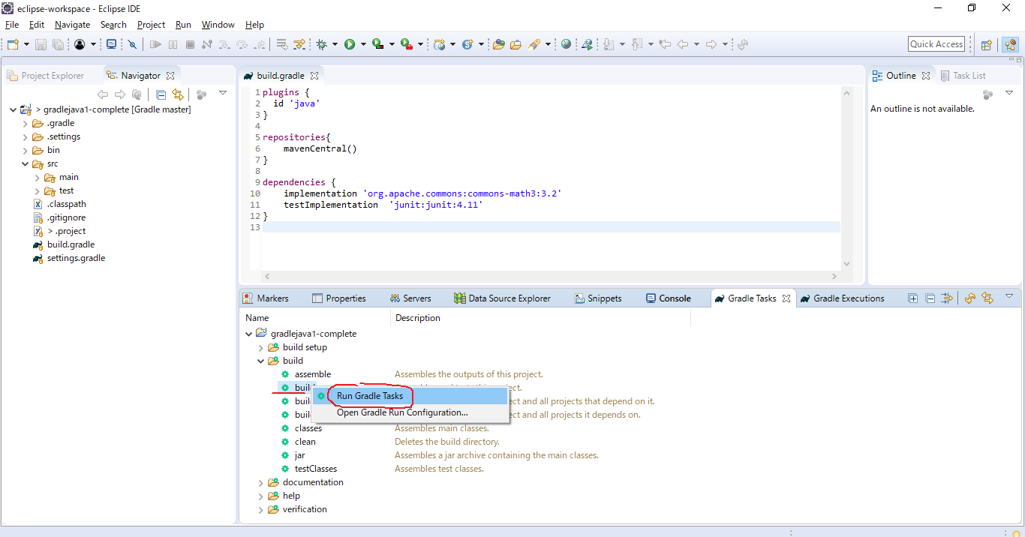

 | Now the task job actually builds as a jar file, which contains our application
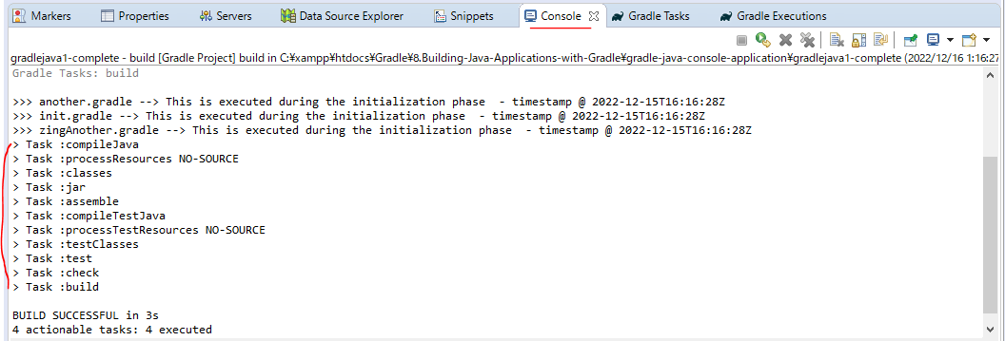

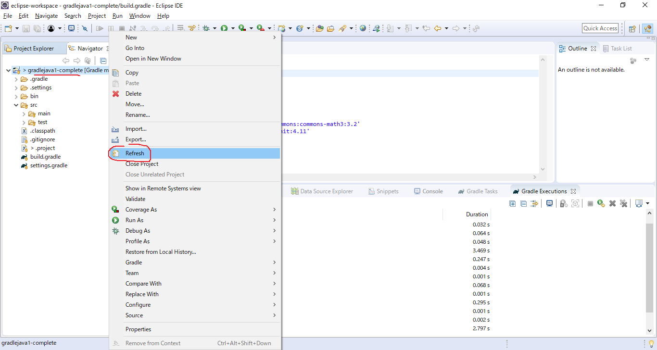

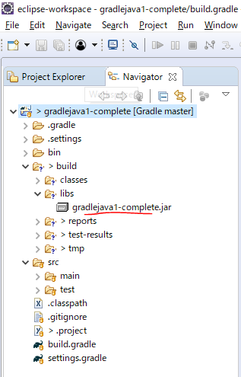

ZipEditor
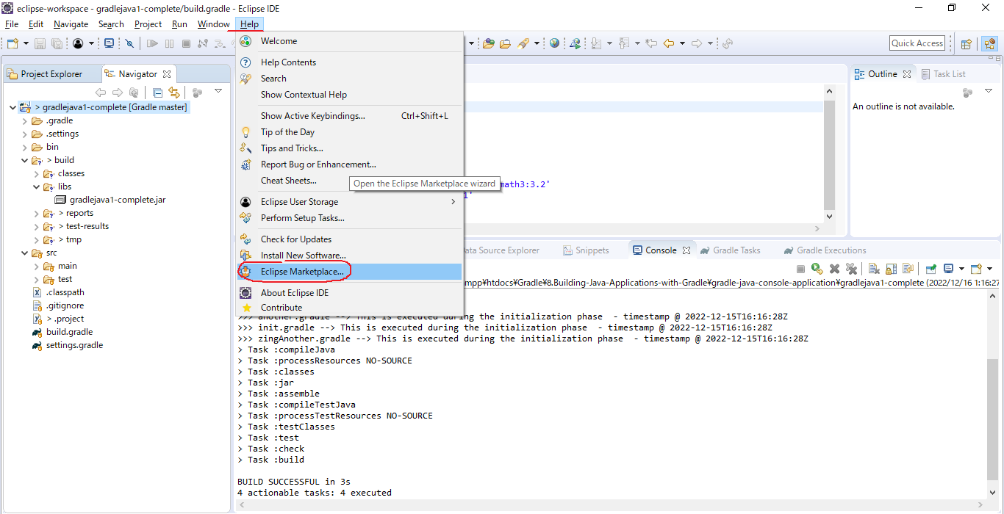

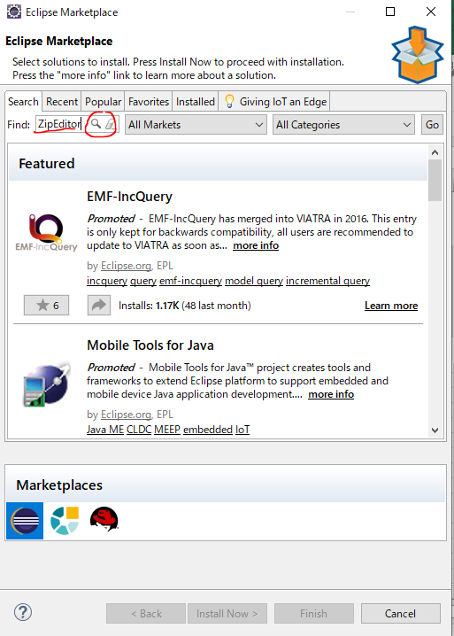

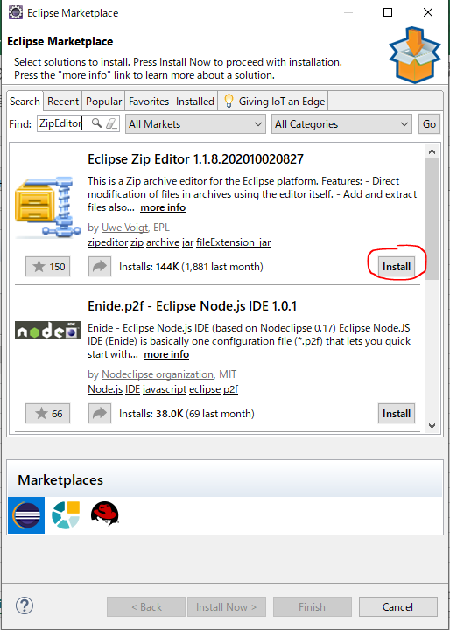

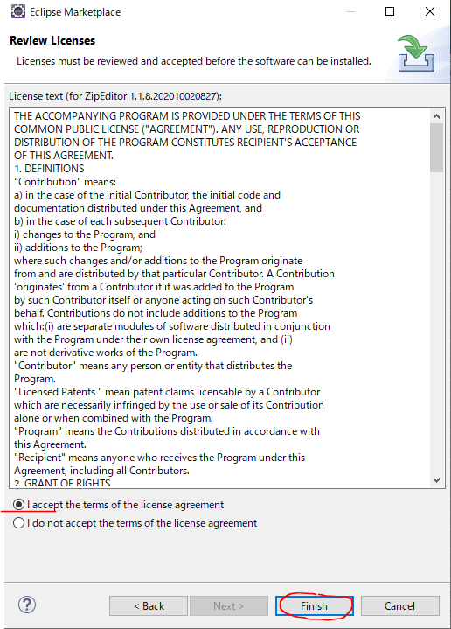

 | Check ZipEditor installed
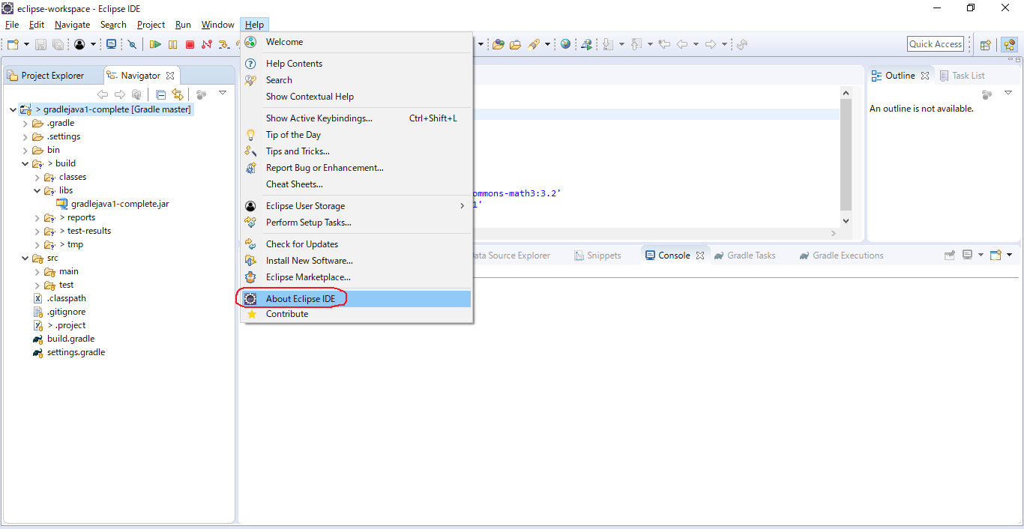

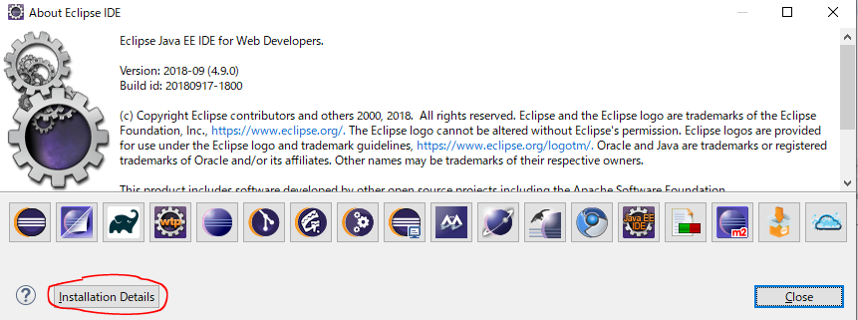

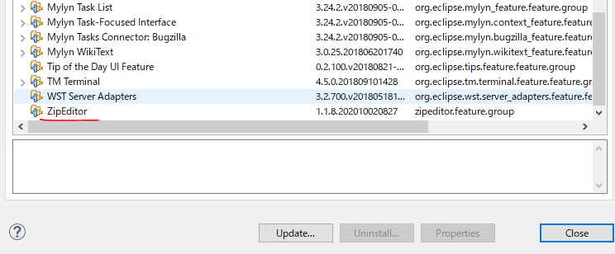

 | Now we can actually see the contents of jar file we can see that we have got our compile classes and also a folder
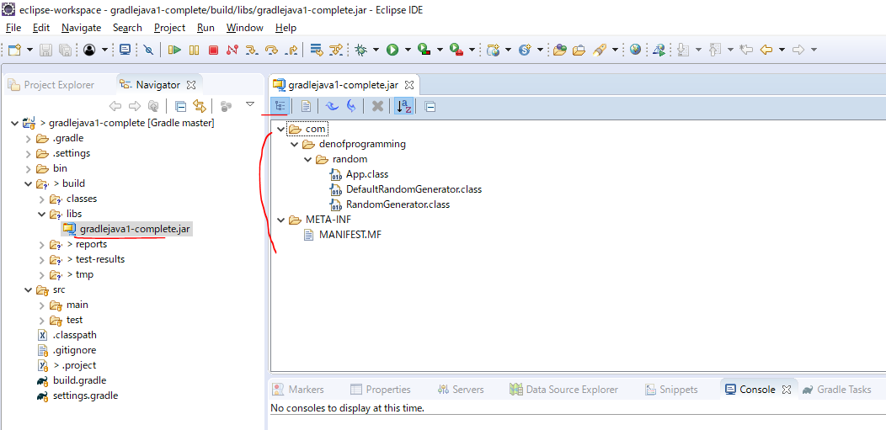

report
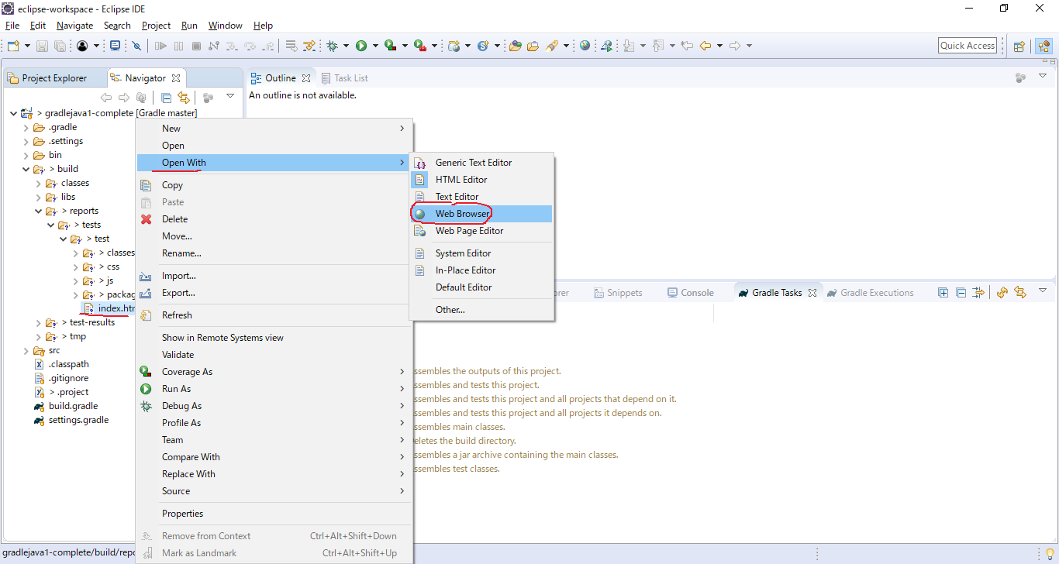

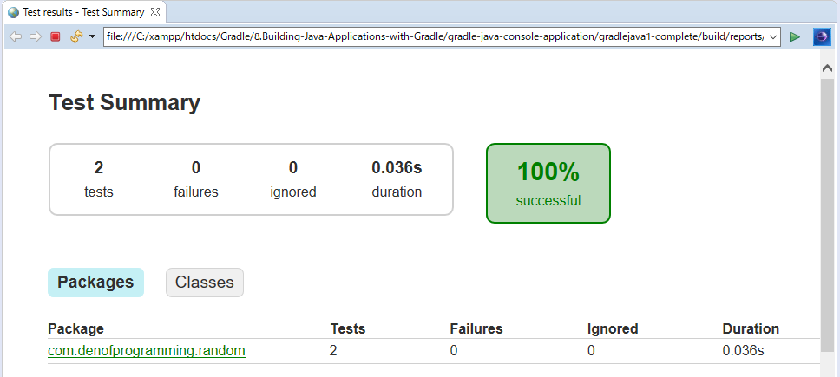

Run App

Assembling our Java application
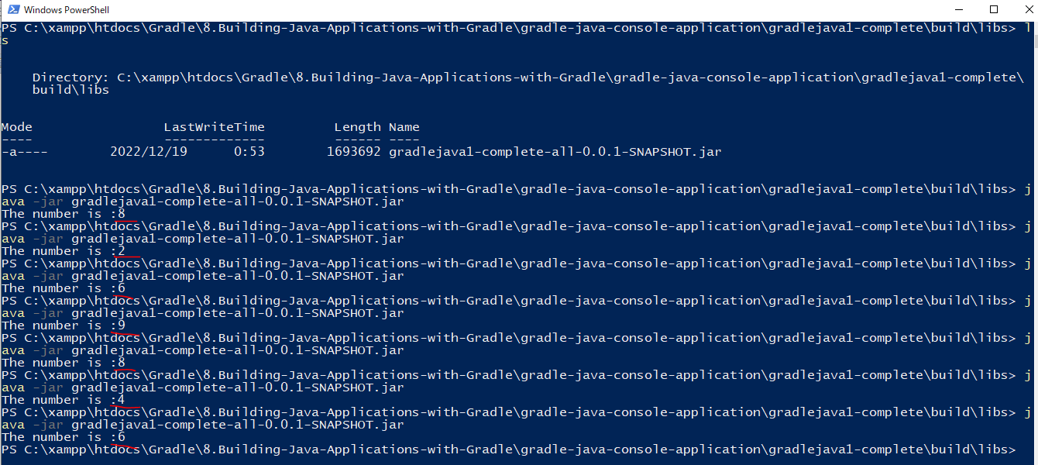
 | https://docs.gradle.org/current/dsl/org.gradle.api.tasks.bundling.Jar.html#org.gradle.api.tasks.bundling.Jar:baseName
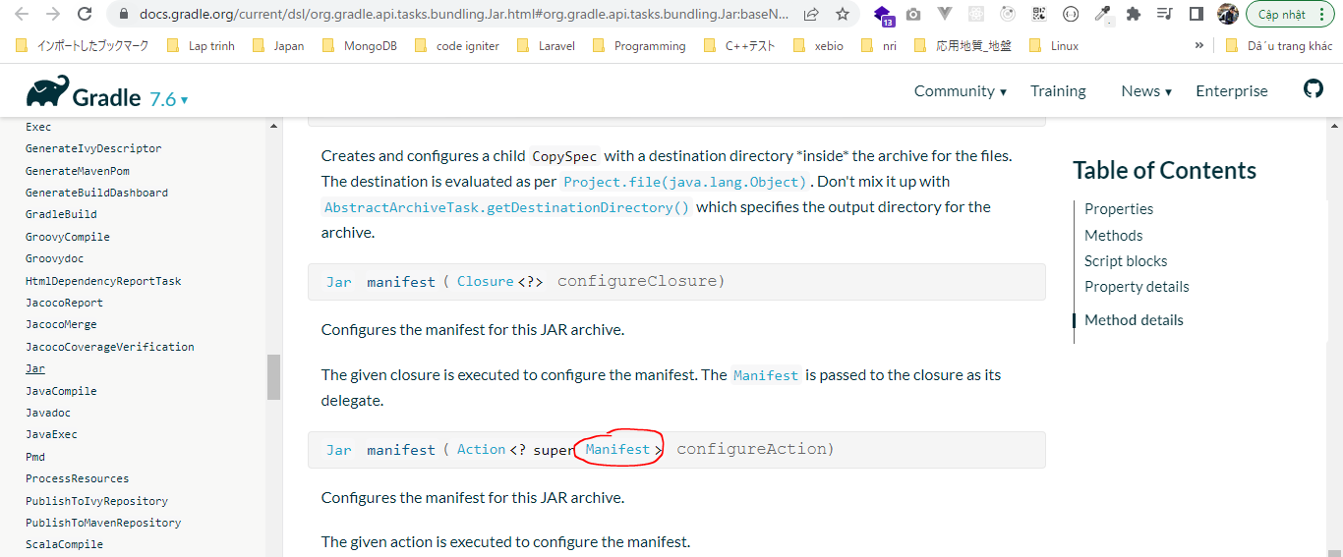

 | sourcePaths
 | https://docs.gradle.org/current/dsl/org.gradle.api.tasks.bundling.Jar.html#org.gradle.api.tasks.bundling.Jar:baseName
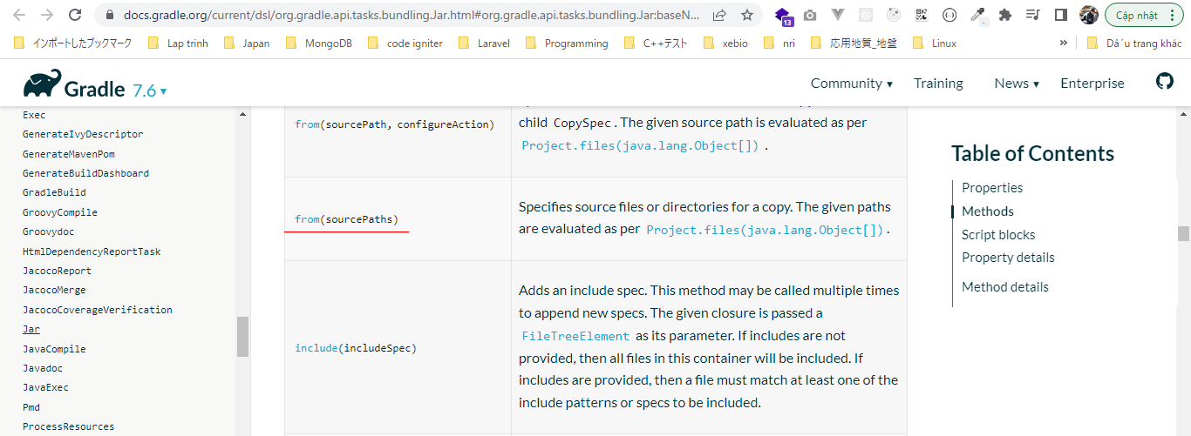

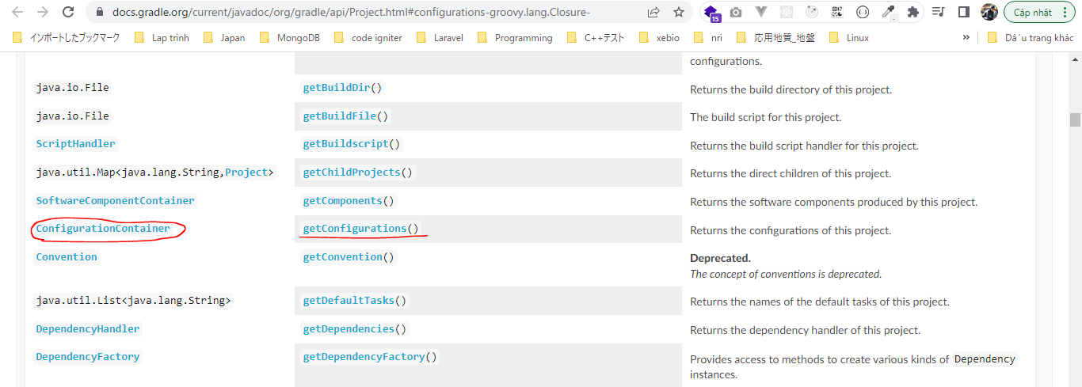

 | copying all dependencies attached to 'compileClasspath' into a specific folder
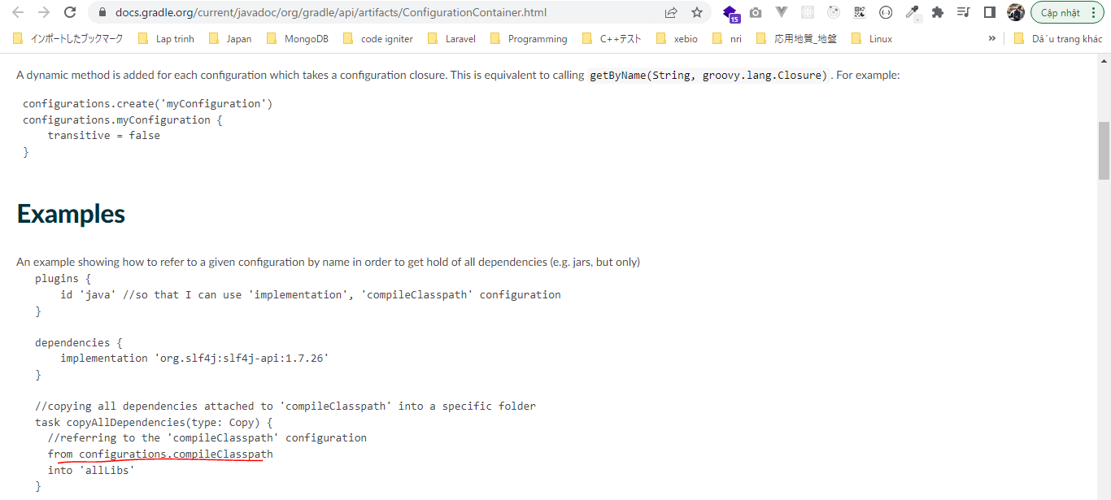

 | FileTree
 | https://docs.gradle.org/current/javadoc/org/gradle/api/Project.html#configurations-groovy.lang.Closure-

構成
 | Gradle
 |  | 1.Setting-up
 |  |  | minGradleRequirements
 |  |  |  | build.gradle
 |  | 2.somethingGroovy
 |  | 3.Gradle-under-the-hood
 |  |  | GradleLifeCycleScriptExamples
 |  |  |  | build.gradle
 |  |  |  | settings.gradle
 |  | 4.Gradle-Properties
 |  |  | PropertiesScriptExamples
 |  |  |  | build.gradle
 |  |  |  | gradle.properties
 |  | 5.Tasks-and-Actions
 |  |  | TaskScriptExamples
 |  |  |  | build.gradle
 |  | 6.Task-dependencies
 |  |  | 1.DependsOnScriptsExamples
 |  |  |  | build.gradle
 |  |  | 2.DependsOnGraphScriptsExamples
 |  |  |  | build.gradle
 |  | 7.Plugin
 |  |  | MyJavaGradleproject
 |  |  |  | build.gradle
 |  | 8.Building-Java-Applications-with-Gradle
 |  |  | gradle-java-console-application
 |  |  |  | gradlejava1-complete
 |  |  |  |  | src
 |  |  |  |  |  | main
 |  |  |  |  |  |  | java
 |  |  |  |  |  |  |  | com
 |  |  |  |  |  |  |  |  | denofprogramming
 |  |  |  |  |  |  |  |  |  | random
 |  |  |  |  |  |  |  |  |  |  | App.java
 |  |  |  |  |  |  |  |  |  |  | DefaultRandomGenerator.java
 |  |  |  |  |  |  |  |  |  |  | RandomGenerator.java
 |  |  |  |  |  | test
 |  |  |  |  |  |  | java
 |  |  |  |  |  |  |  | com
 |  |  |  |  |  |  |  |  | denofprogramming
 |  |  |  |  |  |  |  |  |  | random
 |  |  |  |  |  |  |  |  |  |  | RandomGeneratorTest.java
 |  |  |  |  | build.gradle
 | C:\Users\vudinhquang\.gradle
 |  | init.d
 |  |  | another.gradle
 |  |  | init.gradle
 |  |  | zingAnother.gradle

Gradle\8.Building-Java-Applications-with-Gradle\gradle-java-console-application\gradlejava1-complete\src\main\java\com\denofprogramming\random\App.java
 | package com.denofprogramming.random;

 | /**
 | *
 | *
 | */
 | public class App
 | {
 | public static void main(String[] args)
 | {

 | RandomGenerator aRandomGenerator = new DefaultRandomGenerator();
 | System.out.println("The number is :" + aRandomGenerator.generate());

 | }
 | }

Gradle\8.Building-Java-Applications-with-Gradle\gradle-java-console-application\gradlejava1-complete\build.gradle
 | plugins {
 | id 'java'
 | }

 | group = 'com.denofprogramming'
 | version = '0.0.1-SNAPSHOT'

 | sourceCompatibility = 1.8
 | targetCompatibility = 1.8

 | repositories{
 | mavenCentral()
 | }

 | dependencies {
 | implementation 'org.apache.commons:commons-math3:3.2'
 | testImplementation 'junit:junit:4.11'
 | }

 | jar {
 | manifest { |  |  |  |  |  |  |  |  |  | → | $manifest.attributes: [Manifest-Version:1.0, Implementation-Title:Gradle Jar File Example, Implementation-Version:0.0.1-SNAPSHOT, Created-By:denofprogramming, Main-Class:com.denofprogramming.random.App]. Check by println ">>>manifest.attributes: $manifest.attributes"
 | attributes 'Implementation-Title': 'Gradle Jar File Example', |  |  |  |  |  |  |  |  |  | → | pass a map
 | 'Implementation-Version': version,
 | 'Created-By' : "denofprogramming",
 | 'Main-Class': 'com.denofprogramming.random.App' |  |  |  |  |  |  |  |  |  | → | main classifier that is going to used to actually run our application
 | }
 | baseName = "$project.name-all" |  |  |  |  |  |  |  |  |  | → | We can write to baseName property → gradlejava1-complete-all. Check by println ">>>baseName: $baseName"
 | from {project.configurations.runtimeClasspath.collect {File file -> project.zipTree(file) } } |  |  |  |  |  |  |  |  |  | → | Copy files into our java file, it means we add our dependencies into our java
 |  |  |  |  |  |  |  |  |  |  |  | We want the rutime environment that our application is going to be working so it is best to get runtime dependencies
 | // println ">>>baseName: $baseName" |  |  |  |  |  |  |  |  |  |  | runtimeClasspath: we are going to be running our java application, so we need all the runtime dependencies with in jar file
 | // println ">>>manifest.attributes: $manifest.attributes" |  |  |  |  |  |  |  |  |  |  | collect {File file -> project.zipTree(file) }: we just need to access to the files and directories contained in ConfigurationContainer. We
 | // println project.configurations.runtimeClasspath.collect {File file -> project.zipTree(file) } |  |  |  |  |  |  |  |  |  |  | take the contents from dependency file and include it into jar file. In other words, we need to unzip the dependency file
 | } |  |  |  |  |  |  |  |  |  |  | jar in our case is org.apache.commons:commons-math3:3.2, we need to unzip that package and include the contents into
 |  |  |  |  |  |  |  |  |  |  |  | our jar file

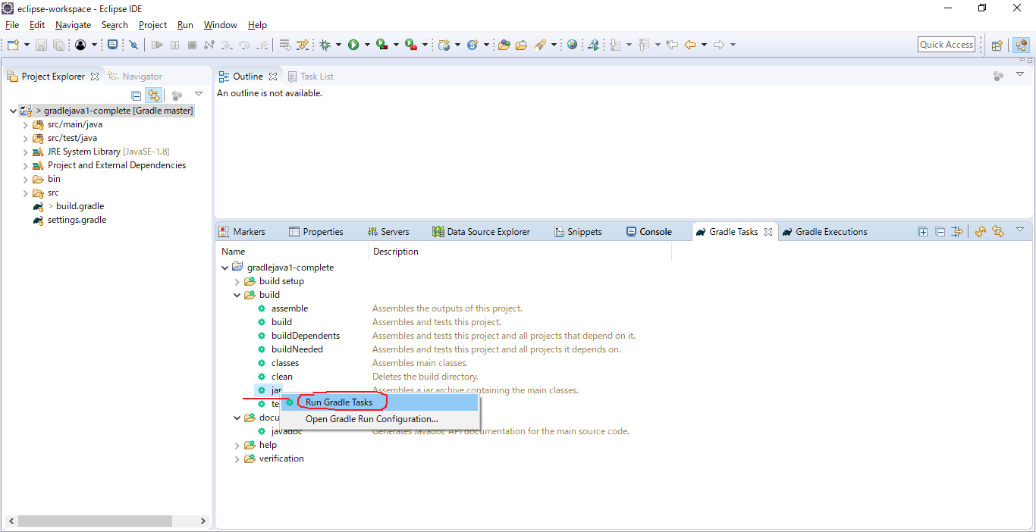

 | We do not just have the application in the jar, we also have the actual dependencies in this case it is from the apache commons math library
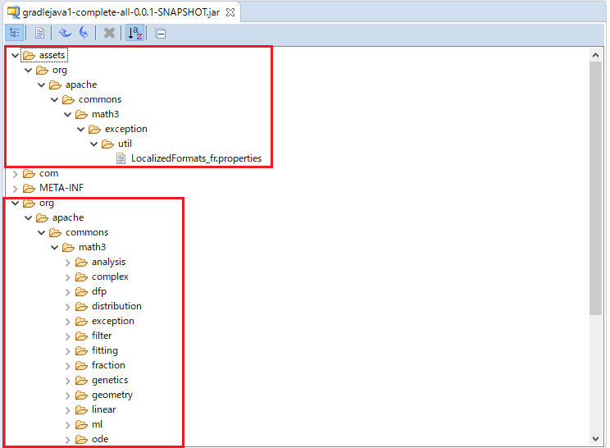

jar
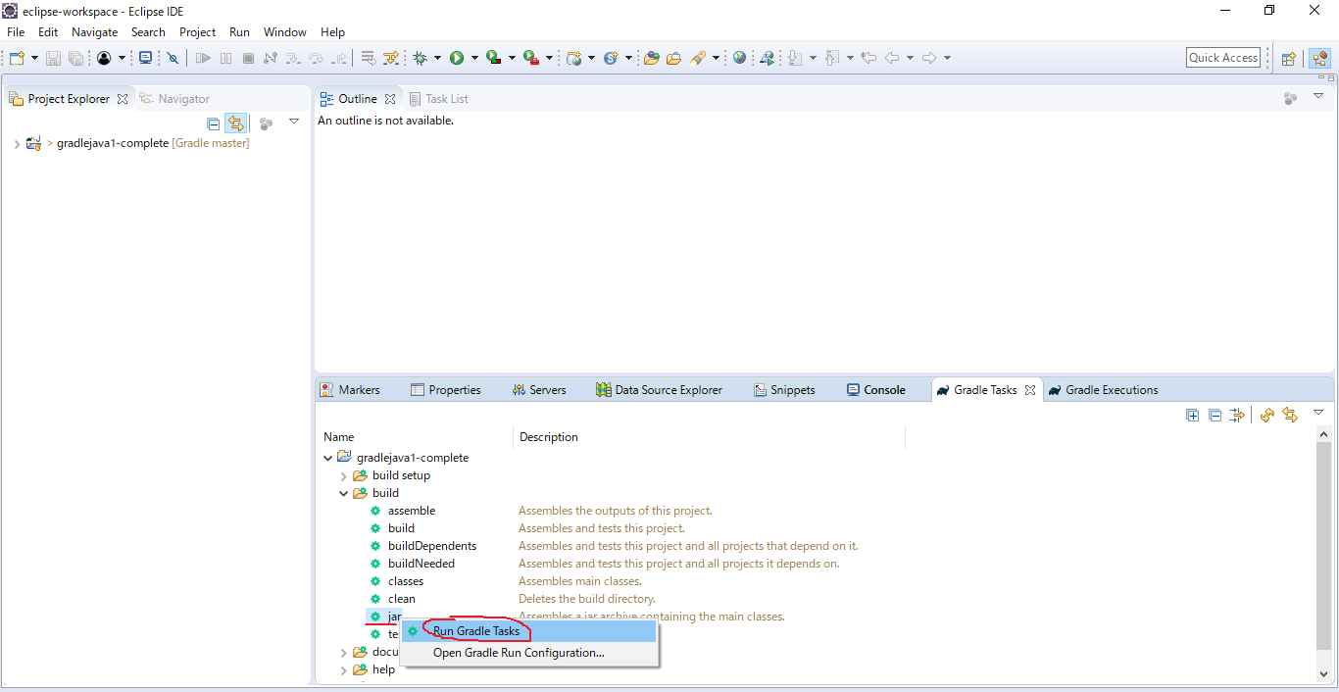

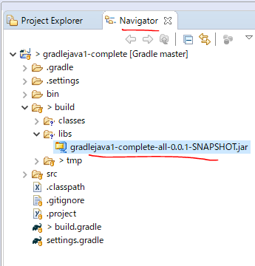

command
 | gradle jar

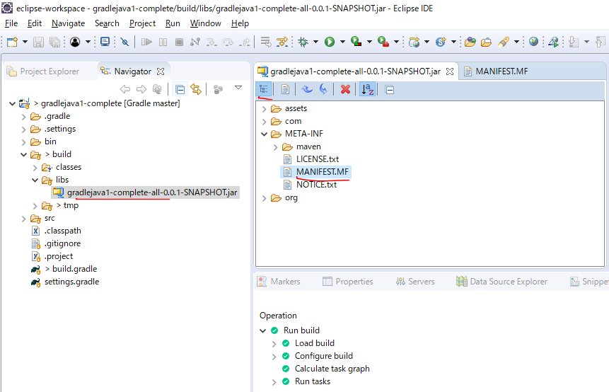

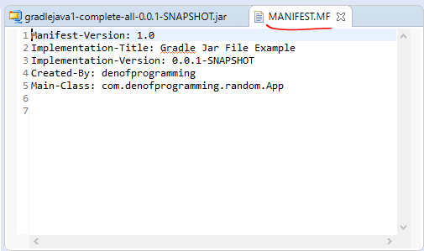

dependencies task
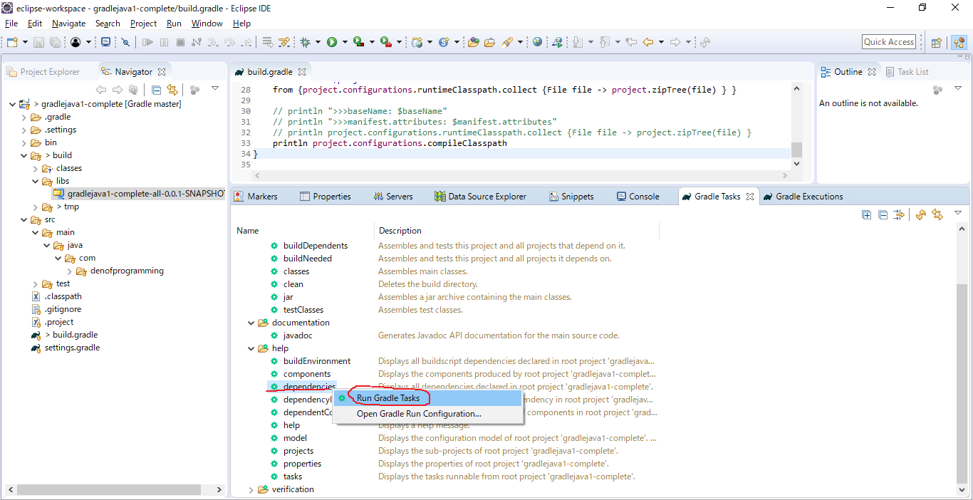

 | find that the actual compiler dependencies will be empty
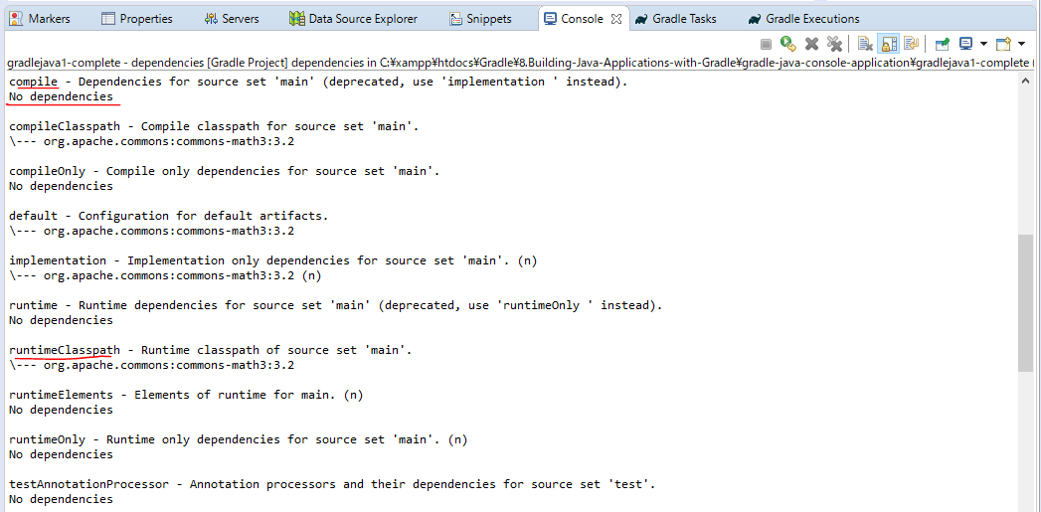

Test
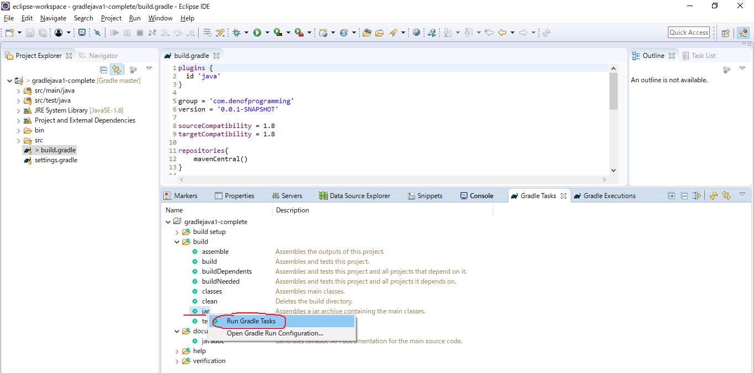

 | java -jar gradlejava1-complete-all-0.0.1-SNAPSHOT.jar

