Depends On
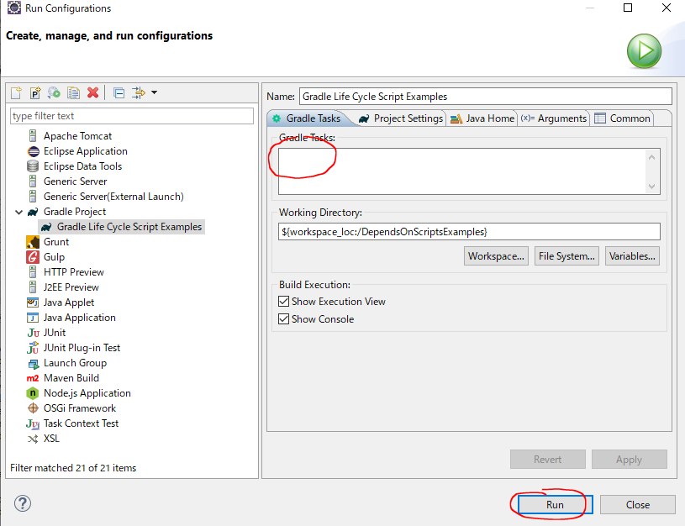
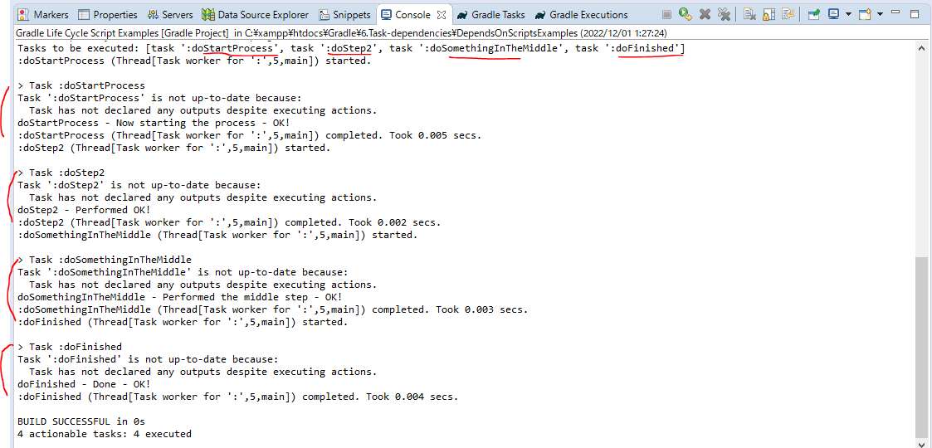
 | Something about how we can actually sequence tasks

構成
 | Gradle
 |  | 1.Setting-up
 |  |  | minGradleRequirements
 |  |  |  | build.gradle
 |  | 2.somethingGroovy
 |  | 3.Gradle-under-the-hood
 |  |  | GradleLifeCycleScriptExamples
 |  |  |  | build.gradle
 |  |  |  | settings.gradle
 |  | 4.Gradle-Properties
 |  |  | PropertiesScriptExamples
 |  |  |  | build.gradle
 |  |  |  | gradle.properties
 |  | 5.Tasks-and-Actions
 |  |  | TaskScriptExamples
 |  |  |  | build.gradle
 |  | 6.Task-dependencies |  |  | → | new
 |  |  | 1.DependsOnScriptsExamples
 |  |  |  | build.gradle
 | C:\Users\vudinhquang\.gradle
 |  | init.d
 |  |  | another.gradle
 |  |  | init.gradle
 |  |  | zingAnother.gradle

Gradle\6.Task-dependencies\DependsOnScriptsExamples\build.gradle
 | defaultTasks 'doFinished'

 | logger.info ">>> build.gradle --> This is executed during the configuration phase - timestamp @ ${gradle.timestamp()}"

 | task doStartProcess {
 | doLast{
 | logger.info "$name - Now starting the process - OK!"
 | }
 | }

 | task doStep2{
 | doLast{
 | logger.info "$name - Performed OK!"
 | }
 | }

 | task doSomethingInTheMiddle (dependsOn: ['doStartProcess', 'doStep2']) { |  |  |  |  |  | → | doStartProcess → doStep2 → doSomethingInTheMiddle
 | doLast{
 | logger.info "$name - Performed the middle step - OK!"
 | }
 | }

 | task doFinished (dependsOn: ['doSomethingInTheMiddle', 'doStep2']) { |  |  |  |  |  | → | doSomethingInTheMiddle → doStep2 → doFinished
 | doLast{ |  |  |  |  |  |  | So we have order of process: doStartProcess → doStep2 → doSomethingInTheMiddle → doFinished
 | logger.info "$name - Done - OK!"
 | }
 | }

Test
 | ①Run doStartProcess
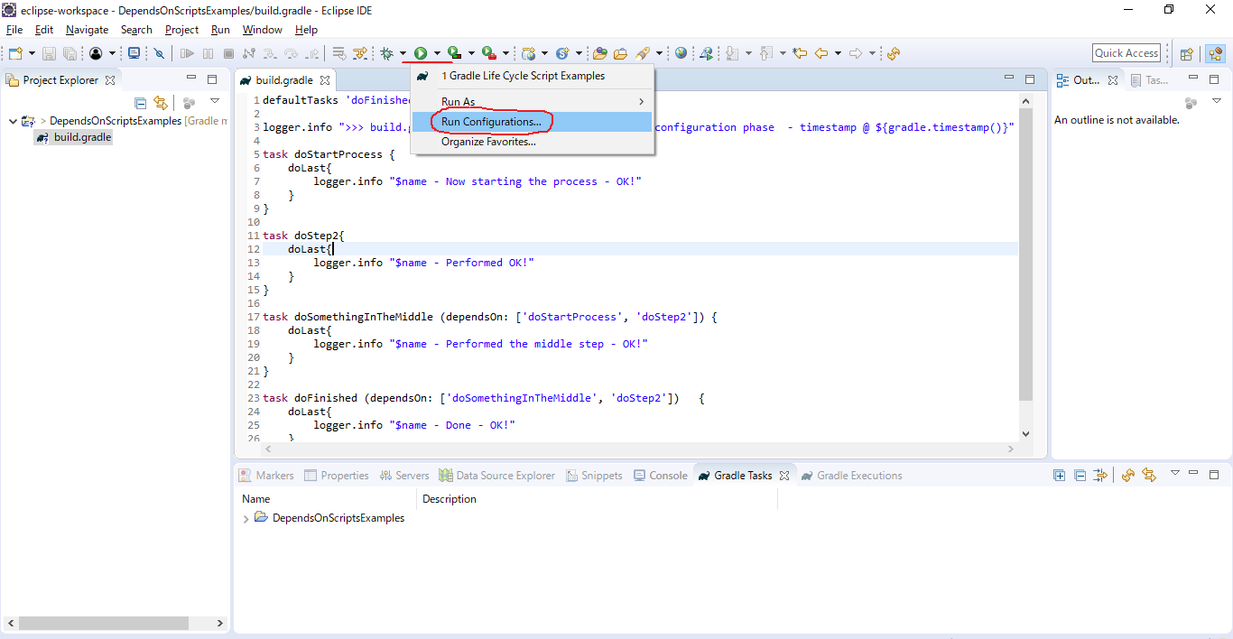

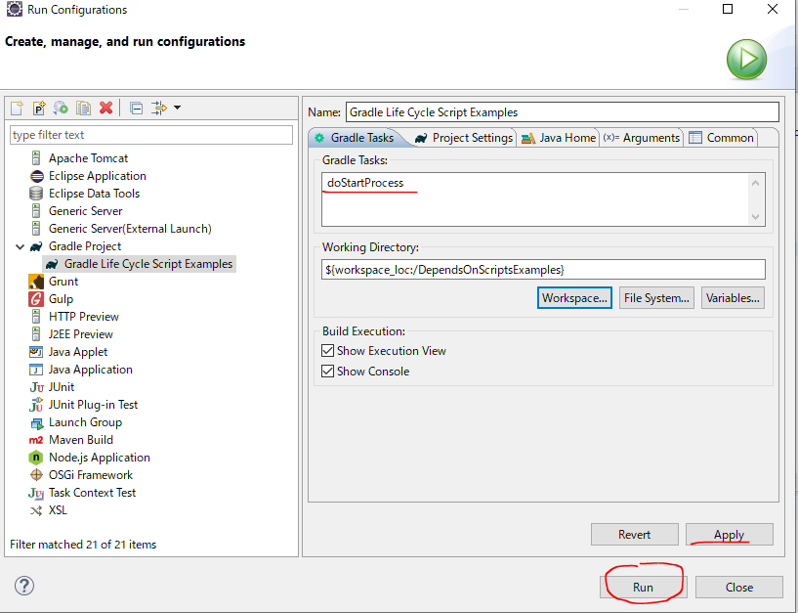

 | ②doFinished
 | We have order of process: doStartProcess → doStep2 → doSomethingInTheMiddle → doFinished

Filtering Tasks with dependsOn
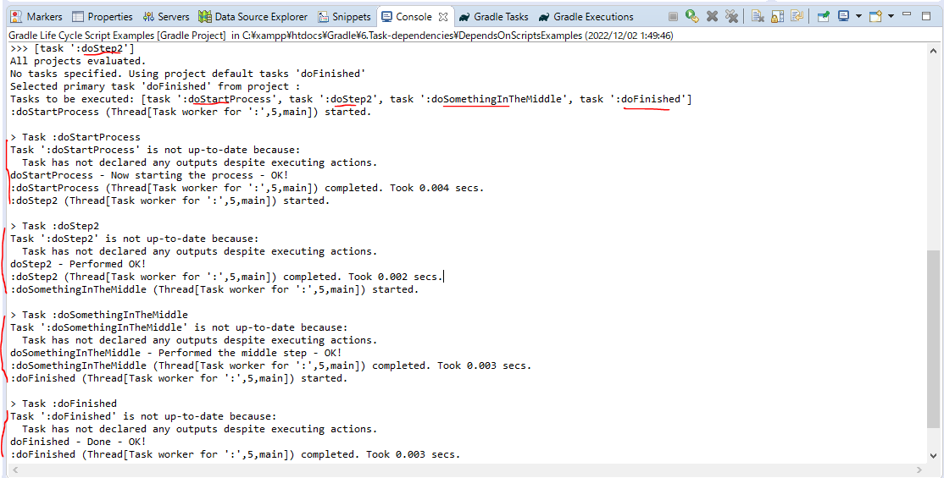
 | We do not actually have to use just the hard code name of the task. We can also use a Closure

 | https://docs.gradle.org/4.9/javadoc/
 | There is a property on the Project call Task and the Task property is of type TaskContainer, and TaskContainer interface contains a whole bunch of convenient methods for us
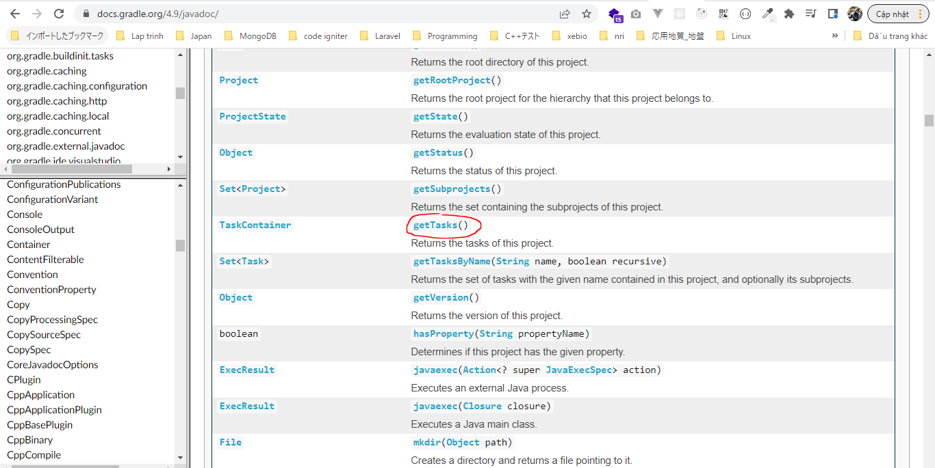

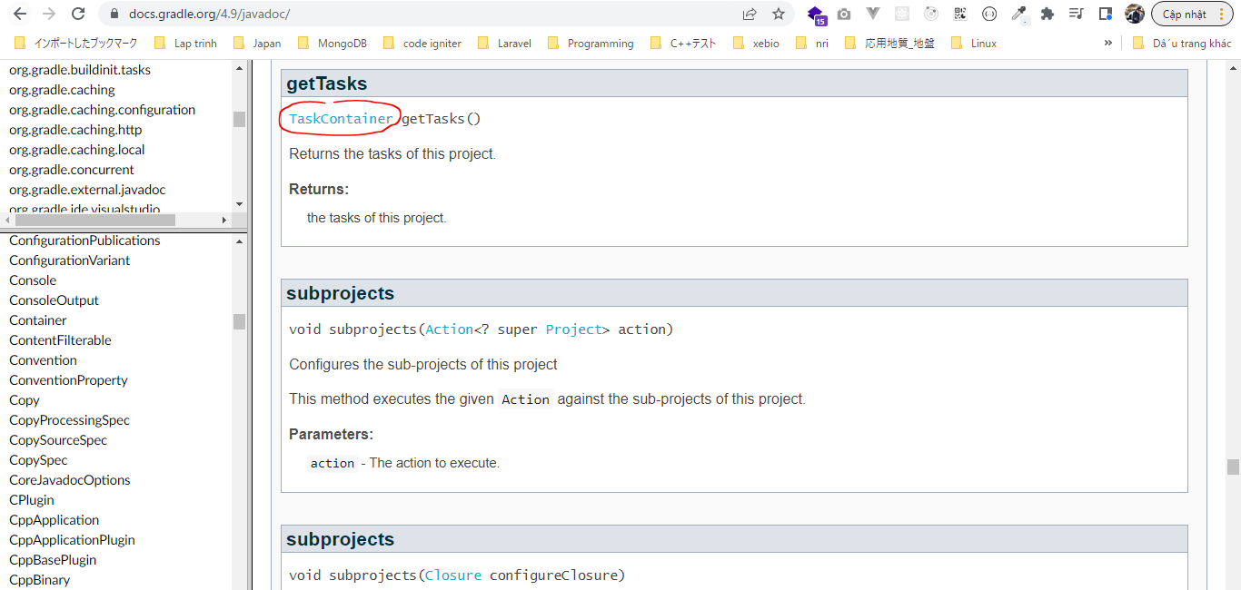

 | TaskContainer interface actually inherits from a whole bunch of other interfaces and one of those interfaces is NamedDomainObjectSet
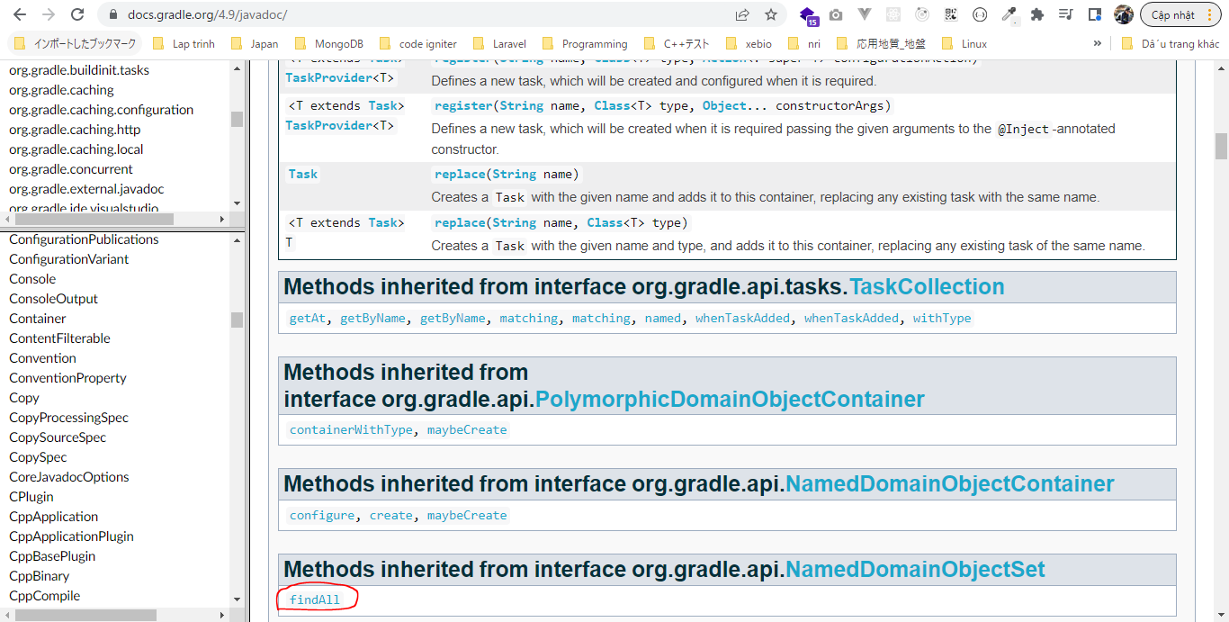

 | We can provide a Closure that acts like a filter and it will filter the Tasks depending on the code we provide in that Closure and return as a Set

構成
 | Gradle
 |  | 1.Setting-up
 |  |  | minGradleRequirements
 |  |  |  | build.gradle
 |  | 2.somethingGroovy
 |  | 3.Gradle-under-the-hood
 |  |  | GradleLifeCycleScriptExamples
 |  |  |  | build.gradle
 |  |  |  | settings.gradle
 |  | 4.Gradle-Properties
 |  |  | PropertiesScriptExamples
 |  |  |  | build.gradle
 |  |  |  | gradle.properties
 |  | 5.Tasks-and-Actions
 |  |  | TaskScriptExamples
 |  |  |  | build.gradle
 |  | 6.Task-dependencies
 |  |  | 1.DependsOnScriptsExamples
 |  |  |  | build.gradle | → | code
 | C:\Users\vudinhquang\.gradle
 |  | init.d
 |  |  | another.gradle
 |  |  | init.gradle
 |  |  | zingAnother.gradle

Gradle\6.Task-dependencies\DependsOnScriptsExamples\build.gradle
 | defaultTasks 'doFinished'

 | logger.info ">>> build.gradle --> This is executed during the configuration phase - timestamp @ ${gradle.timestamp()}"

 | task doStartProcess {
 |  | doLast{
 |  |  | logger.info "$name - Now starting the process - OK!"
 |  | }
 | }

 | task doStep2{
 |  | doLast{
 |  |  | logger.info "$name - Performed OK!"
 |  | }
 | }

 | task doSomethingInTheMiddle (dependsOn: ['doStartProcess', tasks.findAll { task -> task.name.startsWith('doStep2') } ]) { |  |  |  |  |  | → | vì trong build.gradle nên project có thể không cần viết cũng được
 |  | doLast{
 |  |  | logger.info "$name - Performed the middle step - OK!"
 |  | }
 | }

 | task doFinished (dependsOn: ['doSomethingInTheMiddle', 'doStep2']) {
 |  | doLast{
 |  |  | logger.info "$name - Done - OK!"
 |  | }
 | }

 | logger.info ">>> ${ project.tasks.findAll { task -> task.name.startsWith('doStep2') } }" |  |  |  |  |  | → | Scan through all the Tasks looking for at the Task with the name "doStep2"

Test

dependsOn in conditional logic
 | Another way to add dependencies onto our Task that is used dependsOn method
 | https://docs.gradle.org/current/dsl/org.gradle.api.Task.html#org.gradle.api.Task:dependsOn(java.lang.Object[])
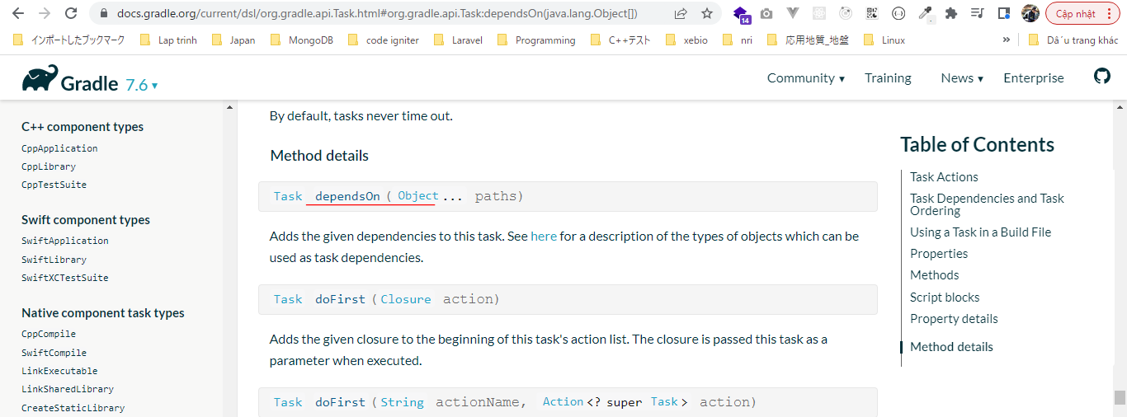

構成
 | Gradle
 |  | 1.Setting-up
 |  |  | minGradleRequirements
 |  |  |  | build.gradle
 |  | 2.somethingGroovy
 |  | 3.Gradle-under-the-hood
 |  |  | GradleLifeCycleScriptExamples
 |  |  |  | build.gradle
 |  |  |  | settings.gradle
 |  | 4.Gradle-Properties
 |  |  | PropertiesScriptExamples
 |  |  |  | build.gradle
 |  |  |  | gradle.properties
 |  | 5.Tasks-and-Actions
 |  |  | TaskScriptExamples
 |  |  |  | build.gradle
 |  | 6.Task-dependencies
 |  |  | 1.DependsOnScriptsExamples
 |  |  |  | build.gradle | → | code
 | C:\Users\vudinhquang\.gradle
 |  | init.d
 |  |  | another.gradle
 |  |  | init.gradle
 |  |  | zingAnother.gradle

Gradle\6.Task-dependencies\DependsOnScriptsExamples\build.gradle
 | defaultTasks 'doFinished'

 | logger.info ">>> build.gradle --> This is executed during the configuration phase - timestamp @ ${gradle.timestamp()}"

 | task doStartProcess {
 | doLast{
 | logger.info "$name - Now starting the process - OK!"
 | }
 | }

 | task doStep2{
 | doLast{
 | logger.info "$name - Performed OK!"
 | }
 | }

 | task doSomethingInTheMiddle (dependsOn: ['doStartProcess', tasks.findAll { task -> task.name.startsWith('doStep2') } ]) {
 | doLast{
 | logger.info "$name - Performed the middle step - OK!"
 | }
 | }

 | task doFinished (dependsOn: ['doSomethingInTheMiddle', 'doStep2']) {
 | doLast{
 | logger.info "$name - Done - OK!"
 | }
 | }

 | logger.info ">>> ${ project.tasks.findAll { task -> task.name.startsWith('doStep2') } }"

 | //Conditional logic
 | if ( Math.random() < 0.5){ |  |  |  |  |  | → | For example depending on that build environment we have different
 | doSomethingInTheMiddle.dependsOn doStartProcess, tasks.findAll { task -> task.name.startsWith('doStep2') } |  |  |  |  |  |  | set of dependencies and we want to run
 | }

Test
 | First run doStartProcess và doStep2 cũng được chạy do thỏa mãn điều kiện Math.random() < 0.5

 | Second run doStartProcess và doStep2 không được chạy do không thỏa mãn điều kiện Math.random() < 0.5

Task Dependency Graph
 | Gradle has a configuration phase and an execution phase. After the configuration phase, Gradle knows about all the tasks that should be executed

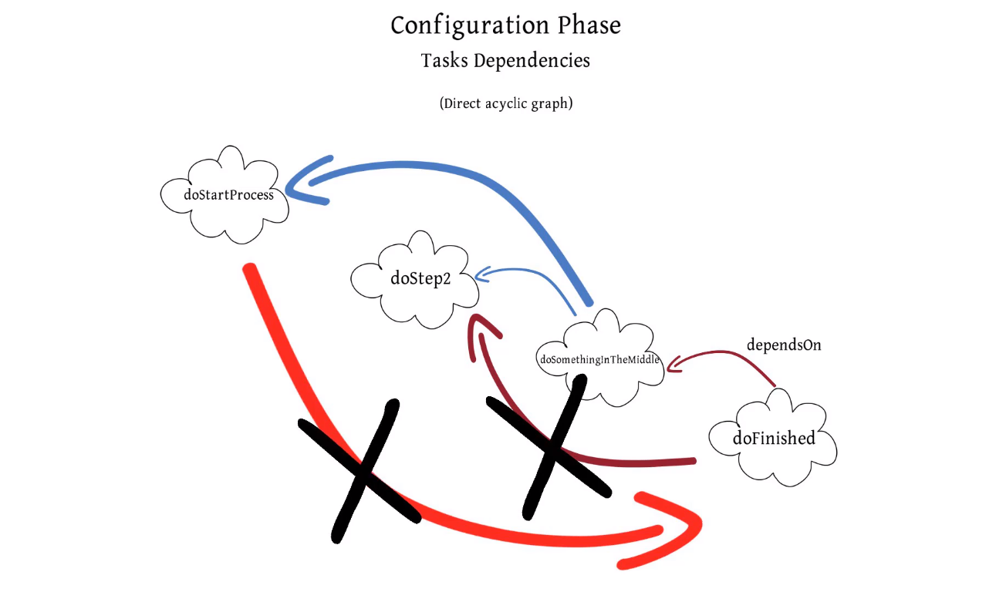

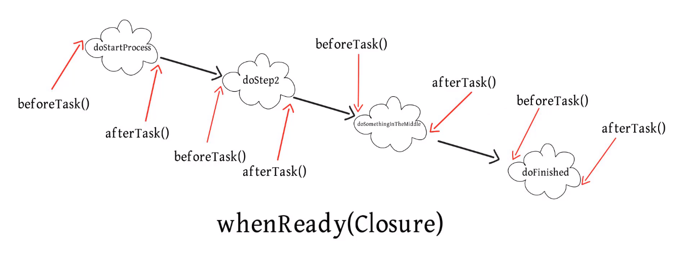

 | TaskExecutionGraph
 | https://docs.gradle.org/current/javadoc/org/gradle/api/execution/TaskExecutionGraph.html
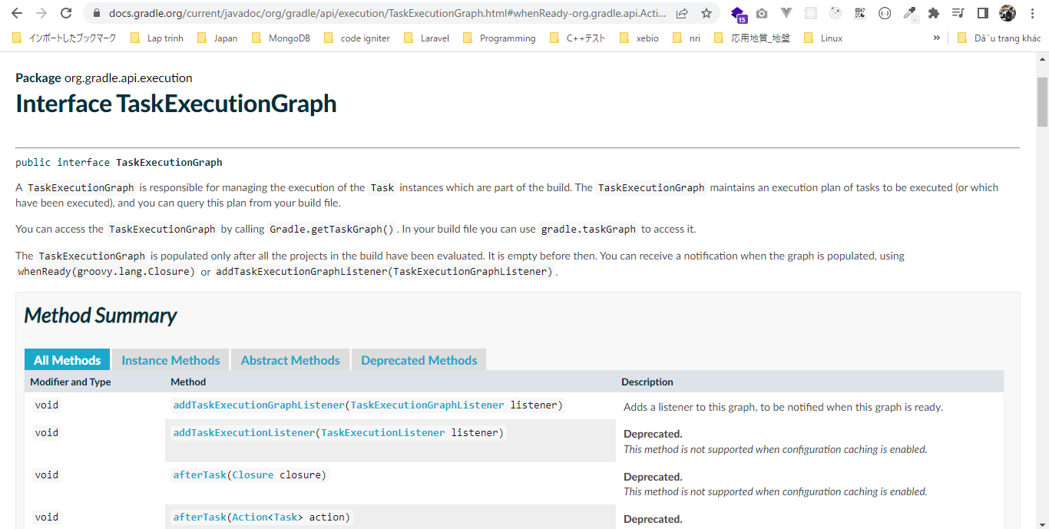

 | whenReady
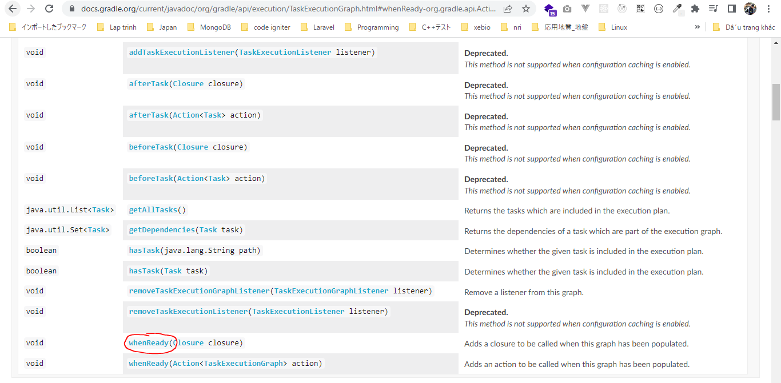

構成
 | Gradle
 |  | 1.Setting-up
 |  |  | minGradleRequirements
 |  |  |  | build.gradle
 |  | 2.somethingGroovy
 |  | 3.Gradle-under-the-hood
 |  |  | GradleLifeCycleScriptExamples
 |  |  |  | build.gradle
 |  |  |  | settings.gradle
 |  | 4.Gradle-Properties
 |  |  | PropertiesScriptExamples
 |  |  |  | build.gradle
 |  |  |  | gradle.properties
 |  | 5.Tasks-and-Actions
 |  |  | TaskScriptExamples
 |  |  |  | build.gradle
 |  | 6.Task-dependencies
 |  |  | 1.DependsOnScriptsExamples
 |  |  |  | build.gradle
 |  |  | 2.DependsOnGraphScriptsExamples |  | → | new
 |  |  |  | build.gradle
 | C:\Users\vudinhquang\.gradle
 |  | init.d
 |  |  | another.gradle
 |  |  | init.gradle
 |  |  | zingAnother.gradle

Gradle\6.Task-dependencies\2.DependsOnGraphScriptsExamples\build.gradle
 | defaultTasks 'doFinished'

 | //logger.info ">>> build.gradle --> This is executed during the configuration phase - timestamp @ ${gradle.timestamp()}"

 | task doStartProcess {
 | doLast{
 | logger.info "$name - Now starting the process - OK!"
 | }
 | }

 | task doStep2{
 | doLast{
 | logger.info "$name - Performed OK!"
 | }
 | }

 | task doSomethingInTheMiddle (dependsOn: ['doStartProcess', tasks.findAll { task -> task.name.startsWith('doStep2') } ]) {
 | doLast{
 | logger.info "$name - Performed the middle step - OK!"
 | }
 | }

 | task doFinished {
 | doLast{
 | logger.info "$name - Done - OK! >>> with version=$version"
 | }
 | }

 | logger.info ">>> $project.gradle.taskGraph"

 | project.gradle.taskGraph.whenReady { |  |  |  |  |  | → | closure to be called when this graph has been populated. This graph is passed to the closure as a parameter
 | logger.info ">>> $project.gradle.taskGraph.allTasks" |  |  |  |  |  |  | We can see a collection of all the tasks
 | }

 | //Conditional logic
 | if ( Math.random() < 0.5){ |  |  |  |  |  | → | 50 percent doSomethingInTheMiddle and doStep2 will be added as dependency and thereforce
 | doFinished.dependsOn doSomethingInTheMiddle, doStep2 |  |  |  |  |  |  | exist in the task gragh
 | } |  |  |  |  |  |  | Note that even though we define the doStep2 task and doSomethingInTheMiddle task, if they are
 |  |  |  |  |  |  |  | not included on the task graph, either through the defaultTasks or the dependsOn method, they
 |  |  |  |  |  |  |  | will not be pooled into the execution phase of the build lifecycle and not be executed
 | project.gradle.taskGraph.whenReady {taskGraph -> |  |  |  |  |  |  | We can direct access taskGraph although before we access it for the gradle domain object
 | if (taskGraph.hasTask(doStep2)) {
 | project.version = '1.0'
 | } else {
 | project.version = '1.0-SNAPSHOT'
 | }
 | }

 | project.gradle.taskGraph.beforeTask{task ->
 | logger.info "+++ Before task $task.name"
 | }

 | project.gradle.taskGraph.afterTask{task ->
 | logger.info "+++ Finished task $task.name"
 | }

Test
 | First run
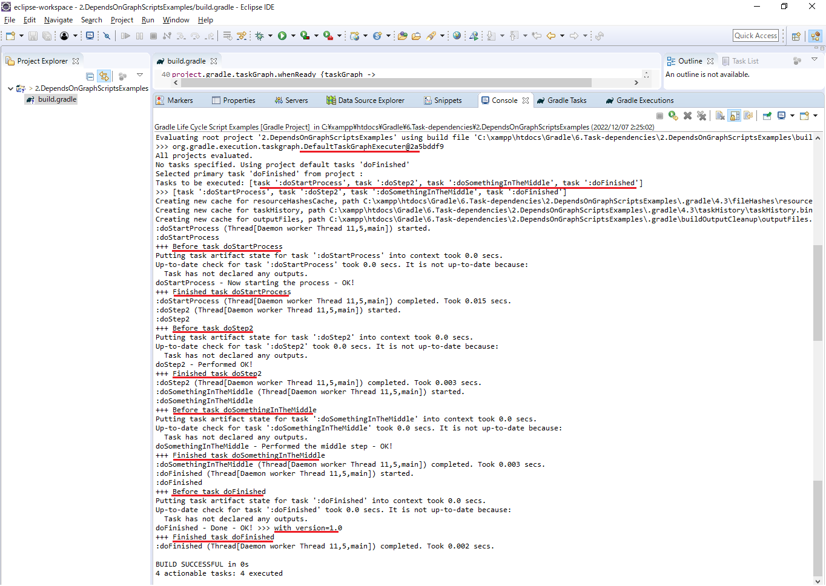

 | Second run

