Create the HTML form
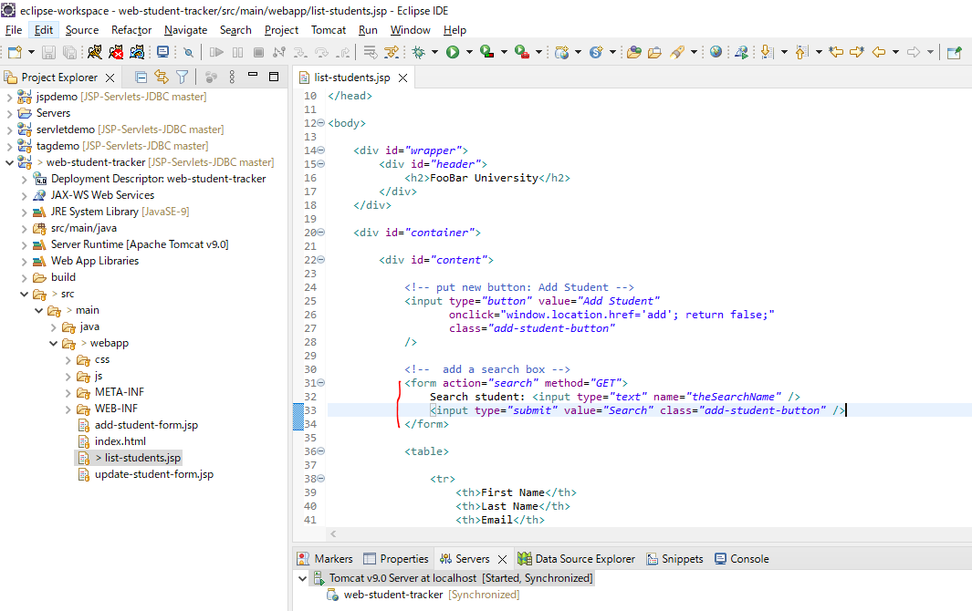

Creating the JDBC Code
Create SearchStudentControllerServlet
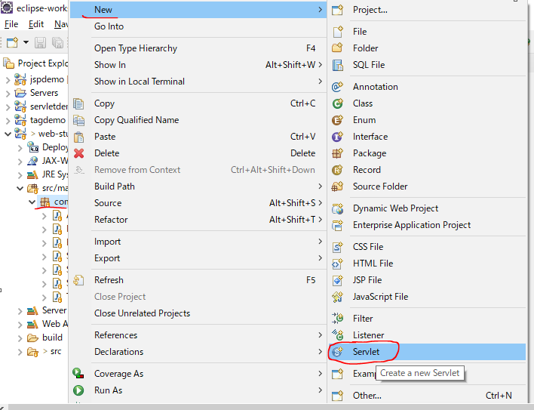

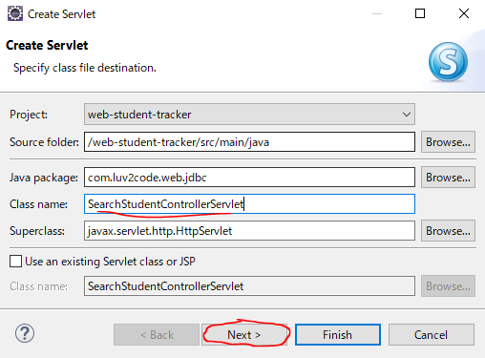

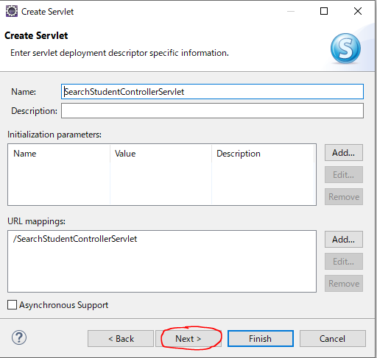

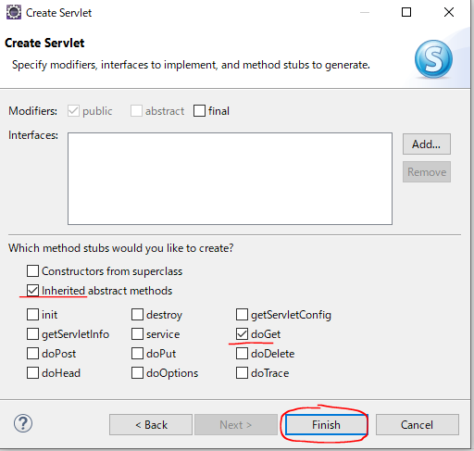

Init
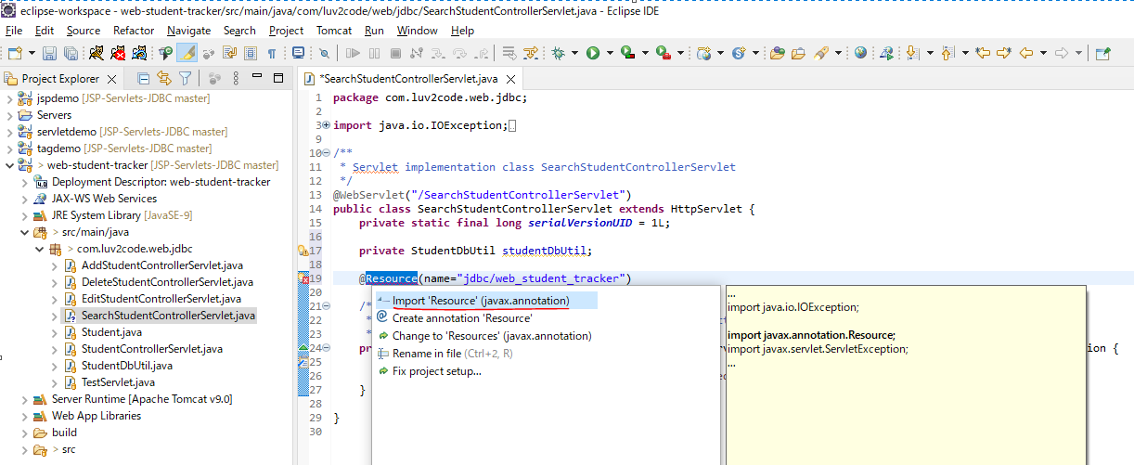

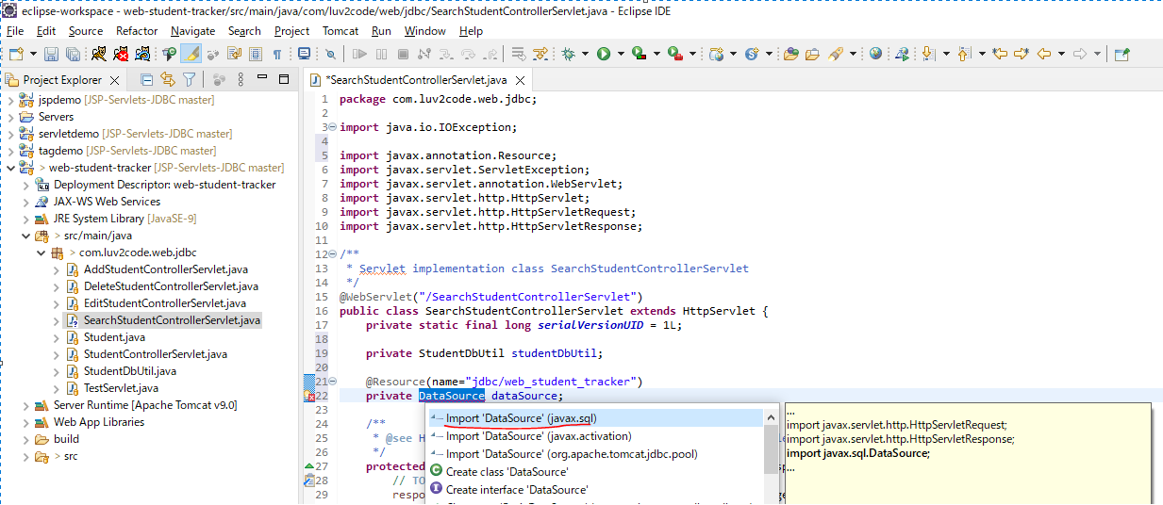

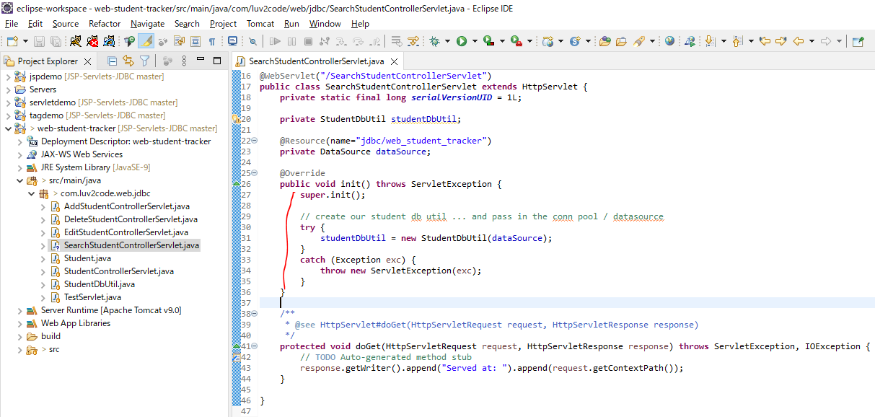

doGet method
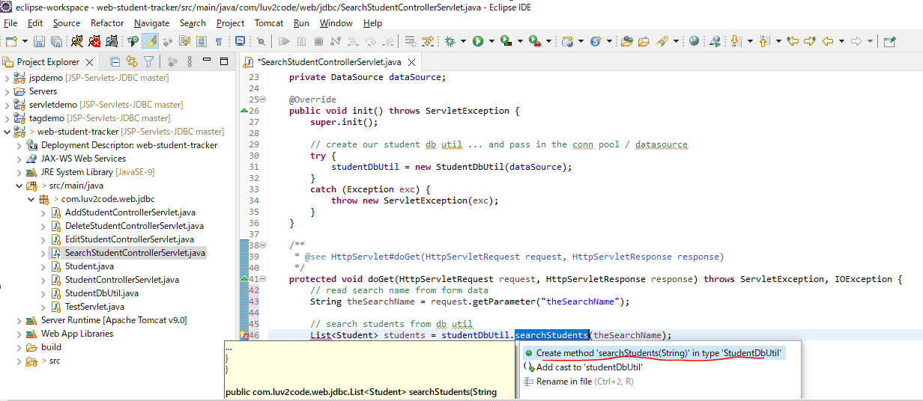

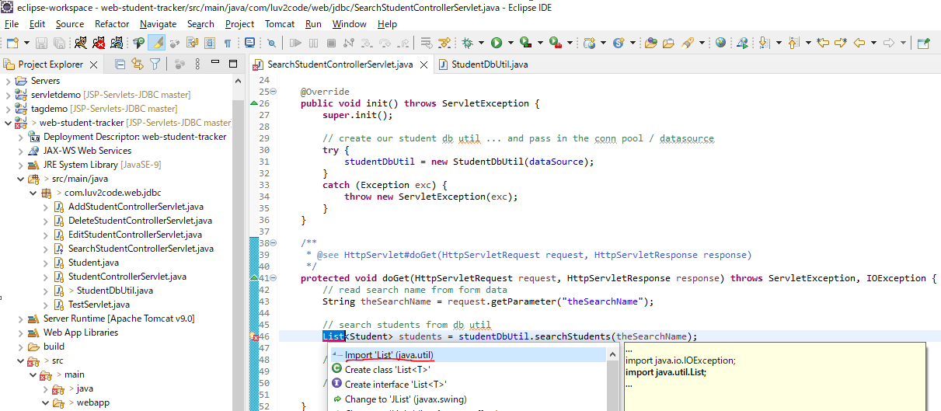

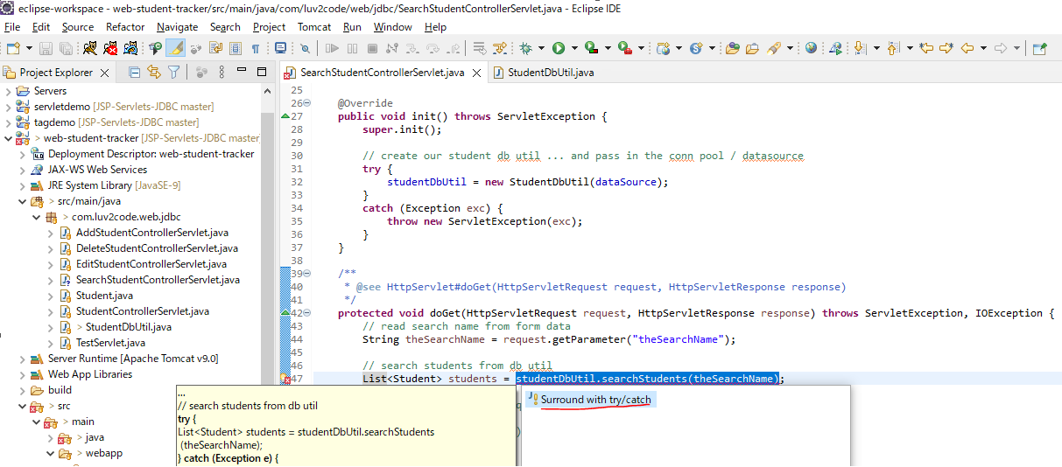

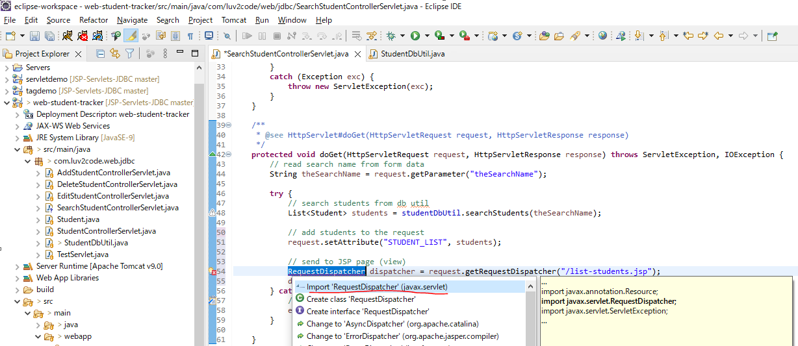

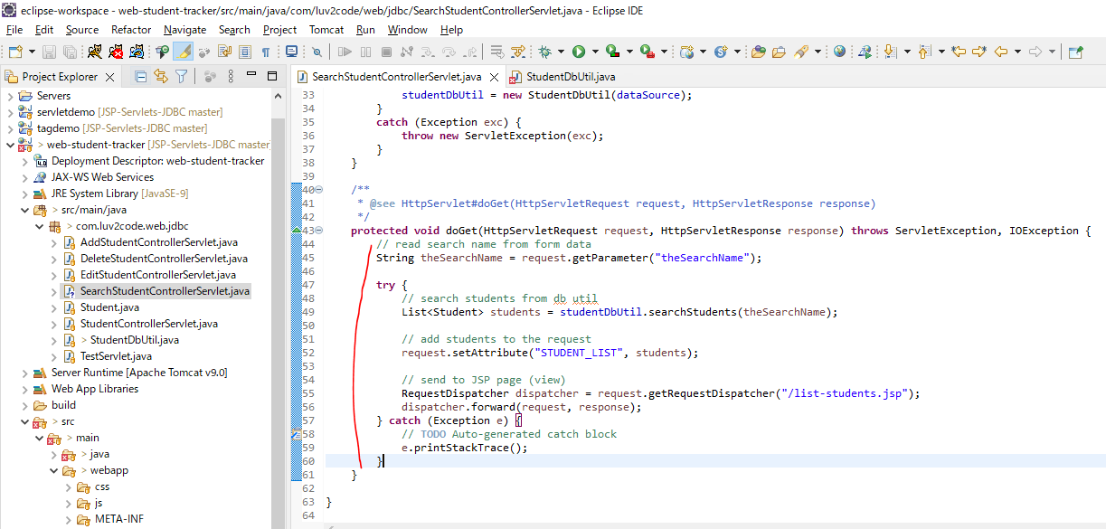

searchStudents method in StudentDbUtil
 | public List<Student> searchStudents(String theSearchName) throws Exception {
 |  | List<Student> students = new ArrayList<>();

 |  | Connection myConn = null;
 |  | PreparedStatement myStmt = null;
 |  | ResultSet myRs = null;
 |  | int studentId;

 |  | try {

 |  |  | // get connection to database
 |  |  | myConn = dataSource.getConnection();

 | //
 | // only search by name if theSearchName is not empty
 | //
 |  |  | if (theSearchName != null && theSearchName.trim().length() > 0) {

 |  |  |  | // create sql to search for students by name
 |  |  |  | String sql = "select * from student where lower(first_name) like ? or lower(last_name) like ?";

 |  |  |  | // create prepared statement
 |  |  |  | myStmt = myConn.prepareStatement(sql);

 |  |  |  | // set params
 |  |  |  | String theSearchNameLike = "%" + theSearchName.toLowerCase() + "%";
 |  |  |  | myStmt.setString(1, theSearchNameLike);
 |  |  |  | myStmt.setString(2, theSearchNameLike);

 |  |  | } else {
 |  |  |  | // create sql to get all students
 |  |  |  | String sql = "select * from student order by last_name";

 |  |  |  | // create prepared statement
 |  |  |  | myStmt = myConn.prepareStatement(sql);
 |  |  | }

 |  |  | // execute statement
 |  |  | myRs = myStmt.executeQuery();

 |  |  | // retrieve data from result set row
 |  |  | while (myRs.next()) {

 |  |  |  | // retrieve data from result set row
 |  |  |  | int id = myRs.getInt("id");
 |  |  |  | String firstName = myRs.getString("first_name");
 |  |  |  | String lastName = myRs.getString("last_name");
 |  |  |  | String email = myRs.getString("email");

 |  |  |  | // create new student object
 |  |  |  | Student tempStudent = new Student(id, firstName, lastName, email);

 |  |  |  | // add it to the list of students
 |  |  |  | students.add(tempStudent);
 |  |  | }

 |  |  | return students;
 |  | }
 |  | finally {
 |  |  | // clean up JDBC objects
 |  |  | close(myConn, myStmt, myRs);
 |  | }
 | }

Restart Server
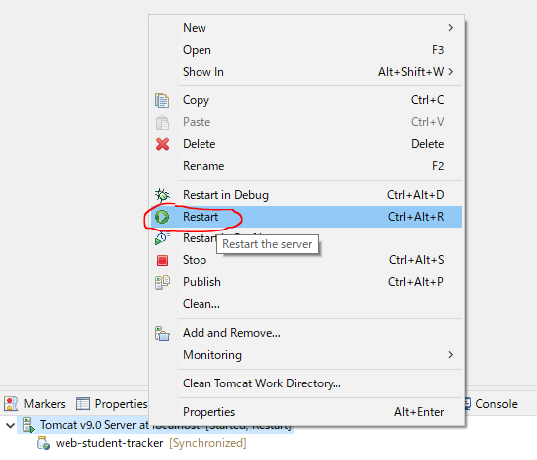

Access URL to test
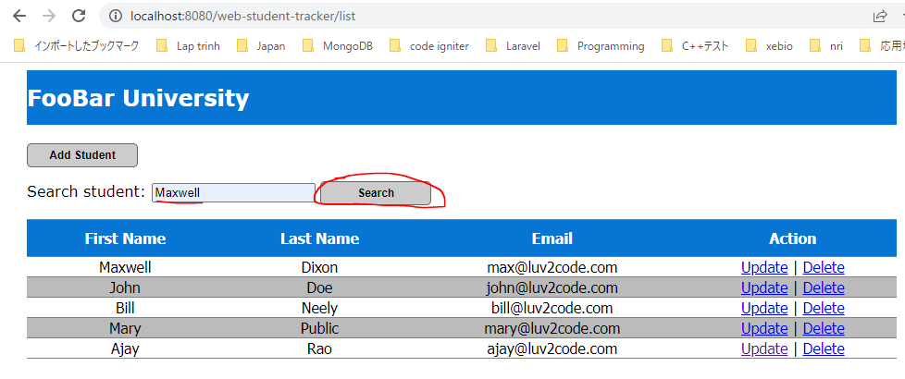

 | Result

