fix eror
[Eclipse] 起動時に「Could not create the Java Virtual Machine.」というエラーが出る場合の対処法
Lỗi này xảy ra khi run Tomcat server ở sheet tiếp theo
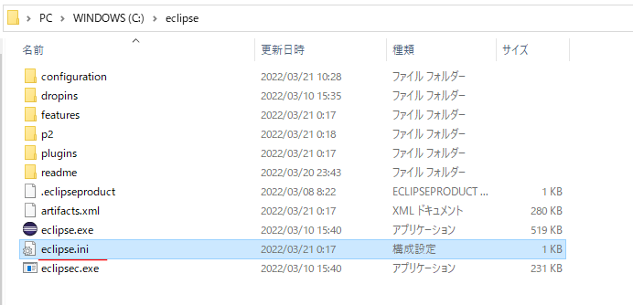

 | -Xmx2048m
 | ↓
 | -Xmx1024m

hello world
Create Dynamic Web Project
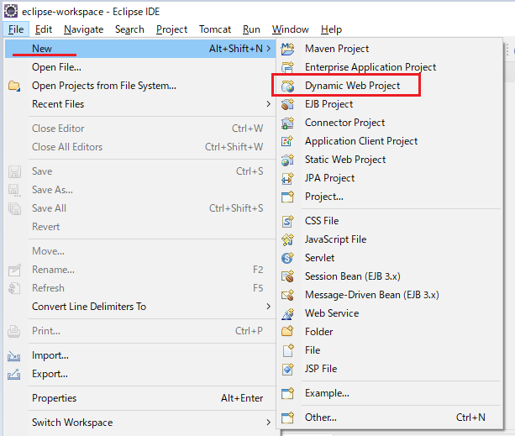

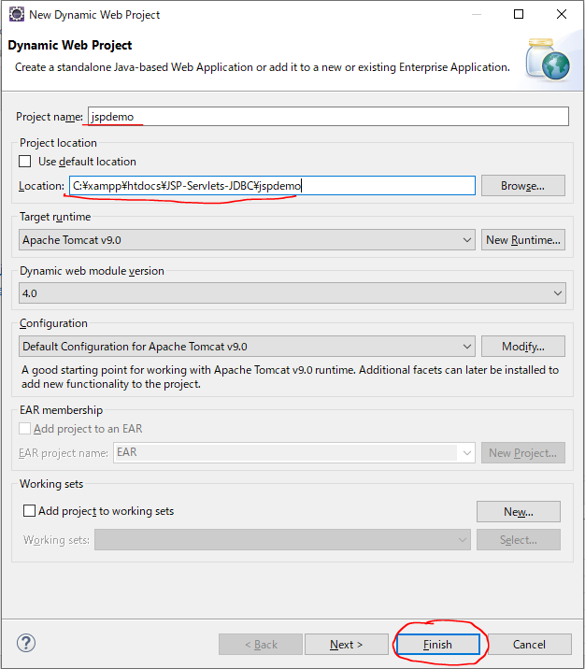

Create helloworld.jsp
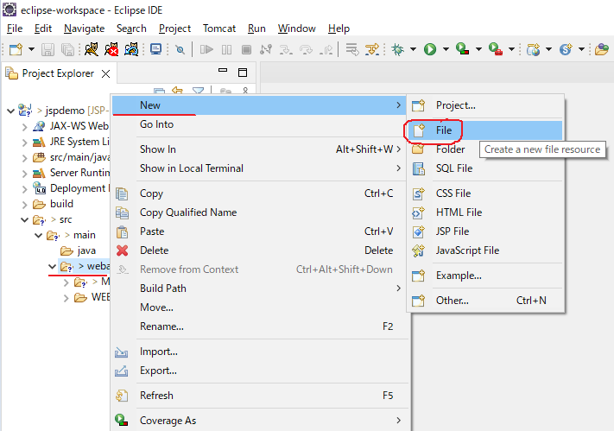

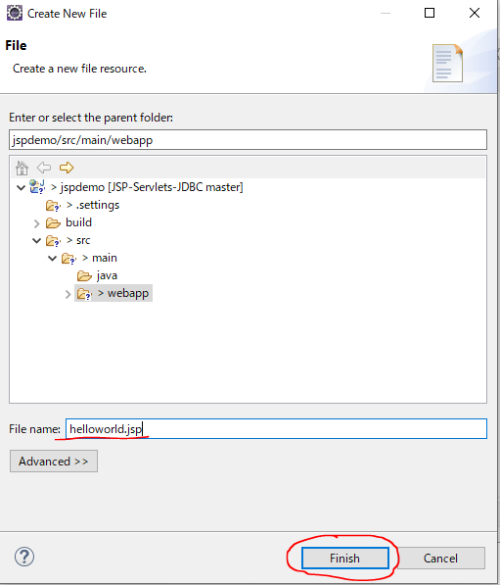

Run Server | Can run server here
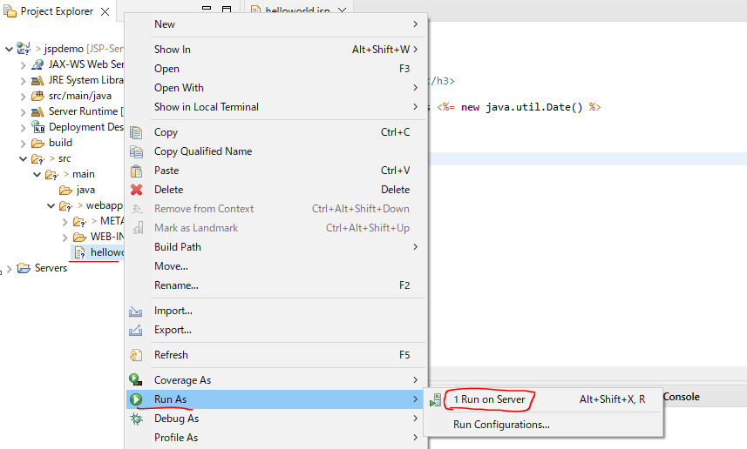

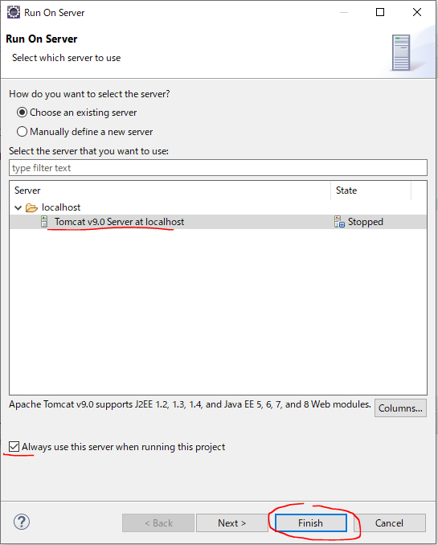

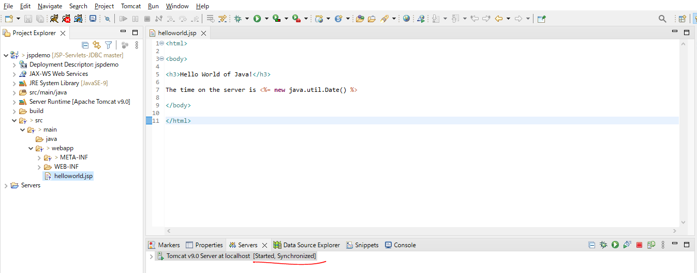

Acess url to test: http://localhost:8080/jspdemo/helloworld.jsp

Expressions
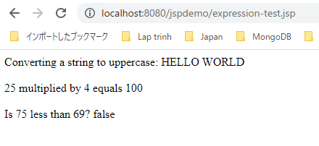
Create expression-test.jsp

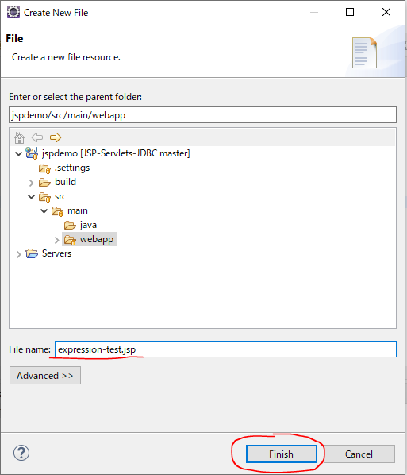

expression-test.jsp
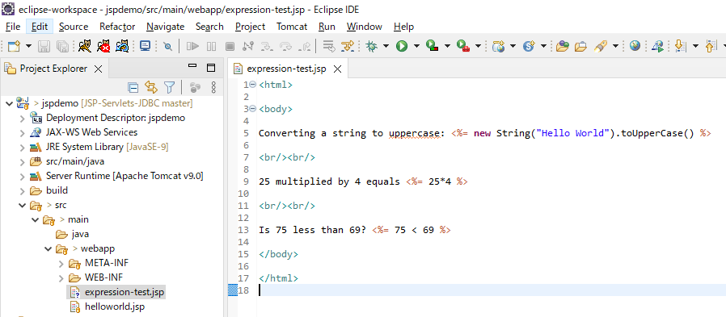

Acess url to test: http://localhost:8080/jspdemo/expression-test.jsp

Scriptlets
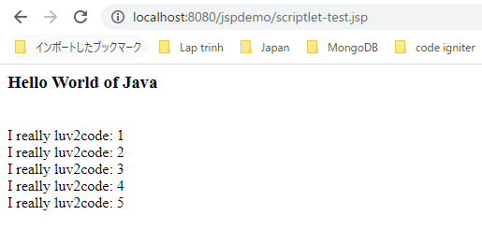
Create scriptlet-test.jsp

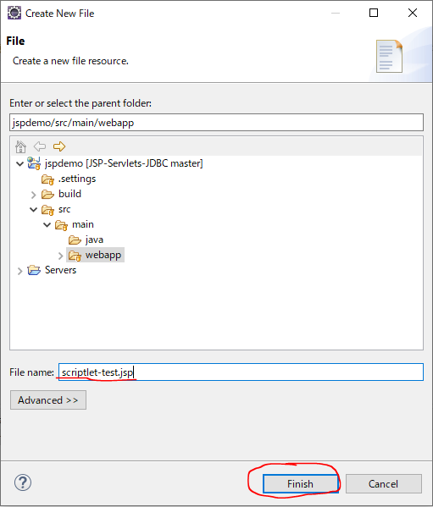

scriptlet-test.jsp
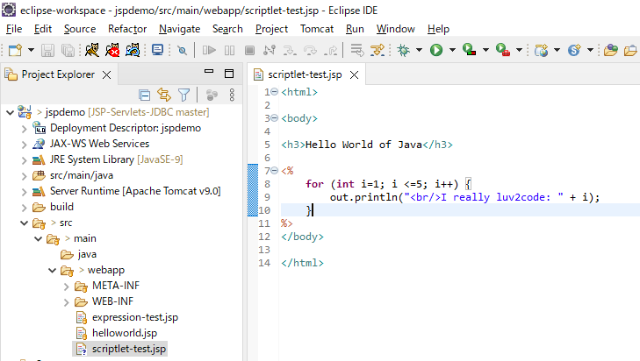

Acess url to test: http://localhost:8080/jspdemo/scriptlet-test.jsp

Declarations
Create declaration-test.jsp

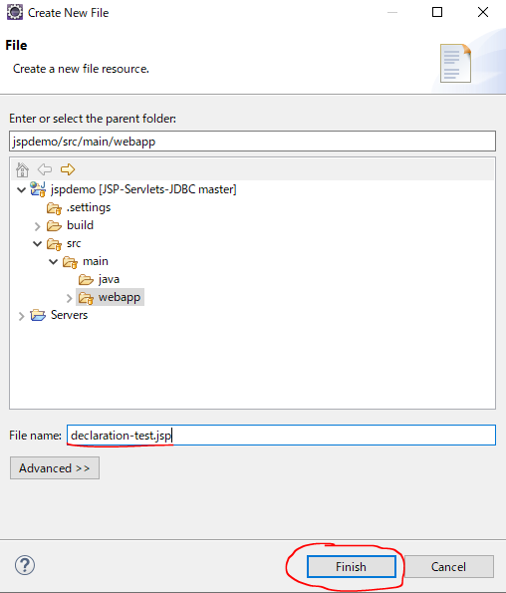

declaration-test.jsp
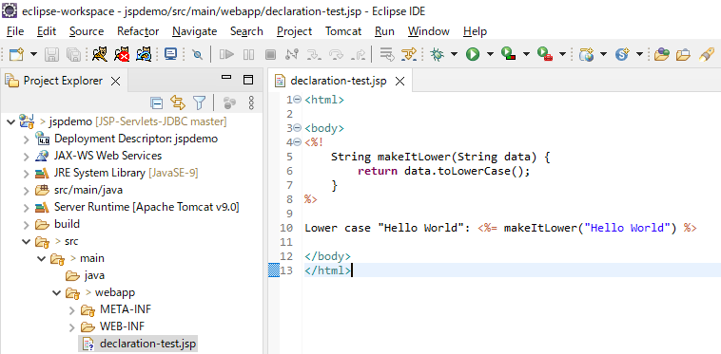

Acess url to test: http://localhost:8080/jspdemo/declaration-test.jsp

Calling a Java Class from JSP
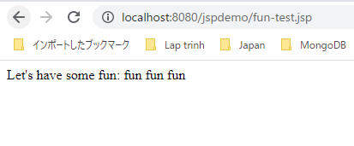
Create Package com.luv2code.jsp
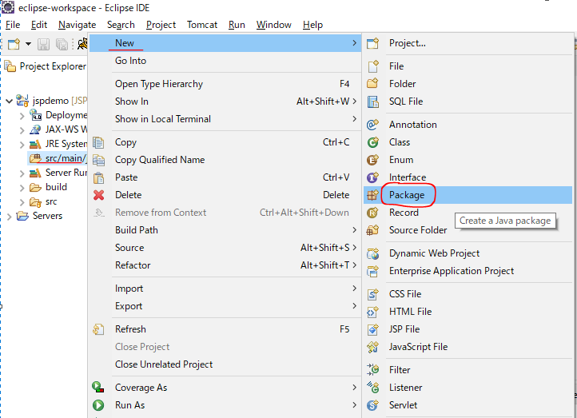

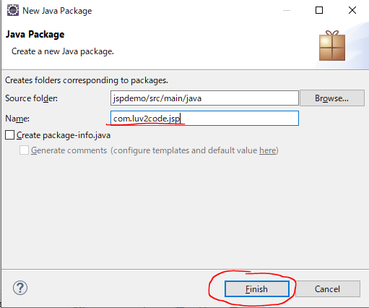

Create class FunUtils
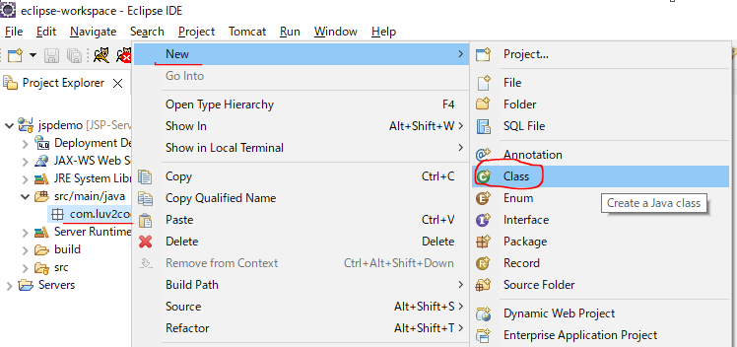

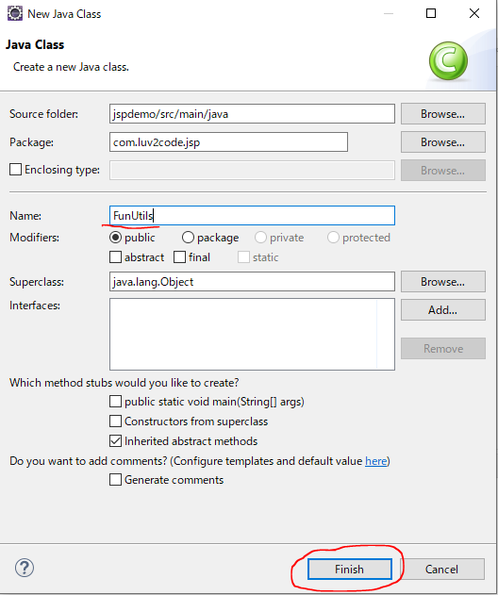

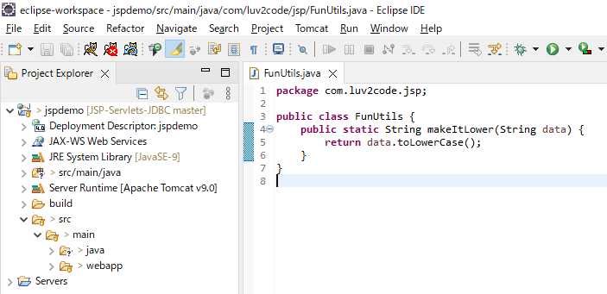

Create fun-test.jsp

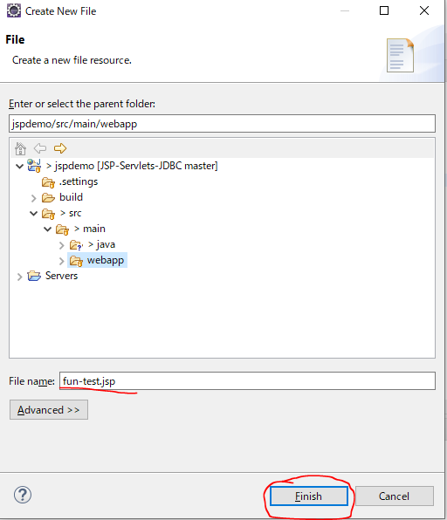

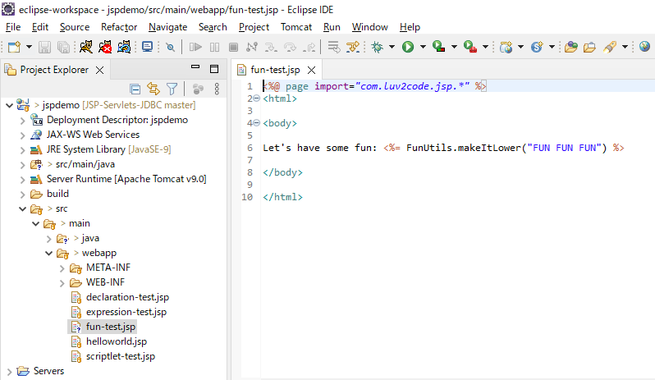

Acess url to test: http://localhost:8080/jspdemo/fun-test.jsp

JSP Built-In Objects
Request Object

Create builtin-test.jsp

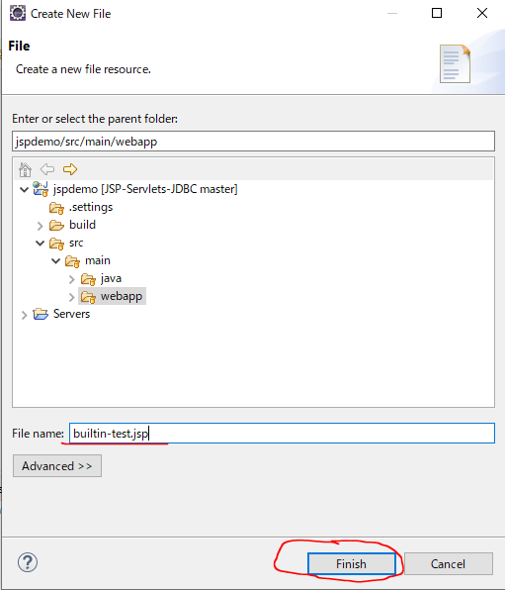

builtin-test.jsp
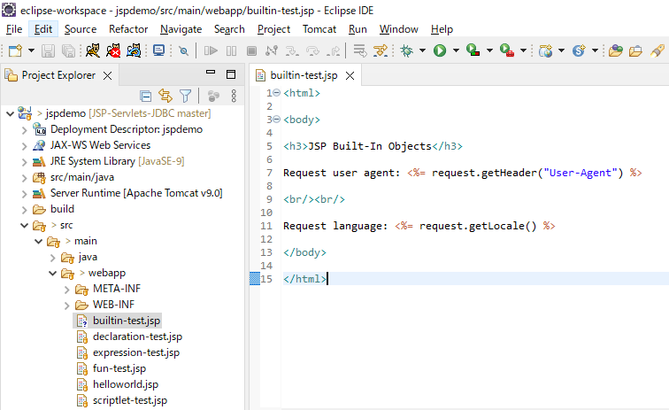

Acess url to test: http://localhost:8080/jspdemo/builtin-test.jsp

Including Files in JSP
Create my-header.html

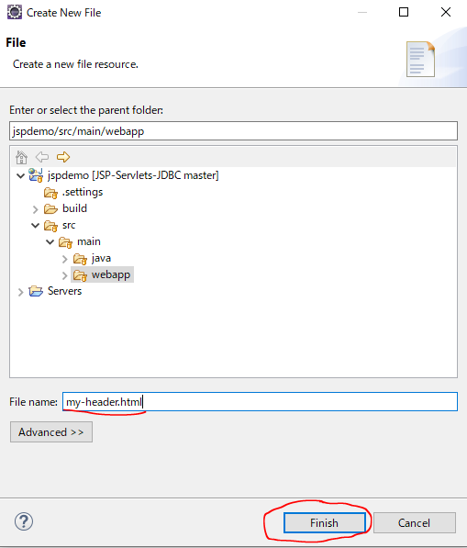

my-header.html
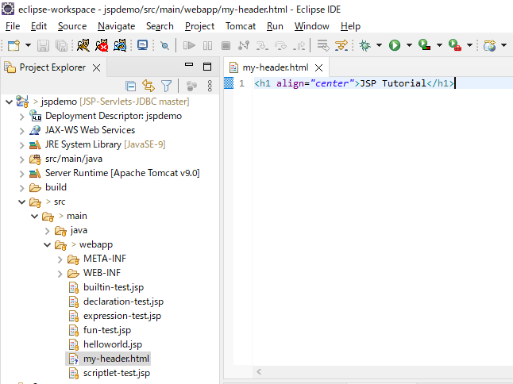

Create my-footer.jsp

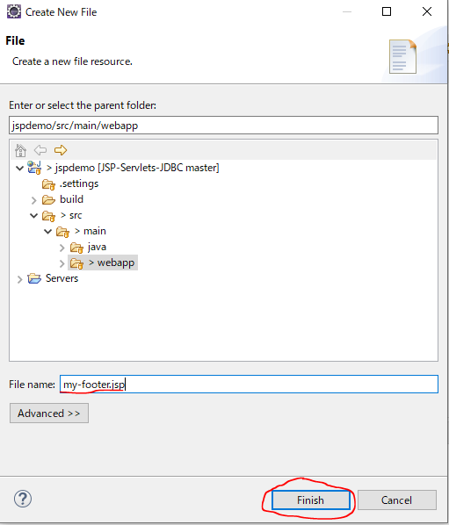

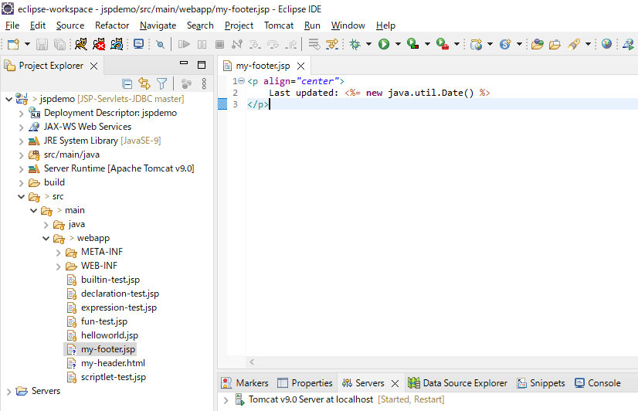

Create homepage.jsp

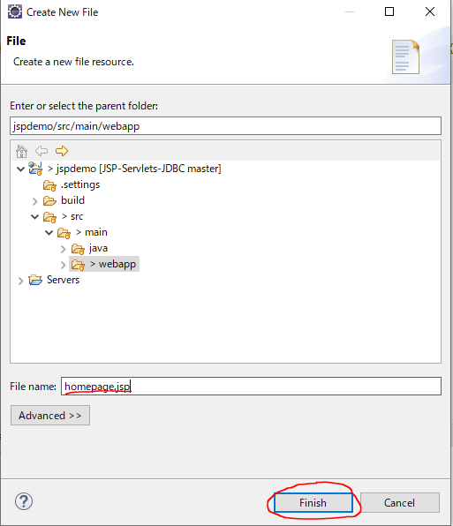

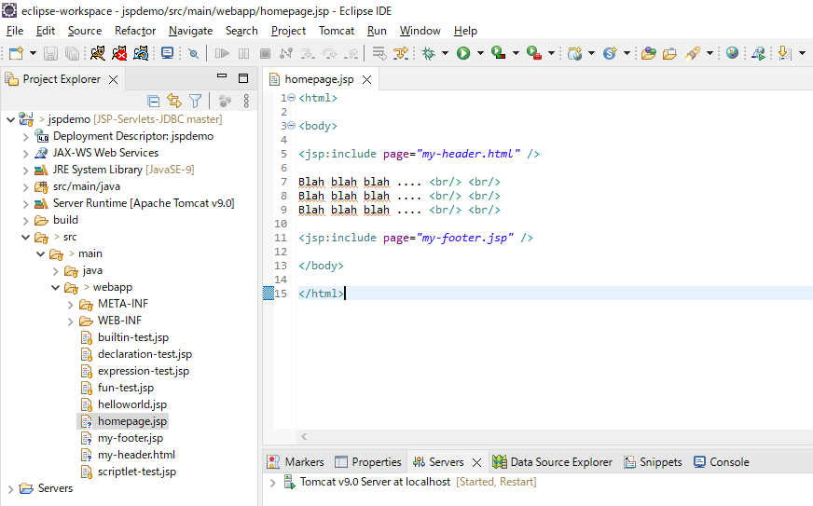

Acess url to test: http://localhost:8080/jspdemo/homepage.jsp

