Using Slots
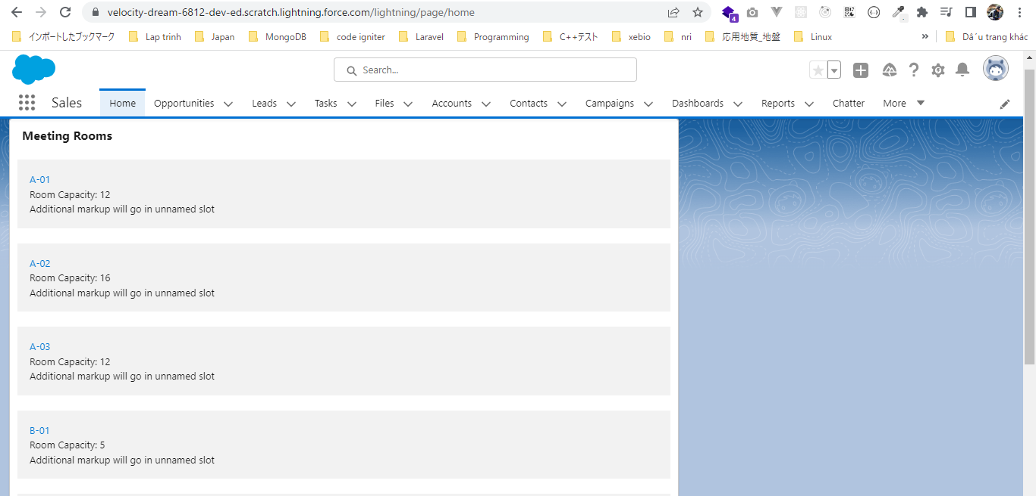
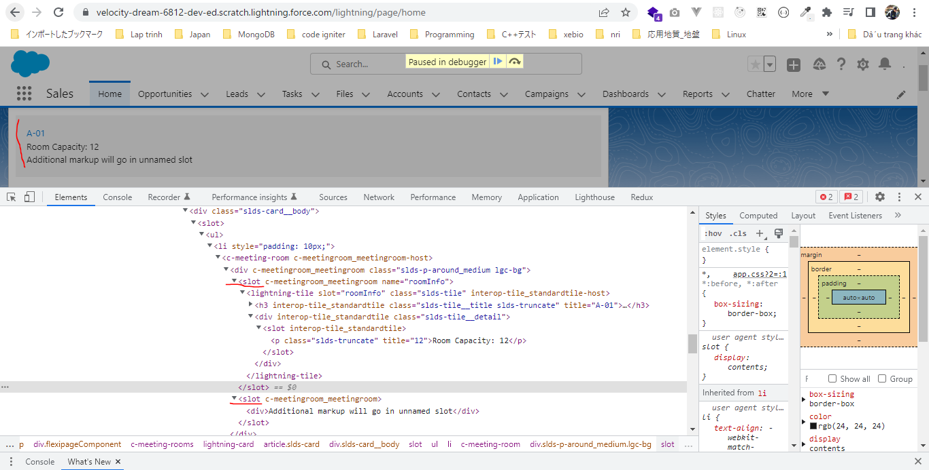
 | We can pass markup from our parent component to the child component by slot
 | There are 2 kinds of slots. One is the name slot where we need to define a name or we need to give a name to slot. And the second one is unamed slot, unamed slot can be zero or maximum 1 in
 | our component. It can not do more than one where we can have as many name slot as we want

構成
 | LightningWebComponent
 |  | LWC
 |  |  | force-app
 |  |  |  | main
 |  |  |  |  | classes
 |  |  |  |  |  | abcd.cls
 |  |  |  |  | lwc
 |  |  |  |  |  | bmiCalculator
 |  |  |  |  |  |  | bmiCalculator.html
 |  |  |  |  |  |  | bmiCalculator.js
 |  |  |  |  |  |  | bmiCalculator.js-meta.xml
 |  |  |  |  |  | conditionalRenderingExample
 |  |  |  |  |  |  | conditionalRenderingExample.html
 |  |  |  |  |  |  | conditionalRenderingExample.js
 |  |  |  |  |  |  | conditionalRenderingExample.js-meta.xml
 |  |  |  |  |  | helloWorld
 |  |  |  |  |  |  | helloWorld.css
 |  |  |  |  |  |  | helloWorld.html
 |  |  |  |  |  |  | helloWorld.js
 |  |  |  |  |  |  | helloWorld.js-meta.xml
 |  |  |  |  |  | meetingRoom
 |  |  |  |  |  |  | meetingRoom.css
 |  |  |  |  |  |  | meetingRoom.html |  |  | → | code
 |  |  |  |  |  |  | meetingRoom.js |  |  | → | code
 |  |  |  |  |  | meetingRooms
 |  |  |  |  |  |  | meetingRooms.html |  |  | → | code
 |  |  |  |  |  |  | meetingRooms.js
 |  |  |  |  |  | secondFileName
 |  |  |  |  |  | simpleCalculator
 |  |  |  |  |  |  | simpleCalculator.html
 |  |  |  |  |  |  | simpleCalculator.js
 |  |  |  |  |  |  | simpleCalculator.js-meta.xml

LightningWebComponent\LWC\force-app\main\default\lwc\meetingRoom\meetingRoom.html
 | <template>
 | <template if:true={showRoomInfo}>
 | <div class="slds-p-around_medium lgc-bg">
 | <slot name="roomInfo"></slot> |  |  |  |  | → | This is name slot because I have given it a name as roomInfo
 | <slot></slot> |  |  |  |  | → | unamed slot
 | </div>
 | </template>
 | </template>

LightningWebComponent\LWC\force-app\main\default\lwc\meetingRoom\meetingRoom.js
 | import { LightningElement, api } from 'lwc';

 | export default class MeetingRoom extends LightningElement {

 | @api showRoomInfo = false;
 | }

LightningWebComponent\LWC\force-app\main\default\lwc\meetingRooms\meetingRooms.html
 | <template>
 | <lightning-card title="Meeting Rooms">
 | <ul>
 | <template for:each={meetingRoomsInfo} for:item="room">
 | <li key={room.roomName} style="padding: 10px">
 | <c-meeting-room show-room-info>
 | <lightning-tile label={room.roomName} slot="roomInfo"> |  |  |  |  |  |  | → | pass this lightning-tile from parent component to to child component where marked by name spot
 | <p class="slds-truncate" title={room.roomCapacity}>Room Capacity:
 | {room.roomCapacity}</p>
 | </lightning-tile>
 | <div>Additional markup will go in unnamed slot</div> |  |  |  |  |  |  | → | pass as unamed slot, to supply mark to unnamed slot we do not have to use the slot attribute
 | </c-meeting-room>
 | </li>
 | </template>
 | </ul>
 | </lightning-card>
 | </template>

Public Methods
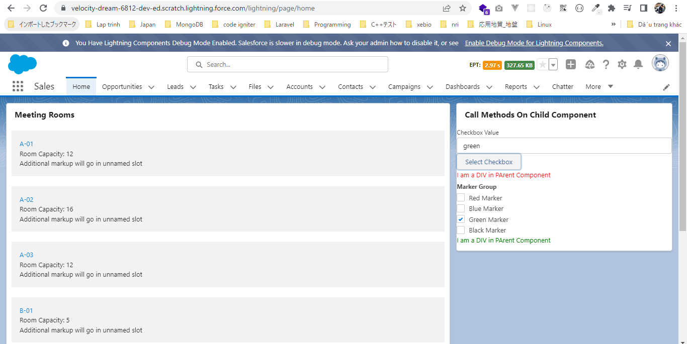
 | In this part we are going to see how we can call the method on child component from the parent component. How to allow a method to be called from parent component.
 | To understand this we are going to build a simple example where we are going to check the check boxes in the child component dynamically from the parent component

 | https://developer.salesforce.com/docs/component-library/bundle/lightning-checkbox-group/example
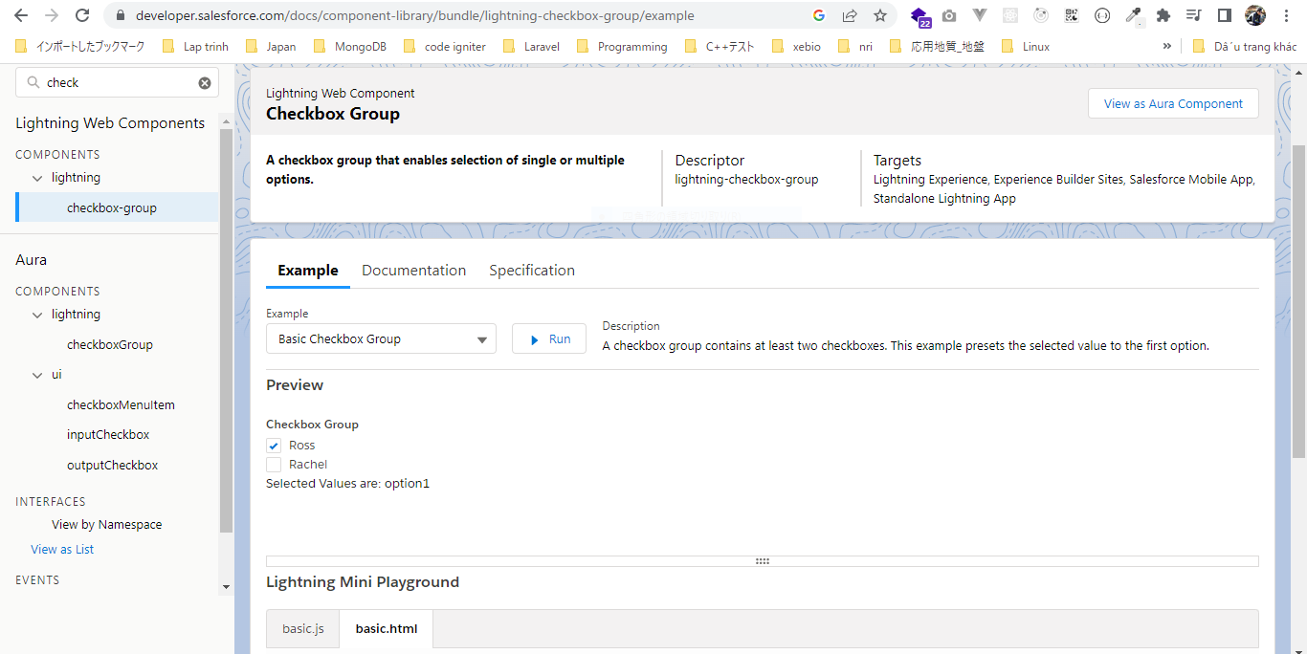

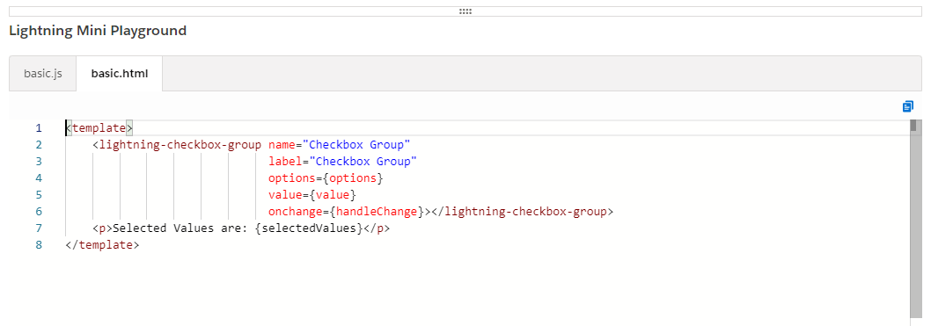

構成
 | LightningWebComponent
 |  | LWC
 |  |  | force-app
 |  |  |  | main
 |  |  |  |  | classes
 |  |  |  |  |  | abcd.cls
 |  |  |  |  | lwc
 |  |  |  |  |  | bmiCalculator
 |  |  |  |  |  |  | bmiCalculator.html
 |  |  |  |  |  |  | bmiCalculator.js
 |  |  |  |  |  |  | bmiCalculator.js-meta.xml
 |  |  |  |  |  | conditionalRenderingExample
 |  |  |  |  |  |  | conditionalRenderingExample.html
 |  |  |  |  |  |  | conditionalRenderingExample.js
 |  |  |  |  |  |  | conditionalRenderingExample.js-meta.xml
 |  |  |  |  |  | helloWorld
 |  |  |  |  |  |  | helloWorld.css
 |  |  |  |  |  |  | helloWorld.html
 |  |  |  |  |  |  | helloWorld.js
 |  |  |  |  |  |  | helloWorld.js-meta.xml
 |  |  |  |  |  | meetingRoom
 |  |  |  |  |  |  | meetingRoom.css
 |  |  |  |  |  |  | meetingRoom.html
 |  |  |  |  |  |  | meetingRoom.js
 |  |  |  |  |  | meetingRooms
 |  |  |  |  |  |  | meetingRooms.html
 |  |  |  |  |  |  | meetingRooms.js
 |  |  |  |  |  | publicMethodChild |  |  |  |  |  | → | new
 |  |  |  |  |  | publicMethodParent |  |  |  |  |  | → | new
 |  |  |  |  |  | secondFileName
 |  |  |  |  |  | simpleCalculator
 |  |  |  |  |  |  | simpleCalculator.html
 |  |  |  |  |  |  | simpleCalculator.js
 |  |  |  |  |  |  | simpleCalculator.js-meta.xml

LightningWebComponent\LWC\force-app\main\default\lwc\publicMethodChild\publicMethodChild.html
 | <template>
 | <lightning-checkbox-group name="Checkbox Group"
 | label="Marker Group"
 | options={options}
 | value={value}></lightning-checkbox-group>

 | <div> I am a DIV in PArent Component</div>
 | </template>

LightningWebComponent\LWC\force-app\main\default\lwc\publicMethodChild\publicMethodChild.js
 | import { LightningElement, track, api } from 'lwc';

 | export default class PublicMethodChild extends LightningElement {
 | @track value = ['red']; |  |  |  |  |  |  | → | Give the default selected as "red"

 | options = [ |  |  |  |  |  |  | → | we do not decorate it with @track because we are not expecting our options value to change. So this is private non-reactive
 | { label: 'Red Marker', value: 'red' }, |  |  |  |  |  |  |  | properties where the value would be the private reactive property
 | { label: 'Blue Marker', value: 'blue' },
 | { label: 'Green Marker', value: 'green' },
 | { label: 'Black Marker', value: 'black' },
 | ];

 | @api |  |  |  |  |  |  | → | Make sure that we declare that particular method as a public method. That means similar to the public properties we
 | selectCheckbox(checkboxValue){ |  |  |  |  |  |  |  | need to decorate our method with @api decorator. This checkboxValue is supplied from parent
 | const selectedCheckbox = this.options.find( checkbox =>{
 | return checkboxValue === checkbox.value;
 | })

 | if(selectedCheckbox){ |  |  |  |  |  |  | → | check selectedCheckbox is undefined or not. Because if there is no match found in this selected checkbox would be undefined
 | this.value = selectedCheckbox.value; |  |  |  |  |  |  |  | If selectedCheckbox found then we check that particular check in particular Component
 | return "Successfully checked";
 | }
 | return "No checkbox found";

 | }
 | }

LightningWebComponent\LWC\force-app\main\default\lwc\publicMethodChild\publicMethodChild.js-meta.xml
 | <?xml version="1.0" encoding="UTF-8"?>
 | <LightningComponentBundle xmlns="http://soap.sforce.com/2006/04/metadata">
 | <apiVersion>55.0</apiVersion>
 | <isExposed>true</isExposed>
 | <targets>
 | <target>lightning__RecordPage</target>
 | <target>lightning__AppPage</target>
 | <target>lightning__HomePage</target>
 | </targets>
 | </LightningComponentBundle>

LightningWebComponent\LWC\force-app\main\default\lwc\publicMethodParent\publicMethodParent.html
 | <template>
 | <lightning-card title="Call Methods On Child Component">
 | <lightning-input value={value} label="Checkbox Value" onchange={onInputChangeHandler}></lightning-input> |  |  |  |  |  |  |  |  |  |  |  | → | declare a input box to supply the checkbox value
 | <lightning-button label="Select Checkbox" onclick={checkboxSelectHandler}></lightning-button>
 | <div> I am a DIV in PArent Component</div>
 | <c-public-method-child ></c-public-method-child> |  |  |  |  |  |  |  |  |  |  |  | → | call child component
 | </lightning-card>
 | </template>

LightningWebComponent\LWC\force-app\main\default\lwc\publicMethodParent\publicMethodParent.js
 | import { LightningElement, track } from 'lwc';

 | export default class PublicMethodParent extends LightningElement {
 | @track value;

 | checkboxSelectHandler(){
 | const childComponent = this.template.querySelector('c-public-method-child'); |  |  |  |  |  |  |  |  | → | get child component element by use querySelector javascript method which allows us to select a component(use tag name we can say the component name) from markup or select element from our markup using CSS selector
 | const returnedMessage = childComponent.selectCheckbox(this.value); |  |  |  |  |  |  |  |  | → | call selectCheckbox method in child component from our parent component
 | console.log('Returned Message: ', returnedMessage);
 | }

 | onInputChangeHandler(event){ |  |  |  |  |  |  |  |  | → | @track properties is reactive properties but it only creates the binding from our javascript to our markup. To
 | this.value = event.target.value; |  |  |  |  |  |  |  |  |  | create the binding from our markup to the Javascript we need to use the onchange event
 | }
 | }

Test browser
 | The red marker is selected by default
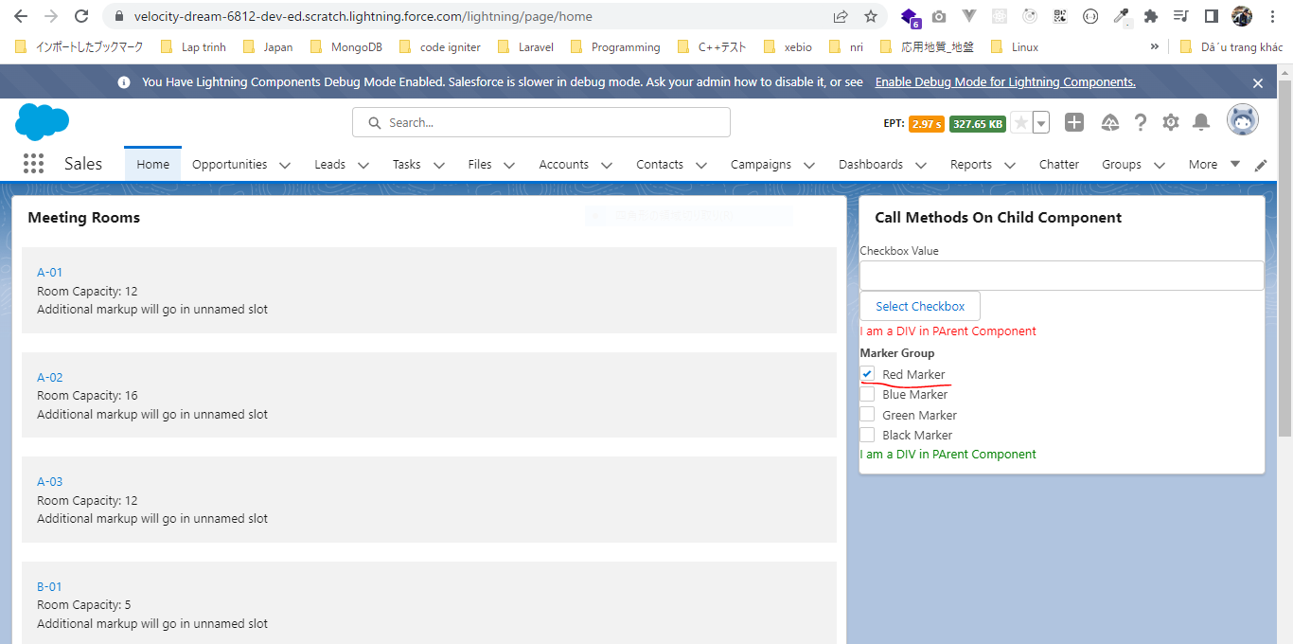



 | after input "green" then click "Select Checkbox" button, "Green Marker" will be auto selected

