Display A Toast Notification
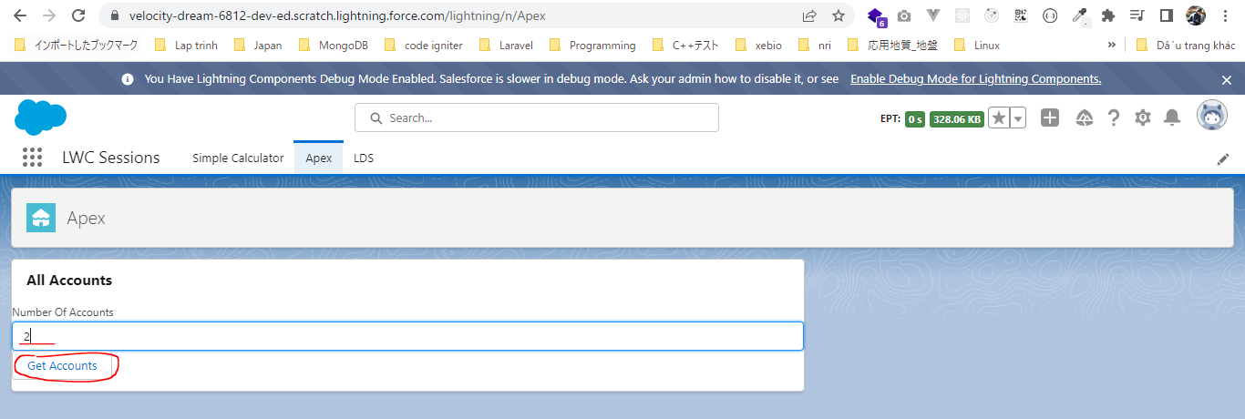
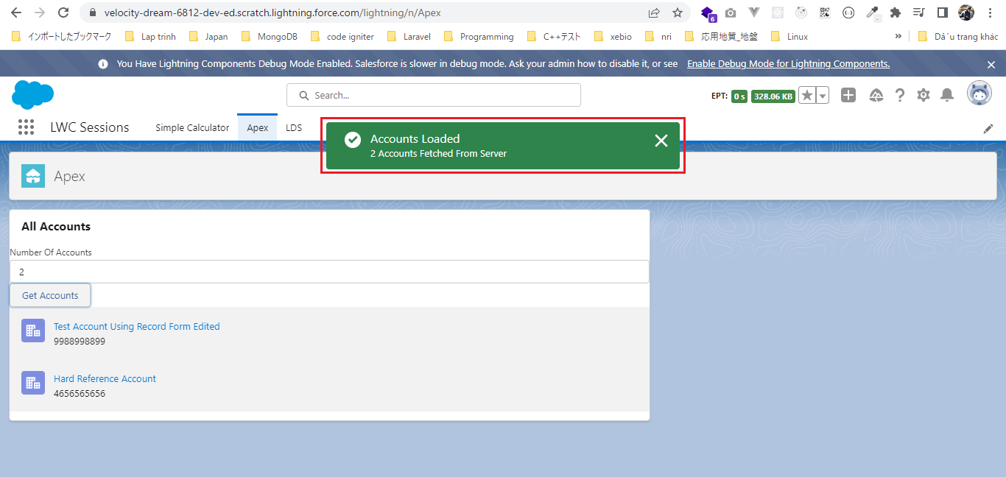
構成
 | LightningWebComponent
 |  | LWC
 |  |  | force-app
 |  |  |  | main
 |  |  |  |  | classes
 |  |  |  |  |  | abcd.cls
 |  |  |  |  |  | AccountManager.cls
 |  |  |  |  | lwc
 |  |  |  |  |  | accountManageApex
 |  |  |  |  |  |  | accountManageApex.css
 |  |  |  |  |  |  | accountManageApex.html
 |  |  |  |  |  |  | accountManageApex.js |  |  | → | code
 |  |  |  |  |  |  | accountManageApex.js-meta.xml
 |  |  |  |  |  | accountManagerLDS
 |  |  |  |  |  |  | accountManagerLDS.html
 |  |  |  |  |  |  | accountManagerLDS.js
 |  |  |  |  |  |  | accountManagerLDS.js-meta.xml
 |  |  |  |  |  | accountManagerLDSForms
 |  |  |  |  |  |  | accountManagerLDSForms.html
 |  |  |  |  |  |  | accountManagerLDSForms.js
 |  |  |  |  |  |  | accountManagerLDSForms.js-meta.xml
 |  |  |  |  |  | accountRecordForm
 |  |  |  |  |  |  | accountRecordForm.html
 |  |  |  |  |  |  | accountRecordForm.js
 |  |  |  |  |  |  | accountRecordForm.js-meta.xml
 |  |  |  |  |  | bmi
 |  |  |  |  |  |  | bmi.js
 |  |  |  |  |  | bmiCalculator
 |  |  |  |  |  |  | bmiCalculator.html
 |  |  |  |  |  |  | bmiCalculator.js
 |  |  |  |  |  |  | bmiCalculator.js-meta.xml
 |  |  |  |  |  | conditionalRenderingExample
 |  |  |  |  |  |  | conditionalRenderingExample.html
 |  |  |  |  |  |  | conditionalRenderingExample.js
 |  |  |  |  |  |  | conditionalRenderingExample.js-meta.xml
 |  |  |  |  |  | helloWorld
 |  |  |  |  |  |  | helloWorld.css
 |  |  |  |  |  |  | helloWorld.html
 |  |  |  |  |  |  | helloWorld.js
 |  |  |  |  |  |  | helloWorld.js-meta.xml
 |  |  |  |  |  | lifecycleDemo
 |  |  |  |  |  |  | lifecycleDemo.html
 |  |  |  |  |  |  | lifecycleDemo.js
 |  |  |  |  |  |  | lifecycleDemo.js-meta.xml
 |  |  |  |  |  | meetingRoom
 |  |  |  |  |  |  | meetingRoom.css
 |  |  |  |  |  |  | meetingRoom.html
 |  |  |  |  |  |  | meetingRoom.js
 |  |  |  |  |  | meetingRooms
 |  |  |  |  |  |  | meetingRooms.html
 |  |  |  |  |  |  | meetingRooms.js
 |  |  |  |  |  | publicMethodChild
 |  |  |  |  |  |  | publicMethodChild.css
 |  |  |  |  |  |  | publicMethodChild.html
 |  |  |  |  |  |  | publicMethodChild.js
 |  |  |  |  |  |  | publicMethodChild.js-meta.xml
 |  |  |  |  |  | publicMethodParent
 |  |  |  |  |  |  | publicMethodParent.css
 |  |  |  |  |  |  | publicMethodParent.html
 |  |  |  |  |  |  | publicMethodParent.js
 |  |  |  |  |  |  | publicMethodParent.js-meta.xml
 |  |  |  |  |  | pubsub
 |  |  |  |  |  |  | pubsub.js
 |  |  |  |  |  |  | pubsub.js-meta.xml
 |  |  |  |  |  | secondFileName
 |  |  |  |  |  | selectedMeetingRoom
 |  |  |  |  |  |  | selectedMeetingRoom.html
 |  |  |  |  |  |  | selectedMeetingRoom.js
 |  |  |  |  |  | simpleCalculator
 |  |  |  |  |  |  | simpleCalculator.html
 |  |  |  |  |  |  | simpleCalculator.js
 |  |  |  |  |  |  | simpleCalculator.js-meta.xml

LightningWebComponent\LWC\force-app\main\default\lwc\accountManageApex\accountManageApex.js
 | import { LightningElement, track } from 'lwc';
 | import getAllAccounts from '@salesforce/apex/AccountManager.getAccount'
 | import {ShowToastEvent} from 'lightning/platformShowToastEvent';

 | export default class AccountManageApex extends LightningElement {

 | numberOfRecords;
 | @track accounts;

 | get responseReceived(){
 | if(this.accounts){
 | return true;
 | }
 | return false;
 | }

 | numberOfAccountChangeHandler(event){
 | this.numberOfRecords = event.target.value;
 | }

 | getAccounts(){
 | getAllAccounts({numberOfRecords:this.numberOfRecords}).then(response =>{
 | this.accounts = response;
 | const toastEvent = new ShowToastEvent({ |  |  |  |  |  |  | → | constructor for ShowToastEvent
 | title : 'Accounts Loaded',
 | message : this.numberOfRecords + ' Accounts Fetched From Server',
 | variant : 'success',
 | });
 | this.dispatchEvent(toastEvent);
 | }).catch(error =>{
 | console.error('Error in getting the accounts', error.body.message);
 | const toastEvent = new ShowToastEvent({
 | title : 'ERROR',
 | message : error.body.message,
 | variant : 'error',
 | });
 | this.dispatchEvent(toastEvent);
 | })
 | }

 | }

Test browser

