JTest Setup
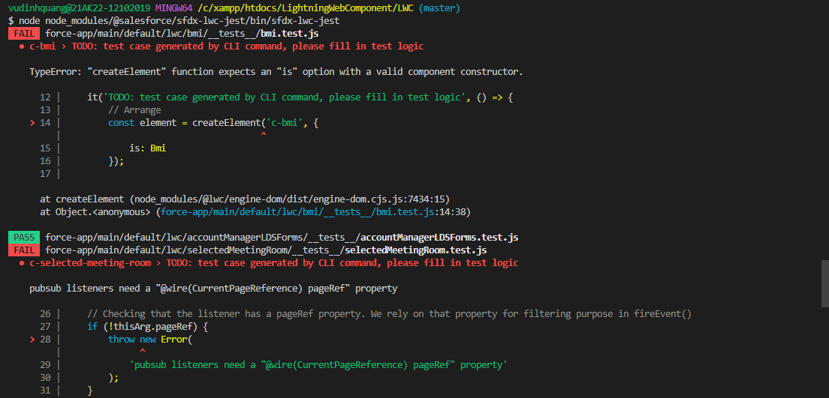
 | Similar to Apex, Lightning Web Component can also have units test and for that Salesforce uses jest framework. So this means we can write the unit test for our LWC component and then we
 | can run those tests to find out the bugs in our components or some may be programming errors as well. Now jest already have in project

構成
 | LightningWebComponent
 |  | LWC
 |  |  | force-app
 |  |  |  | main
 |  |  |  |  | classes
 |  |  |  |  |  | abcd.cls
 |  |  |  |  |  | AccountManager.cls
 |  |  |  |  | aura
 |  |  |  |  |  | MeetingRoomAura
 |  |  |  |  |  |  | MeetingRoomAura.cmp
 |  |  |  |  |  |  | MeetingRoomAuraController.js
 |  |  |  |  |  | MeetingRoomPubSubHandler
 |  |  |  |  |  |  | MeetingRoomPubSubHandler.cmp
 |  |  |  |  |  |  | MeetingRoomPubSubHandlerController.js
 |  |  |  |  | lwc
 |  |  |  |  |  | accountManageApex
 |  |  |  |  |  |  | accountManageApex.css
 |  |  |  |  |  |  | accountManageApex.html
 |  |  |  |  |  |  | accountManageApex.js
 |  |  |  |  |  |  | accountManageApex.js-meta.xml
 |  |  |  |  |  | accountManagerLDS
 |  |  |  |  |  |  | accountManagerLDS.html
 |  |  |  |  |  |  | accountManagerLDS.js
 |  |  |  |  |  |  | accountManagerLDS.js-meta.xml
 |  |  |  |  |  | accountManagerLDSForms
 |  |  |  |  |  |  | accountManagerLDSForms.html
 |  |  |  |  |  |  | accountManagerLDSForms.js
 |  |  |  |  |  |  | accountManagerLDSForms.js-meta.xml
 |  |  |  |  |  | accountRecordForm
 |  |  |  |  |  |  | accountRecordForm.html
 |  |  |  |  |  |  | accountRecordForm.js
 |  |  |  |  |  |  | accountRecordForm.js-meta.xml
 |  |  |  |  |  | auraPubsub
 |  |  |  |  |  |  | auraPubsub.js
 |  |  |  |  |  |  | auraPubsub.js-meta.xml
 |  |  |  |  |  | bmi
 |  |  |  |  |  |  | bmi.js
 |  |  |  |  |  | bmiCalculator
 |  |  |  |  |  |  | bmiCalculator.html
 |  |  |  |  |  |  | bmiCalculator.js
 |  |  |  |  |  |  | bmiCalculator.js-meta.xml
 |  |  |  |  |  | conditionalRenderingExample
 |  |  |  |  |  |  | conditionalRenderingExample.html
 |  |  |  |  |  |  | conditionalRenderingExample.js
 |  |  |  |  |  |  | conditionalRenderingExample.js-meta.xml
 |  |  |  |  |  | helloWorld
 |  |  |  |  |  |  | helloWorld.css
 |  |  |  |  |  |  | helloWorld.html
 |  |  |  |  |  |  | helloWorld.js
 |  |  |  |  |  |  | helloWorld.js-meta.xml
 |  |  |  |  |  | lifecycleDemo
 |  |  |  |  |  |  | lifecycleDemo.html
 |  |  |  |  |  |  | lifecycleDemo.js
 |  |  |  |  |  |  | lifecycleDemo.js-meta.xml
 |  |  |  |  |  | meetingRoom
 |  |  |  |  |  |  | meetingRoom.css
 |  |  |  |  |  |  | meetingRoom.html
 |  |  |  |  |  |  | meetingRoom.js
 |  |  |  |  |  | meetingRooms
 |  |  |  |  |  |  | meetingRooms.html
 |  |  |  |  |  |  | meetingRooms.js
 |  |  |  |  |  | navigationExample
 |  |  |  |  |  |  | navigationExample.html
 |  |  |  |  |  |  | navigationExample.js
 |  |  |  |  |  |  | navigationExample.js-meta.xml
 |  |  |  |  |  | publicMethodChild
 |  |  |  |  |  |  | publicMethodChild.css
 |  |  |  |  |  |  | publicMethodChild.html
 |  |  |  |  |  |  | publicMethodChild.js
 |  |  |  |  |  |  | publicMethodChild.js-meta.xml
 |  |  |  |  |  | publicMethodParent
 |  |  |  |  |  |  | publicMethodParent.css
 |  |  |  |  |  |  | publicMethodParent.html
 |  |  |  |  |  |  | publicMethodParent.js
 |  |  |  |  |  |  | publicMethodParent.js-meta.xml
 |  |  |  |  |  | pubsub
 |  |  |  |  |  |  | pubsub.js
 |  |  |  |  |  |  | pubsub.js-meta.xml
 |  |  |  |  |  | secondFileName
 |  |  |  |  |  | selectedMeetingRoom
 |  |  |  |  |  |  | selectedMeetingRoom.html
 |  |  |  |  |  |  | selectedMeetingRoom.js
 |  |  |  |  |  | simpleCalculator
 |  |  |  |  |  |  | simpleCalculator.html
 |  |  |  |  |  |  | simpleCalculator.js
 |  |  |  |  |  |  | simpleCalculator.js-meta.xml
 |  |  |  |  |  | simpleLightBoxExample
 |  |  |  |  |  |  | simpleLightBoxExample.html
 |  |  |  |  |  |  | simpleLightBoxExample.js
 |  |  |  |  |  |  | simpleLightBoxExample.js-meta.xml
 |  |  | package.json

htdocs\LightningWebComponent\LWC\package.json
 | {
 | "name": "salesforce-app",
 | "private": true,
 | "version": "1.0.0",
 | "description": "Salesforce App",
 | "scripts": {
 | "lint": "eslint **/{aura,lwc}/**",
 | "test": "npm run test:unit",
 | "test:unit": "sfdx-lwc-jest",
 | "test:unit:watch": "sfdx-lwc-jest --watch",
 | "test:unit:debug": "sfdx-lwc-jest --debug",
 | "test:unit:coverage": "sfdx-lwc-jest --coverage",
 | "prettier": "prettier --write \"**/*.{cls,cmp,component,css,html,js,json,md,page,trigger,xml,yaml,yml}\"",
 | "prettier:verify": "prettier --list-different \"**/*.{cls,cmp,component,css,html,js,json,md,page,trigger,xml,yaml,yml}\"",
 | "postinstall": "husky install",
 | "precommit": "lint-staged"
 | },
 | "devDependencies": {
 | "@lwc/eslint-plugin-lwc": "^1.1.2",
 | "@prettier/plugin-xml": "^2.0.1",
 | "@salesforce/eslint-config-lwc": "^3.2.3",
 | "@salesforce/eslint-plugin-aura": "^2.0.0",
 | "@salesforce/eslint-plugin-lightning": "^1.0.0",
 | "@salesforce/sfdx-lwc-jest": "^1.1.0", |  |  |  |  |  |  | → | That means already have the jest framework set up for our project
 | "eslint": "^8.11.0",
 | "eslint-plugin-import": "^2.25.4",
 | "eslint-plugin-jest": "^26.1.2",
 | "husky": "^7.0.4",
 | "lint-staged": "^12.3.7",
 | "prettier": "^2.6.0",
 | "prettier-plugin-apex": "^1.10.0"
 | },
 | "lint-staged": {
 | "**/*.{cls,cmp,component,css,html,js,json,md,page,trigger,xml,yaml,yml}": [
 | "prettier --write"
 | ],
 | "**/{aura,lwc}/**": [
 | "eslint"
 | ]
 | }
 | }

 | npm install
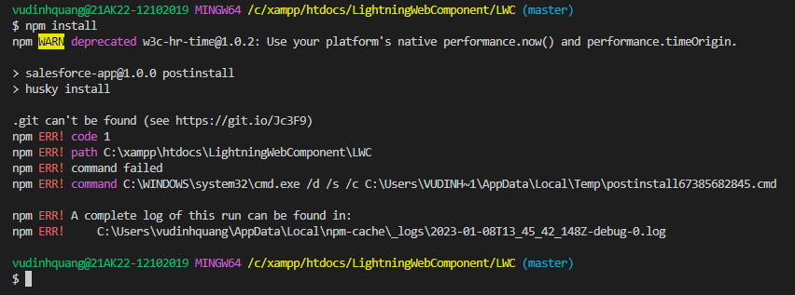

 | install jest framework
 | sfdx force:lightning:lwc:test:setup

 | make sure that jest framework is properly installed
 | node node_modules/@salesforce/sfdx-lwc-jest/bin/sfdx-lwc-jest
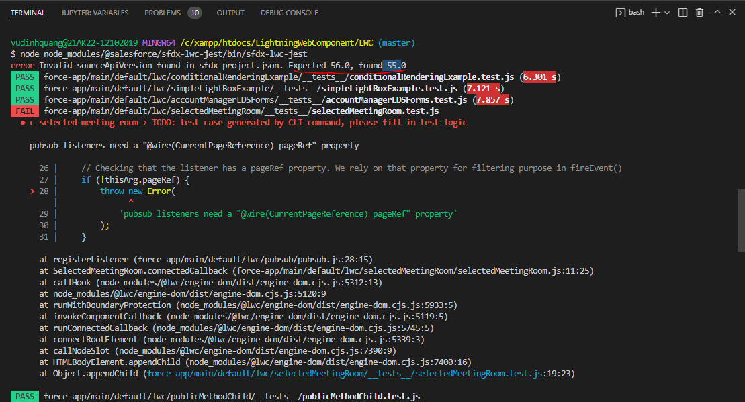

 | LightningWebComponent\LWC\sfdx-project.json
 | {
 | "packageDirectories": [
 | {
 | "path": "force-app",
 | "default": true
 | }
 | ],
 | "name": "LWC",
 | "namespace": "",
 | "sfdcLoginUrl": "https://login.salesforce.com",
 | "sourceApiVersion": "56.0"
 | }

 | test again
 | node node_modules/@salesforce/sfdx-lwc-jest/bin/sfdx-lwc-jest
 | We can confirm that are jest is properly installed

WritingTestsForLightningWebCmp
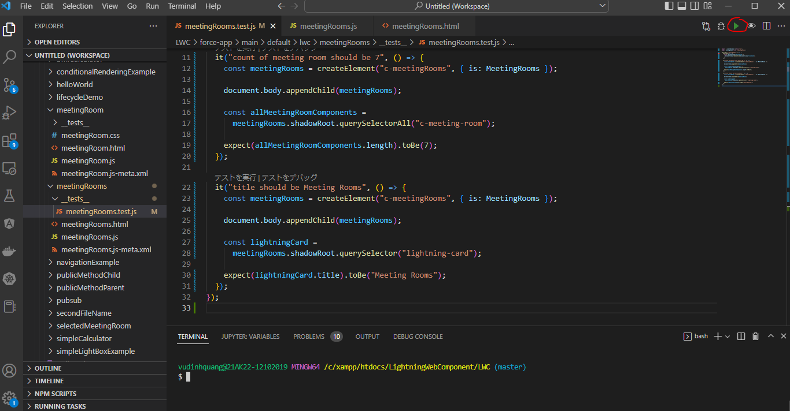
 | We have our framework set up and we are ready to write our scripts, we are going to write the script for meetingRooms component

構成
 | LightningWebComponent
 |  | LWC
 |  |  | force-app
 |  |  |  | main
 |  |  |  |  | classes
 |  |  |  |  |  | abcd.cls
 |  |  |  |  |  | AccountManager.cls
 |  |  |  |  | aura
 |  |  |  |  |  | MeetingRoomAura
 |  |  |  |  |  |  | MeetingRoomAura.cmp
 |  |  |  |  |  |  | MeetingRoomAuraController.js
 |  |  |  |  |  | MeetingRoomPubSubHandler
 |  |  |  |  |  |  | MeetingRoomPubSubHandler.cmp
 |  |  |  |  |  |  | MeetingRoomPubSubHandlerController.js
 |  |  |  |  | lwc
 |  |  |  |  |  | accountManageApex
 |  |  |  |  |  |  | accountManageApex.css
 |  |  |  |  |  |  | accountManageApex.html
 |  |  |  |  |  |  | accountManageApex.js
 |  |  |  |  |  |  | accountManageApex.js-meta.xml
 |  |  |  |  |  | accountManagerLDS
 |  |  |  |  |  |  | accountManagerLDS.html
 |  |  |  |  |  |  | accountManagerLDS.js
 |  |  |  |  |  |  | accountManagerLDS.js-meta.xml
 |  |  |  |  |  | accountManagerLDSForms
 |  |  |  |  |  |  | accountManagerLDSForms.html
 |  |  |  |  |  |  | accountManagerLDSForms.js
 |  |  |  |  |  |  | accountManagerLDSForms.js-meta.xml
 |  |  |  |  |  | accountRecordForm
 |  |  |  |  |  |  | accountRecordForm.html
 |  |  |  |  |  |  | accountRecordForm.js
 |  |  |  |  |  |  | accountRecordForm.js-meta.xml
 |  |  |  |  |  | auraPubsub
 |  |  |  |  |  |  | auraPubsub.js
 |  |  |  |  |  |  | auraPubsub.js-meta.xml
 |  |  |  |  |  | bmi
 |  |  |  |  |  |  | bmi.js
 |  |  |  |  |  | bmiCalculator
 |  |  |  |  |  |  | bmiCalculator.html
 |  |  |  |  |  |  | bmiCalculator.js
 |  |  |  |  |  |  | bmiCalculator.js-meta.xml
 |  |  |  |  |  | conditionalRenderingExample
 |  |  |  |  |  |  | conditionalRenderingExample.html
 |  |  |  |  |  |  | conditionalRenderingExample.js
 |  |  |  |  |  |  | conditionalRenderingExample.js-meta.xml
 |  |  |  |  |  | helloWorld
 |  |  |  |  |  |  | helloWorld.css
 |  |  |  |  |  |  | helloWorld.html
 |  |  |  |  |  |  | helloWorld.js
 |  |  |  |  |  |  | helloWorld.js-meta.xml
 |  |  |  |  |  | lifecycleDemo
 |  |  |  |  |  |  | lifecycleDemo.html
 |  |  |  |  |  |  | lifecycleDemo.js
 |  |  |  |  |  |  | lifecycleDemo.js-meta.xml
 |  |  |  |  |  | meetingRoom
 |  |  |  |  |  |  | meetingRoom.css
 |  |  |  |  |  |  | meetingRoom.html
 |  |  |  |  |  |  | meetingRoom.js
 |  |  |  |  |  | meetingRooms
 |  |  |  |  |  |  | __tests__ |  |  |  | → | new
 |  |  |  |  |  |  |  | meetingRooms.test.js
 |  |  |  |  |  |  | meetingRooms.html
 |  |  |  |  |  |  | meetingRooms.js
 |  |  |  |  |  | navigationExample
 |  |  |  |  |  |  | navigationExample.html
 |  |  |  |  |  |  | navigationExample.js
 |  |  |  |  |  |  | navigationExample.js-meta.xml
 |  |  |  |  |  | publicMethodChild
 |  |  |  |  |  |  | publicMethodChild.css
 |  |  |  |  |  |  | publicMethodChild.html
 |  |  |  |  |  |  | publicMethodChild.js
 |  |  |  |  |  |  | publicMethodChild.js-meta.xml
 |  |  |  |  |  | publicMethodParent
 |  |  |  |  |  |  | publicMethodParent.css
 |  |  |  |  |  |  | publicMethodParent.html
 |  |  |  |  |  |  | publicMethodParent.js
 |  |  |  |  |  |  | publicMethodParent.js-meta.xml
 |  |  |  |  |  | pubsub
 |  |  |  |  |  |  | pubsub.js
 |  |  |  |  |  |  | pubsub.js-meta.xml
 |  |  |  |  |  | secondFileName
 |  |  |  |  |  | selectedMeetingRoom
 |  |  |  |  |  |  | selectedMeetingRoom.html
 |  |  |  |  |  |  | selectedMeetingRoom.js
 |  |  |  |  |  | simpleCalculator
 |  |  |  |  |  |  | simpleCalculator.html
 |  |  |  |  |  |  | simpleCalculator.js
 |  |  |  |  |  |  | simpleCalculator.js-meta.xml
 |  |  |  |  |  | simpleLightBoxExample
 |  |  |  |  |  |  | simpleLightBoxExample.html
 |  |  |  |  |  |  | simpleLightBoxExample.js
 |  |  |  |  |  |  | simpleLightBoxExample.js-meta.xml
 |  |  | package.json

existing component
LightningWebComponent\LWC\force-app\main\default\lwc\meetingRooms\meetingRooms.html
 | <template>
 | <lightning-card title="Meeting Rooms">
 | <lightning-layout>
 | <lightning-layout-item size="4" padding="around-small">
 | <ul>
 | <template for:each={meetingRoomsInfo} for:item="room">
 | <li key={room.roomName} style="padding: 10px">
 | <c-meeting-room meeting-room-info={room} show-room-info></c-meeting-room>
 | </li>
 | </template>
 | </ul>
 | </lightning-layout-item>
 | <lightning-layout-item size="8" padding="around-small">
 | You have selected : {selectedMeetingRoom}
 | </lightning-layout-item>
 | </lightning-layout>
 | </lightning-card>
 | </template>

LightningWebComponent\LWC\force-app\main\default\lwc\meetingRooms\meetingRooms.js
 | import { LightningElement, track } from 'lwc';

 | export default class MeetingRooms extends LightningElement {

 | @track selectedMeetingRoom;

 | meetingRoomsInfo = [
 | {roomName:'A-01', roomCapacity:'12'},
 | {roomName:'A-02', roomCapacity:'16'},
 | {roomName:'A-03', roomCapacity:'12'},
 | {roomName:'B-01', roomCapacity:'5'},
 | {roomName:'B-02', roomCapacity:'8'},
 | {roomName:'B-03', roomCapacity:'10'},
 | {roomName:'C-01', roomCapacity:'20'}

 | ];

 | onTileSelectHandler(event){
 | const meetingRoomInfo = event.detail;
 | this.selectedMeetingRoom = meetingRoomInfo.roomName;
 | }

 | constructor(){
 | super();
 | this.template.addEventListener('tileclick', this.onTileSelectHandler.bind(this));
 | }
 | }

LightningWebComponent\LWC\force-app\main\default\lwc\meetingRooms\__tests__\meetingRooms.test.js
 | import { createElement } from "lwc"; |  |  |  |  |  |  |  | → | import createElement function. This function does is it creates the dynamic LWC and this function is only available within the tests file. We can not use this function in our normal like Lightning Web Component because tests file does not run in actual browser, it creates a virtual DOM and in that virtual DOM this method creates Lightning Web Component
 | import MeetingRooms from "c/meetingRooms"; |  |  |  |  |  |  |  | → | import the component that we want to test

 | describe("c-meetingRooms", () => { |  |  |  |  |  |  |  | → | Every test script has describe-it pattern, describe means our test switch and it means our actual test. Within describe we need to define what we want to test, in this case we want to test meetingRooms component
 |  |  |  |  |  |  |  |  |  | the second argument of describe method is a function we can call it a callback function which contains our test scripts, we can have as many as tests as we want and each of these test method starts with it method
 | afterEach(() => { |  |  |  |  |  |  |  | → | this afterEach method executes after each every test that we have. As soon as a test complete(an it completed) afterEach will be executed
 | while (document.body.firstChild) { |  |  |  |  |  |  |  |  | we are going to clear our document body, clean/empty our document body before we run next test
 | document.body.removeChild(document.body.firstChild);
 | }
 | });

 | it("count of meeting room should be 7", () => { |  |  |  |  |  |  |  | → | The first argument is a description of a test like what do we actually want to test, In our case we are going to test if this meetingRooms component has meetingRoom within it or not because we generated 7 meetingRoom. The second argument is the test that we want to to run, it is a callback function
 | const meetingRooms = createElement("c-meetingRooms", { is: MeetingRooms }); |  |  |  |  |  |  |  | → | We first need to create meetingRooms component with the first argument is the name of component "c-meetingRooms", and the second argument is define the actual type of this component is MeetingRooms

 | document.body.appendChild(meetingRooms); |  |  |  |  |  |  |  | → | inject meetingRooms component dynamically within DOM body

 | const allMeetingRoomComponents = |  |  |  |  |  |  |  | → | write an actual test and our actual test would be to count the number of MeetingRoom component within MeetingRooms component which should be 7
 | meetingRooms.shadowRoot.querySelectorAll("c-meeting-room"); |  |  |  |  |  |  |  | → | We can use the shadowRoot because each of these components will be attached to this shadowRoot

 | expect(allMeetingRoomComponents.length).toBe(7); |  |  |  |  |  |  |  | → | in jest framework we have expect method to test
 | });

 | it("title should be Meeting Rooms", () => { |  |  |  |  |  |  |  | → | test the title of meetingRooms component
 | const meetingRooms = createElement("c-meetingRooms", { is: MeetingRooms });

 | document.body.appendChild(meetingRooms);

 | const lightningCard =
 | meetingRooms.shadowRoot.querySelector("lightning-card"); |  |  |  |  |  |  |  | → | use querySelector method not querySelectorAll

 | expect(lightningCard.title).toBe("Meeting Rooms");
 | });
 | });

existing
LightningWebComponent\LWC\package.json
 | {
 | "name": "salesforce-app",
 | "private": true,
 | "version": "1.0.0",
 | "description": "Salesforce App",
 | "scripts": {
 | "lint": "eslint **/{aura,lwc}/**",
 | "test": "npm run test:unit",
 | "test:unit": "sfdx-lwc-jest",
 | "test:unit:watch": "sfdx-lwc-jest --watch",
 | "test:unit:debug": "sfdx-lwc-jest --debug",
 | "test:unit:coverage": "sfdx-lwc-jest --coverage",
 | "prettier": "prettier --write \"**/*.{cls,cmp,component,css,html,js,json,md,page,trigger,xml,yaml,yml}\"",
 | "prettier:verify": "prettier --list-different \"**/*.{cls,cmp,component,css,html,js,json,md,page,trigger,xml,yaml,yml}\"",
 | "postinstall": "husky install",
 | "precommit": "lint-staged"
 | },
 | "devDependencies": {
 | "@lwc/eslint-plugin-lwc": "^1.1.2",
 | "@prettier/plugin-xml": "^2.0.1",
 | "@salesforce/eslint-config-lwc": "^3.2.3",
 | "@salesforce/eslint-plugin-aura": "^2.0.0",
 | "@salesforce/eslint-plugin-lightning": "^1.0.0",
 | "@salesforce/sfdx-lwc-jest": "^1.2.1",
 | "eslint": "^8.11.0",
 | "eslint-plugin-import": "^2.25.4",
 | "eslint-plugin-jest": "^26.1.2",
 | "husky": "^7.0.4",
 | "lint-staged": "^12.3.7",
 | "prettier": "^2.6.0",
 | "prettier-plugin-apex": "^1.10.0"
 | },
 | "lint-staged": {
 | "**/*.{cls,cmp,component,css,html,js,json,md,page,trigger,xml,yaml,yml}": [
 | "prettier --write"
 | ],
 | "**/{aura,lwc}/**": [
 | "eslint"
 | ]
 | }
 | }

existing
LightningWebComponent\LWC\.forceignore
 | # List files or directories below to ignore them when running force:source:push, force:source:pull, and force:source:status
 | # More information: https://developer.salesforce.com/docs/atlas.en-us.sfdx_dev.meta/sfdx_dev/sfdx_dev_exclude_source.htm
 | #

 | package.xml

 | # LWC configuration files
 | **/jsconfig.json
 | **/.eslintrc.json

 | # LWC Jest
 | **/__tests__/** |  |  |  |  |  |  |  |  |  |  |  | → | whatever the test method that are going to right , they should not deployed to our Salesforce Org because Salesforce does not recognize these tests

Run test method
 | use command
 | npm run test:unit
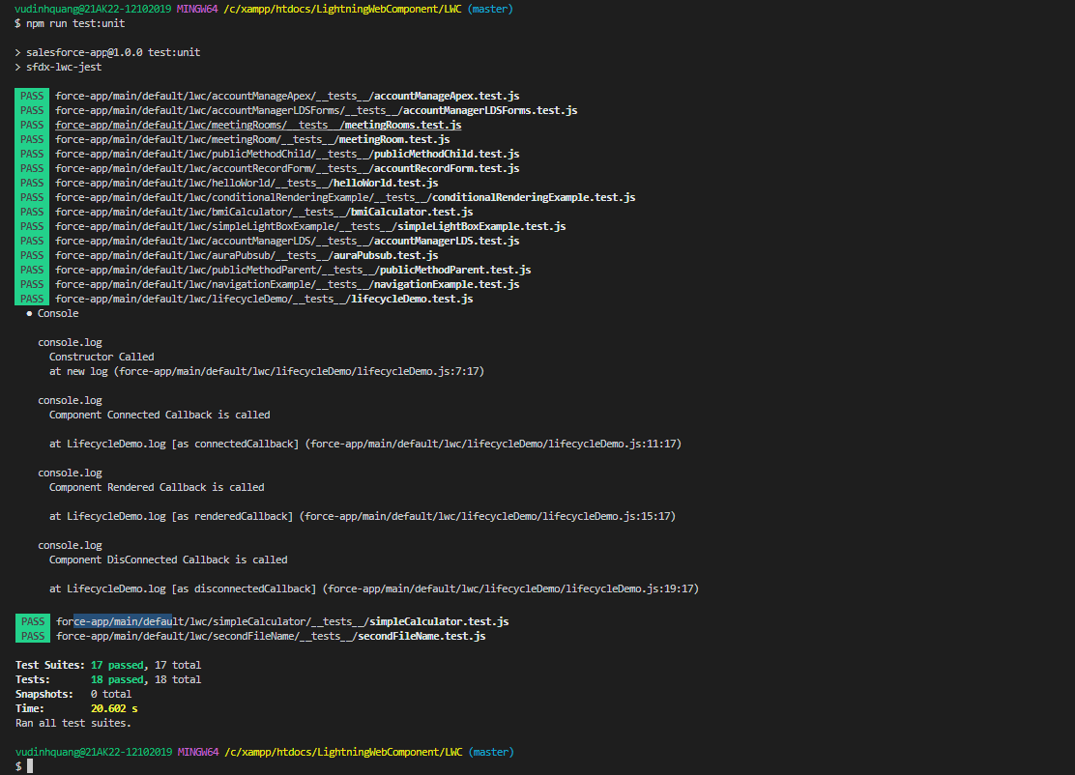

 | other way

DebuggingTestFilesUsingChrome
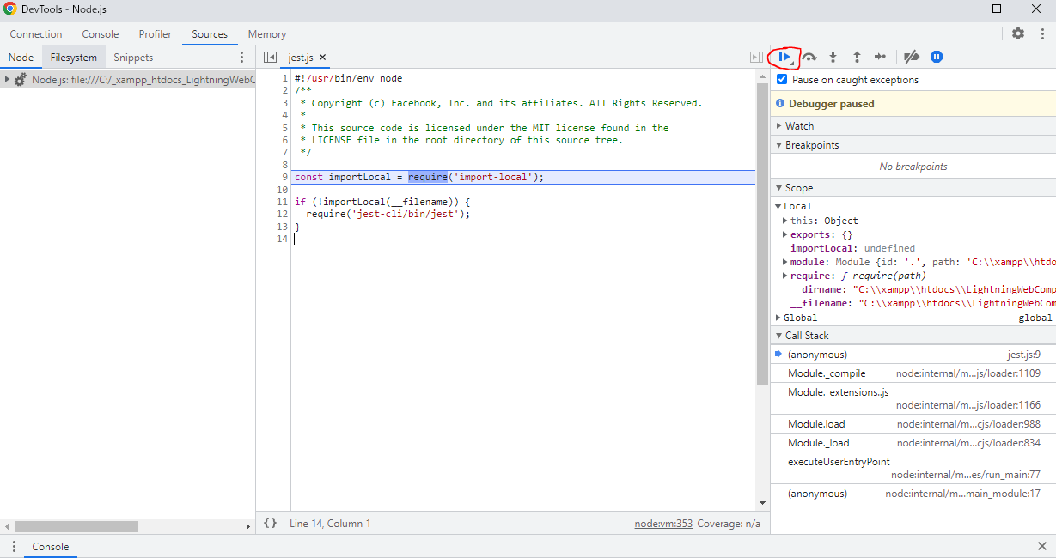
Debugging Test Files - Using Chrome
 | This part we will discus about how we can debug out test file within Chrome browser

構成
 | LightningWebComponent
 |  | LWC
 |  |  | force-app
 |  |  |  | main
 |  |  |  |  | classes
 |  |  |  |  |  | abcd.cls
 |  |  |  |  |  | AccountManager.cls
 |  |  |  |  | aura
 |  |  |  |  |  | MeetingRoomAura
 |  |  |  |  |  |  | MeetingRoomAura.cmp
 |  |  |  |  |  |  | MeetingRoomAuraController.js
 |  |  |  |  |  | MeetingRoomPubSubHandler
 |  |  |  |  |  |  | MeetingRoomPubSubHandler.cmp
 |  |  |  |  |  |  | MeetingRoomPubSubHandlerController.js
 |  |  |  |  | lwc
 |  |  |  |  |  | accountManageApex
 |  |  |  |  |  |  | accountManageApex.css
 |  |  |  |  |  |  | accountManageApex.html
 |  |  |  |  |  |  | accountManageApex.js
 |  |  |  |  |  |  | accountManageApex.js-meta.xml
 |  |  |  |  |  | accountManagerLDS
 |  |  |  |  |  |  | accountManagerLDS.html
 |  |  |  |  |  |  | accountManagerLDS.js
 |  |  |  |  |  |  | accountManagerLDS.js-meta.xml
 |  |  |  |  |  | accountManagerLDSForms
 |  |  |  |  |  |  | accountManagerLDSForms.html
 |  |  |  |  |  |  | accountManagerLDSForms.js
 |  |  |  |  |  |  | accountManagerLDSForms.js-meta.xml
 |  |  |  |  |  | accountRecordForm
 |  |  |  |  |  |  | accountRecordForm.html
 |  |  |  |  |  |  | accountRecordForm.js
 |  |  |  |  |  |  | accountRecordForm.js-meta.xml
 |  |  |  |  |  | auraPubsub
 |  |  |  |  |  |  | auraPubsub.js
 |  |  |  |  |  |  | auraPubsub.js-meta.xml
 |  |  |  |  |  | bmi
 |  |  |  |  |  |  | bmi.js
 |  |  |  |  |  | bmiCalculator
 |  |  |  |  |  |  | bmiCalculator.html
 |  |  |  |  |  |  | bmiCalculator.js
 |  |  |  |  |  |  | bmiCalculator.js-meta.xml
 |  |  |  |  |  | conditionalRenderingExample
 |  |  |  |  |  |  | conditionalRenderingExample.html
 |  |  |  |  |  |  | conditionalRenderingExample.js
 |  |  |  |  |  |  | conditionalRenderingExample.js-meta.xml
 |  |  |  |  |  | helloWorld
 |  |  |  |  |  |  | helloWorld.css
 |  |  |  |  |  |  | helloWorld.html
 |  |  |  |  |  |  | helloWorld.js
 |  |  |  |  |  |  | helloWorld.js-meta.xml
 |  |  |  |  |  | lifecycleDemo
 |  |  |  |  |  |  | lifecycleDemo.html
 |  |  |  |  |  |  | lifecycleDemo.js
 |  |  |  |  |  |  | lifecycleDemo.js-meta.xml
 |  |  |  |  |  | meetingRoom
 |  |  |  |  |  |  | meetingRoom.css
 |  |  |  |  |  |  | meetingRoom.html
 |  |  |  |  |  |  | meetingRoom.js
 |  |  |  |  |  | meetingRooms
 |  |  |  |  |  |  | __tests__
 |  |  |  |  |  |  |  | meetingRooms.test.js | → | put some debug point
 |  |  |  |  |  |  | meetingRooms.html
 |  |  |  |  |  |  | meetingRooms.js
 |  |  |  |  |  | navigationExample
 |  |  |  |  |  |  | navigationExample.html
 |  |  |  |  |  |  | navigationExample.js
 |  |  |  |  |  |  | navigationExample.js-meta.xml
 |  |  |  |  |  | publicMethodChild
 |  |  |  |  |  |  | publicMethodChild.css
 |  |  |  |  |  |  | publicMethodChild.html
 |  |  |  |  |  |  | publicMethodChild.js
 |  |  |  |  |  |  | publicMethodChild.js-meta.xml
 |  |  |  |  |  | publicMethodParent
 |  |  |  |  |  |  | publicMethodParent.css
 |  |  |  |  |  |  | publicMethodParent.html
 |  |  |  |  |  |  | publicMethodParent.js
 |  |  |  |  |  |  | publicMethodParent.js-meta.xml
 |  |  |  |  |  | pubsub
 |  |  |  |  |  |  | pubsub.js
 |  |  |  |  |  |  | pubsub.js-meta.xml
 |  |  |  |  |  | secondFileName
 |  |  |  |  |  | selectedMeetingRoom
 |  |  |  |  |  |  | selectedMeetingRoom.html
 |  |  |  |  |  |  | selectedMeetingRoom.js
 |  |  |  |  |  | simpleCalculator
 |  |  |  |  |  |  | simpleCalculator.html
 |  |  |  |  |  |  | simpleCalculator.js
 |  |  |  |  |  |  | simpleCalculator.js-meta.xml
 |  |  |  |  |  | simpleLightBoxExample
 |  |  |  |  |  |  | simpleLightBoxExample.html
 |  |  |  |  |  |  | simpleLightBoxExample.js
 |  |  |  |  |  |  | simpleLightBoxExample.js-meta.xml
 |  |  | package.json

LightningWebComponent\LWC\package.json
 | {
 | "name": "salesforce-app",
 | "private": true,
 | "version": "1.0.0",
 | "description": "Salesforce App",
 | "scripts": {
 | "lint": "eslint **/{aura,lwc}/**",
 | "test": "npm run test:unit",
 | "test:unit": "sfdx-lwc-jest",
 | "test:unit:watch": "sfdx-lwc-jest --watch",
 | "test:unit:debug": "sfdx-lwc-jest --debug", |  |  |  |  |  |  |  |  | → | we should have it
 | "test:unit:coverage": "sfdx-lwc-jest --coverage",
 | "prettier": "prettier --write \"**/*.{cls,cmp,component,css,html,js,json,md,page,trigger,xml,yaml,yml}\"",
 | "prettier:verify": "prettier --list-different \"**/*.{cls,cmp,component,css,html,js,json,md,page,trigger,xml,yaml,yml}\"",
 | "postinstall": "husky install",
 | "precommit": "lint-staged"
 | },
 | "devDependencies": {
 | "@lwc/eslint-plugin-lwc": "^1.1.2",
 | "@prettier/plugin-xml": "^2.0.1",
 | "@salesforce/eslint-config-lwc": "^3.2.3",
 | "@salesforce/eslint-plugin-aura": "^2.0.0",
 | "@salesforce/eslint-plugin-lightning": "^1.0.0",
 | "@salesforce/sfdx-lwc-jest": "^1.2.1",
 | "eslint": "^8.11.0",
 | "eslint-plugin-import": "^2.25.4",
 | "eslint-plugin-jest": "^26.1.2",
 | "husky": "^7.0.4",
 | "lint-staged": "^12.3.7",
 | "prettier": "^2.6.0",
 | "prettier-plugin-apex": "^1.10.0"
 | },
 | "lint-staged": {
 | "**/*.{cls,cmp,component,css,html,js,json,md,page,trigger,xml,yaml,yml}": [
 | "prettier --write"
 | ],
 | "**/{aura,lwc}/**": [
 | "eslint"
 | ]
 | }
 | }

LightningWebComponent\LWC\force-app\main\default\lwc\meetingRooms\__tests__\meetingRooms.test.js
 | import { createElement } from "lwc";
 | import MeetingRooms from "c/meetingRooms";

 | describe("c-meetingRooms", () => {
 | afterEach(() => {
 | while (document.body.firstChild) {
 | document.body.removeChild(document.body.firstChild);
 | }
 | });

 | it("count of meeting room should be 7", () => {
 | const meetingRooms = createElement("c-meetingRooms", { is: MeetingRooms });

 | document.body.appendChild(meetingRooms);

 | const allMeetingRoomComponents =
 | meetingRooms.shadowRoot.querySelectorAll("c-meeting-room");

 | debugger;
 | expect(allMeetingRoomComponents.length).toBe(7);
 | });

 | it("title should be Meeting Rooms", () => {
 | const meetingRooms = createElement("c-meetingRooms", { is: MeetingRooms });

 | document.body.appendChild(meetingRooms);

 | const lightningCard =
 | meetingRooms.shadowRoot.querySelector("lightning-card");

 | debugger;
 | expect(lightningCard.title).toBe("Meeting Rooms");
 | });
 | });

 | npm run test:unit:debug

 | Open Developer Tools of Chrome browser an click node icon
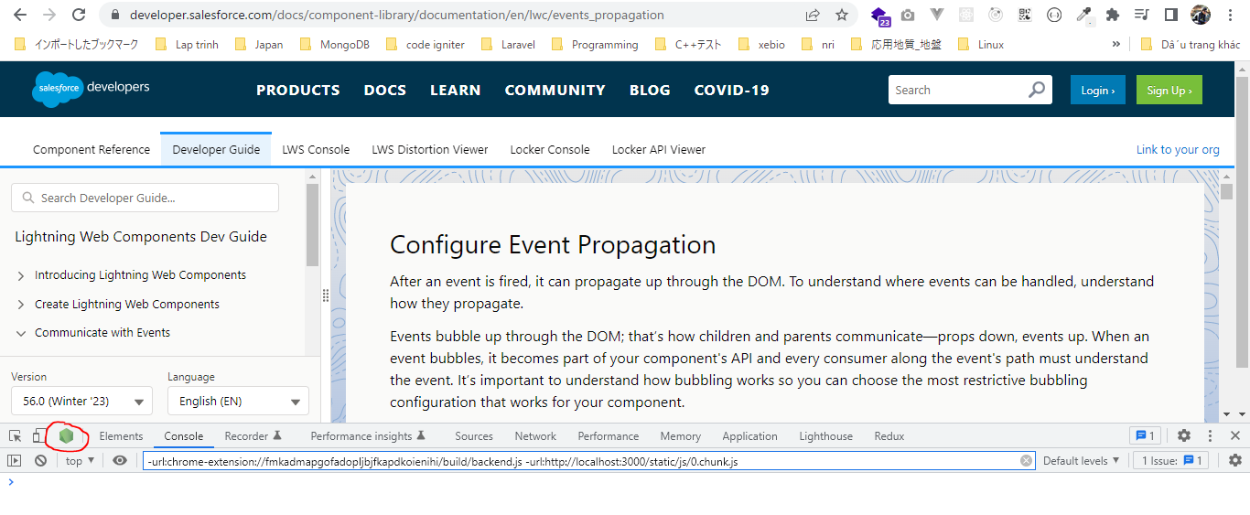

 | a window is opened, this is where we can actually debug our code. Click "Resume script execution"

DebuggingTestFilesUsingVSCode
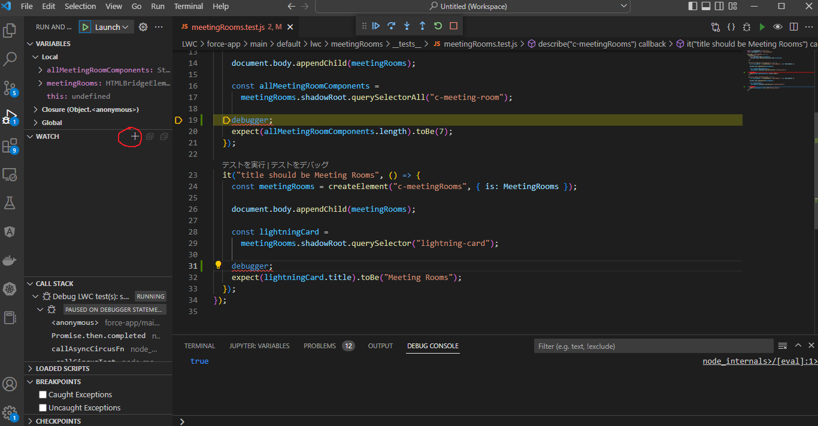
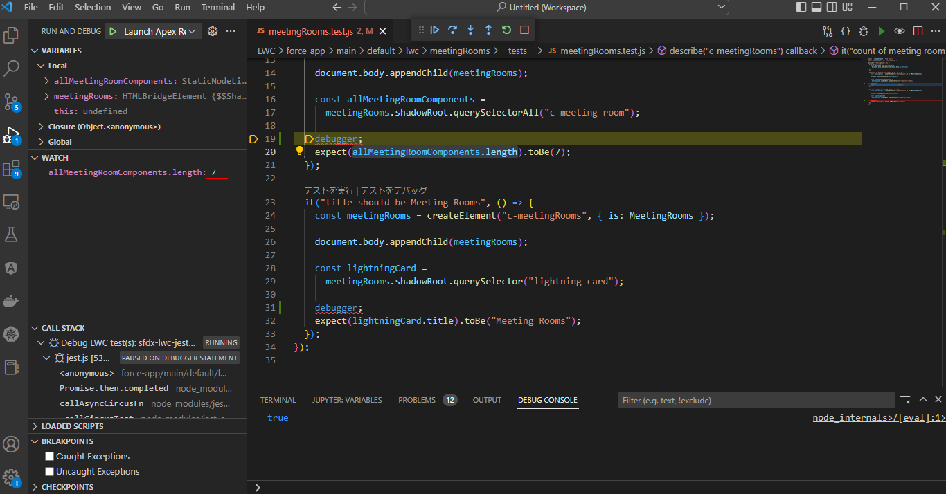
Debugging Test Files - Using VS Code

 | We discus how debug our test script within the VS code itself

構成
 | LightningWebComponent
 |  | .vscode
 |  |  | launch.json |  |  |  |  |  | → | code
 |  | LWC
 |  |  | force-app
 |  |  |  | main
 |  |  |  |  | classes
 |  |  |  |  |  | abcd.cls
 |  |  |  |  |  | AccountManager.cls
 |  |  |  |  | aura
 |  |  |  |  |  | MeetingRoomAura
 |  |  |  |  |  |  | MeetingRoomAura.cmp
 |  |  |  |  |  |  | MeetingRoomAuraController.js
 |  |  |  |  |  | MeetingRoomPubSubHandler
 |  |  |  |  |  |  | MeetingRoomPubSubHandler.cmp
 |  |  |  |  |  |  | MeetingRoomPubSubHandlerController.js
 |  |  |  |  | lwc
 |  |  |  |  |  | accountManageApex
 |  |  |  |  |  |  | accountManageApex.css
 |  |  |  |  |  |  | accountManageApex.html
 |  |  |  |  |  |  | accountManageApex.js
 |  |  |  |  |  |  | accountManageApex.js-meta.xml
 |  |  |  |  |  | accountManagerLDS
 |  |  |  |  |  |  | accountManagerLDS.html
 |  |  |  |  |  |  | accountManagerLDS.js
 |  |  |  |  |  |  | accountManagerLDS.js-meta.xml
 |  |  |  |  |  | accountManagerLDSForms
 |  |  |  |  |  |  | accountManagerLDSForms.html
 |  |  |  |  |  |  | accountManagerLDSForms.js
 |  |  |  |  |  |  | accountManagerLDSForms.js-meta.xml
 |  |  |  |  |  | accountRecordForm
 |  |  |  |  |  |  | accountRecordForm.html
 |  |  |  |  |  |  | accountRecordForm.js
 |  |  |  |  |  |  | accountRecordForm.js-meta.xml
 |  |  |  |  |  | auraPubsub
 |  |  |  |  |  |  | auraPubsub.js
 |  |  |  |  |  |  | auraPubsub.js-meta.xml
 |  |  |  |  |  | bmi
 |  |  |  |  |  |  | bmi.js
 |  |  |  |  |  | bmiCalculator
 |  |  |  |  |  |  | bmiCalculator.html
 |  |  |  |  |  |  | bmiCalculator.js
 |  |  |  |  |  |  | bmiCalculator.js-meta.xml
 |  |  |  |  |  | conditionalRenderingExample
 |  |  |  |  |  |  | conditionalRenderingExample.html
 |  |  |  |  |  |  | conditionalRenderingExample.js
 |  |  |  |  |  |  | conditionalRenderingExample.js-meta.xml
 |  |  |  |  |  | helloWorld
 |  |  |  |  |  |  | helloWorld.css
 |  |  |  |  |  |  | helloWorld.html
 |  |  |  |  |  |  | helloWorld.js
 |  |  |  |  |  |  | helloWorld.js-meta.xml
 |  |  |  |  |  | lifecycleDemo
 |  |  |  |  |  |  | lifecycleDemo.html
 |  |  |  |  |  |  | lifecycleDemo.js
 |  |  |  |  |  |  | lifecycleDemo.js-meta.xml
 |  |  |  |  |  | meetingRoom
 |  |  |  |  |  |  | meetingRoom.css
 |  |  |  |  |  |  | meetingRoom.html
 |  |  |  |  |  |  | meetingRoom.js
 |  |  |  |  |  | meetingRooms
 |  |  |  |  |  |  | __tests__
 |  |  |  |  |  |  |  | meetingRooms.test.js | → | put some debug point
 |  |  |  |  |  |  | meetingRooms.html
 |  |  |  |  |  |  | meetingRooms.js
 |  |  |  |  |  | navigationExample
 |  |  |  |  |  |  | navigationExample.html
 |  |  |  |  |  |  | navigationExample.js
 |  |  |  |  |  |  | navigationExample.js-meta.xml
 |  |  |  |  |  | publicMethodChild
 |  |  |  |  |  |  | publicMethodChild.css
 |  |  |  |  |  |  | publicMethodChild.html
 |  |  |  |  |  |  | publicMethodChild.js
 |  |  |  |  |  |  | publicMethodChild.js-meta.xml
 |  |  |  |  |  | publicMethodParent
 |  |  |  |  |  |  | publicMethodParent.css
 |  |  |  |  |  |  | publicMethodParent.html
 |  |  |  |  |  |  | publicMethodParent.js
 |  |  |  |  |  |  | publicMethodParent.js-meta.xml
 |  |  |  |  |  | pubsub
 |  |  |  |  |  |  | pubsub.js
 |  |  |  |  |  |  | pubsub.js-meta.xml
 |  |  |  |  |  | secondFileName
 |  |  |  |  |  | selectedMeetingRoom
 |  |  |  |  |  |  | selectedMeetingRoom.html
 |  |  |  |  |  |  | selectedMeetingRoom.js
 |  |  |  |  |  | simpleCalculator
 |  |  |  |  |  |  | simpleCalculator.html
 |  |  |  |  |  |  | simpleCalculator.js
 |  |  |  |  |  |  | simpleCalculator.js-meta.xml
 |  |  |  |  |  | simpleLightBoxExample
 |  |  |  |  |  |  | simpleLightBoxExample.html
 |  |  |  |  |  |  | simpleLightBoxExample.js
 |  |  |  |  |  |  | simpleLightBoxExample.js-meta.xml
 |  |  | package.json

LightningWebComponent\LWC\package.json
 | {
 | "name": "salesforce-app",
 | "private": true,
 | "version": "1.0.0",
 | "description": "Salesforce App",
 | "scripts": {
 | "lint": "eslint **/{aura,lwc}/**",
 | "test": "npm run test:unit",
 | "test:unit": "sfdx-lwc-jest",
 | "test:unit:watch": "sfdx-lwc-jest --watch",
 | "test:unit:debug": "sfdx-lwc-jest --debug", |  |  |  |  |  |  |  |  | → | we should have it
 | "test:unit:coverage": "sfdx-lwc-jest --coverage",
 | "prettier": "prettier --write \"**/*.{cls,cmp,component,css,html,js,json,md,page,trigger,xml,yaml,yml}\"",
 | "prettier:verify": "prettier --list-different \"**/*.{cls,cmp,component,css,html,js,json,md,page,trigger,xml,yaml,yml}\"",
 | "postinstall": "husky install",
 | "precommit": "lint-staged"
 | },
 | "devDependencies": {
 | "@lwc/eslint-plugin-lwc": "^1.1.2",
 | "@prettier/plugin-xml": "^2.0.1",
 | "@salesforce/eslint-config-lwc": "^3.2.3",
 | "@salesforce/eslint-plugin-aura": "^2.0.0",
 | "@salesforce/eslint-plugin-lightning": "^1.0.0",
 | "@salesforce/sfdx-lwc-jest": "^1.2.1",
 | "eslint": "^8.11.0",
 | "eslint-plugin-import": "^2.25.4",
 | "eslint-plugin-jest": "^26.1.2",
 | "husky": "^7.0.4",
 | "lint-staged": "^12.3.7",
 | "prettier": "^2.6.0",
 | "prettier-plugin-apex": "^1.10.0"
 | },
 | "lint-staged": {
 | "**/*.{cls,cmp,component,css,html,js,json,md,page,trigger,xml,yaml,yml}": [
 | "prettier --write"
 | ],
 | "**/{aura,lwc}/**": [
 | "eslint"
 | ]
 | }
 | }

 | https://github.com/salesforce/sfdx-lwc-jest
 | write a test configuration within the VS code
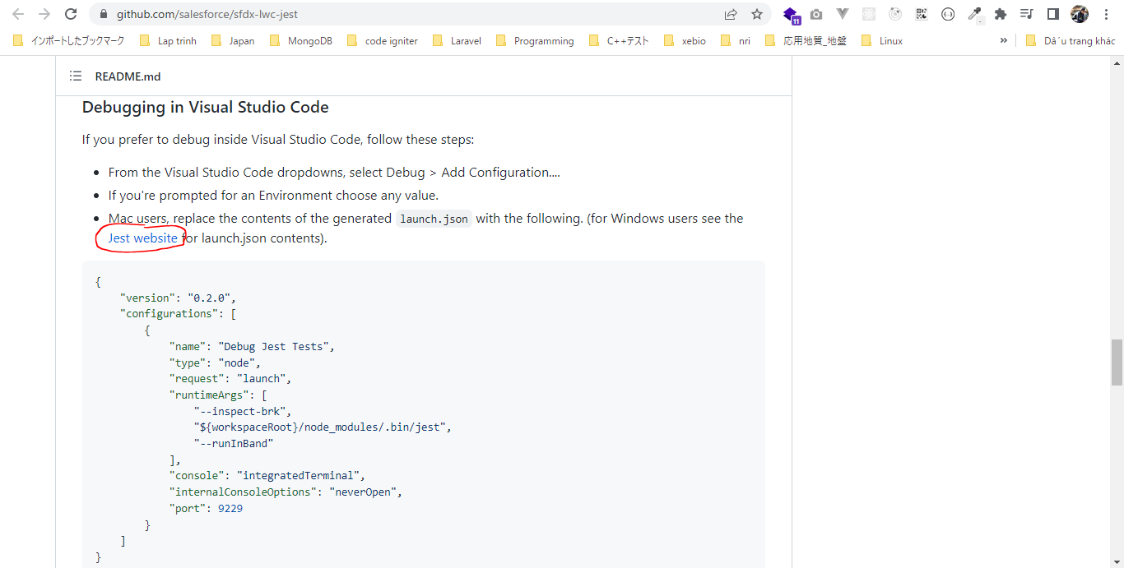

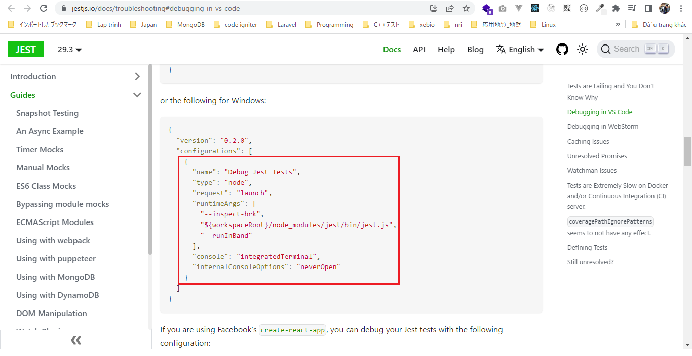

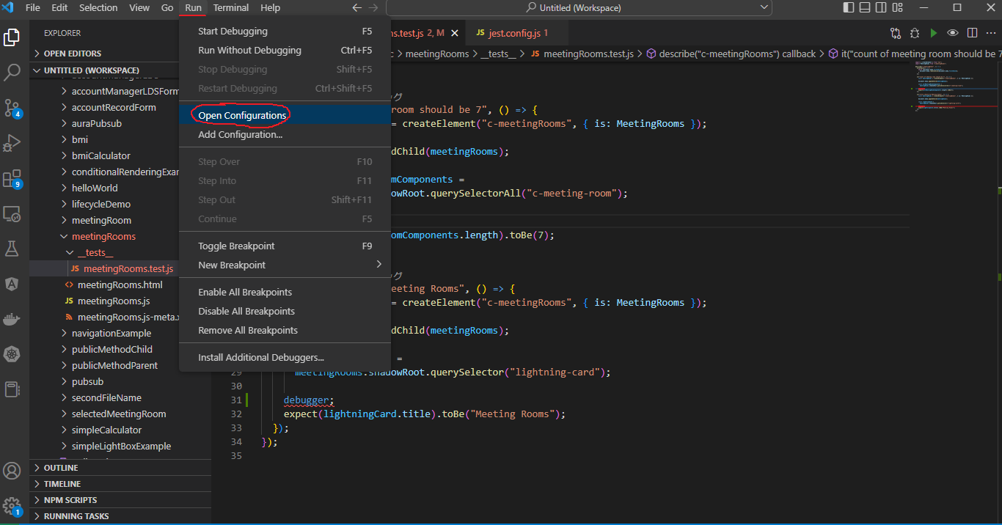

LightningWebComponent\LWC\.vscode\launch.json
 | {
 | // Use IntelliSense to learn about possible attributes.
 | // Hover to view descriptions of existing attributes.
 | // For more information, visit: https://go.microsoft.com/fwlink/?linkid=830387
 | "version": "0.2.0",
 | "configurations": [
 | {
 | "name": "Launch Apex Replay Debugger",
 | "type": "apex-replay",
 | "request": "launch",
 | "logFile": "${command:AskForLogFileName}",
 | "stopOnEntry": true,
 | "trace": true
 | },
 | {
 | "name": "Debug Jest Tests",
 | "type": "node",
 | "request": "launch",
 | "runtimeArgs": [
 | "--inspect-brk",
 | "${workspaceRoot}/node_modules/jest/bin/jest.js",
 | "--runInBand"
 | ],
 | "console": "integratedTerminal",
 | "internalConsoleOptions": "neverOpen"
 | }
 | ]
 | }

 | jest.config.js
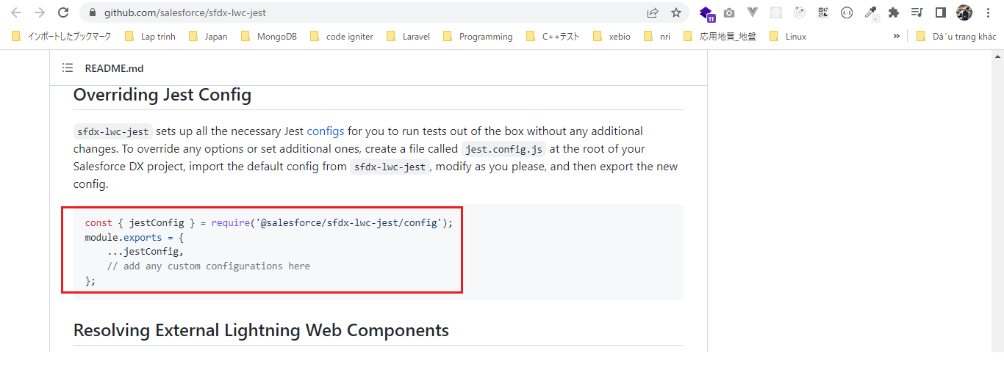

existing
LightningWebComponent\LWC\jest.config.js
 | const { jestConfig } = require('@salesforce/sfdx-lwc-jest/config');

 | module.exports = {
 | ...jestConfig,
 | modulePathIgnorePatterns: ['<rootDir>/.localdevserver']
 | };

LightningWebComponent\LWC\force-app\main\default\lwc\meetingRooms\__tests__\meetingRooms.test.js
 | import { createElement } from "lwc";
 | import MeetingRooms from "c/meetingRooms";

 | describe("c-meetingRooms", () => {
 | afterEach(() => {
 | while (document.body.firstChild) {
 | document.body.removeChild(document.body.firstChild);
 | }
 | });

 | it("count of meeting room should be 7", () => {
 | const meetingRooms = createElement("c-meetingRooms", { is: MeetingRooms });

 | document.body.appendChild(meetingRooms);

 | const allMeetingRoomComponents =
 | meetingRooms.shadowRoot.querySelectorAll("c-meeting-room");

 | debugger;
 | expect(allMeetingRoomComponents.length).toBe(7);
 | });

 | it("title should be Meeting Rooms", () => {
 | const meetingRooms = createElement("c-meetingRooms", { is: MeetingRooms });

 | document.body.appendChild(meetingRooms);

 | const lightningCard =
 | meetingRooms.shadowRoot.querySelector("lightning-card");

 | debugger;
 | expect(lightningCard.title).toBe("Meeting Rooms");
 | });
 | });

Debug
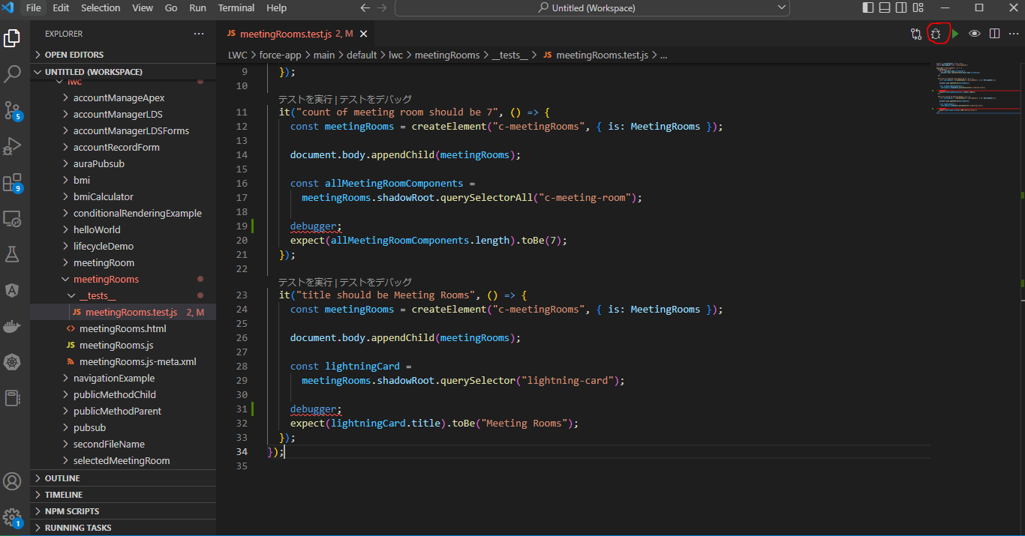

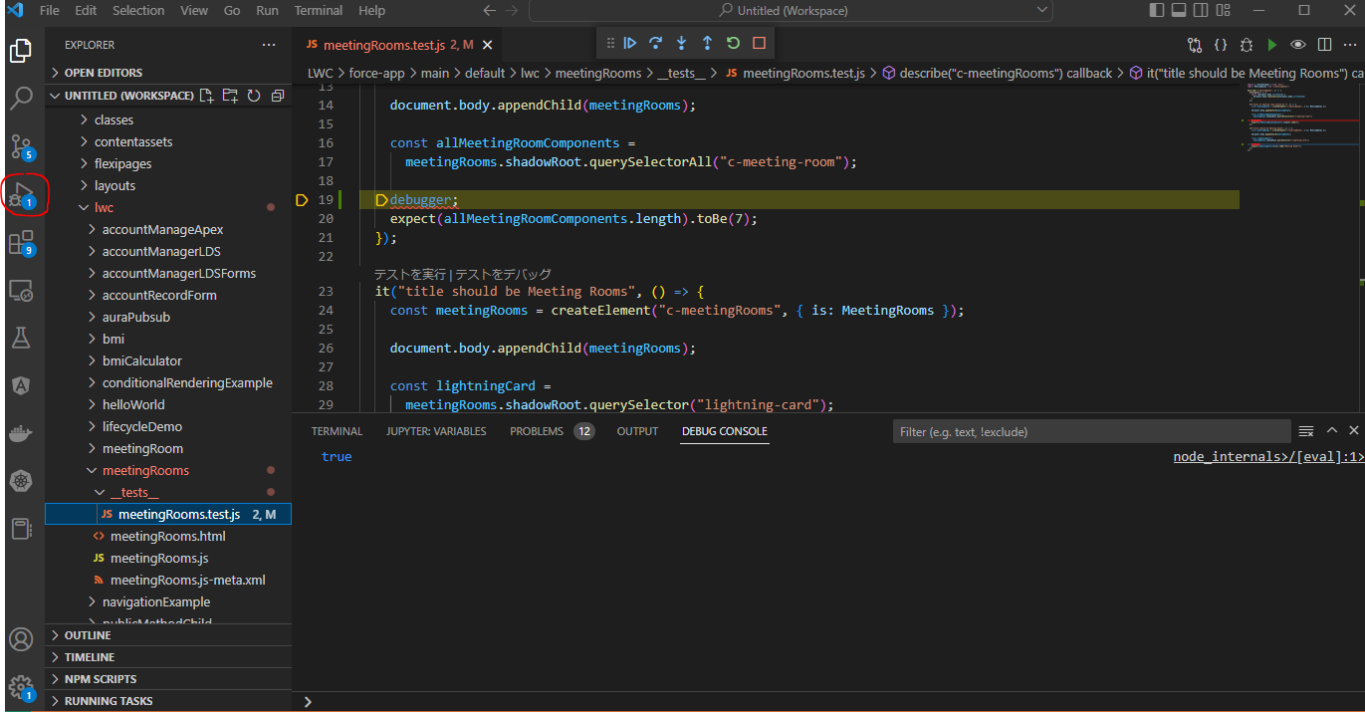

 | Check a specific value

