Overview
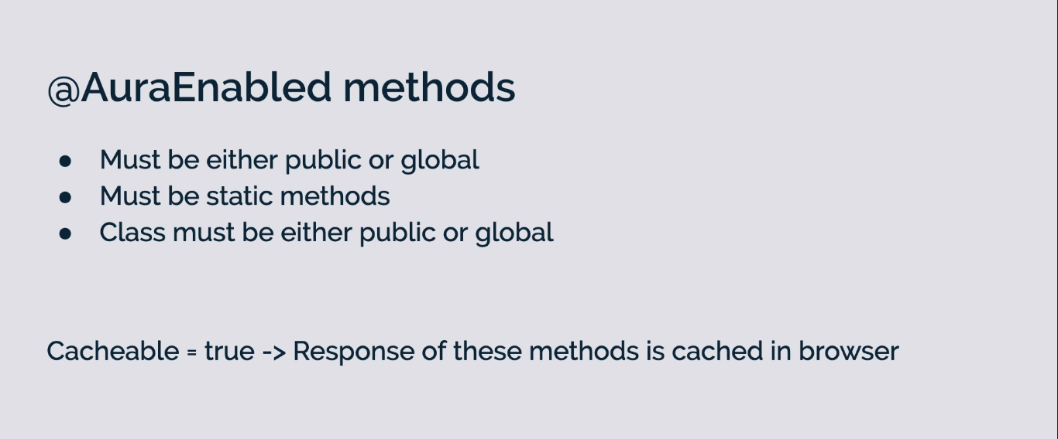
Working With Salesforce Data - An Overview
 | There are 3 ways in which we can access our Salesforce data:
 | ①Lightning Data Service which was there in Aura component framework as well. The Lightning Data Service allows we to access our Salesforce data or metadata without having a need of server
 | side controller. Written on top of the user interface API with Salesforce users to access our backend
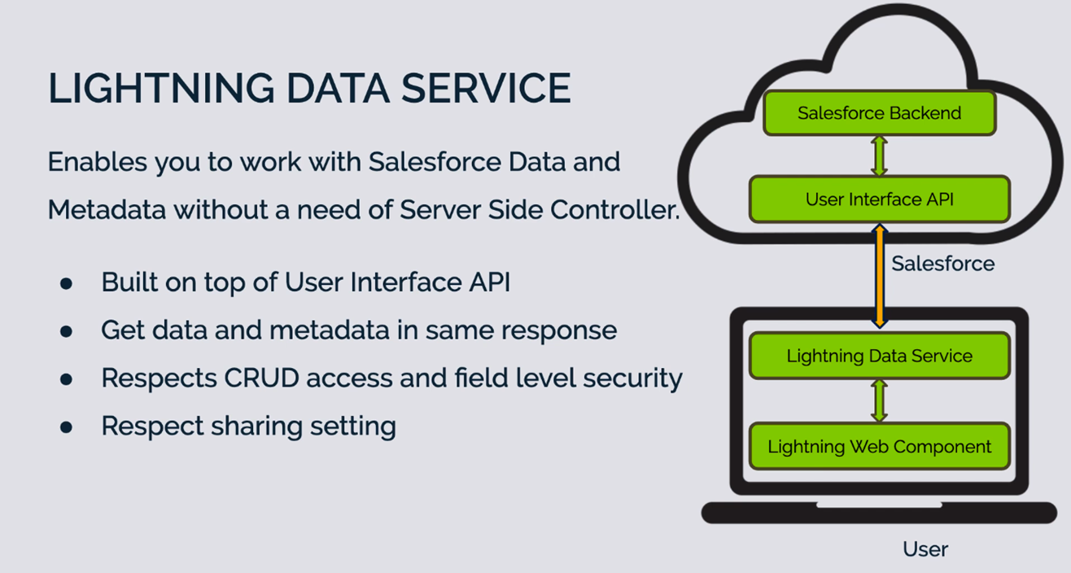

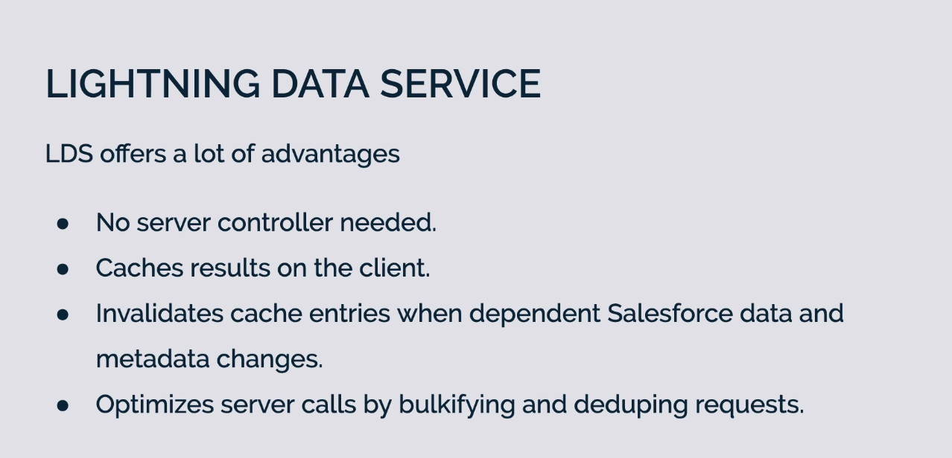

 | ②Using LDS Based Components which are based on the Lightning Data Service. There base components will be a great help when we want to create forms on the UI to allow our user to create new
 | records or may be even our user wants to view or edit some of the existing records in Salesforce. There are 3 components which are based on LDS
 | Custom Layout: If we want to generate our own custom layout in our component, view-form and edit-form supported where the record-form will automatically picks the layout from our record
 | Layout Support: That means if we want to supply the complete layout so the fields that are added on layout if we want to fetch all those fields that is suppoerted in record-form
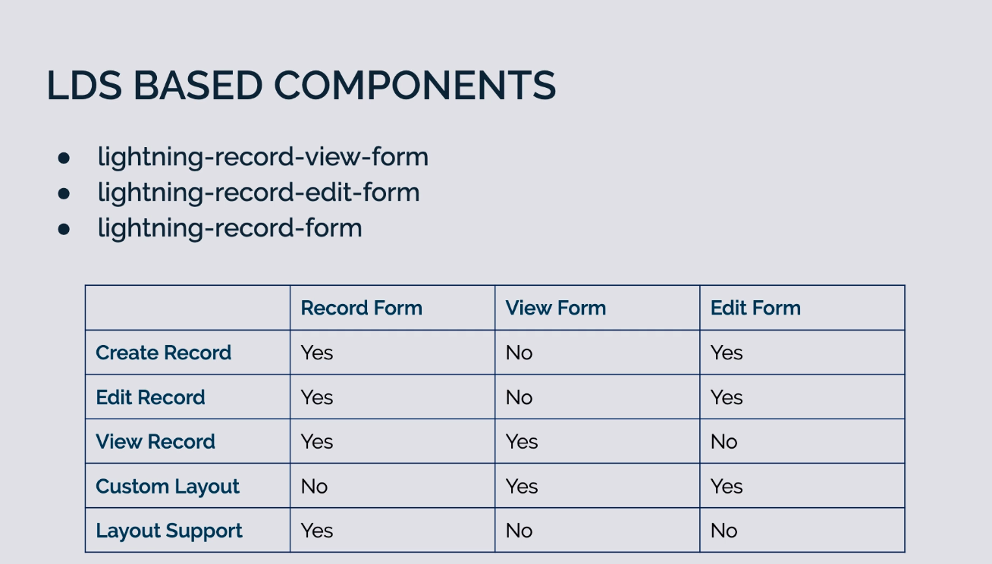

 | We need the wire service to get the data from different modules. The data that we retrieve using @wire decorator will be cached on our browser side. So this is great when it comes
 | to reading the data from our Salesforce servers but it is not great when we are performing the DML operation on data because data may have been modified on our Salesforce backend. So
 | if we are only doing the read operation we can use the @wire service but if we are performing some kind of DML operation we need avoid using @wire decorator
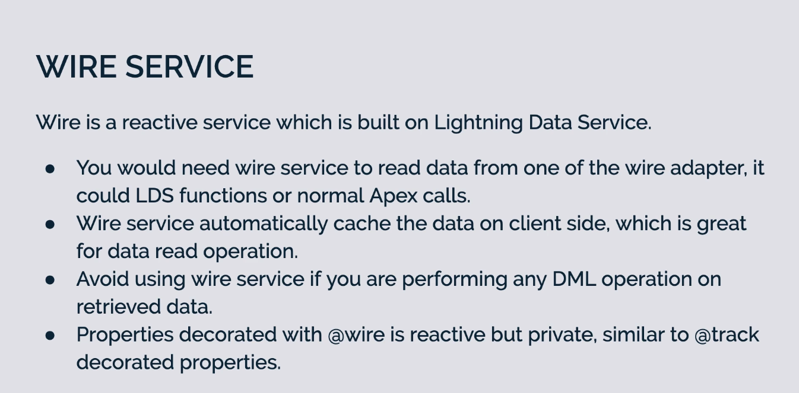

 | ③Using Apex method which should be annotated @AuraEnabled annotation. These methods will help we to write some of the complex logic which can not be served with Lightning Data
 | Service or the base component
 | If we want to access Apex method in our Lightning Web Component, first of all we need to annotate our Apex method with @AuraEnabled annotation. These methods can be accessed via
 | wire service but make sure if we are accessing a method via wire service that is a cacheable method since wire service automatically cache the data on browser side
 | If our Apex method is not cacheable we can also make a imperative call to our method by directly calling from our JS file
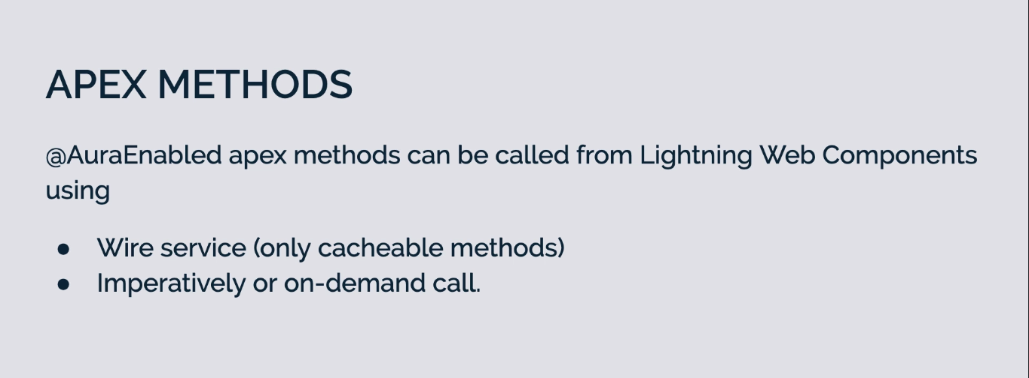

 | Class should be either public or global. Our method should be either public or global and our method must be static method
 | If we make @AuraEnabled as cacheable=true that means that respond that we are going to send from these methods will be cached in browser

LDS - Create Record
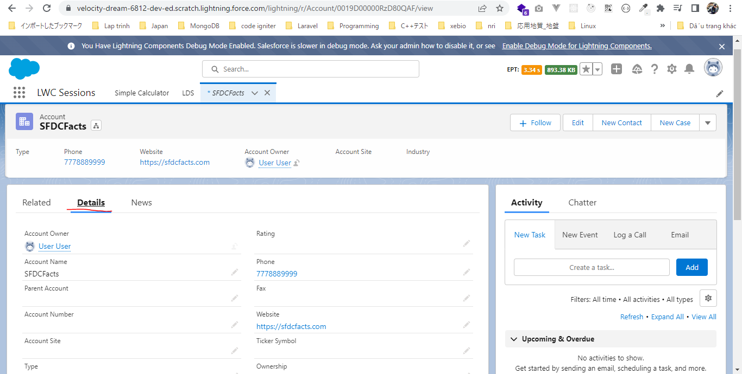
Lightning Data Service - Create Record
 | This part we are going to discus how to create a new record using LDS and also how to view an existing Salesforce record using LDS. For that we are going to create a new Lightning Web Component
 | which will allow us to create a new account as well as to view an existing account record from Salesforce

構成
 | LightningWebComponent
 |  | LWC
 |  |  | force-app
 |  |  |  | main
 |  |  |  |  | classes
 |  |  |  |  |  | abcd.cls
 |  |  |  |  | lwc
 |  |  |  |  |  | accountManagerLDS |  | → | new
 |  |  |  |  |  |  | accountManagerLDS.html
 |  |  |  |  |  |  | accountManagerLDS.js
 |  |  |  |  |  |  | accountManagerLDS.js-meta.xml
 |  |  |  |  |  | bmi
 |  |  |  |  |  |  | bmi.js
 |  |  |  |  |  | bmiCalculator
 |  |  |  |  |  |  | bmiCalculator.html
 |  |  |  |  |  |  | bmiCalculator.js
 |  |  |  |  |  |  | bmiCalculator.js-meta.xml
 |  |  |  |  |  | conditionalRenderingExample
 |  |  |  |  |  |  | conditionalRenderingExample.html
 |  |  |  |  |  |  | conditionalRenderingExample.js
 |  |  |  |  |  |  | conditionalRenderingExample.js-meta.xml
 |  |  |  |  |  | helloWorld
 |  |  |  |  |  |  | helloWorld.css
 |  |  |  |  |  |  | helloWorld.html
 |  |  |  |  |  |  | helloWorld.js
 |  |  |  |  |  |  | helloWorld.js-meta.xml
 |  |  |  |  |  | lifecycleDemo
 |  |  |  |  |  |  | lifecycleDemo.html
 |  |  |  |  |  |  | lifecycleDemo.js
 |  |  |  |  |  |  | lifecycleDemo.js-meta.xml
 |  |  |  |  |  | meetingRoom
 |  |  |  |  |  |  | meetingRoom.css
 |  |  |  |  |  |  | meetingRoom.html
 |  |  |  |  |  |  | meetingRoom.js
 |  |  |  |  |  | meetingRooms
 |  |  |  |  |  |  | meetingRooms.html
 |  |  |  |  |  |  | meetingRooms.js
 |  |  |  |  |  | publicMethodChild
 |  |  |  |  |  |  | publicMethodChild.css
 |  |  |  |  |  |  | publicMethodChild.html
 |  |  |  |  |  |  | publicMethodChild.js
 |  |  |  |  |  |  | publicMethodChild.js-meta.xml
 |  |  |  |  |  | publicMethodParent
 |  |  |  |  |  |  | publicMethodParent.css
 |  |  |  |  |  |  | publicMethodParent.html
 |  |  |  |  |  |  | publicMethodParent.js
 |  |  |  |  |  |  | publicMethodParent.js-meta.xml
 |  |  |  |  |  | pubsub
 |  |  |  |  |  |  | pubsub.js
 |  |  |  |  |  |  | pubsub.js-meta.xml
 |  |  |  |  |  | secondFileName
 |  |  |  |  |  | selectedMeetingRoom
 |  |  |  |  |  |  | selectedMeetingRoom.html
 |  |  |  |  |  |  | selectedMeetingRoom.js
 |  |  |  |  |  | simpleCalculator
 |  |  |  |  |  |  | simpleCalculator.html
 |  |  |  |  |  |  | simpleCalculator.js
 |  |  |  |  |  |  | simpleCalculator.js-meta.xml

LightningWebComponent\LWC\force-app\main\default\lwc\accountManagerLDS\accountManagerLDS.js-meta.xml
 | <?xml version="1.0" encoding="UTF-8"?>
 | <LightningComponentBundle xmlns="http://soap.sforce.com/2006/04/metadata">
 | <apiVersion>55.0</apiVersion>
 | <isExposed>true</isExposed>
 | <targets>
 | <target>lightning__RecordPage</target>
 | <target>lightning__AppPage</target>
 | <target>lightning__HomePage</target>
 | </targets>
 | </LightningComponentBundle>

LightningWebComponent\LWC\force-app\main\default\lwc\accountManagerLDS\accountManagerLDS.html
 | <template>
 | <lightning-card title="Account Manager">
 | <lightning-layout>
 | <lightning-layout-item size="6" padding="around-small"> |  |  |  |  |  |  |  |  | → | The first part of size 6 is going to include our creating a new record code
 | <lightning-card title="Create A New Account">
 | <lightning-input name="Account Name" label="Name" onchange={accountNameChangeHandler} ></lightning-input>
 | <lightning-input name="Account Phone" type="phone" label="Phone" onchange={accountPhoneChangeHandler} ></lightning-input>
 | <lightning-input name="Account Website" type="url" label="Website" onchange={accountWebsiteChangeHandler} ></lightning-input>

 | <lightning-button label="Create Account" onclick={createAccount} variant="brand" ></lightning-button>
 | </lightning-card>
 | </lightning-layout-item>
 | <lightning-layout-item size="6" padding="around-small"> |  |  |  |  |  |  |  |  | → | The second part will have the code for viewing and existing fields for record

 | </lightning-layout-item>
 | </lightning-layout>
 | </lightning-card>

 | </template>

LightningWebComponent\LWC\force-app\main\default\lwc\accountManagerLDS\accountManagerLDS.js
 | import { LightningElement,track } from 'lwc';
 | import { createRecord } from "lightning/uiRecordApi"; |  |  |  |  |  |  | → | import createRecord method from our uiRecordApi module so that we can create record

 | export default class AccountManagerLDS extends LightningElement {
 | @track accountName;
 | @track accountPhone;
 | @track accountWebsite;

 | accountNameChangeHandler(event){
 | this.accountName = event.target.value;
 | }

 | accountPhoneChangeHandler(event){
 | this.accountPhone = event.target.value;
 | }

 | accountWebsiteChangeHandler(event){
 | this.accountWebsite = event.target.value;
 | }

 | createAccount(){
 | const fields = {'Name' : this.accountName, 'Phone' : this.accountPhone, 'Website': this.accountWebsite};
 | const recordInput = {apiName : 'Account', fields}; |  |  |  |  |  |  | → | supply the object name "Account" which we are going to create a record

 | createRecord(recordInput).then(response => {
 | console.log('Account has been created : ', response.id); |  |  |  |  |  |  | → | write a console log with account ID which has just been created
 | }).catch(error =>{
 | console.error('Error in creating account : ', error.body.message);
 | });
 | }

 | }

Check browser
 | Create app builder page for LDS
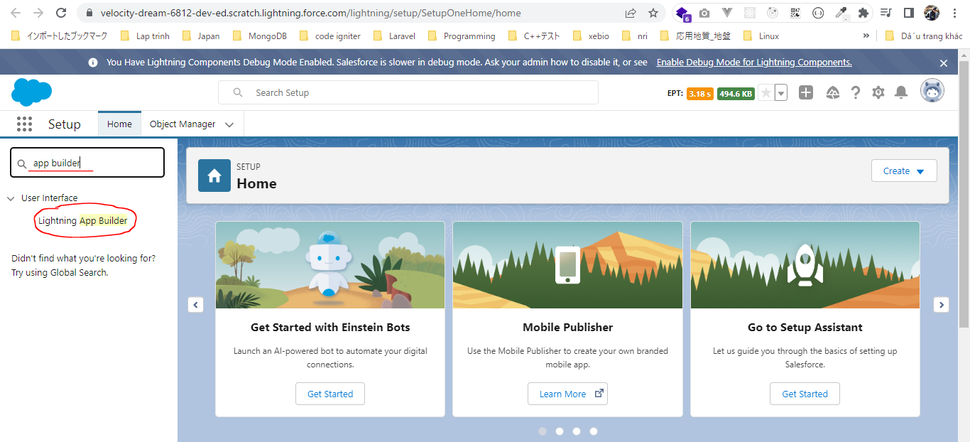

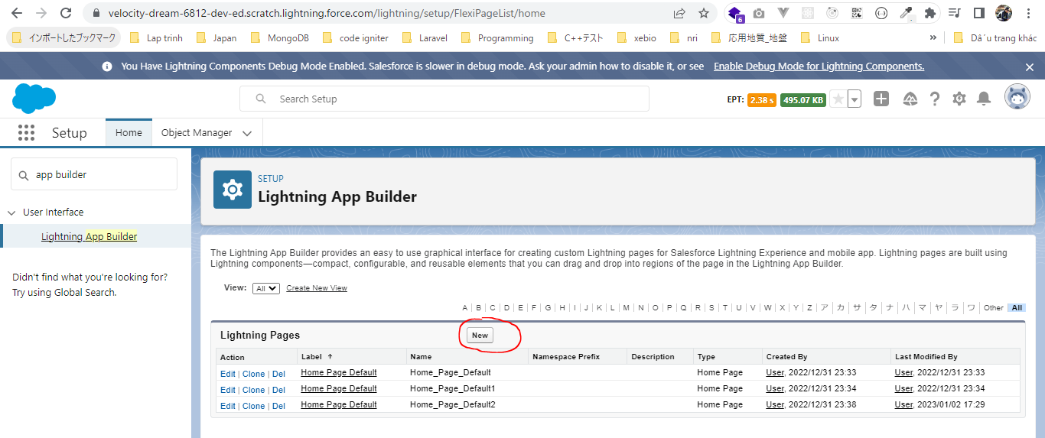

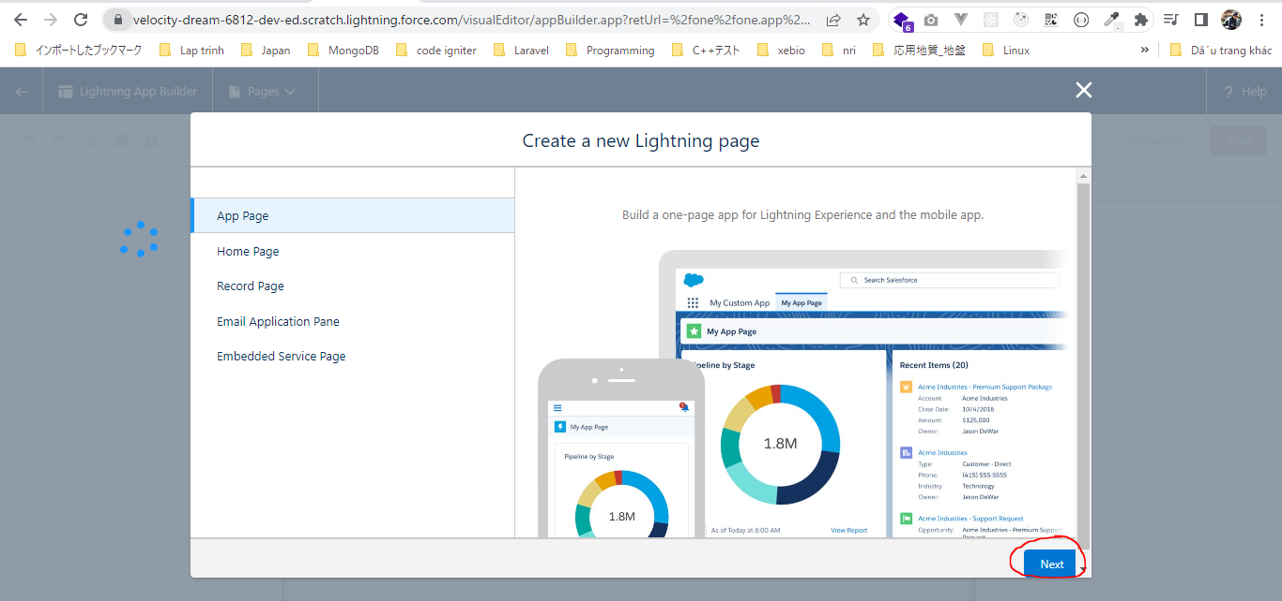

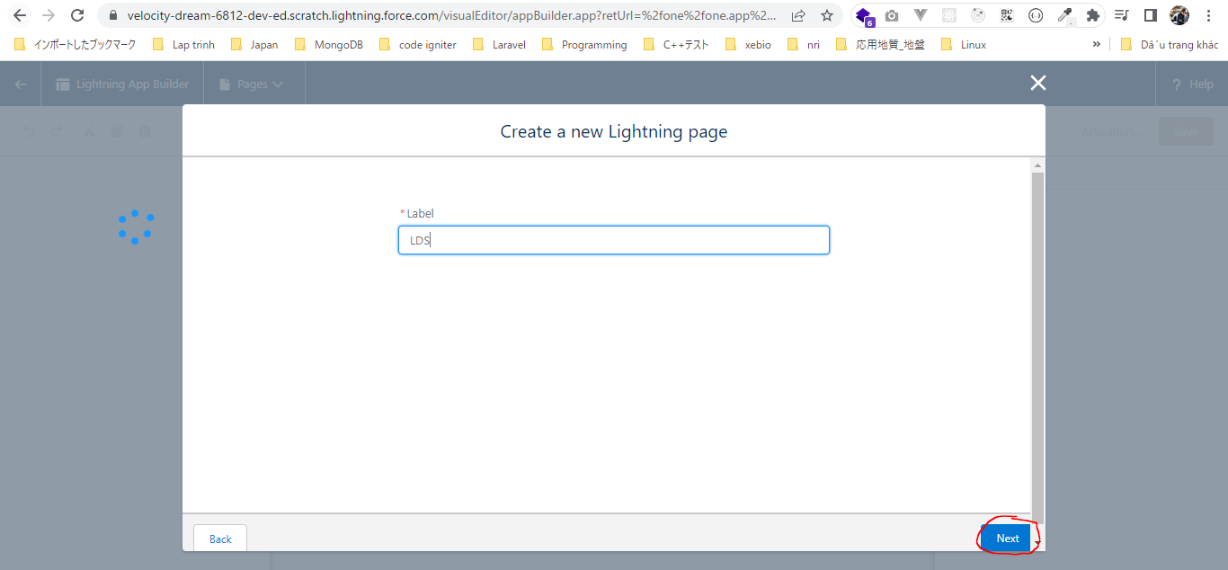

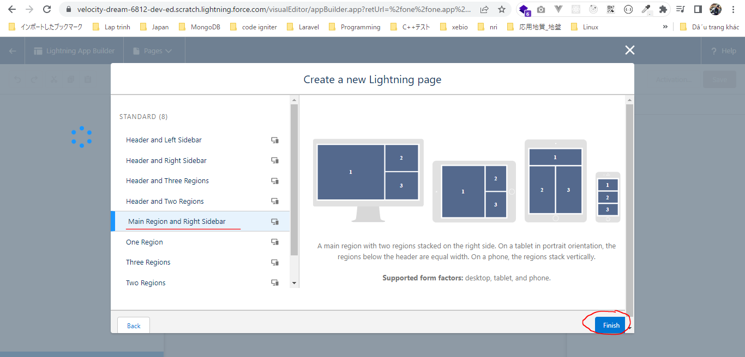

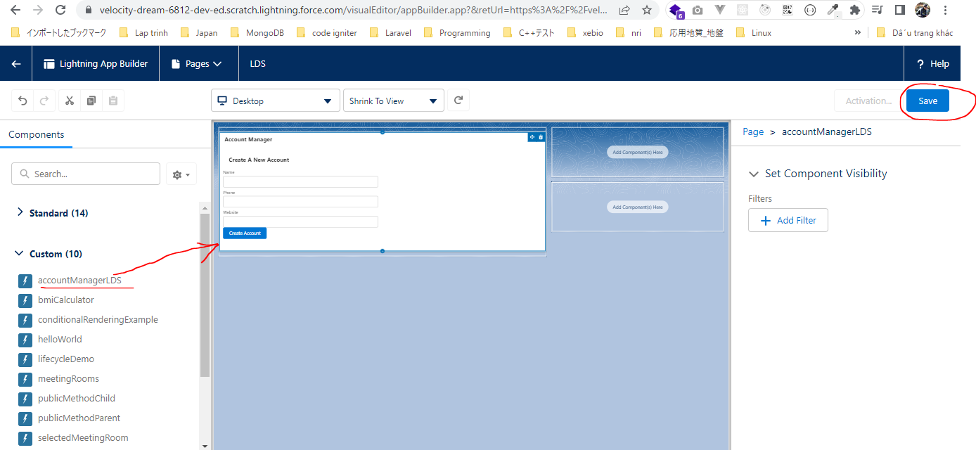

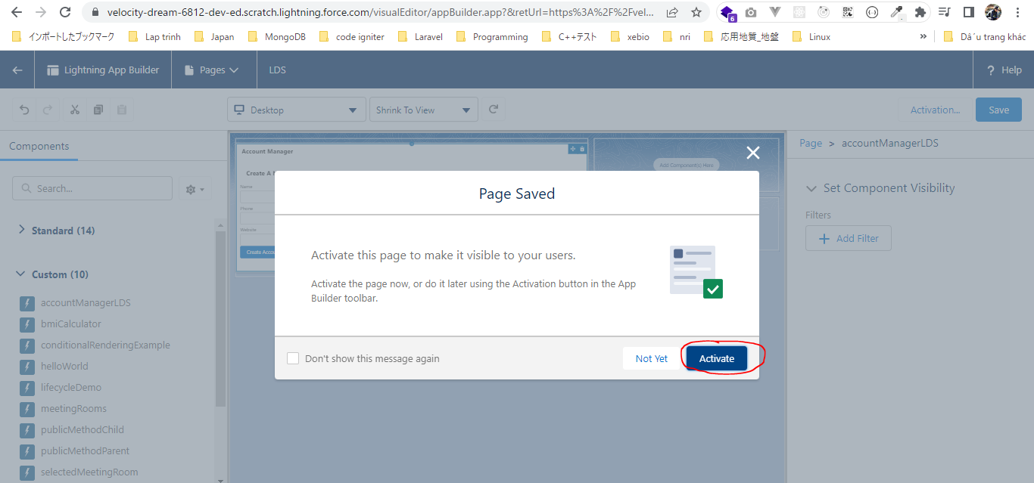

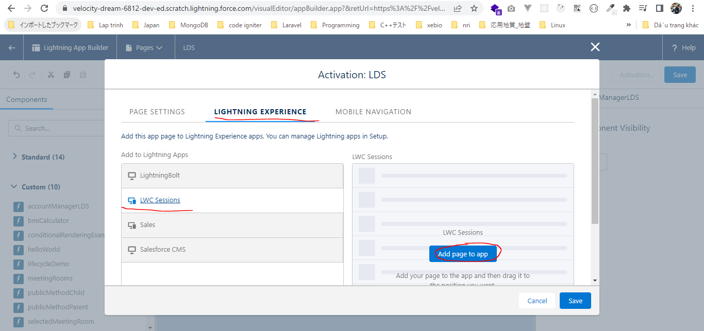

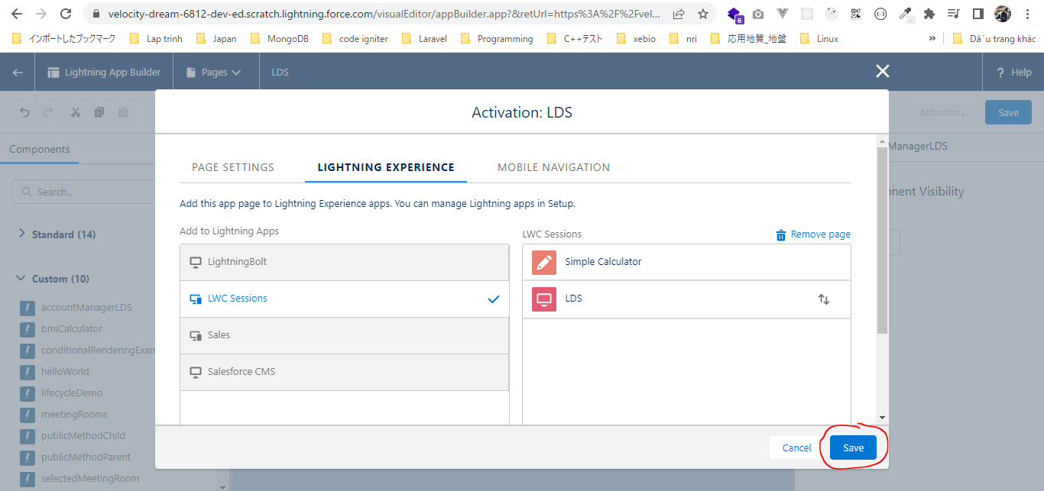

 | Create account
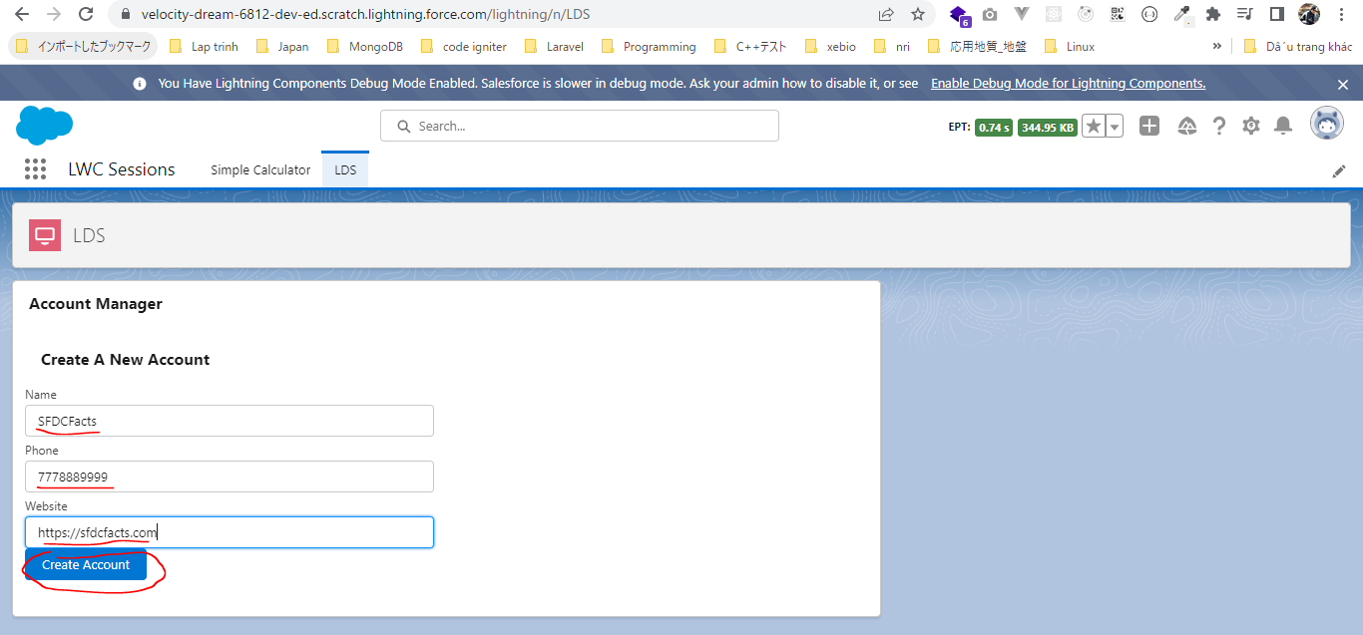

 | Open console log we can see successful response, the account has been created and we have got the account ID as well

 | Open account in our Salesforce Org

LDS - View Record
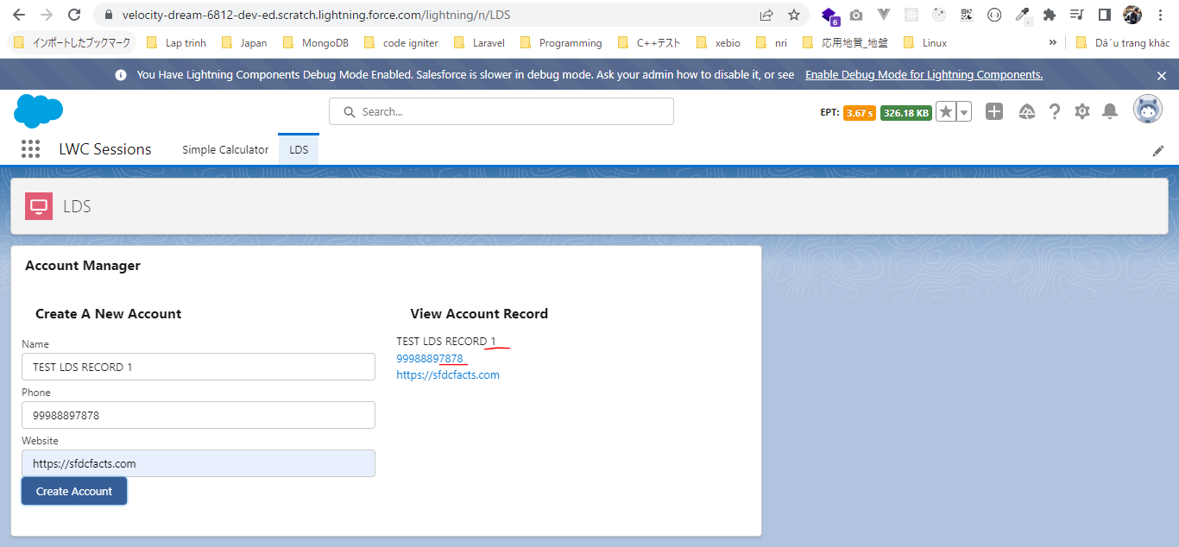
Lightning Data Service - View Record
 | In this part we are going to discus how can retrieve an existing record from Salesforce

構成
 | LightningWebComponent
 |  | LWC
 |  |  | force-app
 |  |  |  | main
 |  |  |  |  | classes
 |  |  |  |  |  | abcd.cls
 |  |  |  |  | lwc
 |  |  |  |  |  | accountManagerLDS
 |  |  |  |  |  |  | accountManagerLDS.html | → | code
 |  |  |  |  |  |  | accountManagerLDS.js | → | code
 |  |  |  |  |  |  | accountManagerLDS.js-meta.xml
 |  |  |  |  |  | bmi
 |  |  |  |  |  |  | bmi.js
 |  |  |  |  |  | bmiCalculator
 |  |  |  |  |  |  | bmiCalculator.html
 |  |  |  |  |  |  | bmiCalculator.js
 |  |  |  |  |  |  | bmiCalculator.js-meta.xml
 |  |  |  |  |  | conditionalRenderingExample
 |  |  |  |  |  |  | conditionalRenderingExample.html
 |  |  |  |  |  |  | conditionalRenderingExample.js
 |  |  |  |  |  |  | conditionalRenderingExample.js-meta.xml
 |  |  |  |  |  | helloWorld
 |  |  |  |  |  |  | helloWorld.css
 |  |  |  |  |  |  | helloWorld.html
 |  |  |  |  |  |  | helloWorld.js
 |  |  |  |  |  |  | helloWorld.js-meta.xml
 |  |  |  |  |  | lifecycleDemo
 |  |  |  |  |  |  | lifecycleDemo.html
 |  |  |  |  |  |  | lifecycleDemo.js
 |  |  |  |  |  |  | lifecycleDemo.js-meta.xml
 |  |  |  |  |  | meetingRoom
 |  |  |  |  |  |  | meetingRoom.css
 |  |  |  |  |  |  | meetingRoom.html
 |  |  |  |  |  |  | meetingRoom.js
 |  |  |  |  |  | meetingRooms
 |  |  |  |  |  |  | meetingRooms.html
 |  |  |  |  |  |  | meetingRooms.js
 |  |  |  |  |  | publicMethodChild
 |  |  |  |  |  |  | publicMethodChild.css
 |  |  |  |  |  |  | publicMethodChild.html
 |  |  |  |  |  |  | publicMethodChild.js
 |  |  |  |  |  |  | publicMethodChild.js-meta.xml
 |  |  |  |  |  | publicMethodParent
 |  |  |  |  |  |  | publicMethodParent.css
 |  |  |  |  |  |  | publicMethodParent.html
 |  |  |  |  |  |  | publicMethodParent.js
 |  |  |  |  |  |  | publicMethodParent.js-meta.xml
 |  |  |  |  |  | pubsub
 |  |  |  |  |  |  | pubsub.js
 |  |  |  |  |  |  | pubsub.js-meta.xml
 |  |  |  |  |  | secondFileName
 |  |  |  |  |  | selectedMeetingRoom
 |  |  |  |  |  |  | selectedMeetingRoom.html
 |  |  |  |  |  |  | selectedMeetingRoom.js
 |  |  |  |  |  | simpleCalculator
 |  |  |  |  |  |  | simpleCalculator.html
 |  |  |  |  |  |  | simpleCalculator.js
 |  |  |  |  |  |  | simpleCalculator.js-meta.xml

LightningWebComponent\LWC\force-app\main\default\lwc\accountManagerLDS\accountManagerLDS.html
 | <template>
 | <lightning-card title="Account Manager">
 | <lightning-layout>
 | <lightning-layout-item size="6" padding="around-small">
 | <lightning-card title="Create A New Account">
 | <lightning-input name="Account Name" label="Name" onchange={accountNameChangeHandler} ></lightning-input>
 | <lightning-input name="Account Phone" type="phone" label="Phone" onchange={accountPhoneChangeHandler} ></lightning-input>
 | <lightning-input name="Account Website" type="url" label="Website" onchange={accountWebsiteChangeHandler} ></lightning-input>

 | <lightning-button label="Create Account" onclick={createAccount} variant="brand" ></lightning-button>
 | </lightning-card>
 | </lightning-layout-item>
 | <lightning-layout-item size="6" padding="around-small">
 | <lightning-card title="View Account Record"> |  |  |  |  |  |  |  |  | → | this lightning-card to display the retrieved account information
 | <p><lightning-formatted-text value={retAccountName} ></lightning-formatted-text></p>
 | <p><lightning-formatted-phone value={retAccountPhone} ></lightning-formatted-phone></p> |  |  |  |  |  |  |  |  | → | formatted-phone
 | <p><lightning-formatted-url value={retAccountWebsite} ></lightning-formatted-url></p> |  |  |  |  |  |  |  |  | → | formatted-url
 | </lightning-card>
 | </lightning-layout-item>
 | </lightning-layout>
 | </lightning-card>

 | </template>

LightningWebComponent\LWC\force-app\main\default\lwc\accountManagerLDS\accountManagerLDS.js
 | import { LightningElement,track, wire } from 'lwc';
 | import { createRecord, getRecord } from "lightning/uiRecordApi"; |  |  |  |  |  |  | → | need to import getRecord method, and unlike to createRecord method, this getRecord method is a wire adapter so that we need to use wire service to get the record value from Salesforce
 |  |  |  |  |  |  |  |  | so we need to import the wire service as well. This getRecord wire service accept 2 parameters. First of all is the record ID that we want to fetch from our Salesforce backend amd the second is the field that we want to retrieve from that record ID
 | const fieldArray= ['Account.Name', 'Account.Phone', 'Account.Website'];

 | export default class AccountManagerLDS extends LightningElement {
 | @track accountName;
 | @track accountPhone;
 | @track accountWebsite;

 | @track recordId;
 |  |  |  |  |  |  |  |  | fields keys is necessary
 | @wire(getRecord, {recordId: '$recordId', fields: fieldArray}) |  |  |  |  |  |  | → | get data from server by using wire service. To make our wire service reactive which means if the record recordId will changed in feture, our wire service will going to the server again and get the new data, to do tat reactive we need to use '$recordId' instead of this.recordId
 | accountRecord; |  |  |  |  |  |  | → | need to choose property or method we want to assign the response, here we are going to assign our response to accountRecord property
 |  |  |  |  |  |  |  |  | All the wire property are also similar to the track properties that means they are also reactive and private
 | accountNameChangeHandler(event){
 | this.accountName = event.target.value;
 | }

 | accountPhoneChangeHandler(event){
 | this.accountPhone = event.target.value;
 | }

 | accountWebsiteChangeHandler(event){
 | this.accountWebsite = event.target.value;
 | }

 | createAccount(){
 | const fields = {'Name' : this.accountName, 'Phone' : this.accountPhone, 'Website': this.accountWebsite};
 | const recordInput = {apiName : 'Account', fields};

 | createRecord(recordInput).then(response => {
 | console.log('Account has been created : ', response.id);
 | this.recordId = response.id; |  |  |  |  |  |  | → | As soon as my create a record and I get the ID from server of the recently created record. I want to show that record inside my view form
 | }).catch(error =>{
 | console.error('Error in creating account : ', error.body.message);
 | });
 | }

 | get retAccountName(){
 | if(this.accountRecord.data){
 | return this.accountRecord.data.fields.Name.value; |  |  |  |  |  |  | → | use accountRecord property to display value of Account Name
 | }
 | return undefined;
 | }

 | get retAccountPhone(){ |  |  |  |  |  |  | → | use get property to get Account Name
 | if(this.accountRecord.data){
 | return this.accountRecord.data.fields.Phone.value; |  |  |  |  |  |  | → | use accountRecord property to display value of Account Phone
 | }
 | return undefined;
 | }

 | get retAccountWebsite(){
 | if(this.accountRecord.data){
 | return this.accountRecord.data.fields.Website.value; |  |  |  |  |  |  | → | use accountRecord property to display value of Account Website
 | }
 | return undefined;
 | }
 | }

Check browser
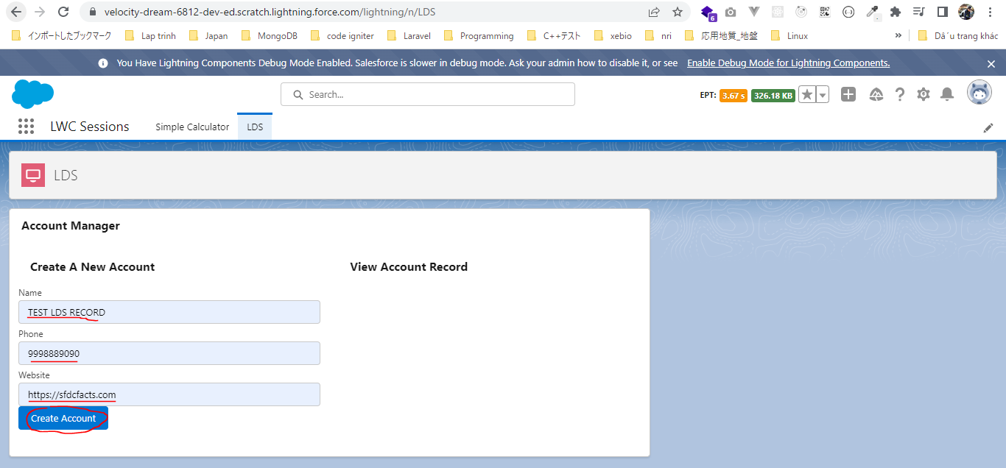

 | As soon as we create the account it is showing the current information
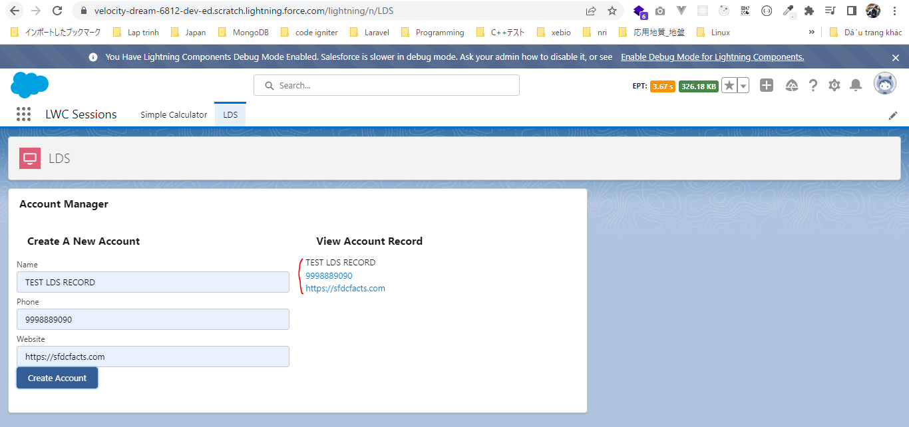

 | Create one more account with new record created one
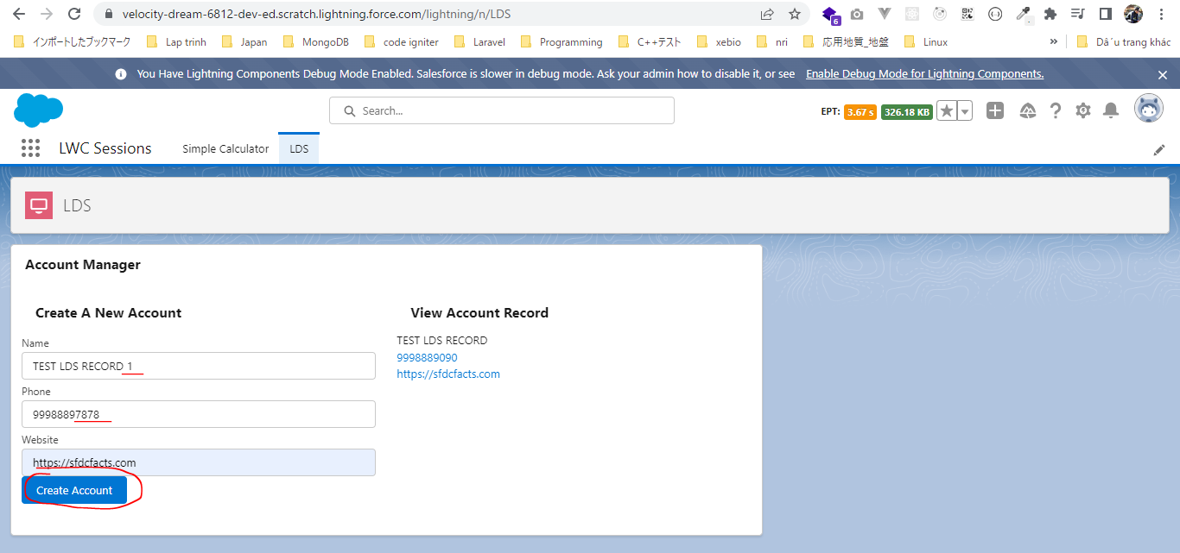

 | it is fetching the new data from server

LDS-RecordViewFormAndRecordEdit
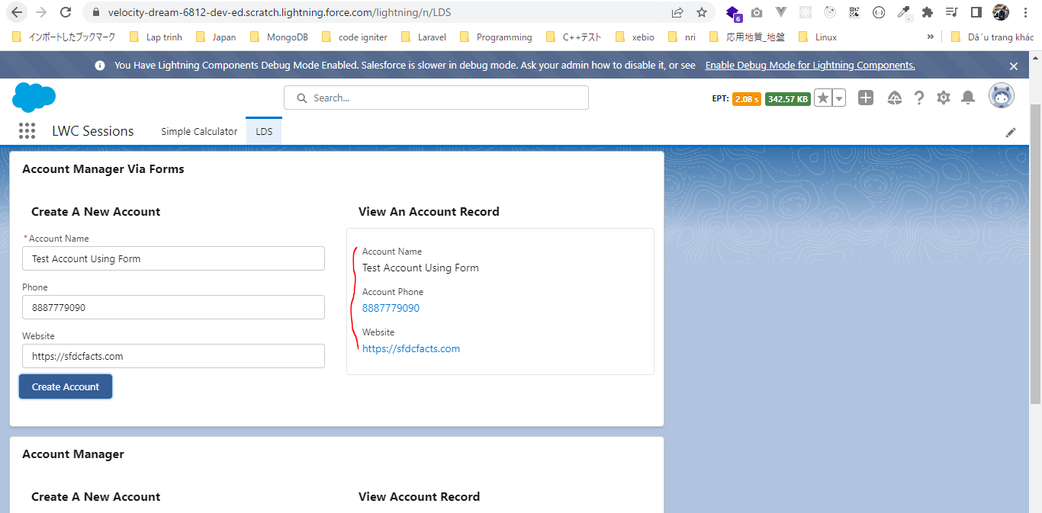
LDS - RecordViewForm and RecordEditForm
 | This part we will be using some of the base component which are based on LDS to create our new record adding the existing record or view the existing record. These base components makes it
 | super easy to create a new record or edit record. There are very less of Javascript that we need to maintain, there is no extra module that we need to import. Most of that task can be done from
 | html markup itself. The better is that automatically take care of our field level security, there object record permission and our sharing settings. That will ensure that user will never get access to
 | unauthorized data
 | We prefer using the forms component over LDS whenever it is possible because they make our job super easy. We do not have to write any javascript and obviously we do not have to write any
 | server side controller as well
 | Whenever we have to need to create a form on the UI go for these forms instead of using LDS and obviously do not use Apex method until unless we have a complex logic which can not be handled
 | by LDS or these forms

構成
 | LightningWebComponent
 |  | LWC
 |  |  | force-app
 |  |  |  | main
 |  |  |  |  | classes
 |  |  |  |  |  | abcd.cls
 |  |  |  |  | lwc
 |  |  |  |  |  | accountManagerLDS
 |  |  |  |  |  |  | accountManagerLDS.html
 |  |  |  |  |  |  | accountManagerLDS.js
 |  |  |  |  |  |  | accountManagerLDS.js-meta.xml
 |  |  |  |  |  | accountManagerLDSForms |  |  |  |  | → | new
 |  |  |  |  |  |  | accountManagerLDSForms.html
 |  |  |  |  |  |  | accountManagerLDSForms.js
 |  |  |  |  |  |  | accountManagerLDSForms.js-meta.xml
 |  |  |  |  |  | bmi
 |  |  |  |  |  |  | bmi.js
 |  |  |  |  |  | bmiCalculator
 |  |  |  |  |  |  | bmiCalculator.html
 |  |  |  |  |  |  | bmiCalculator.js
 |  |  |  |  |  |  | bmiCalculator.js-meta.xml
 |  |  |  |  |  | conditionalRenderingExample
 |  |  |  |  |  |  | conditionalRenderingExample.html
 |  |  |  |  |  |  | conditionalRenderingExample.js
 |  |  |  |  |  |  | conditionalRenderingExample.js-meta.xml
 |  |  |  |  |  | helloWorld
 |  |  |  |  |  |  | helloWorld.css
 |  |  |  |  |  |  | helloWorld.html
 |  |  |  |  |  |  | helloWorld.js
 |  |  |  |  |  |  | helloWorld.js-meta.xml
 |  |  |  |  |  | lifecycleDemo
 |  |  |  |  |  |  | lifecycleDemo.html
 |  |  |  |  |  |  | lifecycleDemo.js
 |  |  |  |  |  |  | lifecycleDemo.js-meta.xml
 |  |  |  |  |  | meetingRoom
 |  |  |  |  |  |  | meetingRoom.css
 |  |  |  |  |  |  | meetingRoom.html
 |  |  |  |  |  |  | meetingRoom.js
 |  |  |  |  |  | meetingRooms
 |  |  |  |  |  |  | meetingRooms.html
 |  |  |  |  |  |  | meetingRooms.js
 |  |  |  |  |  | publicMethodChild
 |  |  |  |  |  |  | publicMethodChild.css
 |  |  |  |  |  |  | publicMethodChild.html
 |  |  |  |  |  |  | publicMethodChild.js
 |  |  |  |  |  |  | publicMethodChild.js-meta.xml
 |  |  |  |  |  | publicMethodParent
 |  |  |  |  |  |  | publicMethodParent.css
 |  |  |  |  |  |  | publicMethodParent.html
 |  |  |  |  |  |  | publicMethodParent.js
 |  |  |  |  |  |  | publicMethodParent.js-meta.xml
 |  |  |  |  |  | pubsub
 |  |  |  |  |  |  | pubsub.js
 |  |  |  |  |  |  | pubsub.js-meta.xml
 |  |  |  |  |  | secondFileName
 |  |  |  |  |  | selectedMeetingRoom
 |  |  |  |  |  |  | selectedMeetingRoom.html
 |  |  |  |  |  |  | selectedMeetingRoom.js
 |  |  |  |  |  | simpleCalculator
 |  |  |  |  |  |  | simpleCalculator.html
 |  |  |  |  |  |  | simpleCalculator.js
 |  |  |  |  |  |  | simpleCalculator.js-meta.xml

LightningWebComponent\LWC\force-app\main\default\lwc\accountManagerLDSForms\accountManagerLDSForms.js-meta.xml
 | <?xml version="1.0" encoding="UTF-8"?>
 | <LightningComponentBundle xmlns="http://soap.sforce.com/2006/04/metadata">
 | <apiVersion>55.0</apiVersion>
 | <isExposed>true</isExposed>
 | <targets>
 | <target>lightning__RecordPage</target>
 | <target>lightning__AppPage</target>
 | <target>lightning__HomePage</target>
 | </targets>
 | </LightningComponentBundle>

LightningWebComponent\LWC\force-app\main\default\lwc\accountManagerLDSForms\accountManagerLDSForms.html
 | <template>
 | <lightning-card title="Account Manager Via Forms">
 | <lightning-layout>
 | <lightning-layout-item size="6" padding="around-small">
 | <lightning-card title="Create A New Account"> |  |  |  |  |  |  |  |  | → | Create record
 | <lightning-record-edit-form object-api-name="Account" onsuccess={successHandler}> |  |  |  |  |  |  |  |  | → | Using lightning-record-edit-form to allow creation of new record. This lightning-record-edit-form accepts a object API name for which we want to create the record, we using Account API name
 | <p> |  |  |  |  |  |  |  |  |  | we can also handle the success response
 | <lightning-input-field field-name='Name'></lightning-input-field> |  |  |  |  |  |  |  |  | → | In lightning-record-edit-form we need to use lightning-input-field for user input value and these lightning-input-field will automatically going to take care of our field type. That means if our field
 | </p> |  |  |  |  |  |  |  |  |  | is text field then they will create a input box with type text…
 | <p>
 | <lightning-input-field field-name='Phone'></lightning-input-field>
 | </p>
 | <p>
 | <lightning-input-field field-name='Website'></lightning-input-field>
 | </p>

 | <p>
 | <lightning-button type="submit" variant="brand" name="save" label="Create Account"> |  |  |  |  |  |  |  |  | → | User click on this button then the account can be saved automatically in our backend
 | </lightning-button>
 | </p>
 | </lightning-record-edit-form>
 | </lightning-card>
 | </lightning-layout-item>
 | <lightning-layout-item size="6" padding="around-small">
 | <lightning-card title="View An Account Record"> |  |  |  |  |  |  |  |  | → | View record
 | <lightning-record-view-form record-id={recordId} object-api-name="Account"> |  |  |  |  |  |  |  |  | → | Using lightning-record-view-form so that we can view an existing record from Salesforce. This lightning-record-view-form accepts record-id which we want to fetch from the server
 | <div class="slds-box">
 | <p>
 | <lightning-output-field field-name="Name"></lightning-output-field> |  |  |  |  |  |  |  |  | → | in lightning-record-view-form we need to use lightning-output-field to show data
 | </p>
 | <p>
 | <lightning-output-field field-name="Phone"></lightning-output-field>
 | </p>
 | <p>
 | <lightning-output-field field-name="Website"></lightning-output-field>
 | </p>
 | </div>
 | </lightning-record-view-form>
 | </lightning-card>
 | </lightning-layout-item>
 | </lightning-layout>
 | </lightning-card>
 | </template>

LightningWebComponent\LWC\force-app\main\default\lwc\accountManagerLDSForms\accountManagerLDSForms.js
 | import { LightningElement, track } from 'lwc';

 | export default class AccountManagerLDSForms extends LightningElement {

 | @track recordId; |  |  |  |  |  |  | → | this recordId property we use in our lightning-record-view-form
 | successHandler(event){
 | this.recordId = event.detail.id; |  |  |  |  |  |  | → | get the record ID from server as soon as the record is saved in the backend
 | }
 | }

Test browser
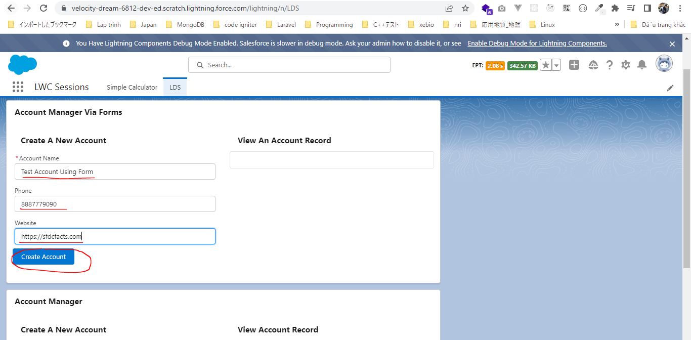

 | We can see our account Name, Phone and Website will be automatically formatted as per the field type text, Phone and Website

