Installing Schema
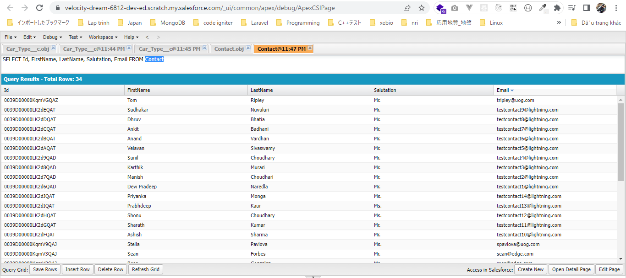
 | This part we will install our "Rent A Car" application backend schema, related tabs static resources in our project

構成
 | LightningWebComponent
 |  | .vscode
 |  |  | launch.json
 |  | LWC
 |  |  | force-app
 |  |  |  | main
 |  |  |  |  | classes
 |  |  |  |  |  | abcd.cls
 |  |  |  |  |  | AccountManager.cls
 |  |  |  |  |  | CreateData.cls
 |  |  |  |  |  | CreateDataTest.cls
 |  |  |  |  |  | DeleteData.cls
 |  |  |  |  |  | DeleteDataTest.cls
 |  |  |  |  |  | RentACarTestFactory.cls
 |  |  |  |  | aura
 |  |  |  |  |  | MeetingRoomAura
 |  |  |  |  |  |  | MeetingRoomAura.cmp
 |  |  |  |  |  |  | MeetingRoomAuraController.js
 |  |  |  |  |  | MeetingRoomPubSubHandler
 |  |  |  |  |  |  | MeetingRoomPubSubHandler.cmp
 |  |  |  |  |  |  | MeetingRoomPubSubHandlerController.js
 |  |  |  |  | lwc
 |  |  |  |  |  | accountManageApex
 |  |  |  |  |  |  | accountManageApex.css
 |  |  |  |  |  |  | accountManageApex.html
 |  |  |  |  |  |  | accountManageApex.js
 |  |  |  |  |  |  | accountManageApex.js-meta.xml
 |  |  |  |  |  | accountManagerLDS
 |  |  |  |  |  |  | accountManagerLDS.html
 |  |  |  |  |  |  | accountManagerLDS.js
 |  |  |  |  |  |  | accountManagerLDS.js-meta.xml
 |  |  |  |  |  | accountManagerLDSForms
 |  |  |  |  |  |  | accountManagerLDSForms.html
 |  |  |  |  |  |  | accountManagerLDSForms.js
 |  |  |  |  |  |  | accountManagerLDSForms.js-meta.xml
 |  |  |  |  |  | accountRecordForm
 |  |  |  |  |  |  | accountRecordForm.html
 |  |  |  |  |  |  | accountRecordForm.js
 |  |  |  |  |  |  | accountRecordForm.js-meta.xml
 |  |  |  |  |  | auraPubsub
 |  |  |  |  |  |  | auraPubsub.js
 |  |  |  |  |  |  | auraPubsub.js-meta.xml
 |  |  |  |  |  | bmi
 |  |  |  |  |  |  | bmi.js
 |  |  |  |  |  | bmiCalculator
 |  |  |  |  |  |  | bmiCalculator.html
 |  |  |  |  |  |  | bmiCalculator.js
 |  |  |  |  |  |  | bmiCalculator.js-meta.xml
 |  |  |  |  |  | conditionalRenderingExample
 |  |  |  |  |  |  | conditionalRenderingExample.html
 |  |  |  |  |  |  | conditionalRenderingExample.js
 |  |  |  |  |  |  | conditionalRenderingExample.js-meta.xml
 |  |  |  |  |  | helloWorld
 |  |  |  |  |  |  | helloWorld.css
 |  |  |  |  |  |  | helloWorld.html
 |  |  |  |  |  |  | helloWorld.js
 |  |  |  |  |  |  | helloWorld.js-meta.xml
 |  |  |  |  |  | lifecycleDemo
 |  |  |  |  |  |  | lifecycleDemo.html
 |  |  |  |  |  |  | lifecycleDemo.js
 |  |  |  |  |  |  | lifecycleDemo.js-meta.xml
 |  |  |  |  |  | meetingRoom
 |  |  |  |  |  |  | meetingRoom.css
 |  |  |  |  |  |  | meetingRoom.html
 |  |  |  |  |  |  | meetingRoom.js
 |  |  |  |  |  | meetingRooms
 |  |  |  |  |  |  | __tests__
 |  |  |  |  |  |  |  | meetingRooms.test.js
 |  |  |  |  |  |  | meetingRooms.html
 |  |  |  |  |  |  | meetingRooms.js
 |  |  |  |  |  | navigationExample
 |  |  |  |  |  |  | navigationExample.html
 |  |  |  |  |  |  | navigationExample.js
 |  |  |  |  |  |  | navigationExample.js-meta.xml
 |  |  |  |  |  | publicMethodChild
 |  |  |  |  |  |  | publicMethodChild.css
 |  |  |  |  |  |  | publicMethodChild.html
 |  |  |  |  |  |  | publicMethodChild.js
 |  |  |  |  |  |  | publicMethodChild.js-meta.xml
 |  |  |  |  |  | publicMethodParent
 |  |  |  |  |  |  | publicMethodParent.css
 |  |  |  |  |  |  | publicMethodParent.html
 |  |  |  |  |  |  | publicMethodParent.js
 |  |  |  |  |  |  | publicMethodParent.js-meta.xml
 |  |  |  |  |  | pubsub
 |  |  |  |  |  |  | pubsub.js
 |  |  |  |  |  |  | pubsub.js-meta.xml
 |  |  |  |  |  | secondFileName
 |  |  |  |  |  | selectedMeetingRoom
 |  |  |  |  |  |  | selectedMeetingRoom.html
 |  |  |  |  |  |  | selectedMeetingRoom.js
 |  |  |  |  |  | simpleCalculator
 |  |  |  |  |  |  | simpleCalculator.html
 |  |  |  |  |  |  | simpleCalculator.js
 |  |  |  |  |  |  | simpleCalculator.js-meta.xml
 |  |  |  |  |  | simpleLightBoxExample
 |  |  |  |  |  |  | simpleLightBoxExample.html
 |  |  |  |  |  |  | simpleLightBoxExample.js
 |  |  |  |  |  |  | simpleLightBoxExample.js-meta.xml
 |  |  |  |  | objects
 |  |  |  |  |  | Car__c
 |  |  |  |  |  | Car_Experience__c
 |  |  |  |  |  | Car_Type__c
 |  |  |  |  | staticresources
 |  |  |  |  |  | Leaflet
 |  |  |  |  |  |  | images
 |  |  |  |  |  |  | leaflet-src.js
 |  |  |  |  |  |  | leaflet-src.js.map
 |  |  |  |  |  |  | leaflet.css
 |  |  |  |  |  |  | leaflet.js
 |  |  |  |  |  |  | leaflet.js.map
 |  |  |  |  | tabs
 |  |  |  |  |  | Car__c.tab-meta.xml
 |  |  |  |  |  | Car_Experience__c.tab-meta.xml
 |  |  |  |  |  | Car_Type__c.tab-meta.xml
 |  |  | package.json

Check have 3 more custom objects
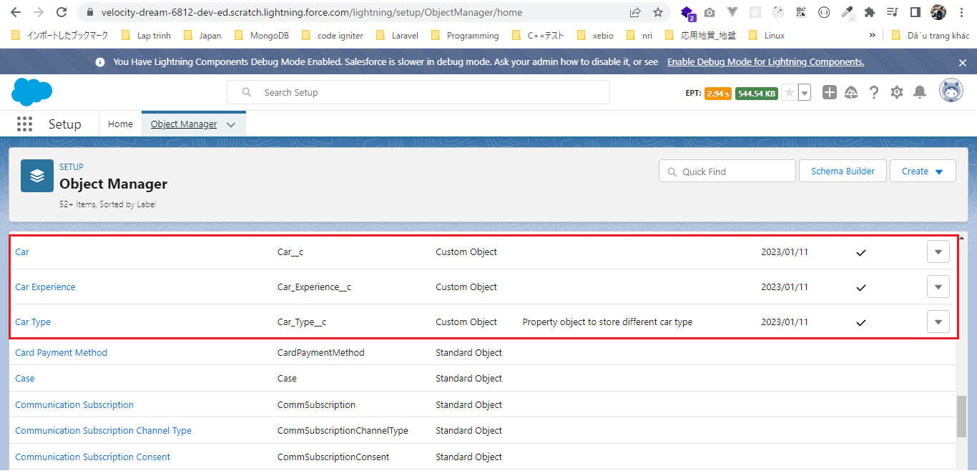

Static Resources
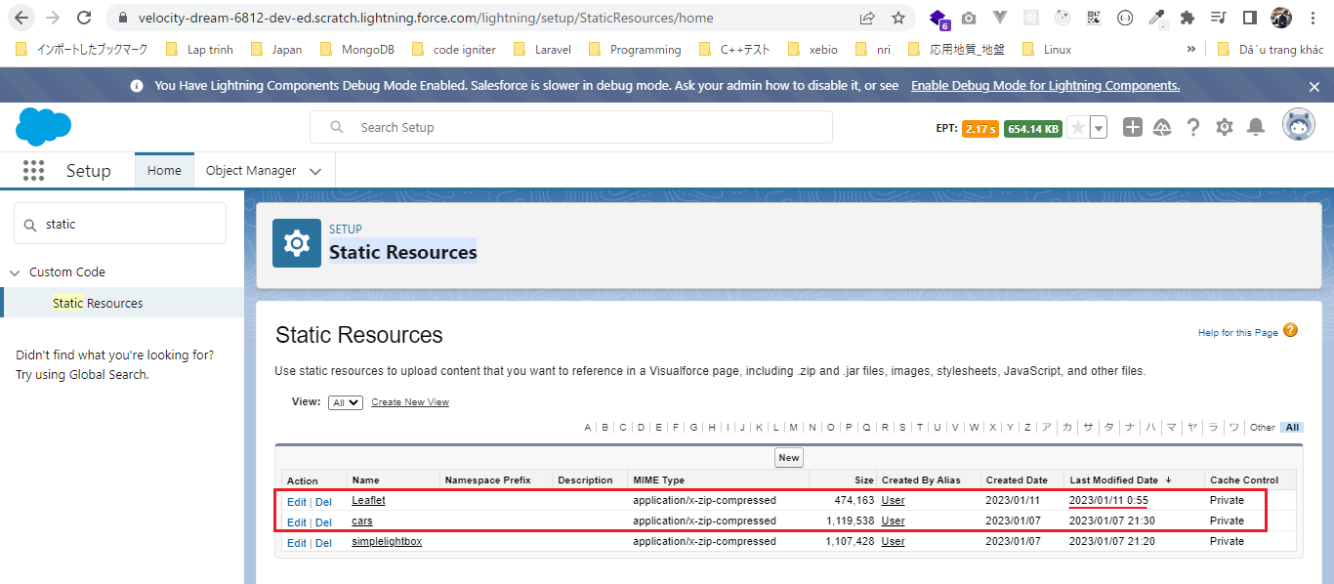

We need to make sure that we have given the proper access to these custom objects(Car__c, Car_Experience__c, Car_Type__c) and the fields
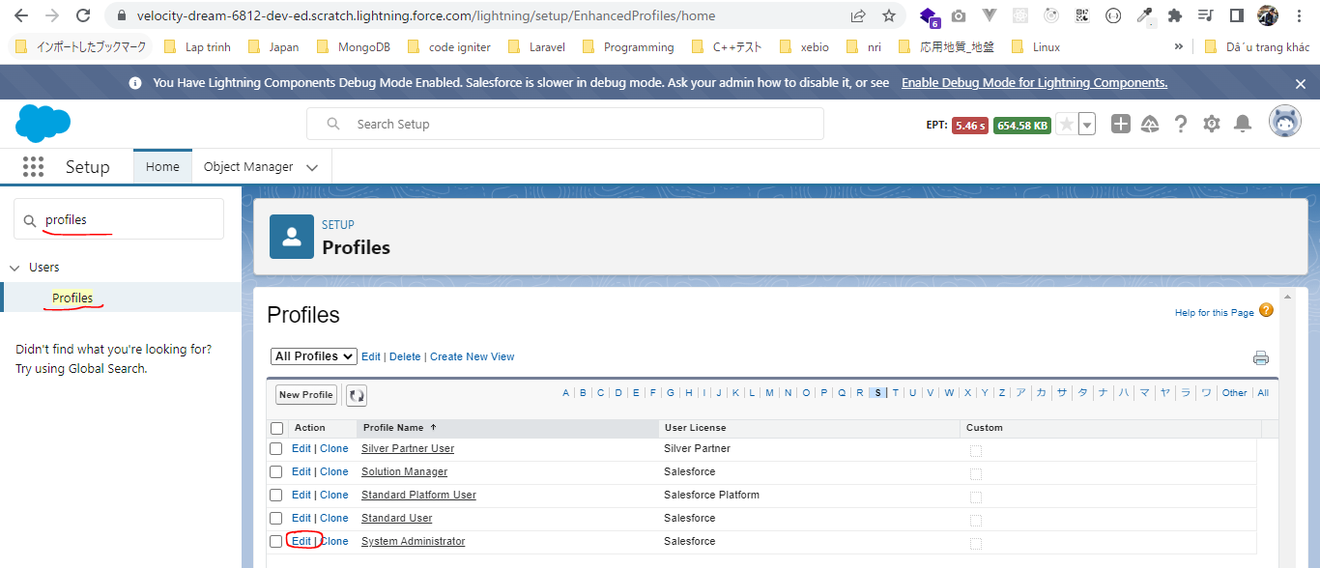

 | tabs options
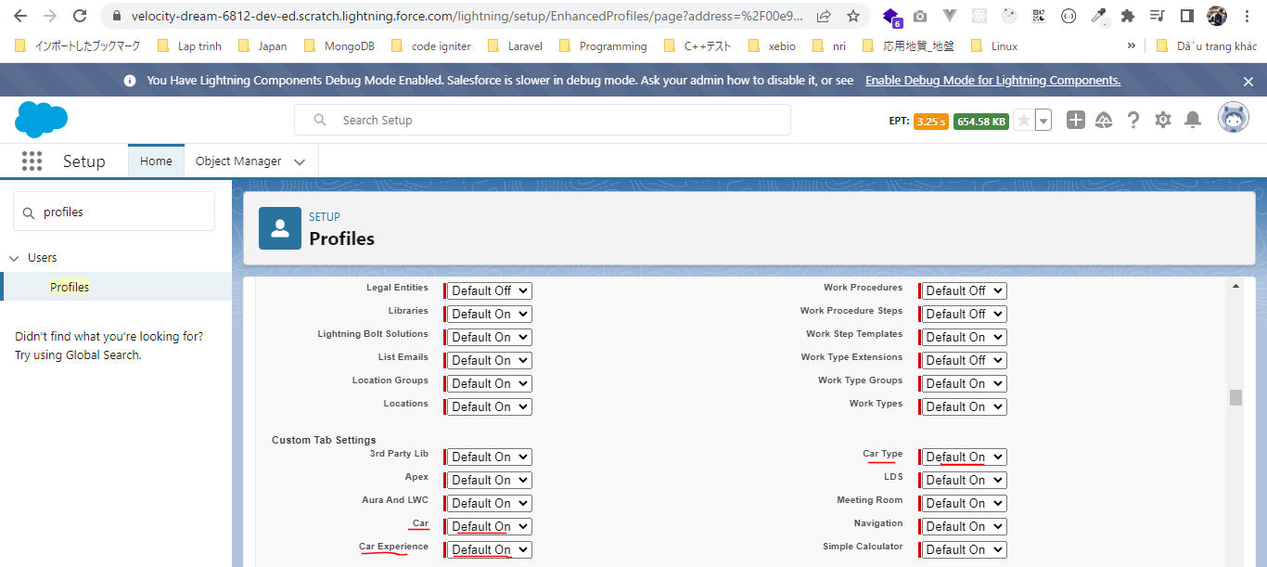

 | Car, Car Experience and Car Type already have proper access
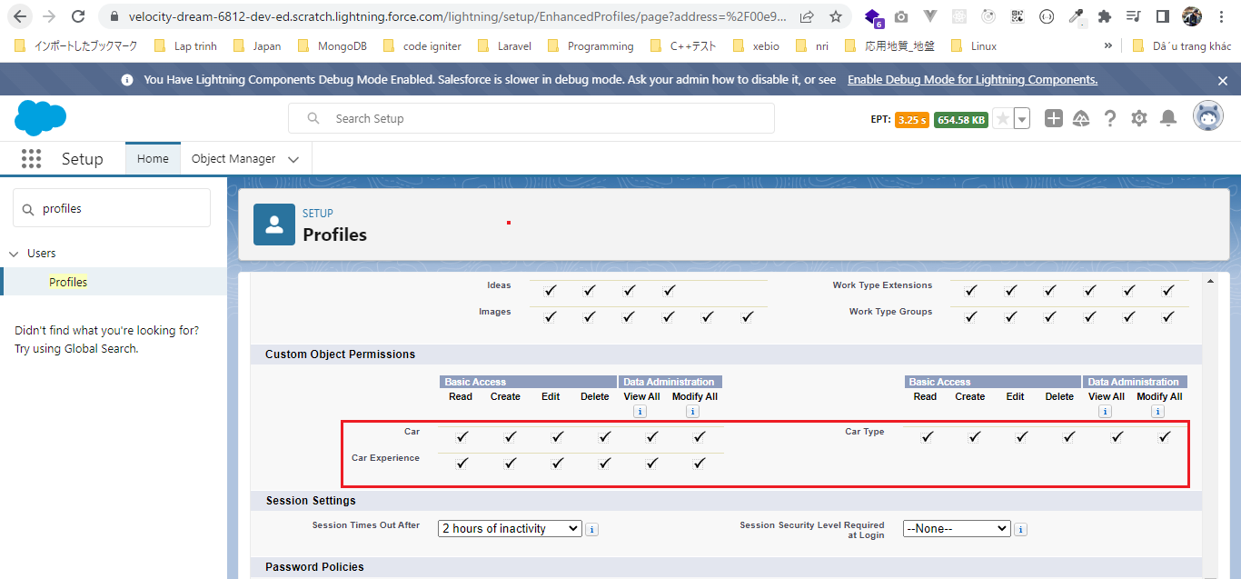

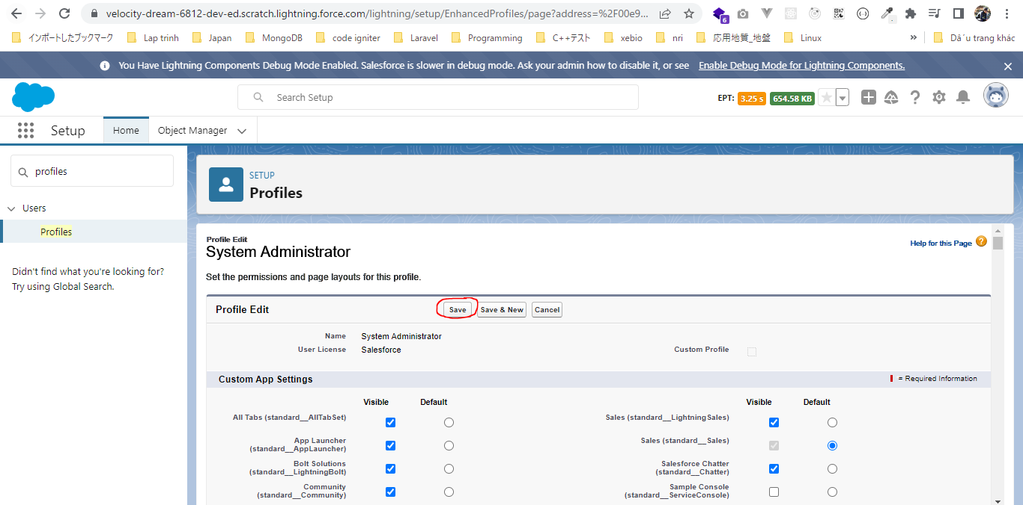

Field-Level Security
Give all access
 | Car
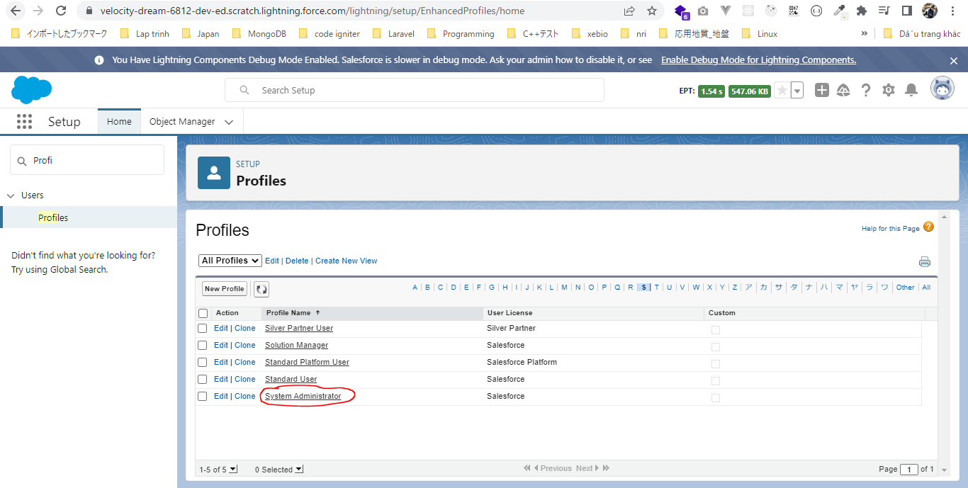

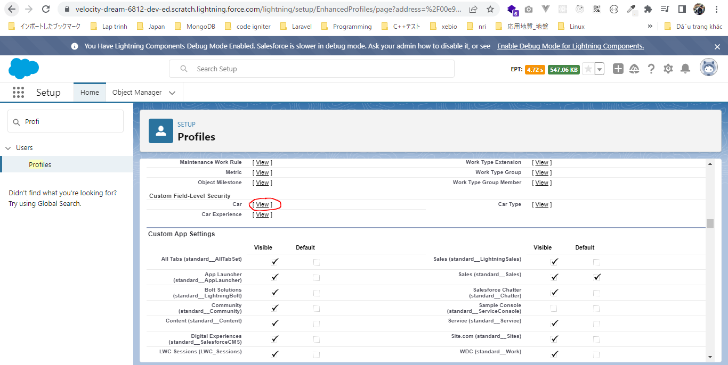

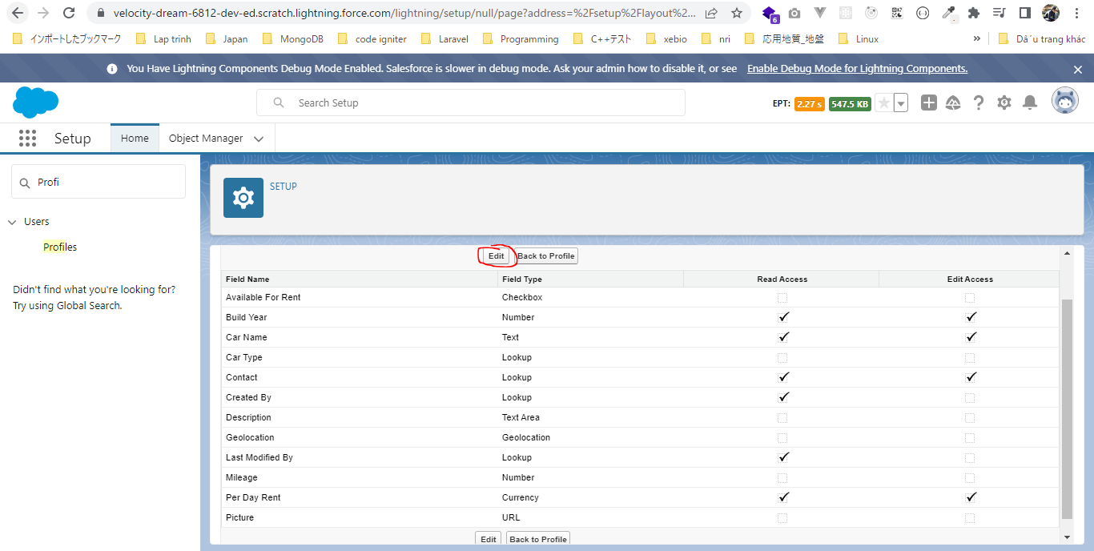

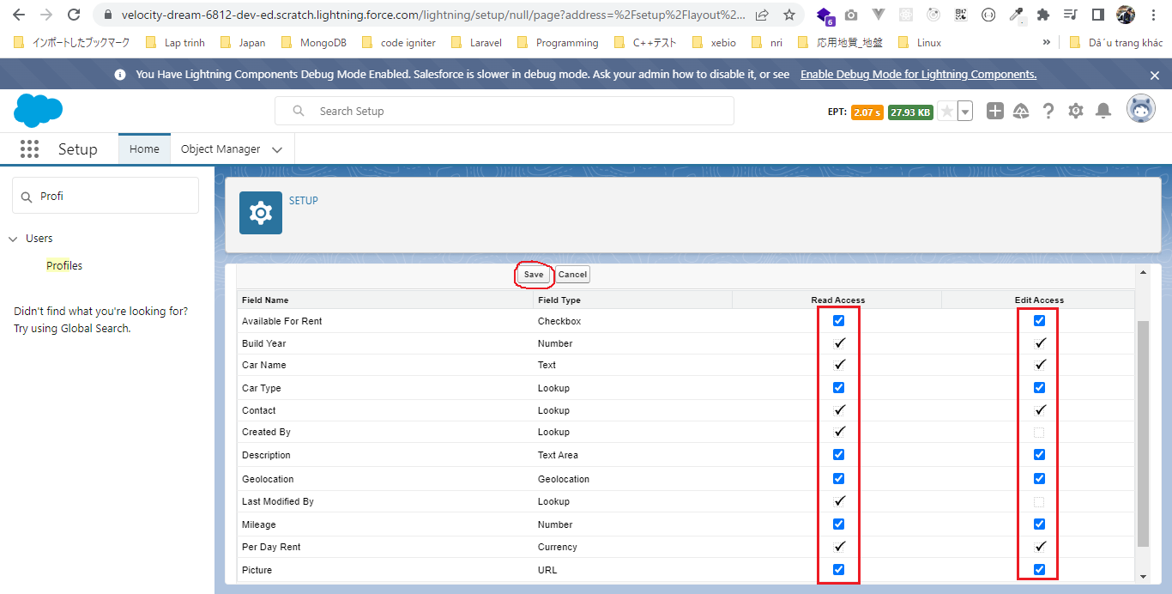

 | Car Experience
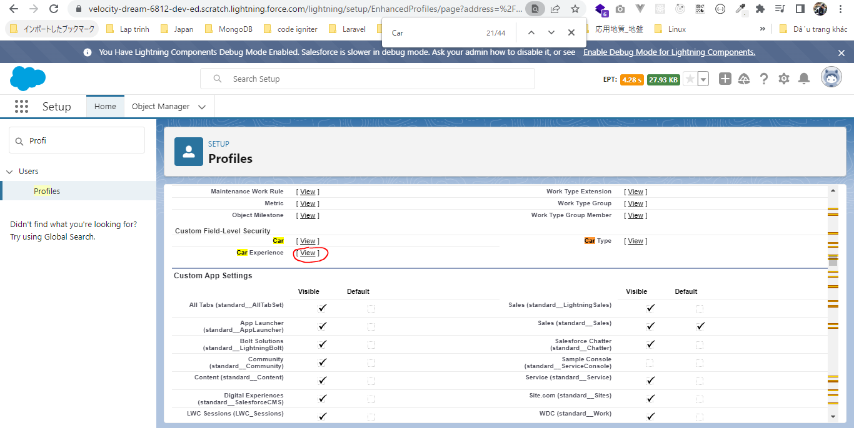

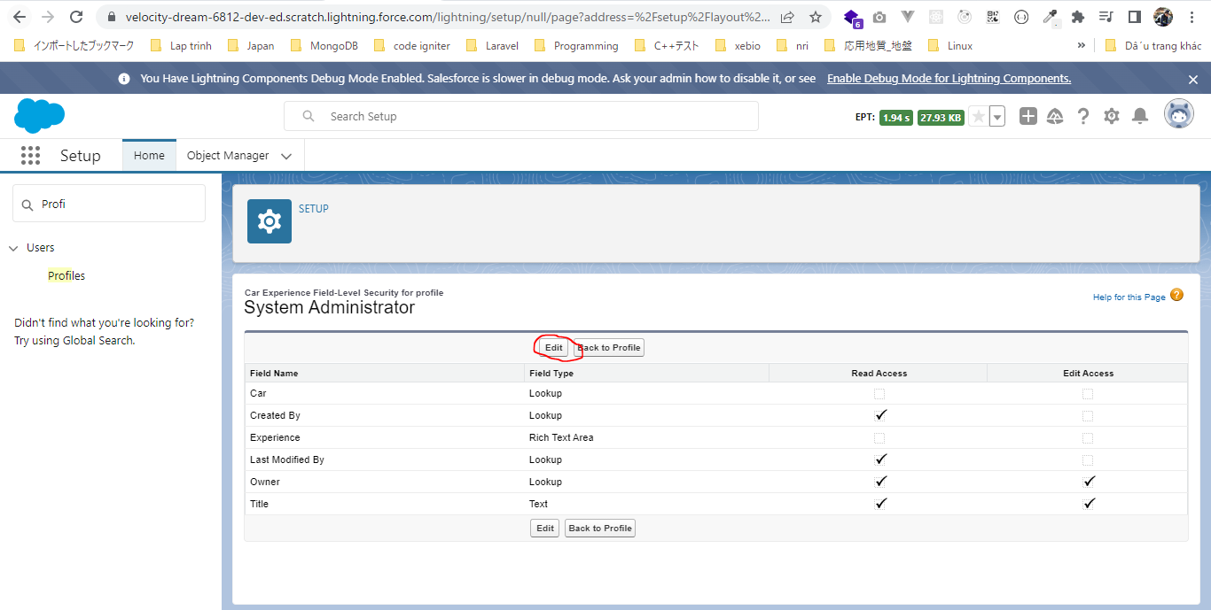

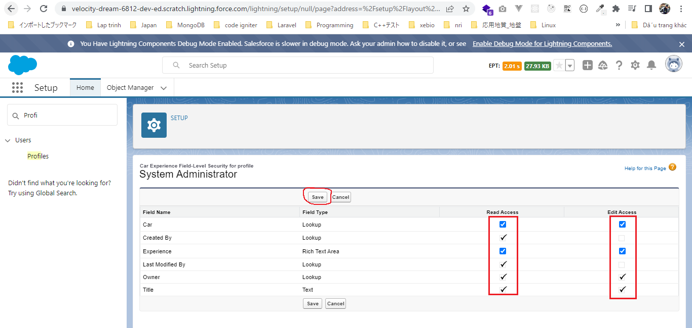

Create our data
 | CreateData.createPackageData();
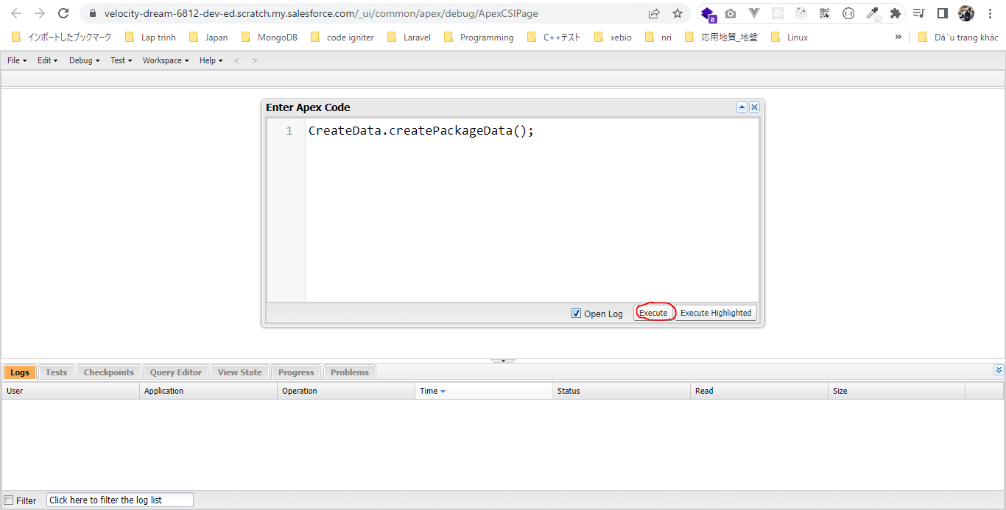

 | Check Car__c
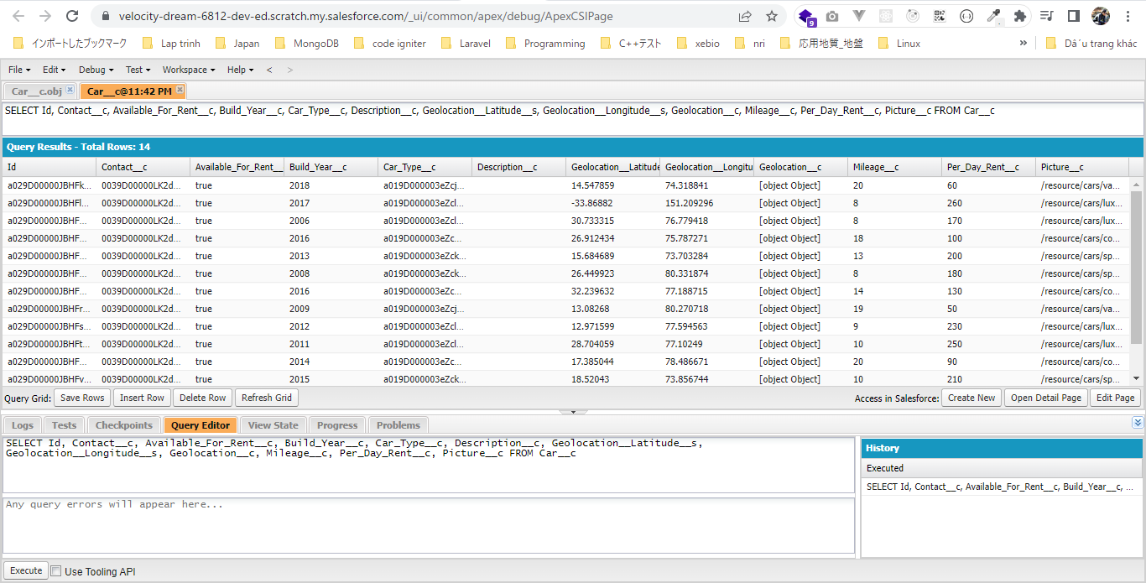

 | Check Car_Type__c
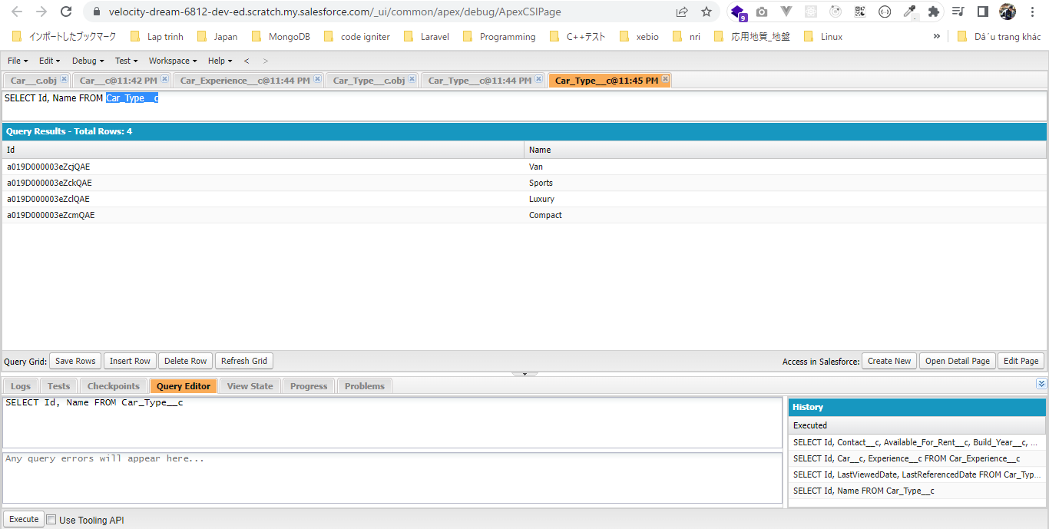

 | Check Contact

Develop CarSearchForm Component
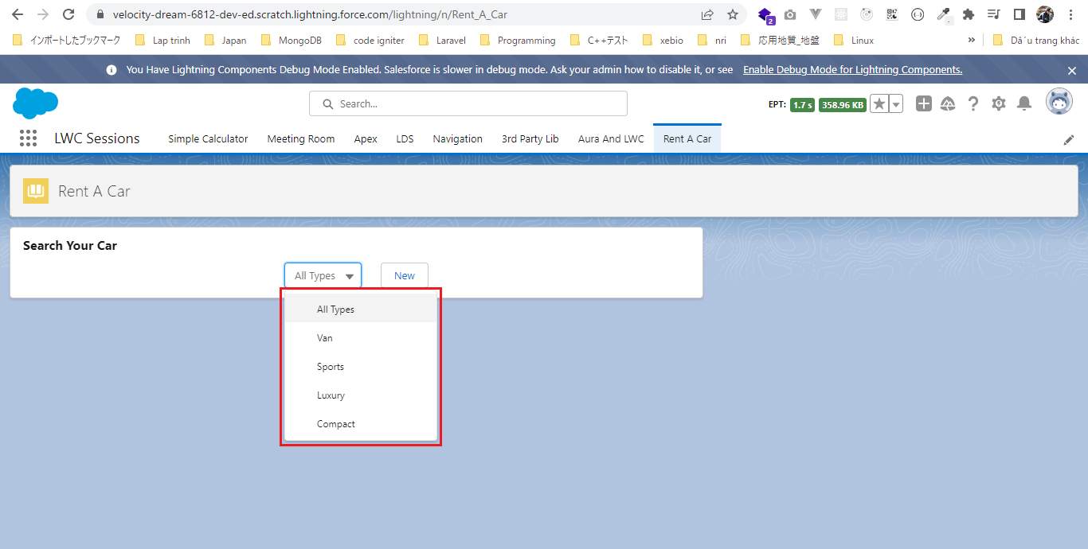
 | This part we will develop carSearchForm component which will have a select box and a button

 | carSearch component is parent of carSearchForm and carSearchResult component by this way carSearchForm component and carSearchResult will share the same parent and we can easily pass the
 | selected car type id from carSearchForm component to parent component using the custom event and then our parent component can easily pass the selected car type id to our carSearchResult
 | using the public properties and in the end our carSearchResult is going to make a server side call to fetch all the related cars
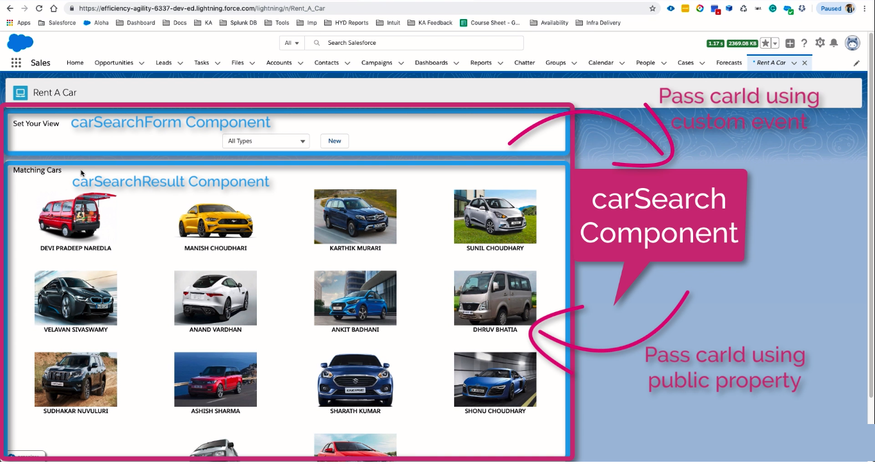

構成
 | LightningWebComponent
 |  | .vscode
 |  |  | launch.json
 |  | LWC
 |  |  | force-app
 |  |  |  | main
 |  |  |  |  | classes
 |  |  |  |  |  | abcd.cls
 |  |  |  |  |  | AccountManager.cls
 |  |  |  |  |  | CarSearchFormController.cls |  |  |  | → | new
 |  |  |  |  |  | CreateData.cls
 |  |  |  |  |  | CreateDataTest.cls
 |  |  |  |  |  | DeleteData.cls
 |  |  |  |  |  | DeleteDataTest.cls
 |  |  |  |  |  | RentACarTestFactory.cls
 |  |  |  |  | aura
 |  |  |  |  |  | MeetingRoomAura
 |  |  |  |  |  |  | MeetingRoomAura.cmp
 |  |  |  |  |  |  | MeetingRoomAuraController.js
 |  |  |  |  |  | MeetingRoomPubSubHandler
 |  |  |  |  |  |  | MeetingRoomPubSubHandler.cmp
 |  |  |  |  |  |  | MeetingRoomPubSubHandlerController.js
 |  |  |  |  | lwc
 |  |  |  |  |  | accountManageApex
 |  |  |  |  |  |  | accountManageApex.css
 |  |  |  |  |  |  | accountManageApex.html
 |  |  |  |  |  |  | accountManageApex.js
 |  |  |  |  |  |  | accountManageApex.js-meta.xml
 |  |  |  |  |  | accountManagerLDS
 |  |  |  |  |  |  | accountManagerLDS.html
 |  |  |  |  |  |  | accountManagerLDS.js
 |  |  |  |  |  |  | accountManagerLDS.js-meta.xml
 |  |  |  |  |  | accountManagerLDSForms
 |  |  |  |  |  |  | accountManagerLDSForms.html
 |  |  |  |  |  |  | accountManagerLDSForms.js
 |  |  |  |  |  |  | accountManagerLDSForms.js-meta.xml
 |  |  |  |  |  | accountRecordForm
 |  |  |  |  |  |  | accountRecordForm.html
 |  |  |  |  |  |  | accountRecordForm.js
 |  |  |  |  |  |  | accountRecordForm.js-meta.xml
 |  |  |  |  |  | auraPubsub
 |  |  |  |  |  |  | auraPubsub.js
 |  |  |  |  |  |  | auraPubsub.js-meta.xml
 |  |  |  |  |  | bmi
 |  |  |  |  |  |  | bmi.js
 |  |  |  |  |  | bmiCalculator
 |  |  |  |  |  |  | bmiCalculator.html
 |  |  |  |  |  |  | bmiCalculator.js
 |  |  |  |  |  |  | bmiCalculator.js-meta.xml
 |  |  |  |  |  | carSearch |  |  |  | → | new
 |  |  |  |  |  |  | carSearch.html
 |  |  |  |  |  |  | carSearch.js
 |  |  |  |  |  |  | carSearch.js-meta.xml
 |  |  |  |  |  | carSearchForm |  |  |  | → | new
 |  |  |  |  |  |  | carSearchForm.html
 |  |  |  |  |  |  | carSearchForm.js
 |  |  |  |  |  |  | carSearchForm.js-meta.xml
 |  |  |  |  |  | conditionalRenderingExample
 |  |  |  |  |  |  | conditionalRenderingExample.html
 |  |  |  |  |  |  | conditionalRenderingExample.js
 |  |  |  |  |  |  | conditionalRenderingExample.js-meta.xml
 |  |  |  |  |  | helloWorld
 |  |  |  |  |  |  | helloWorld.css
 |  |  |  |  |  |  | helloWorld.html
 |  |  |  |  |  |  | helloWorld.js
 |  |  |  |  |  |  | helloWorld.js-meta.xml
 |  |  |  |  |  | lifecycleDemo
 |  |  |  |  |  |  | lifecycleDemo.html
 |  |  |  |  |  |  | lifecycleDemo.js
 |  |  |  |  |  |  | lifecycleDemo.js-meta.xml
 |  |  |  |  |  | meetingRoom
 |  |  |  |  |  |  | meetingRoom.css
 |  |  |  |  |  |  | meetingRoom.html
 |  |  |  |  |  |  | meetingRoom.js
 |  |  |  |  |  | meetingRooms
 |  |  |  |  |  |  | __tests__
 |  |  |  |  |  |  |  | meetingRooms.test.js
 |  |  |  |  |  |  | meetingRooms.html
 |  |  |  |  |  |  | meetingRooms.js
 |  |  |  |  |  | navigationExample
 |  |  |  |  |  |  | navigationExample.html
 |  |  |  |  |  |  | navigationExample.js
 |  |  |  |  |  |  | navigationExample.js-meta.xml
 |  |  |  |  |  | publicMethodChild
 |  |  |  |  |  |  | publicMethodChild.css
 |  |  |  |  |  |  | publicMethodChild.html
 |  |  |  |  |  |  | publicMethodChild.js
 |  |  |  |  |  |  | publicMethodChild.js-meta.xml
 |  |  |  |  |  | publicMethodParent
 |  |  |  |  |  |  | publicMethodParent.css
 |  |  |  |  |  |  | publicMethodParent.html
 |  |  |  |  |  |  | publicMethodParent.js
 |  |  |  |  |  |  | publicMethodParent.js-meta.xml
 |  |  |  |  |  | pubsub
 |  |  |  |  |  |  | pubsub.js
 |  |  |  |  |  |  | pubsub.js-meta.xml
 |  |  |  |  |  | secondFileName
 |  |  |  |  |  | selectedMeetingRoom
 |  |  |  |  |  |  | selectedMeetingRoom.html
 |  |  |  |  |  |  | selectedMeetingRoom.js
 |  |  |  |  |  | simpleCalculator
 |  |  |  |  |  |  | simpleCalculator.html
 |  |  |  |  |  |  | simpleCalculator.js
 |  |  |  |  |  |  | simpleCalculator.js-meta.xml
 |  |  |  |  |  | simpleLightBoxExample
 |  |  |  |  |  |  | simpleLightBoxExample.html
 |  |  |  |  |  |  | simpleLightBoxExample.js
 |  |  |  |  |  |  | simpleLightBoxExample.js-meta.xml
 |  |  |  |  | objects
 |  |  |  |  |  | Car__c
 |  |  |  |  |  | Car_Experience__c
 |  |  |  |  |  | Car_Type__c
 |  |  |  |  | staticresources
 |  |  |  |  |  | Leaflet
 |  |  |  |  |  |  | images
 |  |  |  |  |  |  | leaflet-src.js
 |  |  |  |  |  |  | leaflet-src.js.map
 |  |  |  |  |  |  | leaflet.css
 |  |  |  |  |  |  | leaflet.js
 |  |  |  |  |  |  | leaflet.js.map
 |  |  |  |  | tabs
 |  |  |  |  |  | Car__c.tab-meta.xml
 |  |  |  |  |  | Car_Experience__c.tab-meta.xml
 |  |  |  |  |  | Car_Type__c.tab-meta.xml
 |  |  | package.json

LightningWebComponent\LWC\force-app\main\default\classes\CarSearchFormController.cls
 | public with sharing class CarSearchFormController {
 | @AuraEnabled(cacheable=true) |  |  |  |  |  | → | cacheable true because We use wire in carSearchForm
 | public static List<Car_Type__c> getCarTypes(){ |  |  |  |  |  | → | carry all the car type records from server
 | return [SELECT Id, Name FROM Car_Type__c];
 | }
 | }

LightningWebComponent\LWC\force-app\main\default\lwc\carSearchForm\carSearchForm.html
 | <template>
 | <lightning-layout horizontal-align="center">
 | <lightning-layout-item padding="horizontal-small">
 | <lightning-combobox
 | name="carTypes"
 | label="Car Types"
 | placeholder="All Types"
 | value={selectedValue}
 | onchange={handleCarTypeChange} |  |  |  |  |  | → | whenever the user is changing the selection we can load the cars of that car type
 | variant="label-hidden" |  |  |  |  |  | → | do not show the label of this combo box
 | options={carTypes}
 | ></lightning-combobox>
 | </lightning-layout-item>
 | <lightning-layout-item padding="horizontal-small">
 | <lightning-button
 | label="New"
 | onclick={createNewCarType} |  |  |  |  |  | → | We can create a new car type
 | ></lightning-button>
 | </lightning-layout-item>
 | </lightning-layout>
 | </template>

LightningWebComponent\LWC\force-app\main\default\lwc\carSearchForm\carSearchForm.js
 | import { LightningElement, track, wire } from 'lwc';
 | import getCarTypes from '@salesforce/apex/CarSearchFormController.getCarTypes'; |  |  |  |  |  |  |  | → | import getCarTypes method from CarSearchFormController apex class
 | import { ShowToastEvent } from 'lightning/platformShowToastEvent';
 | import { NavigationMixin } from 'lightning/navigation';

 | export default class CarSearchForm extends NavigationMixin(LightningElement) {
 | @track carTypes;

 | @wire(getCarTypes) |  |  |  |  |  |  |  | → | using wire adapter to call getCarTypes function
 | wiredCarType({data, error}){ |  |  |  |  |  |  |  | → | assign result of getCarTypes to on function call wiredCarType which accept the data and error from server as argument
 | if(data){ |  |  |  |  |  |  |  | → | check if there is any data from server then assign that data to our carTypes property
 | this.carTypes = [{value:'', label:'All Types'}]; |  |  |  |  |  |  |  | → | carTypes property should be an array of object with label and value pair because combo box only accepts an array of label and value
 | data.forEach(element => {
 | const carType = {};
 | carType.label = element.Name;
 | carType.value = element.Id;
 | this.carTypes.push(carType);
 | });
 | } else if(error){ |  |  |  |  |  |  |  | → | handle error
 | this.showToast('ERROR', error.body.message, 'error');
 | }
 | }

 | handleCarTypeChange(event){
 | const carTypeId = event.detail.value; |  |  |  |  |  |  |  | → | get the currently selected car type

 | const carTypeSelectionChangeEvent = new CustomEvent('cartypeselect', {detail : carTypeId});
 | this.dispatchEvent(carTypeSelectionChangeEvent); |  |  |  |  |  |  |  | → | dispatch custom event(name is cartypeselect) which should be handle in our parent component
 | }

 | createNewCarType(){

 | this[NavigationMixin.Navigate]({ |  |  |  |  |  |  |  | → | show popup to the user to create a new car type record
 | type:'standard__objectPage',
 | attributes:{
 | objectApiName : 'Car_Type__c',
 | actionName : 'new'
 | }
 | });

 | }

 | showToast(title, message, variant) {
 | const evt = new ShowToastEvent({
 | title: title,
 | message: message,
 | variant: variant,
 | });
 | this.dispatchEvent(evt);
 | }

 | }

LightningWebComponent\LWC\force-app\main\default\lwc\carSearch\carSearch.js-meta.xml
 | <?xml version="1.0" encoding="UTF-8"?>
 | <LightningComponentBundle xmlns="http://soap.sforce.com/2006/04/metadata">
 | <apiVersion>55.0</apiVersion>
 | <isExposed>true</isExposed>
 | <targets>
 | <target>lightning__AppPage</target>
 | <target>lightning__HomePage</target>
 | <target>lightning__RecordPage</target>
 | </targets>
 | </LightningComponentBundle>

LightningWebComponent\LWC\force-app\main\default\lwc\carSearch\carSearch.html
 | <template>
 | <lightning-card title="Search Your Car">
 | <c-car-search-form></c-car-search-form>
 | </lightning-card>
 | </template>

test browser

