Lightning Messaging Service
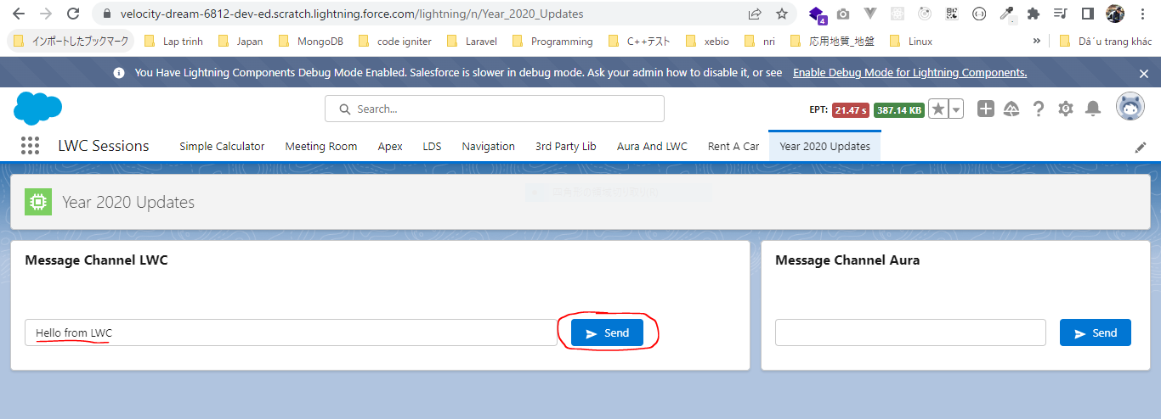
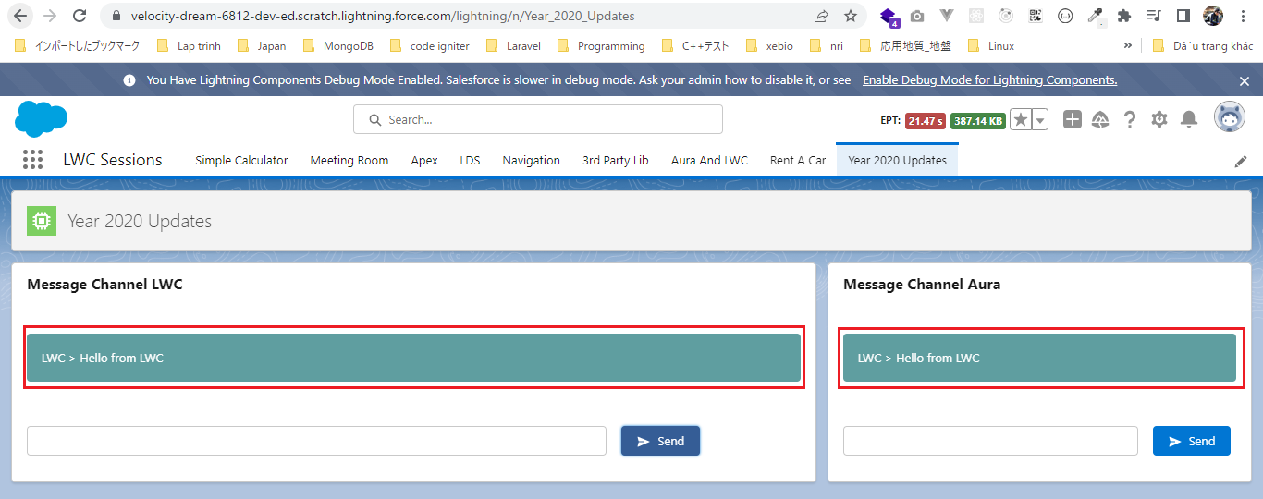
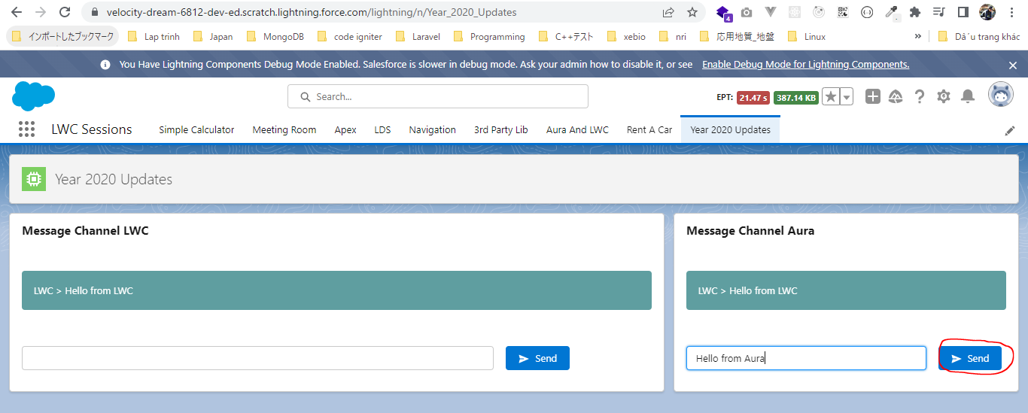
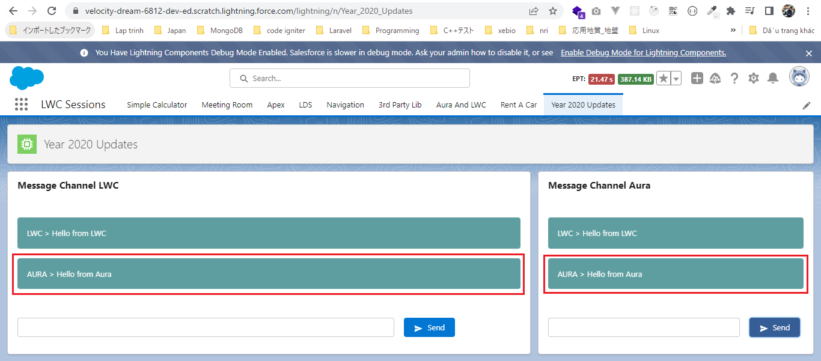
 | Lightning Messaging Service feature allows to communicate between our Visualforce Pages, Lightning Web Component and Aura Components. On single page we have Visualforce Component
 | or a Visualforce Page and we also have a Lightning Web Component, Aura Components on same app builder page or a same page that we design. There is a requirement that we need to
 | communicate between Visualforce Pages and the Lightning Components and Lightning Web Components, Lightning Messaging Service could be a very good tool to create that communicate
 | channel and the advantage of using the Lightning Messaging Service is that. It does not only create the messaging channel only on the same page. It creates the messaging channel on the multiple
 | pages as well. That means if our multiple pages open in the same application these components can receive the messages being fired or being sent by the other components.
 | Beforce the Lightning Messaging Services we used to use the pubsub module to actually create a communication channel between a Aura Component and a Lightning Wen Component. But now this
 | Lightning Messaging Service simplifier our task to actually create that communication channel

構成
 | LightningWebComponent
 |  | .vscode
 |  |  | launch.json
 |  | LWC
 |  |  | force-app
 |  |  |  | main
 |  |  |  |  | classes
 |  |  |  |  |  | abcd.cls
 |  |  |  |  |  | AccountManager.cls
 |  |  |  |  |  | CarExperience.cls
 |  |  |  |  |  | CarSearchFormController.cls
 |  |  |  |  |  | CarSearchResultController.cls
 |  |  |  |  |  | CreateData.cls
 |  |  |  |  |  | CreateDataTest.cls
 |  |  |  |  |  | DeleteData.cls
 |  |  |  |  |  | DeleteDataTest.cls
 |  |  |  |  |  | RentACarTestFactory.cls
 |  |  |  |  | aura
 |  |  |  |  |  | MeetingRoomAura
 |  |  |  |  |  |  | MeetingRoomAura.cmp
 |  |  |  |  |  |  | MeetingRoomAuraController.js
 |  |  |  |  |  | MeetingRoomPubSubHandler
 |  |  |  |  |  |  | MeetingRoomPubSubHandler.cmp
 |  |  |  |  |  |  | MeetingRoomPubSubHandlerController.js
 |  |  |  |  |  | MessageAura |  |  |  |  | → | new
 |  |  |  |  |  |  | MessageAura.cmp
 |  |  |  |  |  |  | MessageAura.css
 |  |  |  |  |  |  | MessageAuraController.js
 |  |  |  |  | lwc
 |  |  |  |  |  | accountManageApex
 |  |  |  |  |  |  | accountManageApex.css
 |  |  |  |  |  |  | accountManageApex.html
 |  |  |  |  |  |  | accountManageApex.js
 |  |  |  |  |  |  | accountManageApex.js-meta.xml
 |  |  |  |  |  | accountManagerLDS
 |  |  |  |  |  |  | accountManagerLDS.html
 |  |  |  |  |  |  | accountManagerLDS.js
 |  |  |  |  |  |  | accountManagerLDS.js-meta.xml
 |  |  |  |  |  | accountManagerLDSForms
 |  |  |  |  |  |  | accountManagerLDSForms.html
 |  |  |  |  |  |  | accountManagerLDSForms.js
 |  |  |  |  |  |  | accountManagerLDSForms.js-meta.xml
 |  |  |  |  |  | accountRecordForm
 |  |  |  |  |  |  | accountRecordForm.html
 |  |  |  |  |  |  | accountRecordForm.js
 |  |  |  |  |  |  | accountRecordForm.js-meta.xml
 |  |  |  |  |  | addCarExperience
 |  |  |  |  |  |  | addCarExperience.html
 |  |  |  |  |  |  | addCarExperience.js
 |  |  |  |  |  | auraPubsub
 |  |  |  |  |  |  | auraPubsub.js
 |  |  |  |  |  |  | auraPubsub.js-meta.xml
 |  |  |  |  |  | bmi
 |  |  |  |  |  |  | bmi.js
 |  |  |  |  |  | bmiCalculator
 |  |  |  |  |  |  | bmiCalculator.html
 |  |  |  |  |  |  | bmiCalculator.js
 |  |  |  |  |  |  | bmiCalculator.js-meta.xml
 |  |  |  |  |  | carDetail
 |  |  |  |  |  |  | carDetail.css
 |  |  |  |  |  |  | carDetail.html
 |  |  |  |  |  |  | carDetail.js
 |  |  |  |  |  | carDetails
 |  |  |  |  |  |  | carDetails.html
 |  |  |  |  |  |  | carDetails.js
 |  |  |  |  |  |  | carDetails.js-meta.xml
 |  |  |  |  |  | carExperiences
 |  |  |  |  |  |  | carExperiences.html
 |  |  |  |  |  |  | carExperiences.js
 |  |  |  |  |  | carLocation
 |  |  |  |  |  |  | carLocation.html
 |  |  |  |  |  |  | carLocation.js
 |  |  |  |  |  |  | carLocation.js-meta.xml
 |  |  |  |  |  | carSearch
 |  |  |  |  |  |  | carSearch.html
 |  |  |  |  |  |  | carSearch.js
 |  |  |  |  |  |  | carSearch.js-meta.xml
 |  |  |  |  |  | carSearchForm
 |  |  |  |  |  |  | carSearchForm.html
 |  |  |  |  |  |  | carSearchForm.js
 |  |  |  |  |  |  | carSearchForm.js-meta.xml
 |  |  |  |  |  | carSearchResult
 |  |  |  |  |  |  | carSearchResult.html
 |  |  |  |  |  |  | carSearchResult.js
 |  |  |  |  |  | carTile
 |  |  |  |  |  |  | carTile.css
 |  |  |  |  |  |  | carTile.html
 |  |  |  |  |  |  | carTile.js
 |  |  |  |  |  | conditionalRenderingExample
 |  |  |  |  |  |  | conditionalRenderingExample.html
 |  |  |  |  |  |  | conditionalRenderingExample.js
 |  |  |  |  |  |  | conditionalRenderingExample.js-meta.xml
 |  |  |  |  |  | helloWorld
 |  |  |  |  |  |  | helloWorld.css
 |  |  |  |  |  |  | helloWorld.html
 |  |  |  |  |  |  | helloWorld.js
 |  |  |  |  |  |  | helloWorld.js-meta.xml
 |  |  |  |  |  | lifecycleDemo
 |  |  |  |  |  |  | lifecycleDemo.html
 |  |  |  |  |  |  | lifecycleDemo.js
 |  |  |  |  |  |  | lifecycleDemo.js-meta.xml
 |  |  |  |  |  | meetingRoom
 |  |  |  |  |  |  | meetingRoom.css
 |  |  |  |  |  |  | meetingRoom.html
 |  |  |  |  |  |  | meetingRoom.js
 |  |  |  |  |  | meetingRooms
 |  |  |  |  |  |  | __tests__
 |  |  |  |  |  |  |  | meetingRooms.test.js
 |  |  |  |  |  |  | meetingRooms.html
 |  |  |  |  |  |  | meetingRooms.js
 |  |  |  |  |  | messageLwc |  |  |  |  | → | new
 |  |  |  |  |  |  | messageLwc.css
 |  |  |  |  |  |  | messageLwc.html
 |  |  |  |  |  |  | messageLwc.js
 |  |  |  |  |  |  | messageLwc.js-meta.xml
 |  |  |  |  |  | navigationExample
 |  |  |  |  |  |  | navigationExample.html
 |  |  |  |  |  |  | navigationExample.js
 |  |  |  |  |  |  | navigationExample.js-meta.xml
 |  |  |  |  |  | publicMethodChild
 |  |  |  |  |  |  | publicMethodChild.css
 |  |  |  |  |  |  | publicMethodChild.html
 |  |  |  |  |  |  | publicMethodChild.js
 |  |  |  |  |  |  | publicMethodChild.js-meta.xml
 |  |  |  |  |  | publicMethodParent
 |  |  |  |  |  |  | publicMethodParent.css
 |  |  |  |  |  |  | publicMethodParent.html
 |  |  |  |  |  |  | publicMethodParent.js
 |  |  |  |  |  |  | publicMethodParent.js-meta.xml
 |  |  |  |  |  | pubsub
 |  |  |  |  |  |  | pubsub.js
 |  |  |  |  |  |  | pubsub.js-meta.xml
 |  |  |  |  |  | secondFileName
 |  |  |  |  |  | selectedMeetingRoom
 |  |  |  |  |  |  | selectedMeetingRoom.html
 |  |  |  |  |  |  | selectedMeetingRoom.js
 |  |  |  |  |  | simpleCalculator
 |  |  |  |  |  |  | simpleCalculator.html
 |  |  |  |  |  |  | simpleCalculator.js
 |  |  |  |  |  |  | simpleCalculator.js-meta.xml
 |  |  |  |  |  | simpleLightBoxExample
 |  |  |  |  |  |  | simpleLightBoxExample.html
 |  |  |  |  |  |  | simpleLightBoxExample.js
 |  |  |  |  |  |  | simpleLightBoxExample.js-meta.xml
 |  |  |  |  | messageChannels |  |  |  |  |  | → | new
 |  |  |  |  |  | messageDemo.messageChannel-meta.xml
 |  |  |  |  | objects
 |  |  |  |  |  | Car__c
 |  |  |  |  |  | Car_Experience__c
 |  |  |  |  |  | Car_Type__c
 |  |  |  |  | staticresources
 |  |  |  |  |  | cars
 |  |  |  |  |  |  | compact
 |  |  |  |  |  |  | luxury
 |  |  |  |  |  |  | sports
 |  |  |  |  |  |  | van
 |  |  |  |  |  | Leaflet
 |  |  |  |  |  |  | images
 |  |  |  |  |  |  | leaflet-src.js
 |  |  |  |  |  |  | leaflet-src.js.map
 |  |  |  |  |  |  | leaflet.css
 |  |  |  |  |  |  | leaflet.js
 |  |  |  |  |  |  | leaflet.js.map
 |  |  |  |  | tabs
 |  |  |  |  |  | Car__c.tab-meta.xml
 |  |  |  |  |  | Car_Experience__c.tab-meta.xml
 |  |  |  |  |  | Car_Type__c.tab-meta.xml
 |  |  | package.json

https://developer.salesforce.com/docs/component-library/documentation/en/lwc/lwc.use_message_channel_intro
LightningWebComponent\LWC\force-app\main\default\messageChannels\messageDemo.messageChannel-meta.xml |  |  |  |  |  |  |  |  |  |  | → | To create the messaging channel we need to create a new folder
 | <?xml version="1.0" encoding="UTF-8"?>
 | <LightningMessageChannel xmlns="http://soap.sforce.com/2006/04/metadata"> |  |  |  |  |  |  |  |  |  | → | We need to use xml tag/meta type called LightningMessageChannel
 | <masterLabel>Message Demo Channel</masterLabel>
 | <isExposed>true</isExposed> |  |  |  |  |  |  |  |  |  | → | value true so our Lightning Web Component and Aura Component cans use this message channel
 | <description>Message channel between Aura and LWC</description>
 | <lightningMessageFields> |  |  |  |  |  |  |  |  |  | → | These fields are like what kind of data that we want this message to carry
 | <fieldName>message</fieldName>
 | <description>Message text</description>
 | </lightningMessageFields>
 | <lightningMessageFields>
 | <fieldName>from</fieldName>
 | <description>From component name</description>
 | </lightningMessageFields>
 | </LightningMessageChannel>

LightningWebComponent\LWC\force-app\main\default\lwc\messageLwc\messageLwc.js-meta.xml
 | <?xml version="1.0" encoding="UTF-8"?>
 | <LightningComponentBundle xmlns="http://soap.sforce.com/2006/04/metadata">
 | <apiVersion>55.0</apiVersion>
 | <isExposed>true</isExposed>
 | <masterLabel>Message LWC</masterLabel>

 | <targets>
 | <target>lightning__AppPage</target>
 | <target>lightning__HomePage</target>
 | </targets>
 | </LightningComponentBundle>

LightningWebComponent\LWC\force-app\main\default\lwc\messageLwc\messageLwc.html |  |  |  |  |  |  |  |  |  |  | → | We need to use the exact same markup in Aura Component as well because this demo that we want to show here is will be sending some messages from
 | <template> |  |  |  |  |  |  |  |  |  |  | Lightning Web Component which will be received by Aura Component and then we will be sending some messages from Aura Component which will be received by the Lightning Component so it is better that we use the same markup at both the places
 | <lightning-card title="Message Channel LWC">
 | <div class="slds-p-around_medium">
 | <!--Iterate over the list-->
 | <template for:each={messages} for:item="message"> |  |  |  |  |  |  |  |  |  | → | iterate over list to display all the messages in this component
 | <div key={message.id} class="message">
 | {message.from} > {message.value}
 | </div>
 | </template>
 | </div>
 | <div class="slds-p-around_medium">
 | <lightning-layout>
 | <lightning-layout-item size="9" class="slds-m-right_medium">
 | <lightning-input type="text" variant="label-hidden"> |  |  |  |  |  |  |  |  |  | → | input message

 | </lightning-input>
 | </lightning-layout-item>
 | <lightning-layout-item size="3" class="slds-m-right_medium">
 | <lightning-button label="Send" icon-name="utility:send" variant="brand" onclick={sendHandler}>
 | </lightning-button>
 | </lightning-layout-item>
 | </lightning-layout>
 | </div>
 | </lightning-card>
 | </template>

LightningWebComponent\LWC\force-app\main\default\lwc\messageLwc\messageLwc.css
 | .message {
 | background-color: cadetblue;
 | padding: 1rem;
 | color: white;
 | margin: 1rem 0;
 | border-radius: 4px;
 | }

LightningWebComponent\LWC\force-app\main\default\lwc\messageLwc\messageLwc.js
 | import { LightningElement, track, wire } from "lwc";
 | import messageDemo from "@salesforce/messageChannel/messageDemo__c"; |  |  |  |  |  |  |  | → | import messageDemo channel
 | import { |  |  |  |  |  |  |  | → | import some properties from the message service module
 | MessageContext, |  |  |  |  |  |  |  | → | It is a wire adapter that kind of creates a MessageContext for our Lightning Web Component so that we can send our message or receive our message. So we need to use the MessageContext whenever we are sending a message or whenever we are receiving a message
 | publish, |  |  |  |  |  |  |  | → | use to send a message
 | subscribe, |  |  |  |  |  |  |  | → | use to receive a message from Aura Component
 | unsubscribe,
 | APPLICATION_SCOPE |  |  |  |  |  |  |  | → | this property we can use to actually define our message with an application scope. That means our message will be received not only within the single page they will be received anywhere in a single application. Give the scope only if listening for a message. Do not need to give the scope if broadcasting/publishing message. This case we recieve message from Aura Component
 | } from "lightning/messageService";

 | export default class MessageLwc extends LightningElement {
 | @track messages = []; |  |  |  |  |  |  |  | → | hold all messages

 | @wire(MessageContext) msgContext;

 | subscription = null;

 | connectedCallback() {
 | if (!this.subscription) {
 | this.subscription = subscribe( |  |  |  |  |  |  |  | → | We need to subscribe for message channel
 | this.msgContext,
 | messageDemo, |  |  |  |  |  |  |  | → | subcribe messageDemo channel
 | msg => { |  |  |  |  |  |  |  | → | callback function or listener function that we want to execute
 | this.messageHandler(msg);
 | },
 | { scope: APPLICATION_SCOPE }
 | );
 | }
 | }

 | disconnectedCallback() {
 | unsubscribe(this.subscription); |  |  |  |  |  |  |  | → | unsubscribe
 | this.subscription = null;
 | }

 | sendHandler() {
 | const inputElement = this.template.querySelector("lightning-input");
 | if (inputElement) {
 | const msg = inputElement.value;
 | this.messages.push({
 | id: this.messages.length,
 | value: msg,
 | from: "LWC" |  |  |  |  |  |  |  | → | track the message is coming from LWC or from Aura Component
 | });
 | //publish message
 | const messagePayload = { |  |  |  |  |  |  |  | → | construct our message
 | message: msg,
 | from: "LWC"
 | };

 | publish(this.msgContext, messageDemo, messagePayload);

 | inputElement.value = "";
 | }
 | }

 | messageHandler(msgPayload) {
 | //something with message
 | if (msgPayload && msgPayload.from !== "LWC") { |  |  |  |  |  |  |  | → | We are using the same message channel and both our component is going to push the data in message channel. Whenever we are pushing something from the Lightning Web Component it is being handled in the Aura Component, we need to ignore the message that are being fired from same components
 | this.messages.push({
 | id: this.messages.length,
 | value: msgPayload.message,
 | from: msgPayload.from
 | });
 | }
 | }
 | }

LightningWebComponent\LWC\force-app\main\default\aura\MessageAura\MessageAura.cmp
 | <aura:component implements="flexipage:availableForAllPageTypes">
 | <aura:attribute name="messages" type="List" />

 | <lightning:messageChannel type="messageDemo__c" aura:id="messageChannel" onMessage="{!c.messageHandler}" |  |  |  |  |  |  |  |  |  |  | → | Configure Aura Component to actually use message channel onMessage event will be fired whenever a new message is received
 | scope="APPLICATION" /> |  |  |  |  |  |  |  |  |  |  | → | in Aura Component scope property is mandatory

 | <lightning:card title="Message Channel Aura">
 | <div class="slds-p-around_medium">
 | <!--Iterate over the list-->
 | <aura:iteration items="{!v.messages}" var="message">
 | <div key="{!message.id}" class="message">
 | {!message.from} > {!message.value}
 | </div>
 | </aura:iteration>
 | </div>
 | <div class="slds-p-around_medium">
 | <lightning:layout>
 | <lightning:layoutItem size="9" class="slds-m-right_medium">
 | <lightning:input type="text" variant="label-hidden" aura:id="inputBox">
 | </lightning:input>
 | </lightning:layoutItem>
 | <lightning:layoutItem size="3" class="slds-m-right_medium">
 | <lightning:button label="Send" iconName="utility:send" variant="brand" onclick="{!c.sendHandler}">
 | </lightning:button>
 | </lightning:layoutItem>
 | </lightning:layout>
 | </div>
 | </lightning:card>
 | </aura:component>

LightningWebComponent\LWC\force-app\main\default\aura\MessageAura\MessageAuraController.js
 | ({
 | sendHandler: function(component, event, helper) { |  |  |  |  |  |  | → | Send message on the click button
 | const inputElement = component.find("inputBox");
 | if (inputElement) {
 | const msg = inputElement.get("v.value");
 | const messages = component.get("v.messages");
 | messages.push({
 | id: messages.length,
 | value: msg,
 | from: "AURA" |  |  |  |  |  |  | → | From AURA
 | });
 | component.set("v.messages", messages);

 | const messagePayload = { |  |  |  |  |  |  | → | construct payload very similar to lightning web component
 | message: msg,
 | from: "AURA"
 | };

 | const msgChanel = component.find("messageChannel");
 | msgChanel.publish(messagePayload); |  |  |  |  |  |  | → | publish message from Aura component. The Aura Component framework does not use the MessageContext that is being taken care by the framework

 | inputElement.set("v.value", "");
 | }
 | },

 | messageHandler: function(component, event, helper) {
 | //Method defination goes here
 | if (
 | event &&
 | event.getParam("message") &&
 | event.getParam("from") !== "AURA"
 | ) {
 | const msg = event.getParam("message");
 | const messages = component.get("v.messages");
 | messages.push({
 | id: messages.length,
 | value: msg,
 | from: "LWC" |  |  |  |  |  |  | → | From LWC
 | });
 | component.set("v.messages", messages);
 | }
 | }
 | });

LightningWebComponent\LWC\force-app\main\default\aura\MessageAura\MessageAura.css
 | .THIS .message {
 | background-color: cadetblue;
 | padding: 1rem;
 | color: white;
 | margin: 1rem 0;
 | border-radius: 4px;
 | }

Deploy
 | sfdx force:source:deploy -p force-app/
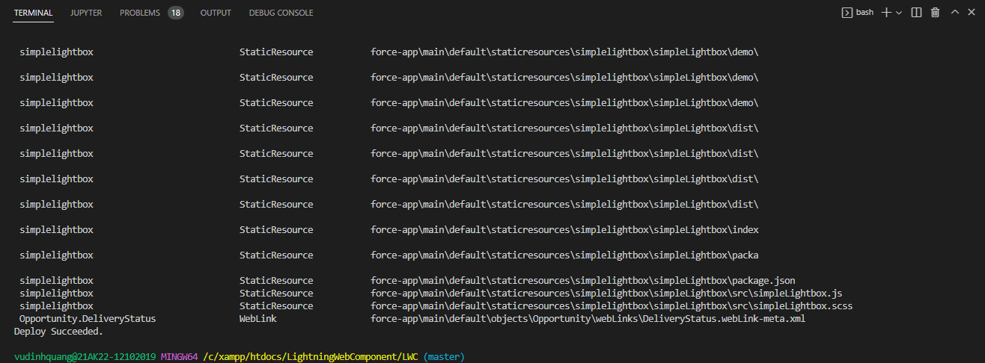

Check browser

CSS Modules
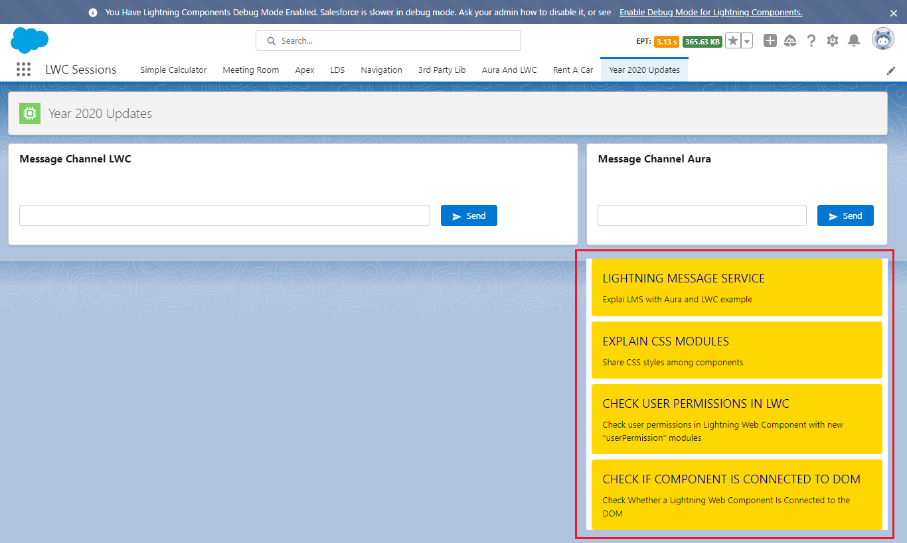
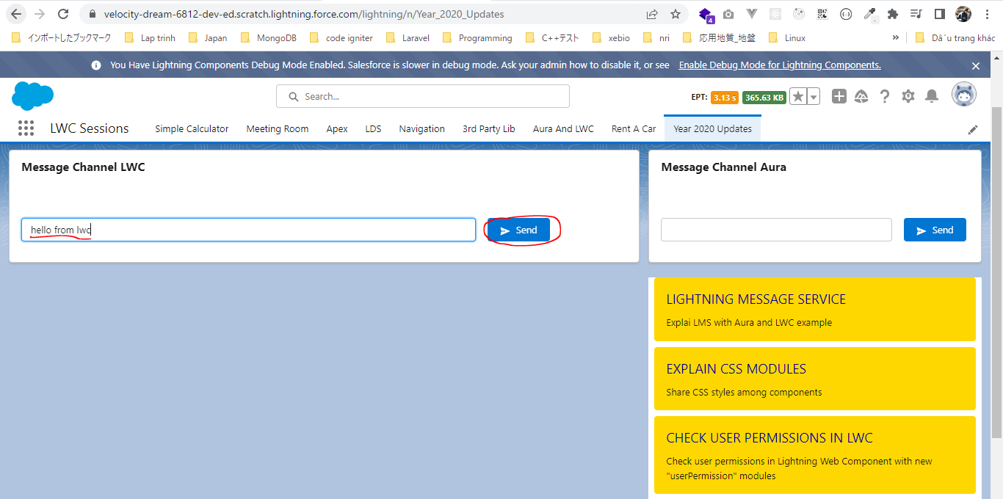
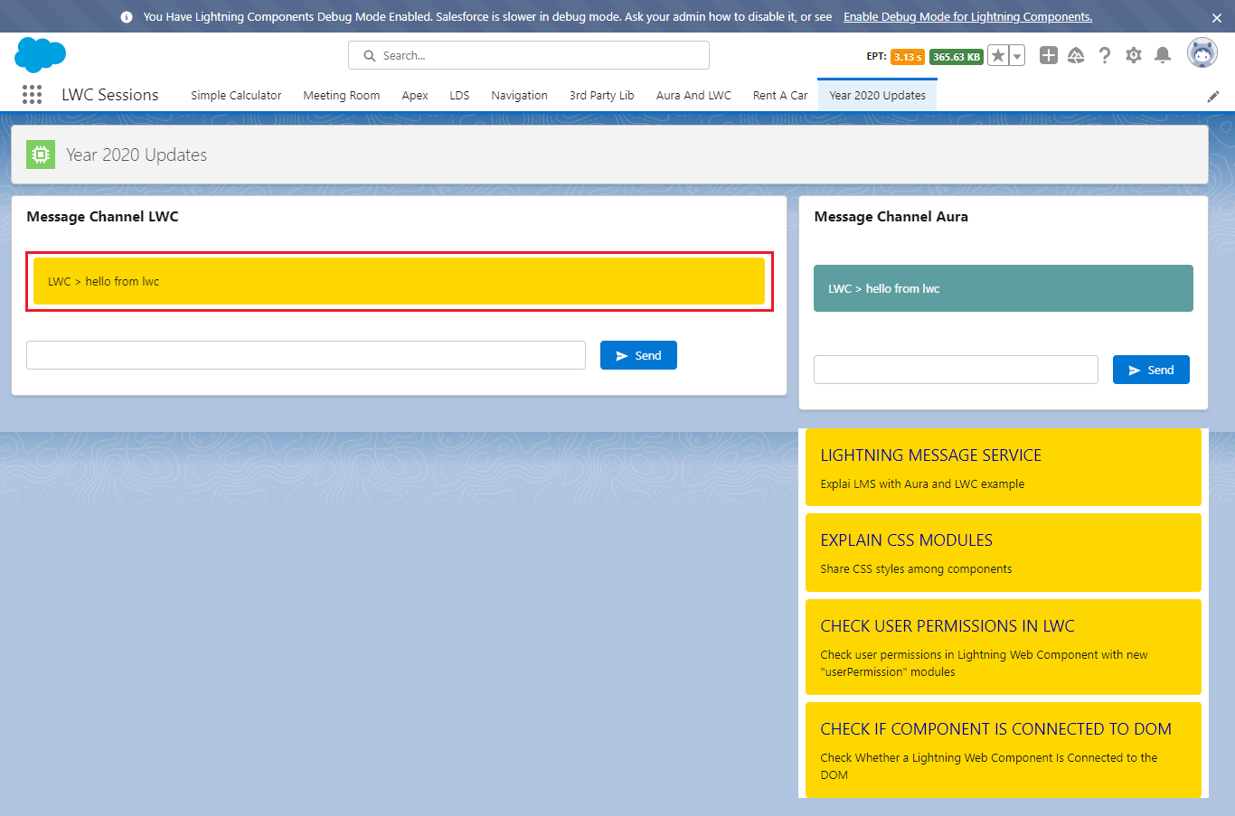
CSS Modules - Share CSS Styles Among Components
 | After summer 2020 release we can create CSS module that we can import all Lighting Web Components whereever we want to import that particular CSS library or module and we use
 | the classes or the properties defined in that CSS module within our Lightning Web Component

構成
 | LightningWebComponent
 |  | .vscode
 |  |  | launch.json
 |  | LWC
 |  |  | force-app
 |  |  |  | main
 |  |  |  |  | classes
 |  |  |  |  |  | abcd.cls
 |  |  |  |  |  | AccountManager.cls
 |  |  |  |  |  | CarExperience.cls
 |  |  |  |  |  | CarSearchFormController.cls
 |  |  |  |  |  | CarSearchResultController.cls
 |  |  |  |  |  | CreateData.cls
 |  |  |  |  |  | CreateDataTest.cls
 |  |  |  |  |  | DeleteData.cls
 |  |  |  |  |  | DeleteDataTest.cls
 |  |  |  |  |  | RentACarTestFactory.cls
 |  |  |  |  | aura
 |  |  |  |  |  | MeetingRoomAura
 |  |  |  |  |  |  | MeetingRoomAura.cmp
 |  |  |  |  |  |  | MeetingRoomAuraController.js
 |  |  |  |  |  | MeetingRoomPubSubHandler
 |  |  |  |  |  |  | MeetingRoomPubSubHandler.cmp
 |  |  |  |  |  |  | MeetingRoomPubSubHandlerController.js
 |  |  |  |  |  | MessageAura
 |  |  |  |  |  |  | MessageAura.cmp
 |  |  |  |  |  |  | MessageAura.css
 |  |  |  |  |  |  | MessageAuraController.js
 |  |  |  |  | lwc
 |  |  |  |  |  | accountManageApex
 |  |  |  |  |  |  | accountManageApex.css
 |  |  |  |  |  |  | accountManageApex.html
 |  |  |  |  |  |  | accountManageApex.js
 |  |  |  |  |  |  | accountManageApex.js-meta.xml
 |  |  |  |  |  | accountManagerLDS
 |  |  |  |  |  |  | accountManagerLDS.html
 |  |  |  |  |  |  | accountManagerLDS.js
 |  |  |  |  |  |  | accountManagerLDS.js-meta.xml
 |  |  |  |  |  | accountManagerLDSForms
 |  |  |  |  |  |  | accountManagerLDSForms.html
 |  |  |  |  |  |  | accountManagerLDSForms.js
 |  |  |  |  |  |  | accountManagerLDSForms.js-meta.xml
 |  |  |  |  |  | accountRecordForm
 |  |  |  |  |  |  | accountRecordForm.html
 |  |  |  |  |  |  | accountRecordForm.js
 |  |  |  |  |  |  | accountRecordForm.js-meta.xml
 |  |  |  |  |  | addCarExperience
 |  |  |  |  |  |  | addCarExperience.html
 |  |  |  |  |  |  | addCarExperience.js
 |  |  |  |  |  | auraPubsub
 |  |  |  |  |  |  | auraPubsub.js
 |  |  |  |  |  |  | auraPubsub.js-meta.xml
 |  |  |  |  |  | bmi
 |  |  |  |  |  |  | bmi.js
 |  |  |  |  |  | bmiCalculator
 |  |  |  |  |  |  | bmiCalculator.html
 |  |  |  |  |  |  | bmiCalculator.js
 |  |  |  |  |  |  | bmiCalculator.js-meta.xml
 |  |  |  |  |  | carDetail
 |  |  |  |  |  |  | carDetail.css
 |  |  |  |  |  |  | carDetail.html
 |  |  |  |  |  |  | carDetail.js
 |  |  |  |  |  | carDetails
 |  |  |  |  |  |  | carDetails.html
 |  |  |  |  |  |  | carDetails.js
 |  |  |  |  |  |  | carDetails.js-meta.xml
 |  |  |  |  |  | cardStyle |  |  | → | new
 |  |  |  |  |  |  | cardStyle.css
 |  |  |  |  |  |  | cardStyle.js-meta.xml
 |  |  |  |  |  | carExperiences
 |  |  |  |  |  |  | carExperiences.html
 |  |  |  |  |  |  | carExperiences.js
 |  |  |  |  |  | carLocation
 |  |  |  |  |  |  | carLocation.html
 |  |  |  |  |  |  | carLocation.js
 |  |  |  |  |  |  | carLocation.js-meta.xml
 |  |  |  |  |  | carSearch
 |  |  |  |  |  |  | carSearch.html
 |  |  |  |  |  |  | carSearch.js
 |  |  |  |  |  |  | carSearch.js-meta.xml
 |  |  |  |  |  | carSearchForm
 |  |  |  |  |  |  | carSearchForm.html
 |  |  |  |  |  |  | carSearchForm.js
 |  |  |  |  |  |  | carSearchForm.js-meta.xml
 |  |  |  |  |  | carSearchResult
 |  |  |  |  |  |  | carSearchResult.html
 |  |  |  |  |  |  | carSearchResult.js
 |  |  |  |  |  | carTile
 |  |  |  |  |  |  | carTile.css
 |  |  |  |  |  |  | carTile.html
 |  |  |  |  |  |  | carTile.js
 |  |  |  |  |  | conditionalRenderingExample
 |  |  |  |  |  |  | conditionalRenderingExample.html
 |  |  |  |  |  |  | conditionalRenderingExample.js
 |  |  |  |  |  |  | conditionalRenderingExample.js-meta.xml
 |  |  |  |  |  | helloWorld
 |  |  |  |  |  |  | helloWorld.css
 |  |  |  |  |  |  | helloWorld.html
 |  |  |  |  |  |  | helloWorld.js
 |  |  |  |  |  |  | helloWorld.js-meta.xml
 |  |  |  |  |  | lifecycleDemo
 |  |  |  |  |  |  | lifecycleDemo.html
 |  |  |  |  |  |  | lifecycleDemo.js
 |  |  |  |  |  |  | lifecycleDemo.js-meta.xml
 |  |  |  |  |  | meetingRoom
 |  |  |  |  |  |  | meetingRoom.css
 |  |  |  |  |  |  | meetingRoom.html
 |  |  |  |  |  |  | meetingRoom.js
 |  |  |  |  |  | meetingRooms
 |  |  |  |  |  |  | __tests__
 |  |  |  |  |  |  |  | meetingRooms.test.js
 |  |  |  |  |  |  | meetingRooms.html
 |  |  |  |  |  |  | meetingRooms.js
 |  |  |  |  |  | messageLwc
 |  |  |  |  |  |  | messageLwc.css
 |  |  |  |  |  |  | messageLwc.html
 |  |  |  |  |  |  | messageLwc.js
 |  |  |  |  |  |  | messageLwc.js-meta.xml
 |  |  |  |  |  | navigationExample
 |  |  |  |  |  |  | navigationExample.html
 |  |  |  |  |  |  | navigationExample.js
 |  |  |  |  |  |  | navigationExample.js-meta.xml
 |  |  |  |  |  | publicMethodChild
 |  |  |  |  |  |  | publicMethodChild.css
 |  |  |  |  |  |  | publicMethodChild.html
 |  |  |  |  |  |  | publicMethodChild.js
 |  |  |  |  |  |  | publicMethodChild.js-meta.xml
 |  |  |  |  |  | publicMethodParent
 |  |  |  |  |  |  | publicMethodParent.css
 |  |  |  |  |  |  | publicMethodParent.html
 |  |  |  |  |  |  | publicMethodParent.js
 |  |  |  |  |  |  | publicMethodParent.js-meta.xml
 |  |  |  |  |  | pubsub
 |  |  |  |  |  |  | pubsub.js
 |  |  |  |  |  |  | pubsub.js-meta.xml
 |  |  |  |  |  | secondFileName
 |  |  |  |  |  | selectedMeetingRoom
 |  |  |  |  |  |  | selectedMeetingRoom.html
 |  |  |  |  |  |  | selectedMeetingRoom.js
 |  |  |  |  |  | simpleCalculator
 |  |  |  |  |  |  | simpleCalculator.html
 |  |  |  |  |  |  | simpleCalculator.js
 |  |  |  |  |  |  | simpleCalculator.js-meta.xml
 |  |  |  |  |  | simpleLightBoxExample
 |  |  |  |  |  |  | simpleLightBoxExample.html
 |  |  |  |  |  |  | simpleLightBoxExample.js
 |  |  |  |  |  |  | simpleLightBoxExample.js-meta.xml
 |  |  |  |  |  | udemyVideosPipeline |  |  | → | new
 |  |  |  |  |  |  | udemyVideosPipeline.css
 |  |  |  |  |  |  | udemyVideosPipeline.html
 |  |  |  |  |  |  | udemyVideosPipeline.js
 |  |  |  |  |  |  | udemyVideosPipeline.js-meta.xml
 |  |  |  |  | messageChannels
 |  |  |  |  |  | messageDemo.messageChannel-meta.xml
 |  |  |  |  | objects
 |  |  |  |  |  | Car__c
 |  |  |  |  |  | Car_Experience__c
 |  |  |  |  |  | Car_Type__c
 |  |  |  |  | staticresources
 |  |  |  |  |  | cars
 |  |  |  |  |  |  | compact
 |  |  |  |  |  |  | luxury
 |  |  |  |  |  |  | sports
 |  |  |  |  |  |  | van
 |  |  |  |  |  | Leaflet
 |  |  |  |  |  |  | images
 |  |  |  |  |  |  | leaflet-src.js
 |  |  |  |  |  |  | leaflet-src.js.map
 |  |  |  |  |  |  | leaflet.css
 |  |  |  |  |  |  | leaflet.js
 |  |  |  |  |  |  | leaflet.js.map
 |  |  |  |  | tabs
 |  |  |  |  |  | Car__c.tab-meta.xml
 |  |  |  |  |  | Car_Experience__c.tab-meta.xml
 |  |  |  |  |  | Car_Type__c.tab-meta.xml
 |  |  | package.json

LightningWebComponent\LWC\force-app\main\default\lwc\cardStyle\cardStyle.css
 | .sfdcfacts-card {
 | padding: 1rem;
 | background: gold;
 | border-radius: 4px;
 | margin: .5rem;
 | transition: .5s all;
 | }

 | .sfdcfacts-card-title {
 | font-size: large;
 | color: darkblue;
 | text-transform: uppercase;
 | }

 | .sfdcfacts-card-desc {
 | margin-top: 8px;
 | font-style: normal;
 | color: #161920;
 | }

 | .sfdcfacts-card:hover {
 | background: aliceblue;
 | }

LightningWebComponent\LWC\force-app\main\default\lwc\udemyVideosPipeline\udemyVideosPipeline.js-meta.xml
 | <?xml version="1.0" encoding="UTF-8"?>
 | <LightningComponentBundle xmlns="http://soap.sforce.com/2006/04/metadata">
 | <apiVersion>56.0</apiVersion>
 | <isExposed>true</isExposed>

 | <targets>
 | <target>lightning__AppPage</target>
 | <target>lightning__HomePage</target>
 | </targets>
 | </LightningComponentBundle>

LightningWebComponent\LWC\force-app\main\default\lwc\udemyVideosPipeline\udemyVideosPipeline.css
 | @import "c/cardStyle"; |  |  |  |  | → | use cardStyle module to actually stylized these elements

LightningWebComponent\LWC\force-app\main\default\lwc\udemyVideosPipeline\udemyVideosPipeline.html
 | <template>
 | <div style="background: white;">
 | <template for:each={todoVideos} for:item="video">
 | <div key={video.id} class="sfdcfacts-card">
 | <span class="sfdcfacts-card-title">{video.title}</span>
 | <p class="sfdcfacts-card-desc">{video.description}</p>
 | </div>
 | </template>
 | </div>
 | </template>

LightningWebComponent\LWC\force-app\main\default\lwc\udemyVideosPipeline\udemyVideosPipeline.js
 | import { LightningElement } from "lwc";

 | export default class UdemyVideosPipeline extends LightningElement {
 | todoVideos = [
 | {
 | id: 0,
 | title: "Lightning Message Service",
 | done: true,
 | description: "Explai LMS with Aura and LWC example"
 | },
 | {
 | id: 1,
 | title: "Explain CSS Modules",
 | done: false,
 | description: "Share CSS styles among components"
 | },
 | {
 | id: 2,
 | title: "Check user permissions in LWC",
 | done: false,
 | description:
 | 'Check user permissions in Lightning Web Component with new "userPermission" modules'
 | },
 | {
 | id: 3,
 | title: "Check if component is connected to DOM",
 | done: false,
 | description:
 | "Check Whether a Lightning Web Component Is Connected to the DOM"
 | }
 | ];
 | }

LightningWebComponent\LWC\force-app\main\default\lwc\messageLwc\messageLwc.html
 | <template>
 | <lightning-card title="Message Channel LWC">
 | <div class="slds-p-around_medium">
 | <!--Iterate over the list-->
 | <template for:each={messages} for:item="message">
 | <div key={message.id} class="sfdcfacts-card">
 | {message.from} > {message.value}
 | </div>
 | </template>
 | </div>
 | <div class="slds-p-around_medium">
 | <lightning-layout>
 | <lightning-layout-item size="9" class="slds-m-right_medium">
 | <lightning-input type="text" variant="label-hidden">

 | </lightning-input>
 | </lightning-layout-item>
 | <lightning-layout-item size="3" class="slds-m-right_medium">
 | <lightning-button label="Send" icon-name="utility:send" variant="brand" onclick={sendHandler}>
 | </lightning-button>
 | </lightning-layout-item>
 | </lightning-layout>
 | </div>
 | </lightning-card>
 | </template>

LightningWebComponent\LWC\force-app\main\default\lwc\messageLwc\messageLwc.css
 | @import "c/cardStyle";

 | .message {
 | background-color: cadetblue;
 | padding: 1rem;
 | color: white;
 | margin: 1rem 0;
 | border-radius: 4px;
 | }

Check browser

GetUserPermissionsCustomPermiss
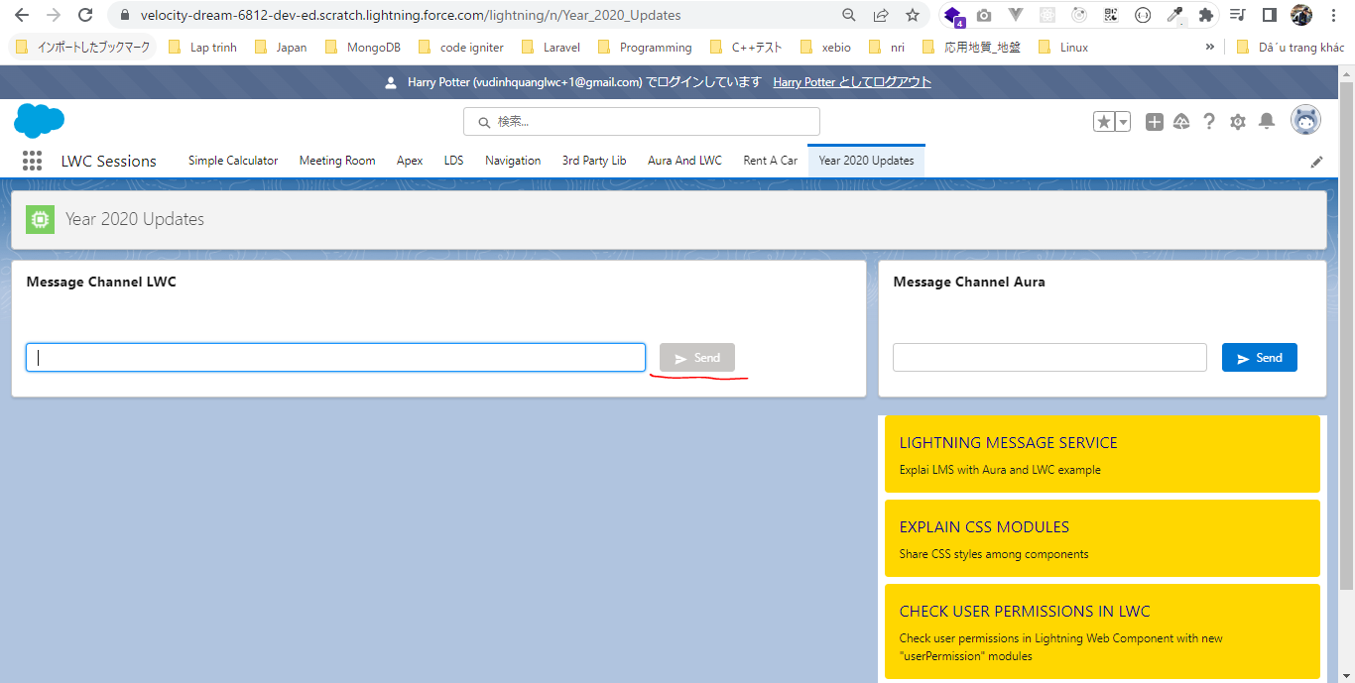
Get User Permissions & Custom Permissions
 | This part is very very useful if we want to configure our Lightning Web Component based on the permissions a user has. For example we want to disable Button for a certain set of users who
 | does not have a particular permisson. After the Summer 2020 released directly from our Lightning Web Component. If we would have to do it beforce the summer 2020 release then we had to
 | get these permissions using the Apex so we need to make a server site call to Apex language and then we need to check if a user has permission or not. But now after summer 2020 release we
 | can directly check it from Lightning Web Component and there no Apex code required

構成
 | LightningWebComponent
 |  | .vscode
 |  |  | launch.json
 |  | LWC
 |  |  | force-app
 |  |  |  | main
 |  |  |  |  | classes
 |  |  |  |  |  | abcd.cls
 |  |  |  |  |  | AccountManager.cls
 |  |  |  |  |  | CarExperience.cls
 |  |  |  |  |  | CarSearchFormController.cls
 |  |  |  |  |  | CarSearchResultController.cls
 |  |  |  |  |  | CreateData.cls
 |  |  |  |  |  | CreateDataTest.cls
 |  |  |  |  |  | DeleteData.cls
 |  |  |  |  |  | DeleteDataTest.cls
 |  |  |  |  |  | RentACarTestFactory.cls
 |  |  |  |  | aura
 |  |  |  |  |  | MeetingRoomAura
 |  |  |  |  |  |  | MeetingRoomAura.cmp
 |  |  |  |  |  |  | MeetingRoomAuraController.js
 |  |  |  |  |  | MeetingRoomPubSubHandler
 |  |  |  |  |  |  | MeetingRoomPubSubHandler.cmp
 |  |  |  |  |  |  | MeetingRoomPubSubHandlerController.js
 |  |  |  |  |  | MessageAura
 |  |  |  |  |  |  | MessageAura.cmp
 |  |  |  |  |  |  | MessageAura.css
 |  |  |  |  |  |  | MessageAuraController.js
 |  |  |  |  | lwc
 |  |  |  |  |  | accountManageApex
 |  |  |  |  |  |  | accountManageApex.css
 |  |  |  |  |  |  | accountManageApex.html
 |  |  |  |  |  |  | accountManageApex.js
 |  |  |  |  |  |  | accountManageApex.js-meta.xml
 |  |  |  |  |  | accountManagerLDS
 |  |  |  |  |  |  | accountManagerLDS.html
 |  |  |  |  |  |  | accountManagerLDS.js
 |  |  |  |  |  |  | accountManagerLDS.js-meta.xml
 |  |  |  |  |  | accountManagerLDSForms
 |  |  |  |  |  |  | accountManagerLDSForms.html
 |  |  |  |  |  |  | accountManagerLDSForms.js
 |  |  |  |  |  |  | accountManagerLDSForms.js-meta.xml
 |  |  |  |  |  | accountRecordForm
 |  |  |  |  |  |  | accountRecordForm.html
 |  |  |  |  |  |  | accountRecordForm.js
 |  |  |  |  |  |  | accountRecordForm.js-meta.xml
 |  |  |  |  |  | addCarExperience
 |  |  |  |  |  |  | addCarExperience.html
 |  |  |  |  |  |  | addCarExperience.js
 |  |  |  |  |  | auraPubsub
 |  |  |  |  |  |  | auraPubsub.js
 |  |  |  |  |  |  | auraPubsub.js-meta.xml
 |  |  |  |  |  | bmi
 |  |  |  |  |  |  | bmi.js
 |  |  |  |  |  | bmiCalculator
 |  |  |  |  |  |  | bmiCalculator.html
 |  |  |  |  |  |  | bmiCalculator.js
 |  |  |  |  |  |  | bmiCalculator.js-meta.xml
 |  |  |  |  |  | carDetail
 |  |  |  |  |  |  | carDetail.css
 |  |  |  |  |  |  | carDetail.html
 |  |  |  |  |  |  | carDetail.js
 |  |  |  |  |  | carDetails
 |  |  |  |  |  |  | carDetails.html
 |  |  |  |  |  |  | carDetails.js
 |  |  |  |  |  |  | carDetails.js-meta.xml
 |  |  |  |  |  | cardStyle
 |  |  |  |  |  |  | cardStyle.css
 |  |  |  |  |  |  | cardStyle.js-meta.xml
 |  |  |  |  |  | carExperiences
 |  |  |  |  |  |  | carExperiences.html
 |  |  |  |  |  |  | carExperiences.js
 |  |  |  |  |  | carLocation
 |  |  |  |  |  |  | carLocation.html
 |  |  |  |  |  |  | carLocation.js
 |  |  |  |  |  |  | carLocation.js-meta.xml
 |  |  |  |  |  | carSearch
 |  |  |  |  |  |  | carSearch.html
 |  |  |  |  |  |  | carSearch.js
 |  |  |  |  |  |  | carSearch.js-meta.xml
 |  |  |  |  |  | carSearchForm
 |  |  |  |  |  |  | carSearchForm.html
 |  |  |  |  |  |  | carSearchForm.js
 |  |  |  |  |  |  | carSearchForm.js-meta.xml
 |  |  |  |  |  | carSearchResult
 |  |  |  |  |  |  | carSearchResult.html
 |  |  |  |  |  |  | carSearchResult.js
 |  |  |  |  |  | carTile
 |  |  |  |  |  |  | carTile.css
 |  |  |  |  |  |  | carTile.html
 |  |  |  |  |  |  | carTile.js
 |  |  |  |  |  | conditionalRenderingExample
 |  |  |  |  |  |  | conditionalRenderingExample.html
 |  |  |  |  |  |  | conditionalRenderingExample.js
 |  |  |  |  |  |  | conditionalRenderingExample.js-meta.xml
 |  |  |  |  |  | helloWorld
 |  |  |  |  |  |  | helloWorld.css
 |  |  |  |  |  |  | helloWorld.html
 |  |  |  |  |  |  | helloWorld.js
 |  |  |  |  |  |  | helloWorld.js-meta.xml
 |  |  |  |  |  | lifecycleDemo
 |  |  |  |  |  |  | lifecycleDemo.html
 |  |  |  |  |  |  | lifecycleDemo.js
 |  |  |  |  |  |  | lifecycleDemo.js-meta.xml
 |  |  |  |  |  | meetingRoom
 |  |  |  |  |  |  | meetingRoom.css
 |  |  |  |  |  |  | meetingRoom.html
 |  |  |  |  |  |  | meetingRoom.js
 |  |  |  |  |  | meetingRooms
 |  |  |  |  |  |  | __tests__
 |  |  |  |  |  |  |  | meetingRooms.test.js
 |  |  |  |  |  |  | meetingRooms.html
 |  |  |  |  |  |  | meetingRooms.js
 |  |  |  |  |  | messageLwc
 |  |  |  |  |  |  | messageLwc.css
 |  |  |  |  |  |  | messageLwc.html
 |  |  |  |  |  |  | messageLwc.js
 |  |  |  |  |  |  | messageLwc.js-meta.xml
 |  |  |  |  |  | navigationExample
 |  |  |  |  |  |  | navigationExample.html
 |  |  |  |  |  |  | navigationExample.js
 |  |  |  |  |  |  | navigationExample.js-meta.xml
 |  |  |  |  |  | publicMethodChild
 |  |  |  |  |  |  | publicMethodChild.css
 |  |  |  |  |  |  | publicMethodChild.html
 |  |  |  |  |  |  | publicMethodChild.js
 |  |  |  |  |  |  | publicMethodChild.js-meta.xml
 |  |  |  |  |  | publicMethodParent
 |  |  |  |  |  |  | publicMethodParent.css
 |  |  |  |  |  |  | publicMethodParent.html
 |  |  |  |  |  |  | publicMethodParent.js
 |  |  |  |  |  |  | publicMethodParent.js-meta.xml
 |  |  |  |  |  | pubsub
 |  |  |  |  |  |  | pubsub.js
 |  |  |  |  |  |  | pubsub.js-meta.xml
 |  |  |  |  |  | secondFileName
 |  |  |  |  |  | selectedMeetingRoom
 |  |  |  |  |  |  | selectedMeetingRoom.html
 |  |  |  |  |  |  | selectedMeetingRoom.js
 |  |  |  |  |  | simpleCalculator
 |  |  |  |  |  |  | simpleCalculator.html
 |  |  |  |  |  |  | simpleCalculator.js
 |  |  |  |  |  |  | simpleCalculator.js-meta.xml
 |  |  |  |  |  | simpleLightBoxExample
 |  |  |  |  |  |  | simpleLightBoxExample.html
 |  |  |  |  |  |  | simpleLightBoxExample.js
 |  |  |  |  |  |  | simpleLightBoxExample.js-meta.xml
 |  |  |  |  |  | udemyVideosPipeline
 |  |  |  |  |  |  | udemyVideosPipeline.css
 |  |  |  |  |  |  | udemyVideosPipeline.html
 |  |  |  |  |  |  | udemyVideosPipeline.js
 |  |  |  |  |  |  | udemyVideosPipeline.js-meta.xml
 |  |  |  |  | messageChannels
 |  |  |  |  |  | messageDemo.messageChannel-meta.xml
 |  |  |  |  | objects
 |  |  |  |  |  | Car__c
 |  |  |  |  |  | Car_Experience__c
 |  |  |  |  |  | Car_Type__c
 |  |  |  |  | staticresources
 |  |  |  |  |  | cars
 |  |  |  |  |  |  | compact
 |  |  |  |  |  |  | luxury
 |  |  |  |  |  |  | sports
 |  |  |  |  |  |  | van
 |  |  |  |  |  | Leaflet
 |  |  |  |  |  |  | images
 |  |  |  |  |  |  | leaflet-src.js
 |  |  |  |  |  |  | leaflet-src.js.map
 |  |  |  |  |  |  | leaflet.css
 |  |  |  |  |  |  | leaflet.js
 |  |  |  |  |  |  | leaflet.js.map
 |  |  |  |  | tabs
 |  |  |  |  |  | Car__c.tab-meta.xml
 |  |  |  |  |  | Car_Experience__c.tab-meta.xml
 |  |  |  |  |  | Car_Type__c.tab-meta.xml
 |  |  | package.json

New User
 | ①Harry Potter
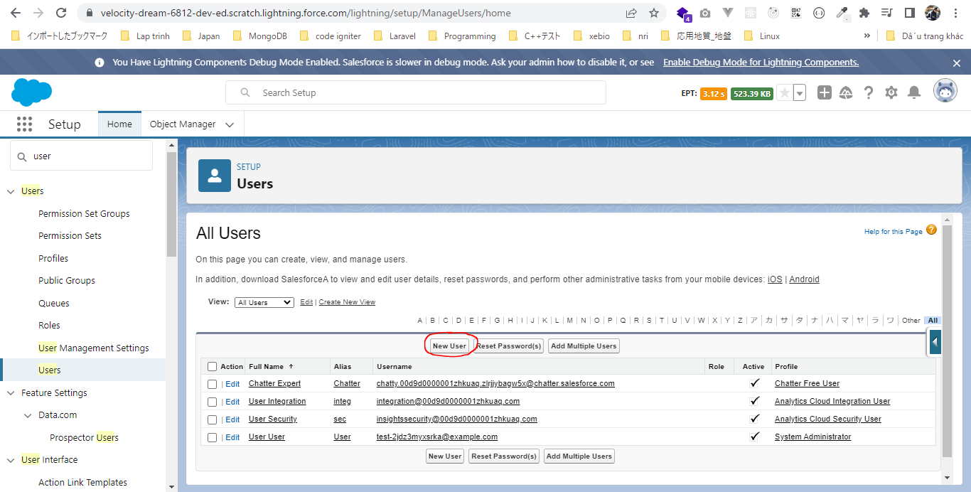

 | vudinhquanglwc+1@gmail.com
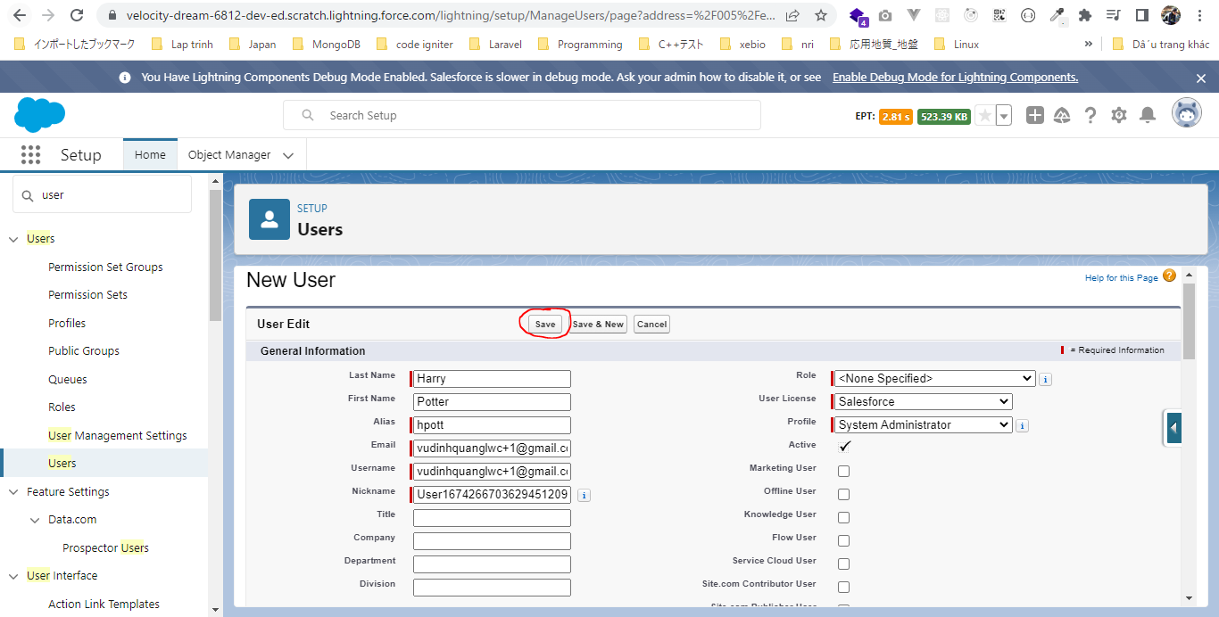

 | Login Access Policies
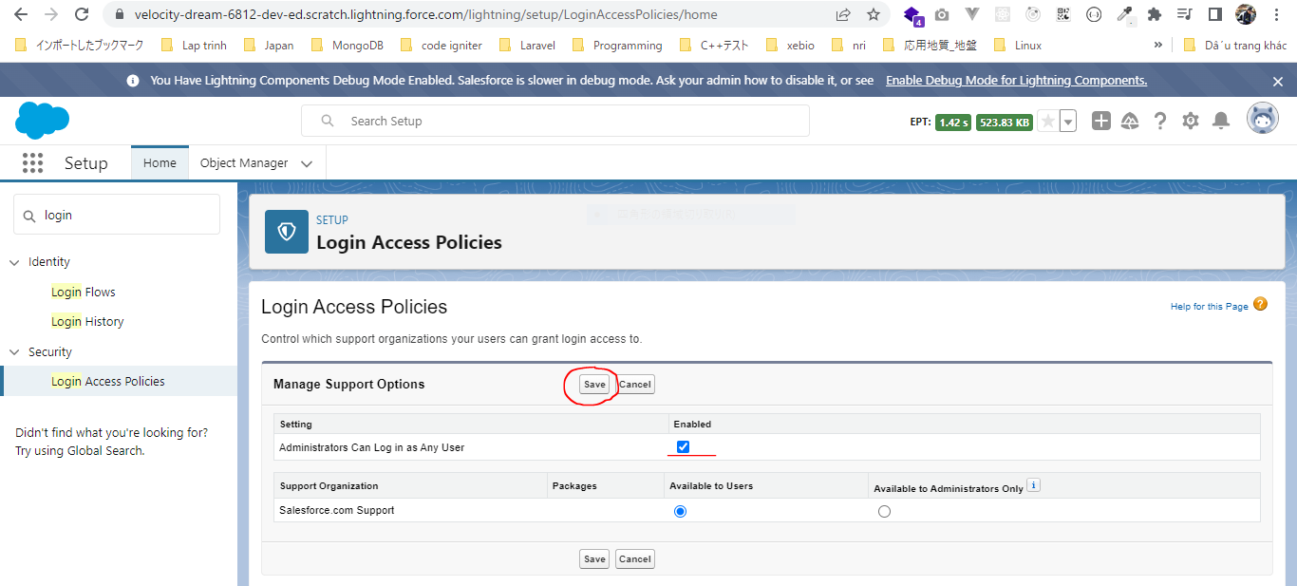

 | After setting Login Access Policies we can login using Harry Potter's user as well without giving the username and password
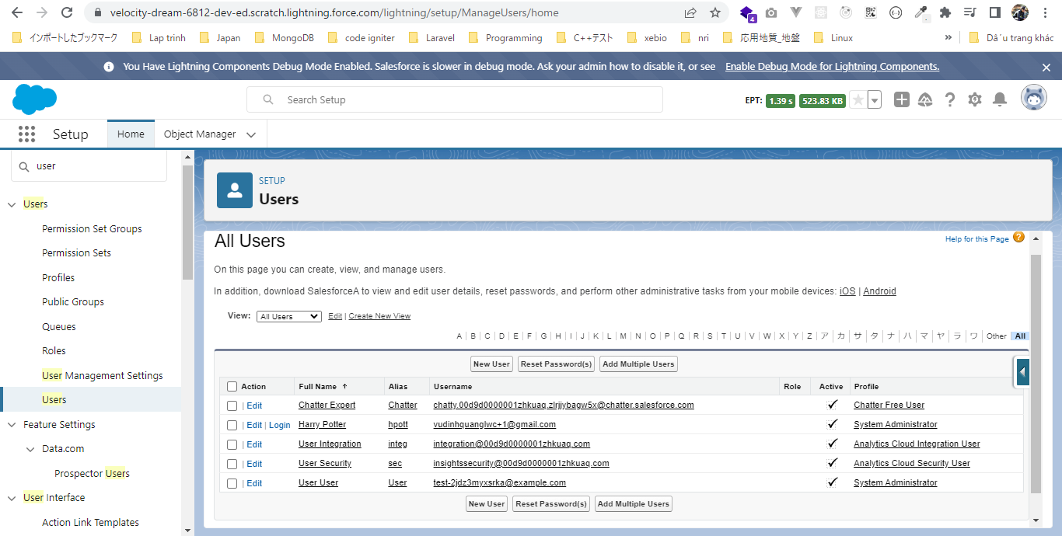

 | So we have 2 System Administrator user
 | 1 | Harry Potter |  | test-2jdz3myxsrka@example.com
 | 2 | Vu Quang |  | vudinhquanglwc+1@gmail.com |  |  |  | → | The permission that we will be creating, we will only assign that permission to this user and do not assign that permisson to Harry Potter user
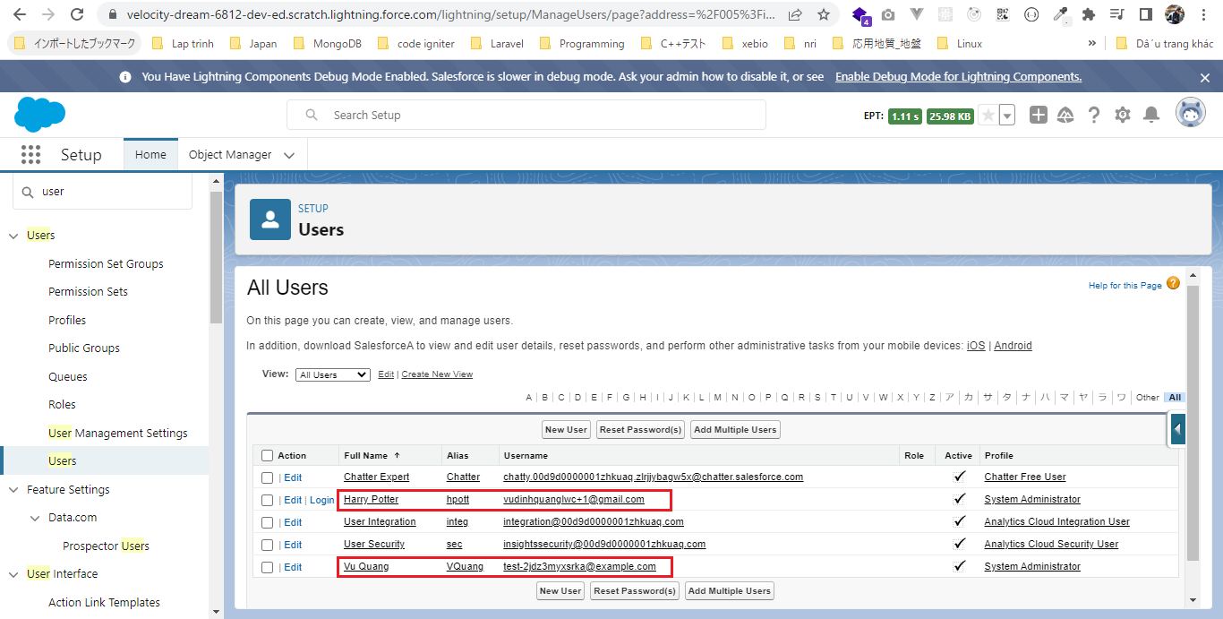

Create a new custom permisson
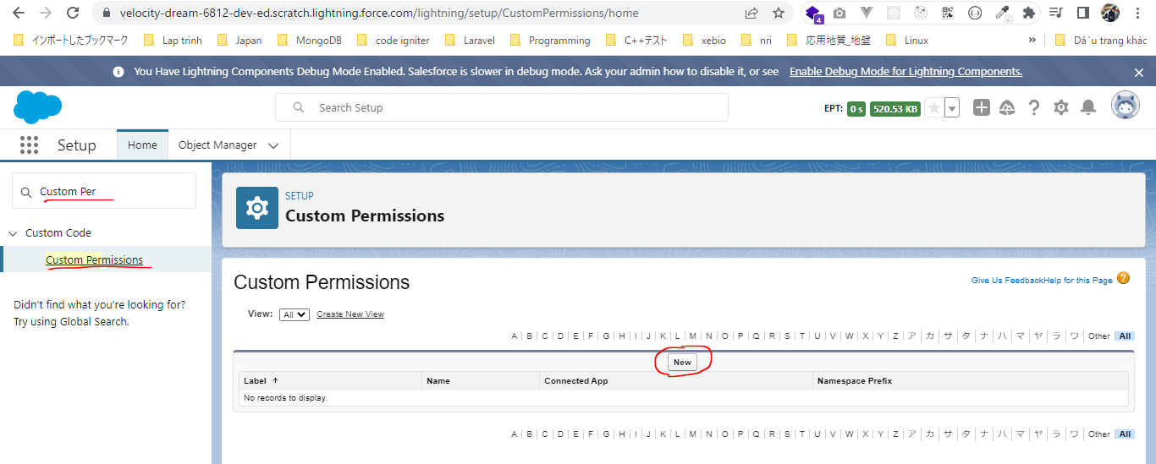

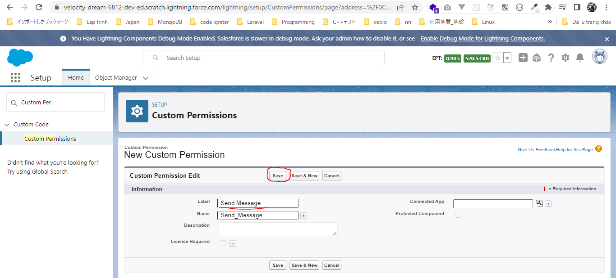

Permission Sets
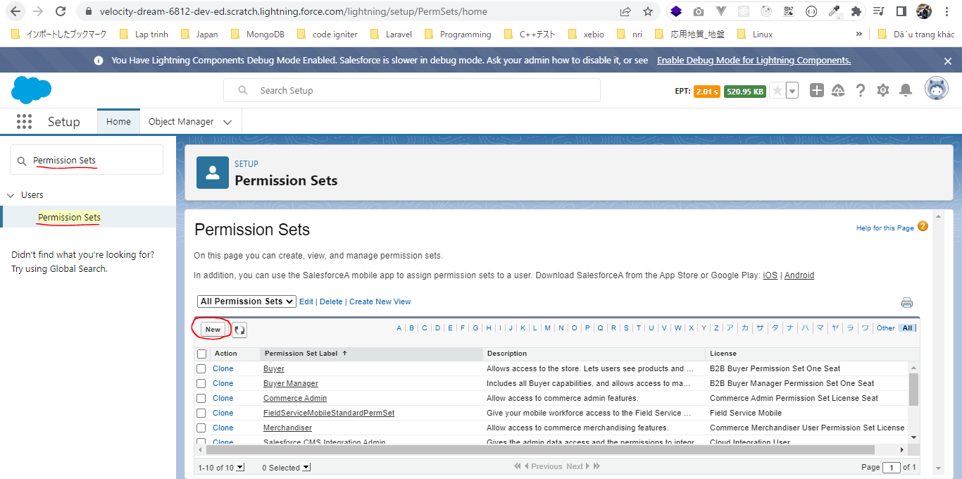

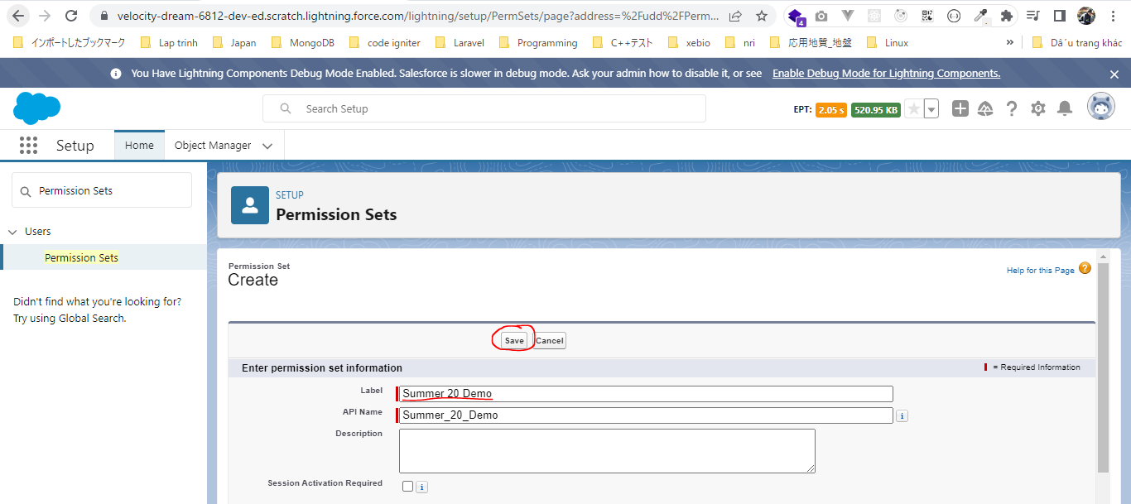

 | Put custom permisson
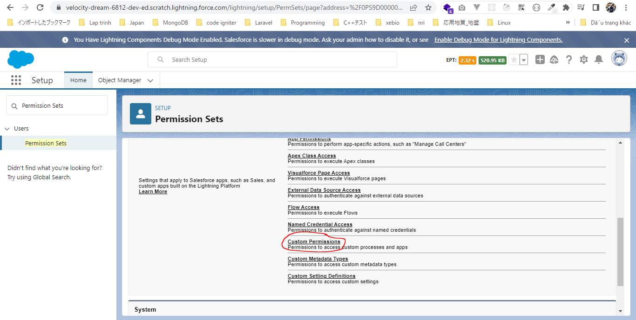

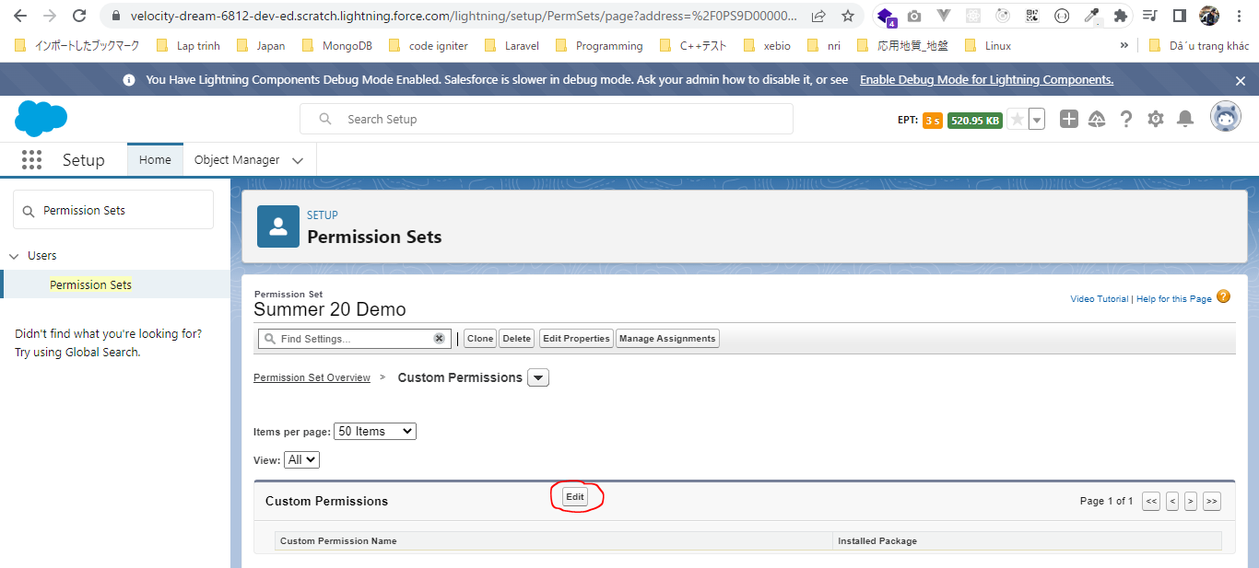

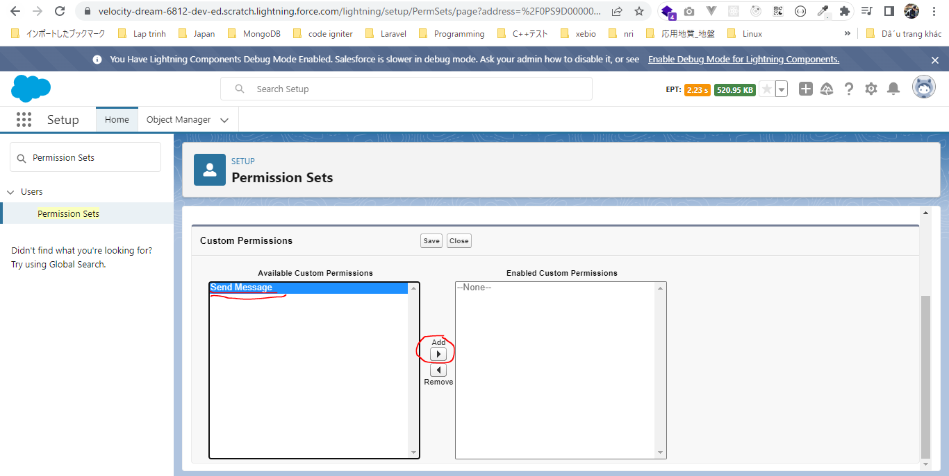

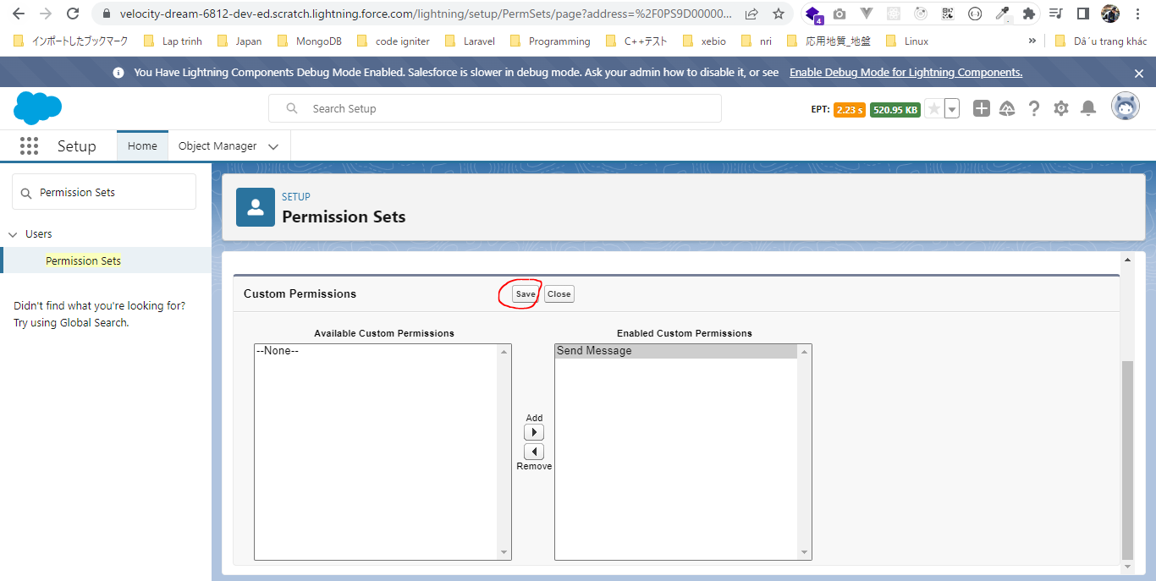

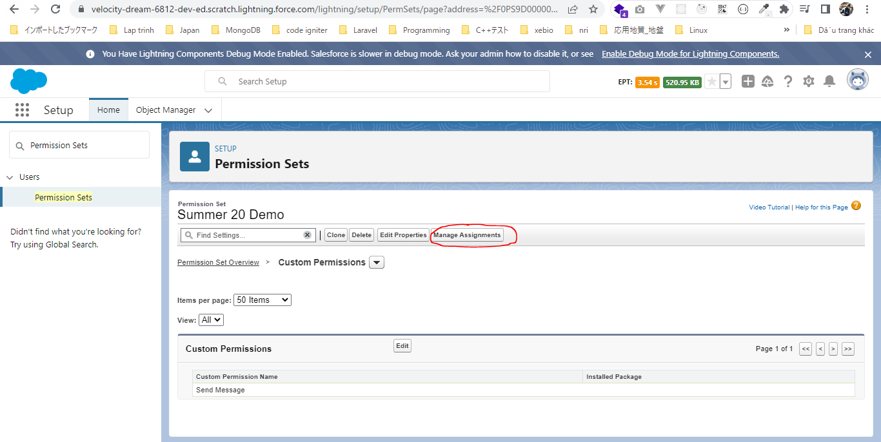

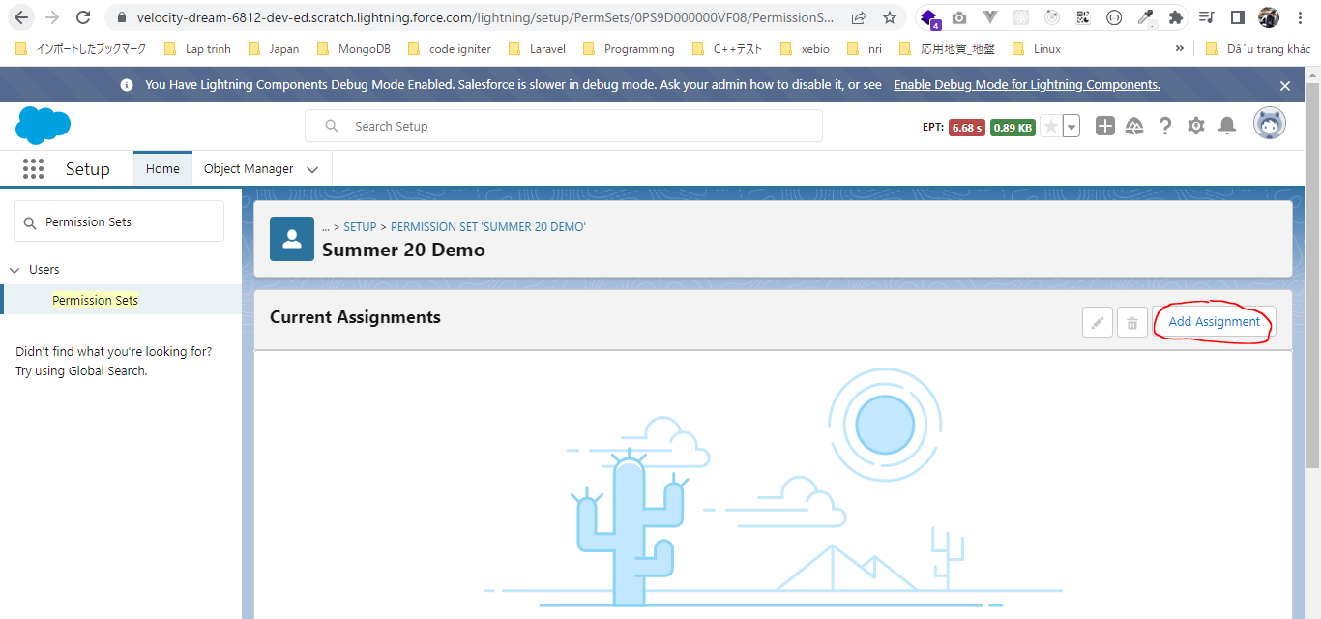

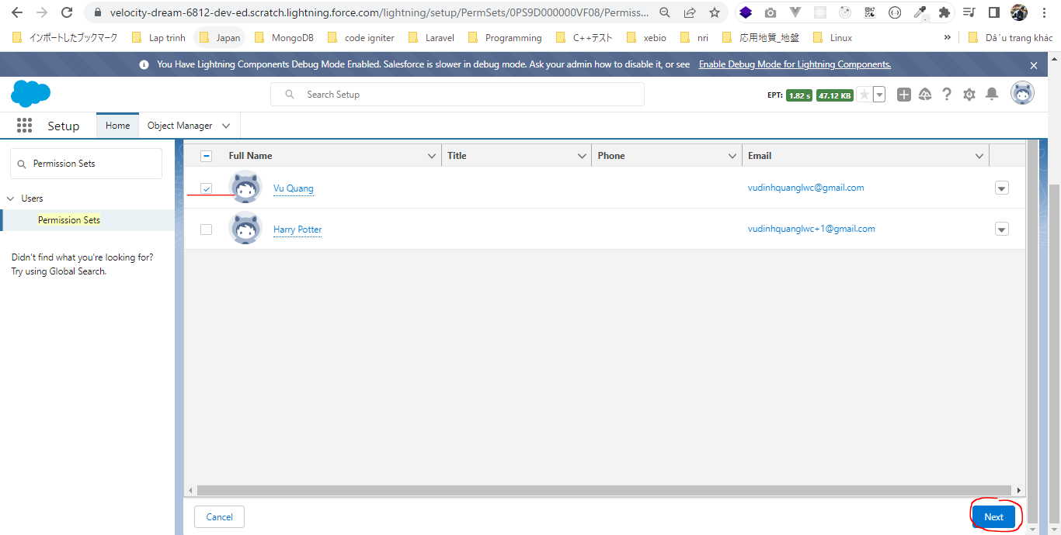

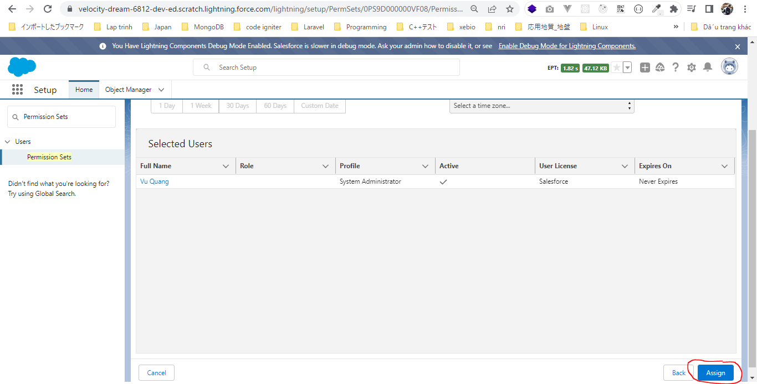

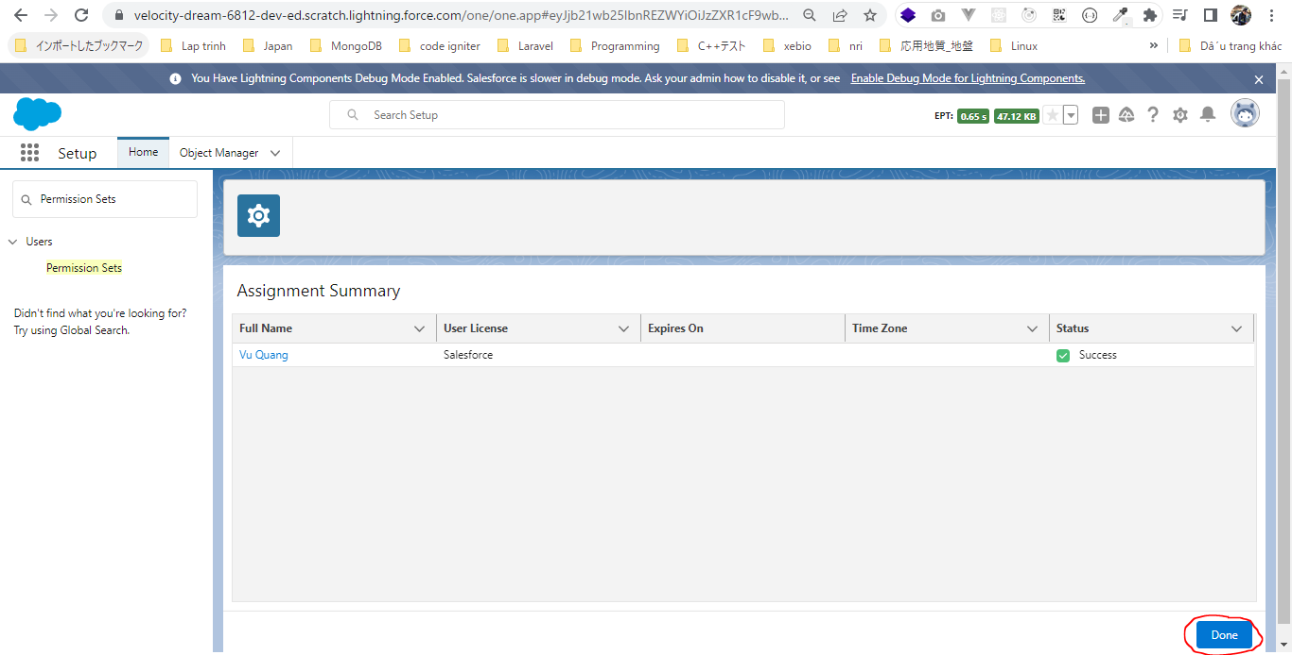

 | We have assigned to Vu Quang user only, we have not assigned permission set to Harry Potter user

LightningWebComponent\LWC\force-app\main\default\lwc\messageLwc\messageLwc.js
 | import { LightningElement, track, wire } from "lwc";
 | import messageDemo from "@salesforce/messageChannel/messageDemo__c";
 | import {
 | MessageContext,
 | publish,
 | subscribe,
 | unsubscribe,
 | APPLICATION_SCOPE
 | } from "lightning/messageService";

 | import hasSendPermissionn from "@salesforce/customPermission/Send_Message"; |  |  |  |  |  |  |  |  | → | import custom permission. If say about user has permission to view the setup or not we will use userPermission

 | export default class MessageLwc extends LightningElement {
 | @track messages = [];

 | @wire(MessageContext) msgContext;

 | subscription = null;

 | connectedCallback() {
 | if (!this.subscription) {
 | this.subscription = subscribe(
 | this.msgContext,
 | messageDemo,
 | msg => {
 | this.messageHandler(msg);
 | },
 | { scope: APPLICATION_SCOPE }
 | );
 | }
 | }

 | disconnectedCallback() {
 | unsubscribe(this.subscription);
 | this.subscription = null;
 | }

 | sendHandler() {
 | const inputElement = this.template.querySelector("lightning-input");
 | if (inputElement) {
 | const msg = inputElement.value;
 | this.messages.push({
 | id: this.messages.length,
 | value: msg,
 | from: "LWC"
 | });
 | //publish message
 | const messagePayload = {
 | message: msg,
 | from: "LWC"
 | };

 | publish(this.msgContext, messageDemo, messagePayload);

 | inputElement.value = "";
 | }
 | }

 | messageHandler(msgPayload) {
 | //something with message
 | if (msgPayload && msgPayload.from !== "LWC") {
 | this.messages.push({
 | id: this.messages.length,
 | value: msgPayload.message,
 | from: msgPayload.from
 | });
 | }
 | }

 | get disableSendButton() {
 | return !hasSendPermissionn; |  |  |  |  |  |  |  |  | → | Check user has permission or not to disable button
 | }
 | }

LightningWebComponent\LWC\force-app\main\default\lwc\messageLwc\messageLwc.html
 | <template>
 | <lightning-card title="Message Channel LWC">
 | <div class="slds-p-around_medium">
 | <!--Iterate over the list-->
 | <template for:each={messages} for:item="message">
 | <div key={message.id} class="sfdcfacts-card">
 | {message.from} > {message.value}
 | </div>
 | </template>
 | </div>
 | <div class="slds-p-around_medium">
 | <lightning-layout>
 | <lightning-layout-item size="9" class="slds-m-right_medium">
 | <lightning-input type="text" variant="label-hidden">

 | </lightning-input>
 | </lightning-layout-item>
 | <lightning-layout-item size="3" class="slds-m-right_medium">
 | <lightning-button label="Send" icon-name="utility:send" disabled={disableSendButton} variant="brand" onclick={sendHandler}>
 | </lightning-button>
 | </lightning-layout-item>
 | </lightning-layout>
 | </div>
 | </lightning-card>
 | </template>

Check browser
 | 1 | Harry Potter |  | test-2jdz3myxsrka@example.com
 | 2 | Vu Quang |  | vudinhquanglwc+1@gmail.com

 | ①Check with Vu Quang who has permisson
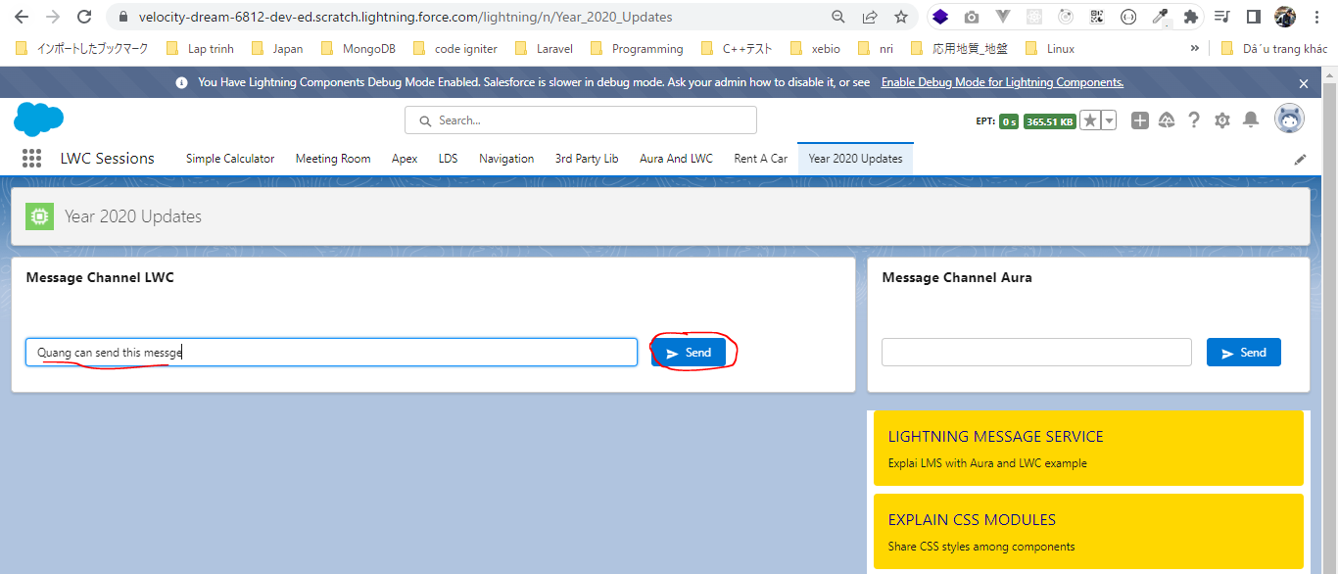

 | We can see we can send message using Vu Quang user
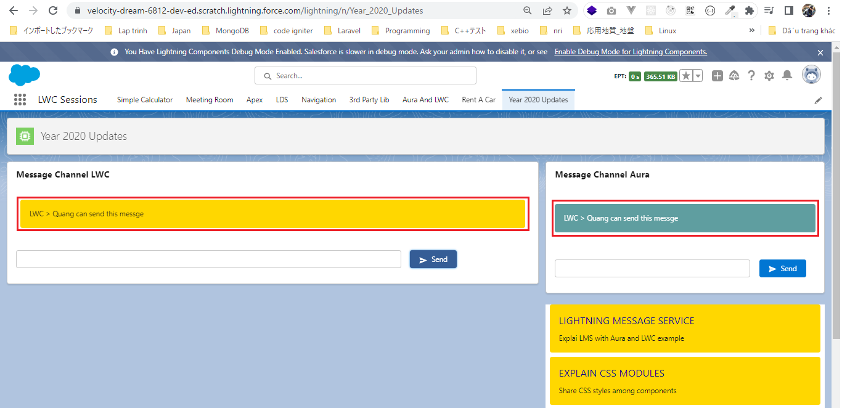

 | ②Check with Harry Potter who has permisson
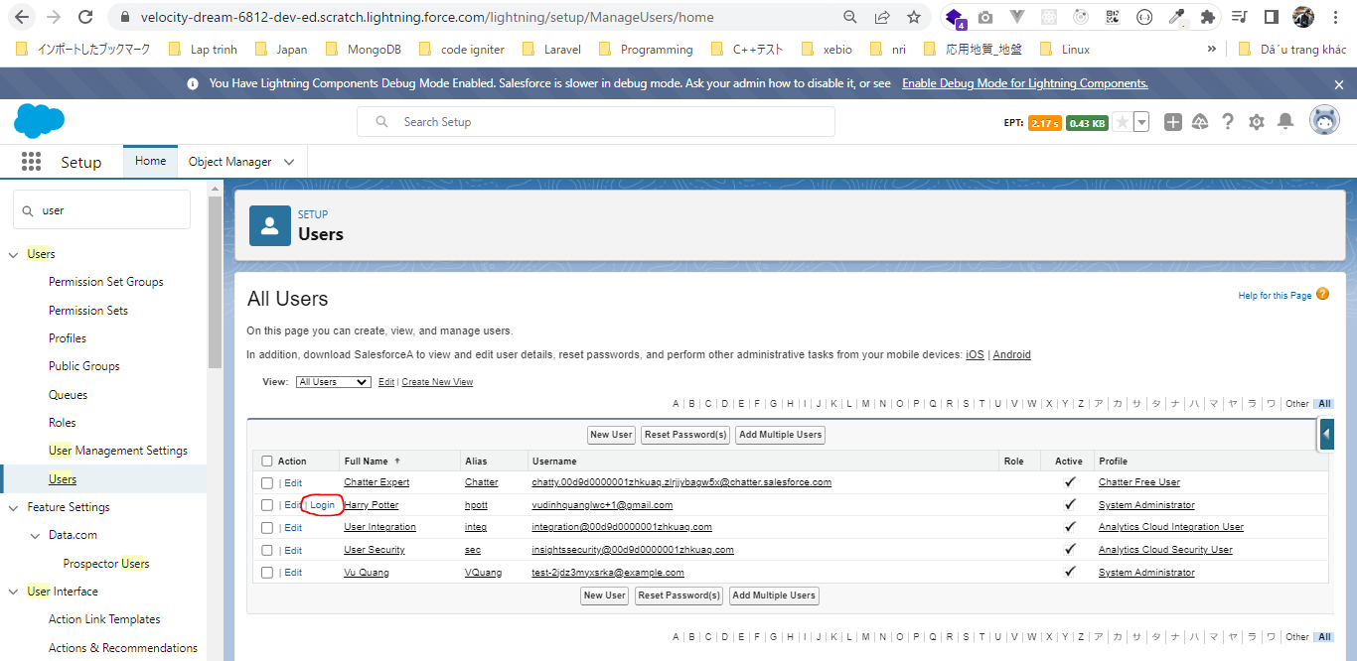

 | The Send button is disabled

