Dispatching And Handling Events
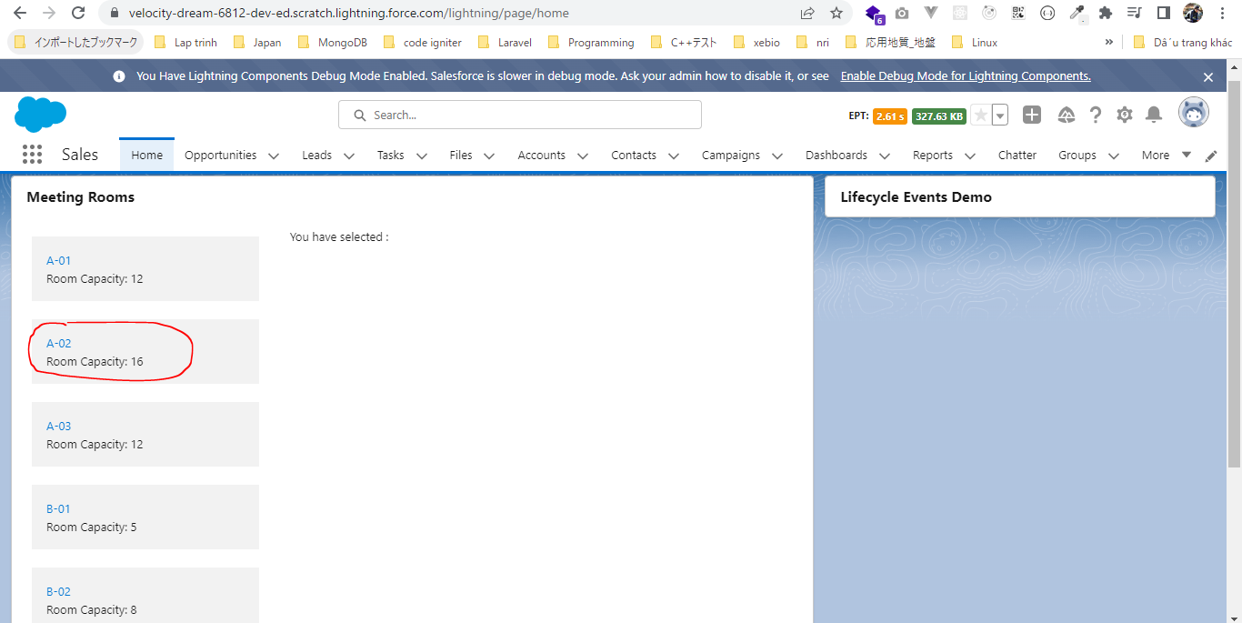
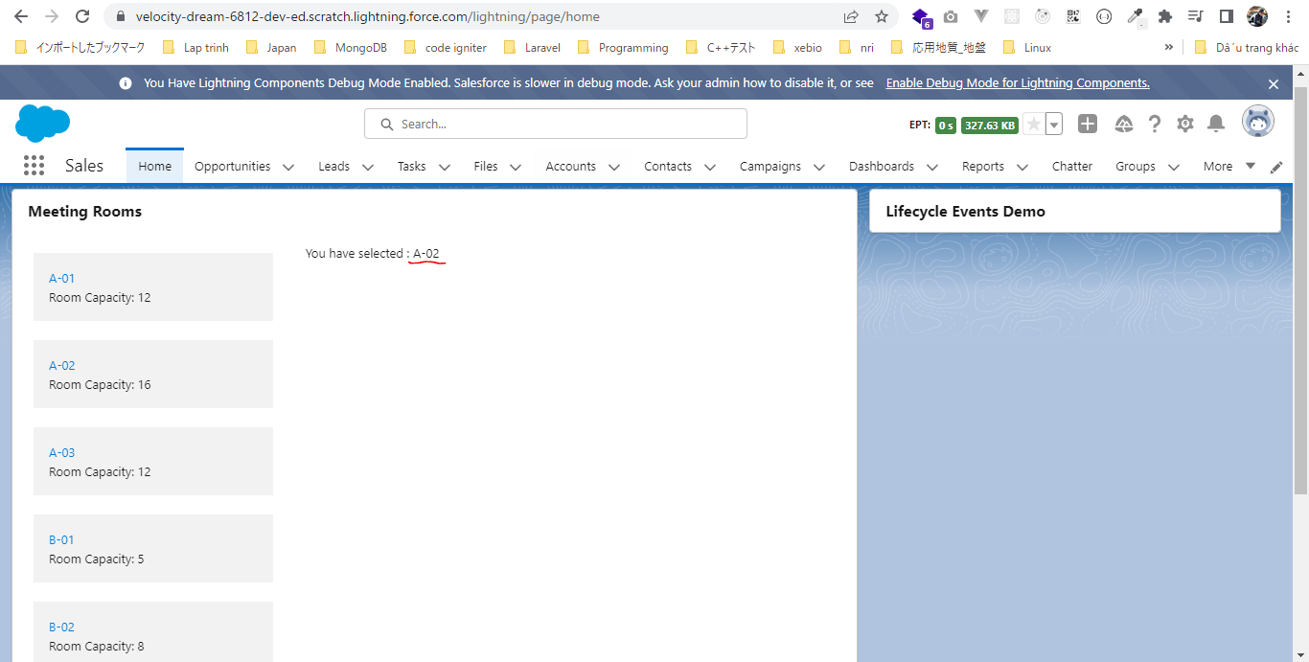
 | In sometime we need our child component to cummunicate back to our parent component or pass some data to parent component. There are ways to do it using events, so we can fire some
 | events from our child component which can be handled in our parent component

構成
 | LightningWebComponent
 |  | LWC
 |  |  | force-app
 |  |  |  | main
 |  |  |  |  | classes
 |  |  |  |  |  | abcd.cls
 |  |  |  |  | lwc
 |  |  |  |  |  | bmiCalculator
 |  |  |  |  |  |  | bmiCalculator.html
 |  |  |  |  |  |  | bmiCalculator.js
 |  |  |  |  |  |  | bmiCalculator.js-meta.xml
 |  |  |  |  |  | conditionalRenderingExample
 |  |  |  |  |  |  | conditionalRenderingExample.html
 |  |  |  |  |  |  | conditionalRenderingExample.js
 |  |  |  |  |  |  | conditionalRenderingExample.js-meta.xml
 |  |  |  |  |  | helloWorld
 |  |  |  |  |  |  | helloWorld.css
 |  |  |  |  |  |  | helloWorld.html
 |  |  |  |  |  |  | helloWorld.js
 |  |  |  |  |  |  | helloWorld.js-meta.xml
 |  |  |  |  |  | lifecycleDemo
 |  |  |  |  |  |  | lifecycleDemo.html
 |  |  |  |  |  |  | lifecycleDemo.js
 |  |  |  |  |  |  | lifecycleDemo.js-meta.xml
 |  |  |  |  |  | meetingRoom
 |  |  |  |  |  |  | meetingRoom.css
 |  |  |  |  |  |  | meetingRoom.html |  |  | → | code
 |  |  |  |  |  |  | meetingRoom.js |  |  | → | code
 |  |  |  |  |  | meetingRooms
 |  |  |  |  |  |  | meetingRooms.html |  |  | → | code
 |  |  |  |  |  |  | meetingRooms.js |  |  | → | code
 |  |  |  |  |  | publicMethodChild
 |  |  |  |  |  |  | publicMethodChild.css
 |  |  |  |  |  |  | publicMethodChild.html
 |  |  |  |  |  |  | publicMethodChild.js
 |  |  |  |  |  |  | publicMethodChild.js-meta.xml
 |  |  |  |  |  | publicMethodParent
 |  |  |  |  |  |  | publicMethodParent.css
 |  |  |  |  |  |  | publicMethodParent.html
 |  |  |  |  |  |  | publicMethodParent.js
 |  |  |  |  |  |  | publicMethodParent.js-meta.xml
 |  |  |  |  |  | secondFileName
 |  |  |  |  |  | simpleCalculator
 |  |  |  |  |  |  | simpleCalculator.html
 |  |  |  |  |  |  | simpleCalculator.js
 |  |  |  |  |  |  | simpleCalculator.js-meta.xml

LightningWebComponent\LWC\force-app\main\default\lwc\meetingRoom\meetingRoom.html
 | <template>
 | <template if:true={showRoomInfo}>
 | <div class="slds-p-around_medium lgc-bg" onclick={tileClickHandler}> |  |  |  |  |  |  | → | when user click on this div element, our component is going to fire custom event
 | <lightning-tile label={meetingRoomInfo.roomName}>
 | <p class="slds-truncate" title={meetingRoomInfo.roomCapacity}>Room Capacity:
 | {meetingRoomInfo.roomCapacity}</p>
 | </lightning-tile>
 | </div>
 | </template>
 | </template>

LightningWebComponent\LWC\force-app\main\default\lwc\meetingRoom\meetingRoom.js
 | import { LightningElement, api } from 'lwc';

 | export default class MeetingRoom extends LightningElement {
 | @api meetingRoomInfo = {roomName:'A-01', roomCapacity:'12'}

 | @api showRoomInfo = false;

 | tileClickHandler(){
 | const tileClicked = new CustomEvent('tileclick', {detail : this.meetingRoomInfo, bubbles :true}); |  |  |  |  |  |  |  | → | declare an event
 |  |  |  |  |  |  |  |  |  | tileclick is event name and when we are going to handle this tileclick event in our parent component we need to prepend this even name which "on" keyword → ontitleclick
 |  |  |  |  |  |  |  |  |  | We can also pass some payload to this event which can be used in our parent component to perform some logic. In our case we need to pass the meeting room info here so that our parent component can know which meeting room has been clicked
 |  |  |  |  |  |  |  |  |  | this payload that we are talking about need to be passed via detail property of our event
 |  |  |  |  |  |  |  |  |  | In Lightning Web Component when dispatch a event by default it does not bubbles up to its parent and it can only be handled on the component creation tag itself
 |  |  |  |  |  |  |  |  |  | When we are handling the event programmatically or define a listener programmatically we need for the event to bubble up parent component
 | this.dispatchEvent(tileClicked); |  |  |  |  |  |  |  | → | fire event we need to use dispatchEvent method which standard javascript
 | }
 | }

LightningWebComponent\LWC\force-app\main\default\lwc\meetingRooms\meetingRooms.html
 | <template>
 | <lightning-card title="Meeting Rooms">
 | <lightning-layout>
 | <lightning-layout-item size="4" padding="around-small">
 | <ul>
 | <template for:each={meetingRoomsInfo} for:item="room">
 | <li key={room.roomName} style="padding: 10px">
 | <c-meeting-room meeting-room-info={room} show-room-info></c-meeting-room> |  |  |  |  |  |  |  | → | To declare the handle for our event being fired from the child component there are two ways. The
 | </li> |  |  |  |  |  |  |  |  | first way is to handle it from the component tag itself. Here we can define the handler for our
 | </template> |  |  |  |  |  |  |  |  | event ontileclick={onTitleSelectHandler}
 | </ul> |  |  |  |  |  |  |  |  | But if we want to define our handle programmaticallylike based on some condition we can
 | </lightning-layout-item> |  |  |  |  |  |  |  |  | do that as well from our javascript file. In this case we want to define the handler at the time
 | <lightning-layout-item size="8" padding="around-small"> |  |  |  |  |  |  |  |  | of component creation itself so we use to constructor method
 | You have selected : {selectedMeetingRoom}
 | </lightning-layout-item>
 | </lightning-layout>
 | </lightning-card>
 | </template>

LightningWebComponent\LWC\force-app\main\default\lwc\meetingRooms\meetingRooms.js
 | import { LightningElement, track } from 'lwc';

 | export default class MeetingRooms extends LightningElement {

 | @track selectedMeetingRoom;

 | meetingRoomsInfo = [
 | {roomName:'A-01', roomCapacity:'12'},
 | {roomName:'A-02', roomCapacity:'16'},
 | {roomName:'A-03', roomCapacity:'12'},
 | {roomName:'B-01', roomCapacity:'5'},
 | {roomName:'B-02', roomCapacity:'8'},
 | {roomName:'B-03', roomCapacity:'10'},
 | {roomName:'C-01', roomCapacity:'20'}

 | ];

 | onTileSelectHandler(event){
 | const meetingRoomInfo = event.detail;
 | this.selectedMeetingRoom = meetingRoomInfo.roomName;
 | }

 | constructor(){
 | super();
 | this.template.addEventListener('tileclick', this.onTileSelectHandler.bind(this)); |  |  |  |  |  |  | → | this.template because we are attaching a listener on this template
 | } |  |  |  |  |  |  |  | bind this
 | }

Check browser


 | click on any of the meeting room and we will see it is displaying the selected meeting room info

CommunicationdependentComponent
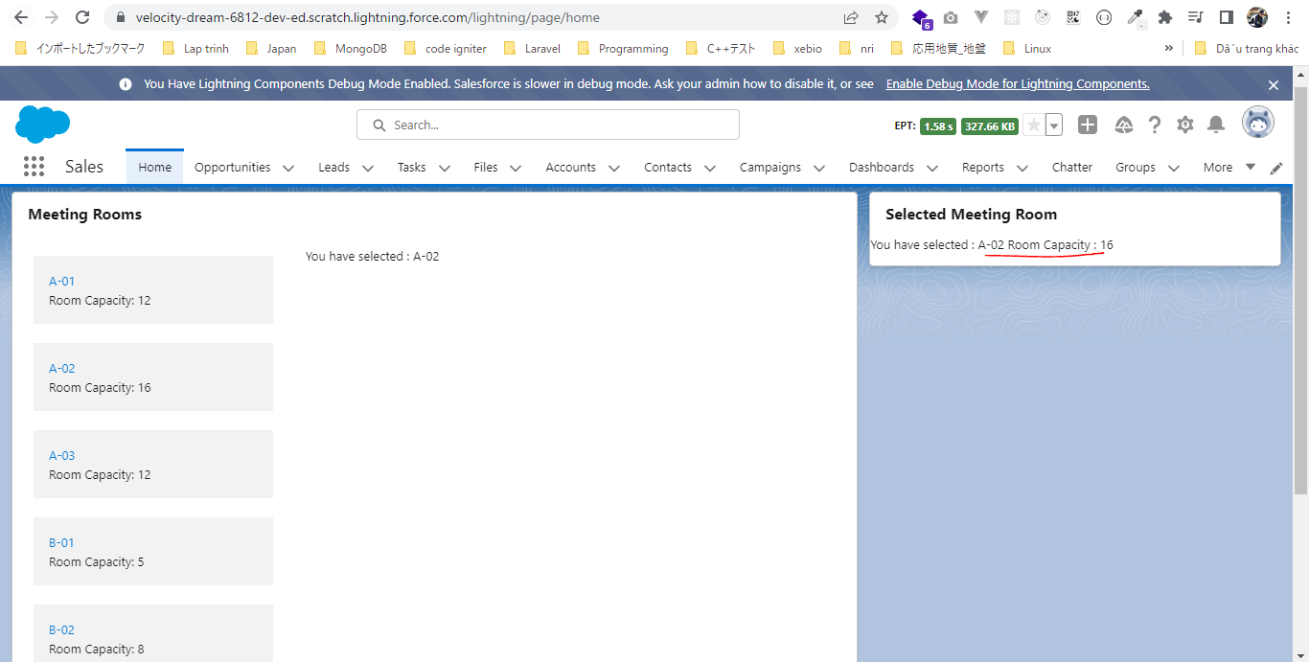
Communication Between Independent Components
 | This part we learn how we can communicate between components if they are not part of same component hierarchy or if they are not related to each other we need to use a singleton library
 | which uses publish and subscribe pattern. That means a component can pulish its events in that particular library, another component can listen for it. They can subscribe to the singleton library
 | and they can listen for the changes being published by other components.
 | There is already pubsub moudle created by the Salesforce developer team and we are going to use the same, the pubsub singleton library that we are going to use

構成
 | LightningWebComponent
 |  | LWC
 |  |  | force-app
 |  |  |  | main
 |  |  |  |  | classes
 |  |  |  |  |  | abcd.cls
 |  |  |  |  | lwc
 |  |  |  |  |  | bmiCalculator
 |  |  |  |  |  |  | bmiCalculator.html
 |  |  |  |  |  |  | bmiCalculator.js
 |  |  |  |  |  |  | bmiCalculator.js-meta.xml
 |  |  |  |  |  | conditionalRenderingExample
 |  |  |  |  |  |  | conditionalRenderingExample.html
 |  |  |  |  |  |  | conditionalRenderingExample.js
 |  |  |  |  |  |  | conditionalRenderingExample.js-meta.xml
 |  |  |  |  |  | helloWorld
 |  |  |  |  |  |  | helloWorld.css
 |  |  |  |  |  |  | helloWorld.html
 |  |  |  |  |  |  | helloWorld.js
 |  |  |  |  |  |  | helloWorld.js-meta.xml
 |  |  |  |  |  | lifecycleDemo
 |  |  |  |  |  |  | lifecycleDemo.html
 |  |  |  |  |  |  | lifecycleDemo.js
 |  |  |  |  |  |  | lifecycleDemo.js-meta.xml
 |  |  |  |  |  | meetingRoom
 |  |  |  |  |  |  | meetingRoom.css
 |  |  |  |  |  |  | meetingRoom.html
 |  |  |  |  |  |  | meetingRoom.js |  |  | → | code
 |  |  |  |  |  | meetingRooms
 |  |  |  |  |  |  | meetingRooms.html
 |  |  |  |  |  |  | meetingRooms.js
 |  |  |  |  |  | publicMethodChild
 |  |  |  |  |  |  | publicMethodChild.css
 |  |  |  |  |  |  | publicMethodChild.html
 |  |  |  |  |  |  | publicMethodChild.js
 |  |  |  |  |  |  | publicMethodChild.js-meta.xml
 |  |  |  |  |  | publicMethodParent
 |  |  |  |  |  |  | publicMethodParent.css
 |  |  |  |  |  |  | publicMethodParent.html
 |  |  |  |  |  |  | publicMethodParent.js
 |  |  |  |  |  |  | publicMethodParent.js-meta.xml
 |  |  |  |  |  | pubsub |  |  |  | → | new
 |  |  |  |  |  |  | pubsub.js
 |  |  |  |  |  |  | pubsub.js-meta.xml
 |  |  |  |  |  | secondFileName
 |  |  |  |  |  | selectedMeetingRoom |  |  |  | → | new
 |  |  |  |  |  |  | selectedMeetingRoom.html
 |  |  |  |  |  |  | selectedMeetingRoom.js
 |  |  |  |  |  | simpleCalculator
 |  |  |  |  |  |  | simpleCalculator.html
 |  |  |  |  |  |  | simpleCalculator.js
 |  |  |  |  |  |  | simpleCalculator.js-meta.xml

LightningWebComponent\LWC\force-app\main\default\lwc\pubsub
 | /**
 | * A basic pub-sub mechanism for sibling component communication
 | *
 | * TODO - adopt standard flexipage sibling communication mechanism when it's available.
 | */

 | const events = {}; |  |  |  |  |  |  |  |  |  | → | events global variable hold all the defferent events being published in this particular library. This is a global list because we do not want any duplicate event to published again and again

 | const samePageRef = (pageRef1, pageRef2) => { |  |  |  |  |  |  |  |  |  | → | this samePageRef method is used to check if the page reference of both publish and subscriberis same or not
 | const obj1 = pageRef1.attributes; |  |  |  |  |  |  |  |  |  |  | that means if a event is being published or is being listened from the same page or not
 | const obj2 = pageRef2.attributes;
 | return Object.keys(obj1)
 | .concat(Object.keys(obj2))
 | .every(key => {
 | return obj1[key] === obj2[key];
 | });
 | };

 | /**
 | * Registers a callback for an event
 | * @param {string} eventName - Name of the event to listen for.
 | * @param {function} callback - Function to invoke when said event is fired.
 | * @param {object} thisArg - The value to be passed as the this parameter to the callback function is bound.
 | */
 | const registerListener = (eventName, callback, thisArg) => { |  |  |  |  |  |  |  |  |  | → | this registerListener method we need to use whenever we are going to listen for a particular event. That means we are going to use this registerListener method in a component where are
 | // Checking that the listener has a pageRef property. We rely on that property for filtering purpose in fireEvent() |  |  |  |  |  |  |  |  |  |  | going to listen for the events being published by other components.
 | if (!thisArg.pageRef) {
 | throw new Error(
 | 'pubsub listeners need a "@wire(CurrentPageReference) pageRef" property'
 | );
 | }

 | if (!events[eventName]) {
 | events[eventName] = [];
 | }
 | const duplicate = events[eventName].find(listener => {
 | return listener.callback === callback && listener.thisArg === thisArg;
 | });
 | if (!duplicate) {
 | events[eventName].push({ callback, thisArg });
 | }
 | };

 | /**
 | * Unregisters a callback for an event
 | * @param {string} eventName - Name of the event to unregister from.
 | * @param {function} callback - Function to unregister.
 | * @param {object} thisArg - The value to be passed as the this parameter to the callback function is bound.
 | */
 | const unregisterListener = (eventName, callback, thisArg) => { |  |  |  |  |  |  |  |  |  | → | this unregisterListener method is going to unregister listening for a particular event
 | if (events[eventName]) {
 | events[eventName] = events[eventName].filter(
 | listener =>
 | listener.callback !== callback || listener.thisArg !== thisArg
 | );
 | }
 | };

 | /**
 | * Unregisters all event listeners bound to an object.
 | * @param {object} thisArg - All the callbacks bound to this object will be removed.
 | */
 | const unregisterAllListeners = thisArg => { |  |  |  |  |  |  |  |  |  | → | this unregisterAllListeners method to unregister all the events
 | Object.keys(events).forEach(eventName => {
 | events[eventName] = events[eventName].filter(
 | listener => listener.thisArg !== thisArg
 | );
 | });
 | };

 | /**
 | * Fires an event to listeners.
 | * @param {object} pageRef - Reference of the page that represents the event scope.
 | * @param {string} eventName - Name of the event to fire.
 | * @param {*} payload - Payload of the event to fire.
 | */
 | const fireEvent = (pageRef, eventName, payload) => { |  |  |  |  |  |  |  |  |  | → | this fireEvent method is used by pushlisher component, the component which is going to pushlish the event
 | if (events[eventName]) {
 | const listeners = events[eventName];
 | listeners.forEach(listener => {
 | if (samePageRef(pageRef, listener.thisArg.pageRef)) {
 | try {
 | listener.callback.call(listener.thisArg, payload);
 | } catch (error) {
 | // fail silently
 | }
 | }
 | });
 | }
 | };

 | export {
 | registerListener,
 | unregisterListener,
 | unregisterAllListeners,
 | fireEvent
 | };

LightningWebComponent\LWC\force-app\main\default\lwc\meetingRoom\meetingRoom.js |  |  |  |  |  |  |  |  |  |  | ※Whenever user click on meeting room tile, the separate selectedMeetingRoom component listen for this event and show us detail of selected meeting room
 | import { LightningElement, api, wire } from 'lwc';
 | import {fireEvent} from 'c/pubsub'; |  |  |  |  |  |  |  |  | → | include the namespace c beforce pubsub module because this is a custom module we have created. It belongs to custom namespace
 | import { CurrentPageReference } from 'lightning/navigation';

 | export default class MeetingRoom extends LightningElement {
 | @api meetingRoomInfo = { roomName: 'A-01', roomCapacity: '12' }

 | @api showRoomInfo = false;

 | @wire(CurrentPageReference) pageReference; |  |  |  |  |  |  |  |  | → | we need to wire CurrentPageReference property to get the actual page reference

 | tileClickHandler(){
 | const tileClicked = new CustomEvent('tileclick', {detail : this.meetingRoomInfo, bubbles :true});

 | this.dispatchEvent(tileClicked);
 | fireEvent(this.pageReference, 'pubsubtileclick', this.meetingRoomInfo); |  |  |  |  |  |  |  |  | → | fire pubsubtileclick event to push pubsubtileclick event inside pubsub moudle which can be subscribed by other components and they can listen for this event
 | } |  |  |  |  |  |  |  |  |  | pubsubtileclick: event name
 | } |  |  |  |  |  |  |  |  |  | pass showRoomInfo as payload

LightningWebComponent\LWC\force-app\main\default\lwc\selectedMeetingRoom\selectedMeetingRoom.html
 | <template>
 | <lightning-card title="Selected Meeting Room">
 | You have selected : {selectedMeetingRoom.roomName}
 | Room Capacity : {selectedMeetingRoom.roomCapacity}
 | </lightning-card>
 | </template>

LightningWebComponent\LWC\force-app\main\default\lwc\selectedMeetingRoom\selectedMeetingRoom.js |  |  |  |  |  |  |  |  |  | ※handle pubsubtileclick event in our selectedMeetingRoom component. There as well we need to use pubsub module and also the CurrentPageReference to match if the page reference of meetingRoom component and the page of selectedMeetingRoom component is same or not
 | import { LightningElement, track, wire } from 'lwc';
 | import {registerListener, unregisterAllListeners} from 'c/pubsub';
 | import { CurrentPageReference } from 'lightning/navigation';

 | export default class SelectedMeetingRoom extends LightningElement {
 | @track selectedMeetingRoom = {};

 | @wire(CurrentPageReference) pageRef;

 | connectedCallback(){
 | registerListener('pubsubtileclick', this.onMeetingRoomSelectHandler, this);
 | }

 | disconnectedCallback(){
 | unregisterAllListeners(this); |  |  |  |  |  |  | → | unregister all listeners from current page
 | }

 | onMeetingRoomSelectHandler(payload){ |  |  |  |  |  |  | → | method should be called whenever any event is getting fired, we will assign value to selectedMeetingRoom
 | this.selectedMeetingRoom = payload;
 | }

 | }

Check browser
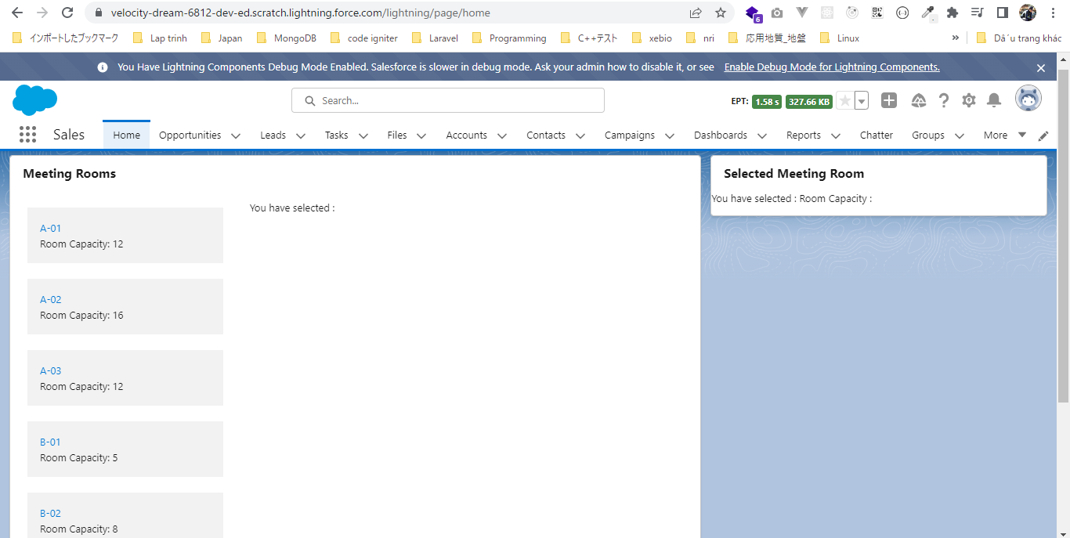

 | Click on any title
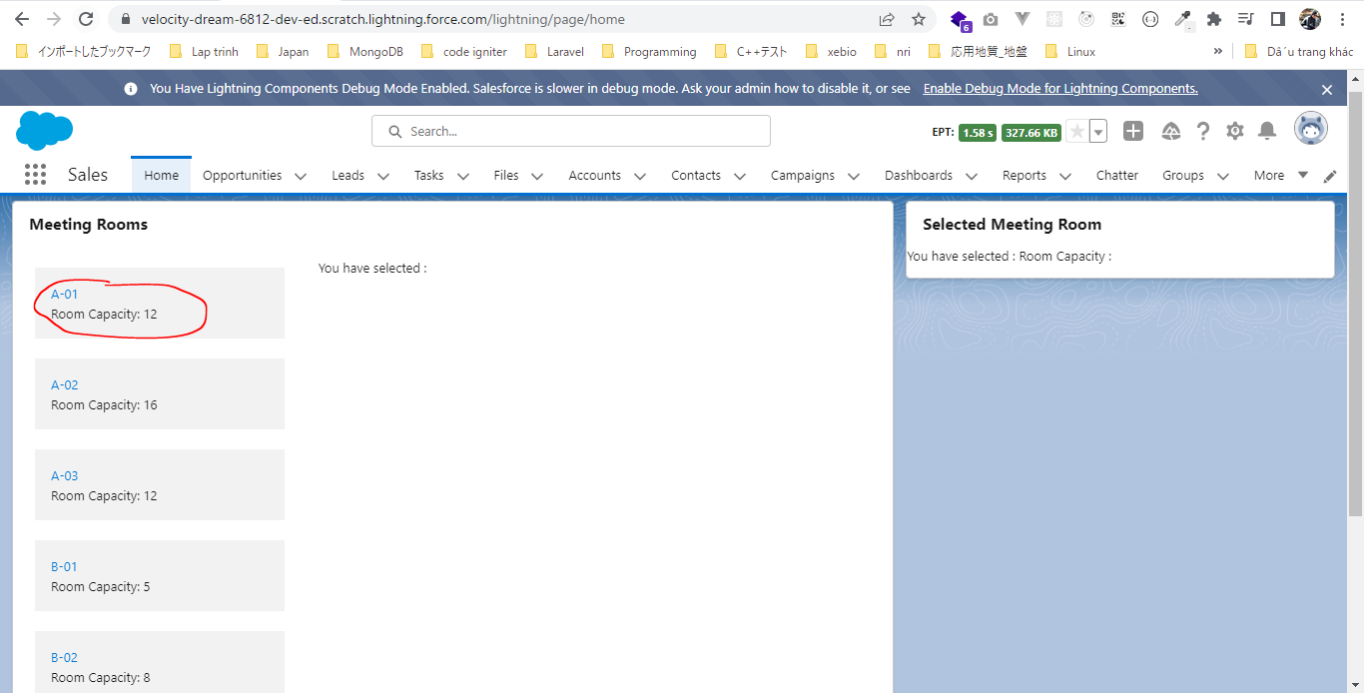

 | roomName and roomCapacity are displayed

Share Javascript Code
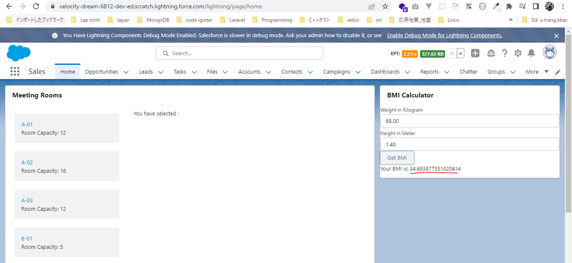
 | This part discus about share a common Javascript code among the different Lightning Web Component

構成
 | LightningWebComponent
 |  | LWC
 |  |  | force-app
 |  |  |  | main
 |  |  |  |  | classes
 |  |  |  |  |  | abcd.cls
 |  |  |  |  | lwc
 |  |  |  |  |  | bmi |  | → | new
 |  |  |  |  |  |  | bmi.js
 |  |  |  |  |  | bmiCalculator
 |  |  |  |  |  |  | bmiCalculator.html
 |  |  |  |  |  |  | bmiCalculator.js | → | code
 |  |  |  |  |  |  | bmiCalculator.js-meta.xml
 |  |  |  |  |  | conditionalRenderingExample
 |  |  |  |  |  |  | conditionalRenderingExample.html
 |  |  |  |  |  |  | conditionalRenderingExample.js
 |  |  |  |  |  |  | conditionalRenderingExample.js-meta.xml
 |  |  |  |  |  | helloWorld
 |  |  |  |  |  |  | helloWorld.css
 |  |  |  |  |  |  | helloWorld.html
 |  |  |  |  |  |  | helloWorld.js
 |  |  |  |  |  |  | helloWorld.js-meta.xml
 |  |  |  |  |  | lifecycleDemo
 |  |  |  |  |  |  | lifecycleDemo.html
 |  |  |  |  |  |  | lifecycleDemo.js
 |  |  |  |  |  |  | lifecycleDemo.js-meta.xml
 |  |  |  |  |  | meetingRoom
 |  |  |  |  |  |  | meetingRoom.css
 |  |  |  |  |  |  | meetingRoom.html
 |  |  |  |  |  |  | meetingRoom.js
 |  |  |  |  |  | meetingRooms
 |  |  |  |  |  |  | meetingRooms.html
 |  |  |  |  |  |  | meetingRooms.js
 |  |  |  |  |  | publicMethodChild
 |  |  |  |  |  |  | publicMethodChild.css
 |  |  |  |  |  |  | publicMethodChild.html
 |  |  |  |  |  |  | publicMethodChild.js
 |  |  |  |  |  |  | publicMethodChild.js-meta.xml
 |  |  |  |  |  | publicMethodParent
 |  |  |  |  |  |  | publicMethodParent.css
 |  |  |  |  |  |  | publicMethodParent.html
 |  |  |  |  |  |  | publicMethodParent.js
 |  |  |  |  |  |  | publicMethodParent.js-meta.xml
 |  |  |  |  |  | pubsub
 |  |  |  |  |  |  | pubsub.js
 |  |  |  |  |  |  | pubsub.js-meta.xml
 |  |  |  |  |  | secondFileName
 |  |  |  |  |  | selectedMeetingRoom
 |  |  |  |  |  |  | selectedMeetingRoom.html
 |  |  |  |  |  |  | selectedMeetingRoom.js
 |  |  |  |  |  | simpleCalculator
 |  |  |  |  |  |  | simpleCalculator.html
 |  |  |  |  |  |  | simpleCalculator.js
 |  |  |  |  |  |  | simpleCalculator.js-meta.xml

LightningWebComponent\LWC\force-app\main\default\lwc\bmi\bmi.js
 | const getBMI = function (weightInKg, heightInMt) {
 | try {
 | return weightInKg / (heightInMt * heightInMt);
 | } catch (error) {
 | return undefined;
 | }
 | }

 | export{getBMI};

LightningWebComponent\LWC\force-app\main\default\lwc\bmiCalculator\bmiCalculator.js
 | import { LightningElement, track } from 'lwc';
 | import {getBMI} from 'c/bmi';

 | export default class BmiCalculator extends LightningElement {
 | cardTitle = 'BMI Calculator';

 | weight;
 | height;

 | bmi;
 | onWeightChange(event){
 | this.weight = parseFloat(event.target.value);
 | }

 | onHeightChange(event){
 | this.height = parseFloat(event.target.value);
 | }

 | calculateBMI(){
 | this.bmi = getBMI(this.weight, this.height);
 | }

 | get bmiValue(){
 | if(this.bmi === undefined){
 | return "";
 | }
 | return `Your BMI is: ${this.bmi}`;
 | }
 | }

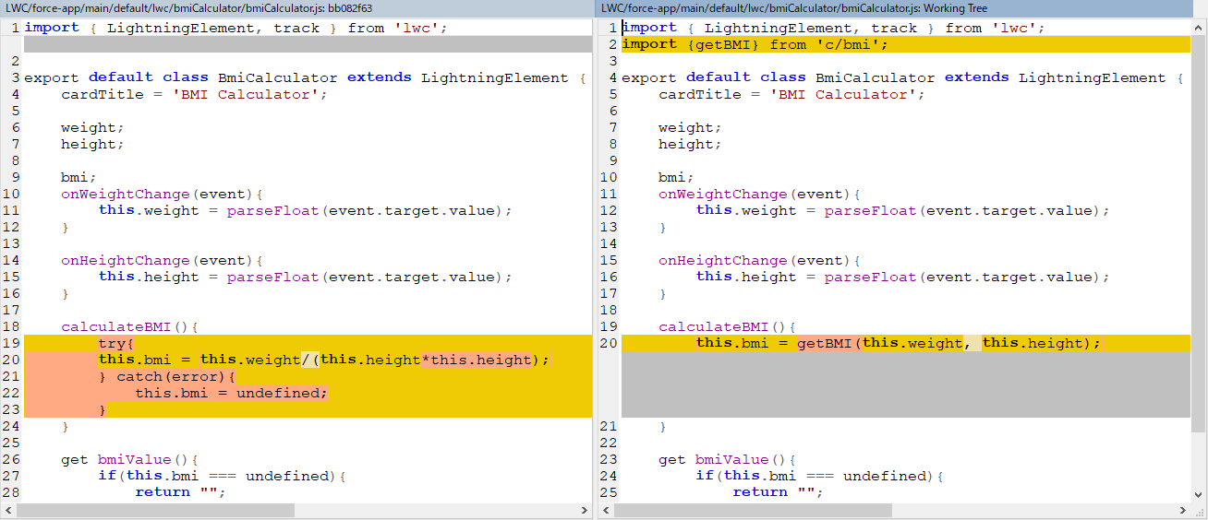

Check browser
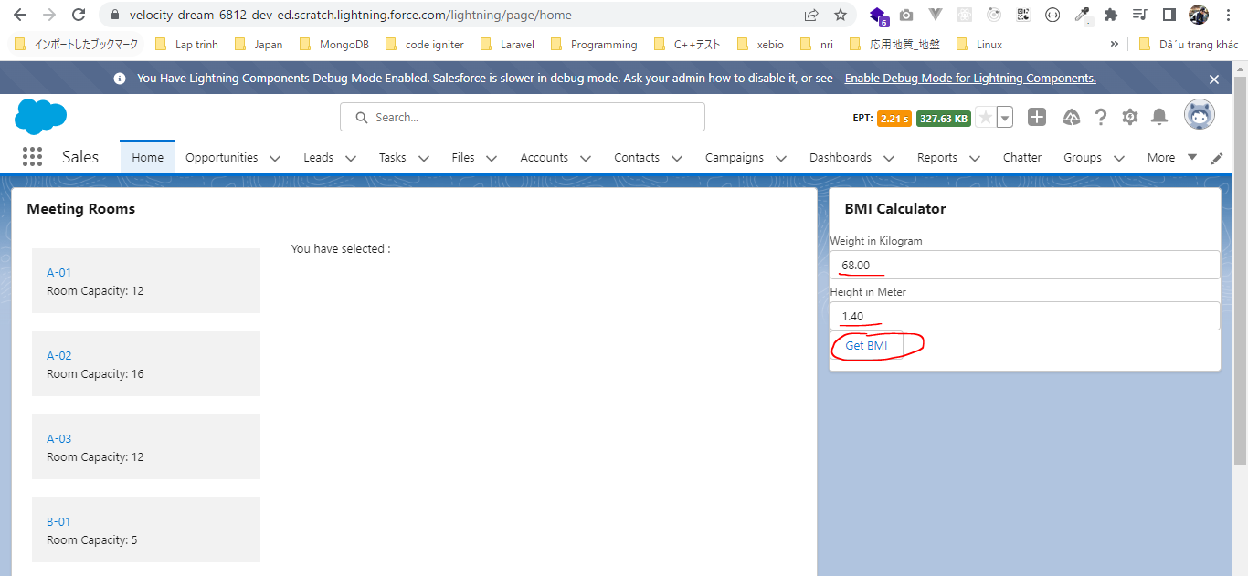

 | result

