Installing Schema
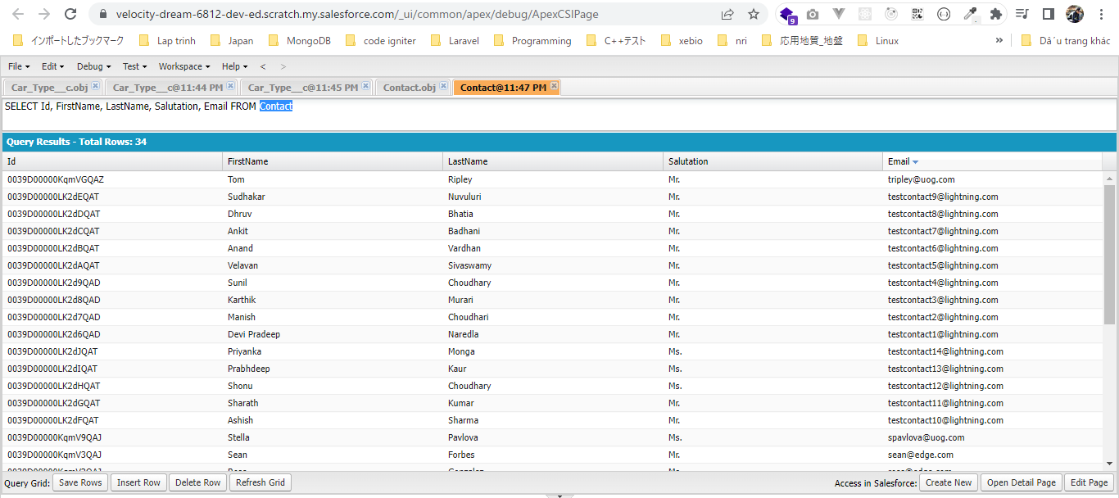
 | This part we will install our "Rent A Car" application backend schema, related tabs static resources in our project

構成
 | LightningWebComponent
 |  | .vscode
 |  |  | launch.json
 |  | LWC
 |  |  | force-app
 |  |  |  | main
 |  |  |  |  | classes
 |  |  |  |  |  | abcd.cls
 |  |  |  |  |  | AccountManager.cls
 |  |  |  |  |  | CreateData.cls
 |  |  |  |  |  | CreateDataTest.cls
 |  |  |  |  |  | DeleteData.cls
 |  |  |  |  |  | DeleteDataTest.cls
 |  |  |  |  |  | RentACarTestFactory.cls
 |  |  |  |  | aura
 |  |  |  |  |  | MeetingRoomAura
 |  |  |  |  |  |  | MeetingRoomAura.cmp
 |  |  |  |  |  |  | MeetingRoomAuraController.js
 |  |  |  |  |  | MeetingRoomPubSubHandler
 |  |  |  |  |  |  | MeetingRoomPubSubHandler.cmp
 |  |  |  |  |  |  | MeetingRoomPubSubHandlerController.js
 |  |  |  |  | lwc
 |  |  |  |  |  | accountManageApex
 |  |  |  |  |  |  | accountManageApex.css
 |  |  |  |  |  |  | accountManageApex.html
 |  |  |  |  |  |  | accountManageApex.js
 |  |  |  |  |  |  | accountManageApex.js-meta.xml
 |  |  |  |  |  | accountManagerLDS
 |  |  |  |  |  |  | accountManagerLDS.html
 |  |  |  |  |  |  | accountManagerLDS.js
 |  |  |  |  |  |  | accountManagerLDS.js-meta.xml
 |  |  |  |  |  | accountManagerLDSForms
 |  |  |  |  |  |  | accountManagerLDSForms.html
 |  |  |  |  |  |  | accountManagerLDSForms.js
 |  |  |  |  |  |  | accountManagerLDSForms.js-meta.xml
 |  |  |  |  |  | accountRecordForm
 |  |  |  |  |  |  | accountRecordForm.html
 |  |  |  |  |  |  | accountRecordForm.js
 |  |  |  |  |  |  | accountRecordForm.js-meta.xml
 |  |  |  |  |  | auraPubsub
 |  |  |  |  |  |  | auraPubsub.js
 |  |  |  |  |  |  | auraPubsub.js-meta.xml
 |  |  |  |  |  | bmi
 |  |  |  |  |  |  | bmi.js
 |  |  |  |  |  | bmiCalculator
 |  |  |  |  |  |  | bmiCalculator.html
 |  |  |  |  |  |  | bmiCalculator.js
 |  |  |  |  |  |  | bmiCalculator.js-meta.xml
 |  |  |  |  |  | conditionalRenderingExample
 |  |  |  |  |  |  | conditionalRenderingExample.html
 |  |  |  |  |  |  | conditionalRenderingExample.js
 |  |  |  |  |  |  | conditionalRenderingExample.js-meta.xml
 |  |  |  |  |  | helloWorld
 |  |  |  |  |  |  | helloWorld.css
 |  |  |  |  |  |  | helloWorld.html
 |  |  |  |  |  |  | helloWorld.js
 |  |  |  |  |  |  | helloWorld.js-meta.xml
 |  |  |  |  |  | lifecycleDemo
 |  |  |  |  |  |  | lifecycleDemo.html
 |  |  |  |  |  |  | lifecycleDemo.js
 |  |  |  |  |  |  | lifecycleDemo.js-meta.xml
 |  |  |  |  |  | meetingRoom
 |  |  |  |  |  |  | meetingRoom.css
 |  |  |  |  |  |  | meetingRoom.html
 |  |  |  |  |  |  | meetingRoom.js
 |  |  |  |  |  | meetingRooms
 |  |  |  |  |  |  | __tests__
 |  |  |  |  |  |  |  | meetingRooms.test.js
 |  |  |  |  |  |  | meetingRooms.html
 |  |  |  |  |  |  | meetingRooms.js
 |  |  |  |  |  | navigationExample
 |  |  |  |  |  |  | navigationExample.html
 |  |  |  |  |  |  | navigationExample.js
 |  |  |  |  |  |  | navigationExample.js-meta.xml
 |  |  |  |  |  | publicMethodChild
 |  |  |  |  |  |  | publicMethodChild.css
 |  |  |  |  |  |  | publicMethodChild.html
 |  |  |  |  |  |  | publicMethodChild.js
 |  |  |  |  |  |  | publicMethodChild.js-meta.xml
 |  |  |  |  |  | publicMethodParent
 |  |  |  |  |  |  | publicMethodParent.css
 |  |  |  |  |  |  | publicMethodParent.html
 |  |  |  |  |  |  | publicMethodParent.js
 |  |  |  |  |  |  | publicMethodParent.js-meta.xml
 |  |  |  |  |  | pubsub
 |  |  |  |  |  |  | pubsub.js
 |  |  |  |  |  |  | pubsub.js-meta.xml
 |  |  |  |  |  | secondFileName
 |  |  |  |  |  | selectedMeetingRoom
 |  |  |  |  |  |  | selectedMeetingRoom.html
 |  |  |  |  |  |  | selectedMeetingRoom.js
 |  |  |  |  |  | simpleCalculator
 |  |  |  |  |  |  | simpleCalculator.html
 |  |  |  |  |  |  | simpleCalculator.js
 |  |  |  |  |  |  | simpleCalculator.js-meta.xml
 |  |  |  |  |  | simpleLightBoxExample
 |  |  |  |  |  |  | simpleLightBoxExample.html
 |  |  |  |  |  |  | simpleLightBoxExample.js
 |  |  |  |  |  |  | simpleLightBoxExample.js-meta.xml
 |  |  |  |  | objects
 |  |  |  |  |  | Car__c
 |  |  |  |  |  | Car_Experience__c
 |  |  |  |  |  | Car_Type__c
 |  |  |  |  | staticresources
 |  |  |  |  |  | Leaflet
 |  |  |  |  |  |  | images
 |  |  |  |  |  |  | leaflet-src.js
 |  |  |  |  |  |  | leaflet-src.js.map
 |  |  |  |  |  |  | leaflet.css
 |  |  |  |  |  |  | leaflet.js
 |  |  |  |  |  |  | leaflet.js.map
 |  |  |  |  | tabs
 |  |  |  |  |  | Car__c.tab-meta.xml
 |  |  |  |  |  | Car_Experience__c.tab-meta.xml
 |  |  |  |  |  | Car_Type__c.tab-meta.xml
 |  |  | package.json

Check have 3 more custom objects
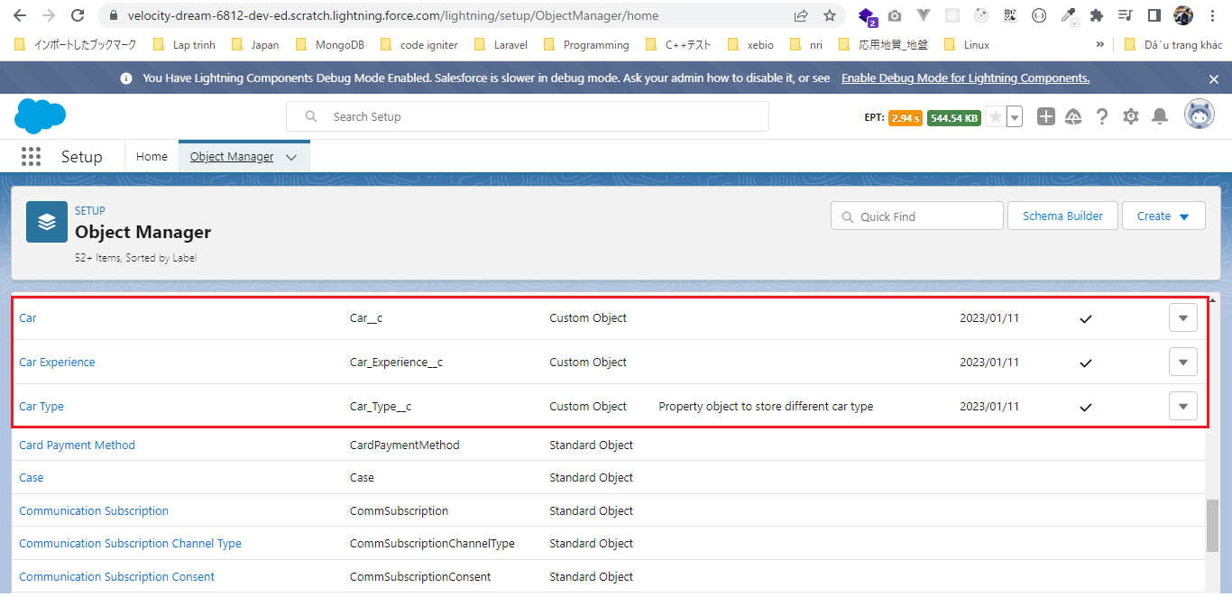

Static Resources
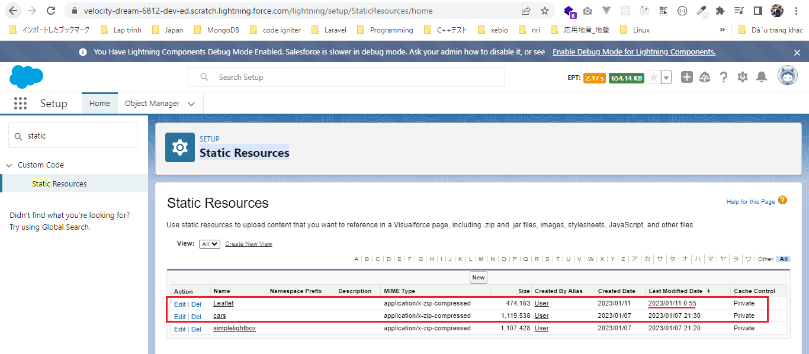

We need to make sure that we have given the proper access to these custom objects(Car__c, Car_Experience__c, Car_Type__c) and the fields
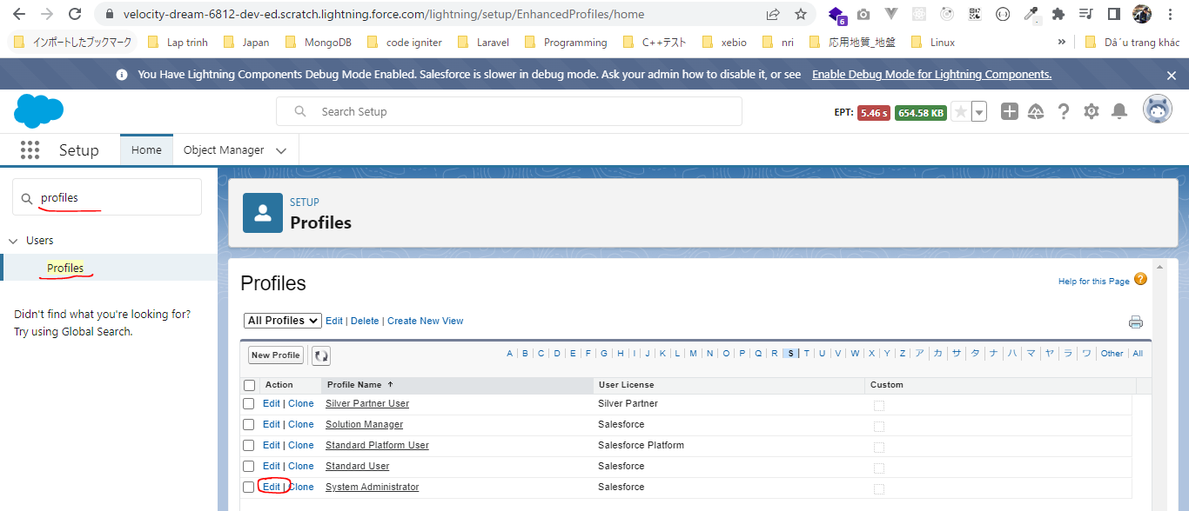

 | tabs options
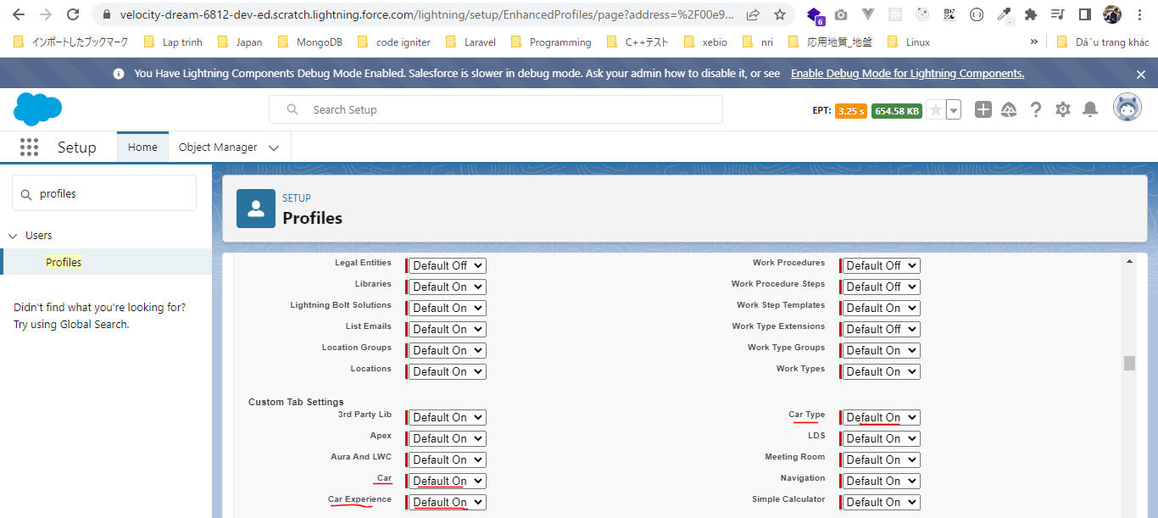

 | Car, Car Experience and Car Type already have proper access
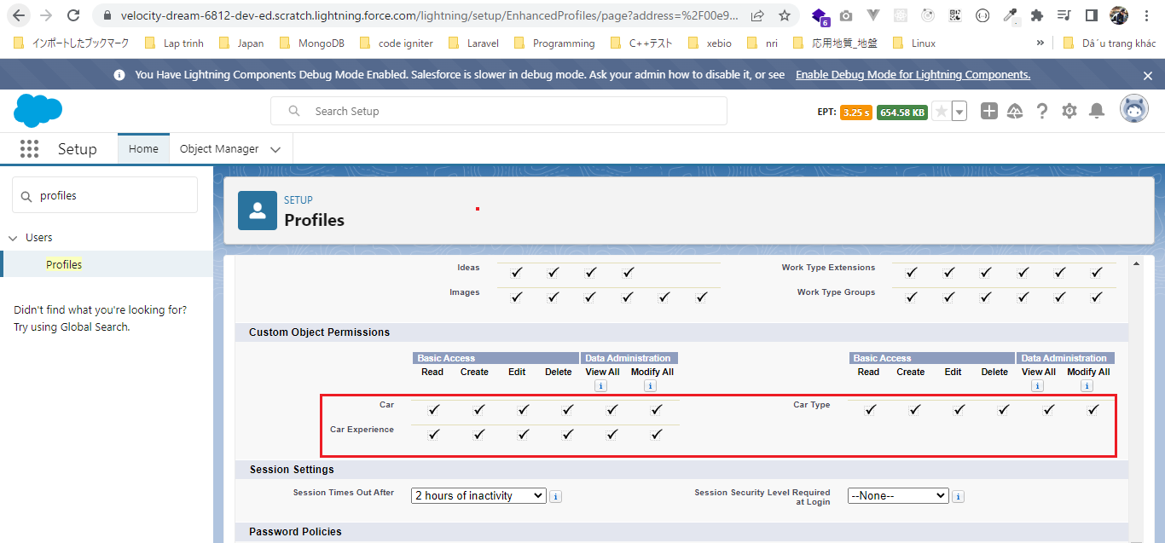

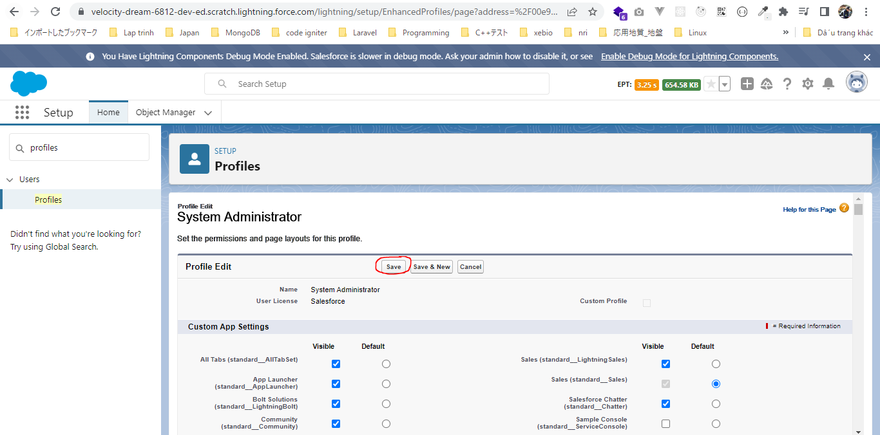

Field-Level Security
Give all access
 | Car
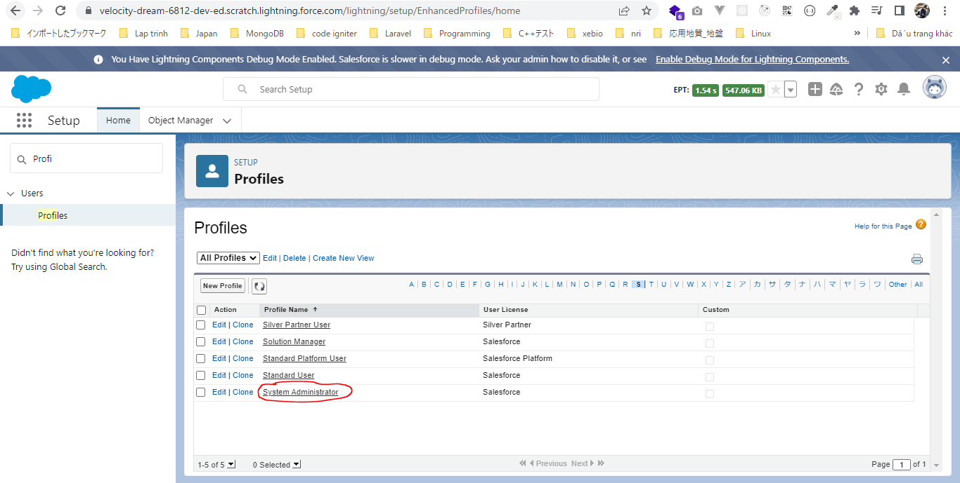

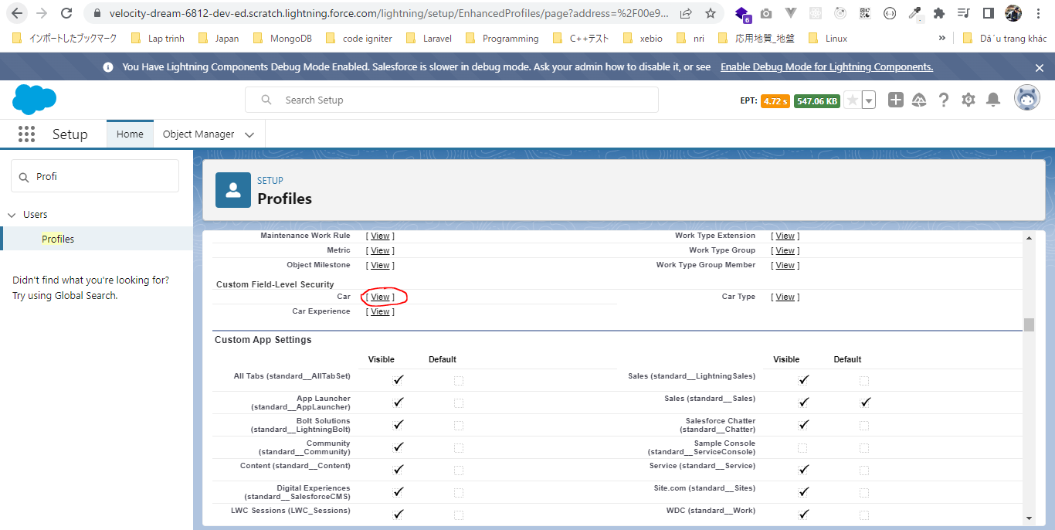

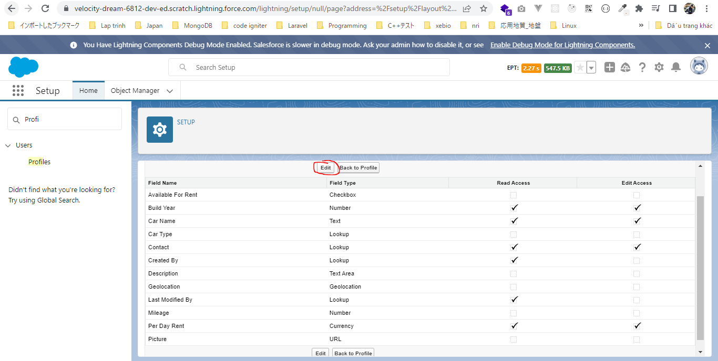

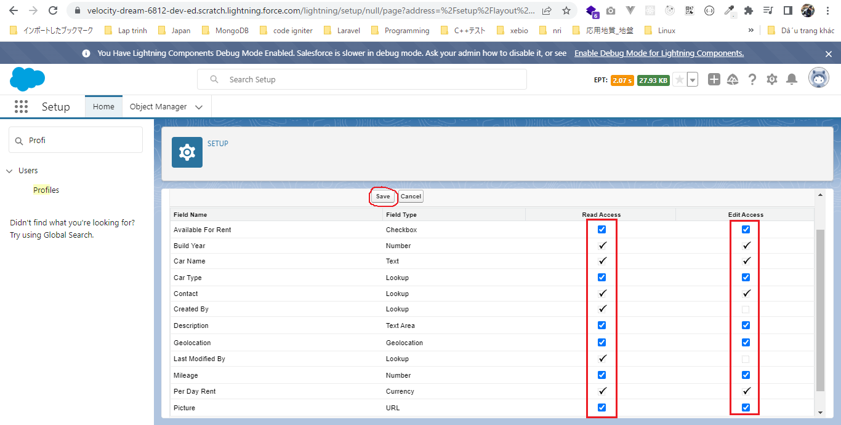

 | Car Experience
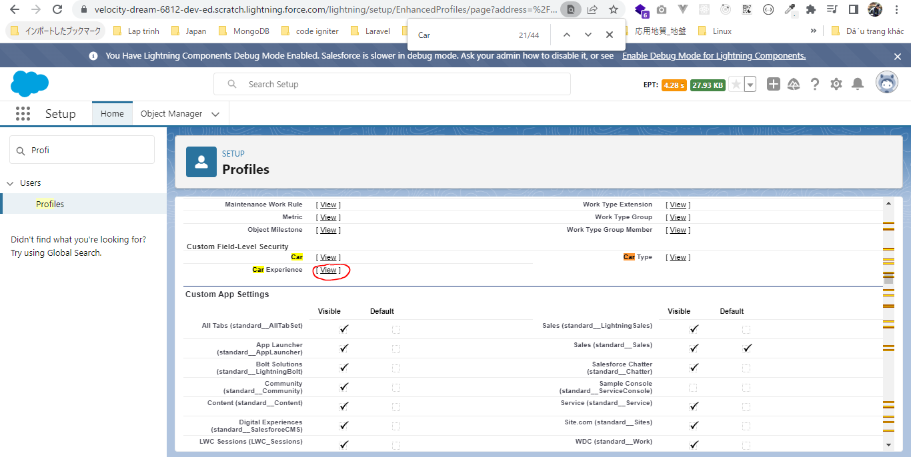

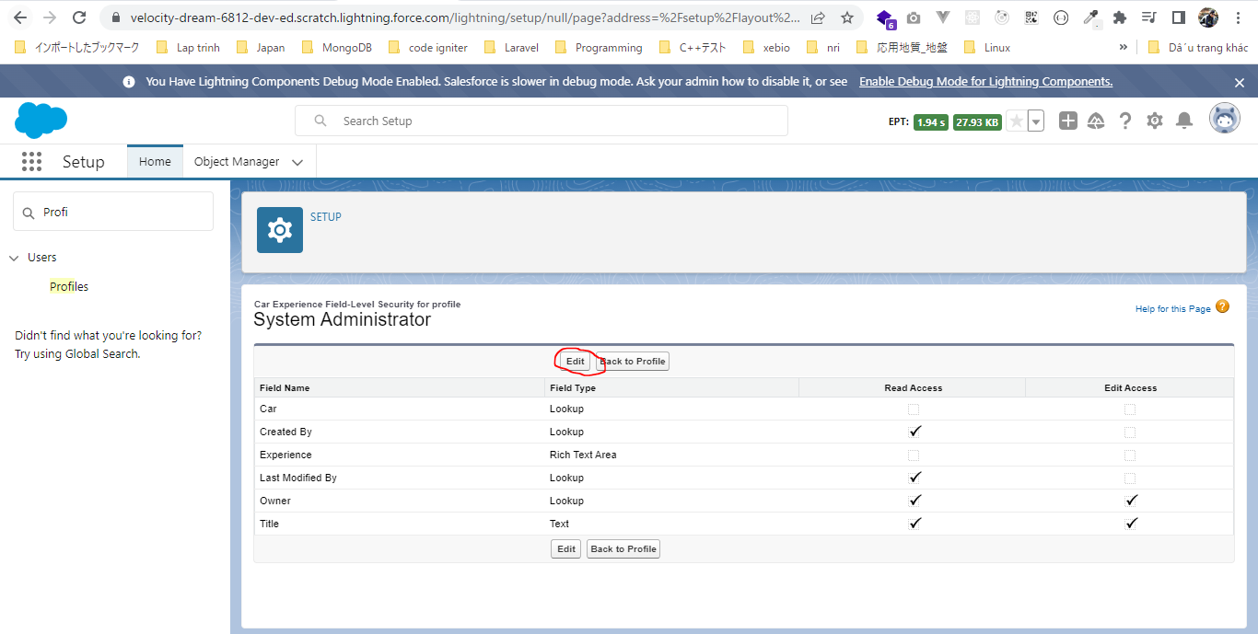

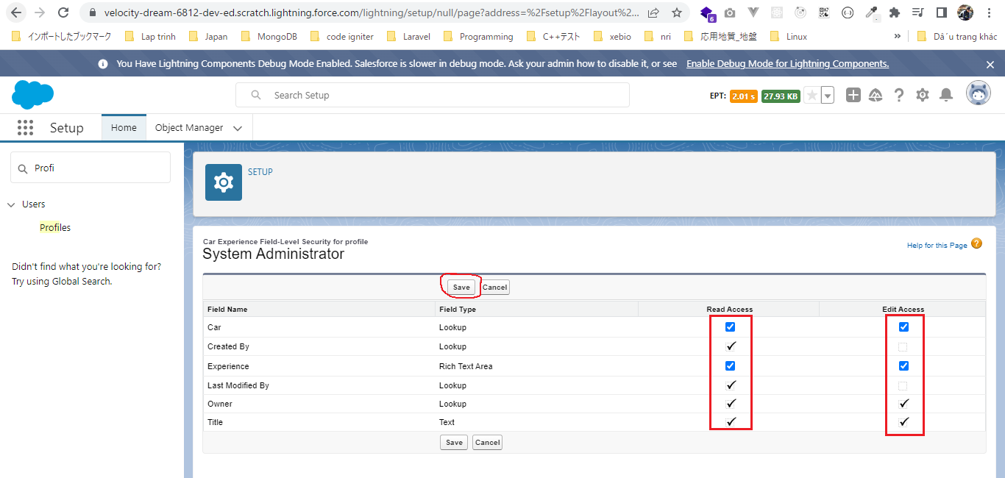

Create our data
 | CreateData.createPackageData();
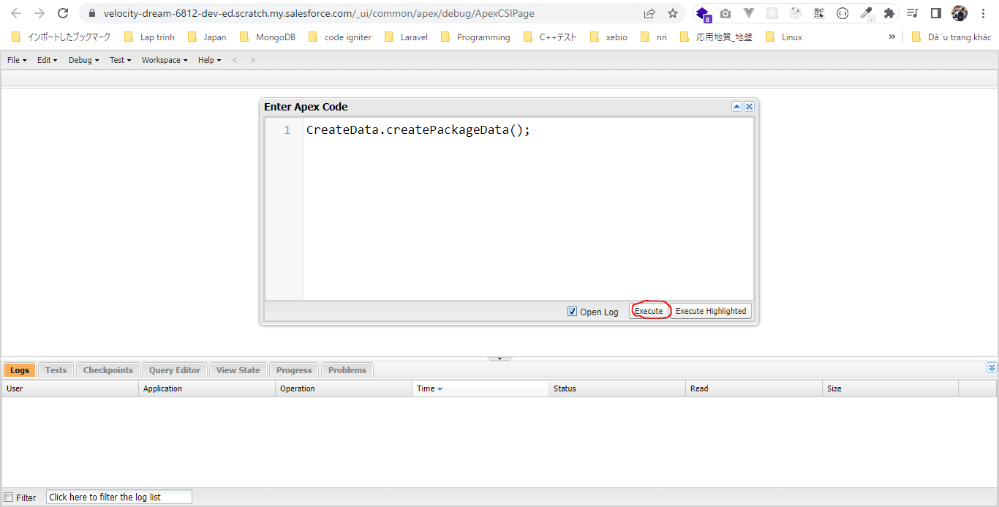

 | Check Car__c
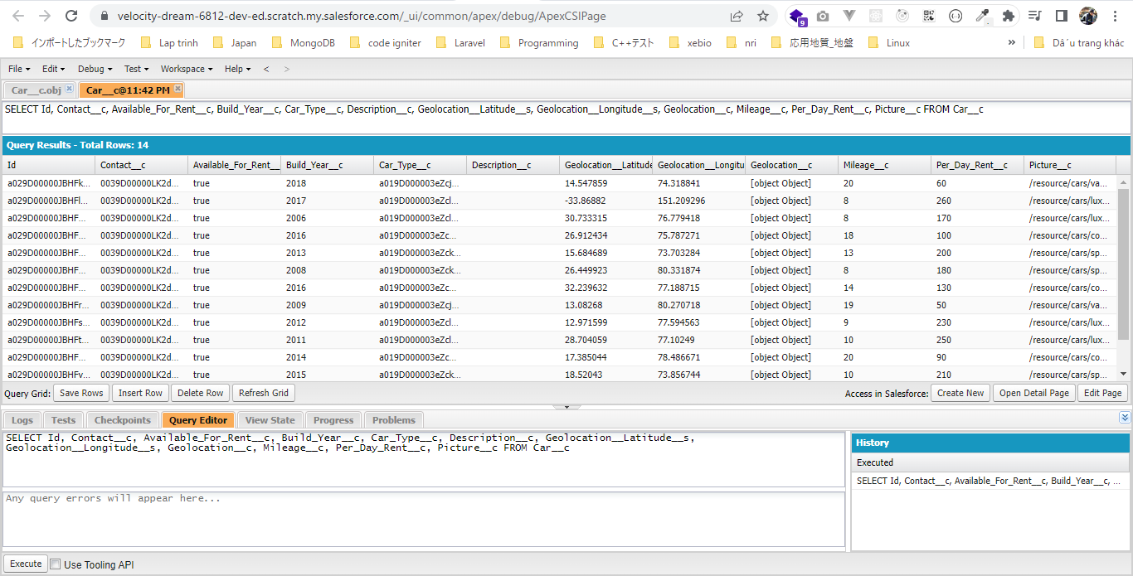

 | Check Car_Type__c
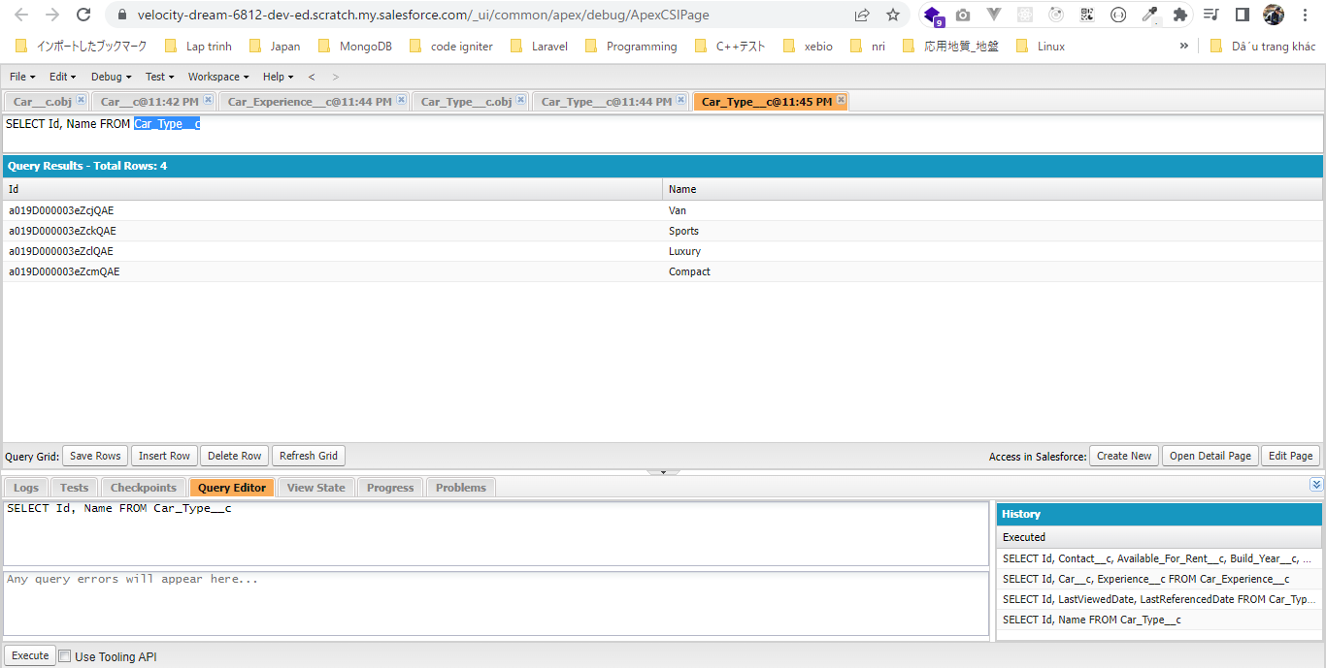

 | Check Contact

