CreateDeveloperOrgAndSetDevHub
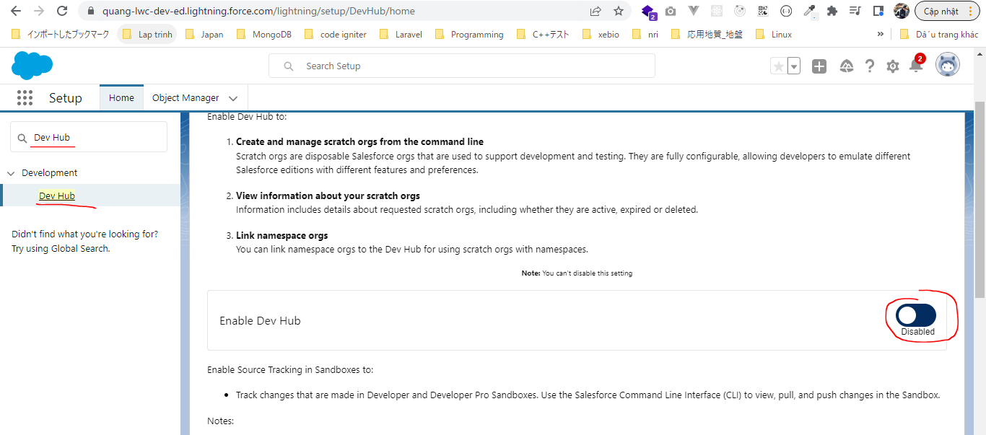
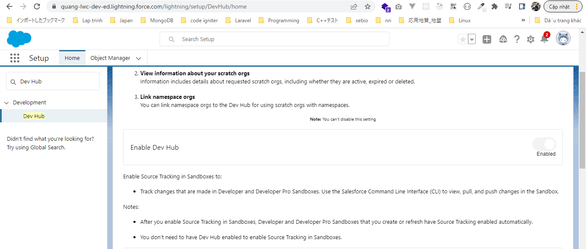
Đăng ký tài khoản salesfore
salesforce developer org
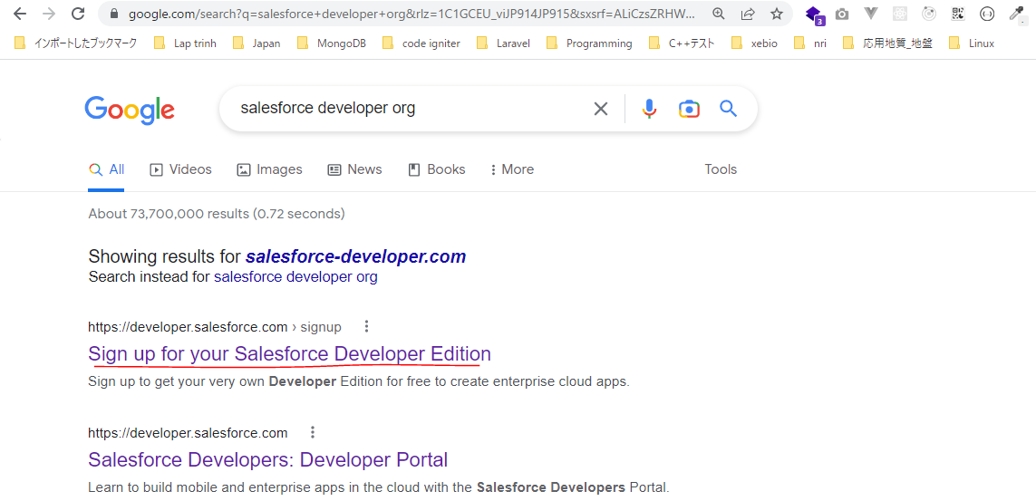

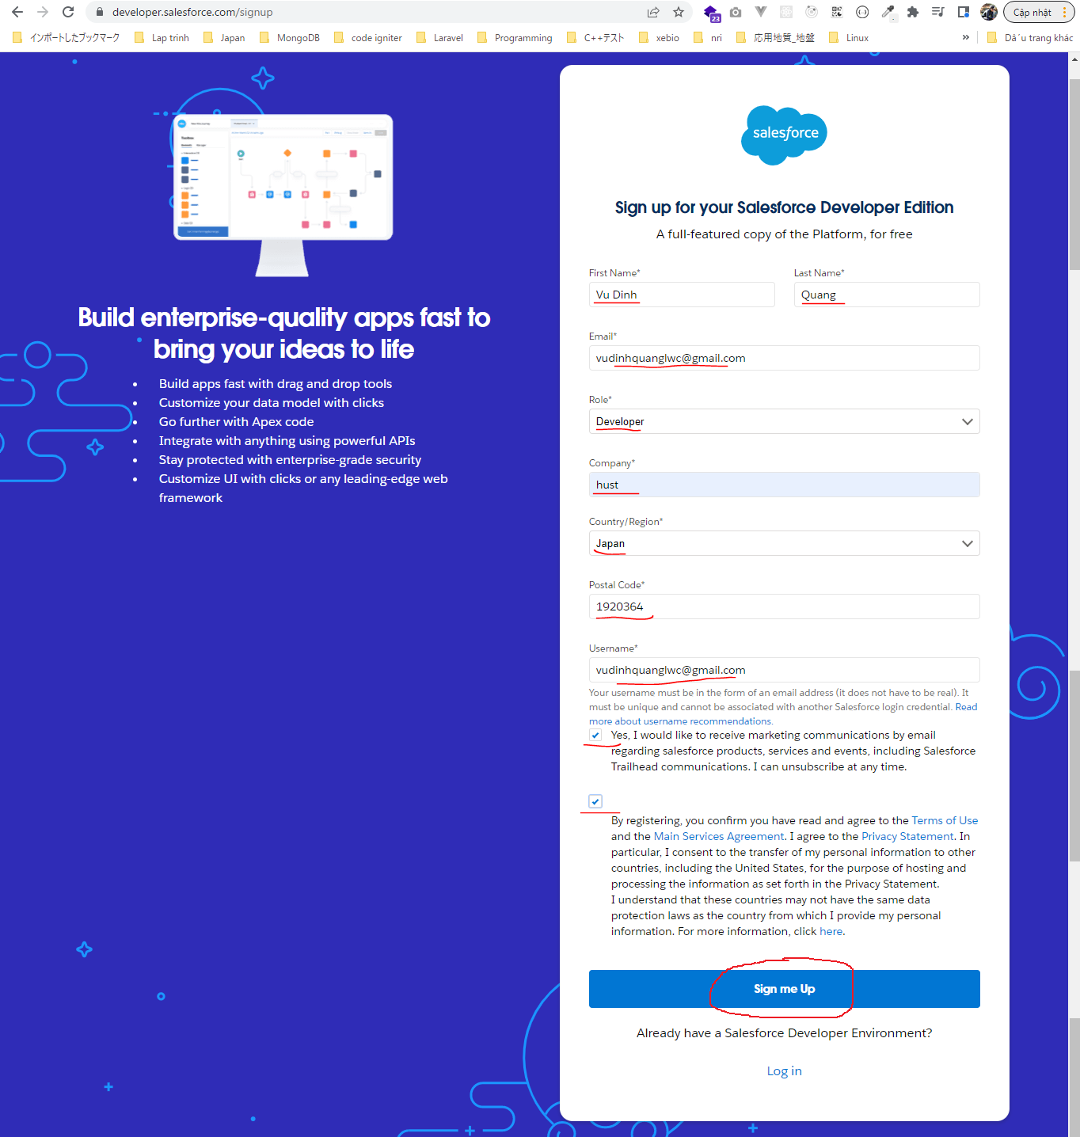

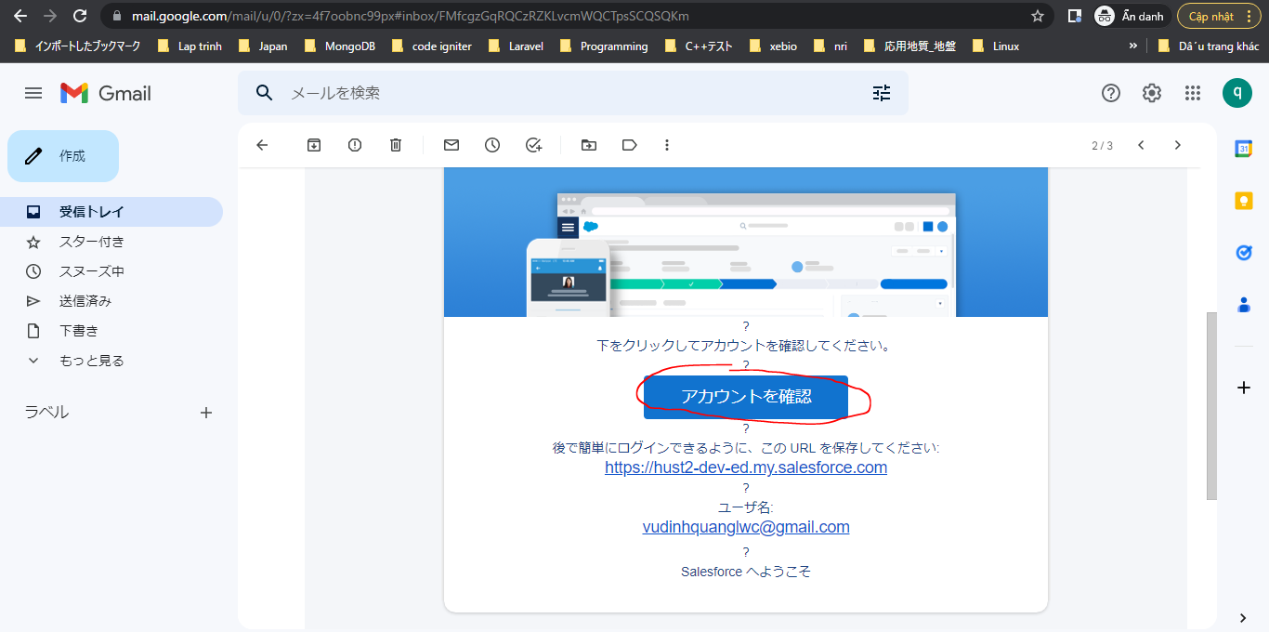

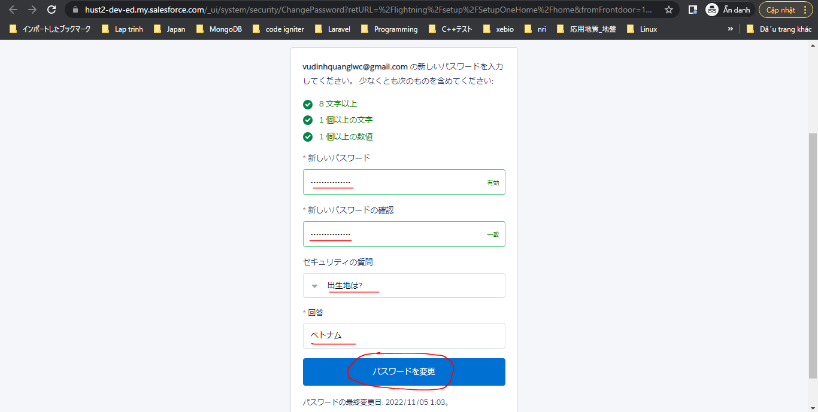

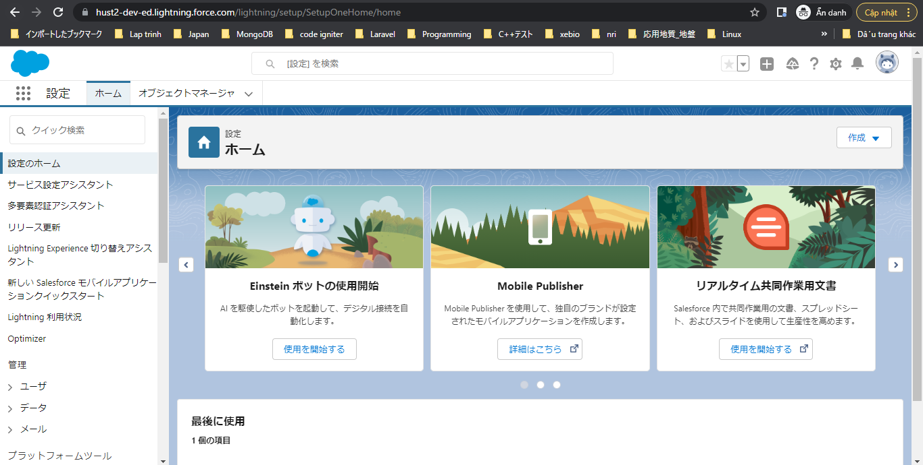

Set up domain
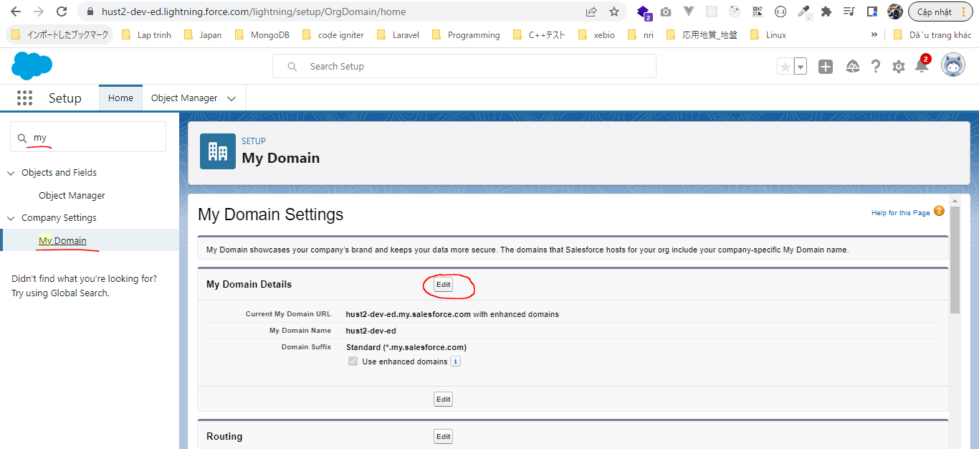

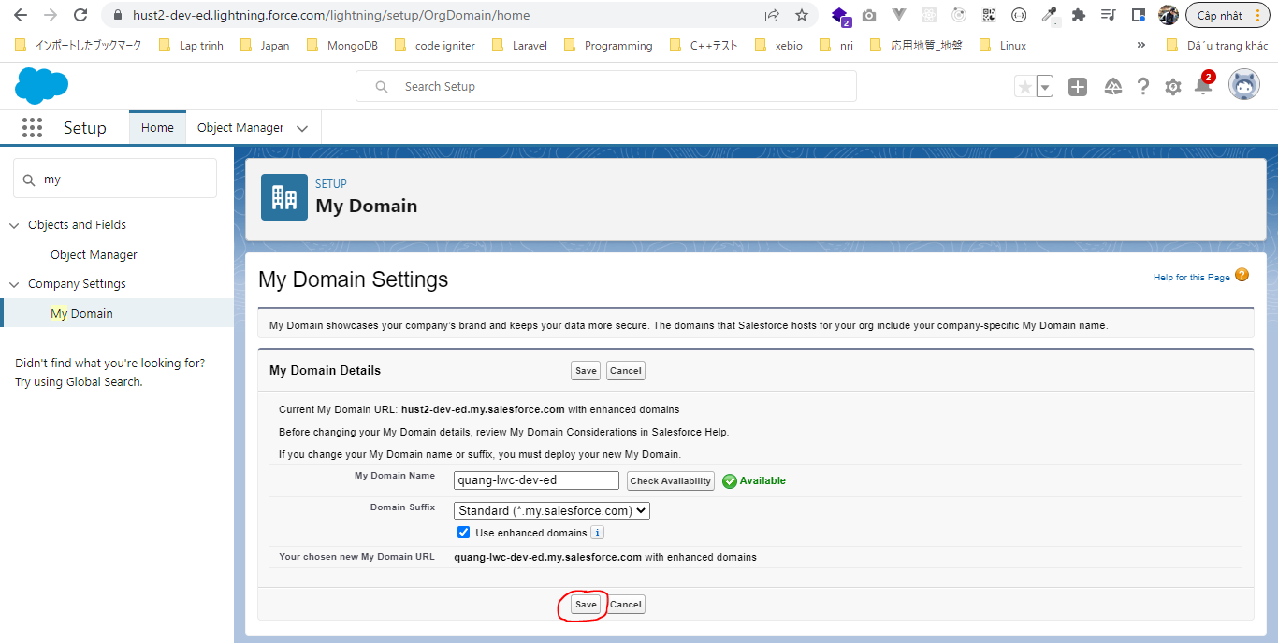

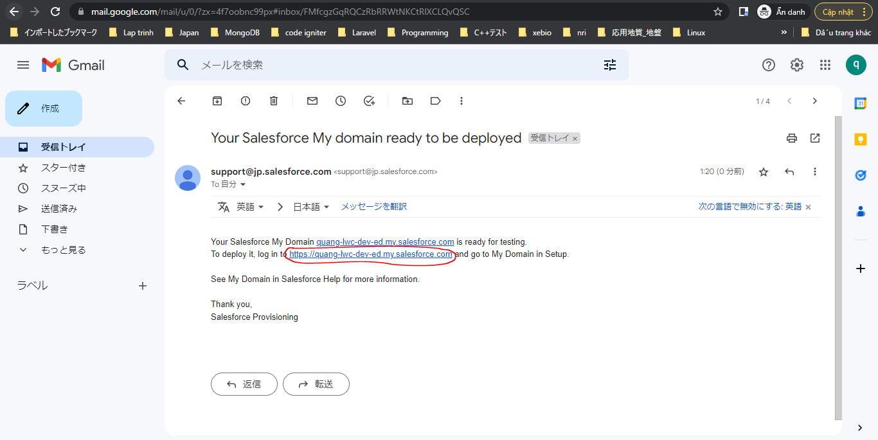

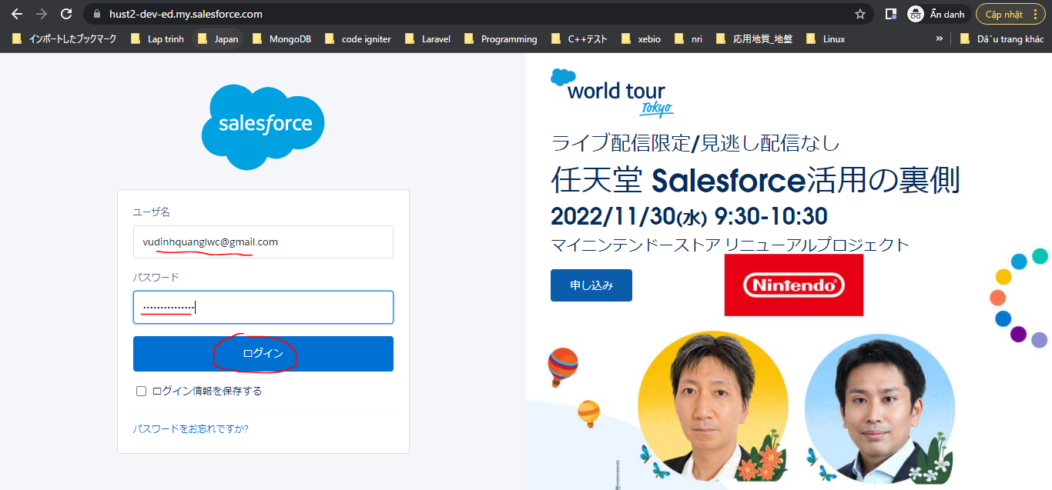

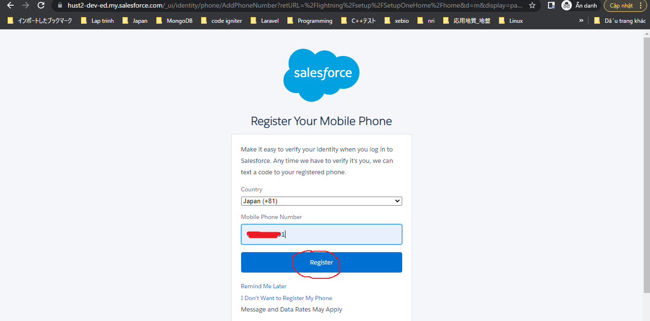

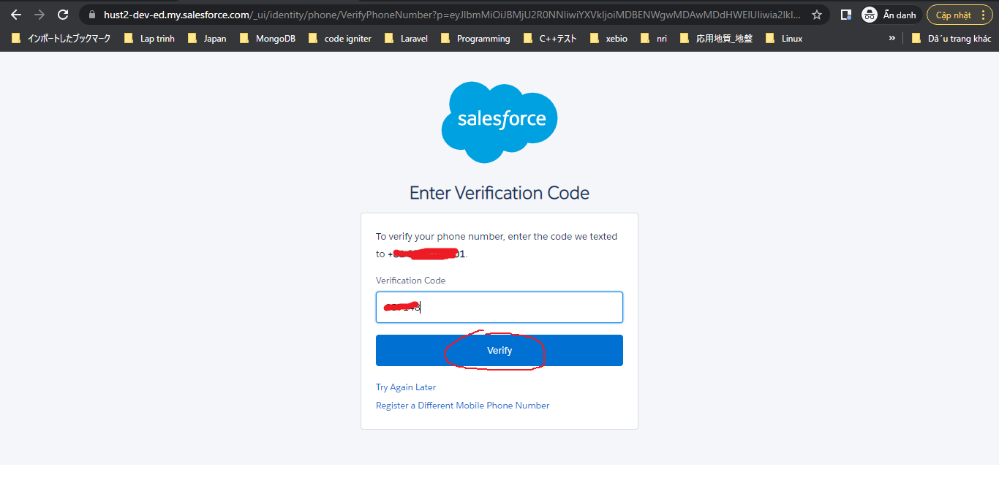

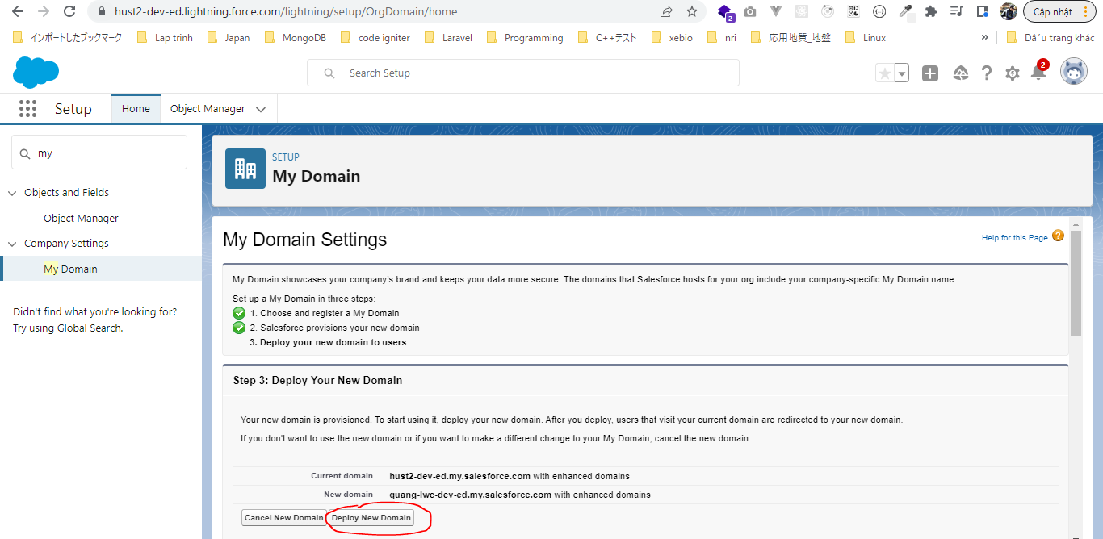

https://quang-lwc-dev-ed.lightning.force.com/lightning/setup/SetupOneHome/home
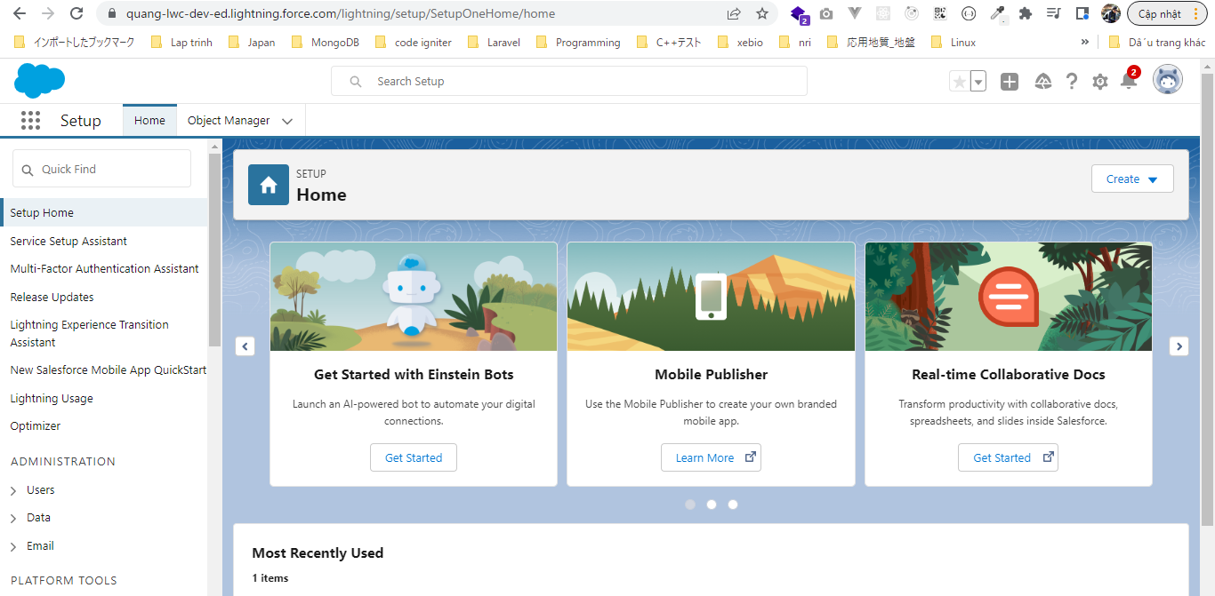

DevHub
Set up this org as DevHub org as well which is mandatory if we want to use sfdx approach to continue our development

Create Scratch Org
Create a new blank sfdx project
sfdx force:project:create -n "LWC"
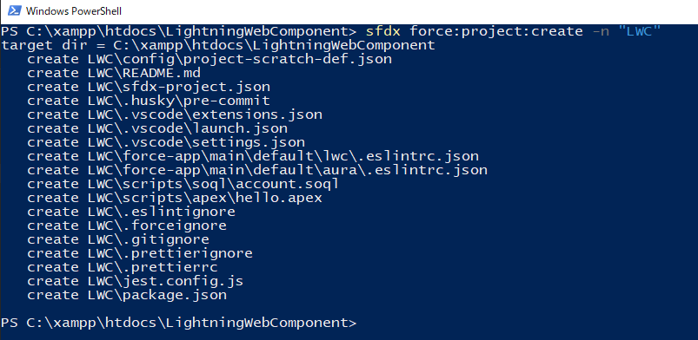

authorize
authorize our Dev Hub Org so that we can use our Dev Hub org for creation of Scratch Org and LWC development
Open LWC by VS Code
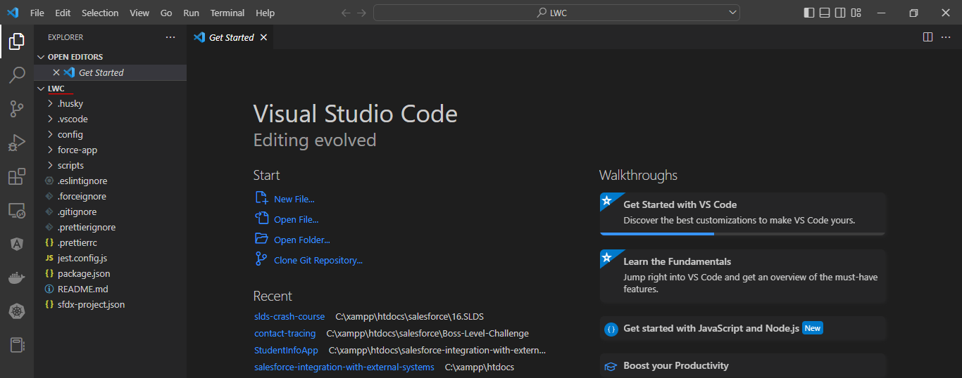

Auth
sfdx force:auth:web:login -a lwc -d
Giá trị của parameter a là tùy ý
-d: make this org as a default

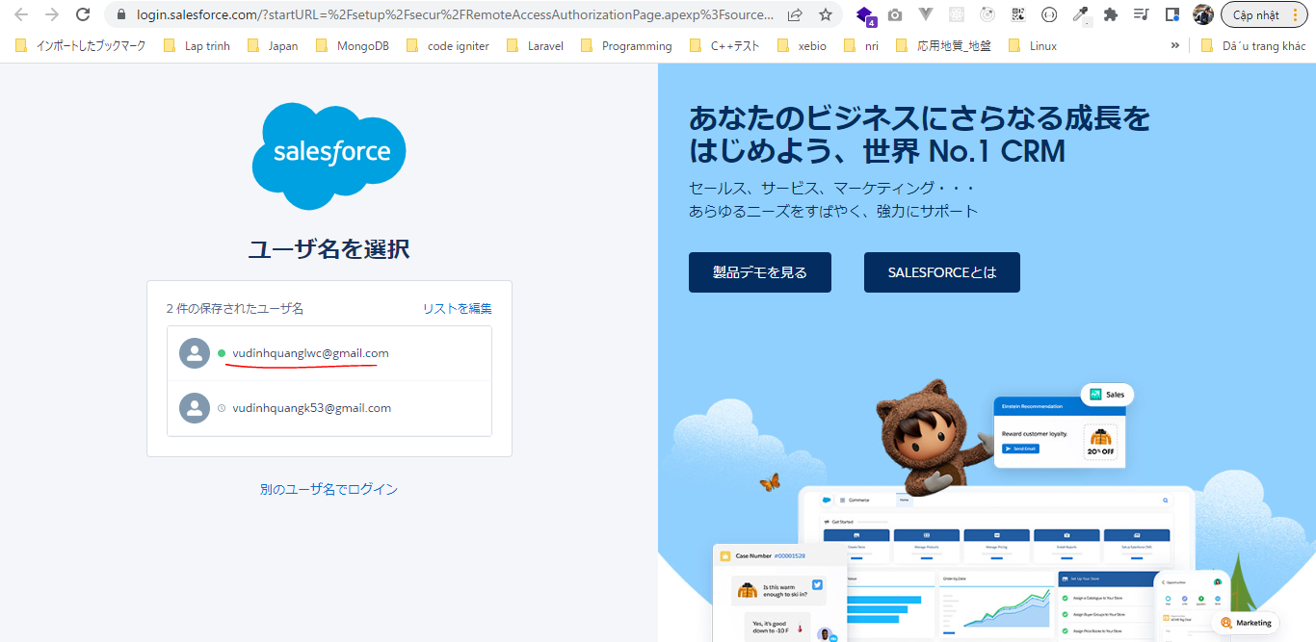

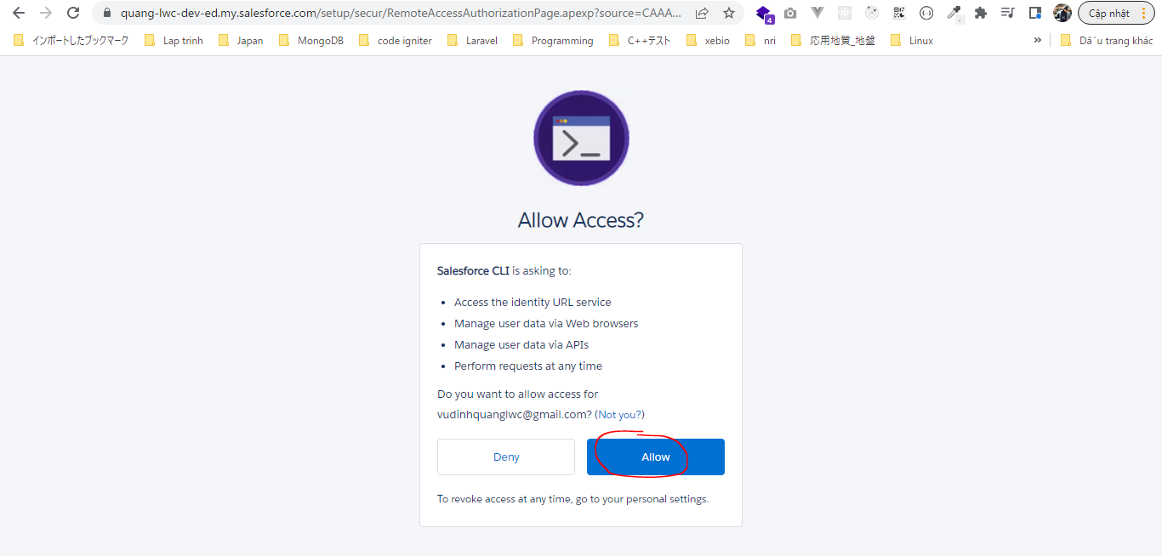

Can check sfdx-config.json file in LightningWebComponent\LWC\.sfdx\sfdx-config.json we can see the recently authorized DevHub name is lwc. This means that we have successfully
authorized our DevHub Org
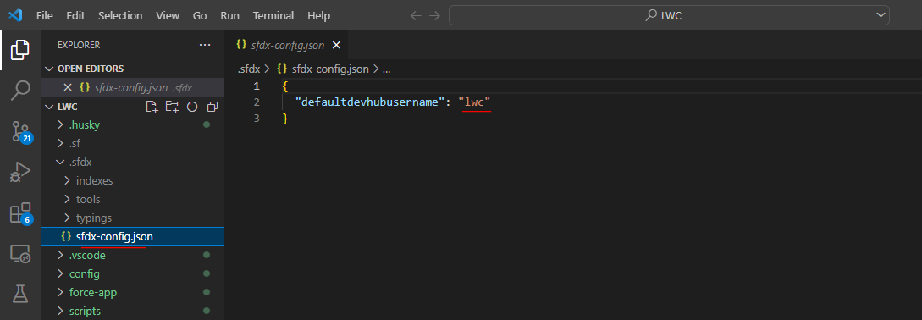

Create Scratch Org
LightningWebComponent\LWC\config\project-scratch-def.json
{
"orgName": "Demo company",
"edition": "Developer",
"features": ["EnableSetPasswordInApi"],
"hasSampleData": true, |  |  | → | I want my Scratch Org to keep all the simple data ready fo me so that i do not have to create the Accounts
"settings": { |  |  |  | and Opportunities and Contacts. All this sample data will be by default created for me
"lightningExperienceSettings": {
"enableS1DesktopEnabled": true
},
"mobileSettings": {
"enableS1EncryptedStoragePref2": false
}
}
}

sfdx force:org:create -a lwc -d 30 -f config/project-scratch-def.json -s
a: define alias for Scratch org is "lwc"
d: Define the number of days or the duration for my Scratch Org to be live, It could be a 1~30 days
f: Define the config file location for my org creation
s: To set this all as default org
org: 00D6D0000003Sl1UAE, username: test-vcpcezh1ywaj@example.com

Open Scratch Org
sfdx force:org:open

Wait then browser is opened
https://customer-java-2229-dev-ed.scratch.lightning.force.com/lightning/setup/SetupOneHome/home
Keep in mind that all the Scratch Org that they already have My Domain enabled by default. It could be anything so we do not have to specifically enable My Domain
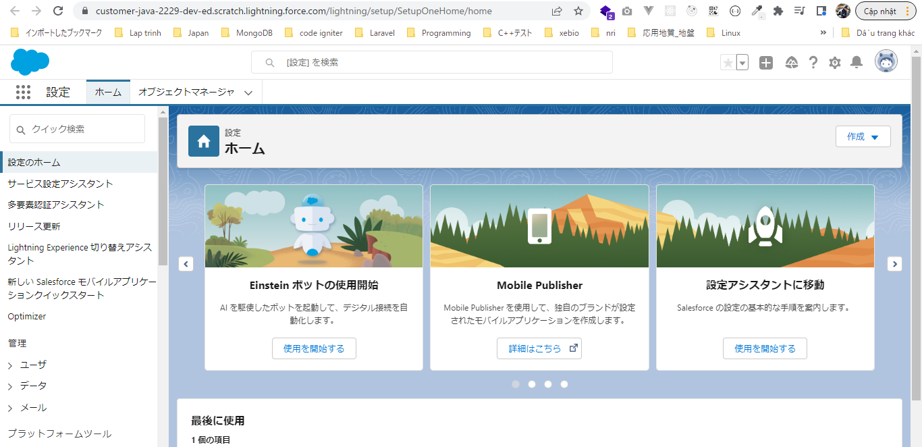

Check 個人情報
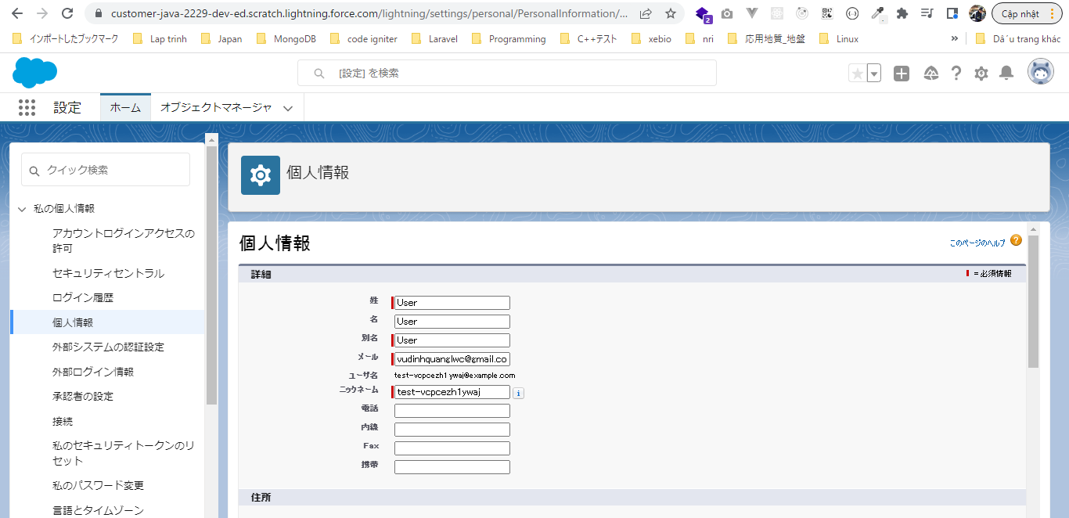

Check My Domain
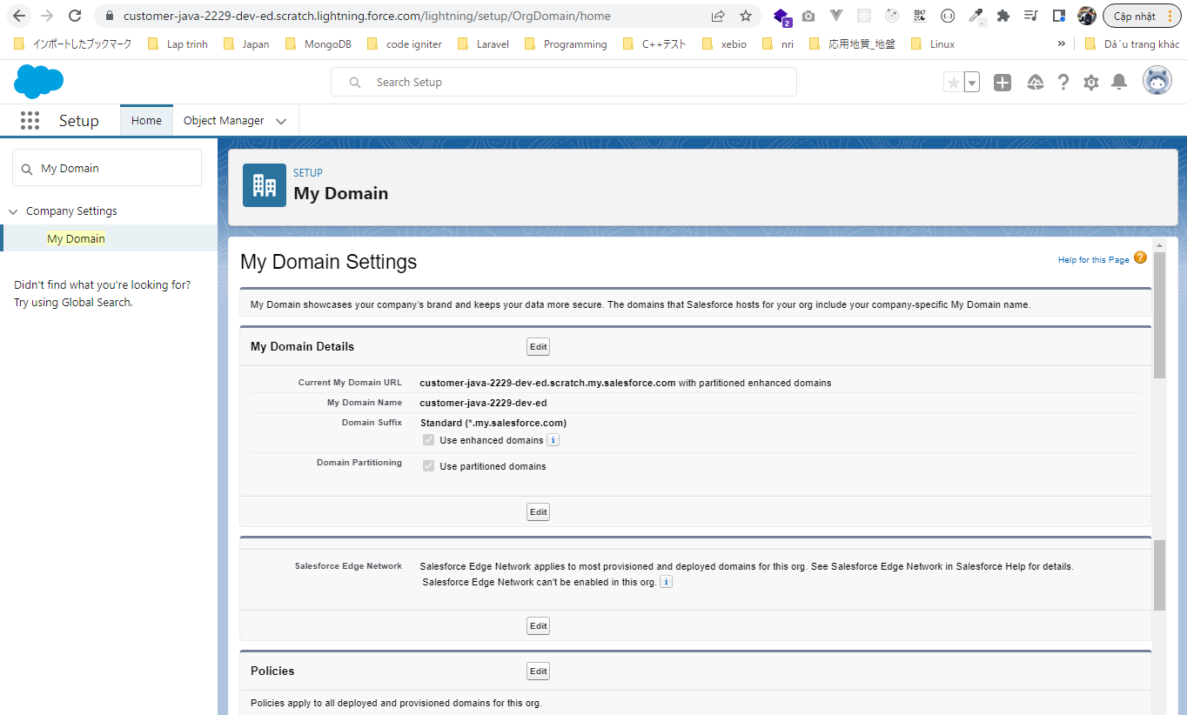

 | Can open by Palette
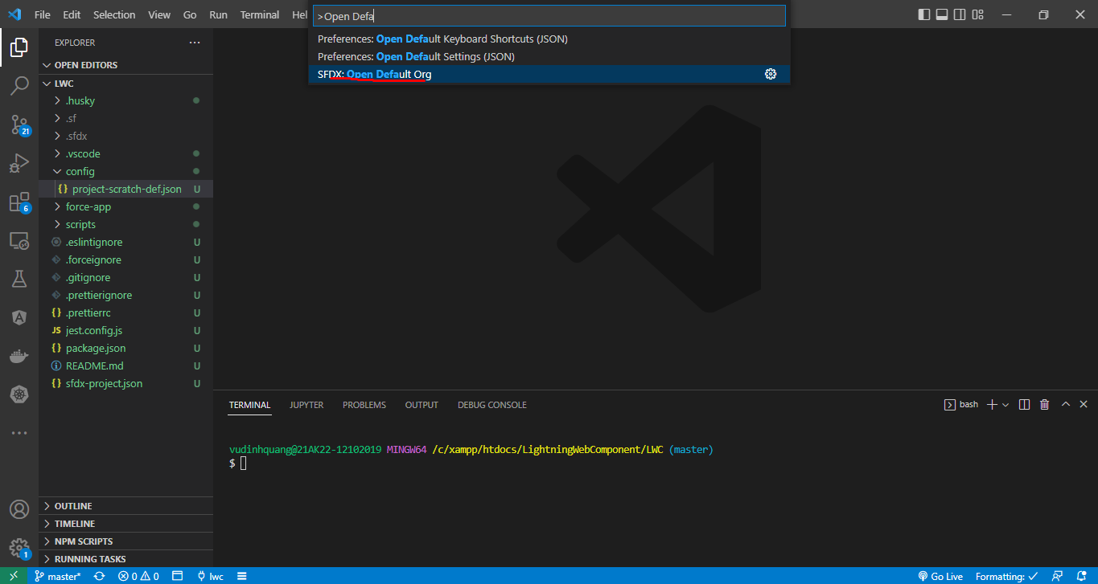

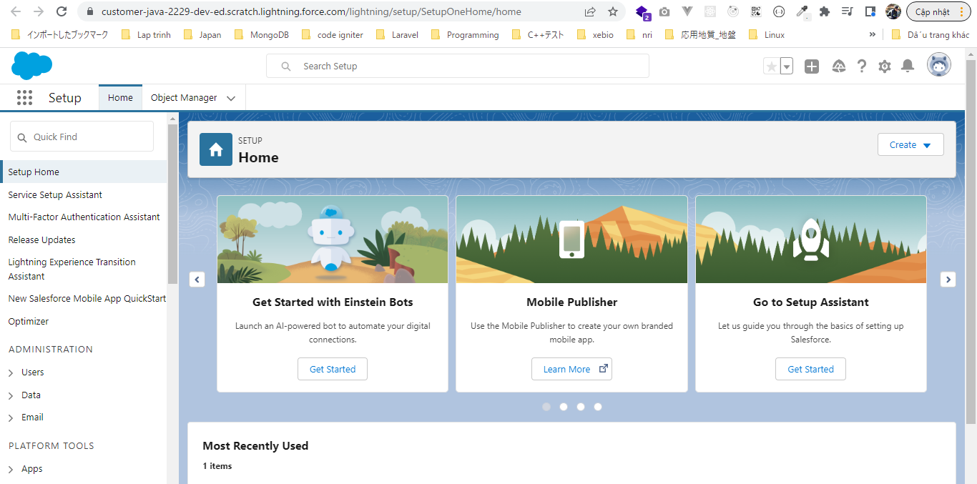

Set password same to developer org user(vudinhquanglwc@gmail.com user)
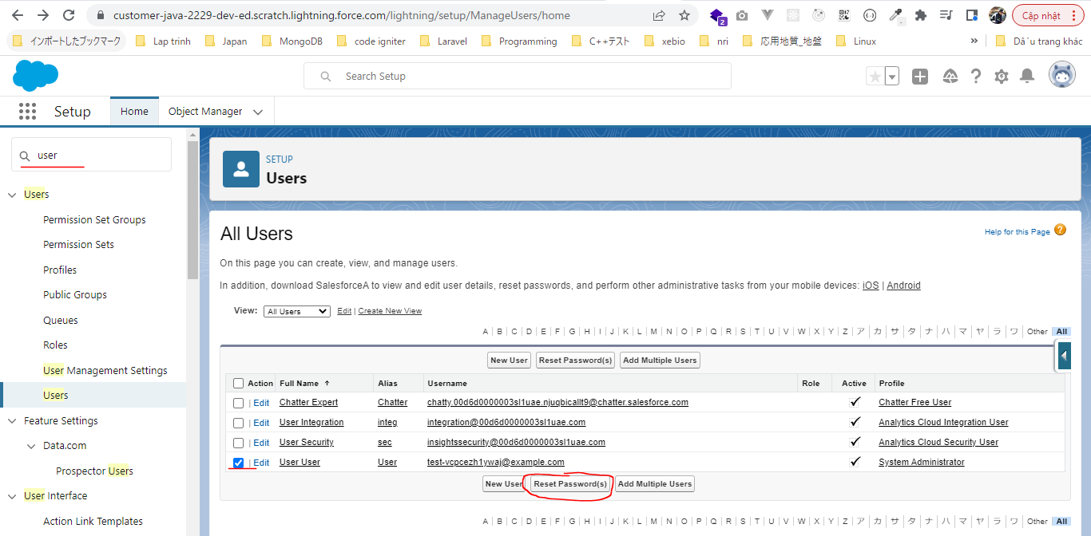

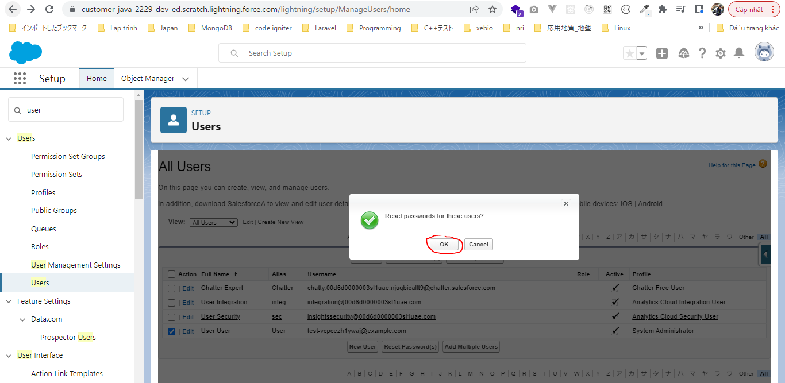

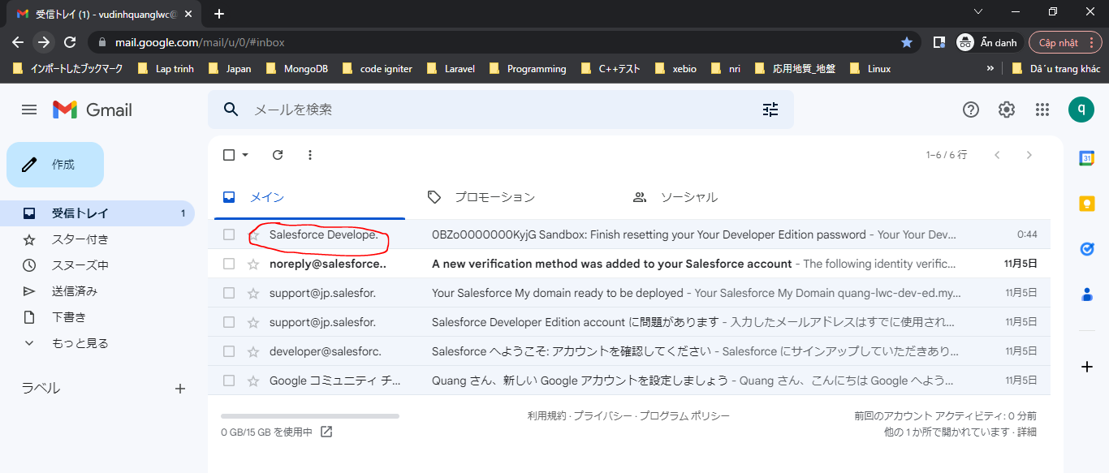

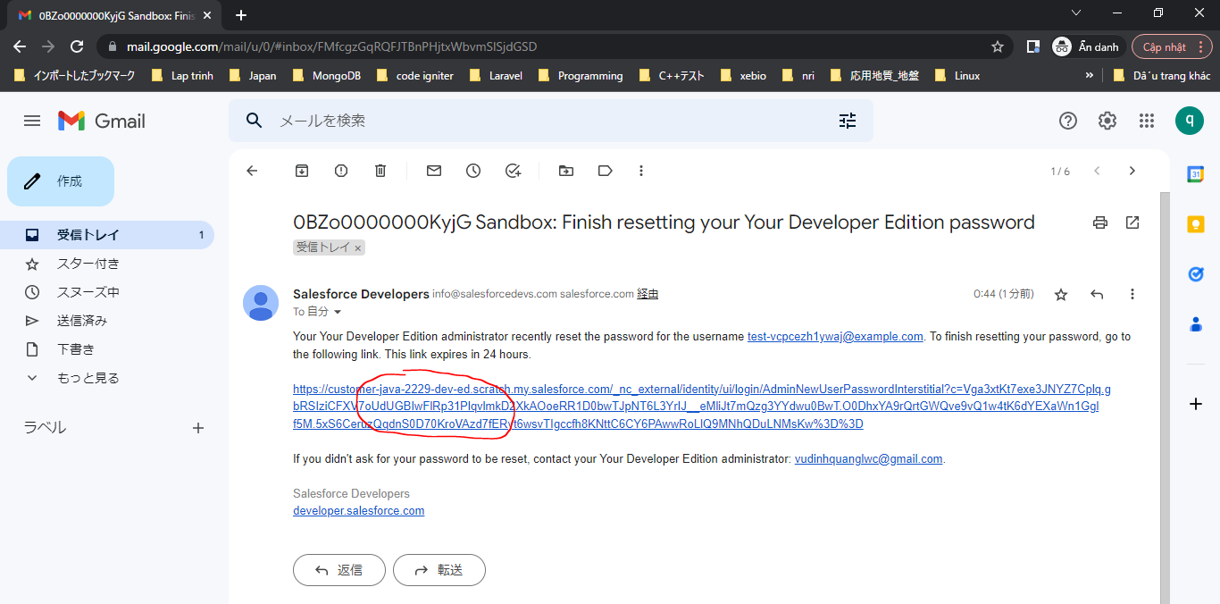

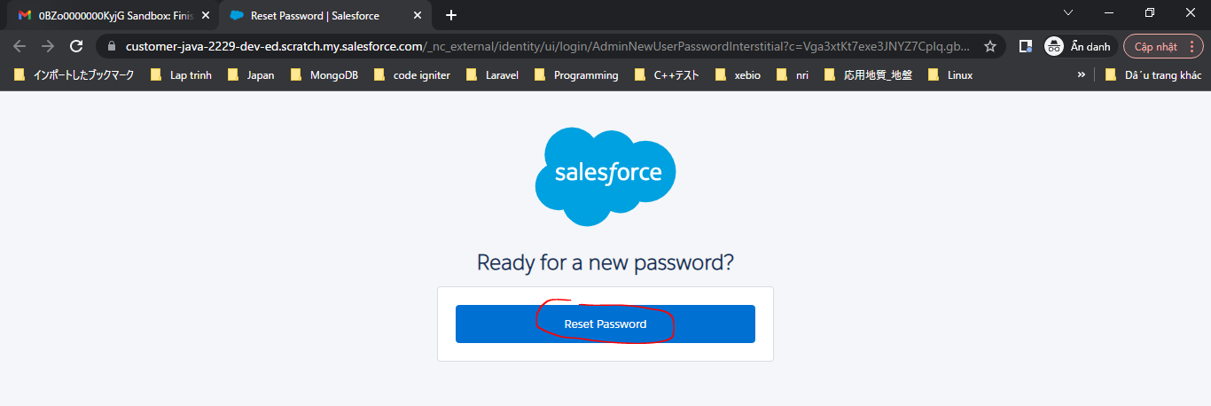

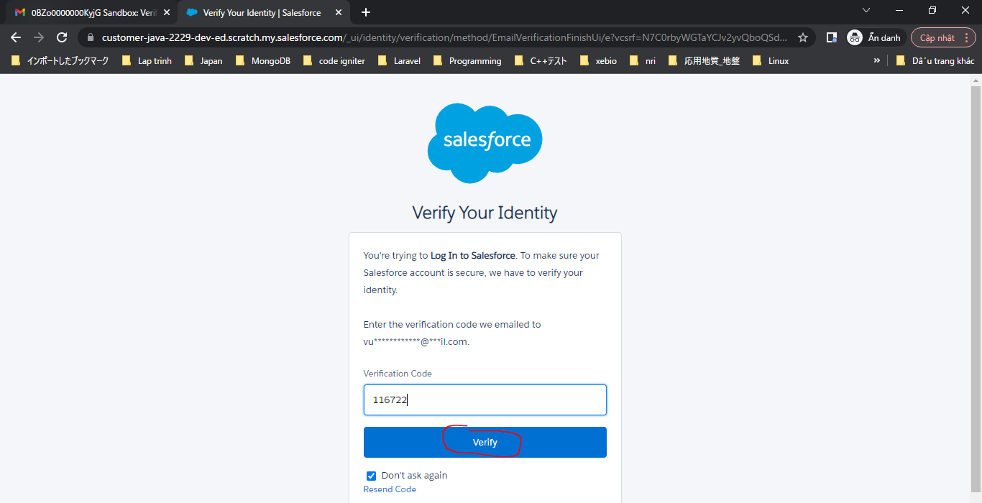

auth
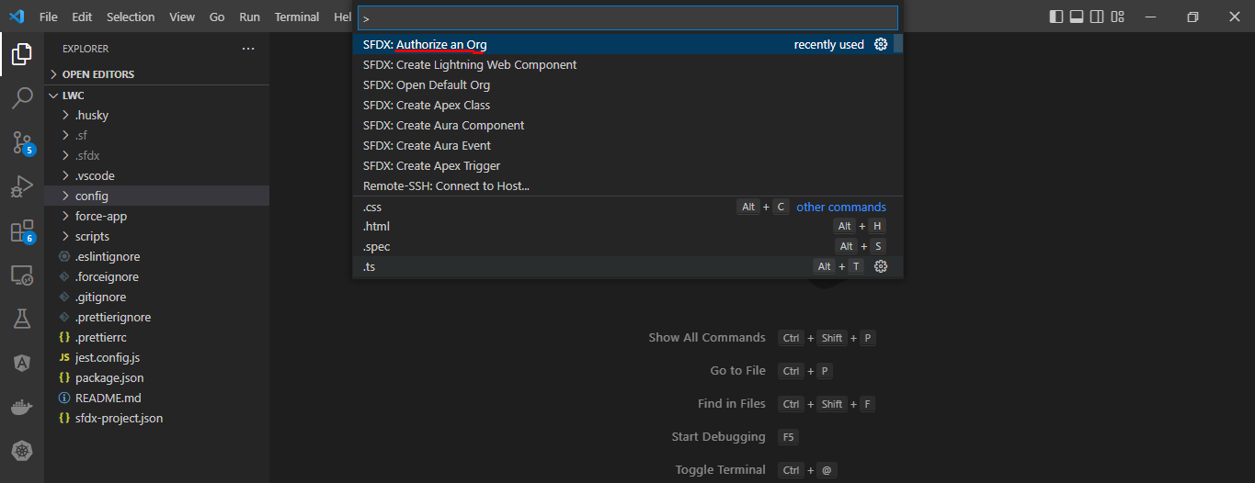

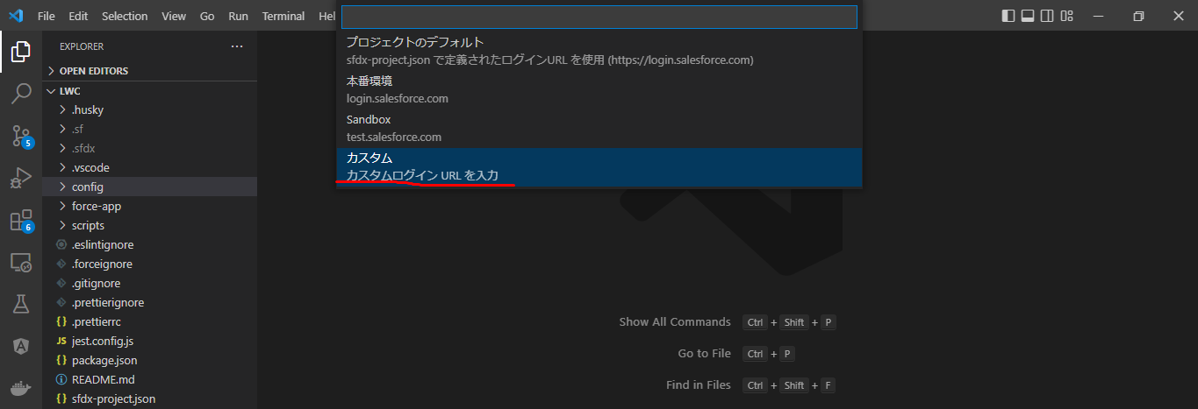

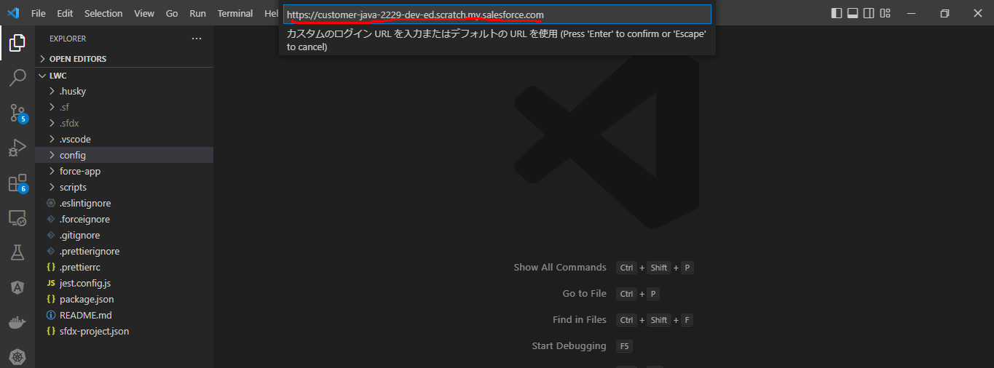

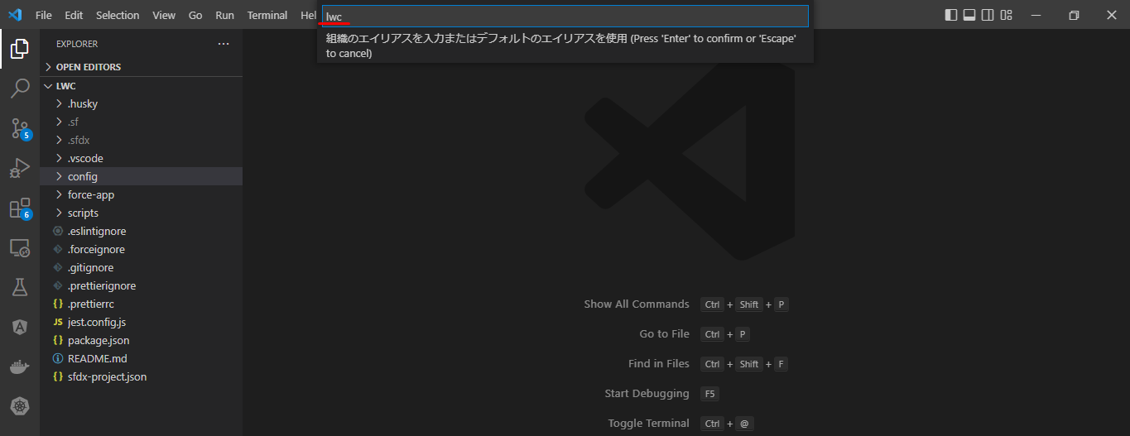

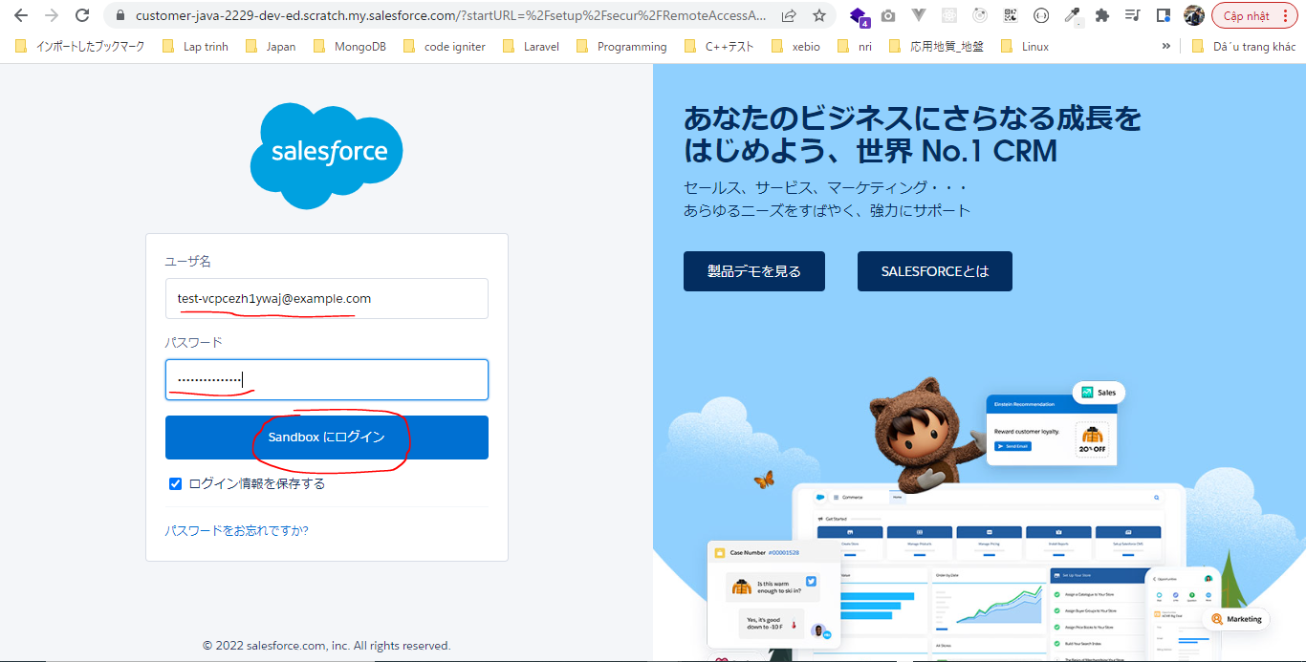

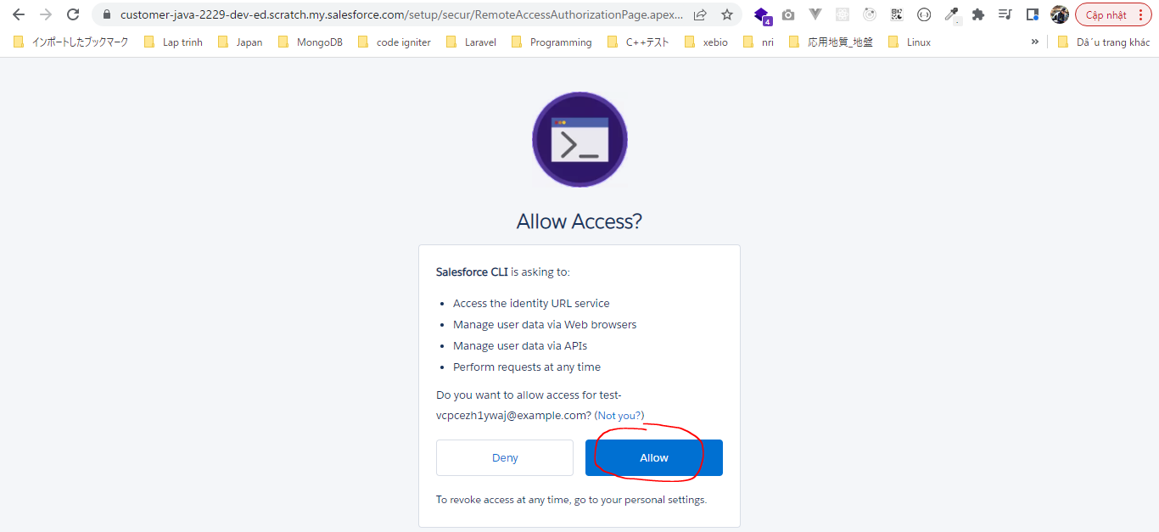

sfdx force:org:display
Instance Url |  | https://customer-java-2229-dev-ed.scratch.my.salesforce.com
Username |  | test-vcpcezh1ywaj@example.com

Explore Salesforce CLI Commands
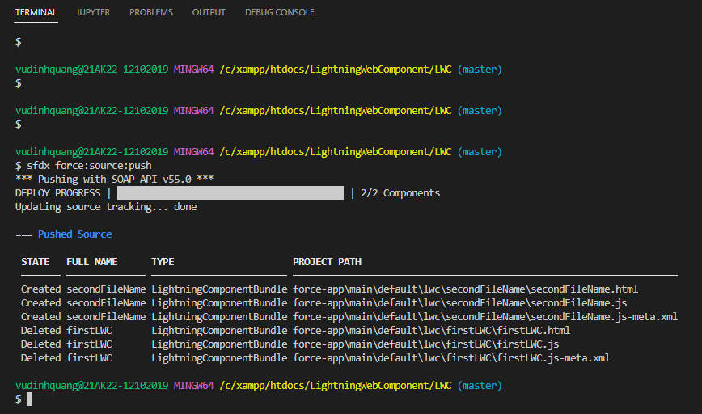
構成
 | LightningWebComponent
 |  | LWC
 |  |  | force-app
 |  |  |  | main
 |  |  |  |  | classes
 |  |  |  |  |  | abcd.cls |  | → | Create new apex class
 |  |  |  |  | lwc
 |  |  |  |  |  | secondFileName |  | → | Create new LWC

 | List all commands
 | sfdx commands
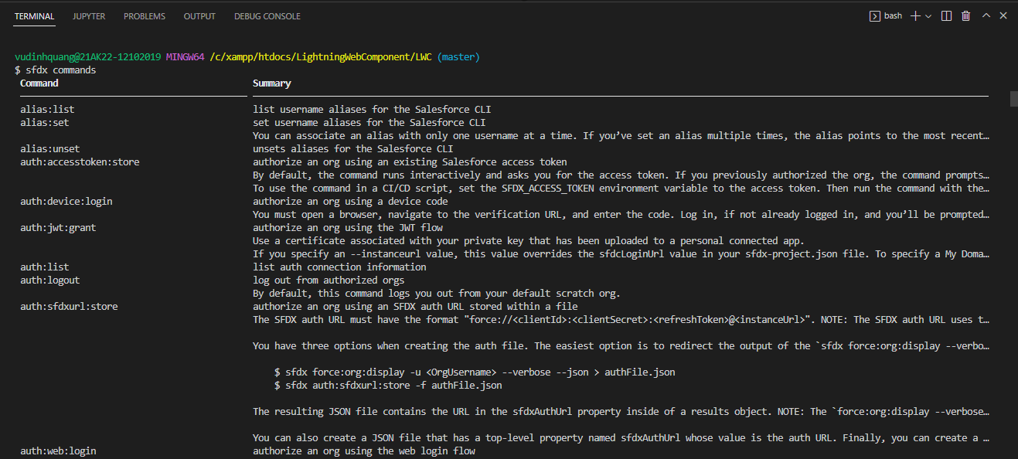

 |  | Example
 |  |  | force:apex:execute |  |  |  | → | Base on how long our command is it can have multiple topic and sub topics then in the end the last word wuold be
 |  |  | force: Namesapce |  |  |  |  | the method or the command itself
 |  |  | apex: topic
 |  |  | execute: the command or method
 |  |  | force:apex:class:create
 |  |  | class: sub topic
 |  |  | create: the command or method

 | Get the list of all the options and parameters avaiable to use
 | sfdx force:lightning:component:create --help
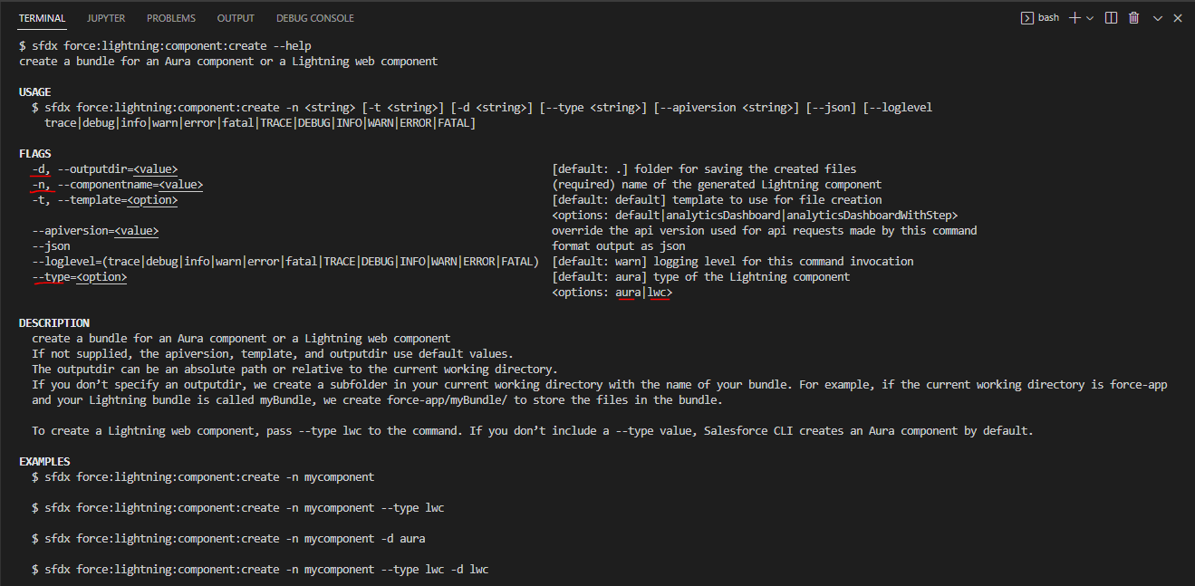

 | Create new Lightning Web Component
 | sfdx force:lightning:component:create -n firstLWC --type lwc -d force-app/main/default/lwc
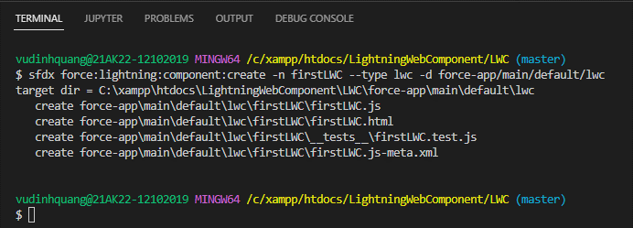

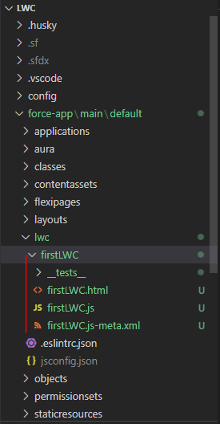

 | Create apex class
 | sfdx force:apex:class:create -n abcd -t DefaultApexClass -d force-app/main/default/classes
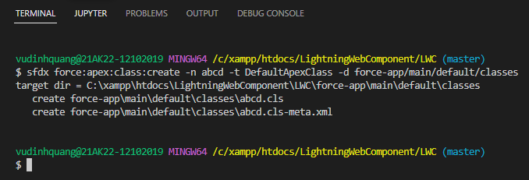

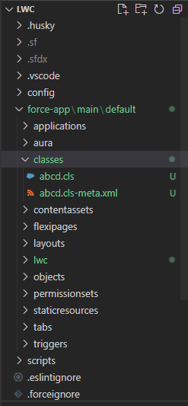

 | Push all our local metadata to our scratch org
 | sfdx force:source:push
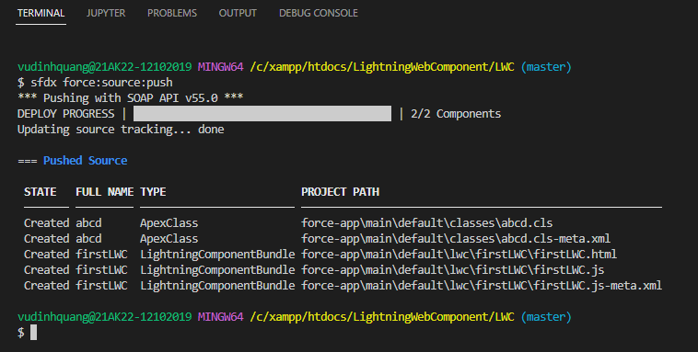

 | Create Lightning Web Component by Palette command
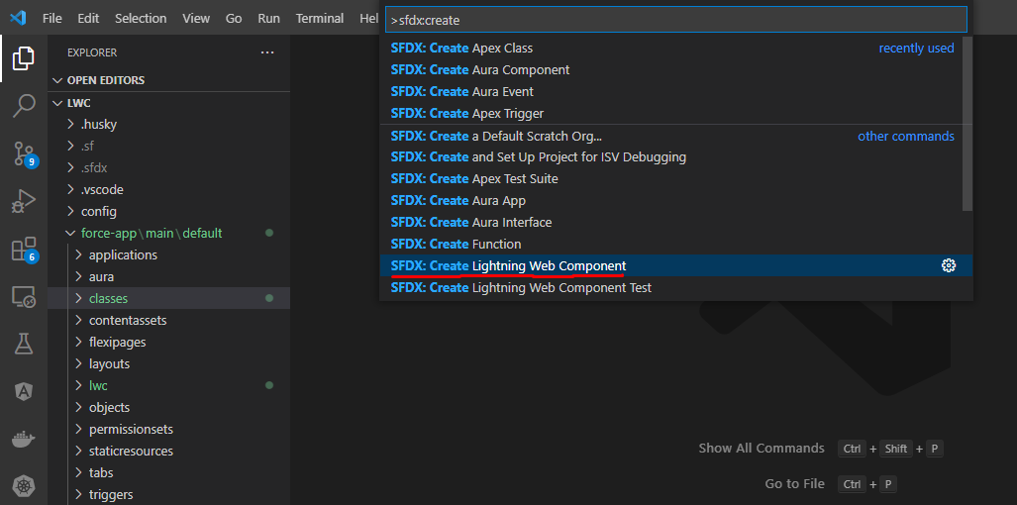

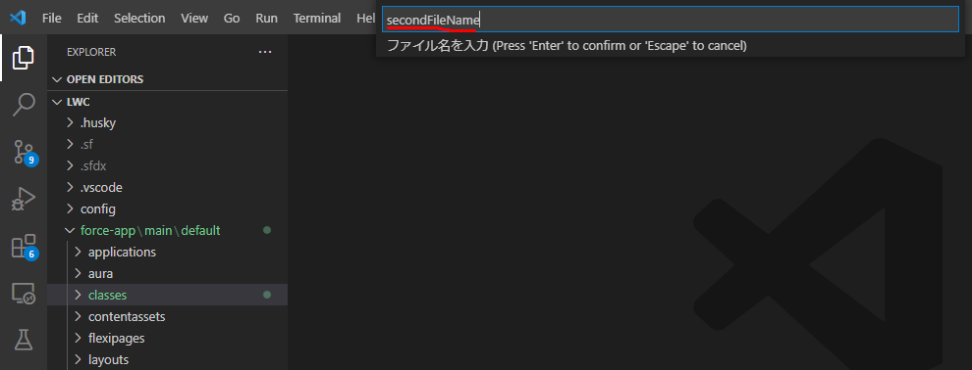

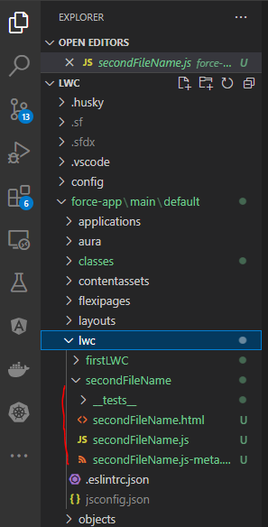

 | Delete firstLWC
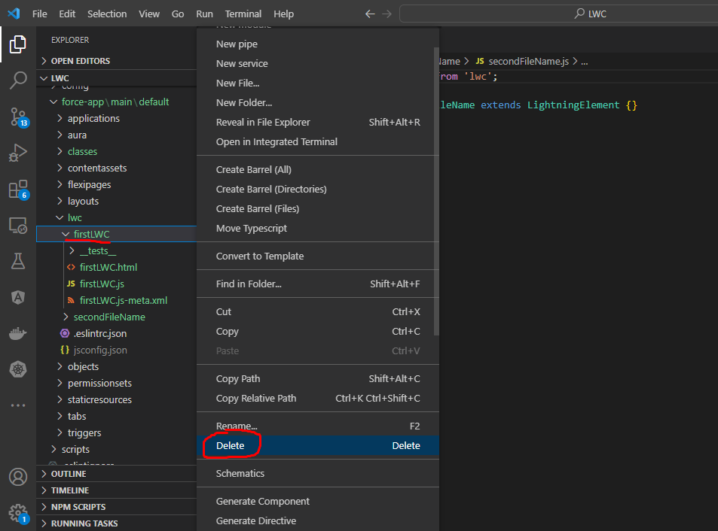

 |  | sfdx force:source:push

