Using Slots
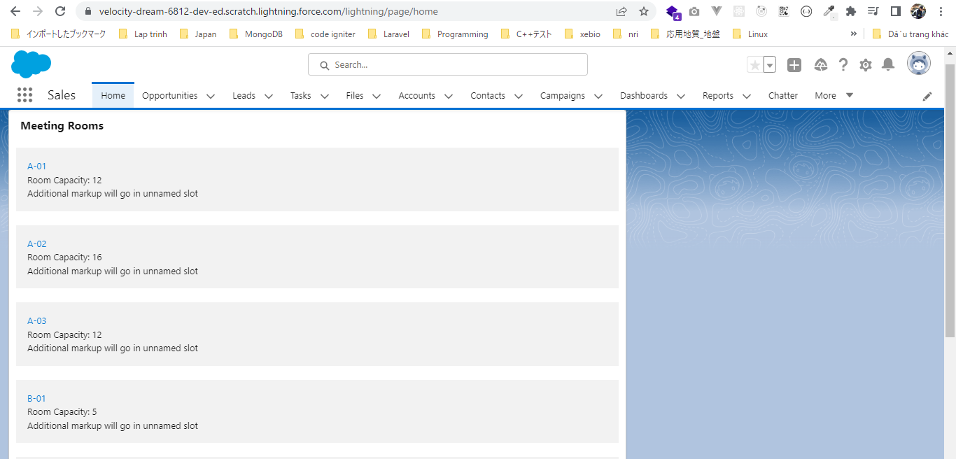
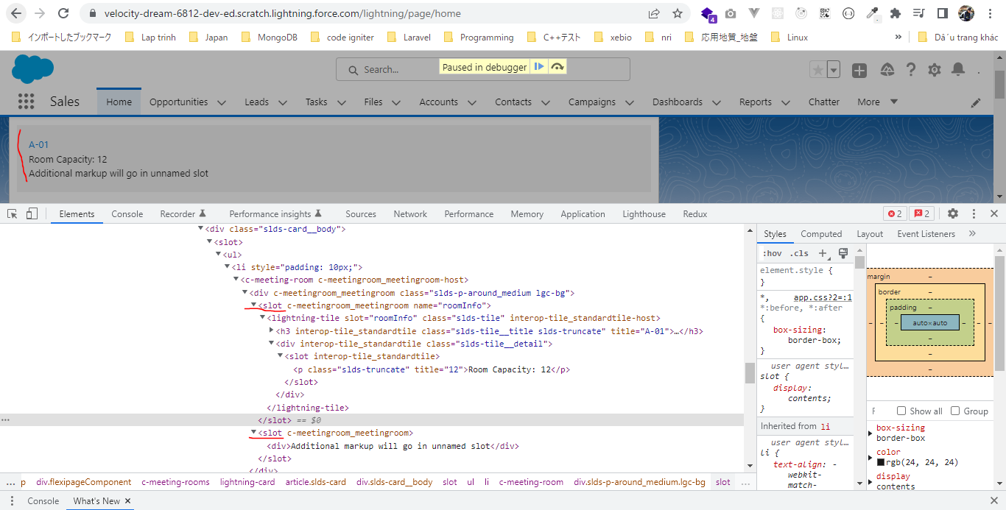
 | We can pass markup from our parent component to the child component by slot
 | There are 2 kinds of slots. One is the name slot where we need to define a name or we need to give a name to slot. And the second one is unamed slot, unamed slot can be zero or maximum 1 in
 | our component. It can not do more than one where we can have as many name slot as we want

構成
 | LightningWebComponent
 |  | LWC
 |  |  | force-app
 |  |  |  | main
 |  |  |  |  | classes
 |  |  |  |  |  | abcd.cls
 |  |  |  |  | lwc
 |  |  |  |  |  | bmiCalculator
 |  |  |  |  |  |  | bmiCalculator.html
 |  |  |  |  |  |  | bmiCalculator.js
 |  |  |  |  |  |  | bmiCalculator.js-meta.xml
 |  |  |  |  |  | conditionalRenderingExample
 |  |  |  |  |  |  | conditionalRenderingExample.html
 |  |  |  |  |  |  | conditionalRenderingExample.js
 |  |  |  |  |  |  | conditionalRenderingExample.js-meta.xml
 |  |  |  |  |  | helloWorld
 |  |  |  |  |  |  | helloWorld.css
 |  |  |  |  |  |  | helloWorld.html
 |  |  |  |  |  |  | helloWorld.js
 |  |  |  |  |  |  | helloWorld.js-meta.xml
 |  |  |  |  |  | meetingRoom
 |  |  |  |  |  |  | meetingRoom.css
 |  |  |  |  |  |  | meetingRoom.html |  |  | → | code
 |  |  |  |  |  |  | meetingRoom.js |  |  | → | code
 |  |  |  |  |  | meetingRooms
 |  |  |  |  |  |  | meetingRooms.html |  |  | → | code
 |  |  |  |  |  |  | meetingRooms.js
 |  |  |  |  |  | secondFileName
 |  |  |  |  |  | simpleCalculator
 |  |  |  |  |  |  | simpleCalculator.html
 |  |  |  |  |  |  | simpleCalculator.js
 |  |  |  |  |  |  | simpleCalculator.js-meta.xml

LightningWebComponent\LWC\force-app\main\default\lwc\meetingRoom\meetingRoom.html
 | <template>
 | <template if:true={showRoomInfo}>
 | <div class="slds-p-around_medium lgc-bg">
 | <slot name="roomInfo"></slot> |  |  |  |  | → | This is name slot because I have given it a name as roomInfo
 | <slot></slot> |  |  |  |  | → | unamed slot
 | </div>
 | </template>
 | </template>

LightningWebComponent\LWC\force-app\main\default\lwc\meetingRoom\meetingRoom.js
 | import { LightningElement, api } from 'lwc';

 | export default class MeetingRoom extends LightningElement {

 | @api showRoomInfo = false;
 | }

LightningWebComponent\LWC\force-app\main\default\lwc\meetingRooms\meetingRooms.html
 | <template>
 | <lightning-card title="Meeting Rooms">
 | <ul>
 | <template for:each={meetingRoomsInfo} for:item="room">
 | <li key={room.roomName} style="padding: 10px">
 | <c-meeting-room show-room-info>
 | <lightning-tile label={room.roomName} slot="roomInfo"> |  |  |  |  |  |  | → | pass this lightning-tile from parent component to to child component where marked by name spot
 | <p class="slds-truncate" title={room.roomCapacity}>Room Capacity:
 | {room.roomCapacity}</p>
 | </lightning-tile>
 | <div>Additional markup will go in unnamed slot</div> |  |  |  |  |  |  | → | pass as unamed slot, to supply mark to unnamed slot we do not have to use the slot attribute
 | </c-meeting-room>
 | </li>
 | </template>
 | </ul>
 | </lightning-card>
 | </template>

Public Methods
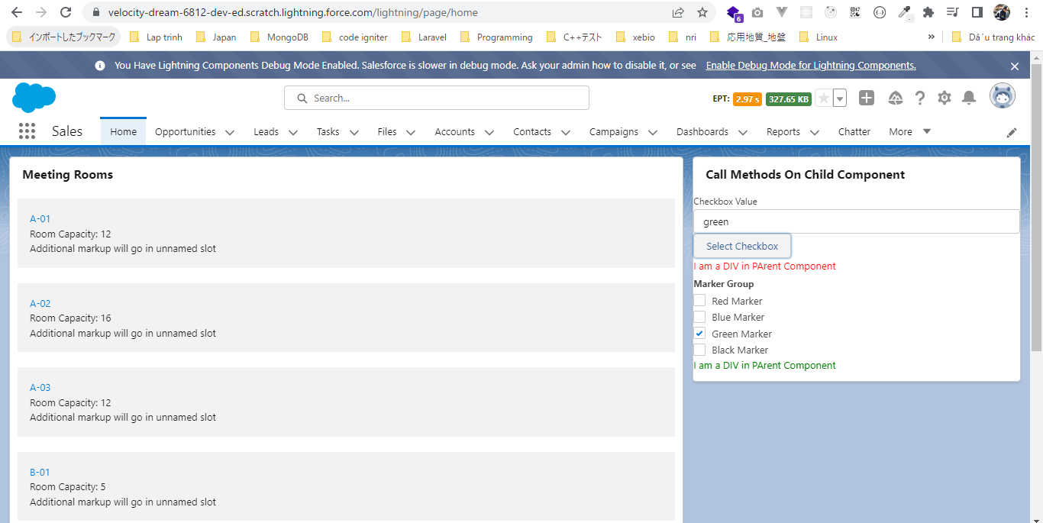
 | In this part we are going to see how we can call the method on child component from the parent component. How to allow a method to be called from parent component.
 | To understand this we are going to build a simple example where we are going to check the check boxes in the child component dynamically from the parent component

 | https://developer.salesforce.com/docs/component-library/bundle/lightning-checkbox-group/example
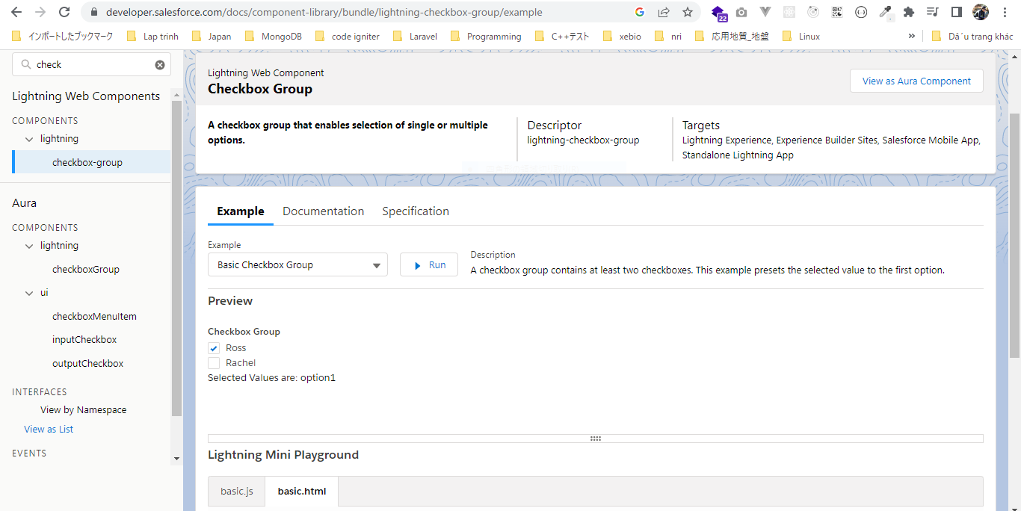

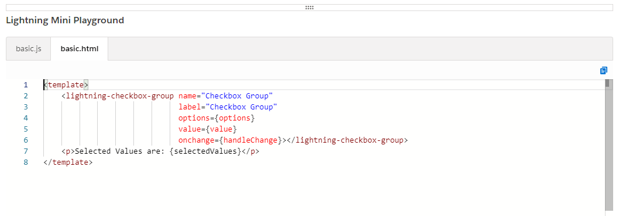

構成
 | LightningWebComponent
 |  | LWC
 |  |  | force-app
 |  |  |  | main
 |  |  |  |  | classes
 |  |  |  |  |  | abcd.cls
 |  |  |  |  | lwc
 |  |  |  |  |  | bmiCalculator
 |  |  |  |  |  |  | bmiCalculator.html
 |  |  |  |  |  |  | bmiCalculator.js
 |  |  |  |  |  |  | bmiCalculator.js-meta.xml
 |  |  |  |  |  | conditionalRenderingExample
 |  |  |  |  |  |  | conditionalRenderingExample.html
 |  |  |  |  |  |  | conditionalRenderingExample.js
 |  |  |  |  |  |  | conditionalRenderingExample.js-meta.xml
 |  |  |  |  |  | helloWorld
 |  |  |  |  |  |  | helloWorld.css
 |  |  |  |  |  |  | helloWorld.html
 |  |  |  |  |  |  | helloWorld.js
 |  |  |  |  |  |  | helloWorld.js-meta.xml
 |  |  |  |  |  | meetingRoom
 |  |  |  |  |  |  | meetingRoom.css
 |  |  |  |  |  |  | meetingRoom.html
 |  |  |  |  |  |  | meetingRoom.js
 |  |  |  |  |  | meetingRooms
 |  |  |  |  |  |  | meetingRooms.html
 |  |  |  |  |  |  | meetingRooms.js
 |  |  |  |  |  | publicMethodChild |  |  |  |  |  | → | new
 |  |  |  |  |  |  | publicMethodChild.html
 |  |  |  |  |  |  | publicMethodChild.js
 |  |  |  |  |  |  | publicMethodChild.js-meta.xml
 |  |  |  |  |  | publicMethodParent |  |  |  |  |  | → | new
 |  |  |  |  |  |  | publicMethodParent.html
 |  |  |  |  |  |  | publicMethodParent.js
 |  |  |  |  |  |  | publicMethodParent.js-meta.xml
 |  |  |  |  |  | secondFileName
 |  |  |  |  |  | simpleCalculator
 |  |  |  |  |  |  | simpleCalculator.html
 |  |  |  |  |  |  | simpleCalculator.js
 |  |  |  |  |  |  | simpleCalculator.js-meta.xml

LightningWebComponent\LWC\force-app\main\default\lwc\publicMethodChild\publicMethodChild.html
 | <template>
 | <lightning-checkbox-group name="Checkbox Group"
 | label="Marker Group"
 | options={options}
 | value={value}></lightning-checkbox-group>

 | </template>

LightningWebComponent\LWC\force-app\main\default\lwc\publicMethodChild\publicMethodChild.js
 | import { LightningElement, track, api } from 'lwc';

 | export default class PublicMethodChild extends LightningElement {
 | @track value = ['red']; |  |  |  |  |  |  | → | Give the default selected as "red"

 | options = [ |  |  |  |  |  |  | → | we do not decorate it with @track because we are not expecting our options value to change. So this is private non-reactive
 | { label: 'Red Marker', value: 'red' }, |  |  |  |  |  |  |  | properties where the value would be the private reactive property
 | { label: 'Blue Marker', value: 'blue' },
 | { label: 'Green Marker', value: 'green' },
 | { label: 'Black Marker', value: 'black' },
 | ];

 | @api |  |  |  |  |  |  | → | Make sure that we declare that particular method as a public method. That means similar to the public properties we
 | selectCheckbox(checkboxValue){ |  |  |  |  |  |  |  | need to decorate our method with @api decorator. This checkboxValue is supplied from parent
 | const selectedCheckbox = this.options.find( checkbox =>{
 | return checkboxValue === checkbox.value;
 | })

 | if(selectedCheckbox){ |  |  |  |  |  |  | → | check selectedCheckbox is undefined or not. Because if there is no match found in this selected checkbox would be undefined
 | this.value = selectedCheckbox.value; |  |  |  |  |  |  |  | If selectedCheckbox found then we check that particular check in particular Component
 | return "Successfully checked";
 | }
 | return "No checkbox found";

 | }
 | }

LightningWebComponent\LWC\force-app\main\default\lwc\publicMethodChild\publicMethodChild.js-meta.xml
 | <?xml version="1.0" encoding="UTF-8"?>
 | <LightningComponentBundle xmlns="http://soap.sforce.com/2006/04/metadata">
 | <apiVersion>55.0</apiVersion>
 | <isExposed>true</isExposed>
 | <targets>
 | <target>lightning__RecordPage</target>
 | <target>lightning__AppPage</target>
 | <target>lightning__HomePage</target>
 | </targets>
 | </LightningComponentBundle>

LightningWebComponent\LWC\force-app\main\default\lwc\publicMethodParent\publicMethodParent.html
 | <template>
 | <lightning-card title="Call Methods On Child Component">
 | <lightning-input value={value} label="Checkbox Value" onchange={onInputChangeHandler}></lightning-input> |  |  |  |  |  |  |  |  |  |  |  | → | declare a input box to supply the checkbox value
 | <lightning-button label="Select Checkbox" onclick={checkboxSelectHandler}></lightning-button>
 | <c-public-method-child ></c-public-method-child> |  |  |  |  |  |  |  |  |  |  |  | → | call child component
 | </lightning-card>
 | </template>

LightningWebComponent\LWC\force-app\main\default\lwc\publicMethodParent\publicMethodParent.js
 | import { LightningElement, track } from 'lwc';

 | export default class PublicMethodParent extends LightningElement {
 | @track value;

 | checkboxSelectHandler(){
 | const childComponent = this.template.querySelector('c-public-method-child'); |  |  |  |  |  |  |  |  | → | get child component element by use querySelector javascript method which allows us to select a component(use tag name we can say the component name) from markup or select element from our markup using CSS selector
 | const returnedMessage = childComponent.selectCheckbox(this.value); |  |  |  |  |  |  |  |  | → | call selectCheckbox method in child component from our parent component
 | console.log('Returned Message: ', returnedMessage);
 | }

 | onInputChangeHandler(event){ |  |  |  |  |  |  |  |  | → | @track properties is reactive properties but it only creates the binding from our javascript to our markup. To
 | this.value = event.target.value; |  |  |  |  |  |  |  |  |  | create the binding from our markup to the Javascript we need to use the onchange event
 | }
 | }

Test browser
 | The red marker is selected by default
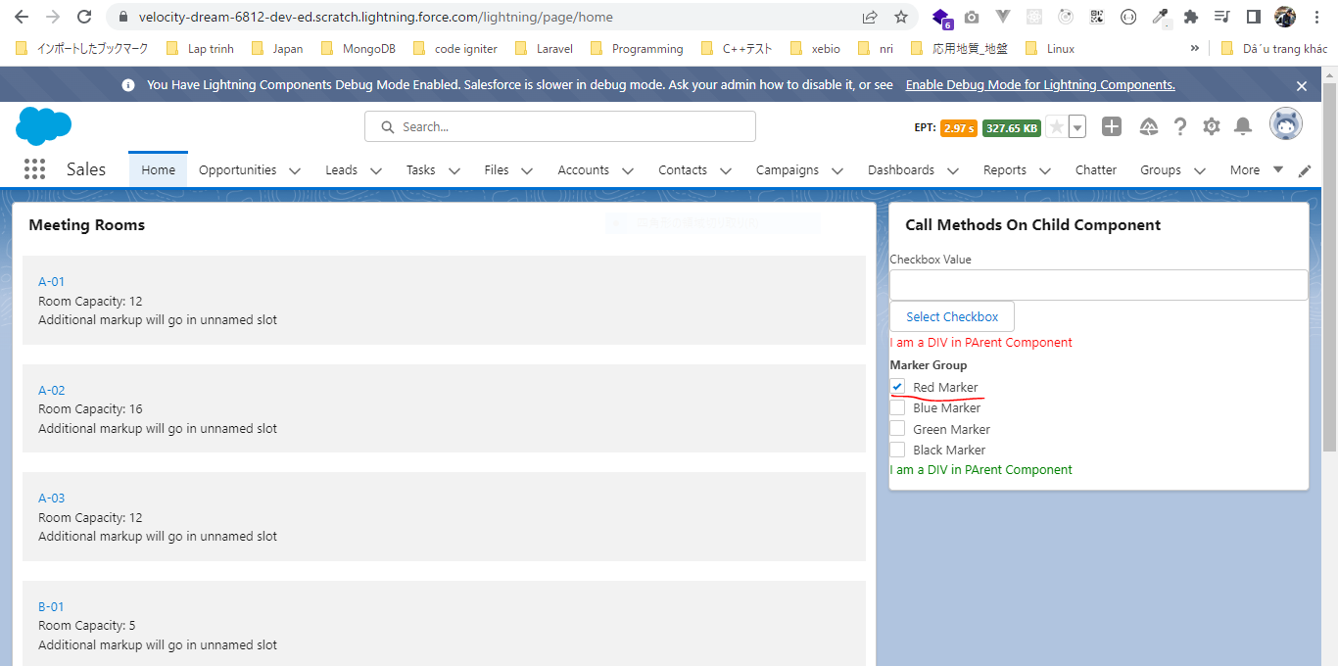



 | after input "green" then click "Select Checkbox" button, "Green Marker" will be auto selected

Shadow DOM

 | In Lightning Web Component, every component has its own shadow tree and shadow tree affetcs all the properties of our component like CSS properties, events, element, access abilities or
 | how we access slot. For example if styling that we apply on one particular component it will not effect any other component. It does not effect the parent component it does not effect the
 | child component

構成
 | LightningWebComponent
 |  | LWC
 |  |  | force-app
 |  |  |  | main
 |  |  |  |  | classes
 |  |  |  |  |  | abcd.cls
 |  |  |  |  | lwc
 |  |  |  |  |  | bmiCalculator
 |  |  |  |  |  |  | bmiCalculator.html
 |  |  |  |  |  |  | bmiCalculator.js
 |  |  |  |  |  |  | bmiCalculator.js-meta.xml
 |  |  |  |  |  | conditionalRenderingExample
 |  |  |  |  |  |  | conditionalRenderingExample.html
 |  |  |  |  |  |  | conditionalRenderingExample.js
 |  |  |  |  |  |  | conditionalRenderingExample.js-meta.xml
 |  |  |  |  |  | helloWorld
 |  |  |  |  |  |  | helloWorld.css
 |  |  |  |  |  |  | helloWorld.html
 |  |  |  |  |  |  | helloWorld.js
 |  |  |  |  |  |  | helloWorld.js-meta.xml
 |  |  |  |  |  | meetingRoom
 |  |  |  |  |  |  | meetingRoom.css
 |  |  |  |  |  |  | meetingRoom.html
 |  |  |  |  |  |  | meetingRoom.js
 |  |  |  |  |  | meetingRooms
 |  |  |  |  |  |  | meetingRooms.html
 |  |  |  |  |  |  | meetingRooms.js
 |  |  |  |  |  | publicMethodChild
 |  |  |  |  |  |  | publicMethodChild.css | → | new
 |  |  |  |  |  |  | publicMethodChild.html | → | code
 |  |  |  |  |  |  | publicMethodChild.js
 |  |  |  |  |  |  | publicMethodChild.js-meta.xml
 |  |  |  |  |  | publicMethodParent
 |  |  |  |  |  |  | publicMethodParent.css | → | new
 |  |  |  |  |  |  | publicMethodParent.html | → | code
 |  |  |  |  |  |  | publicMethodParent.js
 |  |  |  |  |  |  | publicMethodParent.js-meta.xml
 |  |  |  |  |  | secondFileName
 |  |  |  |  |  | simpleCalculator
 |  |  |  |  |  |  | simpleCalculator.html
 |  |  |  |  |  |  | simpleCalculator.js
 |  |  |  |  |  |  | simpleCalculator.js-meta.xml

LightningWebComponent\LWC\force-app\main\default\lwc\publicMethodParent\publicMethodParent.html
 | <template>
 | <lightning-card title="Call Methods On Child Component">
 | <lightning-input value={value} label="Checkbox Value" onchange={onInputChangeHandler}></lightning-input>
 | <lightning-button label="Select Checkbox" onclick={checkboxSelectHandler}></lightning-button>
 | <div> I am a DIV in Parent Component</div>
 | <c-public-method-child ></c-public-method-child>
 | </lightning-card>
 | </template>

LightningWebComponent\LWC\force-app\main\default\lwc\publicMethodParent\publicMethodParent.css
 | div {
 | color: red; |  | → | The CSS property that we apply on the parent component stays with the parent component only, it does not cross the shadow tree of that particular component
 | }

LightningWebComponent\LWC\force-app\main\default\lwc\publicMethodChild\publicMethodChild.html
 | <template>
 | <lightning-checkbox-group name="Checkbox Group"
 | label="Marker Group"
 | options={options}
 | value={value}></lightning-checkbox-group>

 | <div> I am a DIV in Child Component</div>
 | </template>

LightningWebComponent\LWC\force-app\main\default\lwc\publicMethodChild\publicMethodChild.css
 | div {
 | color: green; |  | → | The CSS property that we apply on the child component stays with the child component only, it does not cross the shadow tree of that particular component
 | }

Check browser
 | The div element in the parent component is in red color, the div element in child element is in green color.

Component Lifecycle
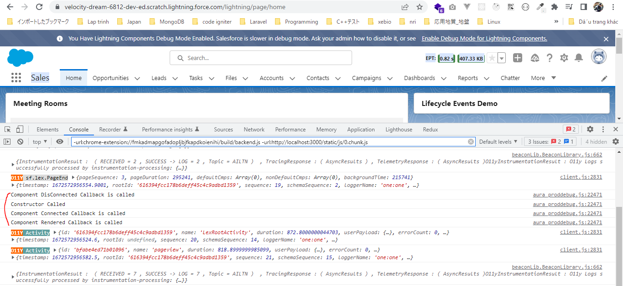
 | Component lifecycle get started when a user requests for a particular if a particular component is being requested on the UI. As soon as our component is requested the first thing that gets
 | called is the component contructor
 | As soon as the constructor is called the framework is going to check if our have any public properties in our component and if they are pending for updation, if yes then first public properties
 | get updated after that the components DOM is inserted inside the page and then the connectedCallback method gets called. In that connected callback method we already have our DOM inserted
 | but we can not do any DOM manipulation here because our DOM is not rendered yet. Although we can assign the attribute values because we have our DOM and we can change the attribute values
 | but can not manipulate the DOM. That means we can not add any new element programmatically or we can not remove any element existing element programmatically.
 | After connectedCallback our DOM is rendered and then framwork is going to check if we have any child component inside our component. If yes the the same cycle will repeat the contructor child
 | component will get called, the public properties will be updated then the connected callback will be called as soon as this will happened and the DOM is entered for a child component the our
 | framework is going to call the renderedCallback method on the child component. We can use this renderedCallback method to manipulate our DOM because at this time our DOM is completely
 | rendered on the UI and once this renderedCallback method is called on the child component then child component will be called on the parent component as well.
 | If user request for DOM removal or if a user navigate through some other page then our DOM is going to be removed from UI and the disconnectedCallback method will be called so we can use this
 | disconnectedCallback method to remove any kind of data connection if we already have it open
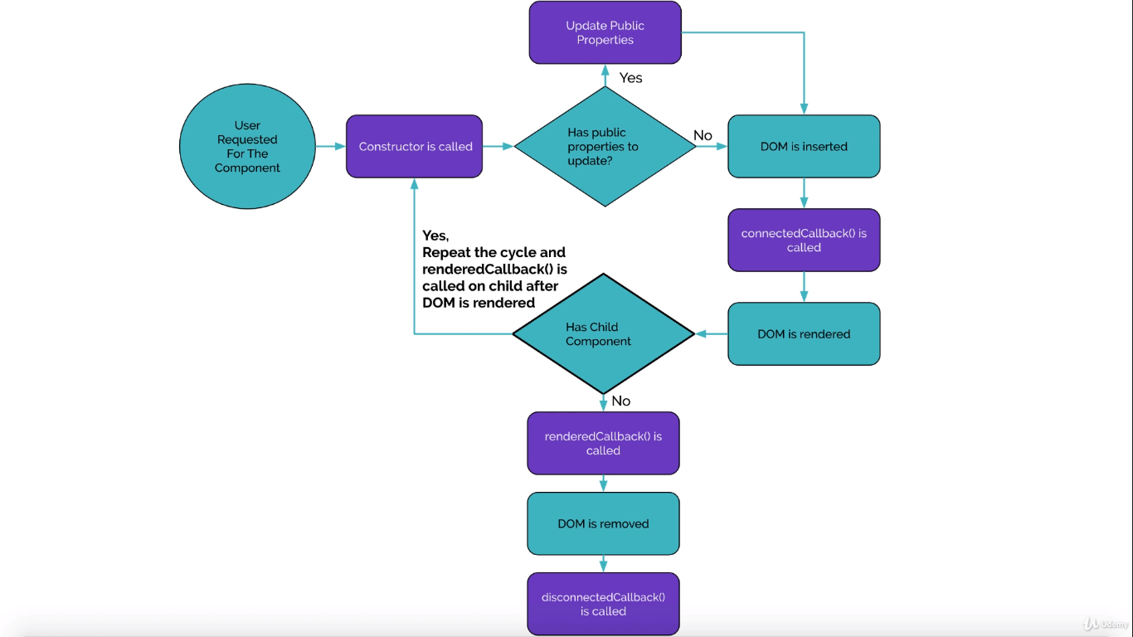

構成
 | LightningWebComponent
 |  | LWC
 |  |  | force-app
 |  |  |  | main
 |  |  |  |  | classes
 |  |  |  |  |  | abcd.cls
 |  |  |  |  | lwc
 |  |  |  |  |  | bmiCalculator
 |  |  |  |  |  |  | bmiCalculator.html
 |  |  |  |  |  |  | bmiCalculator.js
 |  |  |  |  |  |  | bmiCalculator.js-meta.xml
 |  |  |  |  |  | conditionalRenderingExample
 |  |  |  |  |  |  | conditionalRenderingExample.html
 |  |  |  |  |  |  | conditionalRenderingExample.js
 |  |  |  |  |  |  | conditionalRenderingExample.js-meta.xml
 |  |  |  |  |  | helloWorld
 |  |  |  |  |  |  | helloWorld.css
 |  |  |  |  |  |  | helloWorld.html
 |  |  |  |  |  |  | helloWorld.js
 |  |  |  |  |  |  | helloWorld.js-meta.xml
 |  |  |  |  |  | lifecycleDemo |  |  |  | → | new
 |  |  |  |  |  |  | lifecycleDemo.html
 |  |  |  |  |  |  | lifecycleDemo.js
 |  |  |  |  |  |  | lifecycleDemo.js-meta.xml
 |  |  |  |  |  | meetingRoom
 |  |  |  |  |  |  | meetingRoom.css
 |  |  |  |  |  |  | meetingRoom.html
 |  |  |  |  |  |  | meetingRoom.js
 |  |  |  |  |  | meetingRooms
 |  |  |  |  |  |  | meetingRooms.html
 |  |  |  |  |  |  | meetingRooms.js
 |  |  |  |  |  | publicMethodChild
 |  |  |  |  |  |  | publicMethodChild.css
 |  |  |  |  |  |  | publicMethodChild.html
 |  |  |  |  |  |  | publicMethodChild.js
 |  |  |  |  |  |  | publicMethodChild.js-meta.xml
 |  |  |  |  |  | publicMethodParent
 |  |  |  |  |  |  | publicMethodParent.css
 |  |  |  |  |  |  | publicMethodParent.html
 |  |  |  |  |  |  | publicMethodParent.js
 |  |  |  |  |  |  | publicMethodParent.js-meta.xml
 |  |  |  |  |  | secondFileName
 |  |  |  |  |  | simpleCalculator
 |  |  |  |  |  |  | simpleCalculator.html
 |  |  |  |  |  |  | simpleCalculator.js
 |  |  |  |  |  |  | simpleCalculator.js-meta.xml

LightningWebComponent\LWC\force-app\main\default\lwc\lifecycleDemo\lifecycleDemo.js-meta.xml
 | <?xml version="1.0" encoding="UTF-8"?>
 | <LightningComponentBundle xmlns="http://soap.sforce.com/2006/04/metadata">
 | <apiVersion>55.0</apiVersion>
 | <isExposed>true</isExposed>
 | <targets>
 | <target>lightning__AppPage</target>
 | <target>lightning__HomePage</target>
 | <target>lightning__RecordPage</target>
 | </targets>
 | </LightningComponentBundle>

LightningWebComponent\LWC\force-app\main\default\lwc\lifecycleDemo\lifecycleDemo.html
 | <template>
 | <lightning-card title="Lifecycle Events Demo"></lightning-card>
 | </template>

LightningWebComponent\LWC\force-app\main\default\lwc\lifecycleDemo\lifecycleDemo.js
 | import { LightningElement } from 'lwc';

 | export default class LifecycleDemo extends LightningElement {

 | constructor(){
 | super(); |  |  |  |  |  |  | → | super() is mandatory statement inside our constructor and it should be the first statement of our constructor
 | console.log('Constructor Called');
 | }

 | connectedCallback(){
 | console.log('Component Connected Callback is called');
 | }

 | renderedCallback(){
 | console.log('Component Rendered Callback is called');
 | }

 | disconnectedCallback(){
 | console.log('Component DisConnected Callback is called');
 | }
 | }

Check browser
 | After refresh page we can see constructor method should be called first then the connectedCallback then the renderedCallback then the disconnectedCallback
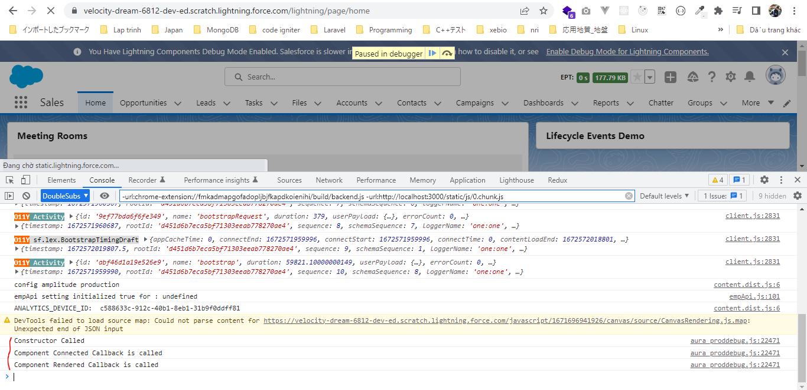

 | navigate to some other page(Opportunities) then disconnectedCallback will also be called

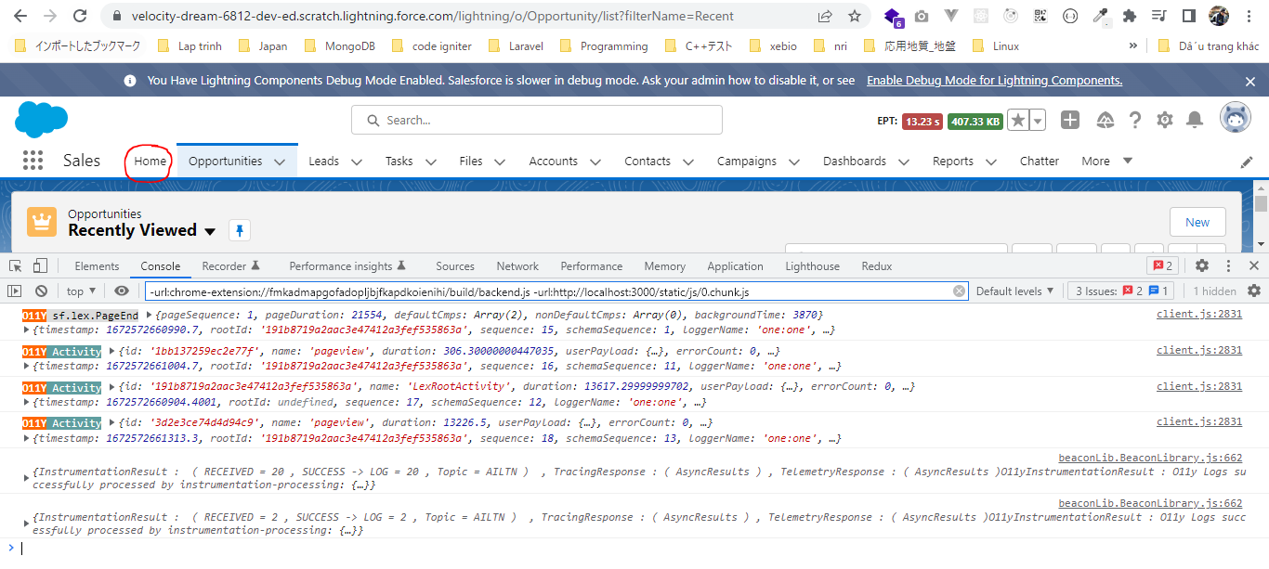

 | we can see before the constructor metod is called again the disconnectedCallback event was fired when we navigate to nother page

