Using Slots
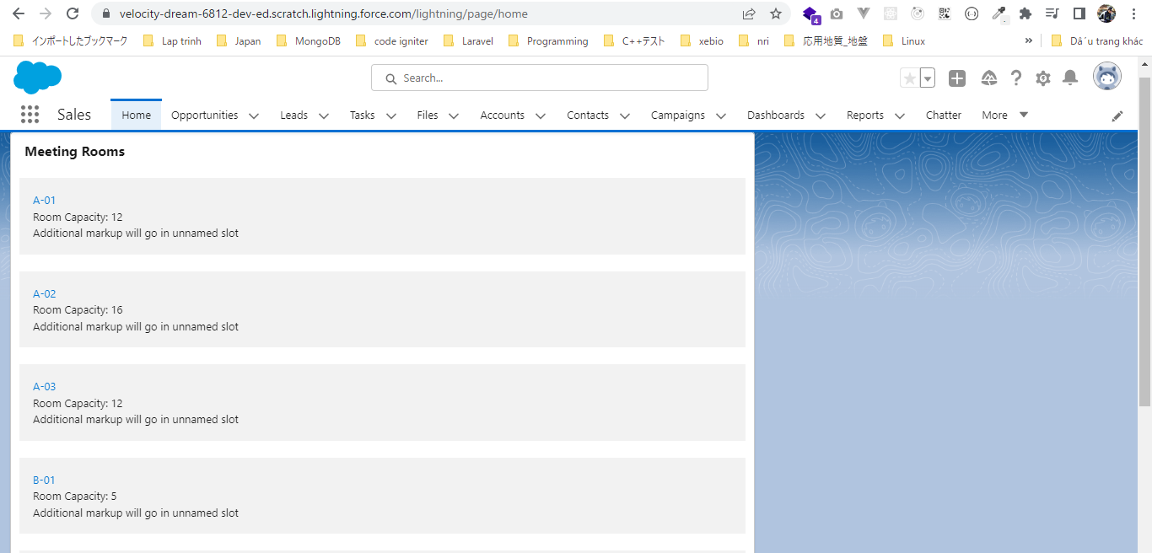
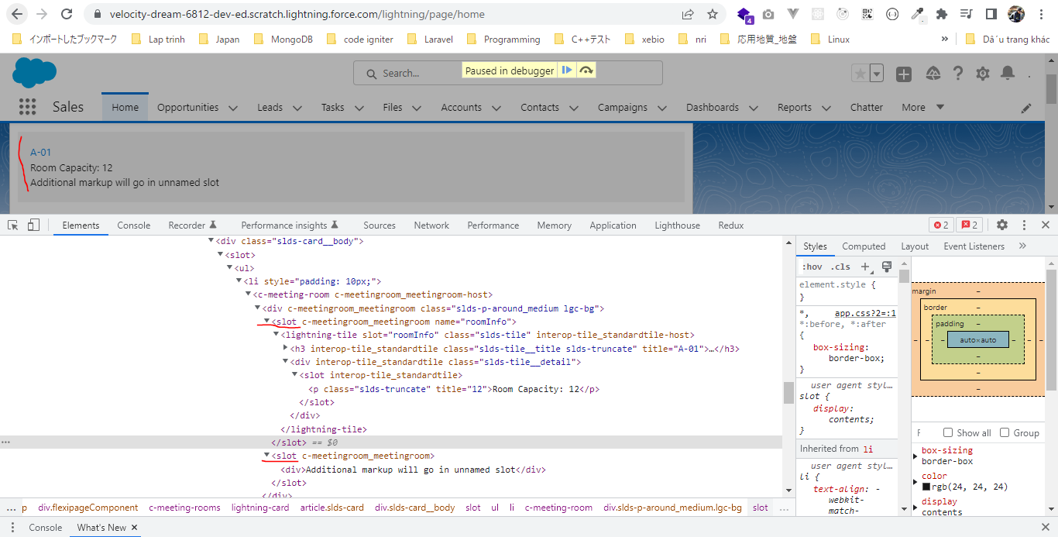
 | We can pass markup from our parent component to the child component by slot
 | There are 2 kinds of slots. One is the name slot where we need to define a name or we need to give a name to slot. And the second one is unamed slot, unamed slot can be zero or maximum 1 in
 | our component. It can not do more than one where we can have as many name slot as we want

構成
 | LightningWebComponent
 |  | LWC
 |  |  | force-app
 |  |  |  | main
 |  |  |  |  | classes
 |  |  |  |  |  | abcd.cls
 |  |  |  |  | lwc
 |  |  |  |  |  | bmiCalculator
 |  |  |  |  |  |  | bmiCalculator.html
 |  |  |  |  |  |  | bmiCalculator.js
 |  |  |  |  |  |  | bmiCalculator.js-meta.xml
 |  |  |  |  |  | conditionalRenderingExample
 |  |  |  |  |  |  | conditionalRenderingExample.html
 |  |  |  |  |  |  | conditionalRenderingExample.js
 |  |  |  |  |  |  | conditionalRenderingExample.js-meta.xml
 |  |  |  |  |  | helloWorld
 |  |  |  |  |  |  | helloWorld.css
 |  |  |  |  |  |  | helloWorld.html
 |  |  |  |  |  |  | helloWorld.js
 |  |  |  |  |  |  | helloWorld.js-meta.xml
 |  |  |  |  |  | meetingRoom
 |  |  |  |  |  |  | meetingRoom.css
 |  |  |  |  |  |  | meetingRoom.html |  |  | → | code
 |  |  |  |  |  |  | meetingRoom.js |  |  | → | code
 |  |  |  |  |  | meetingRooms
 |  |  |  |  |  |  | meetingRooms.html |  |  | → | code
 |  |  |  |  |  |  | meetingRooms.js
 |  |  |  |  |  | secondFileName
 |  |  |  |  |  | simpleCalculator
 |  |  |  |  |  |  | simpleCalculator.html
 |  |  |  |  |  |  | simpleCalculator.js
 |  |  |  |  |  |  | simpleCalculator.js-meta.xml

LightningWebComponent\LWC\force-app\main\default\lwc\meetingRoom\meetingRoom.html
 | <template>
 | <template if:true={showRoomInfo}>
 | <div class="slds-p-around_medium lgc-bg">
 | <slot name="roomInfo"></slot> |  |  |  |  | → | This is name slot because I have given it a name as roomInfo
 | <slot></slot> |  |  |  |  | → | unamed slot
 | </div>
 | </template>
 | </template>

LightningWebComponent\LWC\force-app\main\default\lwc\meetingRoom\meetingRoom.js
 | import { LightningElement, api } from 'lwc';

 | export default class MeetingRoom extends LightningElement {

 | @api showRoomInfo = false;
 | }

LightningWebComponent\LWC\force-app\main\default\lwc\meetingRooms\meetingRooms.html
 | <template>
 | <lightning-card title="Meeting Rooms">
 | <ul>
 | <template for:each={meetingRoomsInfo} for:item="room">
 | <li key={room.roomName} style="padding: 10px">
 | <c-meeting-room show-room-info>
 | <lightning-tile label={room.roomName} slot="roomInfo"> |  |  |  |  |  |  | → | pass this lightning-tile from parent component to to child component where marked by name spot
 | <p class="slds-truncate" title={room.roomCapacity}>Room Capacity:
 | {room.roomCapacity}</p>
 | </lightning-tile>
 | <div>Additional markup will go in unnamed slot</div> |  |  |  |  |  |  | → | pass as unamed slot, to supply mark to unnamed slot we do not have to use the slot attribute
 | </c-meeting-room>
 | </li>
 | </template>
 | </ul>
 | </lightning-card>
 | </template>

