Dispatching And Handling Events
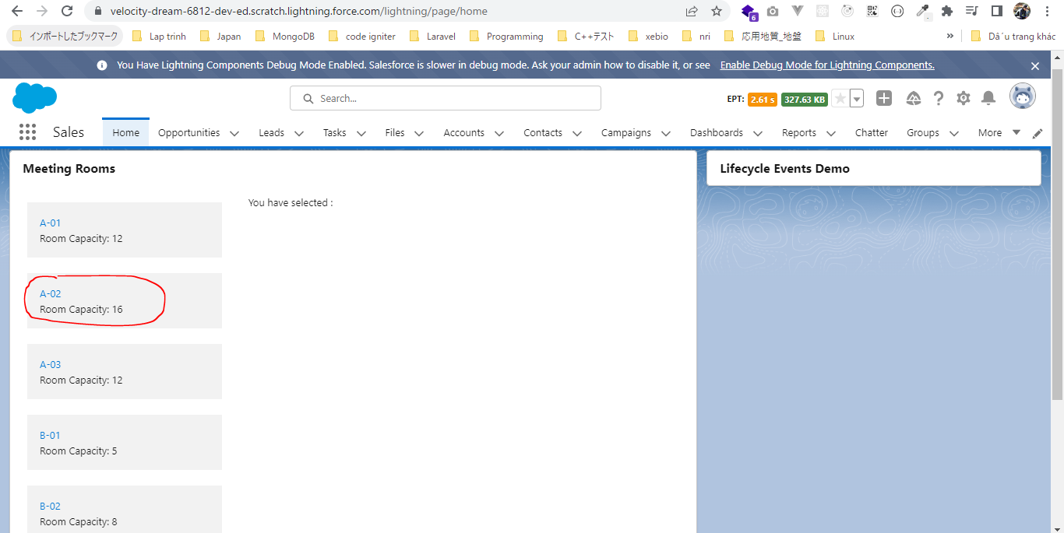
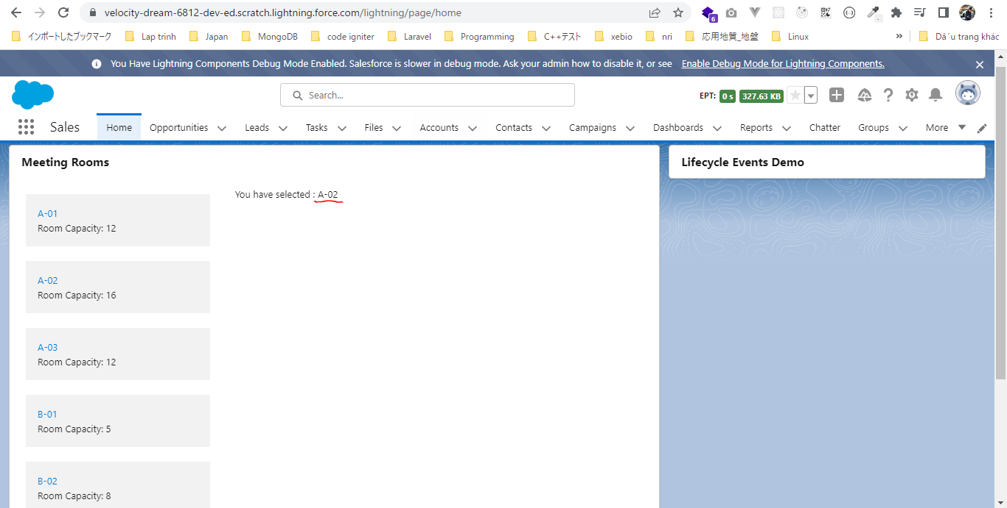
 | In sometime we need our child component to cummunicate back to our parent component or pass some data to parent component. There are ways to do it using events, so we can fire some
 | events from our child component which can be handled in our parent component

構成
 | LightningWebComponent
 |  | LWC
 |  |  | force-app
 |  |  |  | main
 |  |  |  |  | classes
 |  |  |  |  |  | abcd.cls
 |  |  |  |  | lwc
 |  |  |  |  |  | bmiCalculator
 |  |  |  |  |  |  | bmiCalculator.html
 |  |  |  |  |  |  | bmiCalculator.js
 |  |  |  |  |  |  | bmiCalculator.js-meta.xml
 |  |  |  |  |  | conditionalRenderingExample
 |  |  |  |  |  |  | conditionalRenderingExample.html
 |  |  |  |  |  |  | conditionalRenderingExample.js
 |  |  |  |  |  |  | conditionalRenderingExample.js-meta.xml
 |  |  |  |  |  | helloWorld
 |  |  |  |  |  |  | helloWorld.css
 |  |  |  |  |  |  | helloWorld.html
 |  |  |  |  |  |  | helloWorld.js
 |  |  |  |  |  |  | helloWorld.js-meta.xml
 |  |  |  |  |  | lifecycleDemo
 |  |  |  |  |  |  | lifecycleDemo.html
 |  |  |  |  |  |  | lifecycleDemo.js
 |  |  |  |  |  |  | lifecycleDemo.js-meta.xml
 |  |  |  |  |  | meetingRoom
 |  |  |  |  |  |  | meetingRoom.css
 |  |  |  |  |  |  | meetingRoom.html
 |  |  |  |  |  |  | meetingRoom.js
 |  |  |  |  |  | meetingRooms
 |  |  |  |  |  |  | meetingRooms.html
 |  |  |  |  |  |  | meetingRooms.js
 |  |  |  |  |  | publicMethodChild
 |  |  |  |  |  |  | publicMethodChild.css
 |  |  |  |  |  |  | publicMethodChild.html
 |  |  |  |  |  |  | publicMethodChild.js
 |  |  |  |  |  |  | publicMethodChild.js-meta.xml
 |  |  |  |  |  | publicMethodParent
 |  |  |  |  |  |  | publicMethodParent.css
 |  |  |  |  |  |  | publicMethodParent.html
 |  |  |  |  |  |  | publicMethodParent.js
 |  |  |  |  |  |  | publicMethodParent.js-meta.xml
 |  |  |  |  |  | secondFileName
 |  |  |  |  |  | simpleCalculator
 |  |  |  |  |  |  | simpleCalculator.html
 |  |  |  |  |  |  | simpleCalculator.js
 |  |  |  |  |  |  | simpleCalculator.js-meta.xml

LightningWebComponent\LWC\force-app\main\default\lwc\meetingRoom\meetingRoom.html
 | <template>
 | <template if:true={showRoomInfo}>
 | <div class="slds-p-around_medium lgc-bg" onclick={tileClickHandler}> |  |  |  |  |  |  | → | when user click on this div element, our component is going to fire custom event
 | <lightning-tile label={meetingRoomInfo.roomName}>
 | <p class="slds-truncate" title={meetingRoomInfo.roomCapacity}>Room Capacity:
 | {meetingRoomInfo.roomCapacity}</p>
 | </lightning-tile>
 | </div>
 | </template>
 | </template>

LightningWebComponent\LWC\force-app\main\default\lwc\meetingRoom\meetingRoom.js
 | import { LightningElement, api } from 'lwc';

 | export default class MeetingRoom extends LightningElement {
 | @api meetingRoomInfo = {roomName:'A-01', roomCapacity:'12'}

 | @api showRoomInfo = false;

 | tileClickHandler(){
 | const tileClicked = new CustomEvent('tileclick', {detail : this.meetingRoomInfo, bubbles :true}); |  |  |  |  |  |  |  | → | declare an event
 |  |  |  |  |  |  |  |  |  | tileclick is event name and when we are going to handle this tileclick event in our parent component we need to prepend this even name which "on" keyword → ontitleclick
 |  |  |  |  |  |  |  |  |  | We can also pass some payload to this event which can be used in our parent component to perform some logic. In our case we need to pass the meeting room info here so that our parent component can know which meeting room has been clicked
 |  |  |  |  |  |  |  |  |  | this payload that we are talking about need to be passed via detail property of our event
 |  |  |  |  |  |  |  |  |  | In Lightning Web Component when dispatch a event by default it does not bubbles up to its parent and it can only be handled on the component creation tag itself
 |  |  |  |  |  |  |  |  |  | When we are handling the event programmatically or define a listener programmatically we need for the event to bubble up parent component
 | this.dispatchEvent(tileClicked); |  |  |  |  |  |  |  | → | fire event we need to use dispatchEvent method which standard javascript
 | }
 | }

LightningWebComponent\LWC\force-app\main\default\lwc\meetingRooms\meetingRooms.html
 | <template>
 | <lightning-card title="Meeting Rooms">
 | <lightning-layout>
 | <lightning-layout-item size="4" padding="around-small">
 | <ul>
 | <template for:each={meetingRoomsInfo} for:item="room">
 | <li key={room.roomName} style="padding: 10px">
 | <c-meeting-room meeting-room-info={room} show-room-info></c-meeting-room> |  |  |  |  |  |  |  | → | To declare the handle for our event being fired from the child component there are two ways. The
 | </li> |  |  |  |  |  |  |  |  | first way is to handle it from the component tag itself. Here we can define the handler for our
 | </template> |  |  |  |  |  |  |  |  | event ontileclick={onTitleSelectHandler}
 | </ul> |  |  |  |  |  |  |  |  | But if we want to define our handle programmaticallylike based on some condition we can
 | </lightning-layout-item> |  |  |  |  |  |  |  |  | do that as well from our javascript file. In this case we want to define the handler at the time
 | <lightning-layout-item size="8" padding="around-small"> |  |  |  |  |  |  |  |  | of component creation itself so we use to constructor method
 | You have selected : {selectedMeetingRoom}
 | </lightning-layout-item>
 | </lightning-layout>
 | </lightning-card>
 | </template>

LightningWebComponent\LWC\force-app\main\default\lwc\meetingRooms\meetingRooms.js
 | import { LightningElement, track } from 'lwc';

 | export default class MeetingRooms extends LightningElement {

 | @track selectedMeetingRoom;

 | meetingRoomsInfo = [
 | {roomName:'A-01', roomCapacity:'12'},
 | {roomName:'A-02', roomCapacity:'16'},
 | {roomName:'A-03', roomCapacity:'12'},
 | {roomName:'B-01', roomCapacity:'5'},
 | {roomName:'B-02', roomCapacity:'8'},
 | {roomName:'B-03', roomCapacity:'10'},
 | {roomName:'C-01', roomCapacity:'20'}

 | ];

 | onTileSelectHandler(event){
 | const meetingRoomInfo = event.detail;
 | this.selectedMeetingRoom = meetingRoomInfo.roomName;
 | }

 | constructor(){
 | super();
 | this.template.addEventListener('tileclick', this.onTileSelectHandler.bind(this)); |  |  |  |  |  |  | → | this.template because we are attaching a listener on this template
 | } |  |  |  |  |  |  |  | bind this
 | }

Check browser


 | click on any of the meeting room and we will see it is displaying the selected meeting room info

