Hello World Component
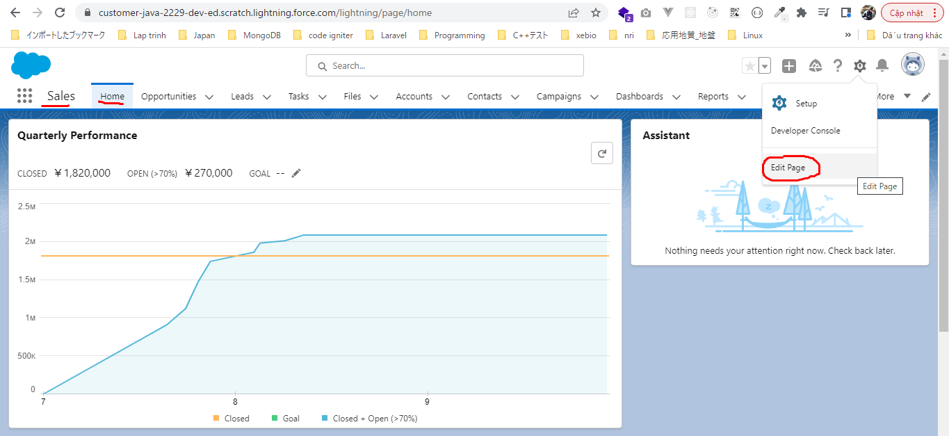
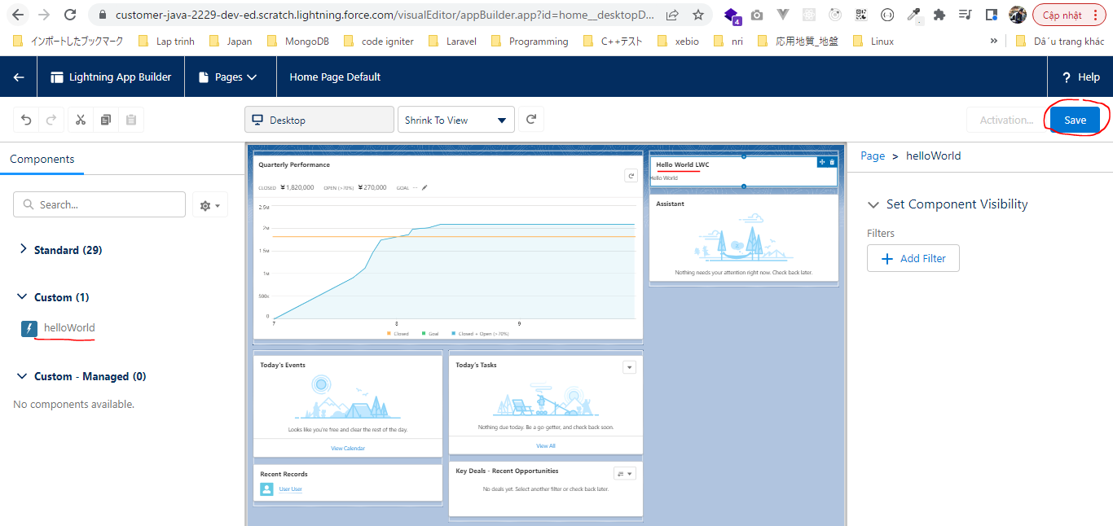
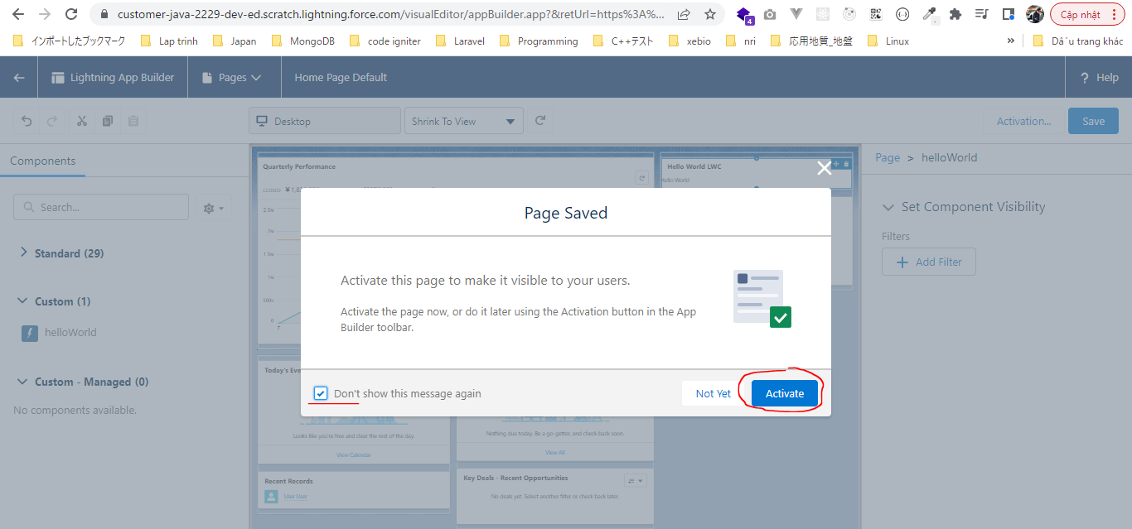
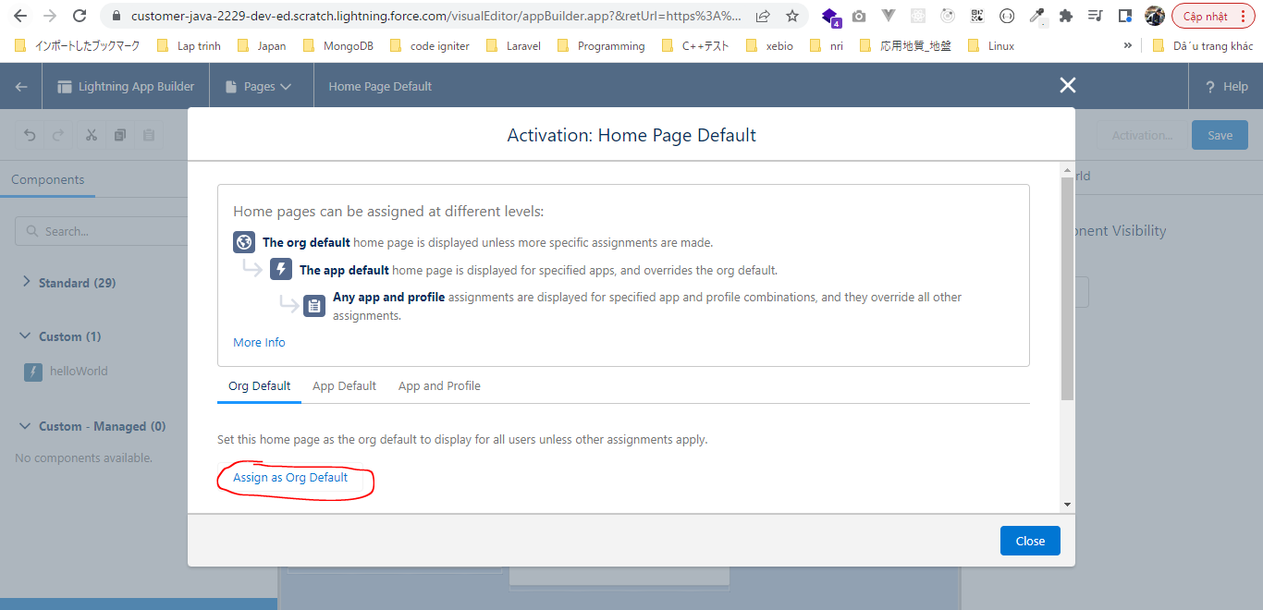
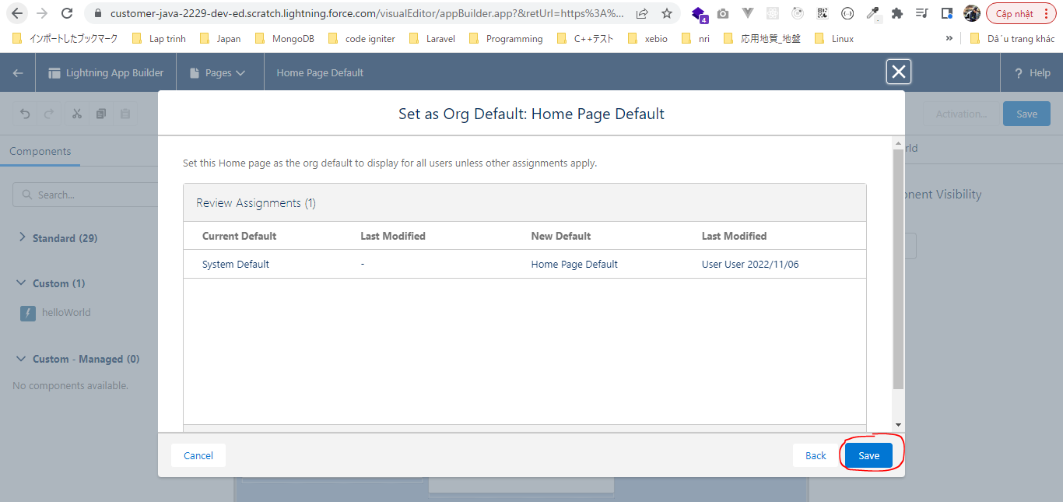
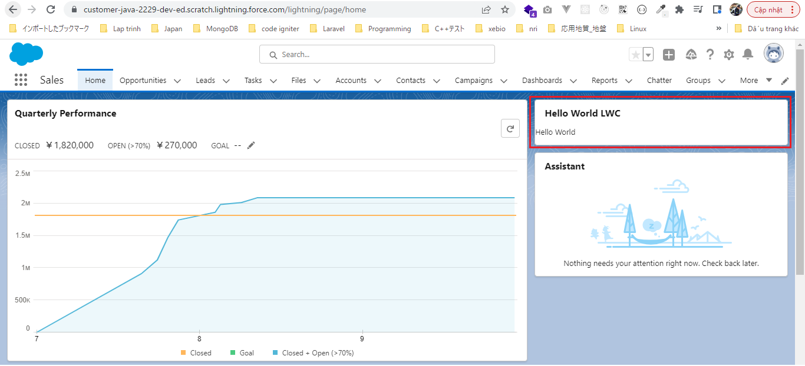
構成
 | LightningWebComponent
 |  | LWC
 |  |  | force-app
 |  |  |  | main
 |  |  |  |  | classes
 |  |  |  |  |  | abcd.cls
 |  |  |  |  | lwc
 |  |  |  |  |  | helloWorld |  | → | new Lightning Web Component. Tên phải để ở dạng camelCase
 |  |  |  |  |  |  | helloWorld.html
 |  |  |  |  |  |  | helloWorld.js
 |  |  |  |  |  |  | helloWorld.js-meta.xml
 |  |  |  |  |  | secondFileName

LightningWebComponent\LWC\force-app\main\default\lwc\helloWorld\helloWorld.html
 | <template> |  |  |  |  | → | Phải được bao ngoài là thẻ template
 | <lightning-card title="Hello World LWC">
 | <div>Hello World</div>
 | </lightning-card>
 | </template>

LightningWebComponent\LWC\force-app\main\default\lwc\helloWorld\helloWorld.js-meta.xml
 | <?xml version="1.0" encoding="UTF-8"?>
 | <LightningComponentBundle xmlns="http://soap.sforce.com/2006/04/metadata">
 | <apiVersion>55.0</apiVersion>
 | <isExposed>true</isExposed> |  |  |  |  |  |  | → | Make Lightning Web Component available to be used within the App builder page
 | <targets> |  |  |  |  |  |  | → | Define this particular Lightning Web Component can be used in a Salesforce environtment
 | <target>lightning__RecordPage</target> |  |  |  |  |  |  | → | Make Lightning Web Component available to be used within the App builder on Record pages
 | <target>lightning__AppPage</target> |  |  |  |  |  |  | → | Make Lightning Web Component available to be used within the App builder on App pages
 | <target>lightning__HomePage</target> |  |  |  |  |  |  | → | Make Lightning Web Component available to be used within the App builder on Home pages
 | </targets>
 | </LightningComponentBundle>

Push code to Scratch org
 | sfdx force:source:push
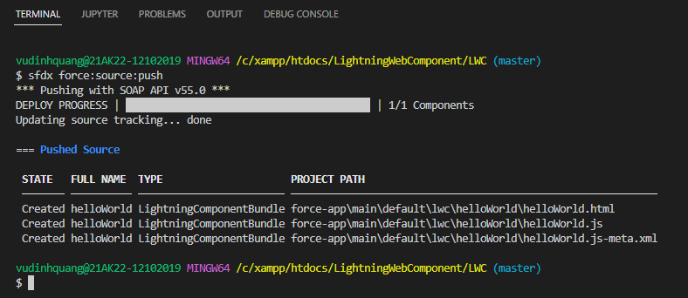

Cho component hiển thị
 | Sales App Home page

Data Binding
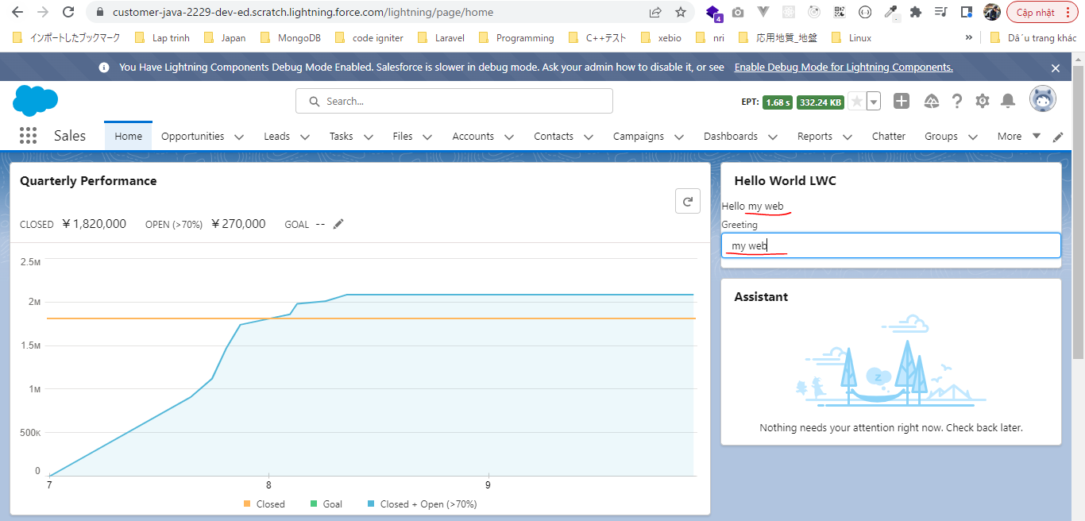
構成
 | LightningWebComponent
 |  | LWC
 |  |  | force-app
 |  |  |  | main
 |  |  |  |  | classes
 |  |  |  |  |  | abcd.cls
 |  |  |  |  | lwc
 |  |  |  |  |  | helloWorld
 |  |  |  |  |  |  | helloWorld.html |  | → | code
 |  |  |  |  |  |  | helloWorld.js |  | → | code
 |  |  |  |  |  |  | helloWorld.js-meta.xml
 |  |  |  |  |  | secondFileName

LightningWebComponent\LWC\force-app\main\default\lwc\helloWorld\helloWorld.html
 | <template>
 | <lightning-card title="Hello World LWC">
 | <div>Hello {dynamicGreeting}</div>
 | <lightning-input label="Greeting" onchange={greetingChangeHandler}></lightning-input> |  |  |  |  |  |  |  |  | → | onchange: html to javascript file binding
 | </lightning-card>
 | </template>

LightningWebComponent\LWC\force-app\main\default\lwc\helloWorld\helloWorld.js
 | import { LightningElement, track } from 'lwc'; |  |  |  |  |  |  | → | track: To create a binding of property in our Lingtning Web Component. The first thing that we need to
 |  |  |  |  |  |  |  |  | do for that is to create this property as a trackable properties. When a property is the trackable, it creates
 | export default class HelloWorld extends LightningElement { |  |  |  |  |  |  |  | a one way data binding in backend from our javascript file to html file. That means whenever the value of
 | @track dynamicGreeting = 'World'; |  |  |  |  |  |  |  | properry will change in javascript file that will reflect to html

 | greetingChangeHandler(event){
 | this.dynamicGreeting = event.target.value;
 | }
 | }

Check by browser
 | Màn hình ban đầu
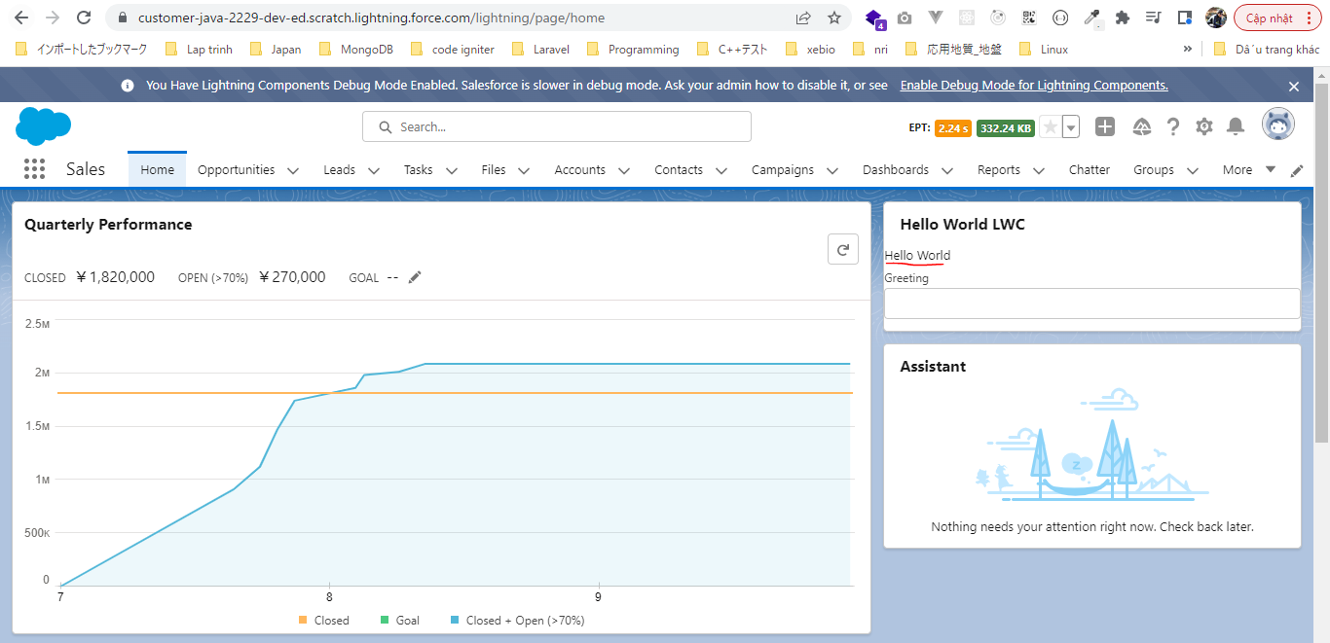

 | Nhập "my web" vào ô input

